Sheet1
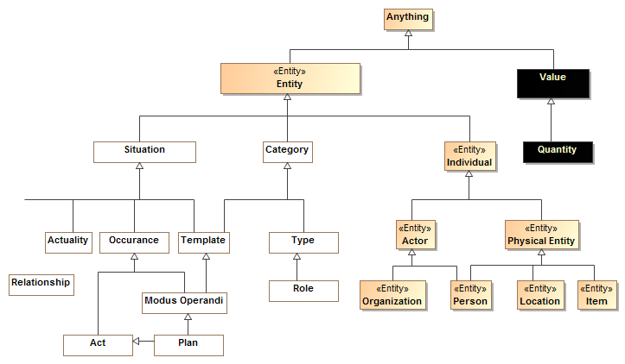
Proposed Term | Current threat/risk conceptual model |  |  | NIEM Core / XSD |  | LEADing practice |  | Other
 | Term | Definition | Supertypes | Term | Definition | Term | Definition
Anything | Anything | Any thing or value that does or may exist |  | xs:anyType | A special complex type definition, (referred to in earlier versions of this specification as 'the ur-type definition') whose name is anyType in the XSD namespace, is present in each ·XSD schema·. The definition of anyType serves as default type definition for element declarations whose XML representation does not specify one. |  |  | UML: ModelElement, STIX-Python:object, DOLCE: Entity, BFO:Entity
Value |  | (Not currently defined, should be - differentate from Entity) |  | xs:SimpleType |  |  |  | OWL:Datatype, DOCEL: Abstract quality
Quantity | Quantity | A real scalar quantity, defined and adopted by convention, with which any other quantity of the same quantity kind can be compared to express the ratio of the two quantities as a number. e.g. Degrees Centigrade, Miles. [JCGM 200:2008-Measurement Unit] | Anything (Should be value)
Entity | Entity | Anything identifiable that may change over time (or the extent may change over time), not a pure value. This includes: person, place, thing, agreement, situation, context category and type. | Anything | ObjectType | In a NIEM-conformant schema, an object type is a complex type definition, an instance of which asserts the existence of an object. An object type represents some kind of object: a thing with its own lifespan that has some existence. The object may or may not be a physical object. It may be a conceptual object. | Object |  | OWL:Thing, STIX:Entity, DOLCE: (not quality)
Situation | Situation | A particular configuration involving anything including spacial, temporal and logical connections between those things valid over a period of time. | Entity |  |  |  | [cbc] Event Metatype is used like we use Situation but defined differently | DOLCE: Non physical endurant?, BFO: Spatiotemporal Region
Occurance | Occurance | Anything that happens. A dynamic situation of a set of things changing over a period of time {Endurant} | Situation | ActivityType | A data type for a single or set of related actions, events, or process steps.[cbc] Implicitly may involve people, so may be Threat::Act |  | [cbc]In some cases, LEADing::Event seems to be used as something extending over time, not a state change (e.g. Attack, Incident, Occurance, Disaster) | SUMO: Temporal, DOLCE: Perdurant / Occurance
Event | Transition | An Event is a something that may occur at a specific instant in time and involves some change of state | Occurance |  |  | Event | A state change that recognizes the triggering or termination of processing. | UML: Event, DOCE: Event, BFO: P{rocess Boundary | An Event is a something that may occur at a specific instant in time. One Event may have many occurrences, which may happen at different times. In this sense, an Event can be considered a classification of its occurrences, though Events are not actually Classifiers in UML.
Activity | Act | An occurrence of a unit of work performed by an actor. | Occurance | ActivityType | A data type for a single or set of related actions, events, or process steps.[cbc] Implicitly may involve people, so may be Threat::Act | Activity |  | UMLAction, BFO: Process? | An Action is the fundamental unit of behavior specification in UML. An Action may take a set of inputs and produce a set of outputs, though either or both of these sets may be empty. Some Actions may modify the state of the system in which the Action executes.
Phase | State/phase | Phase classifies some portion of an entities lifetime. Also known as a “State”. |  |  |  |  |  | UML: State, OntoUML: Phase, DOLCE: State
Individual | Individual | A particular thing {Endurant}, not a type or category. | Entity |  |  |  | LEADing "individual" is a person. | Logic: Endurant, BFO: Independent Continuant
Actor | Actor | An entity capable of performing acts | Individual | EntityType | A data type for a person, organization, or thing capable of bearing legal rights and responsibilities. | Actor | A person, organization, or system that has a role that initiates or interacts with activities. Actors may be internal or external to an organization. | Oasis xPRL:Party, DOLCE: Social Agent | Has person and organization elements
 |  | Resource would be a role of an entity |  |  |  | Resource | ny person, organization, or system that many be assigned one or more roles. Actors may be internal or external to an organization.
Person | Person | A human being | Actor, Physical Entity | Person | A data type for a human being. | Individual | A single human being
Organization | Organization | a group of persons and resources organized for some end or work | Actor | Organization | A data type for a body of people organized for a particular purpose. | Organization Unit | A self-contained unit of resources with strategic business objectives, critical success factors, goals, and measures
 |  |  |  |  |  | Organizational Construct | he components of the organization and how they are assembled.
Physical Entity | Physical Entity | A thing that has mass and takes up space including people, places and things. | Individual |  | Could also be covered by ItemType |  |  | BFO: Material Object
Location | Location (Was place) | A particular portion of space, whether of definite or indefinite extent. [Dictionary.com] | Physical Entity | Location | A data type for geospatial location. | Location | A point, facility, place, or geographic position that may be referred to physically or logically. | DOLCE: Physical region, BFO: Spatial Region
Item | Item (Was Thing) | an inanimate material object as distinct from a living sentient being. | Physical Entity | ItemType | A data type for an article or thing. |  | [cbc] Perhaps associated with Resource | BFO: Subtype of Object
Process | Modeus Operandi | A process template for occurrences that results in a situation. (CBC:Modeus Operandi should be a subtype of process, or something like it) | Template Occurance |  |  | Process Activity or Plan | Plan: a detailed proposal for doing or achieving something, Process activity: A part of the actual physical work system which specifies how to complete the change in the form or state of an input, oversee or even achieve the completion of an interaction with other actors which results in the making of a decision based on knowledge, judgement, experience, and instinct. | UML: Activity
Incident | Incident | A detrimental situation that is happening or has happened. | Occurance | Incident | A data type for an occurrence or an event that may require a response. | Incident | ... of enough significance to change the ability of some part of the business to perform in a material manner | Incident | The IncidentType characterizes a single cyber threat Incident.
Category | Category | A grouping of concepts contextualized in some way and with some common attributes and/or relations. | Entity |  |  |  |  | UML:Namespace & Type (Partial matchs)
Type |  | A categorization of concepts about individuals or types based on specific criteria | Category |  |  |  |  | UML:Type, OWL:Class
Role | Role | A realized or potential behavior of an entity with respect to some situation, e.g. Joe is teaching class A123. Entities may have multiple roles that change over time. | Type | Role (Implied) | roleOf property |  |  | UML: Association end (partion match), BFO:Role
Template | Template | A pattern, configuration of things that may exist (disjoint with actuality) | Situation
Actuality | Actuality | An individual situation that actually exists or will exist in some possible world | Situation
Relationship | Relationship | A logical connection between other entities | Situation | AssociationType |  |  |  | UML: Association,

