Diagram
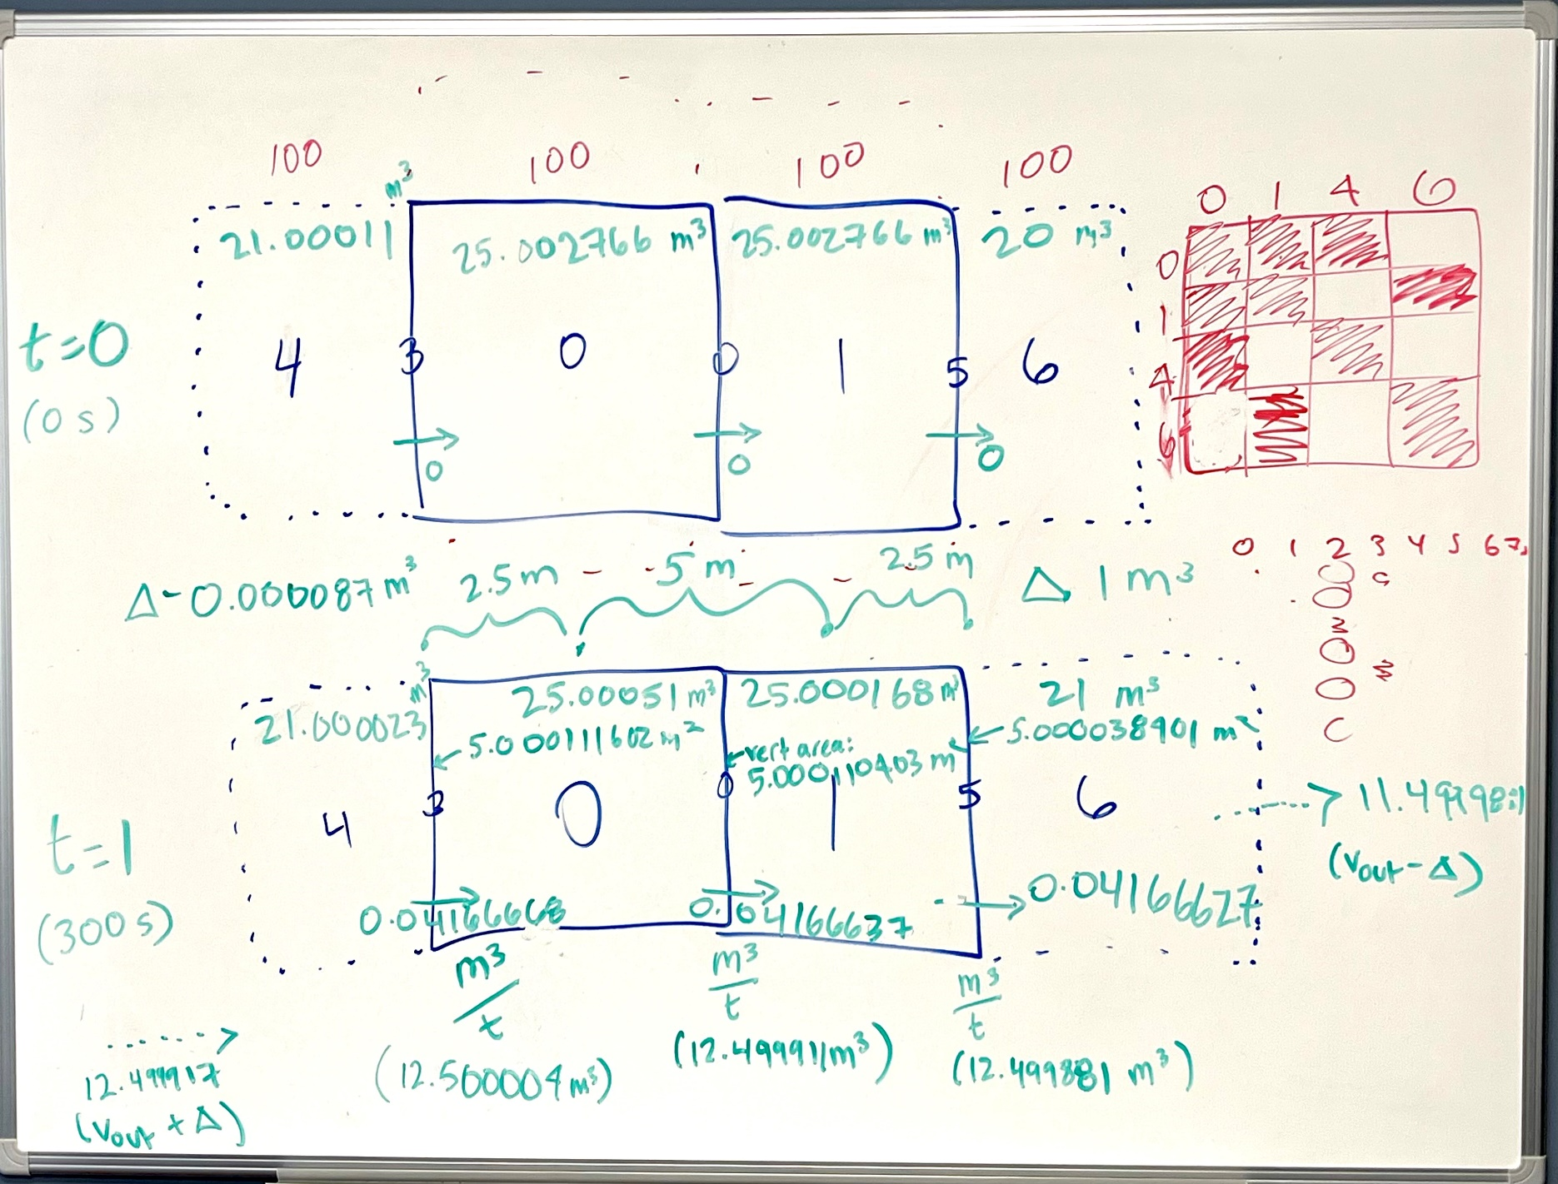
4 | 0 | 1 | 6

