Policy Rule Funds Rates
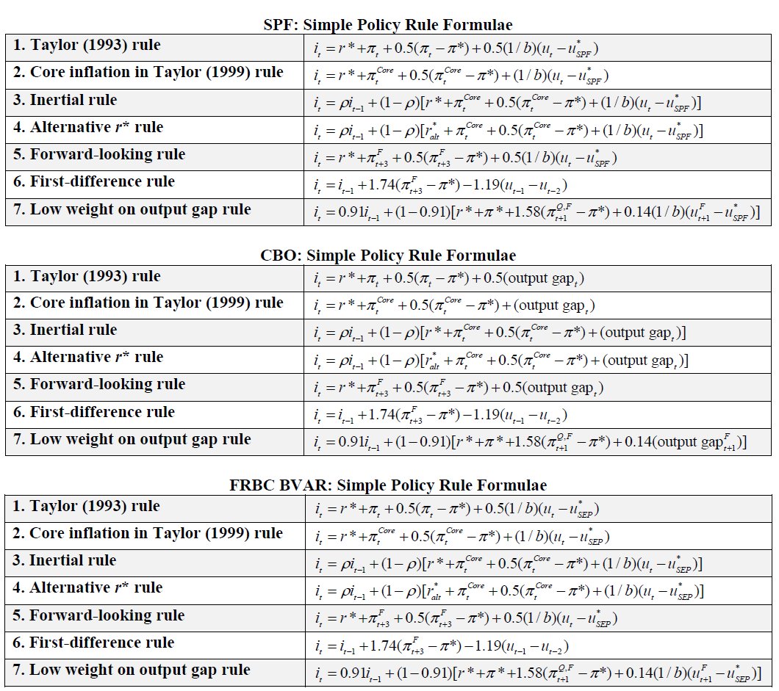
Federal Funds Rates Based on Seven Simple Monetary Policy Rules (Percent)
 | Date (YYYY.Q format) | 2023.2 | 2023.3 | 2023.4 | 2024.1 | 2024.2 | 2024.3 | 2024.4 | 2025.1 | 2025.2 | 2025.3 | Parameter | Value
Survey of Professional Forecasters | Taylor (1993) rule | 4.99 | 4.69 | 4.25 | 3.52 | 3.43 | 3.24 |  |  |  |  | π* | 2
 | Core inflation in Taylor (1999) rule | 4.99 | 6.16 | 5.40 | 4.31 | 3.69 | 3.20 |  |  |  |  | r* | 0.5
 | Inertial rule | 4.99 | 5.22 | 5.26 | 5.07 | 4.80 | 4.48 |  |  |  |  | ralt* | 0.97557849845
 | Alternative r* rule | 4.99 | 5.32 | 5.43 | 5.30 | 5.08 | 4.80 |  |  |  |  | 1/b | -1.3
 | Forward-looking rule | 4.99 | 3.70 | 3.49 |  |  |  |  |  |  |  | uSPF* | 4
 | First-difference rule | 4.99 | 5.95 | 6.88 |  |  |  |  |  |  |  | uSEP* | 4
 | Low weight on output gap rule | 4.99 | 4.88 | 4.74 | 4.61 | 4.47 |  |  |  |  |  | ρ | 0.8
Congressional Budget Office | Taylor (1993) rule | 4.99 | 4.09 | 3.65 | 3.05 | 2.82 | 2.62 | 2.43 | 2.33 | 2.32 | 2.28
 | Core inflation in Taylor (1999) rule | 4.99 | 4.75 | 4.00 | 3.12 | 2.52 | 2.13 | 1.93 | 1.88 | 1.87 | 1.89 | For parameter definitions, see the 'Parameters' tab of the spreadsheet.
 | Inertial rule | 4.99 | 4.94 | 4.75 | 4.43 | 4.04 | 3.66 | 3.32 | 3.03 | 2.80 | 2.62
 | Alternative r* rule | 4.99 | 5.04 | 4.92 | 4.66 | 4.33 | 3.98 | 3.67 | 3.40 | 3.19 | 3.03
 | Forward-looking rule | 4.99 | 3.14 | 2.78 | 2.44 | 2.21 | 2.11 | 2.05 | 2.05 | 1.80 | 1.81
 | First-difference rule | 4.99 | 6.33 | 7.34 | 7.96 | 8.48 | 8.90 | 9.31 | 9.63 | 9.69 | 9.79
 | Low weight on output gap rule | 4.99 | 4.90 | 4.77 | 4.61 | 4.47 | 4.33 | 4.19 | 4.06 | 3.93 | 3.82
FRBC staff small BVAR model | Taylor (1993) rule | 4.99 | 5.04 | 5.22 | 4.83 | 5.10 | 4.84 | 4.40 | 4.22 | 3.97 | 3.77
 | Core inflation in Taylor (1999) rule | 4.99 | 6.10 | 6.07 | 5.28 | 4.98 | 4.76 | 4.25 | 3.98 | 3.70 | 3.46
 | Inertial rule | 4.99 | 5.21 | 5.38 | 5.36 | 5.29 | 5.18 | 5.00 | 4.79 | 4.58 | 4.35
 | Alternative r* rule | 4.99 | 5.31 | 5.55 | 5.60 | 5.57 | 5.50 | 5.35 | 5.17 | 4.97 | 4.76
 | Forward-looking rule | 4.99 | 5.20 | 5.08 | 4.62 | 4.44 | 4.17 | 3.95 | 3.78 | 3.62 | 3.47
 | First-difference rule | 4.99 | 7.74 | 10.31 | 12.62 | 14.50 | 16.22 | 17.74 | 19.15 | 20.47 | 21.68
 | Low weight on output gap rule | 4.99 | 5.07 | 5.03 | 5.01 | 4.96 | 4.89 | 4.82 | 4.74 | 4.65 | 4.56
Summary | Maximum | 4.99 | 7.74 | 10.31 | 12.62 | 14.50 | 16.22 | 17.74 | 19.15 | 20.47 | 21.68
 | 75th Percentile | 4.99 | 5.32 | 5.43 | 5.29 | 5.09 | 4.88 | 4.95 | 4.78 | 4.63 | 4.51
 | Median | 4.99 | 5.07 | 5.08 | 4.66 | 4.47 | 4.40 | 4.22 | 4.02 | 3.82 | 3.62
 | 25th Percentile | 4.99 | 4.88 | 4.74 | 4.37 | 3.87 | 3.34 | 3.40 | 3.12 | 2.89 | 2.72
 | Minimum | 4.99 | 3.14 | 2.78 | 2.44 | 2.21 | 2.11 | 1.93 | 1.88 | 1.80 | 1.81
 |  | Data
Sources: Federal Reserve Bank of Cleveland calculations based on data and/or forecasts from Federal Reserve Bank of Philadelphia; Congressional Budget Office; Federal Reserve Bank of Cleveland; Bureau of Economic Analysis; Bureau of Labor Statistics; Board of Governors of the Federal Reserve System; and Haver Analytics. Notes: All federal funds rates are expressed as quarterly average percentages.

Based on data and forecasts available as of September 6, 2023.

Make Your Own Rule
Step 1:
Overwrite this forecast with yours
Overwrite the cells in white with your own forecasts for year-over-year PCE inflation, core PCE inflation, and the unemployment rate. Quarter-over-quarter PCE inflation is calculated automatically from your year-over-year PCE inflation forecast. The table has been initialized with the FRBC staff small BVAR model forecasts for these variables.
Date (YYYY.Q format) | 2022.4 | 2023.1 | 2023.2 | 2023.3 | 2023.4 | 2024.1 | 2024.2 | 2024.3 | 2024.4 | 2025.1 | 2025.2 | 2025.3 | 2025.4 | 2026.1 | 2026.2
Federal funds rate (quarterly average, percent, data) | 3.66 | 4.52 | 4.99
PCE inflation (year-over-year, percent) | 5.7 | 4.9 | 3.7 | 3.5 | 3.6 | 3.4 | 3.6 | 3.5 | 3.3 | 3.2 | 3.1 | 3.0 | 2.9 | 2.8 | 2.8
Core PCE inflation (year-over-year, percent) | 4.8 | 4.6 | 4.4 | 4.0 | 3.9 | 3.5 | 3.4 | 3.4 | 3.2 | 3.1 | 3.0 | 2.9 | 2.8 | 2.7 | 2.7
Unemployment rate (percent) | 3.6 | 3.5 | 3.6 | 3.6 | 3.5 | 3.6 | 3.7 | 3.9 | 4.0 | 4.1 | 4.2 | 4.3 | 4.3 | 4.4 | 4.5
We compute the quarter-over-quarter PCE inflation rate for you: | 3.7 | 4.1 | 2.5 | 3.7 | 4.1 | 3.3 | 3.4 | 3.2 | 3.1 | 3.0 | 2.9 | 2.8 | 2.8 | 2.7 | 2.7

Step 2:
Customize a general policy rule with your values for the parameters
This rule is a general policy rule that you can customize by specifying the values of the parameters defined in the table to the left. The table has been initialized with α, β, and ρ chosen to match the Taylor (1993) rule. The other parameter values come from the 'Parameters' tab, and we pencil in u* from the SEP. The rule also requires $π$_{t} (PCE inflation, year-over-year) and u_{t} (the unemployment rate), which it will take from your forecast above. The federal funds rates coming from this customized rule appear in the last row in Step 3.
it = ρit-1 + (1-ρ)[r* + πt + α(πt - π*) + β(1/b)(ut - u*)]
Parameter | Value
π*, target inflation rate (%) | 2
r*, natural real federal funds rate (%) | 0.5
1/b, inverse Okun's coefficient | -1.3
u*, natural/long-run rate of unemployment (%) | 4
ρ, interest rate inertia/smoothing parameter (should be < 1) | 0
α, weight on inflation gap | 0.5
β, weight on output gap | 0.5

Step 3:
See the federal funds rates...
... from seven simple policy rules...
... and from your customized rule
This section of the table calculates federal funds rates from seven simple policy rules using your forecast above and parameter values from the 'Parameters' tab. Policy rule formulae match the FRBC BVAR section on the 'Policy Rule Funds Rates' tab.
Your Federal Funds Rates (%)
Date (YYYY.Q format) | 2023.2 | 2023.3 | 2023.4 | 2024.1 | 2024.2 | 2024.3 | 2024.4 | 2025.1 | 2025.2 | 2025.3
Taylor (1993) rule | 4.99 | 5.04 | 5.22 | 4.83 | 5.10 | 4.84 | 4.40 | 4.22 | 3.97 | 3.77
Core inflation in Taylor (1999) rule | 4.99 | 6.10 | 6.07 | 5.28 | 4.98 | 4.76 | 4.25 | 3.98 | 3.70 | 3.46
Inertial rule | 4.99 | 5.21 | 5.38 | 5.36 | 5.29 | 5.18 | 5.00 | 4.79 | 4.58 | 4.35
Alternative r* rule | 4.99 | 5.31 | 5.55 | 5.60 | 5.57 | 5.50 | 5.35 | 5.17 | 4.97 | 4.76
Forward-looking rule | 4.99 | 5.20 | 5.08 | 4.62 | 4.44 | 4.17 | 3.95 | 3.78 | 3.62 | 3.47
First-difference rule | 4.99 | 7.74 | 10.31 | 12.62 | 14.50 | 16.22 | 17.74 | 19.15 | 20.47 | 21.68
Low weight on output gap rule | 4.99 | 5.07 | 5.03 | 5.01 | 4.96 | 4.89 | 4.82 | 4.74 | 4.65 | 4.56
This row of the table uses your forecast above and your parameter values to calculate the federal funds rates using your customized rule.
Your Customized Policy Rule | 4.99 | 5.04 | 5.22 | 4.83 | 5.10 | 4.84 | 4.40 | 4.22 | 3.97 | 3.77
 | Data
Your Federal Funds Rates

