Sheet1
 | Monday | Tuesday | Wednesday | Thursday | Friday | Saturday | Sunday | Holiday | Total | Weighted
 | 1 | 0.91 | 0.97 | 0.97 | 1.2 | 1.47 | 0.26 | 0.26
June | 4 | 5 | 4 | 4 | 4 | 4 | 4 | 1 | 30 | 28.29
July | 4 | 4 | 5 | 5 | 5 | 4 | 4 |  | 31 | 30.26
August | 5 | 4 | 4 | 4 | 4 | 4 | 5 | 1 | 31 | 28.64
September | 4 | 5 | 5 | 4 | 4 | 4 | 4 |  | 30 | 29.00
October | 4 | 4 | 4 | 5 | 5 | 5 | 4 |  | 31 | 30.76
November
December

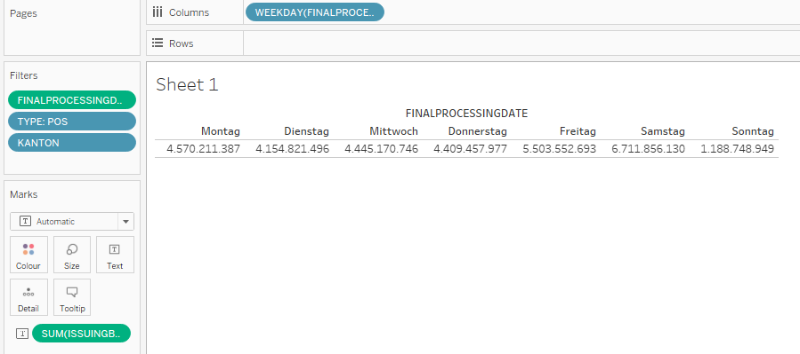

Day of week weights
Debit PoS Payments, CH only
Data: 7.1.2019 – 24.11.2019

Monday = 1
Tuesday= 0.91
Wednesday = .97
Thursday: .97
Friday: 1.20
Saturday: 1.47
Sunday: .26

