fig1
Table 4: Gross Current Expenditure in cash and real terms, 2005-06 to 2019-20

 |  |  | £ Thousands
Year |  | Cash Terms | Real Terms
 | Year | Nominal | Real | Nominal | Total (£bn, left axis) | 65+ pop | disabled population size | per 65+ and disabled population (£, right axis)
2005-06 | 2006 | £14,356,579 | £19,002,633 | 14.4 | 19.0 | 8054480 | 496,390 | 2,222
2006-07 | 2007 | £14,898,163 | £19,175,097 | 14.9 | 19.2 | 8125168 | 496,390 | 2,224
2007-08 | 2008 | £15,274,794 | £19,120,889 | 15.3 | 19.1 | 8249981 | 496,390 | 2,186
2008-09 | 2009 | £16,075,810 | £19,592,717 | 16.1 | 19.6 | 8400287 | 496,390 | 2,202
2009-10 | 2010 | £16,806,658 | £20,161,217 | 16.8 | 20.2 | 8563615 | 496,390 | 2,225
2010-11 | 2011 | £17,039,750 | £20,073,226 | 17.0 | 20.1 | 8729667 | 496,390 | 2,176
2011-12 | 2012 | £17,228,995 | £19,993,038 | 17.2 | 20.0 | 9056508 | 496,390 | 2,093
2012-13 | 2013 | £17,159,339 | £19,513,235 | 17.2 | 19.5 | 9305179 | 496,390 | 1,991
2013-14 | 2014 | £17,249,383 | £19,268,107 | 17.2 | 19.3 | 9537708 | 496,390 | 1,920
2014-15 | 2015 | £17,043,296 | £18,778,961 | 17.0 | 18.8 | 9711572 | 496,390 | 1,840
2015-16 | 2016 | £16,970,231 | £18,547,116 | 17.0 | 18.5 | 9882841 | 496,390 | 1,787
2016-17 | 2017 | £17,526,378 | £18,692,331 | 17.5 | 18.7 | 10030511 | 496,390 | 1,776
2017-18 | 2018 | £17,928,188 | £18,790,021 | 17.9 | 18.8 | 10179253 | 496,390 | 1,760
2018-19 | 2019 | £18,735,312 | £19,193,042 | 18.7 | 19.2 | 10353716 | 496,390 | 1,769
2019-20 | 2020 | £19,653,137 | £19,653,137 | 19.7 | 19.7 | 10505000 | 496,390 | 1,786

Percentage change from 2018-19 to 2019-20 |  | 5% | 2%
Percentage change from 2005-06 to 2019-20 |  | 37% | 3%
Percentage change from 2009-10 (peak real terms spend) to 2019-20 |  | 17% | -3%

Source: ASC-FR Collection 2019-20, NHS Digital
Source: GDP deflators at market prices, and money GDP September 2020, Pulished 1 October 2020, HM Treasury
https://www.gov.uk/government/collections/gdp-deflators-at-market-prices-and-money-gdp

Notes:
Cash terms relates to the Gross Current Expenditure on adult social care during the year stated
Real terms relates to the Gross Current Expenditure on adult social care during the year stated adjusted for inflation.

fig2
 | 2020 | 2050 (projected)
% population aged 65+ | 18.5 | 24.7
% population aged 85+ | 2.5 | 5
65+ population (% of those 15-64) | 29.2 | 41.9
85+ population (% of those 15-64) | 3.9 | 8.6

fig3_CB.2
Chart B.2: Baseline adult social care spending and caseload projections

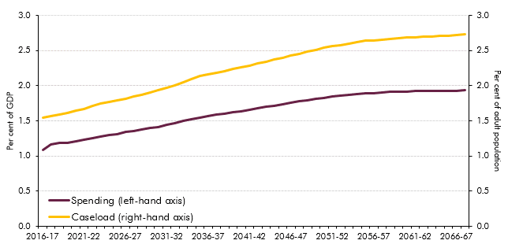

 | 2016-17 | 2017-18 | 2018-19 | 2019-20 | 2020-21 | 2021-22 | 2022-23 | 2023-24 | 2024-25 | 2025-26 | 2026-27 | 2027-28 | 2028-29 | 2029-30 | 2030-31 | 2031-32 | 2032-33 | 2033-34 | 2034-35 | 2035-36 | 2036-37 | 2037-38 | 2038-39 | 2039-40 | 2040-41 | 2041-42 | 2042-43 | 2043-44 | 2044-45 | 2045-46 | 2046-47 | 2047-48 | 2048-49 | 2049-50 | 2050-51 | 2051-52 | 2052-53 | 2053-54 | 2054-55 | 2055-56 | 2056-57 | 2057-58 | 2058-59 | 2059-60 | 2060-61 | 2061-62 | 2062-63 | 2063-64 | 2064-65 | 2065-66 | 2066-67 | 2067-68
Spending (left-hand axis) | 1.1 | 1.2 | 1.2 | 1.2 | 1.2 | 1.2 | 1.3 | 1.3 | 1.3 | 1.3 | 1.3 | 1.4 | 1.4 | 1.4 | 1.4 | 1.4 | 1.5 | 1.5 | 1.5 | 1.5 | 1.6 | 1.6 | 1.6 | 1.6 | 1.6 | 1.7 | 1.7 | 1.7 | 1.7 | 1.7 | 1.8 | 1.8 | 1.8 | 1.8 | 1.8 | 1.8 | 1.9 | 1.9 | 1.9 | 1.9 | 1.9 | 1.9 | 1.9 | 1.9 | 1.9 | 1.9 | 1.9 | 1.9 | 1.9 | 1.9 | 1.9 | 1.9
Caseload (right-hand axis) | 1.6 | 1.6 | 1.6 | 1.6 | 1.6 | 1.7 | 1.7 | 1.7 | 1.8 | 1.8 | 1.8 | 1.8 | 1.9 | 1.9 | 1.9 | 2.0 | 2.0 | 2.1 | 2.1 | 2.1 | 2.2 | 2.2 | 2.2 | 2.2 | 2.3 | 2.3 | 2.3 | 2.3 | 2.4 | 2.4 | 2.4 | 2.5 | 2.5 | 2.5 | 2.5 | 2.6 | 2.6 | 2.6 | 2.6 | 2.6 | 2.6 | 2.7 | 2.7 | 2.7 | 2.7 | 2.7 | 2.7 | 2.7 | 2.7 | 2.7 | 2.7 | 2.7

