Sheet1
Integration | Scenario: | Invalid Credentials |  | Server Error |  | Price Check cannot find part | Entire Order Failure (e.g. qty not available for all parts) | Atypical Problem you want to show…

 |  |  | Error Shown? |  | Error Shown? |  |  |  | Error Shown?
Vendor Setup (HTML)
Shopping (HTML) |  | 403 | N

Price Check |  | 403 | N | 500 | Y | 200 (expected locations to all have 0 qty) |  | 4XX or 5XX | Y
Order Parts |  | 403 | N | 500 | Y |  | 200 (expect no confirmation # returned) | 4XX or 5XX | Y

Notes:
Vendor Setup should only ever return 200 OK when loading site, unless some kind of server error
The Shopping HTML and API methods must return 403 if credentials are invalid/expired/revoked (atypical). This will result in Vendor Setup appearing again

For the HTML integration points any HTTP code other than 200 OK, is not rendered in the browser - instead, the error code, stock http error message, and catalog Support URL and Phone # are presented
If you want or are requried to show an error message for the HTML integration points, return a 200 OK with the HTML markup for it to show

For API methods, showing custom error messages is not yet implemented, but planned functionality - returning a non 200 HTTP code, and either MIME "text/plain" or "text/html" with content, we will show it in future build - currently, a generic failed message will appear

Any connectivity error, we show the error the browser presented us (e.g. Network down, Proxy error, Server Not Responsive, etc) and the support # and support URL of catalog

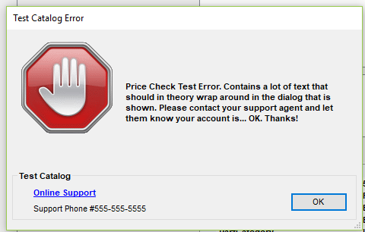
MIME Types in error responses for price check / order |  |  |  |  |  | Notes
text/plain
 |  |  |  |  |  | Window is resizable and text wraps. However, strive to keep messages compact and useful.
 |  |  |  |  |  | The online support and phone# appears if we have that information configured in the online catalog configuration
 |  |  |  |  |  | Online support link, if visible, opens in new window

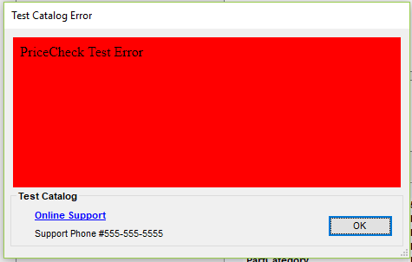
text/html
 |  |  |  |  |  | Window is resizable, and the area in red is completely controlled by the HTML. Should still strive to fit area with user intervention.
 |  |  |  |  |  | Any links in the HTML must either be Absolute Links (e.g. http://something vs something). Preferrably, Target is also set to open external browser window target="_blank"
 |  |  |  |  |  | Any relative links will result in an error with navigation - this is not a web page, but a static HTML document with no frame of reference

