Bug 6
Bug #:
Product: | TextPad
Build #: | 7.0.7
OS: | Windows 10
Severity: | Low
Summary: | Entry box in 'Delete' dialog is misaligned too low
Description: | Steps to reproduce: 1. Launch 'TextPad' 2. Go to 'File' -> 'Manage Files…' 3. In opened 'Manage Files' dialog, click 'Browse…' button 4. Select any file/document and click 'Open' button 5. In opened 'Manage Files' dialog, click 'Delete…' button Expected result: Entry box in 'Delete' dialog is not misaligned too low Actual result: Entry box in 'Delete' dialog is misaligned too low
Attachment: | 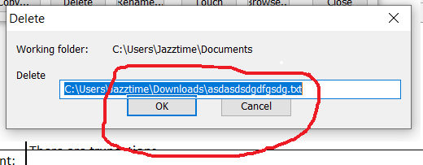

Bug 7
Bug #:
Product: | TextPad
Build #: | 7.0.7
OS: | Windows 10
Severity: | Low
Summary: | Turncation "Working folder" in 'Copy' dialog
Description: | Steps to reproduce: 1. Launch 'TextPad' 2. Go to 'File' -> 'Manage Files…' 3. In opened 'Manage Files' dialog, click 'Browse…' button 4. Select any file/document and click 'Open' button 5. In opened 'Manage Files' dialog, click 'Rename…' button Expected result: There are no truncations Actual result: There are truncations
Attachment: | 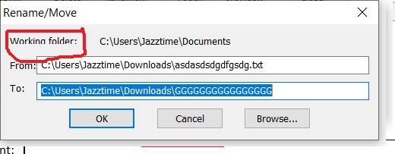

Bug 8
Bug #:
Product: | TextPad
Build #: | 7.0.7
OS: | Windows 10
Severity: | Low
Summary: | More than one name in 'Rename' modal box
Description: | Steps to reproduce: 1. Launch 'TextPad' 2. Go to 'File' -> 'Manage Files…' 3. In opened 'Manage Files' dialog, click 'Browse…' button 4. Select any file/document and click 'Open' button 5. In opened 'Manage Files' dialog, click 'Rename…' button Expected result: The modal box has one name Actual result: The modal box has more than one name
Attachment: | 