Bug Reports
Bug ID | Title | Severity | Priority | Prerequisites | Steps | Expected | Actual | Evidence Description | ScreenShot | Notes
BUG-001 | Unable to add new employee from UI | Critical | High | User has access to the application. | 1. Open application 2. Click Add Employee 3. Enter valid employee information 4. Click Save | Employee should be added successfully and displayed in the employee table. | - Employee is not added. - Save action fails / no response occurs. | - Browser console screenshot attached - POST /api/employees returns 401 Unauthorized |  | This issue is not reproducible in playwright because it is clicking in the correct button. So I might guess that other botton is overlaping in th eUI.
BUG-002 | UI does not display validation error when dependents exceed maximum allowed value | Medium | Medium | Existing employee available in the UI | 1. Edit employee. 2. Set Dependents value to 33. 3. Click Save. | UI should display validation message indicating maximum supported dependents value was exceeded. | - No validation or error message is displayed in the UI. - Only browser console shows 400 Bad Request response. | - Browser console screenshot showing PUT request returning 400 Bad Request. |  | Swagger API documentation specifies a maximum supported dependents value of 32.
BUG-003 | Application favicon returns 403 Forbidden response | Low | Low | User has access to the application URL | 1. Open the application URL. 2. Open browser developer tools. 3. Navigate to the Console or Network tab. 4. Observe favicon request during page load. | Application favicon loads successfully without browser console errors. | - Browser console displays GET /favicon.ico returning 403 Forbidden response during initial page load. | - Browser console screenshot showing favicon.ico 403 response. |  | Notes
BUG-004 | Invalid username login attempt returns 405 response instead of standard invalid credentials message | Medium | Medium | User is on Login page | 1. Enter an invalid username. 2. Enter a valid password. 3. Click Login button. 4. Observe browser behavior and developer console. | User is not logged into the application. Application displays the standard invalid credentials message: 'The specified username or password is incorrect.' | - Application does not display the standard invalid credentials message. - Browser developer console displays POST request returning 405 Method Not Allowed response. | Browser console screenshot showing POST /Account/Login request returning 405 Method Not Allowed response during invalid username login attempt.
BUG-005 | Edit Employee flow reuses "Add Employee" modal title | Low | Low | User is logged into the application and at least one employee record exists. | 1. Open the application. 2. Select an existing employee. 3. Click the Edit icon. 4. Observe modal title. | Edit Employee modal should display a title indicating edit functionality. "Edit Employee" | - Application reuses the "Add Employee" modal title during Edit Employee flow. | 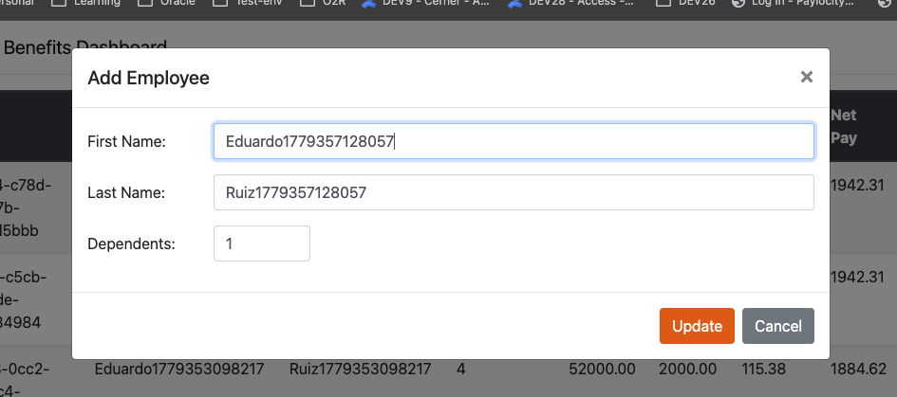 Edit Employee workflow reusing "Add Employee" modal title during employee update operation.
BUG-006 | Login page dashboard link allows unauthorized navigation to Benefits Dashboard | Medium | High | User is on Login page and is not authenticated. | 1. Open the application Login page. 2. Click the "Paylocity Benefits Dashboard" link displayed in the navigation bar. 3. Observe application behavior. | Application should prevent unauthorized access to the Benefits Dashboard and redirect the user to Login page or display an authorization message. | - Application redirects the user to the Benefits Dashboard page despite the user not being authenticated. - Browser developer console shows GET /api/employees request returning 401 Unauthorized response. | Browser console screenshot attached showing unauthorized GET /api/employees request after accessing dashboard page from Login screen without authentication.
BUG-007 | Employee annual salary changes unexpectedly after updating employee information through API | High | High | User is authenticated and an existing employee record is available through API. | 1. Authenticate into the application. 2. Create a new employee record using POST /api/Employees. 3. Verify employee annual salary is initially set to expected default value. 4. Execute PUT /api/Employees request updating only: - firstName - lastName - dependants 5. Observe API response payload after update operation.2. Create a valid employee record using POST /api/Employees. 3. Copy the generated employee ID. 4. Execute PUT /api/Employees/{id} request using valid payload and existing employee ID. 5. Observe API response. | Employee annual salary value should remain unchanged after updating employee personal information and dependants. | Employee annual salary value is automatically updated to 55000 after PUT update request execution, despite salary not being intentionally modified during update operation. Related calculated values such as gross and net are also recalculated unexpectedly. | Playwright API automation execution shows PUT /api/Employees request returning 200 OK response while modifying employee annual salary unexpectedly. |  | Request Method: PUT Employee ID: e4e46031-8a10-42e4-8096-d29737b3cdc1 PUT Status: 200 {"partitionKey":"TestUser968","sortKey":"e4e46031-8a10-42e4-8096-d29737b3cdc1","username":"TestUser968","id":"e4e46031-8a10-42e4-8096-d29737b3cdc1","firstName":"UpdatedEduardoAPI","lastName":"UpdatedRuizAPI","dependants":17,"salary":55000,"gross":2115.3845,"benefitsCost":365.38464,"net":1749.9999} updatedEmployee: { partitionKey: 'TestUser968', sortKey: 'e4e46031-8a10-42e4-8096-d29737b3cdc1', username: 'TestUser968', id: 'e4e46031-8a10-42e4-8096-d29737b3cdc1', firstName: 'UpdatedEduardoAPI', lastName: 'UpdatedRuizAPI', dependants: 17, salary: 55000, gross: 2115.3845, benefitsCost: 365.38464, net: 1749.9999 } { "id": "<valid_employee_id>", "firstName": "UpdatedEduardoAPI", "lastName": "UpdatedRuizAPI", "dependants": 21 } API returned 405 Method Not Allowed response despite valid authenticated session and existing employee ID.
BUG-008

Observations Enhancements
ID | Type | Observation | Recommendation | Evidence
ENH-001 | UX Enhancement | Add/Edit/Delete Employee modal closes when clicking outside modal area, potentially causing accidental data loss. | Prevent accidental modal dismissal or display confirmation dialog when unsaved data exists.
ENH-002 | UX Enhancement | Application does not display a session expiration warning after receiving a 401 Unauthorized response from the API, causing actions to fail silently. | Display a clear “Session Expired” message and redirect the user to the login page when authentication expires. | 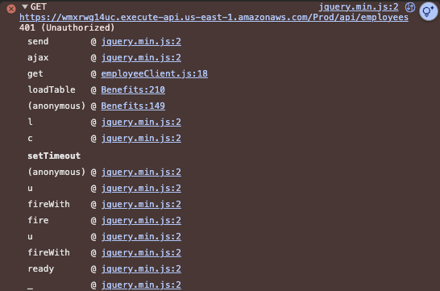
ENH-003 | UX Enhancement | Add/Edit/Delete Employee modal does not provide explicit cancel or close action. | Add dedicated Cancel button and/or Close icon to Add/Edit Employee modal to allow users to exit the workflow safely and intentionally.

