Measurement situation
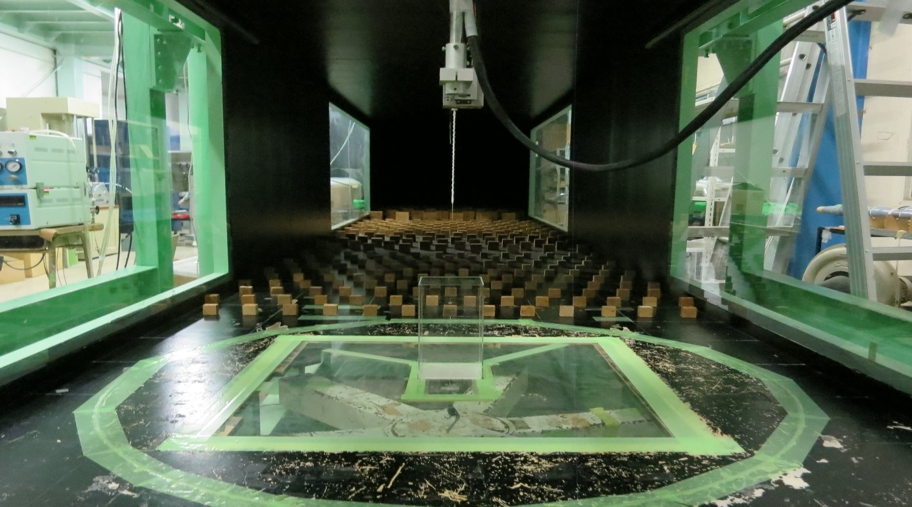
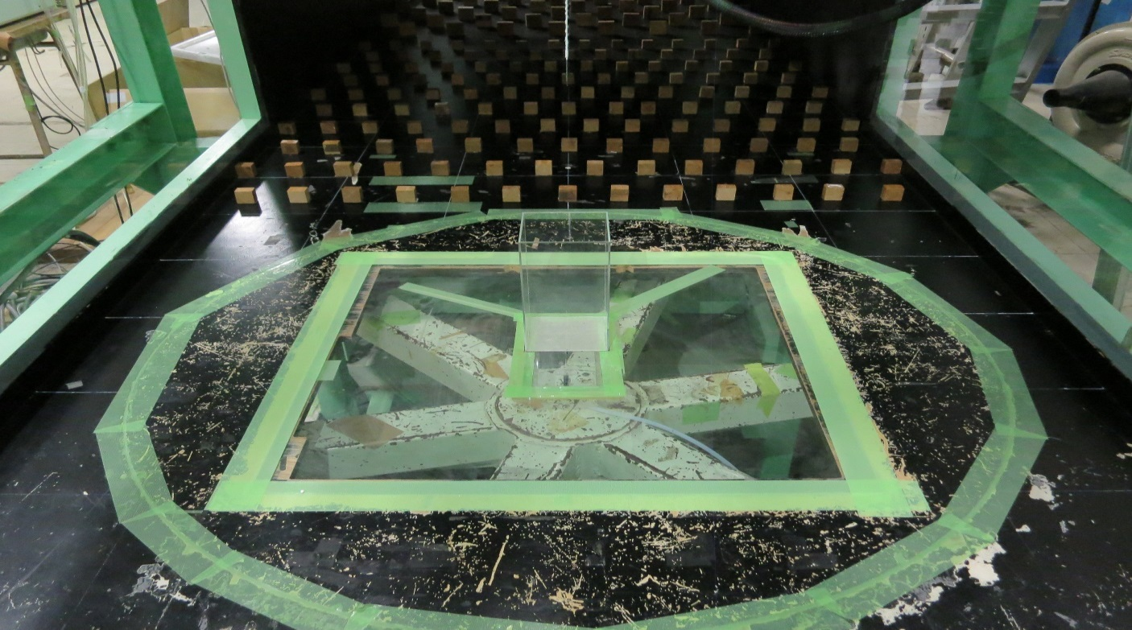
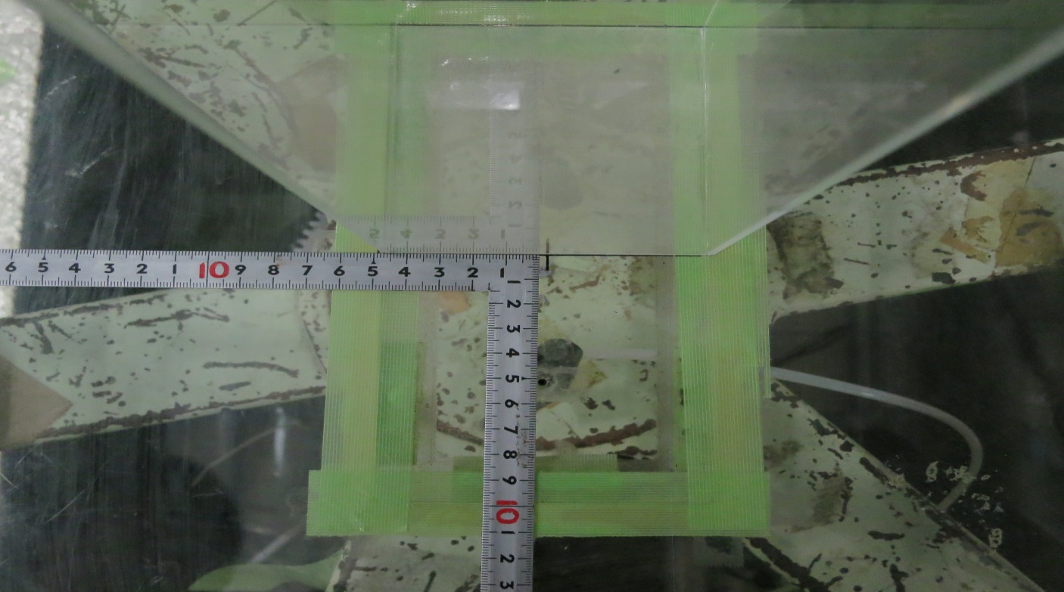
wind
wind
50mm
Gas flow rate = 350 cc/min
Dia = 4 mm
Wind tunnel fan [rpm] | 365
Cut off frequency of low-pass filter[Hz] | 200
Gas exit diameter[mm] | 4
Reference velocity[m/s]
Gas exit
Reference height[m] | 0.02
200mm
100mm
Gas flow rate[cc/min] | 350
dia=4mm

100mm

100mm
52mm

inflow
 | displacement |  |  |  |  |  | mean velocity |  |  | root mean square |  |  |  |  |  | 2nd order moment
# | x(mm) | y(mm) | z(mm) | x/H | y/H | z/H | u/uH | v/uH | w/uH | urms/uH | vrms/uH | wrms/uH | urms_v/uH | urms_w/uH | wrms_u/uH | uwR/uH^2 | uvR/uH^2 | uw_wR/uH^2 | k/uH^2 | k=0.5 (urms^2+vrms^2+wrms^2)
1 | -493 | 0 | 0.01 | -2.465 | 0 | 0.05 | 0.20 | 0.02 | -0.04 | 0.139 | 0.180 | 0.106 | 0.118 | 0.136 | 0.099 | 0.00963 | 0.000 | -0.004 | 0.031
2 | -493 | 0 | 0.013 | -2.465 | 0 | 0.065 | 0.25 | 0.01 | -0.05 | 0.144 | 0.191 | 0.116 | 0.126 | 0.146 | 0.100 | 0.00805 | 0.001 | -0.005 | 0.035
3 | -493 | 0 | 0.025 | -2.465 | 0 | 0.125 | 0.35 | 0.03 | -0.06 | 0.165 | 0.184 | 0.128 | 0.166 | 0.209 | 0.122 | 0.0163 | 0.000 | -0.014 | 0.039
4 | -493 | 0 | 0.075 | -2.465 | 0 | 0.375 | 0.78 | 0.02 | 0.00 | 0.214 | 0.159 | 0.116 | 0.195 | 0.245 | 0.128 | 0.02051 | 0.001 | -0.011 | 0.042
5 | -493 | 0 | 0.125 | -2.465 | 0 | 0.625 | 0.88 | 0.02 | 0.02 | 0.222 | 0.157 | 0.125 | 0.208 | 0.243 | 0.131 | 0.02057 | 0.000 | -0.012 | 0.045
6 | -493 | 0 | 0.15 | -2.465 | 0 | 0.75 | 0.91 | 0.02 | 0.02 | 0.212 | 0.154 | 0.126 | 0.200 | 0.241 | 0.128 | 0.01838 | -0.001 | -0.013 | 0.042
7 | -493 | 0 | 0.175 | -2.465 | 0 | 0.875 | 0.98 | 0.01 | 0.02 | 0.218 | 0.152 | 0.130 | 0.204 | 0.243 | 0.131 | 0.0191 | -0.001 | -0.013 | 0.044
8 | -493 | 0 | 0.19 | -2.465 | 0 | 0.95 | 0.97 | 0.01 | 0.03 | 0.213 | 0.148 | 0.128 | 0.193 | 0.239 | 0.127 | 0.01735 | 0.000 | -0.013 | 0.042
9 | -493 | 0 | 0.2 | -2.465 | 0 | 1 | 1.00 | 0.02 | 0.01 | 0.217 | 0.152 | 0.130 | 0.193 | 0.234 | 0.129 | 0.01874 | -0.002 | -0.013 | 0.043
10 | -493 | 0 | 0.21 | -2.465 | 0 | 1.05 | 1.01 | 0.01 | 0.02 | 0.211 | 0.147 | 0.129 | 0.195 | 0.232 | 0.124 | 0.01677 | 0.002 | -0.013 | 0.041
11 | -493 | 0 | 0.225 | -2.465 | 0 | 1.125 | 1.01 | 0.02 | 0.03 | 0.197 | 0.144 | 0.134 | 0.195 | 0.241 | 0.123 | 0.01548 | -0.002 | -0.015 | 0.039
12 | -493 | 0 | 0.25 | -2.465 | 0 | 1.25 | 1.08 | 0.01 | 0.03 | 0.210 | 0.143 | 0.136 | 0.194 | 0.237 | 0.125 | 0.01608 | 0.000 | -0.013 | 0.041
13 | -493 | 0 | 0.3 | -2.465 | 0 | 1.5 | 1.14 | 0.02 | 0.03 | 0.206 | 0.139 | 0.127 | 0.208 | 0.233 | 0.121 | 0.01498 | -0.001 | -0.013 | 0.039
14 | -493 | 0 | 0.35 | -2.465 | 0 | 1.75 | 1.20 | 0.01 | 0.03 | 0.202 | 0.131 | 0.123 | 0.191 | 0.225 | 0.120 | 0.0144 | -0.001 | -0.012 | 0.036
15 | -493 | 0 | 0.4 | -2.465 | 0 | 2 | 1.24 | 0.01 | 0.03 | 0.188 | 0.114 | 0.119 | 0.179 | 0.210 | 0.113 | 0.01092 | -0.001 | -0.009 | 0.031
16 | -493 | 0 | 0.5 | -2.465 | 0 | 2.5 | 1.32 | 0.00 | 0.04 | 0.161 | 0.105 | 0.108 | 0.162 | 0.185 | 0.099 | 0.00635 | 0.000 | -0.005 | 0.024
17 | -493 | 0 | 0.6 | -2.465 | 0 | 3 | 1.34 | -0.01 | 0.04 | 0.146 | 0.094 | 0.110 | 0.139 | 0.154 | 0.086 | 0.00153 | -0.002 | 0.000 | 0.021

y=0H
 | displacement |  |  |  |  |  | mean velocity |  |  | root mean square |  |  | turbulent kinetic energy | reference wind speed |  |  | c_mean |  | c_s.d.
# | x(mm) | y(mm) | z(mm) | x/H | y/H | z/H | <u/uH> | <v/uH> | <w/uH> | <urms/uH> | <vrms/uH> | <wrms/uH> | <k/uH2> | <uref-u> | <uref-v> | <uref-w> | <c>(ppm) | <c>/Co | σC(ppm) | σC/Co
1 | -200 | 0 | 10 | -1.000 | 0.000 | 0.050 | 0.1888 | 0.0160 | -0.0067 | 0.1801 | 0.1395 | 0.0749 | 0.0288 | 5.2946 | 5.0818 | 6.1025 | -0.211 | -0.005 | 5.564 | 0.123
2 | -200 | 0 | 12.5 | -1.000 | 0.000 | 0.065 | 0.2765 | 0.0021 | -0.0322 | 0.1798 | 0.1531 | 0.0820 | 0.0313 | 5.2540 | 5.7785 | 5.2455 | 0.055 | 0.001 | 4.953 | 0.110
3 | -200 | 0 | 25 | -1.000 | 0.000 | 0.125 | 0.3403 | 0.0185 | -0.0012 | 0.1739 | 0.1566 | 0.0949 | 0.0319 | 5.2831 | 5.0665 | 6.1134 | -0.271 | -0.006 | 5.554 | 0.123
4 | -200 | 0 | 50 | -1.000 | 0.000 | 0.250 | 0.5126 | 0.0005 | -0.0402 | 0.2071 | 0.1642 | 0.1090 | 0.0409 | 5.2761 | 5.7966 | 5.2561 | 0.066 | 0.001 | 4.963 | 0.110
5 | -200 | 0 | 100 | -1.000 | 0.000 | 0.500 | 0.6949 | -0.0016 | -0.0238 | 0.2144 | 0.1622 | 0.1219 | 0.0436 | 5.2550 | 5.7540 | 5.2360 | 0.106 | 0.002 | 4.976 | 0.110
6 | -200 | 0 | 150 | -1.000 | 0.000 | 0.750 | 0.7669 | 0.0112 | 0.0503 | 0.2054 | 0.1517 | 0.1239 | 0.0403 | 5.2935 | 5.0956 | 6.0780 | 0.216 | 0.005 | 5.539 | 0.123
7 | -200 | 0 | 175 | -1.000 | 0.000 | 0.875 | 0.8156 | 0.0063 | 0.0716 | 0.1995 | 0.1470 | 0.1233 | 0.0383 | 5.2795 | 5.0843 | 6.0874 | 0.053 | 0.001 | 5.258 | 0.116
8 | -200 | 0 | 190 | -1.000 | 0.000 | 0.950 | 0.8638 | 0.0144 | 0.0785 | 0.2073 | 0.1475 | 0.1287 | 0.0406 | 5.3207 | 5.1028 | 6.1057 | 0.101 | 0.002 | 5.479 | 0.121
9 | -200 | 0 | 200 | -1.000 | 0.000 | 1.000 | 0.9086 | 0.0074 | 0.0918 | 0.2041 | 0.1441 | 0.1249 | 0.0390 | 5.2673 | 5.0801 | 6.0760 | -0.042 | -0.001 | 5.552 | 0.123
10 | -200 | 0 | 210 | -1.000 | 0.000 | 1.050 | 0.9219 | 0.0145 | 0.0909 | 0.2093 | 0.1455 | 0.1255 | 0.0404 | 5.2906 | 5.6098 | 6.0678 | 0.137 | 0.003 | 5.698 | 0.126
From left to right
u/uH, v/uH, w/uH
urms/uH, vrms/uH, wrms/uH, TKE/uH^2
The values are interpolated by 'bi-liear' method.
11 | -200 | 0 | 225 | -1.000 | 0.000 | 1.125 | 0.9601 | 0.0064 | 0.0873 | 0.2067 | 0.1392 | 0.1257 | 0.0390 | 5.3125 | 5.6370 | 6.0779 | -0.002 | 0.000 | 5.291 | 0.117
12 | -200 | 0 | 250 | -1.000 | 0.000 | 1.250 | 1.0422 | 0.0032 | 0.0901 | 0.2057 | 0.1415 | 0.1282 | 0.0394 | 5.3104 | 5.6251 | 6.0701 | 0.100 | 0.002 | 5.435 | 0.120
13 | -200 | 0 | 300 | -1.000 | 0.000 | 1.500 | 1.1047 | 0.0053 | 0.0720 | 0.2086 | 0.1317 | 0.1265 | 0.0384 | 5.3093 | 5.6608 | 6.1103 | 0.113 | 0.003 | 5.566 | 0.123
14 | -150 | 0 | 10 | -0.750 | 0.000 | 0.050 | -0.1156 | 0.0026 | -0.0085 | 0.2503 | 0.1479 | 0.1885 | 0.0600 | 5.2934 | 5.0894 | 6.0719 | 0.060 | 0.001 | 5.574 | 0.123
15 | -150 | 0 | 12.5 | -0.750 | 0.000 | 0.065 | 0.0083 | -0.0121 | -0.0580 | 0.2379 | 0.1539 | 0.1973 | 0.0596 | 5.2645 | 5.7739 | 5.2425 | 0.092 | 0.002 | 4.903 | 0.109
16 | -150 | 0 | 25 | -0.750 | 0.000 | 0.125 | 0.2273 | 0.0322 | -0.0563 | 0.1854 | 0.1471 | 0.1430 | 0.0382 | 5.2954 | 5.0678 | 6.0654 | 0.228 | 0.005 | 5.928 | 0.131
17 | -150 | 0 | 50 | -0.750 | 0.000 | 0.250 | 0.3563 | 0.0026 | -0.1140 | 0.1746 | 0.1458 | 0.1208 | 0.0332 | 5.2880 | 5.7953 | 5.2362 | -0.018 | 0.000 | 4.949 | 0.110
18 | -150 | 0 | 100 | -0.750 | 0.000 | 0.500 | 0.4706 | 0.0093 | -0.0758 | 0.1728 | 0.1479 | 0.1221 | 0.0333 | 5.2440 | 5.7991 | 5.2531 | 0.027 | 0.001 | 4.978 | 0.110
19 | -150 | 0 | 150 | -0.750 | 0.000 | 0.750 | 0.5509 | 0.0105 | 0.0527 | 0.1690 | 0.1423 | 0.1236 | 0.0320 | 5.2761 | 5.0933 | 6.0869 | 0.207 | 0.005 | 5.770 | 0.128
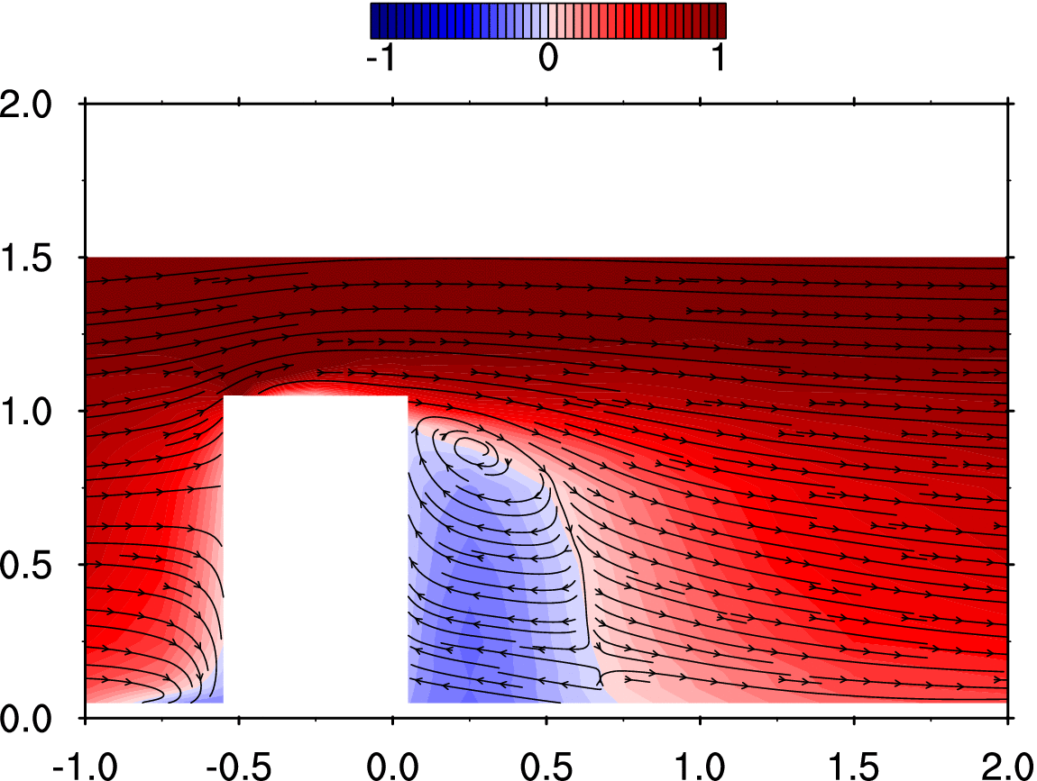
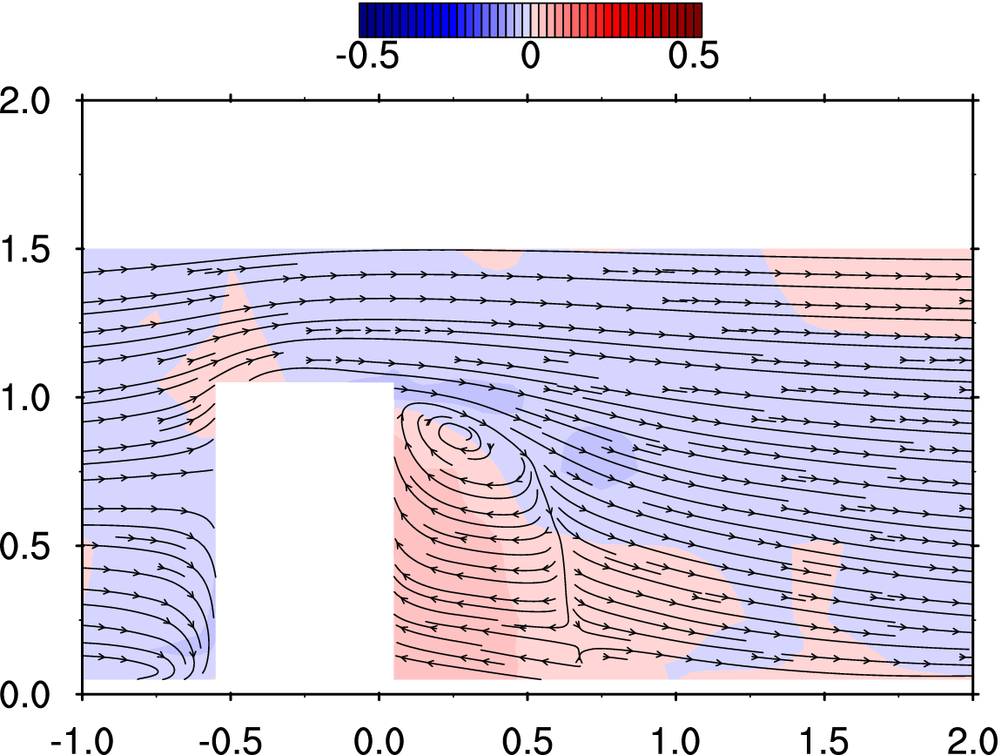
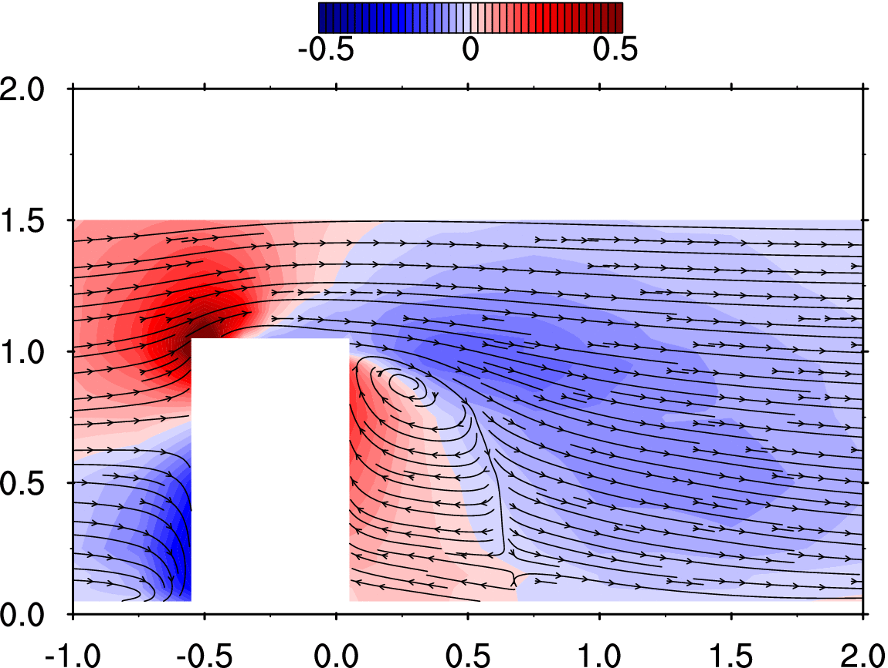
20 | -150 | 0 | 175 | -0.750 | 0.000 | 0.875 | 0.6456 | 0.0044 | 0.1165 | 0.1789 | 0.1493 | 0.1216 | 0.0346 | 5.3105 | 5.0786 | 6.0927 | 0.111 | 0.002 | 6.074 | 0.134
21 | -150 | 0 | 190 | -0.750 | 0.000 | 0.950 | 0.7660 | 0.0056 | 0.1599 | 0.1838 | 0.1514 | 0.1279 | 0.0365 | 5.2740 | 5.0948 | 6.0920 | 0.148 | 0.003 | 5.818 | 0.129
22 | -150 | 0 | 200 | -0.750 | 0.000 | 1.000 | 0.7987 | 0.0045 | 0.1798 | 0.1937 | 0.1505 | 0.1259 | 0.0380 | 5.3083 | 5.0833 | 6.0710 | 0.080 | 0.002 | 5.528 | 0.122
23 | -150 | 0 | 210 | -0.750 | 0.000 | 1.050 | 0.8663 | 0.0002 | 0.1877 | 0.1919 | 0.1455 | 0.1266 | 0.0370 | 5.3024 | 5.0809 | 6.1045 | 0.239 | 0.005 | 5.552 | 0.123
24 | -150 | 0 | 225 | -0.750 | 0.000 | 1.125 | 0.9558 | 0.0077 | 0.1838 | 0.1987 | 0.1429 | 0.1271 | 0.0380 | 5.2868 | 5.0909 | 6.1177 | -0.216 | -0.005 | 5.431 | 0.120
25 | -150 | 0 | 250 | -0.750 | 0.000 | 1.250 | 1.0559 | -0.0010 | 0.1524 | 0.2003 | 0.1464 | 0.1288 | 0.0391 | 5.3022 | 5.0470 | 6.0998 | 0.036 | 0.001 | 5.899 | 0.131
26 | -150 | 0 | 300 | -0.750 | 0.000 | 1.500 | 1.1511 | 0.0050 | 0.0897 | 0.2073 | 0.1328 | 0.1271 | 0.0384 | 5.3280 | 5.0944 | 6.0732 | 0.065 | 0.001 | 6.082 | 0.135
27 | -125 | 0 | 10 | -0.625 | 0.000 | 0.050 | -0.1964 | 0.0052 | -0.1077 | 0.1950 | 0.1353 | 0.1635 | 0.0415 | 5.2475 | 5.1158 | 6.0741 | 0.204 | 0.005 | 5.293 | 0.117
28 | -125 | 0 | 12.5 | -0.625 | 0.000 | 0.065 | -0.0892 | -0.0059 | -0.1667 | 0.2048 | 0.1321 | 0.1649 | 0.0433 | 5.3019 | 5.7689 | 5.2351 | 0.288 | 0.006 | 5.112 | 0.113
29 | -125 | 0 | 25 | -0.625 | 0.000 | 0.125 | 0.0416 | 0.0357 | -0.2084 | 0.1774 | 0.1406 | 0.1337 | 0.0346 | 5.2904 | 5.0804 | 6.1050 | 0.213 | 0.005 | 5.328 | 0.118
30 | -125 | 0 | 50 | -0.625 | 0.000 | 0.250 | 0.1629 | 0.0178 | -0.2271 | 0.1486 | 0.1510 | 0.1380 | 0.0320 | 5.2649 | 5.7898 | 5.2799 | 0.213 | 0.005 | 5.148 | 0.114
31 | -125 | 0 | 100 | -0.625 | 0.000 | 0.500 | 0.2330 | 0.0071 | -0.1505 | 0.1422 | 0.1585 | 0.1436 | 0.0330 | 5.2637 | 5.7979 | 5.2620 | 0.189 | 0.004 | 5.107 | 0.113
32 | -125 | 0 | 150 | -0.625 | 0.000 | 0.750 | 0.3154 | 0.0103 | 0.0320 | 0.1313 | 0.1527 | 0.1340 | 0.0292 | 5.2765 | 5.0755 | 6.0844 | 0.169 | 0.004 | 5.772 | 0.128
33 | -125 | 0 | 175 | -0.625 | 0.000 | 0.875 | 0.4200 | -0.0025 | 0.1734 | 0.1380 | 0.1602 | 0.1332 | 0.0312 | 5.3098 | 5.0729 | 6.0928 | -0.252 | -0.006 | 5.916 | 0.131
34 | -125 | 0 | 190 | -0.625 | 0.000 | 0.950 | 0.5739 | 0.0002 | 0.2827 | 0.1531 | 0.1531 | 0.1439 | 0.0338 | 5.3088 | 5.0542 | 6.1154 | -0.387 | -0.009 | 5.807 | 0.129
35 | -125 | 0 | 200 | -0.625 | 0.000 | 1.000 | 0.7095 | -0.0062 | 0.3436 | 0.1695 | 0.1438 | 0.1411 | 0.0347 | 5.2840 | 5.0817 | 6.1108 | -0.234 | -0.005 | 5.762 | 0.128
36 | -125 | 0 | 210 | -0.625 | 0.000 | 1.050 | 0.8566 | -0.0112 | 0.3538 | 0.1810 | 0.1502 | 0.1370 | 0.0370 | 5.2996 | 5.1111 | 6.0917 | -0.443 | -0.010 | 5.840 | 0.129
37 | -125 | 0 | 225 | -0.625 | 0.000 | 1.125 | 0.9808 | -0.0022 | 0.2924 | 0.2029 | 0.1443 | 0.1337 | 0.0399 | 5.2977 | 5.0700 | 6.0980 | -0.563 | -0.012 | 5.783 | 0.128
38 | -125 | 0 | 250 | -0.625 | 0.000 | 1.250 | 1.0627 | 0.0060 | 0.2006 | 0.2124 | 0.1407 | 0.1316 | 0.0411 | 5.2938 | 5.0849 | 6.0817 | -0.567 | -0.013 | 5.799 | 0.128
39 | -125 | 0 | 300 | -0.625 | 0.000 | 1.500 | 1.1571 | 0.0064 | 0.1009 | 0.2020 | 0.1342 | 0.1273 | 0.0375 | 5.2958 | 5.0673 | 6.1181 | -0.243 | -0.005 | 5.615 | 0.124
40 | -110 | 0 | 10 | -0.550 | 0.000 | 0.050 | -0.1929 | -0.0019 | -0.1724 | 0.1634 | 0.1634 | 0.1083 | 0.0326 | 5.2906 | 5.0952 | 6.0945 | 0.214 | 0.005 | 5.435 | 0.120
41 | -110 | 0 | 12.5 | -0.550 | 0.000 | 0.065 | -0.1498 | -0.0027 | -0.2186 | 0.1603 | 0.1618 | 0.1126 | 0.0323 | 5.2932 | 5.7588 | 5.2445 | 0.244 | 0.005 | 5.104 | 0.113
42 | -110 | 0 | 25 | -0.550 | 0.000 | 0.125 | -0.0770 | 0.0217 | -0.2701 | 0.1445 | 0.1511 | 0.1203 | 0.0291 | 5.3004 | 5.0765 | 6.0841 | 0.124 | 0.003 | 5.440 | 0.120
43 | -110 | 0 | 50 | -0.550 | 0.000 | 0.250 | 0.0076 | 0.0295 | -0.3130 | 0.1293 | 0.1715 | 0.1633 | 0.0364 | 5.2838 | 5.7824 | 5.2486 | 0.248 | 0.005 | 5.036 | 0.111
44 | -110 | 0 | 100 | -0.550 | 0.000 | 0.500 | 0.0545 | 0.0231 | -0.2156 | 0.1204 | 0.1789 | 0.1819 | 0.0398 | 5.2605 | 5.7763 | 5.2490 | 0.223 | 0.005 | 5.172 | 0.114
45 | -110 | 0 | 150 | -0.550 | 0.000 | 0.750 | 0.1014 | 0.0101 | 0.0111 | 0.1039 | 0.1811 | 0.1802 | 0.0380 | 5.2735 | 5.0779 | 6.0883 | 0.254 | 0.006 | 5.643 | 0.125
46 | -110 | 0 | 175 | -0.550 | 0.000 | 0.875 | 0.1900 | 0.0002 | 0.2053 | 0.1076 | 0.1808 | 0.1643 | 0.0356 | 5.2776 | 5.0431 | 6.0984 | 0.167 | 0.004 | 5.413 | 0.120
47 | -110 | 0 | 190 | -0.550 | 0.000 | 0.950 | 0.3499 | -0.0127 | 0.4412 | 0.1143 | 0.1846 | 0.1793 | 0.0396 | 5.2891 | 5.0797 | 6.0951 | 0.230 | 0.005 | 5.587 | 0.124
48 | -110 | 0 | 200 | -0.550 | 0.000 | 1.000 | 0.6038 | -0.0177 | 0.6289 | 0.1546 | 0.1729 | 0.1770 | 0.0426 | 5.3204 | 5.0603 | 6.0735 | 0.280 | 0.006 | 5.393 | 0.119
49 | -110 | 0 | 210 | -0.550 | 0.000 | 1.050 | 0.8775 | -0.0069 | 0.5682 | 0.1939 | 0.1546 | 0.1557 | 0.0429 | 5.3163 | 5.0743 | 6.0936 | 0.158 | 0.003 | 5.380 | 0.119
50 | -110 | 0 | 225 | -0.550 | 0.000 | 1.125 | 1.0810 | -0.0061 | 0.3987 | 0.1993 | 0.1460 | 0.1438 | 0.0409 | 5.2875 | 5.0607 | 6.0780 | 0.215 | 0.005 | 5.995 | 0.133
51 | -110 | 0 | 250 | -0.550 | 0.000 | 1.250 | 1.1494 | 0.0015 | 0.2214 | 0.2013 | 0.1340 | 0.1318 | 0.0379 | 5.2577 | 5.0505 | 6.0781 | 0.210 | 0.005 | 5.751 | 0.127
52 | -110 | 0 | 300 | -0.550 | 0.000 | 1.500 | 1.1719 | 0.0064 | 0.1031 | 0.1989 | 0.1282 | 0.1257 | 0.0359 | 5.2734 | 5.0590 | 6.1030 | 0.281 | 0.006 | 5.716 | 0.127
53 | -100 | 0 | 205 | -0.500 | 0.000 | 1.025 | 0.9780 | -0.0037 | 1.0635 | 0.2114 | 0.1896 | 0.1992 | 0.0601 | 5.3177 | 5.0594 | 6.0989 | -0.662 | -0.015 | 5.609 | 0.124
54 | -100 | 0 | 210 | -0.500 | 0.000 | 1.050 | 1.0903 | -0.0052 | 0.7938 | 0.2201 | 0.1674 | 0.2102 | 0.0603 | 5.3206 | 5.0845 | 6.0998 | -0.473 | -0.010 | 5.574 | 0.123
55 | -100 | 0 | 225 | -0.500 | 0.000 | 1.125 | 1.1531 | -0.0088 | 0.4476 | 0.2191 | 0.1447 | 0.1613 | 0.0475 | 5.2852 | 5.0423 | 6.0852 | -0.321 | -0.007 | 5.823 | 0.129
56 | -100 | 0 | 250 | -0.500 | 0.000 | 1.250 | 1.1738 | -0.0045 | 0.2322 | 0.2126 | 0.1365 | 0.1323 | 0.0407 | 5.2885 | 5.0746 | 6.0719 | 0.245 | 0.005 | 5.825 | 0.129
57 | -100 | 0 | 300 | -0.500 | 0.000 | 1.500 | 1.1843 | 0.0016 | 0.0999 | 0.2073 | 0.1326 | 0.1240 | 0.0380 | 5.3039 | 5.0571 | 6.0892 | 0.276 | 0.006 | 5.649 | 0.125
58 | -75 | 0 | 205 | -0.375 | 0.000 | 1.025 | -0.2612 | -0.0262 | 0.0224 | 0.2661 | 0.2506 | 0.1742 | 0.0820 | 5.3294 | 5.0755 | 6.0898 | 6.540 | 0.145 | 11.420 | 0.253
59 | -75 | 0 | 210 | -0.375 | 0.000 | 1.050 | 0.1563 | -0.0100 | 0.0435 | 0.4624 | 0.2435 | 0.1933 | 0.1552 | 5.2860 | 5.0394 | 6.0791 | 4.987 | 0.110 | 10.152 | 0.225
60 | -75 | 0 | 225 | -0.375 | 0.000 | 1.125 | 1.3679 | -0.0029 | 0.3460 | 0.3161 | 0.1470 | 0.1767 | 0.0764 | 5.2988 | 5.0639 | 6.0857 | -0.424 | -0.009 | 5.766 | 0.128
61 | -75 | 0 | 250 | -0.375 | 0.000 | 1.250 | 1.2401 | 0.0021 | 0.1976 | 0.2233 | 0.1348 | 0.1360 | 0.0433 | 5.3066 | 5.0563 | 6.0741 | -0.477 | -0.011 | 5.570 | 0.123
62 | -75 | 0 | 300 | -0.375 | 0.000 | 1.500 | 1.2168 | 0.0051 | 0.0873 | 0.2000 | 0.1286 | 0.1262 | 0.0362 | 5.2712 | 5.0631 | 6.0877 | -0.831 | -0.018 | 5.390 | 0.119
63 | -50 | 0 | 205 | -0.250 | 0.000 | 1.025 | -0.1176 | 0.0052 | -0.0275 | 0.3124 | 0.3534 | 0.1943 | 0.1301 | 5.3123 | 5.0626 | 6.1139 | 5.077 | 0.112 | 8.816 | 0.195
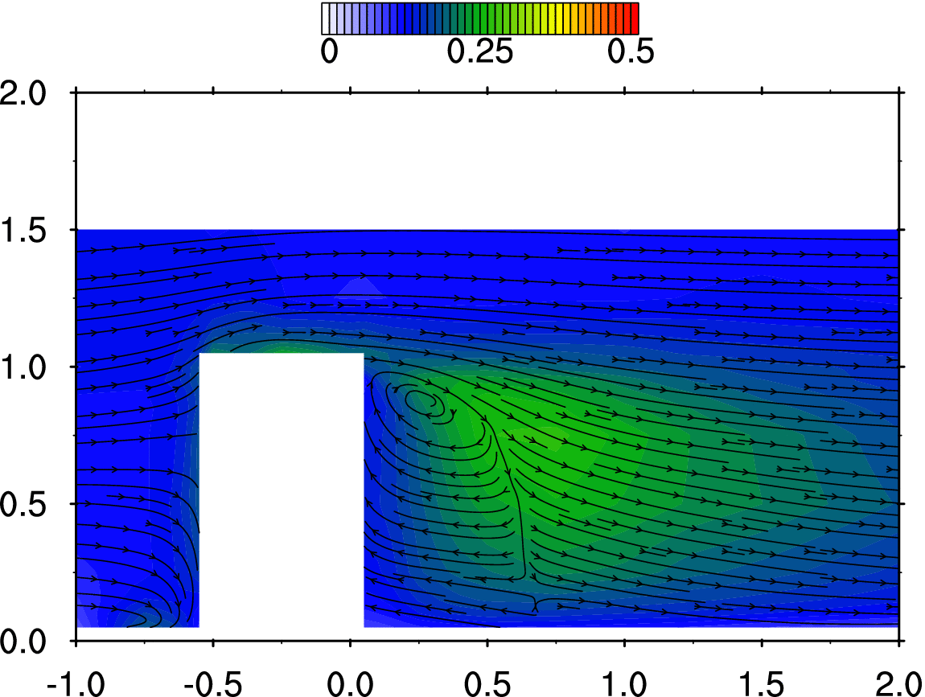
64 | -50 | 0 | 210 | -0.250 | 0.000 | 1.050 | 0.0904 | 0.0106 | -0.0618 | 0.3811 | 0.2808 | 0.2358 | 0.1399 | 5.2985 | 5.0559 | 6.1192 | 4.306 | 0.095 | 9.909 | 0.219
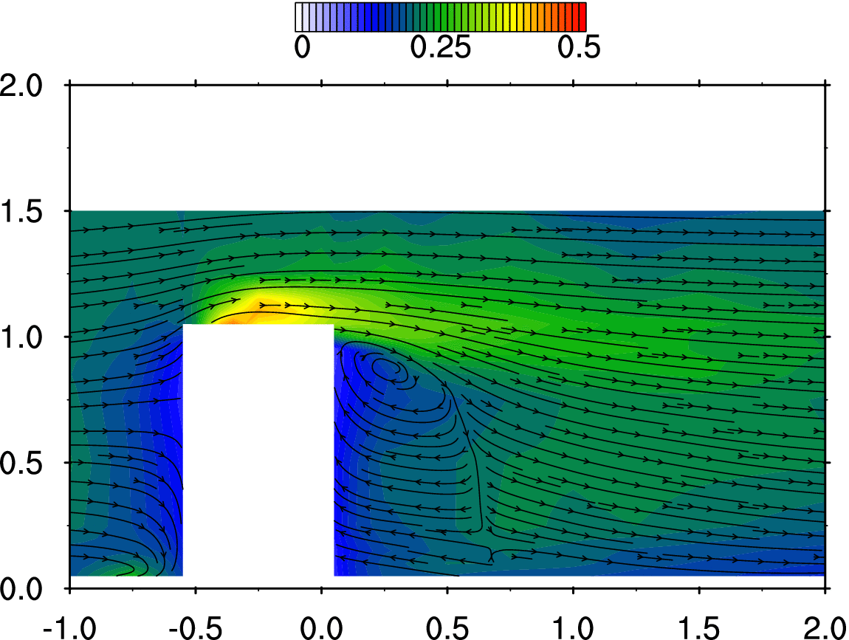
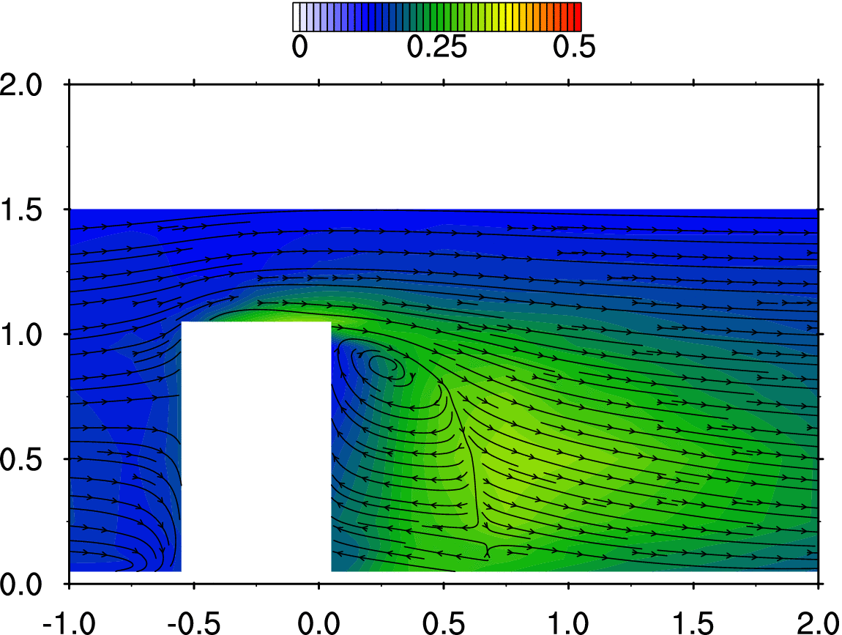
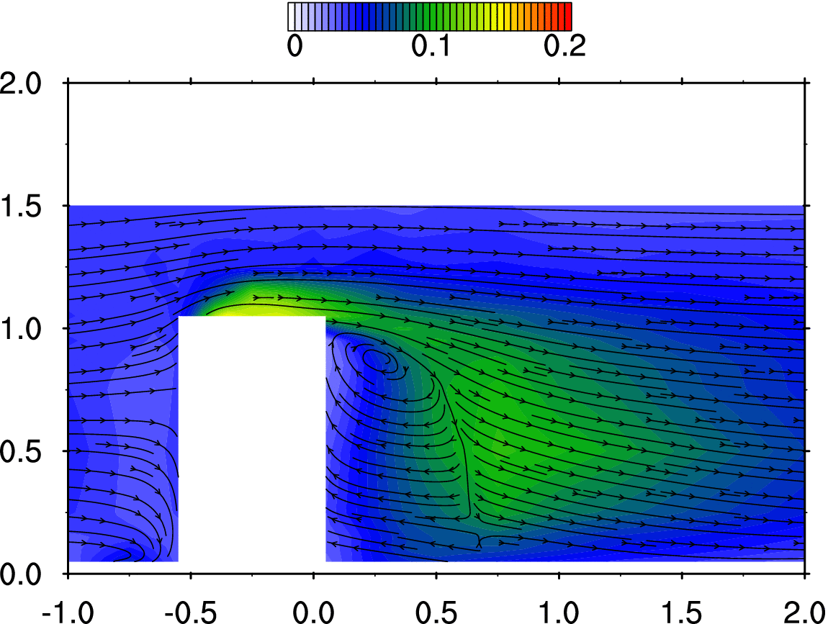
65 | -50 | 0 | 225 | -0.250 | 0.000 | 1.125 | 1.0660 | 0.0111 | 0.0484 | 0.4386 | 0.2001 | 0.1650 | 0.1298 | 5.3167 | 5.0567 | 6.0731 | 0.731 | 0.016 | 6.584 | 0.146
66 | -50 | 0 | 250 | -0.250 | 0.000 | 1.250 | 1.2621 | 0.0132 | 0.1035 | 0.2237 | 0.1368 | 0.1266 | 0.0424 | 5.3039 | 5.0609 | 6.1015 | -0.438 | -0.010 | 5.566 | 0.123
67 | -50 | 0 | 300 | -0.250 | 0.000 | 1.500 | 1.2029 | 0.0070 | 0.0685 | 0.2050 | 0.1315 | 0.1195 | 0.0368 | 5.2967 | 5.0686 | 6.0991 | -0.558 | -0.012 | 5.347 | 0.118
68 | -25 | 0 | 205 | -0.125 | 0.000 | 1.025 | 0.1941 | 0.0307 | -0.0373 | 0.3409 | 0.3686 | 0.1750 | 0.1413 | 5.2897 | 5.0389 | 6.1159 | 4.121 | 0.091 | 8.419 | 0.186
69 | -25 | 0 | 210 | -0.125 | 0.000 | 1.050 | 0.3223 | 0.0248 | -0.0724 | 0.3765 | 0.3146 | 0.2175 | 0.1440 | 5.3159 | 5.0687 | 6.0731 | 3.423 | 0.076 | 7.105 | 0.157
70 | -25 | 0 | 225 | -0.125 | 0.000 | 1.125 | 0.9056 | 0.0199 | -0.0479 | 0.4099 | 0.2195 | 0.1711 | 0.1228 | 5.2959 | 5.0557 | 6.0878 | 1.625 | 0.036 | 6.138 | 0.136
71 | -25 | 0 | 250 | -0.125 | 0.000 | 1.250 | 1.1996 | 0.0085 | 0.0378 | 0.2288 | 0.1428 | 0.1138 | 0.0428 | 5.3029 | 5.0649 | 6.1007 | 0.046 | 0.001 | 5.499 | 0.122
72 | -25 | 0 | 300 | -0.125 | 0.000 | 1.500 | 1.1904 | 0.0035 | 0.0413 | 0.1980 | 0.1308 | 0.1207 | 0.0354 | 5.3208 | 5.0538 | 6.1040 | -0.616 | -0.014 | 5.338 | 0.118
73 | 0 | 0 | 205 | 0.000 | 0.000 | 1.025 | 0.4201 | 0.0453 | -0.0233 | 0.3358 | 0.3352 | 0.1625 | 0.1258 | 5.3245 | 5.0415 | 6.0816 | 6.031 | 0.133 | 18.174 | 0.402
74 | 0 | 0 | 210 | 0.000 | 0.000 | 1.050 | 0.5304 | 0.0277 | -0.0539 | 0.3407 | 0.3136 | 0.1931 | 0.1258 | 5.3052 | 5.0589 | 6.0721 | 4.531 | 0.100 | 10.481 | 0.232
75 | 0 | 0 | 225 | 0.000 | 0.000 | 1.125 | 0.8804 | 0.0175 | -0.0617 | 0.3605 | 0.2264 | 0.1656 | 0.1043 | 5.3101 | 5.0724 | 6.0930 | 1.606 | 0.036 | 6.648 | 0.147
76 | 0 | 0 | 250 | 0.000 | 0.000 | 1.250 | 1.1649 | 0.0142 | -0.0038 | 0.2391 | 0.1547 | 0.1113 | 0.0468 | 5.3143 | 5.0479 | 6.1004 | 0.316 | 0.007 | 5.462 | 0.121
77 | 0 | 0 | 300 | 0.000 | 0.000 | 1.500 | 1.2021 | 0.0040 | 0.0224 | 0.2043 | 0.1271 | 0.1162 | 0.0357 | 5.2963 | 5.0695 | 6.0527 | -0.125 | -0.003 | 5.493 | 0.122
78 | 10 | 0 | 10 | 0.050 | 0.000 | 0.050 | -0.1425 | -0.0251 | 0.0115 | 0.1033 | 0.1881 | 0.0881 | 0.0269 | 5.3087 | 5.0235 | 6.0612 | 2204.056 | 48.787 | 747.623 | 16.549
79 | 10 | 0 | 12.5 | 0.050 | 0.000 | 0.065 | -0.1305 | -0.0411 | -0.0047 | 0.1130 | 0.1997 | 0.0934 | 0.0307 | 5.3103 | 5.7801 | 5.2713 | 2104.234 | 46.577 | 740.636 | 16.394
80 | 10 | 0 | 25 | 0.050 | 0.000 | 0.125 | -0.1239 | -0.0356 | 0.0420 | 0.1024 | 0.1950 | 0.1185 | 0.0313 | 5.2963 | 5.0253 | 6.0531 | 1687.714 | 37.358 | 717.954 | 15.892
81 | 10 | 0 | 50 | 0.050 | 0.000 | 0.250 | -0.0884 | -0.0425 | 0.0612 | 0.1188 | 0.1952 | 0.1320 | 0.0348 | 5.2984 | 5.7712 | 5.2831 | 866.518 | 19.180 | 486.299 | 10.764
82 | 10 | 0 | 100 | 0.050 | 0.000 | 0.500 | -0.0617 | -0.0516 | 0.1350 | 0.1193 | 0.1686 | 0.1461 | 0.0320 | 5.3381 | 5.8002 | 5.2548 | 367.577 | 8.136 | 243.154 | 5.382
83 | 10 | 0 | 150 | 0.050 | 0.000 | 0.750 | -0.0572 | -0.0391 | 0.1939 | 0.1031 | 0.1381 | 0.1413 | 0.0248 | 5.3175 | 5.0325 | 6.0760 | 229.958 | 5.090 | 155.515 | 3.442
84 | 10 | 0 | 175 | 0.050 | 0.000 | 0.875 | -0.0378 | -0.0260 | 0.1999 | 0.0983 | 0.1362 | 0.1289 | 0.0224 | 5.3008 | 5.0399 | 6.0972 | 189.424 | 4.193 | 122.651 | 2.715
85 | 10 | 0 | 190 | 0.050 | 0.000 | 0.950 | -0.0175 | -0.0143 | 0.1495 | 0.0908 | 0.1317 | 0.1163 | 0.0196 | 5.3058 | 5.0304 | 6.0766 | 183.311 | 4.058 | 101.124 | 2.238
86 | 10 | 0 | 200 | 0.050 | 0.000 | 1.000 | 0.2969 | 0.0314 | -0.0414 | 0.2158 | 0.2054 | 0.1707 | 0.0589 | 5.3088 | 5.0439 | 6.0824 | 47.236 | 1.046 | 43.107 | 0.954
87 | 10 | 0 | 210 | 0.050 | 0.000 | 1.050 | 0.6037 | 0.0360 | -0.0463 | 0.3240 | 0.2969 | 0.1947 | 0.1155 | 5.3059 | 5.0398 | 6.0734 | 7.014 | 0.155 | 14.141 | 0.313
88 | 10 | 0 | 225 | 0.050 | 0.000 | 1.125 | 0.9088 | 0.0184 | -0.0603 | 0.3481 | 0.2281 | 0.1692 | 0.1009 | 5.2956 | 5.0750 | 6.0922 | 2.008 | 0.044 | 6.849 | 0.152
89 | 10 | 0 | 250 | 0.050 | 0.000 | 1.250 | 1.1589 | 0.0179 | -0.0165 | 0.2307 | 0.1545 | 0.1101 | 0.0446 | 5.2751 | 5.0457 | 6.0893 | 0.380 | 0.008 | 5.825 | 0.129
90 | 10 | 0 | 300 | 0.050 | 0.000 | 1.500 | 1.1872 | 0.0088 | 0.0149 | 0.1948 | 0.1299 | 0.1177 | 0.0344 | 5.3218 | 5.0573 | 6.0838 | 0.304 | 0.007 | 5.491 | 0.122
91 | 25 | 0 | 10 | 0.125 | 0.000 | 0.050 | -0.2181 | -0.0293 | 0.0406 | 0.1483 | 0.2021 | 0.0956 | 0.0360 | 5.2847 | 5.0386 | 6.0885 | 2409.152 | 53.327 | 915.735 | 20.270
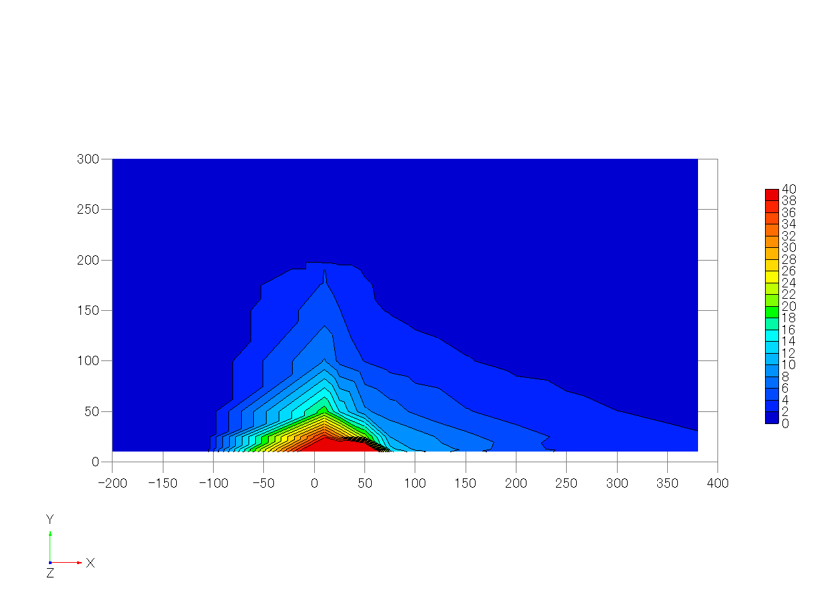
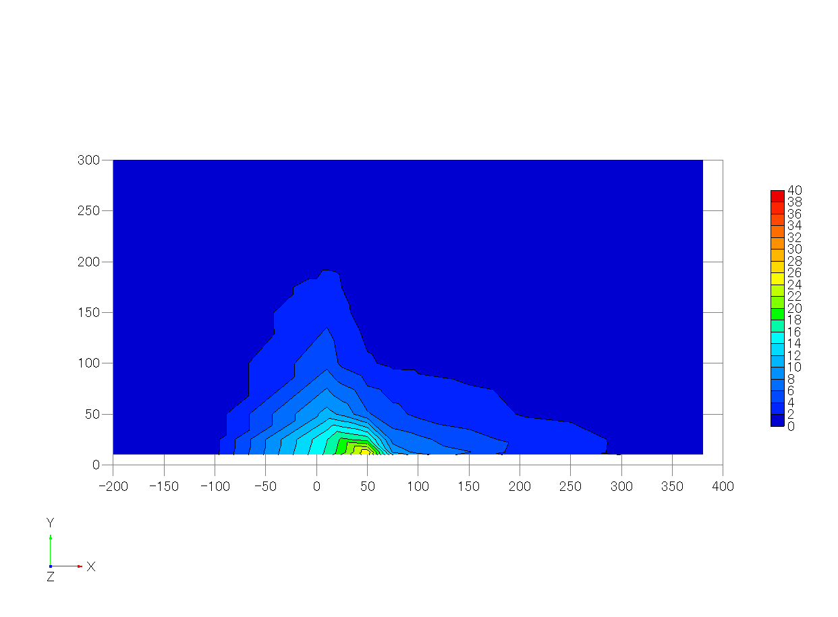
92 | 25 | 0 | 12.5 | 0.125 | 0.000 | 0.065 | -0.2172 | -0.0396 | 0.0189 | 0.1675 | 0.1974 | 0.1041 | 0.0389 | 5.3243 | 5.7686 | 5.2678 | 2196.858 | 48.628 | 862.391 | 19.089
93 | 25 | 0 | 25 | 0.125 | 0.000 | 0.125 | -0.2057 | -0.0349 | 0.0473 | 0.1403 | 0.1838 | 0.1213 | 0.0341 | 5.2704 | 5.0288 | 6.0694 | 1429.868 | 31.650 | 834.470 | 18.471
94 | 25 | 0 | 50 | 0.125 | 0.000 | 0.250 | -0.2015 | -0.0422 | 0.0561 | 0.1627 | 0.2088 | 0.1367 | 0.0444 | 5.3408 | 5.7700 | 5.2883 | 625.385 | 13.843 | 430.814 | 9.536
95 | 25 | 0 | 100 | 0.125 | 0.000 | 0.500 | -0.1607 | -0.0364 | 0.1092 | 0.1579 | 0.1895 | 0.1501 | 0.0417 | 5.3151 | 5.7661 | 5.2815 | 244.761 | 5.418 | 159.098 | 3.522
96 | 25 | 0 | 150 | 0.125 | 0.000 | 0.750 | -0.1250 | -0.0255 | 0.1462 | 0.1354 | 0.1559 | 0.1489 | 0.0324 | 5.2998 | 5.0554 | 6.0743 | 183.336 | 4.058 | 107.536 | 2.380
97 | 25 | 0 | 175 | 0.125 | 0.000 | 0.875 | -0.0643 | -0.0205 | 0.1247 | 0.1250 | 0.1447 | 0.1415 | 0.0283 | 5.3105 | 5.0586 | 6.0877 | 149.017 | 3.298 | 89.499 | 1.981
98 | 25 | 0 | 190 | 0.125 | 0.000 | 0.950 | 0.0563 | -0.0011 | 0.0282 | 0.1347 | 0.1616 | 0.1826 | 0.0388 | 5.2867 | 5.0553 | 6.0715 | 133.410 | 2.953 | 83.409 | 1.846
99 | 25 | 0 | 200 | 0.125 | 0.000 | 1.000 | 0.4254 | 0.0360 | -0.0628 | 0.2557 | 0.2431 | 0.1852 | 0.0794 | 5.2900 | 5.0474 | 6.0854 | 46.134 | 1.021 | 31.285 | 0.692
100 | 25 | 0 | 210 | 0.125 | 0.000 | 1.050 | 0.6710 | 0.0219 | -0.0746 | 0.3154 | 0.2848 | 0.1877 | 0.1079 | 5.2817 | 5.0363 | 6.0903 | 13.675 | 0.303 | 22.556 | 0.499
101 | 25 | 0 | 225 | 0.125 | 0.000 | 1.125 | 0.9140 | 0.0174 | -0.0706 | 0.3281 | 0.2243 | 0.1582 | 0.0915 | 5.2868 | 5.0278 | 6.0899 | 2.849 | 0.063 | 8.394 | 0.186
102 | 25 | 0 | 250 | 0.125 | 0.000 | 1.250 | 1.1057 | 0.0121 | -0.0297 | 0.2327 | 0.1564 | 0.1127 | 0.0457 | 5.3061 | 5.0494 | 6.0975 | 0.314 | 0.007 | 5.571 | 0.123
103 | 25 | 0 | 300 | 0.125 | 0.000 | 1.500 | 1.1782 | 0.0040 | 0.0050 | 0.1927 | 0.1302 | 0.1177 | 0.0340 | 5.2848 | 5.0156 | 6.0958 | -0.341 | -0.008 | 5.417 | 0.120
104 | 50 | 0 | 10 | 0.250 | 0.000 | 0.050 | -0.2604 | -0.0333 | 0.0412 | 0.1771 | 0.2406 | 0.1100 | 0.0507 | 5.3067 | 5.0004 | 6.0860 | 3000.770 | 66.422 | 1135.906 | 25.143
105 | 50 | 0 | 12.5 | 0.250 | 0.000 | 0.065 | -0.2532 | -0.0405 | 0.0182 | 0.1965 | 0.2449 | 0.1225 | 0.0568 | 5.3502 | 5.7517 | 5.2853 | 2454.154 | 54.323 | 1157.052 | 25.611
106 | 50 | 0 | 25 | 0.250 | 0.000 | 0.125 | -0.2484 | -0.0381 | 0.0509 | 0.1704 | 0.2249 | 0.1463 | 0.0505 | 5.3315 | 5.0259 | 6.0940 | 962.059 | 21.295 | 773.928 | 17.131
107 | 50 | 0 | 50 | 0.250 | 0.000 | 0.250 | -0.2718 | -0.0424 | 0.0345 | 0.1838 | 0.2287 | 0.1729 | 0.0580 | 5.3118 | 5.7526 | 5.2920 | 378.551 | 8.379 | 281.619 | 6.234
108 | 50 | 0 | 100 | 0.250 | 0.000 | 0.500 | -0.2255 | -0.0307 | 0.0499 | 0.1928 | 0.2185 | 0.1837 | 0.0593 | 5.3464 | 5.7821 | 5.2647 | 177.176 | 3.922 | 100.012 | 2.214
109 | 50 | 0 | 150 | 0.250 | 0.000 | 0.750 | -0.1593 | -0.0270 | 0.0694 | 0.1631 | 0.2096 | 0.1906 | 0.0534 | 5.2943 | 5.0203 | 6.0740 | 104.557 | 2.314 | 56.943 | 1.260
110 | 50 | 0 | 175 | 0.250 | 0.000 | 0.875 | -0.0435 | -0.0044 | 0.0236 | 0.1562 | 0.2004 | 0.2085 | 0.0540 | 5.3187 | 5.0316 | 6.0837 | 99.457 | 2.201 | 48.918 | 1.083
111 | 50 | 0 | 190 | 0.250 | 0.000 | 0.950 | 0.2236 | 0.0190 | -0.0903 | 0.2022 | 0.2255 | 0.2259 | 0.0714 | 5.3279 | 5.0262 | 6.0811 | 82.113 | 1.818 | 57.375 | 1.270
112 | 50 | 0 | 200 | 0.250 | 0.000 | 1.000 | 0.5369 | 0.0295 | -0.1152 | 0.2868 | 0.2533 | 0.1970 | 0.0926 | 5.3199 | 5.0393 | 6.0940 | 45.210 | 1.001 | 44.019 | 0.974
113 | 50 | 0 | 210 | 0.250 | 0.000 | 1.050 | 0.7648 | 0.0263 | -0.1050 | 0.3102 | 0.2448 | 0.1814 | 0.0945 | 5.3375 | 5.0543 | 6.0828 | 14.350 | 0.318 | 18.298 | 0.405
114 | 50 | 0 | 225 | 0.250 | 0.000 | 1.125 | 0.9130 | 0.0191 | -0.0989 | 0.2974 | 0.2136 | 0.1524 | 0.0786 | 5.3065 | 5.0259 | 6.0498 | 4.999 | 0.111 | 15.173 | 0.336
115 | 50 | 0 | 250 | 0.250 | 0.000 | 1.250 | 1.0941 | 0.0127 | -0.0442 | 0.2440 | 0.1630 | 0.1129 | 0.0494 | 5.2636 | 5.0410 | 6.0664 | 0.530 | 0.012 | 5.773 | 0.128
116 | 50 | 0 | 300 | 0.250 | 0.000 | 1.500 | 1.1499 | 0.0004 | -0.0032 | 0.2000 | 0.1240 | 0.1156 | 0.0344 | 5.3125 | 5.0311 | 6.0856 | -0.307 | -0.007 | 5.488 | 0.121
117 | 75 | 0 | 10 | 0.375 | 0.000 | 0.050 | -0.2155 | -0.0310 | 0.0306 | 0.1842 | 0.2664 | 0.1164 | 0.0592 | 5.3240 | 5.0148 | 6.0697 | 657.161 | 14.546 | 538.114 | 11.911
118 | 75 | 0 | 12.5 | 0.375 | 0.000 | 0.065 | -0.1943 | -0.0198 | 0.0144 | 0.2086 | 0.2766 | 0.1312 | 0.0686 | 5.3302 | 5.7534 | 5.3079 | 574.640 | 12.720 | 443.142 | 9.809
119 | 75 | 0 | 25 | 0.375 | 0.000 | 0.125 | -0.2154 | -0.0397 | 0.0451 | 0.1791 | 0.2620 | 0.1652 | 0.0640 | 5.3261 | 5.0247 | 6.0839 | 450.365 | 9.969 | 319.072 | 7.063
120 | 75 | 0 | 50 | 0.375 | 0.000 | 0.250 | -0.2123 | -0.0322 | 0.0302 | 0.1895 | 0.2661 | 0.1897 | 0.0713 | 5.3373 | 5.7852 | 5.2884 | 312.148 | 6.909 | 210.123 | 4.651
121 | 75 | 0 | 100 | 0.375 | 0.000 | 0.500 | -0.1842 | -0.0330 | 0.0214 | 0.1942 | 0.2640 | 0.2133 | 0.0765 | 5.3408 | 5.7566 | 5.2888 | 140.438 | 3.109 | 74.790 | 1.655
122 | 75 | 0 | 150 | 0.375 | 0.000 | 0.750 | -0.1074 | -0.0063 | -0.0010 | 0.1770 | 0.2515 | 0.2311 | 0.0740 | 5.2866 | 5.0314 | 6.1039 | 85.836 | 1.900 | 45.829 | 1.014
123 | 75 | 0 | 175 | 0.375 | 0.000 | 0.875 | 0.0754 | 0.0117 | -0.0728 | 0.1990 | 0.2434 | 0.2455 | 0.0796 | 5.2913 | 5.0562 | 6.0821 | 70.063 | 1.551 | 41.019 | 0.908
124 | 75 | 0 | 190 | 0.375 | 0.000 | 0.950 | 0.3585 | 0.0270 | -0.1456 | 0.2553 | 0.2507 | 0.2385 | 0.0925 | 5.3072 | 5.0066 | 6.1015 | 55.772 | 1.235 | 42.784 | 0.947
125 | 75 | 0 | 200 | 0.375 | 0.000 | 1.000 | 0.5910 | 0.0315 | -0.1451 | 0.2973 | 0.2525 | 0.2023 | 0.0965 | 5.2578 | 5.0325 | 6.0776 | 28.651 | 0.634 | 24.876 | 0.551
126 | 75 | 0 | 210 | 0.375 | 0.000 | 1.050 | 0.7608 | 0.0249 | -0.1322 | 0.2925 | 0.2321 | 0.1778 | 0.0855 | 5.2937 | 5.0468 | 6.0513 | 14.811 | 0.328 | 19.726 | 0.437
127 | 75 | 0 | 225 | 0.375 | 0.000 | 1.125 | 0.9361 | 0.0238 | -0.1004 | 0.2716 | 0.2001 | 0.1449 | 0.0674 | 5.3109 | 5.0003 | 6.1016 | 6.044 | 0.134 | 13.872 | 0.307
128 | 75 | 0 | 250 | 0.375 | 0.000 | 1.250 | 1.0740 | 0.0094 | -0.0573 | 0.2310 | 0.1582 | 0.1203 | 0.0464 | 5.3057 | 5.0098 | 6.1179 | 0.778 | 0.017 | 6.602 | 0.146
129 | 75 | 0 | 300 | 0.375 | 0.000 | 1.500 | 1.1649 | -0.0042 | -0.0172 | 0.1891 | 0.1258 | 0.1172 | 0.0327 | 5.3113 | 5.0443 | 6.0945 | 0.700 | 0.016 | 5.777 | 0.128
130 | 100 | 0 | 10 | 0.500 | 0.000 | 0.050 | -0.1328 | -0.0225 | 0.0177 | 0.1872 | 0.2712 | 0.1254 | 0.0622 | 5.3237 | 5.0174 | 6.0975 | 482.520 | 10.681 | 389.744 | 8.627
131 | 100 | 0 | 12.5 | 0.500 | 0.000 | 0.065 | -0.1212 | -0.0312 | 0.0029 | 0.2111 | 0.2822 | 0.1368 | 0.0715 | 5.3359 | 5.7695 | 5.2886 | 433.656 | 9.599 | 327.026 | 7.239
132 | 100 | 0 | 25 | 0.500 | 0.000 | 0.125 | -0.1324 | -0.0174 | 0.0303 | 0.1940 | 0.2651 | 0.1718 | 0.0687 | 5.3213 | 5.0331 | 6.0830 | 404.143 | 8.946 | 292.719 | 6.479
133 | 100 | 0 | 50 | 0.500 | 0.000 | 0.250 | -0.1135 | -0.0232 | 0.0061 | 0.1973 | 0.2779 | 0.1985 | 0.0778 | 5.3523 | 5.7363 | 5.3138 | 254.444 | 5.632 | 159.560 | 3.532
134 | 100 | 0 | 100 | 0.500 | 0.000 | 0.500 | -0.0925 | -0.0084 | -0.0068 | 0.1977 | 0.2951 | 0.2332 | 0.0903 | 5.3518 | 5.7457 | 5.3007 | 122.298 | 2.707 | 72.169 | 1.597
135 | 100 | 0 | 150 | 0.500 | 0.000 | 0.750 | -0.0038 | 0.0181 | -0.0450 | 0.1822 | 0.2918 | 0.2619 | 0.0935 | 5.2791 | 5.0168 | 6.0840 | 70.560 | 1.562 | 38.173 | 0.845
136 | 100 | 0 | 175 | 0.500 | 0.000 | 0.875 | 0.1982 | 0.0191 | -0.1100 | 0.2129 | 0.2673 | 0.2601 | 0.0922 | 5.3146 | 5.0319 | 6.0829 | 59.630 | 1.320 | 36.918 | 0.817
137 | 100 | 0 | 190 | 0.500 | 0.000 | 0.950 | 0.4478 | 0.0246 | -0.1483 | 0.2655 | 0.2589 | 0.2335 | 0.0960 | 5.3324 | 5.0216 | 6.0836 | 37.969 | 0.840 | 26.564 | 0.588
138 | 100 | 0 | 200 | 0.500 | 0.000 | 1.000 | 0.6275 | 0.0245 | -0.1498 | 0.2802 | 0.2419 | 0.2053 | 0.0896 | 5.2941 | 5.0376 | 6.0810 | 25.833 | 0.572 | 20.709 | 0.458
139 | 100 | 0 | 210 | 0.500 | 0.000 | 1.050 | 0.7774 | 0.0244 | -0.1354 | 0.2900 | 0.2244 | 0.1776 | 0.0830 | 5.2858 | 5.0184 | 6.0450 | 16.242 | 0.360 | 18.677 | 0.413
140 | 100 | 0 | 225 | 0.500 | 0.000 | 1.125 | 0.9217 | 0.0216 | -0.1060 | 0.2650 | 0.1904 | 0.1462 | 0.0639 | 5.2955 | 5.0546 | 6.0635 | 6.292 | 0.139 | 11.802 | 0.261
141 | 100 | 0 | 250 | 0.500 | 0.000 | 1.250 | 1.0606 | 0.0011 | -0.0653 | 0.2242 | 0.1615 | 0.1187 | 0.0452 | 5.3050 | 5.0309 | 6.0636 | 2.307 | 0.051 | 9.060 | 0.201
142 | 100 | 0 | 300 | 0.500 | 0.000 | 1.500 | 1.1410 | 0.0005 | -0.0156 | 0.1983 | 0.1300 | 0.1185 | 0.0351 | 5.3055 | 5.0081 | 6.0625 | 0.645 | 0.014 | 5.695 | 0.126
143 | 150 | 0 | 10 | 0.750 | 0.000 | 0.050 | 0.0092 | -0.0049 | -0.0056 | 0.1767 | 0.2517 | 0.1219 | 0.0547 | 5.3071 | 5.0226 | 6.0815 | 307.497 | 6.806 | 227.319 | 5.032
144 | 150 | 0 | 12.5 | 0.750 | 0.000 | 0.065 | 0.0494 | -0.0121 | -0.0239 | 0.2032 | 0.2611 | 0.1334 | 0.0636 | 5.3458 | 5.7262 | 5.3106 | 343.043 | 7.593 | 274.954 | 6.086
145 | 150 | 0 | 25 | 0.750 | 0.000 | 0.125 | 0.0434 | -0.0063 | 0.0038 | 0.1968 | 0.2698 | 0.1720 | 0.0706 | 5.3136 | 5.0254 | 6.0732 | 293.695 | 6.501 | 212.971 | 4.714
146 | 150 | 0 | 50 | 0.750 | 0.000 | 0.250 | 0.0828 | -0.0102 | -0.0233 | 0.2175 | 0.3103 | 0.2153 | 0.0950 | 5.3078 | 5.7488 | 5.3194 | 187.007 | 4.139 | 132.621 | 2.936
147 | 150 | 0 | 100 | 0.750 | 0.000 | 0.500 | 0.1324 | -0.0006 | -0.0518 | 0.2138 | 0.3250 | 0.2486 | 0.1066 | 5.3708 | 5.7385 | 5.3191 | 95.180 | 2.107 | 58.973 | 1.305
148 | 150 | 0 | 150 | 0.750 | 0.000 | 0.750 | 0.2225 | 0.0337 | -0.0910 | 0.2011 | 0.3036 | 0.2669 | 0.1019 | 5.3185 | 5.0454 | 6.0891 | 52.423 | 1.160 | 32.009 | 0.709
149 | 150 | 0 | 175 | 0.750 | 0.000 | 0.875 | 0.3826 | 0.0304 | -0.1367 | 0.2279 | 0.2794 | 0.2491 | 0.0960 | 5.3242 | 5.0062 | 6.0769 | 38.631 | 0.855 | 25.211 | 0.558
150 | 150 | 0 | 190 | 0.750 | 0.000 | 0.950 | 0.5741 | 0.0177 | -0.1392 | 0.2596 | 0.2488 | 0.2245 | 0.0899 | 5.3078 | 5.0083 | 6.1202 | 27.190 | 0.602 | 23.024 | 0.510
151 | 150 | 0 | 200 | 0.750 | 0.000 | 1.000 | 0.6710 | 0.0154 | -0.1206 | 0.2646 | 0.2401 | 0.1913 | 0.0821 | 5.3134 | 5.0132 | 6.0709 | 20.370 | 0.451 | 18.461 | 0.409
152 | 150 | 0 | 210 | 0.750 | 0.000 | 1.050 | 0.7816 | 0.0152 | -0.1234 | 0.2762 | 0.2169 | 0.1781 | 0.0775 | 5.3178 | 5.0152 | 6.0775 | 11.053 | 0.245 | 12.868 | 0.285
153 | 150 | 0 | 225 | 0.750 | 0.000 | 1.125 | 0.9039 | 0.0189 | -0.0999 | 0.2471 | 0.1847 | 0.1446 | 0.0580 | 5.3315 | 5.0002 | 6.0821 | 6.799 | 0.150 | 12.104 | 0.268
154 | 150 | 0 | 250 | 0.750 | 0.000 | 1.250 | 1.0383 | 0.0108 | -0.0703 | 0.2280 | 0.1567 | 0.1234 | 0.0459 | 5.3124 | 5.0176 | 6.0976 | 1.618 | 0.036 | 6.867 | 0.152
155 | 150 | 0 | 300 | 0.750 | 0.000 | 1.500 | 1.1255 | -0.0004 | -0.0271 | 0.2048 | 0.1293 | 0.1174 | 0.0362 | 5.3080 | 5.0191 | 6.0816 | 0.296 | 0.007 | 5.500 | 0.122
156 | 200 | 0 | 10 | 1.000 | 0.000 | 0.050 | 0.1148 | 0.0005 | -0.0161 | 0.1768 | 0.2292 | 0.1175 | 0.0488 | 5.3250 | 5.0588 | 6.0791 | 220.580 | 4.883 | 156.509 | 3.464
157 | 200 | 0 | 12.5 | 1.000 | 0.000 | 0.065 | 0.1571 | 0.0085 | -0.0336 | 0.1918 | 0.2595 | 0.1283 | 0.0603 | 5.3529 | 5.7640 | 5.3274 | 197.732 | 4.377 | 140.181 | 3.103
158 | 200 | 0 | 25 | 1.000 | 0.000 | 0.125 | 0.1561 | -0.0030 | -0.0183 | 0.1915 | 0.2413 | 0.1640 | 0.0609 | 5.3018 | 5.0531 | 6.0767 | 214.677 | 4.752 | 154.372 | 3.417
159 | 200 | 0 | 50 | 1.000 | 0.000 | 0.250 | 0.2392 | -0.0073 | -0.0560 | 0.2087 | 0.2831 | 0.2086 | 0.0836 | 5.3506 | 5.7487 | 5.2984 | 143.328 | 3.173 | 86.639 | 1.918
160 | 200 | 0 | 100 | 1.000 | 0.000 | 0.500 | 0.3169 | 0.0002 | -0.0851 | 0.2153 | 0.3154 | 0.2360 | 0.1008 | 5.3249 | 5.7559 | 5.3015 | 67.892 | 1.503 | 44.220 | 0.979
161 | 200 | 0 | 150 | 1.000 | 0.000 | 0.750 | 0.3992 | 0.0163 | -0.0965 | 0.2151 | 0.2719 | 0.2450 | 0.0901 | 5.2794 | 5.0537 | 6.0443 | 38.211 | 0.846 | 24.336 | 0.539
162 | 200 | 0 | 175 | 1.000 | 0.000 | 0.875 | 0.5514 | 0.0160 | -0.1054 | 0.2379 | 0.2575 | 0.2241 | 0.0866 | 5.3125 | 5.0448 | 6.0820 | 29.637 | 0.656 | 21.534 | 0.477
163 | 200 | 0 | 190 | 1.000 | 0.000 | 0.950 | 0.6524 | 0.0184 | -0.1156 | 0.2574 | 0.2265 | 0.2061 | 0.0800 | 5.3071 | 5.0312 | 6.0911 | 18.759 | 0.415 | 16.683 | 0.369
164 | 200 | 0 | 200 | 1.000 | 0.000 | 1.000 | 0.7551 | 0.0180 | -0.0986 | 0.2484 | 0.2224 | 0.1849 | 0.0727 | 5.3135 | 5.0406 | 6.0942 | 15.048 | 0.333 | 15.029 | 0.333
165 | 200 | 0 | 210 | 1.000 | 0.000 | 1.050 | 0.8379 | 0.0156 | -0.0896 | 0.2546 | 0.2076 | 0.1705 | 0.0685 | 5.3208 | 5.0193 | 6.0863 | 10.845 | 0.240 | 13.092 | 0.290
166 | 200 | 0 | 225 | 1.000 | 0.000 | 1.125 | 0.9180 | 0.0127 | -0.0811 | 0.2321 | 0.1843 | 0.1475 | 0.0548 | 5.3061 | 5.0294 | 6.0965 | 7.267 | 0.161 | 12.277 | 0.272
167 | 200 | 0 | 250 | 1.000 | 0.000 | 1.250 | 1.0102 | 0.0095 | -0.0584 | 0.2225 | 0.1551 | 0.1230 | 0.0444 | 5.3034 | 5.0239 | 6.0773 | 1.892 | 0.042 | 7.314 | 0.162
168 | 200 | 0 | 300 | 1.000 | 0.000 | 1.500 | 1.1338 | 0.0005 | -0.0286 | 0.1814 | 0.1270 | 0.1120 | 0.0308 | 5.3282 | 5.0281 | 6.0886 | 0.406 | 0.009 | 5.784 | 0.128
169 | 250 | 0 | 10 | 1.250 | 0.000 | 0.050 | 0.2096 | -0.0187 | -0.0157 | 0.1704 | 0.2149 | 0.1110 | 0.0438 | 5.3004 | 5.0043 | 6.0895 | 166.615 | 3.688 | 109.900 | 2.433
170 | 250 | 0 | 12.5 | 1.250 | 0.000 | 0.065 | 0.2618 | 0.0036 | -0.0337 | 0.1813 | 0.2264 | 0.1280 | 0.0503 | 5.3337 | 5.7137 | 5.3353 | 168.783 | 3.736 | 120.444 | 2.666
171 | 250 | 0 | 25 | 1.250 | 0.000 | 0.125 | 0.2439 | 0.0157 | -0.0240 | 0.1781 | 0.2256 | 0.1586 | 0.0539 | 5.3294 | 5.0428 | 6.0774 | 163.351 | 3.616 | 118.460 | 2.622
172 | 250 | 0 | 50 | 1.250 | 0.000 | 0.250 | 0.3467 | 0.0004 | -0.0532 | 0.2126 | 0.2704 | 0.1912 | 0.0774 | 5.3207 | 5.7194 | 5.3289 | 112.231 | 2.484 | 77.117 | 1.707
173 | 250 | 0 | 100 | 1.250 | 0.000 | 0.500 | 0.4657 | 0.0024 | -0.0894 | 0.2207 | 0.2961 | 0.2228 | 0.0930 | 5.4047 | 5.7185 | 5.3555 | 57.538 | 1.274 | 35.580 | 0.788
174 | 250 | 0 | 150 | 1.250 | 0.000 | 0.750 | 0.5312 | 0.0112 | -0.0738 | 0.2201 | 0.2602 | 0.2241 | 0.0832 | 5.3153 | 5.0229 | 6.1114 | 30.114 | 0.667 | 19.809 | 0.438
175 | 250 | 0 | 175 | 1.250 | 0.000 | 0.875 | 0.6548 | 0.0202 | -0.0866 | 0.2404 | 0.2329 | 0.2085 | 0.0778 | 5.3425 | 5.0176 | 6.0738 | 21.060 | 0.466 | 16.932 | 0.375
176 | 250 | 0 | 190 | 1.250 | 0.000 | 0.950 | 0.7558 | 0.0124 | -0.0854 | 0.2515 | 0.2155 | 0.1865 | 0.0722 | 5.3121 | 4.9916 | 6.1011 | 16.981 | 0.376 | 17.167 | 0.380
177 | 250 | 0 | 200 | 1.250 | 0.000 | 1.000 | 0.8139 | 0.0140 | -0.0829 | 0.2484 | 0.2036 | 0.1793 | 0.0677 | 5.3237 | 4.9970 | 6.0737 | 13.069 | 0.289 | 13.529 | 0.299
178 | 250 | 0 | 210 | 1.250 | 0.000 | 1.050 | 0.8877 | 0.0100 | -0.0707 | 0.2438 | 0.1940 | 0.1595 | 0.0613 | 5.3333 | 5.0228 | 6.0893 | 9.995 | 0.221 | 11.723 | 0.259
179 | 250 | 0 | 225 | 1.250 | 0.000 | 1.125 | 0.9512 | 0.0120 | -0.0667 | 0.2263 | 0.1805 | 0.1450 | 0.0524 | 5.3353 | 5.0038 | 6.1143 | 5.478 | 0.121 | 9.362 | 0.207
180 | 250 | 0 | 250 | 1.250 | 0.000 | 1.250 | 1.0459 | 0.0030 | -0.0479 | 0.2051 | 0.1546 | 0.1257 | 0.0409 | 5.3283 | 5.0222 | 6.0839 | 2.349 | 0.052 | 7.733 | 0.171
181 | 250 | 0 | 300 | 1.250 | 0.000 | 1.500 | 1.1583 | 0.0009 | -0.0198 | 0.1801 | 0.1257 | 0.1185 | 0.0311 | 5.3473 | 5.0372 | 6.1214 | 0.108 | 0.002 | 5.723 | 0.127
182 | 300 | 0 | 10 | 1.500 | 0.000 | 0.050 | 0.2819 | -0.0083 | -0.0144 | 0.1687 | 0.2079 | 0.1000 | 0.0408 | 5.3137 | 5.0316 | 6.1107 | 142.808 | 3.161 | 89.929 | 1.991
183 | 300 | 0 | 12.5 | 1.500 | 0.000 | 0.065 | 0.3503 | -0.0239 | -0.0385 | 0.1736 | 0.2182 | 0.1169 | 0.0457 | 5.3565 | 5.7183 | 5.3455 | 126.358 | 2.797 | 77.143 | 1.708
184 | 300 | 0 | 25 | 1.500 | 0.000 | 0.125 | 0.3300 | -0.0061 | -0.0177 | 0.1742 | 0.2201 | 0.1515 | 0.0509 | 5.3192 | 5.0331 | 6.0868 | 120.667 | 2.671 | 78.827 | 1.745
185 | 300 | 0 | 50 | 1.500 | 0.000 | 0.250 | 0.4528 | -0.0003 | -0.0658 | 0.2039 | 0.2558 | 0.1818 | 0.0700 | 5.3554 | 5.7066 | 5.3184 | 91.046 | 2.015 | 63.184 | 1.399
186 | 300 | 0 | 100 | 1.500 | 0.000 | 0.500 | 0.5501 | -0.0019 | -0.0946 | 0.2176 | 0.2734 | 0.2127 | 0.0837 | 5.3694 | 5.7363 | 5.3431 | 43.523 | 0.963 | 26.268 | 0.581
187 | 300 | 0 | 150 | 1.500 | 0.000 | 0.750 | 0.6307 | 0.0239 | -0.0747 | 0.2206 | 0.2292 | 0.2102 | 0.0727 | 5.3211 | 5.0200 | 6.0601 | 25.789 | 0.571 | 18.882 | 0.418
188 | 300 | 0 | 175 | 1.500 | 0.000 | 0.875 | 0.7380 | 0.0082 | -0.0723 | 0.2453 | 0.2146 | 0.1890 | 0.0710 | 5.3246 | 5.0060 | 6.1014 | 18.449 | 0.408 | 15.071 | 0.334
189 | 300 | 0 | 190 | 1.500 | 0.000 | 0.950 | 0.7990 | 0.0054 | -0.0685 | 0.2346 | 0.2041 | 0.1758 | 0.0638 | 5.3322 | 5.0268 | 6.0967 | 12.934 | 0.286 | 13.108 | 0.290
190 | 300 | 0 | 200 | 1.500 | 0.000 | 1.000 | 0.8781 | 0.0125 | -0.0661 | 0.2354 | 0.1887 | 0.1658 | 0.0593 | 5.3247 | 5.0124 | 6.1303 | 10.648 | 0.236 | 11.818 | 0.262
191 | 300 | 0 | 210 | 1.500 | 0.000 | 1.050 | 0.8896 | 0.0083 | -0.0612 | 0.2393 | 0.1844 | 0.1571 | 0.0580 | 5.3222 | 5.0110 | 6.0870 | 8.786 | 0.194 | 11.188 | 0.248
192 | 300 | 0 | 225 | 1.500 | 0.000 | 1.125 | 0.9776 | 0.0046 | -0.0510 | 0.2314 | 0.1715 | 0.1405 | 0.0514 | 5.2963 | 5.0261 | 6.0897 | 5.077 | 0.112 | 9.047 | 0.200
193 | 300 | 0 | 250 | 1.500 | 0.000 | 1.250 | 1.0341 | -0.0009 | -0.0361 | 0.2154 | 0.1519 | 0.1292 | 0.0431 | 5.3257 | 5.0356 | 6.0889 | 1.953 | 0.043 | 7.175 | 0.159
194 | 300 | 0 | 300 | 1.500 | 0.000 | 1.500 | 1.1344 | -0.0055 | -0.0218 | 0.1839 | 0.1276 | 0.1169 | 0.0319 | 5.3210 | 5.0551 | 6.0858 | 0.258 | 0.006 | 5.538 | 0.123
195 | 400 | 0 | 10.0 | 2.000 | 0.000 | 0.050 | 0.3227 | -0.0063 | 0.0092 | 0.1473 | 0.1852 | 0.0883 | 0.0319 | 5.2885 | 5.0768 | 6.0954
196 | 400 | 0 | 13.0 | 2.000 | 0.000 | 0.065 | 0.3211 | 0.0290 | -0.0097 | 0.1613 | 0.1900 | 0.1026 | 0.0363 | 5.3816 | 5.7388 | 5.4960
197 | 400 | 0 | 25.0 | 2.000 | 0.000 | 0.125 | 0.4016 | 0.0086 | -0.0080 | 0.1646 | 0.1985 | 0.1359 | 0.0425 | 5.3385 | 5.0214 | 6.0734
198 | 400 | 0 | 50.0 | 2.000 | 0.000 | 0.250 | 0.4992 | 0.0172 | -0.0383 | 0.1913 | 0.2229 | 0.1587 | 0.0557 | 5.3743 | 5.7109 | 5.5097
199 | 400 | 0 | 100.0 | 2.000 | 0.000 | 0.500 | 0.6478 | 0.0121 | -0.0543 | 0.2141 | 0.2228 | 0.1864 | 0.0651 | 5.3592 | 5.7159 | 5.5141
200 | 400 | 0 | 150.0 | 2.000 | 0.000 | 0.750 | 0.7132 | 0.0159 | -0.0434 | 0.2113 | 0.1994 | 0.1767 | 0.0578 | 5.3398 | 5.0567 | 6.0963
201 | 400 | 0 | 175.0 | 2.000 | 0.000 | 0.875 | 0.8330 | 0.0122 | -0.0407 | 0.2206 | 0.1936 | 0.1667 | 0.0570 | 5.3220 | 5.0482 | 6.1135
202 | 400 | 0 | 190.0 | 2.000 | 0.000 | 0.950 | 0.8859 | 0.0094 | -0.0410 | 0.2250 | 0.1810 | 0.1562 | 0.0539 | 5.3455 | 5.0466 | 6.1153
203 | 400 | 0 | 200.0 | 2.000 | 0.000 | 1.000 | 0.8808 | 0.0052 | -0.0311 | 0.2238 | 0.1747 | 0.1596 | 0.0530 | 5.3424 | 5.0334 | 6.0932
204 | 400 | 0 | 210.0 | 2.000 | 0.000 | 1.050 | 0.9168 | 0.0036 | -0.0283 | 0.2314 | 0.1692 | 0.1461 | 0.0518 | 5.3313 | 5.0094 | 6.1018
205 | 400 | 0 | 225.0 | 2.000 | 0.000 | 1.125 | 0.9723 | 0.0060 | -0.0234 | 0.2114 | 0.1641 | 0.1384 | 0.0454 | 5.3732 | 4.9999 | 6.0971
206 | 400 | 0 | 250.0 | 2.000 | 0.000 | 1.250 | 1.0452 | -0.0039 | -0.0153 | 0.2064 | 0.1525 | 0.1220 | 0.0404 | 5.3495 | 5.0322 | 6.1116
207 | 400 | 0 | 300.0 | 2.000 | 0.000 | 1.500 | 1.1197 | -0.0043 | -0.0062 | 0.1913 | 0.1273 | 0.1187 | 0.0334 | 5.3354 | 4.9914 | 6.1433
208 | 380 | 0 | 10.0 |  |  |  |  |  |  |  |  |  |  |  |  |  | 99.082 | 2.193 | 56.918 | 1.260
209 | 380 | 0 | 13.0 |  |  |  |  |  |  |  |  |  |  |  |  |  | 100.719 | 2.229 | 61.585 | 1.363
210 | 380 | 0 | 25.0 |  |  |  |  |  |  |  |  |  |  |  |  |  | 94.824 | 2.099 | 55.899 | 1.237
211 | 380 | 0 | 50.0 |  |  |  |  |  |  |  |  |  |  |  |  |  | 75.487 | 1.671 | 49.265 | 1.090
212 | 380 | 0 | 100.0 |  |  |  |  |  |  |  |  |  |  |  |  |  | 41.240 | 0.913 | 28.462 | 0.630
213 | 380 | 0 | 150.0 |  |  |  |  |  |  |  |  |  |  |  |  |  | 20.844 | 0.461 | 15.951 | 0.353
214 | 380 | 0 | 175.0 |  |  |  |  |  |  |  |  |  |  |  |  |  | 14.690 | 0.325 | 13.276 | 0.294
215 | 380 | 0 | 190.0 |  |  |  |  |  |  |  |  |  |  |  |  |  | 11.139 | 0.247 | 11.559 | 0.256
216 | 380 | 0 | 200.0 |  |  |  |  |  |  |  |  |  |  |  |  |  | 9.321 | 0.206 | 10.534 | 0.233
217 | 380 | 0 | 210.0 |  |  |  |  |  |  |  |  |  |  |  |  |  | 7.462 | 0.165 | 9.945 | 0.220
218 | 380 | 0 | 225.0 |  |  |  |  |  |  |  |  |  |  |  |  |  | 6.121 | 0.135 | 10.009 | 0.222
219 | 380 | 0 | 250.0 |  |  |  |  |  |  |  |  |  |  |  |  |  | 2.667 | 0.059 | 7.336 | 0.162
220 | 380 | 0 | 300.0 |  |  |  |  |  |  |  |  |  |  |  |  |  | 0.273 | 0.006 | 5.665 | 0.125

z=0.5H
From left to right
u/uH, v/uH, w/uH
urms/uH, vrms/uH, wrms/uH, TKE/uH^2
 | displacement |  |  |  |  |  | mean velocity |  |  | root mean square |  |  | turbulent kinetic energy | reference wind speed |  |  | c_mean |  | c_s.d.
# | x(mm) | y(mm) | z(mm) | x/H | y/H | z/H | <u/uH> | <v/uH> | <w/uH> | <urms/uH> | <vrms/uH> | <wrms/uH> | <k/uH2> | <uref-u> | <uref-v> | <uref-w> | <c>(ppm) | <c>/Co | sC(ppm) | sC/Co
1 | -150 | 0 | 100 | -0.750 | 0.000 | 0.500 | 0.47 | -0.01 | -0.08 | 0.173 | 0.148 | 0.122 | 0.033 | 5.24 | 5.80 | 5.25 | 0.027 | 0.001 | 4.978 | 0.110
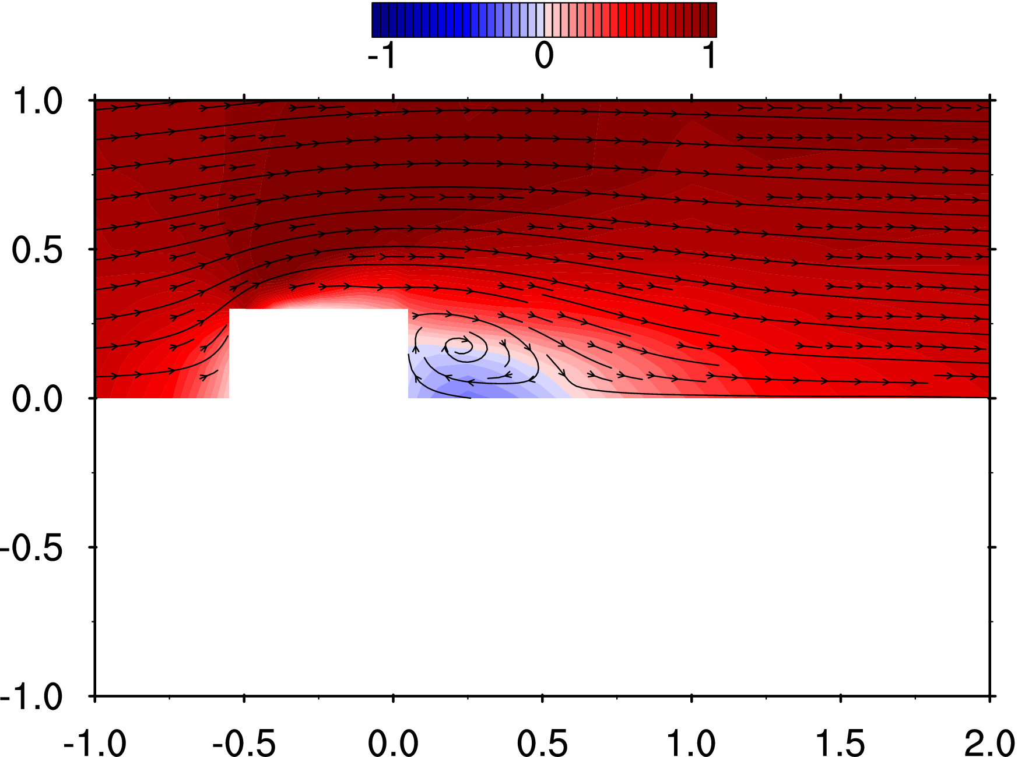
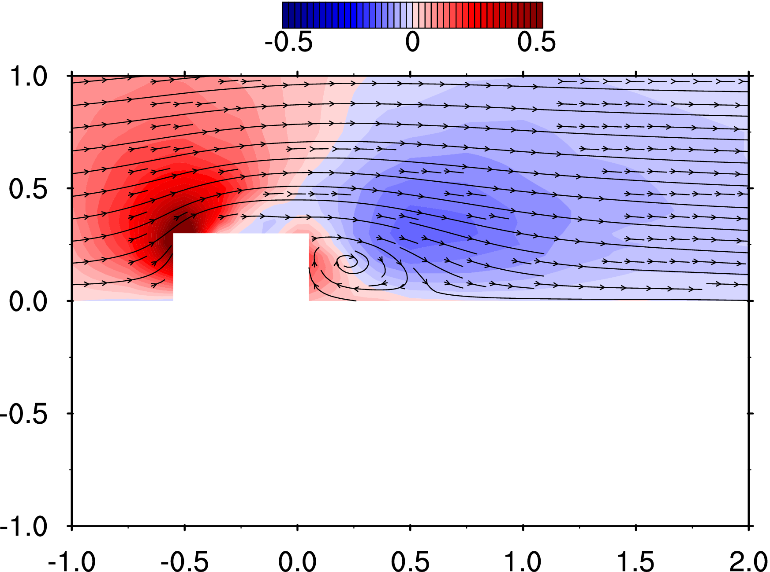
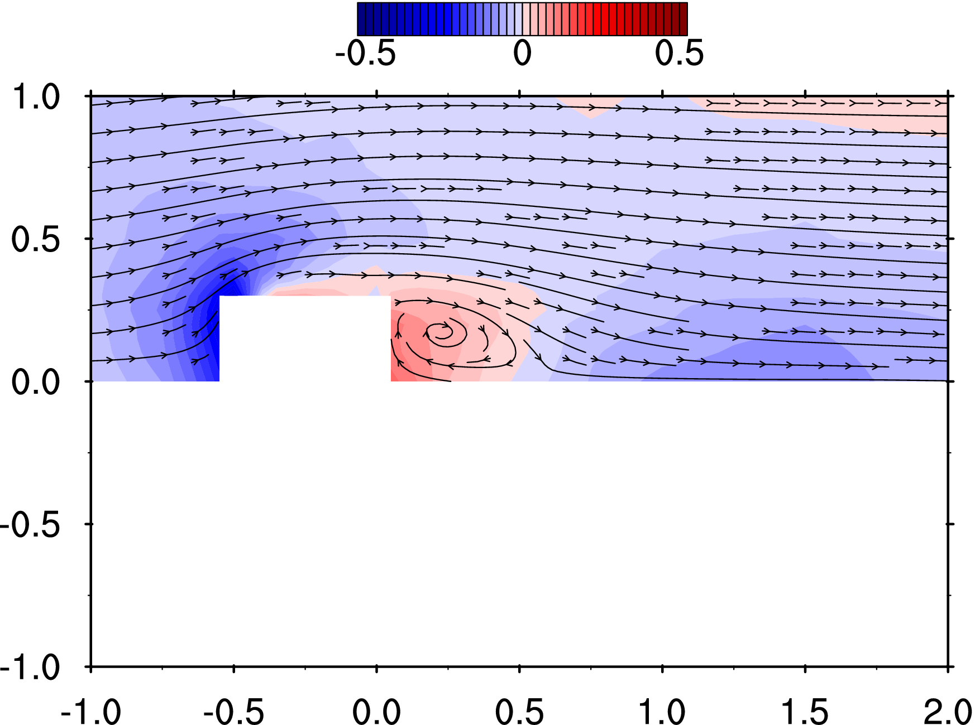
2 | -150 | 25 | 100 | -0.750 | 0.125 | 0.500 | 0.53 | 0.11 | -0.10 | 0.178 | 0.153 | 0.120 | 0.035 | 5.28 | 5.77 | 5.21 | 0.044 | 0.001 | 5.046 | 0.112
3 | -150 | 40 | 100 | -0.750 | 0.200 | 0.500 | 0.60 | 0.17 | -0.10 | 0.190 | 0.164 | 0.120 | 0.039 | 5.29 | 5.77 | 5.26 | -0.011 | 0.000 | 4.935 | 0.109
4 | -150 | 50 | 100 | -0.750 | 0.250 | 0.500 | 0.66 | 0.20 | -0.11 | 0.195 | 0.165 | 0.121 | 0.040 | 5.26 | 5.77 | 5.25 | 0.067 | 0.001 | 4.940 | 0.109
5 | -150 | 60 | 100 | -0.750 | 0.300 | 0.500 | 0.71 | 0.22 | -0.10 | 0.187 | 0.166 | 0.120 | 0.038 | 5.26 | 5.80 | 5.23 | 0.026 | 0.001 | 4.992 | 0.111
6 | -150 | 75 | 100 | -0.750 | 0.375 | 0.500 | 0.76 | 0.23 | -0.08 | 0.211 | 0.171 | 0.120 | 0.044 | 5.30 | 5.73 | 5.25 | 0.001 | 0.000 | 4.957 | 0.110
7 | -150 | 100 | 100 | -0.750 | 0.500 | 0.500 | 0.86 | 0.19 | -0.07 | 0.214 | 0.172 | 0.117 | 0.045 | 5.28 | 5.83 | 5.24 | 0.117 | 0.003 | 4.992 | 0.110
8 | -150 | 125 | 100 | -0.750 | 0.625 | 0.500 | 0.92 | 0.16 | -0.06 | 0.227 | 0.178 | 0.116 | 0.048 | 5.29 | 5.76 | 5.24 | 0.015 | 0.000 | 4.965 | 0.110
9 | -150 | 150 | 100 | -0.750 | 0.750 | 0.500 | 0.91 | 0.13 | -0.04 | 0.220 | 0.169 | 0.121 | 0.046 | 5.28 | 5.77 | 5.26 | -0.082 | -0.002 | 4.975 | 0.110
10 | -150 | 200 | 100 | -0.750 | 1.000 | 0.500 | 0.96 | 0.09 | -0.03 | 0.214 | 0.166 | 0.118 | 0.044 | 5.27 | 5.79 | 5.26 | -0.010 | 0.000 | 5.059 | 0.112
11 | -125 | 0 | 100 | -0.625 | 0.000 | 0.500 | 0.23 | -0.01 | -0.15 | 0.142 | 0.159 | 0.144 | 0.033 | 5.26 | 5.80 | 5.26 | 0.189 | 0.004 | 5.107 | 0.113
12 | -125 | 25 | 100 | -0.625 | 0.125 | 0.500 | 0.33 | 0.20 | -0.18 | 0.147 | 0.167 | 0.138 | 0.034 | 5.30 | 5.81 | 5.24 | 0.242 | 0.005 | 5.195 | 0.115
13 | -125 | 40 | 100 | -0.625 | 0.200 | 0.500 | 0.45 | 0.34 | -0.19 | 0.157 | 0.168 | 0.133 | 0.035 | 5.29 | 5.83 | 5.26 | 0.071 | 0.002 | 5.021 | 0.111
14 | -125 | 50 | 100 | -0.625 | 0.250 | 0.500 | 0.56 | 0.37 | -0.18 | 0.177 | 0.185 | 0.133 | 0.042 | 5.28 | 5.78 | 5.24 | 0.150 | 0.003 | 5.003 | 0.111
15 | -125 | 60 | 100 | -0.625 | 0.300 | 0.500 | 0.66 | 0.37 | -0.17 | 0.186 | 0.186 | 0.133 | 0.043 | 5.26 | 5.78 | 5.25 | -0.138 | -0.003 | 5.023 | 0.111
16 | -125 | 75 | 100 | -0.625 | 0.375 | 0.500 | 0.78 | 0.36 | -0.13 | 0.207 | 0.191 | 0.132 | 0.048 | 5.29 | 5.79 | 5.26 | -0.146 | -0.003 | 5.194 | 0.115
17 | -125 | 100 | 100 | -0.625 | 0.500 | 0.500 | 0.94 | 0.26 | -0.08 | 0.217 | 0.176 | 0.123 | 0.047 | 5.25 | 5.79 | 5.24 | -0.096 | -0.002 | 4.973 | 0.110
18 | -125 | 125 | 100 | -0.625 | 0.625 | 0.500 | 0.94 | 0.18 | -0.06 | 0.222 | 0.172 | 0.118 | 0.046 | 5.27 | 5.78 | 5.25 | -0.082 | -0.002 | 4.978 | 0.110
19 | -125 | 150 | 100 | -0.625 | 0.750 | 0.500 | 0.94 | 0.14 | -0.05 | 0.214 | 0.173 | 0.118 | 0.045 | 5.30 | 5.75 | 5.26 | -0.103 | -0.002 | 5.024 | 0.111
20 | -125 | 200 | 100 | -0.625 | 1.000 | 0.500 | 0.93 | 0.10 | -0.03 | 0.214 | 0.167 | 0.124 | 0.045 | 5.27 | 5.77 | 5.22 | -0.184 | -0.004 | 4.988 | 0.110
21 | -110 | 0 | 100 | -0.550 | 0.000 | 0.500 | 0.05 | -0.02 | -0.22 | 0.120 | 0.179 | 0.182 | 0.040 | 5.26 | 5.78 | 5.25 | 0.223 | 0.005 | 5.172 | 0.114
22 | -110 | 25 | 100 | -0.550 | 0.125 | 0.500 | 0.12 | 0.26 | -0.25 | 0.122 | 0.183 | 0.186 | 0.041 | 5.31 | 5.81 | 5.24 | 0.336 | 0.007 | 5.056 | 0.112
23 | -110 | 40 | 100 | -0.550 | 0.200 | 0.500 | 0.25 | 0.51 | -0.28 | 0.141 | 0.193 | 0.176 | 0.044 | 5.25 | 5.77 | 5.24 | 0.192 | 0.004 | 5.068 | 0.112
24 | -110 | 50 | 100 | -0.550 | 0.250 | 0.500 | 0.44 | 0.64 | -0.29 | 0.164 | 0.214 | 0.178 | 0.052 | 5.29 | 5.79 | 5.25 | 0.163 | 0.004 | 5.064 | 0.112
25 | -110 | 60 | 100 | -0.550 | 0.300 | 0.500 | 0.69 | 0.62 | -0.25 | 0.198 | 0.229 | 0.164 | 0.059 | 5.26 | 5.76 | 5.26 | 0.283 | 0.006 | 5.082 | 0.113
26 | -110 | 75 | 100 | -0.550 | 0.375 | 0.500 | 0.87 | 0.46 | -0.17 | 0.209 | 0.209 | 0.142 | 0.054 | 5.30 | 5.77 | 5.27 | 0.012 | 0.000 | 5.108 | 0.113
27 | -110 | 100 | 100 | -0.550 | 0.500 | 0.500 | 0.95 | 0.28 | -0.11 | 0.212 | 0.192 | 0.125 | 0.049 | 5.31 | 5.77 | 5.25 | 0.168 | 0.004 | 5.076 | 0.112
28 | -110 | 125 | 100 | -0.550 | 0.625 | 0.500 | 0.96 | 0.19 | -0.06 | 0.223 | 0.183 | 0.122 | 0.049 | 5.28 | 5.75 | 5.26 | 0.060 | 0.001 | 5.095 | 0.113
29 | -110 | 150 | 100 | -0.550 | 0.750 | 0.500 | 0.95 | 0.14 | -0.04 | 0.222 | 0.169 | 0.121 | 0.046 | 5.30 | 5.78 | 5.26 | -0.084 | -0.002 | 5.131 | 0.114
30 | -110 | 200 | 100 | -0.550 | 1.000 | 0.500 | 0.95 | 0.10 | -0.02 | 0.217 | 0.162 | 0.120 | 0.044 | 5.28 | 5.77 | 5.25 | 0.045 | 0.001 | 5.114 | 0.113
31 | -100 | 60 | 100 | -0.500 | 0.300 | 0.500 | 0.83 | 0.78 | -0.32 | 0.242 | 0.249 | 0.215 | 0.083 | 5.32 | 5.77 | 5.22 | 0.015 | 0.000 | 5.138 | 0.114
32 | -100 | 75 | 100 | -0.500 | 0.375 | 0.500 | 0.97 | 0.50 | -0.19 | 0.217 | 0.242 | 0.151 | 0.064 | 5.27 | 5.75 | 5.26 | -0.044 | -0.001 | 5.074 | 0.112
33 | -100 | 100 | 100 | -0.500 | 0.500 | 0.500 | 0.98 | 0.29 | -0.11 | 0.216 | 0.199 | 0.129 | 0.052 | 5.32 | 5.77 | 5.25 | -0.151 | -0.003 | 5.125 | 0.113
34 | -100 | 125 | 100 | -0.500 | 0.625 | 0.500 | 0.98 | 0.19 | -0.06 | 0.204 | 0.185 | 0.123 | 0.045 | 5.31 | 5.76 | 5.26 | 0.028 | 0.001 | 5.105 | 0.113
35 | -100 | 150 | 100 | -0.500 | 0.750 | 0.500 | 0.97 | 0.14 | -0.04 | 0.221 | 0.171 | 0.121 | 0.046 | 5.33 | 5.76 | 5.24 | 0.076 | 0.002 | 5.104 | 0.113
36 | -100 | 200 | 100 | -0.500 | 1.000 | 0.500 | 0.97 | 0.09 | -0.02 | 0.225 | 0.162 | 0.123 | 0.046 | 5.29 | 5.75 | 5.25 | 0.047 | 0.001 | 5.179 | 0.115
37 | -75 | 60 | 100 | -0.375 | 0.300 | 0.500 | 0.08 | 0.06 | 0.05 | 0.463 | 0.185 | 0.208 | 0.146 | 5.27 | 5.79 | 5.28 | 88.395 | 1.957 | 114.221 | 2.528
38 | -75 | 75 | 100 | -0.375 | 0.375 | 0.500 | 1.03 | 0.30 | -0.11 | 0.401 | 0.205 | 0.199 | 0.121 | 5.29 | 5.76 | 5.27 | 19.862 | 0.440 | 38.621 | 0.855
39 | -75 | 100 | 100 | -0.375 | 0.500 | 0.500 | 1.11 | 0.27 | -0.11 | 0.223 | 0.214 | 0.139 | 0.057 | 5.31 | 5.77 | 5.27 | 0.215 | 0.005 | 6.203 | 0.137
40 | -75 | 125 | 100 | -0.375 | 0.625 | 0.500 | 1.04 | 0.16 | -0.06 | 0.216 | 0.187 | 0.125 | 0.049 | 5.28 | 5.76 | 5.24 | 0.015 | 0.000 | 5.221 | 0.116
41 | -75 | 150 | 100 | -0.375 | 0.750 | 0.500 | 1.03 | 0.12 | -0.04 | 0.200 | 0.167 | 0.120 | 0.041 | 5.32 | 5.77 | 5.26 | -0.123 | -0.003 | 5.148 | 0.114
42 | -75 | 200 | 100 | -0.375 | 1.000 | 0.500 | 1.00 | 0.08 | -0.02 | 0.216 | 0.162 | 0.121 | 0.044 | 5.29 | 5.76 | 5.26 | -0.030 | -0.001 | 5.093 | 0.113
43 | -50 | 60 | 100 | -0.250 | 0.300 | 0.500 | 0.00 | -0.01 | 0.06 | 0.484 | 0.224 | 0.233 | 0.170 | 5.28 | 5.76 | 5.24 | 73.741 | 1.632 | 93.173 | 2.062
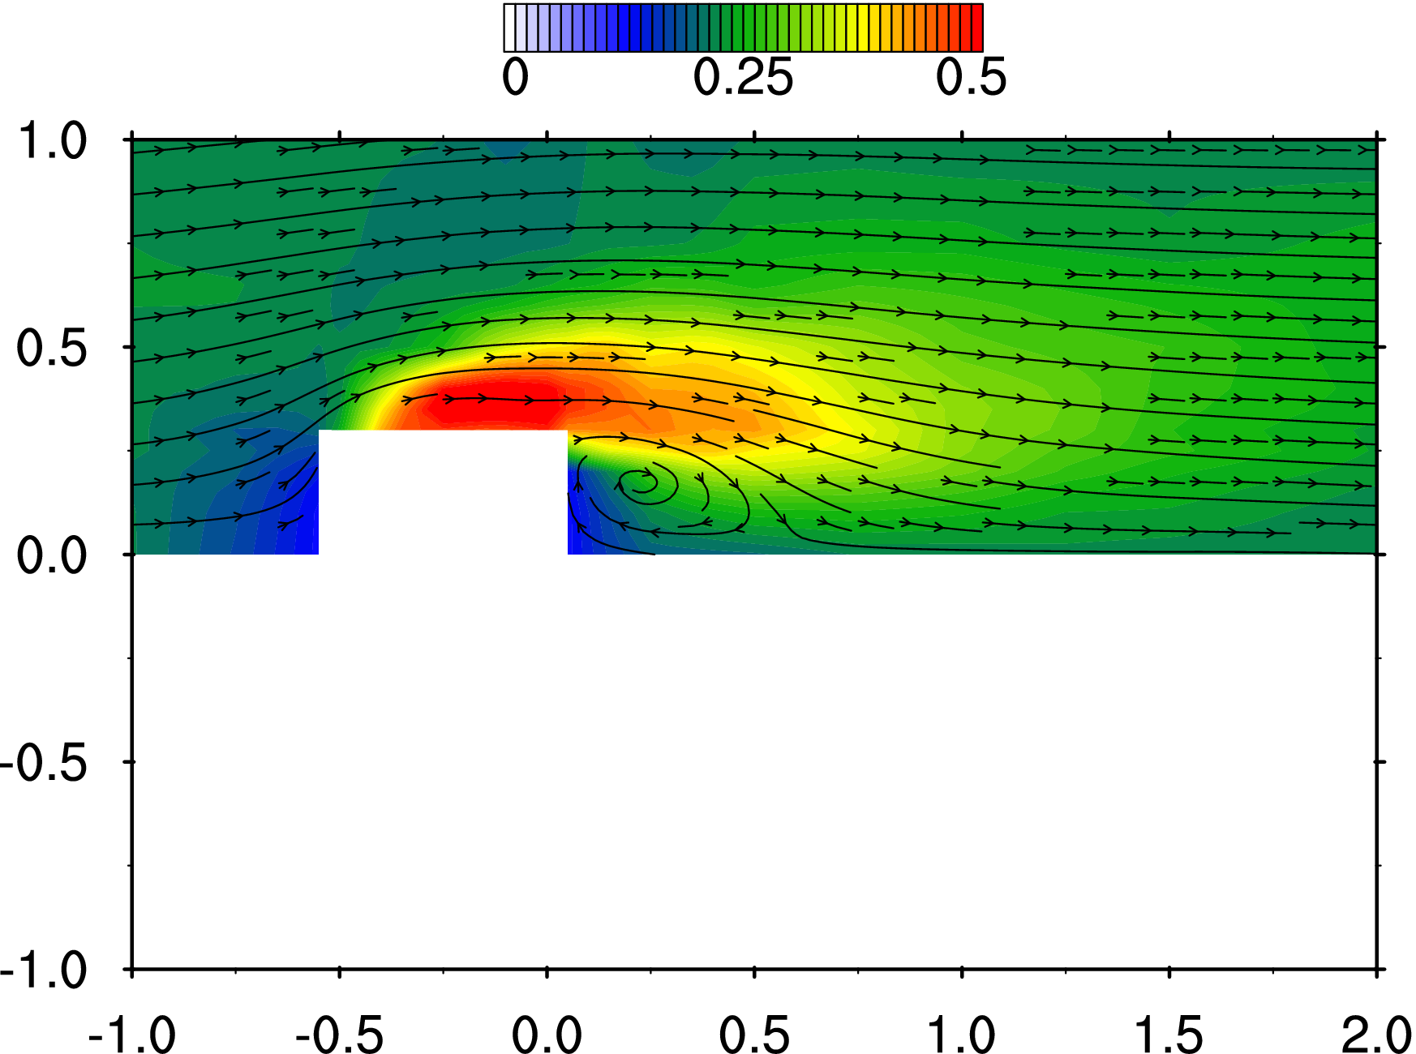
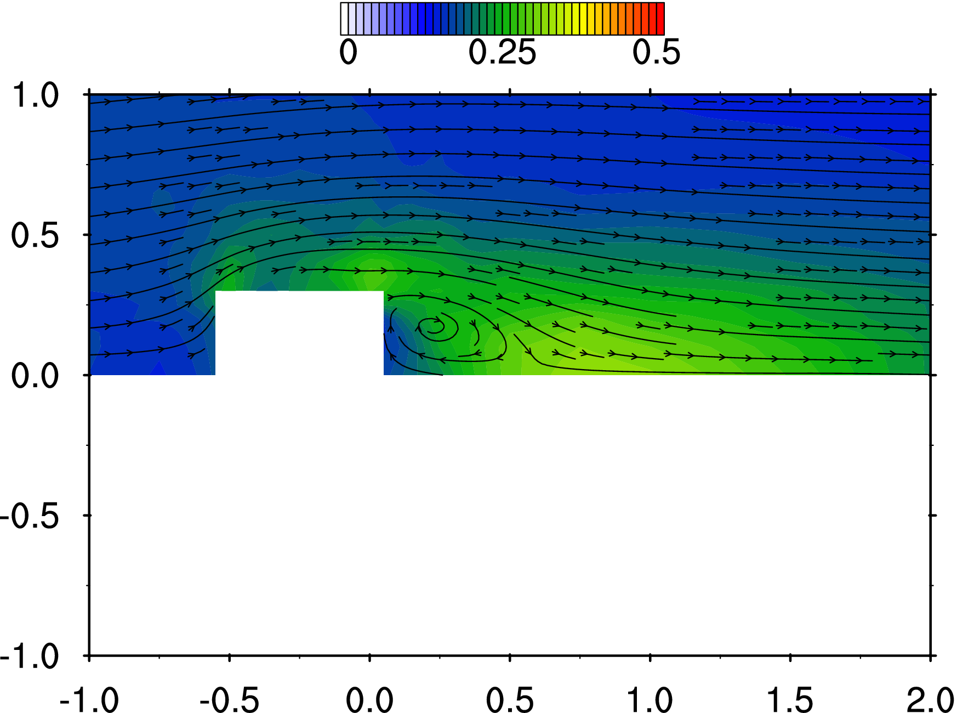
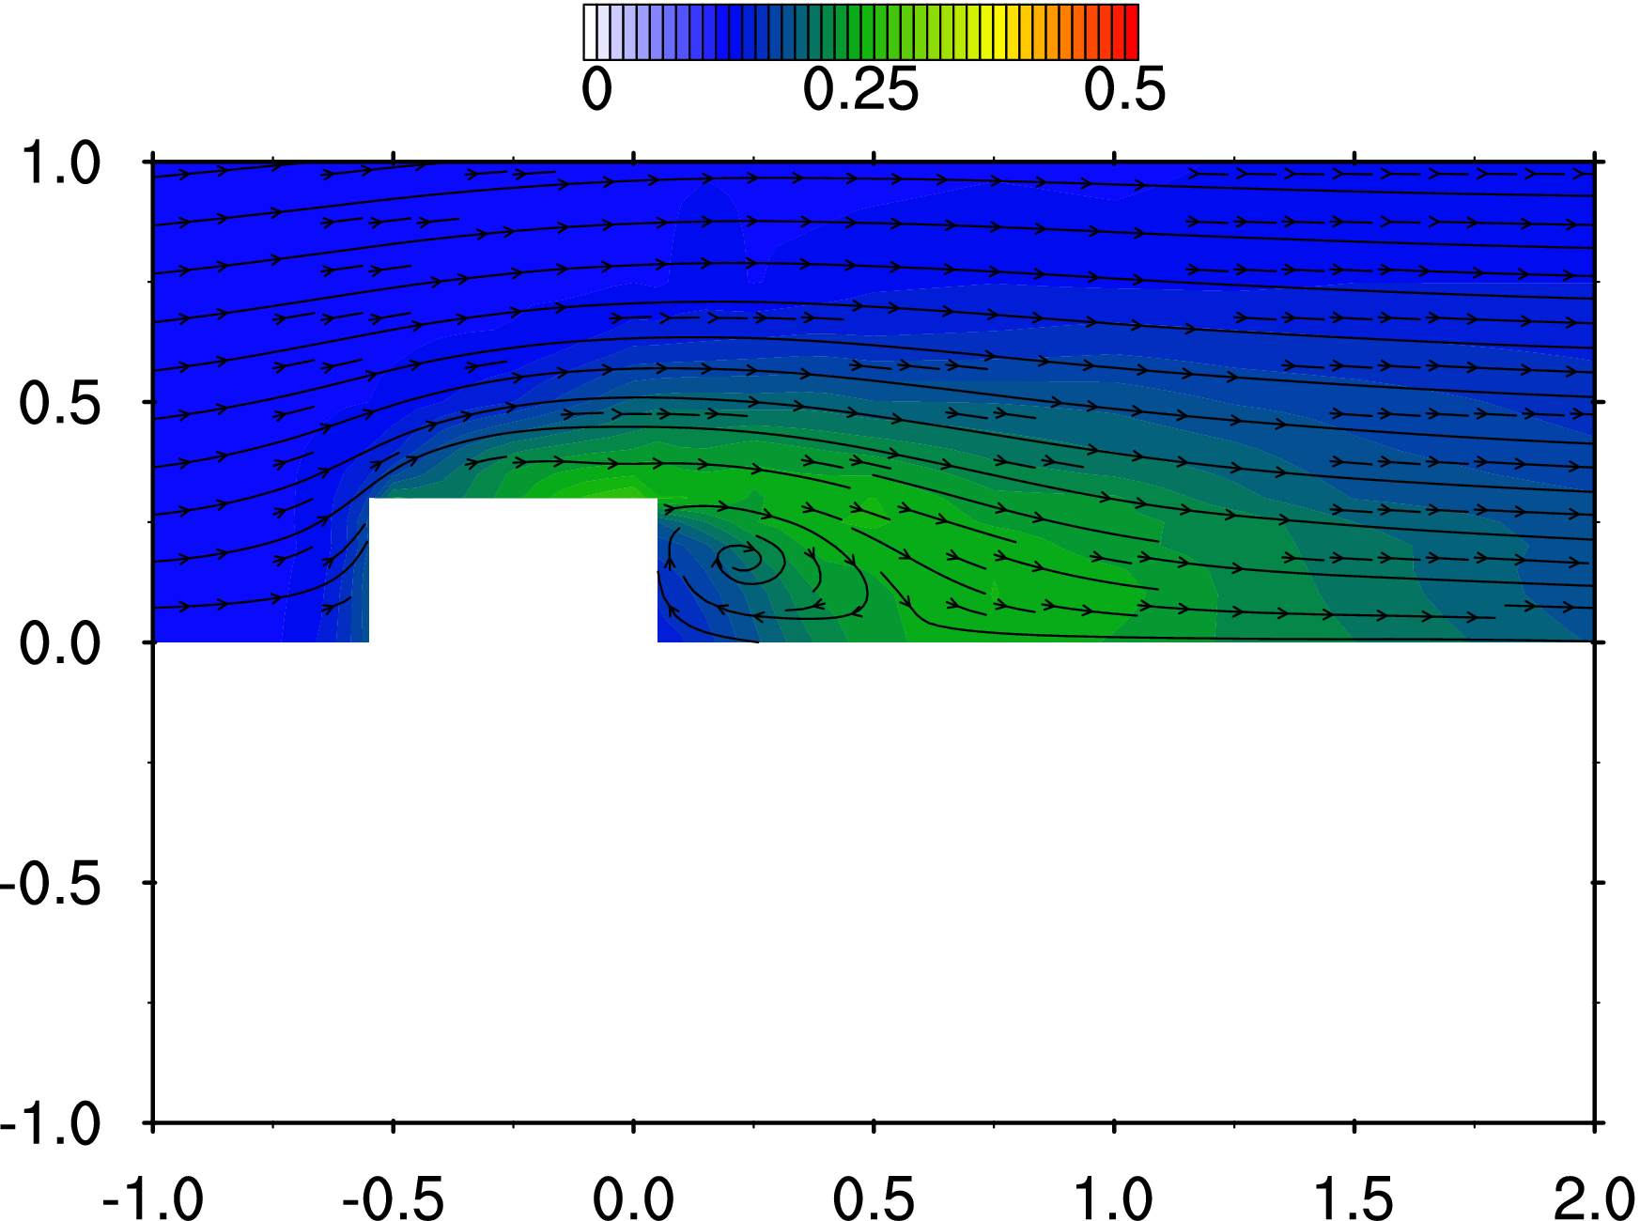
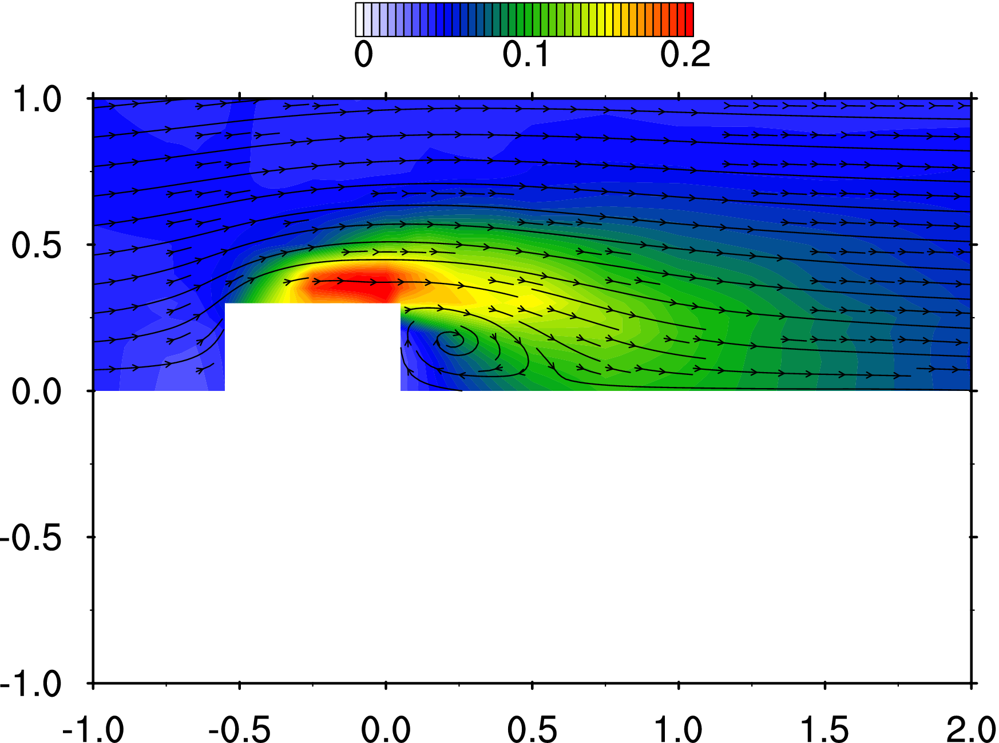
44 | -50 | 75 | 100 | -0.250 | 0.375 | 0.500 | 0.65 | 0.04 | -0.04 | 0.563 | 0.214 | 0.225 | 0.207 | 5.33 | 5.80 | 5.28 | 43.097 | 0.954 | 64.016 | 1.417
45 | -50 | 100 | 100 | -0.250 | 0.500 | 0.500 | 1.14 | 0.18 | -0.09 | 0.262 | 0.207 | 0.150 | 0.067 | 5.30 | 5.78 | 5.26 | 7.786 | 0.172 | 26.812 | 0.593
46 | -50 | 125 | 100 | -0.250 | 0.625 | 0.500 | 1.06 | 0.13 | -0.06 | 0.221 | 0.185 | 0.126 | 0.049 | 5.30 | 5.76 | 5.24 | 0.128 | 0.003 | 5.549 | 0.123
47 | -50 | 150 | 100 | -0.250 | 0.750 | 0.500 | 1.05 | 0.11 | -0.03 | 0.205 | 0.173 | 0.124 | 0.044 | 5.32 | 5.75 | 5.27 | -0.162 | -0.004 | 5.319 | 0.118
48 | -50 | 200 | 100 | -0.250 | 1.000 | 0.500 | 1.02 | 0.07 | -0.01 | 0.212 | 0.161 | 0.120 | 0.043 | 5.29 | 5.77 | 5.26 | -0.273 | -0.006 | 5.206 | 0.115
49 | -25 | 60 | 100 | -0.125 | 0.300 | 0.500 | 0.06 | -0.03 | 0.04 | 0.467 | 0.228 | 0.261 | 0.169 | 5.32 | 5.78 | 5.25 | 77.907 | 1.724 | 100.880 | 2.233
50 | -25 | 75 | 100 | -0.125 | 0.375 | 0.500 | 0.44 | -0.04 | 0.00 | 0.579 | 0.248 | 0.233 | 0.226 | 5.32 | 5.77 | 5.27 | 55.294 | 1.224 | 71.163 | 1.575
51 | -25 | 100 | 100 | -0.125 | 0.500 | 0.500 | 1.02 | 0.06 | -0.05 | 0.350 | 0.191 | 0.170 | 0.094 | 5.32 | 5.77 | 5.27 | 15.762 | 0.349 | 38.815 | 0.859
52 | -25 | 125 | 100 | -0.125 | 0.625 | 0.500 | 1.08 | 0.08 | -0.05 | 0.220 | 0.187 | 0.133 | 0.051 | 5.30 | 5.75 | 5.27 | 1.787 | 0.040 | 11.663 | 0.258
53 | -25 | 150 | 100 | -0.125 | 0.750 | 0.500 | 1.05 | 0.06 | -0.03 | 0.208 | 0.168 | 0.122 | 0.043 | 5.31 | 5.75 | 5.27 | -0.088 | -0.002 | 5.557 | 0.123
54 | -25 | 200 | 100 | -0.125 | 1.000 | 0.500 | 0.98 | 0.06 | -0.02 | 0.197 | 0.164 | 0.117 | 0.040 | 5.33 | 5.77 | 5.26 | -0.078 | -0.002 | 5.162 | 0.114
55 | 0 | 60 | 100 | 0.000 | 0.300 | 0.500 | 0.19 | 0.07 | -0.01 | 0.491 | 0.277 | 0.276 | 0.197 | 5.33 | 5.78 | 5.25 | 134.142 | 2.969 | 152.668 | 3.379
56 | 0 | 75 | 100 | 0.000 | 0.375 | 0.500 | 0.45 | -0.01 | 0.01 | 0.547 | 0.285 | 0.235 | 0.218 | 5.29 | 5.74 | 5.26 | 84.935 | 1.880 | 104.953 | 2.323
57 | 0 | 100 | 100 | 0.000 | 0.500 | 0.500 | 0.91 | 0.00 | -0.03 | 0.385 | 0.210 | 0.191 | 0.114 | 5.34 | 5.78 | 5.25 | 29.729 | 0.658 | 56.350 | 1.247
58 | 0 | 125 | 100 | 0.000 | 0.625 | 0.500 | 1.08 | 0.04 | -0.04 | 0.243 | 0.189 | 0.145 | 0.058 | 5.30 | 5.76 | 5.27 | 3.639 | 0.081 | 15.021 | 0.332
59 | 0 | 150 | 100 | 0.000 | 0.750 | 0.500 | 1.05 | 0.04 | -0.02 | 0.209 | 0.167 | 0.125 | 0.044 | 5.32 | 5.78 | 5.28 | 0.092 | 0.002 | 6.016 | 0.133
60 | 0 | 200 | 100 | 0.000 | 1.000 | 0.500 | 0.99 | 0.04 | -0.01 | 0.201 | 0.160 | 0.119 | 0.040 | 5.33 | 5.75 | 5.29 | -0.188 | -0.004 | 5.187 | 0.115
61 | 10 | 0 | 100 | 0.050 | 0.000 | 0.500 | -0.06 | 0.05 | 0.13 | 0.119 | 0.169 | 0.146 | 0.032 | 5.34 | 5.80 | 5.25 | 367.577 | 8.136 | 243.154 | 5.382
62 | 10 | 25 | 100 | 0.050 | 0.125 | 0.500 | -0.02 | 0.15 | 0.11 | 0.119 | 0.158 | 0.152 | 0.031 | 5.32 | 5.78 | 5.30 | 385.090 | 8.524 | 247.020 | 5.468
63 | 10 | 40 | 100 | 0.050 | 0.200 | 0.500 | 0.01 | 0.18 | 0.12 | 0.129 | 0.162 | 0.167 | 0.035 | 5.32 | 5.79 | 5.26 | 437.152 | 9.676 | 283.367 | 6.272
64 | 10 | 50 | 100 | 0.050 | 0.250 | 0.500 | 0.15 | 0.09 | 0.08 | 0.283 | 0.226 | 0.187 | 0.083 | 5.31 | 5.75 | 5.28 | 282.297 | 6.249 | 210.836 | 4.667
65 | 10 | 60 | 100 | 0.050 | 0.300 | 0.500 | 0.29 | 0.06 | 0.03 | 0.437 | 0.264 | 0.251 | 0.162 | 5.30 | 5.77 | 5.27 | 149.016 | 3.298 | 151.213 | 3.347
66 | 10 | 75 | 100 | 0.050 | 0.375 | 0.500 | 0.52 | -0.01 | -0.01 | 0.509 | 0.287 | 0.241 | 0.200 | 5.33 | 5.77 | 5.29 | 85.035 | 1.882 | 104.909 | 2.322
67 | 10 | 100 | 100 | 0.050 | 0.500 | 0.500 | 0.96 | -0.02 | -0.03 | 0.389 | 0.205 | 0.194 | 0.116 | 5.32 | 5.73 | 5.27 | 28.410 | 0.629 | 56.606 | 1.253
68 | 10 | 125 | 100 | 0.050 | 0.625 | 0.500 | 1.07 | 0.02 | -0.03 | 0.251 | 0.178 | 0.146 | 0.058 | 5.30 | 5.77 | 5.27 | 6.797 | 0.150 | 25.030 | 0.554
69 | 10 | 150 | 100 | 0.050 | 0.750 | 0.500 | 1.06 | 0.03 | -0.02 | 0.212 | 0.168 | 0.123 | 0.044 | 5.33 | 5.77 | 5.27 | 1.001 | 0.022 | 14.453 | 0.320
70 | 10 | 200 | 100 | 0.050 | 1.000 | 0.500 | 1.02 | 0.03 | -0.01 | 0.202 | 0.156 | 0.122 | 0.040 | 5.33 | 5.77 | 5.27 | -0.107 | -0.002 | 5.048 | 0.112
71 | 25 | 0 | 100 | 0.125 | 0.000 | 0.500 | -0.16 | 0.04 | 0.11 | 0.158 | 0.190 | 0.150 | 0.042 | 5.32 | 5.77 | 5.28 | 244.761 | 5.418 | 159.098 | 3.522
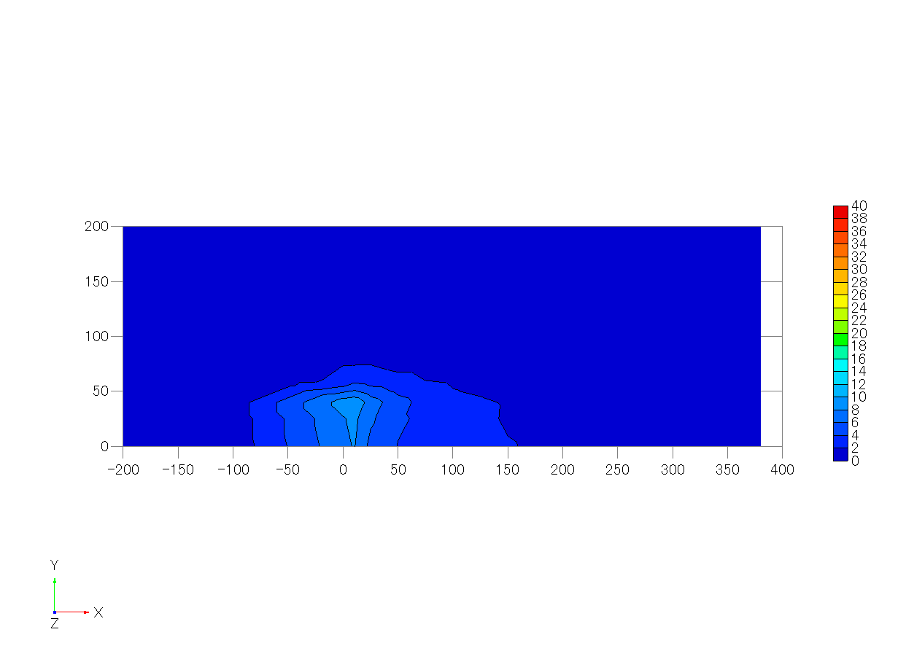
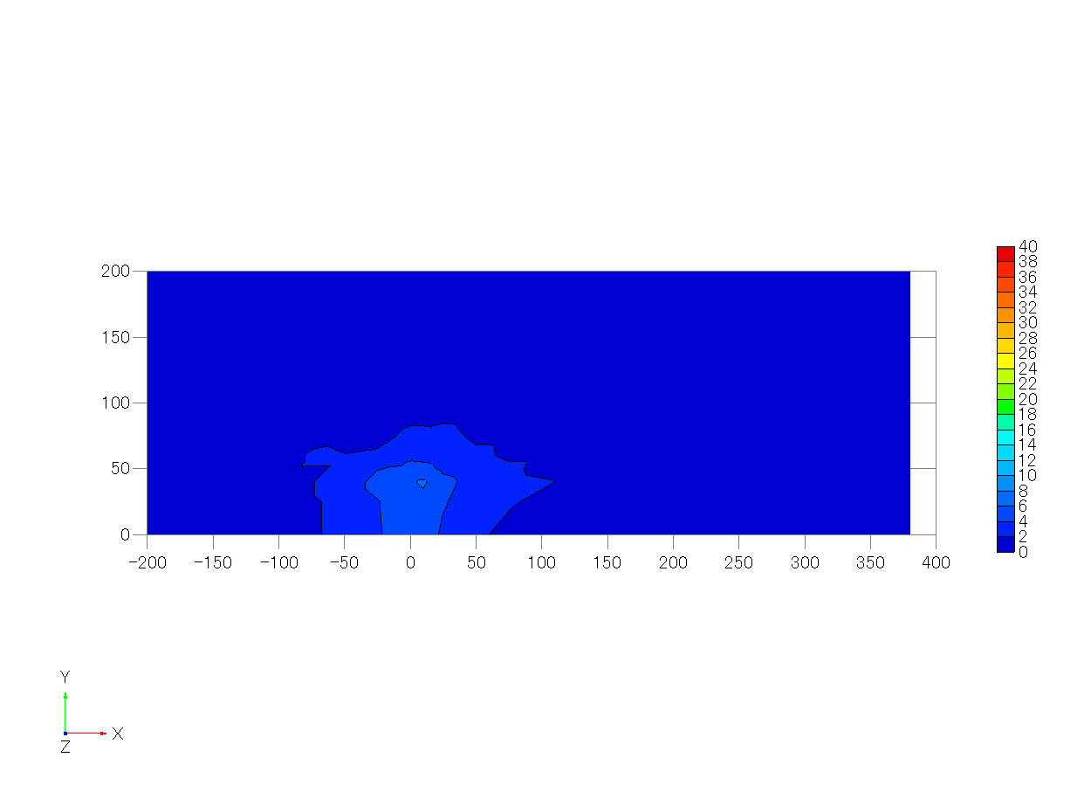
72 | 25 | 25 | 100 | 0.125 | 0.125 | 0.500 | -0.09 | 0.12 | 0.08 | 0.166 | 0.175 | 0.165 | 0.043 | 5.35 | 5.77 | 5.30 | 287.002 | 6.353 | 190.831 | 4.224
73 | 25 | 40 | 100 | 0.125 | 0.200 | 0.500 | 0.03 | 0.08 | 0.09 | 0.201 | 0.209 | 0.177 | 0.058 | 5.34 | 5.78 | 5.28 | 317.448 | 7.027 | 209.192 | 4.630
74 | 25 | 50 | 100 | 0.125 | 0.250 | 0.500 | 0.21 | 0.03 | 0.07 | 0.359 | 0.230 | 0.206 | 0.112 | 5.35 | 5.79 | 5.27 | 226.781 | 5.020 | 162.977 | 3.608
75 | 25 | 60 | 100 | 0.125 | 0.300 | 0.500 | 0.36 | 0.01 | 0.04 | 0.439 | 0.248 | 0.251 | 0.159 | 5.32 | 5.77 | 5.26 | 128.609 | 2.847 | 139.355 | 3.085
76 | 25 | 75 | 100 | 0.125 | 0.375 | 0.500 | 0.55 | -0.03 | 0.00 | 0.480 | 0.257 | 0.232 | 0.175 | 5.33 | 5.75 | 5.29 | 87.950 | 1.947 | 113.577 | 2.514
77 | 25 | 100 | 100 | 0.125 | 0.500 | 0.500 | 0.86 | -0.04 | -0.03 | 0.413 | 0.210 | 0.196 | 0.126 | 5.37 | 5.76 | 5.27 | 31.116 | 0.689 | 52.051 | 1.152
78 | 25 | 125 | 100 | 0.125 | 0.625 | 0.500 | 1.07 | 0.00 | -0.03 | 0.256 | 0.187 | 0.147 | 0.061 | 5.33 | 5.74 | 5.28 | 8.875 | 0.196 | 25.537 | 0.565
79 | 25 | 150 | 100 | 0.125 | 0.750 | 0.500 | 1.05 | 0.02 | -0.01 | 0.221 | 0.161 | 0.130 | 0.046 | 5.32 | 5.75 | 5.25 | 1.893 | 0.042 | 12.521 | 0.277
80 | 25 | 200 | 100 | 0.125 | 1.000 | 0.500 | 1.03 | 0.03 | 0.00 | 0.219 | 0.154 | 0.124 | 0.044 | 5.30 | 5.77 | 5.25 | -0.239 | -0.005 | 5.079 | 0.112
81 | 50 | 0 | 100 | 0.250 | 0.000 | 0.500 | -0.23 | 0.03 | 0.05 | 0.193 | 0.219 | 0.184 | 0.059 | 5.35 | 5.78 | 5.26 | 177.176 | 3.922 | 100.012 | 2.214
82 | 50 | 25 | 100 | 0.250 | 0.125 | 0.500 | -0.10 | 0.00 | 0.07 | 0.224 | 0.244 | 0.194 | 0.074 | 5.32 | 5.75 | 5.30 | 195.234 | 4.322 | 118.844 | 2.631
83 | 50 | 40 | 100 | 0.250 | 0.200 | 0.500 | 0.08 | -0.04 | 0.06 | 0.287 | 0.252 | 0.215 | 0.096 | 5.32 | 5.74 | 5.32 | 211.946 | 4.691 | 142.889 | 3.163
84 | 50 | 50 | 100 | 0.250 | 0.250 | 0.500 | 0.25 | -0.06 | 0.06 | 0.385 | 0.244 | 0.237 | 0.132 | 5.33 | 5.77 | 5.30 | 163.722 | 3.624 | 127.234 | 2.816
85 | 50 | 60 | 100 | 0.250 | 0.300 | 0.500 | 0.40 | -0.08 | 0.04 | 0.451 | 0.251 | 0.236 | 0.161 | 5.32 | 5.74 | 5.31 | 111.747 | 2.474 | 105.360 | 2.332
86 | 50 | 75 | 100 | 0.250 | 0.375 | 0.500 | 0.59 | -0.08 | -0.01 | 0.437 | 0.241 | 0.243 | 0.154 | 5.35 | 5.75 | 5.28 | 68.160 | 1.509 | 76.804 | 1.700
87 | 50 | 100 | 100 | 0.250 | 0.500 | 0.500 | 0.86 | -0.06 | -0.02 | 0.377 | 0.218 | 0.194 | 0.114 | 5.34 | 5.77 | 5.31 | 29.988 | 0.664 | 47.020 | 1.041
88 | 50 | 125 | 100 | 0.250 | 0.625 | 0.500 | 1.01 | -0.04 | -0.02 | 0.282 | 0.174 | 0.150 | 0.066 | 5.33 | 5.73 | 5.32 | 12.639 | 0.280 | 32.038 | 0.709
89 | 50 | 150 | 100 | 0.250 | 0.750 | 0.500 | 1.03 | -0.01 | -0.01 | 0.222 | 0.164 | 0.124 | 0.046 | 5.35 | 5.75 | 5.28 | 2.023 | 0.045 | 11.131 | 0.246
90 | 50 | 200 | 100 | 0.250 | 1.000 | 0.500 | 0.99 | 0.01 | 0.00 | 0.209 | 0.157 | 0.124 | 0.042 | 5.33 | 5.75 | 5.33 | -0.106 | -0.002 | 7.264 | 0.161
91 | 75 | 0 | 100 | 0.375 | 0.000 | 0.500 | -0.18 | 0.03 | 0.02 | 0.194 | 0.264 | 0.213 | 0.076 | 5.34 | 5.76 | 5.29 | 140.438 | 3.109 | 74.790 | 1.655
92 | 75 | 25 | 100 | 0.375 | 0.125 | 0.500 | -0.05 | -0.06 | 0.03 | 0.252 | 0.267 | 0.228 | 0.094 | 5.33 | 5.75 | 5.31 | 159.769 | 3.536 | 96.087 | 2.127
93 | 75 | 40 | 100 | 0.375 | 0.200 | 0.500 | 0.12 | -0.10 | 0.05 | 0.335 | 0.256 | 0.243 | 0.118 | 5.35 | 5.76 | 5.28 | 148.126 | 3.279 | 109.047 | 2.414
94 | 75 | 50 | 100 | 0.375 | 0.250 | 0.500 | 0.31 | -0.12 | 0.03 | 0.413 | 0.248 | 0.248 | 0.147 | 5.32 | 5.75 | 5.30 | 130.377 | 2.886 | 103.954 | 2.301
95 | 75 | 60 | 100 | 0.375 | 0.300 | 0.500 | 0.44 | -0.12 | 0.02 | 0.423 | 0.240 | 0.245 | 0.148 | 5.35 | 5.76 | 5.30 | 90.001 | 1.992 | 79.650 | 1.763
96 | 75 | 75 | 100 | 0.375 | 0.375 | 0.500 | 0.64 | -0.11 | -0.01 | 0.433 | 0.228 | 0.233 | 0.147 | 5.33 | 5.76 | 5.29 | 68.416 | 1.514 | 76.918 | 1.703
97 | 75 | 100 | 100 | 0.375 | 0.500 | 0.500 | 0.84 | -0.10 | -0.01 | 0.388 | 0.194 | 0.195 | 0.113 | 5.33 | 5.74 | 5.30 | 28.744 | 0.636 | 44.154 | 0.977
98 | 75 | 125 | 100 | 0.375 | 0.625 | 0.500 | 0.98 | -0.06 | -0.01 | 0.279 | 0.174 | 0.153 | 0.066 | 5.31 | 5.75 | 5.27 | 12.072 | 0.267 | 28.672 | 0.635
99 | 75 | 150 | 100 | 0.375 | 0.750 | 0.500 | 1.03 | -0.04 | -0.01 | 0.227 | 0.154 | 0.128 | 0.046 | 5.35 | 5.77 | 5.29 | 4.320 | 0.096 | 16.497 | 0.365
100 | 75 | 200 | 100 | 0.375 | 1.000 | 0.500 | 1.01 | -0.01 | 0.00 | 0.204 | 0.156 | 0.121 | 0.040 | 5.34 | 5.74 | 5.29 | -0.129 | -0.003 | 5.227 | 0.116
101 | 100 | 0 | 100 | 0.500 | 0.000 | 0.500 | -0.09 | 0.01 | -0.01 | 0.198 | 0.295 | 0.233 | 0.090 | 5.35 | 5.75 | 5.30 | 122.298 | 2.707 | 72.169 | 1.597
102 | 100 | 25 | 100 | 0.500 | 0.125 | 0.500 | 0.04 | -0.08 | 0.01 | 0.269 | 0.298 | 0.235 | 0.108 | 5.32 | 5.74 | 5.31 | 132.125 | 2.925 | 78.692 | 1.742
103 | 100 | 40 | 100 | 0.500 | 0.200 | 0.500 | 0.21 | -0.12 | 0.01 | 0.349 | 0.266 | 0.244 | 0.126 | 5.35 | 5.77 | 5.30 | 118.252 | 2.618 | 97.270 | 2.153
104 | 100 | 50 | 100 | 0.500 | 0.250 | 0.500 | 0.36 | -0.13 | 0.01 | 0.386 | 0.256 | 0.252 | 0.139 | 5.36 | 5.77 | 5.30 | 94.088 | 2.083 | 72.987 | 1.616
105 | 100 | 60 | 100 | 0.500 | 0.300 | 0.500 | 0.45 | -0.14 | 0.01 | 0.429 | 0.249 | 0.250 | 0.155 | 5.33 | 5.76 | 5.27 | 78.592 | 1.740 | 79.951 | 1.770
106 | 100 | 75 | 100 | 0.500 | 0.375 | 0.500 | 0.61 | -0.14 | -0.01 | 0.421 | 0.233 | 0.230 | 0.142 | 5.34 | 5.77 | 5.29 | 50.681 | 1.122 | 56.522 | 1.251
107 | 100 | 100 | 100 | 0.500 | 0.500 | 0.500 | 0.84 | -0.11 | -0.01 | 0.365 | 0.197 | 0.188 | 0.104 | 5.35 | 5.73 | 5.29 | 25.297 | 0.560 | 35.622 | 0.789
108 | 100 | 125 | 100 | 0.500 | 0.625 | 0.500 | 0.95 | -0.08 | -0.01 | 0.261 | 0.175 | 0.150 | 0.061 | 5.34 | 5.76 | 5.32 | 12.737 | 0.282 | 29.942 | 0.663
109 | 100 | 150 | 100 | 0.500 | 0.750 | 0.500 | 1.02 | -0.04 | -0.01 | 0.242 | 0.156 | 0.135 | 0.051 | 5.35 | 5.76 | 5.32 | 5.402 | 0.120 | 17.839 | 0.395
110 | 100 | 200 | 100 | 0.500 | 1.000 | 0.500 | 1.02 | -0.01 | 0.00 | 0.215 | 0.151 | 0.119 | 0.042 | 5.35 | 5.77 | 5.32 | 0.130 | 0.003 | 5.900 | 0.131
111 | 150 | 0 | 100 | 0.750 | 0.000 | 0.500 | 0.13 | 0.00 | -0.05 | 0.214 | 0.325 | 0.249 | 0.107 | 5.37 | 5.74 | 5.32 | 95.180 | 2.107 | 58.973 | 1.305
112 | 150 | 25 | 100 | 0.750 | 0.125 | 0.500 | 0.22 | -0.08 | -0.05 | 0.271 | 0.309 | 0.251 | 0.116 | 5.36 | 5.73 | 5.34 | 81.979 | 1.815 | 58.840 | 1.302
113 | 150 | 40 | 100 | 0.750 | 0.200 | 0.500 | 0.33 | -0.10 | -0.04 | 0.332 | 0.295 | 0.248 | 0.129 | 5.35 | 5.75 | 5.29 | 83.373 | 1.845 | 61.821 | 1.368
114 | 150 | 50 | 100 | 0.750 | 0.250 | 0.500 | 0.44 | -0.12 | -0.02 | 0.366 | 0.265 | 0.235 | 0.130 | 5.34 | 5.73 | 5.30 | 63.464 | 1.405 | 51.019 | 1.129
115 | 150 | 60 | 100 | 0.750 | 0.300 | 0.500 | 0.50 | -0.13 | -0.02 | 0.372 | 0.243 | 0.228 | 0.125 | 5.32 | 5.74 | 5.30 | 58.757 | 1.301 | 50.935 | 1.127
116 | 150 | 75 | 100 | 0.750 | 0.375 | 0.500 | 0.64 | -0.13 | -0.01 | 0.352 | 0.226 | 0.213 | 0.111 | 5.35 | 5.75 | 5.32 | 42.306 | 0.936 | 41.379 | 0.916
117 | 150 | 100 | 100 | 0.750 | 0.500 | 0.500 | 0.81 | -0.10 | -0.01 | 0.328 | 0.192 | 0.187 | 0.090 | 5.37 | 5.76 | 5.32 | 24.860 | 0.550 | 34.558 | 0.765
118 | 150 | 125 | 100 | 0.750 | 0.625 | 0.500 | 0.89 | -0.08 | 0.00 | 0.282 | 0.163 | 0.153 | 0.065 | 5.35 | 5.75 | 5.30 | 12.684 | 0.281 | 25.021 | 0.554
119 | 150 | 150 | 100 | 0.750 | 0.750 | 0.500 | 0.99 | -0.06 | 0.00 | 0.244 | 0.155 | 0.137 | 0.051 | 5.35 | 5.77 | 5.31 | 5.742 | 0.127 | 17.537 | 0.388
120 | 150 | 200 | 100 | 0.750 | 1.000 | 0.500 | 0.99 | -0.02 | 0.00 | 0.218 | 0.155 | 0.123 | 0.043 | 5.32 | 5.76 | 5.29 | 0.756 | 0.017 | 7.942 | 0.176
121 | 200 | 0 | 100 | 1.000 | 0.000 | 0.500 | 0.32 | 0.00 | -0.09 | 0.215 | 0.315 | 0.236 | 0.101 | 5.32 | 5.76 | 5.30 | 67.892 | 1.503 | 44.220 | 0.979
122 | 200 | 25 | 100 | 1.000 | 0.125 | 0.500 | 0.38 | -0.07 | -0.06 | 0.261 | 0.297 | 0.245 | 0.108 | 5.36 | 5.74 | 5.33 | 64.589 | 1.430 | 37.962 | 0.840
123 | 200 | 40 | 100 | 1.000 | 0.200 | 0.500 | 0.47 | -0.08 | -0.05 | 0.304 | 0.273 | 0.229 | 0.110 | 5.35 | 5.72 | 5.31 | 60.099 | 1.330 | 43.484 | 0.963
124 | 200 | 50 | 100 | 1.000 | 0.250 | 0.500 | 0.53 | -0.10 | -0.04 | 0.315 | 0.253 | 0.228 | 0.108 | 5.35 | 5.74 | 5.30 | 50.863 | 1.126 | 39.267 | 0.869
125 | 200 | 60 | 100 | 1.000 | 0.300 | 0.500 | 0.56 | -0.09 | -0.04 | 0.316 | 0.243 | 0.227 | 0.105 | 5.35 | 5.75 | 5.32 | 49.471 | 1.095 | 45.485 | 1.007
126 | 200 | 75 | 100 | 1.000 | 0.375 | 0.500 | 0.65 | -0.10 | -0.03 | 0.319 | 0.219 | 0.203 | 0.095 | 5.36 | 5.77 | 5.35 | 35.874 | 0.794 | 36.788 | 0.814
127 | 200 | 100 | 100 | 1.000 | 0.500 | 0.500 | 0.81 | -0.08 | -0.02 | 0.292 | 0.195 | 0.184 | 0.079 | 5.34 | 5.77 | 5.33 | 25.953 | 0.574 | 35.602 | 0.788
128 | 200 | 125 | 100 | 1.000 | 0.625 | 0.500 | 0.86 | -0.07 | -0.01 | 0.276 | 0.165 | 0.157 | 0.064 | 5.35 | 5.75 | 5.30 | 16.833 | 0.373 | 25.326 | 0.561
129 | 200 | 150 | 100 | 1.000 | 0.750 | 0.500 | 0.91 | -0.06 | -0.01 | 0.244 | 0.154 | 0.135 | 0.051 | 5.37 | 5.75 | 5.33 | 9.060 | 0.201 | 20.999 | 0.465
130 | 200 | 200 | 100 | 1.000 | 1.000 | 0.500 | 0.96 | -0.02 | 0.00 | 0.214 | 0.150 | 0.120 | 0.041 | 5.36 | 5.77 | 5.31 | 1.275 | 0.028 | 9.123 | 0.202
131 | 250 | 0 | 100 | 1.250 | 0.000 | 0.500 | 0.47 | 0.00 | -0.09 | 0.221 | 0.296 | 0.223 | 0.093 | 5.40 | 5.72 | 5.36 | 57.538 | 1.274 | 35.580 | 0.788
132 | 250 | 25 | 100 | 1.250 | 0.125 | 0.500 | 0.51 | -0.04 | -0.07 | 0.241 | 0.283 | 0.222 | 0.094 | 5.36 | 5.74 | 5.35 | 52.553 | 1.163 | 36.773 | 0.814
133 | 250 | 40 | 100 | 1.250 | 0.200 | 0.500 | 0.56 | -0.06 | -0.07 | 0.272 | 0.260 | 0.219 | 0.095 | 5.36 | 5.75 | 5.32 | 50.393 | 1.115 | 37.115 | 0.822
134 | 250 | 50 | 100 | 1.250 | 0.250 | 0.500 | 0.60 | -0.05 | -0.07 | 0.283 | 0.253 | 0.221 | 0.096 | 5.35 | 5.74 | 5.34 | 47.565 | 1.053 | 36.238 | 0.802
135 | 250 | 60 | 100 | 1.250 | 0.300 | 0.500 | 0.64 | -0.07 | -0.05 | 0.297 | 0.238 | 0.204 | 0.093 | 5.35 | 5.74 | 5.33 | 42.014 | 0.930 | 36.496 | 0.808
136 | 250 | 75 | 100 | 1.250 | 0.375 | 0.500 | 0.71 | -0.07 | -0.04 | 0.300 | 0.214 | 0.194 | 0.087 | 5.36 | 5.75 | 5.32 | 34.962 | 0.774 | 33.942 | 0.751
137 | 250 | 100 | 100 | 1.250 | 0.500 | 0.500 | 0.83 | -0.07 | -0.03 | 0.282 | 0.190 | 0.174 | 0.073 | 5.37 | 5.75 | 5.34 | 23.784 | 0.526 | 29.129 | 0.645
138 | 250 | 125 | 100 | 1.250 | 0.625 | 0.500 | 0.89 | -0.05 | -0.01 | 0.266 | 0.165 | 0.154 | 0.061 | 5.34 | 5.71 | 5.33 | 15.934 | 0.353 | 25.438 | 0.563
139 | 250 | 150 | 100 | 1.250 | 0.750 | 0.500 | 0.94 | -0.04 | -0.01 | 0.233 | 0.157 | 0.135 | 0.049 | 5.35 | 5.71 | 5.34 | 9.001 | 0.199 | 20.398 | 0.452
140 | 250 | 200 | 100 | 1.250 | 1.000 | 0.500 | 0.99 | -0.03 | 0.00 | 0.219 | 0.146 | 0.126 | 0.043 | 5.36 | 5.76 | 5.33 | 1.445 | 0.032 | 9.218 | 0.204
141 | 300 | 0 | 100 | 1.500 | 0.000 | 0.500 | 0.55 | 0.00 | -0.09 | 0.218 | 0.273 | 0.213 | 0.084 | 5.37 | 5.74 | 5.34 | 43.523 | 0.963 | 26.268 | 0.581
142 | 300 | 25 | 100 | 1.500 | 0.125 | 0.500 | 0.59 | -0.02 | -0.08 | 0.240 | 0.262 | 0.208 | 0.085 | 5.36 | 5.74 | 5.33 | 46.901 | 1.038 | 32.428 | 0.718
143 | 300 | 40 | 100 | 1.500 | 0.200 | 0.500 | 0.64 | -0.04 | -0.07 | 0.252 | 0.242 | 0.206 | 0.082 | 5.37 | 5.72 | 5.36 | 42.320 | 0.937 | 30.702 | 0.680
144 | 300 | 50 | 100 | 1.500 | 0.250 | 0.500 | 0.67 | -0.05 | -0.06 | 0.266 | 0.235 | 0.200 | 0.083 | 5.37 | 5.76 | 5.32 | 41.848 | 0.926 | 31.962 | 0.707
145 | 300 | 60 | 100 | 1.500 | 0.300 | 0.500 | 0.67 | -0.04 | -0.05 | 0.263 | 0.231 | 0.187 | 0.079 | 5.36 | 5.72 | 5.36 | 37.283 | 0.825 | 30.903 | 0.684
146 | 300 | 75 | 100 | 1.500 | 0.375 | 0.500 | 0.73 | -0.06 | -0.05 | 0.268 | 0.205 | 0.179 | 0.073 | 5.37 | 5.75 | 5.41 | 30.856 | 0.683 | 29.006 | 0.642
147 | 300 | 100 | 100 | 1.500 | 0.500 | 0.500 | 0.85 | -0.05 | -0.03 | 0.275 | 0.183 | 0.170 | 0.069 | 5.34 | 5.73 | 5.45 | 22.440 | 0.497 | 25.937 | 0.574
148 | 300 | 125 | 100 | 1.500 | 0.625 | 0.500 | 0.88 | -0.05 | -0.02 | 0.256 | 0.169 | 0.151 | 0.059 | 5.37 | 5.70 | 5.46 | 13.922 | 0.308 | 21.621 | 0.479
149 | 300 | 150 | 100 | 1.500 | 0.750 | 0.500 | 0.94 | -0.04 | -0.01 | 0.226 | 0.155 | 0.137 | 0.047 | 5.37 | 5.73 | 5.46 | 8.445 | 0.187 | 18.476 | 0.409
150 | 300 | 200 | 100 | 1.500 | 1.000 | 0.500 | 0.97 | -0.02 | 0.00 | 0.221 | 0.146 | 0.125 | 0.043 | 5.35 | 5.72 | 5.46 | 2.201 | 0.049 | 11.289 | 0.250
151 | 400 | 0 | 100 | 2.000 | 0.000 | 0.500 | 0.65 | -0.01 | -0.05 | 0.214 | 0.223 | 0.186 | 0.065 | 5.36 | 5.72 | 5.51
152 | 400 | 25 | 100 | 2.000 | 0.125 | 0.500 | 0.68 | -0.03 | -0.05 | 0.217 | 0.223 | 0.177 | 0.064 | 5.35 | 5.70 | 5.53
153 | 400 | 40 | 100 | 2.000 | 0.200 | 0.500 | 0.71 | -0.04 | -0.05 | 0.232 | 0.212 | 0.180 | 0.066 | 5.38 | 5.73 | 5.48
154 | 400 | 50 | 100 | 2.000 | 0.250 | 0.500 | 0.71 | -0.02 | -0.04 | 0.236 | 0.212 | 0.179 | 0.066 | 5.37 | 5.72 | 5.51
155 | 400 | 60 | 100 | 2.000 | 0.300 | 0.500 | 0.74 | -0.03 | -0.03 | 0.234 | 0.204 | 0.177 | 0.064 | 5.37 | 5.73 | 5.51
156 | 400 | 75 | 100 | 2.000 | 0.375 | 0.500 | 0.77 | -0.03 | -0.04 | 0.247 | 0.189 | 0.167 | 0.062 | 5.38 | 5.75 | 5.49
157 | 400 | 100 | 100 | 2.000 | 0.500 | 0.500 | 0.82 | -0.03 | -0.02 | 0.239 | 0.179 | 0.156 | 0.057 | 5.37 | 5.73 | 5.49
158 | 400 | 125 | 100 | 2.000 | 0.625 | 0.500 | 0.87 | -0.02 | -0.01 | 0.242 | 0.169 | 0.147 | 0.054 | 5.35 | 5.74 | 5.46
159 | 400 | 150 | 100 | 2.000 | 0.750 | 0.500 | 0.93 | -0.02 | -0.01 | 0.244 | 0.150 | 0.137 | 0.050 | 5.33 | 5.72 | 5.48
160 | 400 | 200 | 100 | 2.000 | 1.000 | 0.500 | 0.98 | -0.01 | 0.01 | 0.212 | 0.145 | 0.129 | 0.041 | 5.36 | 5.75 | 5.46
161 | 380 | 0 | 100 |  |  |  |  |  |  |  |  |  |  |  |  |  | 41.240 | 0.913 | 28.462 | 0.630
162 | 380 | 25 | 100 |  |  |  |  |  |  |  |  |  |  |  |  |  | 37.625 | 0.833 | 26.185 | 0.580
163 | 380 | 40 | 100 |  |  |  |  |  |  |  |  |  |  |  |  |  | 33.980 | 0.752 | 24.990 | 0.553
164 | 380 | 50 | 100 |  |  |  |  |  |  |  |  |  |  |  |  |  | 36.810 | 0.815 | 27.491 | 0.609
165 | 380 | 60 | 100 |  |  |  |  |  |  |  |  |  |  |  |  |  | 32.328 | 0.716 | 25.750 | 0.570
166 | 380 | 75 | 100 |  |  |  |  |  |  |  |  |  |  |  |  |  | 27.803 | 0.615 | 25.760 | 0.570
167 | 380 | 100 | 100 |  |  |  |  |  |  |  |  |  |  |  |  |  | 22.177 | 0.491 | 23.325 | 0.516
168 | 380 | 125 | 100 |  |  |  |  |  |  |  |  |  |  |  |  |  | 15.666 | 0.347 | 23.275 | 0.515
169 | 380 | 150 | 100 |  |  |  |  |  |  |  |  |  |  |  |  |  | 9.871 | 0.218 | 16.829 | 0.373
170 | 380 | 200 | 100 |  |  |  |  |  |  |  |  |  |  |  |  |  | 3.893 | 0.086 | 12.377 | 0.274

z=0.25H
 | displacement |  |  |  |  |  | mean velocity |  |  | root mean square |  |  | turbulent kinetic energy | reference wind speed |  |  | c_mean |  | c_s.d.
# | x(mm) | y(mm) | z(mm) | x/H | y/H | z/H | <u/uH> | <v/uH> | <w/uH> | <urms/uH> | <vrms/uH> | <wrms/uH> | <k/uH2> | <uref-u> | <uref-v> | <uref-w> | <c>(ppm) | <c>/Co | sC(ppm) | sC/Co
1 | -150 | 0 | 50 | -0.750 | 0.000 | 0.250 | 0.36 | 0.00 | -0.11 | 0.175 | 0.146 | 0.121 | 0.033 | 5.29 | 5.80 | 5.24 | -0.018 | 0.000 | 4.949 | 0.110
2 | -150 | 25 | 50 | -0.750 | 0.125 | 0.250 | 0.43 | 0.10 | -0.13 | 0.175 | 0.159 | 0.117 | 0.035 | 5.29 | 5.77 | 5.24 | 0.072 | 0.002 | 5.002 | 0.111
From left to right
u/uH, v/uH, w/uH
urms/uH, vrms/uH, wrms/uH, TKE/uH^2
3 | -150 | 40 | 50 | -0.750 | 0.200 | 0.250 | 0.50 | 0.16 | -0.12 | 0.189 | 0.166 | 0.118 | 0.039 | 5.27 | 5.80 | 5.23 | -0.025 | -0.001 | 4.976 | 0.110
4 | -150 | 50 | 50 | -0.750 | 0.250 | 0.250 | 0.53 | 0.20 | -0.12 | 0.185 | 0.167 | 0.123 | 0.039 | 5.27 | 5.76 | 5.25 | 0.039 | 0.001 | 4.977 | 0.110
5 | -150 | 60 | 50 | -0.750 | 0.300 | 0.250 | 0.59 | 0.21 | -0.11 | 0.195 | 0.176 | 0.118 | 0.041 | 5.26 | 5.80 | 5.24 | 0.056 | 0.001 | 5.051 | 0.112
6 | -150 | 75 | 50 | -0.750 | 0.375 | 0.250 | 0.64 | 0.22 | -0.09 | 0.209 | 0.176 | 0.119 | 0.044 | 5.28 | 5.76 | 5.26 | 0.046 | 0.001 | 4.872 | 0.108
7 | -150 | 100 | 50 | -0.750 | 0.500 | 0.250 | 0.72 | 0.20 | -0.07 | 0.204 | 0.177 | 0.116 | 0.043 | 5.27 | 5.76 | 5.24 | 0.103 | 0.002 | 4.986 | 0.110
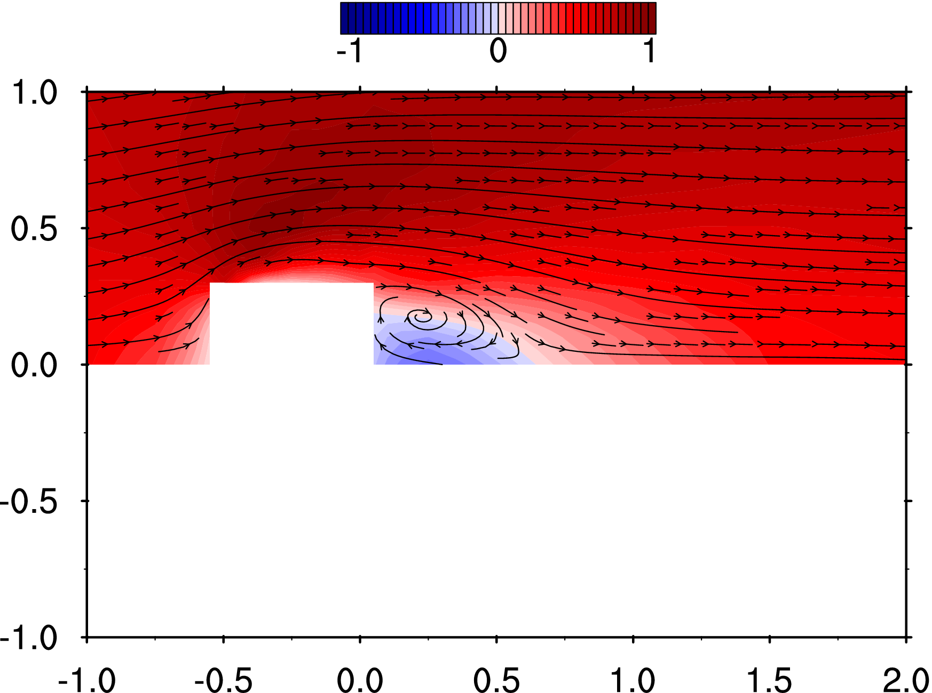
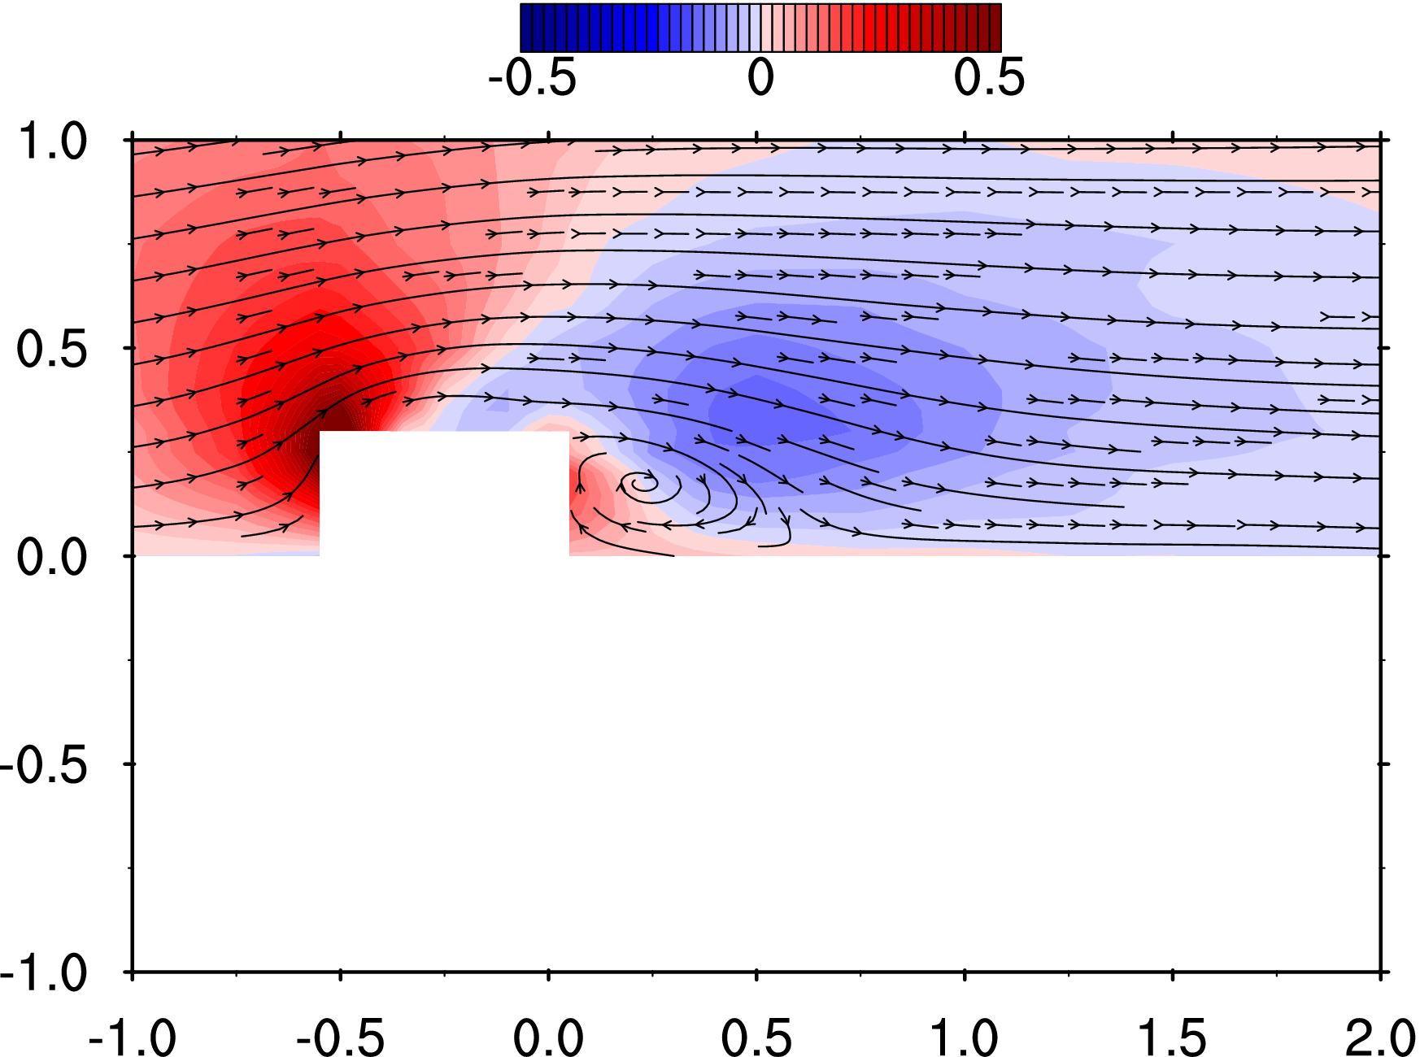
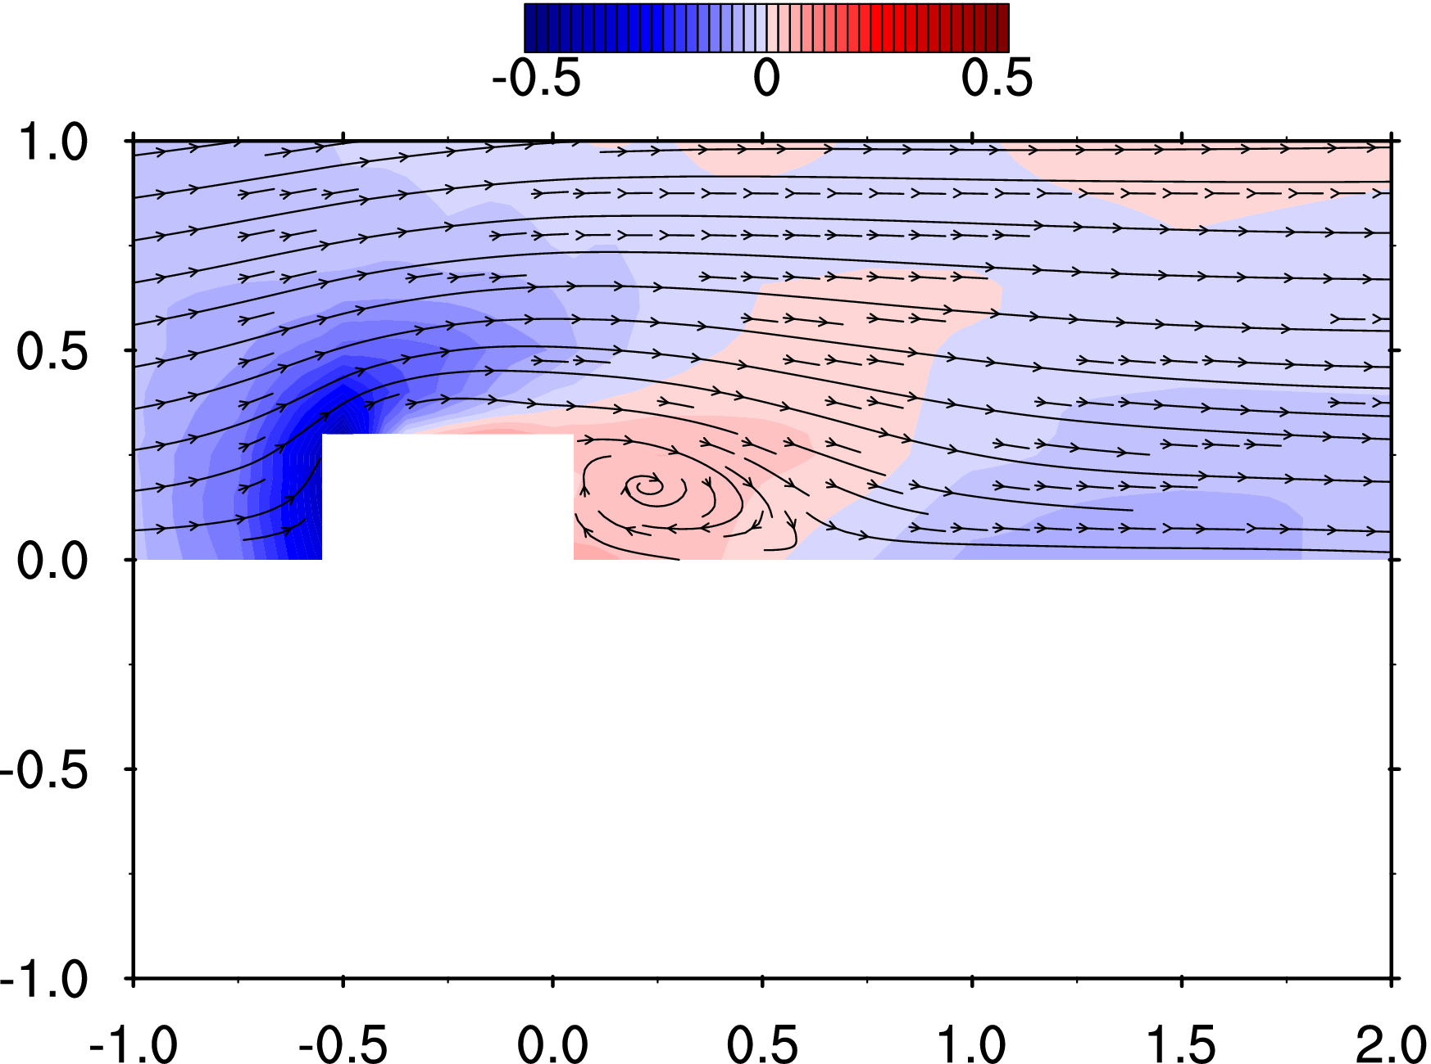
8 | -150 | 125 | 50 | -0.750 | 0.625 | 0.250 | 0.77 | 0.17 | -0.05 | 0.199 | 0.175 | 0.118 | 0.042 | 5.25 | 5.78 | 5.23 | 0.031 | 0.001 | 5.087 | 0.113
9 | -150 | 150 | 50 | -0.750 | 0.750 | 0.250 | 0.77 | 0.16 | -0.04 | 0.203 | 0.175 | 0.115 | 0.043 | 5.29 | 5.80 | 5.26 | -0.067 | -0.001 | 4.995 | 0.111
10 | -150 | 200 | 50 | -0.750 | 1.000 | 0.250 | 0.78 | 0.11 | -0.03 | 0.204 | 0.167 | 0.112 | 0.041 | 5.23 | 5.80 | 5.26 | -0.126 | -0.003 | 5.014 | 0.111
11 | -125 | 0 | 50 | -0.625 | 0.000 | 0.250 | 0.16 | -0.02 | -0.23 | 0.149 | 0.151 | 0.138 | 0.032 | 5.26 | 5.79 | 5.28 | 0.213 | 0.005 | 5.148 | 0.114
12 | -125 | 25 | 50 | -0.625 | 0.125 | 0.250 | 0.26 | 0.18 | -0.25 | 0.154 | 0.176 | 0.136 | 0.037 | 5.28 | 5.78 | 5.24 | 0.125 | 0.003 | 5.227 | 0.116
13 | -125 | 40 | 50 | -0.625 | 0.200 | 0.250 | 0.36 | 0.32 | -0.24 | 0.163 | 0.182 | 0.140 | 0.040 | 5.29 | 5.81 | 5.25 | 0.137 | 0.003 | 5.154 | 0.114
14 | -125 | 50 | 50 | -0.625 | 0.250 | 0.250 | 0.46 | 0.36 | -0.24 | 0.172 | 0.196 | 0.143 | 0.044 | 5.30 | 5.80 | 5.25 | -0.151 | -0.003 | 5.071 | 0.112
15 | -125 | 60 | 50 | -0.625 | 0.300 | 0.250 | 0.58 | 0.38 | -0.22 | 0.182 | 0.188 | 0.142 | 0.044 | 5.27 | 5.80 | 5.22 | -0.086 | -0.002 | 5.071 | 0.112
16 | -125 | 75 | 50 | -0.625 | 0.375 | 0.250 | 0.71 | 0.32 | -0.18 | 0.200 | 0.199 | 0.127 | 0.048 | 5.29 | 5.76 | 5.25 | -0.096 | -0.002 | 4.988 | 0.110
17 | -125 | 100 | 50 | -0.625 | 0.500 | 0.250 | 0.79 | 0.25 | -0.10 | 0.213 | 0.180 | 0.123 | 0.046 | 5.27 | 5.77 | 5.23 | -0.061 | -0.001 | 5.060 | 0.112
18 | -125 | 125 | 50 | -0.625 | 0.625 | 0.250 | 0.81 | 0.20 | -0.05 | 0.206 | 0.179 | 0.120 | 0.044 | 5.28 | 5.76 | 5.23 | -0.063 | -0.001 | 4.998 | 0.111
19 | -125 | 150 | 50 | -0.625 | 0.750 | 0.250 | 0.82 | 0.16 | -0.04 | 0.204 | 0.175 | 0.115 | 0.043 | 5.28 | 5.79 | 5.24 | -0.139 | -0.003 | 4.993 | 0.111
20 | -125 | 200 | 50 | -0.625 | 1.000 | 0.250 | 0.79 | 0.11 | -0.03 | 0.206 | 0.174 | 0.115 | 0.043 | 5.28 | 5.80 | 5.23 | -0.104 | -0.002 | 5.012 | 0.111
21 | -110 | 0 | 50 | -0.550 | 0.000 | 0.250 | 0.01 | -0.03 | -0.31 | 0.129 | 0.171 | 0.163 | 0.036 | 5.28 | 5.78 | 5.25 | 0.248 | 0.005 | 5.036 | 0.111
22 | -110 | 25 | 50 | -0.550 | 0.125 | 0.250 | 0.06 | 0.25 | -0.37 | 0.123 | 0.190 | 0.175 | 0.041 | 5.29 | 5.77 | 5.26 | 0.154 | 0.003 | 5.088 | 0.113
23 | -110 | 40 | 50 | -0.550 | 0.200 | 0.250 | 0.17 | 0.49 | -0.38 | 0.145 | 0.189 | 0.184 | 0.045 | 5.29 | 5.79 | 5.24 | 0.187 | 0.004 | 5.094 | 0.113
24 | -110 | 50 | 50 | -0.550 | 0.250 | 0.250 | 0.37 | 0.62 | -0.38 | 0.176 | 0.219 | 0.181 | 0.056 | 5.28 | 5.78 | 5.25 | 0.106 | 0.002 | 5.232 | 0.116
25 | -110 | 60 | 50 | -0.550 | 0.300 | 0.250 | 0.61 | 0.56 | -0.33 | 0.196 | 0.229 | 0.176 | 0.061 | 5.33 | 5.79 | 5.25 | 0.035 | 0.001 | 5.067 | 0.112
26 | -110 | 75 | 50 | -0.550 | 0.375 | 0.250 | 0.76 | 0.43 | -0.23 | 0.197 | 0.217 | 0.153 | 0.055 | 5.28 | 5.76 | 5.25 | 0.072 | 0.002 | 5.134 | 0.114
27 | -110 | 100 | 50 | -0.550 | 0.500 | 0.250 | 0.84 | 0.27 | -0.12 | 0.199 | 0.195 | 0.130 | 0.047 | 5.29 | 5.79 | 5.25 | 0.107 | 0.002 | 5.228 | 0.116
28 | -110 | 125 | 50 | -0.550 | 0.625 | 0.250 | 0.84 | 0.21 | -0.06 | 0.205 | 0.180 | 0.119 | 0.044 | 5.30 | 5.77 | 5.25 | -0.042 | -0.001 | 5.136 | 0.114
29 | -110 | 150 | 50 | -0.550 | 0.750 | 0.250 | 0.83 | 0.16 | -0.04 | 0.197 | 0.176 | 0.116 | 0.042 | 5.26 | 5.78 | 5.26 | 0.000 | 0.000 | 5.178 | 0.115
30 | -110 | 200 | 50 | -0.550 | 1.000 | 0.250 | 0.82 | 0.13 | -0.03 | 0.199 | 0.172 | 0.114 | 0.041 | 5.30 | 5.79 | 5.24 | -0.025 | -0.001 | 5.067 | 0.112
31 | -100 | 60 | 50 | -0.500 | 0.300 | 0.250 | 0.72 | 0.71 | -0.43 | 0.227 | 0.263 | 0.223 | 0.085 | 5.29 | 5.77 | 5.25 | 0.173 | 0.004 | 5.622 | 0.124
32 | -100 | 75 | 50 | -0.500 | 0.375 | 0.250 | 0.83 | 0.47 | -0.27 | 0.209 | 0.240 | 0.170 | 0.065 | 5.29 | 5.79 | 5.25 | 0.034 | 0.001 | 5.072 | 0.112
33 | -100 | 100 | 50 | -0.500 | 0.500 | 0.250 | 0.88 | 0.26 | -0.14 | 0.206 | 0.200 | 0.134 | 0.050 | 5.29 | 5.77 | 5.27 | -0.254 | -0.006 | 5.098 | 0.113
34 | -100 | 125 | 50 | -0.500 | 0.625 | 0.250 | 0.89 | 0.20 | -0.07 | 0.203 | 0.195 | 0.121 | 0.047 | 5.28 | 5.79 | 5.25 | -0.111 | -0.002 | 5.148 | 0.114
35 | -100 | 150 | 50 | -0.500 | 0.750 | 0.250 | 0.86 | 0.16 | -0.03 | 0.200 | 0.176 | 0.120 | 0.043 | 5.31 | 5.76 | 5.23 | 0.143 | 0.003 | 5.154 | 0.114
36 | -100 | 200 | 50 | -0.500 | 1.000 | 0.250 | 0.82 | 0.11 | -0.02 | 0.198 | 0.175 | 0.113 | 0.041 | 5.29 | 5.77 | 5.26 | 0.154 | 0.003 | 5.251 | 0.116
37 | -75 | 60 | 50 | -0.375 | 0.300 | 0.250 | 0.10 | 0.04 | -0.02 | 0.446 | 0.184 | 0.213 | 0.139 | 5.28 | 5.80 | 5.23 | 94.640 | 2.095 | 131.501 | 2.911
38 | -75 | 75 | 50 | -0.375 | 0.375 | 0.250 | 0.90 | 0.25 | -0.17 | 0.380 | 0.201 | 0.207 | 0.114 | 5.29 | 5.79 | 5.24 | 31.981 | 0.708 | 62.649 | 1.387
39 | -75 | 100 | 50 | -0.375 | 0.500 | 0.250 | 0.98 | 0.21 | -0.14 | 0.213 | 0.214 | 0.154 | 0.057 | 5.29 | 5.78 | 5.25 | 0.543 | 0.012 | 7.527 | 0.167
40 | -75 | 125 | 50 | -0.375 | 0.625 | 0.250 | 0.94 | 0.16 | -0.07 | 0.196 | 0.182 | 0.129 | 0.044 | 5.27 | 5.78 | 5.24 | 0.055 | 0.001 | 5.257 | 0.116
41 | -75 | 150 | 50 | -0.375 | 0.750 | 0.250 | 0.88 | 0.13 | -0.04 | 0.196 | 0.175 | 0.121 | 0.042 | 5.30 | 5.75 | 5.24 | -0.075 | -0.002 | 5.112 | 0.113
42 | -75 | 200 | 50 | -0.375 | 1.000 | 0.250 | 0.86 | 0.10 | -0.02 | 0.200 | 0.168 | 0.116 | 0.041 | 5.29 | 5.77 | 5.25 | 0.660 | 0.015 | 5.174 | 0.115
43 | -50 | 60 | 50 | -0.250 | 0.300 | 0.250 | 0.06 | -0.02 | 0.04 | 0.465 | 0.217 | 0.224 | 0.157 | 5.30 | 5.79 | 5.25 | 120.750 | 2.673 | 172.919 | 3.828
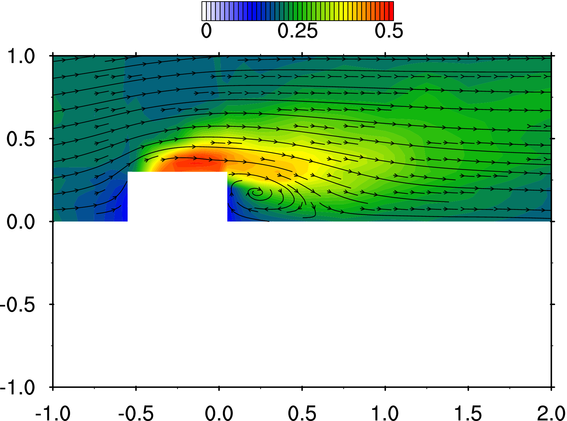
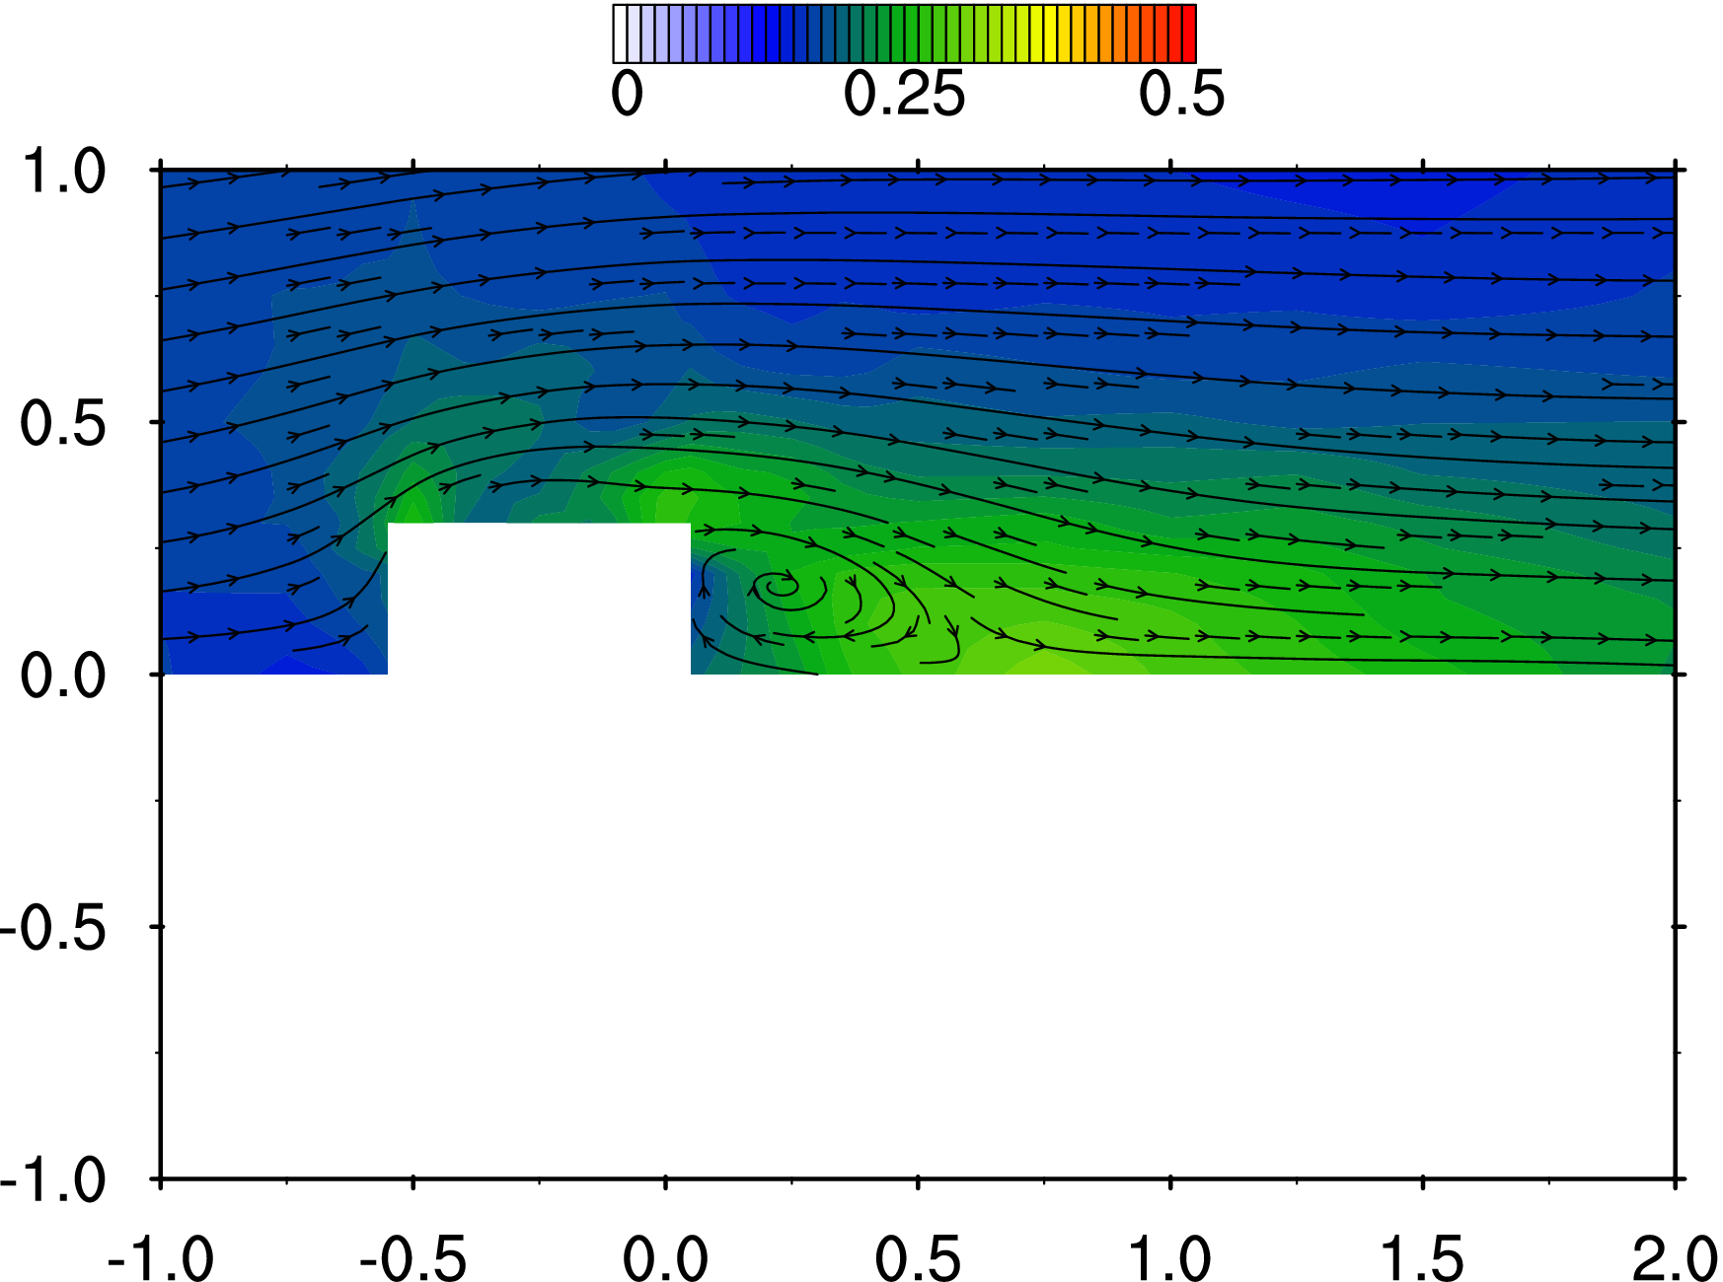
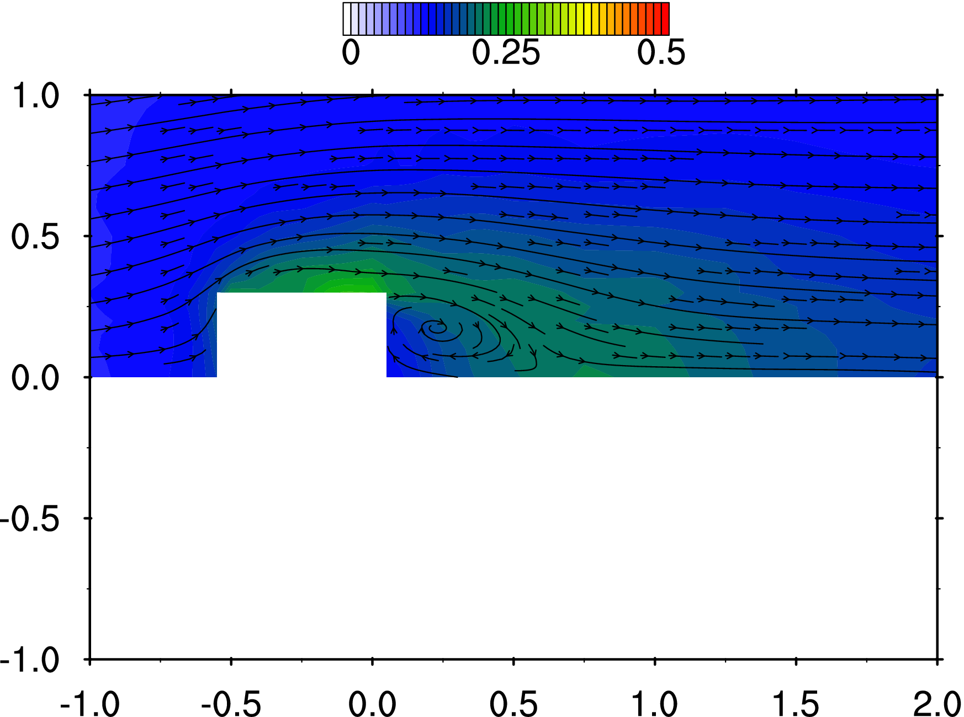
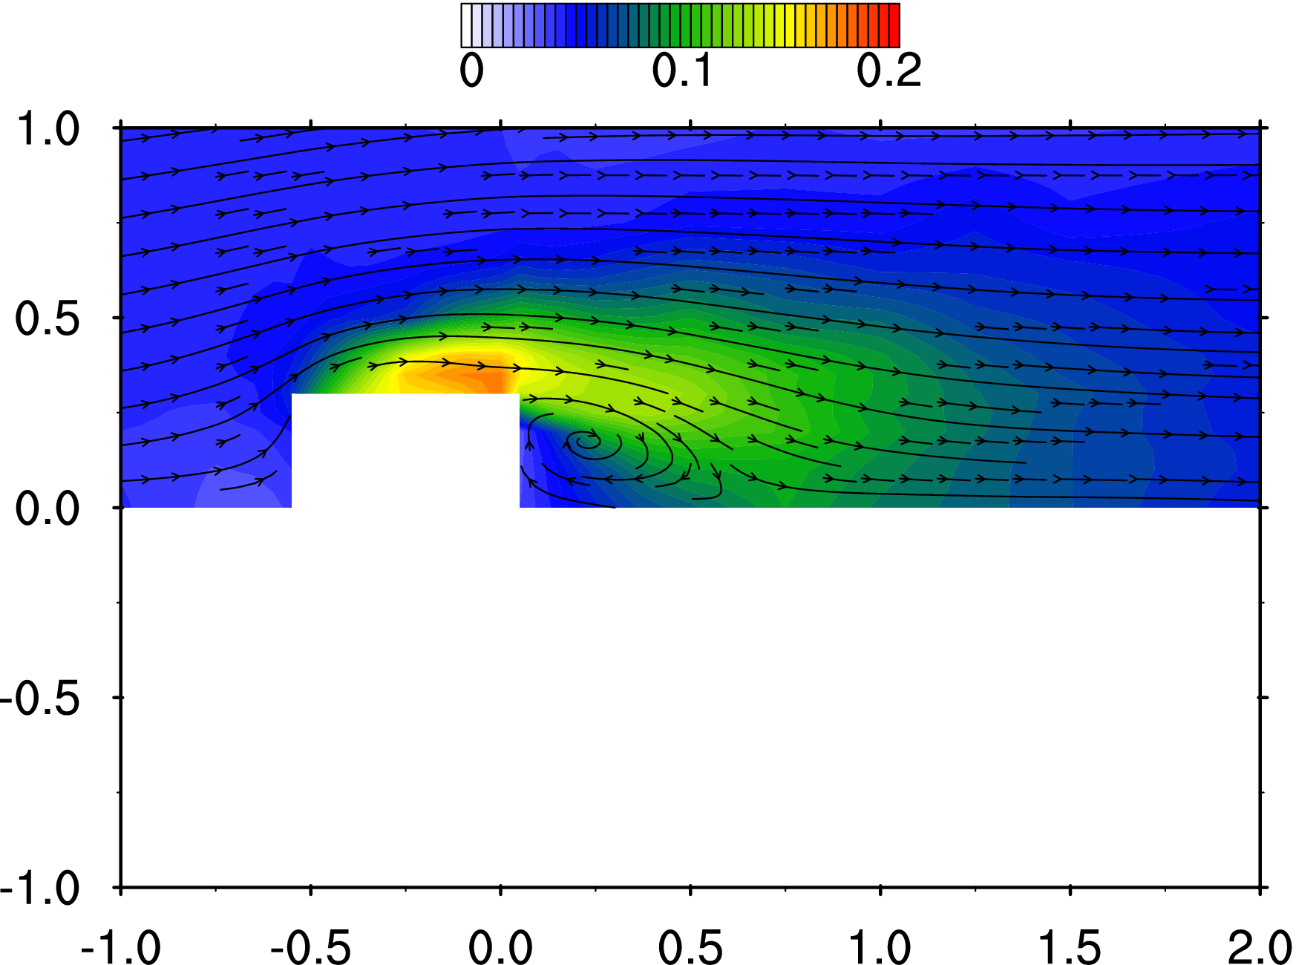
44 | -50 | 75 | 50 | -0.250 | 0.375 | 0.250 | 0.60 | 0.00 | -0.11 | 0.493 | 0.193 | 0.222 | 0.165 | 5.30 | 5.77 | 5.27 | 78.589 | 1.740 | 123.304 | 2.729
45 | -50 | 100 | 50 | -0.250 | 0.500 | 0.250 | 0.98 | 0.14 | -0.13 | 0.242 | 0.202 | 0.164 | 0.063 | 5.32 | 5.77 | 5.27 | 12.843 | 0.284 | 36.693 | 0.812
46 | -50 | 125 | 50 | -0.250 | 0.625 | 0.250 | 0.95 | 0.13 | -0.07 | 0.200 | 0.194 | 0.129 | 0.047 | 5.30 | 5.75 | 5.25 | 0.146 | 0.003 | 5.654 | 0.125
47 | -50 | 150 | 50 | -0.250 | 0.750 | 0.250 | 0.92 | 0.10 | -0.03 | 0.195 | 0.169 | 0.123 | 0.041 | 5.29 | 5.80 | 5.24 | -0.050 | -0.001 | 5.201 | 0.115
48 | -50 | 200 | 50 | -0.250 | 1.000 | 0.250 | 0.87 | 0.10 | -0.01 | 0.196 | 0.166 | 0.119 | 0.040 | 5.31 | 5.77 | 5.25 | -0.165 | -0.004 | 5.130 | 0.114
49 | -25 | 60 | 50 | -0.125 | 0.300 | 0.250 | 0.13 | -0.05 | 0.08 | 0.453 | 0.210 | 0.266 | 0.160 | 5.33 | 5.78 | 5.26 | 176.833 | 3.914 | 238.431 | 5.278
50 | -25 | 75 | 50 | -0.125 | 0.375 | 0.250 | 0.50 | -0.07 | -0.05 | 0.512 | 0.232 | 0.222 | 0.183 | 5.30 | 5.78 | 5.26 | 123.885 | 2.742 | 178.529 | 3.952
51 | -25 | 100 | 50 | -0.125 | 0.500 | 0.250 | 0.87 | 0.02 | -0.09 | 0.338 | 0.176 | 0.173 | 0.088 | 5.33 | 5.77 | 5.26 | 37.079 | 0.821 | 73.648 | 1.630
52 | -25 | 125 | 50 | -0.125 | 0.625 | 0.250 | 0.98 | 0.07 | -0.06 | 0.212 | 0.189 | 0.138 | 0.050 | 5.29 | 5.77 | 5.24 | 1.687 | 0.037 | 12.495 | 0.277
53 | -25 | 150 | 50 | -0.125 | 0.750 | 0.250 | 0.92 | 0.08 | -0.04 | 0.191 | 0.174 | 0.124 | 0.041 | 5.33 | 5.79 | 5.26 | -0.070 | -0.002 | 5.154 | 0.114
54 | -25 | 200 | 50 | -0.125 | 1.000 | 0.250 | 0.88 | 0.07 | -0.01 | 0.193 | 0.169 | 0.117 | 0.040 | 5.31 | 5.72 | 5.28 | -0.074 | -0.002 | 5.138 | 0.114
55 | 0 | 60 | 50 | 0.000 | 0.300 | 0.250 | 0.27 | 0.05 | 0.04 | 0.464 | 0.273 | 0.262 | 0.179 | 5.31 | 5.80 | 5.25 | 285.558 | 6.321 | 334.674 | 7.408
56 | 0 | 75 | 50 | 0.000 | 0.375 | 0.250 | 0.54 | -0.05 | -0.01 | 0.480 | 0.266 | 0.226 | 0.176 | 5.31 | 5.79 | 5.24 | 183.574 | 4.063 | 244.198 | 5.405
57 | 0 | 100 | 50 | 0.000 | 0.500 | 0.250 | 0.86 | -0.03 | -0.07 | 0.356 | 0.192 | 0.189 | 0.100 | 5.31 | 5.76 | 5.27 | 49.765 | 1.102 | 100.660 | 2.228
58 | 0 | 125 | 50 | 0.000 | 0.625 | 0.250 | 0.94 | 0.01 | -0.05 | 0.230 | 0.179 | 0.146 | 0.053 | 5.33 | 5.78 | 5.27 | 11.537 | 0.255 | 57.448 | 1.272
59 | 0 | 150 | 50 | 0.000 | 0.750 | 0.250 | 0.93 | 0.04 | -0.02 | 0.200 | 0.176 | 0.125 | 0.043 | 5.32 | 5.78 | 5.27 | 0.555 | 0.012 | 9.152 | 0.203
60 | 0 | 200 | 50 | 0.000 | 1.000 | 0.250 | 0.88 | 0.06 | -0.01 | 0.203 | 0.158 | 0.119 | 0.040 | 5.32 | 5.77 | 5.28 | -0.215 | -0.005 | 5.279 | 0.117
61 | 10 | 0 | 50 | 0.050 | 0.000 | 0.250 | -0.09 | 0.04 | 0.06 | 0.119 | 0.195 | 0.132 | 0.035 | 5.30 | 5.77 | 5.28 | 866.518 | 19.180 | 486.299 | 10.764
62 | 10 | 25 | 50 | 0.050 | 0.125 | 0.250 | -0.04 | 0.17 | 0.03 | 0.128 | 0.176 | 0.138 | 0.033 | 5.31 | 5.76 | 5.28 | 948.937 | 21.005 | 505.155 | 11.182
63 | 10 | 40 | 50 | 0.050 | 0.200 | 0.250 | 0.01 | 0.18 | 0.02 | 0.128 | 0.157 | 0.145 | 0.031 | 5.32 | 5.76 | 5.23 | 1009.217 | 22.339 | 553.542 | 12.253
64 | 10 | 50 | 50 | 0.050 | 0.250 | 0.250 | 0.15 | 0.06 | 0.05 | 0.285 | 0.223 | 0.171 | 0.080 | 5.35 | 5.78 | 5.22 | 697.247 | 15.434 | 467.705 | 10.353
65 | 10 | 60 | 50 | 0.050 | 0.300 | 0.250 | 0.33 | 0.04 | 0.04 | 0.396 | 0.259 | 0.229 | 0.138 | 5.33 | 5.80 | 5.28 | 319.032 | 7.062 | 336.185 | 7.441
66 | 10 | 75 | 50 | 0.050 | 0.375 | 0.250 | 0.48 | -0.04 | -0.01 | 0.455 | 0.269 | 0.216 | 0.163 | 5.32 | 5.78 | 5.27 | 198.857 | 4.402 | 259.119 | 5.736
67 | 10 | 100 | 50 | 0.050 | 0.500 | 0.250 | 0.85 | -0.05 | -0.05 | 0.364 | 0.202 | 0.188 | 0.104 | 5.32 | 5.75 | 5.26 | 64.575 | 1.429 | 123.225 | 2.728
68 | 10 | 125 | 50 | 0.050 | 0.625 | 0.250 | 0.95 | 0.01 | -0.04 | 0.254 | 0.185 | 0.144 | 0.060 | 5.33 | 5.77 | 5.27 | 16.191 | 0.358 | 49.593 | 1.098
69 | 10 | 150 | 50 | 0.050 | 0.750 | 0.250 | 0.94 | 0.02 | -0.02 | 0.206 | 0.166 | 0.129 | 0.043 | 5.33 | 5.73 | 5.26 | 1.494 | 0.033 | 15.792 | 0.350
70 | 10 | 200 | 50 | 0.050 | 1.000 | 0.250 | 0.89 | 0.05 | 0.00 | 0.188 | 0.159 | 0.117 | 0.037 | 5.32 | 5.78 | 5.26 | -0.028 | -0.001 | 5.166 | 0.114
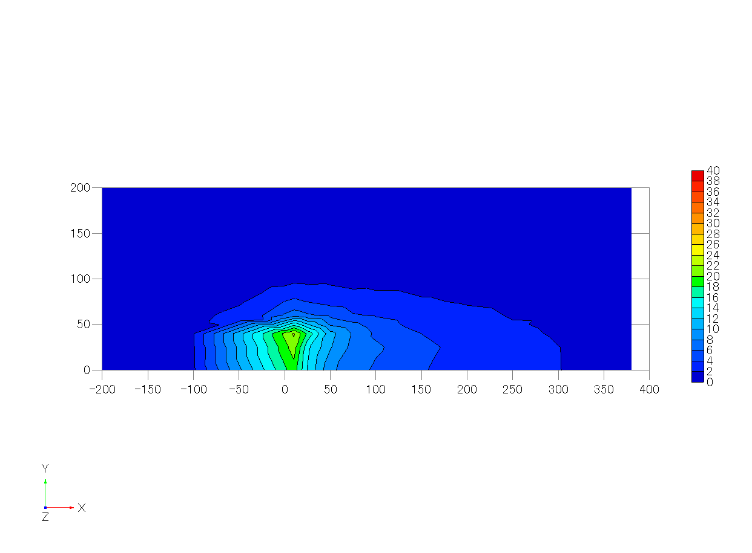
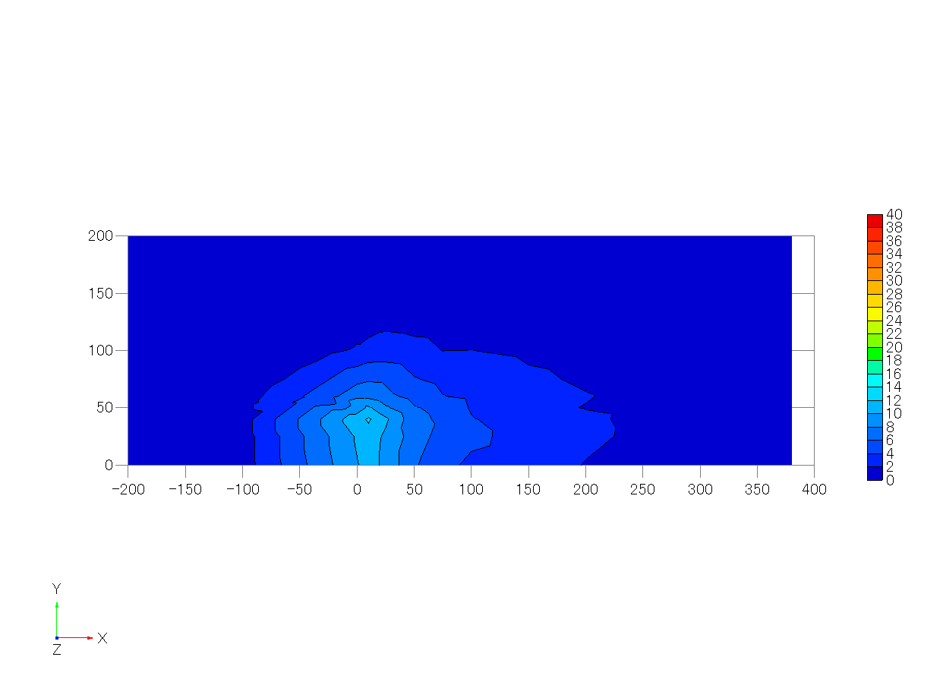
71 | 25 | 0 | 50 | 0.125 | 0.000 | 0.250 | -0.20 | 0.04 | 0.06 | 0.163 | 0.209 | 0.137 | 0.044 | 5.34 | 5.77 | 5.29 | 625.385 | 13.843 | 430.814 | 9.536
72 | 25 | 25 | 50 | 0.125 | 0.125 | 0.250 | -0.11 | 0.11 | 0.03 | 0.181 | 0.199 | 0.147 | 0.047 | 5.35 | 5.75 | 5.30 | 656.513 | 14.532 | 433.421 | 9.594
73 | 25 | 40 | 50 | 0.125 | 0.200 | 0.250 | 0.03 | 0.08 | 0.04 | 0.213 | 0.206 | 0.159 | 0.057 | 5.34 | 5.79 | 5.27 | 790.142 | 17.490 | 469.073 | 10.383
74 | 25 | 50 | 50 | 0.125 | 0.250 | 0.250 | 0.22 | 0.01 | 0.05 | 0.359 | 0.238 | 0.194 | 0.112 | 5.33 | 5.72 | 5.28 | 547.222 | 12.113 | 377.300 | 8.352
75 | 25 | 60 | 50 | 0.125 | 0.300 | 0.250 | 0.40 | -0.01 | 0.04 | 0.413 | 0.253 | 0.214 | 0.140 | 5.34 | 5.76 | 5.26 | 284.390 | 6.295 | 295.027 | 6.530
76 | 25 | 75 | 50 | 0.125 | 0.375 | 0.250 | 0.54 | -0.06 | 0.00 | 0.429 | 0.250 | 0.209 | 0.145 | 5.33 | 5.77 | 5.29 | 178.152 | 3.943 | 255.161 | 5.648
77 | 25 | 100 | 50 | 0.125 | 0.500 | 0.250 | 0.80 | -0.06 | -0.03 | 0.356 | 0.207 | 0.181 | 0.101 | 5.35 | 5.76 | 5.27 | 60.167 | 1.332 | 129.883 | 2.875
78 | 25 | 125 | 50 | 0.125 | 0.625 | 0.250 | 0.89 | -0.01 | -0.04 | 0.248 | 0.171 | 0.149 | 0.057 | 5.33 | 5.75 | 5.28 | 22.365 | 0.495 | 70.733 | 1.566
79 | 25 | 150 | 50 | 0.125 | 0.750 | 0.250 | 0.92 | 0.00 | -0.03 | 0.209 | 0.162 | 0.123 | 0.043 | 5.32 | 5.74 | 5.28 | 4.293 | 0.095 | 22.842 | 0.506
80 | 25 | 200 | 50 | 0.125 | 1.000 | 0.250 | 0.89 | 0.03 | 0.00 | 0.200 | 0.157 | 0.121 | 0.040 | 5.31 | 5.76 | 5.27 | 0.032 | 0.001 | 5.514 | 0.122
81 | 50 | 0 | 50 | 0.250 | 0.000 | 0.250 | -0.27 | 0.04 | 0.03 | 0.184 | 0.229 | 0.173 | 0.058 | 5.31 | 5.75 | 5.29 | 378.551 | 8.379 | 281.619 | 6.234
82 | 50 | 25 | 50 | 0.250 | 0.125 | 0.250 | -0.12 | 0.01 | 0.03 | 0.224 | 0.242 | 0.177 | 0.070 | 5.36 | 5.77 | 5.29 | 459.233 | 10.165 | 319.024 | 7.062
83 | 50 | 40 | 50 | 0.250 | 0.200 | 0.250 | 0.08 | -0.04 | 0.05 | 0.311 | 0.251 | 0.194 | 0.099 | 5.33 | 5.75 | 5.30 | 483.087 | 10.693 | 300.304 | 6.647
84 | 50 | 50 | 50 | 0.250 | 0.250 | 0.250 | 0.27 | -0.08 | 0.05 | 0.397 | 0.238 | 0.197 | 0.127 | 5.34 | 5.76 | 5.30 | 347.913 | 7.701 | 278.868 | 6.173
85 | 50 | 60 | 50 | 0.250 | 0.300 | 0.250 | 0.44 | -0.08 | 0.05 | 0.408 | 0.237 | 0.208 | 0.133 | 5.34 | 5.74 | 5.29 | 249.312 | 5.519 | 241.486 | 5.345
86 | 50 | 75 | 50 | 0.250 | 0.375 | 0.250 | 0.57 | -0.10 | 0.01 | 0.412 | 0.244 | 0.201 | 0.135 | 5.35 | 5.76 | 5.29 | 150.669 | 3.335 | 186.935 | 4.138
87 | 50 | 100 | 50 | 0.250 | 0.500 | 0.250 | 0.76 | -0.08 | -0.01 | 0.335 | 0.201 | 0.174 | 0.092 | 5.35 | 5.74 | 5.30 | 67.718 | 1.499 | 115.526 | 2.557
88 | 50 | 125 | 50 | 0.250 | 0.625 | 0.250 | 0.88 | -0.05 | -0.02 | 0.260 | 0.166 | 0.153 | 0.059 | 5.31 | 5.78 | 5.30 | 27.201 | 0.602 | 64.627 | 1.431
89 | 50 | 150 | 50 | 0.250 | 0.750 | 0.250 | 0.91 | -0.01 | -0.01 | 0.212 | 0.159 | 0.133 | 0.044 | 5.32 | 5.77 | 5.32 | 6.979 | 0.154 | 27.976 | 0.619
90 | 50 | 200 | 50 | 0.250 | 1.000 | 0.250 | 0.90 | 0.03 | 0.00 | 0.191 | 0.154 | 0.118 | 0.037 | 5.29 | 5.73 | 5.31 | 0.283 | 0.006 | 7.490 | 0.166
91 | 75 | 0 | 50 | 0.375 | 0.000 | 0.250 | -0.21 | 0.03 | 0.03 | 0.190 | 0.266 | 0.190 | 0.071 | 5.34 | 5.79 | 5.29 | 312.148 | 6.909 | 210.123 | 4.651
92 | 75 | 25 | 50 | 0.375 | 0.125 | 0.250 | -0.07 | -0.05 | 0.04 | 0.252 | 0.275 | 0.195 | 0.089 | 5.36 | 5.76 | 5.28 | 331.485 | 7.337 | 232.383 | 5.144
93 | 75 | 40 | 50 | 0.375 | 0.200 | 0.250 | 0.14 | -0.10 | 0.04 | 0.346 | 0.267 | 0.199 | 0.115 | 5.33 | 5.78 | 5.30 | 350.293 | 7.754 | 251.944 | 5.577
94 | 75 | 50 | 50 | 0.375 | 0.250 | 0.250 | 0.29 | -0.12 | 0.05 | 0.408 | 0.244 | 0.202 | 0.134 | 5.35 | 5.75 | 5.29 | 296.093 | 6.554 | 241.695 | 5.350
95 | 75 | 60 | 50 | 0.375 | 0.300 | 0.250 | 0.43 | -0.12 | 0.04 | 0.415 | 0.236 | 0.206 | 0.135 | 5.31 | 5.76 | 5.31 | 188.025 | 4.162 | 183.557 | 4.063
96 | 75 | 75 | 50 | 0.375 | 0.375 | 0.250 | 0.57 | -0.13 | 0.01 | 0.402 | 0.223 | 0.194 | 0.125 | 5.31 | 5.76 | 5.32 | 135.646 | 3.003 | 157.631 | 3.489
97 | 75 | 100 | 50 | 0.375 | 0.500 | 0.250 | 0.76 | -0.10 | 0.00 | 0.330 | 0.193 | 0.181 | 0.090 | 5.34 | 5.74 | 5.33 | 53.688 | 1.188 | 89.381 | 1.978
98 | 75 | 125 | 50 | 0.375 | 0.625 | 0.250 | 0.87 | -0.06 | -0.01 | 0.281 | 0.167 | 0.153 | 0.065 | 5.32 | 5.76 | 5.30 | 27.773 | 0.615 | 60.546 | 1.340
99 | 75 | 150 | 50 | 0.375 | 0.750 | 0.250 | 0.88 | -0.02 | -0.01 | 0.219 | 0.163 | 0.130 | 0.046 | 5.35 | 5.77 | 5.33 | 11.777 | 0.261 | 42.573 | 0.942
100 | 75 | 200 | 50 | 0.375 | 1.000 | 0.250 | 0.88 | 0.01 | 0.00 | 0.193 | 0.155 | 0.114 | 0.037 | 5.34 | 5.77 | 5.28 | 0.400 | 0.009 | 10.177 | 0.225
101 | 100 | 0 | 50 | 0.500 | 0.000 | 0.250 | -0.11 | 0.02 | 0.01 | 0.197 | 0.278 | 0.198 | 0.078 | 5.35 | 5.74 | 5.31 | 254.444 | 5.632 | 159.560 | 3.532
102 | 100 | 25 | 50 | 0.500 | 0.125 | 0.250 | 0.02 | -0.06 | 0.02 | 0.276 | 0.282 | 0.203 | 0.099 | 5.34 | 5.75 | 5.29 | 286.305 | 6.337 | 203.865 | 4.513
103 | 100 | 40 | 50 | 0.500 | 0.200 | 0.250 | 0.18 | -0.12 | 0.03 | 0.336 | 0.270 | 0.207 | 0.115 | 5.34 | 5.76 | 5.29 | 253.484 | 5.611 | 185.839 | 4.114
104 | 100 | 50 | 50 | 0.500 | 0.250 | 0.250 | 0.30 | -0.12 | 0.04 | 0.379 | 0.251 | 0.212 | 0.126 | 5.33 | 5.75 | 5.28 | 222.649 | 4.928 | 172.587 | 3.820
105 | 100 | 60 | 50 | 0.500 | 0.300 | 0.250 | 0.39 | -0.14 | 0.03 | 0.395 | 0.239 | 0.210 | 0.129 | 5.35 | 5.74 | 5.28 | 173.546 | 3.841 | 163.318 | 3.615
106 | 100 | 75 | 50 | 0.500 | 0.375 | 0.250 | 0.57 | -0.14 | 0.02 | 0.393 | 0.215 | 0.195 | 0.119 | 5.35 | 5.75 | 5.29 | 120.067 | 2.658 | 137.114 | 3.035
107 | 100 | 100 | 50 | 0.500 | 0.500 | 0.250 | 0.71 | -0.11 | 0.01 | 0.347 | 0.193 | 0.178 | 0.095 | 5.35 | 5.74 | 5.29 | 59.022 | 1.306 | 90.973 | 2.014
108 | 100 | 125 | 50 | 0.500 | 0.625 | 0.250 | 0.82 | -0.07 | 0.00 | 0.292 | 0.180 | 0.148 | 0.070 | 5.35 | 5.74 | 5.29 | 29.058 | 0.643 | 59.318 | 1.313
109 | 100 | 150 | 50 | 0.500 | 0.750 | 0.250 | 0.87 | -0.03 | -0.01 | 0.233 | 0.155 | 0.136 | 0.048 | 5.34 | 5.74 | 5.28 | 13.734 | 0.304 | 40.617 | 0.899
110 | 100 | 200 | 50 | 0.500 | 1.000 | 0.250 | 0.88 | 0.01 | 0.00 | 0.194 | 0.155 | 0.117 | 0.038 | 5.35 | 5.75 | 5.30 | 1.579 | 0.035 | 10.573 | 0.234
111 | 150 | 0 | 50 | 0.750 | 0.000 | 0.250 | 0.08 | 0.01 | -0.02 | 0.218 | 0.310 | 0.215 | 0.095 | 5.31 | 5.75 | 5.32 | 187.007 | 4.139 | 132.621 | 2.936
112 | 150 | 25 | 50 | 0.750 | 0.125 | 0.250 | 0.17 | -0.06 | -0.01 | 0.271 | 0.283 | 0.207 | 0.098 | 5.36 | 5.78 | 5.29 | 200.762 | 4.444 | 139.493 | 3.088
113 | 150 | 40 | 50 | 0.750 | 0.200 | 0.250 | 0.28 | -0.09 | 0.01 | 0.326 | 0.270 | 0.199 | 0.109 | 5.35 | 5.75 | 5.32 | 180.134 | 3.987 | 139.300 | 3.083
114 | 150 | 50 | 50 | 0.750 | 0.250 | 0.250 | 0.35 | -0.11 | 0.01 | 0.337 | 0.252 | 0.201 | 0.109 | 5.34 | 5.73 | 5.32 | 144.155 | 3.191 | 107.202 | 2.373
115 | 150 | 60 | 50 | 0.750 | 0.300 | 0.250 | 0.44 | -0.12 | 0.01 | 0.337 | 0.245 | 0.196 | 0.106 | 5.36 | 5.73 | 5.32 | 133.040 | 2.945 | 116.269 | 2.574
116 | 150 | 75 | 50 | 0.750 | 0.375 | 0.250 | 0.52 | -0.12 | 0.01 | 0.365 | 0.216 | 0.183 | 0.107 | 5.35 | 5.74 | 5.32 | 98.675 | 2.184 | 102.929 | 2.278
117 | 150 | 100 | 50 | 0.750 | 0.500 | 0.250 | 0.69 | -0.09 | 0.01 | 0.310 | 0.189 | 0.170 | 0.080 | 5.34 | 5.73 | 5.31 | 59.360 | 1.314 | 77.245 | 1.710
118 | 150 | 125 | 50 | 0.750 | 0.625 | 0.250 | 0.77 | -0.07 | 0.00 | 0.283 | 0.174 | 0.149 | 0.066 | 5.35 | 5.73 | 5.31 | 34.998 | 0.775 | 60.975 | 1.350
119 | 150 | 150 | 50 | 0.750 | 0.750 | 0.250 | 0.84 | -0.03 | 0.00 | 0.229 | 0.161 | 0.128 | 0.047 | 5.35 | 5.76 | 5.28 | 18.742 | 0.415 | 44.920 | 0.994
120 | 150 | 200 | 50 | 0.750 | 1.000 | 0.250 | 0.88 | 0.00 | 0.00 | 0.208 | 0.156 | 0.117 | 0.041 | 5.31 | 5.75 | 5.29 | 2.636 | 0.058 | 13.934 | 0.308
121 | 200 | 0 | 50 | 1.000 | 0.000 | 0.250 | 0.24 | 0.01 | -0.06 | 0.209 | 0.283 | 0.209 | 0.084 | 5.35 | 5.75 | 5.30 | 143.328 | 3.173 | 86.639 | 1.918
122 | 200 | 25 | 50 | 1.000 | 0.125 | 0.250 | 0.29 | -0.04 | -0.04 | 0.243 | 0.277 | 0.203 | 0.088 | 5.35 | 5.75 | 5.31 | 151.937 | 3.363 | 106.429 | 2.356
123 | 200 | 40 | 50 | 1.000 | 0.200 | 0.250 | 0.38 | -0.06 | -0.03 | 0.278 | 0.263 | 0.199 | 0.093 | 5.36 | 5.73 | 5.32 | 132.771 | 2.939 | 101.462 | 2.246
124 | 200 | 50 | 50 | 1.000 | 0.250 | 0.250 | 0.41 | -0.08 | -0.02 | 0.295 | 0.244 | 0.187 | 0.091 | 5.35 | 5.76 | 5.32 | 119.686 | 2.649 | 87.935 | 1.946
125 | 200 | 60 | 50 | 1.000 | 0.300 | 0.250 | 0.47 | -0.08 | -0.02 | 0.313 | 0.227 | 0.196 | 0.094 | 5.32 | 5.75 | 5.32 | 109.974 | 2.434 | 93.921 | 2.079
126 | 200 | 75 | 50 | 1.000 | 0.375 | 0.250 | 0.58 | -0.09 | -0.01 | 0.329 | 0.213 | 0.184 | 0.094 | 5.35 | 5.74 | 5.34 | 83.204 | 1.842 | 80.992 | 1.793
127 | 200 | 100 | 50 | 1.000 | 0.500 | 0.250 | 0.66 | -0.07 | 0.00 | 0.303 | 0.191 | 0.168 | 0.078 | 5.36 | 5.75 | 5.31 | 57.290 | 1.268 | 66.893 | 1.481
128 | 200 | 125 | 50 | 1.000 | 0.625 | 0.250 | 0.76 | -0.05 | 0.00 | 0.260 | 0.167 | 0.146 | 0.058 | 5.38 | 5.76 | 5.33 | 34.810 | 0.771 | 53.933 | 1.194
129 | 200 | 150 | 50 | 1.000 | 0.750 | 0.250 | 0.79 | -0.04 | 0.00 | 0.228 | 0.160 | 0.132 | 0.047 | 5.34 | 5.73 | 5.32 | 20.188 | 0.447 | 40.566 | 0.898
130 | 200 | 200 | 50 | 1.000 | 1.000 | 0.250 | 0.87 | 0.00 | 0.00 | 0.204 | 0.150 | 0.115 | 0.039 | 5.34 | 5.76 | 5.33 | 4.152 | 0.092 | 20.359 | 0.451
131 | 250 | 0 | 50 | 1.250 | 0.000 | 0.250 | 0.35 | 0.00 | -0.05 | 0.213 | 0.270 | 0.191 | 0.077 | 5.32 | 5.72 | 5.33 | 112.231 | 2.484 | 77.117 | 1.707
132 | 250 | 25 | 50 | 1.250 | 0.125 | 0.250 | 0.40 | -0.03 | -0.05 | 0.227 | 0.261 | 0.190 | 0.078 | 5.34 | 5.69 | 5.33 | 109.833 | 2.431 | 73.710 | 1.632
133 | 250 | 40 | 50 | 1.250 | 0.200 | 0.250 | 0.45 | -0.04 | -0.04 | 0.251 | 0.253 | 0.187 | 0.081 | 5.39 | 5.73 | 5.34 | 101.169 | 2.239 | 75.614 | 1.674
134 | 250 | 50 | 50 | 1.250 | 0.250 | 0.250 | 0.47 | -0.05 | -0.03 | 0.268 | 0.242 | 0.183 | 0.082 | 5.37 | 5.76 | 5.33 | 95.009 | 2.103 | 77.294 | 1.711
135 | 250 | 60 | 50 | 1.250 | 0.300 | 0.250 | 0.52 | -0.05 | -0.03 | 0.277 | 0.230 | 0.176 | 0.080 | 5.35 | 5.71 | 5.34 | 85.368 | 1.890 | 71.253 | 1.577
136 | 250 | 75 | 50 | 1.250 | 0.375 | 0.250 | 0.57 | -0.06 | -0.03 | 0.274 | 0.219 | 0.179 | 0.077 | 5.37 | 5.76 | 5.31 | 73.638 | 1.630 | 64.225 | 1.422
137 | 250 | 100 | 50 | 1.250 | 0.500 | 0.250 | 0.64 | -0.06 | -0.01 | 0.271 | 0.184 | 0.161 | 0.067 | 5.37 | 5.76 | 5.31 | 55.555 | 1.230 | 61.650 | 1.365
138 | 250 | 125 | 50 | 1.250 | 0.625 | 0.250 | 0.75 | -0.04 | -0.01 | 0.260 | 0.170 | 0.147 | 0.059 | 5.34 | 5.75 | 5.33 | 32.689 | 0.724 | 44.514 | 0.985
139 | 250 | 150 | 50 | 1.250 | 0.750 | 0.250 | 0.79 | -0.03 | -0.01 | 0.255 | 0.160 | 0.131 | 0.054 | 5.35 | 5.73 | 5.31 | 22.209 | 0.492 | 35.137 | 0.778
140 | 250 | 200 | 50 | 1.250 | 1.000 | 0.250 | 0.86 | 0.01 | 0.01 | 0.205 | 0.146 | 0.118 | 0.039 | 5.36 | 5.75 | 5.35 | 8.507 | 0.188 | 24.345 | 0.539
141 | 300 | 0 | 50 | 1.500 | 0.000 | 0.250 | 0.45 | 0.00 | -0.07 | 0.204 | 0.256 | 0.182 | 0.070 | 5.36 | 5.71 | 5.32 | 91.046 | 2.015 | 63.184 | 1.399
142 | 300 | 25 | 50 | 1.500 | 0.125 | 0.250 | 0.48 | -0.01 | -0.06 | 0.225 | 0.240 | 0.179 | 0.070 | 5.34 | 5.74 | 5.31 | 90.893 | 2.012 | 62.008 | 1.373
143 | 300 | 40 | 50 | 1.500 | 0.200 | 0.250 | 0.50 | -0.02 | -0.04 | 0.230 | 0.238 | 0.175 | 0.070 | 5.36 | 5.76 | 5.32 | 85.117 | 1.884 | 60.372 | 1.336
144 | 300 | 50 | 50 | 1.500 | 0.250 | 0.250 | 0.55 | -0.03 | -0.05 | 0.243 | 0.226 | 0.175 | 0.070 | 5.34 | 5.74 | 5.36 | 81.993 | 1.815 | 61.963 | 1.372
145 | 300 | 60 | 50 | 1.500 | 0.300 | 0.250 | 0.57 | -0.03 | -0.04 | 0.257 | 0.221 | 0.172 | 0.072 | 5.35 | 5.73 | 5.38 | 84.039 | 1.860 | 66.293 | 1.467
146 | 300 | 75 | 50 | 1.500 | 0.375 | 0.250 | 0.61 | -0.04 | -0.03 | 0.262 | 0.202 | 0.157 | 0.067 | 5.35 | 5.74 | 5.41 | 66.940 | 1.482 | 56.176 | 1.243
147 | 300 | 100 | 50 | 1.500 | 0.500 | 0.250 | 0.65 | -0.04 | -0.02 | 0.261 | 0.187 | 0.153 | 0.063 | 5.37 | 5.71 | 5.45 | 52.939 | 1.172 | 53.156 | 1.177
148 | 300 | 125 | 50 | 1.500 | 0.625 | 0.250 | 0.72 | -0.02 | -0.01 | 0.252 | 0.175 | 0.141 | 0.057 | 5.36 | 5.71 | 5.45 | 36.642 | 0.811 | 47.057 | 1.042
149 | 300 | 150 | 50 | 1.500 | 0.750 | 0.250 | 0.79 | -0.03 | 0.00 | 0.230 | 0.154 | 0.128 | 0.047 | 5.41 | 5.72 | 5.46 | 23.438 | 0.519 | 35.507 | 0.786
150 | 300 | 200 | 50 | 1.500 | 1.000 | 0.250 | 0.86 | 0.01 | 0.01 | 0.208 | 0.145 | 0.119 | 0.039 | 5.37 | 5.76 | 5.47 | 9.033 | 0.200 | 23.626 | 0.523
151 | 400 | 0 | 50 | 2.000 | 0.000 | 0.250 | 0.50 | -0.02 | -0.04 | 0.191 | 0.223 | 0.159 | 0.056 | 5.37 | 5.71 | 5.51
152 | 400 | 25 | 50 | 2.000 | 0.125 | 0.250 | 0.53 | -0.02 | -0.04 | 0.199 | 0.227 | 0.165 | 0.059 | 5.39 | 5.72 | 5.49
153 | 400 | 40 | 50 | 2.000 | 0.200 | 0.250 | 0.53 | -0.01 | -0.05 | 0.198 | 0.217 | 0.163 | 0.057 | 5.38 | 5.71 | 5.53
154 | 400 | 50 | 50 | 2.000 | 0.250 | 0.250 | 0.55 | -0.01 | -0.03 | 0.208 | 0.209 | 0.156 | 0.056 | 5.39 | 5.72 | 5.50
155 | 400 | 60 | 50 | 2.000 | 0.300 | 0.250 | 0.57 | -0.02 | -0.03 | 0.211 | 0.201 | 0.153 | 0.054 | 5.37 | 5.73 | 5.50
156 | 400 | 75 | 50 | 2.000 | 0.375 | 0.250 | 0.64 | -0.02 | -0.03 | 0.237 | 0.195 | 0.151 | 0.058 | 5.35 | 5.73 | 5.51
157 | 400 | 100 | 50 | 2.000 | 0.500 | 0.250 | 0.67 | -0.01 | -0.02 | 0.224 | 0.188 | 0.142 | 0.053 | 5.39 | 5.74 | 5.49
158 | 400 | 125 | 50 | 2.000 | 0.625 | 0.250 | 0.74 | -0.01 | -0.01 | 0.238 | 0.170 | 0.133 | 0.052 | 5.36 | 5.73 | 5.50
159 | 400 | 150 | 50 | 2.000 | 0.750 | 0.250 | 0.77 | -0.01 | 0.00 | 0.245 | 0.164 | 0.124 | 0.051 | 5.38 | 5.75 | 5.48
160 | 400 | 200 | 50 | 2.000 | 1.000 | 0.250 | 0.83 | 0.01 | 0.00 | 0.213 | 0.156 | 0.114 | 0.041 | 5.36 | 5.75 | 5.50
161 | 380 | 0 | 50 |  |  |  |  |  |  |  |  |  |  |  |  |  | 75.487 | 1.671 | 49.265 | 1.090
162 | 380 | 25 | 50 |  |  |  |  |  |  |  |  |  |  |  |  |  | 72.121 | 1.596 | 44.964 | 0.995
163 | 380 | 40 | 50 |  |  |  |  |  |  |  |  |  |  |  |  |  | 65.265 | 1.445 | 42.202 | 0.934
164 | 380 | 50 | 50 |  |  |  |  |  |  |  |  |  |  |  |  |  | 64.462 | 1.427 | 45.647 | 1.010
165 | 380 | 60 | 50 |  |  |  |  |  |  |  |  |  |  |  |  |  | 60.674 | 1.343 | 43.756 | 0.969
166 | 380 | 75 | 50 |  |  |  |  |  |  |  |  |  |  |  |  |  | 56.107 | 1.242 | 45.854 | 1.015
167 | 380 | 100 | 50 |  |  |  |  |  |  |  |  |  |  |  |  |  | 46.401 | 1.027 | 43.663 | 0.966
168 | 380 | 125 | 50 |  |  |  |  |  |  |  |  |  |  |  |  |  | 35.922 | 0.795 | 44.902 | 0.994
169 | 380 | 150 | 50 |  |  |  |  |  |  |  |  |  |  |  |  |  | 26.137 | 0.579 | 32.757 | 0.725
170 | 380 | 200 | 50 |  |  |  |  |  |  |  |  |  |  |  |  |  | 9.899 | 0.219 | 19.310 | 0.427

z=0.0625H
 | displacement |  |  |  |  |  | mean velocity |  |  | variance |  |  | turbulent kinetic energy | reference wind speed |  |  | c_mean |  | c_s.d.
# | x(mm) | y(mm) | z(mm) | x/H | y/H | z/H | <u/uH> | <v/uH> | <w/uH> | <urms/uH> | <vrms/uH> | <wrms/uH> | <k/uH2> | <uref-u> | <uref-v> | <uref-w> | <c>(ppm) | <c>/Co | sC(ppm) | sC/Co
1 | -200 | -200 | 12.5 | -1.0000 | -1.0000 | 0.0625 | 0.4986 | -0.1594 | 0.0565 | 0.1612 | 0.1703 | 0.0707 | 0.0300 | 5.3064 | 5.6742 | 6.0867 | 0.291 | 0.006 | 5.777 | 0.128
2 | -200 | -150 | 12.5 | -1.0000 | -0.7500 | 0.0625 | 0.4727 | -0.1957 | 0.0504 | 0.1680 | 0.1829 | 0.0745 | 0.0336 | 5.3022 | 5.6831 | 6.1032 | 0.157 | 0.003 | 5.373 | 0.119
3 | -200 | -125 | 12.5 | -1.0000 | -0.6250 | 0.0625 | 0.4160 | -0.2218 | 0.0559 | 0.1845 | 0.1795 | 0.0756 | 0.0360 | 5.3339 | 5.6633 | 6.0775 | -0.043 | -0.001 | 5.331 | 0.118
4 | -200 | -100 | 12.5 | -1.0000 | -0.5000 | 0.0625 | 0.3863 | -0.2185 | 0.0508 | 0.1736 | 0.1777 | 0.0778 | 0.0339 | 5.2927 | 5.6758 | 6.0783 | -0.124 | -0.003 | 5.460 | 0.121
5 | -200 | -75 | 12.5 | -1.0000 | -0.3750 | 0.0625 | 0.3413 | -0.1980 | 0.0503 | 0.1850 | 0.1731 | 0.0841 | 0.0356 | 5.3137 | 5.6912 | 6.0986 | 0.455 | 0.010 | 5.518 | 0.122
6 | -200 | -60 | 12.5 | -1.0000 | -0.3000 | 0.0625 | 0.3202 | -0.1727 | 0.0471 | 0.1896 | 0.1687 | 0.0912 | 0.0364 | 5.3008 | 5.6868 | 6.0562 | 0.180 | 0.004 | 5.330 | 0.118
7 | -200 | -50 | 12.5 | -1.0000 | -0.2500 | 0.0625 | 0.2945 | -0.1488 | 0.0391 | 0.1769 | 0.1649 | 0.0903 | 0.0333 | 5.3286 | 5.6564 | 6.0991 | 0.345 | 0.008 | 5.319 | 0.118
8 | -200 | -40 | 12.5 | -1.0000 | -0.2000 | 0.0625 | 0.2966 | -0.1339 | 0.0284 | 0.1813 | 0.1587 | 0.0887 | 0.0330 | 5.2836 | 5.7173 | 6.0951 | 0.144 | 0.003 | 5.664 | 0.125
9 | -200 | -25 | 12.5 | -1.0000 | -0.1250 | 0.0625 | 0.2734 | -0.1019 | 0.0175 | 0.1800 | 0.1591 | 0.0835 | 0.0323 | 5.3020 | 5.6542 | 6.0973 | 0.104 | 0.002 | 5.346 | 0.118
10 | -200 | 0 | 12.5 | -1.0000 | 0.0000 | 0.0625 | 0.2765 | -0.0021 | -0.0322 | 0.1798 | 0.1531 | 0.0820 | 0.0313 | 5.2540 | 5.7785 | 5.2455 | 0.055 | 0.001 | 4.953 | 0.110
11 | -200 | 25 | 12.5 | -1.0000 | 0.1250 | 0.0625 | 0.2897 | 0.0569 | -0.0489 | 0.1875 | 0.1528 | 0.0836 | 0.0328 | 5.2656 | 5.8095 | 5.2144 | 0.041 | 0.001 | 4.959 | 0.110
12 | -200 | 40 | 12.5 | -1.0000 | 0.2000 | 0.0625 | 0.3268 | 0.1102 | -0.0557 | 0.1886 | 0.1698 | 0.0877 | 0.0360 | 5.2549 | 5.7620 | 5.2292 | 0.138 | 0.003 | 4.943 | 0.109
13 | -200 | 50 | 12.5 | -1.0000 | 0.2500 | 0.0625 | 0.3422 | 0.1190 | -0.0568 | 0.1829 | 0.1770 | 0.0907 | 0.0365 | 5.2717 | 5.7673 | 5.2532 | -0.088 | -0.002 | 4.893 | 0.108
14 | -200 | 60 | 12.5 | -1.0000 | 0.3000 | 0.0625 | 0.3516 | 0.1548 | -0.0614 | 0.1897 | 0.1733 | 0.0851 | 0.0366 | 5.2506 | 5.7786 | 5.2542 | -0.018 | 0.000 | 4.900 | 0.108
15 | -200 | 75 | 12.5 | -1.0000 | 0.3750 | 0.0625 | 0.3868 | 0.1689 | -0.0676 | 0.1834 | 0.1721 | 0.0808 | 0.0349 | 5.2479 | 5.7847 | 5.2339 | -0.106 | -0.002 | 4.991 | 0.110
From left to right
u/uH, v/uH, w/uH
urms/uH, vrms/uH, wrms/uH, TKE/uH^2
16 | -200 | 100 | 12.5 | -1.0000 | 0.5000 | 0.0625 | 0.4758 | 0.1625 | -0.0687 | 0.1810 | 0.1768 | 0.0820 | 0.0354 | 5.2377 | 5.7888 | 5.2212 | -0.035 | -0.001 | 4.953 | 0.110
17 | -200 | 125 | 12.5 | -1.0000 | 0.6250 | 0.0625 | 0.5064 | 0.1669 | -0.0618 | 0.1859 | 0.1773 | 0.0805 | 0.0362 | 5.2324 | 5.7794 | 5.2347 | 0.210 | 0.005 | 4.958 | 0.110
18 | -200 | 150 | 12.5 | -1.0000 | 0.7500 | 0.0625 | 0.5431 | 0.1691 | -0.0556 | 0.1737 | 0.1788 | 0.0786 | 0.0342 | 5.2817 | 5.7507 | 5.2602 | 0.345 | 0.008 | 4.886 | 0.108
19 | -200 | 200 | 12.5 | -1.0000 | 1.0000 | 0.0625 | 0.5965 | 0.1269 | -0.0446 | 0.1758 | 0.1682 | 0.0779 | 0.0326 | 5.2387 | 5.7694 | 5.2176 | 0.073 | 0.002 | 4.827 | 0.107
20 | -150 | -200 | 12.5 | -0.7500 | -1.0000 | 0.0625 | 0.5670 | -0.2141 | 0.0597 | 0.1629 | 0.1926 | 0.0732 | 0.0345 | 5.3119 | 5.7061 | 6.1032 | 0.332 | 0.007 | 5.655 | 0.125
21 | -150 | -150 | 12.5 | -0.7500 | -0.7500 | 0.0625 | 0.5107 | -0.2942 | 0.0785 | 0.1774 | 0.2084 | 0.0936 | 0.0418 | 5.3223 | 5.6392 | 6.0883 | 0.210 | 0.005 | 5.686 | 0.126
22 | -150 | -125 | 12.5 | -0.7500 | -0.6250 | 0.0625 | 0.4602 | -0.3471 | 0.0880 | 0.2071 | 0.2143 | 0.1203 | 0.0516 | 5.3150 | 5.6733 | 6.1125 | 0.251 | 0.006 | 5.327 | 0.118
23 | -150 | -100 | 12.5 | -0.7500 | -0.5000 | 0.0625 | 0.3757 | -0.4000 | 0.1137 | 0.2220 | 0.2238 | 0.1668 | 0.0636 | 5.3517 | 5.6617 | 6.1013 | 0.252 | 0.006 | 5.448 | 0.121
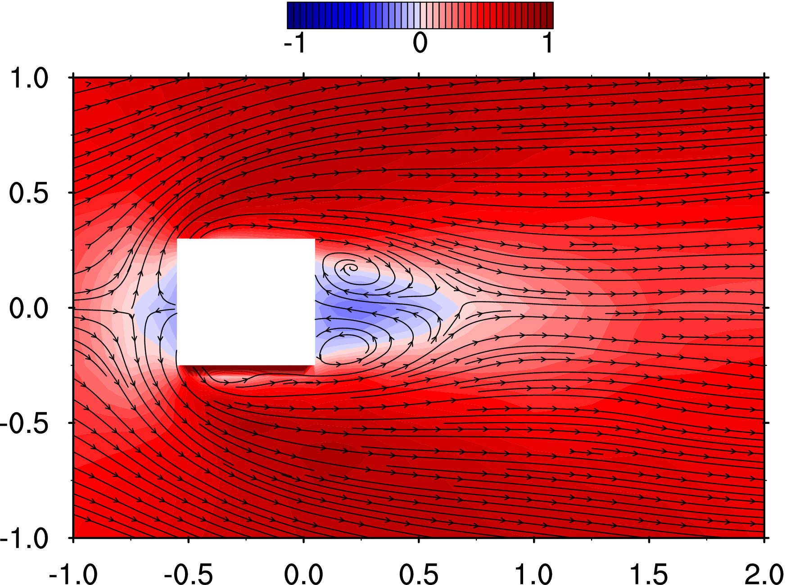
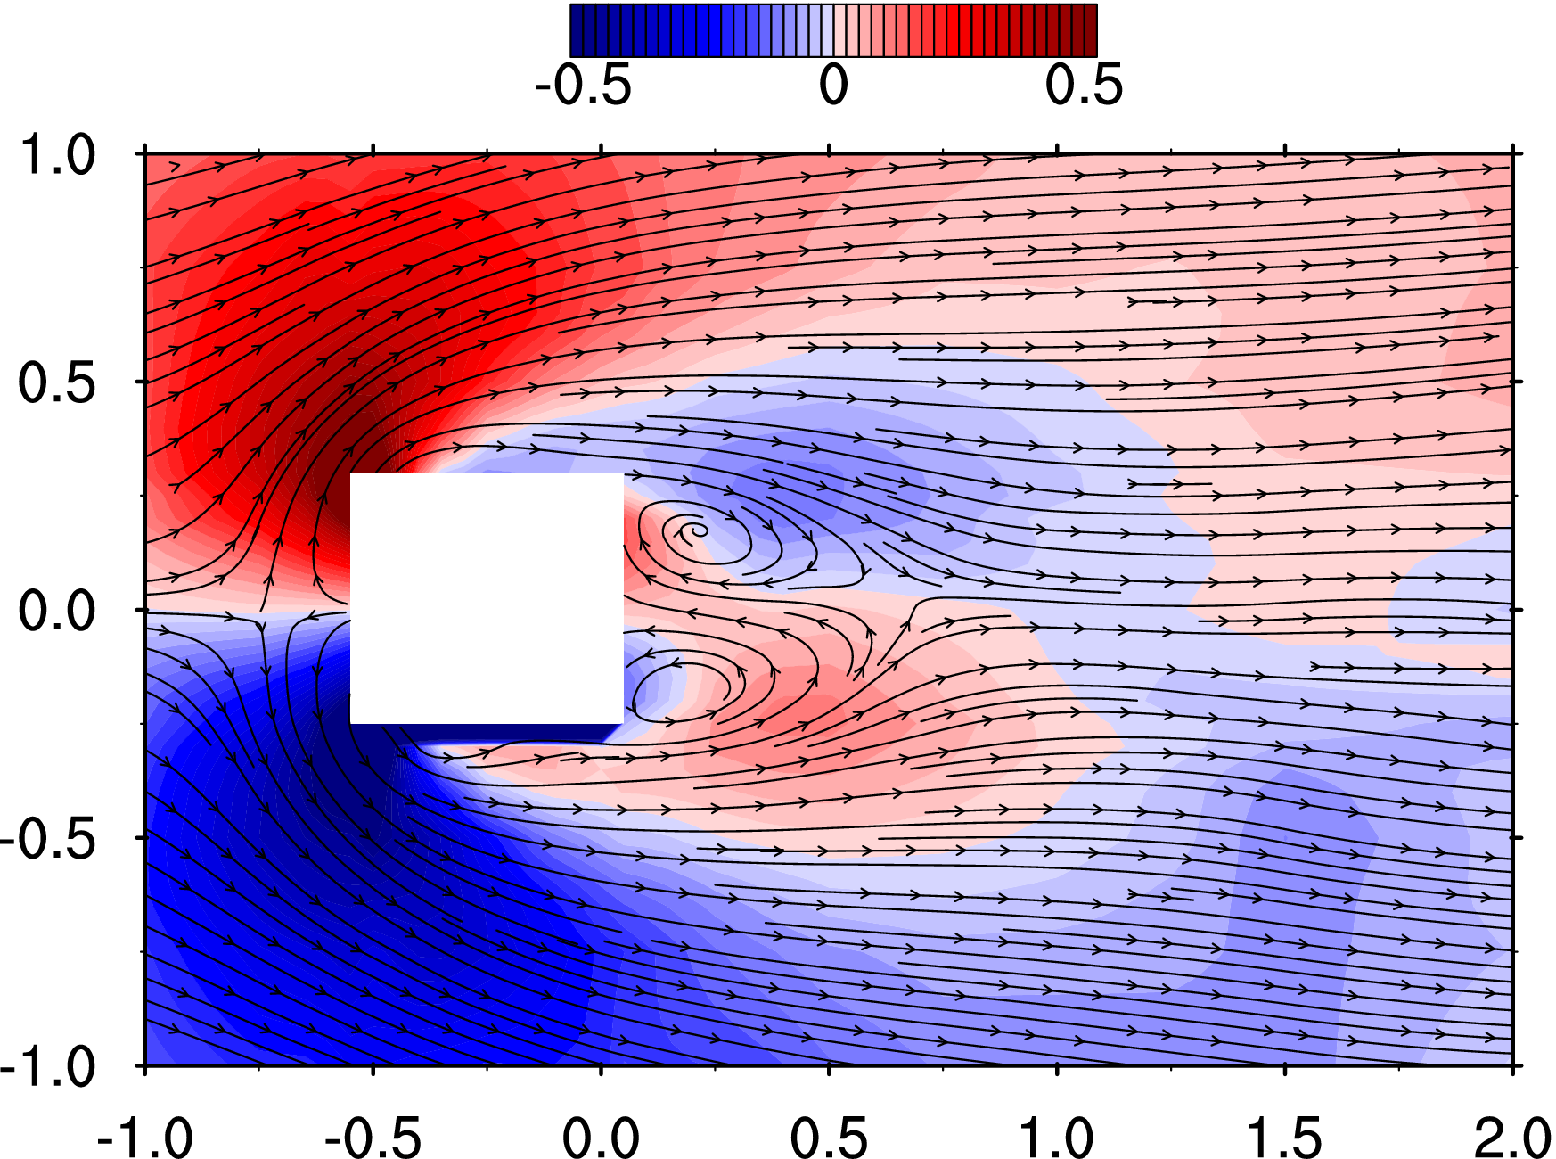
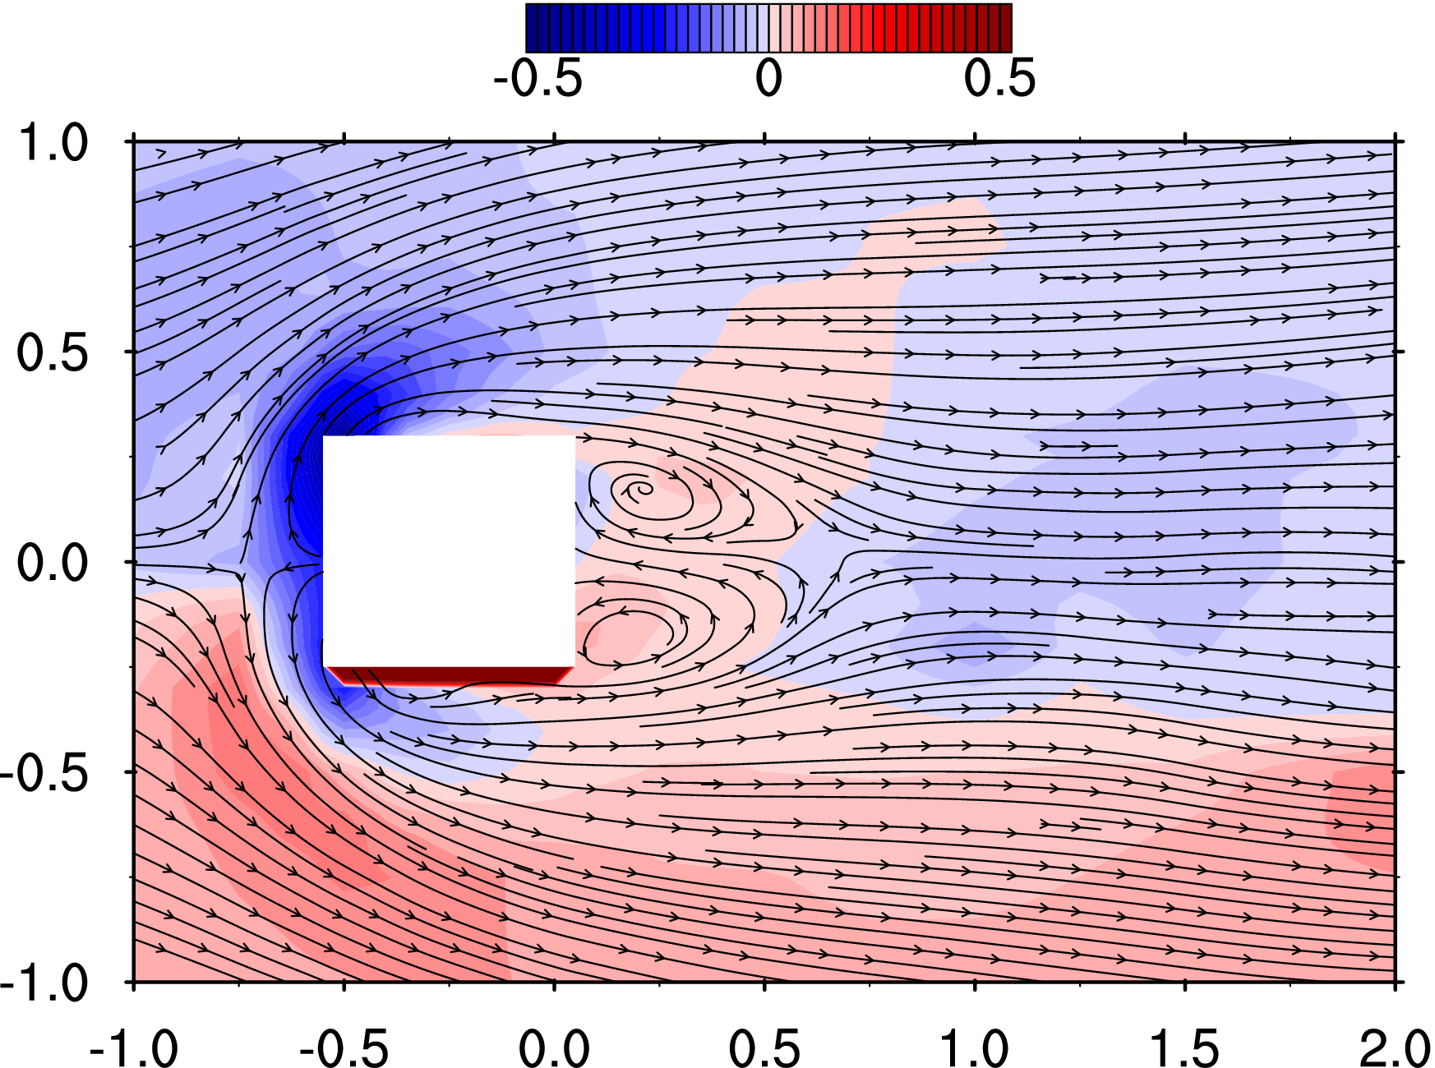
24 | -150 | -75 | 12.5 | -0.7500 | -0.3750 | 0.0625 | 0.2123 | -0.3906 | 0.1206 | 0.2394 | 0.2015 | 0.2222 | 0.0736 | 5.3327 | 5.6802 | 6.0834 | 0.084 | 0.002 | 5.521 | 0.122
25 | -150 | -60 | 12.5 | -0.7500 | -0.3000 | 0.0625 | 0.1524 | -0.3541 | 0.1229 | 0.2330 | 0.1924 | 0.2457 | 0.0758 | 5.3285 | 5.6671 | 6.0652 | 0.159 | 0.004 | 5.461 | 0.121
26 | -150 | -50 | 12.5 | -0.7500 | -0.2500 | 0.0625 | 0.0838 | -0.3036 | 0.1022 | 0.2330 | 0.1850 | 0.2482 | 0.0750 | 5.3435 | 5.6699 | 6.0716 | 0.095 | 0.002 | 5.598 | 0.124
27 | -150 | -40 | 12.5 | -0.7500 | -0.2000 | 0.0625 | 0.0358 | -0.2591 | 0.0887 | 0.2206 | 0.1796 | 0.2588 | 0.0739 | 5.3312 | 5.6507 | 6.0986 | 0.116 | 0.003 | 5.501 | 0.122
28 | -150 | -25 | 12.5 | -0.7500 | -0.1250 | 0.0625 | 0.0211 | -0.1674 | 0.0639 | 0.2323 | 0.1614 | 0.2486 | 0.0709 | 5.3281 | 5.6738 | 6.1239 | 0.288 | 0.006 | 5.522 | 0.122
29 | -150 | 0 | 12.5 | -0.7500 | 0.0000 | 0.0625 | 0.0083 | 0.0121 | -0.0580 | 0.2379 | 0.1539 | 0.1973 | 0.0596 | 5.2645 | 5.7739 | 5.2425 | 0.092 | 0.002 | 4.903 | 0.109
30 | -150 | 25 | 12.5 | -0.7500 | 0.1250 | 0.0625 | 0.0581 | 0.1529 | -0.0326 | 0.2345 | 0.1769 | 0.2308 | 0.0698 | 5.2717 | 5.7493 | 5.2177 | 0.018 | 0.000 | 4.984 | 0.110
31 | -150 | 40 | 12.5 | -0.7500 | 0.2000 | 0.0625 | 0.1020 | 0.2606 | -0.0191 | 0.2426 | 0.1844 | 0.2366 | 0.0744 | 5.2611 | 5.7805 | 5.2480 | 0.031 | 0.001 | 5.030 | 0.111
32 | -150 | 50 | 12.5 | -0.7500 | 0.2500 | 0.0625 | 0.1649 | 0.3073 | -0.0239 | 0.2410 | 0.1893 | 0.2366 | 0.0750 | 5.2416 | 5.7798 | 5.2246 | 0.098 | 0.002 | 4.952 | 0.110
33 | -150 | 60 | 12.5 | -0.7500 | 0.3000 | 0.0625 | 0.2192 | 0.3543 | -0.0255 | 0.2359 | 0.1994 | 0.2218 | 0.0723 | 5.2226 | 5.7776 | 5.2451 | 0.048 | 0.001 | 5.028 | 0.111
34 | -150 | 75 | 12.5 | -0.7500 | 0.3750 | 0.0625 | 0.3255 | 0.3722 | -0.0461 | 0.2338 | 0.2109 | 0.2011 | 0.0698 | 5.2802 | 5.7482 | 5.2267 | 0.094 | 0.002 | 5.048 | 0.112
35 | -150 | 100 | 12.5 | -0.7500 | 0.5000 | 0.0625 | 0.4411 | 0.3401 | -0.0633 | 0.2274 | 0.2215 | 0.1508 | 0.0618 | 5.2663 | 5.7706 | 5.2359 | 0.121 | 0.003 | 5.023 | 0.111
36 | -150 | 125 | 12.5 | -0.7500 | 0.6250 | 0.0625 | 0.5496 | 0.2907 | -0.0653 | 0.1999 | 0.2094 | 0.1106 | 0.0480 | 5.2797 | 5.7593 | 5.2349 | -0.094 | -0.002 | 4.984 | 0.110
37 | -150 | 150 | 12.5 | -0.7500 | 0.7500 | 0.0625 | 0.5970 | 0.2461 | -0.0610 | 0.1824 | 0.2057 | 0.0906 | 0.0419 | 5.2650 | 5.7799 | 5.2523 | -0.164 | -0.004 | 4.988 | 0.110
38 | -150 | 200 | 12.5 | -0.7500 | 1.0000 | 0.0625 | 0.6192 | 0.1661 | -0.0480 | 0.1723 | 0.1835 | 0.0748 | 0.0345 | 5.2446 | 5.7982 | 5.2585 | -0.145 | -0.003 | 5.025 | 0.111
39 | -125 | -200 | 12.5 | -0.6250 | -1.0000 | 0.0625 | 0.6028 | -0.2172 | 0.0676 | 0.1786 | 0.1968 | 0.0754 | 0.0382 | 5.3704 | 5.6885 | 6.1154 | 0.280 | 0.006 | 5.529 | 0.122
40 | -125 | -150 | 12.5 | -0.6250 | -0.7500 | 0.0625 | 0.5529 | -0.3221 | 0.0866 | 0.1901 | 0.2283 | 0.1106 | 0.0503 | 5.3550 | 5.6688 | 6.1231 | 0.262 | 0.006 | 5.650 | 0.125
41 | -125 | -125 | 12.5 | -0.6250 | -0.6250 | 0.0625 | 0.5041 | -0.4076 | 0.1095 | 0.2264 | 0.2306 | 0.1548 | 0.0642 | 5.3355 | 5.6598 | 6.0879 | 0.126 | 0.003 | 5.710 | 0.126
42 | -125 | -100 | 12.5 | -0.6250 | -0.5000 | 0.0625 | 0.3983 | -0.4619 | 0.1264 | 0.2267 | 0.2312 | 0.2289 | 0.0786 | 5.3398 | 5.6752 | 6.1182 | 0.213 | 0.005 | 5.578 | 0.123
43 | -125 | -75 | 12.5 | -0.6250 | -0.3750 | 0.0625 | 0.3167 | -0.5179 | 0.0568 | 0.2165 | 0.2102 | 0.2712 | 0.0823 | 5.3751 | 5.6725 | 6.0995 | 0.213 | 0.005 | 5.400 | 0.120
44 | -125 | -60 | 12.5 | -0.6250 | -0.3000 | 0.0625 | 0.2200 | -0.4916 | -0.0398 | 0.2127 | 0.1998 | 0.2433 | 0.0722 | 5.3511 | 5.7041 | 6.0905 | 0.077 | 0.002 | 5.467 | 0.121
45 | -125 | -50 | 12.5 | -0.6250 | -0.2500 | 0.0625 | 0.1302 | -0.4533 | -0.0638 | 0.2062 | 0.1751 | 0.2259 | 0.0621 | 5.3740 | 5.6909 | 6.1042 | 0.060 | 0.001 | 5.374 | 0.119
46 | -125 | -40 | 12.5 | -0.6250 | -0.2000 | 0.0625 | 0.0440 | -0.3838 | -0.1026 | 0.1919 | 0.1650 | 0.2112 | 0.0543 | 5.3514 | 5.6909 | 6.1261 | 0.047 | 0.001 | 5.521 | 0.122
47 | -125 | -25 | 12.5 | -0.6250 | -0.1250 | 0.0625 | -0.0317 | -0.2354 | -0.1200 | 0.1782 | 0.1429 | 0.1814 | 0.0425 | 5.3330 | 5.6704 | 6.0820 | 0.213 | 0.005 | 5.590 | 0.124
48 | -125 | 0 | 12.5 | -0.6250 | 0.0000 | 0.0625 | -0.0892 | 0.0059 | -0.1667 | 0.2048 | 0.1321 | 0.1649 | 0.0433 | 5.3019 | 5.7689 | 5.2351 | 0.288 | 0.006 | 5.112 | 0.113
49 | -125 | 25 | 12.5 | -0.6250 | 0.1250 | 0.0625 | 0.0102 | 0.2503 | -0.2207 | 0.1962 | 0.1641 | 0.1987 | 0.0525 | 5.2933 | 5.8031 | 5.2448 | 0.140 | 0.003 | 5.119 | 0.113
50 | -125 | 40 | 12.5 | -0.6250 | 0.2000 | 0.0625 | 0.1121 | 0.3908 | -0.2474 | 0.2041 | 0.1862 | 0.2287 | 0.0643 | 5.2760 | 5.7870 | 5.2274 | 0.165 | 0.004 | 5.091 | 0.113
51 | -125 | 50 | 12.5 | -0.6250 | 0.2500 | 0.0625 | 0.1970 | 0.4730 | -0.2414 | 0.2096 | 0.2045 | 0.2532 | 0.0749 | 5.2886 | 5.7682 | 5.2627 | -0.067 | -0.001 | 5.192 | 0.115
52 | -125 | 60 | 12.5 | -0.6250 | 0.3000 | 0.0625 | 0.3098 | 0.5016 | -0.2333 | 0.2298 | 0.2237 | 0.2608 | 0.0854 | 5.2641 | 5.7615 | 5.2533 | -0.094 | -0.002 | 5.038 | 0.112
53 | -125 | 75 | 12.5 | -0.6250 | 0.3750 | 0.0625 | 0.3954 | 0.4828 | -0.1273 | 0.2335 | 0.2286 | 0.2693 | 0.0897 | 5.3030 | 5.7410 | 5.2494 | -0.052 | -0.001 | 5.097 | 0.113
54 | -125 | 100 | 12.5 | -0.6250 | 0.5000 | 0.0625 | 0.5323 | 0.4169 | -0.0633 | 0.2280 | 0.2412 | 0.2191 | 0.0791 | 5.2697 | 5.7819 | 5.2339 | -0.008 | 0.000 | 5.057 | 0.112
55 | -125 | 125 | 12.5 | -0.6250 | 0.6250 | 0.0625 | 0.5809 | 0.3319 | -0.0481 | 0.2027 | 0.2334 | 0.1541 | 0.0596 | 5.2666 | 5.7456 | 5.2419 | 0.016 | 0.000 | 5.020 | 0.111
56 | -125 | 150 | 12.5 | -0.6250 | 0.7500 | 0.0625 | 0.6284 | 0.3070 | -0.0595 | 0.1923 | 0.2250 | 0.1023 | 0.0490 | 5.2730 | 5.7527 | 5.2449 | -0.086 | -0.002 | 4.950 | 0.110
57 | -125 | 200 | 12.5 | -0.6250 | 1.0000 | 0.0625 | 0.6542 | 0.1763 | -0.0465 | 0.1667 | 0.1977 | 0.0764 | 0.0364 | 5.2810 | 5.7956 | 5.2409 | -0.022 | 0.000 | 5.025 | 0.111
58 | -110 | -200 | 12.5 | -0.5500 | -1.0000 | 0.0625 | 0.6091 | -0.2509 | 0.0701 | 0.1652 | 0.1995 | 0.0774 | 0.0365 | 5.3717 | 5.6901 | 6.0947 | 0.179 | 0.004 | 5.621 | 0.124
59 | -110 | -150 | 12.5 | -0.5500 | -0.7500 | 0.0625 | 0.5993 | -0.3442 | 0.0991 | 0.1944 | 0.2401 | 0.1241 | 0.0554 | 5.3678 | 5.6771 | 6.1246 | 0.123 | 0.003 | 5.777 | 0.128
60 | -110 | -125 | 12.5 | -0.5500 | -0.6250 | 0.0625 | 0.5450 | -0.4162 | 0.1107 | 0.2222 | 0.2371 | 0.1690 | 0.0671 | 5.3395 | 5.6904 | 6.1143 | 0.159 | 0.004 | 5.340 | 0.118
61 | -110 | -100 | 12.5 | -0.5500 | -0.5000 | 0.0625 | 0.4658 | -0.4664 | 0.0784 | 0.2234 | 0.2417 | 0.2301 | 0.0806 | 5.3728 | 5.6550 | 6.0927 | 0.164 | 0.004 | 5.310 | 0.118
62 | -110 | -75 | 12.5 | -0.5500 | -0.3750 | 0.0625 | 0.4680 | -0.5942 | -0.0620 | 0.2137 | 0.2400 | 0.2135 | 0.0744 | 5.3455 | 5.6772 | 6.0946 | 0.262 | 0.006 | 5.431 | 0.120
63 | -110 | -60 | 12.5 | -0.5500 | -0.3000 | 0.0625 | 0.3023 | -0.7053 | -0.1660 | 0.2031 | 0.2165 | 0.1603 | 0.0569 | 5.3568 | 5.6964 | 6.1221 | 0.273 | 0.006 | 5.296 | 0.117
64 | -110 | -50 | 12.5 | -0.5500 | -0.2500 | 0.0625 | 0.0841 | -0.6887 | -0.2178 | 0.1922 | 0.1839 | 0.1444 | 0.0458 | 5.3538 | 5.6755 | 6.1042 | 0.041 | 0.001 | 5.355 | 0.119
65 | -110 | -40 | 12.5 | -0.5500 | -0.2000 | 0.0625 | -0.0562 | -0.5294 | -0.2227 | 0.1576 | 0.1703 | 0.1277 | 0.0351 | 5.3704 | 5.7090 | 6.0879 | 0.038 | 0.001 | 5.345 | 0.118
66 | -110 | -25 | 12.5 | -0.5500 | -0.1250 | 0.0625 | -0.1162 | -0.3273 | -0.2131 | 0.1614 | 0.1554 | 0.1211 | 0.0324 | 5.3583 | 5.7117 | 6.1075 | 0.136 | 0.003 | 5.439 | 0.120
67 | -110 | 0 | 12.5 | -0.5500 | 0.0000 | 0.0625 | -0.1498 | 0.0027 | -0.2186 | 0.1603 | 0.1618 | 0.1126 | 0.0323 | 5.2932 | 5.7588 | 5.2445 | 0.244 | 0.005 | 5.104 | 0.113
68 | -110 | 25 | 12.5 | -0.5500 | 0.1250 | 0.0625 | -0.0948 | 0.3182 | -0.3363 | 0.1576 | 0.1685 | 0.1340 | 0.0356 | 5.2606 | 5.7743 | 5.2431 | 0.261 | 0.006 | 5.142 | 0.114
69 | -110 | 40 | 12.5 | -0.5500 | 0.2000 | 0.0625 | 0.0120 | 0.5784 | -0.4002 | 0.1617 | 0.2016 | 0.1546 | 0.0454 | 5.2903 | 5.7627 | 5.2382 | 0.068 | 0.002 | 5.055 | 0.112
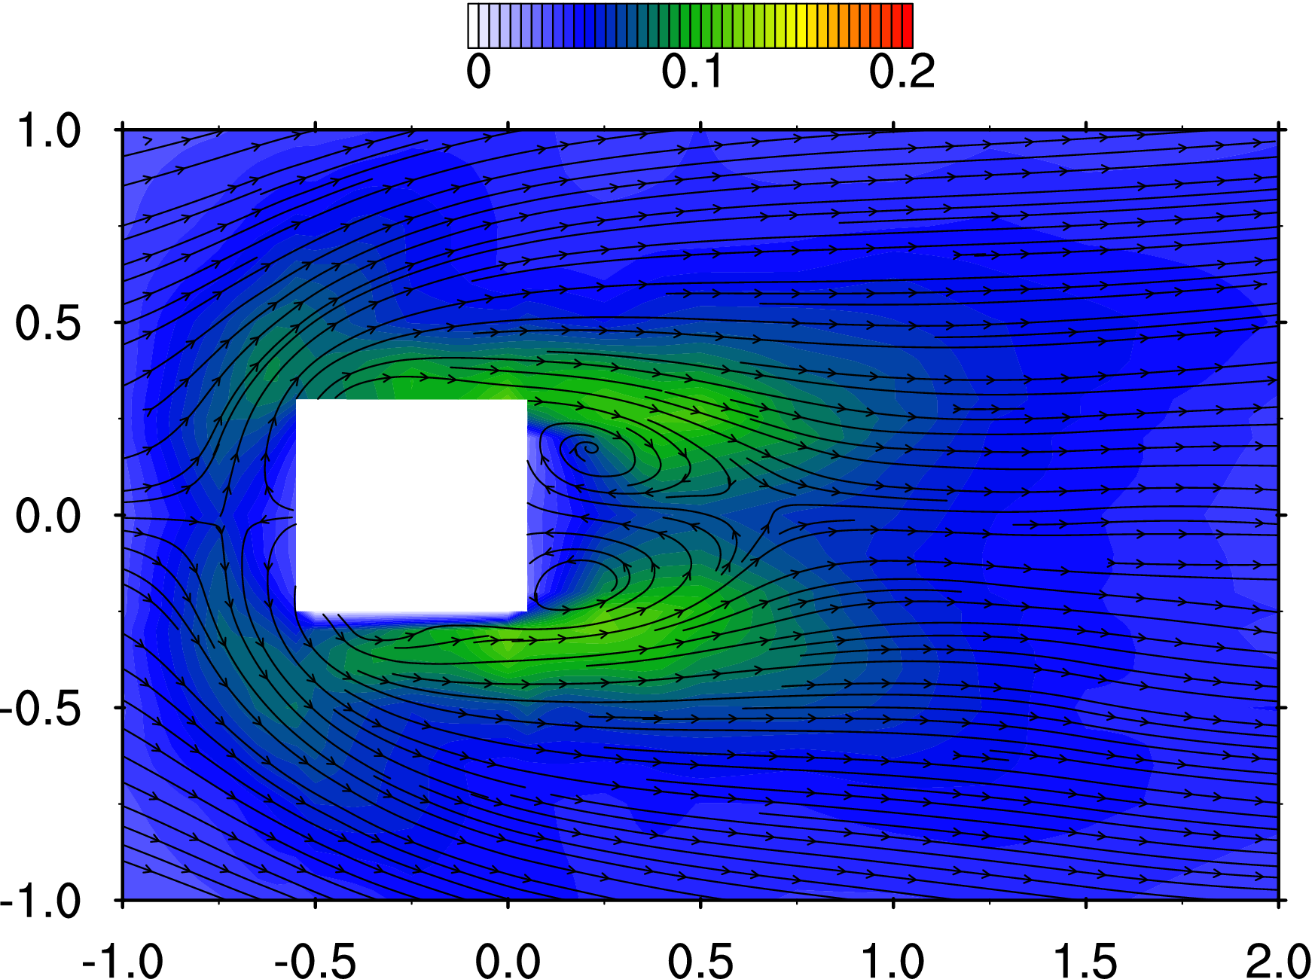
70 | -110 | 50 | 12.5 | -0.5500 | 0.2500 | 0.0625 | 0.1679 | 0.7227 | -0.4397 | 0.1926 | 0.2179 | 0.1625 | 0.0555 | 5.2819 | 5.7958 | 5.2509 | 0.148 | 0.003 | 5.079 | 0.112
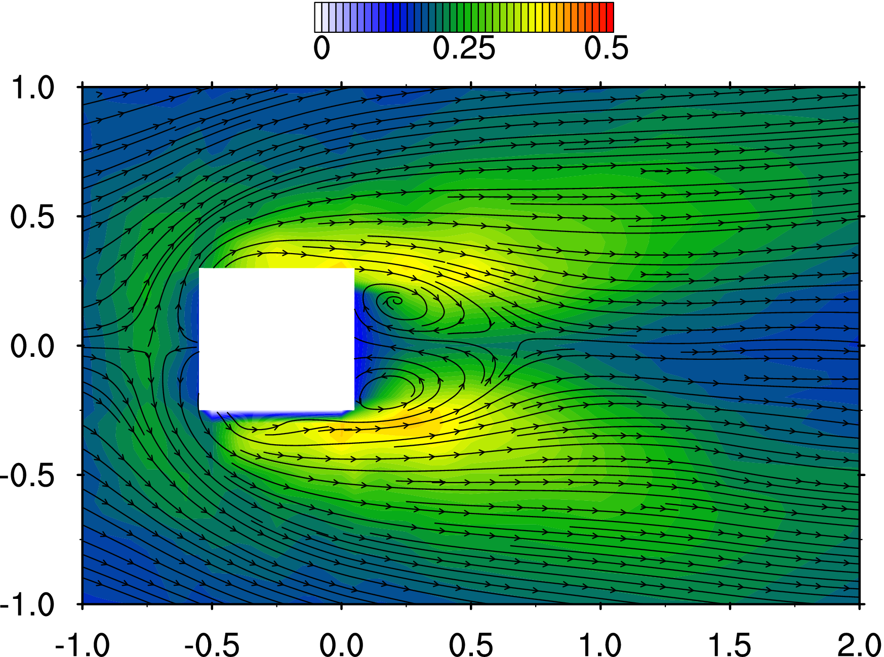
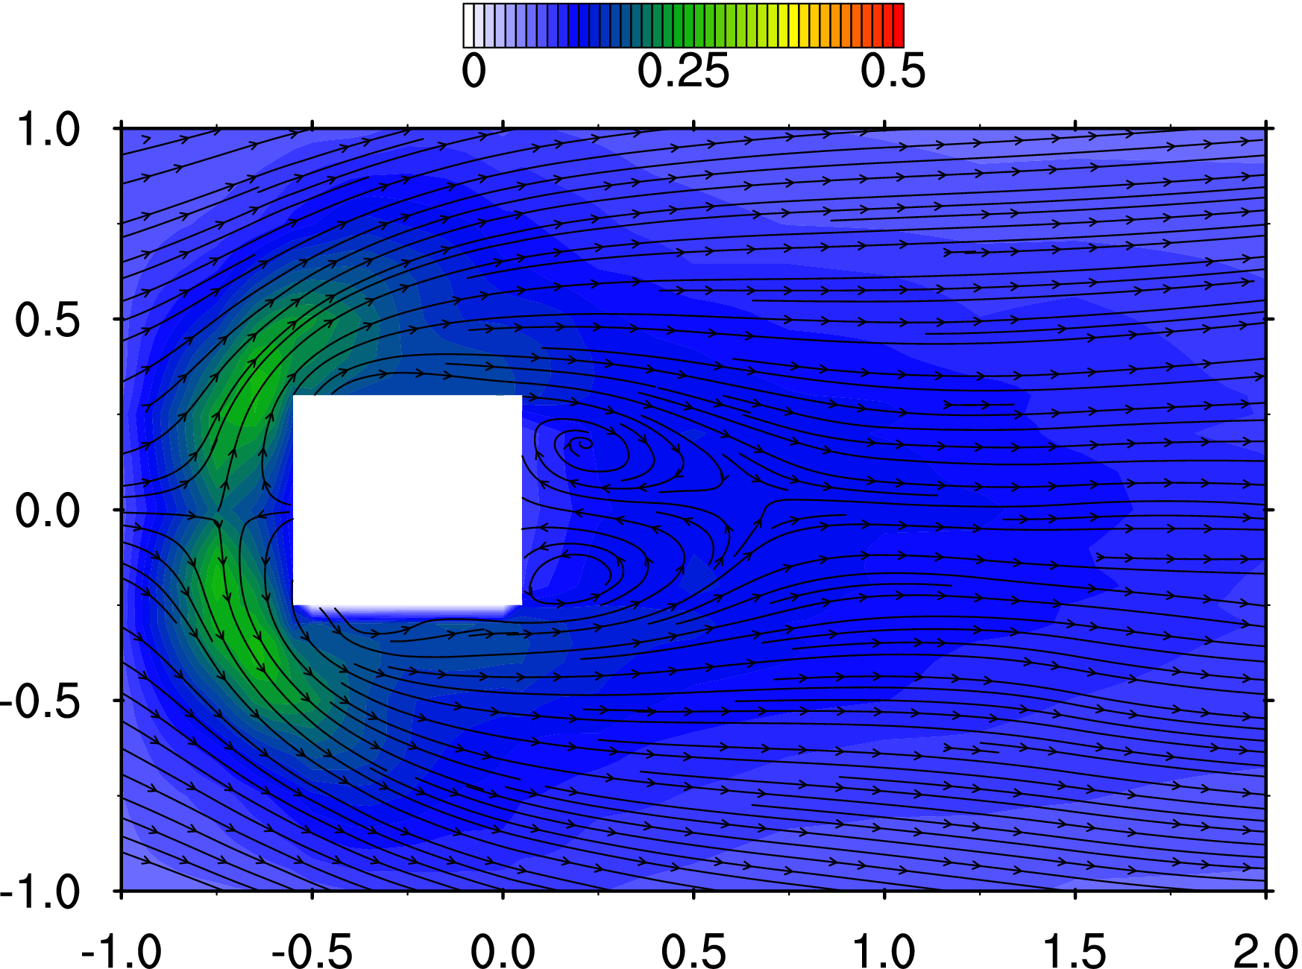
71 | -110 | 60 | 12.5 | -0.5500 | 0.3000 | 0.0625 | 0.3795 | 0.6657 | -0.3919 | 0.2165 | 0.2507 | 0.1890 | 0.0727 | 5.2817 | 5.7843 | 5.2506 | 0.298 | 0.007 | 5.114 | 0.113
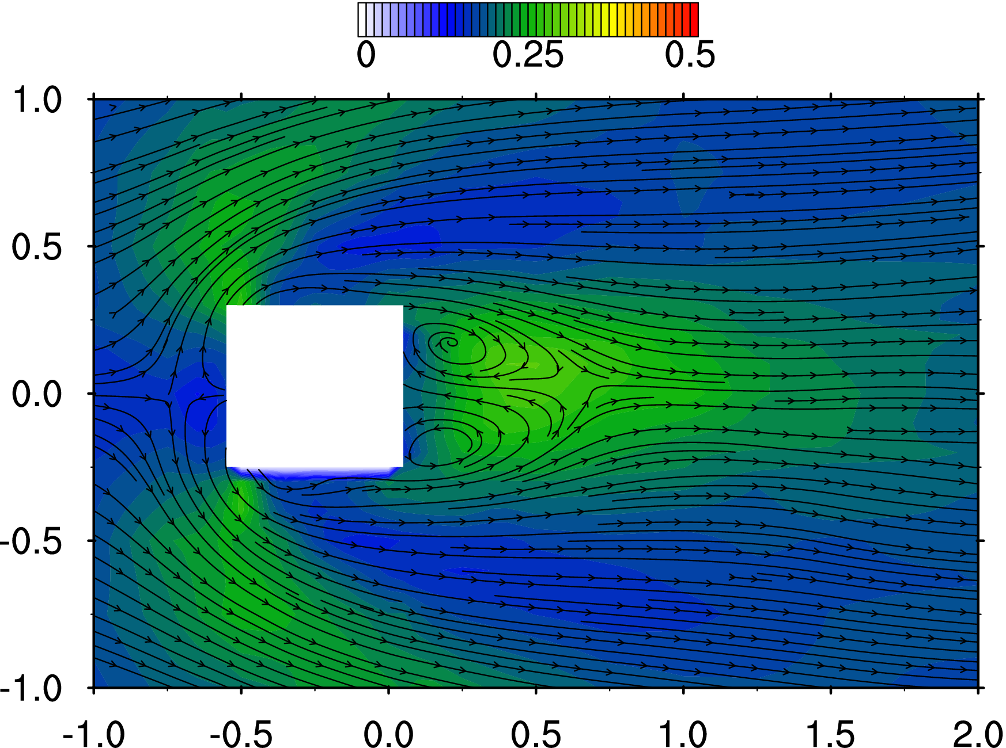
72 | -110 | 75 | 12.5 | -0.5500 | 0.3750 | 0.0625 | 0.5321 | 0.5308 | -0.2679 | 0.2201 | 0.2577 | 0.2227 | 0.0822 | 5.2824 | 5.7782 | 5.2625 | 0.059 | 0.001 | 5.112 | 0.113
73 | -110 | 100 | 12.5 | -0.5500 | 0.5000 | 0.0625 | 0.5640 | 0.4601 | -0.1054 | 0.2266 | 0.2361 | 0.2277 | 0.0795 | 5.2457 | 5.7111 | 5.2944 | -0.069 | -0.002 | 5.044 | 0.112
74 | -110 | 125 | 12.5 | -0.5500 | 0.6250 | 0.0625 | 0.5970 | 0.3645 | -0.0444 | 0.2192 | 0.2474 | 0.1749 | 0.0700 | 5.2926 | 5.7682 | 5.2723 | -0.014 | 0.000 | 5.294 | 0.117
75 | -110 | 150 | 12.5 | -0.5500 | 0.7500 | 0.0625 | 0.6486 | 0.2724 | -0.0545 | 0.1952 | 0.2270 | 0.1174 | 0.0517 | 5.2821 | 5.7840 | 5.2323 | -0.041 | -0.001 | 5.248 | 0.116
76 | -110 | 200 | 12.5 | -0.5500 | 1.0000 | 0.0625 | 0.6706 | 0.1648 | -0.0433 | 0.1756 | 0.1944 | 0.0789 | 0.0374 | 5.2840 | 5.7734 | 5.2465 | 0.083 | 0.002 | 5.141 | 0.114
77 | -100 | -200 | 12.5 | -0.5000 | -1.0000 | 0.0625 | 0.6340 | -0.2543 | 0.0728 | 0.1712 | 0.2069 | 0.0824 | 0.0395 | 5.3535 | 5.6853 | 6.1229 | -0.003 | 0.000 | 5.585 | 0.124
78 | -100 | -150 | 12.5 | -0.5000 | -0.7500 | 0.0625 | 0.6007 | -0.3143 | 0.1043 | 0.2048 | 0.2450 | 0.1338 | 0.0599 | 5.3478 | 5.7149 | 6.1214 | 0.142 | 0.003 | 5.400 | 0.120
79 | -100 | -125 | 12.5 | -0.5000 | -0.6250 | 0.0625 | 0.5411 | -0.4088 | 0.1155 | 0.2164 | 0.2481 | 0.1859 | 0.0715 | 5.3588 | 5.7051 | 6.1136 | 0.228 | 0.005 | 5.368 | 0.119
80 | -100 | -100 | 12.5 | -0.5000 | -0.5000 | 0.0625 | 0.5380 | -0.5103 | 0.0548 | 0.2123 | 0.2277 | 0.2200 | 0.0727 | 5.3607 | 5.6817 | 6.1006 | 0.101 | 0.002 | 5.408 | 0.120
81 | -100 | -75 | 12.5 | -0.5000 | -0.3750 | 0.0625 | 0.5935 | -0.5878 | -0.1058 | 0.2059 | 0.2777 | 0.1895 | 0.0777 | 5.3670 | 5.7135 | 6.0930 | 0.166 | 0.004 | 5.524 | 0.122
82 | -100 | -60 | 12.5 | -0.5000 | -0.3000 | 0.0625 | 0.4981 | -0.8226 | -0.2305 | 0.2101 | 0.2588 | 0.1770 | 0.0712 | 5.3713 | 5.6883 | 6.1092 | 0.213 | 0.005 | 5.960 | 0.132
83 | -100 | 60 | 12.5 | -0.5000 | 0.3000 | 0.0625 | 0.5720 | 0.7553 | -0.4918 | 0.2397 | 0.2671 | 0.1968 | 0.0838 | 5.2735 | 5.7712 | 5.2726 | 0.248 | 0.005 | 5.325 | 0.118
84 | -100 | 75 | 12.5 | -0.5000 | 0.3750 | 0.0625 | 0.6719 | 0.5438 | -0.3167 | 0.2226 | 0.2601 | 0.2110 | 0.0809 | 5.2787 | 5.7374 | 5.2327 | 0.046 | 0.001 | 5.165 | 0.114
85 | -100 | 100 | 12.5 | -0.5000 | 0.5000 | 0.0625 | 0.6241 | 0.4522 | -0.1292 | 0.2168 | 0.2354 | 0.2276 | 0.0771 | 5.3104 | 5.7706 | 5.2514 | -0.044 | -0.001 | 5.155 | 0.114
86 | -100 | 125 | 12.5 | -0.5000 | 0.6250 | 0.0625 | 0.6275 | 0.3567 | -0.0556 | 0.2165 | 0.2408 | 0.1790 | 0.0684 | 5.3069 | 5.7834 | 5.2465 | 0.213 | 0.005 | 5.122 | 0.113
87 | -100 | 150 | 12.5 | -0.5000 | 0.7500 | 0.0625 | 0.6464 | 0.2945 | -0.0485 | 0.1837 | 0.2304 | 0.1239 | 0.0511 | 5.2934 | 5.7516 | 5.2413 | 0.076 | 0.002 | 5.120 | 0.113
88 | -100 | 200 | 12.5 | -0.5000 | 1.0000 | 0.0625 | 0.6861 | 0.1831 | -0.0415 | 0.1728 | 0.1975 | 0.0812 | 0.0377 | 5.3120 | 5.7633 | 5.2261 | 0.007 | 0.000 | 5.231 | 0.116
89 | -75 | -200 | 12.5 | -0.3750 | -1.0000 | 0.0625 | 0.6692 | -0.2341 | 0.0766 | 0.1765 | 0.2130 | 0.0883 | 0.0421 | 5.3536 | 5.6607 | 6.1071 | -0.007 | 0.000 | 5.499 | 0.122
90 | -75 | -150 | 12.5 | -0.3750 | -0.7500 | 0.0625 | 0.6395 | -0.3652 | 0.1000 | 0.2005 | 0.2455 | 0.1450 | 0.0608 | 5.3742 | 5.6984 | 6.1092 | 0.014 | 0.000 | 5.461 | 0.121
91 | -75 | -125 | 12.5 | -0.3750 | -0.6250 | 0.0625 | 0.6573 | -0.3981 | 0.0765 | 0.1994 | 0.2300 | 0.1766 | 0.0619 | 5.3549 | 5.7112 | 6.1171 | 0.028 | 0.001 | 5.813 | 0.129
92 | -75 | -100 | 12.5 | -0.3750 | -0.5000 | 0.0625 | 0.7275 | -0.4036 | -0.0025 | 0.2208 | 0.2256 | 0.1782 | 0.0657 | 5.3620 | 5.6878 | 6.1178 | 1.178 | 0.026 | 9.755 | 0.216
93 | -75 | -75 | 12.5 | -0.3750 | -0.3750 | 0.0625 | 0.7017 | -0.2424 | -0.0819 | 0.3618 | 0.1670 | 0.1852 | 0.0966 | 5.3659 | 5.6954 | 6.1186 | 50.365 | 1.115 | 80.308 | 1.778
94 | -75 | -60 | 12.5 | -0.3750 | -0.3000 | 0.0625 | 0.0672 | -0.0082 | -0.0583 | 0.3118 | 0.1602 | 0.1670 | 0.0754 | 5.3632 | 5.7092 | 6.1306 | 134.323 | 2.973 | 157.488 | 3.486
95 | -75 | 60 | 12.5 | -0.3750 | 0.3000 | 0.0625 | 0.2030 | -0.0068 | -0.0557 | 0.3409 | 0.1638 | 0.1667 | 0.0854 | 5.2969 | 5.8079 | 5.2505 | 52.390 | 1.160 | 88.737 | 1.964
96 | -75 | 75 | 12.5 | -0.3750 | 0.3750 | 0.0625 | 0.7431 | 0.2306 | -0.2067 | 0.3322 | 0.1684 | 0.1937 | 0.0881 | 5.3019 | 5.7927 | 5.2308 | 21.847 | 0.484 | 41.271 | 0.914
97 | -75 | 100 | 12.5 | -0.3750 | 0.5000 | 0.0625 | 0.7364 | 0.3511 | -0.1457 | 0.2123 | 0.2204 | 0.2011 | 0.0670 | 5.3040 | 5.7683 | 5.2804 | 0.165 | 0.004 | 5.279 | 0.117
98 | -75 | 125 | 12.5 | -0.3750 | 0.6250 | 0.0625 | 0.7012 | 0.3372 | -0.0600 | 0.2147 | 0.2351 | 0.1805 | 0.0670 | 5.2927 | 5.7759 | 5.2482 | -0.018 | 0.000 | 5.157 | 0.114
99 | -75 | 150 | 12.5 | -0.3750 | 0.7500 | 0.0625 | 0.7208 | 0.3050 | -0.0414 | 0.1955 | 0.2384 | 0.1436 | 0.0578 | 5.2937 | 5.8040 | 5.2424 | 0.042 | 0.001 | 5.219 | 0.116
100 | -75 | 200 | 12.5 | -0.3750 | 1.0000 | 0.0625 | 0.7178 | 0.1876 | -0.0355 | 0.1747 | 0.2015 | 0.0817 | 0.0389 | 5.3022 | 5.7549 | 5.2364 | -0.010 | 0.000 | 5.123 | 0.113
101 | -50 | -200 | 12.5 | -0.2500 | -1.0000 | 0.0625 | 0.7058 | -0.2218 | 0.0789 | 0.1767 | 0.2354 | 0.0907 | 0.0474 | 5.3875 | 5.6920 | 6.1000 | -0.047 | -0.001 | 5.358 | 0.119
102 | -50 | -150 | 12.5 | -0.2500 | -0.7500 | 0.0625 | 0.7249 | -0.3280 | 0.0892 | 0.2095 | 0.2284 | 0.1370 | 0.0574 | 5.3648 | 5.6930 | 6.1343 | 0.060 | 0.001 | 5.829 | 0.129
103 | -50 | -125 | 12.5 | -0.2500 | -0.6250 | 0.0625 | 0.7587 | -0.3198 | 0.0591 | 0.2178 | 0.2134 | 0.1509 | 0.0579 | 5.3710 | 5.6996 | 6.0976 | 1.630 | 0.036 | 14.390 | 0.319
104 | -50 | -100 | 12.5 | -0.2500 | -0.5000 | 0.0625 | 0.8301 | -0.2496 | -0.0168 | 0.2618 | 0.1700 | 0.1509 | 0.0601 | 5.3850 | 5.6908 | 6.0875 | 16.641 | 0.368 | 52.707 | 1.167
105 | -50 | -75 | 12.5 | -0.2500 | -0.3750 | 0.0625 | 0.5553 | -0.0138 | -0.0586 | 0.3672 | 0.1555 | 0.1673 | 0.0935 | 5.3851 | 5.7030 | 6.1257 | 99.804 | 2.209 | 136.834 | 3.029
106 | -50 | -60 | 12.5 | -0.2500 | -0.3000 | 0.0625 | 0.1316 | 0.0693 | -0.0070 | 0.3493 | 0.1781 | 0.1736 | 0.0919 | 5.3725 | 5.7158 | 6.1159 | 162.763 | 3.603 | 212.464 | 4.703
107 | -50 | 60 | 12.5 | -0.2500 | 0.3000 | 0.0625 | 0.2568 | -0.0829 | 0.0165 | 0.3688 | 0.1907 | 0.1640 | 0.0996 | 5.2874 | 5.7770 | 5.2844 | 83.677 | 1.852 | 155.575 | 3.444
108 | -50 | 75 | 12.5 | -0.2500 | 0.3750 | 0.0625 | 0.5860 | 0.0026 | -0.1023 | 0.3796 | 0.1623 | 0.1731 | 0.1002 | 5.3174 | 5.7389 | 5.2521 | 59.763 | 1.323 | 102.835 | 2.276
109 | -50 | 100 | 12.5 | -0.2500 | 0.5000 | 0.0625 | 0.8102 | 0.2113 | -0.1118 | 0.2504 | 0.1639 | 0.1691 | 0.0591 | 5.2793 | 5.7725 | 5.2553 | 7.826 | 0.173 | 38.212 | 0.846
110 | -50 | 125 | 12.5 | -0.2500 | 0.6250 | 0.0625 | 0.7502 | 0.2780 | -0.0677 | 0.2026 | 0.1963 | 0.1649 | 0.0534 | 5.3065 | 5.7890 | 5.2658 | 0.222 | 0.005 | 5.674 | 0.126
111 | -50 | 150 | 12.5 | -0.2500 | 0.7500 | 0.0625 | 0.7358 | 0.2538 | -0.0453 | 0.1931 | 0.2301 | 0.1357 | 0.0543 | 5.2797 | 5.7661 | 5.2883 | 0.111 | 0.002 | 6.395 | 0.142
112 | -50 | 200 | 12.5 | -0.2500 | 1.0000 | 0.0625 | 0.7477 | 0.1957 | -0.0360 | 0.1732 | 0.2166 | 0.0918 | 0.0427 | 5.2829 | 5.7868 | 5.2392 | 0.106 | 0.002 | 5.217 | 0.115
113 | -25 | -200 | 12.5 | -0.1250 | -1.0000 | 0.0625 | 0.7124 | -0.2262 | 0.0755 | 0.1702 | 0.2378 | 0.0941 | 0.0472 | 5.4063 | 5.7026 | 6.1361 | -0.010 | 0.000 | 5.662 | 0.125
114 | -25 | -150 | 12.5 | -0.1250 | -0.7500 | 0.0625 | 0.7482 | -0.2763 | 0.0751 | 0.1954 | 0.2180 | 0.1238 | 0.0505 | 5.3684 | 5.7164 | 6.1377 | 1.713 | 0.038 | 11.883 | 0.263
115 | -25 | -125 | 12.5 | -0.1250 | -0.6250 | 0.0625 | 0.7851 | -0.2371 | 0.0397 | 0.2145 | 0.1868 | 0.1343 | 0.0495 | 5.4156 | 5.6787 | 6.1142 | 6.924 | 0.153 | 25.841 | 0.572
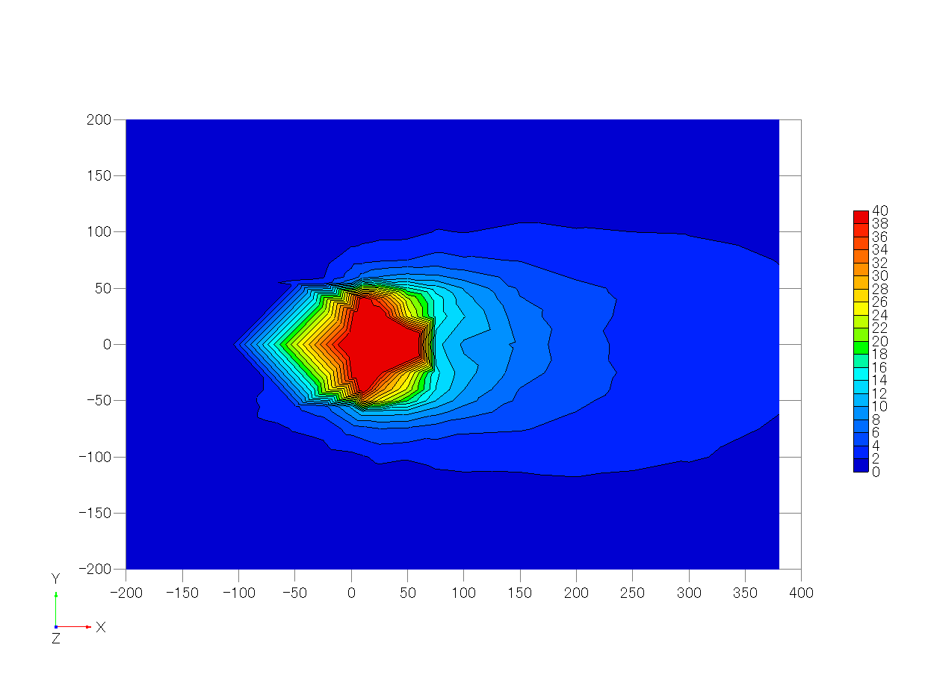
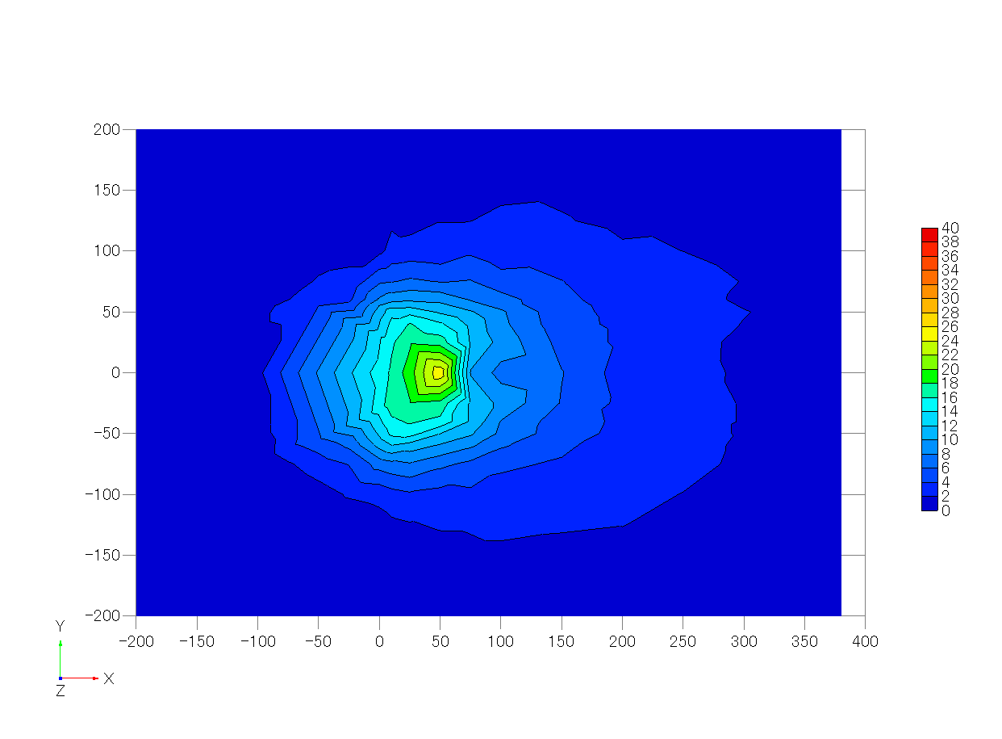
116 | -25 | -100 | 12.5 | -0.1250 | -0.5000 | 0.0625 | 0.8039 | -0.1203 | -0.0005 | 0.2977 | 0.1424 | 0.1460 | 0.0651 | 5.3944 | 5.7113 | 6.1134 | 44.619 | 0.988 | 100.139 | 2.217
117 | -25 | -75 | 12.5 | -0.1250 | -0.3750 | 0.0625 | 0.5595 | 0.0475 | -0.0236 | 0.3557 | 0.1770 | 0.1734 | 0.0940 | 5.3970 | 5.7064 | 6.1344 | 122.497 | 2.711 | 185.434 | 4.105
118 | -25 | -60 | 12.5 | -0.1250 | -0.3000 | 0.0625 | 0.2803 | 0.0751 | 0.0323 | 0.3729 | 0.1725 | 0.1760 | 0.0999 | 5.3936 | 5.6929 | 6.1197 | 204.622 | 4.529 | 287.642 | 6.367
119 | -25 | 60 | 12.5 | -0.1250 | 0.3000 | 0.0625 | 0.3077 | -0.0680 | 0.0351 | 0.3697 | 0.1739 | 0.1709 | 0.0981 | 5.3136 | 5.7610 | 5.2691 | 86.095 | 1.906 | 160.648 | 3.556
120 | -25 | 75 | 12.5 | -0.1250 | 0.3750 | 0.0625 | 0.5951 | -0.0529 | -0.0420 | 0.3530 | 0.1746 | 0.1729 | 0.0925 | 5.3128 | 5.7633 | 5.2757 | 58.284 | 1.290 | 109.708 | 2.428
121 | -25 | 100 | 12.5 | -0.1250 | 0.5000 | 0.0625 | 0.7861 | 0.1071 | -0.0836 | 0.2709 | 0.1402 | 0.1499 | 0.0578 | 5.3238 | 5.7663 | 5.2858 | 26.021 | 0.576 | 68.672 | 1.520
122 | -25 | 125 | 12.5 | -0.1250 | 0.6250 | 0.0625 | 0.7891 | 0.2188 | -0.0553 | 0.2093 | 0.1814 | 0.1471 | 0.0492 | 5.3056 | 5.7706 | 5.2506 | 3.506 | 0.078 | 20.007 | 0.443
123 | -25 | 150 | 12.5 | -0.1250 | 0.7500 | 0.0625 | 0.7383 | 0.2204 | -0.0283 | 0.1927 | 0.2097 | 0.1293 | 0.0489 | 5.3357 | 5.7577 | 5.2284 | 0.162 | 0.004 | 6.137 | 0.136
124 | -25 | 200 | 12.5 | -0.1250 | 1.0000 | 0.0625 | 0.7588 | 0.1781 | -0.0279 | 0.1730 | 0.2199 | 0.0928 | 0.0434 | 5.3180 | 5.7764 | 5.2693 | -0.031 | -0.001 | 5.391 | 0.119
125 | 0 | -200 | 12.5 | 0.0000 | -1.0000 | 0.0625 | 0.7623 | -0.2164 | 0.0730 | 0.1794 | 0.2291 | 0.0937 | 0.0467 | 5.3919 | 5.6988 | 6.1299 | 0.336 | 0.007 | 5.676 | 0.126
126 | 0 | -150 | 12.5 | 0.0000 | -0.7500 | 0.0625 | 0.7731 | -0.2180 | 0.0665 | 0.2033 | 0.2009 | 0.1225 | 0.0483 | 5.3677 | 5.7009 | 6.1423 | 5.138 | 0.114 | 20.972 | 0.464
127 | 0 | -125 | 12.5 | 0.0000 | -0.6250 | 0.0625 | 0.8165 | -0.1666 | 0.0416 | 0.2343 | 0.1608 | 0.1260 | 0.0483 | 5.3867 | 5.7211 | 6.1238 | 17.501 | 0.387 | 53.476 | 1.184
128 | 0 | -100 | 12.5 | 0.0000 | -0.5000 | 0.0625 | 0.7364 | -0.0621 | 0.0072 | 0.2999 | 0.1465 | 0.1430 | 0.0659 | 5.4059 | 5.7168 | 6.1314 | 63.803 | 1.412 | 117.839 | 2.608
129 | 0 | -75 | 12.5 | 0.0000 | -0.3750 | 0.0625 | 0.5585 | 0.0385 | 0.0039 | 0.4018 | 0.1950 | 0.1688 | 0.1140 | 5.4148 | 5.7333 | 6.1403 | 214.772 | 4.754 | 309.595 | 6.853
130 | 0 | -60 | 12.5 | 0.0000 | -0.3000 | 0.0625 | 0.2744 | -0.0023 | 0.0372 | 0.4007 | 0.2165 | 0.1737 | 0.1188 | 5.3825 | 5.7186 | 6.1243 | 409.132 | 9.056 | 481.284 | 10.653
131 | 0 | 60 | 12.5 | 0.0000 | 0.3000 | 0.0625 | 0.3685 | -0.0267 | 0.0104 | 0.3998 | 0.2116 | 0.1757 | 0.1177 | 5.3084 | 5.7606 | 5.2725 | 217.473 | 4.814 | 374.723 | 8.294
132 | 0 | 75 | 12.5 | 0.0000 | 0.3750 | 0.0625 | 0.5625 | -0.0536 | -0.0155 | 0.3643 | 0.1932 | 0.1661 | 0.0988 | 5.3183 | 5.7951 | 5.2577 | 146.589 | 3.245 | 256.449 | 5.677
133 | 0 | 100 | 12.5 | 0.0000 | 0.5000 | 0.0625 | 0.7553 | 0.0516 | -0.0432 | 0.2732 | 0.1447 | 0.1480 | 0.0588 | 5.3095 | 5.7844 | 5.2249 | 30.337 | 0.672 | 70.370 | 1.558
134 | 0 | 125 | 12.5 | 0.0000 | 0.6250 | 0.0625 | 0.7927 | 0.1445 | -0.0380 | 0.2128 | 0.1592 | 0.1286 | 0.0436 | 5.3214 | 5.7700 | 5.2868 | 8.467 | 0.187 | 28.442 | 0.630
135 | 0 | 150 | 12.5 | 0.0000 | 0.7500 | 0.0625 | 0.7942 | 0.1701 | -0.0301 | 0.1847 | 0.1996 | 0.1172 | 0.0438 | 5.3072 | 5.7494 | 5.2551 | 1.401 | 0.031 | 13.130 | 0.291
136 | 0 | 200 | 12.5 | 0.0000 | 1.0000 | 0.0625 | 0.7468 | 0.1537 | -0.0174 | 0.1763 | 0.2170 | 0.0848 | 0.0427 | 5.3180 | 5.7648 | 5.2503 | -0.061 | -0.001 | 5.371 | 0.119
137 | 10 | -200 | 12.5 | 0.0500 | -1.0000 | 0.0625 | 0.7501 | -0.1739 | 0.0719 | 0.1805 | 0.2235 | 0.0930 | 0.0456 | 5.4055 | 5.7121 | 6.1502 | 0.909 | 0.020 | 9.677 | 0.214
138 | 10 | -150 | 12.5 | 0.0500 | -0.7500 | 0.0625 | 0.8052 | -0.2007 | 0.0641 | 0.2060 | 0.2016 | 0.1137 | 0.0480 | 5.3842 | 5.7011 | 6.1535 | 6.434 | 0.142 | 23.823 | 0.527
139 | 10 | -125 | 12.5 | 0.0500 | -0.6250 | 0.0625 | 0.8211 | -0.1410 | 0.0415 | 0.2434 | 0.1560 | 0.1213 | 0.0492 | 5.3889 | 5.7276 | 6.1788 | 27.528 | 0.609 | 70.638 | 1.564
140 | 10 | -100 | 12.5 | 0.0500 | -0.5000 | 0.0625 | 0.7477 | -0.0366 | 0.0160 | 0.3230 | 0.1510 | 0.1461 | 0.0742 | 5.4032 | 5.7087 | 6.1577 | 82.093 | 1.817 | 146.521 | 3.243
141 | 10 | -75 | 12.5 | 0.0500 | -0.3750 | 0.0625 | 0.5092 | 0.0418 | 0.0118 | 0.3781 | 0.1982 | 0.1670 | 0.1051 | 5.4040 | 5.6906 | 6.1460 | 237.760 | 5.263 | 332.361 | 7.357
142 | 10 | -60 | 12.5 | 0.0500 | -0.3000 | 0.0625 | 0.3357 | 0.0063 | 0.0296 | 0.3981 | 0.2061 | 0.1609 | 0.1134 | 5.4029 | 5.7177 | 6.1519 | 503.949 | 11.155 | 535.933 | 11.863
143 | 10 | -50 | 12.5 | 0.0500 | -0.2500 | 0.0625 | 0.1201 | -0.0560 | 0.0355 | 0.2355 | 0.1961 | 0.1344 | 0.0560 | 5.3806 | 5.7168 | 6.1138 | 1423.446 | 31.508 | 656.836 | 14.539
144 | 10 | -40 | 12.5 | 0.0500 | -0.2000 | 0.0625 | -0.0508 | -0.1264 | 0.0586 | 0.1240 | 0.1483 | 0.0993 | 0.0236 | 5.4022 | 5.6961 | 6.1475 | 1852.962 | 41.015 | 703.449 | 15.571
145 | 10 | -25 | 12.5 | 0.0500 | -0.1250 | 0.0625 | -0.1088 | -0.1212 | 0.0492 | 0.1186 | 0.1669 | 0.0978 | 0.0258 | 5.4037 | 5.7009 | 6.1457 | 2007.229 | 44.430 | 775.042 | 17.156
146 | 10 | 0 | 12.5 | 0.0500 | 0.0000 | 0.0625 | -0.1305 | 0.0411 | -0.0047 | 0.1130 | 0.1997 | 0.0934 | 0.0307 | 5.3103 | 5.7801 | 5.2713 | 2104.234 | 46.577 | 740.636 | 16.394
147 | 10 | 25 | 12.5 | 0.0500 | 0.1250 | 0.0625 | -0.0631 | 0.1605 | -0.0365 | 0.1180 | 0.1631 | 0.0926 | 0.0246 | 5.3402 | 5.7859 | 5.2653 | 1967.606 | 43.553 | 708.051 | 15.673
148 | 10 | 40 | 12.5 | 0.0500 | 0.2000 | 0.0625 | -0.0054 | 0.1567 | -0.0490 | 0.1249 | 0.1458 | 0.0911 | 0.0226 | 5.3340 | 5.7813 | 5.2702 | 1849.891 | 40.947 | 657.469 | 14.553
149 | 10 | 50 | 12.5 | 0.0500 | 0.2500 | 0.0625 | 0.2612 | 0.0272 | 0.0062 | 0.3001 | 0.2100 | 0.1173 | 0.0740 | 5.3112 | 5.7660 | 5.2729 | 1034.499 | 22.899 | 606.143 | 13.417
150 | 10 | 60 | 12.5 | 0.0500 | 0.3000 | 0.0625 | 0.4396 | -0.0292 | 0.0028 | 0.3716 | 0.2074 | 0.1553 | 0.1026 | 5.3224 | 5.7734 | 5.2860 | 301.002 | 6.663 | 419.201 | 9.279
151 | 10 | 75 | 12.5 | 0.0500 | 0.3750 | 0.0625 | 0.5977 | -0.0517 | -0.0120 | 0.3513 | 0.1935 | 0.1595 | 0.0931 | 5.3113 | 5.7920 | 5.3007 | 148.985 | 3.298 | 264.625 | 5.857
152 | 10 | 100 | 12.5 | 0.0500 | 0.5000 | 0.0625 | 0.7657 | 0.0339 | -0.0357 | 0.2902 | 0.1473 | 0.1458 | 0.0636 | 5.3173 | 5.7479 | 5.2741 | 48.872 | 1.082 | 118.865 | 2.631
153 | 10 | 125 | 12.5 | 0.0500 | 0.6250 | 0.0625 | 0.7905 | 0.1288 | -0.0329 | 0.2203 | 0.1528 | 0.1263 | 0.0439 | 5.3227 | 5.7709 | 5.2737 | 20.649 | 0.457 | 75.522 | 1.672
154 | 10 | 150 | 12.5 | 0.0500 | 0.7500 | 0.0625 | 0.7897 | 0.1724 | -0.0277 | 0.1921 | 0.1870 | 0.1153 | 0.0426 | 5.3201 | 5.7841 | 5.2703 | 3.446 | 0.076 | 20.708 | 0.458
155 | 10 | 200 | 12.5 | 0.0500 | 1.0000 | 0.0625 | 0.7675 | 0.1428 | -0.0190 | 0.1776 | 0.2143 | 0.0898 | 0.0428 | 5.3310 | 5.7673 | 5.2887 | 0.055 | 0.001 | 5.228 | 0.116
156 | 25 | -200 | 12.5 | 0.1250 | -1.0000 | 0.0625 | 0.7733 | -0.1797 | 0.0735 | 0.1723 | 0.2329 | 0.0932 | 0.0463 | 5.3844 | 5.7041 | 6.1602 | 0.493 | 0.011 | 7.370 | 0.163
157 | 25 | -150 | 12.5 | 0.1250 | -0.7500 | 0.0625 | 0.8014 | -0.1722 | 0.0615 | 0.2074 | 0.1816 | 0.1116 | 0.0442 | 5.3968 | 5.7525 | 6.1325 | 8.619 | 0.191 | 37.011 | 0.819
158 | 25 | -125 | 12.5 | 0.1250 | -0.6250 | 0.0625 | 0.8331 | -0.1209 | 0.0423 | 0.2558 | 0.1499 | 0.1202 | 0.0512 | 5.3683 | 5.6701 | 6.1194 | 38.401 | 0.850 | 82.822 | 1.833
159 | 25 | -100 | 12.5 | 0.1250 | -0.5000 | 0.0625 | 0.7403 | -0.0330 | 0.0205 | 0.2875 | 0.1541 | 0.1361 | 0.0624 | 5.3779 | 5.6725 | 6.1534 | 108.115 | 2.393 | 166.882 | 3.694
160 | 25 | -75 | 12.5 | 0.1250 | -0.3750 | 0.0625 | 0.5557 | 0.0449 | 0.0147 | 0.3775 | 0.2018 | 0.1577 | 0.1040 | 5.3869 | 5.7436 | 6.1267 | 268.885 | 5.952 | 353.397 | 7.822
161 | 25 | -60 | 12.5 | 0.1250 | -0.3000 | 0.0625 | 0.4147 | 0.0249 | 0.0187 | 0.3983 | 0.2124 | 0.1527 | 0.1135 | 5.3925 | 5.6667 | 6.1302 | 502.061 | 11.113 | 497.996 | 11.023
162 | 25 | -50 | 12.5 | 0.1250 | -0.2500 | 0.0625 | 0.2452 | 0.0095 | 0.0289 | 0.3292 | 0.2008 | 0.1348 | 0.0834 | 5.3862 | 5.7181 | 6.1685 | 1134.150 | 25.104 | 673.983 | 14.919
163 | 25 | -40 | 12.5 | 0.1250 | -0.2000 | 0.0625 | 0.0183 | -0.0453 | 0.0460 | 0.2258 | 0.2003 | 0.1144 | 0.0521 | 5.4011 | 5.6960 | 6.1336 | 1416.894 | 31.363 | 734.699 | 16.263
164 | 25 | -25 | 12.5 | 0.1250 | -0.1250 | 0.0625 | -0.1398 | -0.0539 | 0.0532 | 0.1841 | 0.2014 | 0.1075 | 0.0430 | 5.4128 | 5.7091 | 6.1582 | 1770.511 | 39.190 | 805.735 | 17.835
165 | 25 | 0 | 12.5 | 0.1250 | 0.0000 | 0.0625 | -0.2172 | 0.0396 | 0.0189 | 0.1675 | 0.1974 | 0.1041 | 0.0389 | 5.3243 | 5.7686 | 5.2678 | 2196.858 | 48.628 | 862.391 | 19.089
166 | 25 | 25 | 12.5 | 0.1250 | 0.1250 | 0.0625 | -0.0864 | 0.1029 | -0.0010 | 0.1771 | 0.1962 | 0.1074 | 0.0407 | 5.3151 | 5.7173 | 5.2901 | 1903.958 | 42.144 | 796.465 | 17.630
167 | 25 | 40 | 12.5 | 0.1250 | 0.2000 | 0.0625 | 0.0480 | 0.0559 | 0.0008 | 0.2109 | 0.2081 | 0.1063 | 0.0495 | 5.3379 | 5.7605 | 5.2948 | 1579.669 | 34.966 | 729.331 | 16.144
168 | 25 | 50 | 12.5 | 0.1250 | 0.2500 | 0.0625 | 0.3270 | -0.0267 | 0.0140 | 0.3452 | 0.2149 | 0.1305 | 0.0912 | 5.3124 | 5.7562 | 5.2667 | 1000.203 | 22.140 | 602.368 | 13.333
169 | 25 | 60 | 12.5 | 0.1250 | 0.3000 | 0.0625 | 0.4680 | -0.0548 | 0.0076 | 0.3631 | 0.2149 | 0.1472 | 0.0999 | 5.3217 | 5.7466 | 5.2863 | 365.793 | 8.097 | 439.626 | 9.731
170 | 25 | 75 | 12.5 | 0.1250 | 0.3750 | 0.0625 | 0.6097 | -0.0551 | -0.0089 | 0.3687 | 0.1984 | 0.1516 | 0.0992 | 5.3130 | 5.7599 | 5.2869 | 166.025 | 3.675 | 287.363 | 6.361
171 | 25 | 100 | 12.5 | 0.1250 | 0.5000 | 0.0625 | 0.7373 | 0.0261 | -0.0264 | 0.2769 | 0.1425 | 0.1445 | 0.0589 | 5.3347 | 5.7528 | 5.2780 | 59.287 | 1.312 | 127.512 | 2.822
172 | 25 | 125 | 12.5 | 0.1250 | 0.6250 | 0.0625 | 0.7939 | 0.0905 | -0.0205 | 0.2292 | 0.1551 | 0.1205 | 0.0456 | 5.3410 | 5.7678 | 5.2534 | 20.631 | 0.457 | 56.310 | 1.246
173 | 25 | 150 | 12.5 | 0.1250 | 0.7500 | 0.0625 | 0.7908 | 0.1341 | -0.0200 | 0.1902 | 0.1840 | 0.1100 | 0.0411 | 5.3376 | 5.8209 | 5.2639 | 4.125 | 0.091 | 19.661 | 0.435
174 | 25 | 200 | 12.5 | 0.1250 | 1.0000 | 0.0625 | 0.7679 | 0.1230 | -0.0104 | 0.1686 | 0.2071 | 0.0875 | 0.0395 | 5.3428 | 5.7276 | 5.2658 | 0.272 | 0.006 | 6.912 | 0.153
175 | 50 | -200 | 12.5 | 0.2500 | -1.0000 | 0.0625 | 0.7815 | -0.1740 | 0.0669 | 0.1772 | 0.2186 | 0.0881 | 0.0435 | 5.3803 | 5.6910 | 6.1258 | 1.986 | 0.044 | 12.179 | 0.270
176 | 50 | -150 | 12.5 | 0.2500 | -0.7500 | 0.0625 | 0.7868 | -0.1285 | 0.0529 | 0.2157 | 0.1717 | 0.1036 | 0.0434 | 5.4048 | 5.6984 | 6.1501 | 20.309 | 0.450 | 50.117 | 1.109
177 | 50 | -125 | 12.5 | 0.2500 | -0.6250 | 0.0625 | 0.8090 | -0.0830 | 0.0437 | 0.2539 | 0.1466 | 0.1197 | 0.0501 | 5.3999 | 5.7210 | 6.1243 | 45.632 | 1.010 | 99.784 | 2.209
178 | 50 | -100 | 12.5 | 0.2500 | -0.5000 | 0.0625 | 0.7327 | -0.0033 | 0.0276 | 0.3058 | 0.1590 | 0.1365 | 0.0687 | 5.3878 | 5.6902 | 6.1497 | 96.245 | 2.130 | 148.166 | 3.280
179 | 50 | -75 | 12.5 | 0.2500 | -0.3750 | 0.0625 | 0.5771 | 0.0560 | 0.0124 | 0.3750 | 0.2012 | 0.1420 | 0.1006 | 5.3864 | 5.6907 | 6.1252 | 258.359 | 5.719 | 293.719 | 6.501
180 | 50 | -60 | 12.5 | 0.2500 | -0.3000 | 0.0625 | 0.4562 | 0.0807 | 0.0086 | 0.4130 | 0.2098 | 0.1443 | 0.1177 | 5.3892 | 5.6709 | 6.1381 | 487.130 | 10.783 | 439.360 | 9.725
181 | 50 | -50 | 12.5 | 0.2500 | -0.2500 | 0.0625 | 0.2560 | 0.0805 | 0.0163 | 0.3956 | 0.2339 | 0.1374 | 0.1151 | 5.3658 | 5.7151 | 6.1379 | 812.012 | 17.974 | 544.293 | 12.048
182 | 50 | -40 | 12.5 | 0.2500 | -0.2000 | 0.0625 | 0.0839 | 0.0593 | 0.0162 | 0.3211 | 0.2374 | 0.1332 | 0.0886 | 5.3728 | 5.6945 | 6.1418 | 1061.616 | 23.499 | 697.621 | 15.442
183 | 50 | -25 | 12.5 | 0.2500 | -0.1250 | 0.0625 | -0.1259 | 0.0415 | 0.0299 | 0.2667 | 0.2521 | 0.1310 | 0.0759 | 5.3944 | 5.6797 | 6.1636 | 1219.874 | 27.002 | 785.865 | 17.395
184 | 50 | 0 | 12.5 | 0.2500 | 0.0000 | 0.0625 | -0.2532 | 0.0405 | 0.0182 | 0.1965 | 0.2449 | 0.1225 | 0.0568 | 5.3502 | 5.7517 | 5.2853 | 2454.154 | 54.323 | 1157.052 | 25.611
185 | 50 | 25 | 12.5 | 0.2500 | 0.1250 | 0.0625 | -0.1020 | -0.0073 | 0.0200 | 0.2352 | 0.2574 | 0.1264 | 0.0688 | 5.3175 | 5.7766 | 5.2614 | 1142.945 | 25.299 | 770.399 | 17.053
186 | 50 | 40 | 12.5 | 0.2500 | 0.2000 | 0.0625 | 0.1197 | -0.0589 | 0.0273 | 0.3007 | 0.2507 | 0.1282 | 0.0849 | 5.3176 | 5.7562 | 5.2872 | 1021.434 | 22.609 | 646.614 | 14.313
187 | 50 | 50 | 12.5 | 0.2500 | 0.2500 | 0.0625 | 0.3128 | -0.0956 | 0.0255 | 0.3678 | 0.2404 | 0.1294 | 0.1049 | 5.3589 | 5.7855 | 5.3095 | 735.626 | 16.283 | 526.827 | 11.661
188 | 50 | 60 | 12.5 | 0.2500 | 0.3000 | 0.0625 | 0.4506 | -0.0915 | 0.0087 | 0.3920 | 0.2162 | 0.1351 | 0.1093 | 5.3411 | 5.7814 | 5.3003 | 402.816 | 8.916 | 426.107 | 9.432
189 | 50 | 75 | 12.5 | 0.2500 | 0.3750 | 0.0625 | 0.5903 | -0.0703 | -0.0019 | 0.3696 | 0.1988 | 0.1371 | 0.0974 | 5.3294 | 5.7433 | 5.2864 | 181.086 | 4.008 | 265.994 | 5.888
190 | 50 | 100 | 12.5 | 0.2500 | 0.5000 | 0.0625 | 0.7146 | -0.0089 | -0.0044 | 0.2600 | 0.1590 | 0.1288 | 0.0547 | 5.3511 | 5.7293 | 5.3206 | 61.143 | 1.353 | 114.609 | 2.537
191 | 50 | 125 | 12.5 | 0.2500 | 0.6250 | 0.0625 | 0.7719 | 0.0643 | -0.0130 | 0.2276 | 0.1476 | 0.1124 | 0.0431 | 5.3546 | 5.7350 | 5.3236 | 30.699 | 0.680 | 88.662 | 1.963
192 | 50 | 150 | 12.5 | 0.2500 | 0.7500 | 0.0625 | 0.7784 | 0.0991 | -0.0164 | 0.2021 | 0.1735 | 0.1034 | 0.0408 | 5.3372 | 5.7327 | 5.3179 | 10.867 | 0.241 | 39.294 | 0.870
193 | 50 | 200 | 12.5 | 0.2500 | 1.0000 | 0.0625 | 0.7658 | 0.1104 | -0.0140 | 0.1654 | 0.2003 | 0.0844 | 0.0373 | 5.3189 | 5.7663 | 5.3072 | 1.559 | 0.035 | 10.554 | 0.234
194 | 75 | -200 | 12.5 | 0.3750 | -1.0000 | 0.0625 | 0.7806 | -0.1566 | 0.0643 | 0.1814 | 0.2092 | 0.0847 | 0.0419 | 5.4024 | 5.7146 | 6.1357 | 2.846 | 0.063 | 14.190 | 0.314
195 | 75 | -150 | 12.5 | 0.3750 | -0.7500 | 0.0625 | 0.7801 | -0.1013 | 0.0526 | 0.2345 | 0.1672 | 0.1026 | 0.0467 | 5.3917 | 5.7280 | 6.1078 | 29.000 | 0.642 | 65.686 | 1.454
196 | 75 | -125 | 12.5 | 0.3750 | -0.6250 | 0.0625 | 0.7716 | -0.0541 | 0.0393 | 0.2605 | 0.1485 | 0.1107 | 0.0511 | 5.4036 | 5.7212 | 6.1651 | 65.461 | 1.449 | 101.548 | 2.248
197 | 75 | -100 | 12.5 | 0.3750 | -0.5000 | 0.0625 | 0.6673 | 0.0124 | 0.0291 | 0.3204 | 0.1574 | 0.1278 | 0.0719 | 5.3942 | 5.7111 | 6.1372 | 109.231 | 2.418 | 161.778 | 3.581
198 | 75 | -75 | 12.5 | 0.3750 | -0.3750 | 0.0625 | 0.5151 | 0.0698 | 0.0103 | 0.3900 | 0.1897 | 0.1373 | 0.1034 | 5.3828 | 5.7276 | 6.1450 | 224.373 | 4.967 | 248.264 | 5.495
199 | 75 | -60 | 12.5 | 0.3750 | -0.3000 | 0.0625 | 0.3662 | 0.0926 | 0.0028 | 0.3916 | 0.2108 | 0.1403 | 0.1087 | 5.3919 | 5.6995 | 6.1393 | 393.879 | 8.719 | 375.749 | 8.317
200 | 75 | -50 | 12.5 | 0.3750 | -0.2500 | 0.0625 | 0.2395 | 0.1096 | 0.0025 | 0.3898 | 0.2289 | 0.1370 | 0.1115 | 5.3972 | 5.7053 | 6.1552 | 541.324 | 11.982 | 466.318 | 10.322
201 | 75 | -40 | 12.5 | 0.3750 | -0.2000 | 0.0625 | 0.1382 | 0.1033 | 0.0043 | 0.3449 | 0.2410 | 0.1333 | 0.0974 | 5.4227 | 5.7252 | 6.1309 | 628.746 | 13.917 | 530.270 | 11.738
202 | 75 | -25 | 12.5 | 0.3750 | -0.1250 | 0.0625 | -0.0528 | 0.0752 | 0.0138 | 0.2707 | 0.2700 | 0.1348 | 0.0822 | 5.3941 | 5.6905 | 6.1281 | 655.416 | 14.508 | 531.074 | 11.755
203 | 75 | 0 | 12.5 | 0.3750 | 0.0000 | 0.0625 | -0.1943 | 0.0198 | 0.0144 | 0.2086 | 0.2766 | 0.1312 | 0.0686 | 5.3302 | 5.7534 | 5.3079 | 574.640 | 12.720 | 443.142 | 9.809
204 | 75 | 25 | 12.5 | 0.3750 | 0.1250 | 0.0625 | -0.0329 | -0.0641 | 0.0251 | 0.2899 | 0.2902 | 0.1321 | 0.0928 | 5.3382 | 5.7188 | 5.2716 | 688.947 | 15.250 | 534.060 | 11.821
205 | 75 | 40 | 12.5 | 0.3750 | 0.2000 | 0.0625 | 0.1559 | -0.1186 | 0.0311 | 0.3447 | 0.2669 | 0.1348 | 0.1041 | 5.3445 | 5.7303 | 5.2758 | 686.580 | 15.197 | 517.035 | 11.445
206 | 75 | 50 | 12.5 | 0.3750 | 0.2500 | 0.0625 | 0.3168 | -0.1161 | 0.0228 | 0.3751 | 0.2510 | 0.1347 | 0.1109 | 5.3364 | 5.7435 | 5.3044 | 587.368 | 13.001 | 460.987 | 10.204
207 | 75 | 60 | 12.5 | 0.3750 | 0.3000 | 0.0625 | 0.4154 | -0.1124 | 0.0185 | 0.3686 | 0.2304 | 0.1349 | 0.1036 | 5.3586 | 5.7354 | 5.2713 | 385.318 | 8.529 | 355.012 | 7.858
208 | 75 | 75 | 12.5 | 0.3750 | 0.3750 | 0.0625 | 0.5623 | -0.0827 | 0.0112 | 0.3449 | 0.2040 | 0.1300 | 0.0887 | 5.3528 | 5.7492 | 5.2948 | 212.803 | 4.710 | 276.754 | 6.126
209 | 75 | 100 | 12.5 | 0.3750 | 0.5000 | 0.0625 | 0.6696 | -0.0199 | -0.0001 | 0.2856 | 0.1592 | 0.1224 | 0.0610 | 5.3411 | 5.7512 | 5.2920 | 94.871 | 2.100 | 164.054 | 3.631
210 | 75 | 125 | 12.5 | 0.3750 | 0.6250 | 0.0625 | 0.7548 | 0.0371 | -0.0025 | 0.2489 | 0.1519 | 0.1109 | 0.0487 | 5.3438 | 5.7918 | 5.3375 | 38.259 | 0.847 | 89.170 | 1.974
211 | 75 | 150 | 12.5 | 0.3750 | 0.7500 | 0.0625 | 0.7880 | 0.0854 | -0.0075 | 0.2109 | 0.1679 | 0.0953 | 0.0409 | 5.3262 | 5.7429 | 5.2945 | 21.234 | 0.470 | 64.257 | 1.422
212 | 75 | 200 | 12.5 | 0.3750 | 1.0000 | 0.0625 | 0.7785 | 0.0905 | -0.0100 | 0.1748 | 0.2002 | 0.0808 | 0.0386 | 5.3240 | 5.7265 | 5.3239 | 1.876 | 0.042 | 12.834 | 0.284
213 | 100 | -200 | 12.5 | 0.5000 | -1.0000 | 0.0625 | 0.7697 | -0.1285 | 0.0601 | 0.1901 | 0.2023 | 0.0830 | 0.0420 | 5.3634 | 5.7295 | 6.1423 | 8.020 | 0.178 | 28.646 | 0.634
214 | 100 | -150 | 12.5 | 0.5000 | -0.7500 | 0.0625 | 0.7586 | -0.0806 | 0.0514 | 0.2312 | 0.1621 | 0.0986 | 0.0447 | 5.3509 | 5.7175 | 6.1685 | 33.781 | 0.748 | 66.179 | 1.465
215 | 100 | -125 | 12.5 | 0.5000 | -0.6250 | 0.0625 | 0.7241 | -0.0312 | 0.0391 | 0.2716 | 0.1535 | 0.1082 | 0.0545 | 5.3873 | 5.7068 | 6.1646 | 70.324 | 1.557 | 117.149 | 2.593
216 | 100 | -100 | 12.5 | 0.5000 | -0.5000 | 0.0625 | 0.6452 | 0.0176 | 0.0251 | 0.3104 | 0.1651 | 0.1209 | 0.0691 | 5.3795 | 5.7134 | 6.1546 | 113.385 | 2.510 | 153.878 | 3.406
217 | 100 | -75 | 12.5 | 0.5000 | -0.3750 | 0.0625 | 0.4703 | 0.0719 | 0.0097 | 0.3519 | 0.1963 | 0.1337 | 0.0901 | 5.3841 | 5.7282 | 6.1410 | 195.717 | 4.332 | 192.189 | 4.254
218 | 100 | -60 | 12.5 | 0.5000 | -0.3000 | 0.0625 | 0.3945 | 0.0951 | 0.0036 | 0.3659 | 0.2112 | 0.1414 | 0.0992 | 5.4027 | 5.7291 | 6.1543 | 317.346 | 7.024 | 283.786 | 6.282
219 | 100 | -50 | 12.5 | 0.5000 | -0.2500 | 0.0625 | 0.2245 | 0.1069 | -0.0024 | 0.3648 | 0.2369 | 0.1356 | 0.1038 | 5.3753 | 5.6991 | 6.1574 | 394.565 | 8.734 | 341.093 | 7.550
220 | 100 | -40 | 12.5 | 0.5000 | -0.2000 | 0.0625 | 0.1414 | 0.1058 | 0.0008 | 0.3475 | 0.2385 | 0.1393 | 0.0985 | 5.3922 | 5.7157 | 6.1630 | 452.679 | 10.020 | 357.733 | 7.918
221 | 100 | -25 | 12.5 | 0.5000 | -0.1250 | 0.0625 | -0.0076 | 0.0769 | 0.0030 | 0.2785 | 0.2645 | 0.1374 | 0.0832 | 5.3871 | 5.7301 | 6.1460 | 489.189 | 10.828 | 425.641 | 9.422
222 | 100 | 0 | 12.5 | 0.5000 | 0.0000 | 0.0625 | -0.1212 | 0.0312 | 0.0029 | 0.2111 | 0.2822 | 0.1368 | 0.0715 | 5.3359 | 5.7695 | 5.2886 | 433.656 | 9.599 | 327.026 | 7.239
223 | 100 | 25 | 12.5 | 0.5000 | 0.1250 | 0.0625 | 0.0153 | -0.0492 | 0.0175 | 0.2713 | 0.2901 | 0.1343 | 0.0879 | 5.3047 | 5.7276 | 5.2753 | 547.102 | 12.110 | 421.885 | 9.338
224 | 100 | 40 | 12.5 | 0.5000 | 0.2000 | 0.0625 | 0.2030 | -0.1013 | 0.0226 | 0.3320 | 0.2591 | 0.1386 | 0.0983 | 5.3256 | 5.7492 | 5.2914 | 487.879 | 10.799 | 385.217 | 8.527
225 | 100 | 50 | 12.5 | 0.5000 | 0.2500 | 0.0625 | 0.3071 | -0.1045 | 0.0216 | 0.3822 | 0.2491 | 0.1337 | 0.1130 | 5.3294 | 5.7642 | 5.3025 | 443.100 | 9.808 | 374.846 | 8.297
226 | 100 | 60 | 12.5 | 0.5000 | 0.3000 | 0.0625 | 0.3916 | -0.1046 | 0.0175 | 0.3822 | 0.2309 | 0.1304 | 0.1082 | 5.3359 | 5.7716 | 5.2984 | 325.518 | 7.205 | 307.176 | 6.799
227 | 100 | 75 | 12.5 | 0.5000 | 0.3750 | 0.0625 | 0.5093 | -0.0856 | 0.0138 | 0.3501 | 0.1952 | 0.1273 | 0.0884 | 5.3886 | 5.7626 | 5.2936 | 192.190 | 4.254 | 218.497 | 4.836
228 | 100 | 100 | 12.5 | 0.5000 | 0.5000 | 0.0625 | 0.6633 | -0.0312 | 0.0059 | 0.2996 | 0.1606 | 0.1210 | 0.0651 | 5.3078 | 5.7228 | 5.3071 | 88.149 | 1.951 | 123.744 | 2.739
229 | 100 | 125 | 12.5 | 0.5000 | 0.6250 | 0.0625 | 0.7260 | 0.0196 | 0.0030 | 0.2573 | 0.1514 | 0.1012 | 0.0497 | 5.3250 | 5.7741 | 5.3086 | 51.752 | 1.146 | 109.262 | 2.419
230 | 100 | 150 | 12.5 | 0.5000 | 0.7500 | 0.0625 | 0.7611 | 0.0610 | -0.0082 | 0.2152 | 0.1639 | 0.0919 | 0.0408 | 5.3521 | 5.7363 | 5.3041 | 29.086 | 0.644 | 71.252 | 1.577
231 | 100 | 200 | 12.5 | 0.5000 | 1.0000 | 0.0625 | 0.7842 | 0.0875 | -0.0076 | 0.1861 | 0.1982 | 0.0799 | 0.0401 | 5.3444 | 5.7296 | 5.3132 | 3.030 | 0.067 | 17.346 | 0.384
232 | 150 | -200 | 12.5 | 0.7500 | -1.0000 | 0.0625 | 0.7589 | -0.0963 | 0.0577 | 0.1965 | 0.1848 | 0.0770 | 0.0393 | 5.3869 | 5.7244 | 6.1484 | 12.470 | 0.276 | 30.869 | 0.683
233 | 150 | -150 | 12.5 | 0.7500 | -0.7500 | 0.0625 | 0.7405 | -0.0613 | 0.0449 | 0.2390 | 0.1554 | 0.0930 | 0.0450 | 5.3803 | 5.7101 | 6.1950 | 36.282 | 0.803 | 59.697 | 1.321
234 | 150 | -125 | 12.5 | 0.7500 | -0.6250 | 0.0625 | 0.6798 | -0.0216 | 0.0354 | 0.2623 | 0.1576 | 0.1014 | 0.0520 | 5.3740 | 5.7088 | 6.1749 | 73.471 | 1.626 | 101.361 | 2.244
235 | 150 | -100 | 12.5 | 0.7500 | -0.5000 | 0.0625 | 0.5772 | 0.0081 | 0.0234 | 0.3114 | 0.1713 | 0.1164 | 0.0699 | 5.3793 | 5.7089 | 6.1698 | 110.583 | 2.448 | 127.718 | 2.827
236 | 150 | -75 | 12.5 | 0.7500 | -0.3750 | 0.0625 | 0.4530 | 0.0449 | 0.0072 | 0.3310 | 0.1942 | 0.1273 | 0.0818 | 5.3833 | 5.7246 | 6.1479 | 187.057 | 4.141 | 172.817 | 3.825
237 | 150 | -60 | 12.5 | 0.7500 | -0.3000 | 0.0625 | 0.3248 | 0.0577 | -0.0029 | 0.3218 | 0.2074 | 0.1243 | 0.0810 | 5.3953 | 5.7562 | 6.1585 | 226.027 | 5.003 | 194.196 | 4.299
238 | 150 | -50 | 12.5 | 0.7500 | -0.2500 | 0.0625 | 0.2492 | 0.0653 | -0.0104 | 0.3016 | 0.2185 | 0.1327 | 0.0782 | 5.3652 | 5.7098 | 6.1725 | 251.544 | 5.568 | 219.354 | 4.855
239 | 150 | -40 | 12.5 | 0.7500 | -0.2000 | 0.0625 | 0.1881 | 0.0514 | -0.0143 | 0.2925 | 0.2298 | 0.1327 | 0.0780 | 5.3687 | 5.7056 | 6.1859 | 266.484 | 5.899 | 223.510 | 4.947
240 | 150 | -25 | 12.5 | 0.7500 | -0.1250 | 0.0625 | 0.1335 | 0.0403 | -0.0086 | 0.2500 | 0.2423 | 0.1357 | 0.0698 | 5.3674 | 5.7517 | 6.1568 | 315.674 | 6.987 | 264.733 | 5.860
241 | 150 | 0 | 12.5 | 0.7500 | 0.0000 | 0.0625 | 0.0494 | 0.0121 | -0.0239 | 0.2032 | 0.2611 | 0.1334 | 0.0636 | 5.3458 | 5.7262 | 5.3106 | 343.043 | 7.593 | 274.954 | 6.086
242 | 150 | 25 | 12.5 | 0.7500 | 0.1250 | 0.0625 | 0.1179 | -0.0572 | -0.0132 | 0.2588 | 0.2717 | 0.1318 | 0.0791 | 5.3423 | 5.7442 | 5.2615 | 305.671 | 6.766 | 238.210 | 5.273
243 | 150 | 40 | 12.5 | 0.7500 | 0.2000 | 0.0625 | 0.2387 | -0.0673 | -0.0001 | 0.3102 | 0.2577 | 0.1304 | 0.0898 | 5.3320 | 5.7604 | 5.3148 | 275.991 | 6.109 | 211.788 | 4.688
244 | 150 | 50 | 12.5 | 0.7500 | 0.2500 | 0.0625 | 0.2774 | -0.0714 | -0.0001 | 0.3136 | 0.2335 | 0.1325 | 0.0852 | 5.3520 | 5.7360 | 5.2860 | 256.504 | 5.678 | 204.595 | 4.529
245 | 150 | 60 | 12.5 | 0.7500 | 0.3000 | 0.0625 | 0.3617 | -0.0685 | 0.0026 | 0.3207 | 0.2182 | 0.1256 | 0.0831 | 5.3388 | 5.7430 | 5.3006 | 238.232 | 5.273 | 200.153 | 4.430
246 | 150 | 75 | 12.5 | 0.7500 | 0.3750 | 0.0625 | 0.4521 | -0.0535 | 0.0024 | 0.3032 | 0.2048 | 0.1224 | 0.0744 | 5.3190 | 5.7659 | 5.3004 | 176.120 | 3.898 | 182.684 | 4.044
247 | 150 | 100 | 12.5 | 0.7500 | 0.5000 | 0.0625 | 0.5755 | -0.0203 | 0.0023 | 0.2928 | 0.1760 | 0.1096 | 0.0644 | 5.3626 | 5.7458 | 5.2915 | 106.681 | 2.361 | 137.896 | 3.052
248 | 150 | 125 | 12.5 | 0.7500 | 0.6250 | 0.0625 | 0.7026 | 0.0112 | 0.0016 | 0.2530 | 0.1573 | 0.1026 | 0.0496 | 5.3538 | 5.7512 | 5.3357 | 57.369 | 1.270 | 94.974 | 2.102
249 | 150 | 150 | 12.5 | 0.7500 | 0.7500 | 0.0625 | 0.7328 | 0.0300 | 0.0007 | 0.2224 | 0.1691 | 0.0871 | 0.0428 | 5.3336 | 5.7503 | 5.3079 | 36.646 | 0.811 | 79.062 | 1.750
250 | 150 | 200 | 12.5 | 0.7500 | 1.0000 | 0.0625 | 0.7568 | 0.0638 | -0.0021 | 0.1844 | 0.1792 | 0.0759 | 0.0359 | 5.3614 | 5.7590 | 5.2924 | 9.209 | 0.204 | 31.143 | 0.689
251 | 200 | -200 | 12.5 | 1.0000 | -1.0000 | 0.0625 | 0.7506 | -0.0977 | 0.0573 | 0.2021 | 0.1782 | 0.0783 | 0.0394 | 5.3865 | 5.7084 | 6.1723 | 16.953 | 0.375 | 37.183 | 0.823
252 | 200 | -150 | 12.5 | 1.0000 | -0.7500 | 0.0625 | 0.6766 | -0.0615 | 0.0453 | 0.2482 | 0.1579 | 0.0902 | 0.0473 | 5.3749 | 5.7212 | 6.1880 | 48.920 | 1.083 | 67.019 | 1.483
253 | 200 | -125 | 12.5 | 1.0000 | -0.6250 | 0.0625 | 0.6097 | -0.0326 | 0.0352 | 0.2718 | 0.1655 | 0.0971 | 0.0553 | 5.3714 | 5.6741 | 6.1684 | 78.408 | 1.736 | 91.842 | 2.033
254 | 200 | -100 | 12.5 | 1.0000 | -0.5000 | 0.0625 | 0.4811 | -0.0078 | 0.0254 | 0.2908 | 0.1697 | 0.1129 | 0.0631 | 5.3817 | 5.7058 | 6.1482 | 119.704 | 2.650 | 109.407 | 2.422
255 | 200 | -75 | 12.5 | 1.0000 | -0.3750 | 0.0625 | 0.3967 | 0.0047 | 0.0004 | 0.2893 | 0.1899 | 0.1187 | 0.0669 | 5.3694 | 5.7145 | 6.1447 | 154.001 | 3.409 | 124.319 | 2.752
256 | 200 | -60 | 12.5 | 1.0000 | -0.3000 | 0.0625 | 0.3318 | 0.0185 | -0.0238 | 0.2650 | 0.2063 | 0.1215 | 0.0638 | 5.3577 | 5.7149 | 6.1558 | 179.608 | 3.976 | 141.634 | 3.135
257 | 200 | -50 | 12.5 | 1.0000 | -0.2500 | 0.0625 | 0.2857 | 0.0148 | -0.0502 | 0.2526 | 0.2128 | 0.1151 | 0.0612 | 5.3691 | 5.7316 | 6.1926 | 197.359 | 4.369 | 156.576 | 3.466
258 | 200 | -40 | 12.5 | 1.0000 | -0.2000 | 0.0625 | 0.2486 | 0.0085 | -0.0754 | 0.2389 | 0.2144 | 0.1240 | 0.0592 | 5.3392 | 5.6895 | 6.1872 | 203.349 | 4.501 | 162.666 | 3.601
259 | 200 | -25 | 12.5 | 1.0000 | -0.1250 | 0.0625 | 0.2057 | -0.0027 | -0.0403 | 0.2088 | 0.2291 | 0.1216 | 0.0554 | 5.3766 | 5.7369 | 6.1696 | 213.158 | 4.718 | 158.335 | 3.505
260 | 200 | 0 | 12.5 | 1.0000 | 0.0000 | 0.0625 | 0.1571 | -0.0085 | -0.0336 | 0.1918 | 0.2595 | 0.1283 | 0.0603 | 5.3529 | 5.7640 | 5.3274 | 197.732 | 4.377 | 140.181 | 3.103
261 | 200 | 25 | 12.5 | 1.0000 | 0.1250 | 0.0625 | 0.2227 | -0.0211 | -0.0268 | 0.2263 | 0.2435 | 0.1299 | 0.0637 | 5.3437 | 5.7246 | 5.3121 | 214.572 | 4.750 | 162.977 | 3.607
262 | 200 | 40 | 12.5 | 1.0000 | 0.2000 | 0.0625 | 0.2770 | -0.0101 | -0.0204 | 0.2561 | 0.2406 | 0.1239 | 0.0694 | 5.3600 | 5.7585 | 5.3151 | 218.565 | 4.838 | 162.032 | 3.587
263 | 200 | 50 | 12.5 | 1.0000 | 0.2500 | 0.0625 | 0.3422 | -0.0342 | -0.0183 | 0.2804 | 0.2260 | 0.1283 | 0.0731 | 5.3224 | 5.7517 | 5.3039 | 212.184 | 4.697 | 160.619 | 3.555
264 | 200 | 60 | 12.5 | 1.0000 | 0.3000 | 0.0625 | 0.3564 | -0.0311 | -0.0199 | 0.2791 | 0.2169 | 0.1233 | 0.0701 | 5.3332 | 5.7359 | 5.3226 | 169.110 | 3.743 | 142.830 | 3.162
265 | 200 | 75 | 12.5 | 1.0000 | 0.3750 | 0.0625 | 0.4783 | -0.0186 | -0.0097 | 0.2924 | 0.2027 | 0.1160 | 0.0700 | 5.3343 | 5.7545 | 5.3359 | 157.924 | 3.496 | 135.593 | 3.001
266 | 200 | 100 | 12.5 | 1.0000 | 0.5000 | 0.0625 | 0.5495 | -0.0082 | -0.0076 | 0.2816 | 0.1712 | 0.1086 | 0.0602 | 5.3555 | 5.7743 | 5.3324 | 95.248 | 2.108 | 100.689 | 2.229
267 | 200 | 125 | 12.5 | 1.0000 | 0.6250 | 0.0625 | 0.6339 | 0.0197 | -0.0050 | 0.2622 | 0.1761 | 0.0997 | 0.0548 | 5.3085 | 5.7421 | 5.3147 | 56.693 | 1.255 | 73.921 | 1.636
268 | 200 | 150 | 12.5 | 1.0000 | 0.7500 | 0.0625 | 0.6845 | 0.0281 | 0.0020 | 0.2243 | 0.1763 | 0.0860 | 0.0444 | 5.3510 | 5.7652 | 5.3154 | 33.241 | 0.736 | 63.534 | 1.406
269 | 200 | 200 | 12.5 | 1.0000 | 1.0000 | 0.0625 | 0.7396 | 0.0374 | -0.0023 | 0.1841 | 0.1733 | 0.0735 | 0.0347 | 5.3628 | 5.7532 | 5.3185 | 12.947 | 0.287 | 34.283 | 0.759
270 | 250 | -200 | 12.5 | 1.2500 | -1.0000 | 0.0625 | 0.7222 | -0.0913 | 0.0574 | 0.2099 | 0.1762 | 0.0792 | 0.0407 | 5.4112 | 5.7133 | 6.1610 | 22.743 | 0.503 | 41.594 | 0.921
271 | 250 | -150 | 12.5 | 1.2500 | -0.7500 | 0.0625 | 0.6399 | -0.0662 | 0.0502 | 0.2480 | 0.1665 | 0.0896 | 0.0486 | 5.3641 | 5.7275 | 6.1698 | 56.221 | 1.244 | 64.633 | 1.431
272 | 250 | -125 | 12.5 | 1.2500 | -0.6250 | 0.0625 | 0.5853 | -0.0566 | 0.0373 | 0.2560 | 0.1697 | 0.0974 | 0.0519 | 5.3873 | 5.7223 | 6.1586 | 73.012 | 1.616 | 70.281 | 1.556
273 | 250 | -100 | 12.5 | 1.2500 | -0.5000 | 0.0625 | 0.4869 | -0.0360 | 0.0279 | 0.2558 | 0.1788 | 0.1051 | 0.0542 | 5.3931 | 5.6901 | 6.1700 | 106.947 | 2.367 | 88.634 | 1.962
274 | 250 | -75 | 12.5 | 1.2500 | -0.3750 | 0.0625 | 0.4297 | -0.0325 | 0.0111 | 0.2469 | 0.1830 | 0.1085 | 0.0531 | 5.3742 | 5.7253 | 6.1636 | 129.292 | 2.862 | 108.714 | 2.406
275 | 250 | -60 | 12.5 | 1.2500 | -0.3000 | 0.0625 | 0.3841 | -0.0127 | 0.0021 | 0.2296 | 0.1889 | 0.1180 | 0.0512 | 5.3458 | 5.7481 | 6.1774 | 145.418 | 3.219 | 109.570 | 2.425
276 | 250 | -50 | 12.5 | 1.2500 | -0.2500 | 0.0625 | 0.3485 | -0.0173 | -0.0038 | 0.2229 | 0.2032 | 0.1173 | 0.0524 | 5.3796 | 5.7346 | 6.1757 | 145.156 | 3.213 | 106.679 | 2.361
277 | 250 | -40 | 12.5 | 1.2500 | -0.2000 | 0.0625 | 0.2978 | -0.0350 | -0.0117 | 0.2040 | 0.2113 | 0.1168 | 0.0500 | 5.3739 | 5.7229 | 6.1581 | 165.100 | 3.654 | 119.939 | 2.655
278 | 250 | -25 | 12.5 | 1.2500 | -0.1250 | 0.0625 | 0.2808 | -0.0244 | -0.0184 | 0.1882 | 0.2198 | 0.1209 | 0.0492 | 5.3856 | 5.7183 | 6.1781 | 167.686 | 3.712 | 118.782 | 2.629
279 | 250 | 0 | 12.5 | 1.2500 | 0.0000 | 0.0625 | 0.2618 | -0.0036 | -0.0337 | 0.1813 | 0.2264 | 0.1280 | 0.0503 | 5.3337 | 5.7137 | 5.3353 | 168.783 | 3.736 | 120.444 | 2.666
280 | 250 | 25 | 12.5 | 1.2500 | 0.1250 | 0.0625 | 0.3009 | -0.0108 | -0.0353 | 0.2017 | 0.2277 | 0.1194 | 0.0534 | 5.3627 | 5.7264 | 5.3621 | 161.612 | 3.577 | 110.936 | 2.456
281 | 250 | 40 | 12.5 | 1.2500 | 0.2000 | 0.0625 | 0.3459 | -0.0018 | -0.0319 | 0.2223 | 0.2111 | 0.1200 | 0.0542 | 5.3719 | 5.7361 | 5.3521 | 165.188 | 3.656 | 117.121 | 2.592
282 | 250 | 50 | 12.5 | 1.2500 | 0.2500 | 0.0625 | 0.3734 | 0.0035 | -0.0267 | 0.2347 | 0.2056 | 0.1145 | 0.0552 | 5.3438 | 5.7395 | 5.3553 | 152.739 | 3.381 | 110.948 | 2.456
283 | 250 | 60 | 12.5 | 1.2500 | 0.3000 | 0.0625 | 0.4150 | -0.0015 | -0.0312 | 0.2469 | 0.2053 | 0.1187 | 0.0586 | 5.3234 | 5.7210 | 5.3112 | 147.612 | 3.267 | 111.702 | 2.473
284 | 250 | 75 | 12.5 | 1.2500 | 0.3750 | 0.0625 | 0.4320 | 0.0020 | -0.0195 | 0.2517 | 0.1929 | 0.1089 | 0.0562 | 5.3395 | 5.7448 | 5.3385 | 136.013 | 3.011 | 112.116 | 2.482
285 | 250 | 100 | 12.5 | 1.2500 | 0.5000 | 0.0625 | 0.5322 | 0.0236 | -0.0130 | 0.2580 | 0.1851 | 0.1003 | 0.0554 | 5.3444 | 5.7425 | 5.3373 | 90.353 | 2.000 | 90.042 | 1.993
286 | 250 | 125 | 12.5 | 1.2500 | 0.6250 | 0.0625 | 0.6083 | 0.0195 | -0.0128 | 0.2505 | 0.1707 | 0.0950 | 0.0505 | 5.3610 | 5.7462 | 5.3281 | 64.919 | 1.437 | 79.442 | 1.758
287 | 250 | 150 | 12.5 | 1.2500 | 0.7500 | 0.0625 | 0.6418 | 0.0238 | -0.0045 | 0.2334 | 0.1739 | 0.0821 | 0.0457 | 5.3768 | 5.7553 | 5.3203 | 45.089 | 0.998 | 66.250 | 1.466
288 | 250 | 200 | 12.5 | 1.2500 | 1.0000 | 0.0625 | 0.7360 | 0.0415 | -0.0021 | 0.2037 | 0.1748 | 0.0708 | 0.0385 | 5.3468 | 5.7384 | 5.3339 | 15.874 | 0.351 | 38.636 | 0.855
289 | 300 | -200 | 12.5 | 1.5000 | -1.0000 | 0.0625 | 0.7187 | -0.0900 | 0.0562 | 0.2129 | 0.1777 | 0.0732 | 0.0411 | 5.3654 | 5.7291 | 6.1687 | 25.885 | 0.573 | 41.177 | 0.911
290 | 300 | -150 | 12.5 | 1.5000 | -0.7500 | 0.0625 | 0.6262 | -0.0854 | 0.0657 | 0.2320 | 0.1754 | 0.0887 | 0.0462 | 5.3870 | 5.6930 | 6.1814 | 50.409 | 1.116 | 53.244 | 1.179
291 | 300 | -125 | 12.5 | 1.5000 | -0.6250 | 0.0625 | 0.6030 | -0.0914 | 0.0517 | 0.2341 | 0.1717 | 0.0931 | 0.0465 | 5.3622 | 5.7309 | 6.1776 | 77.062 | 1.706 | 67.755 | 1.500
292 | 300 | -100 | 12.5 | 1.5000 | -0.5000 | 0.0625 | 0.5050 | -0.1008 | 0.0307 | 0.2181 | 0.1724 | 0.0995 | 0.0436 | 5.3921 | 5.7083 | 6.1821 | 93.362 | 2.067 | 70.326 | 1.557
293 | 300 | -75 | 12.5 | 1.5000 | -0.3750 | 0.0625 | 0.4939 | -0.0871 | -0.0008 | 0.2058 | 0.1998 | 0.1072 | 0.0469 | 5.3715 | 5.7032 | 6.1644 | 109.943 | 2.434 | 78.659 | 1.741
294 | 300 | -60 | 12.5 | 1.5000 | -0.3000 | 0.0625 | 0.4516 | -0.0535 | -0.0146 | 0.2044 | 0.1996 | 0.1109 | 0.0469 | 5.3590 | 5.7228 | 6.1855 | 122.592 | 2.714 | 82.150 | 1.818
295 | 300 | -50 | 12.5 | 1.5000 | -0.2500 | 0.0625 | 0.4248 | -0.0381 | -0.0221 | 0.2006 | 0.1960 | 0.1117 | 0.0456 | 5.3935 | 5.6927 | 6.1537 | 124.596 | 2.758 | 86.150 | 1.907
296 | 300 | -40 | 12.5 | 1.5000 | -0.2000 | 0.0625 | 0.3849 | -0.0342 | -0.0284 | 0.1805 | 0.2111 | 0.1173 | 0.0455 | 5.3655 | 5.7426 | 6.1546 | 125.370 | 2.775 | 86.138 | 1.907
297 | 300 | -25 | 12.5 | 1.5000 | -0.1250 | 0.0625 | 0.3778 | -0.0151 | -0.0316 | 0.1819 | 0.2166 | 0.1125 | 0.0463 | 5.3815 | 5.7435 | 6.1621 | 137.224 | 3.037 | 86.002 | 1.904
298 | 300 | 0 | 12.5 | 1.5000 | 0.0000 | 0.0625 | 0.3503 | 0.0239 | -0.0385 | 0.1736 | 0.2182 | 0.1169 | 0.0457 | 5.3565 | 5.7183 | 5.3455 | 126.358 | 2.797 | 77.143 | 1.708
299 | 300 | 25 | 12.5 | 1.5000 | 0.1250 | 0.0625 | 0.3651 | 0.0123 | -0.0372 | 0.1953 | 0.2119 | 0.1152 | 0.0481 | 5.3453 | 5.7217 | 5.3625 | 125.959 | 2.788 | 78.260 | 1.732
300 | 300 | 40 | 12.5 | 1.5000 | 0.2000 | 0.0625 | 0.3874 | 0.0221 | -0.0361 | 0.1980 | 0.2100 | 0.1083 | 0.0475 | 5.3603 | 5.7202 | 5.3263 | 134.126 | 2.969 | 88.339 | 1.955
301 | 300 | 50 | 12.5 | 1.5000 | 0.2500 | 0.0625 | 0.4001 | 0.0232 | -0.0391 | 0.2136 | 0.2035 | 0.1102 | 0.0496 | 5.3335 | 5.7312 | 5.3509 | 124.636 | 2.759 | 92.811 | 2.054
302 | 300 | 60 | 12.5 | 1.5000 | 0.3000 | 0.0625 | 0.4322 | 0.0194 | -0.0320 | 0.2183 | 0.1987 | 0.1073 | 0.0493 | 5.3740 | 5.7041 | 5.3582 | 125.275 | 2.773 | 81.802 | 1.811
303 | 300 | 75 | 12.5 | 1.5000 | 0.3750 | 0.0625 | 0.4644 | 0.0325 | -0.0342 | 0.2335 | 0.1947 | 0.1090 | 0.0522 | 5.3570 | 5.7199 | 5.3852 | 111.804 | 2.475 | 88.318 | 1.955
304 | 300 | 100 | 12.5 | 1.5000 | 0.5000 | 0.0625 | 0.5339 | 0.0347 | -0.0217 | 0.2446 | 0.1826 | 0.1035 | 0.0520 | 5.3830 | 5.7445 | 5.4189 | 87.006 | 1.926 | 71.998 | 1.594
305 | 300 | 125 | 12.5 | 1.5000 | 0.6250 | 0.0625 | 0.5929 | 0.0303 | -0.0173 | 0.2373 | 0.1724 | 0.0960 | 0.0476 | 5.3677 | 5.7211 | 5.4351 | 66.808 | 1.479 | 70.475 | 1.560
306 | 300 | 150 | 12.5 | 1.5000 | 0.7500 | 0.0625 | 0.6463 | 0.0330 | -0.0109 | 0.2277 | 0.1664 | 0.0828 | 0.0432 | 5.3694 | 5.7303 | 5.4476 | 43.290 | 0.958 | 54.563 | 1.208
307 | 300 | 200 | 12.5 | 1.5000 | 1.0000 | 0.0625 | 0.7174 | 0.0460 | -0.0067 | 0.2030 | 0.1684 | 0.0714 | 0.0373 | 5.3937 | 5.7080 | 5.4690 | 17.380 | 0.385 | 35.368 | 0.783
308 | 400 | -200 | 12.5 | 2.0000 | -1.0000 | 0.0625 | 0.5844 | -0.0223 | 0.0600 | 0.1924 | 0.1707 | 0.0729 | 0.0357 | 5.3486 | 5.7478 | 5.5330
309 | 400 | -150 | 12.5 | 2.0000 | -0.7500 | 0.0625 | 0.5580 | -0.0491 | 0.0741 | 0.2102 | 0.1811 | 0.0820 | 0.0419 | 5.3740 | 5.7179 | 5.5274
310 | 400 | -125 | 12.5 | 2.0000 | -0.6250 | 0.0625 | 0.5433 | -0.0396 | 0.0878 | 0.2144 | 0.1734 | 0.0914 | 0.0422 | 5.3889 | 5.7510 | 5.5406
311 | 400 | -100 | 12.5 | 2.0000 | -0.5000 | 0.0625 | 0.5412 | -0.0383 | 0.0936 | 0.2191 | 0.1840 | 0.0917 | 0.0452 | 5.3525 | 5.6943 | 6.1653
312 | 400 | -75 | 12.5 | 2.0000 | -0.3750 | 0.0625 | 0.5108 | -0.0348 | -0.0027 | 0.1900 | 0.1843 | 0.0948 | 0.0395 | 5.3843 | 5.7335 | 6.1473
313 | 400 | -60 | 12.5 | 2.0000 | -0.3000 | 0.0625 | 0.4588 | -0.0576 | -0.0066 | 0.1737 | 0.1902 | 0.0990 | 0.0381 | 5.3875 | 5.7194 | 6.1502
314 | 400 | -50 | 12.5 | 2.0000 | -0.2500 | 0.0625 | 0.4650 | -0.0583 | -0.0030 | 0.1802 | 0.1965 | 0.0960 | 0.0401 | 5.3514 | 5.7101 | 6.1546
315 | 400 | -40 | 12.5 | 2.0000 | -0.2000 | 0.0625 | 0.4475 | -0.0334 | -0.0031 | 0.1674 | 0.1982 | 0.0967 | 0.0383 | 5.3664 | 5.7074 | 6.1529
316 | 400 | -25 | 12.5 | 2.0000 | -0.1250 | 0.0625 | 0.4366 | 0.0189 | -0.0041 | 0.1762 | 0.1857 | 0.1006 | 0.0378 | 5.4045 | 5.7055 | 6.1752
317 | 400 | 0 | 12.5 | 2.0000 | 0.0000 | 0.0625 | 0.3211 | -0.0290 | -0.0097 | 0.1613 | 0.1900 | 0.1026 | 0.0363 | 5.3816 | 5.7388 | 5.4960
318 | 400 | 25 | 12.5 | 2.0000 | 0.1250 | 0.0625 | 0.3484 | -0.0065 | -0.0099 | 0.1646 | 0.1933 | 0.1019 | 0.0374 | 5.3764 | 5.7322 | 5.5311
319 | 400 | 40 | 12.5 | 2.0000 | 0.2000 | 0.0625 | 0.3900 | 0.0012 | -0.0143 | 0.1705 | 0.1986 | 0.0950 | 0.0388 | 5.3813 | 5.6982 | 5.5295
320 | 400 | 50 | 12.5 | 2.0000 | 0.2500 | 0.0625 | 0.4101 | 0.0111 | -0.0196 | 0.1828 | 0.1818 | 0.0993 | 0.0382 | 5.3421 | 5.7179 | 5.4894
321 | 400 | 60 | 12.5 | 2.0000 | 0.3000 | 0.0625 | 0.4321 | 0.0270 | -0.0235 | 0.1886 | 0.1838 | 0.0992 | 0.0396 | 5.3639 | 5.7463 | 5.5005
322 | 400 | 75 | 12.5 | 2.0000 | 0.3750 | 0.0625 | 0.4603 | 0.0409 | -0.0228 | 0.1973 | 0.1885 | 0.0952 | 0.0418 | 5.3711 | 5.7438 | 5.5215
323 | 400 | 100 | 12.5 | 2.0000 | 0.5000 | 0.0625 | 0.5306 | 0.0574 | -0.0211 | 0.2138 | 0.1865 | 0.0923 | 0.0445 | 5.3887 | 5.7221 | 5.4777
324 | 400 | 125 | 12.5 | 2.0000 | 0.6250 | 0.0625 | 0.5851 | 0.0570 | -0.0178 | 0.2172 | 0.1799 | 0.0866 | 0.0435 | 5.3790 | 5.7262 | 5.5047
325 | 400 | 150 | 12.5 | 2.0000 | 0.7500 | 0.0625 | 0.6295 | 0.0522 | -0.0116 | 0.2192 | 0.1727 | 0.0811 | 0.0422 | 5.3668 | 5.7167 | 5.4727
326 | 400 | 200 | 12.5 | 2.0000 | 1.0000 | 0.0625 | 0.7015 | 0.0524 | -0.0066 | 0.2039 | 0.1797 | 0.0715 | 0.0395 | 5.3483 | 5.7522 | 5.4731
327 | 400 | -200 | 12.5 |  |  |  |  |  |  |  |  |  |  |  |  |  | 32.280 | 0.715 | 35.249 | 0.780
328 | 400 | -150 | 12.5 |  |  |  |  |  |  |  |  |  |  |  |  |  | 49.969 | 1.106 | 46.380 | 1.027
329 | 400 | -125 | 12.5 |  |  |  |  |  |  |  |  |  |  |  |  |  | 64.347 | 1.424 | 49.569 | 1.097
330 | 400 | -100 | 12.5 |  |  |  |  |  |  |  |  |  |  |  |  |  | 79.518 | 1.760 | 51.273 | 1.135
331 | 400 | -75 | 12.5 |  |  |  |  |  |  |  |  |  |  |  |  |  | 84.712 | 1.875 | 54.355 | 1.203
332 | 400 | -60 | 12.5 |  |  |  |  |  |  |  |  |  |  |  |  |  | 91.231 | 2.019 | 56.764 | 1.256
333 | 400 | -50 | 12.5 |  |  |  |  |  |  |  |  |  |  |  |  |  | 92.750 | 2.053 | 54.530 | 1.207
334 | 400 | -40 | 12.5 |  |  |  |  |  |  |  |  |  |  |  |  |  | 103.140 | 2.283 | 61.317 | 1.357
335 | 400 | -25 | 12.5 |  |  |  |  |  |  |  |  |  |  |  |  |  | 104.634 | 2.316 | 64.857 | 1.436
336 | 400 | 0 | 12.5 |  |  |  |  |  |  |  |  |  |  |  |  |  | 100.719 | 2.229 | 61.585 | 1.363
337 | 400 | 25 | 12.5 |  |  |  |  |  |  |  |  |  |  |  |  |  | 103.688 | 2.295 | 60.711 | 1.344
338 | 400 | 40 | 12.5 |  |  |  |  |  |  |  |  |  |  |  |  |  | 98.100 | 2.171 | 59.923 | 1.326
339 | 400 | 50 | 12.5 |  |  |  |  |  |  |  |  |  |  |  |  |  | 93.038 | 2.059 | 57.591 | 1.275
340 | 400 | 60 | 12.5 |  |  |  |  |  |  |  |  |  |  |  |  |  | 94.168 | 2.084 | 67.277 | 1.489
341 | 400 | 75 | 12.5 |  |  |  |  |  |  |  |  |  |  |  |  |  | 88.954 | 1.969 | 65.604 | 1.452
342 | 400 | 100 | 12.5 |  |  |  |  |  |  |  |  |  |  |  |  |  | 71.783 | 1.589 | 55.162 | 1.221
343 | 400 | 125 | 12.5 |  |  |  |  |  |  |  |  |  |  |  |  |  | 58.277 | 1.290 | 55.194 | 1.222
344 | 400 | 150 | 12.5 |  |  |  |  |  |  |  |  |  |  |  |  |  | 43.710 | 0.968 | 47.641 | 1.055
345 | 400 | 200 | 12.5 |  |  |  |  |  |  |  |  |  |  |  |  |  | 22.758 | 0.504 | 32.654 | 0.723

