Java...
 | JAVA - 1 (Soft Skill)

 | LEVEL - 1
1- | JDK vs JRE vs JVM
 | JDK (Java Development Kit) is used to develop java software and provides JRE + compiler + debugger.
 | JRE (Java Runtime Environment) provides JVM + Library. Java code execute here.
 | JVM (Java Virtual Machine) converts the java code into bytecode (011010110).

2- | Why is java platform independent?
 | Because, it is bytecodes which can run on any system. (mac-windows-linux)
 | The bytecode: Java compiler converts the Java programs to bytecode which is the intermediate language between source code and machine code. This bytecode is not platform specific and can be executed on any computer.
 | 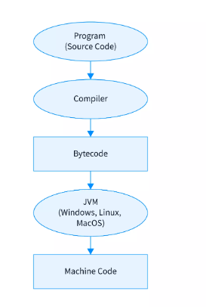 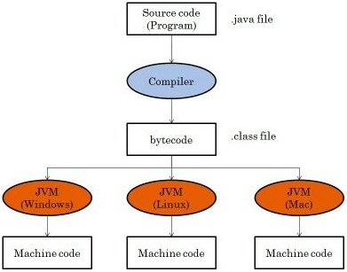

3- | What are the wrapper classes in java?
 | Wrapper classes convert the java primitives into the reference types or object. ( int->Integer, boolean->Boolean, short->Short, char->Character, etc.) Int a1=10; Integer a2=10;
 | We can wrap a primitive data type into a wrapper class object.
 | Primitive Data Types--> boolean, char, byte, short, int, long, double, float Non-Primitive Data Type--> String, Array, etc
 | 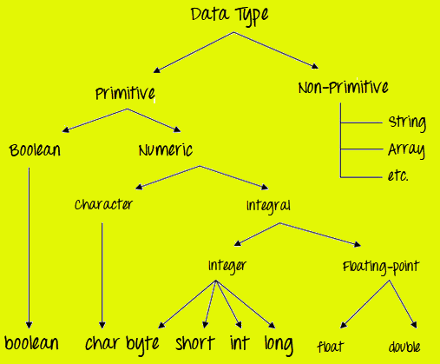

4- | Why String is immutable in java? (constant-Stable)
 | Because for the security and synchronization. When we want to change the value of any String, java creates a new string for it. Java does not change the value of an existing variable, it creates a new variable.
 | String str = "DEN"; System.out.println("1. Print: " + str); //DEN System.out.println("2. Print: " + str.replace("E", "A").toLowerCase()); //dan // When println str String, It is nothing change here. String is an immutable for security. str.replace("E", "A").toLowerCase(); System.out.println("3. Print: " + str); //DEN //Create new String and assign previous String which is "str" str = str.replace("E", "A").toLowerCase(); System.out.println("4. Print: " + str); //dan // But here, we assign new value for str String

5- | What is the Constructor in Java ?
 | Constructor is a special method that is used to initialize objects.
 | The constructor is called when a object of a class is created. * Constructor doesn't have return type. * Constructor name must be same as a class name.
 | public class JavaLife{ --> class JavaLife(){ }--> default constructor }
 | JavaLife avazeObject = new JavaLife() ; avazeObject --> object name (it is up to you) JavaLife() --> constructor

6- | Difference between Constructor and Method?
 | * Constructor doesn’t have a return type and constructor’s name must be same as the class name. * Constructors are not inherited by child classes. * Method have a return and the method’s name may or not be same as the class name. * Methods are inherited by child classes.

7- | Difference between Object and Class?
 | • Class is a blueprint or template which you can create as many objects as you like Object is a member or instance of a class. • Class is declared using class keyword, Object is created through new keyword mainly. • Object is created many times as per requirement. Class is declared once.

8- | What is the class Access Modifier?
 | public -> public can be accessed anywhere
 | protected -> It can be accessed any class in same package and, it can be accessed from different package if there is parent child relation.
 | default -> default can be accessed any classes in the same package.
 | private -> private can be accessed in same class and if you want to use it in another class you should use getter and setter methods.

9- | Types of Variables(Field) in Java
 | There are three types of variables in Java: Local, Instance and static variables.
 | Local Variable: A variable declared inside the body of the method is called local variable. A local variable cannot be defined with "static" keyword.
 | Instance Variable: A variable declared inside the class but outside the body of the method, is called an instance variable. It is not declared as static.
 | Static Variable: A variable declared inside the class and outside method. And use with static key word. Static variables are initialized only once, at the start of the execution. These variables will be initialization of any instance variable
 | class Gigi { static int aaa = 1; // static variable int data = 99; // instance variable // Method-Function: void method() { int bbb = 90; // local variable } }

10- | Global Variable in Java
 | Global variables are the variables that can be accessed anywhere in the java program. Java being a strictly object-oriented programming language doesn't have the concept of a global variable. But by using static, public and final keywords, a variable can have all the functionality of a global variable. The static modifier, in combination with the final modifier, is also used to define constants. The final modifier indicates that the value of this field cannot change.
 | Global Variable; There is no direct concept of global variable in java, but you implement the same in different number of ways. A) With the help of static keyword and public access modifier. public class GlobalVariable { public static int MAX_SIZE = 1000; public static int MIN_SIZE = 1; } Now you can access MAX_SIZE and MIN_SIZE from anywhere by calling like this globalVariable.MAX_SIZE globalVariable.MIN_SIZE B) With the help of interface public interface GlobalVariable1 { // Variable are implicitly public, static, and final int MAX_SIZE = 1000; int MIN_SIZE = 1; } Any class that needs to use these, can implement the interface. public class GlobalVariable1Demo implements GlobalVariable1{ public static void main(String[] args) { System.out.println("Max Size :"+MAX_SIZE); System.out.println("Max Size :"+MIN_SIZE); } }

 | Are Arrays of Primitive Data Types ?
 | No, In java Arrays are objects.

 | What is Array?
 | Array is a container object that holds a fixed number of values of single type.

 | How to convert ArratList to Array and Array to ArrayList
 | Arrays.asList(item); --> Array to ArrayList
 | list.toArray( new String [size]); --> ArrayList to Array

 | Difference between Arrays and ArrayList in Java?
 | • Array is a part of core Java programming and has special syntax. ArrayList is part of collection framework and implement List interface. • Major difference is that; Array is a fixed length data structure, so we can change length of Array one created, ArrayList is resizable. • The other major one is that Array can contain both primitives and objects. ArrayList can only contain objects. It cannot contain primitive types. • Also, we can compare Array and ArrayList on how to calculate length or size. We use length for an Array, we use size() method for an ArrayList.

 | What are the differences among ‘while’ and ‘do while’ loops?
 | While loop checks the condition first and then executes the statement(s), whereas do while loop will execute the statement(s) at least once, then the condition is checked.

 | What is the Difference Between String and StringBuffer
 | 1) Strint class is immutable StringBuffer class is mutable
 | 2) String is slow, StringBuffer fast

 | What is the differences between StringBuffer and StringBuilder
 | The main difference is StringBuffer is synchronized while StringBuilder is non-synchronized. That is why "StringBuilder" is faster than "StringBuffer".
 | Method; * StringBuilder str = new StringBuilder(“Hello”) * str.append(“Java”); //Hello Java * str.insert(1,“Java”);//HJavaello * str.replace(1,3,“Java”);//HJavalo * str.delete(1,3);//Hlo * str.reverse();//olleH

 | What is the Diffrence Between "equals()" and "=="
 | "equals()" method compares two strings's value not referens, and returns true if the strings are equal. "==" operator is used to compare value and referanse.

 | LEVEL - 2
 | What is OOP (oops /uuups) concept?
 | Object Oriented Programming helps to create reusable objects and methods to use whenever we need.
 | 1- Encapsulation: (Data Hiding) - We must firstly declare class's variables as a private; and then provide public getter and setter methods to access and update the value of the private variable. We don't use inheritance for encapsulation. Just create object to call. In my framework, I create pojo/bean classes for API testing and use there. Example: SSN, system just show us last 4 digits. OR Mother last name, system just show and ask first 2 letter.
 | 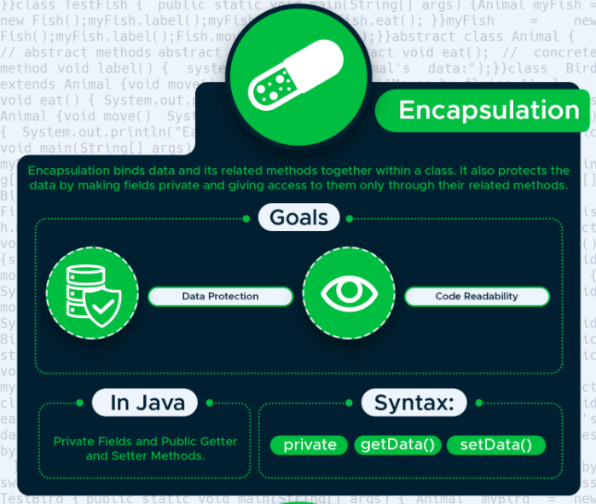
 | 2- Abstraction: (hiding the implementation details from the user but user can see functionality). Abstract class contains asbtrac and concrete (Normal) methods. And abstrac method doesn't have body but in sub-class method is implemented with @Override. We use inheritance with all class. In my framework, I use in driver class. WebDriver driver = new FirefoxDriver(); We have WebDriver interface and you know an interface is a completely abstract. And Other one; In Page Object Model design pattern, we write locators (such as id, name, xpath etc.,) and the methods in a Page Class. We utilize these locators in tests but we can’t see the implementation of the methods. Literally we hide the implementations of the locators from the tests. Example: Television, you just use on/off button function on the TV. But We don't know anything about inside TV how system is working.
 | 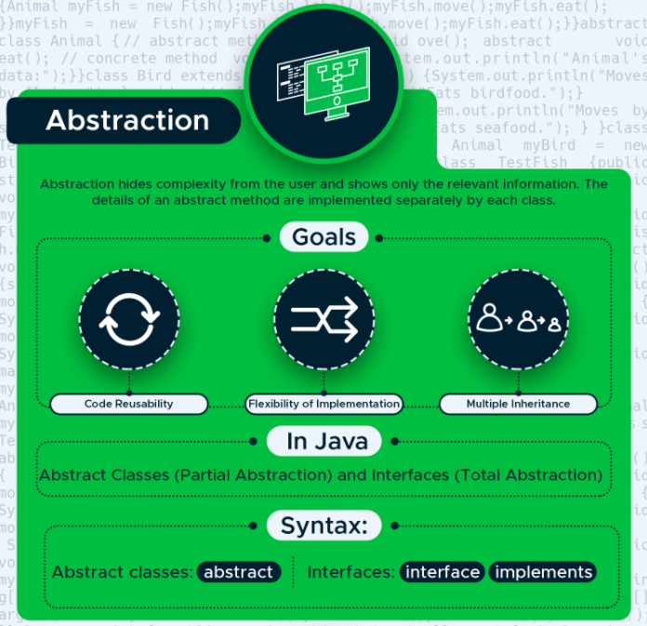
 | 3- Polymorphism: (overloading and overriding) - The methods are the ability to behave in different forms. Just use Inheritance for overriding not for overloading. Dynamic Polymorphism is Overriding and Static Polymorphism is Overloading. In my framework, I use ReusableMethods and it has wait() method. And we do overloading for different time. Or Wrapper class. For example use Integar and after "." give us method overloading. Example: A man who is husband of wife and also he is a father for children. He is same person but different responsible.
 | 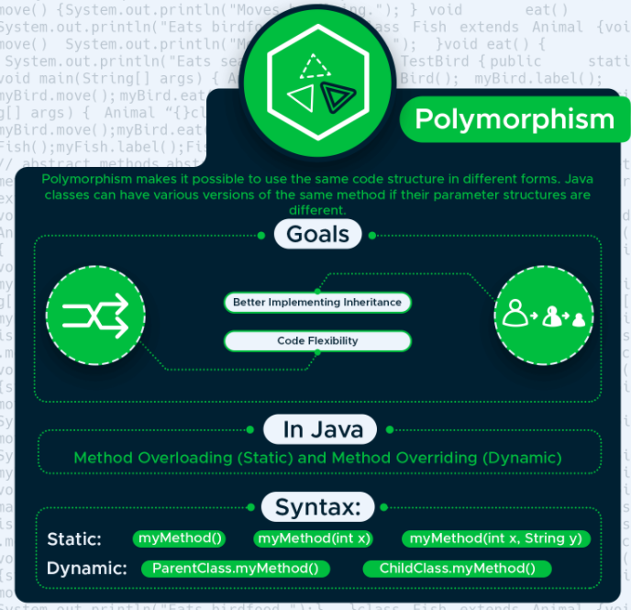
 | 4- Inheritance: (Parent-child relations) - It is used to define the relationship between two classes. In my framework, I use BasePage class with abstraction. And extends to other page classes. And also I use for baseUrl class for Api Testing in TestNG. Example: child and parent
 | 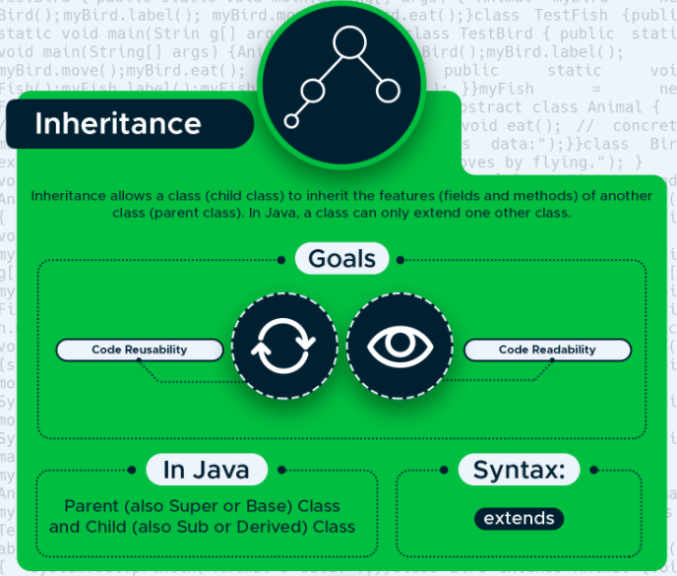

 | What is Advantages of OOP?
 | Adding new data and function is easier in OOP
 | Object oriented programming provides data hiding so it is more secure.
 | OOPs provides the ability to simulate real-world event much more effectively.
 | OOP makes it possible to create full reusable applications with less code and shorter development time.
 | OOP provides a clear structure for the programs

 | LEVEL - 3
 | this keyword and super keyword!
 | "this" key word is used to assaing variables’ value in same class. "this()" key word called other constructor in the same class. And it should be first for using!
 | "super" key word is used to assaing variables’ value from the parent class. "super()" key word is used to call constructor from the parent class.
 | "this()" and "super()" doesn't use together, because of the first run at the line.

 | What is the STATIC keyword and STATIC BLOCK?
 | The static keyword in Java is used for memory management mainly. We can apply static keyword with variables, methods, blocks and nested classes.
 | 1) If you write static key word in front of method or variable, then we can use this method or variable in another class without creating object. In my framework, I created getDriver() method with static keyword then I have used it in other classes without creating object. Like Driver.getDriver();
 | 2) The static block is a block of statement inside a Java class that will be executed when a class is first loaded into the JVM. In my framework, I use in ConfigReader class to get the data from configuration properties file.

 | What is Static Method in Java
 | Static method in Java is a method which belongs to the class and not to be object. A static method can
 | access only static data. It cannot access non-static data
 | 1) A static method can call only other static methods and can not call a non-static method from it
 | 2) A static method can be accessed directly by the class name and doesn't need any object
 | 3) A static method cannot refer to "this" or "super" keywords in anyway

 | final vs finalize vs finally ?
 | • final -> is a keyword and used to apply restrictions on class, method and variable. * final Class CAN'T be Inherited, * final Method CAN'T be Overridden, * final Variable value CAN'T be changed. • finally -> is a block and used to place important code, it will be executed whether exception handled or not. • finalize -> is a method and used to perform clean-up processing before Object is Garbage collected.

 | What is Abstract Class ?
 | We use the abstract keyword to declare an abstract class.And we cannot create objects of abstract classes.

 | What is Abstract Methods ?
 | It doesn't have its body is known as an abstract method. We use the same abstract keyword to create abstract methods.
 | If a class contains an abstract method, then the class should be declared abstract. Cannot create private or final or static abstract method

 | Difference between Abstract Class and Interface?
 | 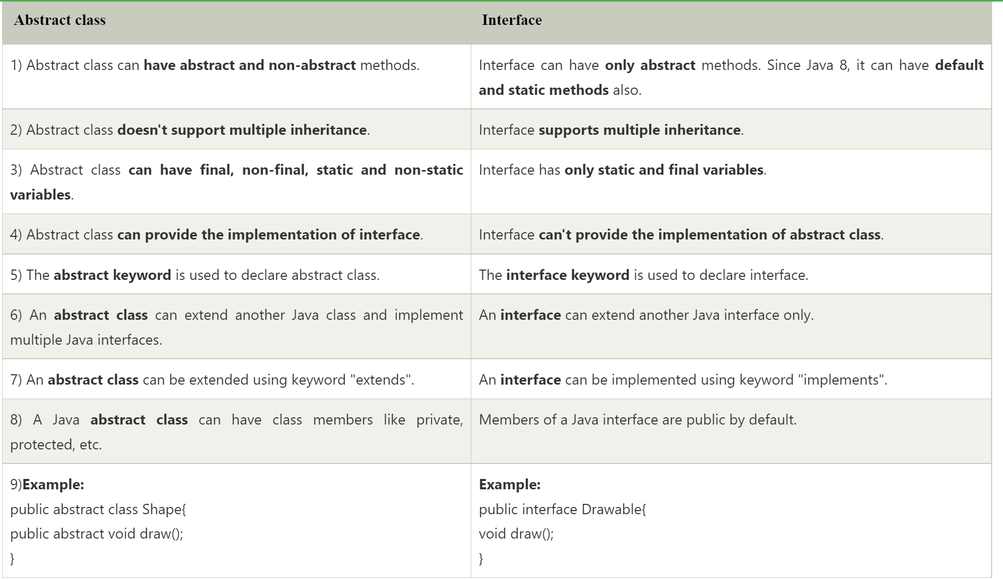

 | Difference between method Overloading and method Overriding?
 | 1) First and most important difference between overloading and overriding is that, * overloading , method name must be the same, but the parameters must be different; * overriding , method name and parameters must be same 2) Second major difference between method overloading and overriding is that; * We can overload method in the same class but method overriding occurs in two classes that have inheritance relationship. 3) In method overloading , return type can be same or different. In method overriding , return type must be same type.
 | 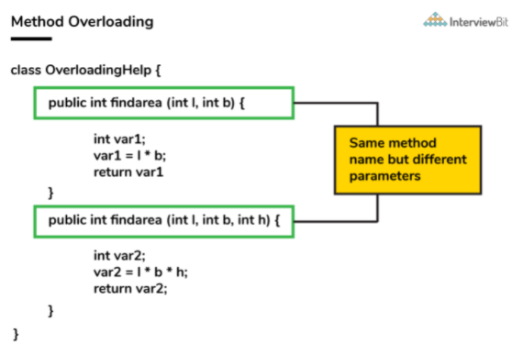
 | 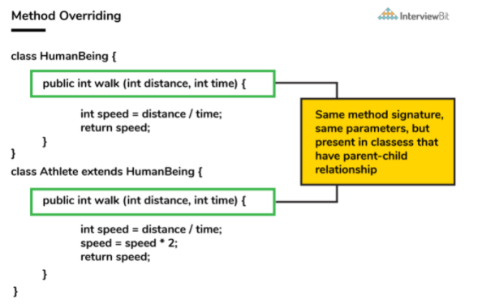

 | Is it possible to overloaded main() methods in Java ?
 | Yes we can overload the main() method which is static. But It is not running. And Main method can be overloading but it CANNOT be override.
 | 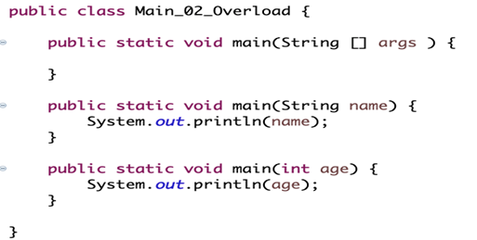

 | What is the meaning Exceptions in Java ?
 | If we are running something and our script has problems we call it an exception. We have 2 types of exceptions. Runtime Exception and Compile Time Exception.

 | How would you handle Exception?
 | I would use try-catch approach to handle the Exception. 1) I would put my code that might generate an exception inside a try-catch block. 2) I can also use throws keyword. BUT it does mean that anyone that calls my method now needs to handle it too!

 | Can we keep other statements in between try, catch and finally blocks ?
 | No, We shouldn't write and other statements in between try, catch and finally blocks.
 | 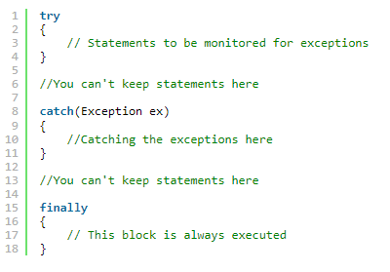

 | Can we write only try block without catch and finally blocks ?
 | No. it shows compilation error. Try block must be followed by either catch or finally block. You can remote either catch block or finally block but not all of them both.

 | What is the Base Class of all Exception Classes ?
 | Java.lang.Throwable is the superclass of all exception classes, and all exception classes are derived from this base class. Throwable has two subclasses; Error and Exception.

 | Difference between Error and Exception in Java?
 | • Both Error and Exception are from Throwable in Java. • Error represent errors which are generally cannot be handled. For examples: OutOfMemoryError, NoClassDefFoundError. • On the other hand, Exception represent errors which can be catch and dealt. For examples: IOException, NullPointerException • Exception is divided in two categories checked and unchecked Exception. Checked Exception require a mandatory try-catch code block to handle it. Unchecked Exception mostly represent programming errors (NullPointerException or RuntimeException) • In general Errors are which nobody can control or guess when it happened, on the other hand Exception can be guessed and can be handled.
 | 1) Checked Exceptions-Compile Exception: * FileNotFoundException * ClassNotFoundException * IOException * SQLException * InstantiationException * InterruptedException
 | 2) Unchecked Exceptions-Runtime Exception: * NullPointerException * ArrayIndexOutOfBoundsException * ArithmeticException * ClassCastException * ArrayStoreException * IllegalThreadStateException
 | 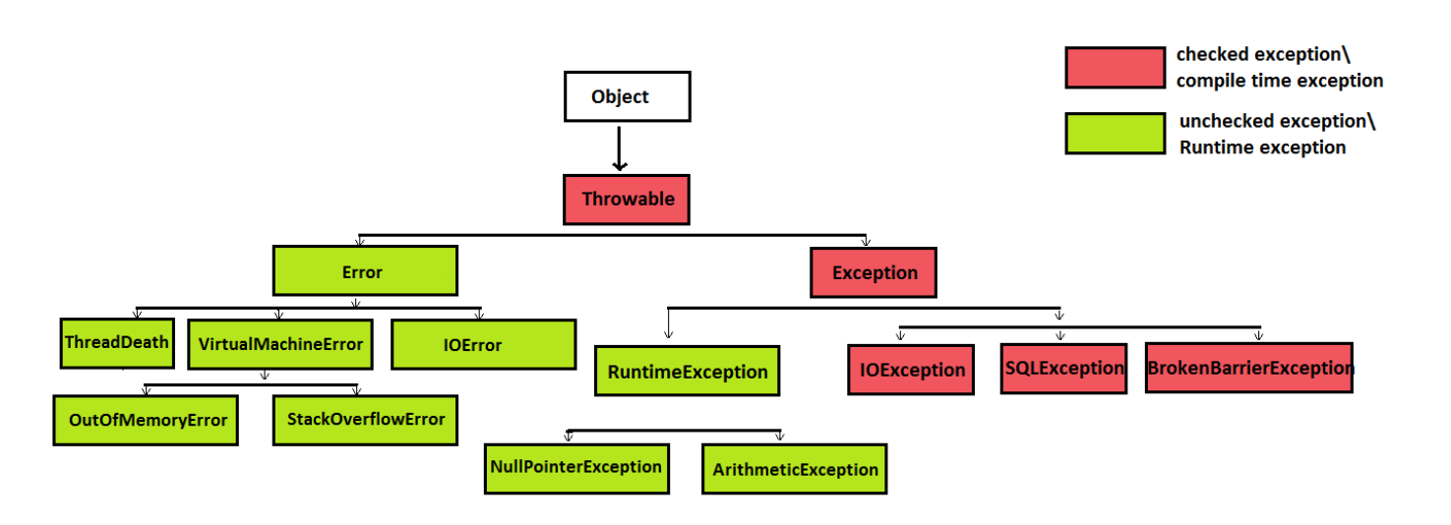

 | Difference between RuntimeException and CheckedException in Java?
 | • Exception are divided in two categories Runtime (unchecked) Exception and CheckedException. • Main difference between RuntimeException and CheckedException is that, it is mandatory to provide try-catch to handle CheckedException while in case of RuntimeException is not mandatory. • Some of the most common Checked Exceptions: ClassNotFoundException, IOException, SQLException, FileNotFoundException • Some of the most common Unchecked Exceptions: ArithmeticException, NullPointerException, ArrayIndexOutOfBoundsException, ArrayStoreException
 | EXTRA: * First I want to remind that Java Exceptions are divided in two categories RuntimeException also known as unchecked Exception and checked (compile time) Exception. * Main difference between RuntimeException and checked Exception is that, It is mandatory to provide try catch or try finally block to handle checked Exception and failure to do so will result in compile time error, while in case of RuntimeException this is not mandatory. * Some of the most common Exception like NullPointerException, ArrayIndexOutOfBoundException are unchecked and they are descended from java.lang.RuntimeException. * Popular example of checked Exceptions are ClassNotFoundException and IOException and that's the reason you need to provide a try catch finally block while performing file operations in Java as many of them throws IOException. * If you I ask my personal opinion, I think Checked Exceptions makes our code code UGLY by adding boiler plate code in for of try-catch finally block.

 | Difference between throw and throws in Java?
 | • Both of them are two keywords related to Exception feature of Java. • throw keyword is used inside to method body. Like -> throw new IOException("Unable to shutdown"); • throws is used in method signature to declare the exception which means it works similar to the try--catch block. Like -> public void shutdown() throws IOException{} • In other words; throw keyword can also be used to break a switch statement without using break keyword.

 | What is ArrayIndexOutOfBoundsException in Java ? When it occurs ?
 | ArrayIndexOutOfBoundsException is a run time exception which occurs when your program tries to accesss invalid index of an array negative index or unde higher than the size of the array.

 | What is Iterator and difference between for each loop?
 | • Iterator works with ArrayList and not array. • It will help us Iterate through the elements. • Difference is with iterator you can make changes(remove item) to the list while iterating.
 | There has a Iterator (mean base) and ListIterator (Advanced).
 | ArrayList<String> name = new ArrayList<>(); name.add("john"): name.add("Joe"): Iterator iterator = name.iterator(); System.out.println(iterator.hasNext())://check do we have next name on the list

 | Difference between Set, List and Map in Java?
 | Set, List and Map are 3 important interface of Java collection framework.
 | List --> List is an ordered collection that can contain duplicate elements. In Framework: findelements() kullaniyorum. List<WebElement> all = Driver.findElements(By.name"");
 | Set --> Set is a un-ordered collection that having no duplicate elements. In Framework: WindowHandles() method da kullaniyorum.
 | Map --> It is an object which maps keys to values. It cannot contain dublicate keys.

 | What is thread safe or Synchronized?
 | • Thread safety is very important, and it is the process to make our program safe to use in multi-threaded environment. • Synchronization is the easiest and most widely used tool for thread safety. • JVM guarantees that synchronized code will be executed by only one thread at a time. • JAVA keyword synchronized is used to create synchronized code and internally it uses locks on Object or Class to make sure only one thread is executing the synchronized code. • We can use synchronized keyword in two ways, one is to make a complete method synchronized and other way is to create synchronized block.

 | Difference between Hashtable and HashMap in Java?
 | There are several differences between HashMap and Hashtable in Java: • Hashtable is synchronized, whereas HashMap is not. • Hashtable does not allow null keys or values. HashMap allows one null key and any number of null values. • Both Hashtable and HashMap implements Map interface and both are Key and Value.

 | TreeSet vs TreeMap
 | • TreeSet: Can contain only unique values. • TreeMap: Can contain only unique keys. *Both of them are sorted in accending order.

 | What is system.gc()?
 | A request to JVM to run Garbage collector to free up memory. And It doesn't always work.

 | What's the difference between IS-A and HAS-A relationship?
 | • IS-A is based on inheritance. • HAS-A relationships are based on usage.
 | IS-A: Extend yaptigimizda olur. ornegin, mercedes classi araba classini miras aldiginda, o zaman mercedesde bir araba oluyor. Yani "Mercedes IS-A Araba1" -> Bir class dan nesne olusturdugumuzda, o class miras aldigi diger classin ozelliklerini tasidigi icin ona "is-a" deriz. HAS-A: Bir nesnenin icerisinde baska bir nesne olurturma olayina deriz. Mercedes has a motor. Ozetle: is-a -> Bir class'in baska bir classi miras almasina denir has-a -> Bir nesnenin icerisinde baska bir nesne bulunmasina denir.

 | Do you use Collection in you framework?
 | Yes, I use it.
 | SET: I use for windowhandles. Because SET is not duplicate it. And in SET, data random save it. It is not calling with index number. Windowhandles return type is String.
 | LIST: I use in findElements. Return type is List of WebElement. "findElement" is return type WebElement. List has duplicate and we can call with index number.

 | What the "Map" ?
 | In map, key is not duplicate but value can be duplicated. We cannot use primitive data type.
 | In my framework, I use for deserialization and serialization.
 | Map<String, Object> map1 = response.as(HashMap.class);

 | Difference between Collection and Collections
 | Collection:
 | * It is an interface in Java collection framework. * It doesn't has all static methods.
 | Collections:
 | * It is a utility class in Collection framework. * It has all static method.

 | Java Collection Framework
 | There are Two types of Collection. First; SET / LIST. Second; Map A) java.util.Collection - interface from Set and List extend (not implement) 1) SET (Unique things): DOES NOT ALLOW DUPLICATES. * HashSet -> Unordered and Unsorted * LinkedHashSet -> Ordered * SortedSet * TreeSet -> Elements will be in ascending order, according to the natural order of the elements 2) LIST (list of things): Cares about the index. * ArrayList -> Fast iteration and Fast random access and ordered(by index). * LinkedList -> Ordered by index position and elements are doubly-linked to one another * Vector -> Same as ArrayList BUT vector methods are synchronized (thread-safe) Also unsorted (but can invoke Collections.sort() to sort it) B) java.util.Collections - a class that holds static utility methods for use with collections; Includes add, remove, contains, size, and iterator, etc. 1) Map (things with unique ID): Important is none of the Map-related classes and interfaces extend form Collection. The implementation classes of Map are thought of “collections”, not Collection. *HashMap -> Unsorted and Unordered & Allows one null KEY and multiple null values in a collection * Hashtable -> Same as HashMap BUT HashTable methods are synchronized. (REMEMBER. ONLY METHODS ARE SYNCHRONIZED, NOT CLASSES OR VARIABLES). Hashtable doesn't let you have anything NULL(NO NULLS AT ALL) * LinkedHashMap -> Slower than HashMap for adding/removing elements but FASTER ITERATION * SortedMap -> TreeMap

 | What is Multi-Threading ?
 | Multi-threading is a programming concept used to run multiple tasks same time.

 | Java use Pointers or not?
 | No. Java doesn’t have pointers; Java has references. Instead of pointers, references are used in Java as they are safer and more secure when compared to a pointer.

 | What is an Anonymous Class ?
 | The class defined without a name in a single line of code using new keyword is known as an anonymous class.

 | What is static binding vs dynamic/runtime binding?
 | Binding means like a connection or join.
 | Static binding is overloading, and dynamic binding is method overriding.
 | Static Binding: -> Early Binding * Happens at Compile time * Speed is high * Ex. Method Overloading Dynamic Binding: -> Late Binding * Happens at Runtime * Speed is low * Ex. Method Overriding */ //Static Binding Elma2 meyveX = new Elma2(); meyveX.isim(); //Dynamic Binding : Meyve clasindan meyve nesnesi olurtirduk ama Elma Constr.'dan Meyve2 meyve = new Elma2(); meyve.isim();

