dasboard
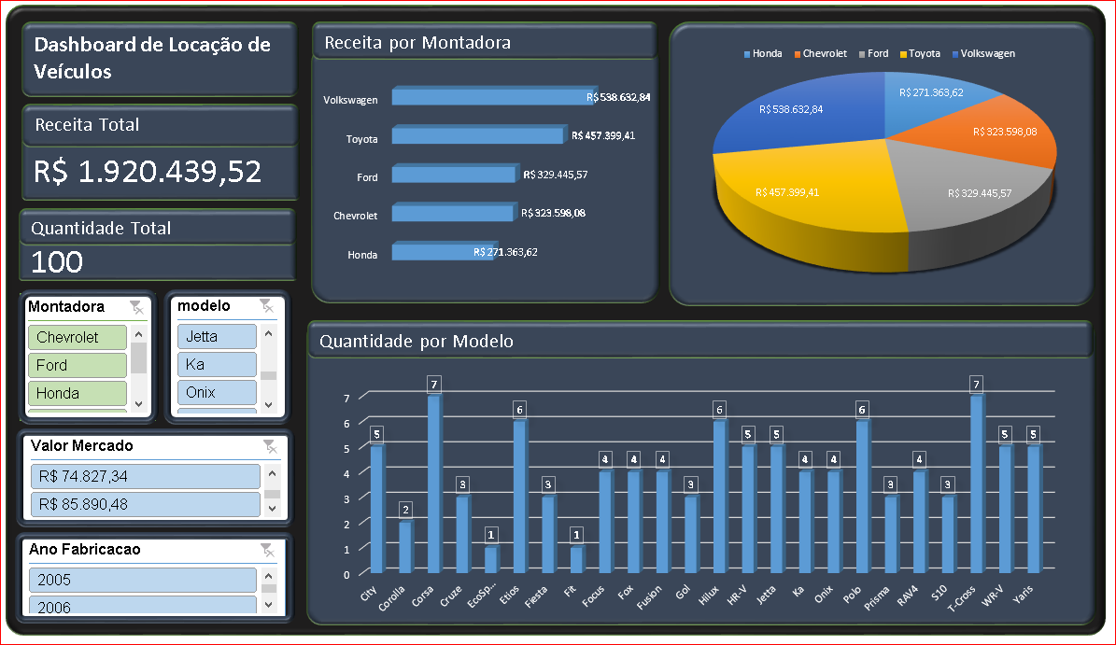
Dashboard de Locação de Veículos
Receita por Montadora
 | Total
Honda | R$ 271,363.62
Chevrolet | R$ 323,598.08
Ford | R$ 329,445.57
Toyota | R$ 457,399.41
Volkswagen | R$ 538,632.84
 | Total
Honda | R$ 271,363.62
Chevrolet | R$ 323,598.08
Ford | R$ 329,445.57
Toyota | R$ 457,399.41
Volkswagen | R$ 538,632.84

Receita Total

R$ 1.920.439,52

Quantidade Total

100

Quantidade por Modelo

 | Total
City | 5
Corolla | 2
Corsa | 7
Cruze | 3
EcoSport | 1
Etios | 6
Fiesta | 3
Fit | 1
Focus | 4
Fox | 4
Fusion | 4
Gol | 3
Hilux | 6
HR-V | 5
Jetta | 5
Ka | 4
Onix | 4
Polo | 6
Prisma | 3
RAV4 | 4
S10 | 3
T-Cross | 7
WR-V | 5
Yaris | 5

