Model_inventory
Direct Air Capture Energy consumption for 1 kg of CO2 capture (Policy as Usual (PAU) scenaro adapted)
Year | Capacity (Million tonnes/year) | DAC-Electricity (kWh) | DAC-Energy consumption (heat, MJ) |  |  |  | Capacity | Electricity | Heat | Diff check
2020 | 0.01 | 0.345 | 6.28 | Del x | Del y | Slope | 0.01 | 0.345 | 6.28
2025 | 8.33 | 0.319 | 5.81 | 30 | 49.99 | 1.6663333333 | 0.02 | 0.336 | 6.123 | 0.025
2030 | 16.66 | 0.311 | 5.67 |  |  |  | 0.04 | 0.328 | 5.970 | 0.025
2035 | 25.00 | 0.307 | 5.58 |  |  |  | 0.08 | 0.320 | 5.821 | 0.025
2040 | 33.33 | 0.304 | 5.53 |  |  |  | 0.16 | 0.312 | 5.675 | 0.025
2045 | 41.66 | 0.301 | 5.48 | Learning rate | 2.5% |  | 0.32 | 0.304 | 5.533 | 0.025
2050 | 50.00 | 0.299 | 5.44 | Fraction | 0.025 |  | 0.64 | 0.296 | 5.395 | 0.025
 |  |  |  |  |  |  | 1.28 | 0.289 | 5.260 | 0.025
 | Max reduction | 13.3% | 13.3% | Learning | Y = aXb | log Y = a + b (log X) | 2.56 | 0.282 | 5.129 | 0.025
 |  |  |  | Y | Unit cost of technology |  | 5.12 | 0.275 | 5.000 | 0.025
 |  |  |  | X | Cumulative installed capacity |  | 10.24 | 0.268 | 4.875 | 0.025
Projected installed DAC capacity till 2050
 |  |  |  | a | Cost of first unit |  | 20.48 | 0.261 | 4.753 | 0.025
 |  |  |  | b | Learning elasticity |  | 40.96 | 0.255 | 4.635 | 0.025
 |  |  |  | 1-2b | Learning rate |  | 81.92 | 0.248 | 4.519 | 0.025

 |  |  |  | 1-2b | 0.025 |  | 833.16666667
 |  |  |  | 2b | 0.975 |  | 0.26985893637
 |  |  |  | b | -0.036525876025

References
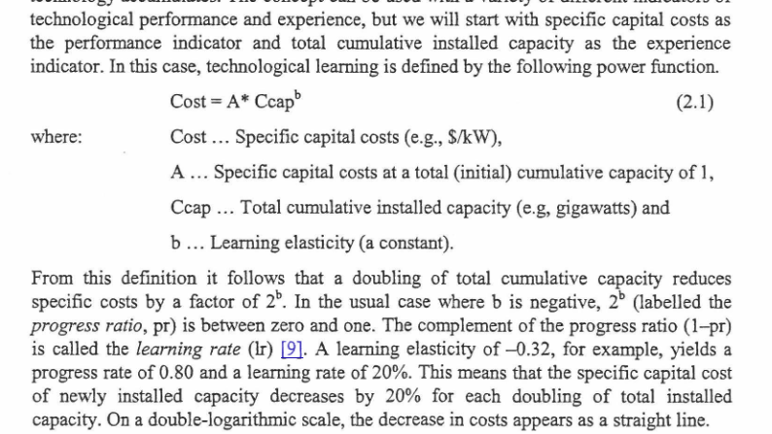
Learning rate:
https://pure.iiasa.ac.at/id/eprint/6787/1/RR-03-002.pdf

