MLB Phillies @ Royals
Philadelphia Phillies @ Kansas City Royals
MLB · 2026-07-06 · L5 window

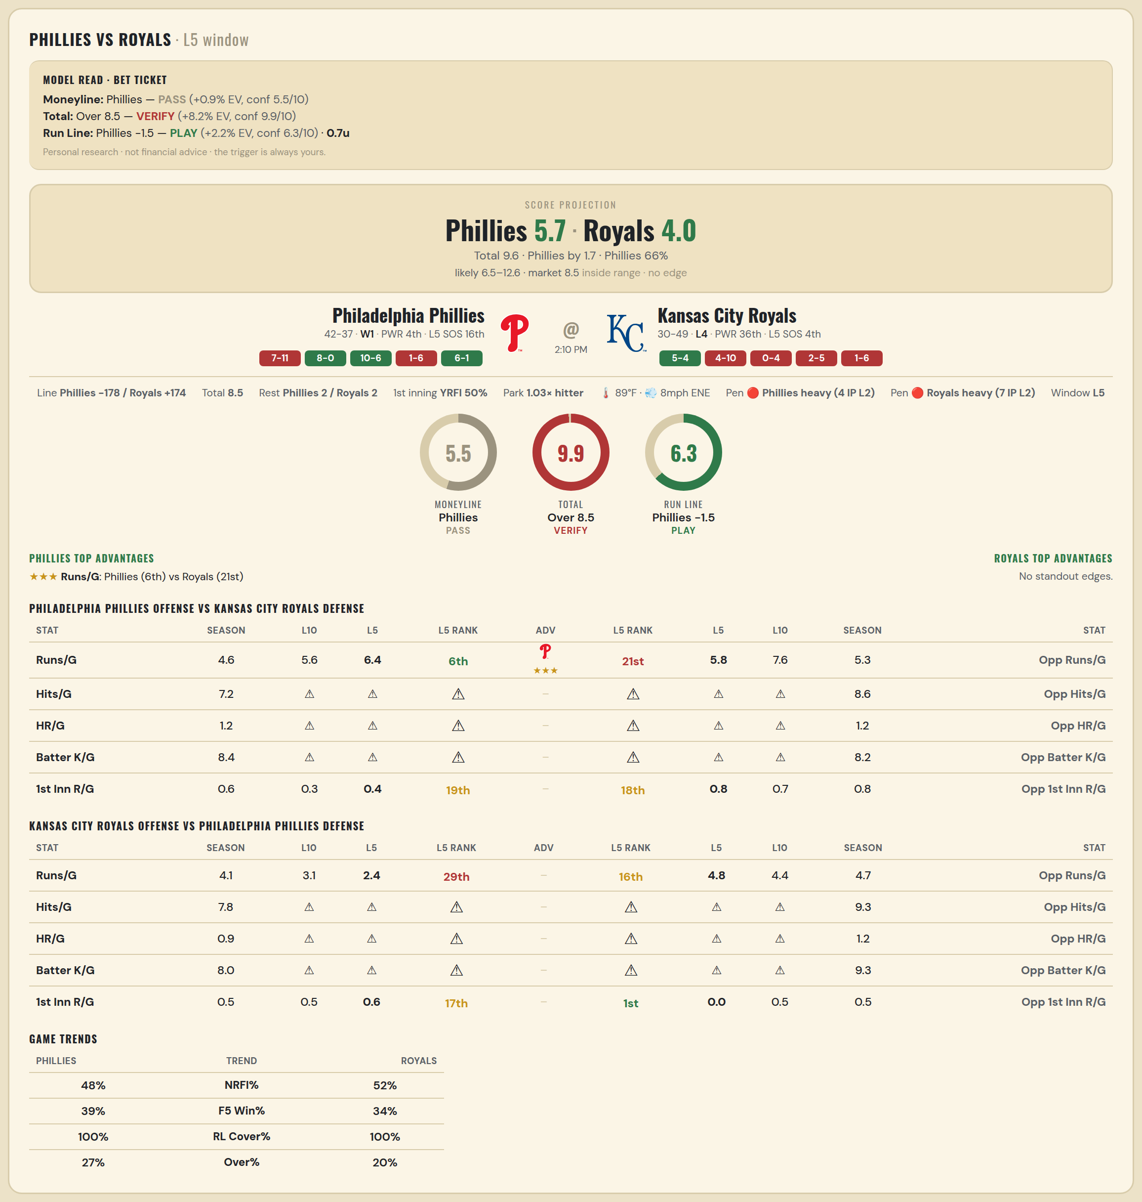

Philadelphia Phillies offense vs Kansas City Royals defense
Stat | A Season | A L30 | A L20 | A L15 | A L10 | A L5 | A Rk | Adv | H Rk | H L5 | H L10 | H L15 | H L20 | H L30 | H Season | Opp stat
Runs/G | 4.595 | 5.667 | 6.2 | 6.4 | 5.6 | 6.4 | 6th | ★★★ | 21st | 5.8 | 7.6 | 6.8 | 6.65 | 5.733 | 5.266 | Opp Runs/G
Hits/G | 7.234 | 9 | — | — | — | — | — |  | — | — | — | — | — | 5 | 8.604 | Opp Hits/G
HR/G | 1.213 | 1 | — | — | — | — | — |  | — | — | — | — | — | 2 | 1.25 | Opp HR/G
Batter K/G | 8.426 | 5 | — | — | — | — | — |  | — | — | — | — | — | 11.5 | 8.208 | Opp Batter K/G
1st Inn R/G | 0.566 | 0.5 | 0.6 | 0.467 | 0.3 | 0.4 | 19th |  | 18th | 0.8 | 0.7 | 1 | 1.2 | 0.9 | 0.816 | Opp 1st Inn R/G

Kansas City Royals offense vs Philadelphia Phillies defense
Stat | A Season | A L30 | A L20 | A L15 | A L10 | A L5 | A Rk | Adv | H Rk | H L5 | H L10 | H L15 | H L20 | H L30 | H Season | Opp stat
Runs/G | 4.089 | 4.767 | 4.75 | 4.6 | 3.1 | 2.4 | 29th |  | 16th | 4.8 | 4.4 | 4.533 | 4.7 | 4.467 | 4.747 | Opp Runs/G
Hits/G | 7.792 | 9 | — | — | — | — | — |  | — | — | — | — | — | 7 | 9.319 | Opp Hits/G
HR/G | 0.896 | 1.5 | — | — | — | — | — |  | — | — | — | — | — | 1 | 1.17 | Opp HR/G
Batter K/G | 8.021 | 9 | — | — | — | — | — |  | — | — | — | — | — | 12 | 9.277 | Opp Batter K/G
1st Inn R/G | 0.461 | 0.833 | 0.75 | 0.6 | 0.5 | 0.6 | 17th |  | 1st | 0 | 0.5 | 0.533 | 0.55 | 0.533 | 0.513 | Opp 1st Inn R/G

MLB Yankees @ Rays
New York Yankees @ Tampa Bay Rays
MLB · 2026-07-06 · L5 window

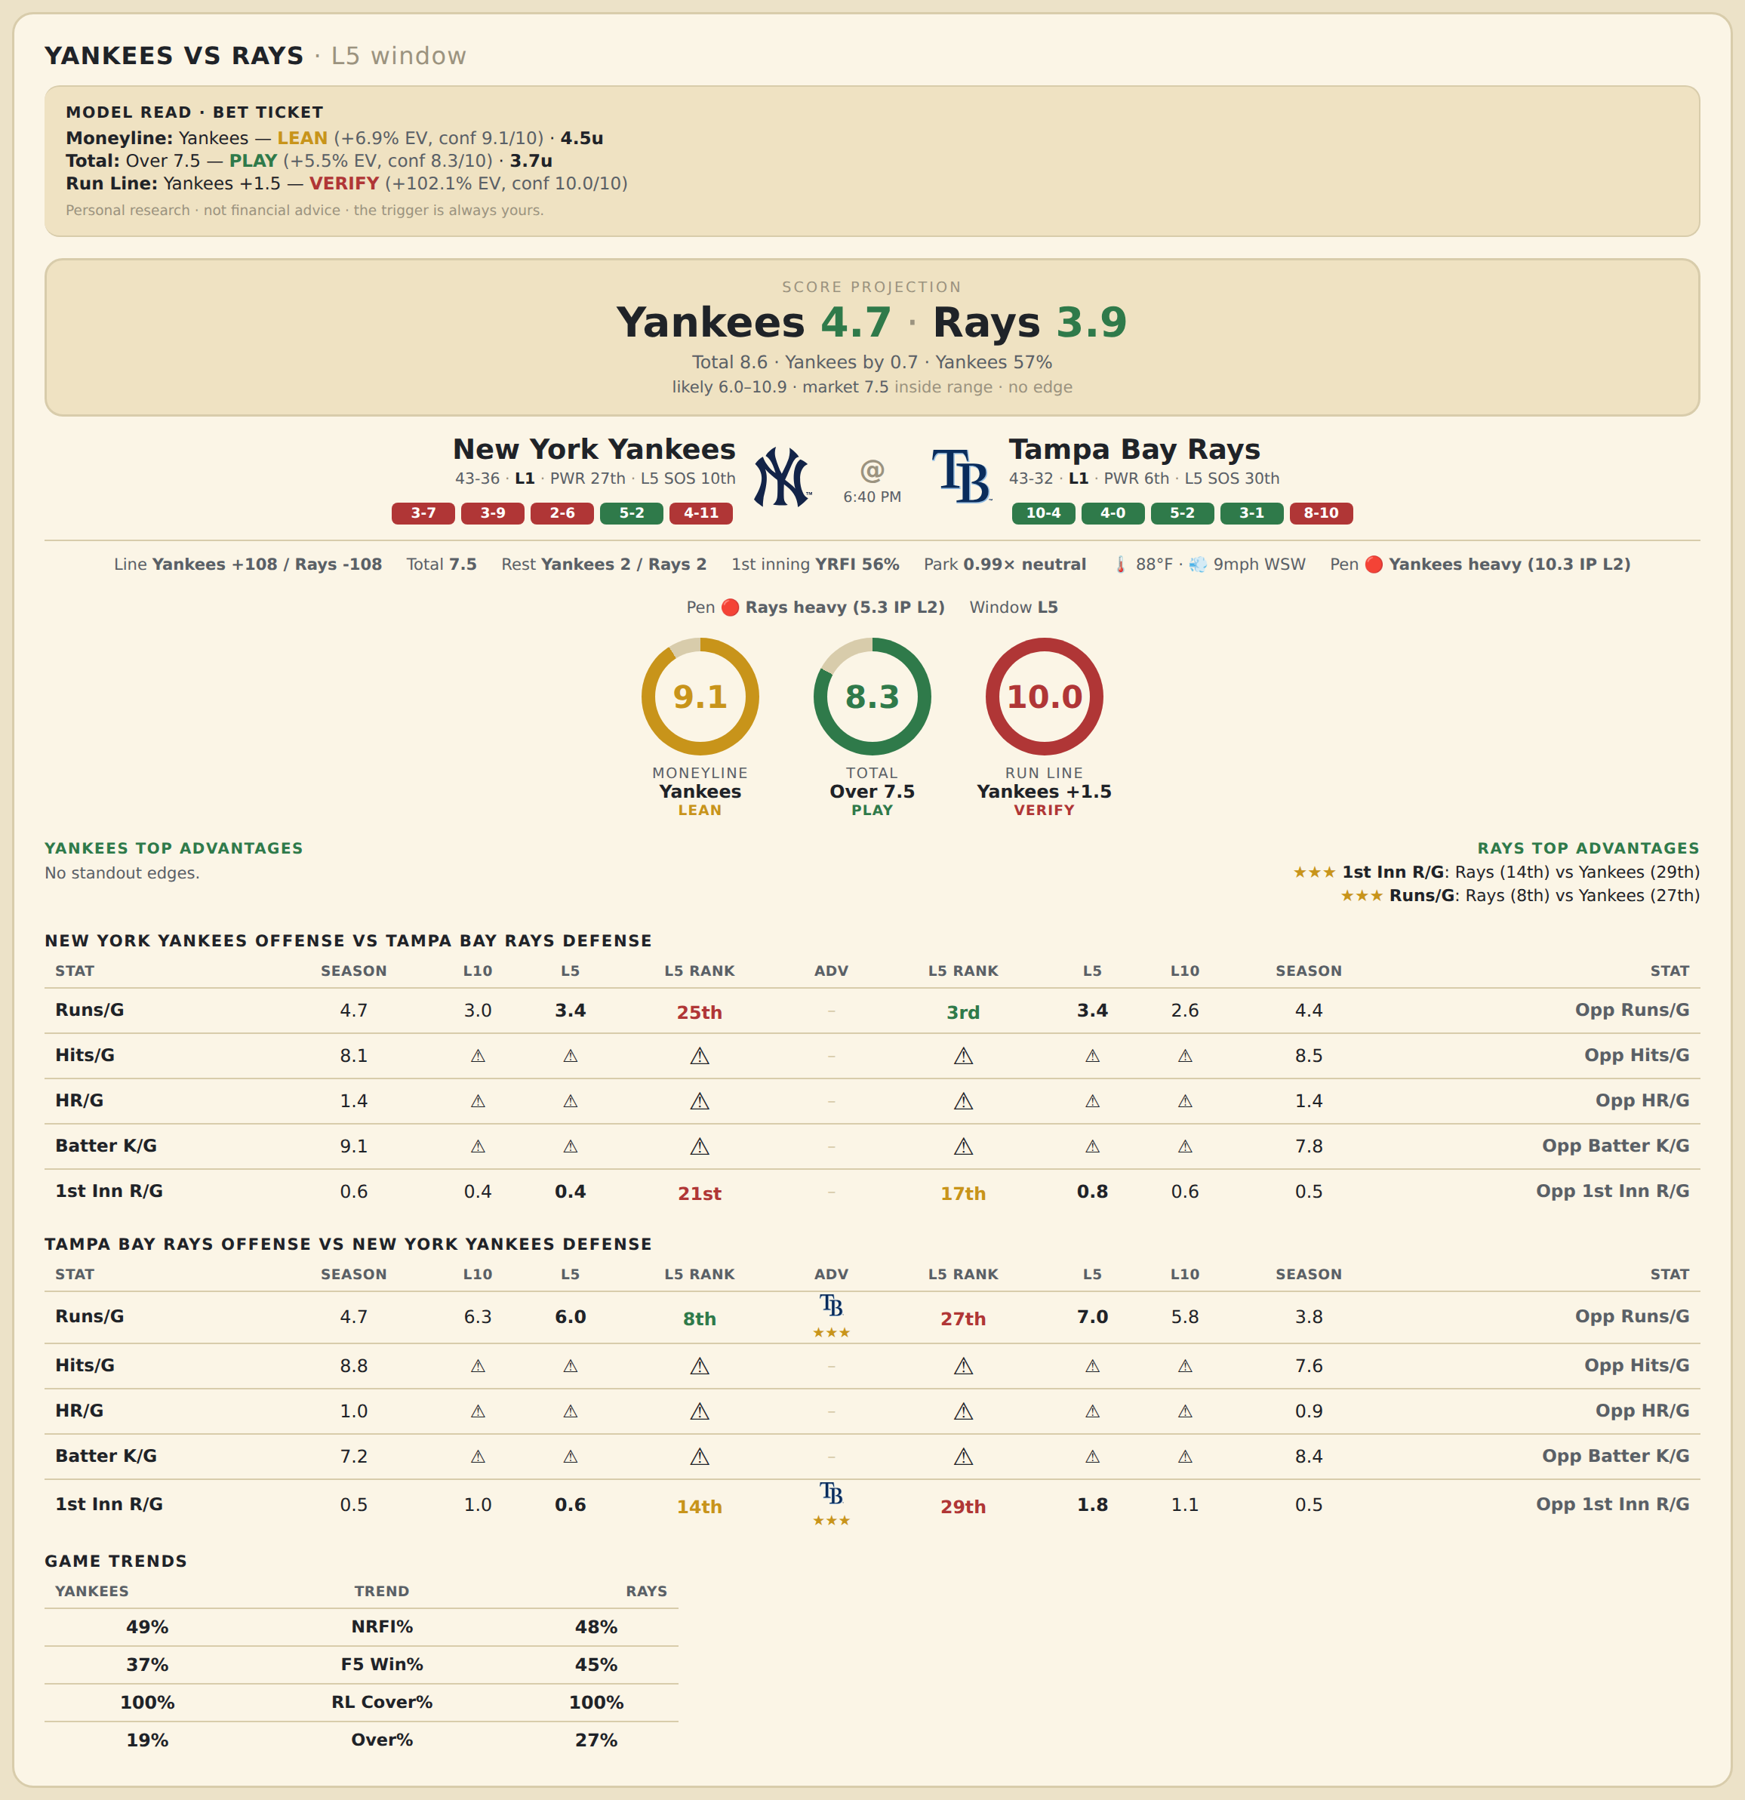

New York Yankees offense vs Tampa Bay Rays defense
Stat | A Season | A L30 | A L20 | A L15 | A L10 | A L5 | A Rk | Adv | H Rk | H L5 | H L10 | H L15 | H L20 | H L30 | H Season | Opp stat
Runs/G | 4.734 | 4.467 | 3.95 | 3 | 3 | 3.4 | 25th |  | 3rd | 3.4 | 2.6 | 3.267 | 3.5 | 3.867 | 4.427 | Opp Runs/G
Hits/G | 8.109 | 9.5 | — | — | — | — | — |  | — | — | — | — | — | 12 | 8.467 | Opp Hits/G
HR/G | 1.413 | 0.5 | — | — | — | — | — |  | — | — | — | — | — | 4 | 1.444 | Opp HR/G
Batter K/G | 9.13 | 10.5 | — | — | — | — | — |  | — | — | — | — | — | 7 | 7.778 | Opp Batter K/G
1st Inn R/G | 0.622 | 0.333 | 0.35 | 0.333 | 0.4 | 0.4 | 21st |  | 17th | 0.8 | 0.6 | 0.533 | 0.4 | 0.5 | 0.507 | Opp 1st Inn R/G

Tampa Bay Rays offense vs New York Yankees defense
Stat | A Season | A L30 | A L20 | A L15 | A L10 | A L5 | A Rk | Adv | H Rk | H L5 | H L10 | H L15 | H L20 | H L30 | H Season | Opp stat
Runs/G | 4.733 | 4.467 | 4.8 | 5.4 | 6.3 | 6 | 8th | ★★★ | 27th | 7 | 5.8 | 5.333 | 4.8 | 4.8 | 3.835 | Opp Runs/G
Hits/G | 8.778 | 6 | — | — | — | — | — |  | — | — | — | — | — | 12 | 7.609 | Opp Hits/G
HR/G | 0.956 | 1 | — | — | — | — | — |  | — | — | — | — | — | 1.5 | 0.913 | Opp HR/G
Batter K/G | 7.244 | 9 | — | — | — | — | — |  | — | — | — | — | — | 9 | 8.435 | Opp Batter K/G
1st Inn R/G | 0.548 | 0.633 | 0.7 | 0.8 | 1 | 0.6 | 14th | ★★★ | 29th | 1.8 | 1.1 | 0.733 | 0.6 | 0.633 | 0.514 | Opp 1st Inn R/G

MLB Astros @ Nationals
Houston Astros @ Washington Nationals
MLB · 2026-07-06 · L5 window

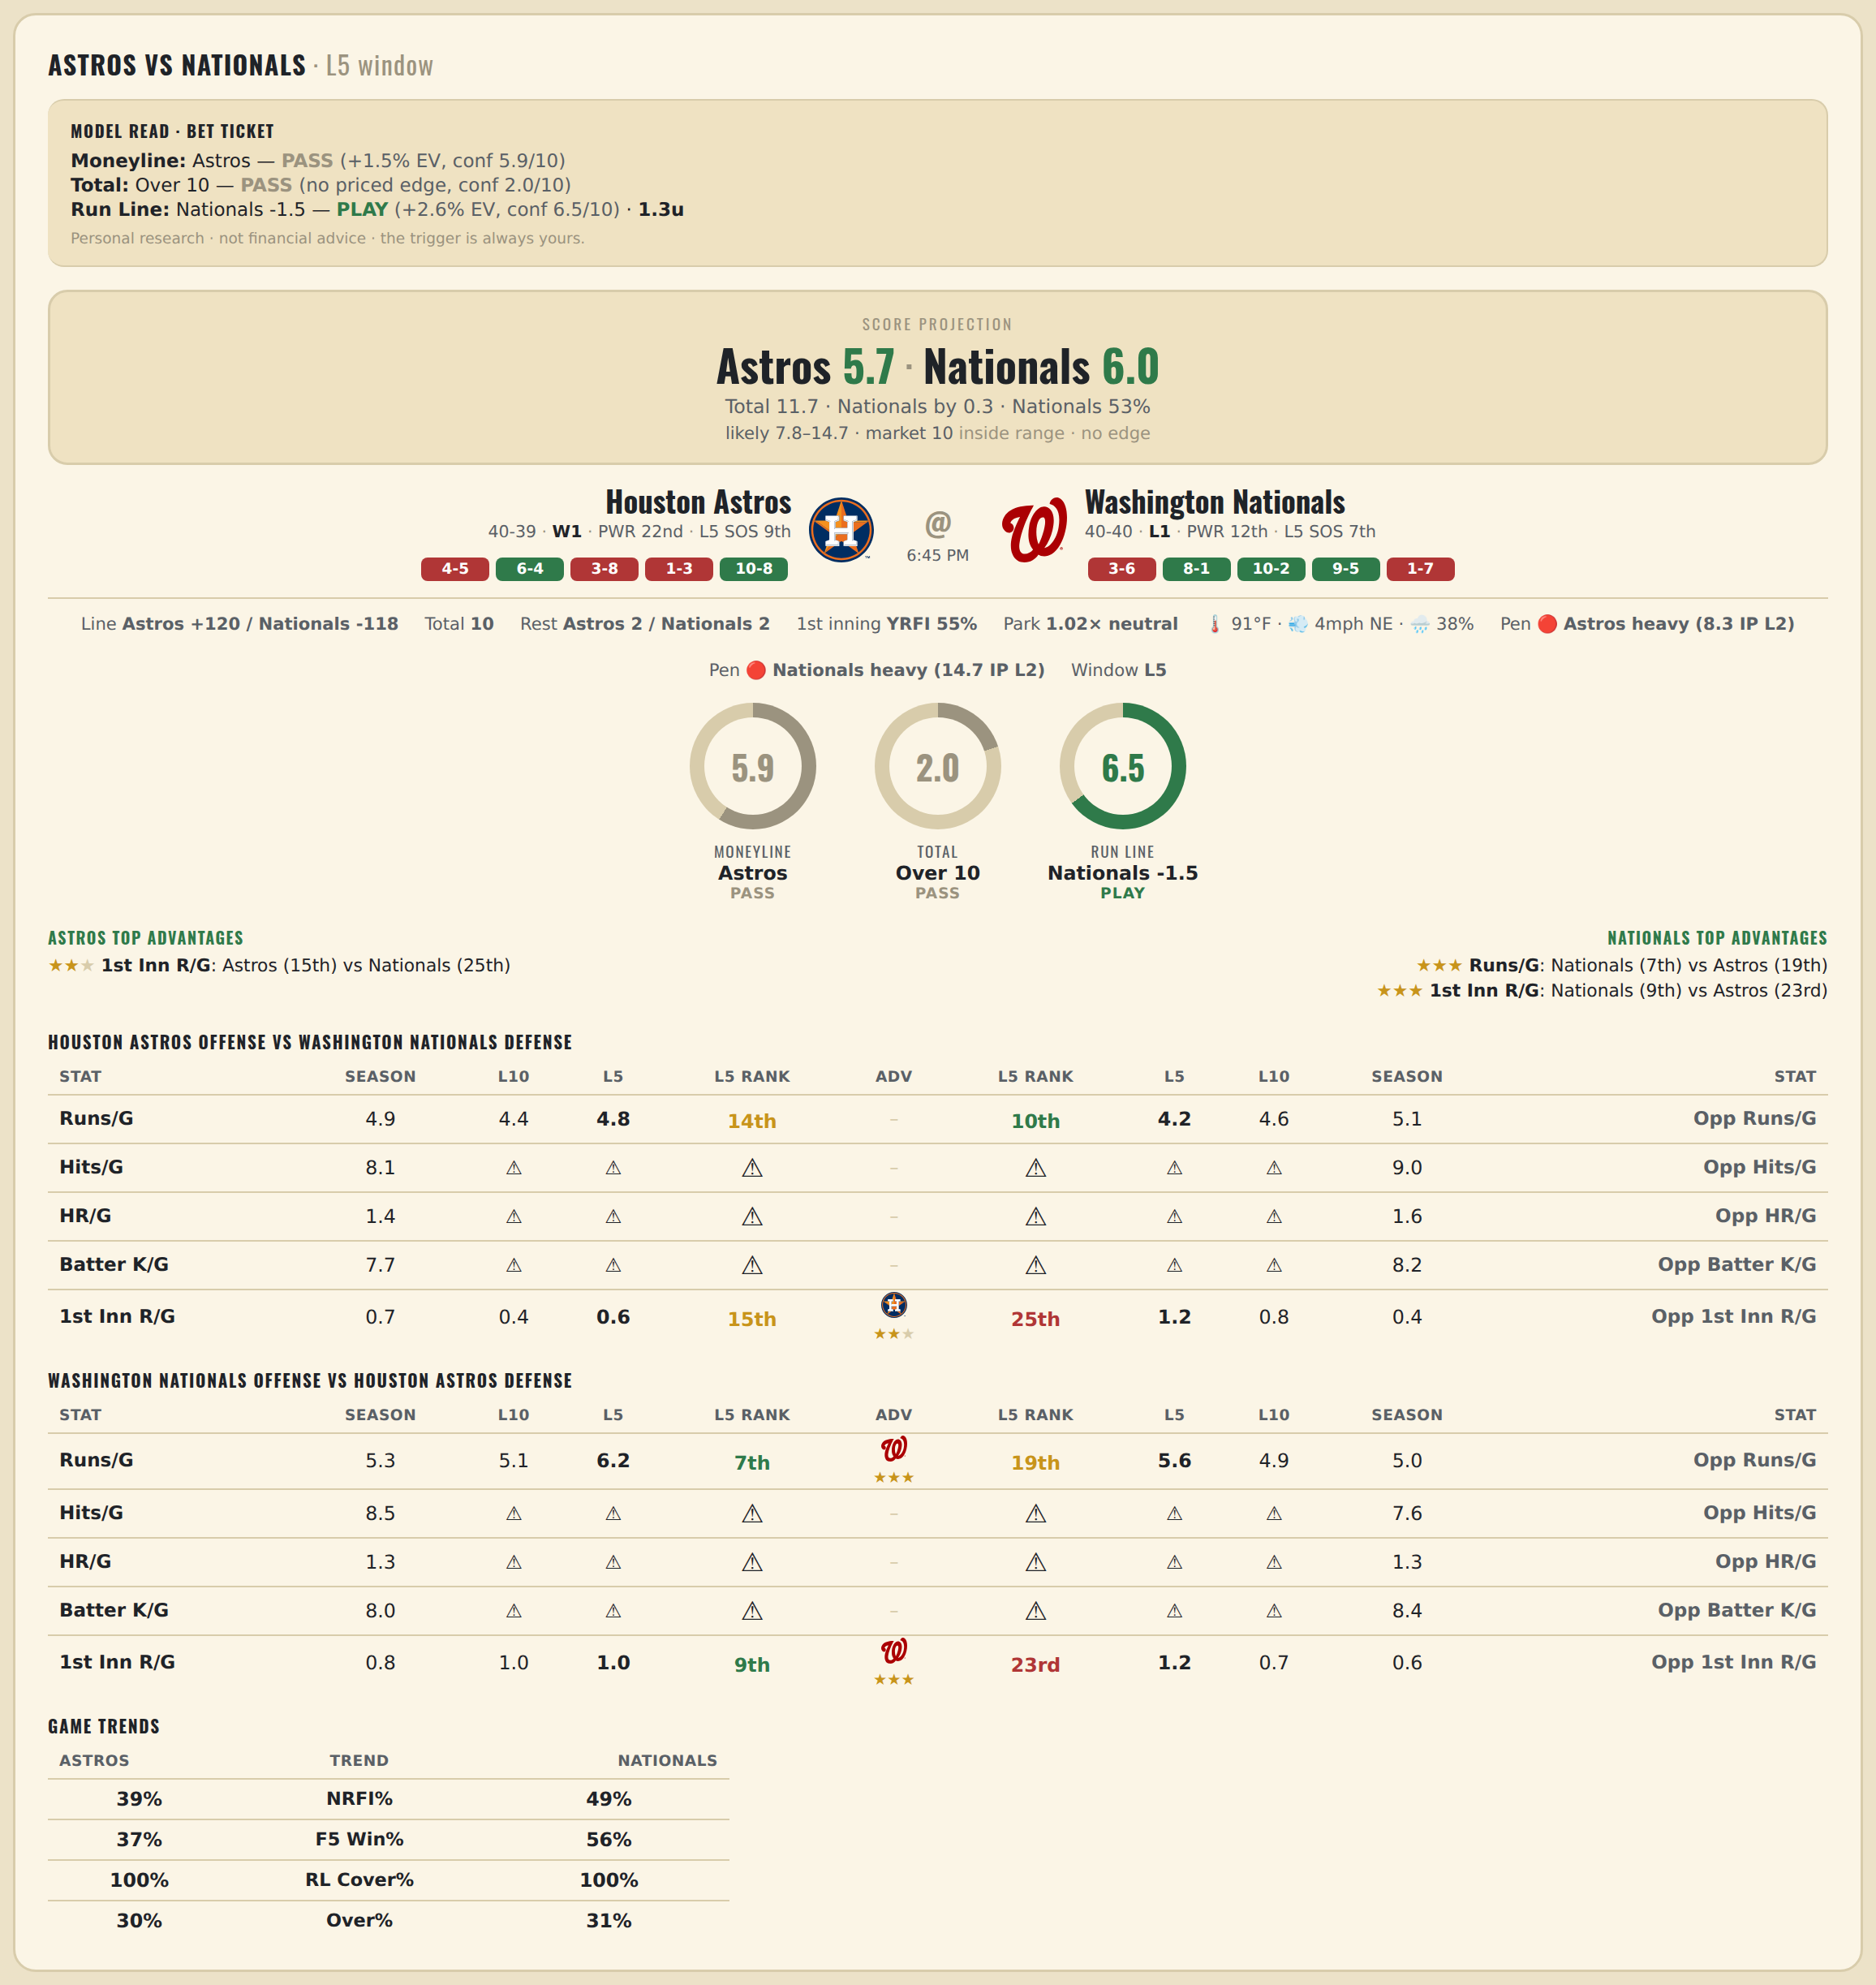

Houston Astros offense vs Washington Nationals defense
Stat | A Season | A L30 | A L20 | A L15 | A L10 | A L5 | A Rk | Adv | H Rk | H L5 | H L10 | H L15 | H L20 | H L30 | H Season | Opp stat
Runs/G | 4.873 | 4.667 | 4.3 | 4.467 | 4.4 | 4.8 | 14th |  | 10th | 4.2 | 4.6 | 4.867 | 4.5 | 4.733 | 5.125 | Opp Runs/G
Hits/G | 8.083 | 8 | — | — | — | — | — |  | — | — | — | — | — | 9 | 9.04 | Opp Hits/G
HR/G | 1.417 | 1 | — | — | — | — | — |  | — | — | — | — | — | 3.5 | 1.56 | Opp HR/G
Batter K/G | 7.729 | 9 | — | — | — | — | — |  | — | — | — | — | — | 8 | 8.2 | Opp Batter K/G
1st Inn R/G | 0.701 | 0.767 | 0.4 | 0.533 | 0.4 | 0.6 | 15th | ★★ | 25th | 1.2 | 0.8 | 0.6 | 0.55 | 0.433 | 0.41 | Opp 1st Inn R/G

Washington Nationals offense vs Houston Astros defense
Stat | A Season | A L30 | A L20 | A L15 | A L10 | A L5 | A Rk | Adv | H Rk | H L5 | H L10 | H L15 | H L20 | H L30 | H Season | Opp stat
Runs/G | 5.275 | 5.2 | 5.3 | 4.867 | 5.1 | 6.2 | 7th | ★★★ | 19th | 5.6 | 4.9 | 4.8 | 4.8 | 5.1 | 4.975 | Opp Runs/G
Hits/G | 8.52 | 7 | — | — | — | — | — |  | — | — | — | — | — | 13 | 7.625 | Opp Hits/G
HR/G | 1.26 | 0.5 | — | — | — | — | — |  | — | — | — | — | — | 3 | 1.292 | Opp HR/G
Batter K/G | 7.98 | 9 | — | — | — | — | — |  | — | — | — | — | — | 11 | 8.417 | Opp Batter K/G
1st Inn R/G | 0.833 | 0.7 | 0.75 | 0.733 | 1 | 1 | 9th | ★★★ | 23rd | 1.2 | 0.7 | 0.533 | 0.5 | 0.633 | 0.649 | Opp 1st Inn R/G

MLB Mets @ Braves
New York Mets @ Atlanta Braves
MLB · 2026-07-06 · L5 window

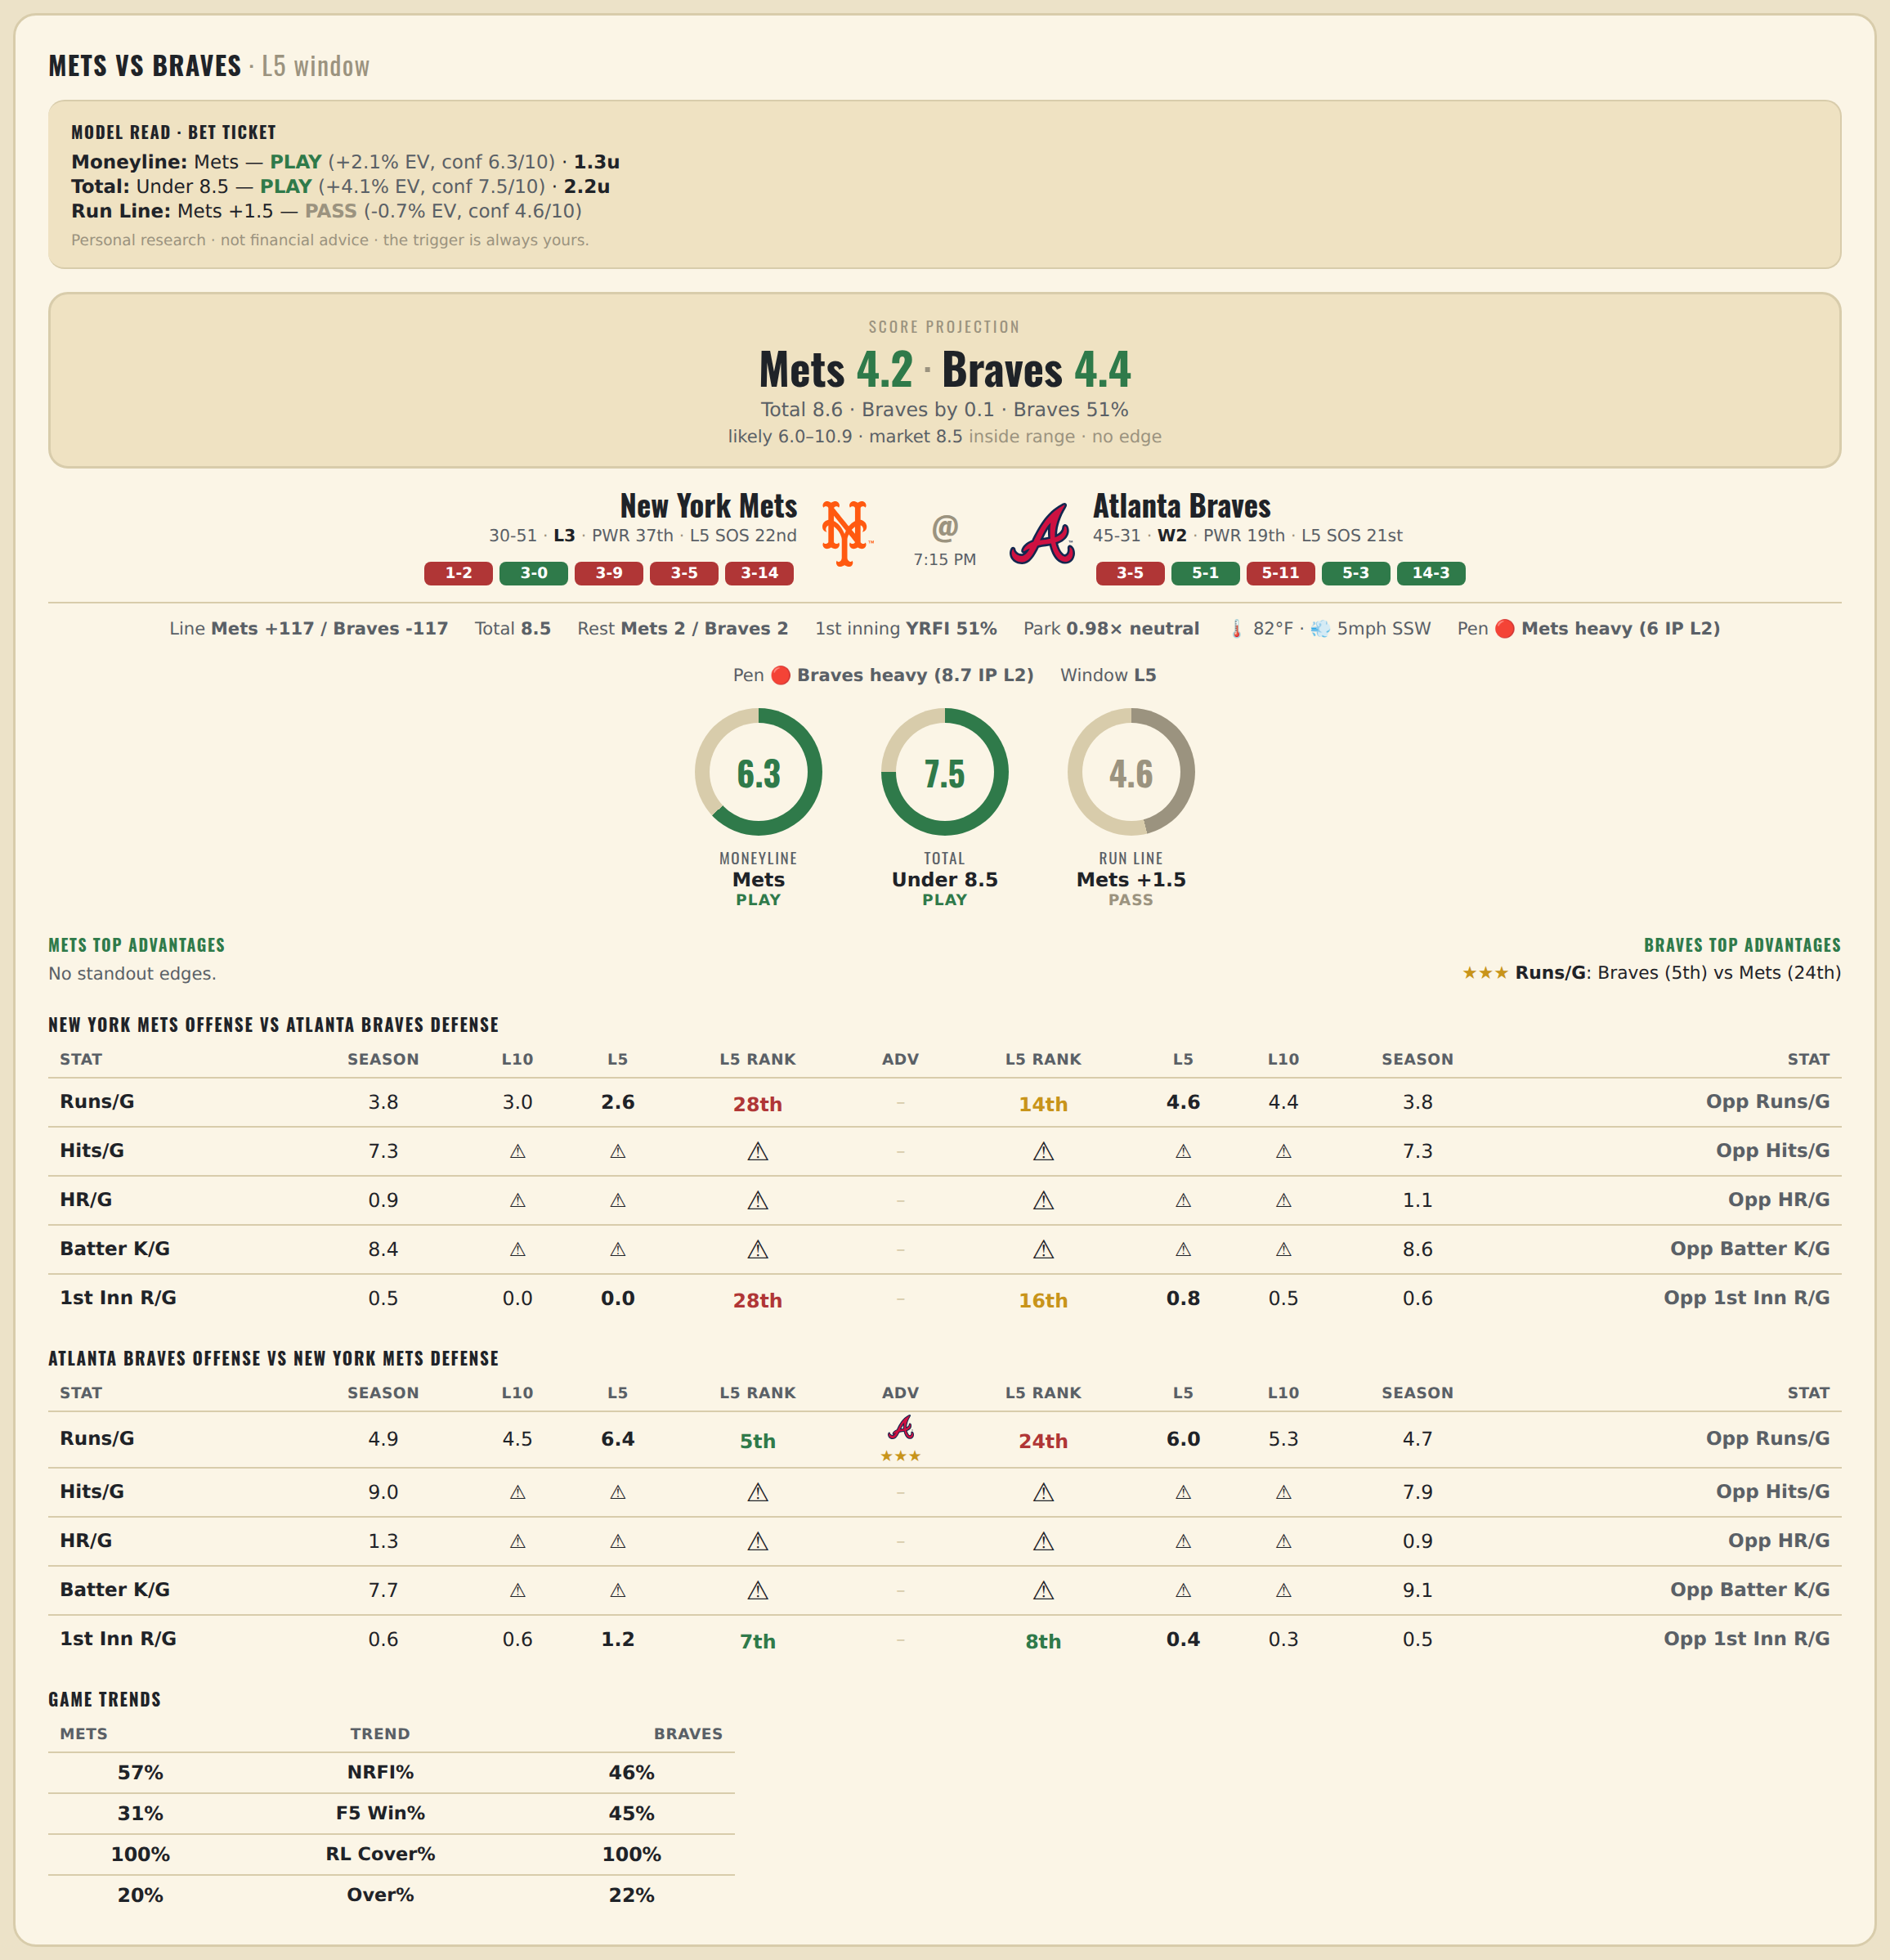

New York Mets offense vs Atlanta Braves defense
Stat | A Season | A L30 | A L20 | A L15 | A L10 | A L5 | A Rk | Adv | H Rk | H L5 | H L10 | H L15 | H L20 | H L30 | H Season | Opp stat
Runs/G | 3.827 | 3.767 | 3.65 | 3.467 | 3 | 2.6 | 28th |  | 14th | 4.6 | 4.4 | 4.4 | 4.55 | 4.3 | 3.803 | Opp Runs/G
Hits/G | 7.306 | 3.5 | — | — | — | — | — |  | — | — | — | — | — | 8.5 | 7.312 | Opp Hits/G
HR/G | 0.939 | 2 | — | — | — | — | — |  | — | — | — | — | — | 1.25 | 1.062 | Opp HR/G
Batter K/G | 8.408 | 11.5 | — | — | — | — | — |  | — | — | — | — | — | 9.5 | 8.562 | Opp Batter K/G
1st Inn R/G | 0.519 | 0.433 | 0.3 | 0.133 | 0 | 0 | 28th |  | 16th | 0.8 | 0.5 | 0.4 | 0.65 | 0.533 | 0.554 | Opp 1st Inn R/G

Atlanta Braves offense vs New York Mets defense
Stat | A Season | A L30 | A L20 | A L15 | A L10 | A L5 | A Rk | Adv | H Rk | H L5 | H L10 | H L15 | H L20 | H L30 | H Season | Opp stat
Runs/G | 4.921 | 4.1 | 3.65 | 4.067 | 4.5 | 6.4 | 5th | ★★★ | 24th | 6 | 5.3 | 6.467 | 5.95 | 5.4 | 4.704 | Opp Runs/G
Hits/G | 8.958 | 8.25 | — | — | — | — | — |  | — | — | — | — | — | 7.5 | 7.918 | Opp Hits/G
HR/G | 1.333 | 2 | — | — | — | — | — |  | — | — | — | — | — | 2.5 | 0.918 | Opp HR/G
Batter K/G | 7.688 | 6.25 | — | — | — | — | — |  | — | — | — | — | — | 8.5 | 9.061 | Opp Batter K/G
1st Inn R/G | 0.581 | 0.6 | 0.5 | 0.467 | 0.6 | 1.2 | 7th |  | 8th | 0.4 | 0.3 | 0.467 | 0.75 | 0.633 | 0.506 | Opp 1st Inn R/G

MLB Brewers @ Cardinals
Milwaukee Brewers @ St. Louis Cardinals
MLB · 2026-07-06 · L5 window

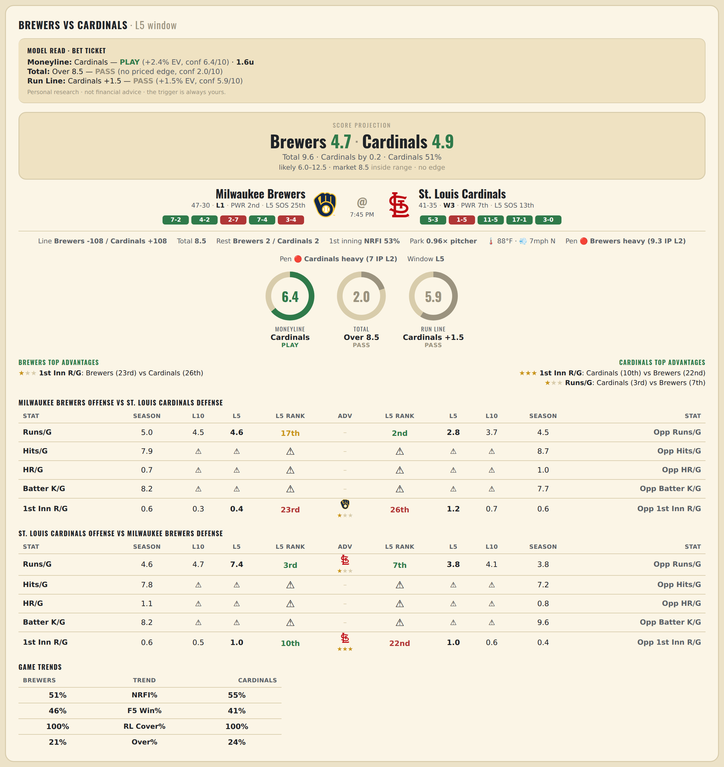

Milwaukee Brewers offense vs St. Louis Cardinals defense
Stat | A Season | A L30 | A L20 | A L15 | A L10 | A L5 | A Rk | Adv | H Rk | H L5 | H L10 | H L15 | H L20 | H L30 | H Season | Opp stat
Runs/G | 5.039 | 5.4 | 4.4 | 4.2 | 4.5 | 4.6 | 17th |  | 2nd | 2.8 | 3.7 | 5 | 4.85 | 4.267 | 4.461 | Opp Runs/G
Hits/G | 7.935 | 12 | — | — | — | — | — |  | — | — | — | — | — | 8 | 8.652 | Opp Hits/G
HR/G | 0.739 | 1 | — | — | — | — | — |  | — | — | — | — | — | 0.333 | 1.043 | Opp HR/G
Batter K/G | 8.152 | 6 | — | — | — | — | — |  | — | — | — | — | — | 9.333 | 7.739 | Opp Batter K/G
1st Inn R/G | 0.573 | 0.567 | 0.35 | 0.2 | 0.3 | 0.4 | 23rd | ★ | 26th | 1.2 | 0.7 | 0.733 | 0.6 | 0.6 | 0.589 | Opp 1st Inn R/G

St. Louis Cardinals offense vs Milwaukee Brewers defense
Stat | A Season | A L30 | A L20 | A L15 | A L10 | A L5 | A Rk | Adv | H Rk | H L5 | H L10 | H L15 | H L20 | H L30 | H Season | Opp stat
Runs/G | 4.618 | 5.233 | 5.05 | 4.933 | 4.7 | 7.4 | 3rd | ★ | 7th | 3.8 | 4.1 | 3.533 | 3.55 | 4.133 | 3.818 | Opp Runs/G
Hits/G | 7.826 | 8.667 | — | — | — | — | — |  | — | — | — | — | — | 10 | 7.174 | Opp Hits/G
HR/G | 1.109 | 0.667 | — | — | — | — | — |  | — | — | — | — | — | 1 | 0.761 | Opp HR/G
Batter K/G | 8.196 | 9.667 | — | — | — | — | — |  | — | — | — | — | — | 14 | 9.63 | Opp Batter K/G
1st Inn R/G | 0.562 | 0.8 | 0.8 | 0.867 | 0.5 | 1 | 10th | ★★★ | 22nd | 1 | 0.6 | 0.467 | 0.35 | 0.5 | 0.44 | Opp 1st Inn R/G

MLB Diamondbacks @ Padres
Arizona Diamondbacks @ San Diego Padres
MLB · 2026-07-06 · L5 window

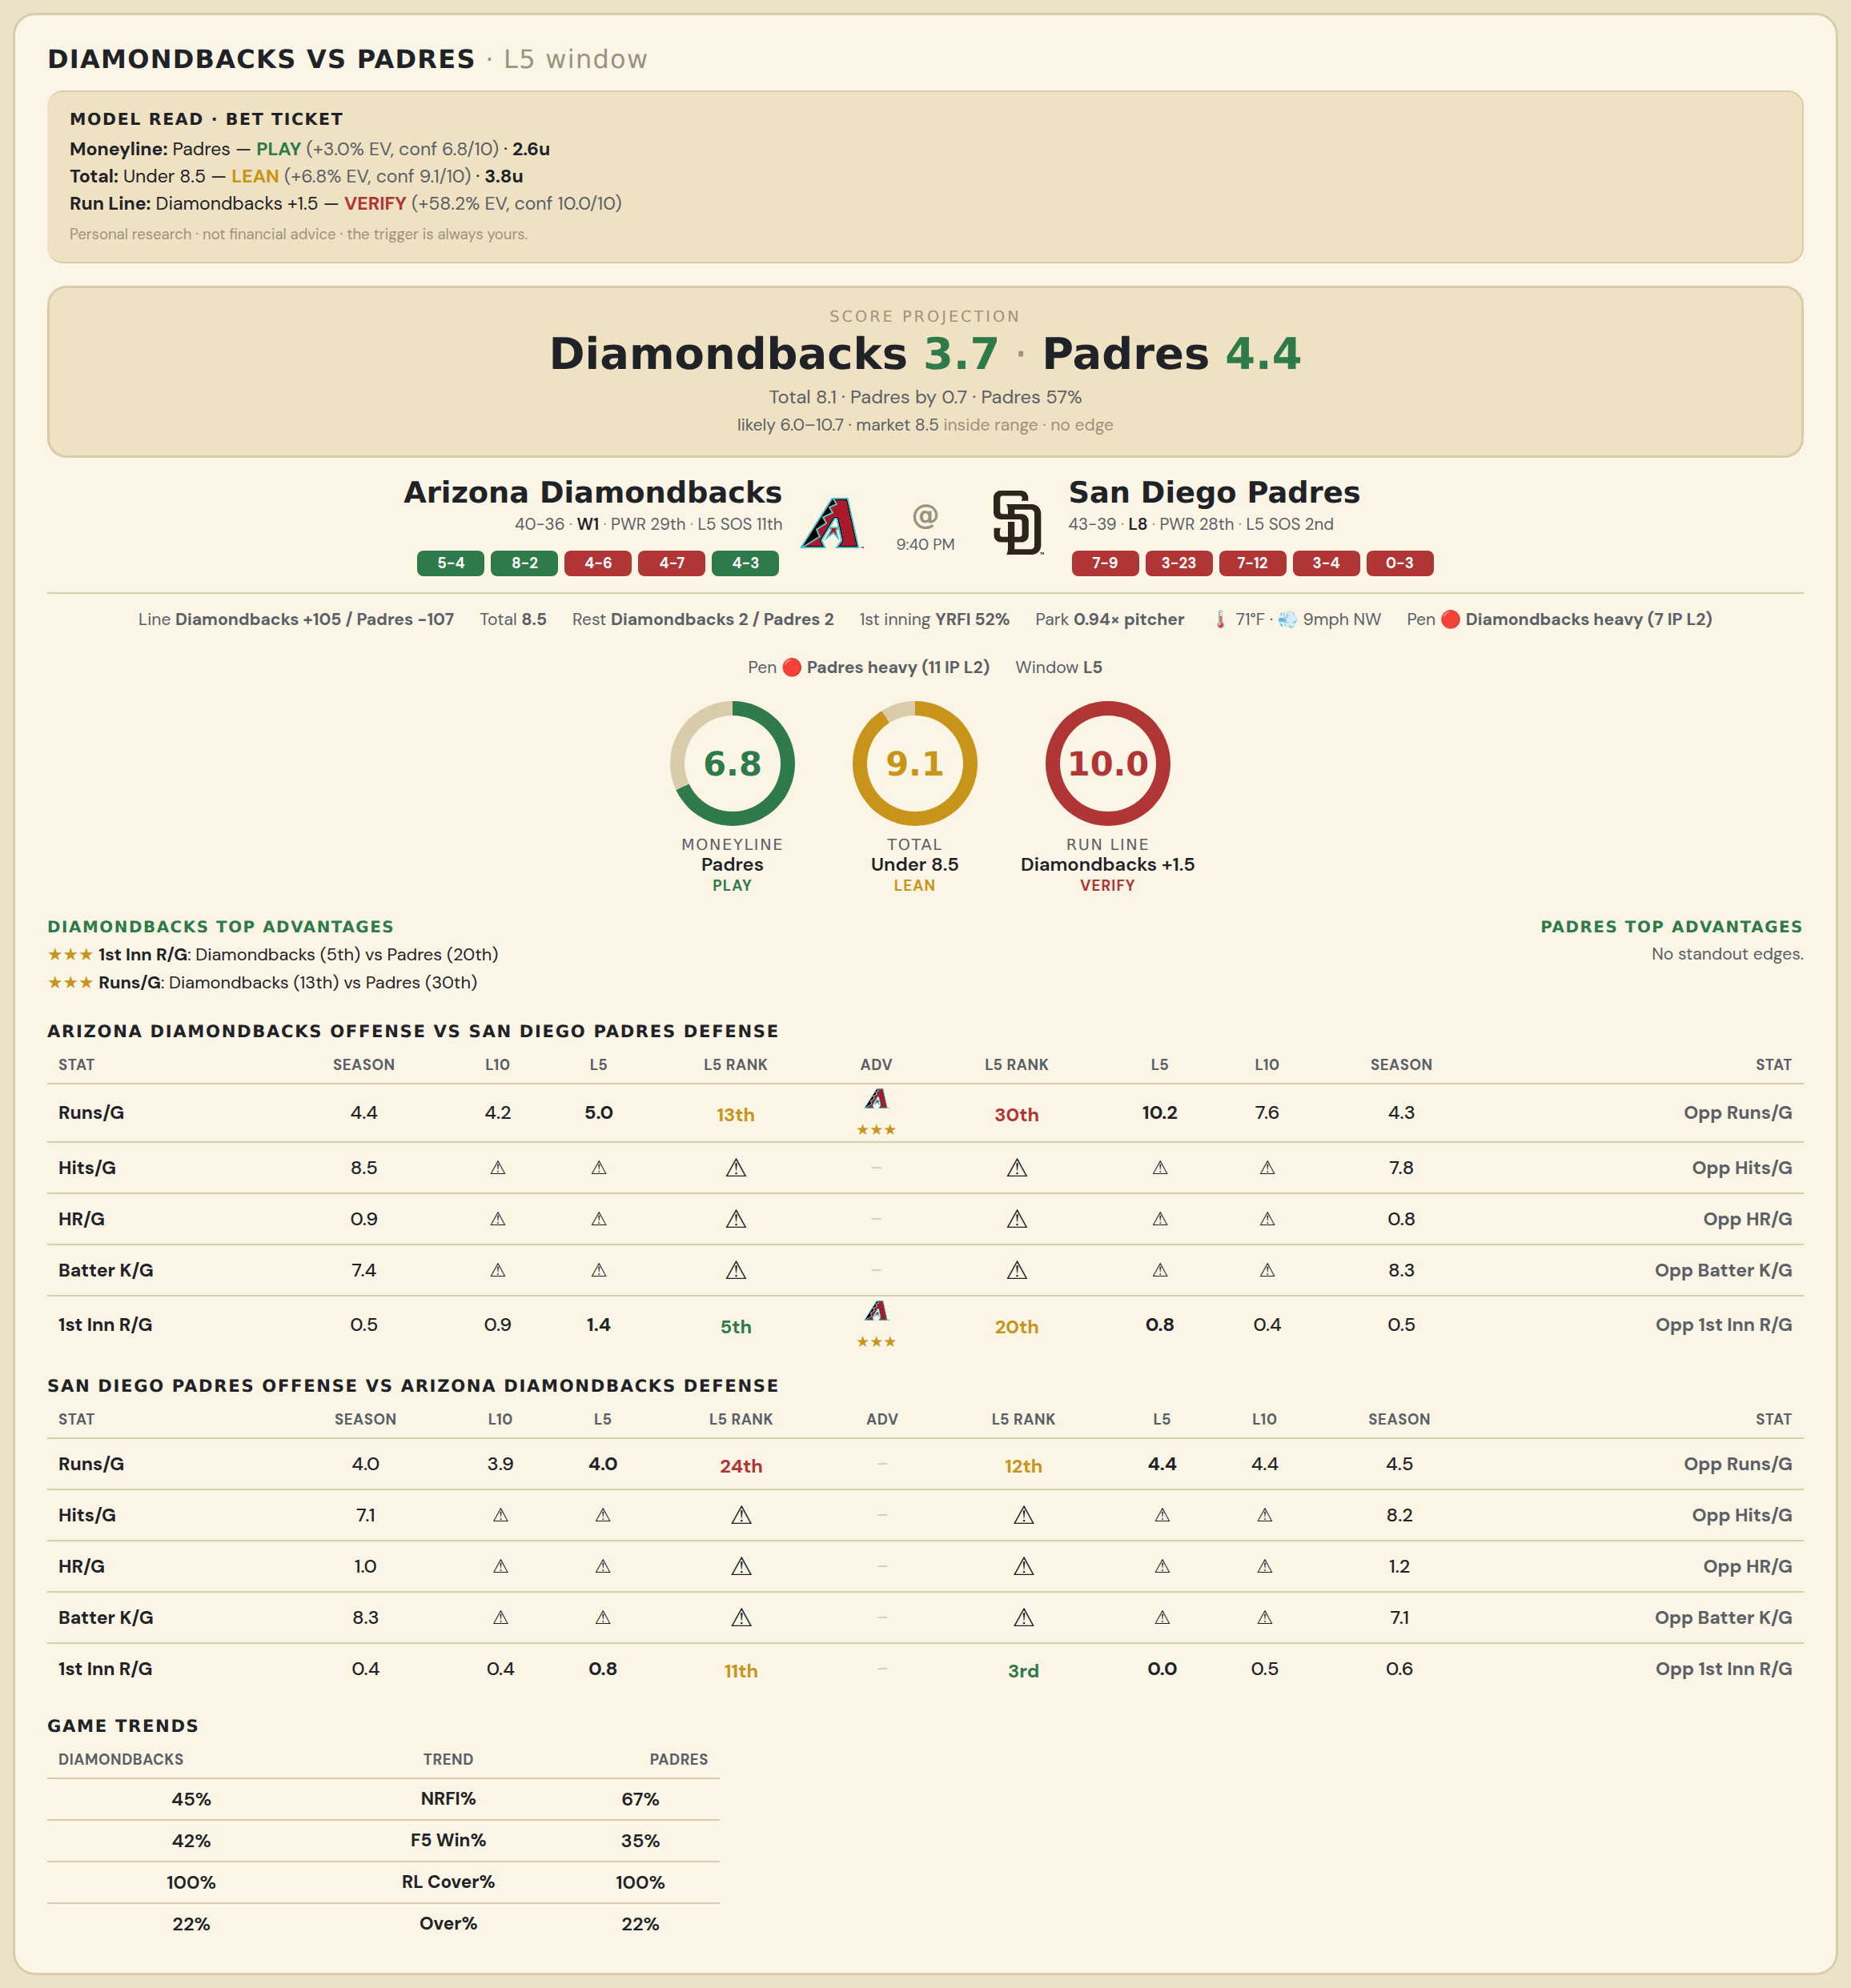

Arizona Diamondbacks offense vs San Diego Padres defense
Stat | A Season | A L30 | A L20 | A L15 | A L10 | A L5 | A Rk | Adv | H Rk | H L5 | H L10 | H L15 | H L20 | H L30 | H Season | Opp stat
Runs/G | 4.382 | 3.7 | 4.3 | 4.733 | 4.2 | 5 | 13th | ★★★ | 30th | 10.2 | 7.6 | 6.6 | 5.55 | 5.167 | 4.256 | Opp Runs/G
Hits/G | 8.542 | 8 | — | — | — | — | — |  | — | — | — | — | — | 9 | 7.848 | Opp Hits/G
HR/G | 0.938 | 2 | — | — | — | — | — |  | — | — | — | — | — | 1 | 0.848 | Opp HR/G
Batter K/G | 7.354 | 4 | — | — | — | — | — |  | — | — | — | — | — | 5 | 8.304 | Opp Batter K/G
1st Inn R/G | 0.513 | 0.433 | 0.55 | 0.6 | 0.9 | 1.4 | 5th | ★★★ | 20th | 0.8 | 0.4 | 0.667 | 0.6 | 0.533 | 0.48 | Opp 1st Inn R/G

San Diego Padres offense vs Arizona Diamondbacks defense
Stat | A Season | A L30 | A L20 | A L15 | A L10 | A L5 | A Rk | Adv | H Rk | H L5 | H L10 | H L15 | H L20 | H L30 | H Season | Opp stat
Runs/G | 3.988 | 3.867 | 4.25 | 4.2 | 3.9 | 4 | 24th |  | 12th | 4.4 | 4.4 | 4.867 | 4.5 | 4.9 | 4.526 | Opp Runs/G
Hits/G | 7.087 | 7 | — | — | — | — | — |  | — | — | — | — | — | 8 | 8.188 | Opp Hits/G
HR/G | 1.022 | 1 | — | — | — | — | — |  | — | — | — | — | — | 0.5 | 1.25 | Opp HR/G
Batter K/G | 8.348 | 12 | — | — | — | — | — |  | — | — | — | — | — | 7.5 | 7.146 | Opp Batter K/G
1st Inn R/G | 0.36 | 0.533 | 0.7 | 0.6 | 0.4 | 0.8 | 11th |  | 3rd | 0 | 0.5 | 0.533 | 0.5 | 0.6 | 0.632 | Opp 1st Inn R/G

MLB Jays @ Giants
Toronto Blue Jays @ San Francisco Giants
MLB · 2026-07-06 · L5 window

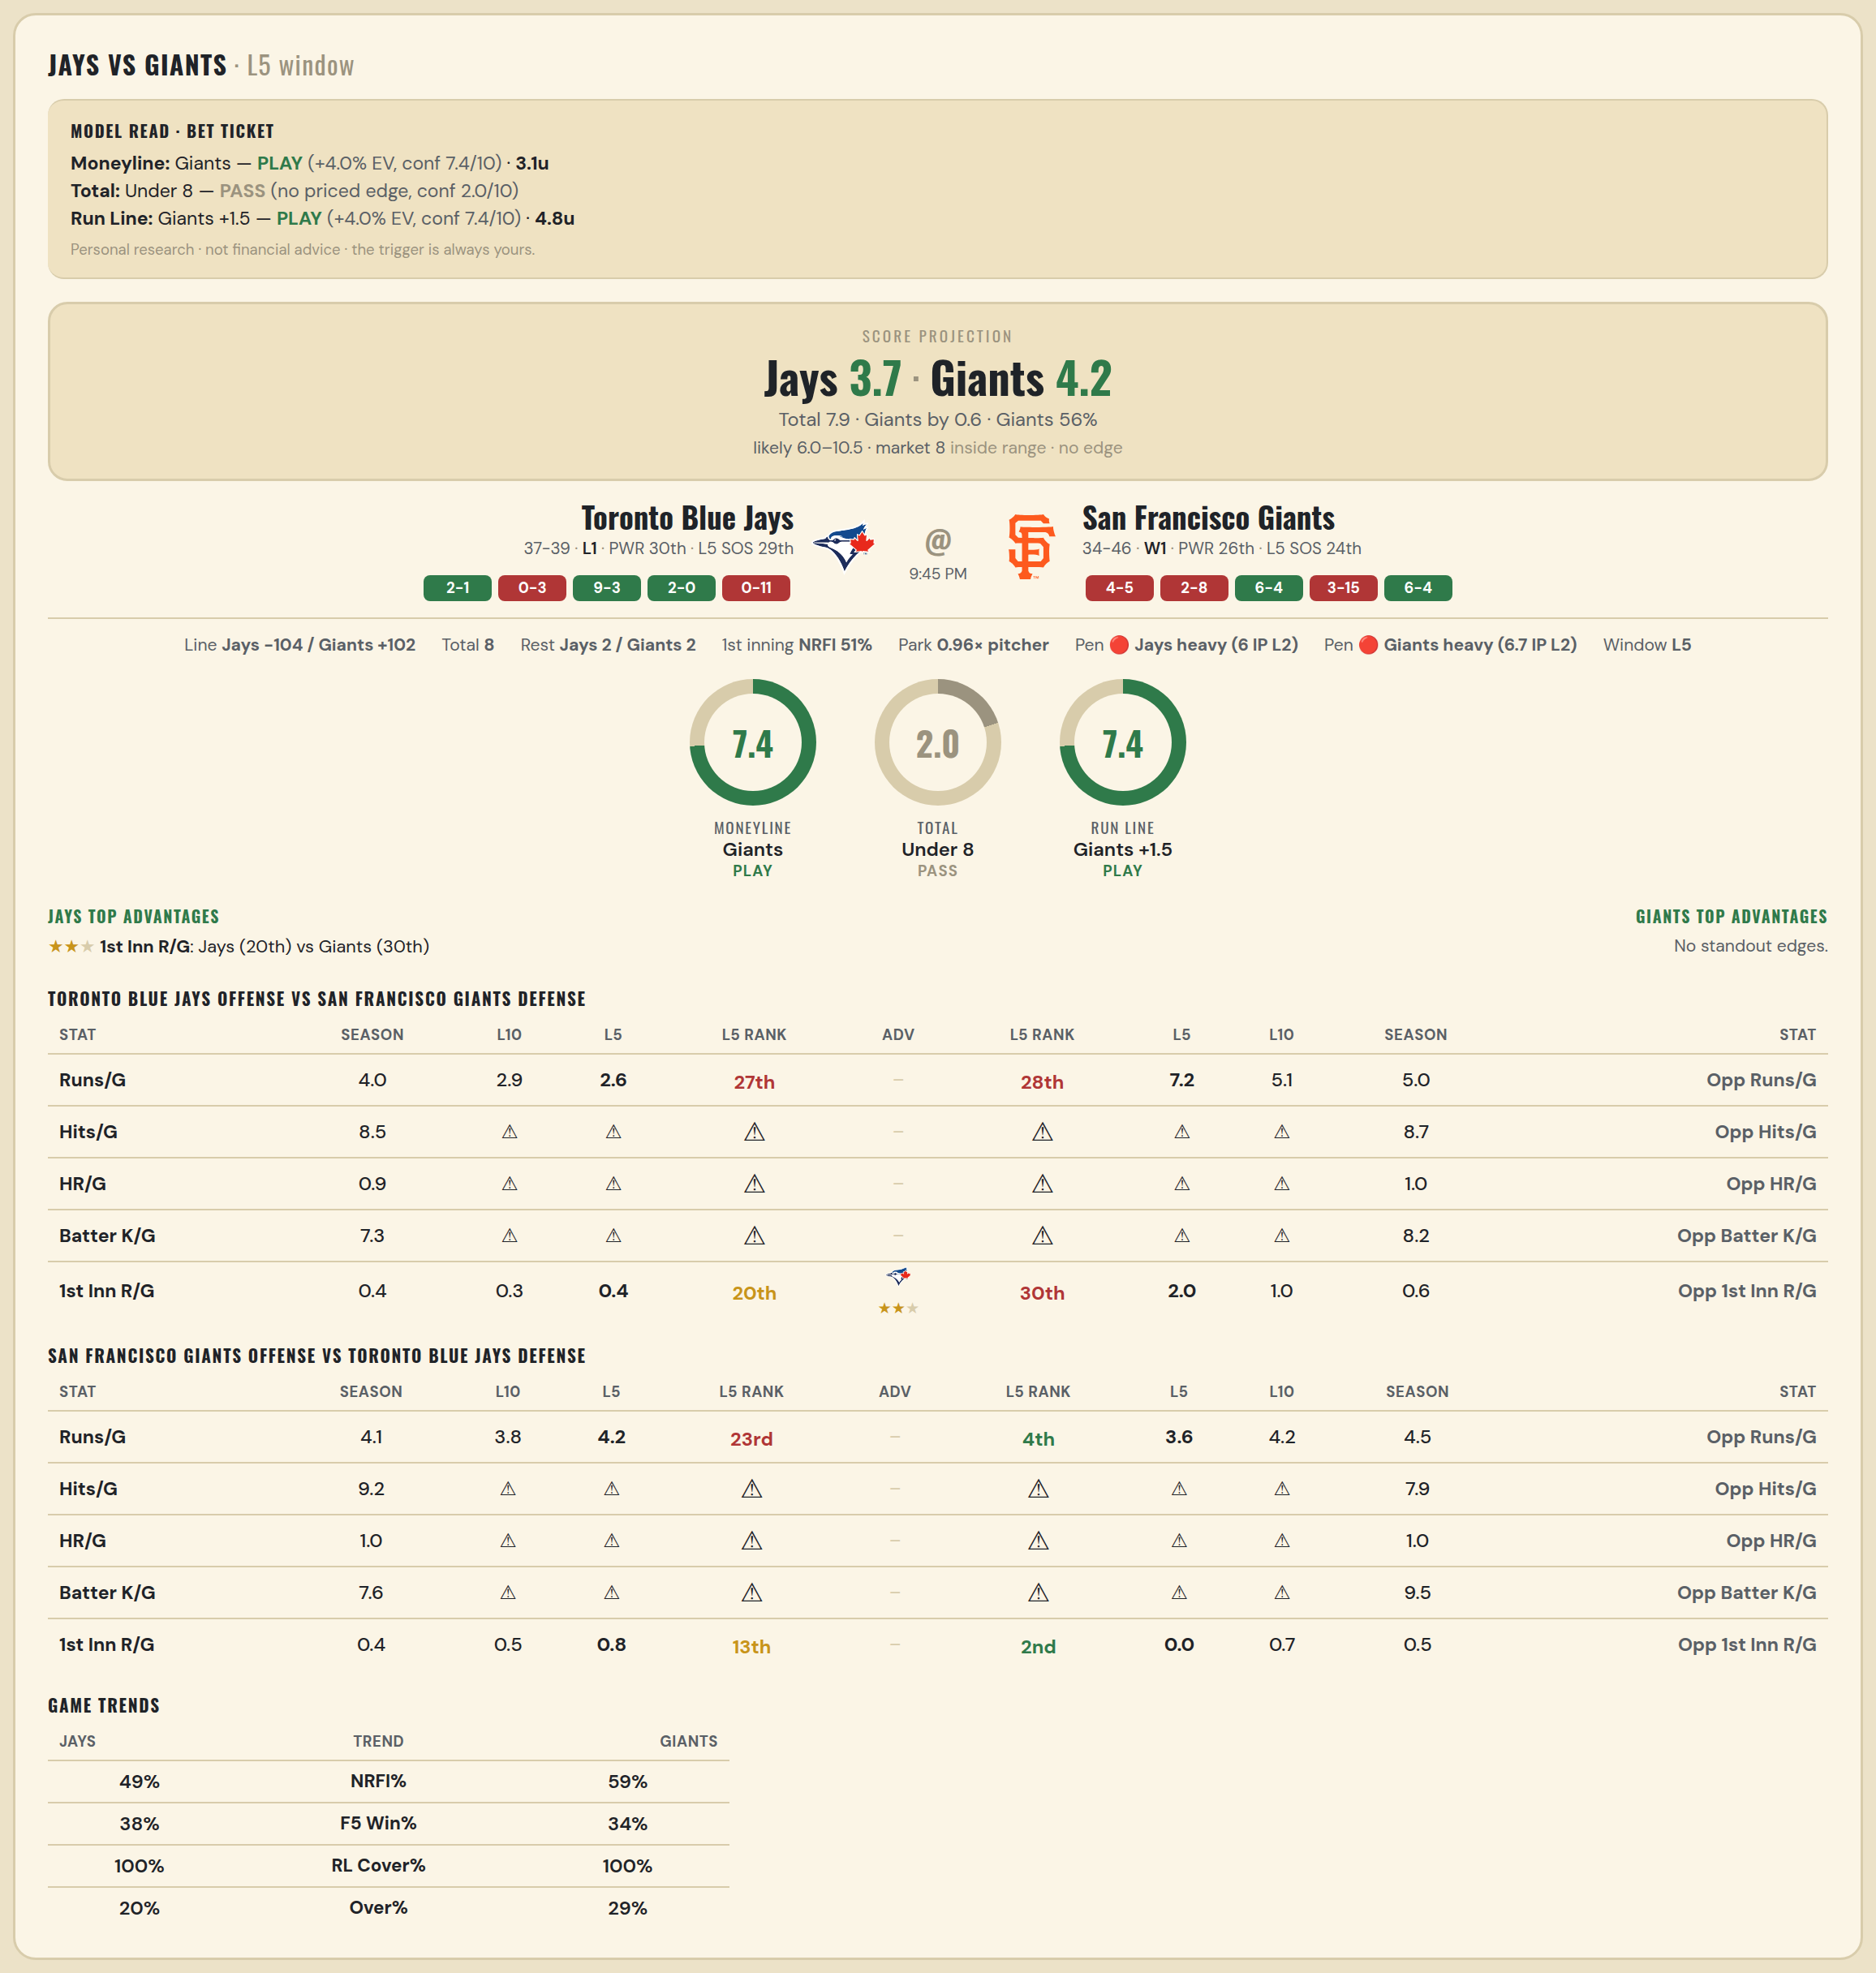

Toronto Blue Jays offense vs San Francisco Giants defense
Stat | A Season | A L30 | A L20 | A L15 | A L10 | A L5 | A Rk | Adv | H Rk | H L5 | H L10 | H L15 | H L20 | H L30 | H Season | Opp stat
Runs/G | 3.987 | 3.9 | 3.75 | 3.6 | 2.9 | 2.6 | 27th |  | 28th | 7.2 | 5.1 | 4.6 | 4.65 | 4.967 | 4.963 | Opp Runs/G
Hits/G | 8.468 | 8.5 | — | — | — | — | — |  | — | — | — | — | — | 13.333 | 8.652 | Opp Hits/G
HR/G | 0.915 | 1 | — | — | — | — | — |  | — | — | — | — | — | 0.333 | 0.978 | Opp HR/G
Batter K/G | 7.298 | 6.5 | — | — | — | — | — |  | — | — | — | — | — | 7.333 | 8.174 | Opp Batter K/G
1st Inn R/G | 0.427 | 0.3 | 0.35 | 0.267 | 0.3 | 0.4 | 20th | ★★ | 30th | 2 | 1 | 0.8 | 0.75 | 0.7 | 0.603 | Opp 1st Inn R/G

San Francisco Giants offense vs Toronto Blue Jays defense
Stat | A Season | A L30 | A L20 | A L15 | A L10 | A L5 | A Rk | Adv | H Rk | H L5 | H L10 | H L15 | H L20 | H L30 | H Season | Opp stat
Runs/G | 4.138 | 4.833 | 4 | 3.667 | 3.8 | 4.2 | 23rd |  | 4th | 3.6 | 4.2 | 5.2 | 4.75 | 5.067 | 4.461 | Opp Runs/G
Hits/G | 9.239 | 13.333 | — | — | — | — | — |  | — | — | — | — | — | 8 | 7.894 | Opp Hits/G
HR/G | 0.978 | 1.667 | — | — | — | — | — |  | — | — | — | — | — | 1 | 0.979 | Opp HR/G
Batter K/G | 7.587 | 11 | — | — | — | — | — |  | — | — | — | — | — | 7.5 | 9.489 | Opp Batter K/G
1st Inn R/G | 0.397 | 0.467 | 0.35 | 0.4 | 0.5 | 0.8 | 13th |  | 2nd | 0 | 0.7 | 1.067 | 0.8 | 0.7 | 0.547 | Opp 1st Inn R/G

MLB Rockies @ Dodgers
Colorado Rockies @ Los Angeles Dodgers
MLB · 2026-07-06 · L5 window

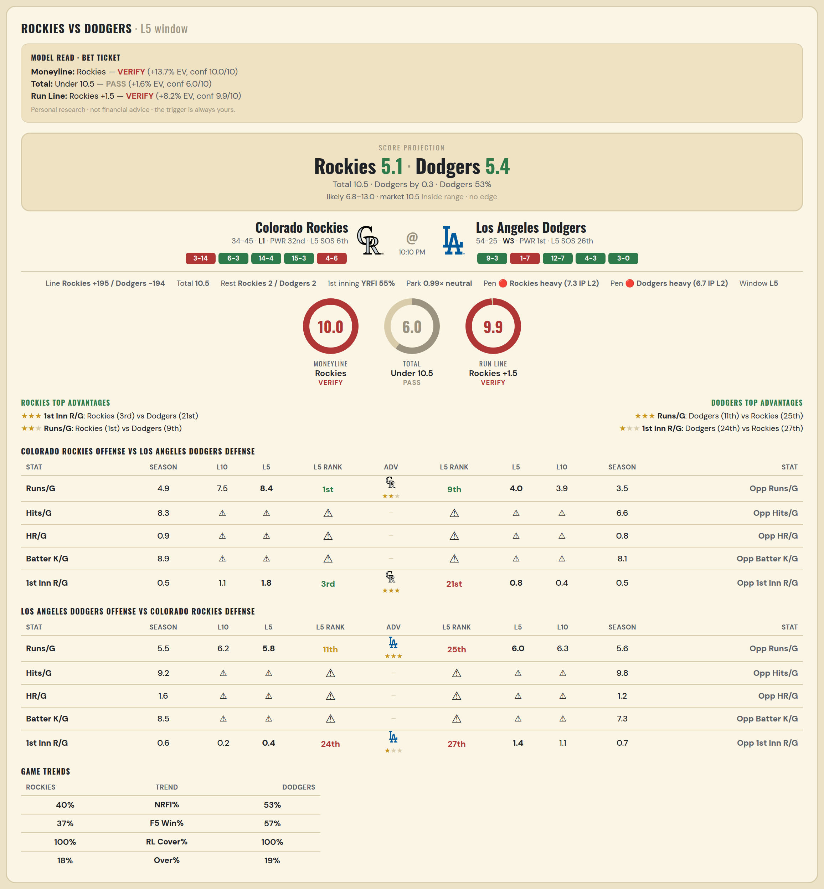

Colorado Rockies offense vs Los Angeles Dodgers defense
Stat | A Season | A L30 | A L20 | A L15 | A L10 | A L5 | A Rk | Adv | H Rk | H L5 | H L10 | H L15 | H L20 | H L30 | H Season | Opp stat
Runs/G | 4.899 | 6.167 | 6.75 | 6.133 | 7.5 | 8.4 | 1st | ★★ | 9th | 4 | 3.9 | 4.2 | 3.85 | 4.2 | 3.481 | Opp Runs/G
Hits/G | 8.32 | 11 | — | — | — | — | — |  | — | — | — | — | — | 11 | 6.596 | Opp Hits/G
HR/G | 0.92 | 2.5 | — | — | — | — | — |  | — | — | — | — | — | 1 | 0.83 | Opp HR/G
Batter K/G | 8.92 | 9.5 | — | — | — | — | — |  | — | — | — | — | — | 4 | 8.106 | Opp Batter K/G
1st Inn R/G | 0.538 | 0.667 | 0.7 | 0.8 | 1.1 | 1.8 | 3rd | ★★★ | 21st | 0.8 | 0.4 | 0.467 | 0.45 | 0.433 | 0.474 | Opp 1st Inn R/G

Los Angeles Dodgers offense vs Colorado Rockies defense
Stat | A Season | A L30 | A L20 | A L15 | A L10 | A L5 | A Rk | Adv | H Rk | H L5 | H L10 | H L15 | H L20 | H L30 | H Season | Opp stat
Runs/G | 5.506 | 5.533 | 5.3 | 5.667 | 6.2 | 5.8 | 11th | ★★★ | 25th | 6 | 6.3 | 5.467 | 5.65 | 6.067 | 5.646 | Opp Runs/G
Hits/G | 9.191 | 10 | — | — | — | — | — |  | — | — | — | — | — | 8.5 | 9.78 | Opp Hits/G
HR/G | 1.553 | 1 | — | — | — | — | — |  | — | — | — | — | — | 0.5 | 1.24 | Opp HR/G
Batter K/G | 8.511 | 10 | — | — | — | — | — |  | — | — | — | — | — | 6.5 | 7.28 | Opp Batter K/G
1st Inn R/G | 0.632 | 0.733 | 0.55 | 0.467 | 0.2 | 0.4 | 24th | ★ | 27th | 1.4 | 1.1 | 0.867 | 1.05 | 0.733 | 0.731 | Opp 1st Inn R/G

