MLB Mets @ Phillies
New York Mets @ Philadelphia Phillies
MLB · 2026-07-16 · L5 window

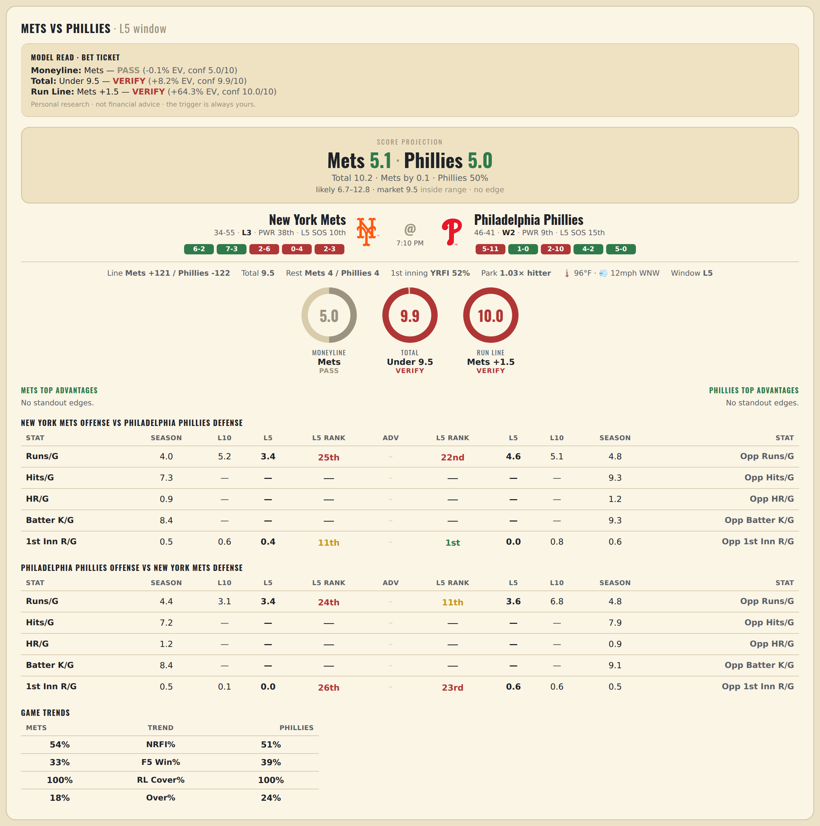

New York Mets offense vs Philadelphia Phillies defense
Stat | A Season | A L30 | A L20 | A L15 | A L10 | A L5 | A Rk | Adv | H Rk | H L5 | H L10 | H L15 | H L20 | H L30 | H Season | Opp stat
Runs/G | 4 | 4.367 | 4.35 | 4.6 | 5.2 | 3.4 | 25th |  | 22nd | 4.6 | 5.1 | 5.2 | 5.05 | 4.933 | 4.816 | Opp Runs/G
Hits/G | 7.306 | — | — | — | — | — | — |  | — | — | — | — | — | — | 9.319 | Opp Hits/G
HR/G | 0.939 | — | — | — | — | — | — |  | — | — | — | — | — | — | 1.17 | Opp HR/G
Batter K/G | 8.408 | — | — | — | — | — | — |  | — | — | — | — | — | — | 9.277 | Opp Batter K/G
1st Inn R/G | 0.541 | 0.567 | 0.3 | 0.4 | 0.6 | 0.4 | 11th |  | 1st | 0 | 0.8 | 0.533 | 0.7 | 0.667 | 0.56 | Opp 1st Inn R/G

Philadelphia Phillies offense vs New York Mets defense
Stat | A Season | A L30 | A L20 | A L15 | A L10 | A L5 | A Rk | Adv | H Rk | H L5 | H L10 | H L15 | H L20 | H L30 | H Season | Opp stat
Runs/G | 4.448 | 5.167 | 4.75 | 4.2 | 3.1 | 3.4 | 24th |  | 11th | 3.6 | 6.8 | 5.733 | 6.05 | 5.9 | 4.831 | Opp Runs/G
Hits/G | 7.234 | — | — | — | — | — | — |  | — | — | — | — | — | — | 7.918 | Opp Hits/G
HR/G | 1.213 | — | — | — | — | — | — |  | — | — | — | — | — | — | 0.918 | Opp HR/G
Batter K/G | 8.426 | — | — | — | — | — | — |  | — | — | — | — | — | — | 9.061 | Opp Batter K/G
1st Inn R/G | 0.524 | 0.467 | 0.2 | 0.2 | 0.1 | 0 | 26th |  | 23rd | 0.6 | 0.6 | 0.533 | 0.45 | 0.733 | 0.529 | Opp 1st Inn R/G

WNBA Fire @ Mystics
Portland Fire @ Washington Mystics
WNBA · 2026-07-16 · L5 window

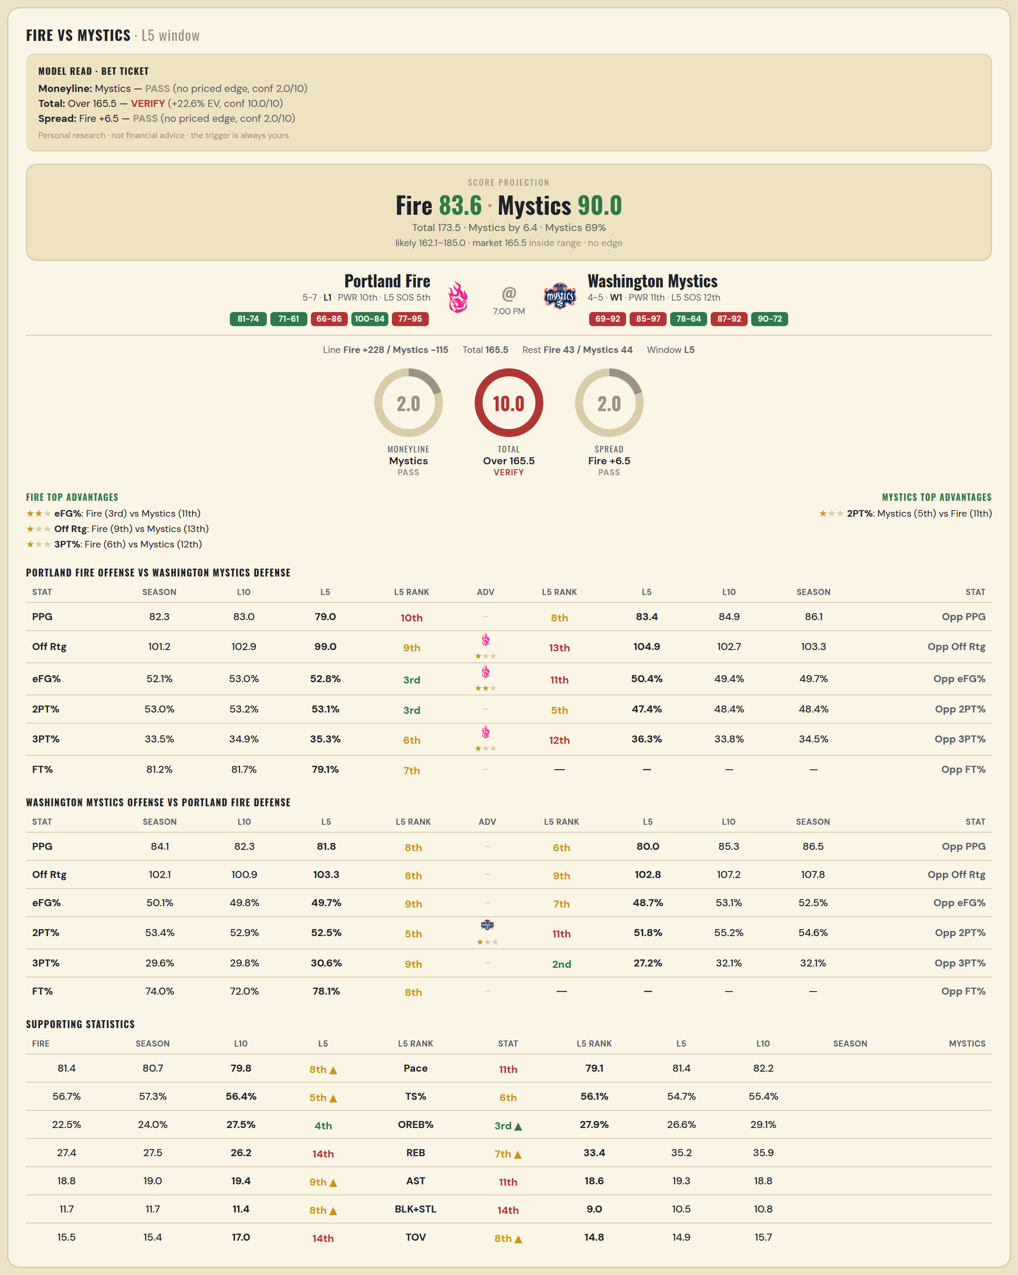

Portland Fire offense vs Washington Mystics defense
Stat | A Season | A L30 | A L20 | A L15 | A L10 | A L5 | A Rk | Adv | H Rk | H L5 | H L10 | H L15 | H L20 | H L30 | H Season | Opp stat
PPG | 82.333 | 82.333 | 82.333 | 82.333 | 83 | 79 | 10th |  | 8th | 83.4 | 84.889 | 85.857 | 84.737 | 83.345 | 86.125 | Opp PPG
Off Rtg | 101.207 | 101.207 | 101.207 | 101.207 | 102.858 | 98.981 | 9th | ★ | 13th | 104.949 | 102.664 | 107.012 | 106.29 | 105.092 | 103.328 | Opp Off Rtg
eFG% | 0.521 | 0.521 | 0.521 | 0.521 | 0.53 | 0.528 | 3rd | ★★ | 11th | 0.504 | 0.494 | 0.518 | 0.516 | 0.519 | 0.497 | Opp eFG%
2PT% | 0.53 | 0.53 | 0.53 | 0.53 | 0.532 | 0.531 | 3rd |  | 5th | 0.474 | 0.484 | 0.508 | 0.508 | 0.512 | 0.484 | Opp 2PT%
3PT% | 0.335 | 0.335 | 0.335 | 0.335 | 0.349 | 0.353 | 6th | ★ | 12th | 0.363 | 0.338 | 0.36 | 0.352 | 0.347 | 0.345 | Opp 3PT%
FT% | 0.812 | 0.812 | 0.812 | 0.812 | 0.817 | 0.791 | 7th |  | — | — | — | — | — | — | — | Opp FT%
Pace | 81.387 | 81.387 | 81.387 | 81.387 | 80.664 | 79.816 | 8th |  | — | — | — | — | — | — | — | Opp Pace
TS% | 0.567 | 0.567 | 0.567 | 0.567 | 0.573 | 0.564 | 5th |  | — | — | — | — | — | — | — | Opp TS%
OREB% | 0.225 | 0.225 | 0.225 | 0.225 | 0.24 | 0.275 | 4th |  | — | — | — | — | — | — | — | Opp OREB%
REB | 27.417 | 27.417 | 27.417 | 27.417 | 27.5 | 26.2 | 14th |  | 4th | 28.8 | 30.889 | 32.357 | 31.842 | 31.345 | 30.25 | Opp REB
AST | 18.75 | 18.75 | 18.75 | 18.75 | 19 | 19.4 | 9th |  | — | — | — | — | — | — | — | Opp AST
BLK+STL | 11.667 | 11.667 | 11.667 | 11.667 | 11.7 | 11.4 | 8th |  | — | — | — | — | — | — | — | Opp BLK+STL
TOV | 15.5 | 15.5 | 15.5 | 15.5 | 15.4 | 17 | 14th |  | — | — | — | — | — | — | — | Opp TOV

Washington Mystics offense vs Portland Fire defense
Stat | A Season | A L30 | A L20 | A L15 | A L10 | A L5 | A Rk | Adv | H Rk | H L5 | H L10 | H L15 | H L20 | H L30 | H Season | Opp stat
PPG | 84.111 | 77.967 | 77.15 | 77.333 | 82.3 | 81.8 | 8th |  | 6th | 80 | 85.333 | 86.455 | 86.455 | 86.455 | 86.455 | Opp PPG
Off Rtg | 102.123 | 98.505 | 97.013 | 96.201 | 100.864 | 103.268 | 8th |  | 9th | 102.757 | 107.194 | 107.761 | 107.761 | 107.761 | 107.761 | Opp Off Rtg
eFG% | 0.501 | 0.496 | 0.488 | 0.479 | 0.498 | 0.497 | 9th |  | 7th | 0.487 | 0.531 | 0.525 | 0.525 | 0.525 | 0.525 | Opp eFG%
2PT% | 0.534 | 0.507 | 0.504 | 0.504 | 0.529 | 0.525 | 5th | ★ | 11th | 0.518 | 0.552 | 0.546 | 0.546 | 0.546 | 0.546 | Opp 2PT%
3PT% | 0.296 | 0.316 | 0.311 | 0.29 | 0.298 | 0.306 | 9th |  | 2nd | 0.272 | 0.321 | 0.321 | 0.321 | 0.321 | 0.321 | Opp 3PT%
FT% | 0.74 | 0.754 | 0.738 | 0.72 | 0.72 | 0.781 | 8th |  | — | — | — | — | — | — | — | Opp FT%
Pace | 82.213 | 79.015 | 79.324 | 80.083 | 81.364 | 79.144 | 11th |  | — | — | — | — | — | — | — | Opp Pace
TS% | 0.554 | 0.54 | 0.532 | 0.521 | 0.547 | 0.561 | 6th |  | — | — | — | — | — | — | — | Opp TS%
OREB% | 0.291 | 0.233 | 0.23 | 0.239 | 0.266 | 0.279 | 3rd |  | — | — | — | — | — | — | — | Opp OREB%
REB | 35.889 | 32.3 | 33.3 | 33.533 | 35.2 | 33.4 | 7th |  | 3rd | 28.6 | 30.444 | 31.909 | 31.909 | 31.909 | 31.909 | Opp REB
AST | 18.778 | 19.733 | 19.45 | 19 | 19.3 | 18.6 | 11th |  | — | — | — | — | — | — | — | Opp AST
BLK+STL | 10.778 | 10.3 | 9.8 | 10.067 | 10.5 | 9 | 14th |  | — | — | — | — | — | — | — | Opp BLK+STL
TOV | 15.667 | 14.167 | 14.3 | 14.067 | 14.9 | 14.8 | 8th |  | — | — | — | — | — | — | — | Opp TOV

WNBA Liberty @ Wings
New York Liberty @ Dallas Wings
WNBA · 2026-07-16 · L5 window

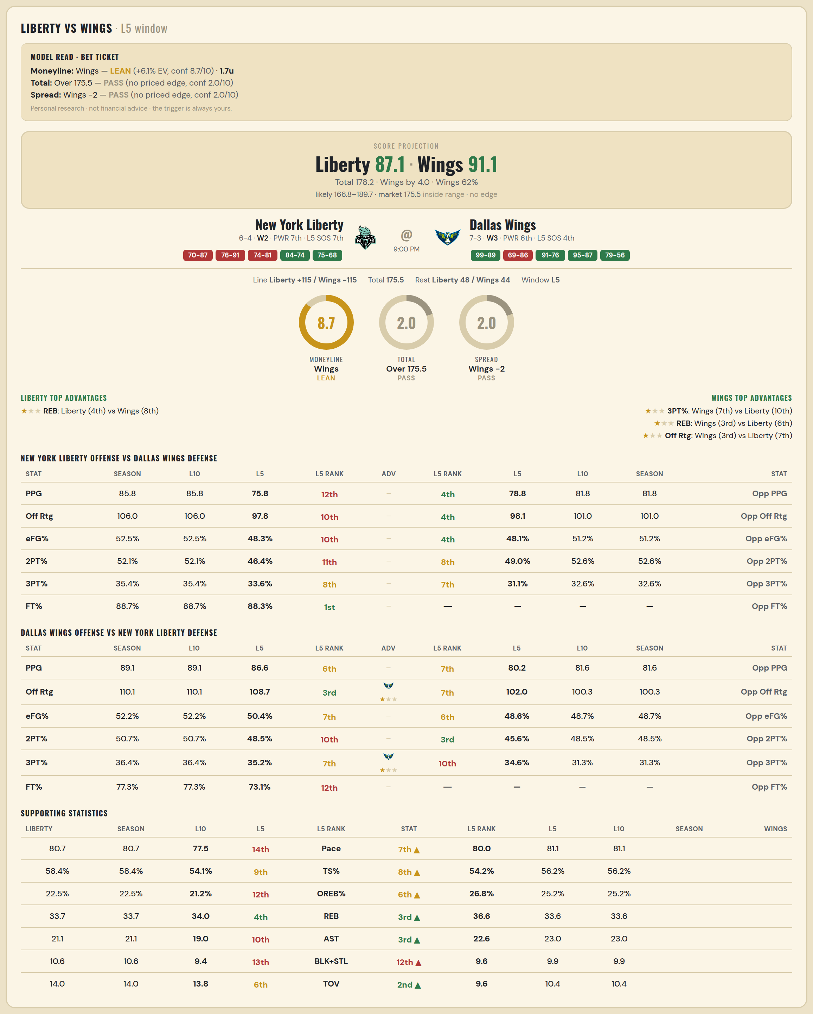

New York Liberty offense vs Dallas Wings defense
Stat | A Season | A L30 | A L20 | A L15 | A L10 | A L5 | A Rk | Adv | H Rk | H L5 | H L10 | H L15 | H L20 | H L30 | H Season | Opp stat
PPG | 85.8 | 81.1 | 80.4 | 82.2 | 85.8 | 75.8 | 12th |  | 4th | 78.8 | 81.8 | 84.333 | 86.9 | 87.633 | 81.8 | Opp PPG
Off Rtg | 105.96 | 103.111 | 102.364 | 101.522 | 105.96 | 97.847 | 10th |  | 4th | 98.107 | 101.009 | 104.61 | 107.667 | 108.534 | 101.009 | Opp Off Rtg
eFG% | 0.525 | 0.514 | 0.506 | 0.5 | 0.525 | 0.483 | 10th |  | 4th | 0.481 | 0.512 | 0.53 | 0.542 | 0.543 | 0.512 | Opp eFG%
2PT% | 0.521 | 0.507 | 0.504 | 0.505 | 0.521 | 0.464 | 11th |  | 8th | 0.49 | 0.526 | 0.524 | 0.524 | 0.521 | 0.526 | Opp 2PT%
3PT% | 0.354 | 0.349 | 0.341 | 0.328 | 0.354 | 0.336 | 8th |  | 7th | 0.311 | 0.326 | 0.359 | 0.374 | 0.382 | 0.326 | Opp 3PT%
FT% | 0.887 | 0.832 | 0.838 | 0.851 | 0.887 | 0.883 | 1st |  | — | — | — | — | — | — | — | Opp FT%
Pace | 80.664 | 78.641 | 78.578 | 80.904 | 80.664 | 77.456 | 14th |  | — | — | — | — | — | — | — | Opp Pace
TS% | 0.584 | 0.563 | 0.561 | 0.555 | 0.584 | 0.541 | 9th |  | — | — | — | — | — | — | — | Opp TS%
OREB% | 0.225 | 0.212 | 0.218 | 0.217 | 0.225 | 0.212 | 12th |  | — | — | — | — | — | — | — | Opp OREB%
REB | 33.7 | 33.7 | 34.15 | 35 | 33.7 | 34 | 4th | ★ | 8th | 33.6 | 32 | 32.6 | 32.95 | 34.1 | 32 | Opp REB
AST | 21.1 | 21.167 | 20.55 | 20.6 | 21.1 | 19 | 10th |  | — | — | — | — | — | — | — | Opp AST
BLK+STL | 10.6 | 10.033 | 10.55 | 10.533 | 10.6 | 9.4 | 13th |  | — | — | — | — | — | — | — | Opp BLK+STL
TOV | 14 | 13.267 | 13.45 | 13.733 | 14 | 13.8 | 6th |  | — | — | — | — | — | — | — | Opp TOV

Dallas Wings offense vs New York Liberty defense
Stat | A Season | A L30 | A L20 | A L15 | A L10 | A L5 | A Rk | Adv | H Rk | H L5 | H L10 | H L15 | H L20 | H L30 | H Season | Opp stat
PPG | 89.1 | 83.867 | 84.85 | 86.267 | 89.1 | 86.6 | 6th |  | 7th | 80.2 | 81.6 | 80.133 | 78.3 | 79.667 | 81.6 | Opp PPG
Off Rtg | 110.051 | 102.678 | 104.298 | 106.22 | 110.051 | 108.65 | 3rd | ★ | 7th | 102.042 | 100.328 | 99.175 | 98.934 | 101.373 | 100.328 | Opp Off Rtg
eFG% | 0.522 | 0.489 | 0.498 | 0.502 | 0.522 | 0.504 | 7th |  | 6th | 0.486 | 0.487 | 0.484 | 0.484 | 0.481 | 0.487 | Opp eFG%
2PT% | 0.507 | 0.497 | 0.504 | 0.508 | 0.507 | 0.485 | 10th |  | 3rd | 0.456 | 0.485 | 0.48 | 0.481 | 0.49 | 0.485 | Opp 2PT%
3PT% | 0.364 | 0.307 | 0.317 | 0.321 | 0.364 | 0.352 | 7th | ★ | 10th | 0.346 | 0.313 | 0.318 | 0.319 | 0.305 | 0.313 | Opp 3PT%
FT% | 0.773 | 0.793 | 0.776 | 0.768 | 0.773 | 0.731 | 12th |  | — | — | — | — | — | — | — | Opp FT%
Pace | 81.064 | 81.82 | 81.498 | 81.323 | 81.064 | 80 | 7th |  | — | — | — | — | — | — | — | Opp Pace
TS% | 0.562 | 0.531 | 0.536 | 0.541 | 0.562 | 0.542 | 8th |  | — | — | — | — | — | — | — | Opp TS%
OREB% | 0.252 | 0.237 | 0.243 | 0.258 | 0.252 | 0.268 | 6th |  | — | — | — | — | — | — | — | Opp OREB%
REB | 33.6 | 33.5 | 33.8 | 33.867 | 33.6 | 36.6 | 3rd | ★ | 6th | 30.8 | 31.7 | 32.733 | 31.9 | 33.533 | 31.7 | Opp REB
AST | 23 | 21.233 | 21.5 | 22.267 | 23 | 22.6 | 3rd |  | — | — | — | — | — | — | — | Opp AST
BLK+STL | 9.9 | 10.333 | 10.35 | 10.4 | 9.9 | 9.6 | 12th |  | — | — | — | — | — | — | — | Opp BLK+STL
TOV | 10.4 | 11.333 | 11 | 10.733 | 10.4 | 9.6 | 2nd |  | — | — | — | — | — | — | — | Opp TOV

