MLB Mets @ Braves
New York Mets @ Atlanta Braves
MLB · 2026-07-05 · L5 window

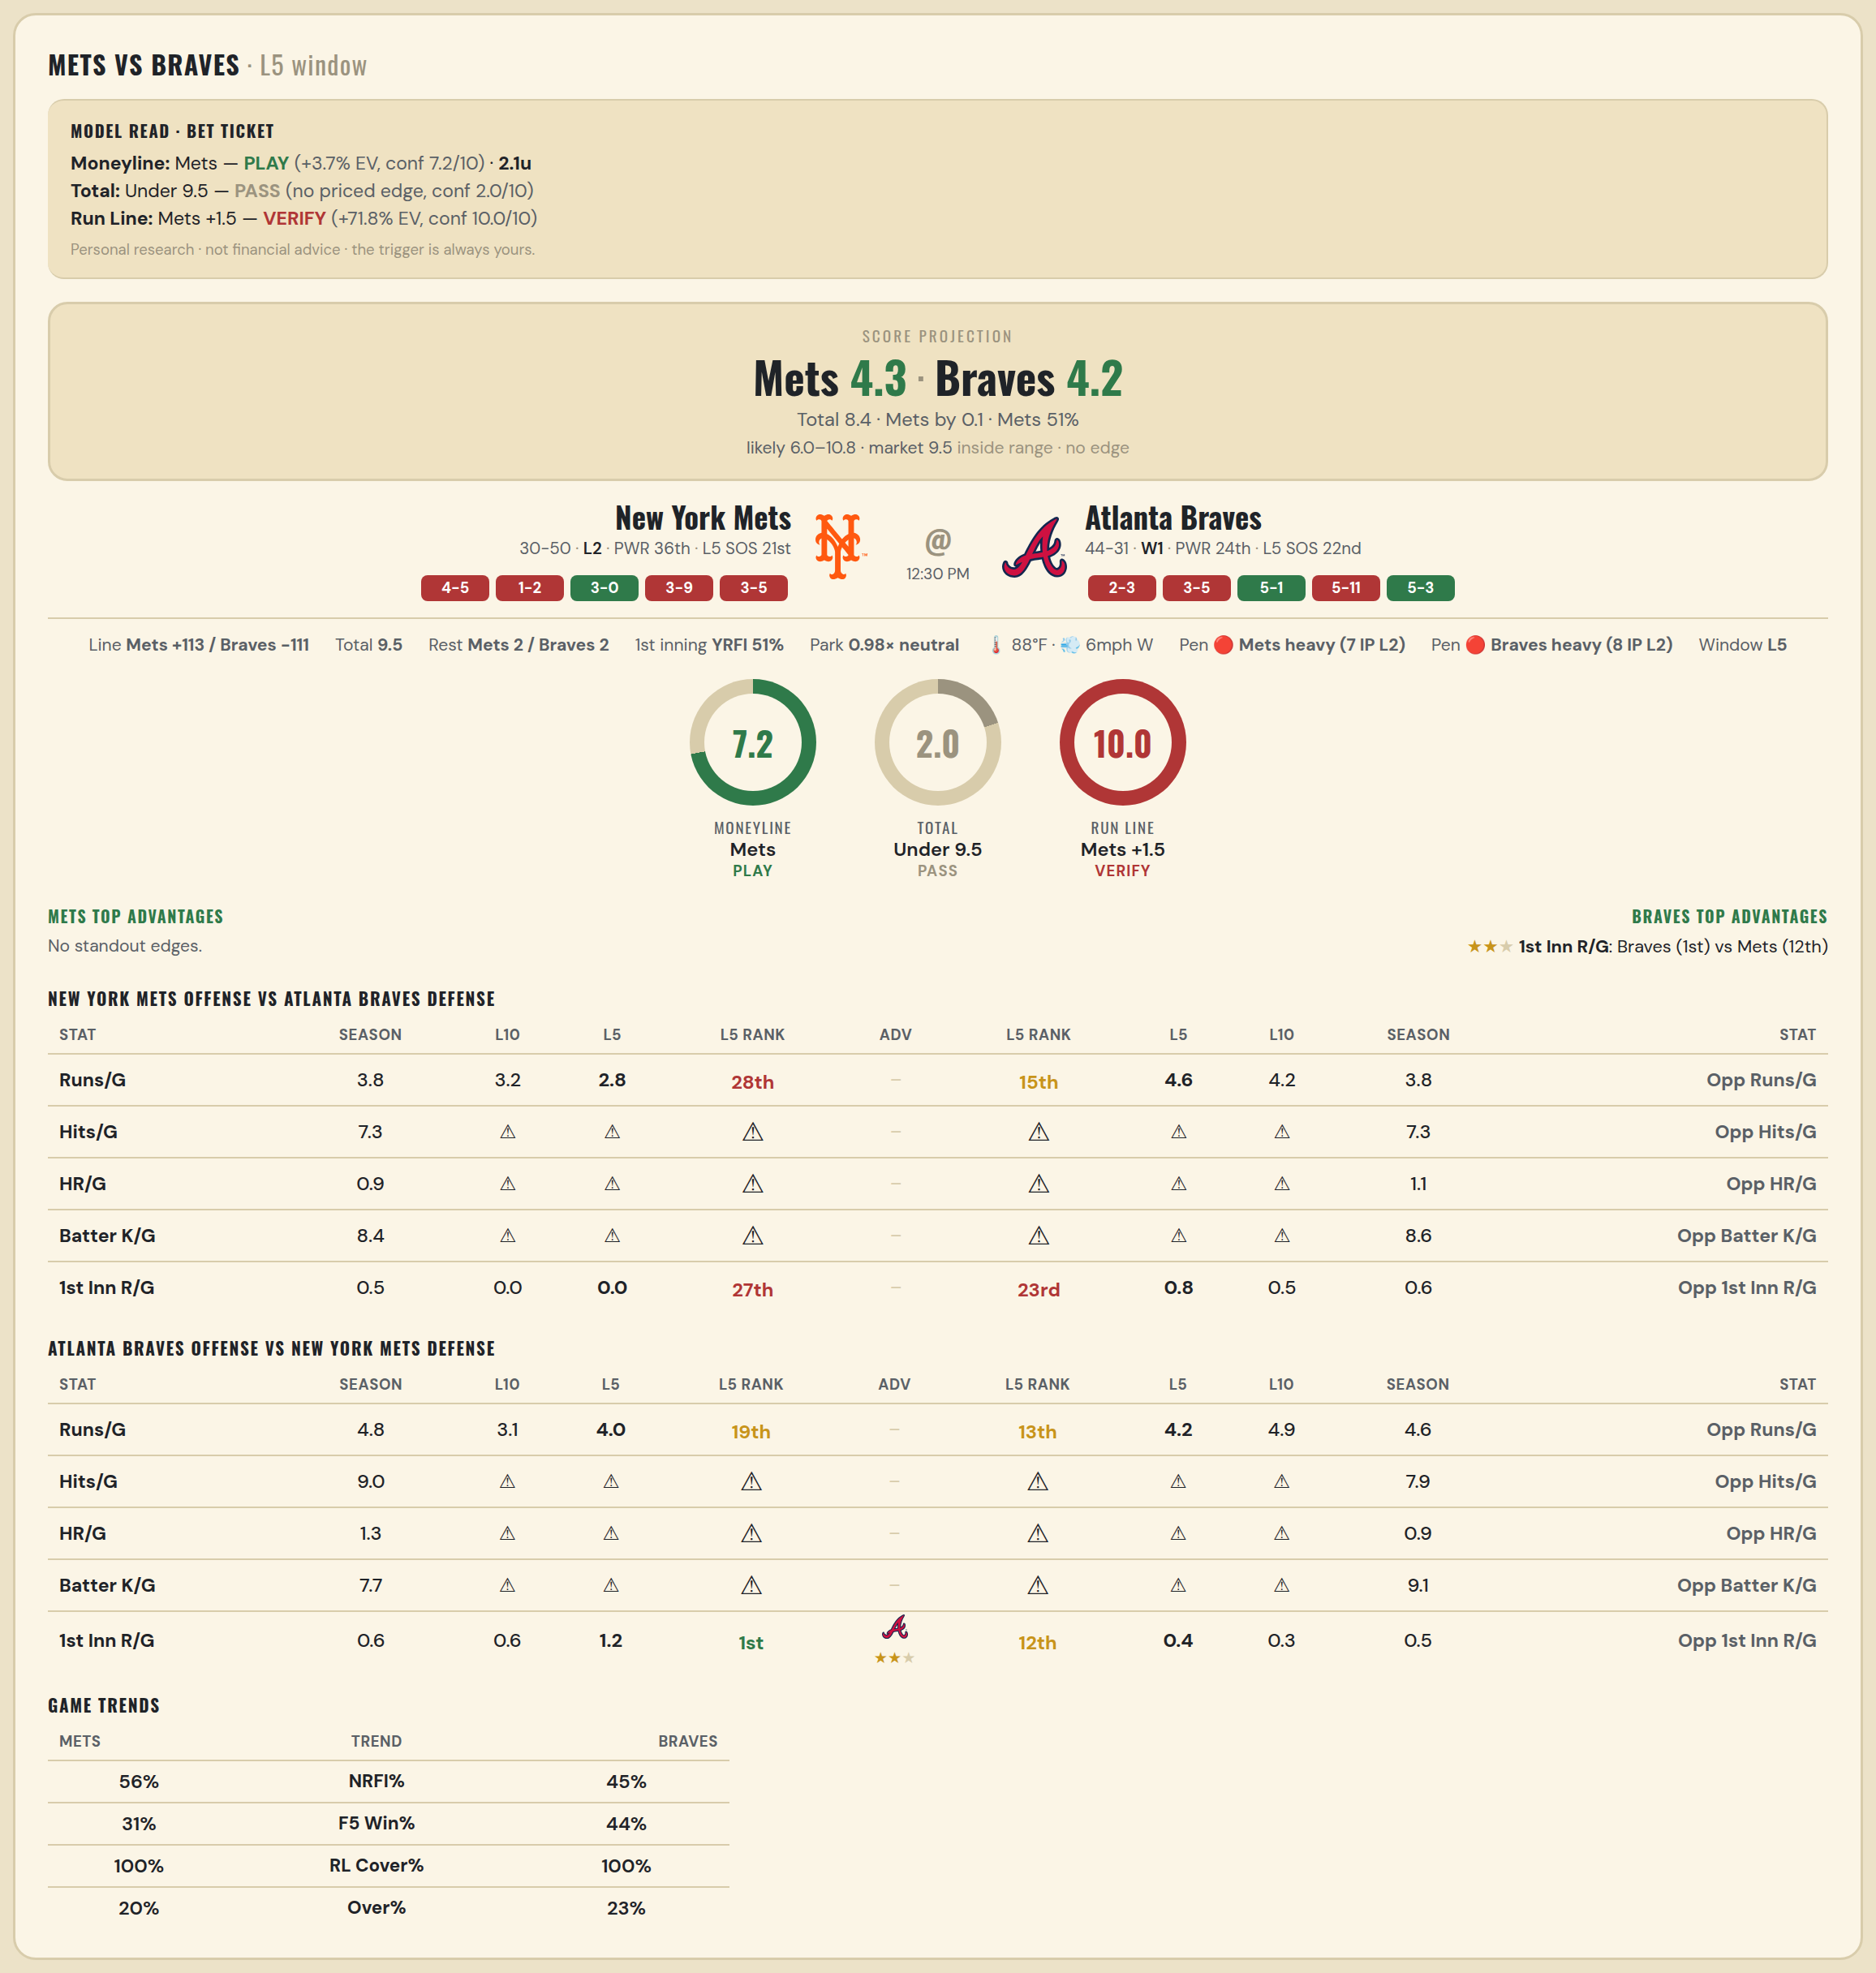

New York Mets offense vs Atlanta Braves defense
Stat | A Season | A L30 | A L20 | A L15 | A L10 | A L5 | A Rk | Adv | H Rk | H L5 | H L10 | H L15 | H L20 | H L30 | H Season | Opp stat
Runs/G | 3.837 | 4 | 3.85 | 3.867 | 3.2 | 2.8 | 28th |  | 15th | 4.6 | 4.2 | 4.667 | 4.7 | 4.267 | 3.813 | Opp Runs/G
Hits/G | 7.306 | 5.333 | — | — | — | — | — |  | — | — | — | — | — | 8.4 | 7.312 | Opp Hits/G
HR/G | 0.939 | 2.333 | — | — | — | — | — |  | — | — | — | — | — | 1 | 1.062 | Opp HR/G
Batter K/G | 8.408 | 11 | — | — | — | — | — |  | — | — | — | — | — | 9.8 | 8.562 | Opp Batter K/G
1st Inn R/G | 0.526 | 0.467 | 0.4 | 0.133 | 0 | 0 | 27th |  | 23rd | 0.8 | 0.5 | 0.467 | 0.65 | 0.533 | 0.562 | Opp 1st Inn R/G

Atlanta Braves offense vs New York Mets defense
Stat | A Season | A L30 | A L20 | A L15 | A L10 | A L5 | A Rk | Adv | H Rk | H L5 | H L10 | H L15 | H L20 | H L30 | H Season | Opp stat
Runs/G | 4.8 | 3.967 | 3.2 | 3.267 | 3.1 | 4 | 19th |  | 13th | 4.2 | 4.9 | 5.6 | 5.5 | 4.967 | 4.588 | Opp Runs/G
Hits/G | 8.958 | 8.8 | — | — | — | — | — |  | — | — | — | — | — | 6 | 7.918 | Opp Hits/G
HR/G | 1.333 | 2.2 | — | — | — | — | — |  | — | — | — | — | — | 1.667 | 0.918 | Opp HR/G
Batter K/G | 7.688 | 7 | — | — | — | — | — |  | — | — | — | — | — | 7.333 | 9.061 | Opp Batter K/G
1st Inn R/G | 0.589 | 0.6 | 0.6 | 0.6 | 0.6 | 1.2 | 1st | ★★ | 12th | 0.4 | 0.3 | 0.467 | 0.75 | 0.633 | 0.513 | Opp 1st Inn R/G

MLB Pirates @ Nationals
Pittsburgh Pirates @ Washington Nationals
MLB · 2026-07-05 · L5 window

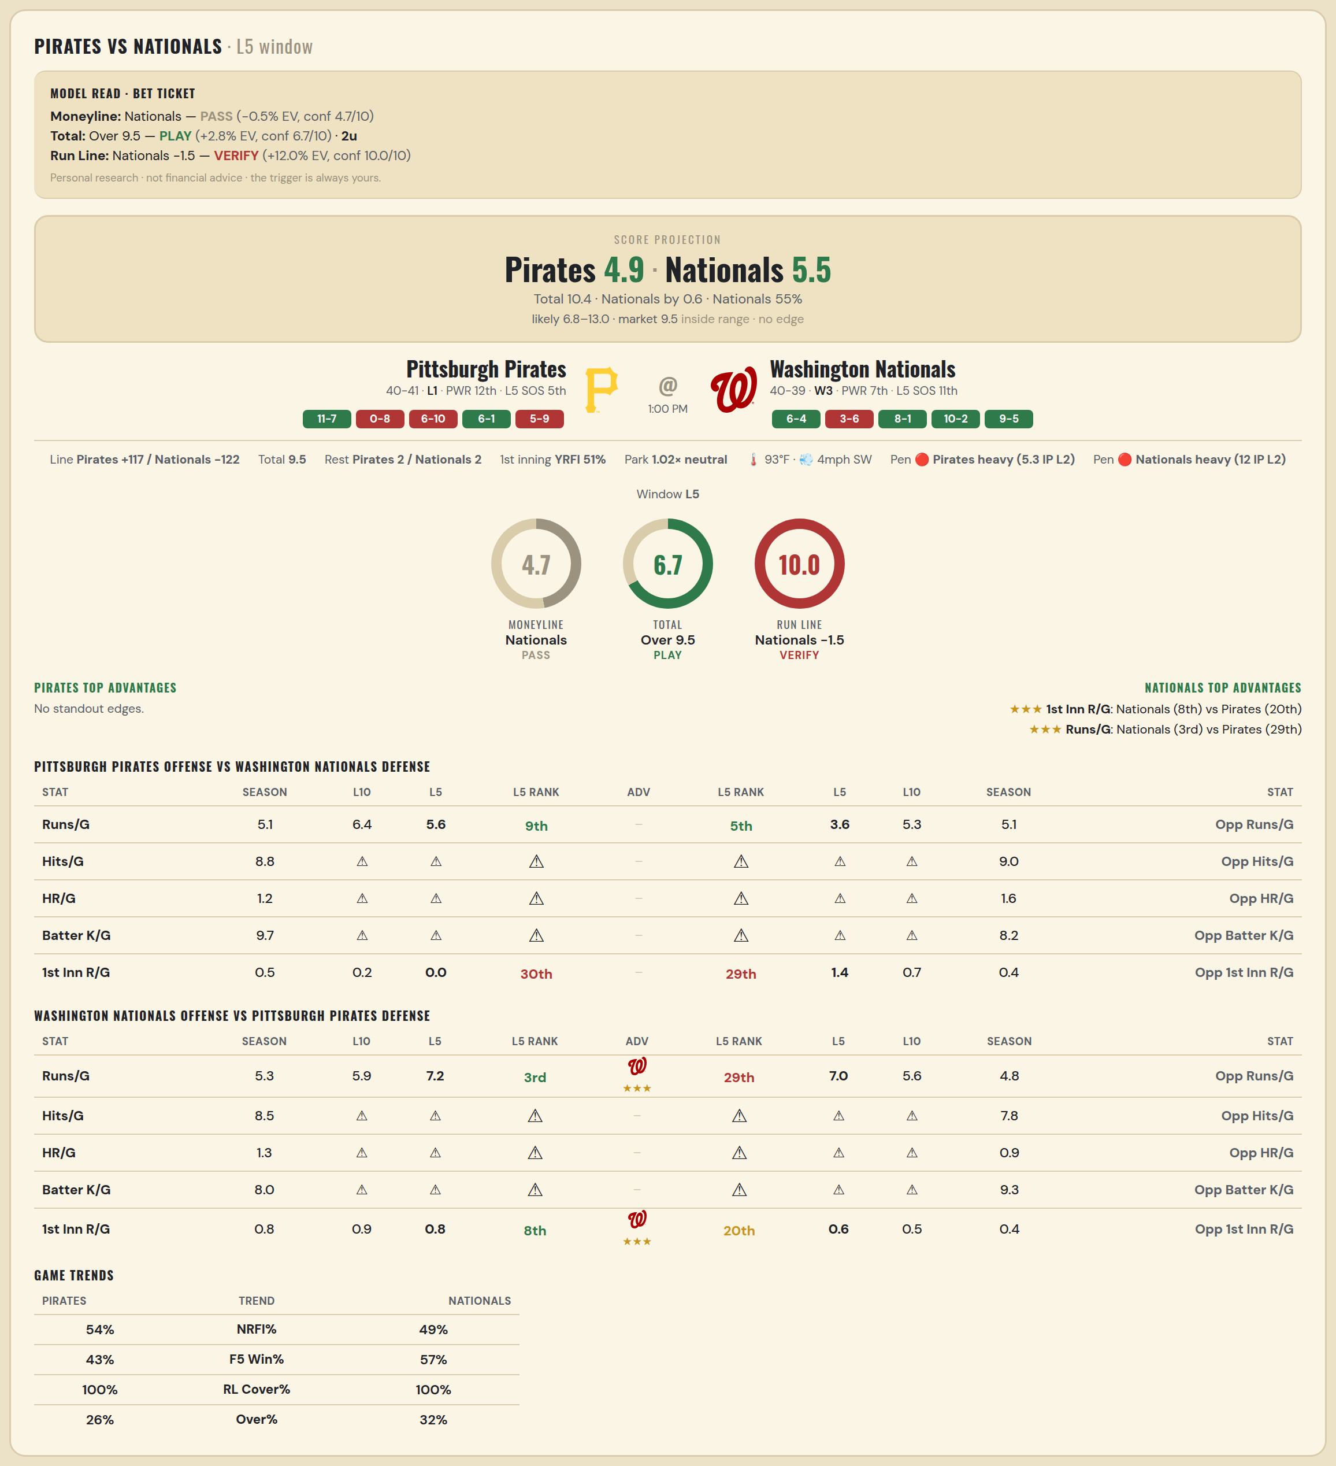

Pittsburgh Pirates offense vs Washington Nationals defense
Stat | A Season | A L30 | A L20 | A L15 | A L10 | A L5 | A Rk | Adv | H Rk | H L5 | H L10 | H L15 | H L20 | H L30 | H Season | Opp stat
Runs/G | 5.062 | 5.5 | 5.3 | 6 | 6.4 | 5.6 | 9th |  | 5th | 3.6 | 5.3 | 4.8 | 4.65 | 4.567 | 5.101 | Opp Runs/G
Hits/G | 8.812 | 10.5 | — | — | — | — | — |  | — | — | — | — | — | 8 | 9.04 | Opp Hits/G
HR/G | 1.188 | 2.5 | — | — | — | — | — |  | — | — | — | — | — | 2.333 | 1.56 | Opp HR/G
Batter K/G | 9.708 | 10.5 | — | — | — | — | — |  | — | — | — | — | — | 8 | 8.2 | Opp Batter K/G
1st Inn R/G | 0.539 | 0.367 | 0.35 | 0.4 | 0.2 | 0 | 30th |  | 29th | 1.4 | 0.7 | 0.6 | 0.5 | 0.4 | 0.403 | Opp 1st Inn R/G

Washington Nationals offense vs Pittsburgh Pirates defense
Stat | A Season | A L30 | A L20 | A L15 | A L10 | A L5 | A Rk | Adv | H Rk | H L5 | H L10 | H L15 | H L20 | H L30 | H Season | Opp stat
Runs/G | 5.329 | 5.3 | 5.35 | 4.933 | 5.9 | 7.2 | 3rd | ★★★ | 29th | 7 | 5.6 | 5 | 5.25 | 5.633 | 4.815 | Opp Runs/G
Hits/G | 8.52 | 7.667 | — | — | — | — | — |  | — | — | — | — | — | 7 | 7.792 | Opp Hits/G
HR/G | 1.26 | 1 | — | — | — | — | — |  | — | — | — | — | — | 1.5 | 0.896 | Opp HR/G
Batter K/G | 7.98 | 7.667 | — | — | — | — | — |  | — | — | — | — | — | 11.5 | 9.292 | Opp Batter K/G
1st Inn R/G | 0.831 | 0.667 | 0.7 | 0.667 | 0.9 | 0.8 | 8th | ★★★ | 20th | 0.6 | 0.5 | 0.4 | 0.5 | 0.467 | 0.408 | Opp 1st Inn R/G

MLB Orioles @ Reds
Baltimore Orioles @ Cincinnati Reds
MLB · 2026-07-05 · L5 window

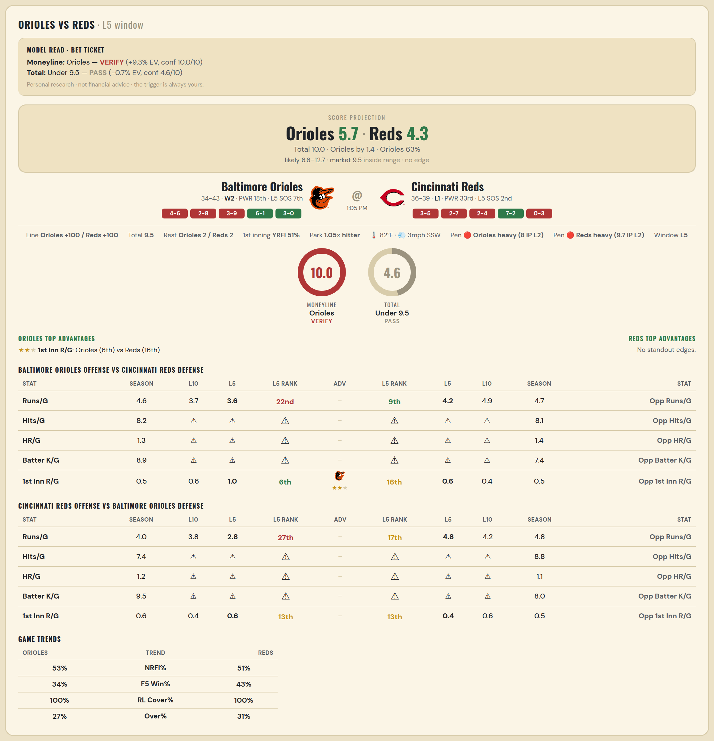

Baltimore Orioles offense vs Cincinnati Reds defense
Stat | A Season | A L30 | A L20 | A L15 | A L10 | A L5 | A Rk | Adv | H Rk | H L5 | H L10 | H L15 | H L20 | H L30 | H Season | Opp stat
Runs/G | 4.558 | 4.667 | 4.1 | 4.133 | 3.7 | 3.6 | 22nd |  | 9th | 4.2 | 4.9 | 4.533 | 4.1 | 4.6 | 4.68 | Opp Runs/G
Hits/G | 8.208 | 9.5 | — | — | — | — | — |  | — | — | — | — | — | 8.333 | 8.106 | Opp Hits/G
HR/G | 1.271 | 1.5 | — | — | — | — | — |  | — | — | — | — | — | 1.667 | 1.383 | Opp HR/G
Batter K/G | 8.917 | 8.5 | — | — | — | — | — |  | — | — | — | — | — | 7.667 | 7.404 | Opp Batter K/G
1st Inn R/G | 0.5 | 0.733 | 0.7 | 0.533 | 0.6 | 1 | 6th | ★★ | 16th | 0.6 | 0.4 | 0.333 | 0.3 | 0.533 | 0.527 | Opp 1st Inn R/G

Cincinnati Reds offense vs Baltimore Orioles defense
Stat | A Season | A L30 | A L20 | A L15 | A L10 | A L5 | A Rk | Adv | H Rk | H L5 | H L10 | H L15 | H L20 | H L30 | H Season | Opp stat
Runs/G | 3.987 | 3.8 | 3.9 | 3.6 | 3.8 | 2.8 | 27th |  | 17th | 4.8 | 4.2 | 3.8 | 4.1 | 4.267 | 4.818 | Opp Runs/G
Hits/G | 7.404 | 6.667 | — | — | — | — | — |  | — | — | — | — | — | 6.5 | 8.833 | Opp Hits/G
HR/G | 1.213 | 1.667 | — | — | — | — | — |  | — | — | — | — | — | 0.5 | 1.062 | Opp HR/G
Batter K/G | 9.532 | 12 | — | — | — | — | — |  | — | — | — | — | — | 6.5 | 8 | Opp Batter K/G
1st Inn R/G | 0.554 | 0.567 | 0.6 | 0.267 | 0.4 | 0.6 | 13th |  | 13th | 0.4 | 0.6 | 0.8 | 0.9 | 0.7 | 0.487 | Opp 1st Inn R/G

MLB Twins @ Yankees
Minnesota Twins @ New York Yankees
MLB · 2026-07-05 · L5 window

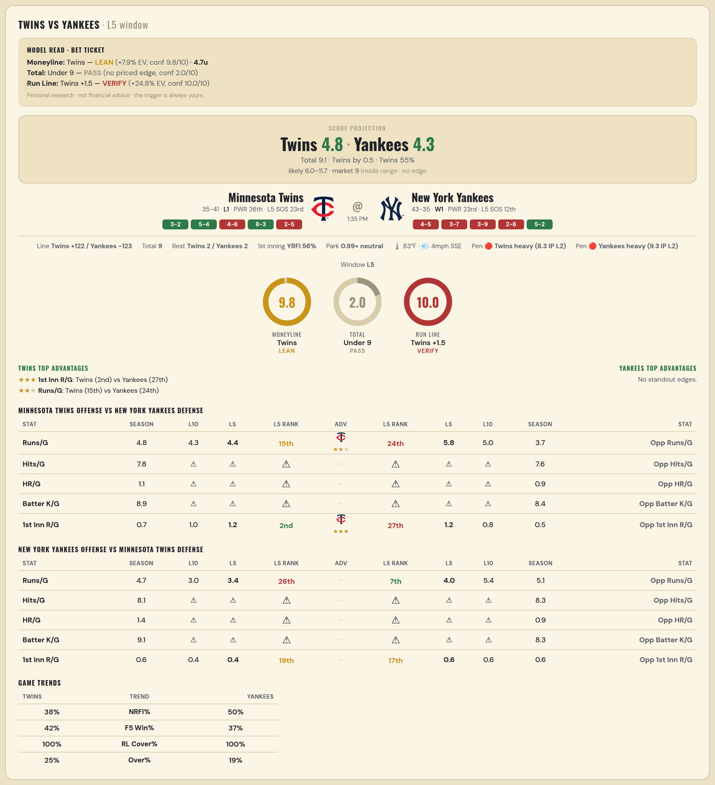

Minnesota Twins offense vs New York Yankees defense
Stat | A Season | A L30 | A L20 | A L15 | A L10 | A L5 | A Rk | Adv | H Rk | H L5 | H L10 | H L15 | H L20 | H L30 | H Season | Opp stat
Runs/G | 4.776 | 5.3 | 5.65 | 5.933 | 4.3 | 4.4 | 15th | ★★ | 24th | 5.8 | 5 | 4.933 | 4.65 | 4.633 | 3.744 | Opp Runs/G
Hits/G | 7.776 | 8.667 | — | — | — | — | — |  | — | — | — | — | — | 10.667 | 7.609 | Opp Hits/G
HR/G | 1.061 | 1 | — | — | — | — | — |  | — | — | — | — | — | 2 | 0.913 | Opp HR/G
Batter K/G | 8.939 | 8 | — | — | — | — | — |  | — | — | — | — | — | 9.667 | 8.435 | Opp Batter K/G
1st Inn R/G | 0.684 | 0.833 | 1.1 | 1.2 | 1 | 1.2 | 2nd | ★★★ | 27th | 1.2 | 0.8 | 0.533 | 0.6 | 0.6 | 0.479 | Opp 1st Inn R/G

New York Yankees offense vs Minnesota Twins defense
Stat | A Season | A L30 | A L20 | A L15 | A L10 | A L5 | A Rk | Adv | H Rk | H L5 | H L10 | H L15 | H L20 | H L30 | H Season | Opp stat
Runs/G | 4.744 | 4.467 | 4 | 2.8 | 3 | 3.4 | 26th |  | 7th | 4 | 5.4 | 5.2 | 5.6 | 5.767 | 5.132 | Opp Runs/G
Hits/G | 8.109 | 8.333 | — | — | — | — | — |  | — | — | — | — | — | 9 | 8.306 | Opp Hits/G
HR/G | 1.413 | 0.333 | — | — | — | — | — |  | — | — | — | — | — | 1.667 | 0.918 | Opp HR/G
Batter K/G | 9.13 | 9.667 | — | — | — | — | — |  | — | — | — | — | — | 11.667 | 8.265 | Opp Batter K/G
1st Inn R/G | 0.63 | 0.333 | 0.35 | 0.333 | 0.4 | 0.4 | 19th |  | 17th | 0.6 | 0.6 | 0.4 | 0.5 | 0.633 | 0.605 | Opp 1st Inn R/G

MLB Sox @ Guardians
Chicago White Sox @ Cleveland Guardians
MLB · 2026-07-05 · L5 window

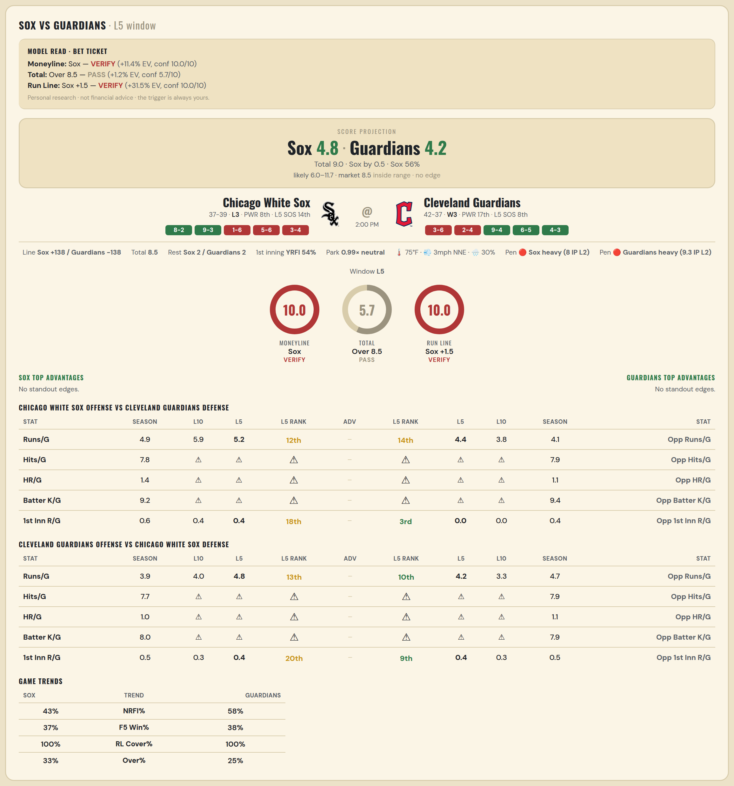

Chicago White Sox offense vs Cleveland Guardians defense
Stat | A Season | A L30 | A L20 | A L15 | A L10 | A L5 | A Rk | Adv | H Rk | H L5 | H L10 | H L15 | H L20 | H L30 | H Season | Opp stat
Runs/G | 4.908 | 5.067 | 5 | 5.2 | 5.9 | 5.2 | 12th |  | 14th | 4.4 | 3.8 | 3.867 | 4 | 4.367 | 4.127 | Opp Runs/G
Hits/G | 7.792 | 8.5 | — | — | — | — | — |  | — | — | — | — | — | 10.333 | 7.939 | Opp Hits/G
HR/G | 1.354 | 1.75 | — | — | — | — | — |  | — | — | — | — | — | 1 | 1.143 | Opp HR/G
Batter K/G | 9.208 | 9 | — | — | — | — | — |  | — | — | — | — | — | 10 | 9.388 | Opp Batter K/G
1st Inn R/G | 0.581 | 0.6 | 0.4 | 0.4 | 0.4 | 0.4 | 18th |  | 3rd | 0 | 0 | 0.133 | 0.3 | 0.367 | 0.355 | Opp 1st Inn R/G

Cleveland Guardians offense vs Chicago White Sox defense
Stat | A Season | A L30 | A L20 | A L15 | A L10 | A L5 | A Rk | Adv | H Rk | H L5 | H L10 | H L15 | H L20 | H L30 | H Season | Opp stat
Runs/G | 3.949 | 3.7 | 3.8 | 4.067 | 4 | 4.8 | 13th |  | 10th | 4.2 | 3.3 | 3.467 | 4.35 | 4.333 | 4.724 | Opp Runs/G
Hits/G | 7.735 | 9.667 | — | — | — | — | — |  | — | — | — | — | — | 7.75 | 7.854 | Opp Hits/G
HR/G | 0.959 | 0.333 | — | — | — | — | — |  | — | — | — | — | — | 0.5 | 1.062 | Opp HR/G
Batter K/G | 8 | 12.667 | — | — | — | — | — |  | — | — | — | — | — | 6.75 | 7.938 | Opp Batter K/G
1st Inn R/G | 0.5 | 0.233 | 0.25 | 0.267 | 0.3 | 0.4 | 20th |  | 9th | 0.4 | 0.3 | 0.333 | 0.55 | 0.533 | 0.541 | Opp 1st Inn R/G

MLB Cardinals @ Cubs
St. Louis Cardinals @ Chicago Cubs
MLB · 2026-07-05 · L5 window

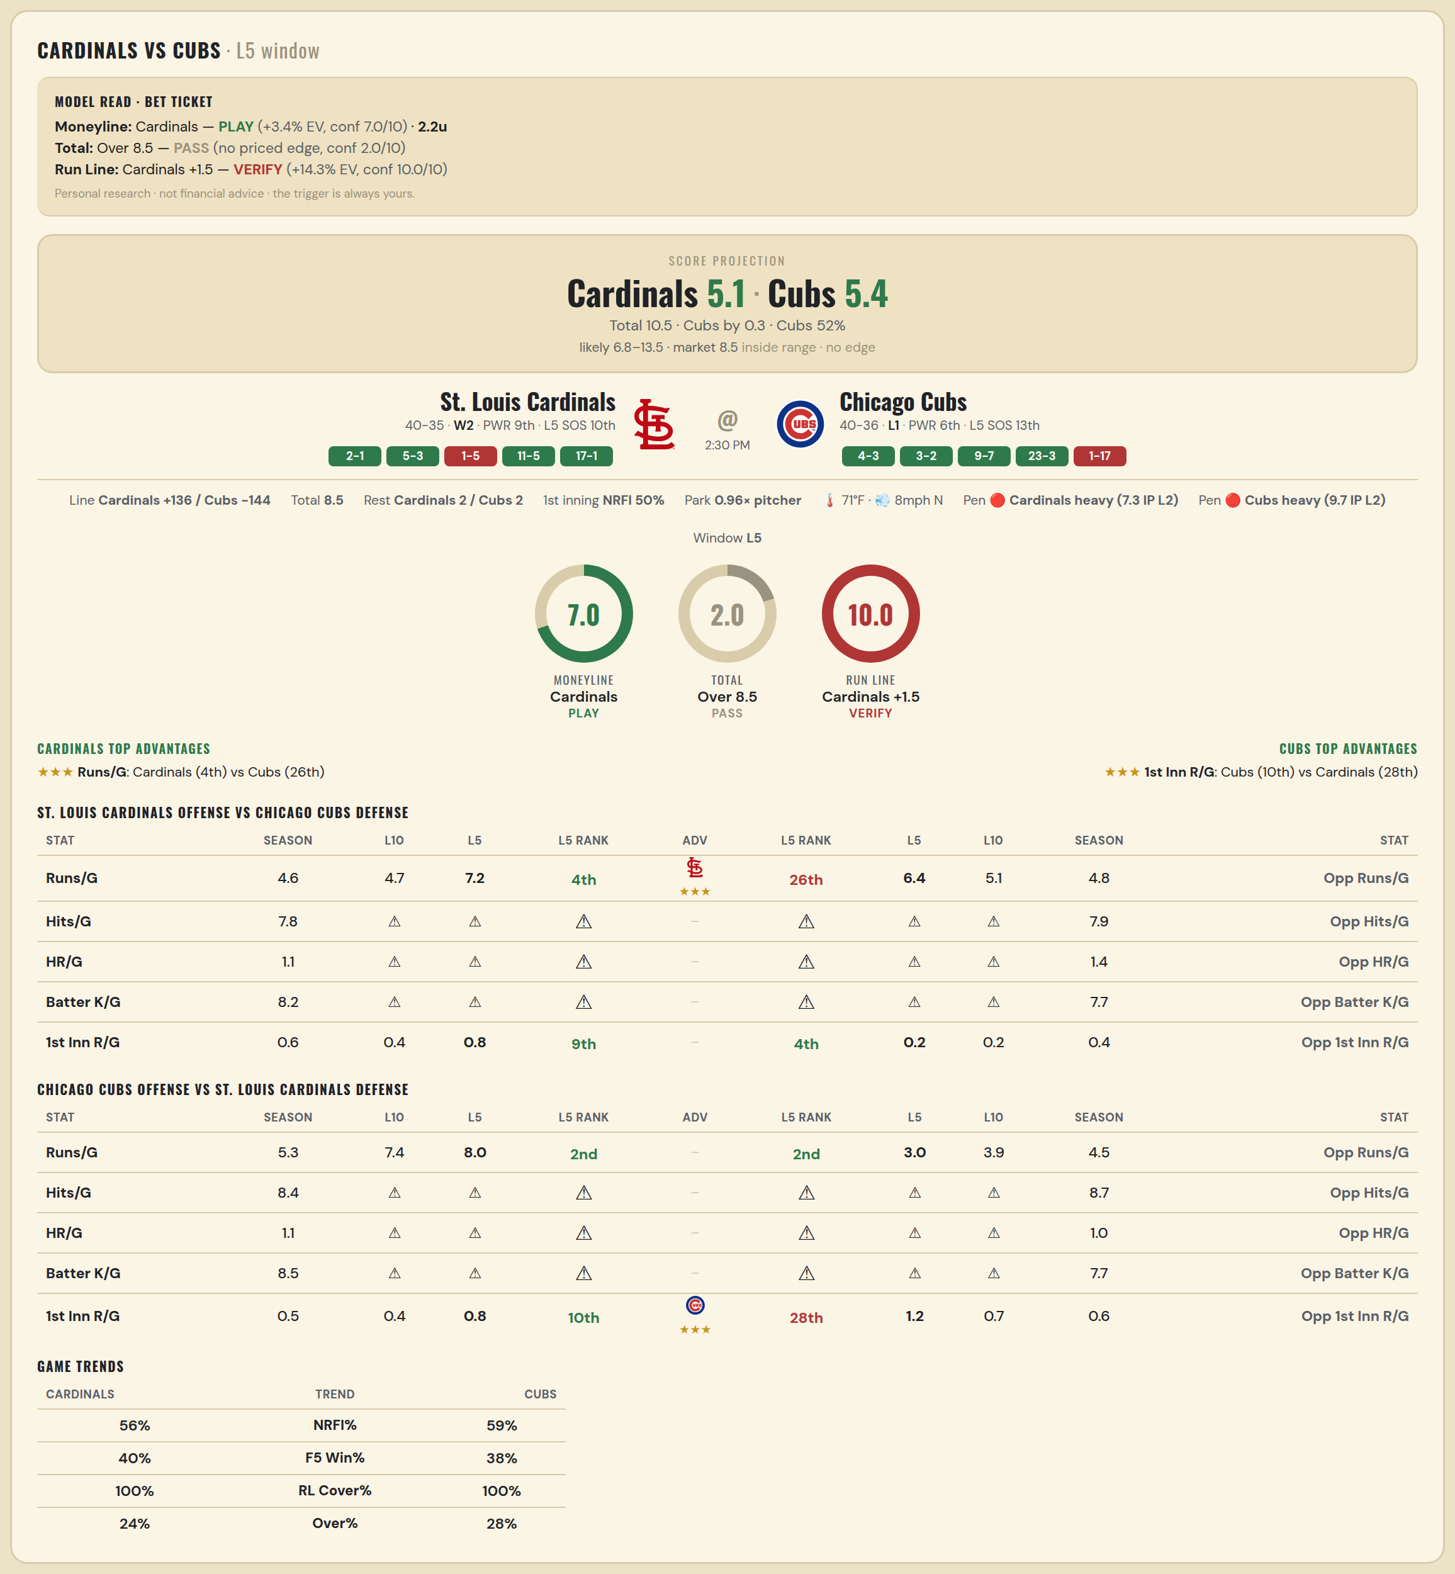

St. Louis Cardinals offense vs Chicago Cubs defense
Stat | A Season | A L30 | A L20 | A L15 | A L10 | A L5 | A Rk | Adv | H Rk | H L5 | H L10 | H L15 | H L20 | H L30 | H Season | Opp stat
Runs/G | 4.64 | 5.167 | 5.1 | 4.933 | 4.7 | 7.2 | 4th | ★★★ | 26th | 6.4 | 5.1 | 5.2 | 4.6 | 4.767 | 4.816 | Opp Runs/G
Hits/G | 7.826 | 7.75 | — | — | — | — | — |  | — | — | — | — | — | 6.333 | 7.896 | Opp Hits/G
HR/G | 1.109 | 0.5 | — | — | — | — | — |  | — | — | — | — | — | 0.333 | 1.354 | Opp HR/G
Batter K/G | 8.196 | 9 | — | — | — | — | — |  | — | — | — | — | — | 6.667 | 7.708 | Opp Batter K/G
1st Inn R/G | 0.556 | 0.767 | 0.8 | 0.8 | 0.4 | 0.8 | 9th |  | 4th | 0.2 | 0.2 | 0.133 | 0.1 | 0.333 | 0.44 | Opp 1st Inn R/G

Chicago Cubs offense vs St. Louis Cardinals defense
Stat | A Season | A L30 | A L20 | A L15 | A L10 | A L5 | A Rk | Adv | H Rk | H L5 | H L10 | H L15 | H L20 | H L30 | H Season | Opp stat
Runs/G | 5.263 | 5.733 | 7.05 | 7.667 | 7.4 | 8 | 2nd |  | 2nd | 3 | 3.9 | 5.133 | 5.1 | 4.467 | 4.52 | Opp Runs/G
Hits/G | 8.438 | 7.667 | — | — | — | — | — |  | — | — | — | — | — | 9 | 8.652 | Opp Hits/G
HR/G | 1.104 | 0.667 | — | — | — | — | — |  | — | — | — | — | — | 0.5 | 1.043 | Opp HR/G
Batter K/G | 8.458 | 7 | — | — | — | — | — |  | — | — | — | — | — | 8.75 | 7.739 | Opp Batter K/G
1st Inn R/G | 0.453 | 0.5 | 0.7 | 0.8 | 0.4 | 0.8 | 10th | ★★★ | 28th | 1.2 | 0.7 | 0.733 | 0.75 | 0.6 | 0.597 | Opp 1st Inn R/G

MLB Phillies @ Royals
Philadelphia Phillies @ Kansas City Royals
MLB · 2026-07-05 · L5 window

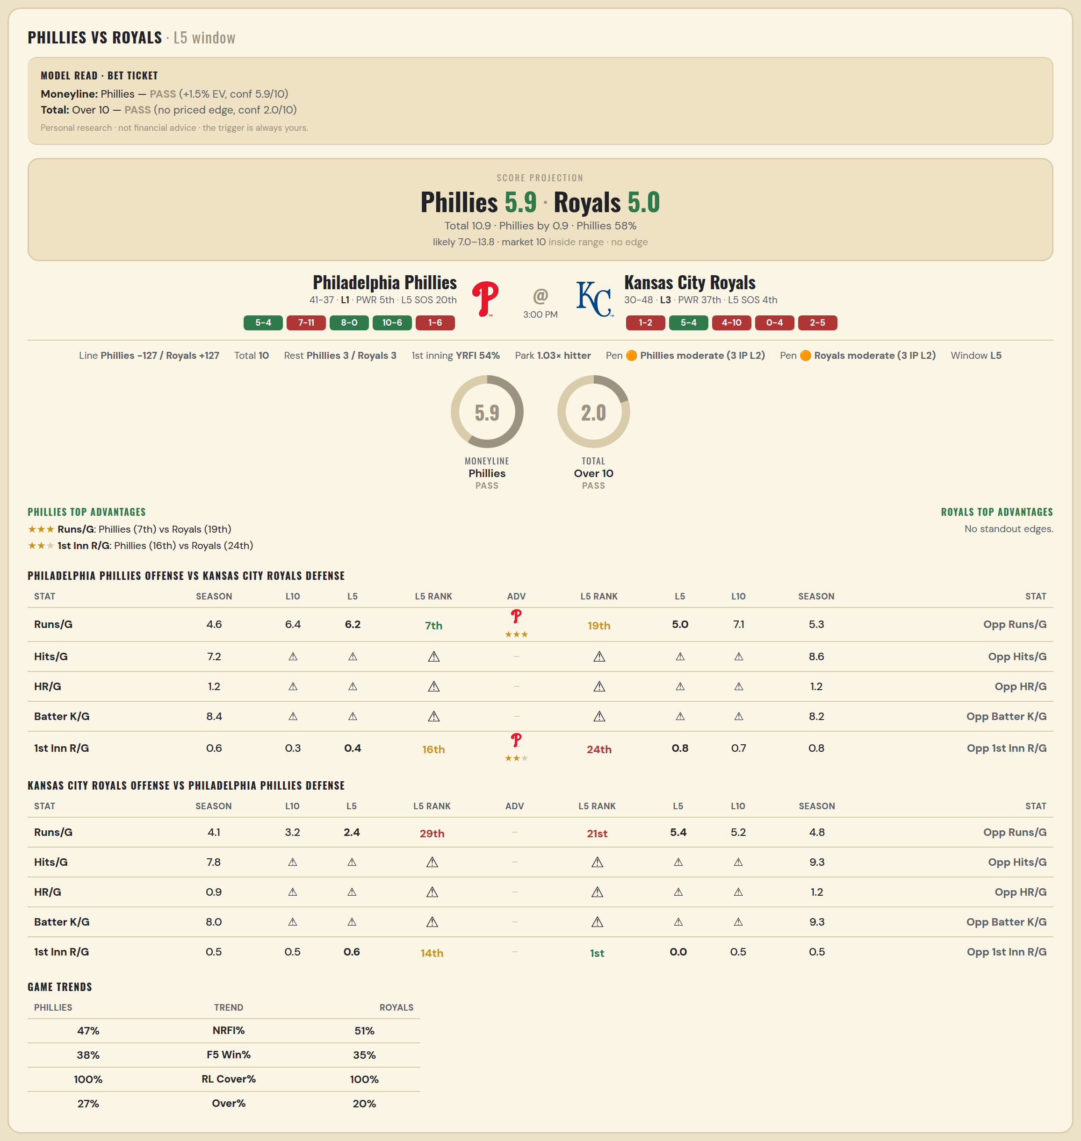

Philadelphia Phillies offense vs Kansas City Royals defense
Stat | A Season | A L30 | A L20 | A L15 | A L10 | A L5 | A Rk | Adv | H Rk | H L5 | H L10 | H L15 | H L20 | H L30 | H Season | Opp stat
Runs/G | 4.577 | 5.5 | 5.9 | 6.267 | 6.4 | 6.2 | 7th | ★★★ | 19th | 5 | 7.1 | 6.8 | 6.55 | 5.733 | 5.256 | Opp Runs/G
Hits/G | 7.234 | 7 | — | — | — | — | — |  | — | — | — | — | — | 6.667 | 8.604 | Opp Hits/G
HR/G | 1.213 | 1 | — | — | — | — | — |  | — | — | — | — | — | 1.333 | 1.25 | Opp HR/G
Batter K/G | 8.426 | 8.5 | — | — | — | — | — |  | — | — | — | — | — | 10.333 | 8.208 | Opp Batter K/G
1st Inn R/G | 0.573 | 0.5 | 0.6 | 0.6 | 0.3 | 0.4 | 16th | ★★ | 24th | 0.8 | 0.7 | 1 | 1.25 | 1.033 | 0.827 | Opp 1st Inn R/G

Kansas City Royals offense vs Philadelphia Phillies defense
Stat | A Season | A L30 | A L20 | A L15 | A L10 | A L5 | A Rk | Adv | H Rk | H L5 | H L10 | H L15 | H L20 | H L30 | H Season | Opp stat
Runs/G | 4.128 | 4.833 | 4.8 | 4.8 | 3.2 | 2.4 | 29th |  | 21st | 5.4 | 5.2 | 5.267 | 4.95 | 4.733 | 4.795 | Opp Runs/G
Hits/G | 7.792 | 8.667 | — | — | — | — | — |  | — | — | — | — | — | 10 | 9.319 | Opp Hits/G
HR/G | 0.896 | 1.333 | — | — | — | — | — |  | — | — | — | — | — | 2 | 1.17 | Opp HR/G
Batter K/G | 8.021 | 10 | — | — | — | — | — |  | — | — | — | — | — | 9.5 | 9.277 | Opp Batter K/G
1st Inn R/G | 0.467 | 0.833 | 0.75 | 0.6 | 0.5 | 0.6 | 14th |  | 1st | 0 | 0.5 | 0.667 | 0.6 | 0.533 | 0.52 | Opp 1st Inn R/G

MLB Rays @ Astros
Tampa Bay Rays @ Houston Astros
MLB · 2026-07-05 · L5 window

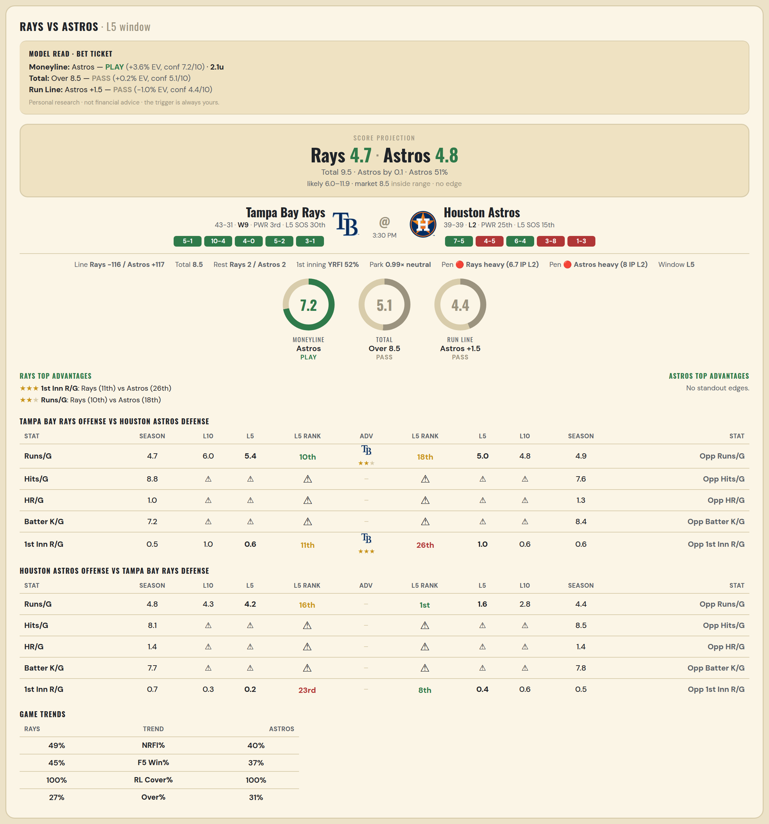

Tampa Bay Rays offense vs Houston Astros defense
Stat | A Season | A L30 | A L20 | A L15 | A L10 | A L5 | A Rk | Adv | H Rk | H L5 | H L10 | H L15 | H L20 | H L30 | H Season | Opp stat
Runs/G | 4.689 | 4.367 | 4.55 | 5.133 | 6 | 5.4 | 10th | ★★ | 18th | 5 | 4.8 | 4.4 | 4.8 | 4.9 | 4.936 | Opp Runs/G
Hits/G | 8.778 | 6.333 | — | — | — | — | — |  | — | — | — | — | — | 8.5 | 7.625 | Opp Hits/G
HR/G | 0.956 | 1 | — | — | — | — | — |  | — | — | — | — | — | 2 | 1.292 | Opp HR/G
Batter K/G | 7.244 | 8 | — | — | — | — | — |  | — | — | — | — | — | 9 | 8.417 | Opp Batter K/G
1st Inn R/G | 0.542 | 0.633 | 0.65 | 0.733 | 1 | 0.6 | 11th | ★★★ | 26th | 1 | 0.6 | 0.467 | 0.7 | 0.6 | 0.645 | Opp 1st Inn R/G

Houston Astros offense vs Tampa Bay Rays defense
Stat | A Season | A L30 | A L20 | A L15 | A L10 | A L5 | A Rk | Adv | H Rk | H L5 | H L10 | H L15 | H L20 | H L30 | H Season | Opp stat
Runs/G | 4.808 | 4.333 | 4.3 | 4.067 | 4.3 | 4.2 | 16th |  | 1st | 1.6 | 2.8 | 2.933 | 3.2 | 3.6 | 4.351 | Opp Runs/G
Hits/G | 8.083 | 5.5 | — | — | — | — | — |  | — | — | — | — | — | 11 | 8.467 | Opp Hits/G
HR/G | 1.417 | 0.5 | — | — | — | — | — |  | — | — | — | — | — | 3 | 1.444 | Opp HR/G
Batter K/G | 7.729 | 10 | — | — | — | — | — |  | — | — | — | — | — | 6.667 | 7.778 | Opp Batter K/G
1st Inn R/G | 0.684 | 0.7 | 0.75 | 0.4 | 0.3 | 0.2 | 23rd |  | 8th | 0.4 | 0.6 | 0.4 | 0.4 | 0.433 | 0.486 | Opp 1st Inn R/G

MLB Tigers @ Rangers
Detroit Tigers @ Texas Rangers
MLB · 2026-07-05 · L5 window

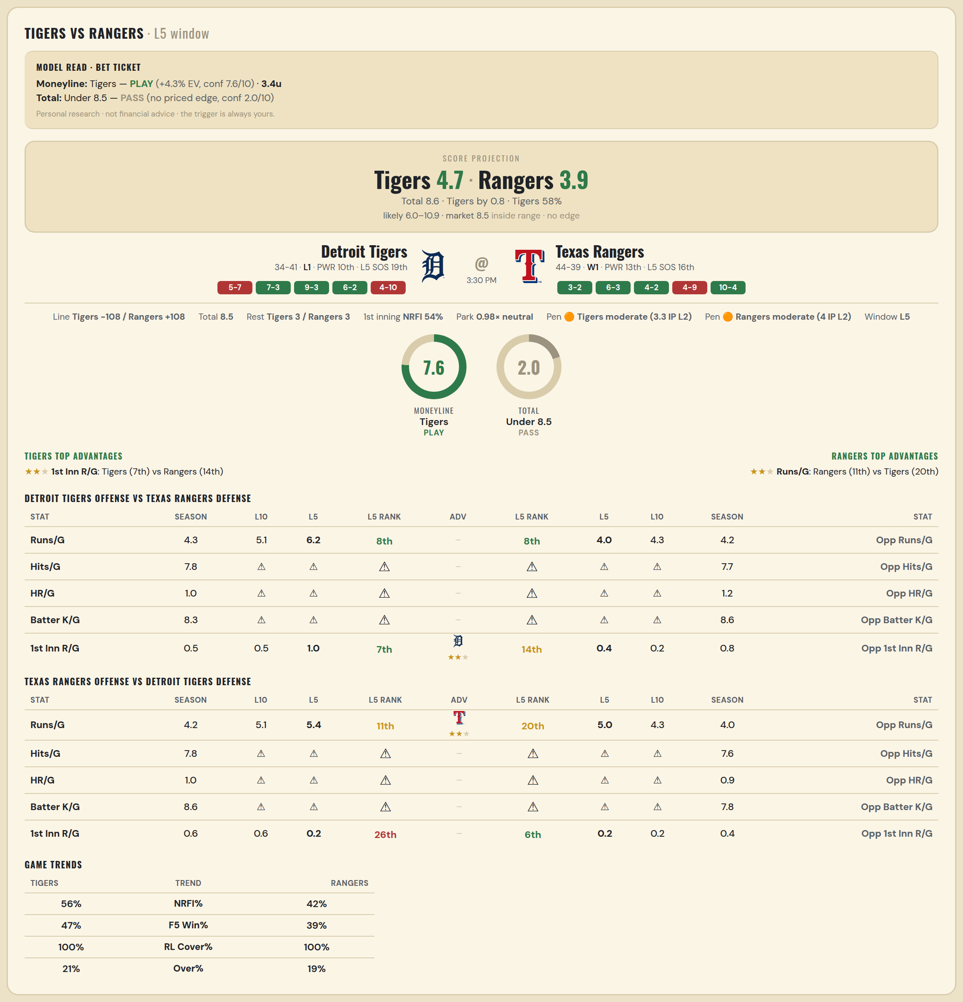

Detroit Tigers offense vs Texas Rangers defense
Stat | A Season | A L30 | A L20 | A L15 | A L10 | A L5 | A Rk | Adv | H Rk | H L5 | H L10 | H L15 | H L20 | H L30 | H Season | Opp stat
Runs/G | 4.307 | 4.967 | 4.8 | 4.733 | 5.1 | 6.2 | 8th |  | 8th | 4 | 4.3 | 4.733 | 5.35 | 4.633 | 4.169 | Opp Runs/G
Hits/G | 7.755 | 8.75 | — | — | — | — | — |  | — | — | — | — | — | 8.667 | 7.673 | Opp Hits/G
HR/G | 1.02 | 2.25 | — | — | — | — | — |  | — | — | — | — | — | 1 | 1.163 | Opp HR/G
Batter K/G | 8.306 | 7.75 | — | — | — | — | — |  | — | — | — | — | — | 12 | 8.571 | Opp Batter K/G
1st Inn R/G | 0.547 | 0.567 | 0.5 | 0.467 | 0.5 | 1 | 7th | ★★ | 14th | 0.4 | 0.2 | 0.733 | 0.9 | 0.667 | 0.776 | Opp 1st Inn R/G

Texas Rangers offense vs Detroit Tigers defense
Stat | A Season | A L30 | A L20 | A L15 | A L10 | A L5 | A Rk | Adv | H Rk | H L5 | H L10 | H L15 | H L20 | H L30 | H Season | Opp stat
Runs/G | 4.217 | 4.433 | 4.45 | 5 | 5.1 | 5.4 | 11th | ★★ | 20th | 5 | 4.3 | 3.867 | 3.55 | 3.733 | 4.04 | Opp Runs/G
Hits/G | 7.816 | 9 | — | — | — | — | — |  | — | — | — | — | — | 6.75 | 7.592 | Opp Hits/G
HR/G | 1.041 | 0 | — | — | — | — | — |  | — | — | — | — | — | 1.5 | 0.898 | Opp HR/G
Batter K/G | 8.592 | 9.333 | — | — | — | — | — |  | — | — | — | — | — | 7.25 | 7.776 | Opp Batter K/G
1st Inn R/G | 0.605 | 0.7 | 0.7 | 0.8 | 0.6 | 0.2 | 26th |  | 6th | 0.2 | 0.2 | 0.267 | 0.2 | 0.3 | 0.36 | Opp 1st Inn R/G

MLB Giants @ Rockies
San Francisco Giants @ Colorado Rockies
MLB · 2026-07-05 · L5 window

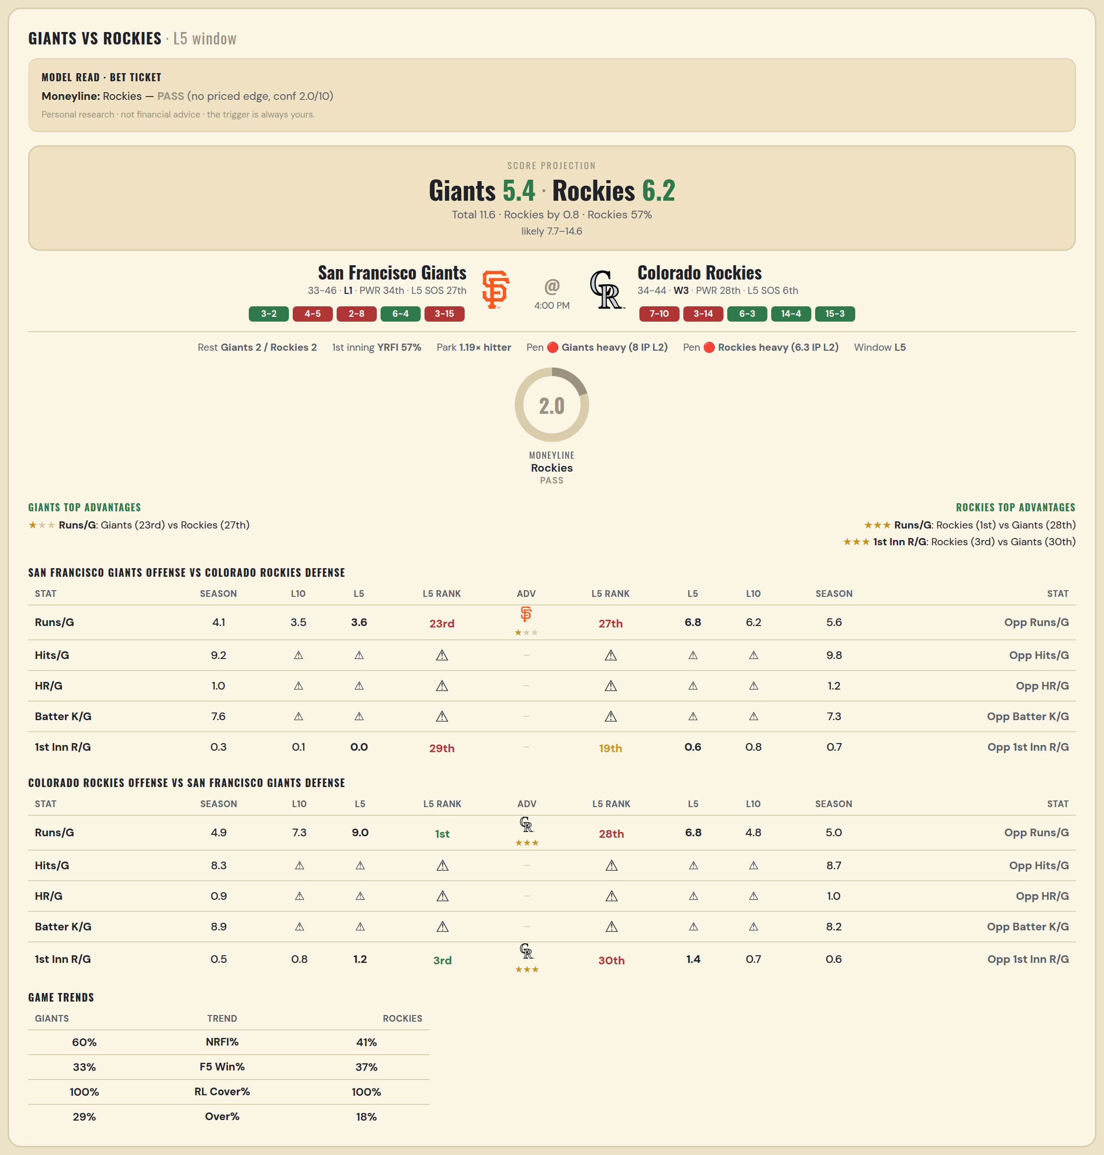

San Francisco Giants offense vs Colorado Rockies defense
Stat | A Season | A L30 | A L20 | A L15 | A L10 | A L5 | A Rk | Adv | H Rk | H L5 | H L10 | H L15 | H L20 | H L30 | H Season | Opp stat
Runs/G | 4.114 | 4.733 | 3.85 | 3.733 | 3.5 | 3.6 | 23rd | ★ | 27th | 6.8 | 6.2 | 5.6 | 5.65 | 6.5 | 5.641 | Opp Runs/G
Hits/G | 9.239 | 12.25 | — | — | — | — | — |  | — | — | — | — | — | 14 | 9.78 | Opp Hits/G
HR/G | 0.978 | 1.5 | — | — | — | — | — |  | — | — | — | — | — | 1.333 | 1.24 | Opp HR/G
Batter K/G | 7.587 | 9.5 | — | — | — | — | — |  | — | — | — | — | — | 7.333 | 7.28 | Opp Batter K/G
1st Inn R/G | 0.347 | 0.333 | 0.15 | 0.2 | 0.1 | 0 | 29th |  | 19th | 0.6 | 0.8 | 0.6 | 0.85 | 0.633 | 0.688 | Opp 1st Inn R/G

Colorado Rockies offense vs San Francisco Giants defense
Stat | A Season | A L30 | A L20 | A L15 | A L10 | A L5 | A Rk | Adv | H Rk | H L5 | H L10 | H L15 | H L20 | H L30 | H Season | Opp stat
Runs/G | 4.91 | 6.233 | 6.75 | 6.267 | 7.3 | 9 | 1st | ★★★ | 28th | 6.8 | 4.8 | 4.467 | 4.75 | 5.1 | 4.975 | Opp Runs/G
Hits/G | 8.32 | 10.667 | — | — | — | — | — |  | — | — | — | — | — | 13.5 | 8.652 | Opp Hits/G
HR/G | 0.92 | 1.667 | — | — | — | — | — |  | — | — | — | — | — | 0.75 | 0.978 | Opp HR/G
Batter K/G | 8.92 | 9.667 | — | — | — | — | — |  | — | — | — | — | — | 7.25 | 8.174 | Opp Batter K/G
1st Inn R/G | 0.506 | 0.567 | 0.55 | 0.6 | 0.8 | 1.2 | 3rd | ★★★ | 30th | 1.4 | 0.7 | 0.733 | 0.7 | 0.667 | 0.569 | Opp 1st Inn R/G

