MLB Royals @ Rays
Kansas City Royals @ Tampa Bay Rays
MLB · 2026-06-25 · L5 window

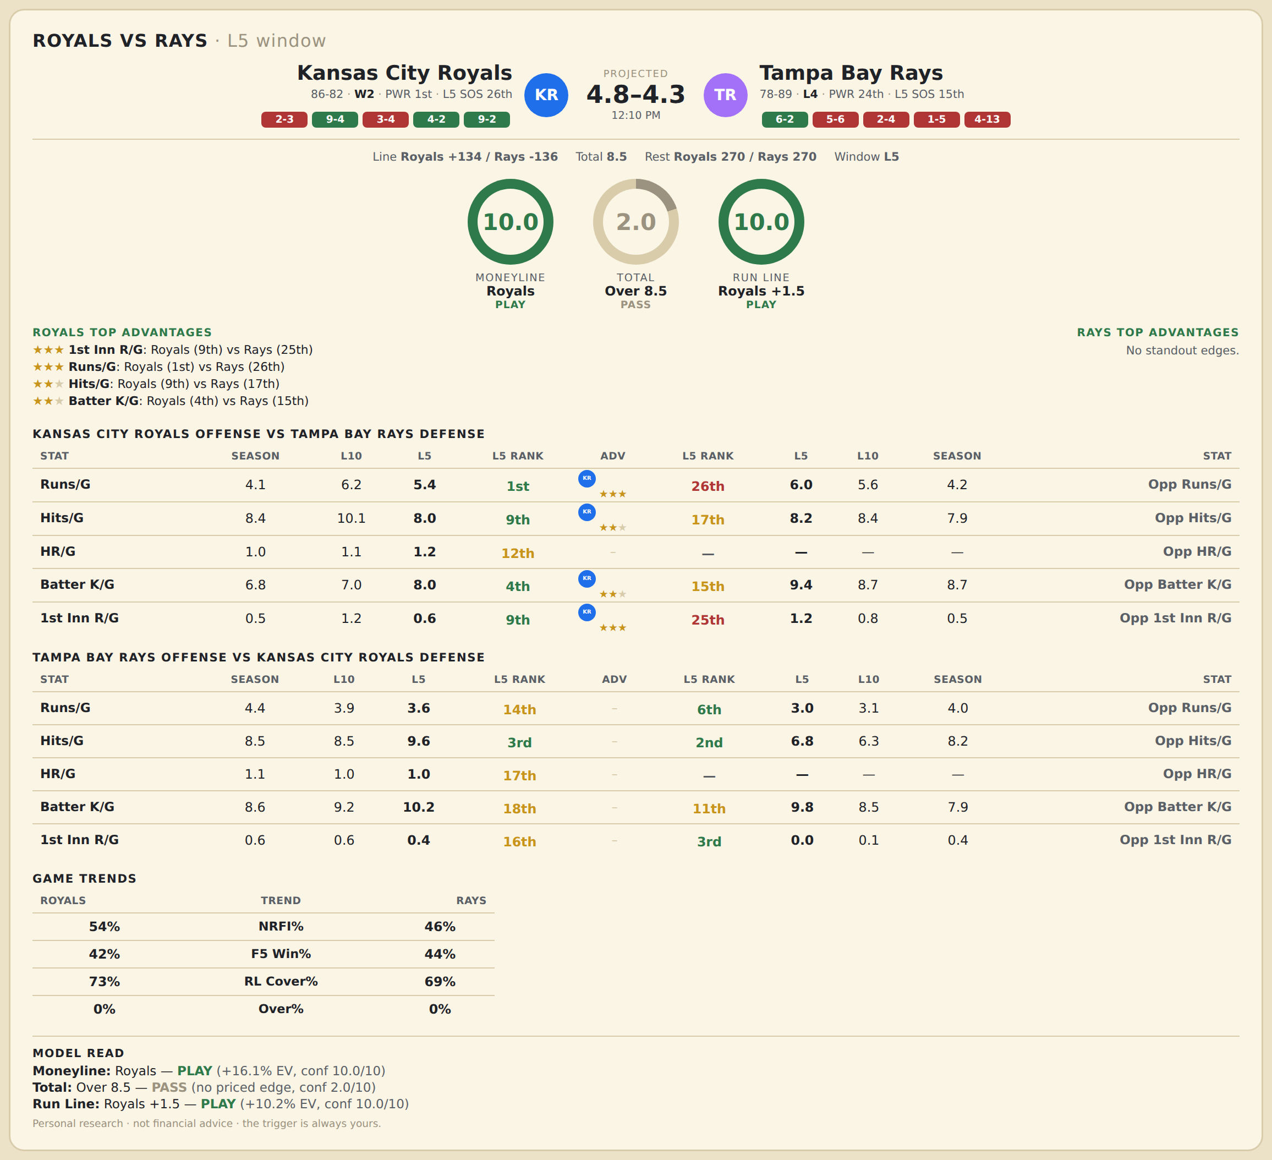

Kansas City Royals offense vs Tampa Bay Rays defense
Stat | A Season | A L30 | A L20 | A L15 | A L10 | A L5 | A Rk | Adv | H Rk | H L5 | H L10 | H L15 | H L20 | H L30 | H Season | Opp stat
Runs/G | 4.083 | 4.833 | 5.05 | 6.133 | 6.2 | 5.4 | 1st | ★★★ | 26th | 6 | 5.6 | 4.867 | 4.8 | 4.3 | 4.234 | Opp Runs/G
Hits/G | 8.429 | 8.567 | 9.05 | 10.2 | 10.1 | 8 | 9th | ★★ | 17th | 8.2 | 8.4 | 8.067 | 8.05 | 7.8 | 7.868 | Opp Hits/G
HR/G | 0.97 | 1.1 | 1.05 | 1.333 | 1.1 | 1.2 | 12th |  | — | — | — | — | — | — | — | Opp HR/G
Batter K/G | 6.768 | 6.533 | 6.8 | 6.667 | 7 | 8 | 4th | ★★ | 15th | 9.4 | 8.7 | 8.333 | 8.8 | 9.5 | 8.737 | Opp Batter K/G
1st Inn R/G | 0.542 | 1 | 1.1 | 1.267 | 1.2 | 0.6 | 9th | ★★★ | 25th | 1.2 | 0.8 | 0.667 | 0.65 | 0.467 | 0.473 | Opp 1st Inn R/G

Tampa Bay Rays offense vs Kansas City Royals defense
Stat | A Season | A L30 | A L20 | A L15 | A L10 | A L5 | A Rk | Adv | H Rk | H L5 | H L10 | H L15 | H L20 | H L30 | H Season | Opp stat
Runs/G | 4.437 | 4.033 | 3.55 | 3.667 | 3.9 | 3.6 | 14th |  | 6th | 3 | 3.1 | 4.467 | 4.5 | 4.033 | 4.012 | Opp Runs/G
Hits/G | 8.521 | 8.4 | 8.3 | 8.667 | 8.5 | 9.6 | 3rd |  | 2nd | 6.8 | 6.3 | 7.867 | 8.1 | 7.9 | 8.185 | Opp Hits/G
HR/G | 1.114 | 1.133 | 1.15 | 1 | 1 | 1 | 17th |  | — | — | — | — | — | — | — | Opp HR/G
Batter K/G | 8.611 | 8.967 | 9.5 | 9.667 | 9.2 | 10.2 | 18th |  | 11th | 9.8 | 8.5 | 7.933 | 8.05 | 8.067 | 7.857 | Opp Batter K/G
1st Inn R/G | 0.587 | 0.867 | 0.7 | 0.667 | 0.6 | 0.4 | 16th |  | 3rd | 0 | 0.1 | 0.467 | 0.6 | 0.5 | 0.399 | Opp 1st Inn R/G

MLB Mariners @ Pirates
Seattle Mariners @ Pittsburgh Pirates
MLB · 2026-06-25 · L5 window

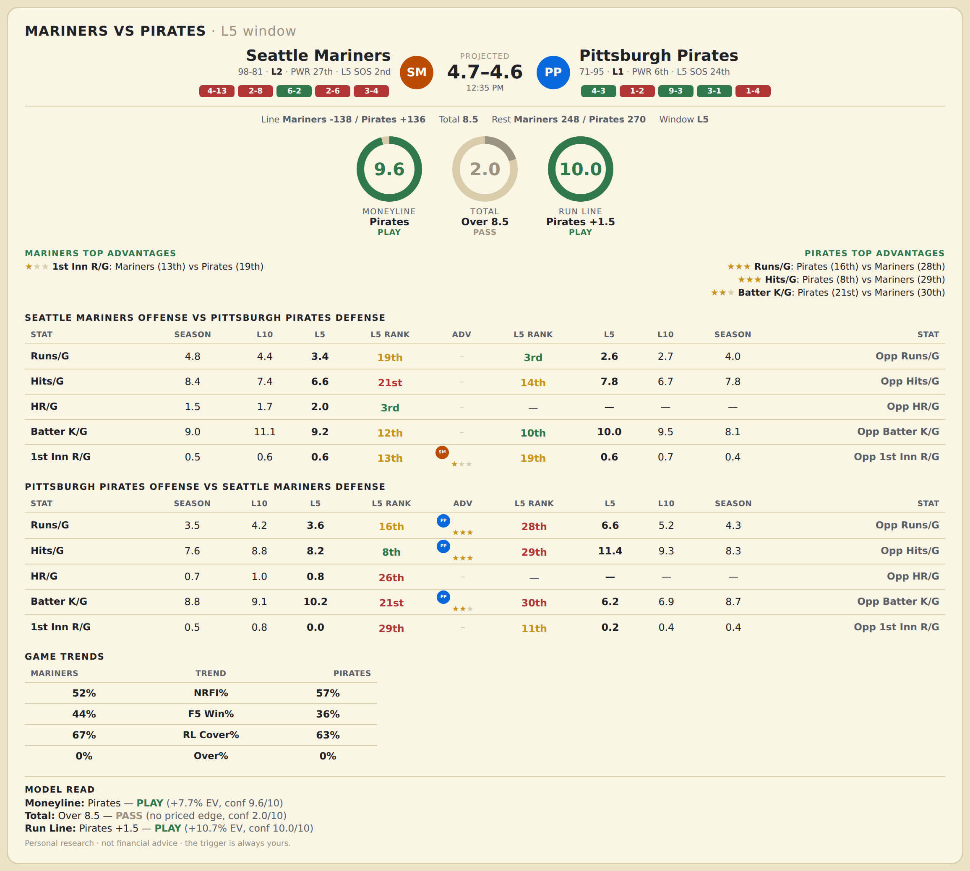

Seattle Mariners offense vs Pittsburgh Pirates defense
Stat | A Season | A L30 | A L20 | A L15 | A L10 | A L5 | A Rk | Adv | H Rk | H L5 | H L10 | H L15 | H L20 | H L30 | H Season | Opp stat
Runs/G | 4.782 | 4.8 | 4.35 | 3.667 | 4.4 | 3.4 | 19th |  | 3rd | 2.6 | 2.7 | 3.067 | 3.4 | 3.367 | 3.964 | Opp Runs/G
Hits/G | 8.352 | 8.2 | 7.65 | 7.267 | 7.4 | 6.6 | 21st |  | 14th | 7.8 | 6.7 | 7.2 | 7.5 | 7.467 | 7.765 | Opp Hits/G
HR/G | 1.503 | 1.6 | 1.55 | 1.4 | 1.7 | 2 | 3rd |  | — | — | — | — | — | — | — | Opp HR/G
Batter K/G | 9.039 | 9.933 | 10.8 | 11.333 | 11.1 | 9.2 | 12th |  | 10th | 10 | 9.5 | 9.4 | 9.5 | 9.333 | 8.114 | Opp Batter K/G
1st Inn R/G | 0.52 | 0.6 | 0.55 | 0.467 | 0.6 | 0.6 | 13th | ★ | 19th | 0.6 | 0.7 | 0.6 | 0.75 | 0.533 | 0.422 | Opp 1st Inn R/G

Pittsburgh Pirates offense vs Seattle Mariners defense
Stat | A Season | A L30 | A L20 | A L15 | A L10 | A L5 | A Rk | Adv | H Rk | H L5 | H L10 | H L15 | H L20 | H L30 | H Season | Opp stat
Runs/G | 3.53 | 3.667 | 3.2 | 3.733 | 4.2 | 3.6 | 16th | ★★★ | 28th | 6.6 | 5.2 | 4.733 | 4.25 | 3.8 | 4.346 | Opp Runs/G
Hits/G | 7.602 | 7.333 | 7.15 | 7.8 | 8.8 | 8.2 | 8th | ★★★ | 29th | 11.4 | 9.3 | 8.267 | 7.95 | 7.767 | 8.291 | Opp Hits/G
HR/G | 0.705 | 0.7 | 0.75 | 0.8 | 1 | 0.8 | 26th |  | — | — | — | — | — | — | — | Opp HR/G
Batter K/G | 8.849 | 9.4 | 9.35 | 8.933 | 9.1 | 10.2 | 21st | ★★ | 30th | 6.2 | 6.9 | 8.333 | 8.8 | 9.7 | 8.693 | Opp Batter K/G
1st Inn R/G | 0.5 | 0.867 | 0.7 | 0.8 | 0.8 | 0 | 29th |  | 11th | 0.2 | 0.4 | 0.267 | 0.2 | 0.267 | 0.441 | Opp 1st Inn R/G

MLB Athletics @ Giants
Athletics @ San Francisco Giants
MLB · 2026-06-25 · L5 window

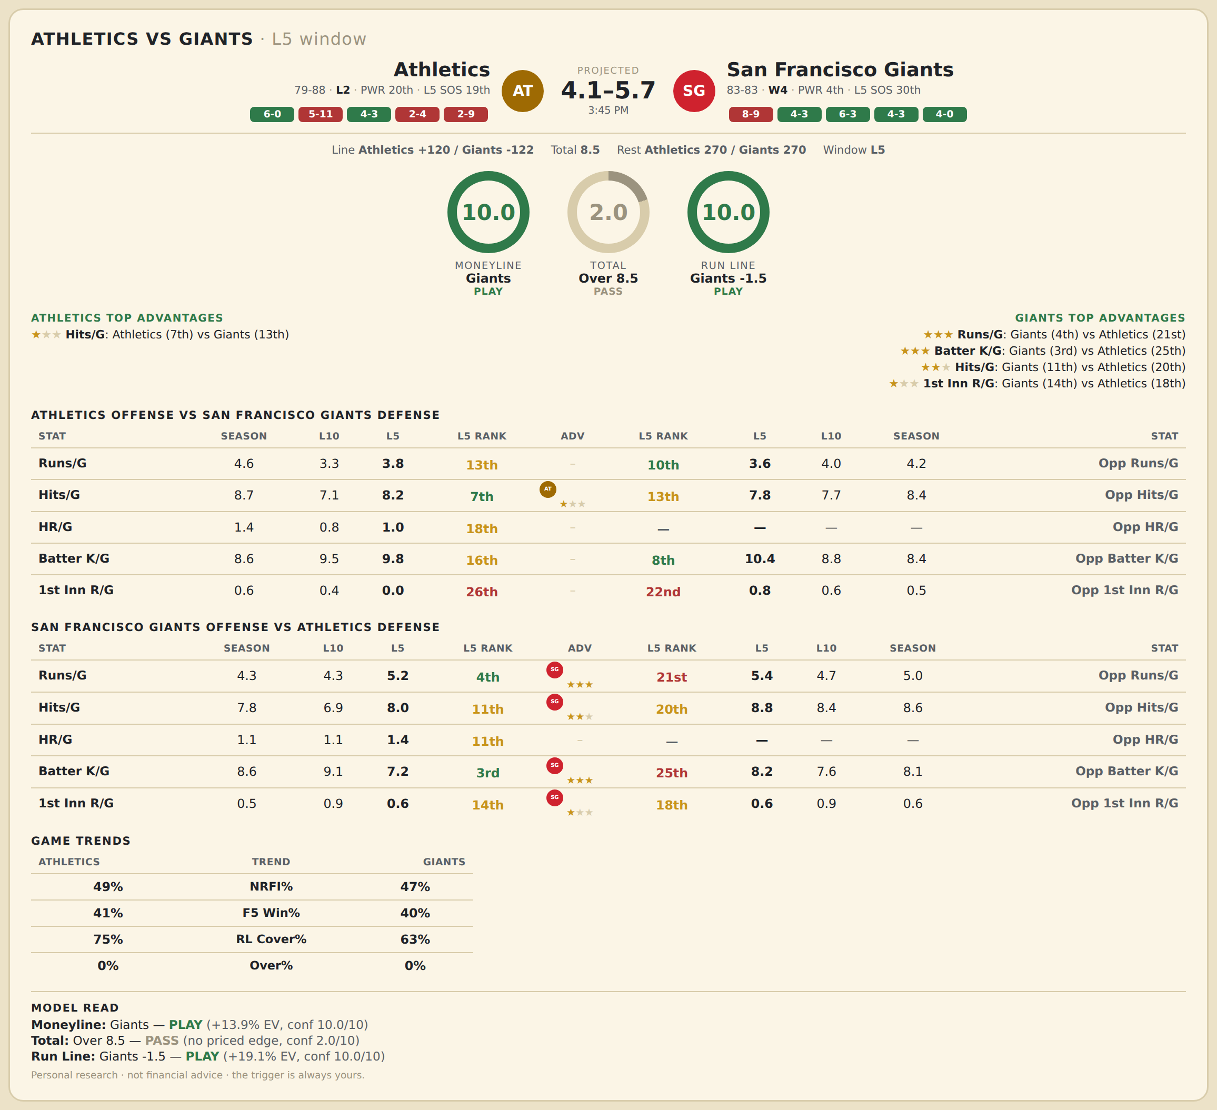

Athletics offense vs San Francisco Giants defense
Stat | A Season | A L30 | A L20 | A L15 | A L10 | A L5 | A Rk | Adv | H Rk | H L5 | H L10 | H L15 | H L20 | H L30 | H Season | Opp stat
Runs/G | 4.569 | 4.7 | 4.25 | 4 | 3.3 | 3.8 | 13th |  | 10th | 3.6 | 4 | 5.2 | 4.8 | 4.733 | 4.247 | Opp Runs/G
Hits/G | 8.713 | 8.767 | 8.5 | 7.867 | 7.1 | 8.2 | 7th | ★ | 13th | 7.8 | 7.7 | 9.2 | 8.85 | 8.9 | 8.416 | Opp Hits/G
HR/G | 1.371 | 1.3 | 1.3 | 1.2 | 0.8 | 1 | 18th |  | — | — | — | — | — | — | — | Opp HR/G
Batter K/G | 8.605 | 9.067 | 9.1 | 9.2 | 9.5 | 9.8 | 16th |  | 8th | 10.4 | 8.8 | 7.867 | 8.1 | 8.433 | 8.398 | Opp Batter K/G
1st Inn R/G | 0.647 | 0.5 | 0.45 | 0.333 | 0.4 | 0 | 26th |  | 22nd | 0.8 | 0.6 | 0.533 | 0.45 | 0.367 | 0.452 | Opp 1st Inn R/G

San Francisco Giants offense vs Athletics defense
Stat | A Season | A L30 | A L20 | A L15 | A L10 | A L5 | A Rk | Adv | H Rk | H L5 | H L10 | H L15 | H L20 | H L30 | H Season | Opp stat
Runs/G | 4.343 | 5.667 | 4.5 | 4.2 | 4.3 | 5.2 | 4th | ★★★ | 21st | 5.4 | 4.7 | 4.133 | 4.35 | 4.433 | 5.036 | Opp Runs/G
Hits/G | 7.819 | 8.3 | 6.4 | 6.467 | 6.9 | 8 | 11th | ★★ | 20th | 8.8 | 8.4 | 8.2 | 8.5 | 8.333 | 8.587 | Opp Hits/G
HR/G | 1.084 | 1.433 | 1.05 | 0.867 | 1.1 | 1.4 | 11th |  | — | — | — | — | — | — | — | Opp HR/G
Batter K/G | 8.566 | 7.933 | 8.65 | 8.733 | 9.1 | 7.2 | 3rd | ★★★ | 25th | 8.2 | 7.6 | 7.2 | 7.5 | 8.133 | 8.132 | Opp Batter K/G
1st Inn R/G | 0.548 | 1.167 | 1.05 | 1.133 | 0.9 | 0.6 | 14th | ★ | 18th | 0.6 | 0.9 | 0.733 | 0.9 | 0.8 | 0.629 | Opp 1st Inn R/G

MLB Astros @ Tigers
Houston Astros @ Detroit Tigers
MLB · 2026-06-25 · L5 window

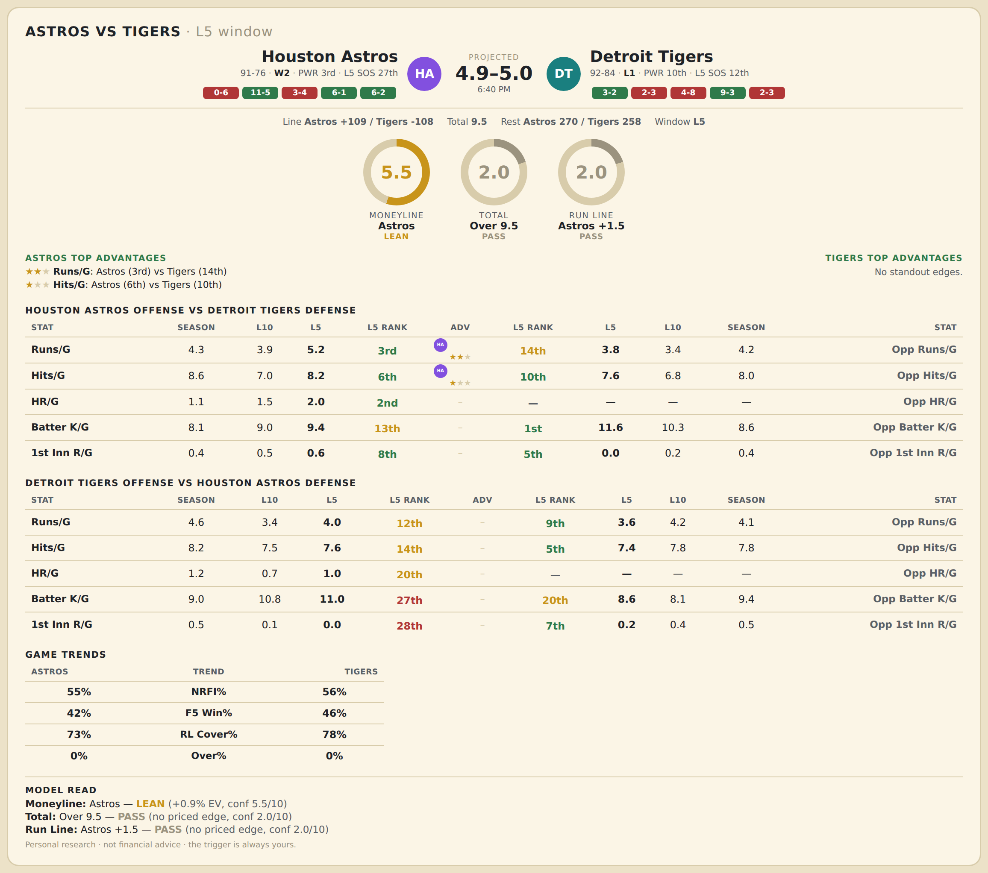

Houston Astros offense vs Detroit Tigers defense
Stat | A Season | A L30 | A L20 | A L15 | A L10 | A L5 | A Rk | Adv | H Rk | H L5 | H L10 | H L15 | H L20 | H L30 | H Season | Opp stat
Runs/G | 4.341 | 4.167 | 4.5 | 4.733 | 3.9 | 5.2 | 3rd | ★★ | 14th | 3.8 | 3.4 | 3.733 | 4.3 | 4.233 | 4.199 | Opp Runs/G
Hits/G | 8.557 | 7.967 | 7.9 | 7.867 | 7 | 8.2 | 6th | ★ | 10th | 7.6 | 6.8 | 7.267 | 7.85 | 7.933 | 7.972 | Opp Hits/G
HR/G | 1.144 | 1.2 | 1.25 | 1.333 | 1.5 | 2 | 2nd |  | — | — | — | — | — | — | — | Opp HR/G
Batter K/G | 8.066 | 8.533 | 8.7 | 8.8 | 9 | 9.4 | 13th |  | 1st | 11.6 | 10.3 | 9.733 | 9.65 | 9.033 | 8.602 | Opp Batter K/G
1st Inn R/G | 0.449 | 0.467 | 0.55 | 0.6 | 0.5 | 0.6 | 8th |  | 5th | 0 | 0.2 | 0.133 | 0.25 | 0.4 | 0.403 | Opp 1st Inn R/G

Detroit Tigers offense vs Houston Astros defense
Stat | A Season | A L30 | A L20 | A L15 | A L10 | A L5 | A Rk | Adv | H Rk | H L5 | H L10 | H L15 | H L20 | H L30 | H Season | Opp stat
Runs/G | 4.574 | 3.767 | 2.9 | 3.067 | 3.4 | 4 | 12th |  | 9th | 3.6 | 4.2 | 4.2 | 3.95 | 3.933 | 4.108 | Opp Runs/G
Hits/G | 8.222 | 7.5 | 7.35 | 7.667 | 7.5 | 7.6 | 14th |  | 5th | 7.4 | 7.8 | 8 | 7.6 | 7.5 | 7.772 | Opp Hits/G
HR/G | 1.205 | 0.933 | 0.85 | 0.733 | 0.7 | 1 | 20th |  | — | — | — | — | — | — | — | Opp HR/G
Batter K/G | 9.028 | 10.3 | 10.95 | 11.2 | 10.8 | 11 | 27th |  | 20th | 8.6 | 8.1 | 7.8 | 7.75 | 8.8 | 9.413 | Opp Batter K/G
1st Inn R/G | 0.506 | 0.267 | 0.2 | 0.2 | 0.1 | 0 | 28th |  | 7th | 0.2 | 0.4 | 0.333 | 0.35 | 0.233 | 0.509 | Opp 1st Inn R/G

MLB Phillies @ Nationals
Philadelphia Phillies @ Washington Nationals
MLB · 2026-06-25 · L5 window

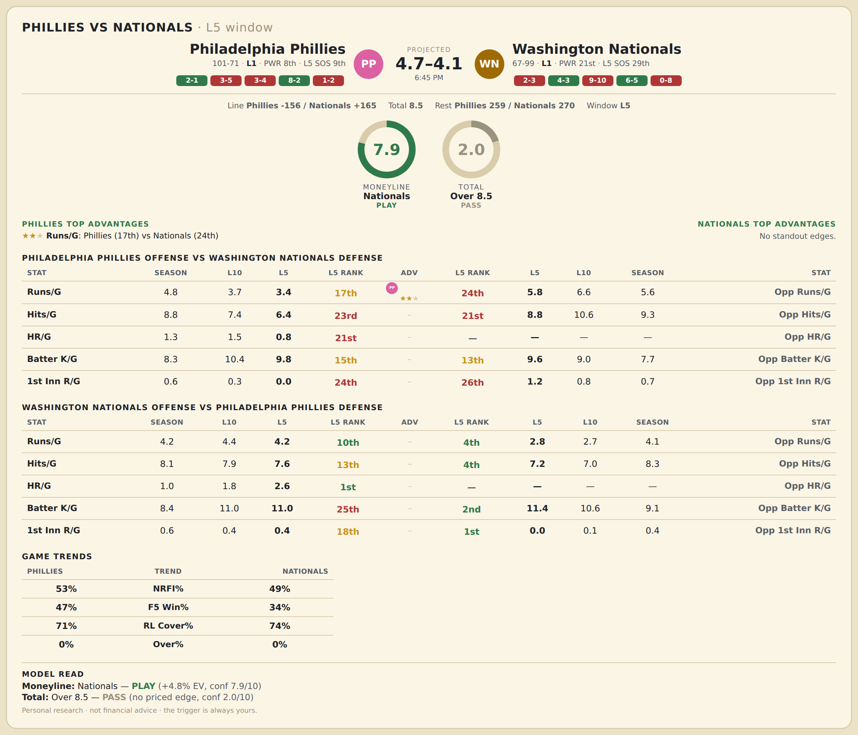

Philadelphia Phillies offense vs Washington Nationals defense
Stat | A Season | A L30 | A L20 | A L15 | A L10 | A L5 | A Rk | Adv | H Rk | H L5 | H L10 | H L15 | H L20 | H L30 | H Season | Opp stat
Runs/G | 4.802 | 4.8 | 4.5 | 3.933 | 3.7 | 3.4 | 17th | ★★ | 24th | 5.8 | 6.6 | 6.4 | 6.3 | 5.8 | 5.566 | Opp Runs/G
Hits/G | 8.802 | 8.767 | 8.15 | 7.733 | 7.4 | 6.4 | 23rd |  | 21st | 8.8 | 10.6 | 10.2 | 10.05 | 9 | 9.259 | Opp Hits/G
HR/G | 1.285 | 1.533 | 1.6 | 1.4 | 1.5 | 0.8 | 21st |  | — | — | — | — | — | — | — | Opp HR/G
Batter K/G | 8.273 | 9.5 | 9.6 | 9.933 | 10.4 | 9.8 | 15th |  | 13th | 9.6 | 9 | 8.333 | 7.75 | 8.233 | 7.729 | Opp Batter K/G
1st Inn R/G | 0.605 | 0.567 | 0.5 | 0.333 | 0.3 | 0 | 24th |  | 26th | 1.2 | 0.8 | 0.733 | 0.65 | 0.8 | 0.717 | Opp 1st Inn R/G

Washington Nationals offense vs Philadelphia Phillies defense
Stat | A Season | A L30 | A L20 | A L15 | A L10 | A L5 | A Rk | Adv | H Rk | H L5 | H L10 | H L15 | H L20 | H L30 | H Season | Opp stat
Runs/G | 4.205 | 4.133 | 4.3 | 3.667 | 4.4 | 4.2 | 10th |  | 4th | 2.8 | 2.7 | 3.533 | 4 | 3.767 | 4.052 | Opp Runs/G
Hits/G | 8.054 | 7.833 | 8.1 | 7.2 | 7.9 | 7.6 | 13th |  | 4th | 7.2 | 7 | 8 | 8.15 | 7.933 | 8.267 | Opp Hits/G
HR/G | 0.976 | 1.2 | 1.35 | 1.267 | 1.8 | 2.6 | 1st |  | — | — | — | — | — | — | — | Opp HR/G
Batter K/G | 8.373 | 9.8 | 10 | 10.733 | 11 | 11 | 25th |  | 2nd | 11.4 | 10.6 | 9.067 | 8.95 | 8.867 | 9.058 | Opp Batter K/G
1st Inn R/G | 0.584 | 0.4 | 0.35 | 0.267 | 0.4 | 0.4 | 18th |  | 1st | 0 | 0.1 | 0.333 | 0.65 | 0.833 | 0.407 | Opp 1st Inn R/G

MLB Rangers @ Jays
Texas Rangers @ Toronto Blue Jays
MLB · 2026-06-25 · L5 window

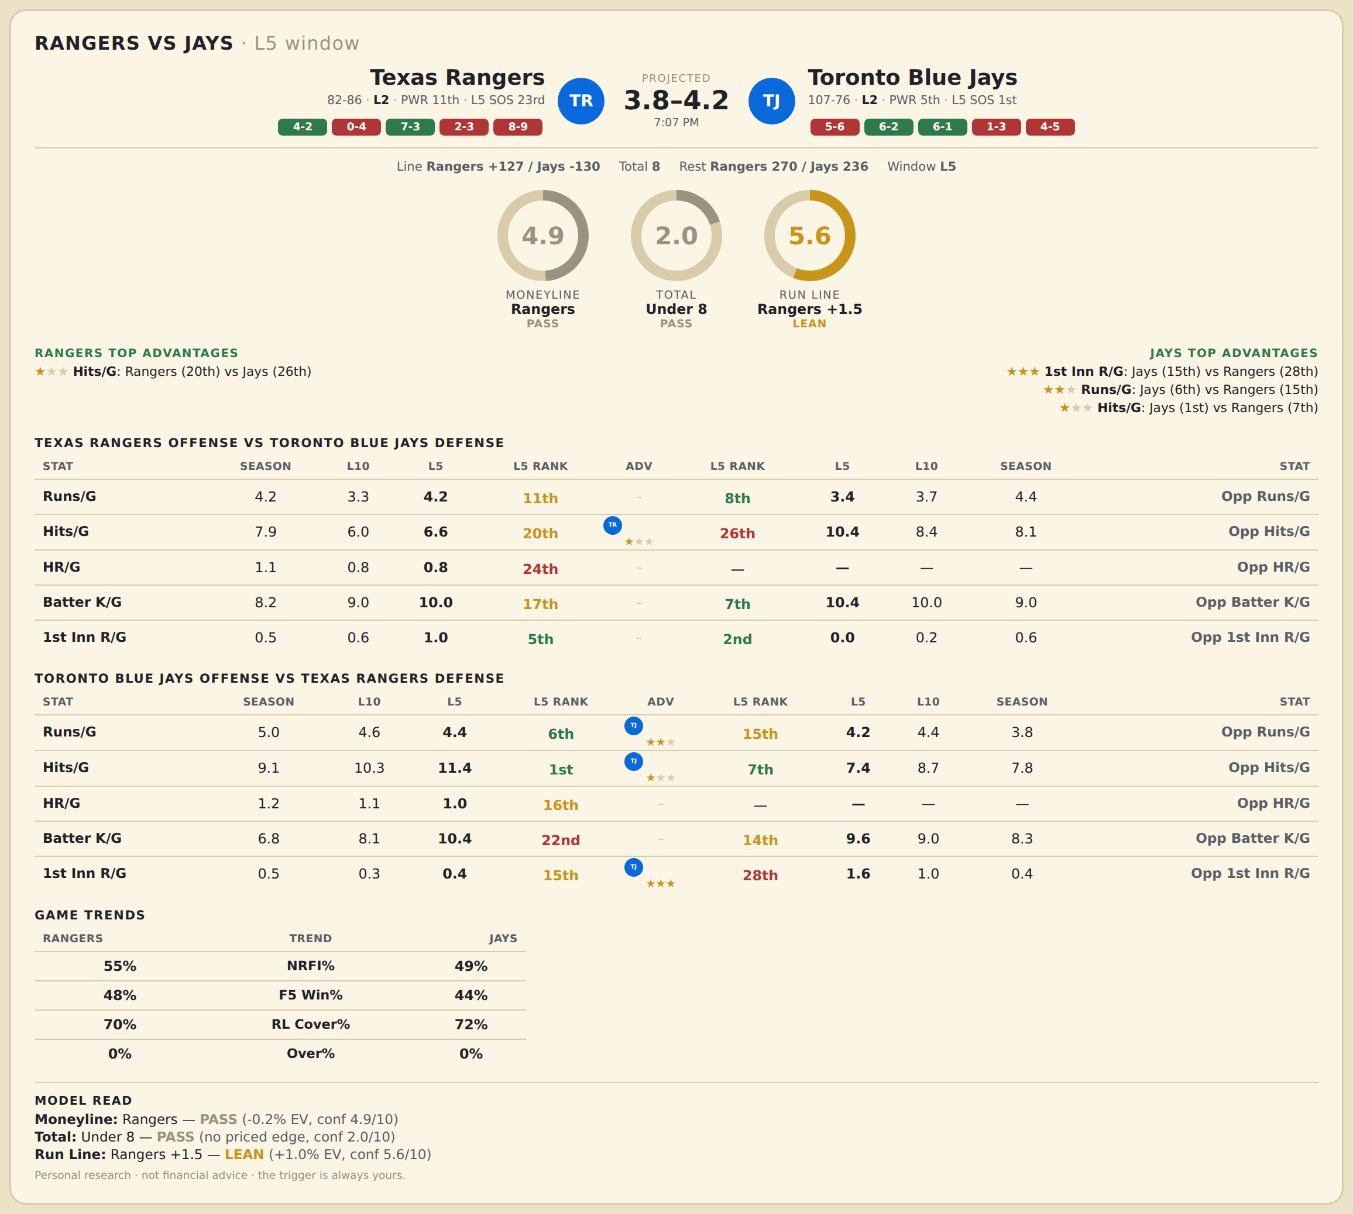

Texas Rangers offense vs Toronto Blue Jays defense
Stat | A Season | A L30 | A L20 | A L15 | A L10 | A L5 | A Rk | Adv | H Rk | H L5 | H L10 | H L15 | H L20 | H L30 | H Season | Opp stat
Runs/G | 4.202 | 4.6 | 3.7 | 3.6 | 3.3 | 4.2 | 11th |  | 8th | 3.4 | 3.7 | 3.867 | 4 | 4.4 | 4.399 | Opp Runs/G
Hits/G | 7.863 | 8 | 6.9 | 7.333 | 6 | 6.6 | 20th | ★ | 26th | 10.4 | 8.4 | 8 | 8.2 | 8.833 | 8.109 | Opp Hits/G
HR/G | 1.095 | 1.1 | 0.85 | 0.8 | 0.8 | 0.8 | 24th |  | — | — | — | — | — | — | — | Opp HR/G
Batter K/G | 8.22 | 8.167 | 8.3 | 8.4 | 9 | 10 | 17th |  | 7th | 10.4 | 10 | 10.2 | 10.3 | 9.133 | 8.967 | Opp Batter K/G
1st Inn R/G | 0.488 | 0.7 | 0.6 | 0.8 | 0.6 | 1 | 5th |  | 2nd | 0 | 0.2 | 0.467 | 0.45 | 0.667 | 0.579 | Opp 1st Inn R/G

Toronto Blue Jays offense vs Texas Rangers defense
Stat | A Season | A L30 | A L20 | A L15 | A L10 | A L5 | A Rk | Adv | H Rk | H L5 | H L10 | H L15 | H L20 | H L30 | H Season | Opp stat
Runs/G | 5.005 | 5.067 | 6.15 | 5.067 | 4.6 | 4.4 | 6th | ★★ | 15th | 4.2 | 4.4 | 4.4 | 4.3 | 4.067 | 3.78 | Opp Runs/G
Hits/G | 9.131 | 9.033 | 10.6 | 10.133 | 10.3 | 11.4 | 1st | ★ | 7th | 7.4 | 8.7 | 8.4 | 8.7 | 8.4 | 7.762 | Opp Hits/G
HR/G | 1.213 | 1.367 | 1.65 | 1.267 | 1.1 | 1 | 16th |  | — | — | — | — | — | — | — | Opp HR/G
Batter K/G | 6.831 | 6.967 | 7.4 | 7.333 | 8.1 | 10.4 | 22nd |  | 14th | 9.6 | 9 | 8.533 | 8.5 | 8.7 | 8.339 | Opp Batter K/G
1st Inn R/G | 0.519 | 0.6 | 0.75 | 0.467 | 0.3 | 0.4 | 15th | ★★★ | 28th | 1.6 | 1 | 0.867 | 0.75 | 0.667 | 0.381 | Opp 1st Inn R/G

MLB Cubs @ Mets
Chicago Cubs @ New York Mets
MLB · 2026-06-25 · L5 window

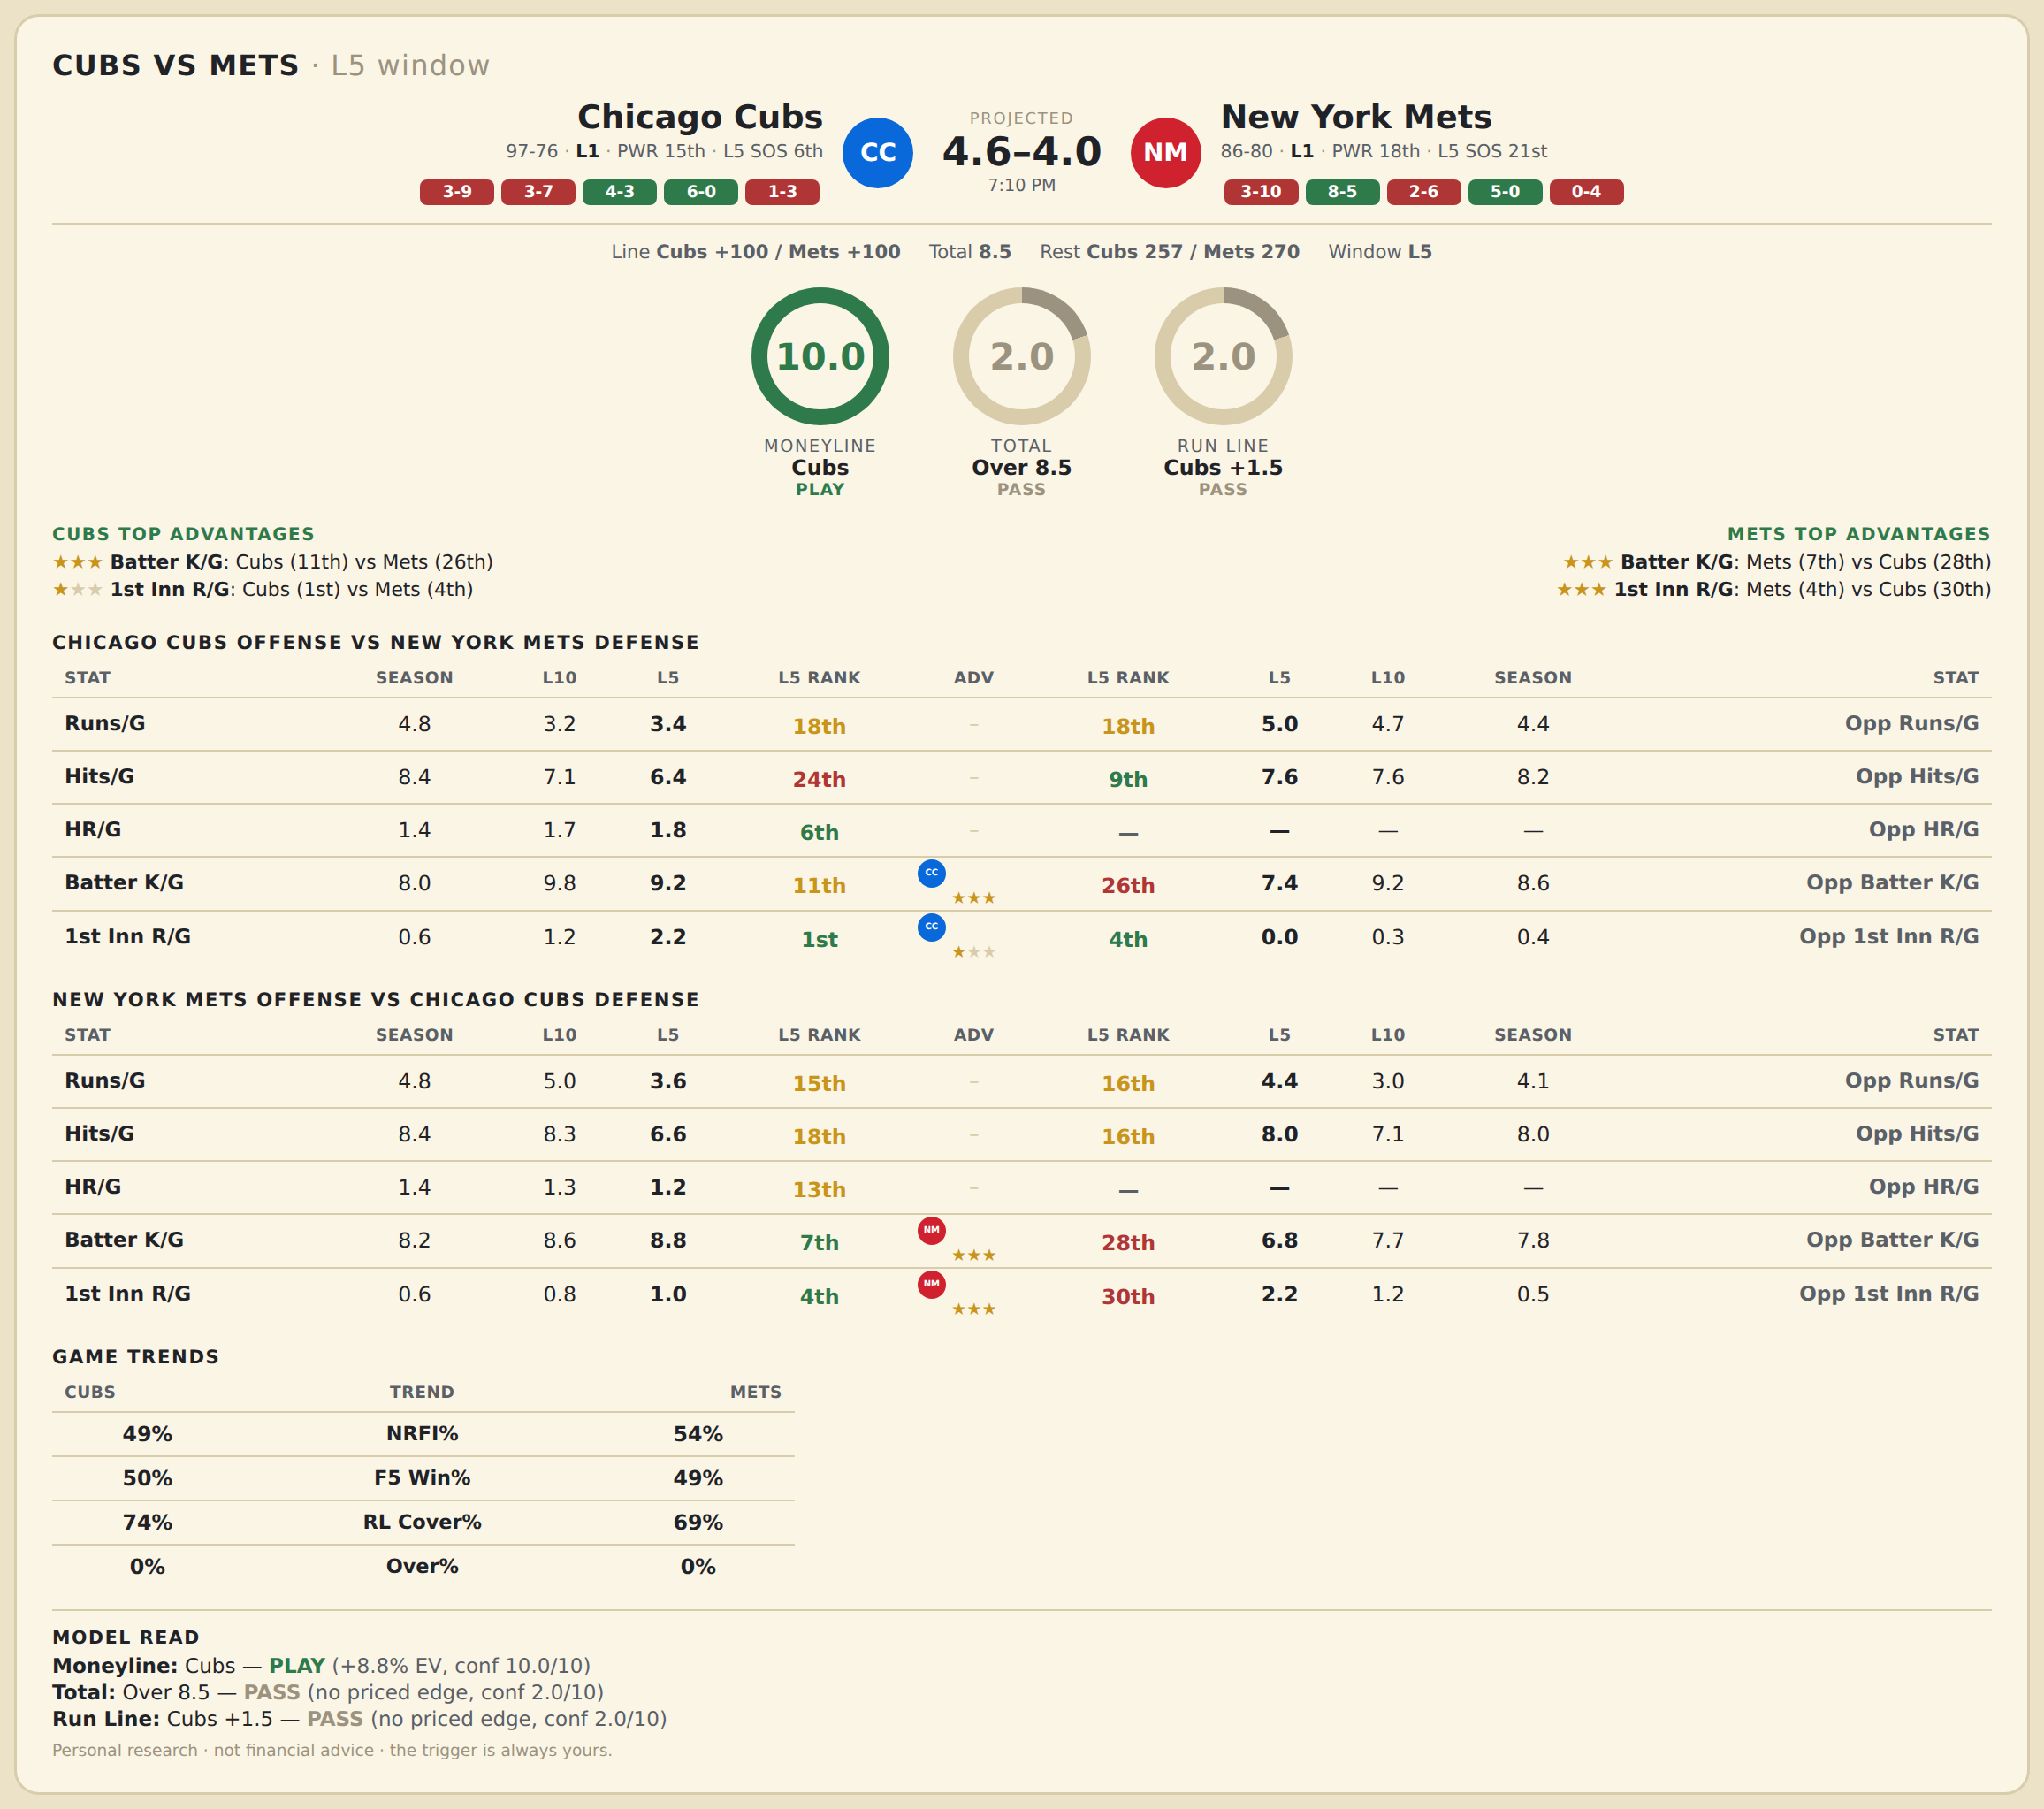

Chicago Cubs offense vs New York Mets defense
Stat | A Season | A L30 | A L20 | A L15 | A L10 | A L5 | A Rk | Adv | H Rk | H L5 | H L10 | H L15 | H L20 | H L30 | H Season | Opp stat
Runs/G | 4.769 | 4.267 | 4.25 | 4.4 | 3.2 | 3.4 | 18th |  | 18th | 5 | 4.7 | 4.667 | 5 | 5.367 | 4.386 | Opp Runs/G
Hits/G | 8.376 | 8 | 7.95 | 7.733 | 7.1 | 6.4 | 24th |  | 9th | 7.6 | 7.6 | 8.333 | 8.7 | 9.1 | 8.211 | Opp Hits/G
HR/G | 1.387 | 1.533 | 1.65 | 1.733 | 1.7 | 1.8 | 6th |  | — | — | — | — | — | — | — | Opp HR/G
Batter K/G | 7.994 | 9.133 | 9.35 | 9.467 | 9.8 | 9.2 | 11th | ★★★ | 26th | 7.4 | 9.2 | 7.933 | 8.3 | 8.433 | 8.645 | Opp Batter K/G
1st Inn R/G | 0.601 | 0.933 | 1.05 | 1 | 1.2 | 2.2 | 1st | ★ | 4th | 0 | 0.3 | 0.667 | 0.7 | 0.8 | 0.416 | Opp 1st Inn R/G

New York Mets offense vs Chicago Cubs defense
Stat | A Season | A L30 | A L20 | A L15 | A L10 | A L5 | A Rk | Adv | H Rk | H L5 | H L10 | H L15 | H L20 | H L30 | H Season | Opp stat
Runs/G | 4.789 | 5.133 | 4.2 | 4.8 | 5 | 3.6 | 15th |  | 16th | 4.4 | 3 | 3.467 | 3.55 | 3.433 | 4.052 | Opp Runs/G
Hits/G | 8.44 | 8.667 | 7.75 | 8.333 | 8.3 | 6.6 | 18th |  | 16th | 8 | 7.1 | 7.067 | 6.95 | 6.933 | 8.012 | Opp Hits/G
HR/G | 1.392 | 1.567 | 1.45 | 1.667 | 1.3 | 1.2 | 13th |  | — | — | — | — | — | — | — | Opp HR/G
Batter K/G | 8.199 | 8.9 | 9.6 | 8.867 | 8.6 | 8.8 | 7th | ★★★ | 28th | 6.8 | 7.7 | 7.8 | 8.35 | 8.2 | 7.792 | Opp Batter K/G
1st Inn R/G | 0.578 | 1 | 0.9 | 0.933 | 0.8 | 1 | 4th | ★★★ | 30th | 2.2 | 1.2 | 1 | 1 | 0.967 | 0.549 | Opp 1st Inn R/G

MLB Yankees @ Sox
New York Yankees @ Boston Red Sox
MLB · 2026-06-25 · L5 window

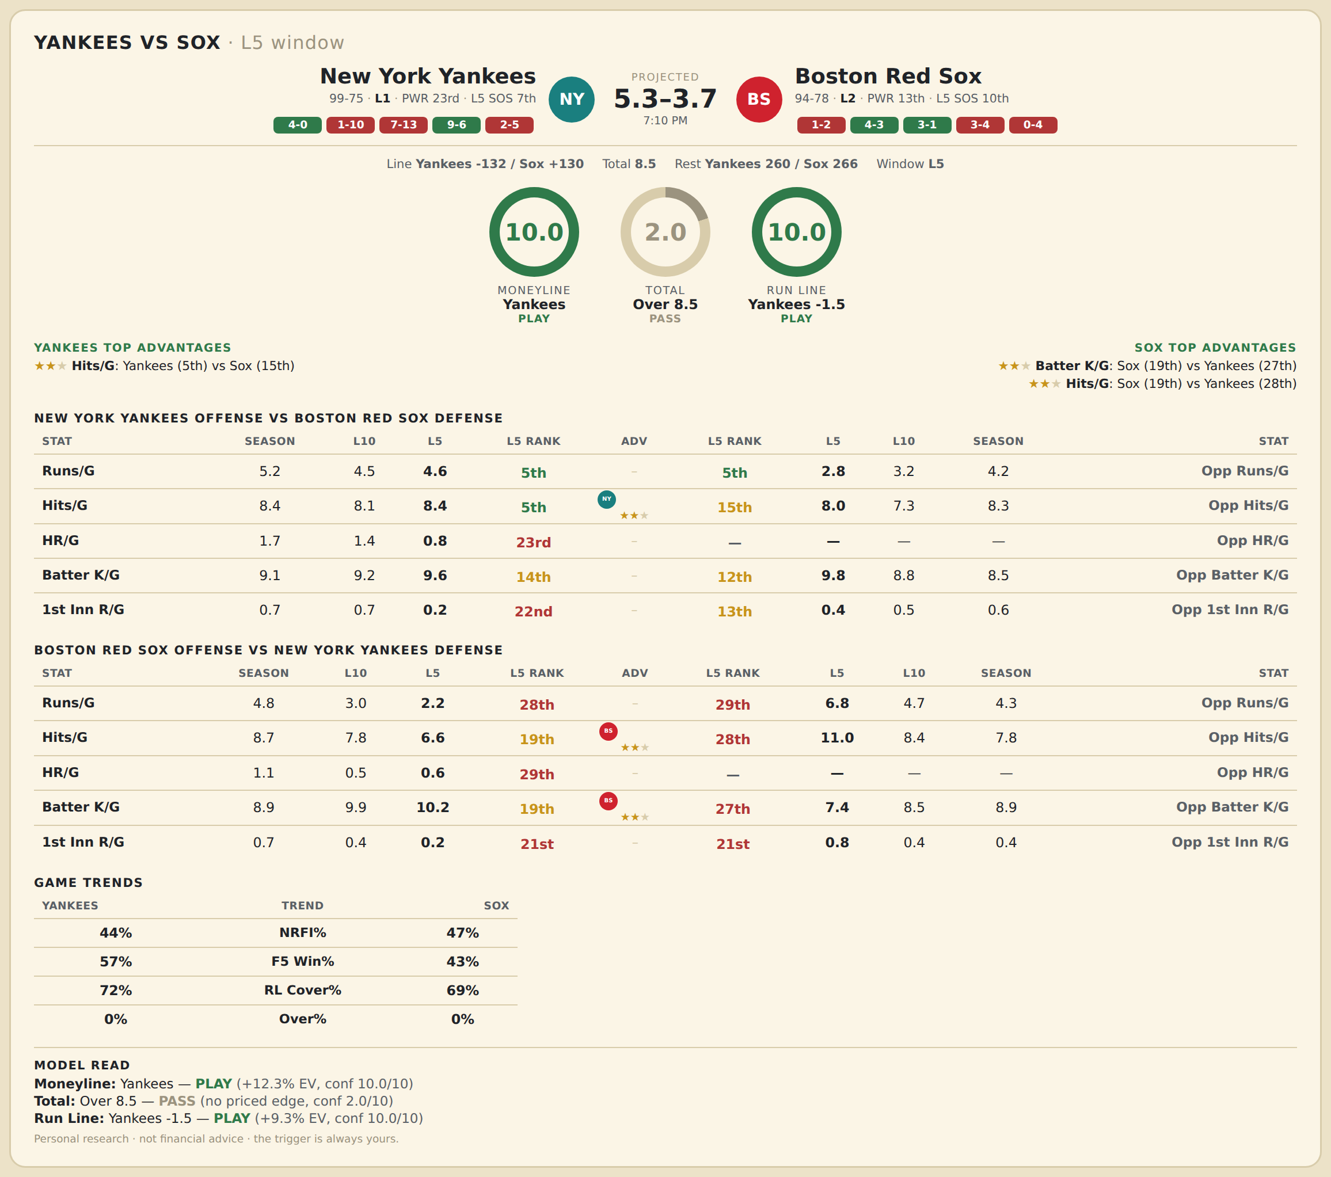

New York Yankees offense vs Boston Red Sox defense
Stat | A Season | A L30 | A L20 | A L15 | A L10 | A L5 | A Rk | Adv | H Rk | H L5 | H L10 | H L15 | H L20 | H L30 | H Season | Opp stat
Runs/G | 5.213 | 4.8 | 5.15 | 4.933 | 4.5 | 4.6 | 5th |  | 5th | 2.8 | 3.2 | 3.533 | 3.55 | 4.167 | 4.203 | Opp Runs/G
Hits/G | 8.443 | 8.167 | 8.65 | 8.667 | 8.1 | 8.4 | 5th | ★★ | 15th | 8 | 7.3 | 7.667 | 8.15 | 8.367 | 8.337 | Opp Hits/G
HR/G | 1.667 | 1.367 | 1.3 | 1.4 | 1.4 | 0.8 | 23rd |  | — | — | — | — | — | — | — | Opp HR/G
Batter K/G | 9.069 | 9.867 | 9.8 | 9.867 | 9.2 | 9.6 | 14th |  | 12th | 9.8 | 8.8 | 9.4 | 9.7 | 9.133 | 8.517 | Opp Batter K/G
1st Inn R/G | 0.69 | 0.8 | 0.8 | 0.733 | 0.7 | 0.2 | 22nd |  | 13th | 0.4 | 0.5 | 0.6 | 0.65 | 0.533 | 0.57 | Opp 1st Inn R/G

Boston Red Sox offense vs New York Yankees defense
Stat | A Season | A L30 | A L20 | A L15 | A L10 | A L5 | A Rk | Adv | H Rk | H L5 | H L10 | H L15 | H L20 | H L30 | H Season | Opp stat
Runs/G | 4.808 | 4.133 | 3.8 | 3.733 | 3 | 2.2 | 28th |  | 29th | 6.8 | 4.7 | 3.667 | 4 | 4.367 | 4.276 | Opp Runs/G
Hits/G | 8.715 | 8.867 | 8.35 | 8.333 | 7.8 | 6.6 | 19th | ★★ | 28th | 11 | 8.4 | 7.267 | 7.4 | 7.967 | 7.753 | Opp Hits/G
HR/G | 1.122 | 0.8 | 0.8 | 0.667 | 0.5 | 0.6 | 29th |  | — | — | — | — | — | — | — | Opp HR/G
Batter K/G | 8.89 | 8.567 | 8.65 | 8.733 | 9.9 | 10.2 | 19th | ★★ | 27th | 7.4 | 8.5 | 8.667 | 8.7 | 8.367 | 8.931 | Opp Batter K/G
1st Inn R/G | 0.663 | 0.633 | 0.8 | 0.4 | 0.4 | 0.2 | 21st |  | 21st | 0.8 | 0.4 | 0.267 | 0.25 | 0.467 | 0.443 | Opp 1st Inn R/G

MLB Diamondbacks @ Cardinals
Arizona Diamondbacks @ St. Louis Cardinals
MLB · 2026-06-25 · L5 window

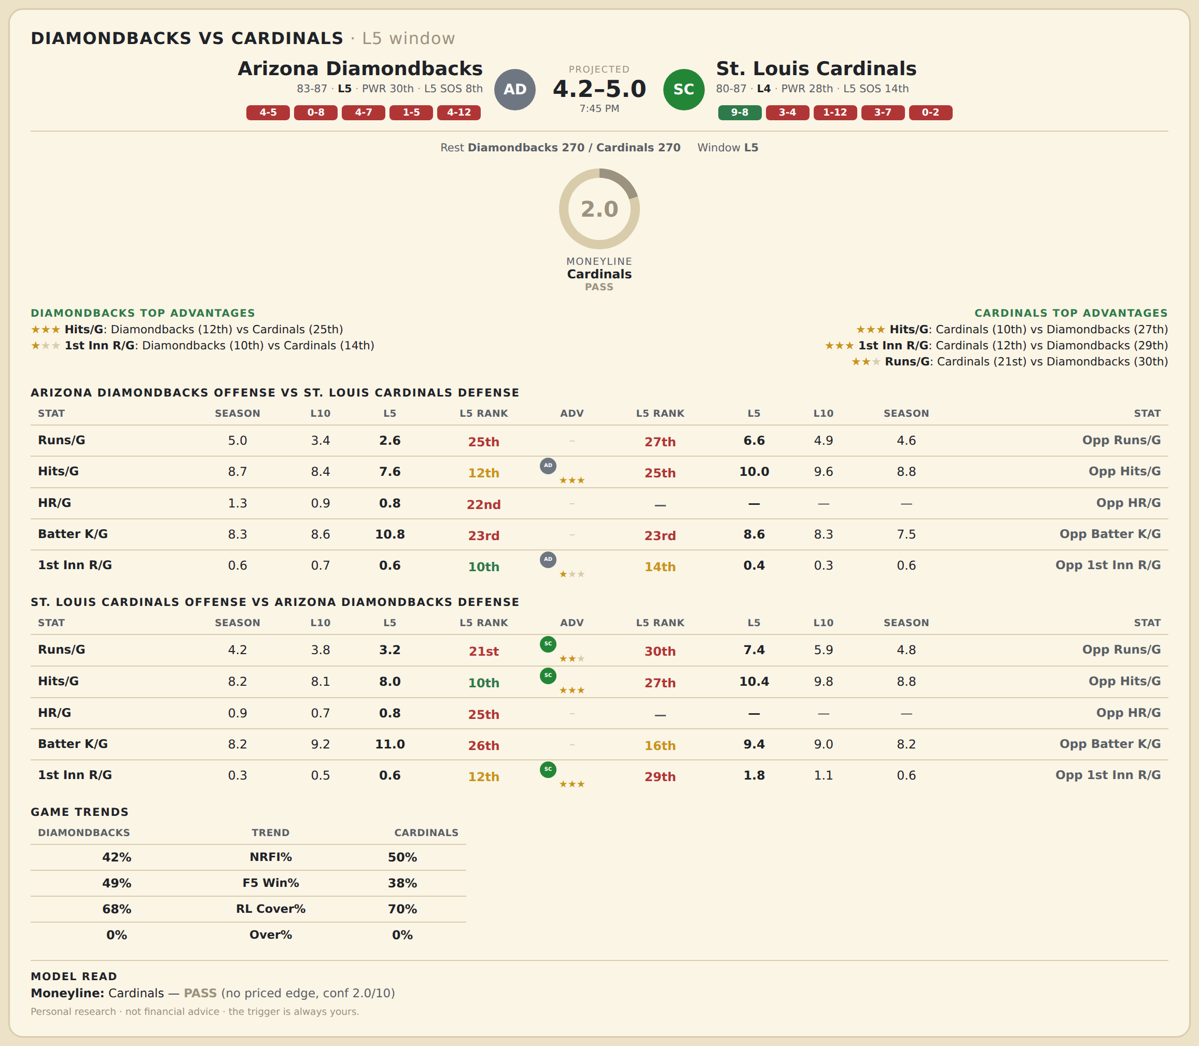

Arizona Diamondbacks offense vs St. Louis Cardinals defense
Stat | A Season | A L30 | A L20 | A L15 | A L10 | A L5 | A Rk | Adv | H Rk | H L5 | H L10 | H L15 | H L20 | H L30 | H Season | Opp stat
Runs/G | 4.976 | 4.7 | 4.45 | 4.467 | 3.4 | 2.6 | 25th |  | 27th | 6.6 | 4.9 | 5.267 | 4.85 | 4.767 | 4.599 | Opp Runs/G
Hits/G | 8.688 | 8.7 | 8.85 | 9 | 8.4 | 7.6 | 12th | ★★★ | 25th | 10 | 9.6 | 9.4 | 8.85 | 9.167 | 8.826 | Opp Hits/G
HR/G | 1.329 | 1.033 | 0.85 | 1 | 0.9 | 0.8 | 22nd |  | — | — | — | — | — | — | — | Opp HR/G
Batter K/G | 8.265 | 8.467 | 8.35 | 8.4 | 8.6 | 10.8 | 23rd |  | 23rd | 8.6 | 8.3 | 8.2 | 7.95 | 7.967 | 7.485 | Opp Batter K/G
1st Inn R/G | 0.612 | 0.467 | 0.5 | 0.6 | 0.7 | 0.6 | 10th | ★ | 14th | 0.4 | 0.3 | 0.2 | 0.15 | 0.467 | 0.569 | Opp 1st Inn R/G

St. Louis Cardinals offense vs Arizona Diamondbacks defense
Stat | A Season | A L30 | A L20 | A L15 | A L10 | A L5 | A Rk | Adv | H Rk | H L5 | H L10 | H L15 | H L20 | H L30 | H Season | Opp stat
Runs/G | 4.228 | 3.633 | 3.7 | 4 | 3.8 | 3.2 | 21st | ★★ | 30th | 7.4 | 5.9 | 5.333 | 5.35 | 4.767 | 4.847 | Opp Runs/G
Hits/G | 8.192 | 7.4 | 8 | 8.333 | 8.1 | 8 | 10th | ★★★ | 27th | 10.4 | 9.8 | 9.133 | 8.75 | 8.567 | 8.841 | Opp Hits/G
HR/G | 0.916 | 0.767 | 0.6 | 0.667 | 0.7 | 0.8 | 25th |  | — | — | — | — | — | — | — | Opp HR/G
Batter K/G | 8.186 | 9.467 | 9.65 | 9.067 | 9.2 | 11 | 26th |  | 16th | 9.4 | 9 | 8.333 | 7.9 | 7.8 | 8.2 | Opp Batter K/G
1st Inn R/G | 0.347 | 0.4 | 0.45 | 0.533 | 0.5 | 0.6 | 12th | ★★★ | 29th | 1.8 | 1.1 | 1 | 0.9 | 0.733 | 0.641 | Opp 1st Inn R/G

WNBA Wings @ Aces
Dallas Wings @ Las Vegas Aces
WNBA · 2026-06-25 · L5 window

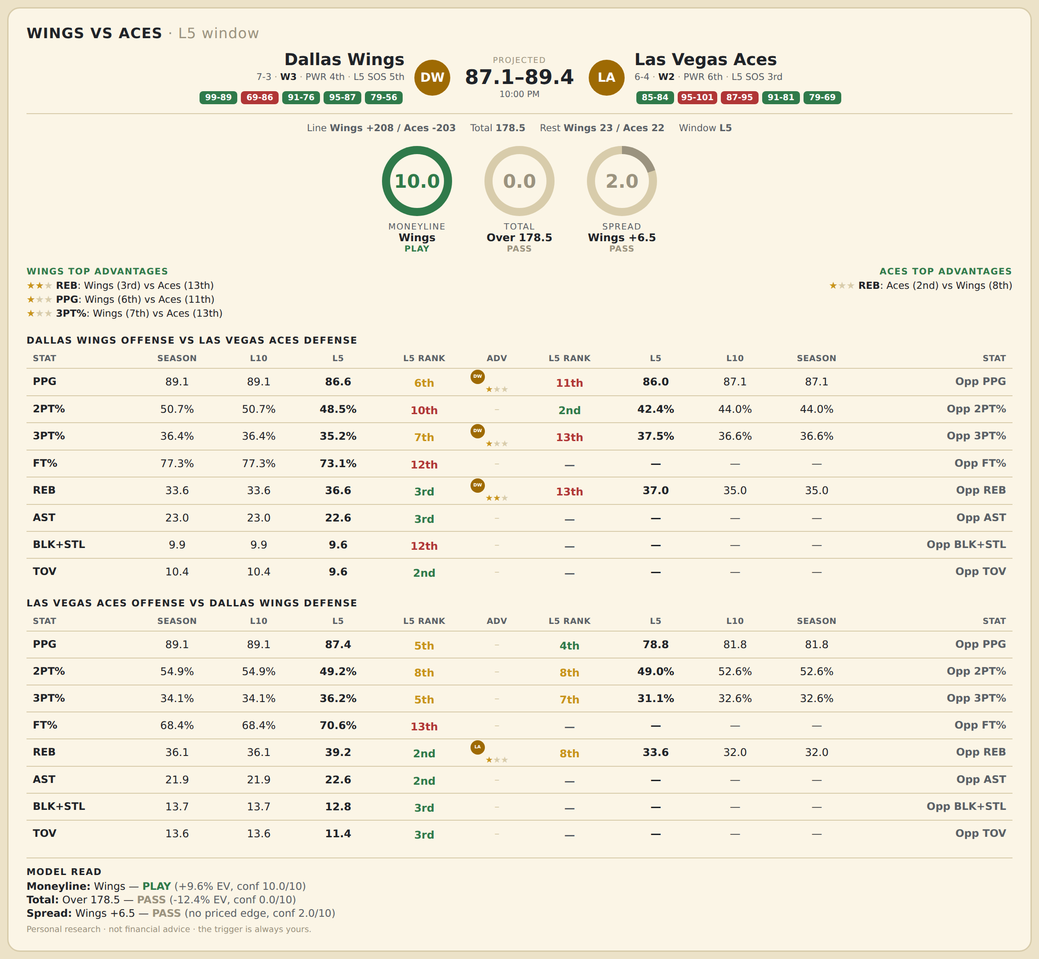

Dallas Wings offense vs Las Vegas Aces defense
Stat | A Season | A L30 | A L20 | A L15 | A L10 | A L5 | A Rk | Adv | H Rk | H L5 | H L10 | H L15 | H L20 | H L30 | H Season | Opp stat
PPG | 89.1 | 83.867 | 84.85 | 86.267 | 89.1 | 86.6 | 6th | ★ | 11th | 86 | 87.1 | 87.133 | 84.95 | 81.4 | 87.1 | Opp PPG
2PT% | 0.507 | 0.497 | 0.504 | 0.508 | 0.507 | 0.485 | 10th |  | 2nd | 0.424 | 0.44 | 0.472 | 0.468 | 0.471 | 0.44 | Opp 2PT%
3PT% | 0.364 | 0.307 | 0.317 | 0.321 | 0.364 | 0.352 | 7th | ★ | 13th | 0.375 | 0.366 | 0.35 | 0.344 | 0.324 | 0.366 | Opp 3PT%
FT% | 0.773 | 0.793 | 0.776 | 0.768 | 0.773 | 0.731 | 12th |  | — | — | — | — | — | — | — | Opp FT%
REB | 33.6 | 33.5 | 33.8 | 33.867 | 33.6 | 36.6 | 3rd | ★★ | 13th | 37 | 35 | 35.533 | 35.2 | 35.3 | 35 | Opp REB
AST | 23 | 21.233 | 21.5 | 22.267 | 23 | 22.6 | 3rd |  | — | — | — | — | — | — | — | Opp AST
BLK+STL | 9.9 | 10.333 | 10.35 | 10.4 | 9.9 | 9.6 | 12th |  | — | — | — | — | — | — | — | Opp BLK+STL
TOV | 10.4 | 11.333 | 11 | 10.733 | 10.4 | 9.6 | 2nd |  | — | — | — | — | — | — | — | Opp TOV

Las Vegas Aces offense vs Dallas Wings defense
Stat | A Season | A L30 | A L20 | A L15 | A L10 | A L5 | A Rk | Adv | H Rk | H L5 | H L10 | H L15 | H L20 | H L30 | H Season | Opp stat
PPG | 89.1 | 88.667 | 88.45 | 91 | 89.1 | 87.4 | 5th |  | 4th | 78.8 | 81.8 | 84.333 | 86.9 | 87.633 | 81.8 | Opp PPG
2PT% | 0.549 | 0.531 | 0.526 | 0.528 | 0.549 | 0.492 | 8th |  | 8th | 0.49 | 0.526 | 0.524 | 0.524 | 0.521 | 0.526 | Opp 2PT%
3PT% | 0.341 | 0.376 | 0.351 | 0.352 | 0.341 | 0.362 | 5th |  | 7th | 0.311 | 0.326 | 0.359 | 0.374 | 0.382 | 0.326 | Opp 3PT%
FT% | 0.684 | 0.768 | 0.743 | 0.726 | 0.684 | 0.706 | 13th |  | — | — | — | — | — | — | — | Opp FT%
REB | 36.1 | 32.9 | 33.2 | 35.067 | 36.1 | 39.2 | 2nd | ★ | 8th | 33.6 | 32 | 32.6 | 32.95 | 34.1 | 32 | Opp REB
AST | 21.9 | 22.267 | 21.3 | 22 | 21.9 | 22.6 | 2nd |  | — | — | — | — | — | — | — | Opp AST
BLK+STL | 13.7 | 14.133 | 14.2 | 14.2 | 13.7 | 12.8 | 3rd |  | — | — | — | — | — | — | — | Opp BLK+STL
TOV | 13.6 | 11.233 | 12.2 | 11.733 | 13.6 | 11.4 | 3rd |  | — | — | — | — | — | — | — | Opp TOV

