WNBA Sparks @ Dream
Los Angeles Sparks @ Atlanta Dream
WNBA · 2026-07-13 · L5 window

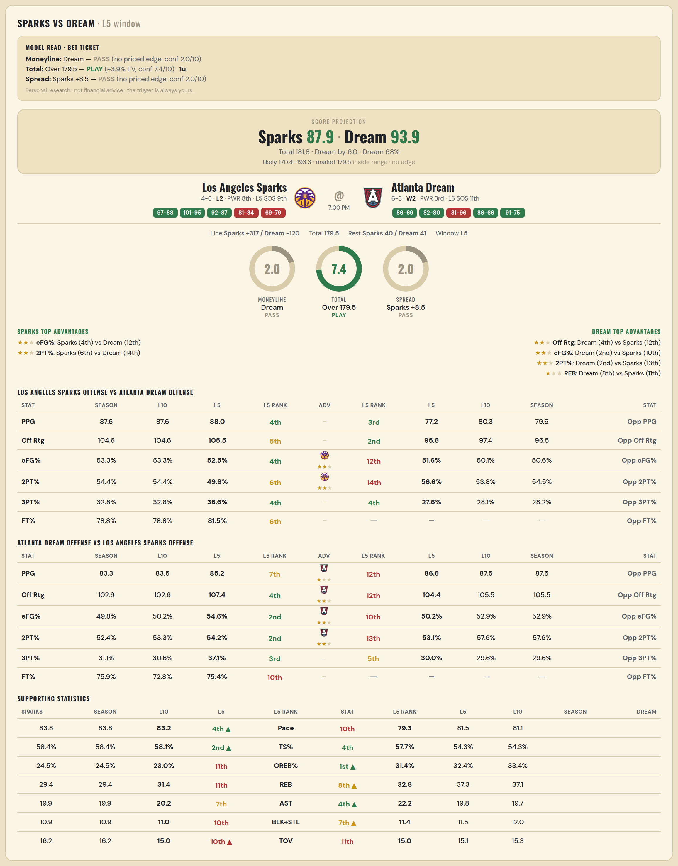

Los Angeles Sparks offense vs Atlanta Dream defense
Stat | A Season | A L30 | A L20 | A L15 | A L10 | A L5 | A Rk | Adv | H Rk | H L5 | H L10 | H L15 | H L20 | H L30 | H Season | Opp stat
PPG | 87.6 | 87.333 | 85.1 | 86 | 87.6 | 88 | 4th |  | 3rd | 77.2 | 80.3 | 77.8 | 76.95 | 75.833 | 79.556 | Opp PPG
Off Rtg | 104.643 | 104.822 | 102.383 | 103.459 | 104.643 | 105.519 | 5th |  | 2nd | 95.599 | 97.368 | 96.05 | 96.389 | 95.843 | 96.478 | Opp Off Rtg
eFG% | 0.533 | 0.525 | 0.515 | 0.512 | 0.533 | 0.525 | 4th | ★★ | 12th | 0.516 | 0.501 | 0.478 | 0.481 | 0.478 | 0.506 | Opp eFG%
2PT% | 0.544 | 0.546 | 0.546 | 0.538 | 0.544 | 0.498 | 6th | ★★ | 14th | 0.566 | 0.538 | 0.506 | 0.513 | 0.496 | 0.545 | Opp 2PT%
3PT% | 0.328 | 0.321 | 0.302 | 0.303 | 0.328 | 0.366 | 4th |  | 4th | 0.276 | 0.281 | 0.276 | 0.271 | 0.291 | 0.282 | Opp 3PT%
FT% | 0.788 | 0.798 | 0.79 | 0.784 | 0.788 | 0.815 | 6th |  | — | — | — | — | — | — | — | Opp FT%
Pace | 83.804 | 83.425 | 83.218 | 83.269 | 83.804 | 83.184 | 4th |  | — | — | — | — | — | — | — | Opp Pace
TS% | 0.584 | 0.569 | 0.562 | 0.562 | 0.584 | 0.581 | 2nd |  | — | — | — | — | — | — | — | Opp TS%
OREB% | 0.245 | 0.237 | 0.224 | 0.229 | 0.245 | 0.23 | 11th |  | — | — | — | — | — | — | — | Opp OREB%
REB | 29.4 | 32.3 | 31.95 | 30.933 | 29.4 | 31.4 | 11th |  | 1st | 27.4 | 29.4 | 30.533 | 30.5 | 29.933 | 28.889 | Opp REB
AST | 19.9 | 20.667 | 19.95 | 20.067 | 19.9 | 20.2 | 7th |  | — | — | — | — | — | — | — | Opp AST
BLK+STL | 10.9 | 10.2 | 10.45 | 10.733 | 10.9 | 11 | 10th |  | — | — | — | — | — | — | — | Opp BLK+STL
TOV | 16.2 | 14.233 | 14.7 | 14.067 | 16.2 | 15 | 10th |  | — | — | — | — | — | — | — | Opp TOV

Atlanta Dream offense vs Los Angeles Sparks defense
Stat | A Season | A L30 | A L20 | A L15 | A L10 | A L5 | A Rk | Adv | H Rk | H L5 | H L10 | H L15 | H L20 | H L30 | H Season | Opp stat
PPG | 83.333 | 83.9 | 84.3 | 83.6 | 83.5 | 85.2 | 7th | ★ | 12th | 86.6 | 87.5 | 88.692 | 86.889 | 89.25 | 87.5 | Opp PPG
Off Rtg | 102.871 | 107.398 | 106.71 | 103.852 | 102.603 | 107.357 | 4th | ★★ | 12th | 104.421 | 105.506 | 108.132 | 105.56 | 108.561 | 105.506 | Opp Off Rtg
eFG% | 0.498 | 0.516 | 0.51 | 0.509 | 0.502 | 0.546 | 2nd | ★★ | 10th | 0.502 | 0.529 | 0.53 | 0.523 | 0.535 | 0.529 | Opp eFG%
2PT% | 0.524 | 0.531 | 0.527 | 0.527 | 0.533 | 0.542 | 2nd | ★★ | 13th | 0.531 | 0.576 | 0.538 | 0.513 | 0.524 | 0.576 | Opp 2PT%
3PT% | 0.311 | 0.326 | 0.321 | 0.32 | 0.306 | 0.371 | 3rd |  | 5th | 0.3 | 0.296 | 0.33 | 0.352 | 0.365 | 0.296 | Opp 3PT%
FT% | 0.759 | 0.787 | 0.765 | 0.746 | 0.728 | 0.754 | 10th |  | — | — | — | — | — | — | — | Opp FT%
Pace | 81.147 | 78.288 | 79.25 | 80.643 | 81.516 | 79.344 | 10th |  | — | — | — | — | — | — | — | Opp Pace
TS% | 0.543 | 0.556 | 0.546 | 0.547 | 0.543 | 0.577 | 4th |  | — | — | — | — | — | — | — | Opp TS%
OREB% | 0.334 | 0.291 | 0.305 | 0.297 | 0.324 | 0.314 | 1st |  | — | — | — | — | — | — | — | Opp OREB%
REB | 37.111 | 36.6 | 37.05 | 36.6 | 37.3 | 32.8 | 8th | ★ | 11th | 36.2 | 34.375 | 37.538 | 36.389 | 35.357 | 34.375 | Opp REB
AST | 19.667 | 21.2 | 21.2 | 20.8 | 19.8 | 22.2 | 4th |  | — | — | — | — | — | — | — | Opp AST
BLK+STL | 12 | 11.967 | 11.75 | 12.067 | 11.5 | 11.4 | 7th |  | — | — | — | — | — | — | — | Opp BLK+STL
TOV | 15.333 | 12.067 | 12.35 | 13.867 | 15.1 | 15 | 11th |  | — | — | — | — | — | — | — | Opp TOV

WNBA Mercury @ Lynx
Phoenix Mercury @ Minnesota Lynx
WNBA · 2026-07-13 · L5 window

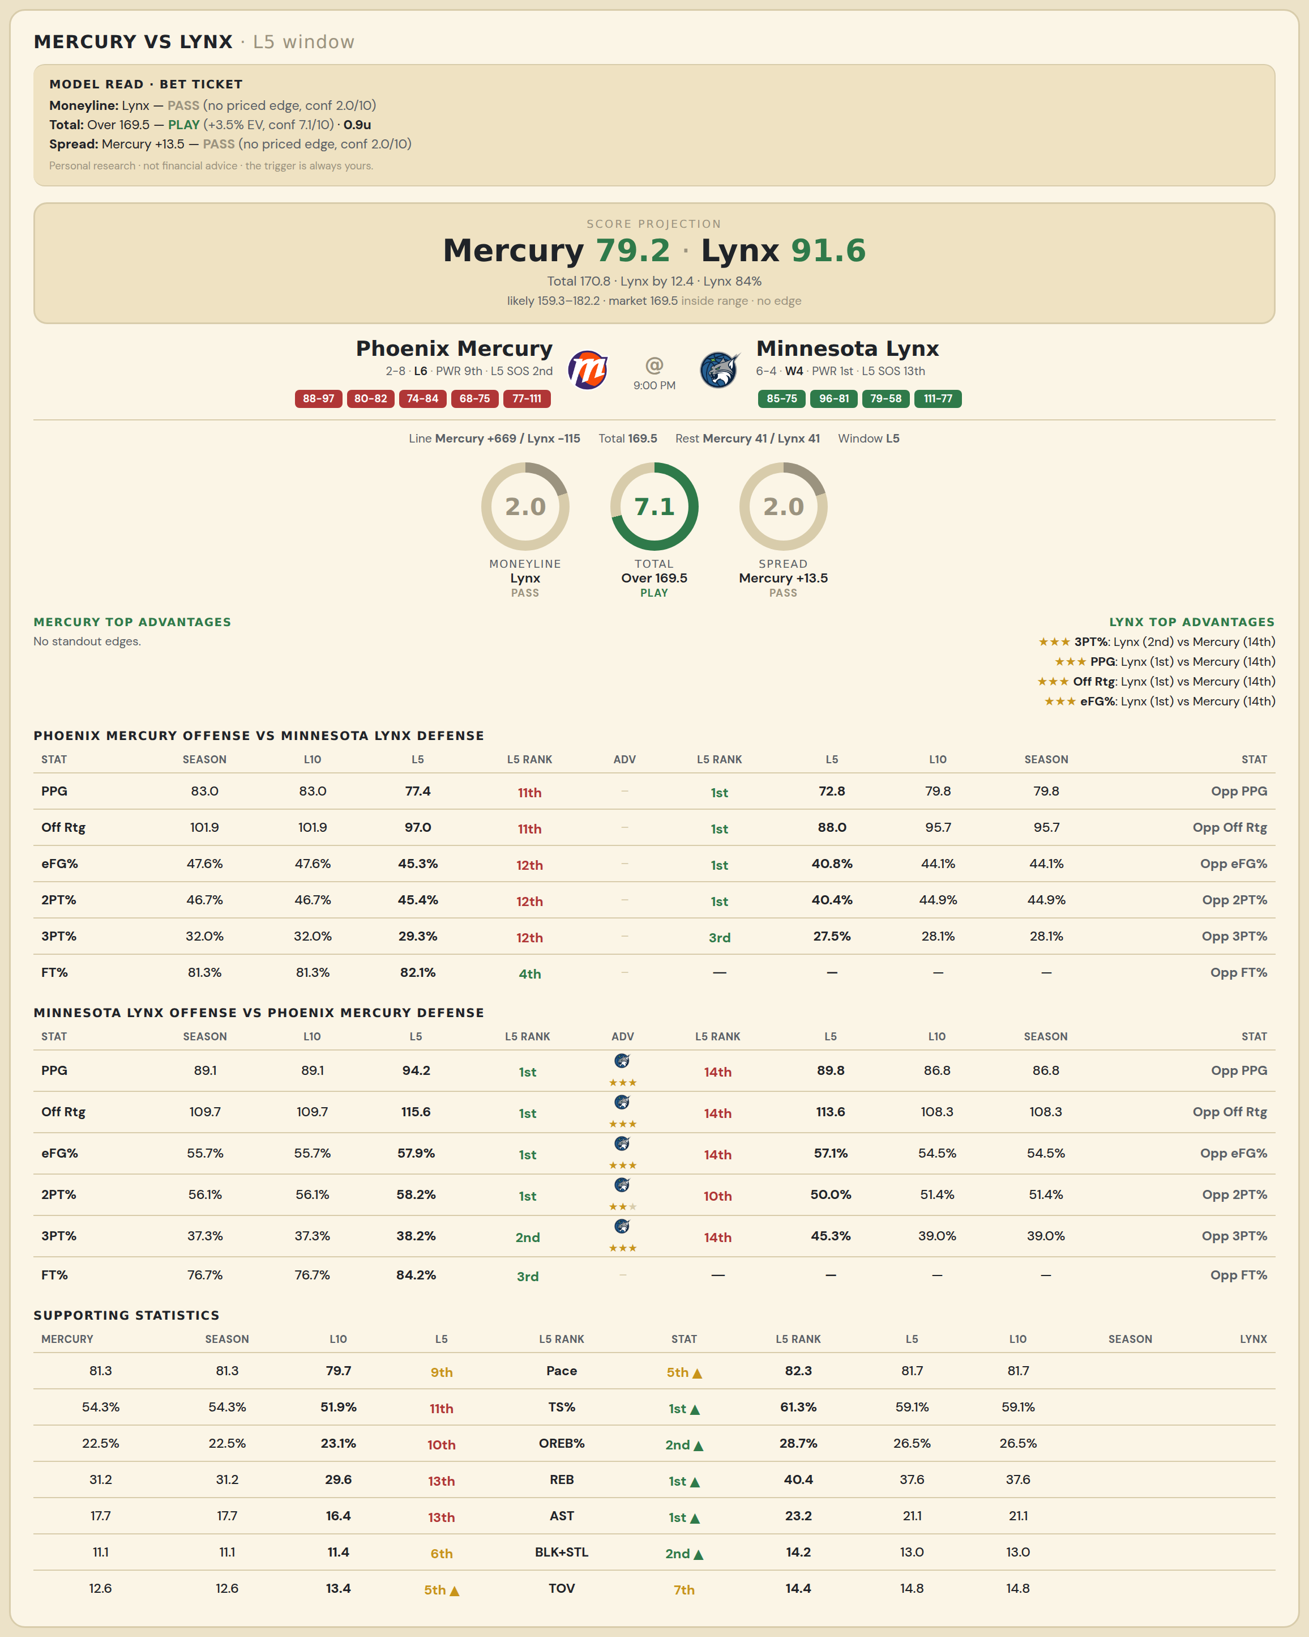

Phoenix Mercury offense vs Minnesota Lynx defense
Stat | A Season | A L30 | A L20 | A L15 | A L10 | A L5 | A Rk | Adv | H Rk | H L5 | H L10 | H L15 | H L20 | H L30 | H Season | Opp stat
PPG | 83 | 82.3 | 83.05 | 83.6 | 83 | 77.4 | 11th |  | 1st | 72.75 | 79.75 | 80 | 78.722 | 79 | 79.75 | Opp PPG
Off Rtg | 101.929 | 102.13 | 101.973 | 102.639 | 101.929 | 97.006 | 11th |  | 1st | 88.016 | 95.665 | 97.129 | 96.706 | 98.628 | 95.665 | Opp Off Rtg
eFG% | 0.476 | 0.491 | 0.486 | 0.488 | 0.476 | 0.453 | 12th |  | 1st | 0.408 | 0.441 | 0.461 | 0.464 | 0.481 | 0.441 | Opp eFG%
2PT% | 0.467 | 0.48 | 0.486 | 0.488 | 0.467 | 0.454 | 12th |  | 1st | 0.404 | 0.449 | 0.456 | 0.463 | 0.461 | 0.449 | Opp 2PT%
3PT% | 0.32 | 0.33 | 0.315 | 0.318 | 0.32 | 0.293 | 12th |  | 3rd | 0.275 | 0.281 | 0.308 | 0.311 | 0.342 | 0.281 | Opp 3PT%
FT% | 0.813 | 0.797 | 0.822 | 0.807 | 0.813 | 0.821 | 4th |  | — | — | — | — | — | — | — | Opp FT%
Pace | 81.32 | 80.692 | 81.454 | 81.397 | 81.32 | 79.672 | 9th |  | — | — | — | — | — | — | — | Opp Pace
TS% | 0.543 | 0.54 | 0.54 | 0.547 | 0.543 | 0.519 | 11th |  | — | — | — | — | — | — | — | Opp TS%
OREB% | 0.225 | 0.228 | 0.231 | 0.226 | 0.225 | 0.231 | 10th |  | — | — | — | — | — | — | — | Opp OREB%
REB | 31.2 | 34.167 | 34.5 | 32.867 | 31.2 | 29.6 | 13th |  | 5th | 30 | 32.75 | 33.615 | 33.444 | 32.893 | 32.75 | Opp REB
AST | 17.7 | 19.933 | 18.9 | 17.867 | 17.7 | 16.4 | 13th |  | — | — | — | — | — | — | — | Opp AST
BLK+STL | 11.1 | 10.967 | 10.15 | 9.933 | 11.1 | 11.4 | 6th |  | — | — | — | — | — | — | — | Opp BLK+STL
TOV | 12.6 | 12.267 | 12.5 | 12.733 | 12.6 | 13.4 | 5th |  | — | — | — | — | — | — | — | Opp TOV

Minnesota Lynx offense vs Phoenix Mercury defense
Stat | A Season | A L30 | A L20 | A L15 | A L10 | A L5 | A Rk | Adv | H Rk | H L5 | H L10 | H L15 | H L20 | H L30 | H Season | Opp stat
PPG | 89.1 | 85.2 | 84.9 | 85.867 | 89.1 | 94.2 | 1st | ★★★ | 14th | 89.8 | 86.778 | 87.786 | 84.368 | 82.655 | 86.778 | Opp PPG
Off Rtg | 109.659 | 107.942 | 105.587 | 105.509 | 109.659 | 115.565 | 1st | ★★★ | 14th | 113.552 | 108.265 | 109.197 | 104.078 | 102.45 | 108.265 | Opp Off Rtg
eFG% | 0.557 | 0.544 | 0.533 | 0.535 | 0.557 | 0.579 | 1st | ★★★ | 14th | 0.571 | 0.545 | 0.53 | 0.506 | 0.5 | 0.545 | Opp eFG%
2PT% | 0.561 | 0.534 | 0.543 | 0.549 | 0.561 | 0.582 | 1st | ★★ | 10th | 0.5 | 0.514 | 0.5 | 0.494 | 0.497 | 0.514 | Opp 2PT%
3PT% | 0.373 | 0.374 | 0.343 | 0.347 | 0.373 | 0.382 | 2nd | ★★★ | 14th | 0.453 | 0.39 | 0.381 | 0.347 | 0.337 | 0.39 | Opp 3PT%
FT% | 0.767 | 0.744 | 0.749 | 0.779 | 0.767 | 0.842 | 3rd |  | — | — | — | — | — | — | — | Opp FT%
Pace | 81.724 | 79.247 | 80.62 | 81.736 | 81.724 | 82.304 | 5th |  | — | — | — | — | — | — | — | Opp Pace
TS% | 0.591 | 0.57 | 0.561 | 0.565 | 0.591 | 0.613 | 1st |  | — | — | — | — | — | — | — | Opp TS%
OREB% | 0.265 | 0.255 | 0.253 | 0.245 | 0.265 | 0.287 | 2nd |  | — | — | — | — | — | — | — | Opp OREB%
REB | 37.6 | 34.9 | 36.05 | 36.467 | 37.6 | 40.4 | 1st | ★★ | 10th | 35.2 | 34.556 | 34.929 | 35.053 | 35.69 | 34.556 | Opp REB
AST | 21.1 | 21.533 | 21.1 | 20.867 | 21.1 | 23.2 | 1st |  | — | — | — | — | — | — | — | Opp AST
BLK+STL | 13 | 12.567 | 13.05 | 12.867 | 13 | 14.2 | 2nd |  | — | — | — | — | — | — | — | Opp BLK+STL
TOV | 14.8 | 12.733 | 13.35 | 13.733 | 14.8 | 14.4 | 7th |  | — | — | — | — | — | — | — | Opp TOV

