MLB Cardinals @ Cubs
St. Louis Cardinals @ Chicago Cubs
MLB · 2026-07-03 · L5 window

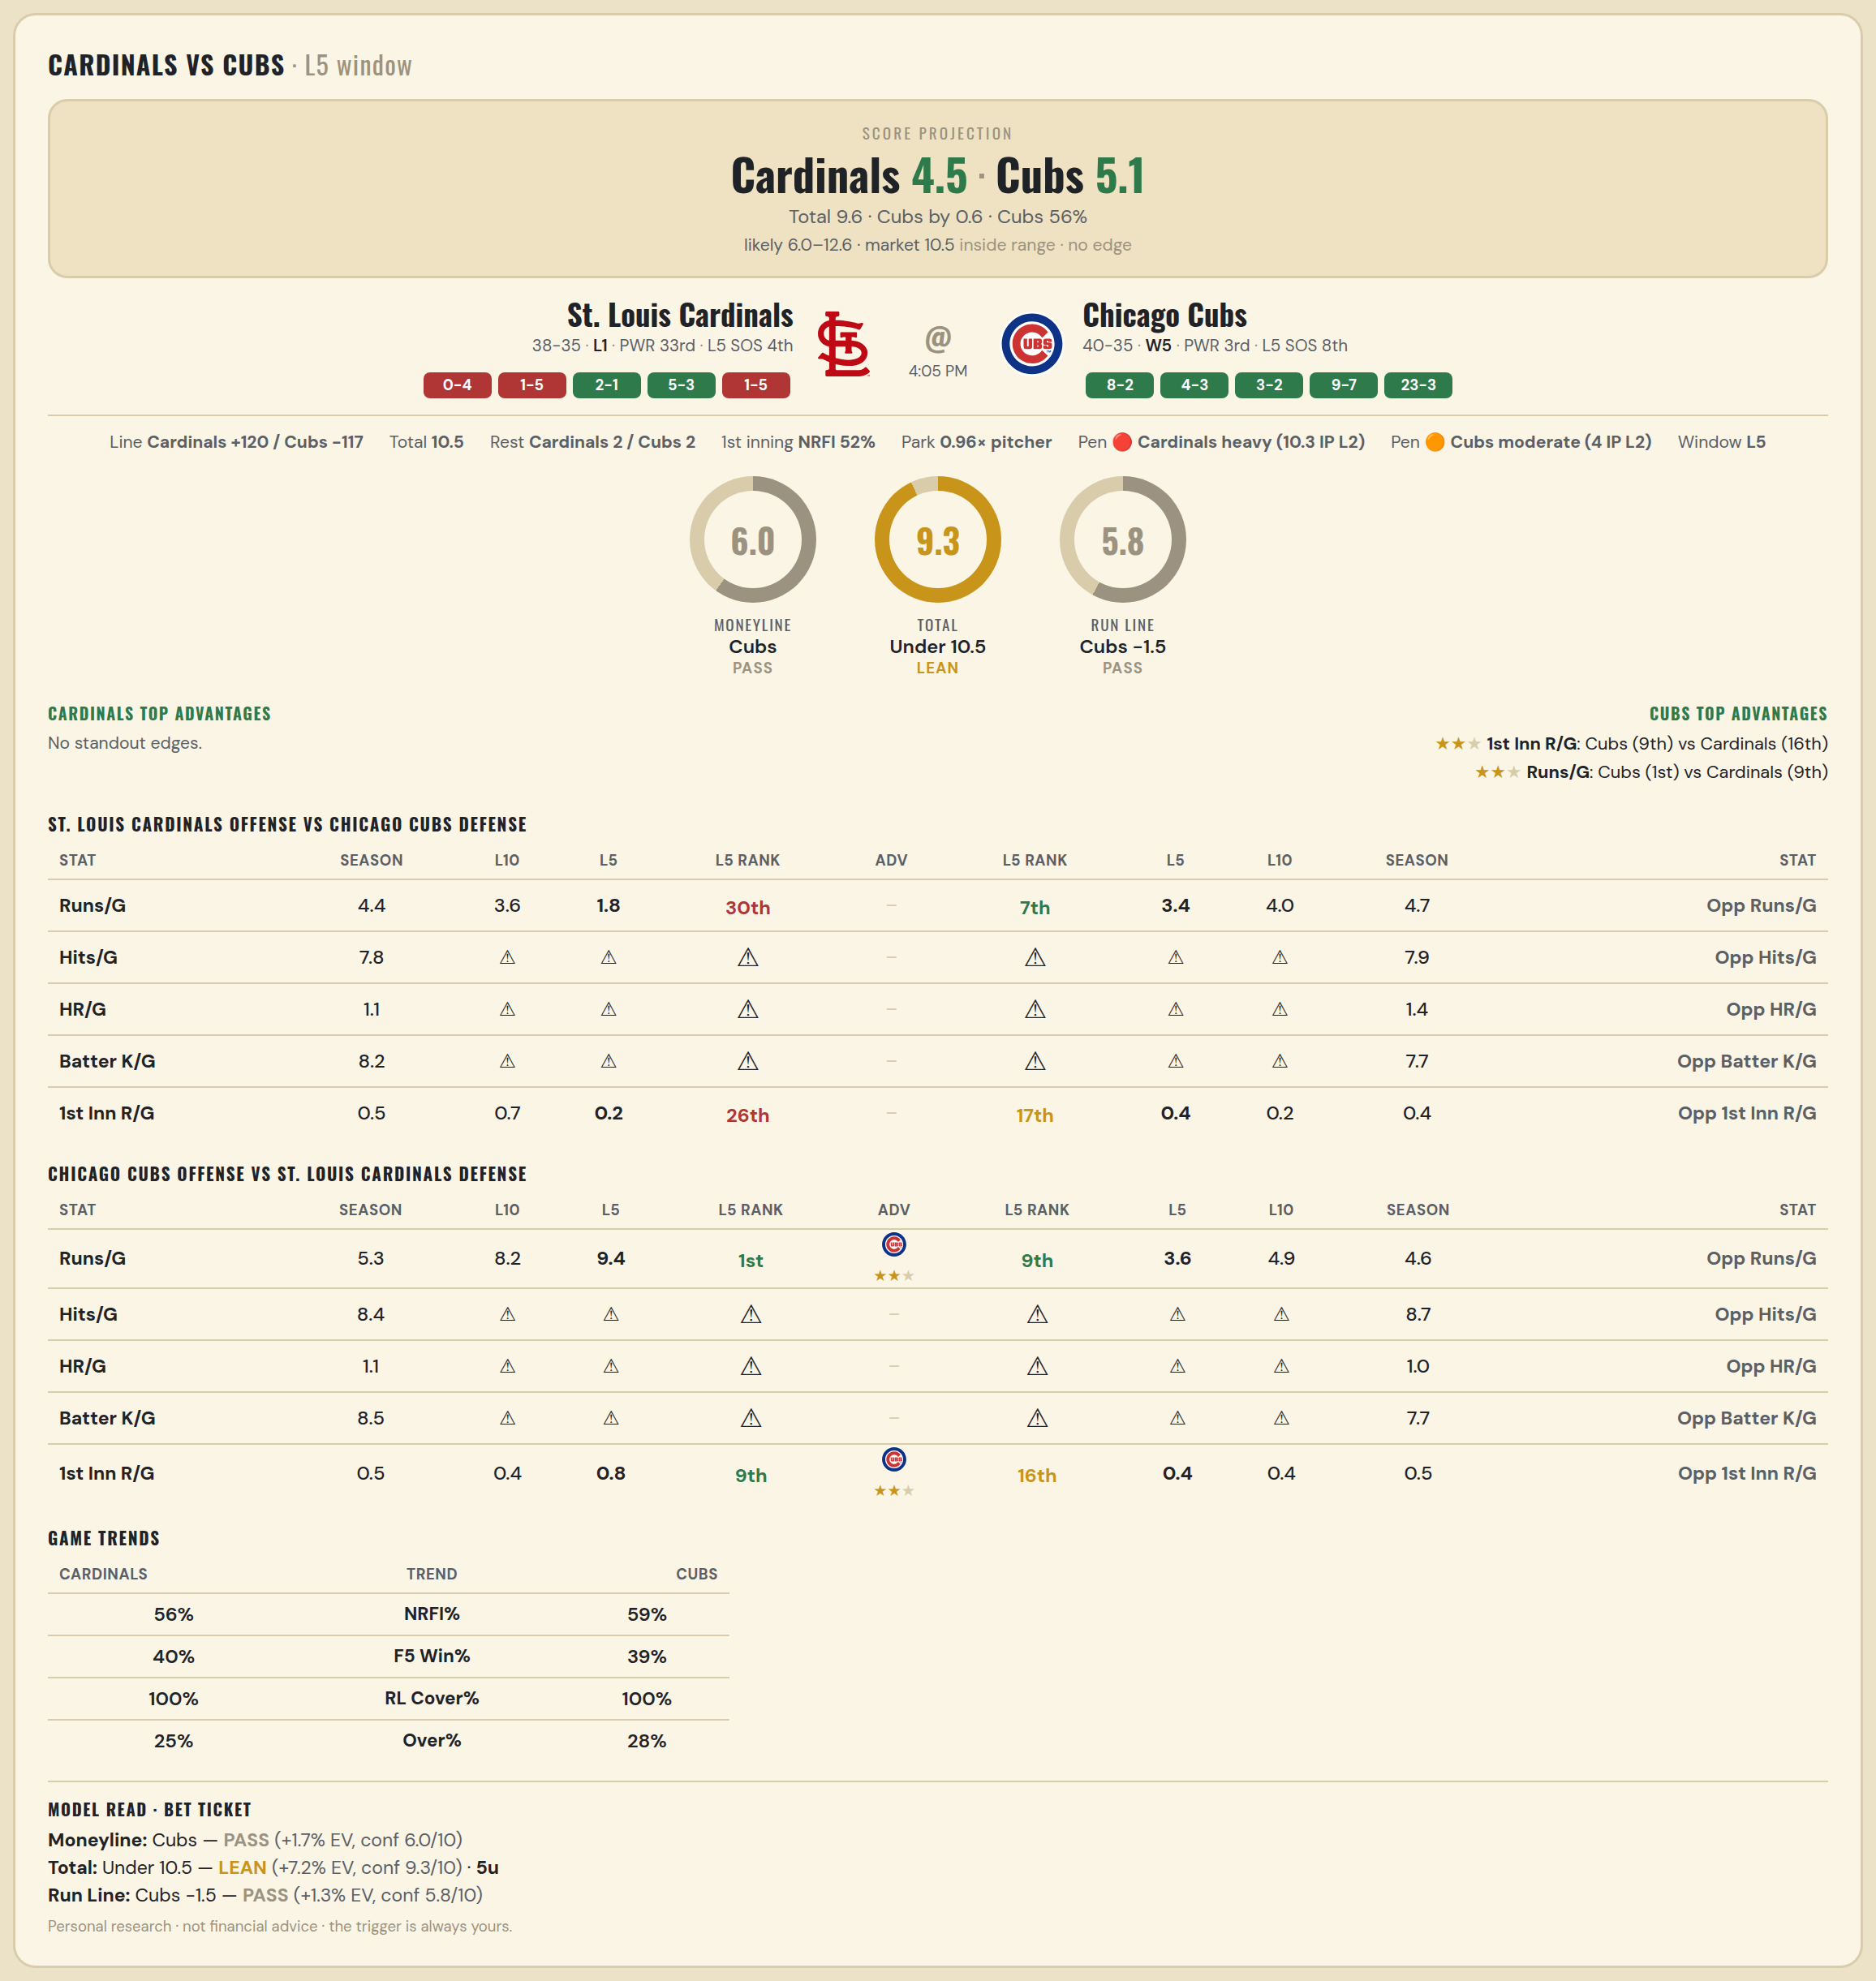

St. Louis Cardinals offense vs Chicago Cubs defense
Stat | A Season | A L30 | A L20 | A L15 | A L10 | A L5 | A Rk | Adv | H Rk | H L5 | H L10 | H L15 | H L20 | H L30 | H Season | Opp stat
Runs/G | 4.384 | 4.467 | 4.5 | 3.533 | 3.6 | 1.8 | 30th |  | 7th | 3.4 | 4 | 4.333 | 3.9 | 4.4 | 4.653 | Opp Runs/G
Hits/G | 7.826 | 8 | — | — | — | — | — |  | — | — | — | — | — | 7 | 7.896 | Opp Hits/G
HR/G | 1.109 | 0.833 | — | — | — | — | — |  | — | — | — | — | — | 1 | 1.354 | Opp HR/G
Batter K/G | 8.196 | 8.167 | — | — | — | — | — |  | — | — | — | — | — | 6.25 | 7.708 | Opp Batter K/G
1st Inn R/G | 0.529 | 0.767 | 0.75 | 0.6 | 0.7 | 0.2 | 26th |  | 17th | 0.4 | 0.2 | 0.133 | 0.1 | 0.433 | 0.446 | Opp 1st Inn R/G

Chicago Cubs offense vs St. Louis Cardinals defense
Stat | A Season | A L30 | A L20 | A L15 | A L10 | A L5 | A Rk | Adv | H Rk | H L5 | H L10 | H L15 | H L20 | H L30 | H Season | Opp stat
Runs/G | 5.32 | 5.867 | 7.1 | 7.933 | 8.2 | 9.4 | 1st | ★★ | 9th | 3.6 | 4.9 | 5.067 | 4.9 | 4.5 | 4.562 | Opp Runs/G
Hits/G | 8.438 | 8.5 | — | — | — | — | — |  | — | — | — | — | — | 8.333 | 8.652 | Opp Hits/G
HR/G | 1.104 | 0.75 | — | — | — | — | — |  | — | — | — | — | — | 0.5 | 1.043 | Opp HR/G
Batter K/G | 8.458 | 7.25 | — | — | — | — | — |  | — | — | — | — | — | 8.833 | 7.739 | Opp Batter K/G
1st Inn R/G | 0.459 | 0.6 | 0.7 | 0.867 | 0.4 | 0.8 | 9th | ★★ | 16th | 0.4 | 0.4 | 0.4 | 0.5 | 0.533 | 0.543 | Opp 1st Inn R/G

MLB Pirates @ Nationals
Pittsburgh Pirates @ Washington Nationals
MLB · 2026-07-03 · L5 window

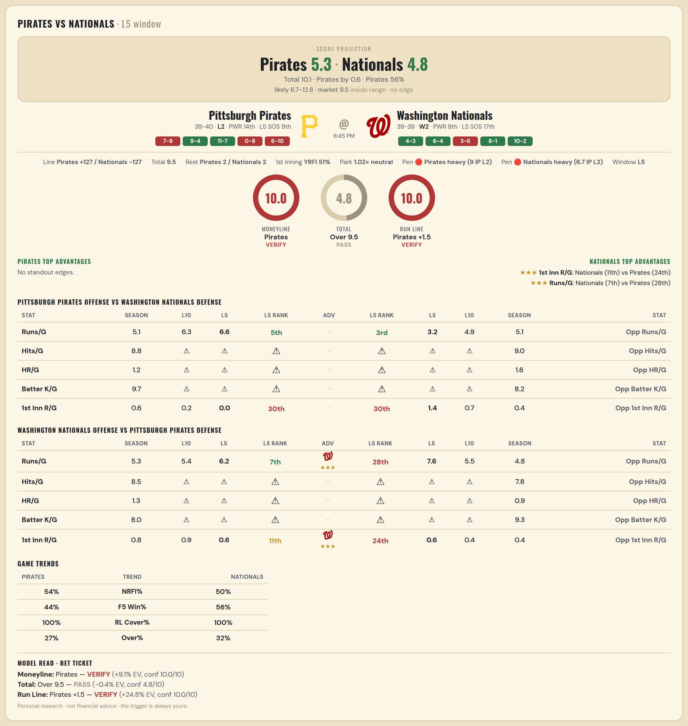

Pittsburgh Pirates offense vs Washington Nationals defense
Stat | A Season | A L30 | A L20 | A L15 | A L10 | A L5 | A Rk | Adv | H Rk | H L5 | H L10 | H L15 | H L20 | H L30 | H Season | Opp stat
Runs/G | 5.051 | 5.667 | 5.5 | 5.8 | 6.3 | 6.6 | 5th |  | 3rd | 3.2 | 4.9 | 4.733 | 4.95 | 4.533 | 5.103 | Opp Runs/G
Hits/G | 8.812 | 11 | — | — | — | — | — |  | — | — | — | — | — | 7.5 | 9.04 | Opp Hits/G
HR/G | 1.188 | 2.5 | — | — | — | — | — |  | — | — | — | — | — | 2.5 | 1.56 | Opp HR/G
Batter K/G | 9.708 | 9.5 | — | — | — | — | — |  | — | — | — | — | — | 8.25 | 8.2 | Opp Batter K/G
1st Inn R/G | 0.554 | 0.5 | 0.35 | 0.4 | 0.2 | 0 | 30th |  | 30th | 1.4 | 0.7 | 0.6 | 0.5 | 0.4 | 0.408 | Opp 1st Inn R/G

Washington Nationals offense vs Pittsburgh Pirates defense
Stat | A Season | A L30 | A L20 | A L15 | A L10 | A L5 | A Rk | Adv | H Rk | H L5 | H L10 | H L15 | H L20 | H L30 | H Season | Opp stat
Runs/G | 5.282 | 5.3 | 5.4 | 4.733 | 5.4 | 6.2 | 7th | ★★★ | 28th | 7.6 | 5.5 | 5.4 | 5.55 | 5.767 | 4.81 | Opp Runs/G
Hits/G | 8.52 | 7.75 | — | — | — | — | — |  | — | — | — | — | — | 8.5 | 7.792 | Opp Hits/G
HR/G | 1.26 | 1 | — | — | — | — | — |  | — | — | — | — | — | 1.25 | 0.896 | Opp HR/G
Batter K/G | 7.98 | 6.75 | — | — | — | — | — |  | — | — | — | — | — | 11.25 | 9.292 | Opp Batter K/G
1st Inn R/G | 0.829 | 0.633 | 0.65 | 0.6 | 0.9 | 0.6 | 11th | ★★★ | 24th | 0.6 | 0.4 | 0.6 | 0.45 | 0.467 | 0.405 | Opp 1st Inn R/G

MLB Twins @ Yankees
Minnesota Twins @ New York Yankees
MLB · 2026-07-03 · L5 window

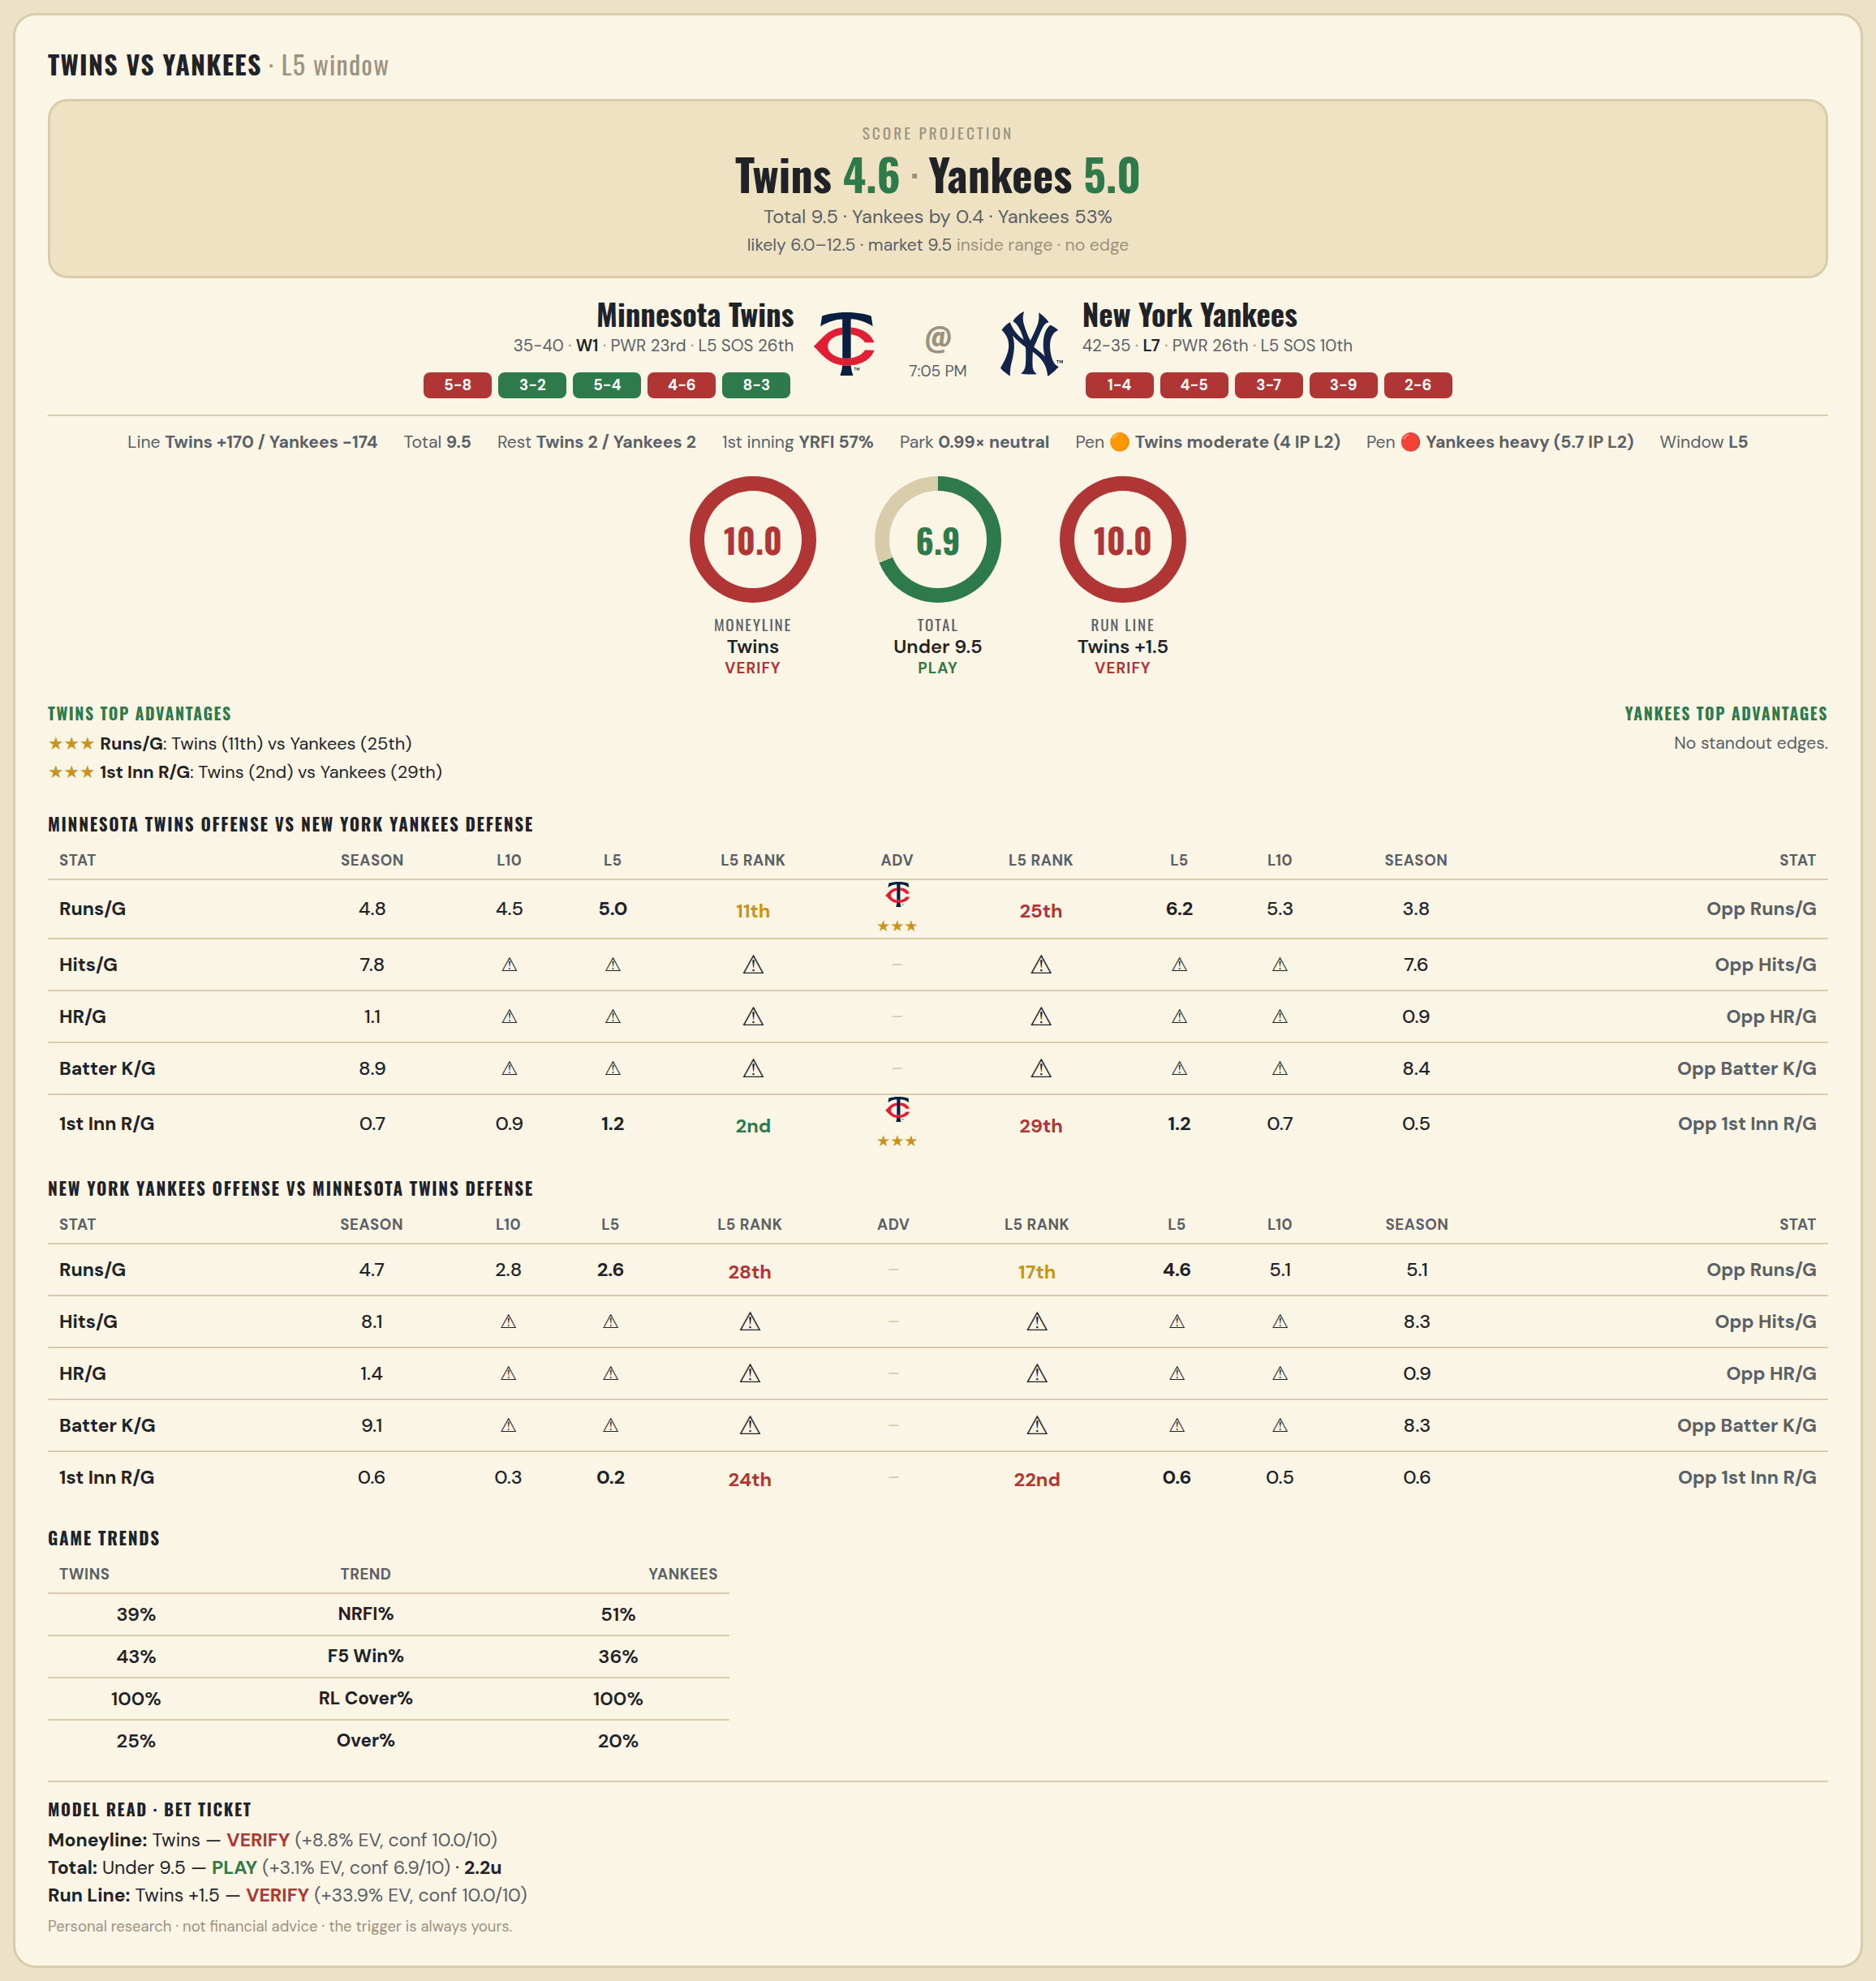

Minnesota Twins offense vs New York Yankees defense
Stat | A Season | A L30 | A L20 | A L15 | A L10 | A L5 | A Rk | Adv | H Rk | H L5 | H L10 | H L15 | H L20 | H L30 | H Season | Opp stat
Runs/G | 4.813 | 5.533 | 5.85 | 6.067 | 4.5 | 5 | 11th | ★★★ | 25th | 6.2 | 5.3 | 5.133 | 4.75 | 4.633 | 3.766 | Opp Runs/G
Hits/G | 7.776 | 9.5 | — | — | — | — | — |  | — | — | — | — | — | 10 | 7.609 | Opp Hits/G
HR/G | 1.061 | 0.75 | — | — | — | — | — |  | — | — | — | — | — | 1.75 | 0.913 | Opp HR/G
Batter K/G | 8.939 | 8.5 | — | — | — | — | — |  | — | — | — | — | — | 8.25 | 8.435 | Opp Batter K/G
1st Inn R/G | 0.68 | 0.8 | 1.05 | 1.333 | 0.9 | 1.2 | 2nd | ★★★ | 29th | 1.2 | 0.7 | 0.467 | 0.6 | 0.6 | 0.472 | Opp 1st Inn R/G

New York Yankees offense vs Minnesota Twins defense
Stat | A Season | A L30 | A L20 | A L15 | A L10 | A L5 | A Rk | Adv | H Rk | H L5 | H L10 | H L15 | H L20 | H L30 | H Season | Opp stat
Runs/G | 4.74 | 4.567 | 4.15 | 3.133 | 2.8 | 2.6 | 28th |  | 17th | 4.6 | 5.1 | 5 | 5.55 | 5.933 | 5.133 | Opp Runs/G
Hits/G | 8.109 | 9.25 | — | — | — | — | — |  | — | — | — | — | — | 10.5 | 8.306 | Opp Hits/G
HR/G | 1.413 | 1 | — | — | — | — | — |  | — | — | — | — | — | 2 | 0.918 | Opp HR/G
Batter K/G | 9.13 | 8.75 | — | — | — | — | — |  | — | — | — | — | — | 9.75 | 8.265 | Opp Batter K/G
1st Inn R/G | 0.625 | 0.433 | 0.3 | 0.4 | 0.3 | 0.2 | 24th |  | 22nd | 0.6 | 0.5 | 0.333 | 0.45 | 0.633 | 0.6 | Opp 1st Inn R/G

MLB Orioles @ Reds
Baltimore Orioles @ Cincinnati Reds
MLB · 2026-07-03 · L5 window

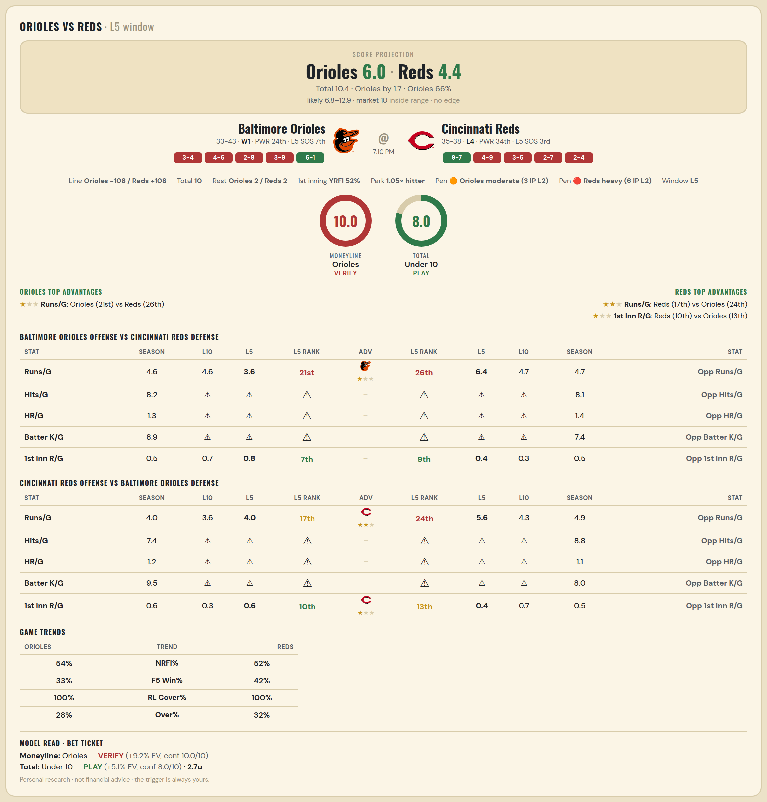

Baltimore Orioles offense vs Cincinnati Reds defense
Stat | A Season | A L30 | A L20 | A L15 | A L10 | A L5 | A Rk | Adv | H Rk | H L5 | H L10 | H L15 | H L20 | H L30 | H Season | Opp stat
Runs/G | 4.579 | 4.767 | 4.3 | 4 | 4.6 | 3.6 | 21st | ★ | 26th | 6.4 | 4.7 | 4.4 | 4.25 | 4.867 | 4.74 | Opp Runs/G
Hits/G | 8.208 | 8.667 | — | — | — | — | — |  | — | — | — | — | — | 9 | 8.106 | Opp Hits/G
HR/G | 1.271 | 1 | — | — | — | — | — |  | — | — | — | — | — | 2 | 1.383 | Opp HR/G
Batter K/G | 8.917 | 8 | — | — | — | — | — |  | — | — | — | — | — | 6.8 | 7.404 | Opp Batter K/G
1st Inn R/G | 0.493 | 0.7 | 0.65 | 0.533 | 0.7 | 0.8 | 7th |  | 9th | 0.4 | 0.3 | 0.267 | 0.3 | 0.533 | 0.528 | Opp 1st Inn R/G

Cincinnati Reds offense vs Baltimore Orioles defense
Stat | A Season | A L30 | A L20 | A L15 | A L10 | A L5 | A Rk | Adv | H Rk | H L5 | H L10 | H L15 | H L20 | H L30 | H Season | Opp stat
Runs/G | 4 | 3.733 | 4 | 4.267 | 3.6 | 4 | 17th | ★★ | 24th | 5.6 | 4.3 | 4 | 4.2 | 4.433 | 4.882 | Opp Runs/G
Hits/G | 7.404 | 7 | — | — | — | — | — |  | — | — | — | — | — | 8 | 8.833 | Opp Hits/G
HR/G | 1.213 | 1.6 | — | — | — | — | — |  | — | — | — | — | — | 0.333 | 1.062 | Opp HR/G
Batter K/G | 9.532 | 10.4 | — | — | — | — | — |  | — | — | — | — | — | 7.333 | 8 | Opp Batter K/G
1st Inn R/G | 0.556 | 0.533 | 0.55 | 0.667 | 0.3 | 0.6 | 10th | ★ | 13th | 0.4 | 0.7 | 0.8 | 0.9 | 0.7 | 0.493 | Opp 1st Inn R/G

MLB Sox @ Guardians
Chicago White Sox @ Cleveland Guardians
MLB · 2026-07-03 · L5 window

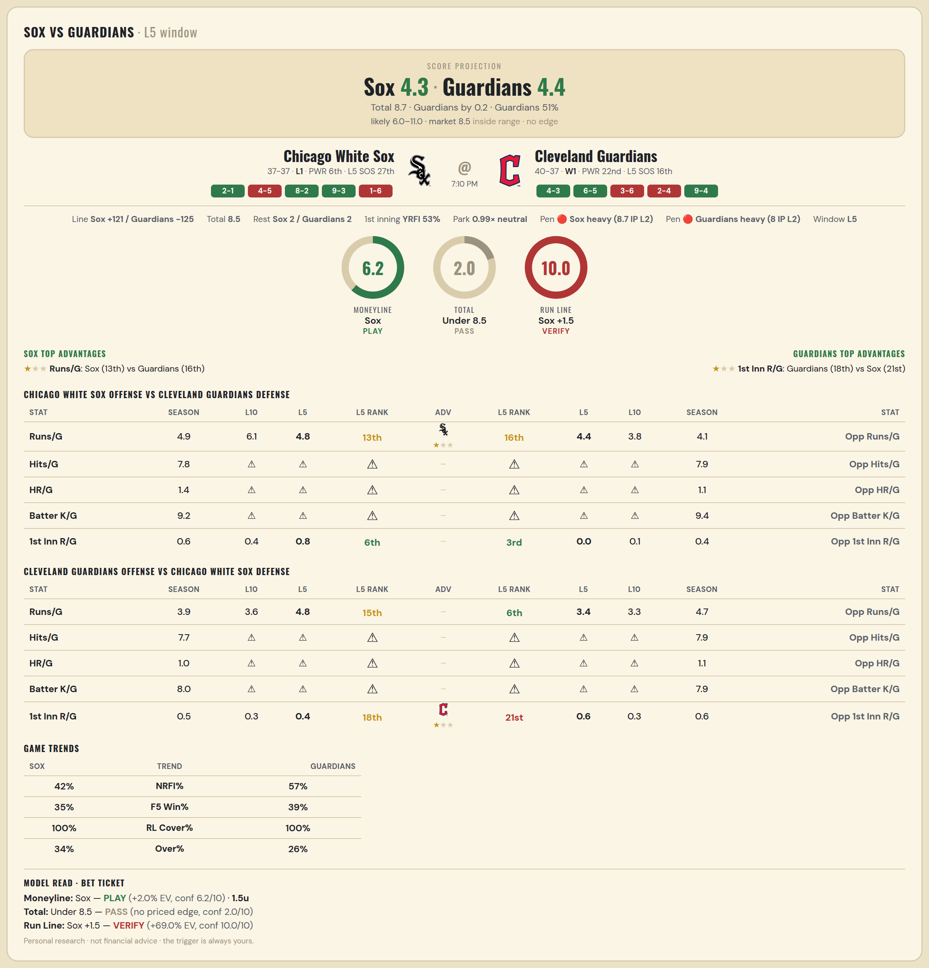

Chicago White Sox offense vs Cleveland Guardians defense
Stat | A Season | A L30 | A L20 | A L15 | A L10 | A L5 | A Rk | Adv | H Rk | H L5 | H L10 | H L15 | H L20 | H L30 | H Season | Opp stat
Runs/G | 4.932 | 5.133 | 5 | 5.133 | 6.1 | 4.8 | 13th | ★ | 16th | 4.4 | 3.8 | 4.067 | 4.1 | 4.267 | 4.13 | Opp Runs/G
Hits/G | 7.792 | 8.667 | — | — | — | — | — |  | — | — | — | — | — | 9.4 | 7.939 | Opp Hits/G
HR/G | 1.354 | 1.333 | — | — | — | — | — |  | — | — | — | — | — | 0.6 | 1.143 | Opp HR/G
Batter K/G | 9.208 | 8.167 | — | — | — | — | — |  | — | — | — | — | — | 9.2 | 9.388 | Opp Batter K/G
1st Inn R/G | 0.597 | 0.633 | 0.4 | 0.467 | 0.4 | 0.8 | 6th |  | 3rd | 0 | 0.1 | 0.333 | 0.4 | 0.367 | 0.365 | Opp 1st Inn R/G

Cleveland Guardians offense vs Chicago White Sox defense
Stat | A Season | A L30 | A L20 | A L15 | A L10 | A L5 | A Rk | Adv | H Rk | H L5 | H L10 | H L15 | H L20 | H L30 | H Season | Opp stat
Runs/G | 3.922 | 3.6 | 3.65 | 3.733 | 3.6 | 4.8 | 15th |  | 6th | 3.4 | 3.3 | 4.267 | 4.15 | 4.167 | 4.716 | Opp Runs/G
Hits/G | 7.735 | 9.8 | — | — | — | — | — |  | — | — | — | — | — | 6.667 | 7.854 | Opp Hits/G
HR/G | 0.959 | 0.2 | — | — | — | — | — |  | — | — | — | — | — | 0.5 | 1.062 | Opp HR/G
Batter K/G | 8 | 9.4 | — | — | — | — | — |  | — | — | — | — | — | 7.333 | 7.938 | Opp Batter K/G
1st Inn R/G | 0.514 | 0.367 | 0.25 | 0.267 | 0.3 | 0.4 | 18th | ★ | 21st | 0.6 | 0.3 | 0.467 | 0.65 | 0.533 | 0.556 | Opp 1st Inn R/G

MLB Mets @ Braves
New York Mets @ Atlanta Braves
MLB · 2026-07-03 · L5 window

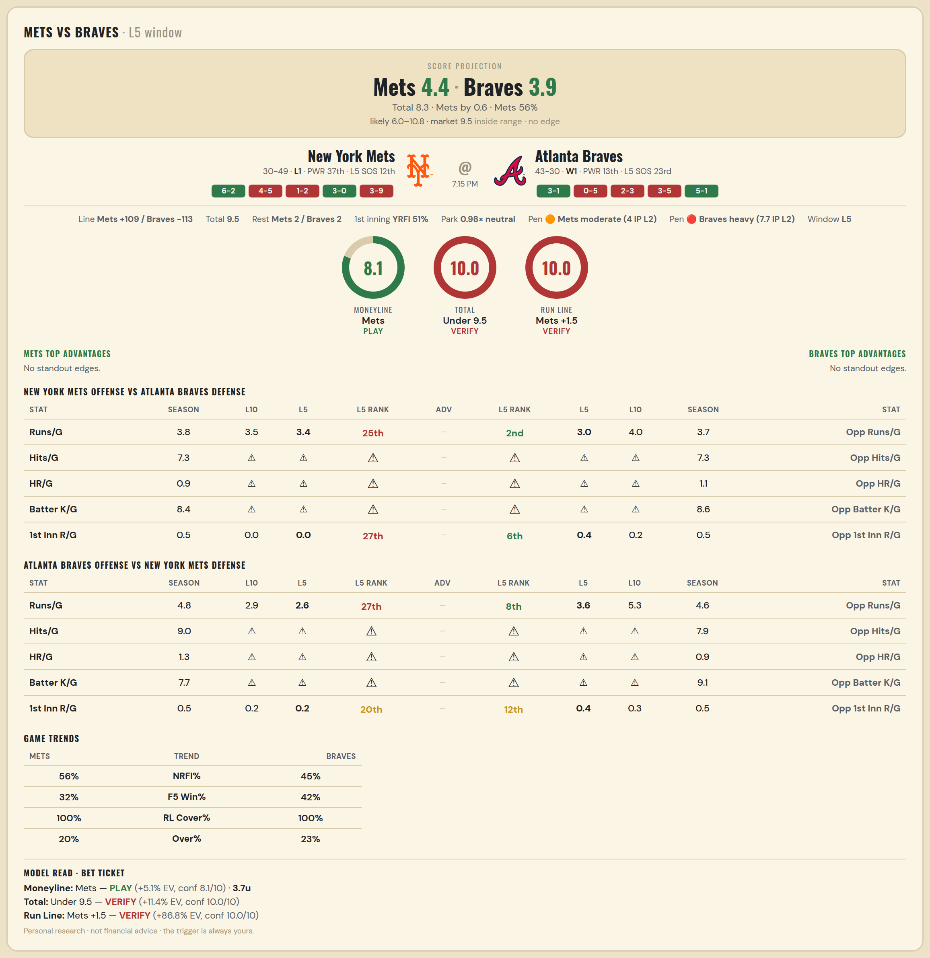

New York Mets offense vs Atlanta Braves defense
Stat | A Season | A L30 | A L20 | A L15 | A L10 | A L5 | A Rk | Adv | H Rk | H L5 | H L10 | H L15 | H L20 | H L30 | H Season | Opp stat
Runs/G | 3.848 | 4.1 | 3.95 | 3.867 | 3.5 | 3.4 | 25th |  | 2nd | 3 | 4 | 4.333 | 4.25 | 4.267 | 3.726 | Opp Runs/G
Hits/G | 7.306 | 6.5 | — | — | — | — | — |  | — | — | — | — | — | 9.429 | 7.312 | Opp Hits/G
HR/G | 0.939 | 2.25 | — | — | — | — | — |  | — | — | — | — | — | 1.286 | 1.062 | Opp HR/G
Batter K/G | 8.408 | 9.25 | — | — | — | — | — |  | — | — | — | — | — | 8.571 | 8.562 | Opp Batter K/G
1st Inn R/G | 0.533 | 0.467 | 0.55 | 0.133 | 0 | 0 | 27th |  | 6th | 0.4 | 0.2 | 0.533 | 0.55 | 0.5 | 0.535 | Opp 1st Inn R/G

Atlanta Braves offense vs New York Mets defense
Stat | A Season | A L30 | A L20 | A L15 | A L10 | A L5 | A Rk | Adv | H Rk | H L5 | H L10 | H L15 | H L20 | H L30 | H Season | Opp stat
Runs/G | 4.795 | 3.867 | 3.15 | 2.867 | 2.9 | 2.6 | 27th |  | 8th | 3.6 | 5.3 | 5.6 | 5.45 | 4.833 | 4.582 | Opp Runs/G
Hits/G | 8.958 | 8.286 | — | — | — | — | — |  | — | — | — | — | — | 6 | 7.918 | Opp Hits/G
HR/G | 1.333 | 1.857 | — | — | — | — | — |  | — | — | — | — | — | 1.25 | 0.918 | Opp HR/G
Batter K/G | 7.688 | 7.571 | — | — | — | — | — |  | — | — | — | — | — | 9.25 | 9.061 | Opp Batter K/G
1st Inn R/G | 0.535 | 0.433 | 0.45 | 0.333 | 0.2 | 0.2 | 20th |  | 12th | 0.4 | 0.3 | 0.733 | 0.8 | 0.633 | 0.52 | Opp 1st Inn R/G

MLB Giants @ Rockies
San Francisco Giants @ Colorado Rockies
MLB · 2026-07-03 · L5 window

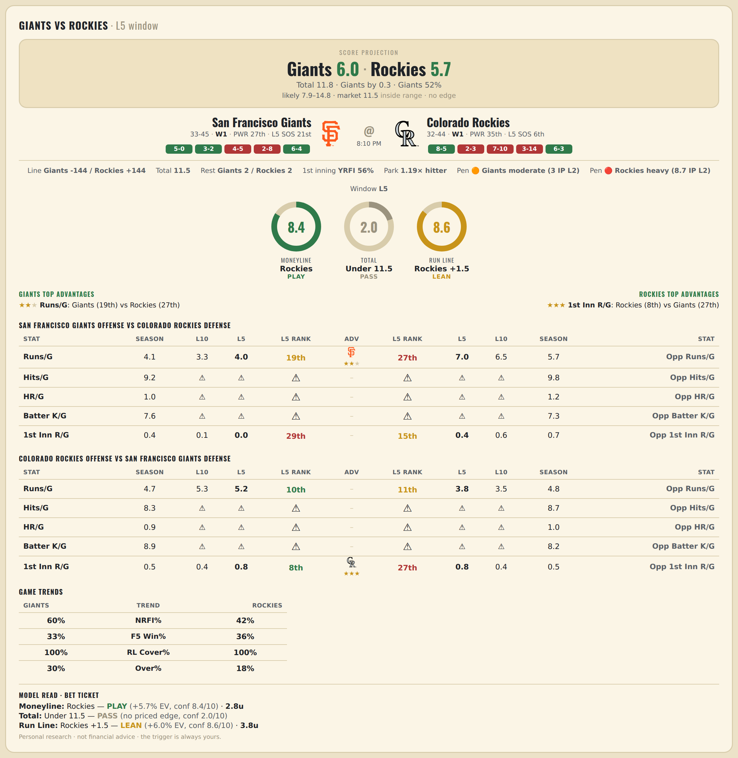

San Francisco Giants offense vs Colorado Rockies defense
Stat | A Season | A L30 | A L20 | A L15 | A L10 | A L5 | A Rk | Adv | H Rk | H L5 | H L10 | H L15 | H L20 | H L30 | H Season | Opp stat
Runs/G | 4.128 | 4.833 | 3.85 | 3.867 | 3.3 | 4 | 19th | ★★ | 27th | 7 | 6.5 | 5.6 | 5.85 | 6.567 | 5.697 | Opp Runs/G
Hits/G | 9.239 | 12.2 | — | — | — | — | — |  | — | — | — | — | — | 12.6 | 9.78 | Opp Hits/G
HR/G | 0.978 | 1.2 | — | — | — | — | — |  | — | — | — | — | — | 1 | 1.24 | Opp HR/G
Batter K/G | 7.587 | 9 | — | — | — | — | — |  | — | — | — | — | — | 6.8 | 7.28 | Opp Batter K/G
1st Inn R/G | 0.352 | 0.333 | 0.15 | 0.2 | 0.1 | 0 | 29th |  | 15th | 0.4 | 0.6 | 0.6 | 0.75 | 0.567 | 0.68 | Opp 1st Inn R/G

Colorado Rockies offense vs San Francisco Giants defense
Stat | A Season | A L30 | A L20 | A L15 | A L10 | A L5 | A Rk | Adv | H Rk | H L5 | H L10 | H L15 | H L20 | H L30 | H Season | Opp stat
Runs/G | 4.658 | 5.8 | 5.6 | 4.933 | 5.3 | 5.2 | 10th |  | 11th | 3.8 | 3.5 | 3.533 | 4.2 | 4.867 | 4.846 | Opp Runs/G
Hits/G | 8.32 | 11.8 | — | — | — | — | — |  | — | — | — | — | — | 13.4 | 8.652 | Opp Hits/G
HR/G | 0.92 | 2 | — | — | — | — | — |  | — | — | — | — | — | 1.2 | 0.978 | Opp HR/G
Batter K/G | 8.92 | 8.8 | — | — | — | — | — |  | — | — | — | — | — | 7.4 | 8.174 | Opp Batter K/G
1st Inn R/G | 0.467 | 0.5 | 0.35 | 0.333 | 0.4 | 0.8 | 8th | ★★★ | 27th | 0.8 | 0.4 | 0.533 | 0.55 | 0.567 | 0.535 | Opp 1st Inn R/G

MLB Rays @ Astros
Tampa Bay Rays @ Houston Astros
MLB · 2026-07-03 · L5 window

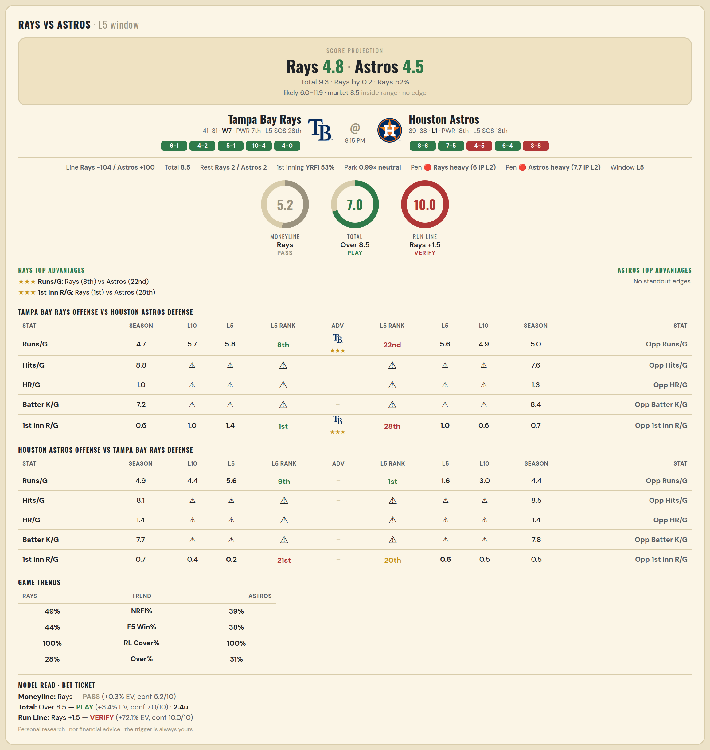

Tampa Bay Rays offense vs Houston Astros defense
Stat | A Season | A L30 | A L20 | A L15 | A L10 | A L5 | A Rk | Adv | H Rk | H L5 | H L10 | H L15 | H L20 | H L30 | H Season | Opp stat
Runs/G | 4.708 | 4.467 | 4.7 | 4.8 | 5.7 | 5.8 | 8th | ★★★ | 22nd | 5.6 | 4.9 | 4.333 | 4.8 | 4.867 | 4.961 | Opp Runs/G
Hits/G | 8.778 | 7 | — | — | — | — | — |  | — | — | — | — | — | 7.667 | 7.625 | Opp Hits/G
HR/G | 0.956 | 1.4 | — | — | — | — | — |  | — | — | — | — | — | 1.333 | 1.292 | Opp HR/G
Batter K/G | 7.244 | 8.4 | — | — | — | — | — |  | — | — | — | — | — | 9 | 8.417 | Opp Batter K/G
1st Inn R/G | 0.557 | 0.7 | 0.65 | 0.867 | 1 | 1.4 | 1st | ★★★ | 28th | 1 | 0.6 | 0.467 | 0.75 | 0.633 | 0.653 | Opp 1st Inn R/G

Houston Astros offense vs Tampa Bay Rays defense
Stat | A Season | A L30 | A L20 | A L15 | A L10 | A L5 | A Rk | Adv | H Rk | H L5 | H L10 | H L15 | H L20 | H L30 | H Season | Opp stat
Runs/G | 4.857 | 4.6 | 4.35 | 4.267 | 4.4 | 5.6 | 9th |  | 1st | 1.6 | 3 | 3.067 | 3.45 | 4.133 | 4.431 | Opp Runs/G
Hits/G | 8.083 | 7.667 | — | — | — | — | — |  | — | — | — | — | — | 10.8 | 8.467 | Opp Hits/G
HR/G | 1.417 | 1 | — | — | — | — | — |  | — | — | — | — | — | 2.6 | 1.444 | Opp HR/G
Batter K/G | 7.729 | 9.333 | — | — | — | — | — |  | — | — | — | — | — | 7 | 7.778 | Opp Batter K/G
1st Inn R/G | 0.693 | 0.7 | 0.75 | 0.4 | 0.4 | 0.2 | 21st |  | 20th | 0.6 | 0.5 | 0.333 | 0.35 | 0.533 | 0.486 | Opp 1st Inn R/G

MLB Sox @ Angels
Boston Red Sox @ Los Angeles Angels
MLB · 2026-07-03 · L5 window

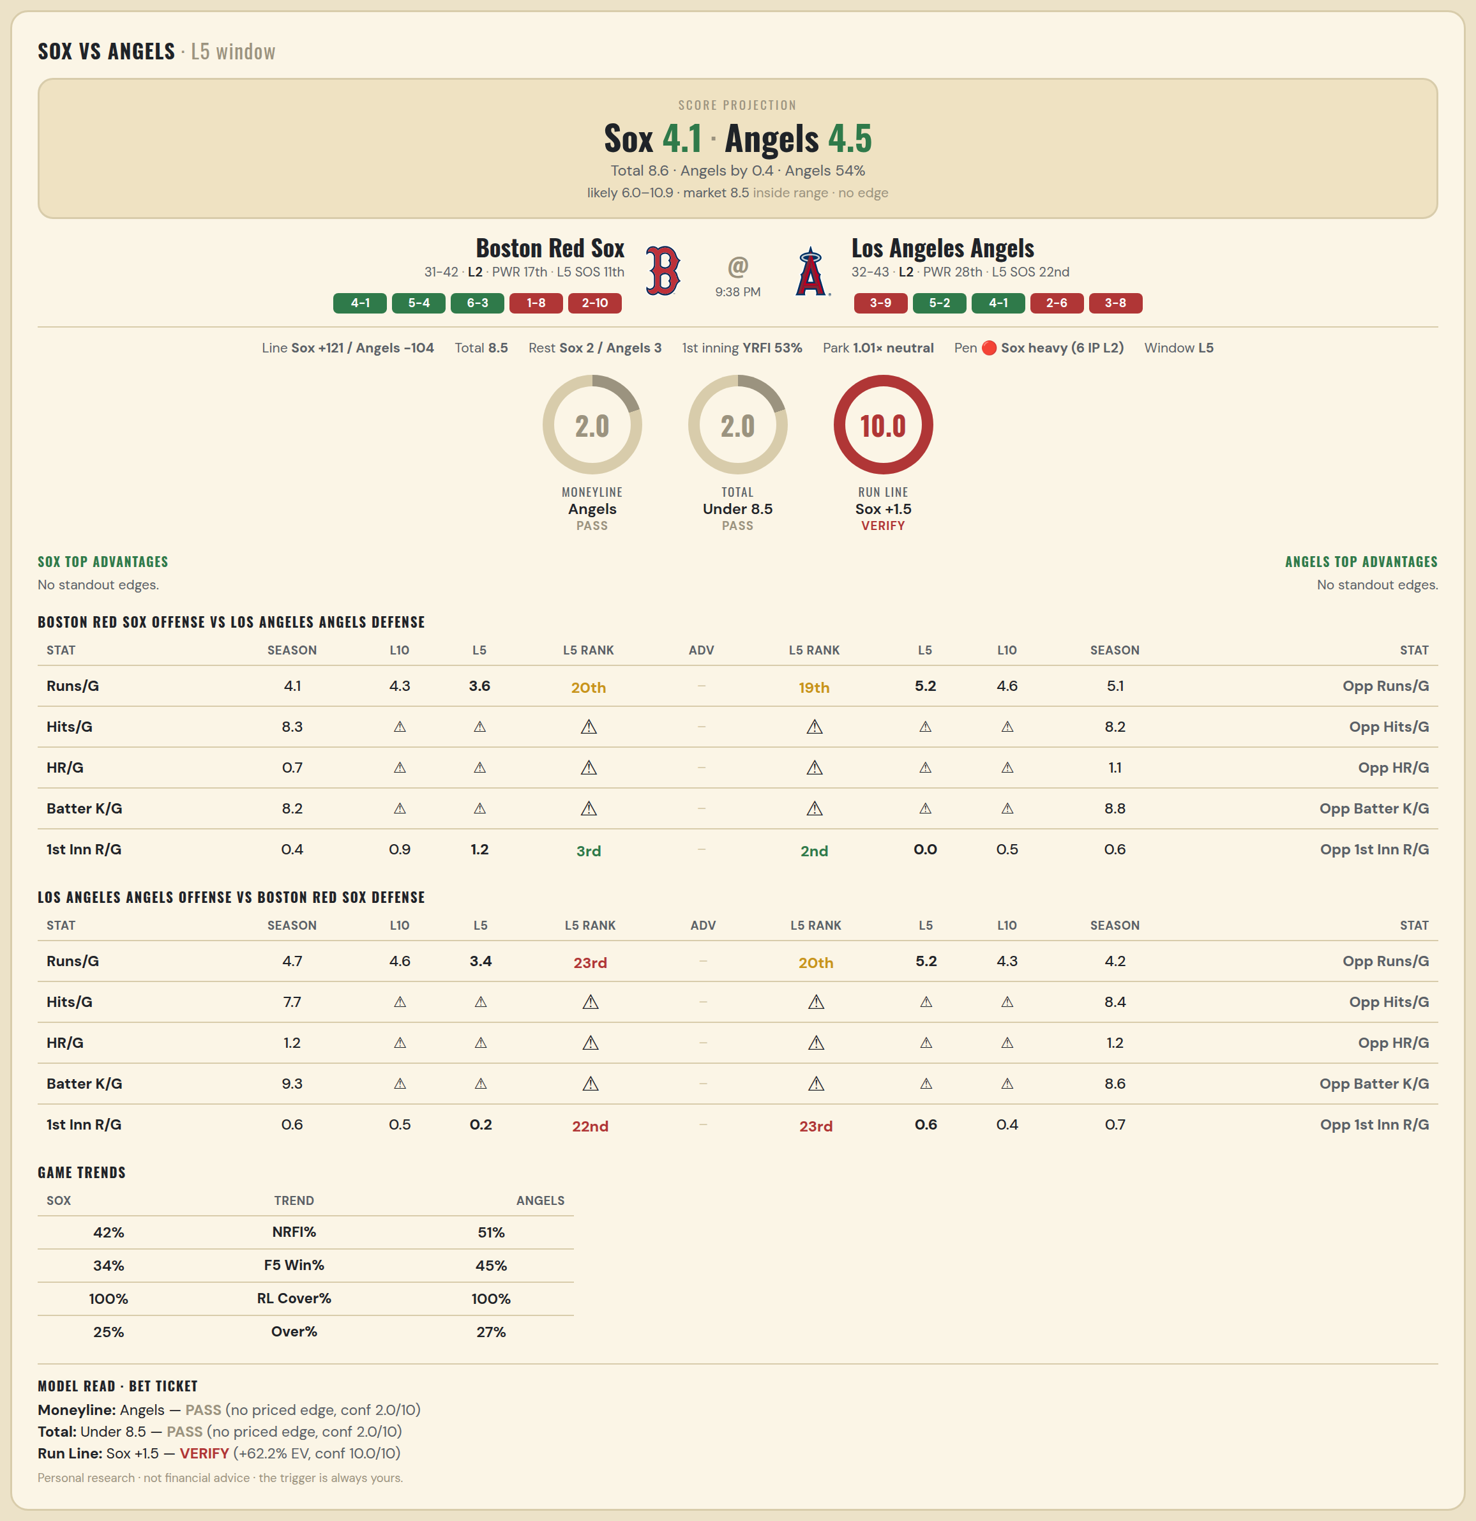

Boston Red Sox offense vs Los Angeles Angels defense
Stat | A Season | A L30 | A L20 | A L15 | A L10 | A L5 | A Rk | Adv | H Rk | H L5 | H L10 | H L15 | H L20 | H L30 | H Season | Opp stat
Runs/G | 4.123 | 4.233 | 4.2 | 3.867 | 4.3 | 3.6 | 20th |  | 19th | 5.2 | 4.6 | 5 | 4.45 | 4.867 | 5.147 | Opp Runs/G
Hits/G | 8.304 | 9.75 | — | — | — | — | — |  | — | — | — | — | — | 9 | 8.245 | Opp Hits/G
HR/G | 0.739 | 0.5 | — | — | — | — | — |  | — | — | — | — | — | 2 | 1.061 | Opp HR/G
Batter K/G | 8.239 | 9 | — | — | — | — | — |  | — | — | — | — | — | 8.6 | 8.816 | Opp Batter K/G
1st Inn R/G | 0.361 | 0.467 | 0.55 | 0.6 | 0.9 | 1.2 | 3rd |  | 2nd | 0 | 0.5 | 0.733 | 0.55 | 0.8 | 0.568 | Opp 1st Inn R/G

Los Angeles Angels offense vs Boston Red Sox defense
Stat | A Season | A L30 | A L20 | A L15 | A L10 | A L5 | A Rk | Adv | H Rk | H L5 | H L10 | H L15 | H L20 | H L30 | H Season | Opp stat
Runs/G | 4.653 | 5.233 | 4.8 | 4.533 | 4.6 | 3.4 | 23rd |  | 20th | 5.2 | 4.3 | 3.733 | 3.95 | 3.9 | 4.233 | Opp Runs/G
Hits/G | 7.714 | 9.4 | — | — | — | — | — |  | — | — | — | — | — | 9 | 8.391 | Opp Hits/G
HR/G | 1.184 | 1.2 | — | — | — | — | — |  | — | — | — | — | — | 0.5 | 1.217 | Opp HR/G
Batter K/G | 9.286 | 6.8 | — | — | — | — | — |  | — | — | — | — | — | 11 | 8.587 | Opp Batter K/G
1st Inn R/G | 0.595 | 0.567 | 0.6 | 0.467 | 0.5 | 0.2 | 22nd |  | 23rd | 0.6 | 0.4 | 0.4 | 0.4 | 0.7 | 0.722 | Opp 1st Inn R/G

MLB Marlins @ Athletics
Miami Marlins @ Athletics
MLB · 2026-07-03 · L5 window

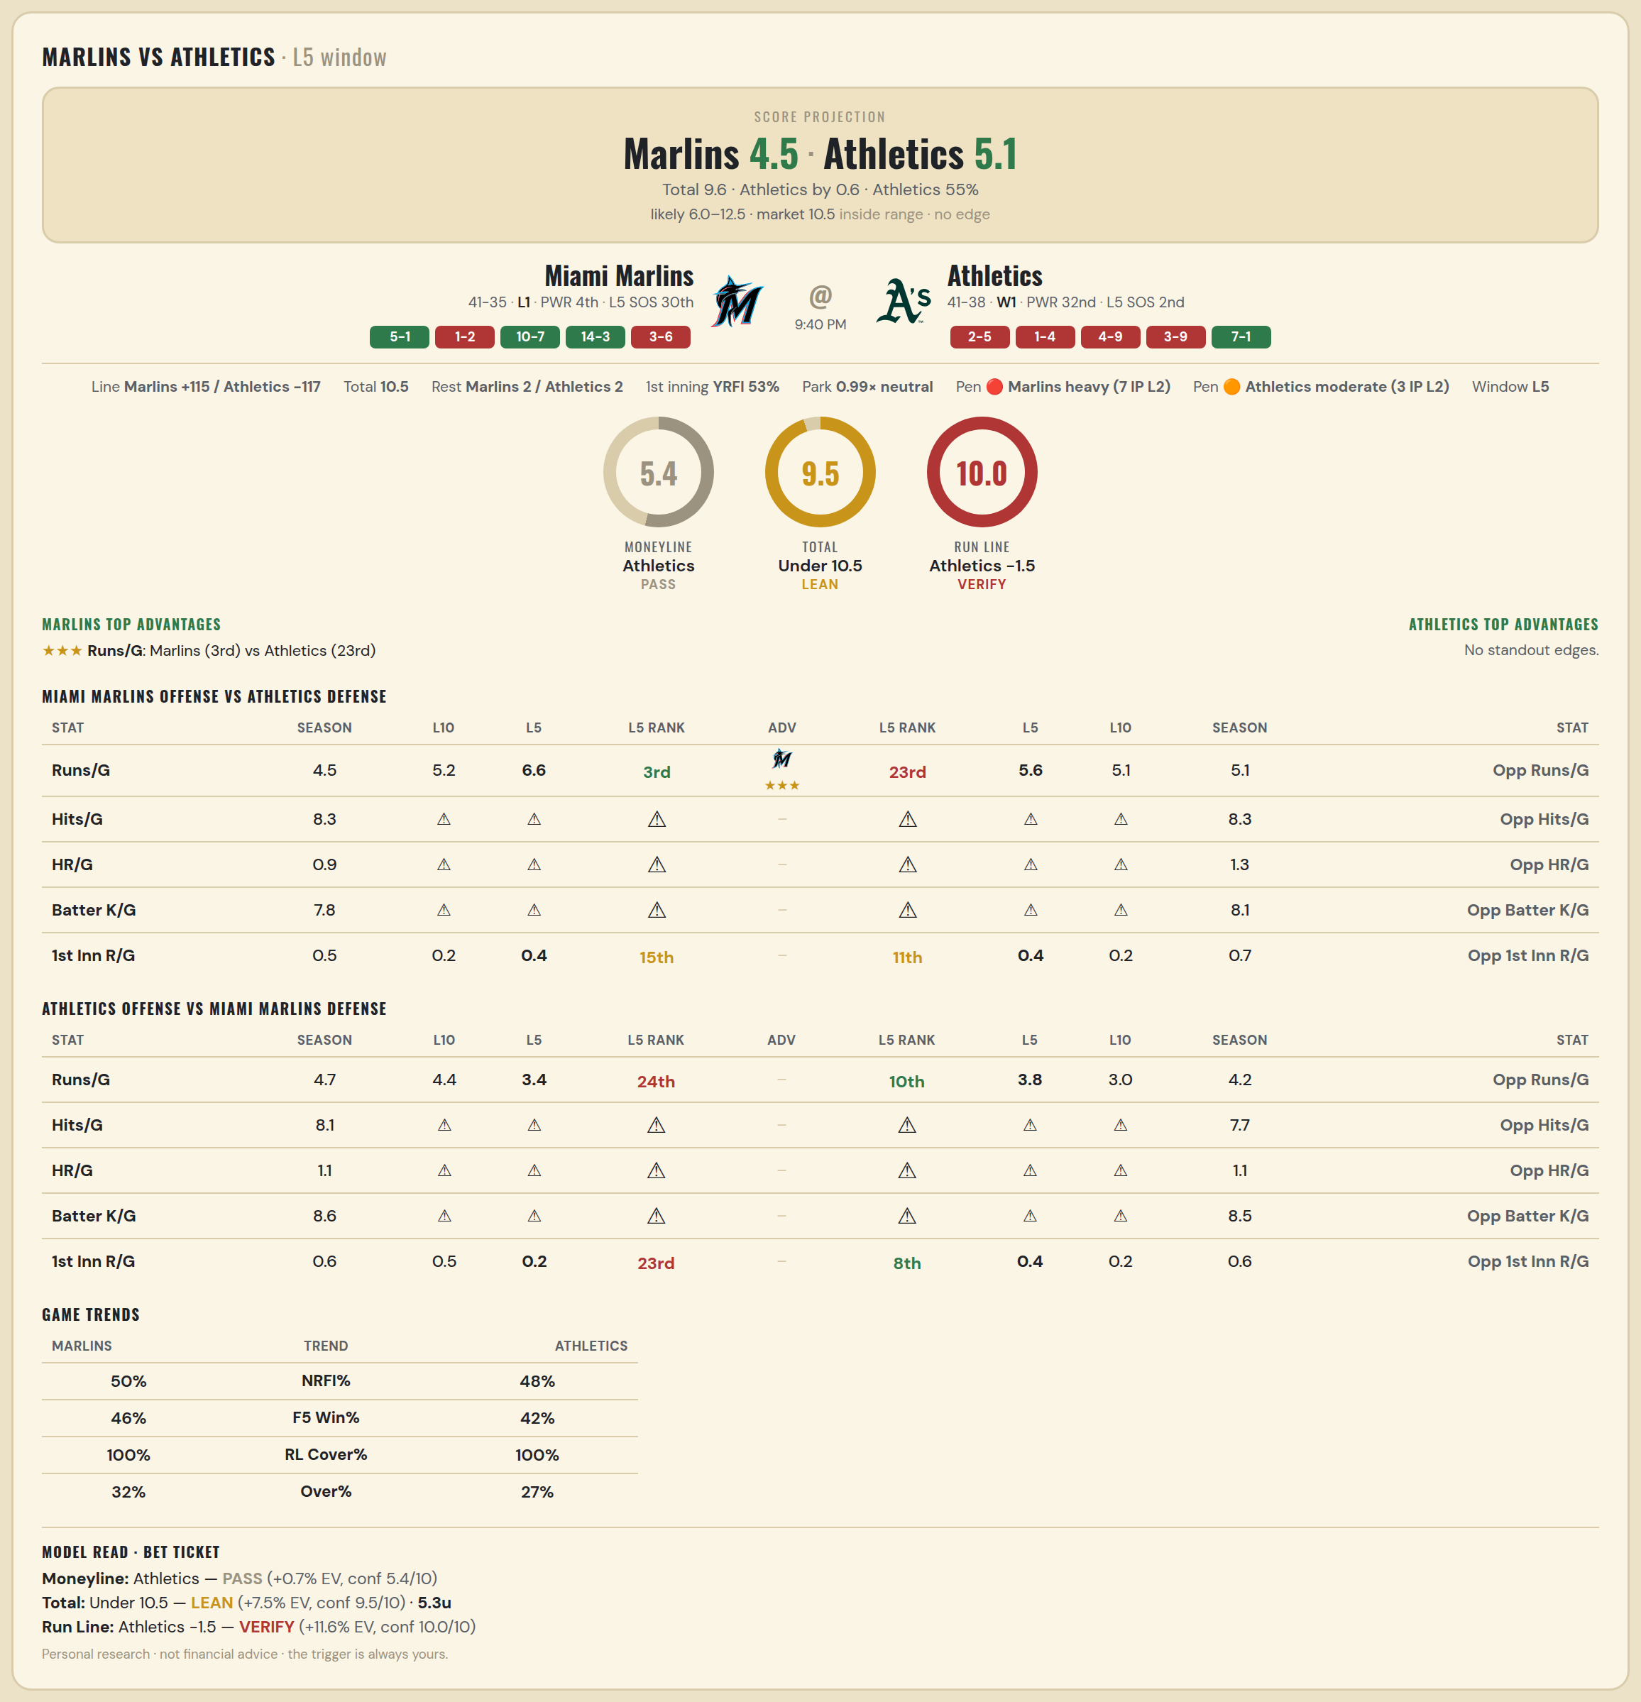

Miami Marlins offense vs Athletics defense
Stat | A Season | A L30 | A L20 | A L15 | A L10 | A L5 | A Rk | Adv | H Rk | H L5 | H L10 | H L15 | H L20 | H L30 | H Season | Opp stat
Runs/G | 4.526 | 4.833 | 5 | 5.067 | 5.2 | 6.6 | 3rd | ★★★ | 23rd | 5.6 | 5.1 | 5.8 | 6.2 | 6.367 | 5.127 | Opp Runs/G
Hits/G | 8.286 | 7.8 | — | — | — | — | — |  | — | — | — | — | — | 7 | 8.312 | Opp Hits/G
HR/G | 0.918 | 1.6 | — | — | — | — | — |  | — | — | — | — | — | 0 | 1.271 | Opp HR/G
Batter K/G | 7.816 | 9 | — | — | — | — | — |  | — | — | — | — | — | 8 | 8.146 | Opp Batter K/G
1st Inn R/G | 0.527 | 0.3 | 0.35 | 0.4 | 0.2 | 0.4 | 15th |  | 11th | 0.4 | 0.2 | 0.333 | 0.4 | 0.533 | 0.653 | Opp 1st Inn R/G

Athletics offense vs Miami Marlins defense
Stat | A Season | A L30 | A L20 | A L15 | A L10 | A L5 | A Rk | Adv | H Rk | H L5 | H L10 | H L15 | H L20 | H L30 | H Season | Opp stat
Runs/G | 4.709 | 5.433 | 5.35 | 4.667 | 4.4 | 3.4 | 24th |  | 10th | 3.8 | 3 | 3.667 | 3.15 | 3.7 | 4.184 | Opp Runs/G
Hits/G | 8.146 | 8.667 | — | — | — | — | — |  | — | — | — | — | — | 8.2 | 7.694 | Opp Hits/G
HR/G | 1.062 | 2 | — | — | — | — | — |  | — | — | — | — | — | 1.6 | 1.082 | Opp HR/G
Batter K/G | 8.625 | 8.333 | — | — | — | — | — |  | — | — | — | — | — | 8.2 | 8.531 | Opp Batter K/G
1st Inn R/G | 0.64 | 0.933 | 1 | 0.933 | 0.5 | 0.2 | 23rd |  | 8th | 0.4 | 0.2 | 0.467 | 0.4 | 0.567 | 0.635 | Opp 1st Inn R/G

