MLB Pirates @ Phillies
Pittsburgh Pirates @ Philadelphia Phillies
MLB · 2026-07-02 · L5 window

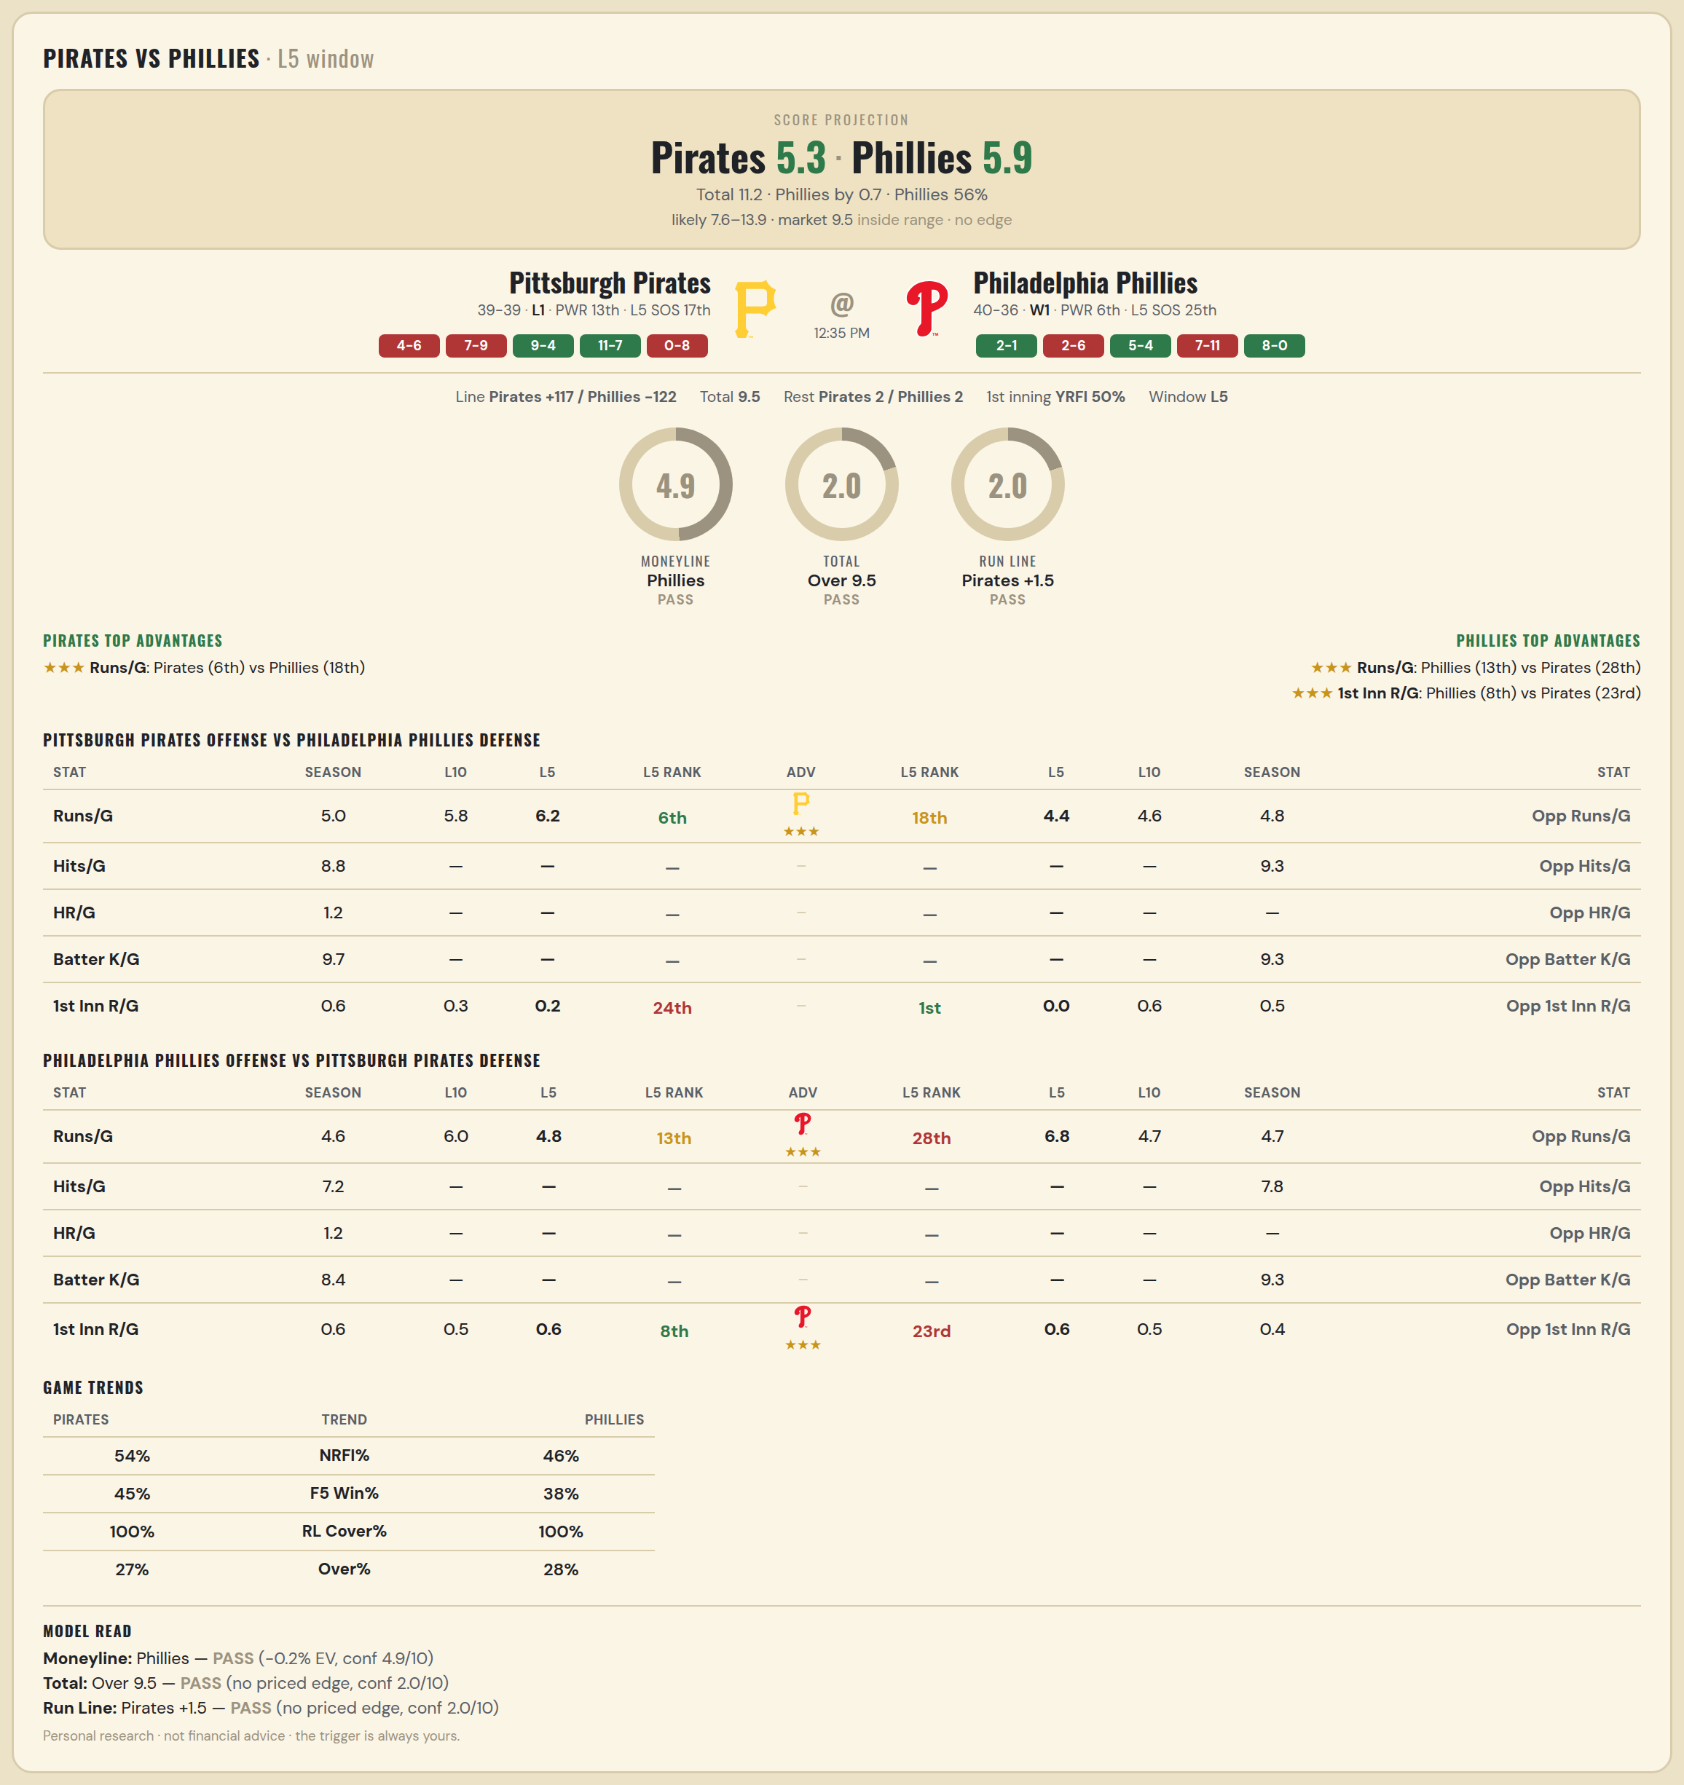

Pittsburgh Pirates offense vs Philadelphia Phillies defense
Stat | A Season | A L30 | A L20 | A L15 | A L10 | A L5 | A Rk | Adv | H Rk | H L5 | H L10 | H L15 | H L20 | H L30 | H Season | Opp stat
Runs/G | 5.038 | 5.533 | 5.35 | 5.533 | 5.8 | 6.2 | 6th | ★★★ | 18th | 4.4 | 4.6 | 4.6 | 4.7 | 4.567 | 4.763 | Opp Runs/G
Hits/G | 8.812 | 10 | — | — | — | — | — |  | — | — | — | — | — | 8.75 | 9.319 | Opp Hits/G
HR/G | 1.188 | 2.2 | — | — | — | — | — |  | — | — | — | — | — | — | — | Opp HR/G
Batter K/G | 9.708 | 9.2 | — | — | — | — | — |  | — | — | — | — | — | 8.25 | 9.277 | Opp Batter K/G
1st Inn R/G | 0.562 | 0.5 | 0.45 | 0.4 | 0.3 | 0.2 | 24th |  | 1st | 0 | 0.6 | 0.667 | 0.6 | 0.567 | 0.534 | Opp 1st Inn R/G

Philadelphia Phillies offense vs Pittsburgh Pirates defense
Stat | A Season | A L30 | A L20 | A L15 | A L10 | A L5 | A Rk | Adv | H Rk | H L5 | H L10 | H L15 | H L20 | H L30 | H Season | Opp stat
Runs/G | 4.553 | 5.333 | 5.8 | 6.533 | 6 | 4.8 | 13th | ★★★ | 28th | 6.8 | 4.7 | 5 | 5.65 | 5.667 | 4.744 | Opp Runs/G
Hits/G | 7.234 | 5.75 | — | — | — | — | — |  | — | — | — | — | — | 8.4 | 7.792 | Opp Hits/G
HR/G | 1.213 | 1.25 | — | — | — | — | — |  | — | — | — | — | — | — | — | Opp HR/G
Batter K/G | 8.426 | 9.75 | — | — | — | — | — |  | — | — | — | — | — | 11.8 | 9.292 | Opp Batter K/G
1st Inn R/G | 0.589 | 0.5 | 0.7 | 0.8 | 0.5 | 0.6 | 8th | ★★★ | 23rd | 0.6 | 0.5 | 0.6 | 0.45 | 0.467 | 0.411 | Opp 1st Inn R/G

MLB Reds @ Brewers
Cincinnati Reds @ Milwaukee Brewers
MLB · 2026-07-02 · L5 window

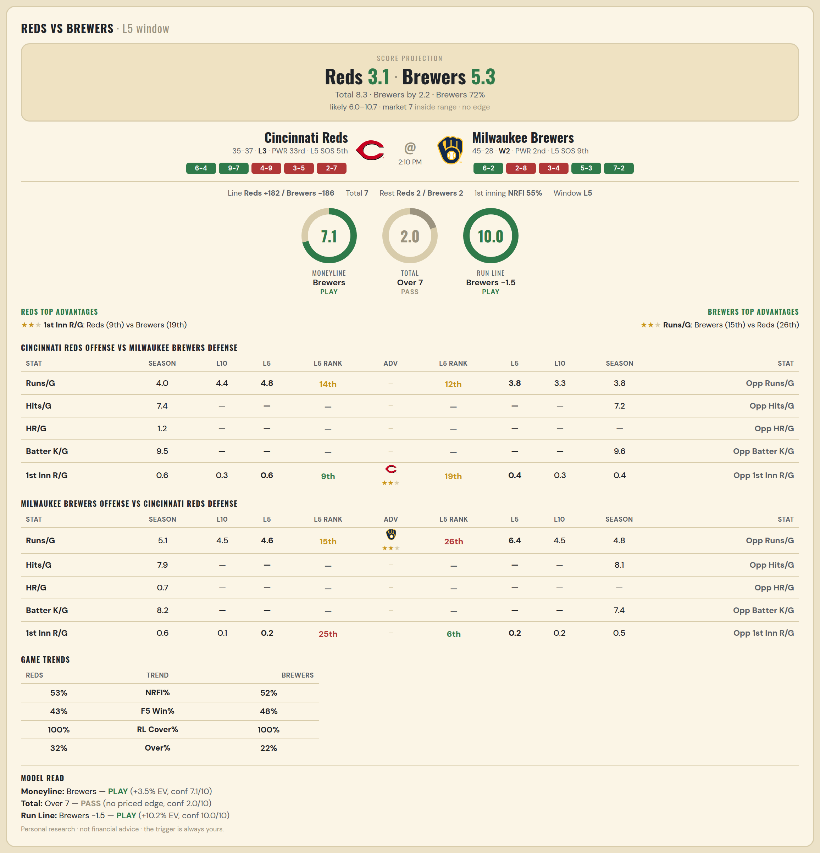

Cincinnati Reds offense vs Milwaukee Brewers defense
Stat | A Season | A L30 | A L20 | A L15 | A L10 | A L5 | A Rk | Adv | H Rk | H L5 | H L10 | H L15 | H L20 | H L30 | H Season | Opp stat
Runs/G | 4.028 | 3.733 | 4 | 4.333 | 4.4 | 4.8 | 14th |  | 12th | 3.8 | 3.3 | 3 | 3.95 | 4.067 | 3.795 | Opp Runs/G
Hits/G | 7.404 | 7.167 | — | — | — | — | — |  | — | — | — | — | — | 7.2 | 7.174 | Opp Hits/G
HR/G | 1.213 | 1.333 | — | — | — | — | — |  | — | — | — | — | — | — | — | Opp HR/G
Batter K/G | 9.532 | 10 | — | — | — | — | — |  | — | — | — | — | — | 10.4 | 9.63 | Opp Batter K/G
1st Inn R/G | 0.563 | 0.533 | 0.55 | 0.733 | 0.3 | 0.6 | 9th | ★★ | 19th | 0.4 | 0.3 | 0.2 | 0.25 | 0.367 | 0.408 | Opp 1st Inn R/G

Milwaukee Brewers offense vs Cincinnati Reds defense
Stat | A Season | A L30 | A L20 | A L15 | A L10 | A L5 | A Rk | Adv | H Rk | H L5 | H L10 | H L15 | H L20 | H L30 | H Season | Opp stat
Runs/G | 5.096 | 5.7 | 5.05 | 4.267 | 4.5 | 4.6 | 15th | ★★ | 26th | 6.4 | 4.5 | 4.467 | 4.35 | 4.867 | 4.75 | Opp Runs/G
Hits/G | 7.935 | 8.8 | — | — | — | — | — |  | — | — | — | — | — | 8.667 | 8.106 | Opp Hits/G
HR/G | 0.739 | 0.8 | — | — | — | — | — |  | — | — | — | — | — | — | — | Opp HR/G
Batter K/G | 8.152 | 7.4 | — | — | — | — | — |  | — | — | — | — | — | 6.5 | 7.404 | Opp Batter K/G
1st Inn R/G | 0.577 | 0.533 | 0.5 | 0.333 | 0.1 | 0.2 | 25th |  | 6th | 0.2 | 0.2 | 0.133 | 0.2 | 0.5 | 0.507 | Opp 1st Inn R/G

MLB Marlins @ Rockies
Miami Marlins @ Colorado Rockies
MLB · 2026-07-02 · L5 window

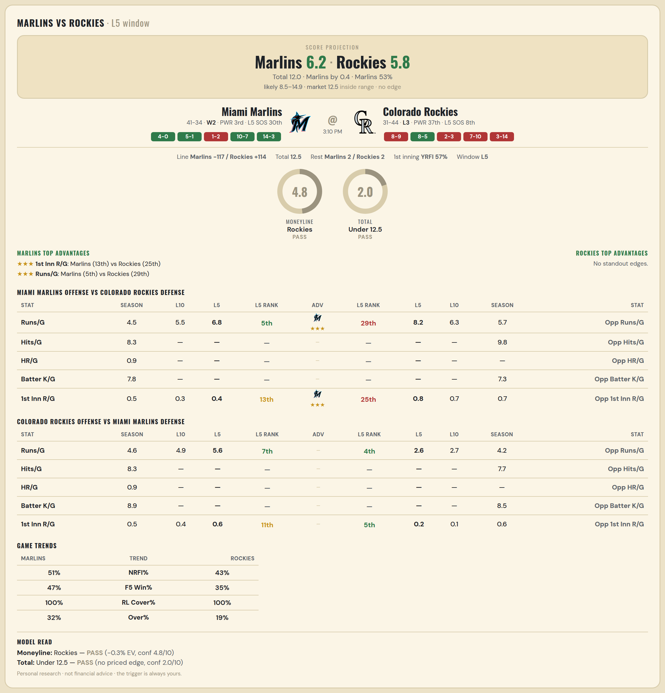

Miami Marlins offense vs Colorado Rockies defense
Stat | A Season | A L30 | A L20 | A L15 | A L10 | A L5 | A Rk | Adv | H Rk | H L5 | H L10 | H L15 | H L20 | H L30 | H Season | Opp stat
Runs/G | 4.547 | 4.767 | 5.35 | 5.133 | 5.5 | 6.8 | 5th | ★★★ | 29th | 8.2 | 6.3 | 6 | 5.85 | 6.6 | 5.733 | Opp Runs/G
Hits/G | 8.286 | 8.333 | — | — | — | — | — |  | — | — | — | — | — | 11.833 | 9.78 | Opp Hits/G
HR/G | 0.918 | 1.333 | — | — | — | — | — |  | — | — | — | — | — | — | — | Opp HR/G
Batter K/G | 7.816 | 8.833 | — | — | — | — | — |  | — | — | — | — | — | 6.333 | 7.28 | Opp Batter K/G
1st Inn R/G | 0.534 | 0.333 | 0.4 | 0.4 | 0.3 | 0.4 | 13th | ★★★ | 25th | 0.8 | 0.7 | 0.867 | 0.75 | 0.633 | 0.689 | Opp 1st Inn R/G

Colorado Rockies offense vs Miami Marlins defense
Stat | A Season | A L30 | A L20 | A L15 | A L10 | A L5 | A Rk | Adv | H Rk | H L5 | H L10 | H L15 | H L20 | H L30 | H Season | Opp stat
Runs/G | 4.64 | 5.633 | 5.65 | 6.067 | 4.9 | 5.6 | 7th |  | 4th | 2.6 | 2.7 | 3.4 | 3.15 | 3.567 | 4.16 | Opp Runs/G
Hits/G | 8.32 | 10 | — | — | — | — | — |  | — | — | — | — | — | 7.667 | 7.694 | Opp Hits/G
HR/G | 0.92 | 1.667 | — | — | — | — | — |  | — | — | — | — | — | — | — | Opp HR/G
Batter K/G | 8.92 | 9 | — | — | — | — | — |  | — | — | — | — | — | 9 | 8.531 | Opp Batter K/G
1st Inn R/G | 0.459 | 0.467 | 0.4 | 0.4 | 0.4 | 0.6 | 11th |  | 5th | 0.2 | 0.1 | 0.4 | 0.4 | 0.533 | 0.63 | Opp 1st Inn R/G

MLB Sox @ Guardians
Chicago White Sox @ Cleveland Guardians
MLB · 2026-07-02 · L5 window

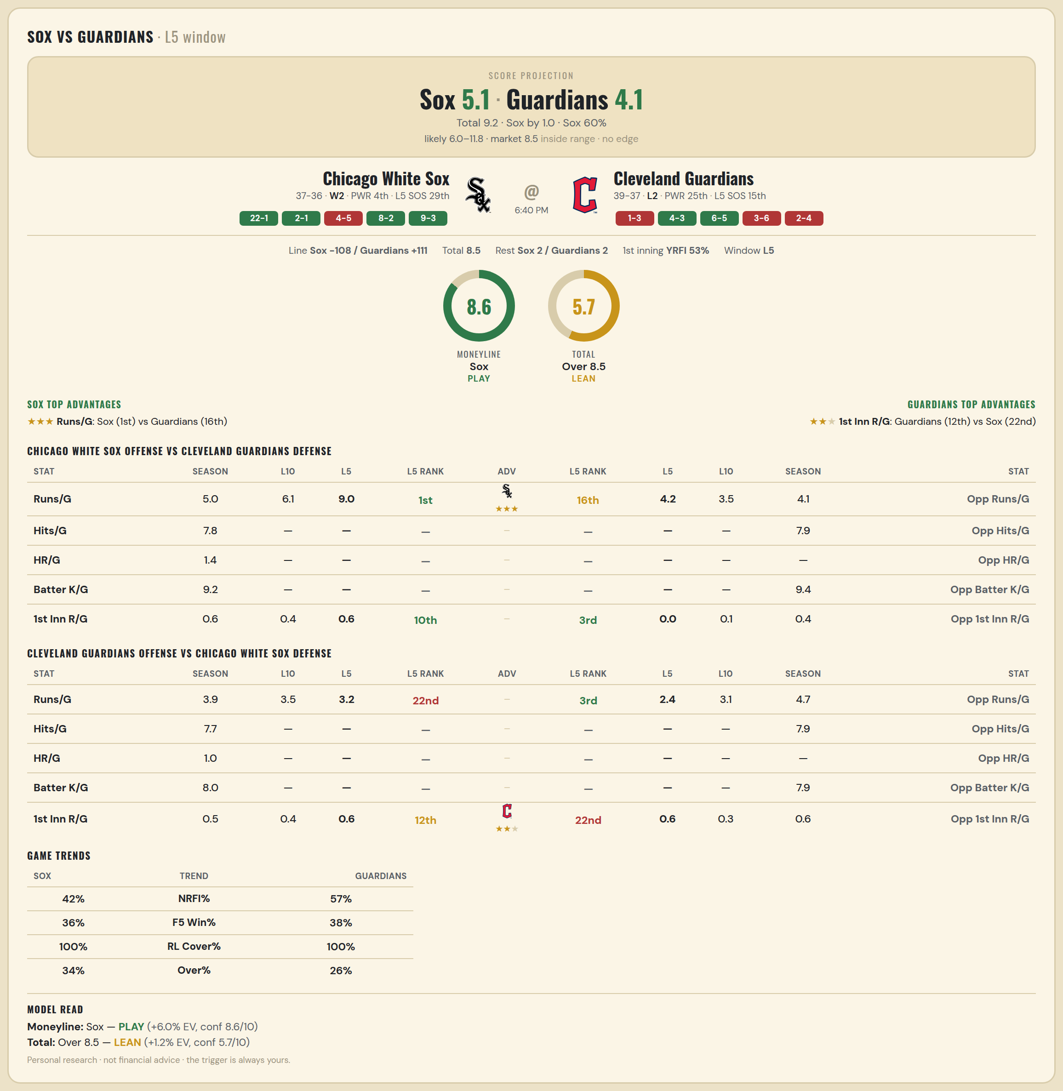

Chicago White Sox offense vs Cleveland Guardians defense
Stat | A Season | A L30 | A L20 | A L15 | A L10 | A L5 | A Rk | Adv | H Rk | H L5 | H L10 | H L15 | H L20 | H L30 | H Season | Opp stat
Runs/G | 4.986 | 5.6 | 5.2 | 5.467 | 6.1 | 9 | 1st | ★★★ | 16th | 4.2 | 3.5 | 3.867 | 4.4 | 4.333 | 4.132 | Opp Runs/G
Hits/G | 7.792 | 10 | — | — | — | — | — |  | — | — | — | — | — | 9.667 | 7.939 | Opp Hits/G
HR/G | 1.354 | 1.429 | — | — | — | — | — |  | — | — | — | — | — | — | — | Opp HR/G
Batter K/G | 9.208 | 8.143 | — | — | — | — | — |  | — | — | — | — | — | 8.667 | 9.388 | Opp Batter K/G
1st Inn R/G | 0.592 | 0.6 | 0.35 | 0.4 | 0.4 | 0.6 | 10th |  | 3rd | 0 | 0.1 | 0.4 | 0.5 | 0.367 | 0.37 | Opp 1st Inn R/G

Cleveland Guardians offense vs Chicago White Sox defense
Stat | A Season | A L30 | A L20 | A L15 | A L10 | A L5 | A Rk | Adv | H Rk | H L5 | H L10 | H L15 | H L20 | H L30 | H Season | Opp stat
Runs/G | 3.855 | 3.4 | 3.2 | 3.333 | 3.5 | 3.2 | 22nd |  | 3rd | 2.4 | 3.1 | 4.133 | 4.3 | 4.033 | 4.699 | Opp Runs/G
Hits/G | 7.735 | 9.5 | — | — | — | — | — |  | — | — | — | — | — | 6.143 | 7.854 | Opp Hits/G
HR/G | 0.959 | 0.167 | — | — | — | — | — |  | — | — | — | — | — | — | — | Opp HR/G
Batter K/G | 8 | 9.833 | — | — | — | — | — |  | — | — | — | — | — | 7 | 7.938 | Opp Batter K/G
1st Inn R/G | 0.521 | 0.367 | 0.25 | 0.267 | 0.4 | 0.6 | 12th | ★★ | 22nd | 0.6 | 0.3 | 0.533 | 0.7 | 0.567 | 0.563 | Opp 1st Inn R/G

MLB Cardinals @ Braves
St. Louis Cardinals @ Atlanta Braves
MLB · 2026-07-02 · L5 window

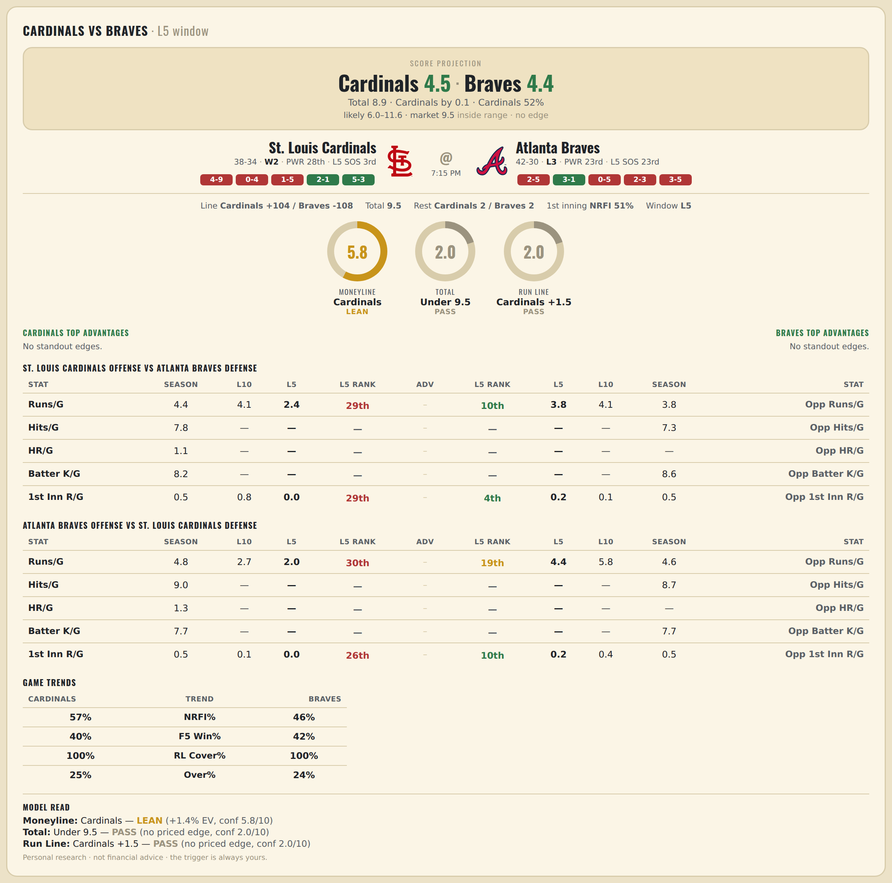

St. Louis Cardinals offense vs Atlanta Braves defense
Stat | A Season | A L30 | A L20 | A L15 | A L10 | A L5 | A Rk | Adv | H Rk | H L5 | H L10 | H L15 | H L20 | H L30 | H Season | Opp stat
Runs/G | 4.431 | 4.433 | 4.7 | 4.067 | 4.1 | 2.4 | 29th |  | 10th | 3.8 | 4.1 | 4.733 | 4.35 | 4.3 | 3.764 | Opp Runs/G
Hits/G | 7.826 | 7.857 | — | — | — | — | — |  | — | — | — | — | — | 9 | 7.312 | Opp Hits/G
HR/G | 1.109 | 0.714 | — | — | — | — | — |  | — | — | — | — | — | — | — | Opp HR/G
Batter K/G | 8.196 | 7.714 | — | — | — | — | — |  | — | — | — | — | — | 8.125 | 8.562 | Opp Batter K/G
1st Inn R/G | 0.522 | 0.733 | 0.7 | 0.667 | 0.8 | 0 | 29th |  | 4th | 0.2 | 0.1 | 0.6 | 0.5 | 0.467 | 0.529 | Opp 1st Inn R/G

Atlanta Braves offense vs St. Louis Cardinals defense
Stat | A Season | A L30 | A L20 | A L15 | A L10 | A L5 | A Rk | Adv | H Rk | H L5 | H L10 | H L15 | H L20 | H L30 | H Season | Opp stat
Runs/G | 4.792 | 3.733 | 3.2 | 2.867 | 2.7 | 2 | 30th |  | 19th | 4.4 | 5.8 | 5.133 | 4.8 | 4.533 | 4.556 | Opp Runs/G
Hits/G | 8.958 | 8 | — | — | — | — | — |  | — | — | — | — | — | 8.571 | 8.652 | Opp Hits/G
HR/G | 1.333 | 1.625 | — | — | — | — | — |  | — | — | — | — | — | — | — | Opp HR/G
Batter K/G | 7.688 | 7.625 | — | — | — | — | — |  | — | — | — | — | — | 9.286 | 7.739 | Opp Batter K/G
1st Inn R/G | 0.529 | 0.4 | 0.4 | 0.267 | 0.1 | 0 | 26th |  | 10th | 0.2 | 0.4 | 0.333 | 0.45 | 0.5 | 0.536 | Opp 1st Inn R/G

MLB Rays @ Royals
Tampa Bay Rays @ Kansas City Royals
MLB · 2026-07-02 · L5 window

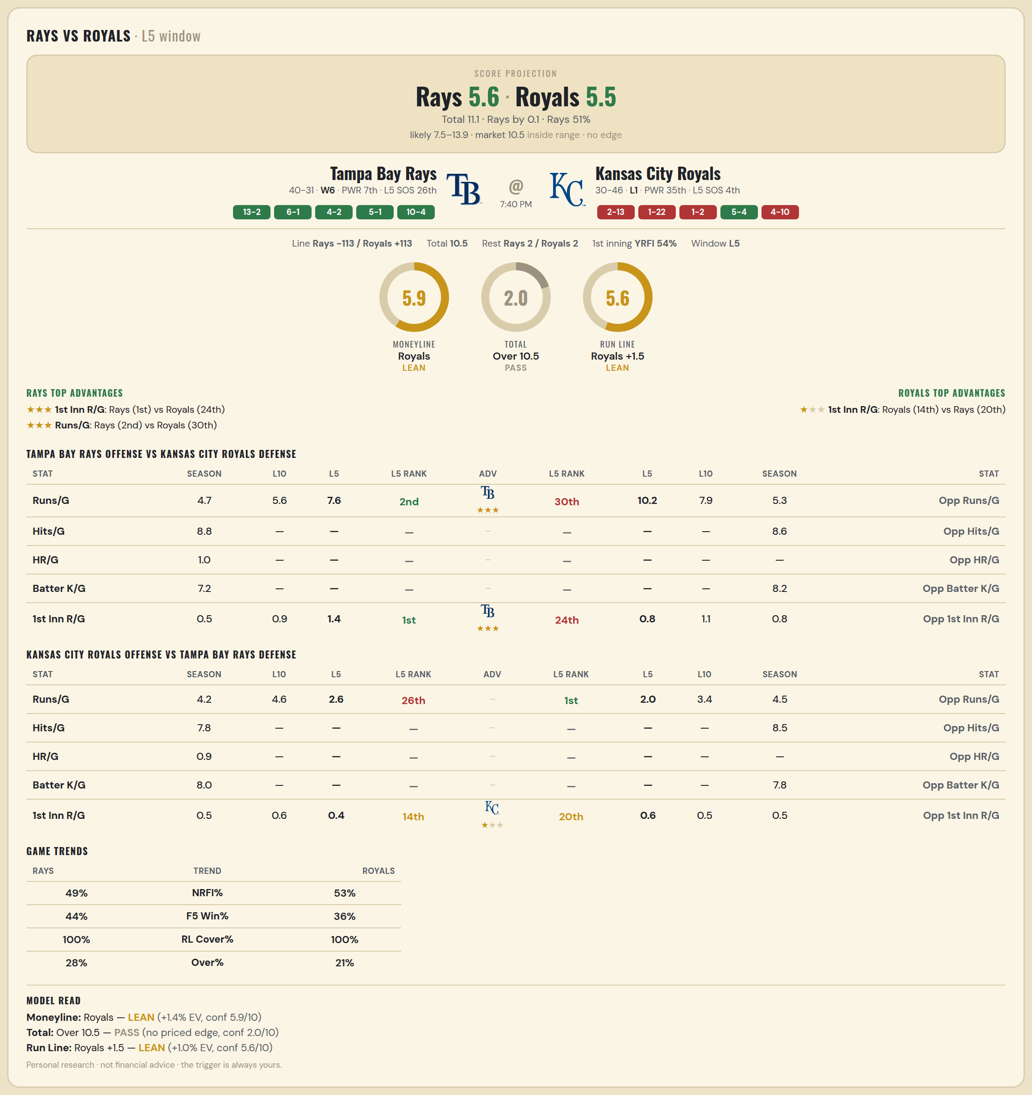

Tampa Bay Rays offense vs Kansas City Royals defense
Stat | A Season | A L30 | A L20 | A L15 | A L10 | A L5 | A Rk | Adv | H Rk | H L5 | H L10 | H L15 | H L20 | H L30 | H Season | Opp stat
Runs/G | 4.718 | 4.4 | 4.65 | 5.067 | 5.6 | 7.6 | 2nd | ★★★ | 30th | 10.2 | 7.9 | 6.667 | 6.55 | 5.967 | 5.276 | Opp Runs/G
Hits/G | 8.778 | 7.5 | — | — | — | — | — |  | — | — | — | — | — | 8.8 | 8.604 | Opp Hits/G
HR/G | 0.956 | 1.167 | — | — | — | — | — |  | — | — | — | — | — | — | — | Opp HR/G
Batter K/G | 7.244 | 7.667 | — | — | — | — | — |  | — | — | — | — | — | 9.6 | 8.208 | Opp Batter K/G
1st Inn R/G | 0.536 | 0.633 | 0.6 | 0.733 | 0.9 | 1.4 | 1st | ★★★ | 24th | 0.8 | 1.1 | 0.867 | 1.15 | 1.133 | 0.822 | Opp 1st Inn R/G

Kansas City Royals offense vs Tampa Bay Rays defense
Stat | A Season | A L30 | A L20 | A L15 | A L10 | A L5 | A Rk | Adv | H Rk | H L5 | H L10 | H L15 | H L20 | H L30 | H Season | Opp stat
Runs/G | 4.211 | 5 | 5.15 | 5.133 | 4.6 | 2.6 | 26th |  | 1st | 2 | 3.4 | 3.267 | 3.5 | 4.5 | 4.493 | Opp Runs/G
Hits/G | 7.792 | 8.6 | — | — | — | — | — |  | — | — | — | — | — | 11.667 | 8.467 | Opp Hits/G
HR/G | 0.896 | 1 | — | — | — | — | — |  | — | — | — | — | — | — | — | Opp HR/G
Batter K/G | 8.021 | 8.4 | — | — | — | — | — |  | — | — | — | — | — | 6.667 | 7.778 | Opp Batter K/G
1st Inn R/G | 0.466 | 0.8 | 0.7 | 0.6 | 0.6 | 0.4 | 14th | ★ | 20th | 0.6 | 0.5 | 0.333 | 0.35 | 0.7 | 0.493 | Opp 1st Inn R/G

MLB Tigers @ Rangers
Detroit Tigers @ Texas Rangers
MLB · 2026-07-02 · L5 window

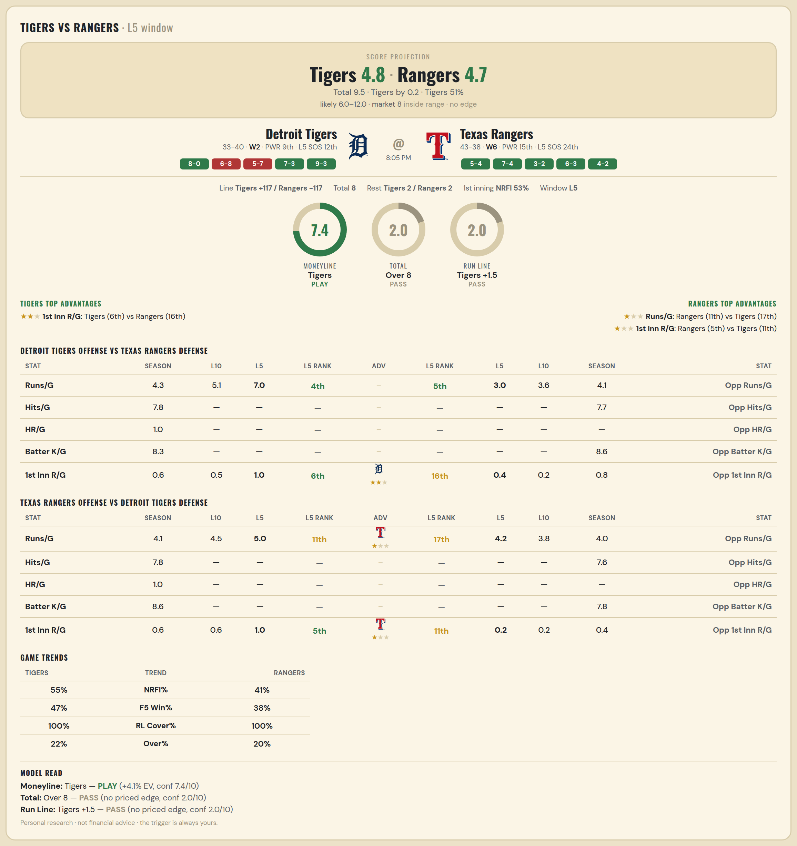

Detroit Tigers offense vs Texas Rangers defense
Stat | A Season | A L30 | A L20 | A L15 | A L10 | A L5 | A Rk | Adv | H Rk | H L5 | H L10 | H L15 | H L20 | H L30 | H Season | Opp stat
Runs/G | 4.288 | 4.767 | 5 | 4.8 | 5.1 | 7 | 4th |  | 5th | 3 | 3.6 | 4.933 | 5 | 4.433 | 4.111 | Opp Runs/G
Hits/G | 7.755 | 7 | — | — | — | — | — |  | — | — | — | — | — | 8.6 | 7.673 | Opp Hits/G
HR/G | 1.02 | 1.833 | — | — | — | — | — |  | — | — | — | — | — | — | — | Opp HR/G
Batter K/G | 8.306 | 8.167 | — | — | — | — | — |  | — | — | — | — | — | 9.6 | 8.571 | Opp Batter K/G
1st Inn R/G | 0.562 | 0.567 | 0.55 | 0.533 | 0.5 | 1 | 6th | ★★ | 16th | 0.4 | 0.2 | 1.067 | 0.9 | 0.667 | 0.797 | Opp 1st Inn R/G

Texas Rangers offense vs Detroit Tigers defense
Stat | A Season | A L30 | A L20 | A L15 | A L10 | A L5 | A Rk | Adv | H Rk | H L5 | H L10 | H L15 | H L20 | H L30 | H Season | Opp stat
Runs/G | 4.148 | 4.5 | 4.25 | 4.333 | 4.5 | 5 | 11th | ★ | 17th | 4.2 | 3.8 | 3.533 | 3.45 | 3.7 | 3.986 | Opp Runs/G
Hits/G | 7.816 | 10.2 | — | — | — | — | — |  | — | — | — | — | — | 8 | 7.592 | Opp Hits/G
HR/G | 1.041 | 1 | — | — | — | — | — |  | — | — | — | — | — | — | — | Opp HR/G
Batter K/G | 8.592 | 9 | — | — | — | — | — |  | — | — | — | — | — | 7.333 | 7.776 | Opp Batter K/G
1st Inn R/G | 0.622 | 0.867 | 0.75 | 0.8 | 0.6 | 1 | 5th | ★ | 11th | 0.2 | 0.2 | 0.267 | 0.25 | 0.3 | 0.37 | Opp 1st Inn R/G

MLB Angels @ Mariners
Los Angeles Angels @ Seattle Mariners
MLB · 2026-07-02 · L5 window

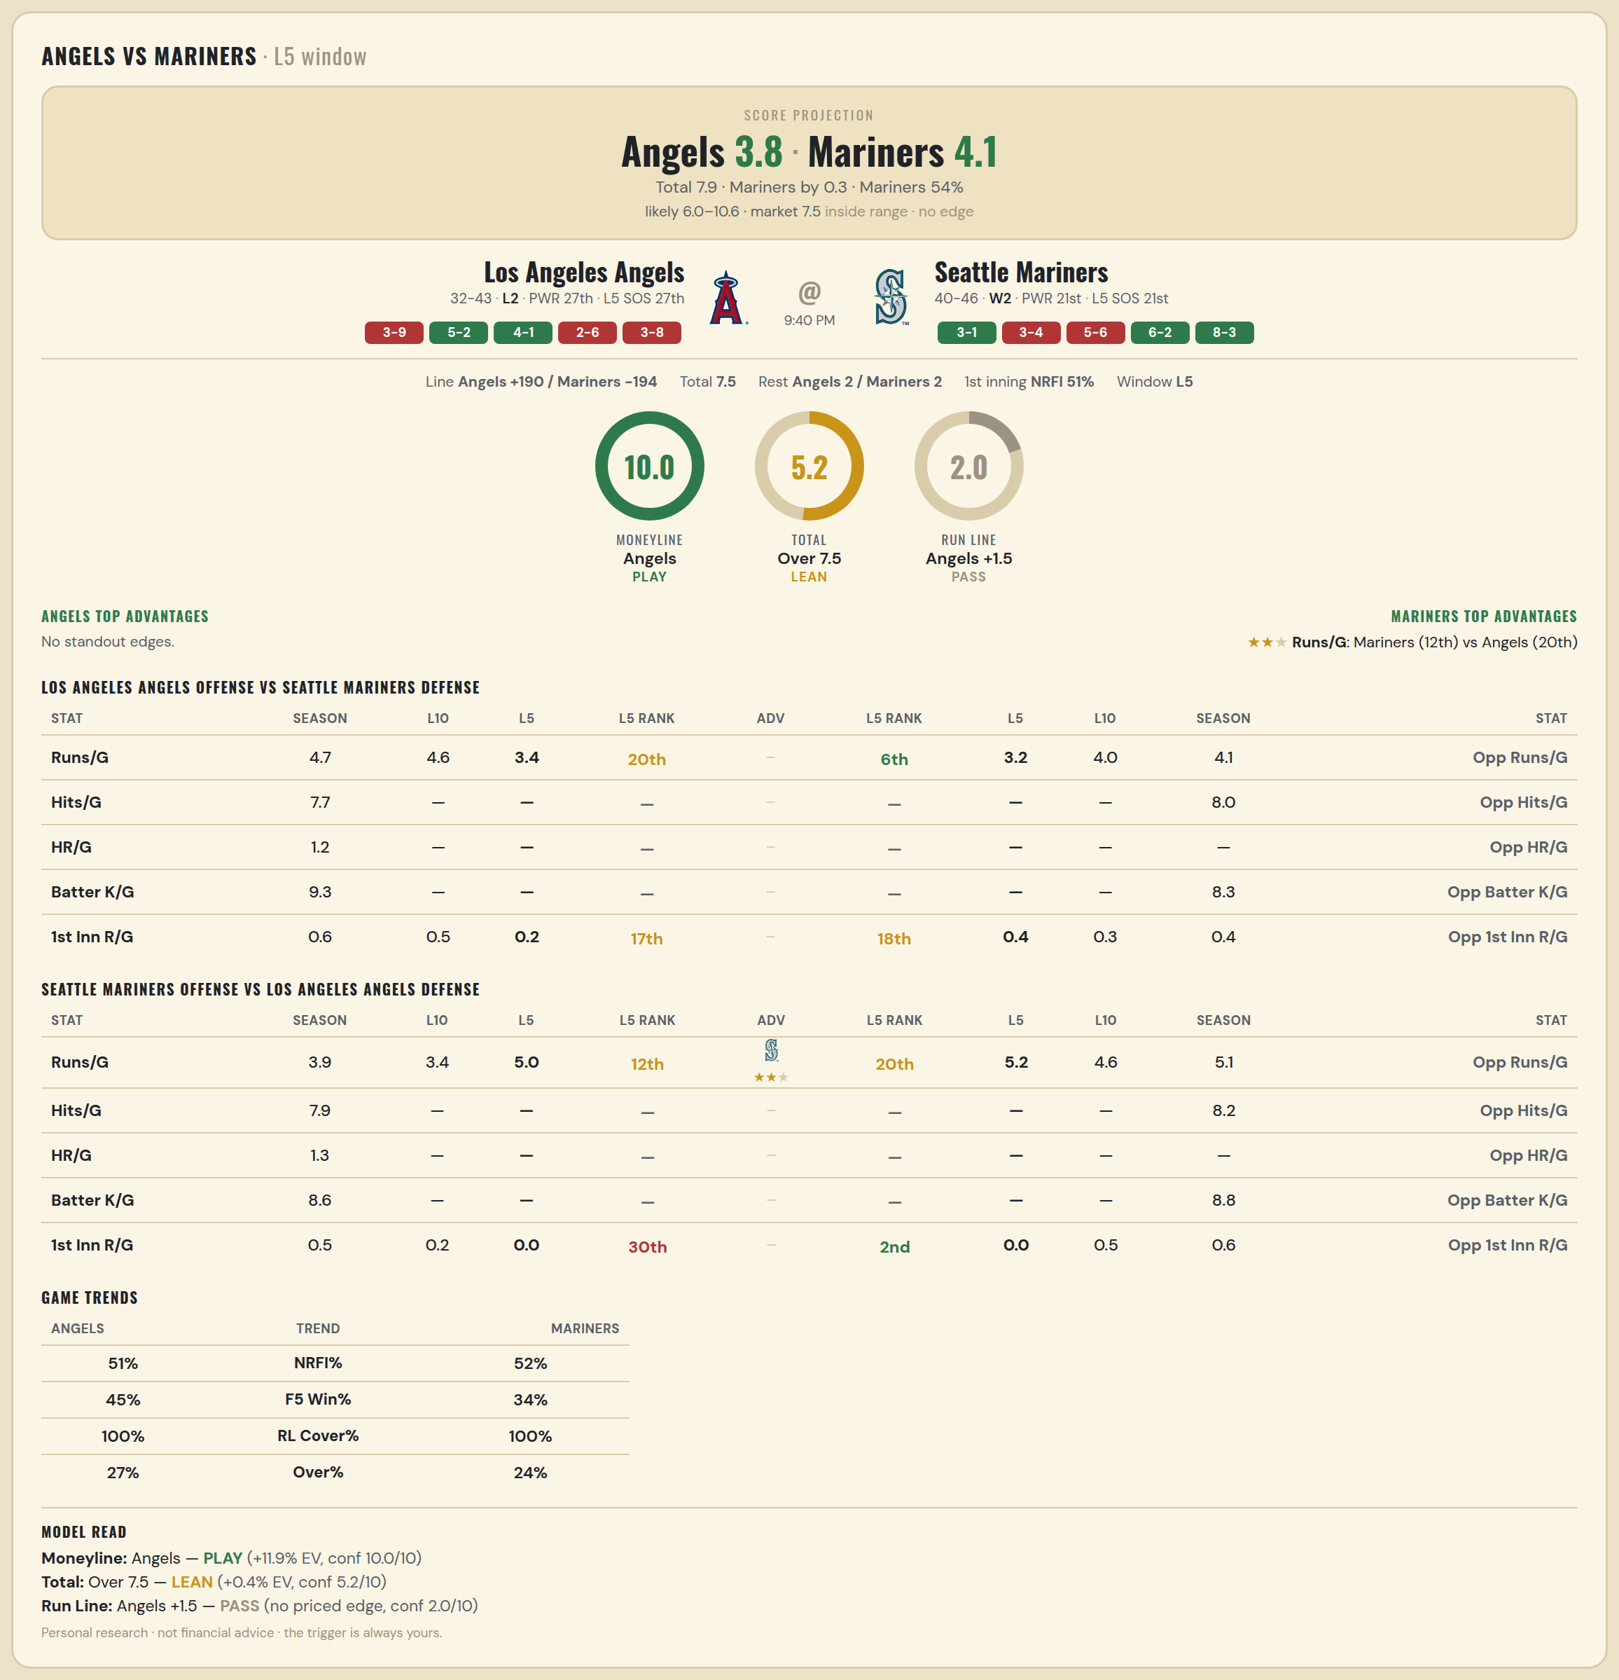

Los Angeles Angels offense vs Seattle Mariners defense
Stat | A Season | A L30 | A L20 | A L15 | A L10 | A L5 | A Rk | Adv | H Rk | H L5 | H L10 | H L15 | H L20 | H L30 | H Season | Opp stat
Runs/G | 4.653 | 5.233 | 4.8 | 4.533 | 4.6 | 3.4 | 20th |  | 6th | 3.2 | 4 | 4.133 | 4.55 | 4.233 | 4.105 | Opp Runs/G
Hits/G | 7.714 | 9.4 | — | — | — | — | — |  | — | — | — | — | — | 5.2 | 7.979 | Opp Hits/G
HR/G | 1.184 | 1.2 | — | — | — | — | — |  | — | — | — | — | — | — | — | Opp HR/G
Batter K/G | 9.286 | 6.8 | — | — | — | — | — |  | — | — | — | — | — | 9.6 | 8.333 | Opp Batter K/G
1st Inn R/G | 0.595 | 0.567 | 0.6 | 0.467 | 0.5 | 0.2 | 17th |  | 18th | 0.4 | 0.3 | 0.333 | 0.45 | 0.333 | 0.425 | Opp 1st Inn R/G

Seattle Mariners offense vs Los Angeles Angels defense
Stat | A Season | A L30 | A L20 | A L15 | A L10 | A L5 | A Rk | Adv | H Rk | H L5 | H L10 | H L15 | H L20 | H L30 | H Season | Opp stat
Runs/G | 3.93 | 3.867 | 3.6 | 3.067 | 3.4 | 5 | 12th | ★★ | 20th | 5.2 | 4.6 | 5 | 4.45 | 4.867 | 5.147 | Opp Runs/G
Hits/G | 7.854 | 9.6 | — | — | — | — | — |  | — | — | — | — | — | 9 | 8.245 | Opp Hits/G
HR/G | 1.312 | 3 | — | — | — | — | — |  | — | — | — | — | — | — | — | Opp HR/G
Batter K/G | 8.646 | 7.6 | — | — | — | — | — |  | — | — | — | — | — | 8.6 | 8.816 | Opp Batter K/G
1st Inn R/G | 0.479 | 0.333 | 0.35 | 0.4 | 0.2 | 0 | 30th |  | 2nd | 0 | 0.5 | 0.733 | 0.55 | 0.8 | 0.568 | Opp 1st Inn R/G

MLB Padres @ Dodgers
San Diego Padres @ Los Angeles Dodgers
MLB · 2026-07-02 · L5 window

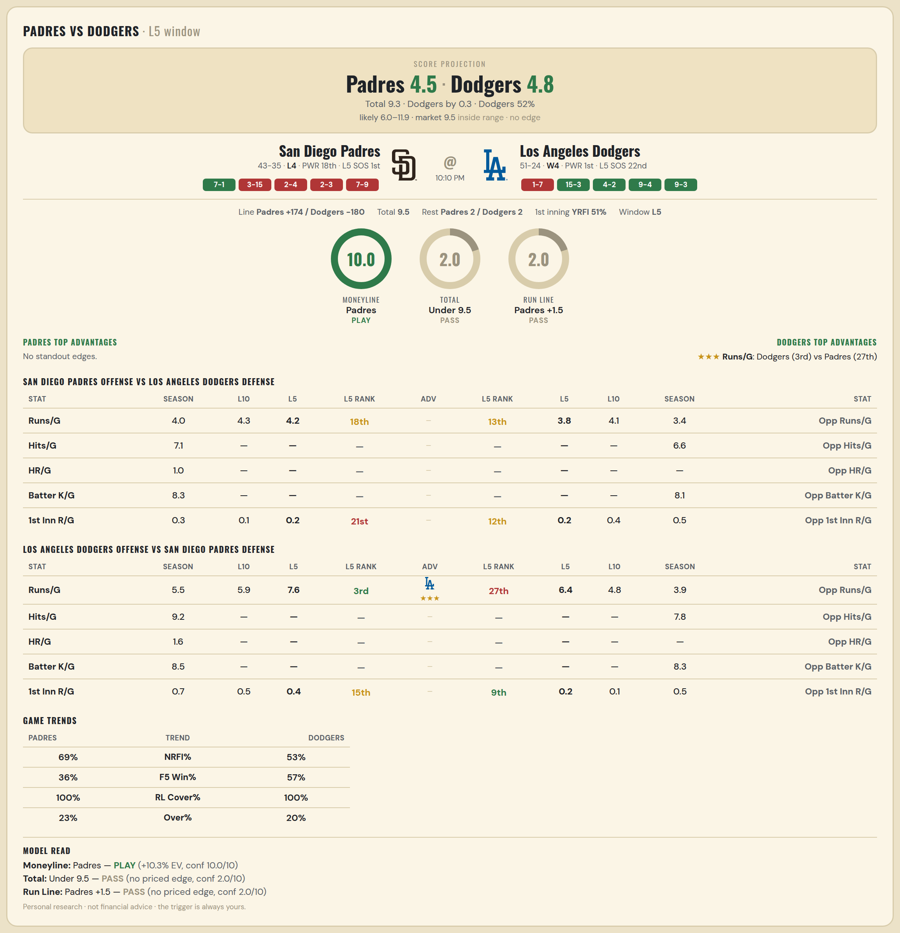

San Diego Padres offense vs Los Angeles Dodgers defense
Stat | A Season | A L30 | A L20 | A L15 | A L10 | A L5 | A Rk | Adv | H Rk | H L5 | H L10 | H L15 | H L20 | H L30 | H Season | Opp stat
Runs/G | 4.026 | 3.867 | 4.45 | 4.2 | 4.3 | 4.2 | 18th |  | 13th | 3.8 | 4.1 | 3.933 | 4.3 | 4 | 3.44 | Opp Runs/G
Hits/G | 7.087 | 7.2 | — | — | — | — | — |  | — | — | — | — | — | 6 | 6.596 | Opp Hits/G
HR/G | 1.022 | 1.2 | — | — | — | — | — |  | — | — | — | — | — | — | — | Opp HR/G
Batter K/G | 8.348 | 9 | — | — | — | — | — |  | — | — | — | — | — | 8.4 | 8.106 | Opp Batter K/G
1st Inn R/G | 0.338 | 0.467 | 0.65 | 0.467 | 0.1 | 0.2 | 21st |  | 12th | 0.2 | 0.4 | 0.4 | 0.45 | 0.333 | 0.458 | Opp 1st Inn R/G

Los Angeles Dodgers offense vs San Diego Padres defense
Stat | A Season | A L30 | A L20 | A L15 | A L10 | A L5 | A Rk | Adv | H Rk | H L5 | H L10 | H L15 | H L20 | H L30 | H Season | Opp stat
Runs/G | 5.533 | 5.433 | 5.8 | 5.267 | 5.9 | 7.6 | 3rd | ★★★ | 27th | 6.4 | 4.8 | 4.4 | 4.35 | 4.467 | 3.936 | Opp Runs/G
Hits/G | 9.191 | 8.8 | — | — | — | — | — |  | — | — | — | — | — | 8.2 | 7.848 | Opp Hits/G
HR/G | 1.553 | 1.6 | — | — | — | — | — |  | — | — | — | — | — | — | — | Opp HR/G
Batter K/G | 8.511 | 7.2 | — | — | — | — | — |  | — | — | — | — | — | 5 | 8.304 | Opp Batter K/G
1st Inn R/G | 0.667 | 0.767 | 0.55 | 0.533 | 0.5 | 0.4 | 15th |  | 9th | 0.2 | 0.1 | 0.467 | 0.6 | 0.5 | 0.465 | Opp 1st Inn R/G

WNBA Dream @ Mystics
Atlanta Dream @ Washington Mystics
WNBA · 2026-07-02 · L5 window

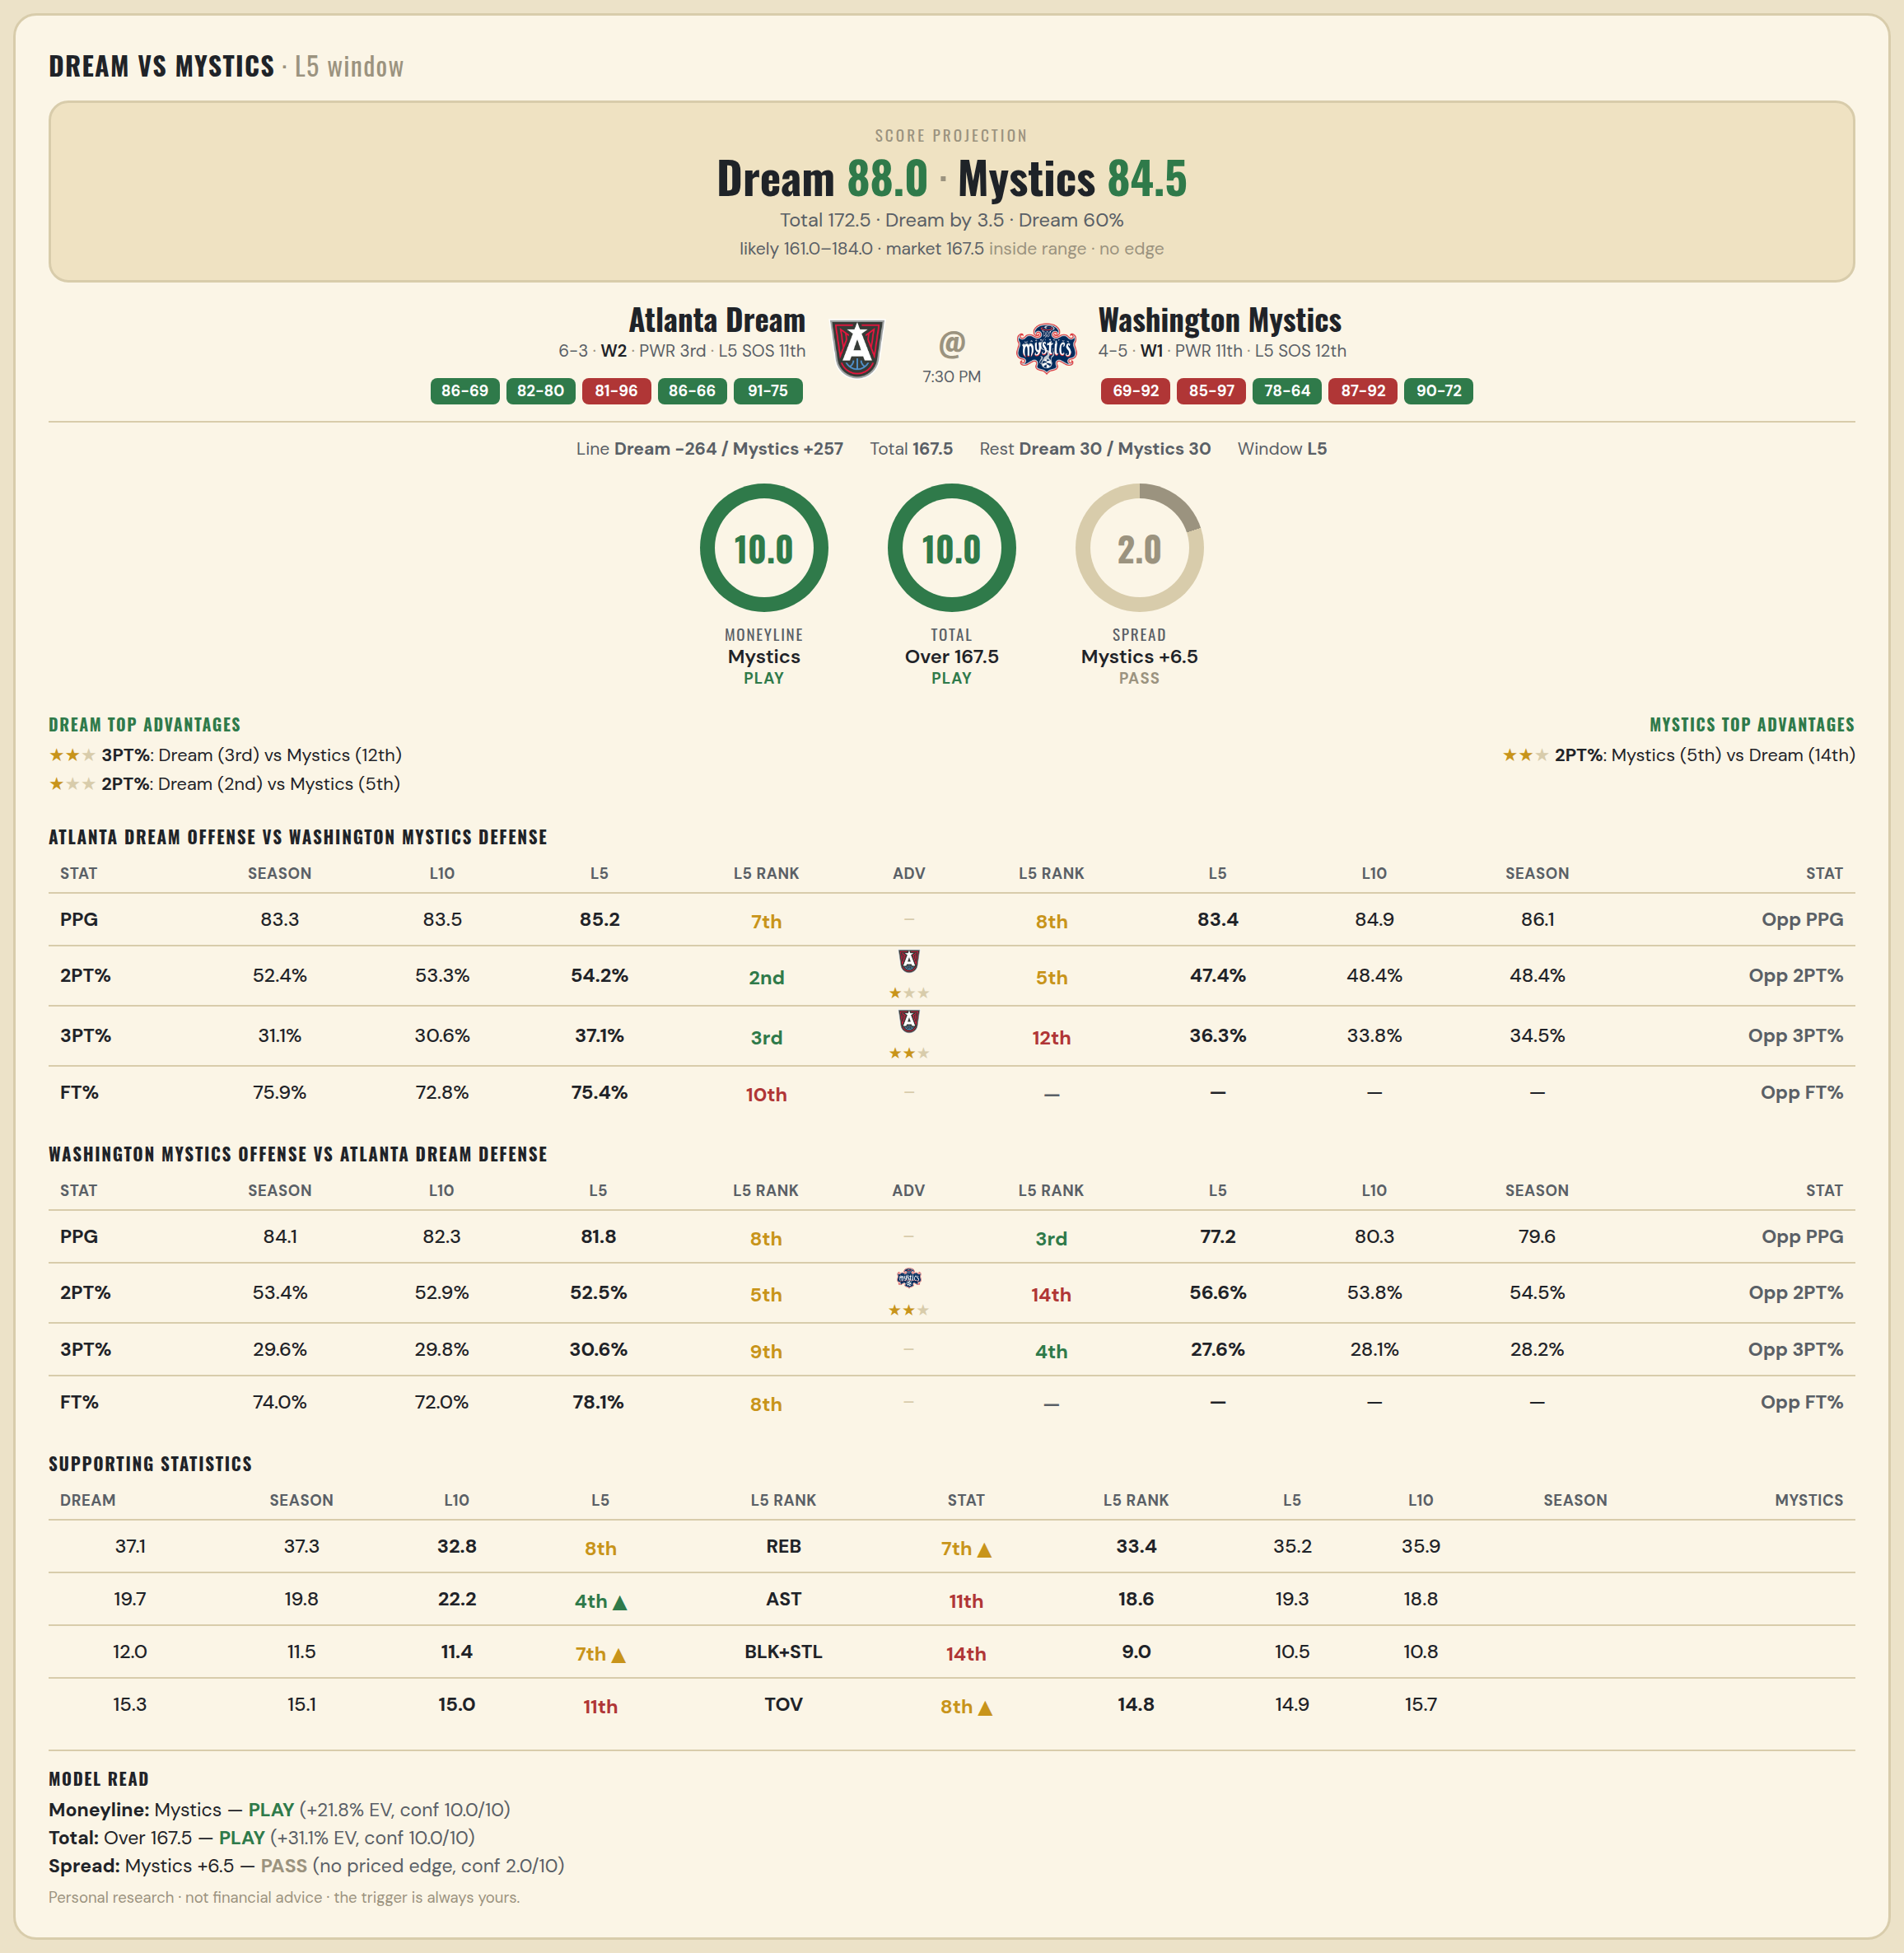

Atlanta Dream offense vs Washington Mystics defense
Stat | A Season | A L30 | A L20 | A L15 | A L10 | A L5 | A Rk | Adv | H Rk | H L5 | H L10 | H L15 | H L20 | H L30 | H Season | Opp stat
PPG | 83.333 | 83.9 | 84.3 | 83.6 | 83.5 | 85.2 | 7th |  | 8th | 83.4 | 84.889 | 85.857 | 84.737 | 83.345 | 86.125 | Opp PPG
2PT% | 0.524 | 0.531 | 0.527 | 0.527 | 0.533 | 0.542 | 2nd | ★ | 5th | 0.474 | 0.484 | 0.508 | 0.508 | 0.512 | 0.484 | Opp 2PT%
3PT% | 0.311 | 0.326 | 0.321 | 0.32 | 0.306 | 0.371 | 3rd | ★★ | 12th | 0.363 | 0.338 | 0.36 | 0.352 | 0.347 | 0.345 | Opp 3PT%
FT% | 0.759 | 0.787 | 0.765 | 0.746 | 0.728 | 0.754 | 10th |  | — | — | — | — | — | — | — | Opp FT%
REB | 37.111 | 36.6 | 37.05 | 36.6 | 37.3 | 32.8 | 8th |  | 4th | 28.8 | 30.889 | 32.357 | 31.842 | 31.345 | 30.25 | Opp REB
AST | 19.667 | 21.2 | 21.2 | 20.8 | 19.8 | 22.2 | 4th |  | — | — | — | — | — | — | — | Opp AST
BLK+STL | 12 | 11.967 | 11.75 | 12.067 | 11.5 | 11.4 | 7th |  | — | — | — | — | — | — | — | Opp BLK+STL
TOV | 15.333 | 12.067 | 12.35 | 13.867 | 15.1 | 15 | 11th |  | — | — | — | — | — | — | — | Opp TOV

Washington Mystics offense vs Atlanta Dream defense
Stat | A Season | A L30 | A L20 | A L15 | A L10 | A L5 | A Rk | Adv | H Rk | H L5 | H L10 | H L15 | H L20 | H L30 | H Season | Opp stat
PPG | 84.111 | 77.967 | 77.15 | 77.333 | 82.3 | 81.8 | 8th |  | 3rd | 77.2 | 80.3 | 77.8 | 76.95 | 75.833 | 79.556 | Opp PPG
2PT% | 0.534 | 0.507 | 0.504 | 0.504 | 0.529 | 0.525 | 5th | ★★ | 14th | 0.566 | 0.538 | 0.506 | 0.513 | 0.496 | 0.545 | Opp 2PT%
3PT% | 0.296 | 0.316 | 0.311 | 0.29 | 0.298 | 0.306 | 9th |  | 4th | 0.276 | 0.281 | 0.276 | 0.271 | 0.291 | 0.282 | Opp 3PT%
FT% | 0.74 | 0.754 | 0.738 | 0.72 | 0.72 | 0.781 | 8th |  | — | — | — | — | — | — | — | Opp FT%
REB | 35.889 | 32.3 | 33.3 | 33.533 | 35.2 | 33.4 | 7th |  | 1st | 27.4 | 29.4 | 30.533 | 30.5 | 29.933 | 28.889 | Opp REB
AST | 18.778 | 19.733 | 19.45 | 19 | 19.3 | 18.6 | 11th |  | — | — | — | — | — | — | — | Opp AST
BLK+STL | 10.778 | 10.3 | 9.8 | 10.067 | 10.5 | 9 | 14th |  | — | — | — | — | — | — | — | Opp BLK+STL
TOV | 15.667 | 14.167 | 14.3 | 14.067 | 14.9 | 14.8 | 8th |  | — | — | — | — | — | — | — | Opp TOV

