WNBA Storm @ Sky
Seattle Storm @ Chicago Sky
WNBA · 2026-07-15 · L5 window

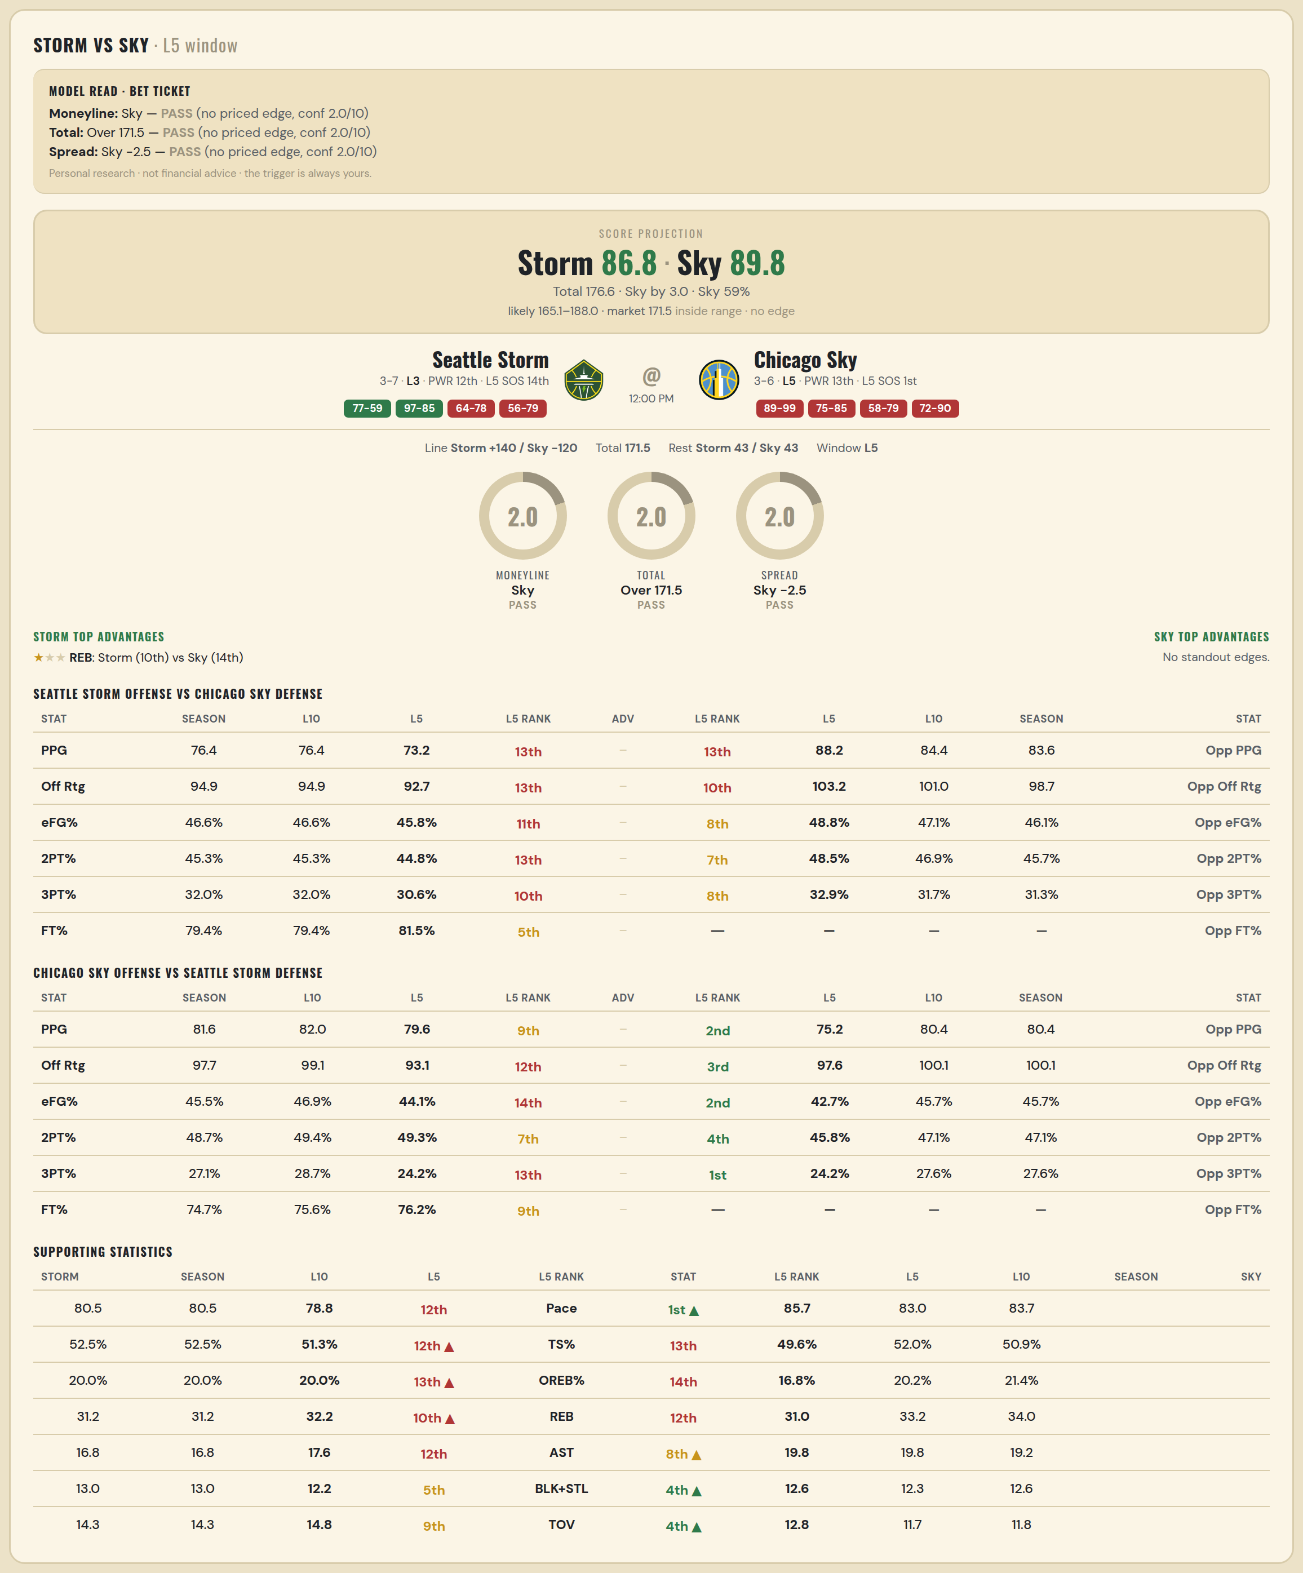

Seattle Storm offense vs Chicago Sky defense
Stat | A Season | A L30 | A L20 | A L15 | A L10 | A L5 | A Rk | Adv | H Rk | H L5 | H L10 | H L15 | H L20 | H L30 | H Season | Opp stat
PPG | 76.4 | 81.2 | 78.3 | 76.667 | 76.4 | 73.2 | 13th |  | 13th | 88.25 | 84.444 | 83.714 | 84.579 | 84.724 | 83.625 | Opp PPG
Off Rtg | 94.913 | 100.078 | 98.232 | 96.424 | 94.913 | 92.704 | 13th |  | 10th | 103.183 | 100.994 | 103.497 | 105.086 | 107.195 | 98.745 | Opp Off Rtg
eFG% | 0.466 | 0.494 | 0.481 | 0.471 | 0.466 | 0.458 | 11th |  | 8th | 0.488 | 0.471 | 0.492 | 0.501 | 0.508 | 0.461 | Opp eFG%
2PT% | 0.453 | 0.482 | 0.451 | 0.452 | 0.453 | 0.448 | 13th |  | 7th | 0.485 | 0.469 | 0.493 | 0.496 | 0.497 | 0.457 | Opp 2PT%
3PT% | 0.32 | 0.341 | 0.357 | 0.34 | 0.32 | 0.306 | 10th |  | 8th | 0.329 | 0.317 | 0.326 | 0.339 | 0.345 | 0.313 | Opp 3PT%
FT% | 0.794 | 0.773 | 0.787 | 0.788 | 0.794 | 0.815 | 5th |  | — | — | — | — | — | — | — | Opp FT%
Pace | 80.456 | 81.116 | 79.732 | 79.533 | 80.456 | 78.76 | 12th |  | — | — | — | — | — | — | — | Opp Pace
TS% | 0.525 | 0.535 | 0.529 | 0.522 | 0.525 | 0.513 | 12th |  | — | — | — | — | — | — | — | Opp TS%
OREB% | 0.2 | 0.201 | 0.216 | 0.221 | 0.2 | 0.2 | 13th |  | — | — | — | — | — | — | — | Opp OREB%
REB | 31.2 | 30.667 | 30.6 | 31.6 | 31.2 | 32.2 | 10th | ★ | 14th | 44.75 | 39.444 | 35.214 | 33.579 | 33.69 | 40 | Opp REB
AST | 16.8 | 19.633 | 18.25 | 17.267 | 16.8 | 17.6 | 12th |  | — | — | — | — | — | — | — | Opp AST
BLK+STL | 13 | 13.167 | 13.25 | 12.333 | 13 | 12.2 | 5th |  | — | — | — | — | — | — | — | Opp BLK+STL
TOV | 14.3 | 12.267 | 13.15 | 13.533 | 14.3 | 14.8 | 9th |  | — | — | — | — | — | — | — | Opp TOV

Chicago Sky offense vs Seattle Storm defense
Stat | A Season | A L30 | A L20 | A L15 | A L10 | A L5 | A Rk | Adv | H Rk | H L5 | H L10 | H L15 | H L20 | H L30 | H Season | Opp stat
PPG | 81.556 | 76.167 | 79.85 | 78.733 | 82 | 79.6 | 9th |  | 2nd | 75.25 | 80.375 | 81.462 | 81.944 | 83.286 | 80.375 | Opp PPG
Off Rtg | 97.725 | 96.05 | 99.331 | 98.211 | 99.08 | 93.062 | 12th |  | 3rd | 97.626 | 100.064 | 104.334 | 103.856 | 103.177 | 100.064 | Opp Off Rtg
eFG% | 0.455 | 0.472 | 0.479 | 0.468 | 0.469 | 0.441 | 14th |  | 2nd | 0.427 | 0.457 | 0.489 | 0.499 | 0.505 | 0.457 | Opp eFG%
2PT% | 0.487 | 0.483 | 0.492 | 0.494 | 0.494 | 0.493 | 7th |  | 4th | 0.458 | 0.471 | 0.487 | 0.499 | 0.504 | 0.471 | Opp 2PT%
3PT% | 0.271 | 0.298 | 0.304 | 0.273 | 0.287 | 0.242 | 13th |  | 1st | 0.242 | 0.276 | 0.316 | 0.32 | 0.328 | 0.276 | Opp 3PT%
FT% | 0.747 | 0.758 | 0.766 | 0.765 | 0.756 | 0.762 | 9th |  | — | — | — | — | — | — | — | Opp FT%
Pace | 83.68 | 79.347 | 80.562 | 80.357 | 83.04 | 85.696 | 1st |  | — | — | — | — | — | — | — | Opp Pace
TS% | 0.509 | 0.514 | 0.529 | 0.52 | 0.52 | 0.496 | 13th |  | — | — | — | — | — | — | — | Opp TS%
OREB% | 0.214 | 0.265 | 0.271 | 0.252 | 0.202 | 0.168 | 14th |  | — | — | — | — | — | — | — | Opp OREB%
REB | 34 | 34.167 | 34.2 | 33.333 | 33.2 | 31 | 12th |  | 12th | 36.75 | 37.375 | 35.769 | 36.222 | 36.107 | 37.375 | Opp REB
AST | 19.222 | 19.533 | 20.1 | 19.4 | 19.8 | 19.8 | 8th |  | — | — | — | — | — | — | — | Opp AST
BLK+STL | 12.556 | 10.367 | 11.3 | 11.667 | 12.3 | 12.6 | 4th |  | — | — | — | — | — | — | — | Opp BLK+STL
TOV | 11.778 | 14.2 | 13.9 | 13.2 | 11.7 | 12.8 | 4th |  | — | — | — | — | — | — | — | Opp TOV

WNBA Sparks @ Lynx
Los Angeles Sparks @ Minnesota Lynx
WNBA · 2026-07-15 · L5 window

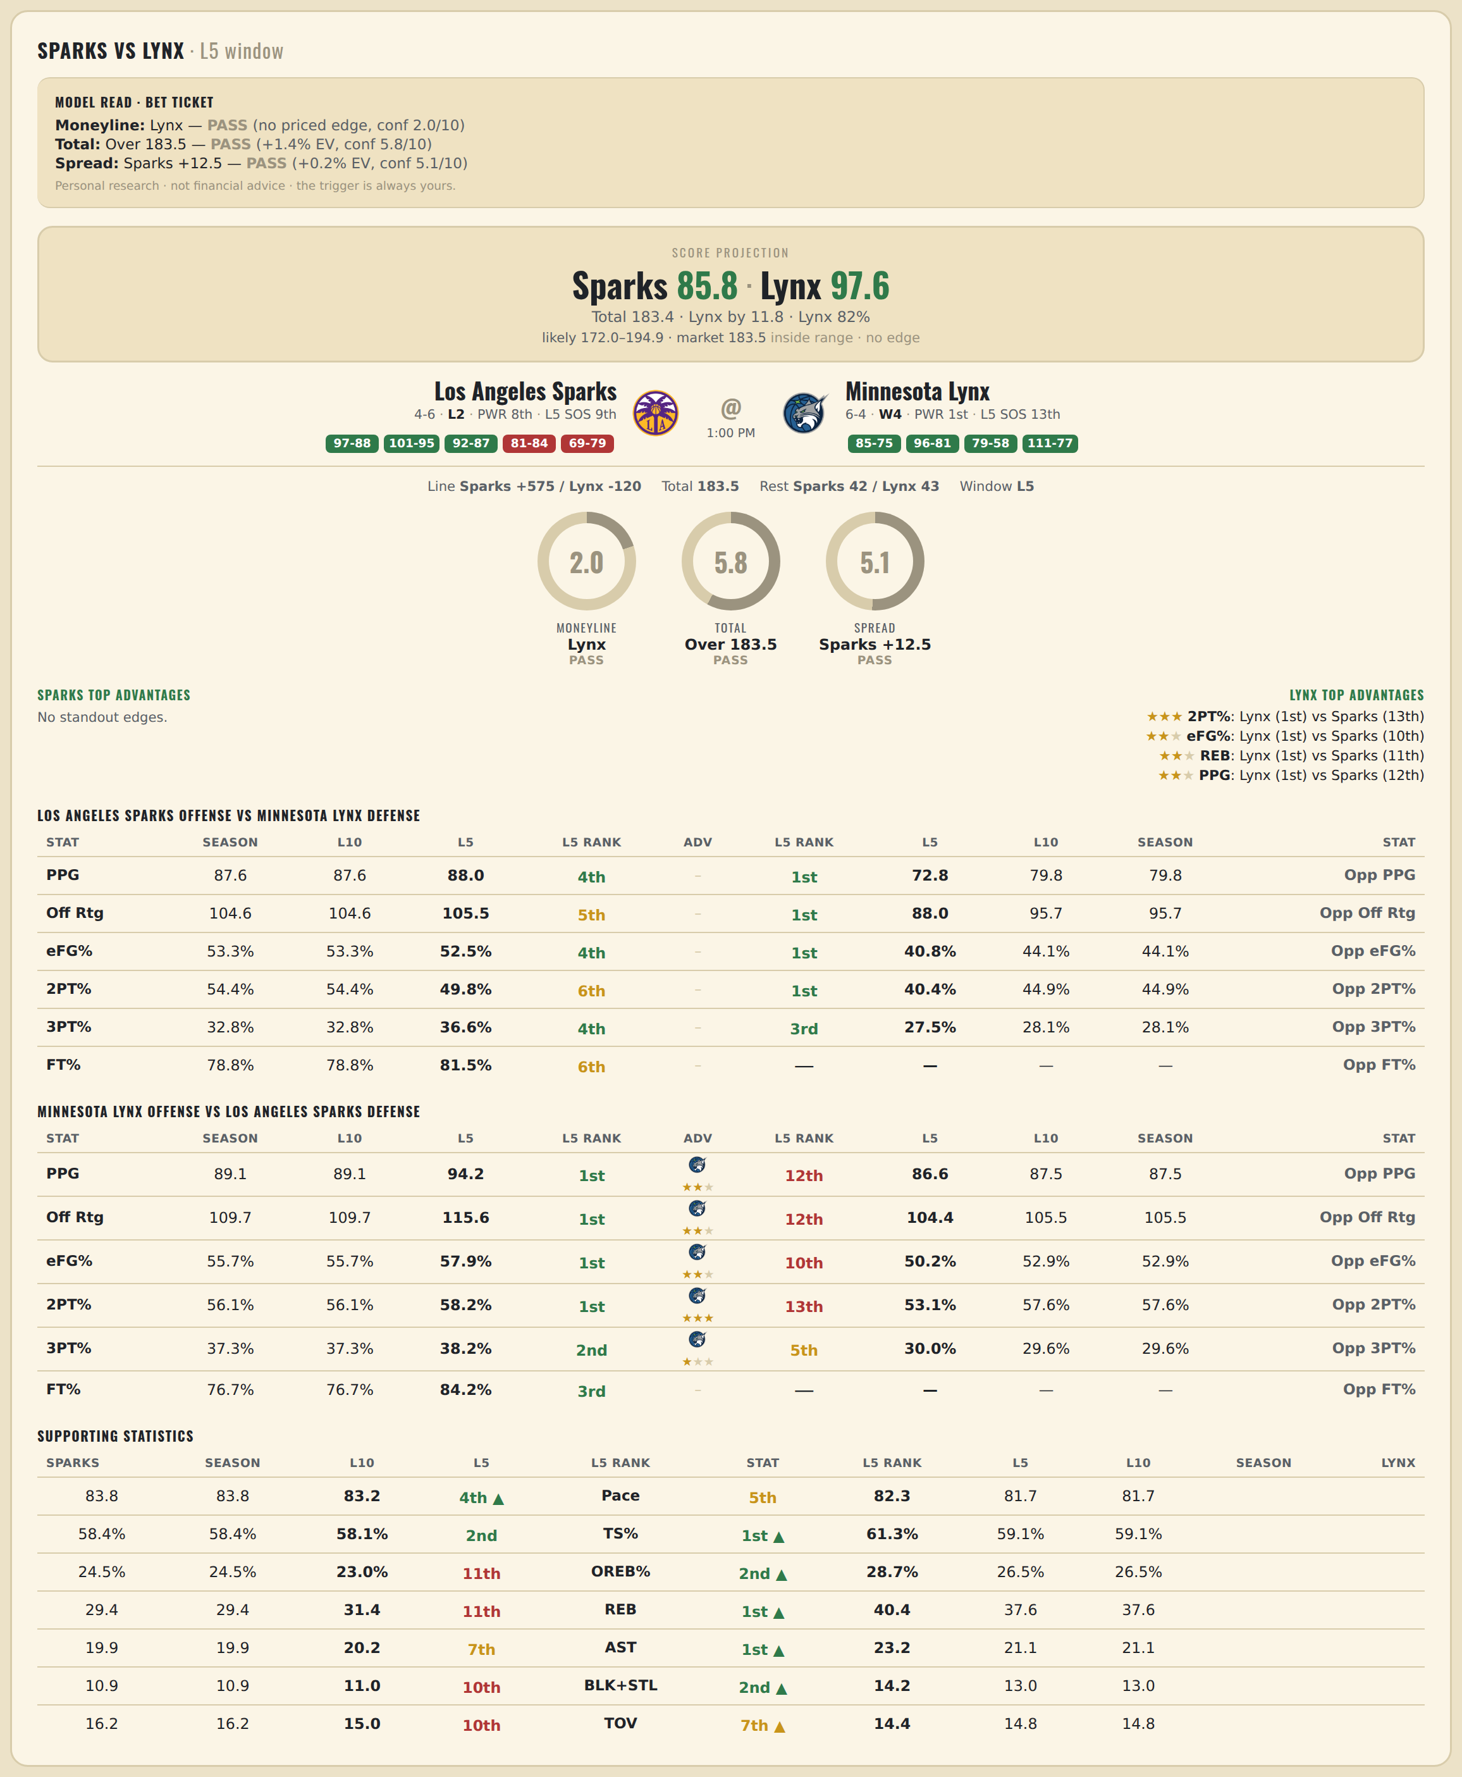

Los Angeles Sparks offense vs Minnesota Lynx defense
Stat | A Season | A L30 | A L20 | A L15 | A L10 | A L5 | A Rk | Adv | H Rk | H L5 | H L10 | H L15 | H L20 | H L30 | H Season | Opp stat
PPG | 87.6 | 87.333 | 85.1 | 86 | 87.6 | 88 | 4th |  | 1st | 72.75 | 79.75 | 80 | 78.722 | 79 | 79.75 | Opp PPG
Off Rtg | 104.643 | 104.822 | 102.383 | 103.459 | 104.643 | 105.519 | 5th |  | 1st | 88.016 | 95.665 | 97.129 | 96.706 | 98.628 | 95.665 | Opp Off Rtg
eFG% | 0.533 | 0.525 | 0.515 | 0.512 | 0.533 | 0.525 | 4th |  | 1st | 0.408 | 0.441 | 0.461 | 0.464 | 0.481 | 0.441 | Opp eFG%
2PT% | 0.544 | 0.546 | 0.546 | 0.538 | 0.544 | 0.498 | 6th |  | 1st | 0.404 | 0.449 | 0.456 | 0.463 | 0.461 | 0.449 | Opp 2PT%
3PT% | 0.328 | 0.321 | 0.302 | 0.303 | 0.328 | 0.366 | 4th |  | 3rd | 0.275 | 0.281 | 0.308 | 0.311 | 0.342 | 0.281 | Opp 3PT%
FT% | 0.788 | 0.798 | 0.79 | 0.784 | 0.788 | 0.815 | 6th |  | — | — | — | — | — | — | — | Opp FT%
Pace | 83.804 | 83.425 | 83.218 | 83.269 | 83.804 | 83.184 | 4th |  | — | — | — | — | — | — | — | Opp Pace
TS% | 0.584 | 0.569 | 0.562 | 0.562 | 0.584 | 0.581 | 2nd |  | — | — | — | — | — | — | — | Opp TS%
OREB% | 0.245 | 0.237 | 0.224 | 0.229 | 0.245 | 0.23 | 11th |  | — | — | — | — | — | — | — | Opp OREB%
REB | 29.4 | 32.3 | 31.95 | 30.933 | 29.4 | 31.4 | 11th |  | 5th | 30 | 32.75 | 33.615 | 33.444 | 32.893 | 32.75 | Opp REB
AST | 19.9 | 20.667 | 19.95 | 20.067 | 19.9 | 20.2 | 7th |  | — | — | — | — | — | — | — | Opp AST
BLK+STL | 10.9 | 10.2 | 10.45 | 10.733 | 10.9 | 11 | 10th |  | — | — | — | — | — | — | — | Opp BLK+STL
TOV | 16.2 | 14.233 | 14.7 | 14.067 | 16.2 | 15 | 10th |  | — | — | — | — | — | — | — | Opp TOV

Minnesota Lynx offense vs Los Angeles Sparks defense
Stat | A Season | A L30 | A L20 | A L15 | A L10 | A L5 | A Rk | Adv | H Rk | H L5 | H L10 | H L15 | H L20 | H L30 | H Season | Opp stat
PPG | 89.1 | 85.2 | 84.9 | 85.867 | 89.1 | 94.2 | 1st | ★★ | 12th | 86.6 | 87.5 | 88.692 | 86.889 | 89.25 | 87.5 | Opp PPG
Off Rtg | 109.659 | 107.942 | 105.587 | 105.509 | 109.659 | 115.565 | 1st | ★★ | 12th | 104.421 | 105.506 | 108.132 | 105.56 | 108.561 | 105.506 | Opp Off Rtg
eFG% | 0.557 | 0.544 | 0.533 | 0.535 | 0.557 | 0.579 | 1st | ★★ | 10th | 0.502 | 0.529 | 0.53 | 0.523 | 0.535 | 0.529 | Opp eFG%
2PT% | 0.561 | 0.534 | 0.543 | 0.549 | 0.561 | 0.582 | 1st | ★★★ | 13th | 0.531 | 0.576 | 0.538 | 0.513 | 0.524 | 0.576 | Opp 2PT%
3PT% | 0.373 | 0.374 | 0.343 | 0.347 | 0.373 | 0.382 | 2nd | ★ | 5th | 0.3 | 0.296 | 0.33 | 0.352 | 0.365 | 0.296 | Opp 3PT%
FT% | 0.767 | 0.744 | 0.749 | 0.779 | 0.767 | 0.842 | 3rd |  | — | — | — | — | — | — | — | Opp FT%
Pace | 81.724 | 79.247 | 80.62 | 81.736 | 81.724 | 82.304 | 5th |  | — | — | — | — | — | — | — | Opp Pace
TS% | 0.591 | 0.57 | 0.561 | 0.565 | 0.591 | 0.613 | 1st |  | — | — | — | — | — | — | — | Opp TS%
OREB% | 0.265 | 0.255 | 0.253 | 0.245 | 0.265 | 0.287 | 2nd |  | — | — | — | — | — | — | — | Opp OREB%
REB | 37.6 | 34.9 | 36.05 | 36.467 | 37.6 | 40.4 | 1st | ★★ | 11th | 36.2 | 34.375 | 37.538 | 36.389 | 35.357 | 34.375 | Opp REB
AST | 21.1 | 21.533 | 21.1 | 20.867 | 21.1 | 23.2 | 1st |  | — | — | — | — | — | — | — | Opp AST
BLK+STL | 13 | 12.567 | 13.05 | 12.867 | 13 | 14.2 | 2nd |  | — | — | — | — | — | — | — | Opp BLK+STL
TOV | 14.8 | 12.733 | 13.35 | 13.733 | 14.8 | 14.4 | 7th |  | — | — | — | — | — | — | — | Opp TOV

WNBA Valkyries @ Fever
Golden State Valkyries @ Indiana Fever
WNBA · 2026-07-15 · L5 window

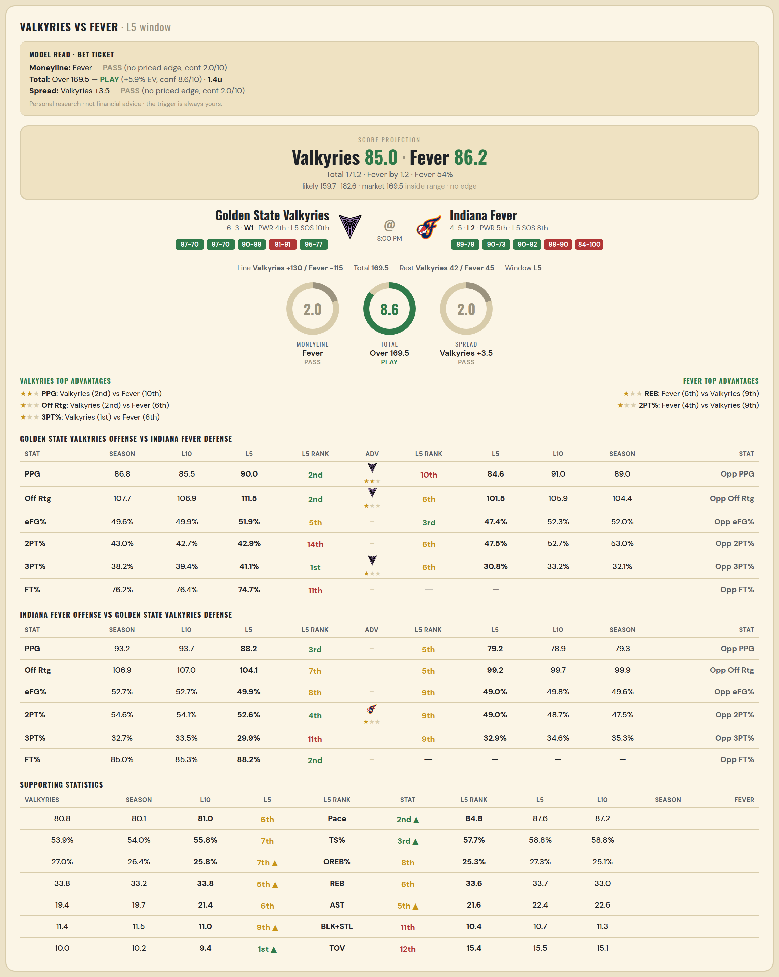

Golden State Valkyries offense vs Indiana Fever defense
Stat | A Season | A L30 | A L20 | A L15 | A L10 | A L5 | A Rk | Adv | H Rk | H L5 | H L10 | H L15 | H L20 | H L30 | H Season | Opp stat
PPG | 86.778 | 79.3 | 80.55 | 80.6 | 85.5 | 90 | 2nd | ★★ | 10th | 84.6 | 91 | 88.143 | 83.579 | 83.517 | 89 | Opp PPG
Off Rtg | 107.652 | 103.937 | 102.955 | 101.595 | 106.892 | 111.51 | 2nd | ★ | 6th | 101.505 | 105.886 | 104.078 | 100.581 | 102.673 | 104.372 | Opp Off Rtg
eFG% | 0.496 | 0.494 | 0.493 | 0.476 | 0.499 | 0.519 | 5th |  | 3rd | 0.474 | 0.523 | 0.526 | 0.51 | 0.526 | 0.52 | Opp eFG%
2PT% | 0.43 | 0.456 | 0.456 | 0.435 | 0.427 | 0.429 | 14th |  | 6th | 0.475 | 0.527 | 0.531 | 0.524 | 0.525 | 0.53 | Opp 2PT%
3PT% | 0.382 | 0.36 | 0.363 | 0.353 | 0.394 | 0.411 | 1st | ★ | 6th | 0.308 | 0.332 | 0.34 | 0.311 | 0.346 | 0.321 | Opp 3PT%
FT% | 0.762 | 0.81 | 0.79 | 0.777 | 0.764 | 0.747 | 11th |  | — | — | — | — | — | — | — | Opp FT%
Pace | 80.818 | 76.4 | 78.298 | 79.424 | 80.132 | 80.968 | 6th |  | — | — | — | — | — | — | — | Opp Pace
TS% | 0.539 | 0.541 | 0.538 | 0.521 | 0.54 | 0.558 | 7th |  | — | — | — | — | — | — | — | Opp TS%
OREB% | 0.27 | 0.244 | 0.25 | 0.264 | 0.264 | 0.258 | 7th |  | — | — | — | — | — | — | — | Opp OREB%
REB | 33.778 | 33.5 | 33.95 | 33.8 | 33.2 | 33.8 | 5th |  | 2nd | 28.4 | 28.667 | 29.143 | 29.842 | 30.31 | 29.625 | Opp REB
AST | 19.444 | 19.033 | 19.4 | 19 | 19.7 | 21.4 | 6th |  | — | — | — | — | — | — | — | Opp AST
BLK+STL | 11.444 | 10.233 | 11.1 | 11.533 | 11.5 | 11 | 9th |  | — | — | — | — | — | — | — | Opp BLK+STL
TOV | 10 | 11.1 | 11.75 | 11.6 | 10.2 | 9.4 | 1st |  | — | — | — | — | — | — | — | Opp TOV

Indiana Fever offense vs Golden State Valkyries defense
Stat | A Season | A L30 | A L20 | A L15 | A L10 | A L5 | A Rk | Adv | H Rk | H L5 | H L10 | H L15 | H L20 | H L30 | H Season | Opp stat
PPG | 93.222 | 86.8 | 88.1 | 89.533 | 93.7 | 88.2 | 3rd |  | 5th | 79.2 | 78.9 | 79.6 | 76.95 | 76.2 | 79.333 | Opp PPG
Off Rtg | 106.9 | 105.41 | 105.193 | 104.632 | 107.032 | 104.061 | 7th |  | 5th | 99.156 | 99.734 | 101.464 | 99.227 | 99.539 | 99.908 | Opp Off Rtg
eFG% | 0.527 | 0.51 | 0.508 | 0.508 | 0.527 | 0.499 | 8th |  | 9th | 0.49 | 0.498 | 0.497 | 0.482 | 0.479 | 0.496 | Opp eFG%
2PT% | 0.546 | 0.506 | 0.513 | 0.517 | 0.541 | 0.526 | 4th | ★ | 9th | 0.49 | 0.487 | 0.484 | 0.471 | 0.485 | 0.475 | Opp 2PT%
3PT% | 0.327 | 0.346 | 0.331 | 0.324 | 0.335 | 0.299 | 11th |  | 9th | 0.329 | 0.346 | 0.347 | 0.333 | 0.316 | 0.353 | Opp 3PT%
FT% | 0.85 | 0.795 | 0.819 | 0.82 | 0.853 | 0.882 | 2nd |  | — | — | — | — | — | — | — | Opp FT%
Pace | 87.227 | 82.343 | 83.684 | 85.429 | 87.56 | 84.768 | 2nd |  | — | — | — | — | — | — | — | Opp Pace
TS% | 0.588 | 0.557 | 0.562 | 0.564 | 0.588 | 0.577 | 3rd |  | — | — | — | — | — | — | — | Opp TS%
OREB% | 0.251 | 0.278 | 0.272 | 0.281 | 0.273 | 0.253 | 8th |  | — | — | — | — | — | — | — | Opp OREB%
REB | 33 | 33.433 | 33.2 | 33.933 | 33.7 | 33.6 | 6th | ★ | 9th | 35.2 | 34.3 | 34.8 | 33.2 | 33.5 | 34.889 | Opp REB
AST | 22.556 | 20.567 | 20.45 | 20.733 | 22.4 | 21.6 | 5th |  | — | — | — | — | — | — | — | Opp AST
BLK+STL | 11.333 | 10 | 10.05 | 10.467 | 10.7 | 10.4 | 11th |  | — | — | — | — | — | — | — | Opp BLK+STL
TOV | 15.111 | 13.267 | 13.6 | 14.467 | 15.5 | 15.4 | 12th |  | — | — | — | — | — | — | — | Opp TOV

