MLB Braves @ Pirates
Atlanta Braves @ Pittsburgh Pirates
MLB · 2026-07-09 · L5 window

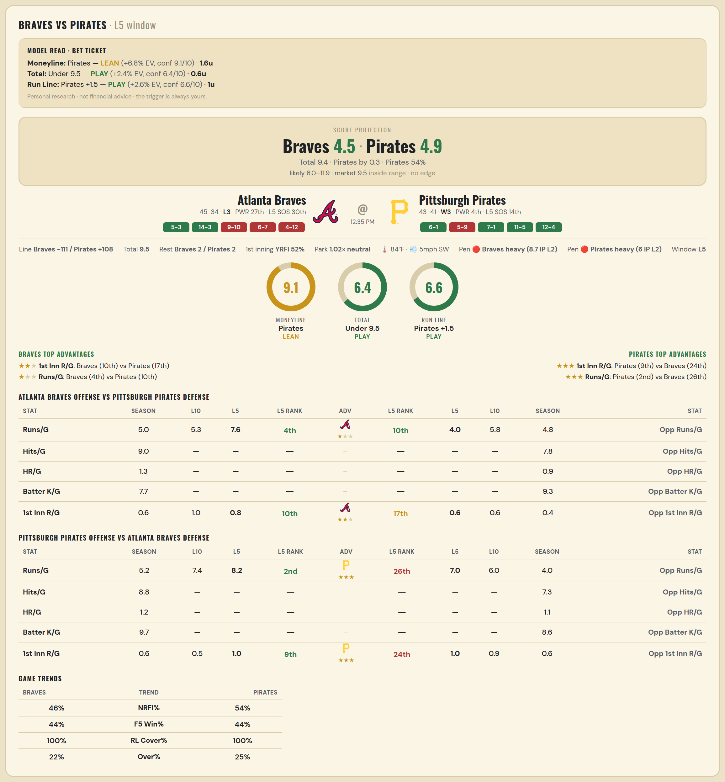

Atlanta Braves offense vs Pittsburgh Pirates defense
Stat | A Season | A L30 | A L20 | A L15 | A L10 | A L5 | A Rk | Adv | H Rk | H L5 | H L10 | H L15 | H L20 | H L30 | H Season | Opp stat
Runs/G | 4.975 | 4.167 | 4.15 | 4.533 | 5.3 | 7.6 | 4th | ★ | 10th | 4 | 5.8 | 5 | 5.05 | 5.3 | 4.762 | Opp Runs/G
Hits/G | 8.958 | 6 | — | — | — | — | — |  | — | — | — | — | — | — | 7.792 | Opp Hits/G
HR/G | 1.333 | 1 | — | — | — | — | — |  | — | — | — | — | — | — | 0.896 | Opp HR/G
Batter K/G | 7.688 | 9 | — | — | — | — | — |  | — | — | — | — | — | — | 9.292 | Opp Batter K/G
1st Inn R/G | 0.61 | 0.667 | 0.7 | 0.733 | 1 | 0.8 | 10th | ★★ | 17th | 0.6 | 0.6 | 0.467 | 0.6 | 0.467 | 0.418 | Opp 1st Inn R/G

Pittsburgh Pirates offense vs Atlanta Braves defense
Stat | A Season | A L30 | A L20 | A L15 | A L10 | A L5 | A Rk | Adv | H Rk | H L5 | H L10 | H L15 | H L20 | H L30 | H Season | Opp stat
Runs/G | 5.238 | 5.567 | 6.4 | 6.933 | 7.4 | 8.2 | 2nd | ★★★ | 26th | 7 | 6 | 5.533 | 5.5 | 4.9 | 4.025 | Opp Runs/G
Hits/G | 8.812 | — | — | — | — | — | — |  | — | — | — | — | — | 9 | 7.312 | Opp Hits/G
HR/G | 1.188 | — | — | — | — | — | — |  | — | — | — | — | — | 1 | 1.062 | Opp HR/G
Batter K/G | 9.708 | — | — | — | — | — | — |  | — | — | — | — | — | 9 | 8.562 | Opp Batter K/G
1st Inn R/G | 0.582 | 0.533 | 0.55 | 0.467 | 0.5 | 1 | 9th | ★★★ | 24th | 1 | 0.9 | 0.667 | 0.8 | 0.667 | 0.597 | Opp 1st Inn R/G

MLB Royals @ Mets
Kansas City Royals @ New York Mets
MLB · 2026-07-09 · L5 window

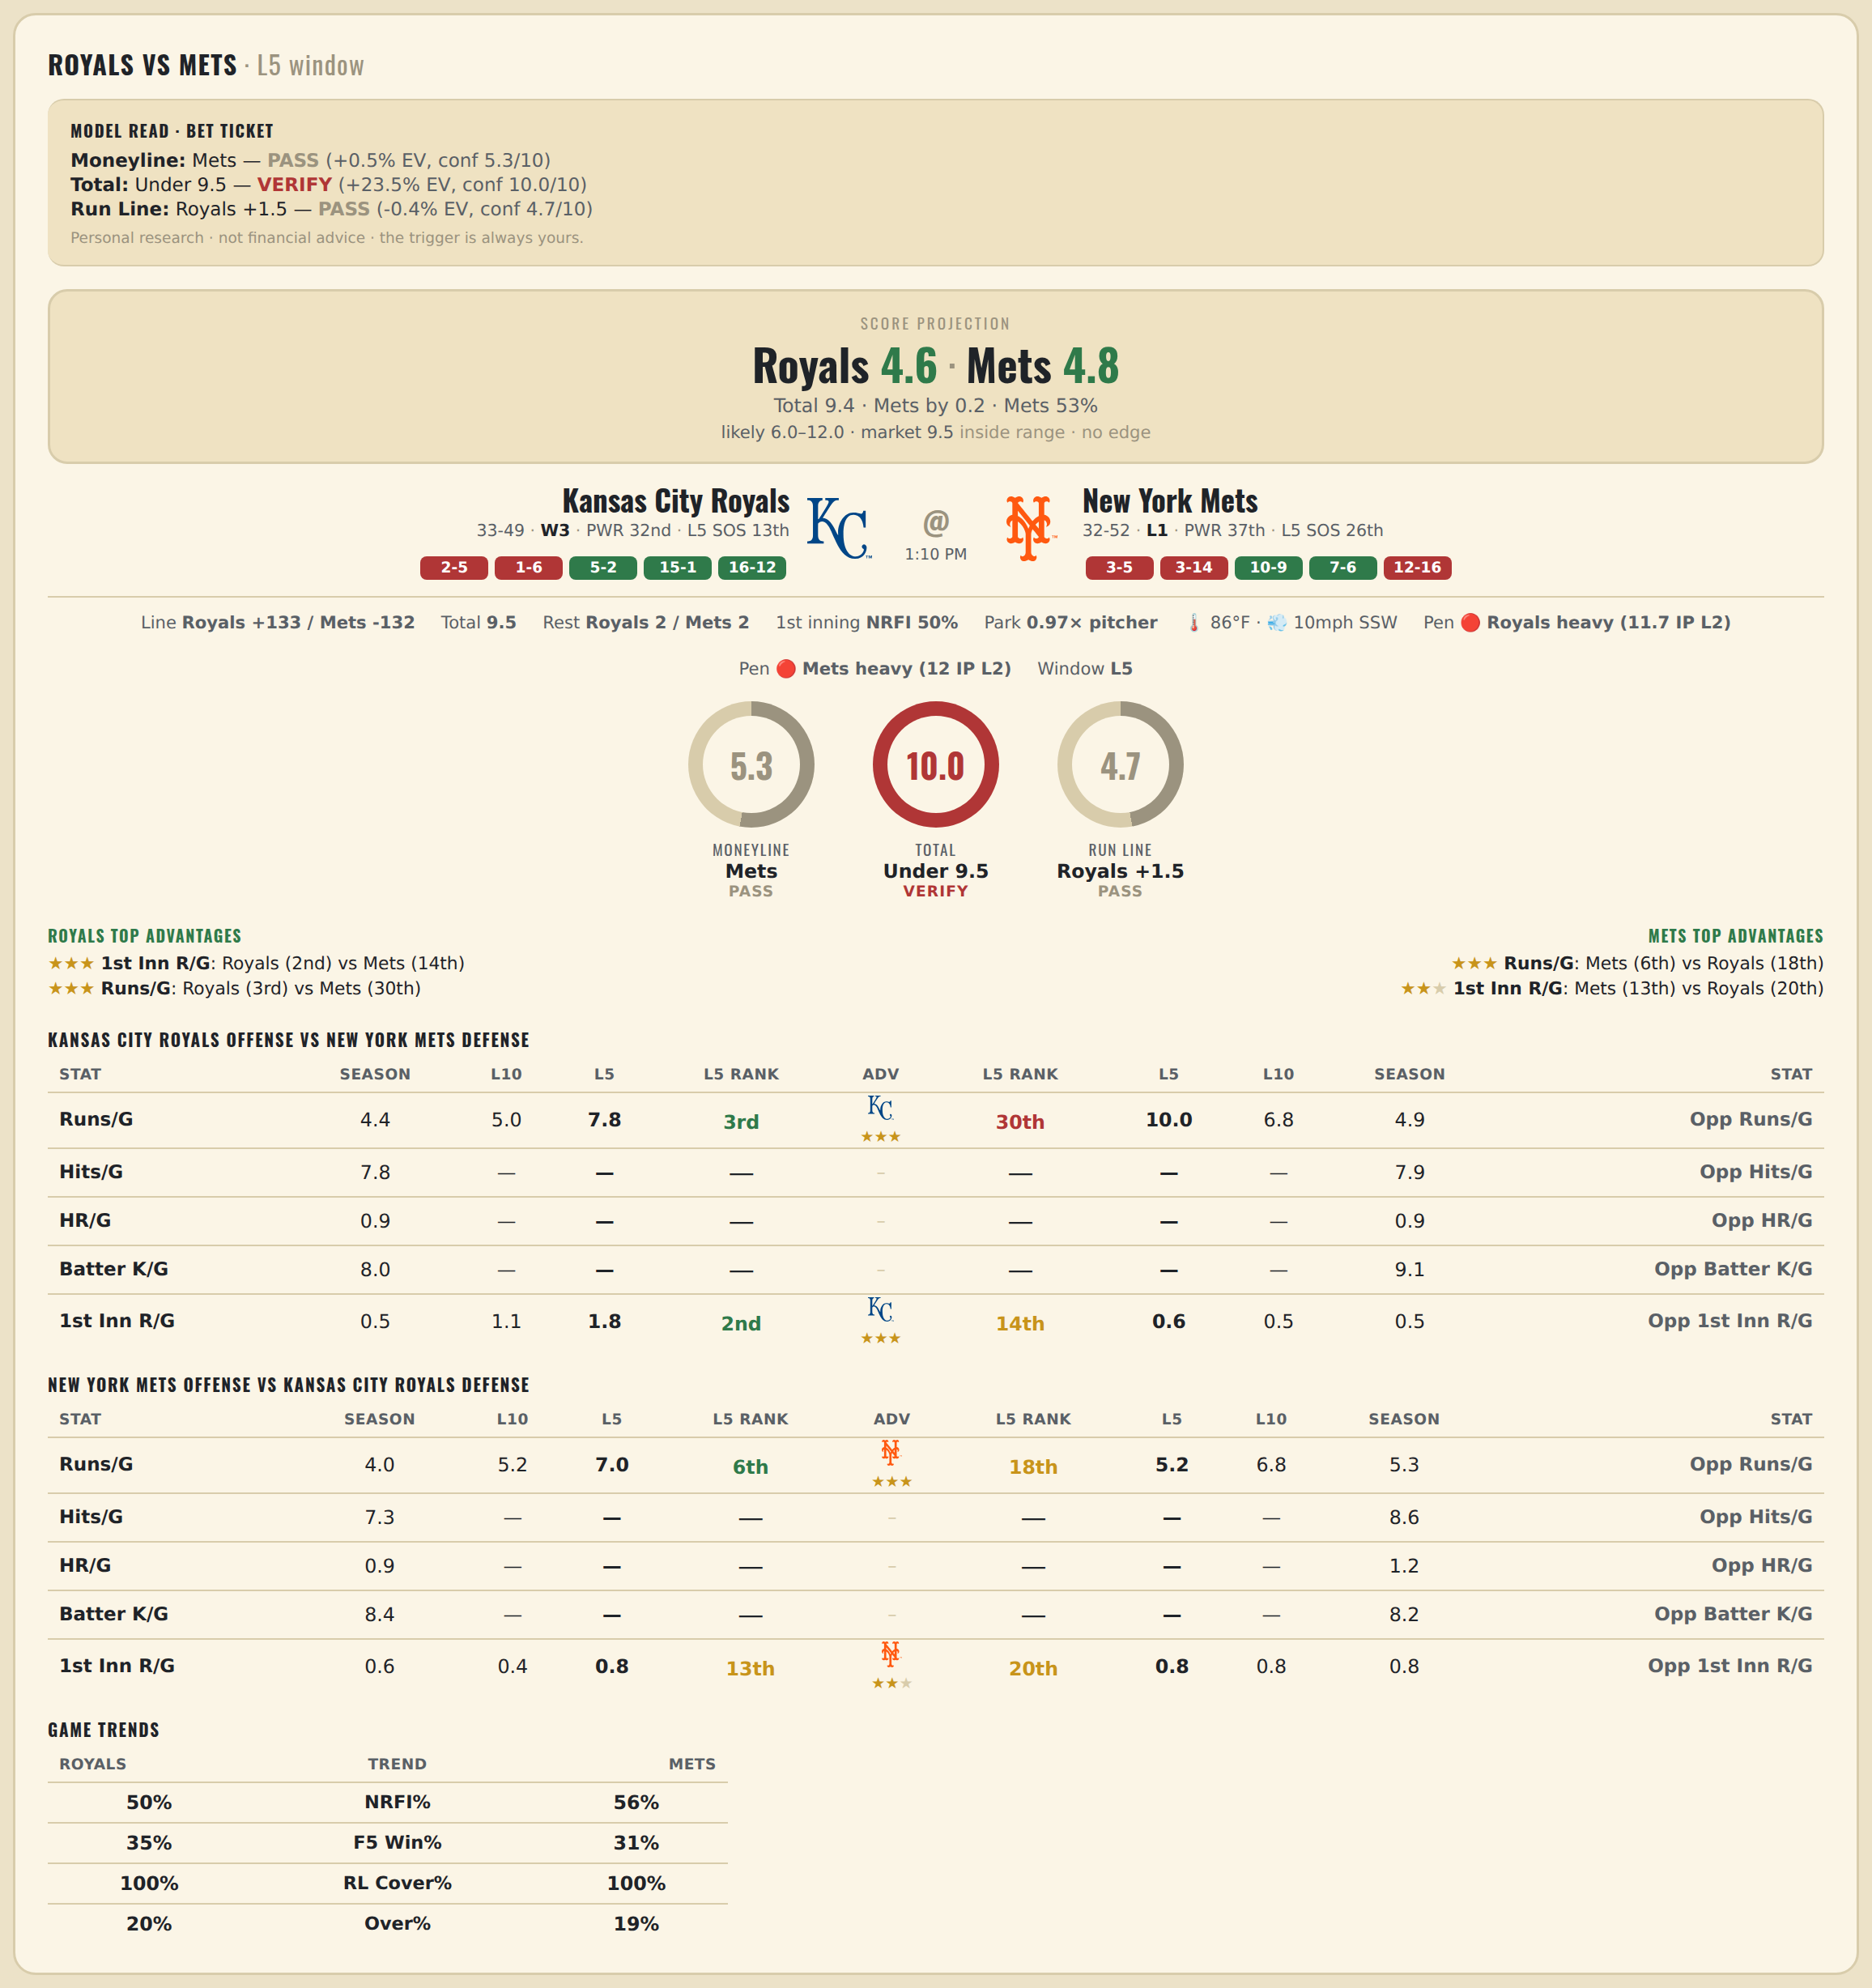

Kansas City Royals offense vs New York Mets defense
Stat | A Season | A L30 | A L20 | A L15 | A L10 | A L5 | A Rk | Adv | H Rk | H L5 | H L10 | H L15 | H L20 | H L30 | H Season | Opp stat
Runs/G | 4.378 | 5.4 | 5.6 | 5.267 | 5 | 7.8 | 3rd | ★★★ | 30th | 10 | 6.8 | 6.867 | 6.7 | 6.033 | 4.905 | Opp Runs/G
Hits/G | 7.792 | — | — | — | — | — | — |  | — | — | — | — | — | — | 7.918 | Opp Hits/G
HR/G | 0.896 | — | — | — | — | — | — |  | — | — | — | — | — | — | 0.918 | Opp HR/G
Batter K/G | 8.021 | — | — | — | — | — | — |  | — | — | — | — | — | — | 9.061 | Opp Batter K/G
1st Inn R/G | 0.544 | 0.9 | 0.85 | 1 | 1.1 | 1.8 | 2nd | ★★★ | 14th | 0.6 | 0.5 | 0.4 | 0.7 | 0.7 | 0.525 | Opp 1st Inn R/G

New York Mets offense vs Kansas City Royals defense
Stat | A Season | A L30 | A L20 | A L15 | A L10 | A L5 | A Rk | Adv | H Rk | H L5 | H L10 | H L15 | H L20 | H L30 | H Season | Opp stat
Runs/G | 4.036 | 4.333 | 4.65 | 4.667 | 5.2 | 7 | 6th | ★★★ | 18th | 5.2 | 6.8 | 6.933 | 6.5 | 5.967 | 5.256 | Opp Runs/G
Hits/G | 7.306 | — | — | — | — | — | — |  | — | — | — | — | — | — | 8.604 | Opp Hits/G
HR/G | 0.939 | — | — | — | — | — | — |  | — | — | — | — | — | — | 1.25 | Opp HR/G
Batter K/G | 8.408 | — | — | — | — | — | — |  | — | — | — | — | — | — | 8.208 | Opp Batter K/G
1st Inn R/G | 0.55 | 0.533 | 0.3 | 0.267 | 0.4 | 0.8 | 13th | ★★ | 20th | 0.8 | 0.8 | 1.067 | 0.95 | 1 | 0.835 | Opp 1st Inn R/G

MLB Yankees @ Rays
New York Yankees @ Tampa Bay Rays
MLB · 2026-07-09 · L5 window

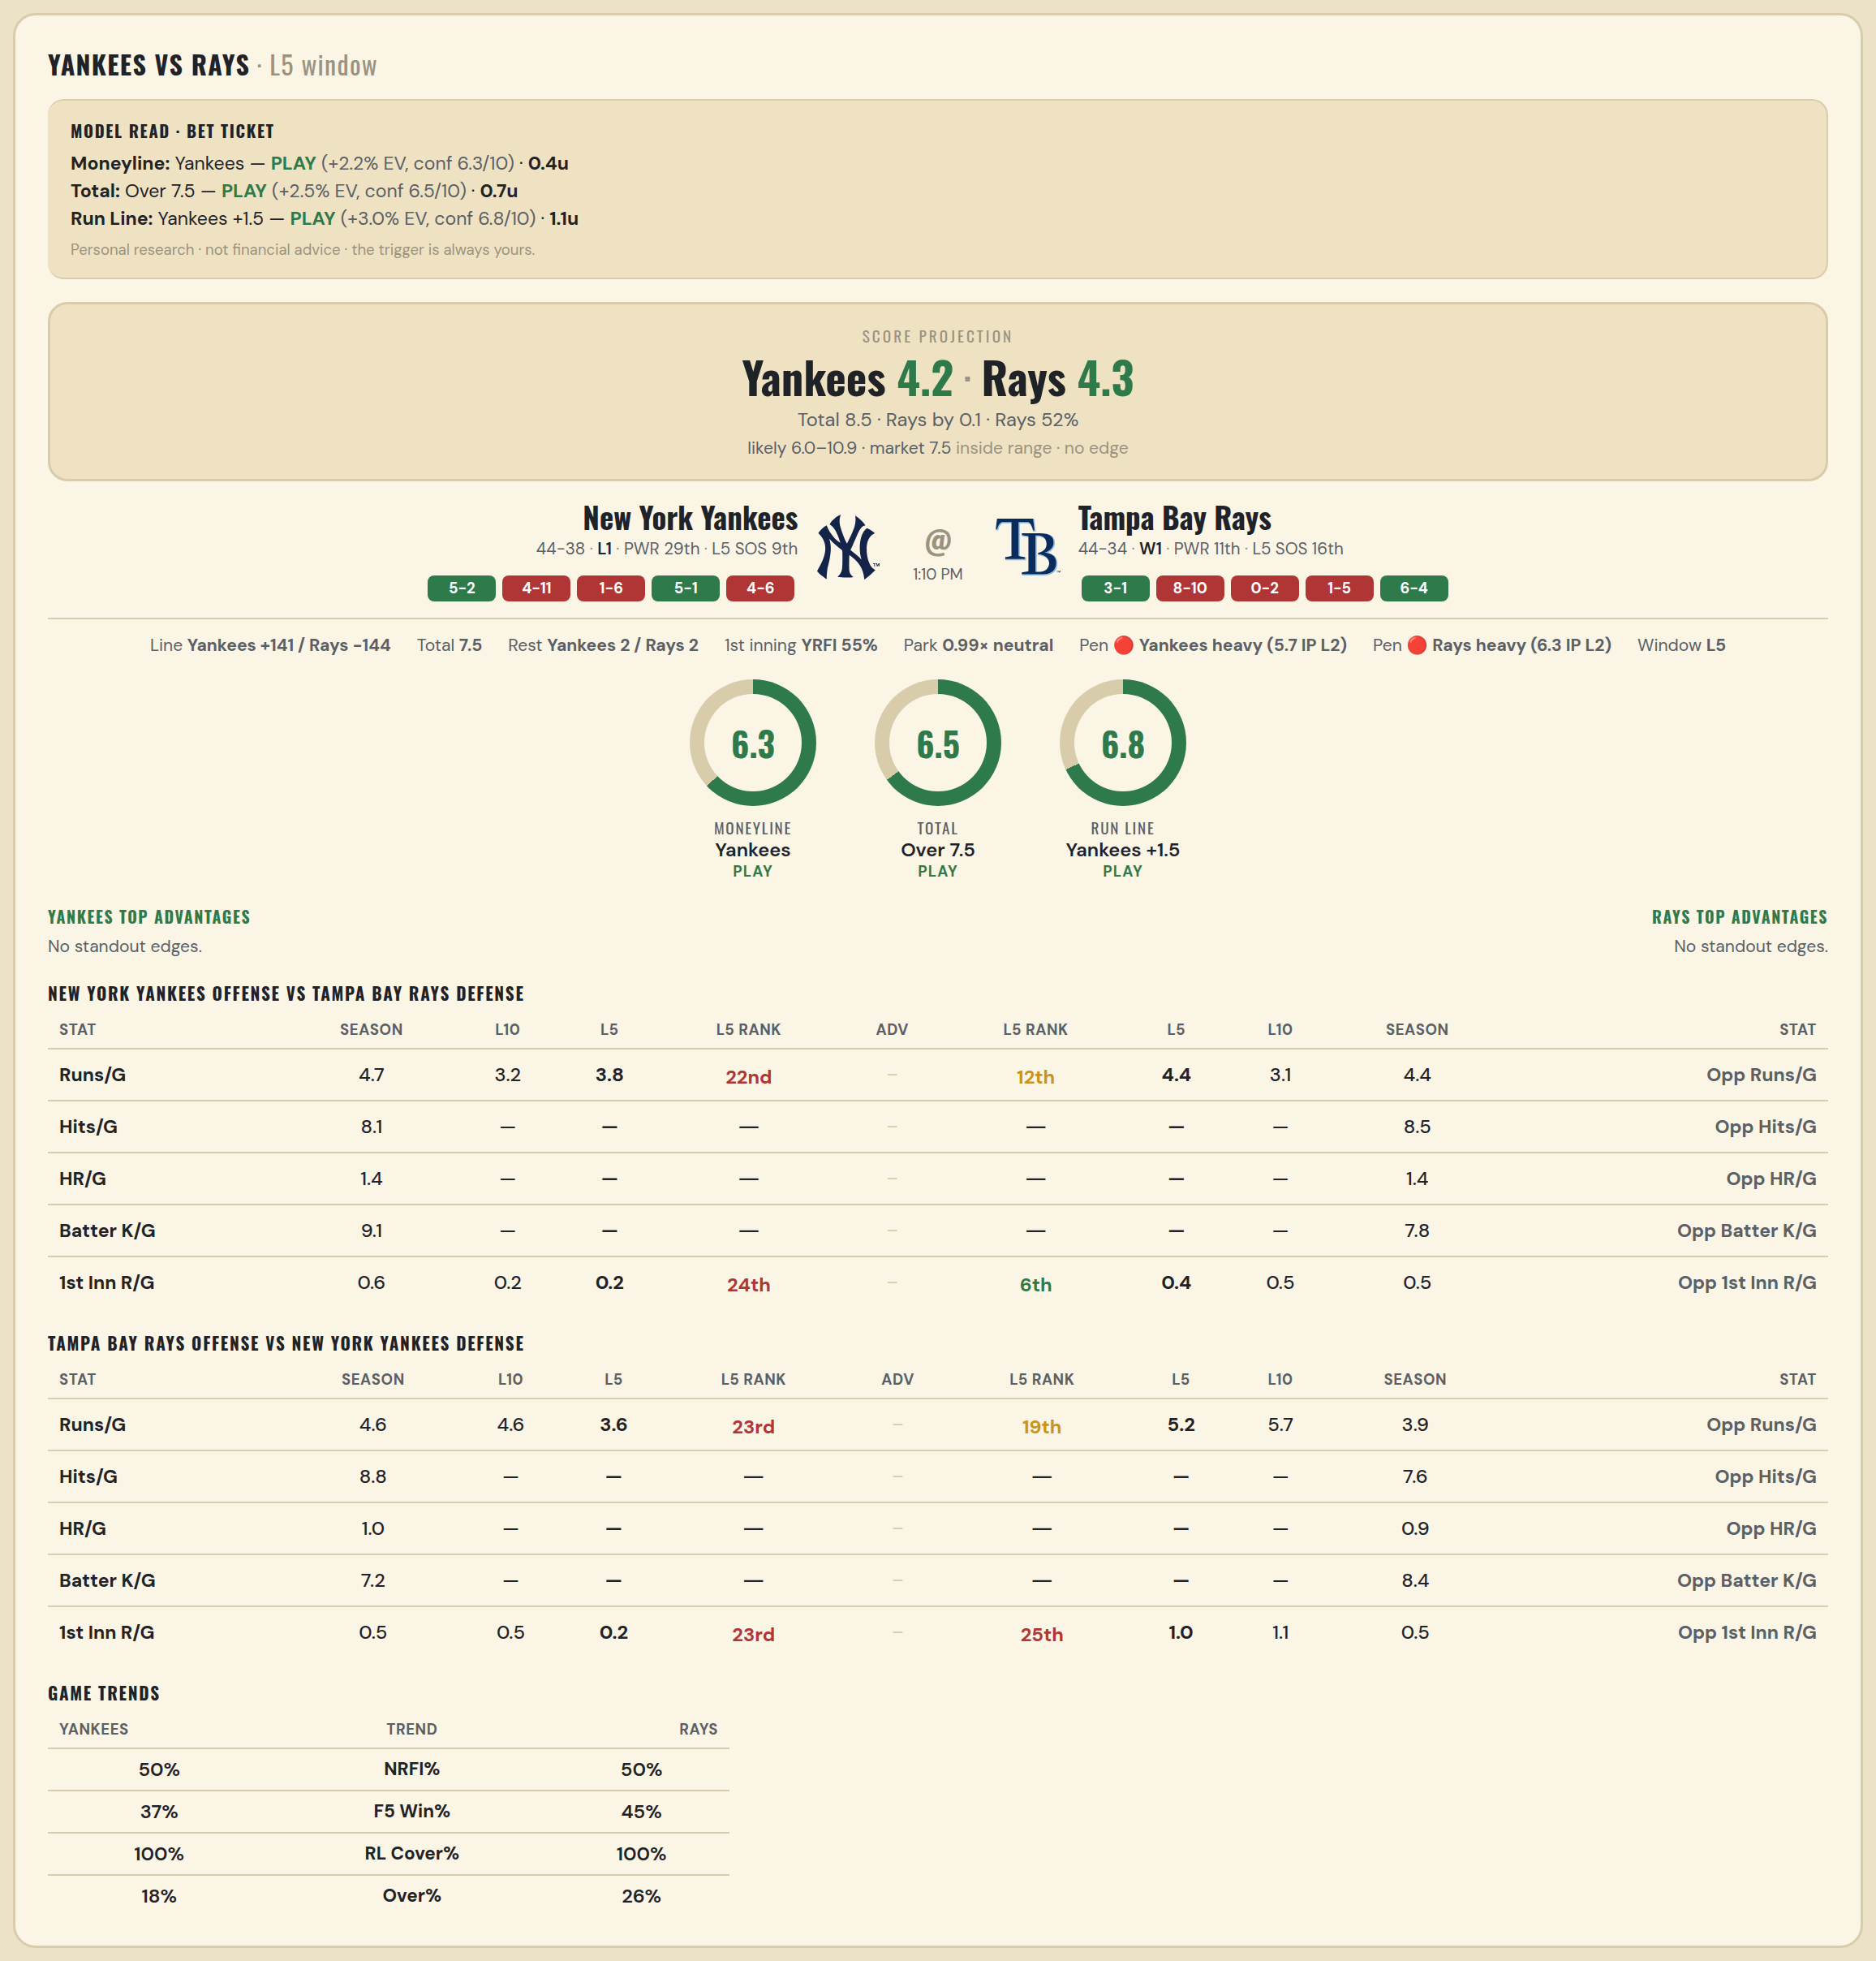

New York Yankees offense vs Tampa Bay Rays defense
Stat | A Season | A L30 | A L20 | A L15 | A L10 | A L5 | A Rk | Adv | H Rk | H L5 | H L10 | H L15 | H L20 | H L30 | H Season | Opp stat
Runs/G | 4.683 | 4.1 | 3.3 | 3.133 | 3.2 | 3.8 | 22nd |  | 12th | 4.4 | 3.1 | 3.4 | 3.3 | 3.4 | 4.397 | Opp Runs/G
Hits/G | 8.109 | — | — | — | — | — | — |  | — | — | — | — | — | — | 8.467 | Opp Hits/G
HR/G | 1.413 | — | — | — | — | — | — |  | — | — | — | — | — | — | 1.444 | Opp HR/G
Batter K/G | 9.13 | — | — | — | — | — | — |  | — | — | — | — | — | — | 7.778 | Opp Batter K/G
1st Inn R/G | 0.597 | 0.333 | 0.35 | 0.267 | 0.2 | 0.2 | 24th |  | 6th | 0.4 | 0.5 | 0.533 | 0.4 | 0.333 | 0.487 | Opp 1st Inn R/G

Tampa Bay Rays offense vs New York Yankees defense
Stat | A Season | A L30 | A L20 | A L15 | A L10 | A L5 | A Rk | Adv | H Rk | H L5 | H L10 | H L15 | H L20 | H L30 | H Season | Opp stat
Runs/G | 4.641 | 4.333 | 4.6 | 5.067 | 4.6 | 3.6 | 23rd |  | 19th | 5.2 | 5.7 | 5.267 | 5.15 | 4.5 | 3.854 | Opp Runs/G
Hits/G | 8.778 | — | — | — | — | — | — |  | — | — | — | — | — | — | 7.609 | Opp Hits/G
HR/G | 0.956 | — | — | — | — | — | — |  | — | — | — | — | — | — | 0.913 | Opp HR/G
Batter K/G | 7.244 | — | — | — | — | — | — |  | — | — | — | — | — | — | 8.435 | Opp Batter K/G
1st Inn R/G | 0.526 | 0.6 | 0.6 | 0.733 | 0.5 | 0.2 | 23rd |  | 25th | 1 | 1.1 | 0.8 | 0.6 | 0.567 | 0.506 | Opp 1st Inn R/G

MLB Cubs @ Orioles
Chicago Cubs @ Baltimore Orioles
MLB · 2026-07-09 · L5 window

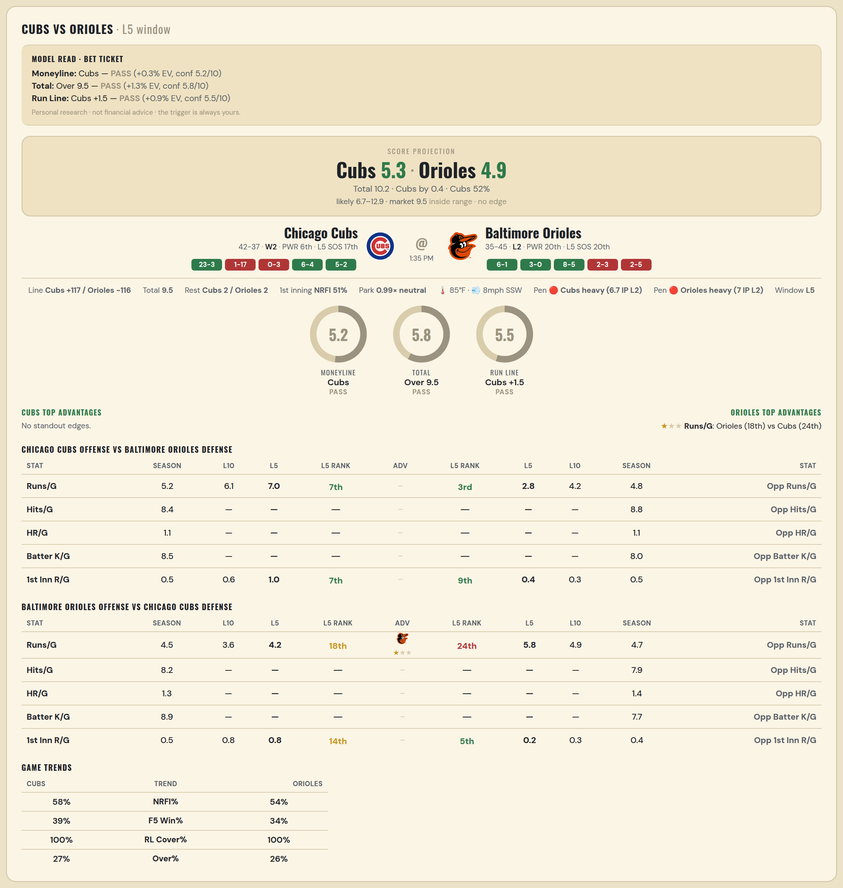

Chicago Cubs offense vs Baltimore Orioles defense
Stat | A Season | A L30 | A L20 | A L15 | A L10 | A L5 | A Rk | Adv | H Rk | H L5 | H L10 | H L15 | H L20 | H L30 | H Season | Opp stat
Runs/G | 5.203 | 5.833 | 6.6 | 6.667 | 6.1 | 7 | 7th |  | 3rd | 2.8 | 4.2 | 3.867 | 3.9 | 4.2 | 4.8 | Opp Runs/G
Hits/G | 8.438 | — | — | — | — | — | — |  | — | — | — | — | — | — | 8.833 | Opp Hits/G
HR/G | 1.104 | — | — | — | — | — | — |  | — | — | — | — | — | — | 1.062 | Opp HR/G
Batter K/G | 8.458 | — | — | — | — | — | — |  | — | — | — | — | — | — | 8 | Opp Batter K/G
1st Inn R/G | 0.462 | 0.533 | 0.75 | 0.4 | 0.6 | 1 | 7th |  | 9th | 0.4 | 0.3 | 0.533 | 0.65 | 0.667 | 0.481 | Opp 1st Inn R/G

Baltimore Orioles offense vs Chicago Cubs defense
Stat | A Season | A L30 | A L20 | A L15 | A L10 | A L5 | A Rk | Adv | H Rk | H L5 | H L10 | H L15 | H L20 | H L30 | H Season | Opp stat
Runs/G | 4.537 | 4.6 | 3.85 | 4.267 | 3.6 | 4.2 | 18th | ★ | 24th | 5.8 | 4.9 | 4.933 | 4.8 | 4.8 | 4.747 | Opp Runs/G
Hits/G | 8.208 | — | — | — | — | — | — |  | — | — | — | — | — | — | 7.896 | Opp Hits/G
HR/G | 1.271 | — | — | — | — | — | — |  | — | — | — | — | — | — | 1.354 | Opp HR/G
Batter K/G | 8.917 | — | — | — | — | — | — |  | — | — | — | — | — | — | 7.708 | Opp Batter K/G
1st Inn R/G | 0.519 | 0.833 | 0.6 | 0.733 | 0.8 | 0.8 | 14th |  | 5th | 0.2 | 0.3 | 0.2 | 0.15 | 0.3 | 0.436 | Opp 1st Inn R/G

MLB Guardians @ Twins
Cleveland Guardians @ Minnesota Twins
MLB · 2026-07-09 · L5 window

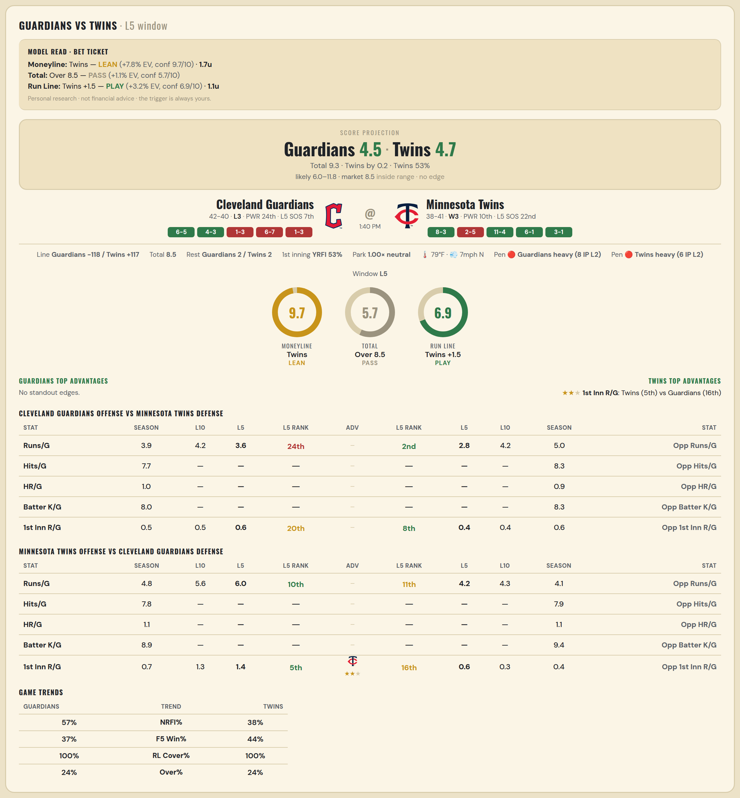

Cleveland Guardians offense vs Minnesota Twins defense
Stat | A Season | A L30 | A L20 | A L15 | A L10 | A L5 | A Rk | Adv | H Rk | H L5 | H L10 | H L15 | H L20 | H L30 | H Season | Opp stat
Runs/G | 3.902 | 3.5 | 3.7 | 3.6 | 4.2 | 3.6 | 24th |  | 2nd | 2.8 | 4.2 | 4.667 | 4.5 | 5.333 | 5.013 | Opp Runs/G
Hits/G | 7.735 | — | — | — | — | — | — |  | — | — | — | — | — | — | 8.306 | Opp Hits/G
HR/G | 0.959 | — | — | — | — | — | — |  | — | — | — | — | — | — | 0.918 | Opp HR/G
Batter K/G | 8 | — | — | — | — | — | — |  | — | — | — | — | — | — | 8.265 | Opp Batter K/G
1st Inn R/G | 0.519 | 0.3 | 0.35 | 0.4 | 0.5 | 0.6 | 20th |  | 8th | 0.4 | 0.4 | 0.4 | 0.3 | 0.633 | 0.582 | Opp 1st Inn R/G

Minnesota Twins offense vs Cleveland Guardians defense
Stat | A Season | A L30 | A L20 | A L15 | A L10 | A L5 | A Rk | Adv | H Rk | H L5 | H L10 | H L15 | H L20 | H L30 | H Season | Opp stat
Runs/G | 4.848 | 5.367 | 5.9 | 5.533 | 5.6 | 6 | 10th |  | 11th | 4.2 | 4.3 | 3.933 | 4.1 | 4.067 | 4.134 | Opp Runs/G
Hits/G | 7.776 | — | — | — | — | — | — |  | — | — | — | — | — | — | 7.939 | Opp Hits/G
HR/G | 1.061 | — | — | — | — | — | — |  | — | — | — | — | — | — | 1.143 | Opp HR/G
Batter K/G | 8.939 | — | — | — | — | — | — |  | — | — | — | — | — | — | 9.388 | Opp Batter K/G
1st Inn R/G | 0.709 | 0.933 | 1.25 | 1.067 | 1.3 | 1.4 | 5th | ★★ | 16th | 0.6 | 0.3 | 0.267 | 0.4 | 0.433 | 0.38 | Opp 1st Inn R/G

MLB Sox @ Sox
Boston Red Sox @ Chicago White Sox
MLB · 2026-07-09 · L5 window

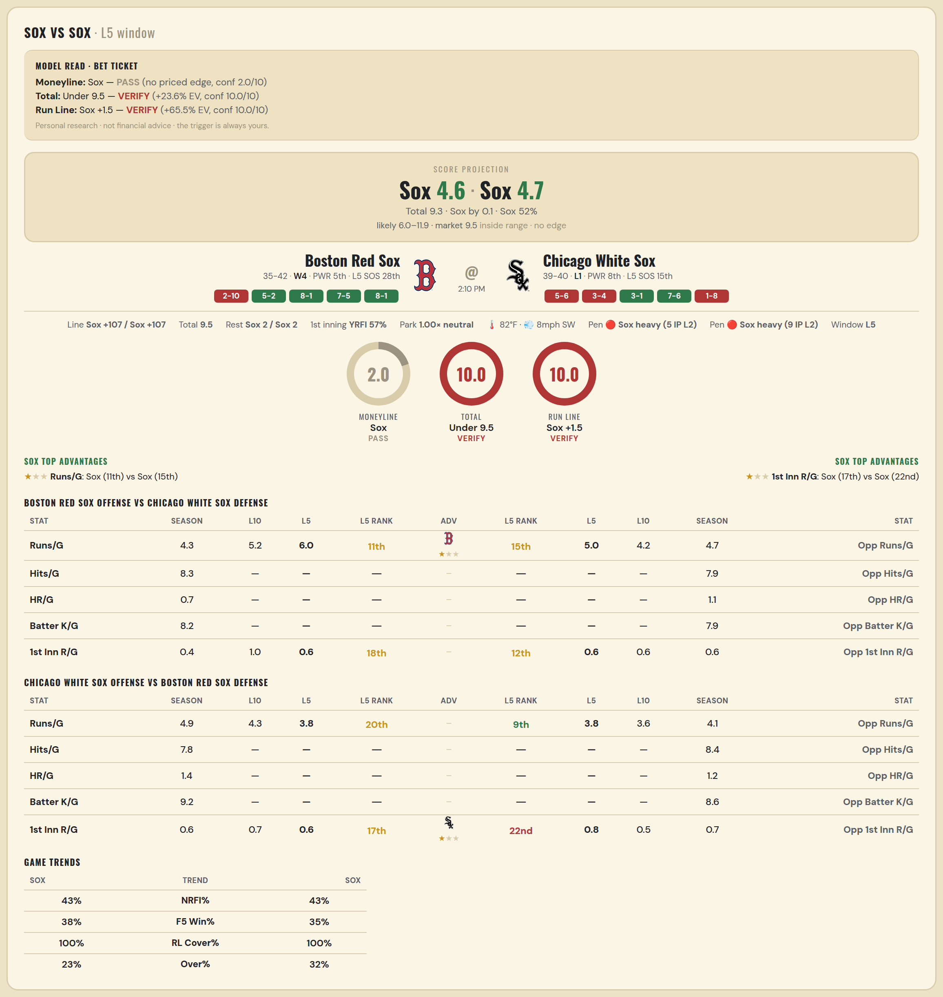

Boston Red Sox offense vs Chicago White Sox defense
Stat | A Season | A L30 | A L20 | A L15 | A L10 | A L5 | A Rk | Adv | H Rk | H L5 | H L10 | H L15 | H L20 | H L30 | H Season | Opp stat
Runs/G | 4.273 | 4.4 | 4.35 | 4.8 | 5.2 | 6 | 11th | ★ | 15th | 5 | 4.2 | 3.867 | 4.45 | 4.467 | 4.734 | Opp Runs/G
Hits/G | 8.304 | — | — | — | — | — | — |  | — | — | — | — | — | 10 | 7.854 | Opp Hits/G
HR/G | 0.739 | — | — | — | — | — | — |  | — | — | — | — | — | 0 | 1.062 | Opp HR/G
Batter K/G | 8.239 | — | — | — | — | — | — |  | — | — | — | — | — | 4 | 7.938 | Opp Batter K/G
1st Inn R/G | 0.382 | 0.5 | 0.6 | 0.8 | 1 | 0.6 | 18th |  | 12th | 0.6 | 0.6 | 0.4 | 0.5 | 0.567 | 0.558 | Opp 1st Inn R/G

Chicago White Sox offense vs Boston Red Sox defense
Stat | A Season | A L30 | A L20 | A L15 | A L10 | A L5 | A Rk | Adv | H Rk | H L5 | H L10 | H L15 | H L20 | H L30 | H Season | Opp stat
Runs/G | 4.861 | 4.933 | 4.8 | 5.333 | 4.3 | 3.8 | 20th |  | 9th | 3.8 | 3.6 | 3.667 | 3.55 | 3.767 | 4.13 | Opp Runs/G
Hits/G | 7.792 | 8 | — | — | — | — | — |  | — | — | — | — | — | — | 8.391 | Opp Hits/G
HR/G | 1.354 | 0 | — | — | — | — | — |  | — | — | — | — | — | — | 1.217 | Opp HR/G
Batter K/G | 9.208 | 14 | — | — | — | — | — |  | — | — | — | — | — | — | 8.587 | Opp Batter K/G
1st Inn R/G | 0.597 | 0.633 | 0.5 | 0.467 | 0.7 | 0.6 | 17th | ★ | 22nd | 0.8 | 0.5 | 0.4 | 0.4 | 0.6 | 0.711 | Opp 1st Inn R/G

MLB Athletics @ Tigers
Athletics @ Detroit Tigers
MLB · 2026-07-09 · L5 window

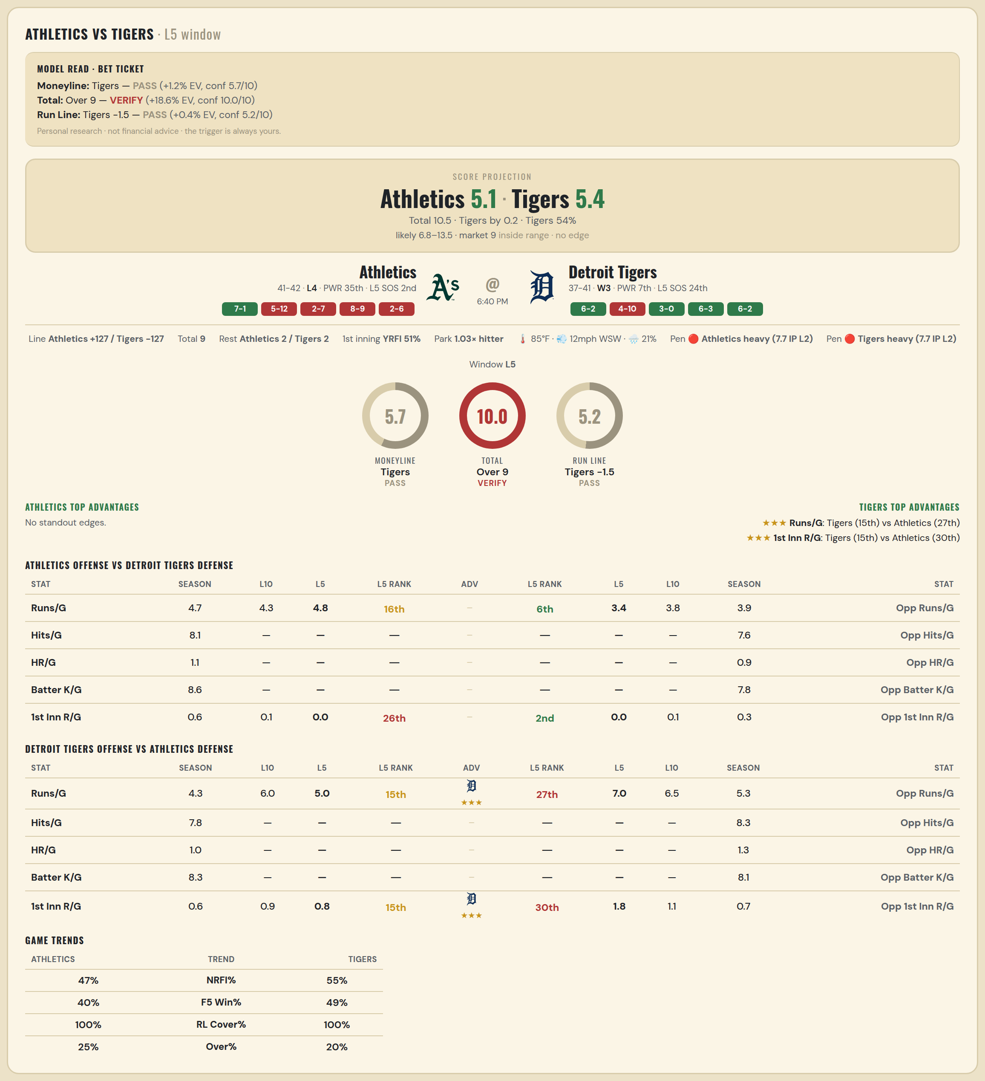

Athletics offense vs Detroit Tigers defense
Stat | A Season | A L30 | A L20 | A L15 | A L10 | A L5 | A Rk | Adv | H Rk | H L5 | H L10 | H L15 | H L20 | H L30 | H Season | Opp stat
Runs/G | 4.687 | 5.3 | 4.9 | 4.067 | 4.3 | 4.8 | 16th |  | 6th | 3.4 | 3.8 | 3.667 | 3.5 | 3.3 | 3.949 | Opp Runs/G
Hits/G | 8.146 | — | — | — | — | — | — |  | — | — | — | — | — | 4 | 7.592 | Opp Hits/G
HR/G | 1.062 | — | — | — | — | — | — |  | — | — | — | — | — | 0 | 0.898 | Opp HR/G
Batter K/G | 8.625 | — | — | — | — | — | — |  | — | — | — | — | — | 10 | 7.776 | Opp Batter K/G
1st Inn R/G | 0.608 | 0.733 | 0.7 | 0.333 | 0.1 | 0 | 26th |  | 2nd | 0 | 0.1 | 0.133 | 0.2 | 0.233 | 0.346 | Opp 1st Inn R/G

Detroit Tigers offense vs Athletics defense
Stat | A Season | A L30 | A L20 | A L15 | A L10 | A L5 | A Rk | Adv | H Rk | H L5 | H L10 | H L15 | H L20 | H L30 | H Season | Opp stat
Runs/G | 4.333 | 5.067 | 4.85 | 5.067 | 6 | 5 | 15th | ★★★ | 27th | 7 | 6.5 | 6.133 | 6.15 | 6.767 | 5.289 | Opp Runs/G
Hits/G | 7.755 | 10 | — | — | — | — | — |  | — | — | — | — | — | — | 8.312 | Opp Hits/G
HR/G | 1.02 | 3 | — | — | — | — | — |  | — | — | — | — | — | — | 1.271 | Opp HR/G
Batter K/G | 8.306 | 6 | — | — | — | — | — |  | — | — | — | — | — | — | 8.146 | Opp Batter K/G
1st Inn R/G | 0.577 | 0.6 | 0.6 | 0.6 | 0.9 | 0.8 | 15th | ★★★ | 30th | 1.8 | 1.1 | 0.733 | 0.7 | 0.8 | 0.734 | Opp 1st Inn R/G

MLB Mariners @ Marlins
Seattle Mariners @ Miami Marlins
MLB · 2026-07-09 · L5 window

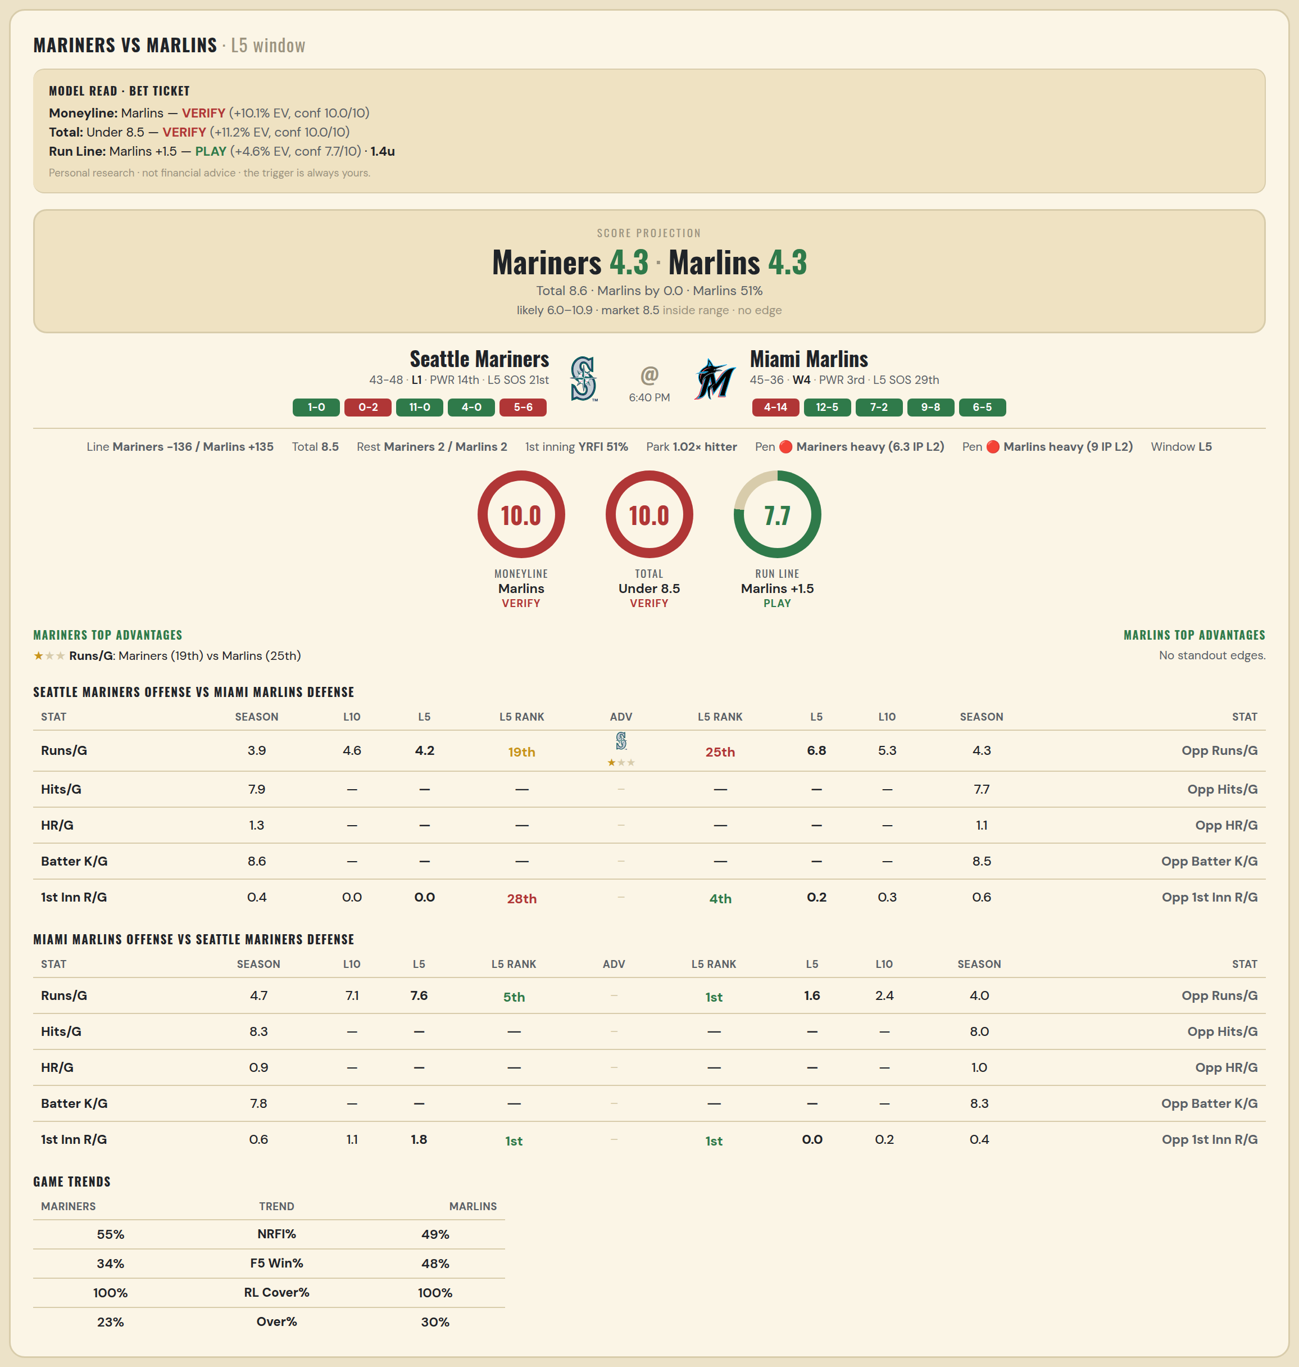

Seattle Mariners offense vs Miami Marlins defense
Stat | A Season | A L30 | A L20 | A L15 | A L10 | A L5 | A Rk | Adv | H Rk | H L5 | H L10 | H L15 | H L20 | H L30 | H Season | Opp stat
Runs/G | 3.945 | 3.7 | 3.35 | 3.667 | 4.6 | 4.2 | 19th | ★ | 25th | 6.8 | 5.3 | 4.267 | 4.45 | 3.8 | 4.346 | Opp Runs/G
Hits/G | 7.854 | — | — | — | — | — | — |  | — | — | — | — | — | — | 7.694 | Opp Hits/G
HR/G | 1.312 | — | — | — | — | — | — |  | — | — | — | — | — | — | 1.082 | Opp HR/G
Batter K/G | 8.646 | — | — | — | — | — | — |  | — | — | — | — | — | — | 8.531 | Opp Batter K/G
1st Inn R/G | 0.449 | 0.3 | 0.3 | 0.133 | 0 | 0 | 28th |  | 4th | 0.2 | 0.3 | 0.2 | 0.4 | 0.433 | 0.608 | Opp 1st Inn R/G

Miami Marlins offense vs Seattle Mariners defense
Stat | A Season | A L30 | A L20 | A L15 | A L10 | A L5 | A Rk | Adv | H Rk | H L5 | H L10 | H L15 | H L20 | H L30 | H Season | Opp stat
Runs/G | 4.716 | 5.333 | 5.7 | 6 | 7.1 | 7.6 | 5th |  | 1st | 1.6 | 2.4 | 3.2 | 3.5 | 4.033 | 3.967 | Opp Runs/G
Hits/G | 8.286 | — | — | — | — | — | — |  | — | — | — | — | — | — | 7.979 | Opp Hits/G
HR/G | 0.918 | — | — | — | — | — | — |  | — | — | — | — | — | — | 0.958 | Opp HR/G
Batter K/G | 7.816 | — | — | — | — | — | — |  | — | — | — | — | — | — | 8.333 | Opp Batter K/G
1st Inn R/G | 0.608 | 0.567 | 0.75 | 0.733 | 1.1 | 1.8 | 1st |  | 1st | 0 | 0.2 | 0.2 | 0.25 | 0.333 | 0.397 | Opp 1st Inn R/G

MLB Phillies @ Reds
Philadelphia Phillies @ Cincinnati Reds
MLB · 2026-07-09 · L5 window

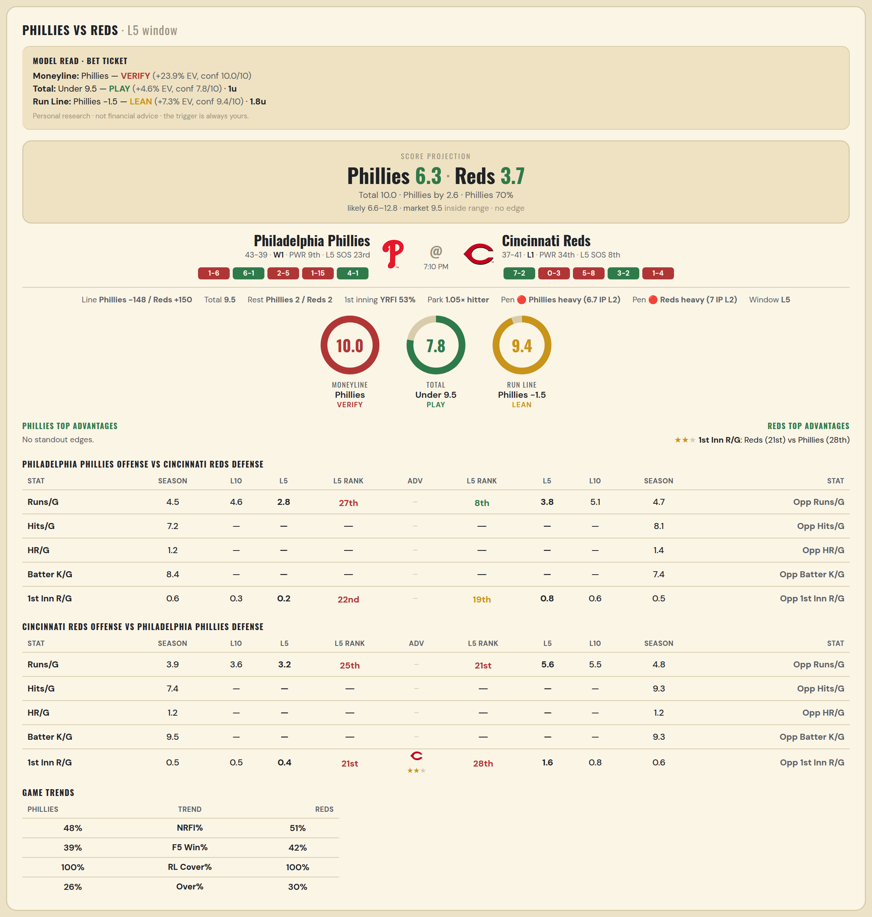

Philadelphia Phillies offense vs Cincinnati Reds defense
Stat | A Season | A L30 | A L20 | A L15 | A L10 | A L5 | A Rk | Adv | H Rk | H L5 | H L10 | H L15 | H L20 | H L30 | H Season | Opp stat
Runs/G | 4.512 | 5.5 | 5.75 | 5.2 | 4.6 | 2.8 | 27th |  | 8th | 3.8 | 5.1 | 4.4 | 4.25 | 4.533 | 4.679 | Opp Runs/G
Hits/G | 7.234 | — | — | — | — | — | — |  | — | — | — | — | — | — | 8.106 | Opp Hits/G
HR/G | 1.213 | — | — | — | — | — | — |  | — | — | — | — | — | — | 1.383 | Opp HR/G
Batter K/G | 8.426 | — | — | — | — | — | — |  | — | — | — | — | — | — | 7.404 | Opp Batter K/G
1st Inn R/G | 0.557 | 0.533 | 0.65 | 0.267 | 0.3 | 0.2 | 22nd |  | 19th | 0.8 | 0.6 | 0.467 | 0.4 | 0.467 | 0.545 | Opp 1st Inn R/G

Cincinnati Reds offense vs Philadelphia Phillies defense
Stat | A Season | A L30 | A L20 | A L15 | A L10 | A L5 | A Rk | Adv | H Rk | H L5 | H L10 | H L15 | H L20 | H L30 | H Season | Opp stat
Runs/G | 3.949 | 3.7 | 4 | 3.467 | 3.6 | 3.2 | 25th |  | 21st | 5.6 | 5.5 | 5.2 | 5.15 | 4.9 | 4.829 | Opp Runs/G
Hits/G | 7.404 | — | — | — | — | — | — |  | — | — | — | — | — | — | 9.319 | Opp Hits/G
HR/G | 1.213 | — | — | — | — | — | — |  | — | — | — | — | — | — | 1.17 | Opp HR/G
Batter K/G | 9.532 | — | — | — | — | — | — |  | — | — | — | — | — | — | 9.277 | Opp Batter K/G
1st Inn R/G | 0.545 | 0.533 | 0.6 | 0.333 | 0.5 | 0.4 | 21st | ★★ | 28th | 1.6 | 0.8 | 0.933 | 0.9 | 0.8 | 0.595 | Opp 1st Inn R/G

MLB Brewers @ Cardinals
Milwaukee Brewers @ St. Louis Cardinals
MLB · 2026-07-09 · L5 window

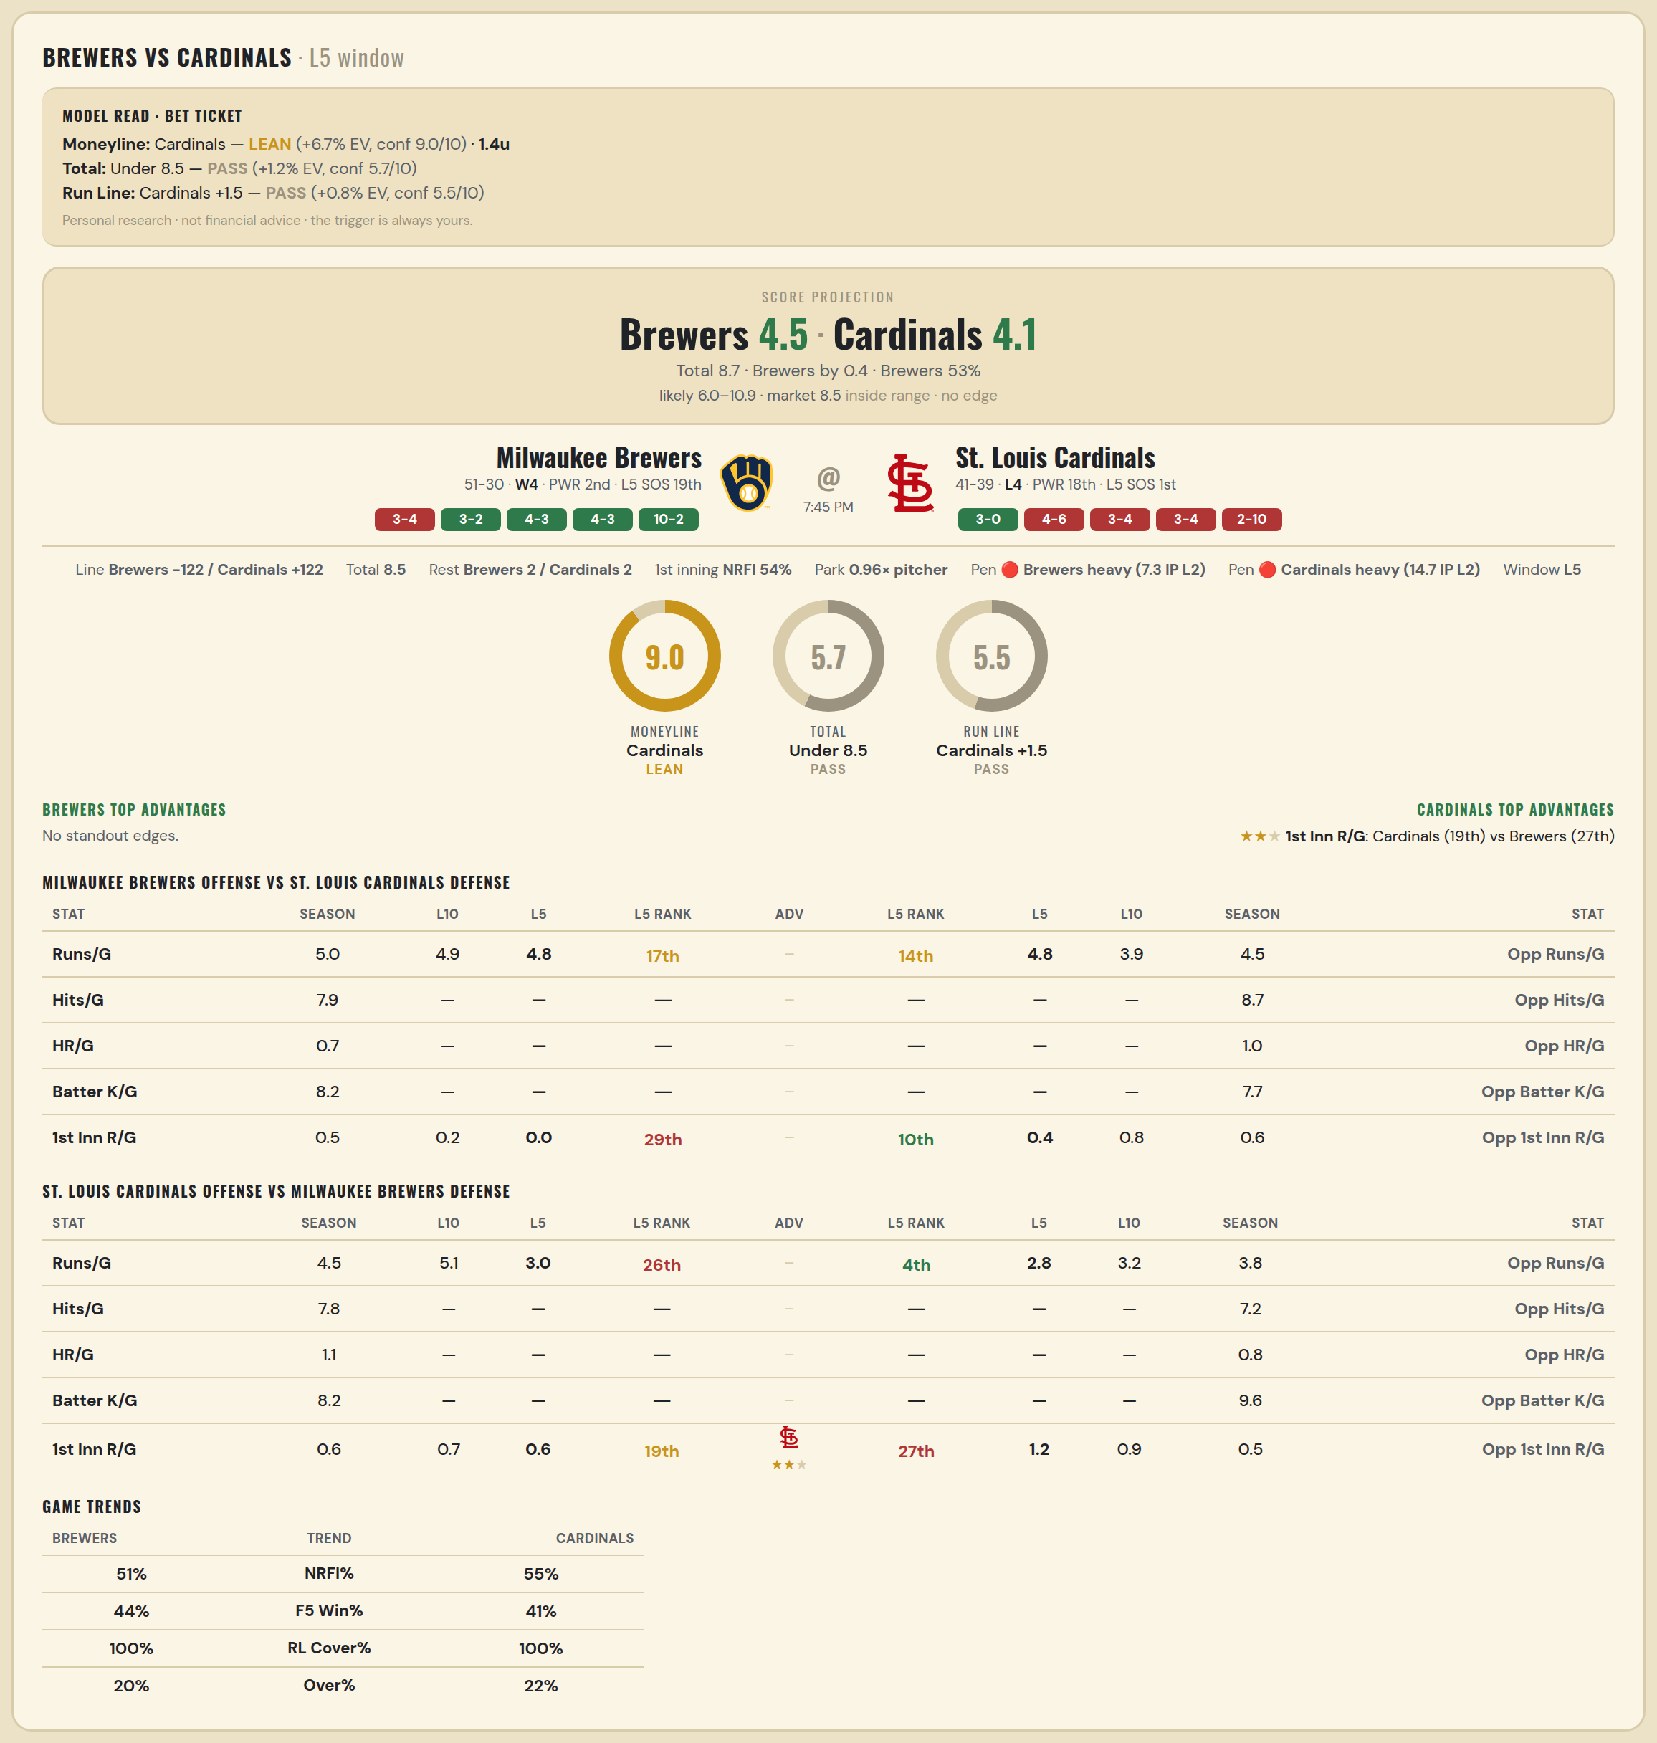

Milwaukee Brewers offense vs St. Louis Cardinals defense
Stat | A Season | A L30 | A L20 | A L15 | A L10 | A L5 | A Rk | Adv | H Rk | H L5 | H L10 | H L15 | H L20 | H L30 | H Season | Opp stat
Runs/G | 5.049 | 5.233 | 4.3 | 4.533 | 4.9 | 4.8 | 17th |  | 14th | 4.8 | 3.9 | 4.2 | 5.05 | 4.633 | 4.537 | Opp Runs/G
Hits/G | 7.935 | — | — | — | — | — | — |  | — | — | — | — | — | — | 8.652 | Opp Hits/G
HR/G | 0.739 | — | — | — | — | — | — |  | — | — | — | — | — | — | 1.043 | Opp HR/G
Batter K/G | 8.152 | — | — | — | — | — | — |  | — | — | — | — | — | — | 7.739 | Opp Batter K/G
1st Inn R/G | 0.544 | 0.433 | 0.15 | 0.2 | 0.2 | 0 | 29th |  | 10th | 0.4 | 0.8 | 0.6 | 0.65 | 0.667 | 0.584 | Opp 1st Inn R/G

St. Louis Cardinals offense vs Milwaukee Brewers defense
Stat | A Season | A L30 | A L20 | A L15 | A L10 | A L5 | A Rk | Adv | H Rk | H L5 | H L10 | H L15 | H L20 | H L30 | H Season | Opp stat
Runs/G | 4.537 | 5.133 | 4.45 | 4.133 | 5.1 | 3 | 26th |  | 4th | 2.8 | 3.2 | 3.4 | 3.35 | 3.7 | 3.753 | Opp Runs/G
Hits/G | 7.826 | — | — | — | — | — | — |  | — | — | — | — | — | — | 7.174 | Opp Hits/G
HR/G | 1.109 | — | — | — | — | — | — |  | — | — | — | — | — | — | 0.761 | Opp HR/G
Batter K/G | 8.196 | — | — | — | — | — | — |  | — | — | — | — | — | — | 9.63 | Opp Batter K/G
1st Inn R/G | 0.558 | 0.767 | 0.75 | 0.467 | 0.7 | 0.6 | 19th | ★★ | 27th | 1.2 | 0.9 | 0.6 | 0.5 | 0.467 | 0.456 | Opp 1st Inn R/G

