MLB Astros @ Tigers
Houston Astros @ Detroit Tigers
MLB · 2026-06-27 · L5 window

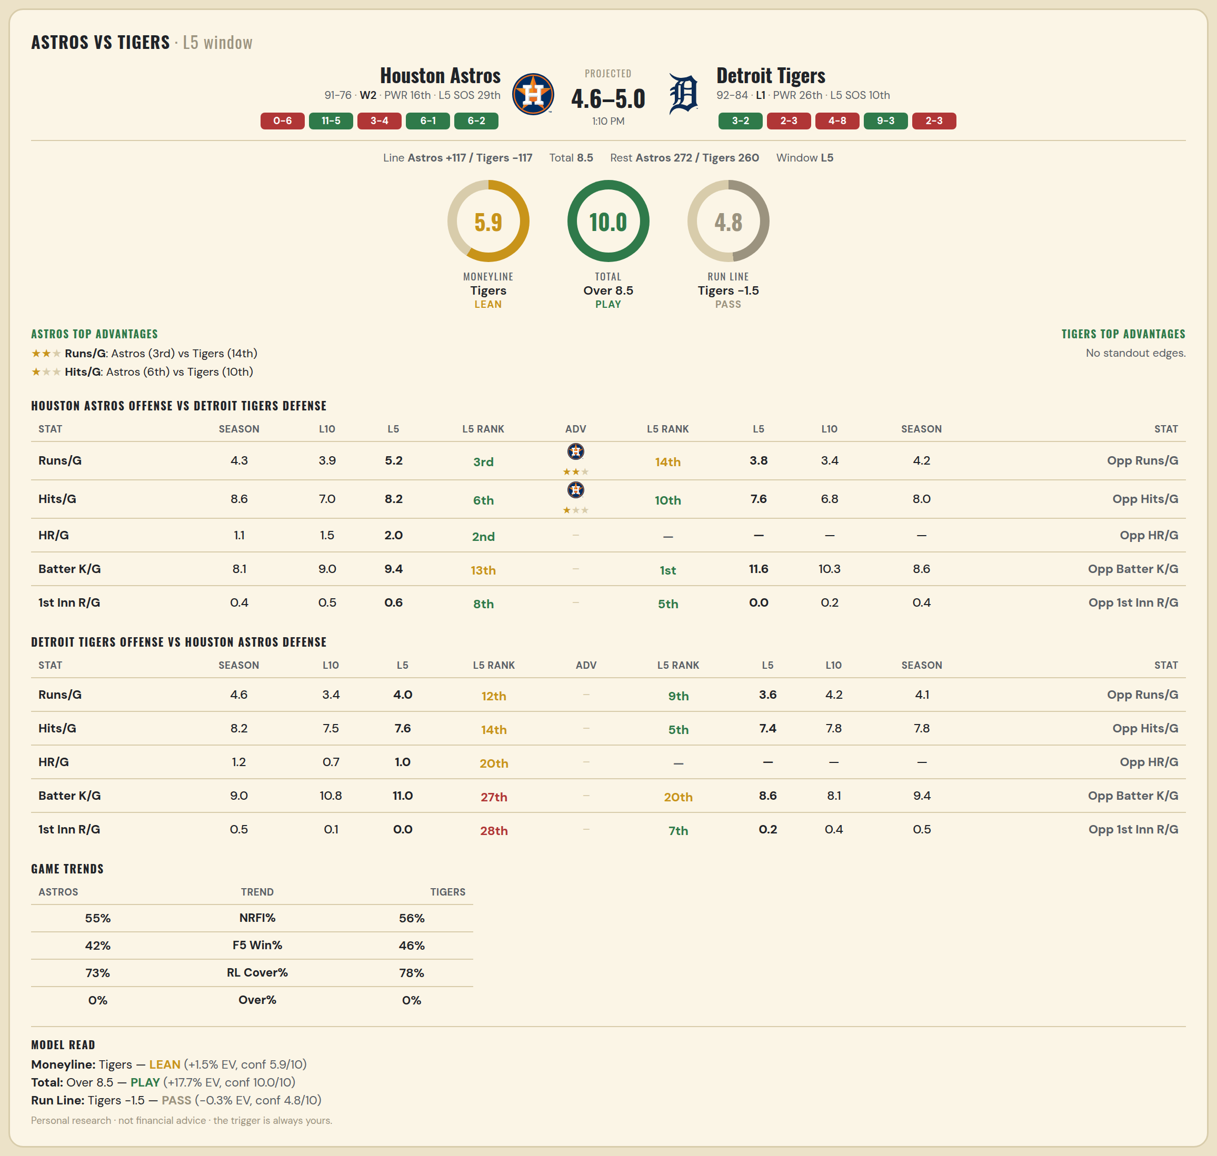

Houston Astros offense vs Detroit Tigers defense
Stat | A Season | A L30 | A L20 | A L15 | A L10 | A L5 | A Rk | Adv | H Rk | H L5 | H L10 | H L15 | H L20 | H L30 | H Season | Opp stat
Runs/G | 4.341 | 4.167 | 4.5 | 4.733 | 3.9 | 5.2 | 3rd | ★★ | 14th | 3.8 | 3.4 | 3.733 | 4.3 | 4.233 | 4.199 | Opp Runs/G
Hits/G | 8.557 | 7.967 | 7.9 | 7.867 | 7 | 8.2 | 6th | ★ | 10th | 7.6 | 6.8 | 7.267 | 7.85 | 7.933 | 7.972 | Opp Hits/G
HR/G | 1.144 | 1.2 | 1.25 | 1.333 | 1.5 | 2 | 2nd |  | — | — | — | — | — | — | — | Opp HR/G
Batter K/G | 8.066 | 8.533 | 8.7 | 8.8 | 9 | 9.4 | 13th |  | 1st | 11.6 | 10.3 | 9.733 | 9.65 | 9.033 | 8.602 | Opp Batter K/G
1st Inn R/G | 0.449 | 0.467 | 0.55 | 0.6 | 0.5 | 0.6 | 8th |  | 5th | 0 | 0.2 | 0.133 | 0.25 | 0.4 | 0.403 | Opp 1st Inn R/G

Detroit Tigers offense vs Houston Astros defense
Stat | A Season | A L30 | A L20 | A L15 | A L10 | A L5 | A Rk | Adv | H Rk | H L5 | H L10 | H L15 | H L20 | H L30 | H Season | Opp stat
Runs/G | 4.574 | 3.767 | 2.9 | 3.067 | 3.4 | 4 | 12th |  | 9th | 3.6 | 4.2 | 4.2 | 3.95 | 3.933 | 4.108 | Opp Runs/G
Hits/G | 8.222 | 7.5 | 7.35 | 7.667 | 7.5 | 7.6 | 14th |  | 5th | 7.4 | 7.8 | 8 | 7.6 | 7.5 | 7.772 | Opp Hits/G
HR/G | 1.205 | 0.933 | 0.85 | 0.733 | 0.7 | 1 | 20th |  | — | — | — | — | — | — | — | Opp HR/G
Batter K/G | 9.028 | 10.3 | 10.95 | 11.2 | 10.8 | 11 | 27th |  | 20th | 8.6 | 8.1 | 7.8 | 7.75 | 8.8 | 9.413 | Opp Batter K/G
1st Inn R/G | 0.506 | 0.267 | 0.2 | 0.2 | 0.1 | 0 | 28th |  | 7th | 0.2 | 0.4 | 0.333 | 0.35 | 0.233 | 0.509 | Opp 1st Inn R/G

MLB Yankees @ Sox
New York Yankees @ Boston Red Sox
MLB · 2026-06-27 · L5 window

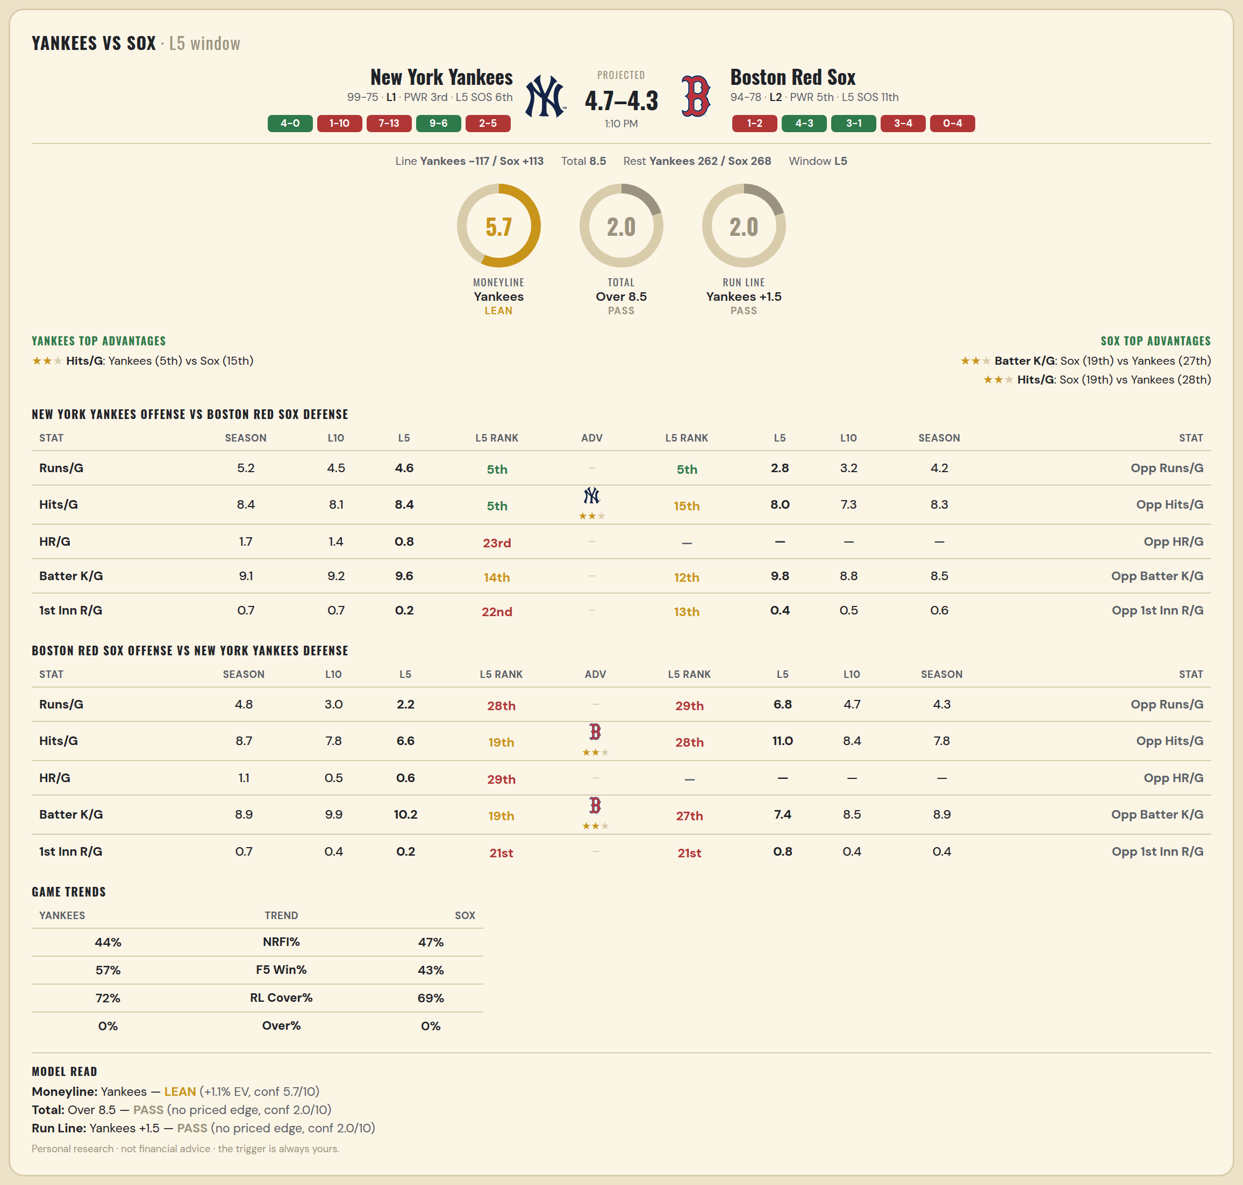

New York Yankees offense vs Boston Red Sox defense
Stat | A Season | A L30 | A L20 | A L15 | A L10 | A L5 | A Rk | Adv | H Rk | H L5 | H L10 | H L15 | H L20 | H L30 | H Season | Opp stat
Runs/G | 5.213 | 4.8 | 5.15 | 4.933 | 4.5 | 4.6 | 5th |  | 5th | 2.8 | 3.2 | 3.533 | 3.55 | 4.167 | 4.203 | Opp Runs/G
Hits/G | 8.443 | 8.167 | 8.65 | 8.667 | 8.1 | 8.4 | 5th | ★★ | 15th | 8 | 7.3 | 7.667 | 8.15 | 8.367 | 8.337 | Opp Hits/G
HR/G | 1.667 | 1.367 | 1.3 | 1.4 | 1.4 | 0.8 | 23rd |  | — | — | — | — | — | — | — | Opp HR/G
Batter K/G | 9.069 | 9.867 | 9.8 | 9.867 | 9.2 | 9.6 | 14th |  | 12th | 9.8 | 8.8 | 9.4 | 9.7 | 9.133 | 8.517 | Opp Batter K/G
1st Inn R/G | 0.69 | 0.8 | 0.8 | 0.733 | 0.7 | 0.2 | 22nd |  | 13th | 0.4 | 0.5 | 0.6 | 0.65 | 0.533 | 0.57 | Opp 1st Inn R/G

Boston Red Sox offense vs New York Yankees defense
Stat | A Season | A L30 | A L20 | A L15 | A L10 | A L5 | A Rk | Adv | H Rk | H L5 | H L10 | H L15 | H L20 | H L30 | H Season | Opp stat
Runs/G | 4.808 | 4.133 | 3.8 | 3.733 | 3 | 2.2 | 28th |  | 29th | 6.8 | 4.7 | 3.667 | 4 | 4.367 | 4.276 | Opp Runs/G
Hits/G | 8.715 | 8.867 | 8.35 | 8.333 | 7.8 | 6.6 | 19th | ★★ | 28th | 11 | 8.4 | 7.267 | 7.4 | 7.967 | 7.753 | Opp Hits/G
HR/G | 1.122 | 0.8 | 0.8 | 0.667 | 0.5 | 0.6 | 29th |  | — | — | — | — | — | — | — | Opp HR/G
Batter K/G | 8.89 | 8.567 | 8.65 | 8.733 | 9.9 | 10.2 | 19th | ★★ | 27th | 7.4 | 8.5 | 8.667 | 8.7 | 8.367 | 8.931 | Opp Batter K/G
1st Inn R/G | 0.663 | 0.633 | 0.8 | 0.4 | 0.4 | 0.2 | 21st |  | 21st | 0.8 | 0.4 | 0.267 | 0.25 | 0.467 | 0.443 | Opp 1st Inn R/G

MLB Rangers @ Jays
Texas Rangers @ Toronto Blue Jays
MLB · 2026-06-27 · L5 window

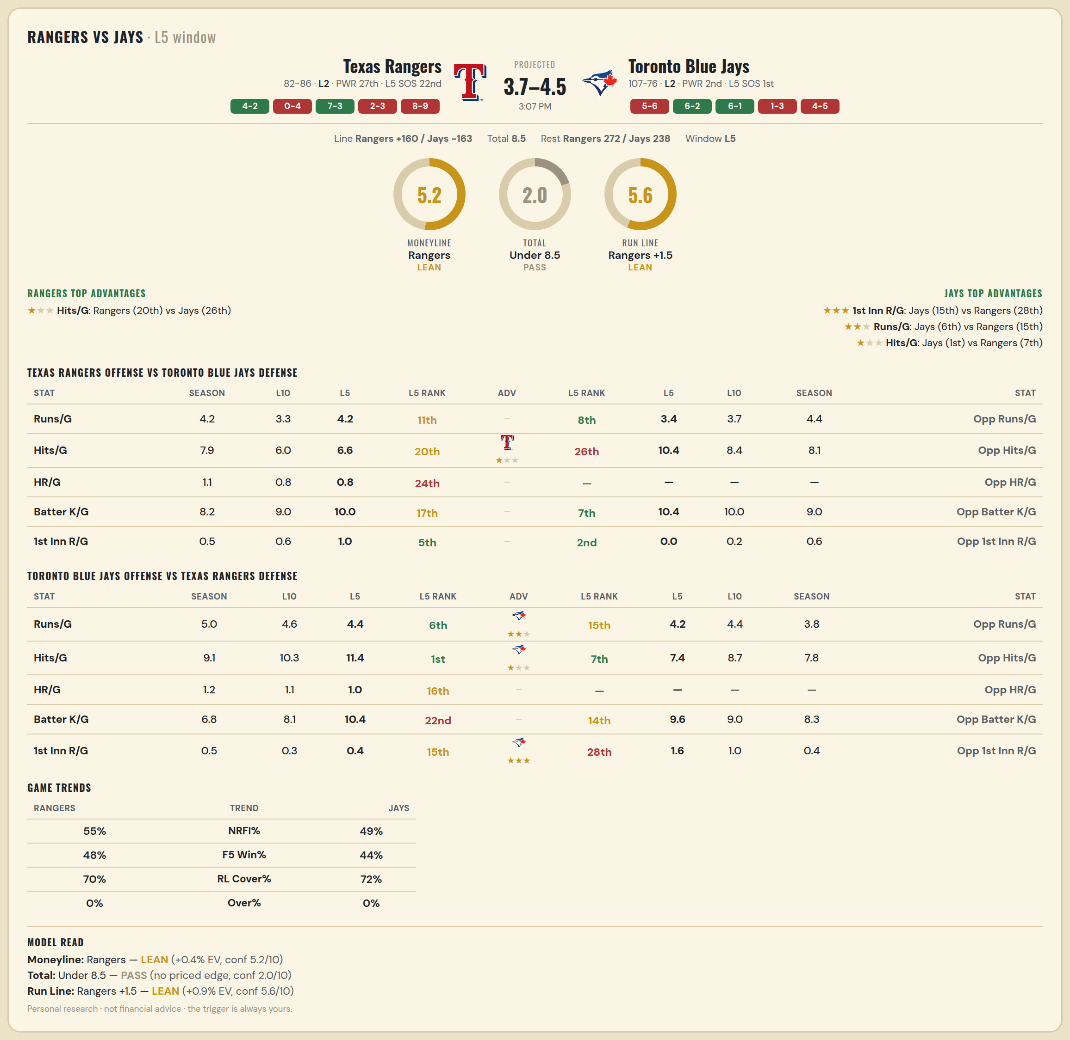

Texas Rangers offense vs Toronto Blue Jays defense
Stat | A Season | A L30 | A L20 | A L15 | A L10 | A L5 | A Rk | Adv | H Rk | H L5 | H L10 | H L15 | H L20 | H L30 | H Season | Opp stat
Runs/G | 4.202 | 4.6 | 3.7 | 3.6 | 3.3 | 4.2 | 11th |  | 8th | 3.4 | 3.7 | 3.867 | 4 | 4.4 | 4.399 | Opp Runs/G
Hits/G | 7.863 | 8 | 6.9 | 7.333 | 6 | 6.6 | 20th | ★ | 26th | 10.4 | 8.4 | 8 | 8.2 | 8.833 | 8.109 | Opp Hits/G
HR/G | 1.095 | 1.1 | 0.85 | 0.8 | 0.8 | 0.8 | 24th |  | — | — | — | — | — | — | — | Opp HR/G
Batter K/G | 8.22 | 8.167 | 8.3 | 8.4 | 9 | 10 | 17th |  | 7th | 10.4 | 10 | 10.2 | 10.3 | 9.133 | 8.967 | Opp Batter K/G
1st Inn R/G | 0.488 | 0.7 | 0.6 | 0.8 | 0.6 | 1 | 5th |  | 2nd | 0 | 0.2 | 0.467 | 0.45 | 0.667 | 0.579 | Opp 1st Inn R/G

Toronto Blue Jays offense vs Texas Rangers defense
Stat | A Season | A L30 | A L20 | A L15 | A L10 | A L5 | A Rk | Adv | H Rk | H L5 | H L10 | H L15 | H L20 | H L30 | H Season | Opp stat
Runs/G | 5.005 | 5.067 | 6.15 | 5.067 | 4.6 | 4.4 | 6th | ★★ | 15th | 4.2 | 4.4 | 4.4 | 4.3 | 4.067 | 3.78 | Opp Runs/G
Hits/G | 9.131 | 9.033 | 10.6 | 10.133 | 10.3 | 11.4 | 1st | ★ | 7th | 7.4 | 8.7 | 8.4 | 8.7 | 8.4 | 7.762 | Opp Hits/G
HR/G | 1.213 | 1.367 | 1.65 | 1.267 | 1.1 | 1 | 16th |  | — | — | — | — | — | — | — | Opp HR/G
Batter K/G | 6.831 | 6.967 | 7.4 | 7.333 | 8.1 | 10.4 | 22nd |  | 14th | 9.6 | 9 | 8.533 | 8.5 | 8.7 | 8.339 | Opp Batter K/G
1st Inn R/G | 0.519 | 0.6 | 0.75 | 0.467 | 0.3 | 0.4 | 15th | ★★★ | 28th | 1.6 | 1 | 0.867 | 0.75 | 0.667 | 0.381 | Opp 1st Inn R/G

MLB Reds @ Pirates
Cincinnati Reds @ Pittsburgh Pirates
MLB · 2026-06-27 · L5 window

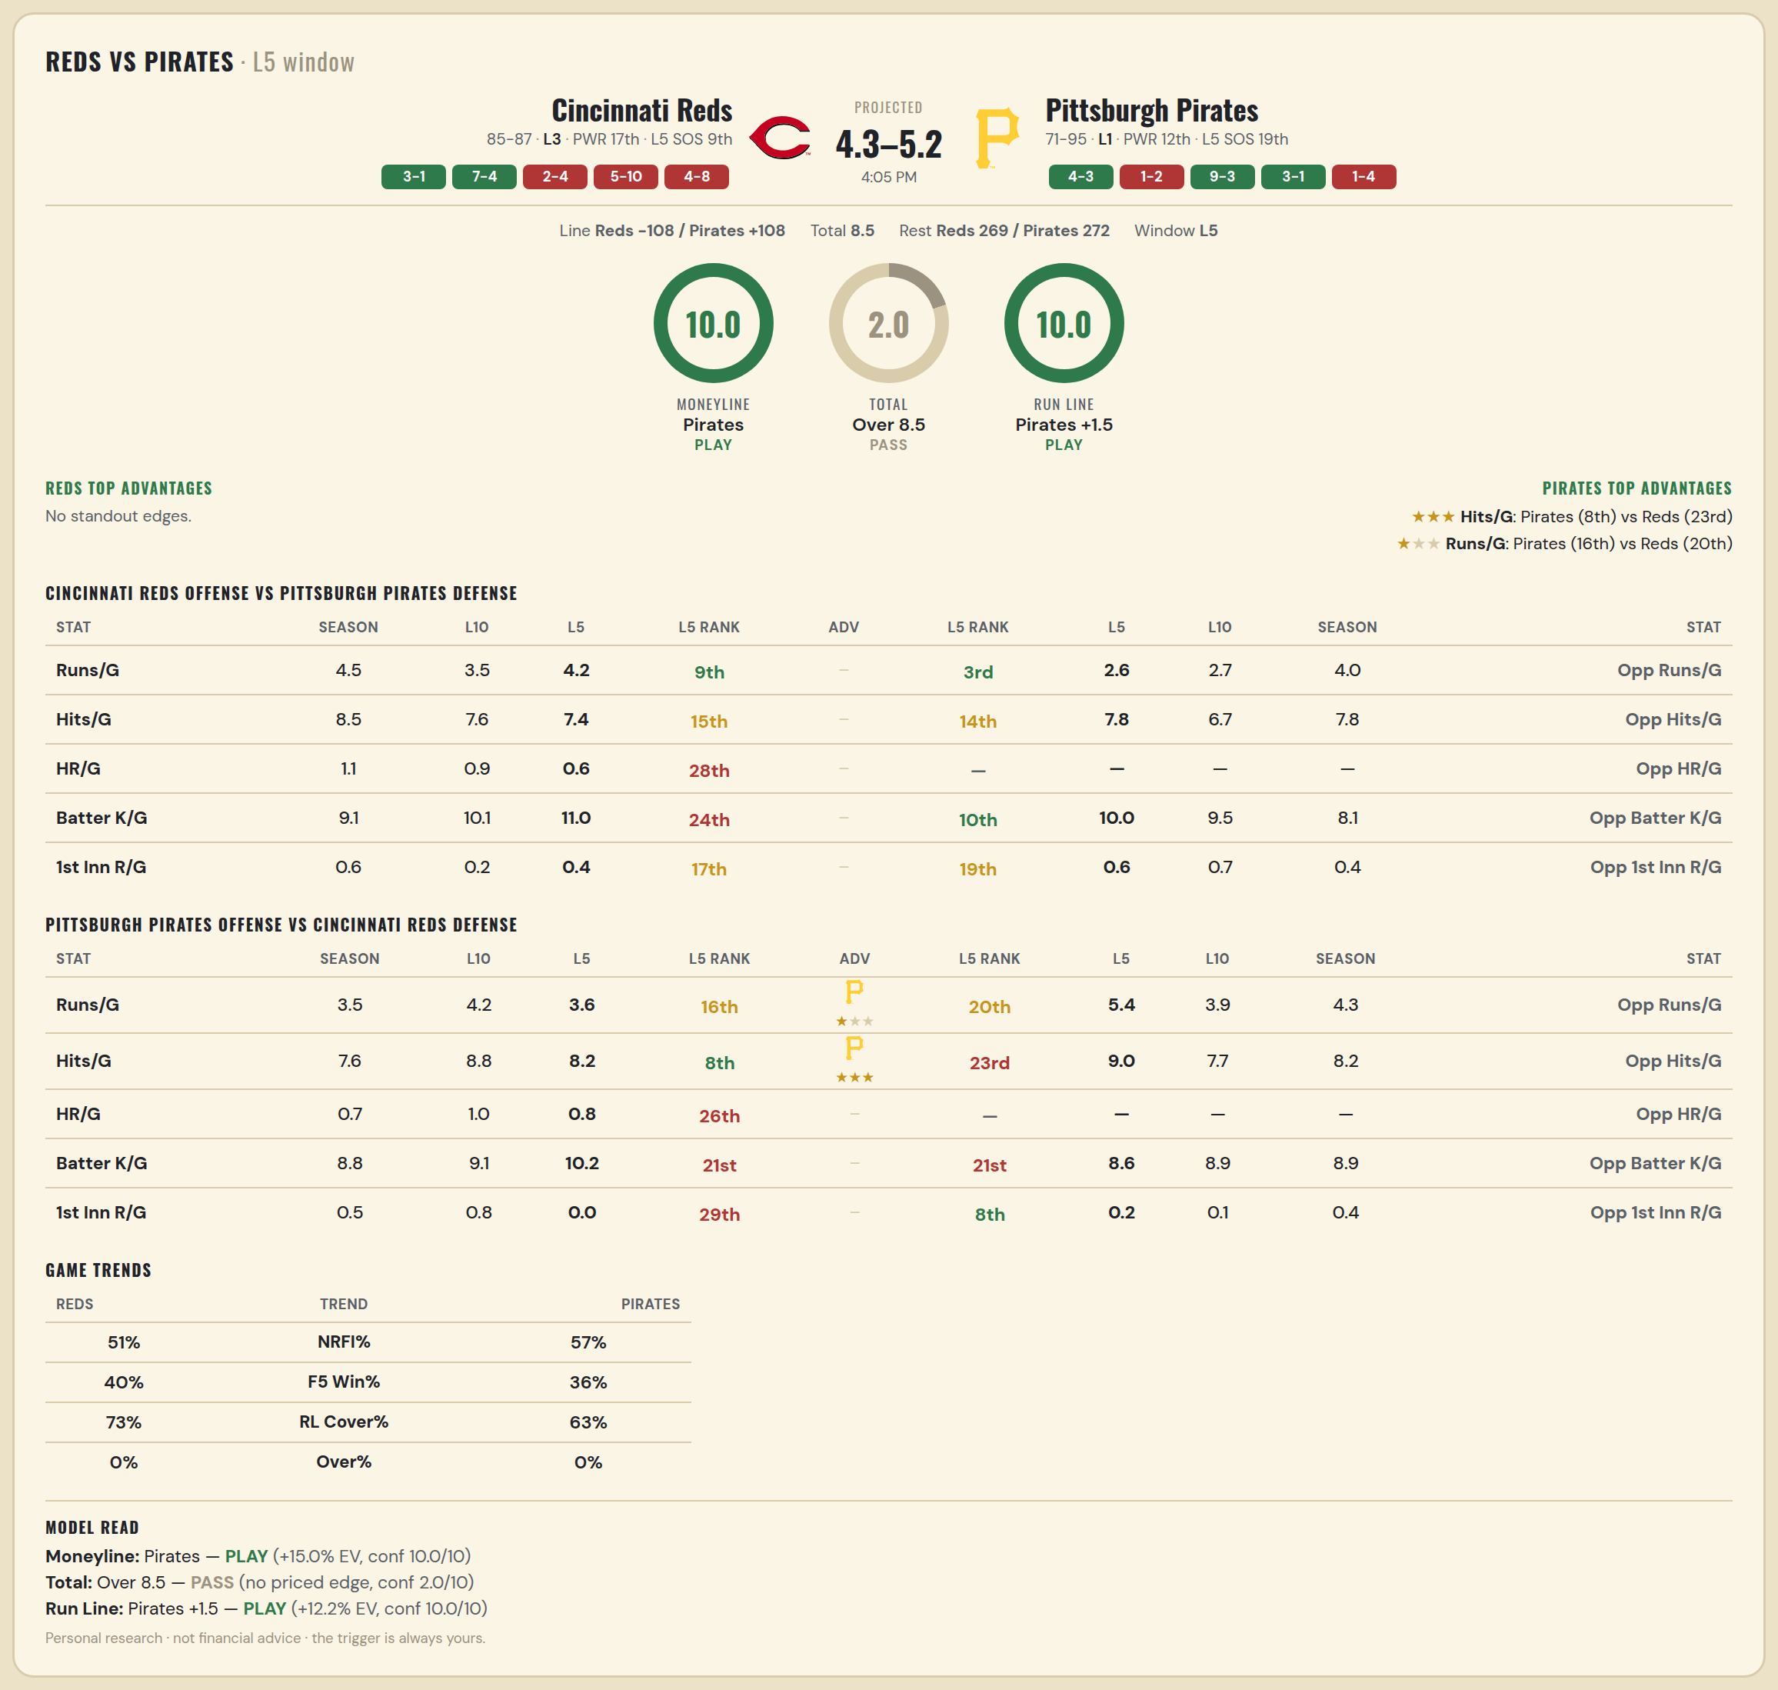

Cincinnati Reds offense vs Pittsburgh Pirates defense
Stat | A Season | A L30 | A L20 | A L15 | A L10 | A L5 | A Rk | Adv | H Rk | H L5 | H L10 | H L15 | H L20 | H L30 | H Season | Opp stat
Runs/G | 4.453 | 4.267 | 3.75 | 4 | 3.5 | 4.2 | 9th |  | 3rd | 2.6 | 2.7 | 3.067 | 3.4 | 3.367 | 3.964 | Opp Runs/G
Hits/G | 8.453 | 7.967 | 7.35 | 7.6 | 7.6 | 7.4 | 15th |  | 14th | 7.8 | 6.7 | 7.2 | 7.5 | 7.467 | 7.765 | Opp Hits/G
HR/G | 1.07 | 1.233 | 1.2 | 1.067 | 0.9 | 0.6 | 28th |  | — | — | — | — | — | — | — | Opp HR/G
Batter K/G | 9.081 | 9.167 | 9.2 | 9.667 | 10.1 | 11 | 24th |  | 10th | 10 | 9.5 | 9.4 | 9.5 | 9.333 | 8.114 | Opp Batter K/G
1st Inn R/G | 0.564 | 0.333 | 0.25 | 0.2 | 0.2 | 0.4 | 17th |  | 19th | 0.6 | 0.7 | 0.6 | 0.75 | 0.533 | 0.422 | Opp 1st Inn R/G

Pittsburgh Pirates offense vs Cincinnati Reds defense
Stat | A Season | A L30 | A L20 | A L15 | A L10 | A L5 | A Rk | Adv | H Rk | H L5 | H L10 | H L15 | H L20 | H L30 | H Season | Opp stat
Runs/G | 3.53 | 3.667 | 3.2 | 3.733 | 4.2 | 3.6 | 16th | ★ | 20th | 5.4 | 3.9 | 3.6 | 3.9 | 4.533 | 4.308 | Opp Runs/G
Hits/G | 7.602 | 7.333 | 7.15 | 7.8 | 8.8 | 8.2 | 8th | ★★★ | 23rd | 9 | 7.7 | 7.467 | 7.45 | 7.933 | 8.244 | Opp Hits/G
HR/G | 0.705 | 0.7 | 0.75 | 0.8 | 1 | 0.8 | 26th |  | — | — | — | — | — | — | — | Opp HR/G
Batter K/G | 8.849 | 9.4 | 9.35 | 8.933 | 9.1 | 10.2 | 21st |  | 21st | 8.6 | 8.9 | 9.067 | 8.55 | 9 | 8.936 | Opp Batter K/G
1st Inn R/G | 0.5 | 0.867 | 0.7 | 0.8 | 0.8 | 0 | 29th |  | 8th | 0.2 | 0.1 | 0.2 | 0.2 | 0.467 | 0.436 | Opp 1st Inn R/G

MLB Phillies @ Mets
Philadelphia Phillies @ New York Mets
MLB · 2026-06-27 · L5 window

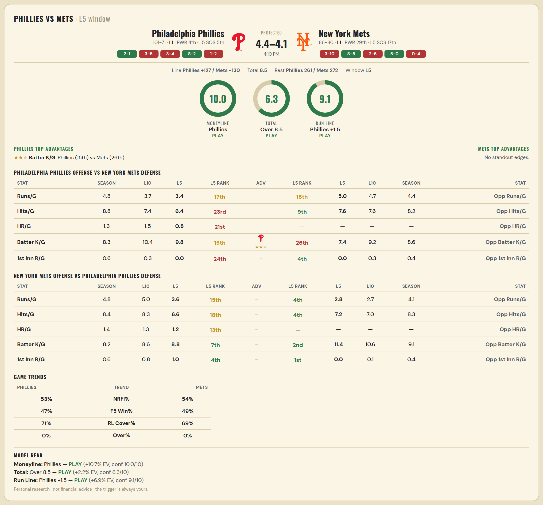

Philadelphia Phillies offense vs New York Mets defense
Stat | A Season | A L30 | A L20 | A L15 | A L10 | A L5 | A Rk | Adv | H Rk | H L5 | H L10 | H L15 | H L20 | H L30 | H Season | Opp stat
Runs/G | 4.802 | 4.8 | 4.5 | 3.933 | 3.7 | 3.4 | 17th |  | 18th | 5 | 4.7 | 4.667 | 5 | 5.367 | 4.386 | Opp Runs/G
Hits/G | 8.802 | 8.767 | 8.15 | 7.733 | 7.4 | 6.4 | 23rd |  | 9th | 7.6 | 7.6 | 8.333 | 8.7 | 9.1 | 8.211 | Opp Hits/G
HR/G | 1.285 | 1.533 | 1.6 | 1.4 | 1.5 | 0.8 | 21st |  | — | — | — | — | — | — | — | Opp HR/G
Batter K/G | 8.273 | 9.5 | 9.6 | 9.933 | 10.4 | 9.8 | 15th | ★★ | 26th | 7.4 | 9.2 | 7.933 | 8.3 | 8.433 | 8.645 | Opp Batter K/G
1st Inn R/G | 0.605 | 0.567 | 0.5 | 0.333 | 0.3 | 0 | 24th |  | 4th | 0 | 0.3 | 0.667 | 0.7 | 0.8 | 0.416 | Opp 1st Inn R/G

New York Mets offense vs Philadelphia Phillies defense
Stat | A Season | A L30 | A L20 | A L15 | A L10 | A L5 | A Rk | Adv | H Rk | H L5 | H L10 | H L15 | H L20 | H L30 | H Season | Opp stat
Runs/G | 4.789 | 5.133 | 4.2 | 4.8 | 5 | 3.6 | 15th |  | 4th | 2.8 | 2.7 | 3.533 | 4 | 3.767 | 4.052 | Opp Runs/G
Hits/G | 8.44 | 8.667 | 7.75 | 8.333 | 8.3 | 6.6 | 18th |  | 4th | 7.2 | 7 | 8 | 8.15 | 7.933 | 8.267 | Opp Hits/G
HR/G | 1.392 | 1.567 | 1.45 | 1.667 | 1.3 | 1.2 | 13th |  | — | — | — | — | — | — | — | Opp HR/G
Batter K/G | 8.199 | 8.9 | 9.6 | 8.867 | 8.6 | 8.8 | 7th |  | 2nd | 11.4 | 10.6 | 9.067 | 8.95 | 8.867 | 9.058 | Opp Batter K/G
1st Inn R/G | 0.578 | 1 | 0.9 | 0.933 | 0.8 | 1 | 4th |  | 1st | 0 | 0.1 | 0.333 | 0.65 | 0.833 | 0.407 | Opp 1st Inn R/G

MLB Royals @ Sox
Kansas City Royals @ Chicago White Sox
MLB · 2026-06-27 · L5 window

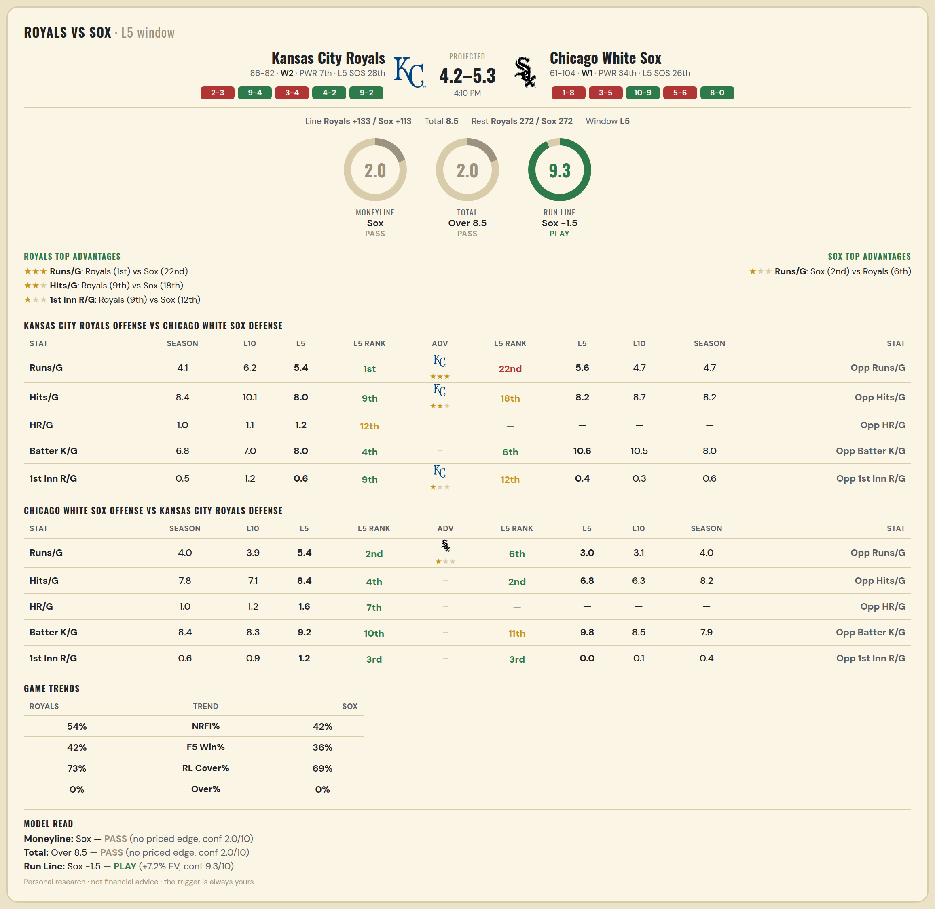

Kansas City Royals offense vs Chicago White Sox defense
Stat | A Season | A L30 | A L20 | A L15 | A L10 | A L5 | A Rk | Adv | H Rk | H L5 | H L10 | H L15 | H L20 | H L30 | H Season | Opp stat
Runs/G | 4.083 | 4.833 | 5.05 | 6.133 | 6.2 | 5.4 | 1st | ★★★ | 22nd | 5.6 | 4.7 | 4.6 | 4.5 | 5.1 | 4.697 | Opp Runs/G
Hits/G | 8.429 | 8.567 | 9.05 | 10.2 | 10.1 | 8 | 9th | ★★ | 18th | 8.2 | 8.7 | 8.333 | 7.85 | 8.4 | 8.23 | Opp Hits/G
HR/G | 0.97 | 1.1 | 1.05 | 1.333 | 1.1 | 1.2 | 12th |  | — | — | — | — | — | — | — | Opp HR/G
Batter K/G | 6.768 | 6.533 | 6.8 | 6.667 | 7 | 8 | 4th |  | 6th | 10.6 | 10.5 | 9.267 | 9.3 | 9.333 | 8.03 | Opp Batter K/G
1st Inn R/G | 0.542 | 1 | 1.1 | 1.267 | 1.2 | 0.6 | 9th | ★ | 12th | 0.4 | 0.3 | 0.2 | 0.4 | 0.5 | 0.648 | Opp 1st Inn R/G

Chicago White Sox offense vs Kansas City Royals defense
Stat | A Season | A L30 | A L20 | A L15 | A L10 | A L5 | A Rk | Adv | H Rk | H L5 | H L10 | H L15 | H L20 | H L30 | H Season | Opp stat
Runs/G | 4.03 | 4.133 | 3.55 | 3.333 | 3.9 | 5.4 | 2nd | ★ | 6th | 3 | 3.1 | 4.467 | 4.5 | 4.033 | 4.012 | Opp Runs/G
Hits/G | 7.782 | 7.567 | 6.65 | 6.533 | 7.1 | 8.4 | 4th |  | 2nd | 6.8 | 6.3 | 7.867 | 8.1 | 7.9 | 8.185 | Opp Hits/G
HR/G | 1.018 | 1.1 | 0.9 | 1 | 1.2 | 1.6 | 7th |  | — | — | — | — | — | — | — | Opp HR/G
Batter K/G | 8.442 | 9.1 | 9.2 | 9.2 | 8.3 | 9.2 | 10th |  | 11th | 9.8 | 8.5 | 7.933 | 8.05 | 8.067 | 7.857 | Opp Batter K/G
1st Inn R/G | 0.594 | 0.633 | 0.9 | 0.867 | 0.9 | 1.2 | 3rd |  | 3rd | 0 | 0.1 | 0.467 | 0.6 | 0.5 | 0.399 | Opp 1st Inn R/G

MLB Diamondbacks @ Rays
Arizona Diamondbacks @ Tampa Bay Rays
MLB · 2026-06-27 · L5 window

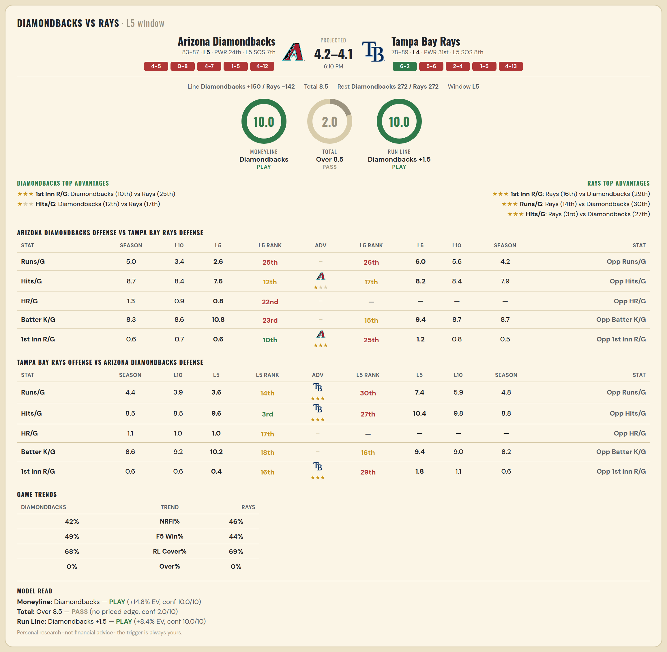

Arizona Diamondbacks offense vs Tampa Bay Rays defense
Stat | A Season | A L30 | A L20 | A L15 | A L10 | A L5 | A Rk | Adv | H Rk | H L5 | H L10 | H L15 | H L20 | H L30 | H Season | Opp stat
Runs/G | 4.976 | 4.7 | 4.45 | 4.467 | 3.4 | 2.6 | 25th |  | 26th | 6 | 5.6 | 4.867 | 4.8 | 4.3 | 4.234 | Opp Runs/G
Hits/G | 8.688 | 8.7 | 8.85 | 9 | 8.4 | 7.6 | 12th | ★ | 17th | 8.2 | 8.4 | 8.067 | 8.05 | 7.8 | 7.868 | Opp Hits/G
HR/G | 1.329 | 1.033 | 0.85 | 1 | 0.9 | 0.8 | 22nd |  | — | — | — | — | — | — | — | Opp HR/G
Batter K/G | 8.265 | 8.467 | 8.35 | 8.4 | 8.6 | 10.8 | 23rd |  | 15th | 9.4 | 8.7 | 8.333 | 8.8 | 9.5 | 8.737 | Opp Batter K/G
1st Inn R/G | 0.612 | 0.467 | 0.5 | 0.6 | 0.7 | 0.6 | 10th | ★★★ | 25th | 1.2 | 0.8 | 0.667 | 0.65 | 0.467 | 0.473 | Opp 1st Inn R/G

Tampa Bay Rays offense vs Arizona Diamondbacks defense
Stat | A Season | A L30 | A L20 | A L15 | A L10 | A L5 | A Rk | Adv | H Rk | H L5 | H L10 | H L15 | H L20 | H L30 | H Season | Opp stat
Runs/G | 4.437 | 4.033 | 3.55 | 3.667 | 3.9 | 3.6 | 14th | ★★★ | 30th | 7.4 | 5.9 | 5.333 | 5.35 | 4.767 | 4.847 | Opp Runs/G
Hits/G | 8.521 | 8.4 | 8.3 | 8.667 | 8.5 | 9.6 | 3rd | ★★★ | 27th | 10.4 | 9.8 | 9.133 | 8.75 | 8.567 | 8.841 | Opp Hits/G
HR/G | 1.114 | 1.133 | 1.15 | 1 | 1 | 1 | 17th |  | — | — | — | — | — | — | — | Opp HR/G
Batter K/G | 8.611 | 8.967 | 9.5 | 9.667 | 9.2 | 10.2 | 18th |  | 16th | 9.4 | 9 | 8.333 | 7.9 | 7.8 | 8.2 | Opp Batter K/G
1st Inn R/G | 0.587 | 0.867 | 0.7 | 0.667 | 0.6 | 0.4 | 16th | ★★★ | 29th | 1.8 | 1.1 | 1 | 0.9 | 0.733 | 0.641 | Opp 1st Inn R/G

MLB Nationals @ Orioles
Washington Nationals @ Baltimore Orioles
MLB · 2026-06-27 · L5 window

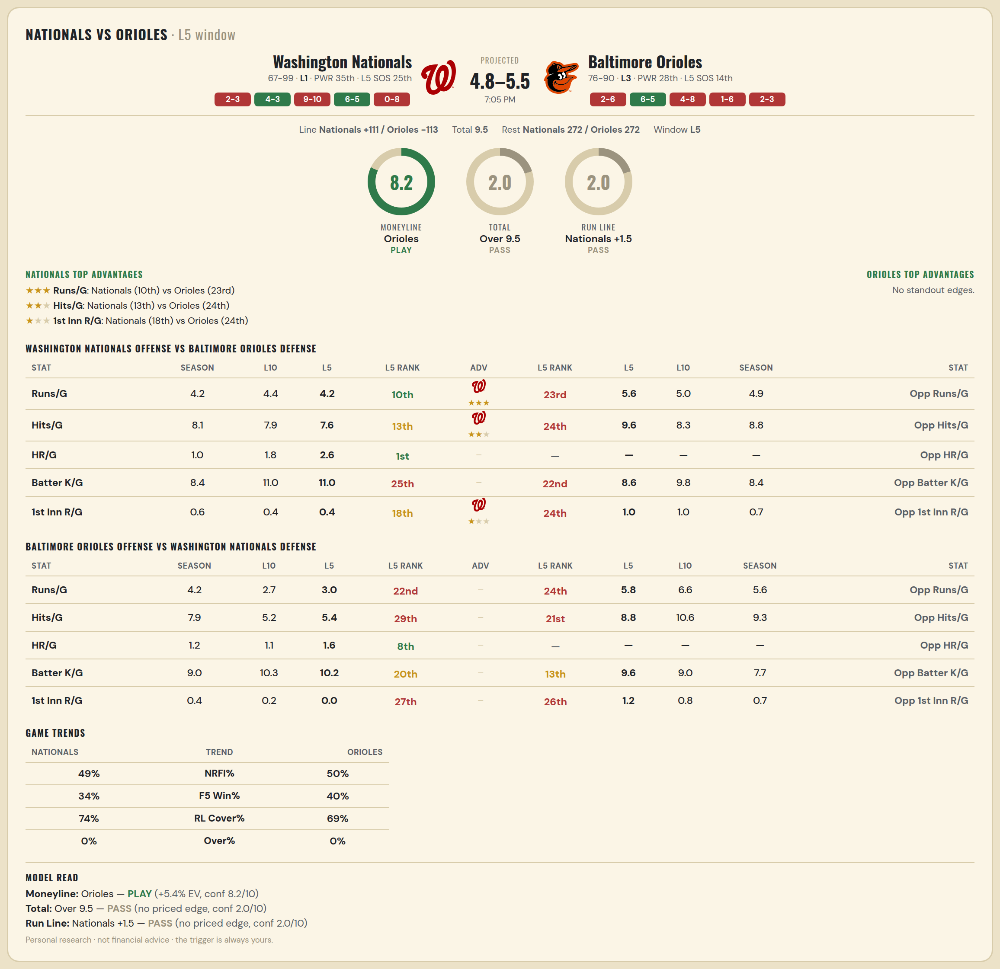

Washington Nationals offense vs Baltimore Orioles defense
Stat | A Season | A L30 | A L20 | A L15 | A L10 | A L5 | A Rk | Adv | H Rk | H L5 | H L10 | H L15 | H L20 | H L30 | H Season | Opp stat
Runs/G | 4.205 | 4.133 | 4.3 | 3.667 | 4.4 | 4.2 | 10th | ★★★ | 23rd | 5.6 | 5 | 5 | 4.55 | 4.667 | 4.886 | Opp Runs/G
Hits/G | 8.054 | 7.833 | 8.1 | 7.2 | 7.9 | 7.6 | 13th | ★★ | 24th | 9.6 | 8.3 | 8.4 | 8.1 | 8.567 | 8.837 | Opp Hits/G
HR/G | 0.976 | 1.2 | 1.35 | 1.267 | 1.8 | 2.6 | 1st |  | — | — | — | — | — | — | — | Opp HR/G
Batter K/G | 8.373 | 9.8 | 10 | 10.733 | 11 | 11 | 25th |  | 22nd | 8.6 | 9.8 | 9.467 | 9.3 | 8.733 | 8.398 | Opp Batter K/G
1st Inn R/G | 0.584 | 0.4 | 0.35 | 0.267 | 0.4 | 0.4 | 18th | ★ | 24th | 1 | 1 | 0.867 | 0.8 | 0.8 | 0.657 | Opp 1st Inn R/G

Baltimore Orioles offense vs Washington Nationals defense
Stat | A Season | A L30 | A L20 | A L15 | A L10 | A L5 | A Rk | Adv | H Rk | H L5 | H L10 | H L15 | H L20 | H L30 | H Season | Opp stat
Runs/G | 4.181 | 3.567 | 2.95 | 3.2 | 2.7 | 3 | 22nd |  | 24th | 5.8 | 6.6 | 6.4 | 6.3 | 5.8 | 5.566 | Opp Runs/G
Hits/G | 7.861 | 6.9 | 6.2 | 6.2 | 5.2 | 5.4 | 29th |  | 21st | 8.8 | 10.6 | 10.2 | 10.05 | 9 | 9.259 | Opp Hits/G
HR/G | 1.175 | 1.067 | 0.95 | 1.2 | 1.1 | 1.6 | 8th |  | — | — | — | — | — | — | — | Opp HR/G
Batter K/G | 9.048 | 10.333 | 10.35 | 10 | 10.3 | 10.2 | 20th |  | 13th | 9.6 | 9 | 8.333 | 7.75 | 8.233 | 7.729 | Opp Batter K/G
1st Inn R/G | 0.428 | 0.333 | 0.35 | 0.333 | 0.2 | 0 | 27th |  | 26th | 1.2 | 0.8 | 0.733 | 0.65 | 0.8 | 0.717 | Opp 1st Inn R/G

MLB Mariners @ Guardians
Seattle Mariners @ Cleveland Guardians
MLB · 2026-06-27 · L5 window

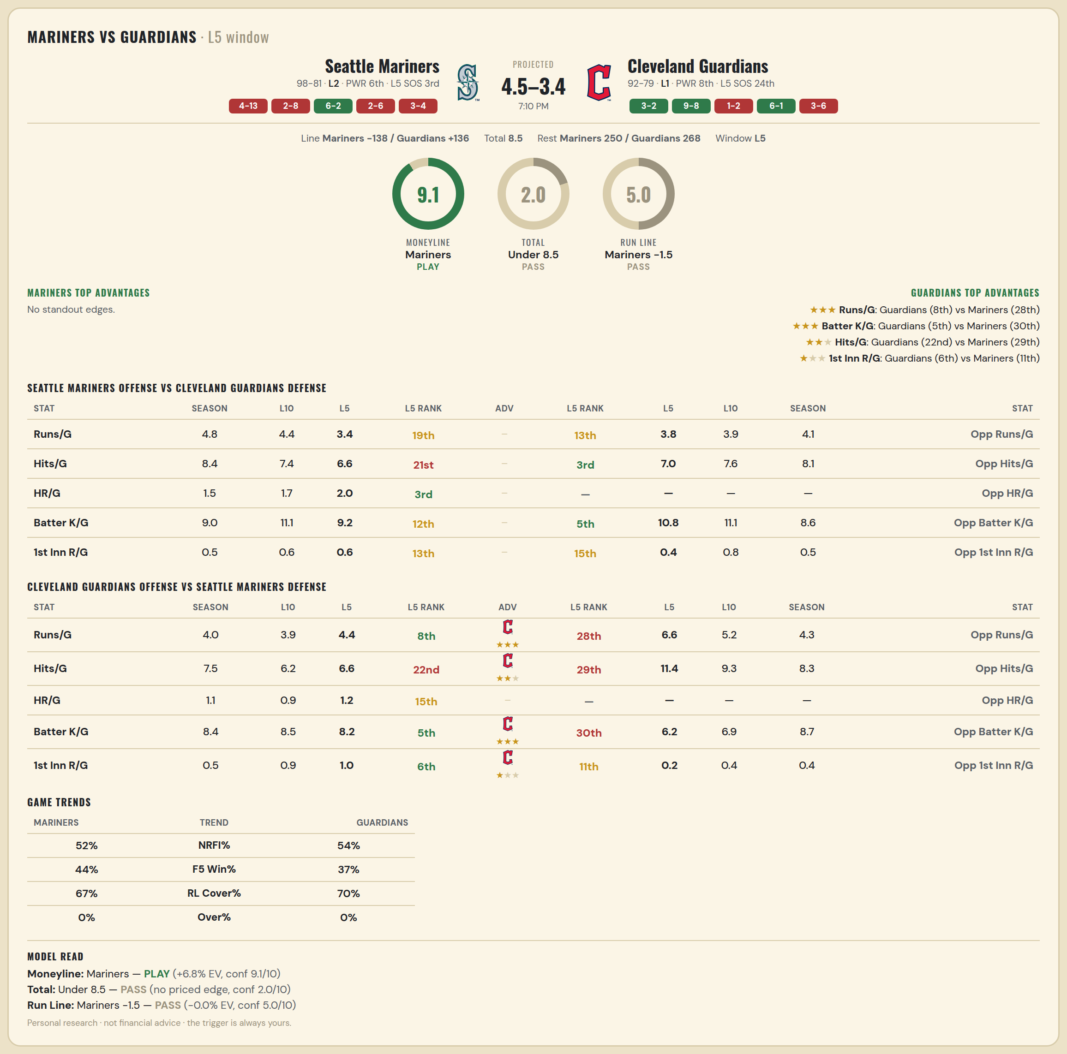

Seattle Mariners offense vs Cleveland Guardians defense
Stat | A Season | A L30 | A L20 | A L15 | A L10 | A L5 | A Rk | Adv | H Rk | H L5 | H L10 | H L15 | H L20 | H L30 | H Season | Opp stat
Runs/G | 4.782 | 4.8 | 4.35 | 3.667 | 4.4 | 3.4 | 19th |  | 13th | 3.8 | 3.9 | 2.8 | 2.6 | 2.8 | 4.064 | Opp Runs/G
Hits/G | 8.352 | 8.2 | 7.65 | 7.267 | 7.4 | 6.6 | 21st |  | 3rd | 7 | 7.6 | 6.533 | 6.35 | 7.067 | 8.14 | Opp Hits/G
HR/G | 1.503 | 1.6 | 1.55 | 1.4 | 1.7 | 2 | 3rd |  | — | — | — | — | — | — | — | Opp HR/G
Batter K/G | 9.039 | 9.933 | 10.8 | 11.333 | 11.1 | 9.2 | 12th |  | 5th | 10.8 | 11.1 | 11.267 | 10.95 | 9.733 | 8.614 | Opp Batter K/G
1st Inn R/G | 0.52 | 0.6 | 0.55 | 0.467 | 0.6 | 0.6 | 13th |  | 15th | 0.4 | 0.8 | 0.533 | 0.55 | 0.5 | 0.497 | Opp 1st Inn R/G

Cleveland Guardians offense vs Seattle Mariners defense
Stat | A Season | A L30 | A L20 | A L15 | A L10 | A L5 | A Rk | Adv | H Rk | H L5 | H L10 | H L15 | H L20 | H L30 | H Season | Opp stat
Runs/G | 3.994 | 4.467 | 4.3 | 4.4 | 3.9 | 4.4 | 8th | ★★★ | 28th | 6.6 | 5.2 | 4.733 | 4.25 | 3.8 | 4.346 | Opp Runs/G
Hits/G | 7.491 | 7.767 | 7.15 | 7.133 | 6.2 | 6.6 | 22nd | ★★ | 29th | 11.4 | 9.3 | 8.267 | 7.95 | 7.767 | 8.291 | Opp Hits/G
HR/G | 1.058 | 1.133 | 1.15 | 1.067 | 0.9 | 1.2 | 15th |  | — | — | — | — | — | — | — | Opp HR/G
Batter K/G | 8.415 | 8.367 | 8.2 | 8.6 | 8.5 | 8.2 | 5th | ★★★ | 30th | 6.2 | 6.9 | 8.333 | 8.8 | 9.7 | 8.693 | Opp Batter K/G
1st Inn R/G | 0.491 | 0.567 | 0.6 | 0.8 | 0.9 | 1 | 6th | ★ | 11th | 0.2 | 0.4 | 0.267 | 0.2 | 0.267 | 0.441 | Opp 1st Inn R/G

MLB Rockies @ Twins
Colorado Rockies @ Minnesota Twins
MLB · 2026-06-27 · L5 window

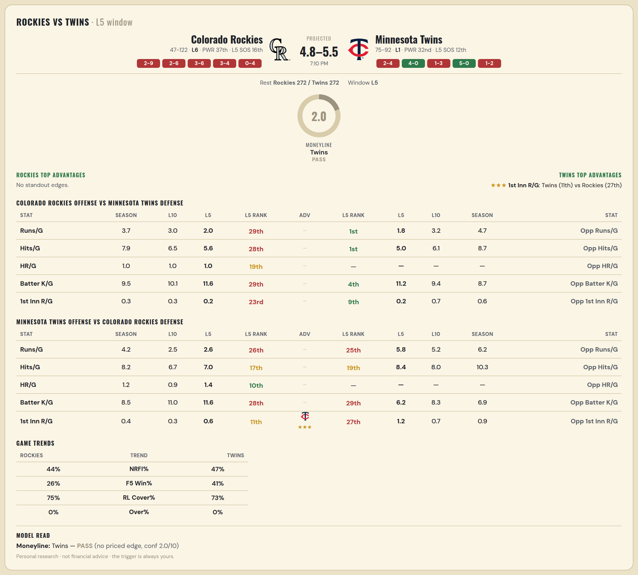

Colorado Rockies offense vs Minnesota Twins defense
Stat | A Season | A L30 | A L20 | A L15 | A L10 | A L5 | A Rk | Adv | H Rk | H L5 | H L10 | H L15 | H L20 | H L30 | H Season | Opp stat
Runs/G | 3.728 | 3.333 | 2.8 | 3.467 | 3 | 2 | 29th |  | 1st | 1.8 | 3.2 | 4.2 | 4.55 | 5.467 | 4.713 | Opp Runs/G
Hits/G | 7.899 | 7.567 | 6.35 | 7.267 | 6.5 | 5.6 | 28th |  | 1st | 5 | 6.1 | 7.333 | 7.7 | 8.733 | 8.749 | Opp Hits/G
HR/G | 1.006 | 0.867 | 0.85 | 1.067 | 1 | 1 | 19th |  | — | — | — | — | — | — | — | Opp HR/G
Batter K/G | 9.527 | 10.1 | 10.65 | 9.933 | 10.1 | 11.6 | 29th |  | 4th | 11.2 | 9.4 | 9.667 | 9.15 | 8.967 | 8.707 | Opp Batter K/G
1st Inn R/G | 0.325 | 0.133 | 0.2 | 0.267 | 0.3 | 0.2 | 23rd |  | 9th | 0.2 | 0.7 | 0.667 | 0.7 | 0.633 | 0.563 | Opp 1st Inn R/G

Minnesota Twins offense vs Colorado Rockies defense
Stat | A Season | A L30 | A L20 | A L15 | A L10 | A L5 | A Rk | Adv | H Rk | H L5 | H L10 | H L15 | H L20 | H L30 | H Season | Opp stat
Runs/G | 4.234 | 4.333 | 4.15 | 3.467 | 2.5 | 2.6 | 26th |  | 25th | 5.8 | 5.2 | 5.867 | 5.85 | 6 | 6.213 | Opp Runs/G
Hits/G | 8.246 | 8.267 | 7.9 | 7.533 | 6.7 | 7 | 17th |  | 19th | 8.4 | 8 | 8.867 | 9.05 | 9.433 | 10.325 | Opp Hits/G
HR/G | 1.168 | 1.167 | 1.25 | 1 | 0.9 | 1.4 | 10th |  | — | — | — | — | — | — | — | Opp HR/G
Batter K/G | 8.467 | 9.2 | 10 | 10 | 11 | 11.6 | 28th |  | 29th | 6.2 | 8.3 | 7.2 | 7.1 | 7.233 | 6.876 | Opp Batter K/G
1st Inn R/G | 0.395 | 0.3 | 0.25 | 0.267 | 0.3 | 0.6 | 11th | ★★★ | 27th | 1.2 | 0.7 | 0.8 | 0.7 | 0.7 | 0.882 | Opp 1st Inn R/G

