MLB Brewers @ Cardinals
Milwaukee Brewers @ St. Louis Cardinals
MLB · 2026-07-07 · L5 window

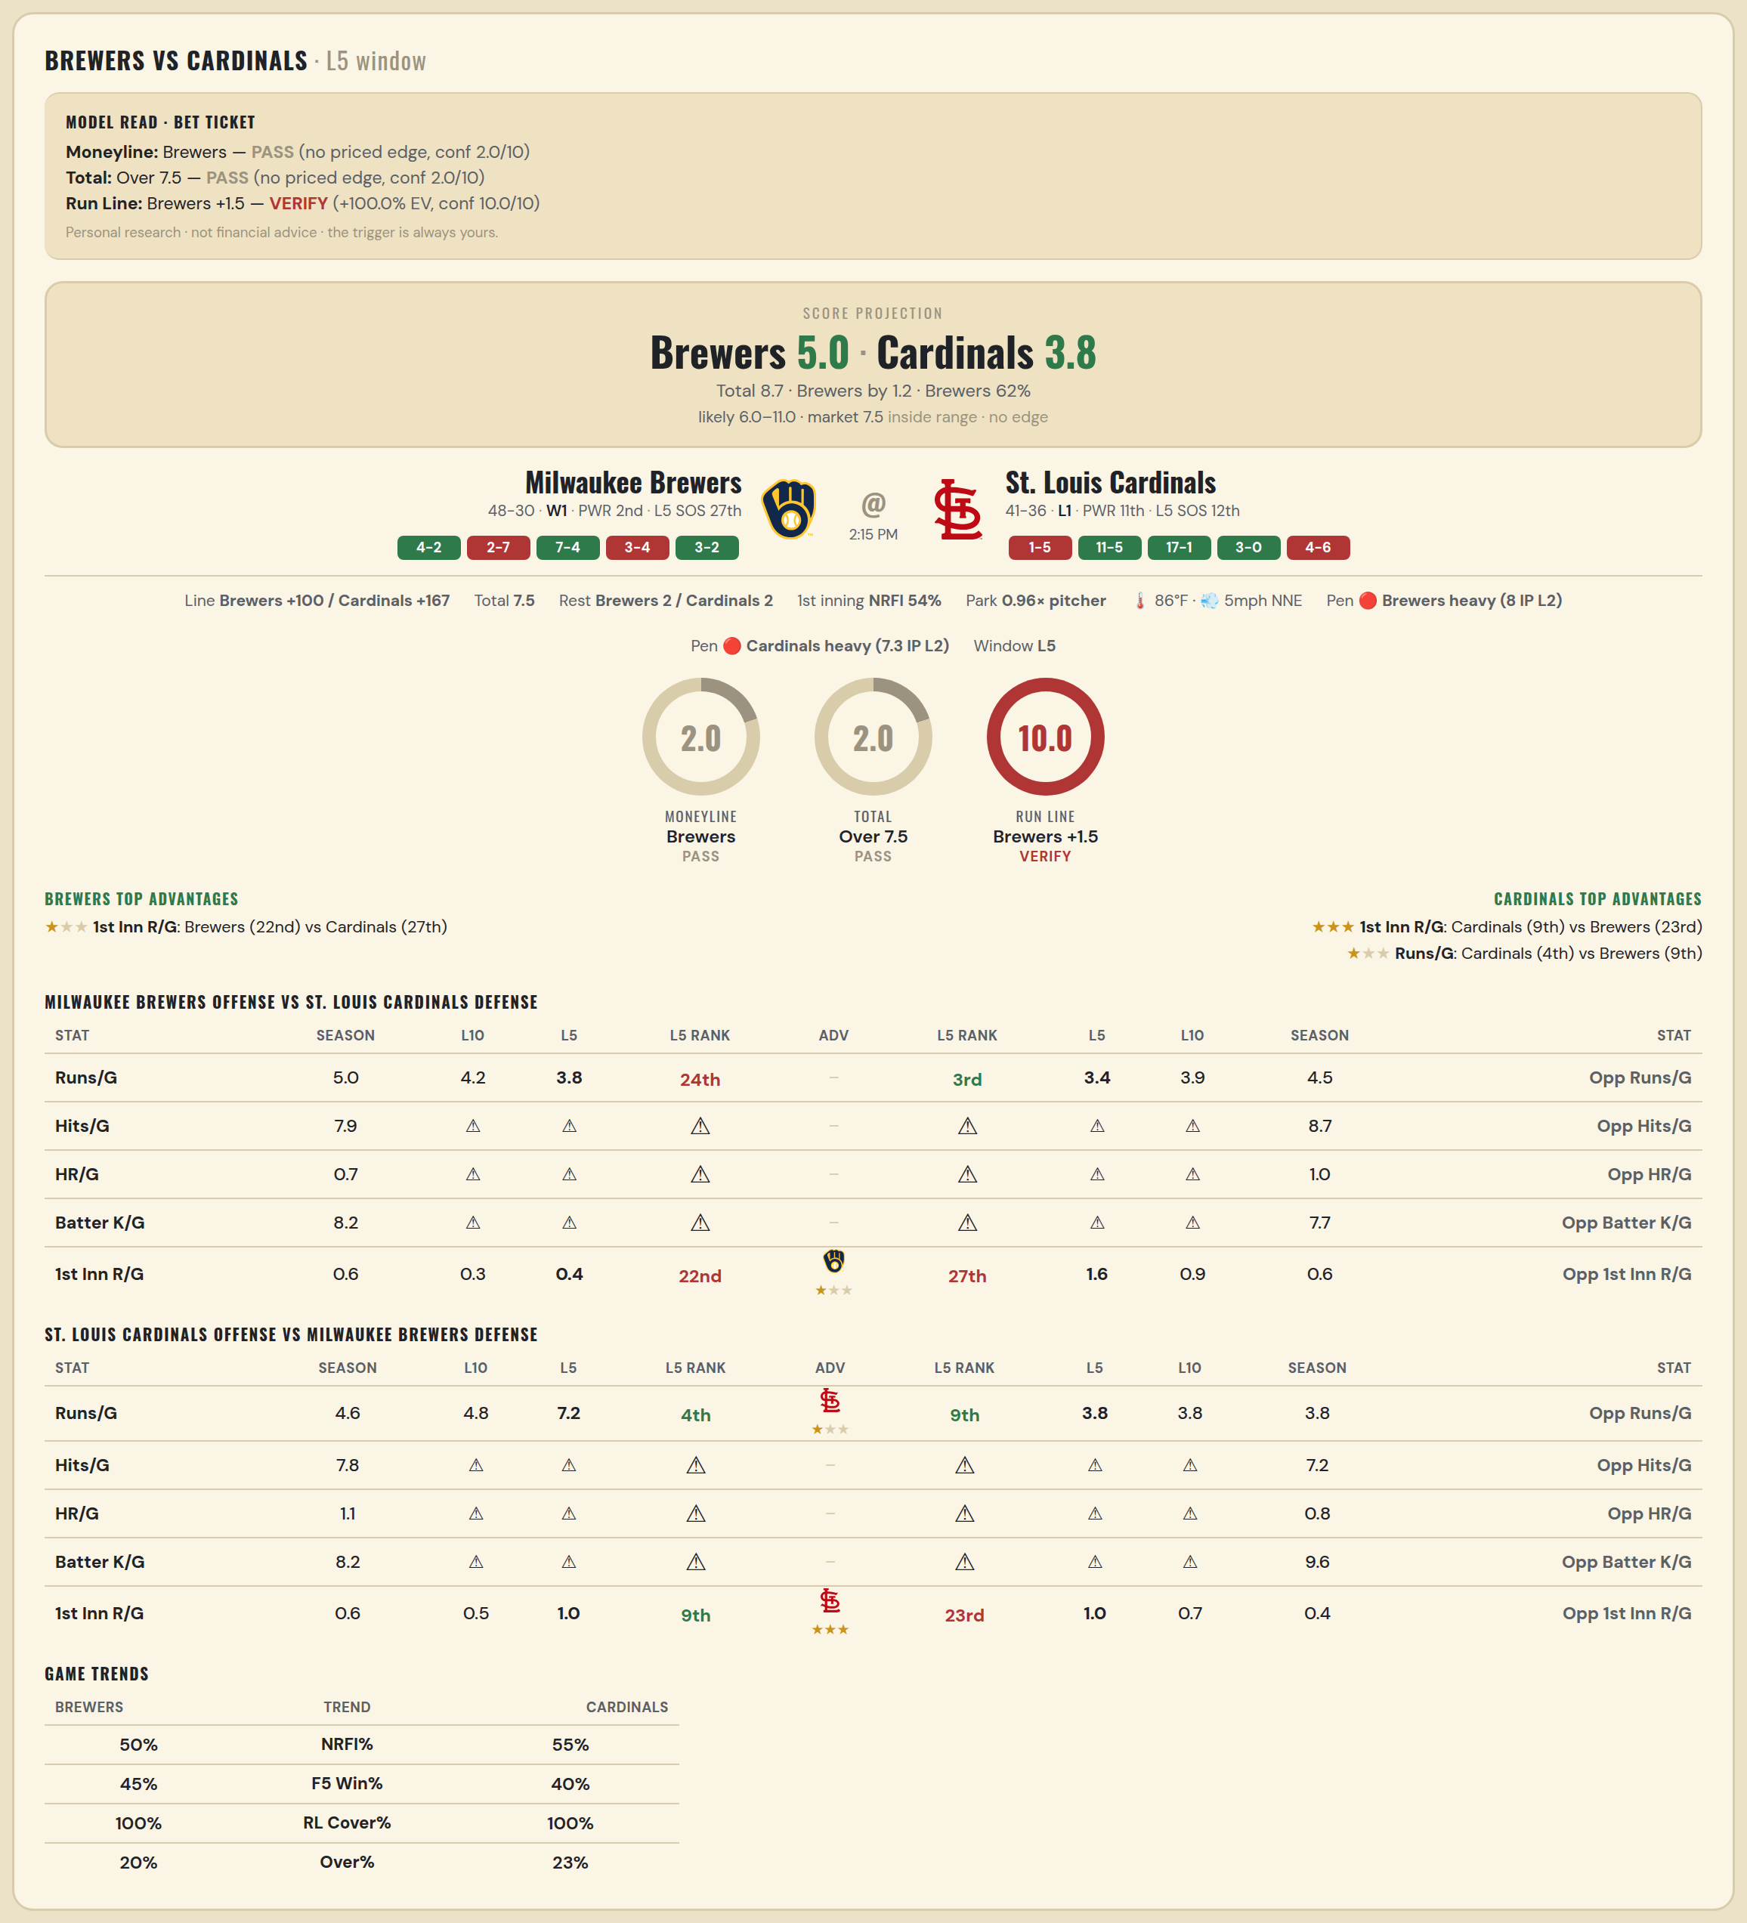

Milwaukee Brewers offense vs St. Louis Cardinals defense
Stat | A Season | A L30 | A L20 | A L15 | A L10 | A L5 | A Rk | Adv | H Rk | H L5 | H L10 | H L15 | H L20 | H L30 | H Season | Opp stat
Runs/G | 5.013 | 5.233 | 4.15 | 4.267 | 4.2 | 3.8 | 24th |  | 3rd | 3.4 | 3.9 | 5 | 4.7 | 4.433 | 4.481 | Opp Runs/G
Hits/G | 7.935 | — | — | — | — | — | — |  | — | — | — | — | — | 8.5 | 8.652 | Opp Hits/G
HR/G | 0.739 | — | — | — | — | — | — |  | — | — | — | — | — | 0 | 1.043 | Opp HR/G
Batter K/G | 8.152 | — | — | — | — | — | — |  | — | — | — | — | — | 10 | 7.739 | Opp Batter K/G
1st Inn R/G | 0.566 | 0.467 | 0.35 | 0.2 | 0.3 | 0.4 | 22nd | ★ | 27th | 1.6 | 0.9 | 0.8 | 0.65 | 0.667 | 0.608 | Opp 1st Inn R/G

St. Louis Cardinals offense vs Milwaukee Brewers defense
Stat | A Season | A L30 | A L20 | A L15 | A L10 | A L5 | A Rk | Adv | H Rk | H L5 | H L10 | H L15 | H L20 | H L30 | H Season | Opp stat
Runs/G | 4.61 | 5.2 | 4.85 | 5.133 | 4.8 | 7.2 | 4th | ★ | 9th | 3.8 | 3.8 | 3.467 | 3.2 | 4.1 | 3.795 | Opp Runs/G
Hits/G | 7.826 | 9 | — | — | — | — | — |  | — | — | — | — | — | — | 7.174 | Opp Hits/G
HR/G | 1.109 | 1 | — | — | — | — | — |  | — | — | — | — | — | — | 0.761 | Opp HR/G
Batter K/G | 8.196 | 12 | — | — | — | — | — |  | — | — | — | — | — | — | 9.63 | Opp Batter K/G
1st Inn R/G | 0.554 | 0.733 | 0.75 | 0.867 | 0.5 | 1 | 9th | ★★★ | 23rd | 1 | 0.7 | 0.533 | 0.4 | 0.533 | 0.447 | Opp 1st Inn R/G

MLB Brewers @ Cardinals 2
Milwaukee Brewers @ St. Louis Cardinals
MLB · 2026-07-07 · L5 window

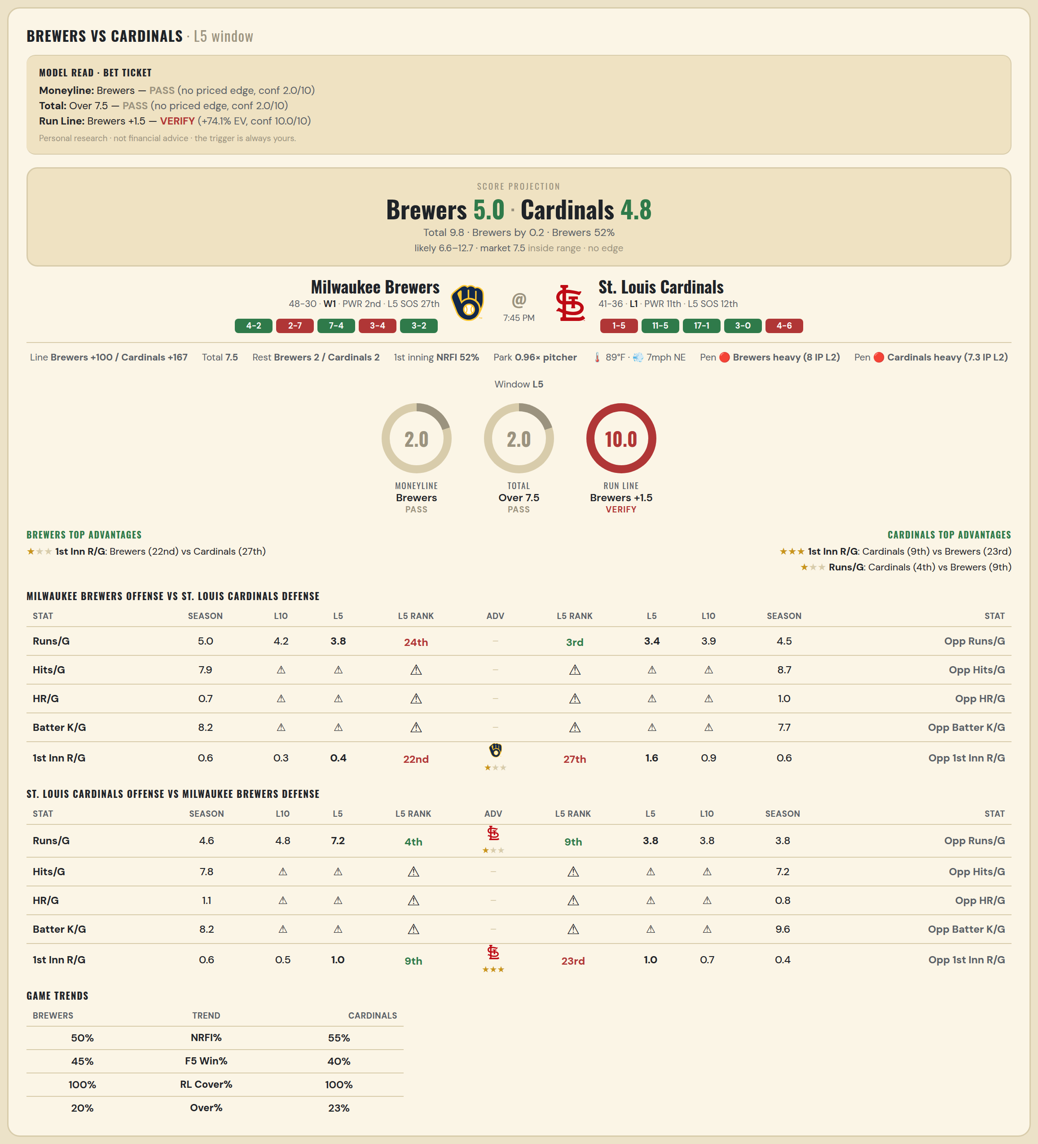

Milwaukee Brewers offense vs St. Louis Cardinals defense
Stat | A Season | A L30 | A L20 | A L15 | A L10 | A L5 | A Rk | Adv | H Rk | H L5 | H L10 | H L15 | H L20 | H L30 | H Season | Opp stat
Runs/G | 5.013 | 5.233 | 4.15 | 4.267 | 4.2 | 3.8 | 24th |  | 3rd | 3.4 | 3.9 | 5 | 4.7 | 4.433 | 4.481 | Opp Runs/G
Hits/G | 7.935 | — | — | — | — | — | — |  | — | — | — | — | — | 8.5 | 8.652 | Opp Hits/G
HR/G | 0.739 | — | — | — | — | — | — |  | — | — | — | — | — | 0 | 1.043 | Opp HR/G
Batter K/G | 8.152 | — | — | — | — | — | — |  | — | — | — | — | — | 10 | 7.739 | Opp Batter K/G
1st Inn R/G | 0.566 | 0.467 | 0.35 | 0.2 | 0.3 | 0.4 | 22nd | ★ | 27th | 1.6 | 0.9 | 0.8 | 0.65 | 0.667 | 0.608 | Opp 1st Inn R/G

St. Louis Cardinals offense vs Milwaukee Brewers defense
Stat | A Season | A L30 | A L20 | A L15 | A L10 | A L5 | A Rk | Adv | H Rk | H L5 | H L10 | H L15 | H L20 | H L30 | H Season | Opp stat
Runs/G | 4.61 | 5.2 | 4.85 | 5.133 | 4.8 | 7.2 | 4th | ★ | 9th | 3.8 | 3.8 | 3.467 | 3.2 | 4.1 | 3.795 | Opp Runs/G
Hits/G | 7.826 | 9 | — | — | — | — | — |  | — | — | — | — | — | — | 7.174 | Opp Hits/G
HR/G | 1.109 | 1 | — | — | — | — | — |  | — | — | — | — | — | — | 0.761 | Opp HR/G
Batter K/G | 8.196 | 12 | — | — | — | — | — |  | — | — | — | — | — | — | 9.63 | Opp Batter K/G
1st Inn R/G | 0.554 | 0.733 | 0.75 | 0.867 | 0.5 | 1 | 9th | ★★★ | 23rd | 1 | 0.7 | 0.533 | 0.4 | 0.533 | 0.447 | Opp 1st Inn R/G

MLB Cubs @ Orioles
Chicago Cubs @ Baltimore Orioles
MLB · 2026-07-07 · L5 window

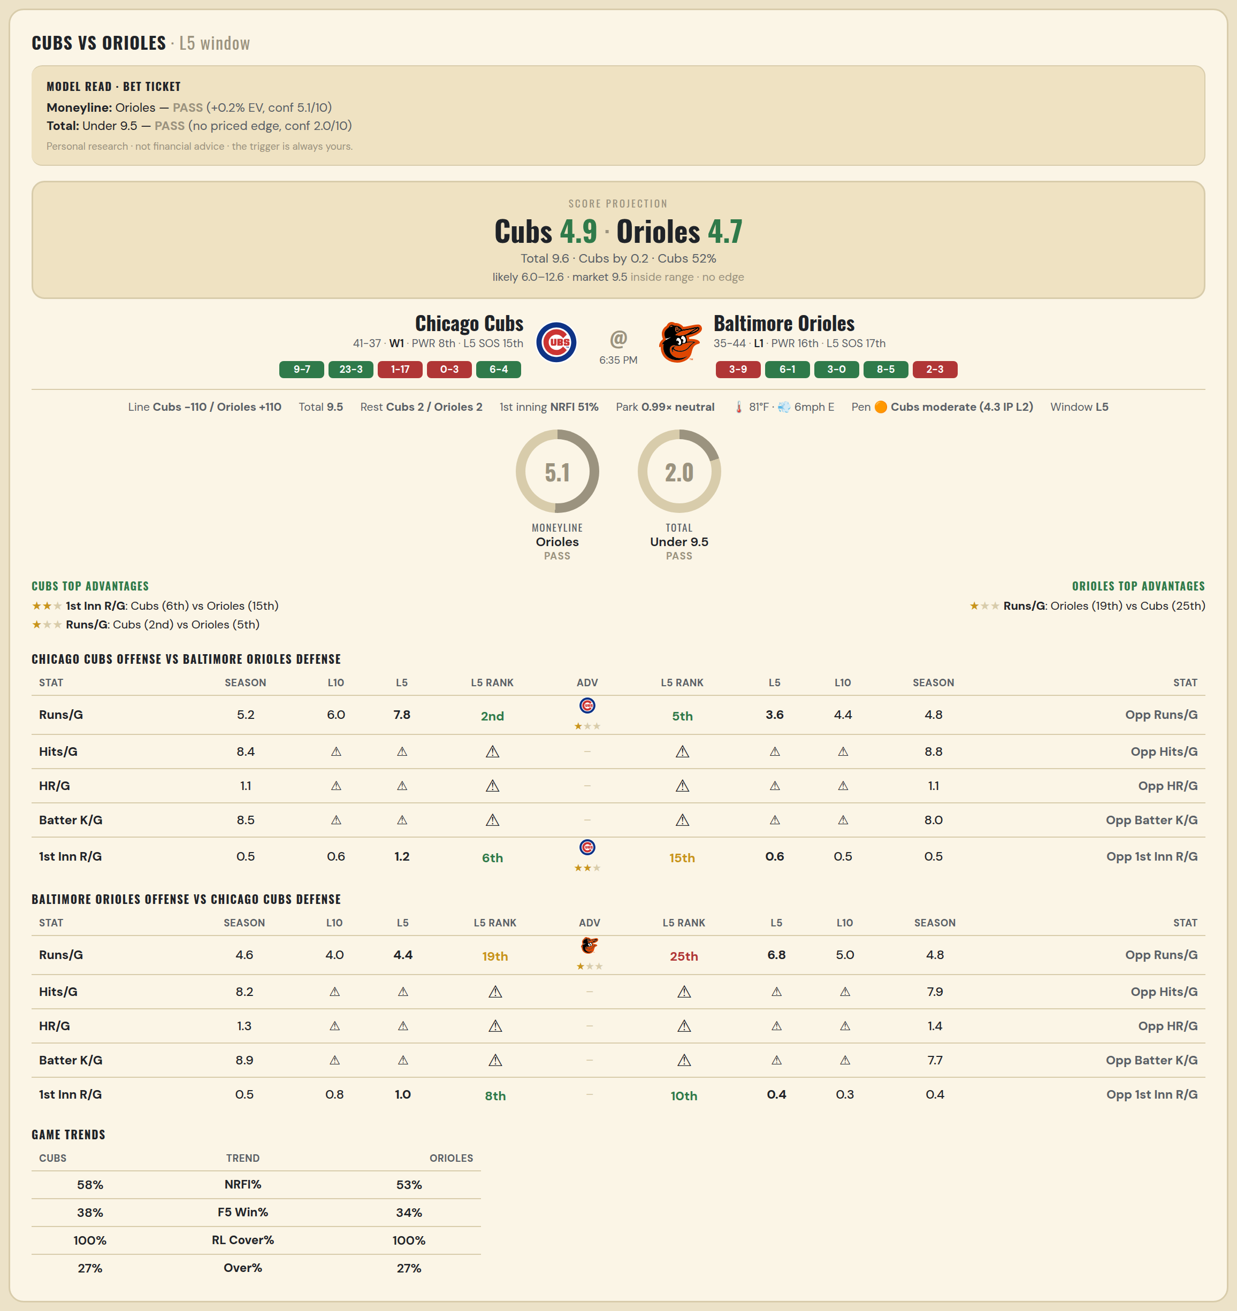

Chicago Cubs offense vs Baltimore Orioles defense
Stat | A Season | A L30 | A L20 | A L15 | A L10 | A L5 | A Rk | Adv | H Rk | H L5 | H L10 | H L15 | H L20 | H L30 | H Season | Opp stat
Runs/G | 5.205 | 5.7 | 6.65 | 7.4 | 6 | 7.8 | 2nd | ★ | 5th | 3.6 | 4.4 | 3.933 | 4.1 | 4.3 | 4.797 | Opp Runs/G
Hits/G | 8.438 | 4 | — | — | — | — | — |  | — | — | — | — | — | — | 8.833 | Opp Hits/G
HR/G | 1.104 | 0 | — | — | — | — | — |  | — | — | — | — | — | — | 1.062 | Opp HR/G
Batter K/G | 8.458 | 6 | — | — | — | — | — |  | — | — | — | — | — | — | 8 | Opp Batter K/G
1st Inn R/G | 0.468 | 0.567 | 0.8 | 0.867 | 0.6 | 1.2 | 6th | ★★ | 15th | 0.6 | 0.5 | 0.667 | 0.85 | 0.7 | 0.487 | Opp 1st Inn R/G

Baltimore Orioles offense vs Chicago Cubs defense
Stat | A Season | A L30 | A L20 | A L15 | A L10 | A L5 | A Rk | Adv | H Rk | H L5 | H L10 | H L15 | H L20 | H L30 | H Season | Opp stat
Runs/G | 4.57 | 4.567 | 3.9 | 4.467 | 4 | 4.4 | 19th | ★ | 25th | 6.8 | 5 | 4.933 | 4.75 | 4.8 | 4.782 | Opp Runs/G
Hits/G | 8.208 | — | — | — | — | — | — |  | — | — | — | — | — | 6 | 7.896 | Opp Hits/G
HR/G | 1.271 | — | — | — | — | — | — |  | — | — | — | — | — | 1 | 1.354 | Opp HR/G
Batter K/G | 8.917 | — | — | — | — | — | — |  | — | — | — | — | — | 8 | 7.708 | Opp Batter K/G
1st Inn R/G | 0.526 | 0.833 | 0.7 | 0.733 | 0.8 | 1 | 8th |  | 10th | 0.4 | 0.3 | 0.2 | 0.15 | 0.3 | 0.442 | Opp 1st Inn R/G

MLB Athletics @ Tigers
Athletics @ Detroit Tigers
MLB · 2026-07-07 · L5 window

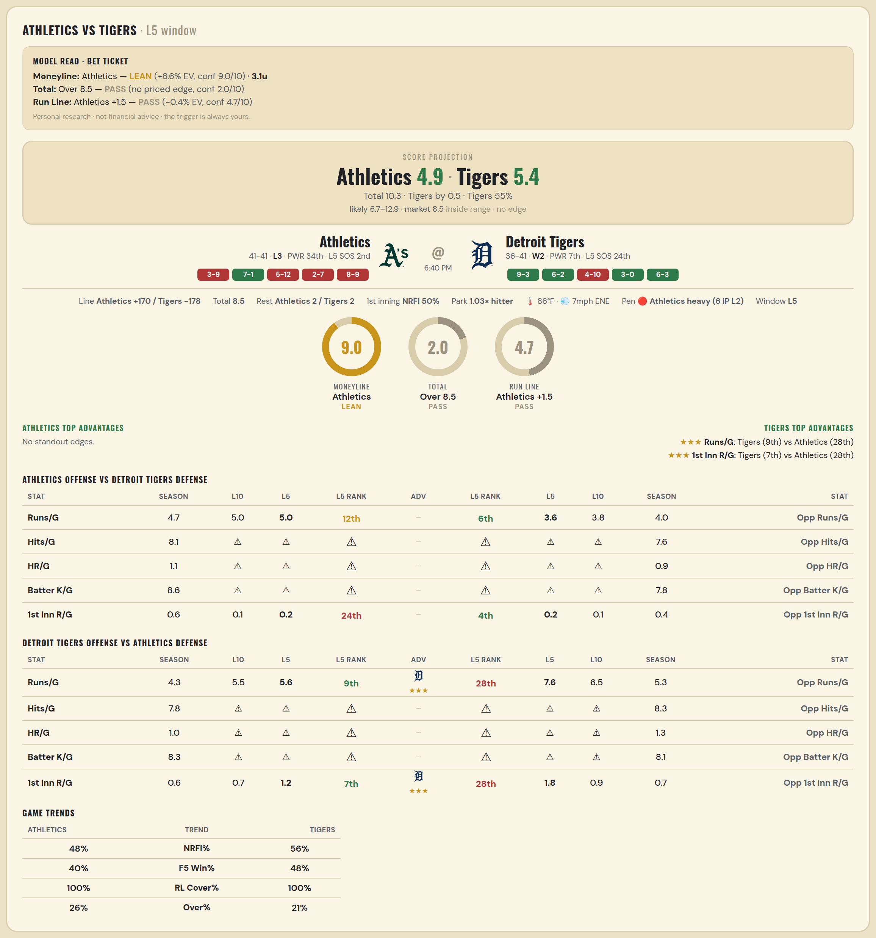

Athletics offense vs Detroit Tigers defense
Stat | A Season | A L30 | A L20 | A L15 | A L10 | A L5 | A Rk | Adv | H Rk | H L5 | H L10 | H L15 | H L20 | H L30 | H Season | Opp stat
Runs/G | 4.72 | 5.4 | 5.25 | 4.733 | 5 | 5 | 12th |  | 6th | 3.6 | 3.8 | 3.6 | 3.55 | 3.533 | 3.974 | Opp Runs/G
Hits/G | 8.146 | — | — | — | — | — | — |  | — | — | — | — | — | 6 | 7.592 | Opp Hits/G
HR/G | 1.062 | — | — | — | — | — | — |  | — | — | — | — | — | 1 | 0.898 | Opp HR/G
Batter K/G | 8.625 | — | — | — | — | — | — |  | — | — | — | — | — | 9 | 7.776 | Opp Batter K/G
1st Inn R/G | 0.615 | 0.767 | 0.9 | 0.333 | 0.1 | 0.2 | 24th |  | 4th | 0.2 | 0.1 | 0.2 | 0.2 | 0.233 | 0.351 | Opp 1st Inn R/G

Detroit Tigers offense vs Athletics defense
Stat | A Season | A L30 | A L20 | A L15 | A L10 | A L5 | A Rk | Adv | H Rk | H L5 | H L10 | H L15 | H L20 | H L30 | H Season | Opp stat
Runs/G | 4.312 | 5.2 | 4.6 | 4.933 | 5.5 | 5.6 | 9th | ★★★ | 28th | 7.6 | 6.5 | 6.467 | 7 | 6.7 | 5.28 | Opp Runs/G
Hits/G | 7.755 | 12 | — | — | — | — | — |  | — | — | — | — | — | — | 8.312 | Opp Hits/G
HR/G | 1.02 | 4 | — | — | — | — | — |  | — | — | — | — | — | — | 1.271 | Opp HR/G
Batter K/G | 8.306 | 7 | — | — | — | — | — |  | — | — | — | — | — | — | 8.146 | Opp Batter K/G
1st Inn R/G | 0.558 | 0.6 | 0.55 | 0.467 | 0.7 | 1.2 | 7th | ★★★ | 28th | 1.8 | 0.9 | 0.6 | 0.7 | 0.733 | 0.718 | Opp 1st Inn R/G

MLB Braves @ Pirates
Atlanta Braves @ Pittsburgh Pirates
MLB · 2026-07-07 · L5 window

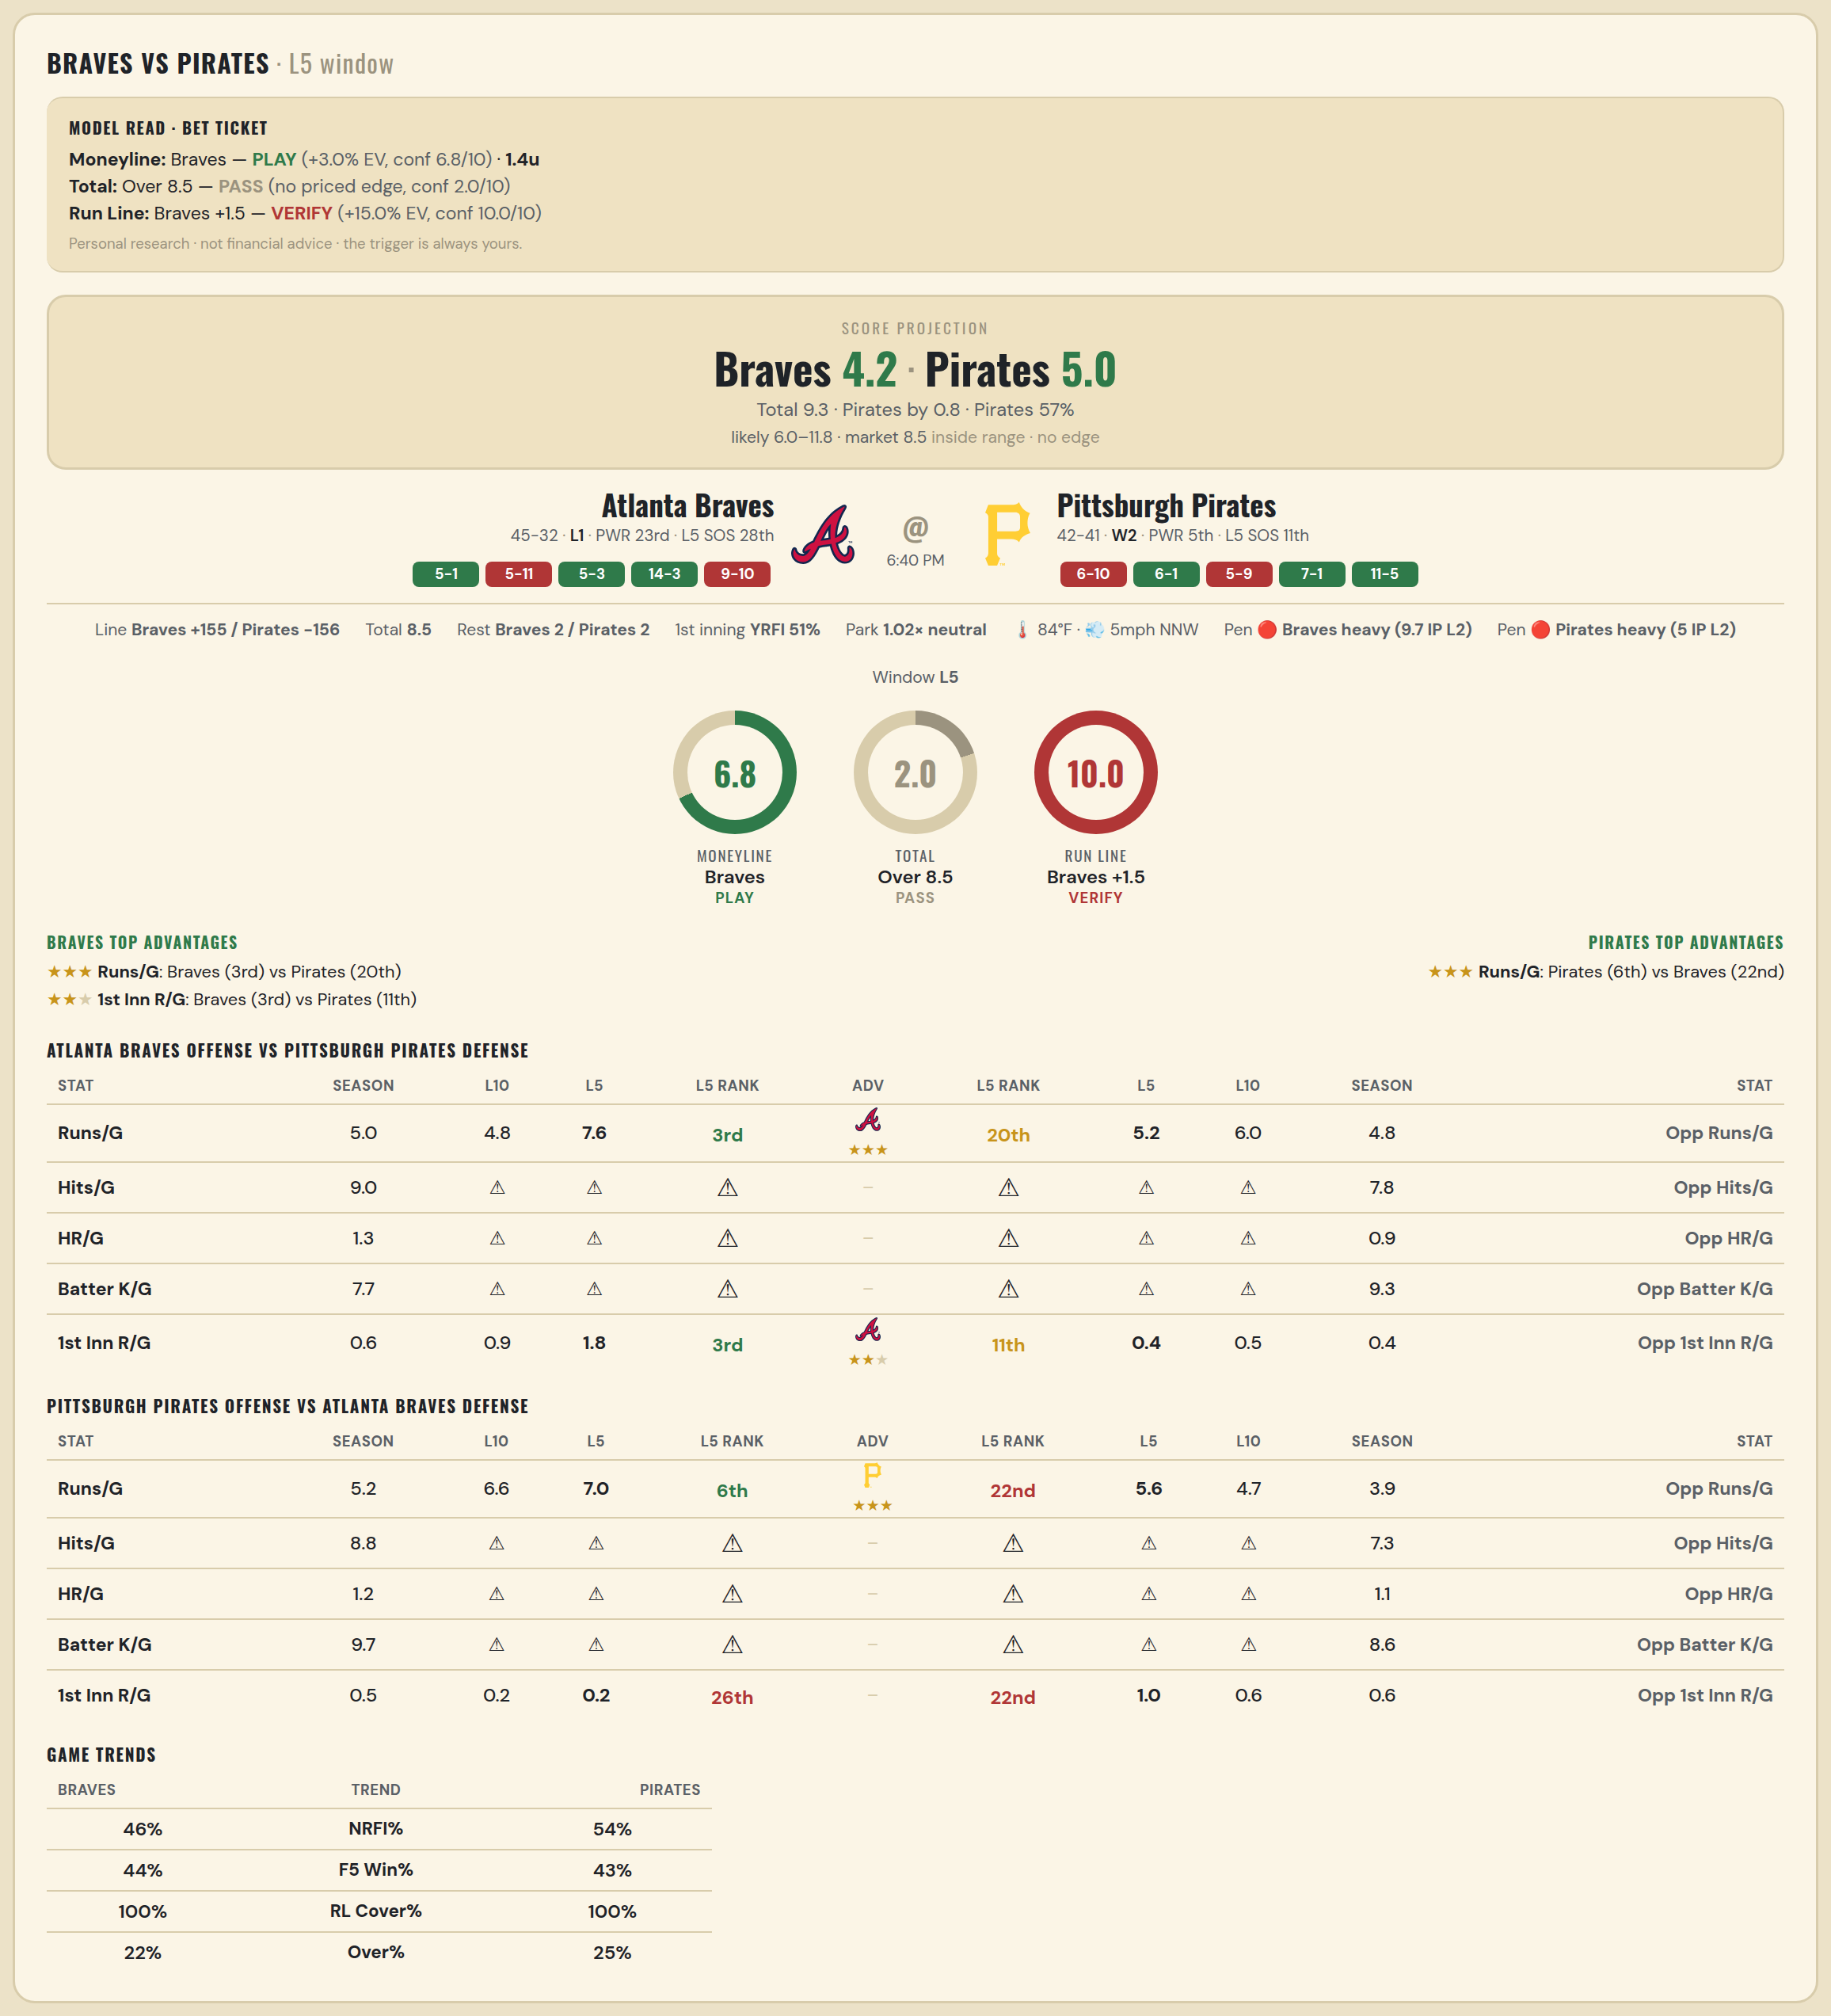

Atlanta Braves offense vs Pittsburgh Pirates defense
Stat | A Season | A L30 | A L20 | A L15 | A L10 | A L5 | A Rk | Adv | H Rk | H L5 | H L10 | H L15 | H L20 | H L30 | H Season | Opp stat
Runs/G | 4.974 | 4.133 | 4.05 | 4.333 | 4.8 | 7.6 | 3rd | ★★★ | 20th | 5.2 | 6 | 4.867 | 5.05 | 5.533 | 4.771 | Opp Runs/G
Hits/G | 8.958 | 6.667 | — | — | — | — | — |  | — | — | — | — | — | — | 7.792 | Opp Hits/G
HR/G | 1.333 | 2.333 | — | — | — | — | — |  | — | — | — | — | — | — | 0.896 | Opp HR/G
Batter K/G | 7.688 | 6.667 | — | — | — | — | — |  | — | — | — | — | — | — | 9.292 | Opp Batter K/G
1st Inn R/G | 0.613 | 0.667 | 0.65 | 0.667 | 0.9 | 1.8 | 3rd | ★★ | 11th | 0.4 | 0.5 | 0.467 | 0.55 | 0.433 | 0.41 | Opp 1st Inn R/G

Pittsburgh Pirates offense vs Atlanta Braves defense
Stat | A Season | A L30 | A L20 | A L15 | A L10 | A L5 | A Rk | Adv | H Rk | H L5 | H L10 | H L15 | H L20 | H L30 | H Season | Opp stat
Runs/G | 5.157 | 5.467 | 5.9 | 6.2 | 6.6 | 7 | 6th | ★★★ | 22nd | 5.6 | 4.7 | 4.6 | 4.95 | 4.533 | 3.883 | Opp Runs/G
Hits/G | 8.812 | — | — | — | — | — | — |  | — | — | — | — | — | 8 | 7.312 | Opp Hits/G
HR/G | 1.188 | — | — | — | — | — | — |  | — | — | — | — | — | 1 | 1.062 | Opp HR/G
Batter K/G | 9.708 | — | — | — | — | — | — |  | — | — | — | — | — | 9 | 8.562 | Opp Batter K/G
1st Inn R/G | 0.538 | 0.4 | 0.35 | 0.267 | 0.2 | 0.2 | 26th |  | 22nd | 1 | 0.6 | 0.4 | 0.7 | 0.567 | 0.56 | Opp 1st Inn R/G

MLB Mariners @ Marlins
Seattle Mariners @ Miami Marlins
MLB · 2026-07-07 · L5 window

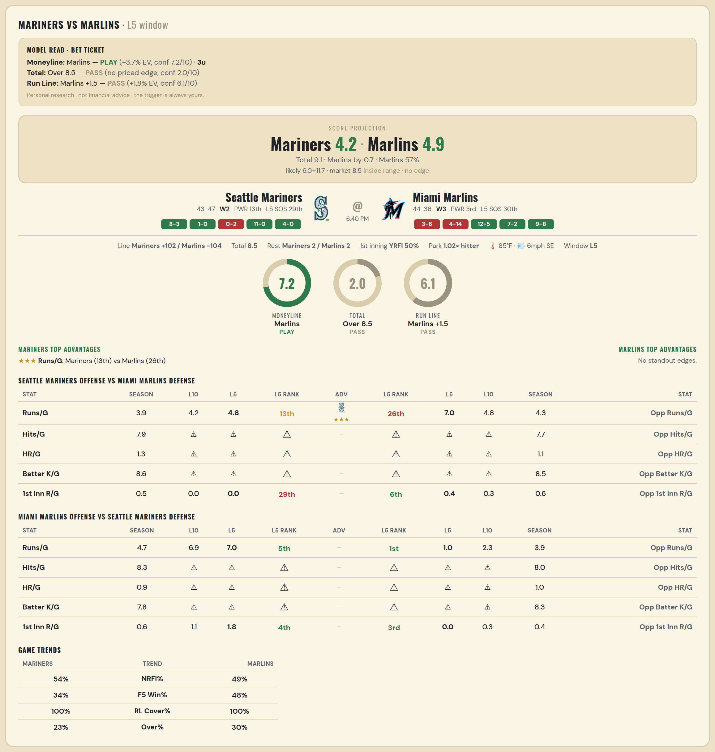

Seattle Mariners offense vs Miami Marlins defense
Stat | A Season | A L30 | A L20 | A L15 | A L10 | A L5 | A Rk | Adv | H Rk | H L5 | H L10 | H L15 | H L20 | H L30 | H Season | Opp stat
Runs/G | 3.933 | 3.8 | 3.25 | 3.467 | 4.2 | 4.8 | 13th | ★★★ | 26th | 7 | 4.8 | 4.133 | 4.3 | 3.733 | 4.338 | Opp Runs/G
Hits/G | 7.854 | 11 | — | — | — | — | — |  | — | — | — | — | — | 7 | 7.694 | Opp Hits/G
HR/G | 1.312 | 3 | — | — | — | — | — |  | — | — | — | — | — | 0 | 1.082 | Opp HR/G
Batter K/G | 8.646 | 8 | — | — | — | — | — |  | — | — | — | — | — | 11 | 8.531 | Opp Batter K/G
1st Inn R/G | 0.455 | 0.3 | 0.3 | 0.133 | 0 | 0 | 29th |  | 6th | 0.4 | 0.3 | 0.2 | 0.4 | 0.433 | 0.615 | Opp 1st Inn R/G

Miami Marlins offense vs Seattle Mariners defense
Stat | A Season | A L30 | A L20 | A L15 | A L10 | A L5 | A Rk | Adv | H Rk | H L5 | H L10 | H L15 | H L20 | H L30 | H Season | Opp stat
Runs/G | 4.7 | 5.367 | 5.6 | 6 | 6.9 | 7 | 5th |  | 1st | 1 | 2.3 | 3.2 | 3.6 | 3.933 | 3.944 | Opp Runs/G
Hits/G | 8.286 | 8 | — | — | — | — | — |  | — | — | — | — | — | 5 | 7.979 | Opp Hits/G
HR/G | 0.918 | 4 | — | — | — | — | — |  | — | — | — | — | — | 2 | 0.958 | Opp HR/G
Batter K/G | 7.816 | 6 | — | — | — | — | — |  | — | — | — | — | — | 11 | 8.333 | Opp Batter K/G
1st Inn R/G | 0.615 | 0.567 | 0.75 | 0.8 | 1.1 | 1.8 | 4th |  | 3rd | 0 | 0.3 | 0.2 | 0.4 | 0.333 | 0.403 | Opp 1st Inn R/G

MLB Yankees @ Rays
New York Yankees @ Tampa Bay Rays
MLB · 2026-07-07 · L5 window

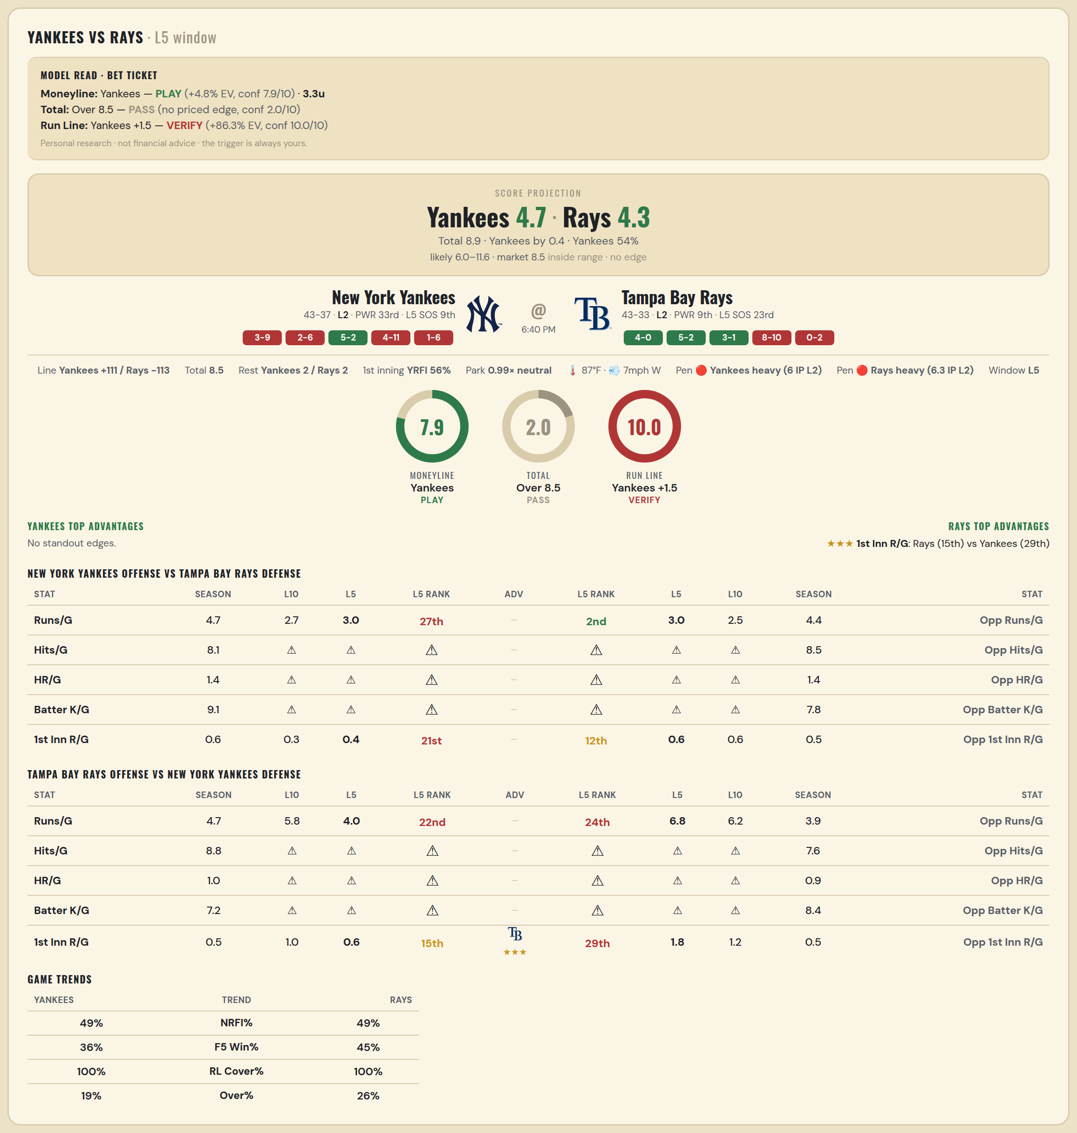

New York Yankees offense vs Tampa Bay Rays defense
Stat | A Season | A L30 | A L20 | A L15 | A L10 | A L5 | A Rk | Adv | H Rk | H L5 | H L10 | H L15 | H L20 | H L30 | H Season | Opp stat
Runs/G | 4.688 | 4.067 | 3.85 | 2.733 | 2.7 | 3 | 27th |  | 2nd | 3 | 2.5 | 3.267 | 3.2 | 3.6 | 4.395 | Opp Runs/G
Hits/G | 8.109 | 8 | — | — | — | — | — |  | — | — | — | — | — | 10 | 8.467 | Opp Hits/G
HR/G | 1.413 | 1 | — | — | — | — | — |  | — | — | — | — | — | 3 | 1.444 | Opp HR/G
Batter K/G | 9.13 | 11 | — | — | — | — | — |  | — | — | — | — | — | 6 | 7.778 | Opp Batter K/G
1st Inn R/G | 0.613 | 0.333 | 0.35 | 0.333 | 0.3 | 0.4 | 21st |  | 12th | 0.6 | 0.6 | 0.533 | 0.4 | 0.433 | 0.5 | Opp 1st Inn R/G

Tampa Bay Rays offense vs New York Yankees defense
Stat | A Season | A L30 | A L20 | A L15 | A L10 | A L5 | A Rk | Adv | H Rk | H L5 | H L10 | H L15 | H L20 | H L30 | H Season | Opp stat
Runs/G | 4.671 | 4.167 | 4.8 | 5.067 | 5.8 | 4 | 22nd |  | 24th | 6.8 | 6.2 | 5.733 | 5.05 | 4.733 | 3.862 | Opp Runs/G
Hits/G | 8.778 | 4 | — | — | — | — | — |  | — | — | — | — | — | 12 | 7.609 | Opp Hits/G
HR/G | 0.956 | 0 | — | — | — | — | — |  | — | — | — | — | — | 1 | 0.913 | Opp HR/G
Batter K/G | 7.244 | 10 | — | — | — | — | — |  | — | — | — | — | — | 12 | 8.435 | Opp Batter K/G
1st Inn R/G | 0.541 | 0.633 | 0.7 | 0.8 | 1 | 0.6 | 15th | ★★★ | 29th | 1.8 | 1.2 | 0.8 | 0.65 | 0.567 | 0.52 | Opp 1st Inn R/G

MLB Astros @ Nationals
Houston Astros @ Washington Nationals
MLB · 2026-07-07 · L5 window

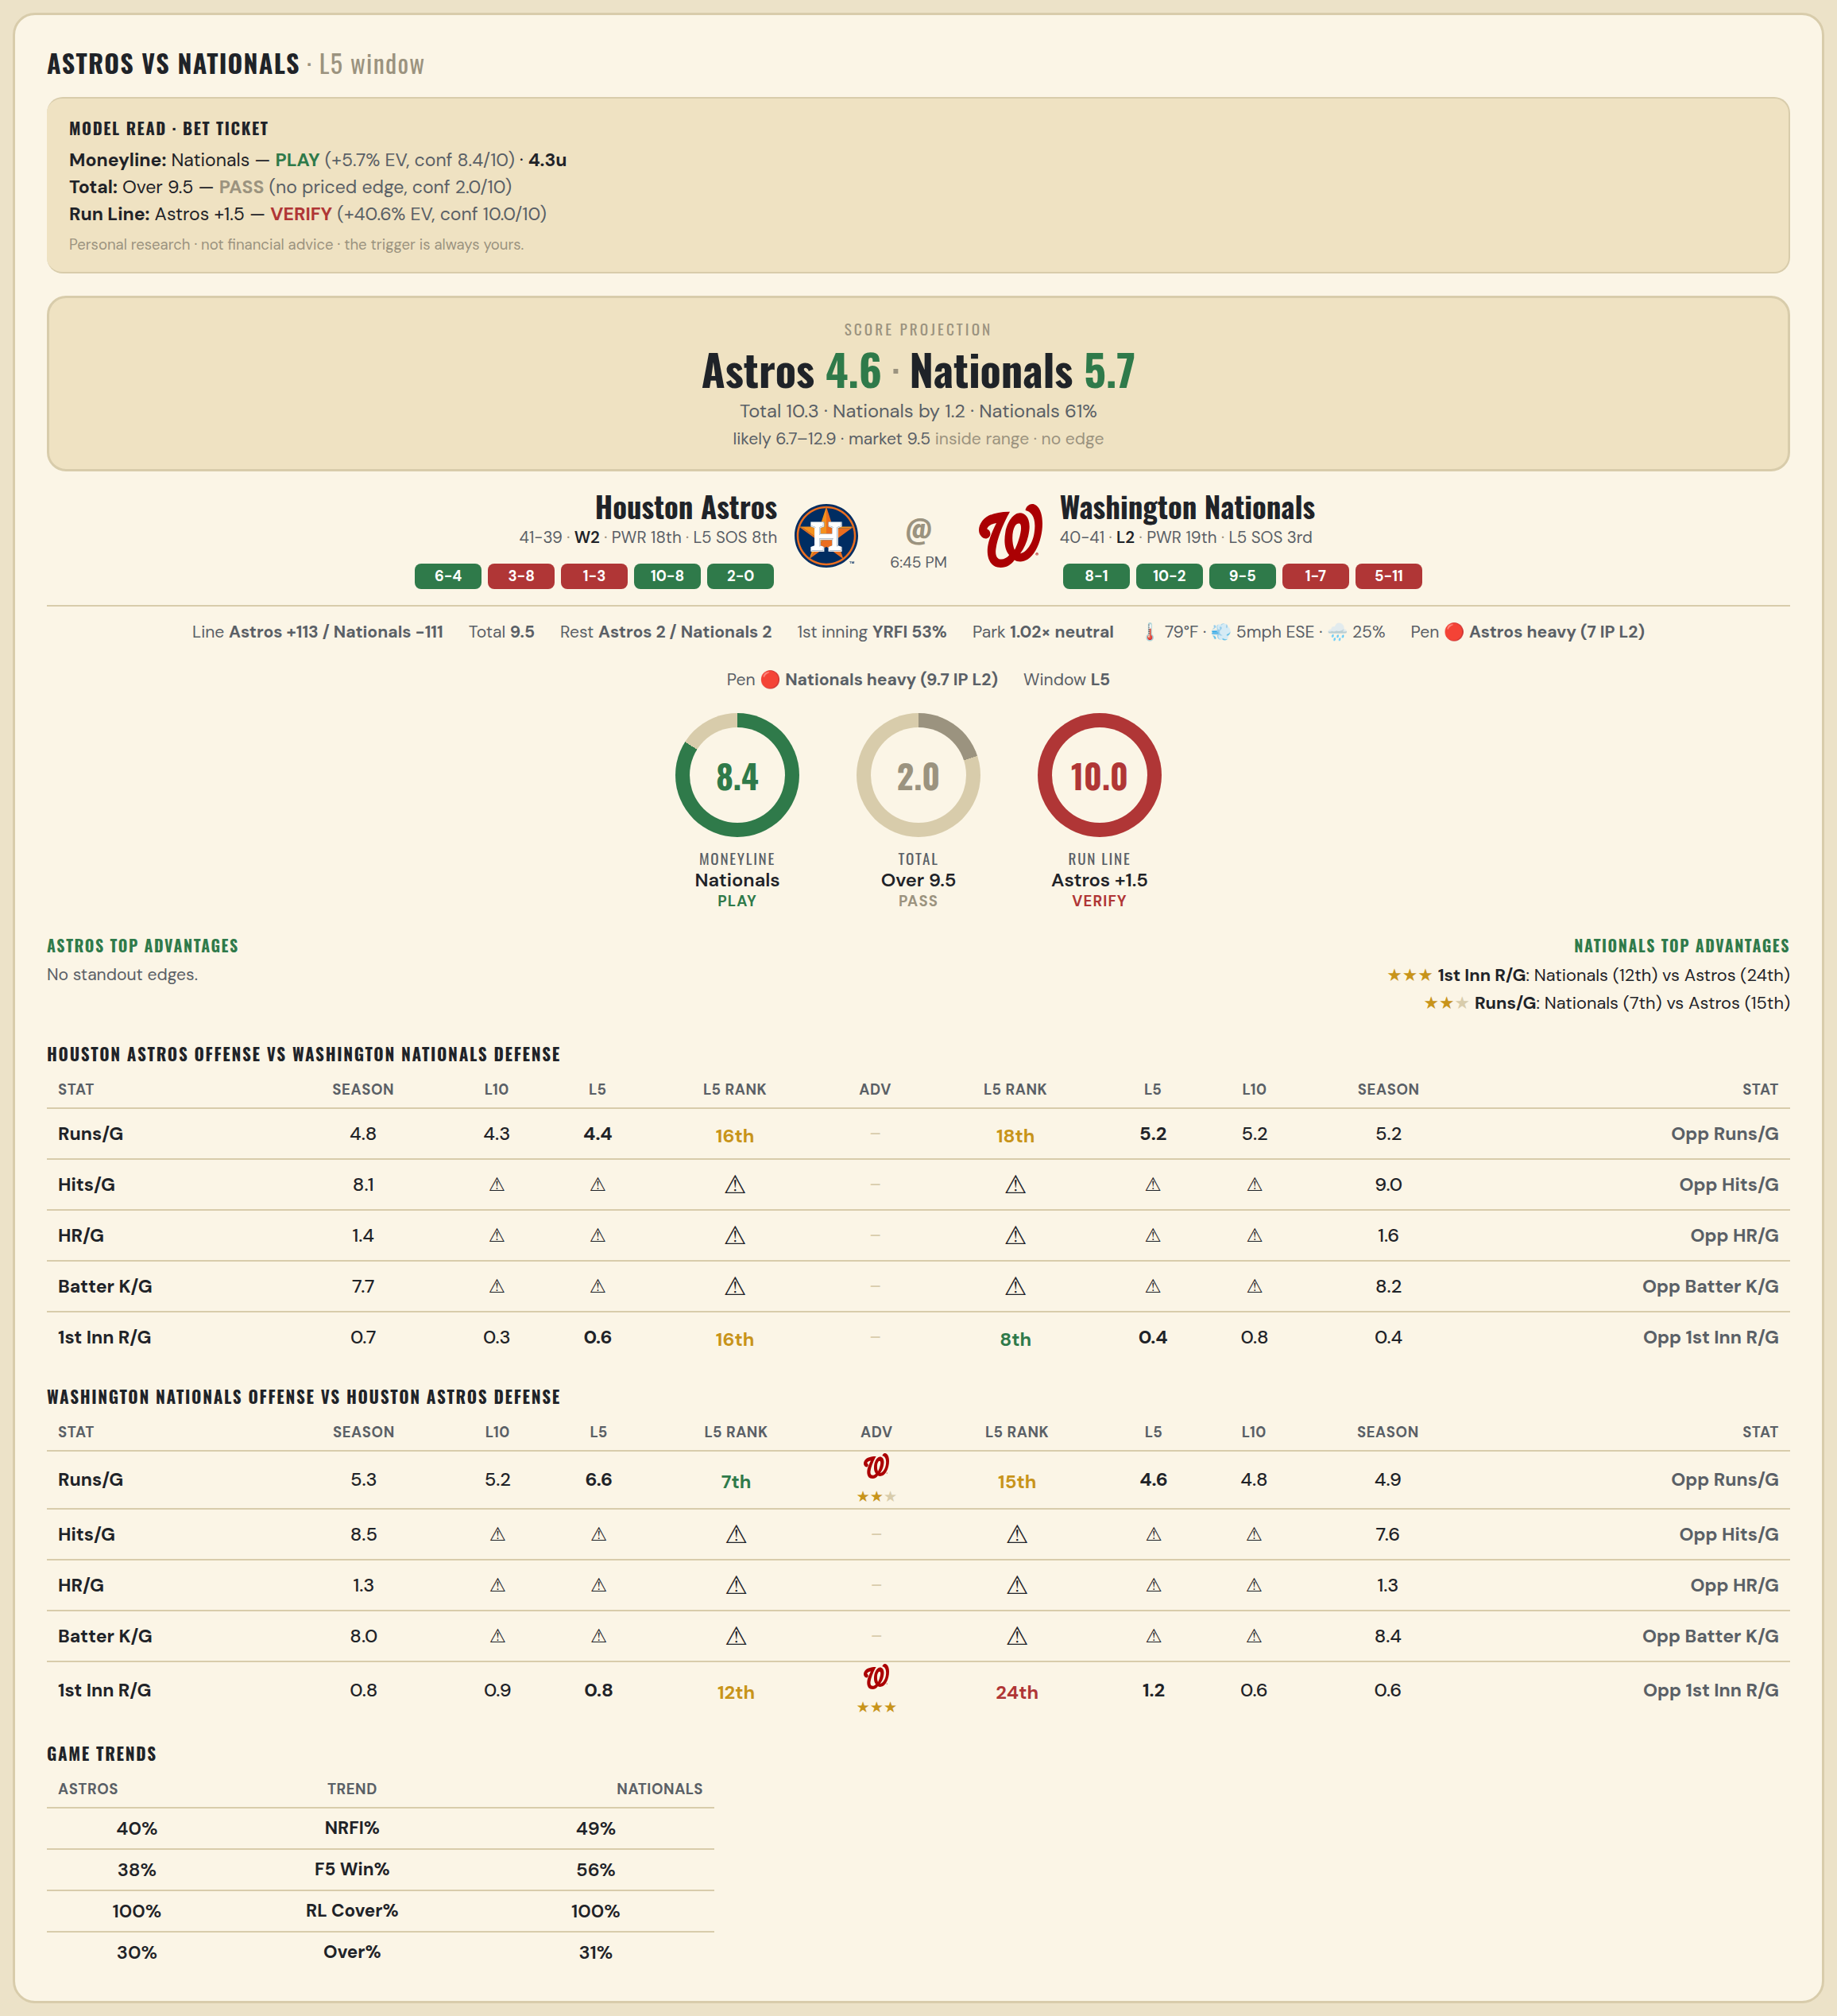

Houston Astros offense vs Washington Nationals defense
Stat | A Season | A L30 | A L20 | A L15 | A L10 | A L5 | A Rk | Adv | H Rk | H L5 | H L10 | H L15 | H L20 | H L30 | H Season | Opp stat
Runs/G | 4.838 | 4.533 | 4 | 4 | 4.3 | 4.4 | 16th |  | 18th | 5.2 | 5.2 | 5.267 | 4.9 | 4.867 | 5.198 | Opp Runs/G
Hits/G | 8.083 | — | — | — | — | — | — |  | — | — | — | — | — | 8 | 9.04 | Opp Hits/G
HR/G | 1.417 | — | — | — | — | — | — |  | — | — | — | — | — | 4 | 1.56 | Opp HR/G
Batter K/G | 7.729 | — | — | — | — | — | — |  | — | — | — | — | — | 6 | 8.2 | Opp Batter K/G
1st Inn R/G | 0.692 | 0.7 | 0.4 | 0.467 | 0.3 | 0.6 | 16th |  | 8th | 0.4 | 0.8 | 0.6 | 0.55 | 0.4 | 0.405 | Opp 1st Inn R/G

Washington Nationals offense vs Houston Astros defense
Stat | A Season | A L30 | A L20 | A L15 | A L10 | A L5 | A Rk | Adv | H Rk | H L5 | H L10 | H L15 | H L20 | H L30 | H Season | Opp stat
Runs/G | 5.272 | 5.267 | 5.15 | 5.067 | 5.2 | 6.6 | 7th | ★★ | 15th | 4.6 | 4.8 | 4.6 | 4.45 | 4.767 | 4.912 | Opp Runs/G
Hits/G | 8.52 | 7 | — | — | — | — | — |  | — | — | — | — | — | — | 7.625 | Opp Hits/G
HR/G | 1.26 | 0 | — | — | — | — | — |  | — | — | — | — | — | — | 1.292 | Opp HR/G
Batter K/G | 7.98 | 11 | — | — | — | — | — |  | — | — | — | — | — | — | 8.417 | Opp Batter K/G
1st Inn R/G | 0.823 | 0.7 | 0.6 | 0.733 | 0.9 | 0.8 | 12th | ★★★ | 24th | 1.2 | 0.6 | 0.533 | 0.5 | 0.633 | 0.641 | Opp 1st Inn R/G

MLB Royals @ Mets
Kansas City Royals @ New York Mets
MLB · 2026-07-07 · L5 window

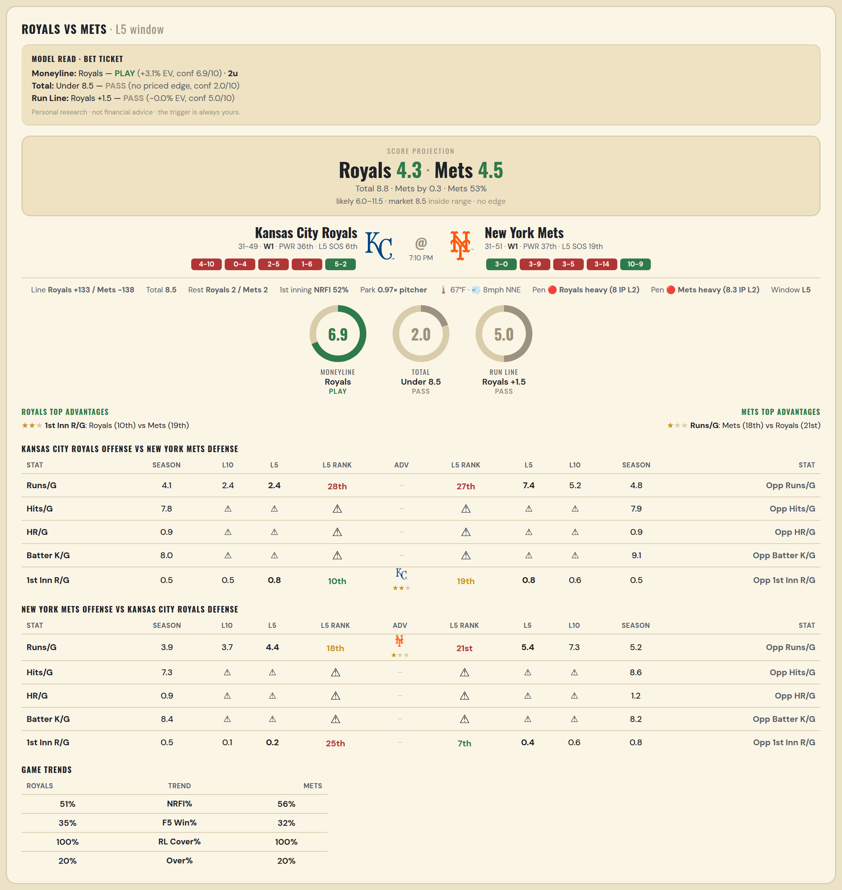

Kansas City Royals offense vs New York Mets defense
Stat | A Season | A L30 | A L20 | A L15 | A L10 | A L5 | A Rk | Adv | H Rk | H L5 | H L10 | H L15 | H L20 | H L30 | H Season | Opp stat
Runs/G | 4.1 | 4.633 | 4.6 | 4.533 | 2.4 | 2.4 | 28th |  | 27th | 7.4 | 5.2 | 6.8 | 6.25 | 5.6 | 4.756 | Opp Runs/G
Hits/G | 7.792 | 5 | — | — | — | — | — |  | — | — | — | — | — | 11 | 7.918 | Opp Hits/G
HR/G | 0.896 | 0 | — | — | — | — | — |  | — | — | — | — | — | 3 | 0.918 | Opp HR/G
Batter K/G | 8.021 | 11 | — | — | — | — | — |  | — | — | — | — | — | 8 | 9.061 | Opp Batter K/G
1st Inn R/G | 0.481 | 0.767 | 0.6 | 0.667 | 0.5 | 0.8 | 10th | ★★ | 19th | 0.8 | 0.6 | 0.6 | 0.9 | 0.733 | 0.538 | Opp 1st Inn R/G

New York Mets offense vs Kansas City Royals defense
Stat | A Season | A L30 | A L20 | A L15 | A L10 | A L5 | A Rk | Adv | H Rk | H L5 | H L10 | H L15 | H L20 | H L30 | H Season | Opp stat
Runs/G | 3.902 | 4.033 | 4.1 | 3.733 | 3.7 | 4.4 | 18th | ★ | 21st | 5.4 | 7.3 | 6.8 | 6.25 | 5.733 | 5.225 | Opp Runs/G
Hits/G | 7.306 | 5 | — | — | — | — | — |  | — | — | — | — | — | 4 | 8.604 | Opp Hits/G
HR/G | 0.939 | 2 | — | — | — | — | — |  | — | — | — | — | — | 3 | 1.25 | Opp HR/G
Batter K/G | 8.408 | 11 | — | — | — | — | — |  | — | — | — | — | — | 11 | 8.208 | Opp Batter K/G
1st Inn R/G | 0.526 | 0.467 | 0.35 | 0.067 | 0.1 | 0.2 | 25th |  | 7th | 0.4 | 0.6 | 1 | 0.75 | 0.867 | 0.805 | Opp 1st Inn R/G

MLB Phillies @ Reds
Philadelphia Phillies @ Cincinnati Reds
MLB · 2026-07-07 · L5 window

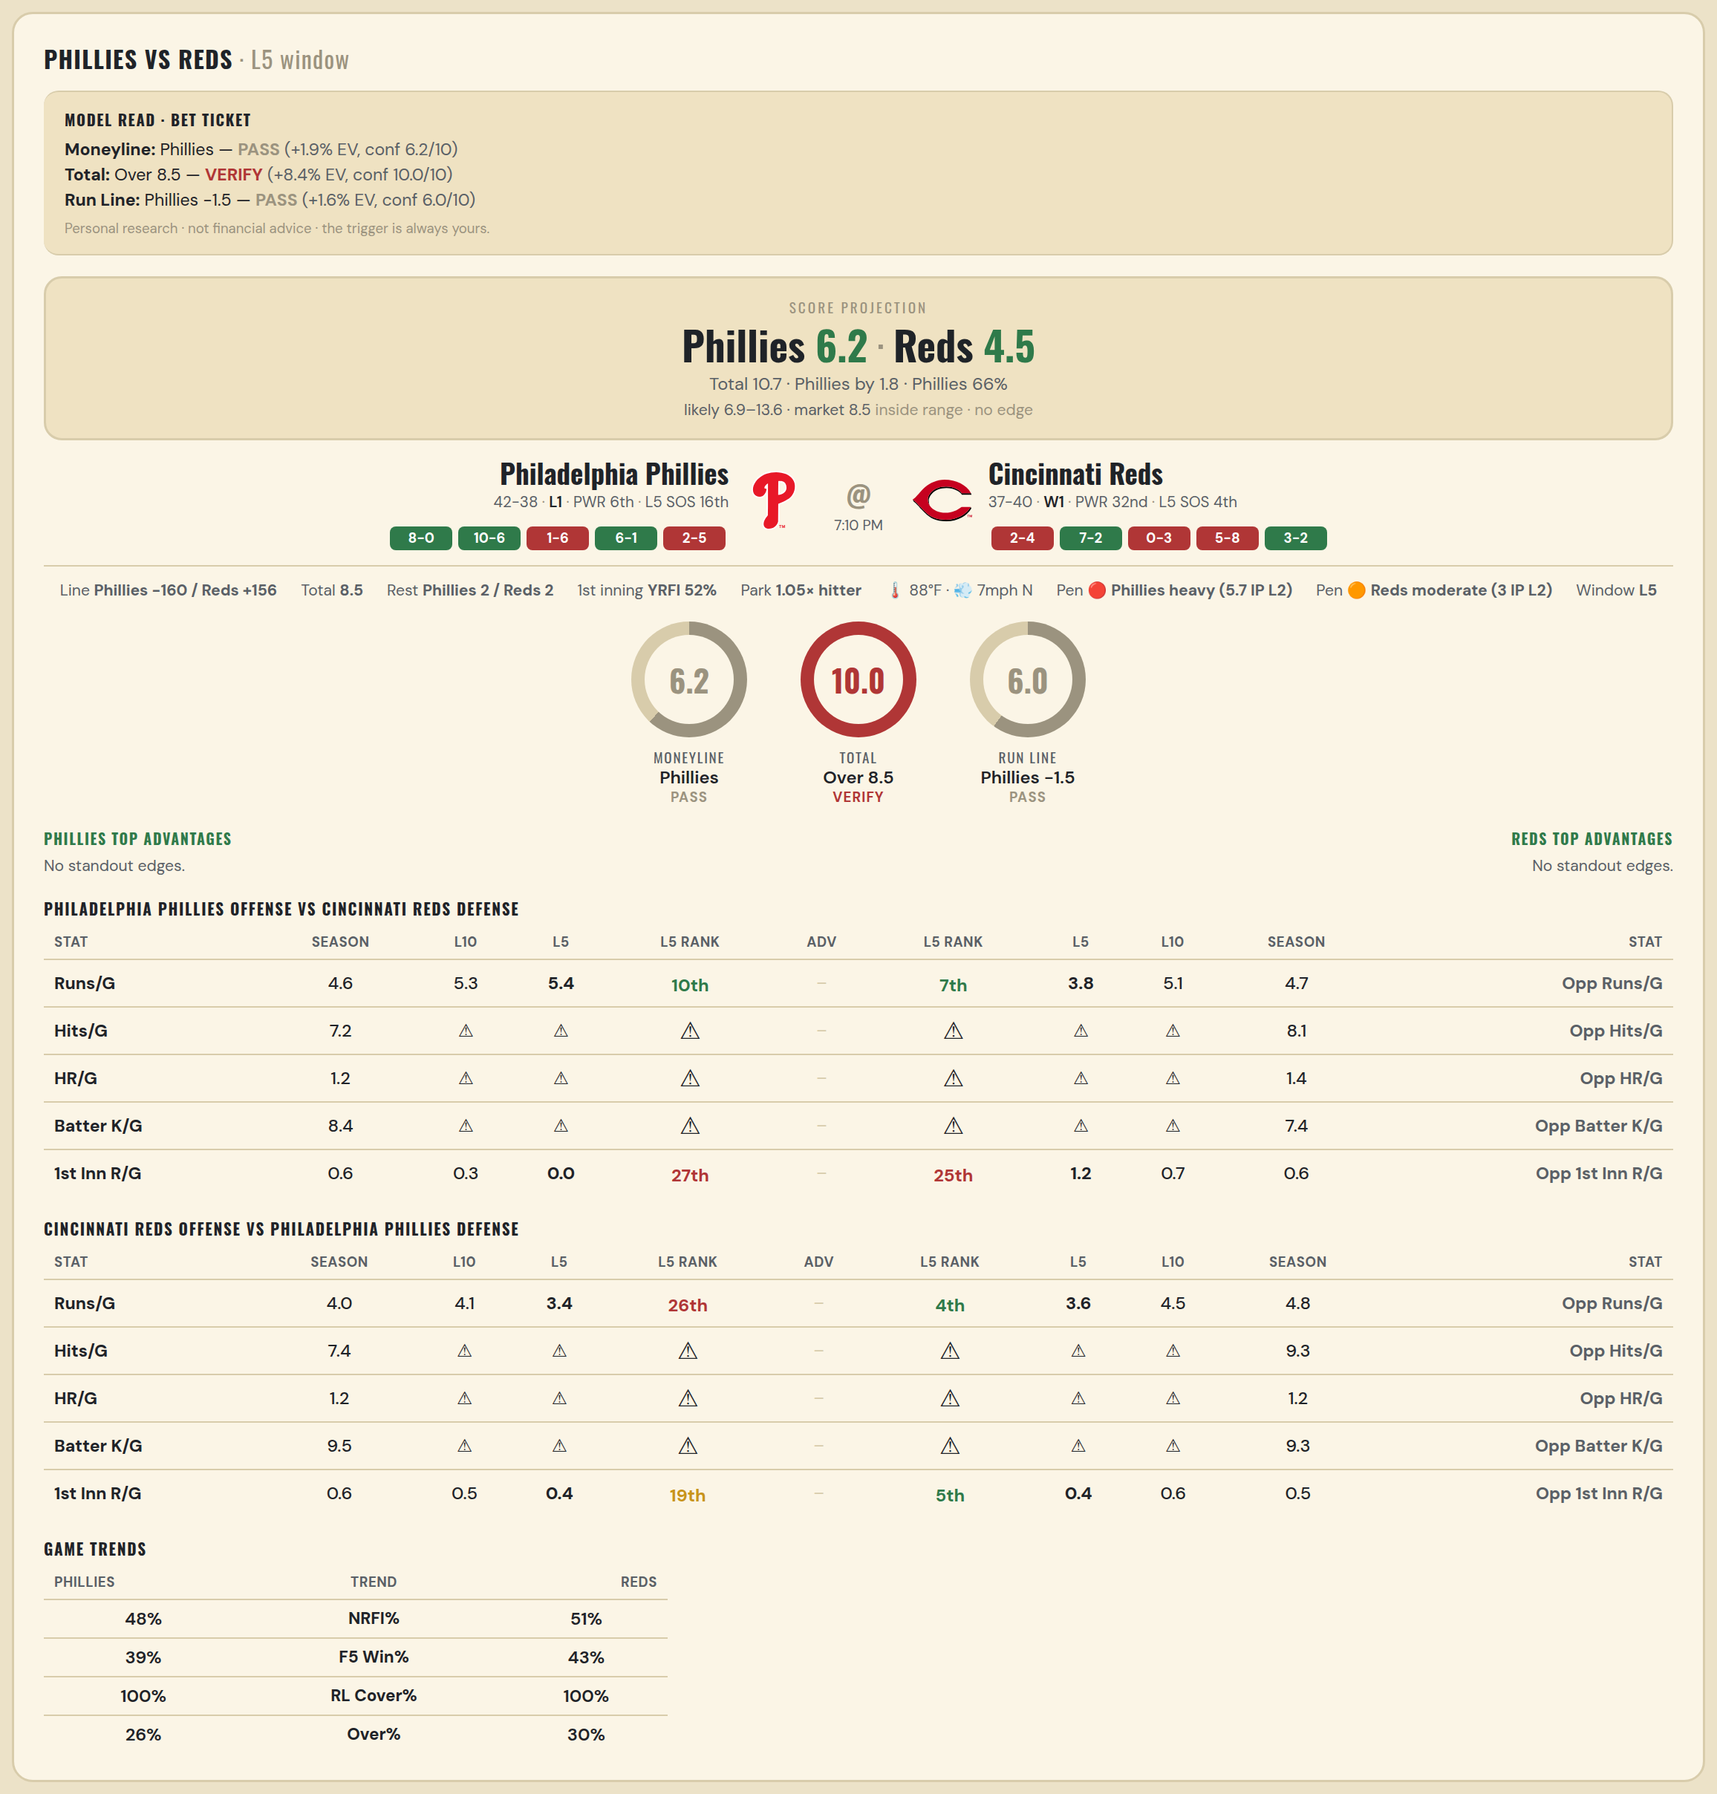

Philadelphia Phillies offense vs Cincinnati Reds defense
Stat | A Season | A L30 | A L20 | A L15 | A L10 | A L5 | A Rk | Adv | H Rk | H L5 | H L10 | H L15 | H L20 | H L30 | H Season | Opp stat
Runs/G | 4.562 | 5.633 | 5.85 | 6.267 | 5.3 | 5.4 | 10th |  | 7th | 3.8 | 5.1 | 4.267 | 4.3 | 4.5 | 4.688 | Opp Runs/G
Hits/G | 7.234 | — | — | — | — | — | — |  | — | — | — | — | — | 5 | 8.106 | Opp Hits/G
HR/G | 1.213 | — | — | — | — | — | — |  | — | — | — | — | — | 0 | 1.383 | Opp HR/G
Batter K/G | 8.426 | — | — | — | — | — | — |  | — | — | — | — | — | 11 | 7.404 | Opp Batter K/G
1st Inn R/G | 0.558 | 0.5 | 0.6 | 0.4 | 0.3 | 0 | 27th |  | 25th | 1.2 | 0.7 | 0.533 | 0.4 | 0.467 | 0.553 | Opp 1st Inn R/G

Cincinnati Reds offense vs Philadelphia Phillies defense
Stat | A Season | A L30 | A L20 | A L15 | A L10 | A L5 | A Rk | Adv | H Rk | H L5 | H L10 | H L15 | H L20 | H L30 | H Season | Opp stat
Runs/G | 3.987 | 3.8 | 4.1 | 4.067 | 4.1 | 3.4 | 26th |  | 4th | 3.6 | 4.5 | 4.467 | 4.55 | 4.567 | 4.75 | Opp Runs/G
Hits/G | 7.404 | 4 | — | — | — | — | — |  | — | — | — | — | — | — | 9.319 | Opp Hits/G
HR/G | 1.213 | 3 | — | — | — | — | — |  | — | — | — | — | — | — | 1.17 | Opp HR/G
Batter K/G | 9.532 | 11 | — | — | — | — | — |  | — | — | — | — | — | — | 9.277 | Opp Batter K/G
1st Inn R/G | 0.553 | 0.533 | 0.65 | 0.333 | 0.5 | 0.4 | 19th |  | 5th | 0.4 | 0.6 | 0.533 | 0.65 | 0.6 | 0.532 | Opp 1st Inn R/G

