MLB All-Stars @ All-Stars
American League All-Stars @ National League All-Stars
MLB · 2026-07-14 · L5 window

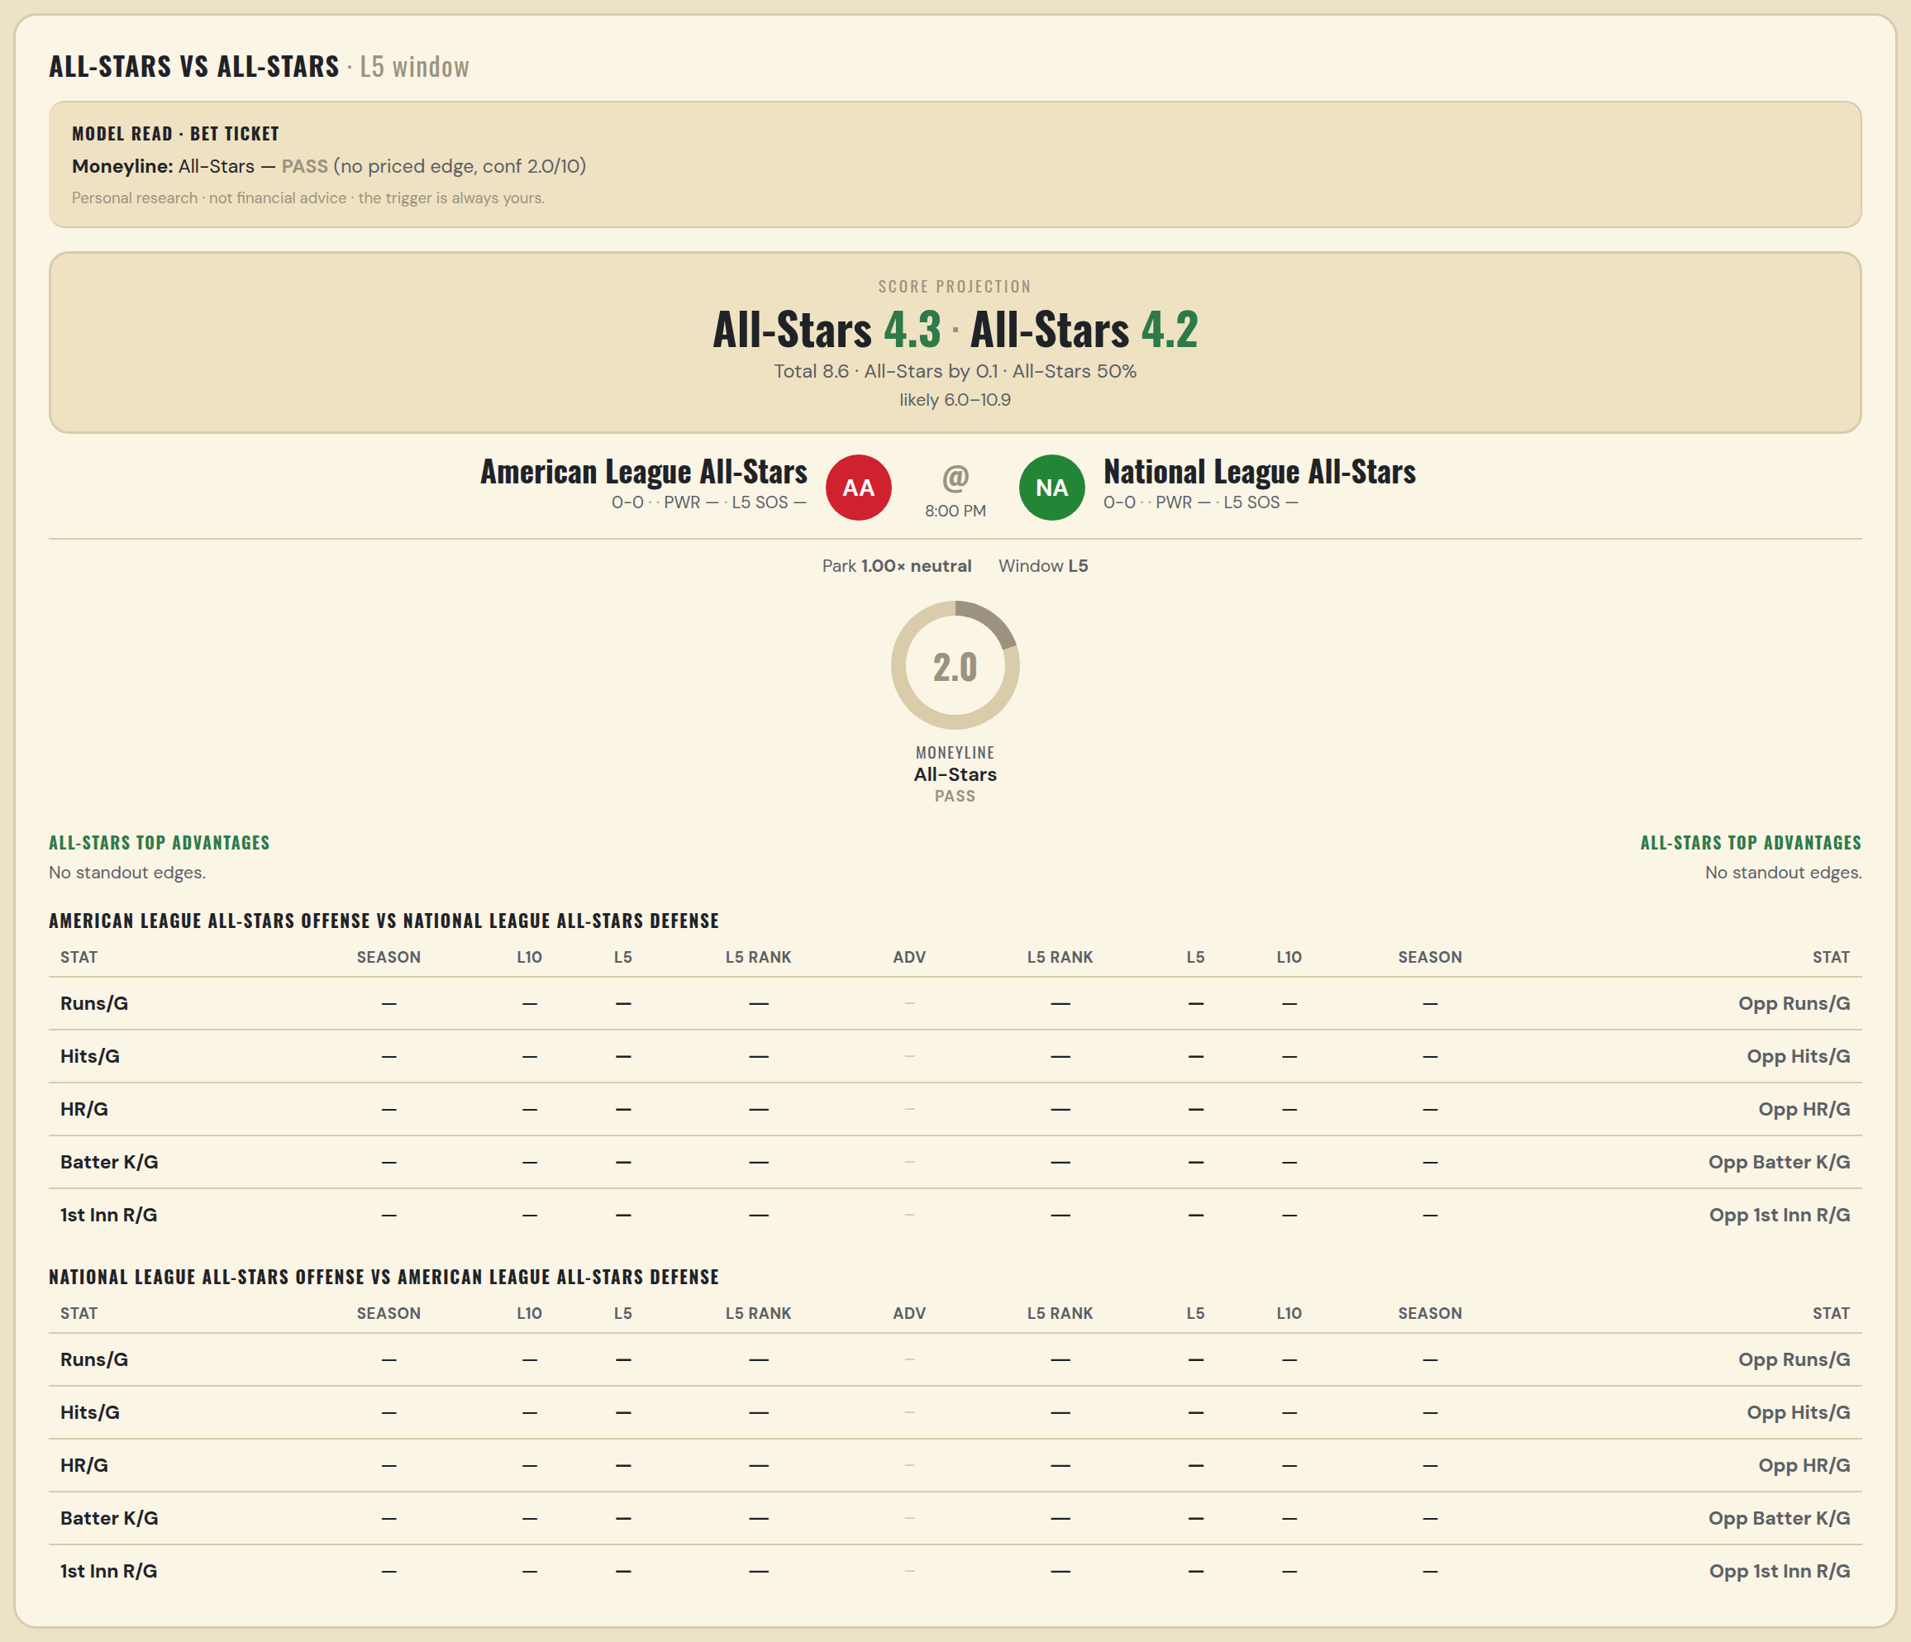

American League All-Stars offense vs National League All-Stars defense
Stat | A Season | A L30 | A L20 | A L15 | A L10 | A L5 | A Rk | Adv | H Rk | H L5 | H L10 | H L15 | H L20 | H L30 | H Season | Opp stat
Runs/G | — | — | — | — | — | — | — |  | — | — | — | — | — | — | — | Opp Runs/G
Hits/G | — | — | — | — | — | — | — |  | — | — | — | — | — | — | — | Opp Hits/G
HR/G | — | — | — | — | — | — | — |  | — | — | — | — | — | — | — | Opp HR/G
Batter K/G | — | — | — | — | — | — | — |  | — | — | — | — | — | — | — | Opp Batter K/G
1st Inn R/G | — | — | — | — | — | — | — |  | — | — | — | — | — | — | — | Opp 1st Inn R/G

National League All-Stars offense vs American League All-Stars defense
Stat | A Season | A L30 | A L20 | A L15 | A L10 | A L5 | A Rk | Adv | H Rk | H L5 | H L10 | H L15 | H L20 | H L30 | H Season | Opp stat
Runs/G | — | — | — | — | — | — | — |  | — | — | — | — | — | — | — | Opp Runs/G
Hits/G | — | — | — | — | — | — | — |  | — | — | — | — | — | — | — | Opp Hits/G
HR/G | — | — | — | — | — | — | — |  | — | — | — | — | — | — | — | Opp HR/G
Batter K/G | — | — | — | — | — | — | — |  | — | — | — | — | — | — | — | Opp Batter K/G
1st Inn R/G | — | — | — | — | — | — | — |  | — | — | — | — | — | — | — | Opp 1st Inn R/G

WNBA Fire @ Sun
Portland Fire @ Connecticut Sun
WNBA · 2026-07-14 · L5 window

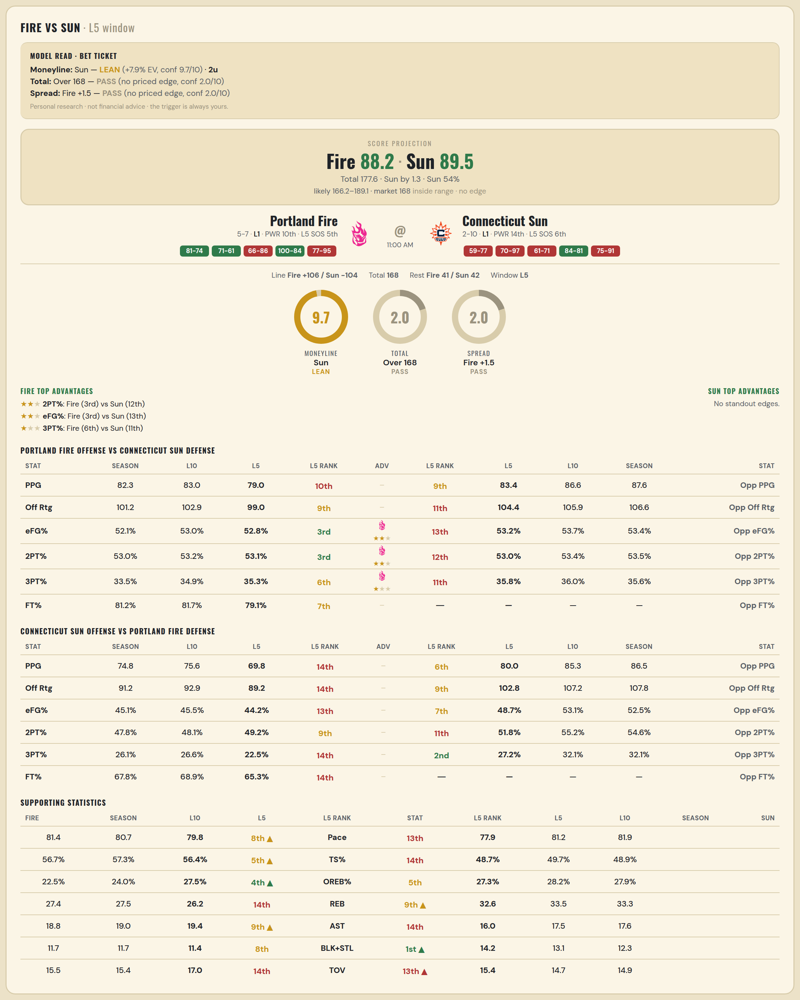

Portland Fire offense vs Connecticut Sun defense
Stat | A Season | A L30 | A L20 | A L15 | A L10 | A L5 | A Rk | Adv | H Rk | H L5 | H L10 | H L15 | H L20 | H L30 | H Season | Opp stat
PPG | 82.333 | 82.333 | 82.333 | 82.333 | 83 | 79 | 10th |  | 9th | 83.4 | 86.6 | 87.333 | 88.05 | 85.667 | 87.583 | Opp PPG
Off Rtg | 101.207 | 101.207 | 101.207 | 101.207 | 102.858 | 98.981 | 9th |  | 11th | 104.415 | 105.948 | 106.868 | 110.27 | 107.199 | 106.62 | Opp Off Rtg
eFG% | 0.521 | 0.521 | 0.521 | 0.521 | 0.53 | 0.528 | 3rd | ★★ | 13th | 0.532 | 0.537 | 0.536 | 0.541 | 0.532 | 0.534 | Opp eFG%
2PT% | 0.53 | 0.53 | 0.53 | 0.53 | 0.532 | 0.531 | 3rd | ★★ | 12th | 0.53 | 0.534 | 0.541 | 0.538 | 0.531 | 0.535 | Opp 2PT%
3PT% | 0.335 | 0.335 | 0.335 | 0.335 | 0.349 | 0.353 | 6th | ★ | 11th | 0.358 | 0.36 | 0.353 | 0.364 | 0.353 | 0.356 | Opp 3PT%
FT% | 0.812 | 0.812 | 0.812 | 0.812 | 0.817 | 0.791 | 7th |  | — | — | — | — | — | — | — | Opp FT%
Pace | 81.387 | 81.387 | 81.387 | 81.387 | 80.664 | 79.816 | 8th |  | — | — | — | — | — | — | — | Opp Pace
TS% | 0.567 | 0.567 | 0.567 | 0.567 | 0.573 | 0.564 | 5th |  | — | — | — | — | — | — | — | Opp TS%
OREB% | 0.225 | 0.225 | 0.225 | 0.225 | 0.24 | 0.275 | 4th |  | — | — | — | — | — | — | — | Opp OREB%
REB | 27.417 | 27.417 | 27.417 | 27.417 | 27.5 | 26.2 | 14th |  | 7th | 32.6 | 32.2 | 33.133 | 33.05 | 33.533 | 32.667 | Opp REB
AST | 18.75 | 18.75 | 18.75 | 18.75 | 19 | 19.4 | 9th |  | — | — | — | — | — | — | — | Opp AST
BLK+STL | 11.667 | 11.667 | 11.667 | 11.667 | 11.7 | 11.4 | 8th |  | — | — | — | — | — | — | — | Opp BLK+STL
TOV | 15.5 | 15.5 | 15.5 | 15.5 | 15.4 | 17 | 14th |  | — | — | — | — | — | — | — | Opp TOV

Connecticut Sun offense vs Portland Fire defense
Stat | A Season | A L30 | A L20 | A L15 | A L10 | A L5 | A Rk | Adv | H Rk | H L5 | H L10 | H L15 | H L20 | H L30 | H Season | Opp stat
PPG | 74.833 | 76.4 | 75.45 | 74.6 | 75.6 | 69.8 | 14th |  | 6th | 80 | 85.333 | 86.455 | 86.455 | 86.455 | 86.455 | Opp PPG
Off Rtg | 91.248 | 95.033 | 93.172 | 91.123 | 92.89 | 89.233 | 14th |  | 9th | 102.757 | 107.194 | 107.761 | 107.761 | 107.761 | 107.761 | Opp Off Rtg
eFG% | 0.451 | 0.461 | 0.453 | 0.446 | 0.455 | 0.442 | 13th |  | 7th | 0.487 | 0.531 | 0.525 | 0.525 | 0.525 | 0.525 | Opp eFG%
2PT% | 0.478 | 0.478 | 0.469 | 0.469 | 0.481 | 0.492 | 9th |  | 11th | 0.518 | 0.552 | 0.546 | 0.546 | 0.546 | 0.546 | Opp 2PT%
3PT% | 0.261 | 0.279 | 0.277 | 0.263 | 0.266 | 0.225 | 14th |  | 2nd | 0.272 | 0.321 | 0.321 | 0.321 | 0.321 | 0.321 | Opp 3PT%
FT% | 0.678 | 0.733 | 0.712 | 0.69 | 0.689 | 0.653 | 14th |  | — | — | — | — | — | — | — | Opp FT%
Pace | 81.937 | 80.28 | 80.844 | 81.752 | 81.168 | 77.912 | 13th |  | — | — | — | — | — | — | — | Opp Pace
TS% | 0.489 | 0.5 | 0.495 | 0.487 | 0.497 | 0.487 | 14th |  | — | — | — | — | — | — | — | Opp TS%
OREB% | 0.279 | 0.264 | 0.276 | 0.269 | 0.282 | 0.273 | 5th |  | — | — | — | — | — | — | — | Opp OREB%
REB | 33.333 | 32.9 | 33.6 | 33.8 | 33.5 | 32.6 | 9th |  | 3rd | 28.6 | 30.444 | 31.909 | 31.909 | 31.909 | 31.909 | Opp REB
AST | 17.583 | 17.767 | 17 | 17.067 | 17.5 | 16 | 14th |  | — | — | — | — | — | — | — | Opp AST
BLK+STL | 12.333 | 11.867 | 10.85 | 11.6 | 13.1 | 14.2 | 1st |  | — | — | — | — | — | — | — | Opp BLK+STL
TOV | 14.917 | 13.133 | 14.15 | 14.467 | 14.7 | 15.4 | 13th |  | — | — | — | — | — | — | — | Opp TOV

WNBA Mystics @ Tempo
Washington Mystics @ Toronto Tempo
WNBA · 2026-07-14 · L5 window

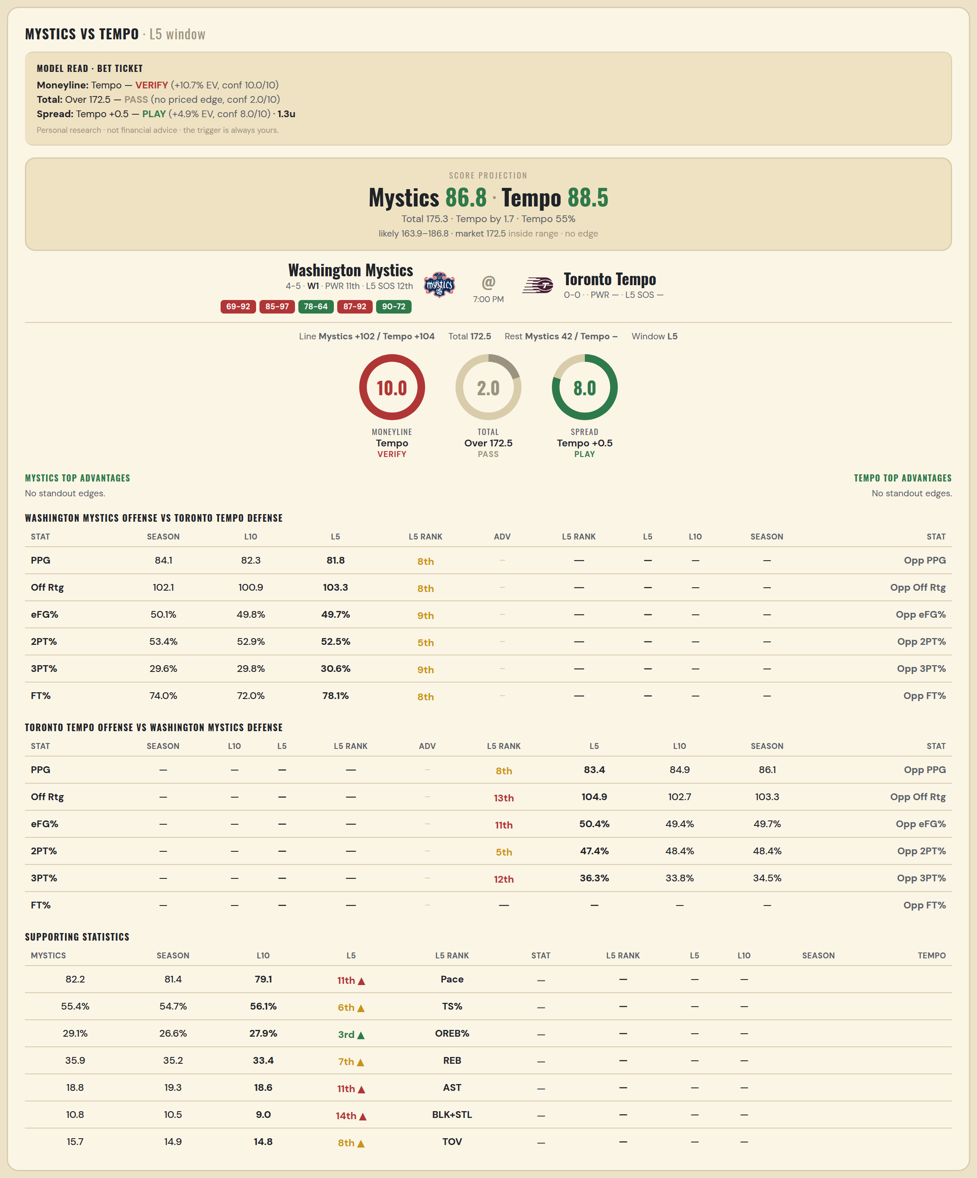

Washington Mystics offense vs Toronto Tempo defense
Stat | A Season | A L30 | A L20 | A L15 | A L10 | A L5 | A Rk | Adv | H Rk | H L5 | H L10 | H L15 | H L20 | H L30 | H Season | Opp stat
PPG | 84.111 | 77.967 | 77.15 | 77.333 | 82.3 | 81.8 | 8th |  | — | — | — | — | — | — | — | Opp PPG
Off Rtg | 102.123 | 98.505 | 97.013 | 96.201 | 100.864 | 103.268 | 8th |  | — | — | — | — | — | — | — | Opp Off Rtg
eFG% | 0.501 | 0.496 | 0.488 | 0.479 | 0.498 | 0.497 | 9th |  | — | — | — | — | — | — | — | Opp eFG%
2PT% | 0.534 | 0.507 | 0.504 | 0.504 | 0.529 | 0.525 | 5th |  | — | — | — | — | — | — | — | Opp 2PT%
3PT% | 0.296 | 0.316 | 0.311 | 0.29 | 0.298 | 0.306 | 9th |  | — | — | — | — | — | — | — | Opp 3PT%
FT% | 0.74 | 0.754 | 0.738 | 0.72 | 0.72 | 0.781 | 8th |  | — | — | — | — | — | — | — | Opp FT%
Pace | 82.213 | 79.015 | 79.324 | 80.083 | 81.364 | 79.144 | 11th |  | — | — | — | — | — | — | — | Opp Pace
TS% | 0.554 | 0.54 | 0.532 | 0.521 | 0.547 | 0.561 | 6th |  | — | — | — | — | — | — | — | Opp TS%
OREB% | 0.291 | 0.233 | 0.23 | 0.239 | 0.266 | 0.279 | 3rd |  | — | — | — | — | — | — | — | Opp OREB%
REB | 35.889 | 32.3 | 33.3 | 33.533 | 35.2 | 33.4 | 7th |  | — | — | — | — | — | — | — | Opp REB
AST | 18.778 | 19.733 | 19.45 | 19 | 19.3 | 18.6 | 11th |  | — | — | — | — | — | — | — | Opp AST
BLK+STL | 10.778 | 10.3 | 9.8 | 10.067 | 10.5 | 9 | 14th |  | — | — | — | — | — | — | — | Opp BLK+STL
TOV | 15.667 | 14.167 | 14.3 | 14.067 | 14.9 | 14.8 | 8th |  | — | — | — | — | — | — | — | Opp TOV

Toronto Tempo offense vs Washington Mystics defense
Stat | A Season | A L30 | A L20 | A L15 | A L10 | A L5 | A Rk | Adv | H Rk | H L5 | H L10 | H L15 | H L20 | H L30 | H Season | Opp stat
PPG | — | — | — | — | — | — | — |  | 8th | 83.4 | 84.889 | 85.857 | 84.737 | 83.345 | 86.125 | Opp PPG
Off Rtg | — | — | — | — | — | — | — |  | 13th | 104.949 | 102.664 | 107.012 | 106.29 | 105.092 | 103.328 | Opp Off Rtg
eFG% | — | — | — | — | — | — | — |  | 11th | 0.504 | 0.494 | 0.518 | 0.516 | 0.519 | 0.497 | Opp eFG%
2PT% | — | — | — | — | — | — | — |  | 5th | 0.474 | 0.484 | 0.508 | 0.508 | 0.512 | 0.484 | Opp 2PT%
3PT% | — | — | — | — | — | — | — |  | 12th | 0.363 | 0.338 | 0.36 | 0.352 | 0.347 | 0.345 | Opp 3PT%
FT% | — | — | — | — | — | — | — |  | — | — | — | — | — | — | — | Opp FT%
Pace | — | — | — | — | — | — | — |  | — | — | — | — | — | — | — | Opp Pace
TS% | — | — | — | — | — | — | — |  | — | — | — | — | — | — | — | Opp TS%
OREB% | — | — | — | — | — | — | — |  | — | — | — | — | — | — | — | Opp OREB%
REB | — | — | — | — | — | — | — |  | 4th | 28.8 | 30.889 | 32.357 | 31.842 | 31.345 | 30.25 | Opp REB
AST | — | — | — | — | — | — | — |  | — | — | — | — | — | — | — | Opp AST
BLK+STL | — | — | — | — | — | — | — |  | — | — | — | — | — | — | — | Opp BLK+STL
TOV | — | — | — | — | — | — | — |  | — | — | — | — | — | — | — | Opp TOV

