MLB Sox @ Orioles
Chicago White Sox @ Baltimore Orioles
MLB · 2026-07-01 · L5 window

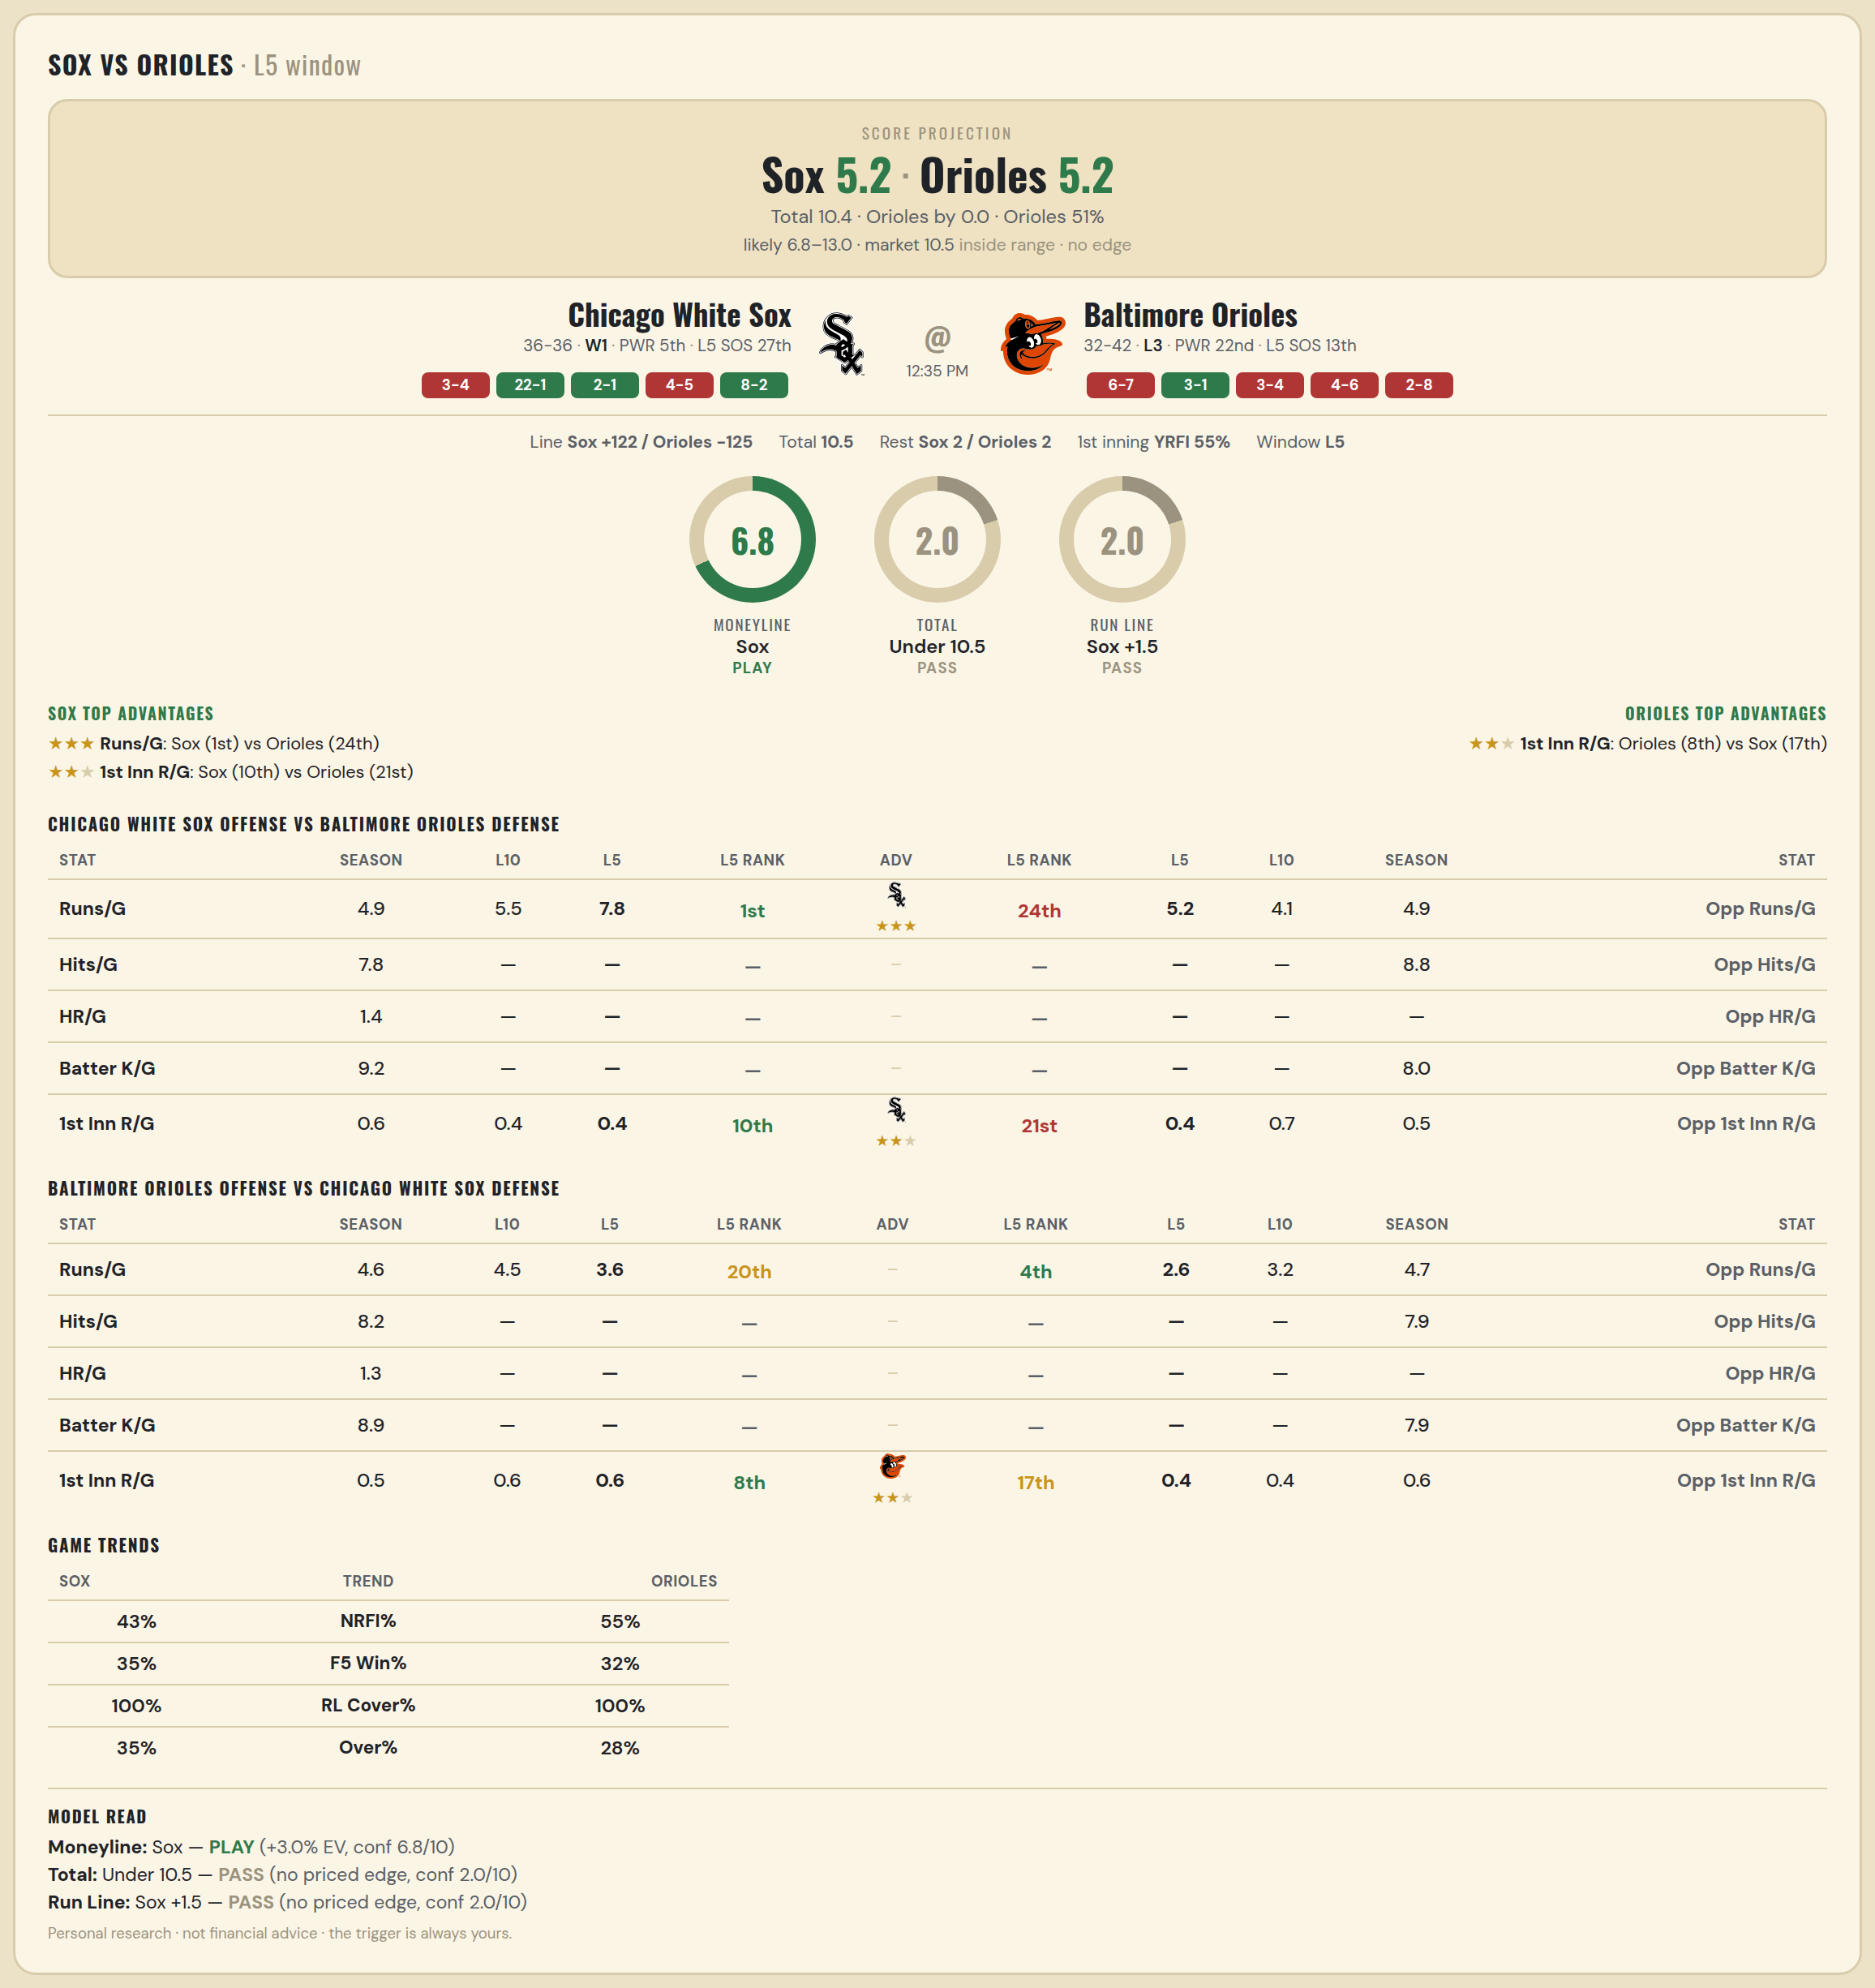

Chicago White Sox offense vs Baltimore Orioles defense
Stat | A Season | A L30 | A L20 | A L15 | A L10 | A L5 | A Rk | Adv | H Rk | H L5 | H L10 | H L15 | H L20 | H L30 | H Season | Opp stat
Runs/G | 4.931 | 5.4 | 5.05 | 4.933 | 5.5 | 7.8 | 1st | ★★★ | 24th | 5.2 | 4.1 | 4.267 | 4.3 | 4.367 | 4.878 | Opp Runs/G
Hits/G | 7.792 | 9.75 | — | — | — | — | — |  | — | — | — | — | — | 8 | 8.833 | Opp Hits/G
HR/G | 1.354 | 1.375 | — | — | — | — | — |  | — | — | — | — | — | — | — | Opp HR/G
Batter K/G | 9.208 | 8.625 | — | — | — | — | — |  | — | — | — | — | — | 6.4 | 8 | Opp Batter K/G
1st Inn R/G | 0.586 | 0.567 | 0.5 | 0.333 | 0.4 | 0.4 | 10th | ★★ | 21st | 0.4 | 0.7 | 0.933 | 0.8 | 0.633 | 0.479 | Opp 1st Inn R/G

Baltimore Orioles offense vs Chicago White Sox defense
Stat | A Season | A L30 | A L20 | A L15 | A L10 | A L5 | A Rk | Adv | H Rk | H L5 | H L10 | H L15 | H L20 | H L30 | H Season | Opp stat
Runs/G | 4.581 | 4.667 | 4.25 | 3.733 | 4.5 | 3.6 | 20th |  | 4th | 2.6 | 3.2 | 4.4 | 4.3 | 4.1 | 4.722 | Opp Runs/G
Hits/G | 8.208 | 8.4 | — | — | — | — | — |  | — | — | — | — | — | 6.25 | 7.854 | Opp Hits/G
HR/G | 1.271 | 1.4 | — | — | — | — | — |  | — | — | — | — | — | — | — | Opp HR/G
Batter K/G | 8.917 | 7 | — | — | — | — | — |  | — | — | — | — | — | 7.75 | 7.938 | Opp Batter K/G
1st Inn R/G | 0.493 | 0.667 | 0.65 | 0.6 | 0.6 | 0.6 | 8th | ★★ | 17th | 0.4 | 0.4 | 0.667 | 0.65 | 0.533 | 0.557 | Opp 1st Inn R/G

MLB Rangers @ Guardians
Texas Rangers @ Cleveland Guardians
MLB · 2026-07-01 · L5 window

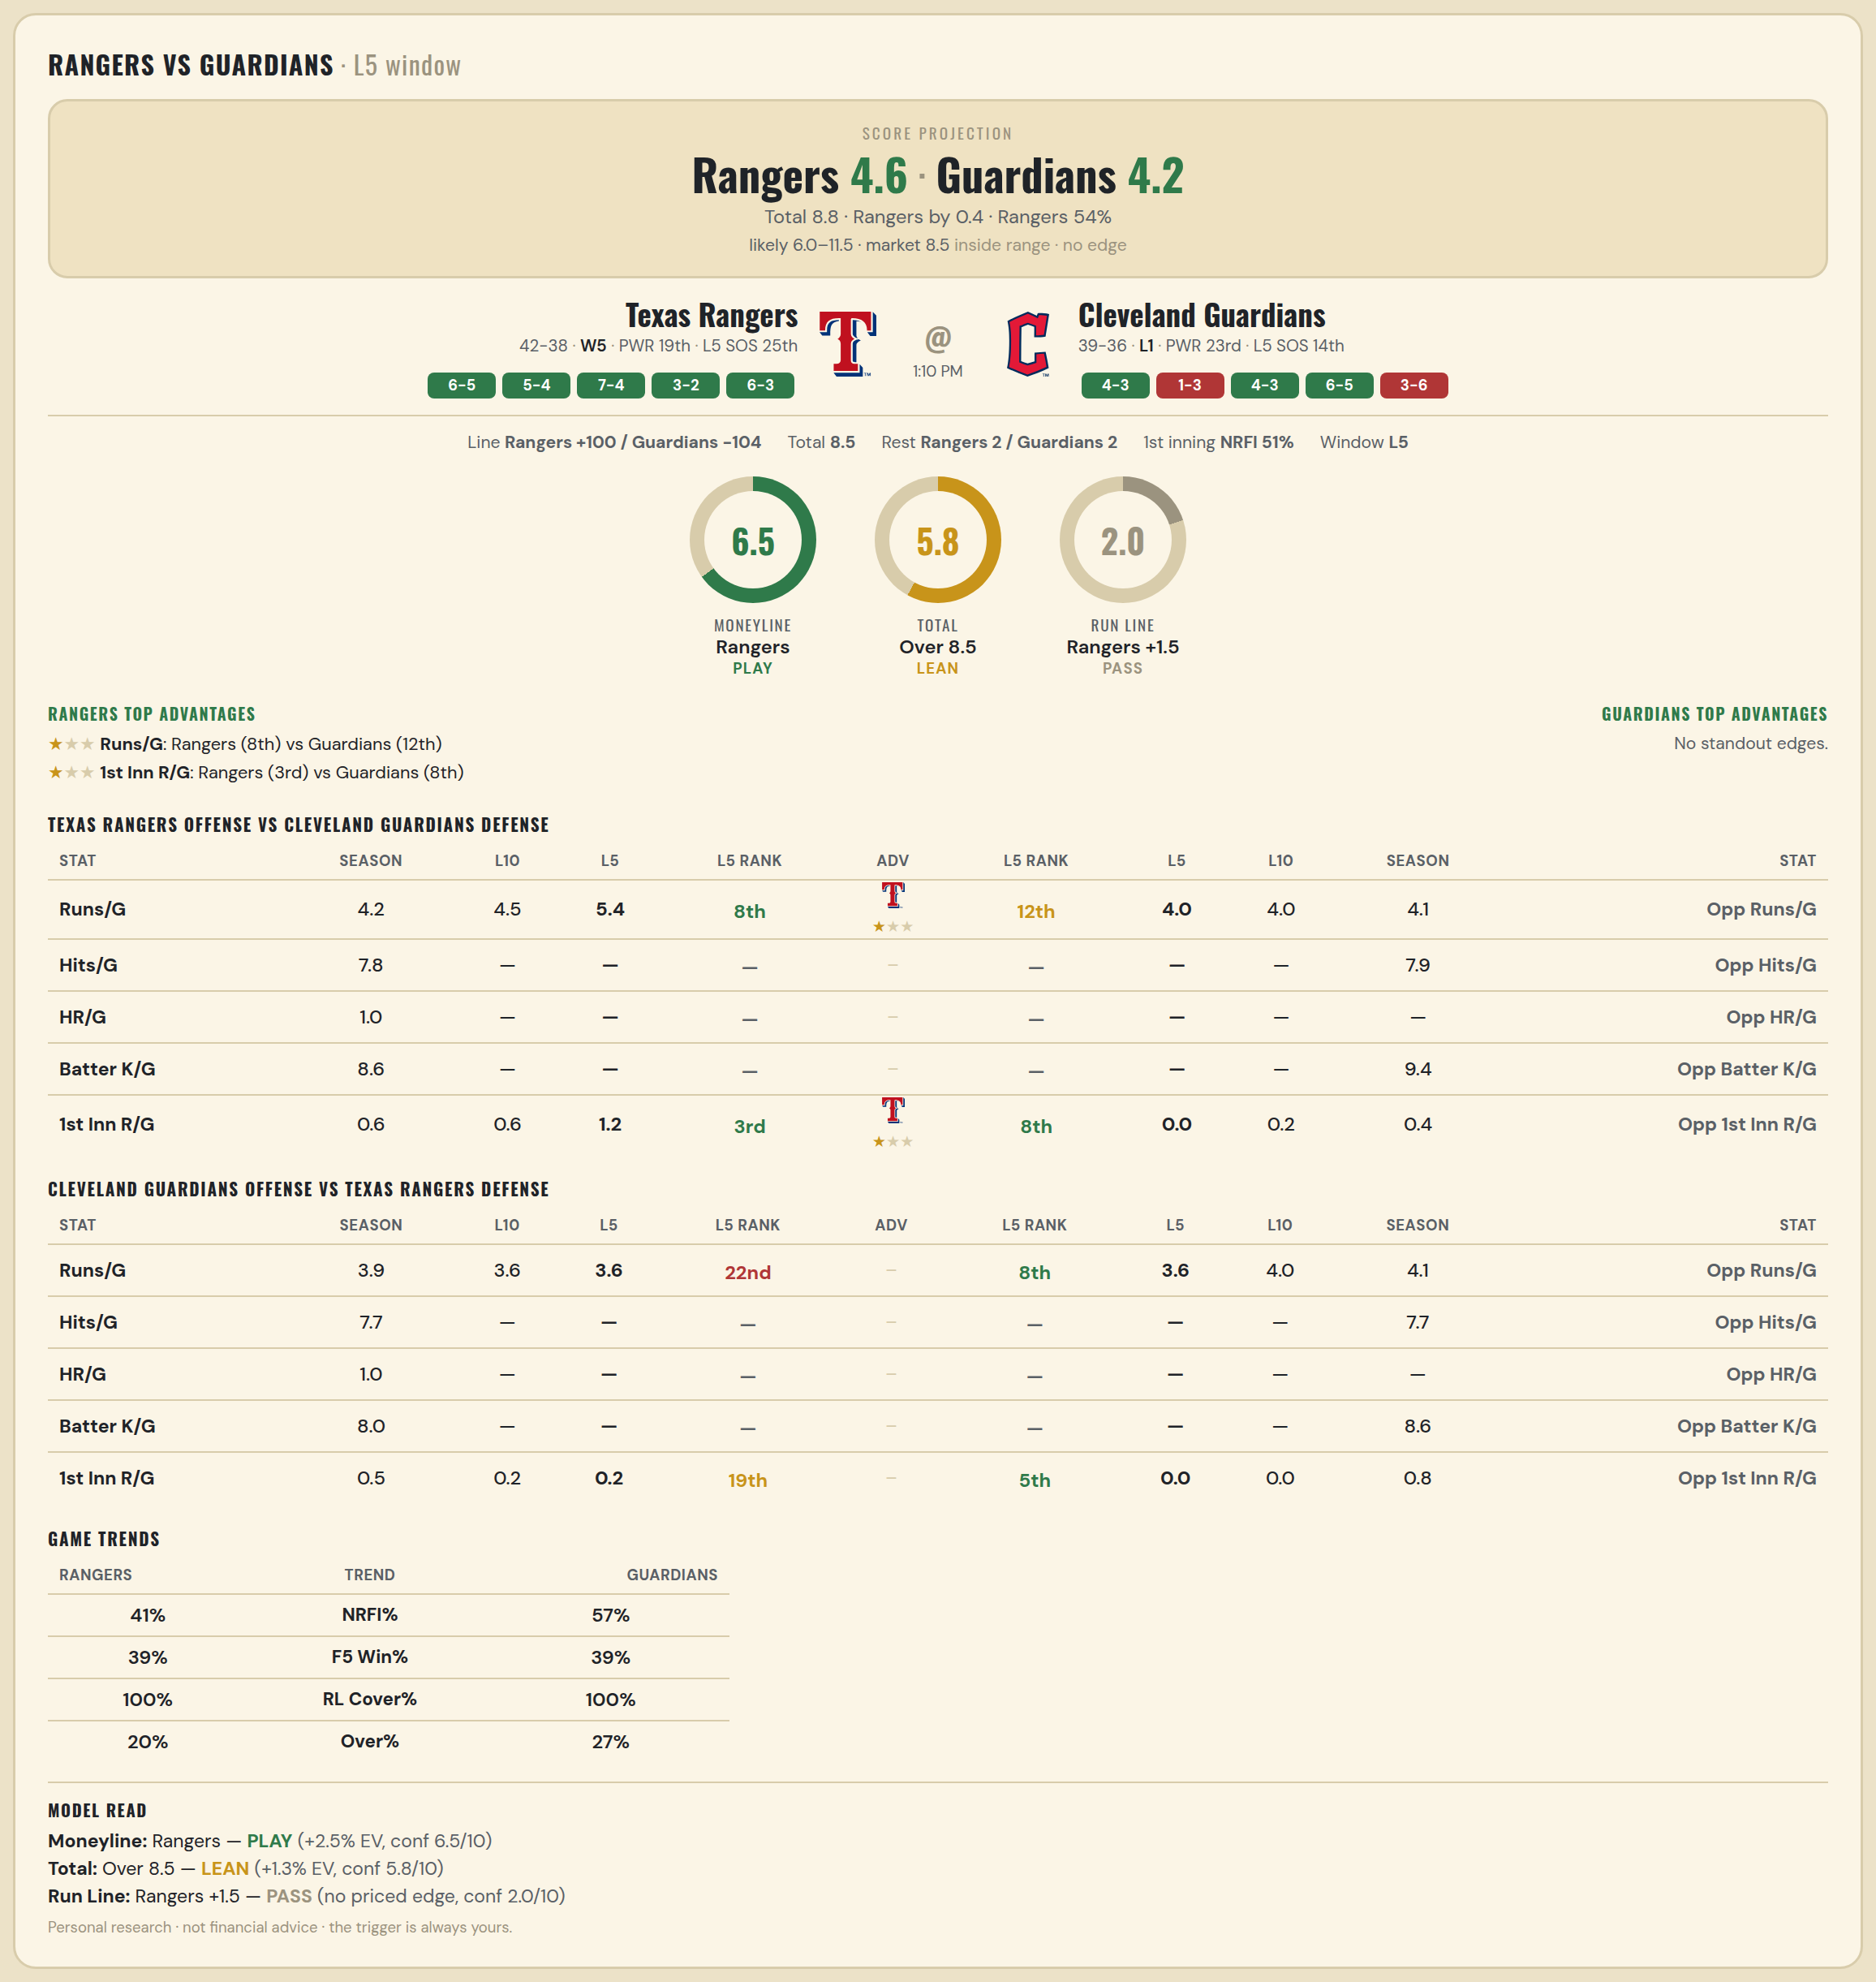

Texas Rangers offense vs Cleveland Guardians defense
Stat | A Season | A L30 | A L20 | A L15 | A L10 | A L5 | A Rk | Adv | H Rk | H L5 | H L10 | H L15 | H L20 | H L30 | H Season | Opp stat
Runs/G | 4.15 | 4.4 | 4.2 | 4.467 | 4.5 | 5.4 | 8th | ★ | 12th | 4 | 4 | 3.733 | 4.2 | 4.533 | 4.133 | Opp Runs/G
Hits/G | 7.816 | 9.167 | — | — | — | — | — |  | — | — | — | — | — | 10.429 | 7.939 | Opp Hits/G
HR/G | 1.041 | 1 | — | — | — | — | — |  | — | — | — | — | — | — | — | Opp HR/G
Batter K/G | 8.592 | 8.833 | — | — | — | — | — |  | — | — | — | — | — | 9 | 9.388 | Opp Batter K/G
1st Inn R/G | 0.63 | 0.867 | 0.75 | 0.867 | 0.6 | 1.2 | 3rd | ★ | 8th | 0 | 0.2 | 0.4 | 0.5 | 0.467 | 0.375 | Opp 1st Inn R/G

Cleveland Guardians offense vs Texas Rangers defense
Stat | A Season | A L30 | A L20 | A L15 | A L10 | A L5 | A Rk | Adv | H Rk | H L5 | H L10 | H L15 | H L20 | H L30 | H Season | Opp stat
Runs/G | 3.88 | 3.4 | 3.4 | 3.4 | 3.6 | 3.6 | 22nd |  | 8th | 3.6 | 4 | 5.067 | 5.15 | 4.533 | 4.138 | Opp Runs/G
Hits/G | 7.735 | 9.143 | — | — | — | — | — |  | — | — | — | — | — | 8.167 | 7.673 | Opp Hits/G
HR/G | 0.959 | 0.286 | — | — | — | — | — |  | — | — | — | — | — | — | — | Opp HR/G
Batter K/G | 8 | 9.429 | — | — | — | — | — |  | — | — | — | — | — | 9.167 | 8.571 | Opp Batter K/G
1st Inn R/G | 0.5 | 0.3 | 0.15 | 0.133 | 0.2 | 0.2 | 19th |  | 5th | 0 | 0 | 0.933 | 0.8 | 0.7 | 0.781 | Opp 1st Inn R/G

MLB Nationals @ Sox
Washington Nationals @ Boston Red Sox
MLB · 2026-07-01 · L5 window

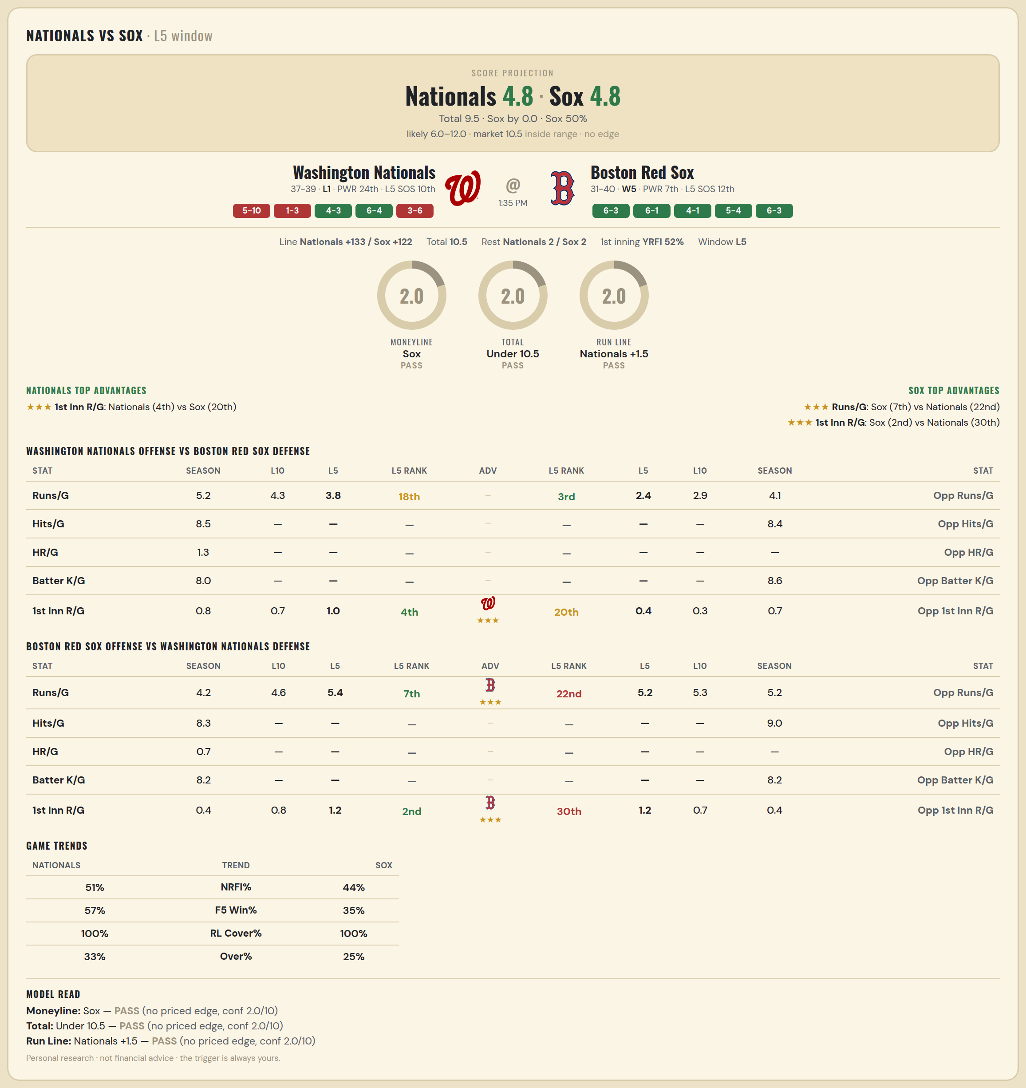

Washington Nationals offense vs Boston Red Sox defense
Stat | A Season | A L30 | A L20 | A L15 | A L10 | A L5 | A Rk | Adv | H Rk | H L5 | H L10 | H L15 | H L20 | H L30 | H Season | Opp stat
Runs/G | 5.184 | 4.933 | 5 | 4.667 | 4.3 | 3.8 | 18th |  | 3rd | 2.4 | 2.9 | 3.333 | 3.4 | 3.633 | 4.099 | Opp Runs/G
Hits/G | 8.52 | 7.5 | — | — | — | — | — |  | — | — | — | — | — | 8.667 | 8.391 | Opp Hits/G
HR/G | 1.26 | 1 | — | — | — | — | — |  | — | — | — | — | — | — | — | Opp HR/G
Batter K/G | 7.98 | 7.167 | — | — | — | — | — |  | — | — | — | — | — | 10.333 | 8.587 | Opp Batter K/G
1st Inn R/G | 0.824 | 0.633 | 0.65 | 0.533 | 0.7 | 1 | 4th | ★★★ | 20th | 0.4 | 0.3 | 0.333 | 0.35 | 0.633 | 0.714 | Opp 1st Inn R/G

Boston Red Sox offense vs Washington Nationals defense
Stat | A Season | A L30 | A L20 | A L15 | A L10 | A L5 | A Rk | Adv | H Rk | H L5 | H L10 | H L15 | H L20 | H L30 | H Season | Opp stat
Runs/G | 4.197 | 4.467 | 4.25 | 4 | 4.6 | 5.4 | 7th | ★★★ | 22nd | 5.2 | 5.3 | 4.8 | 5.1 | 4.767 | 5.197 | Opp Runs/G
Hits/G | 8.304 | 10.333 | — | — | — | — | — |  | — | — | — | — | — | 8.333 | 9.04 | Opp Hits/G
HR/G | 0.739 | 0.5 | — | — | — | — | — |  | — | — | — | — | — | — | — | Opp HR/G
Batter K/G | 8.239 | 8.333 | — | — | — | — | — |  | — | — | — | — | — | 6.667 | 8.2 | Opp Batter K/G
1st Inn R/G | 0.357 | 0.433 | 0.5 | 0.533 | 0.8 | 1.2 | 2nd | ★★★ | 30th | 1.2 | 0.7 | 0.6 | 0.45 | 0.4 | 0.405 | Opp 1st Inn R/G

MLB Tigers @ Yankees
Detroit Tigers @ New York Yankees
MLB · 2026-07-01 · L5 window

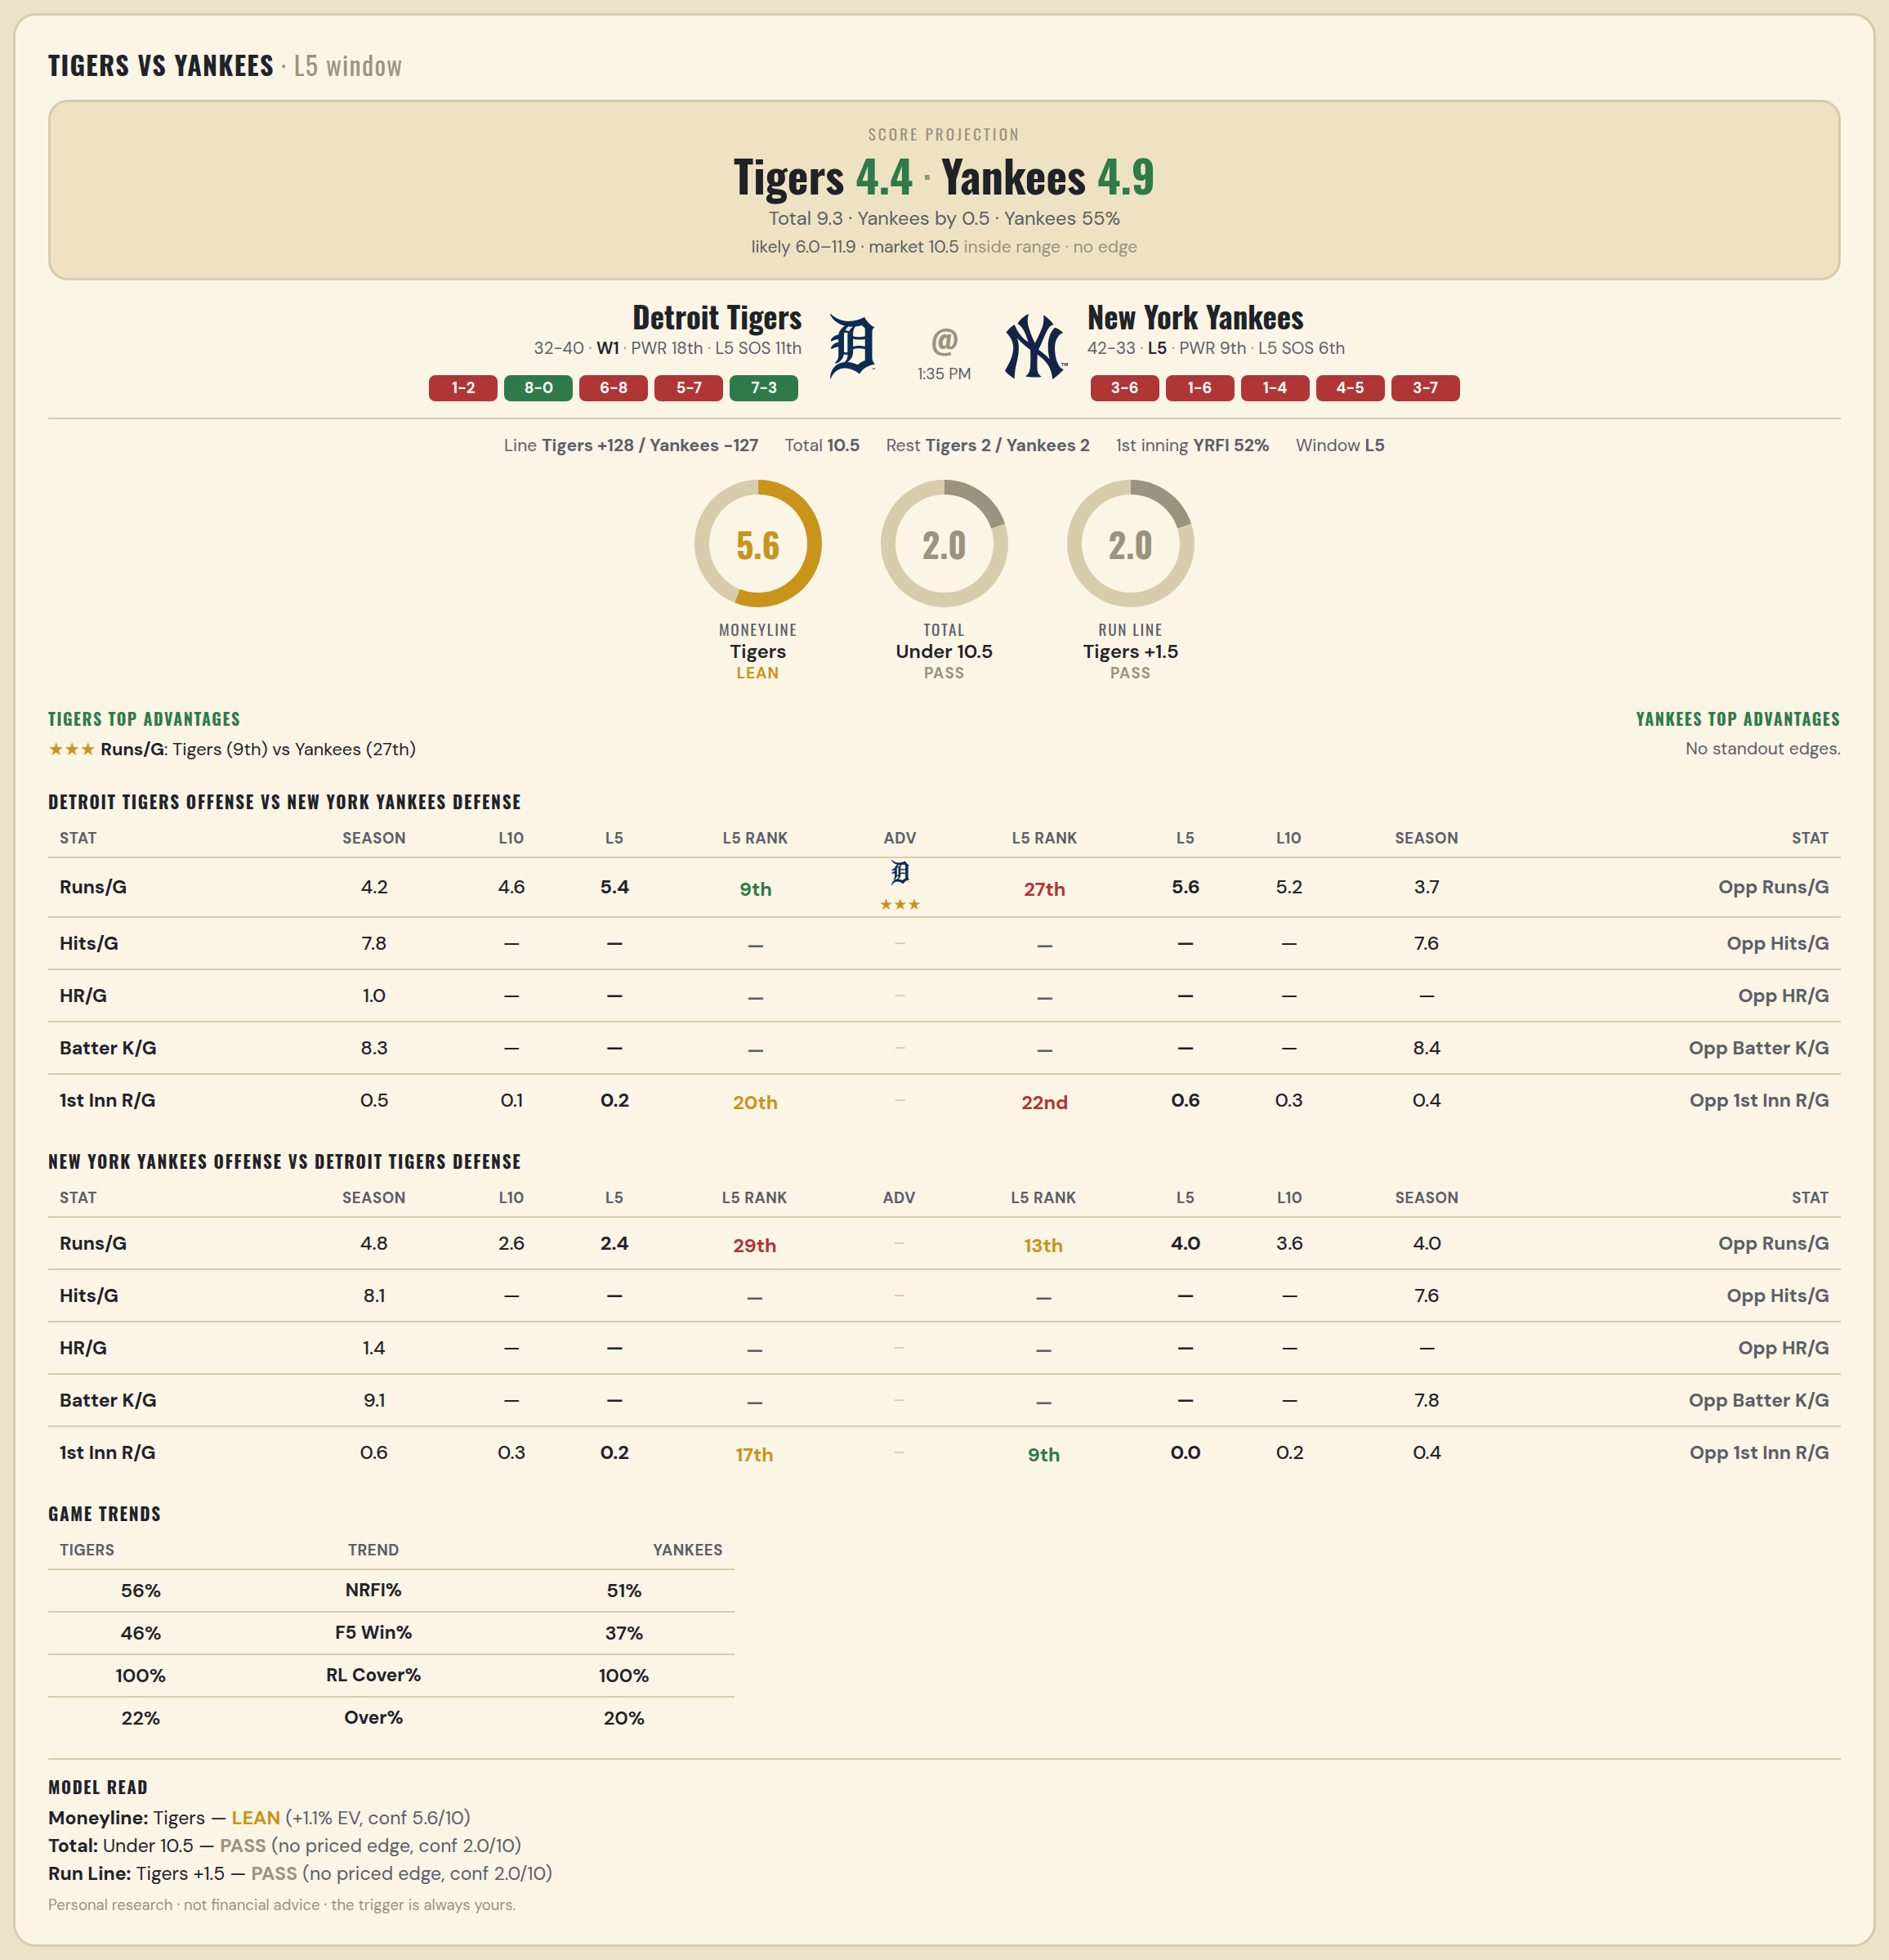

Detroit Tigers offense vs New York Yankees defense
Stat | A Season | A L30 | A L20 | A L15 | A L10 | A L5 | A Rk | Adv | H Rk | H L5 | H L10 | H L15 | H L20 | H L30 | H Season | Opp stat
Runs/G | 4.222 | 4.6 | 4.8 | 4.267 | 4.6 | 5.4 | 9th | ★★★ | 27th | 5.6 | 5.2 | 4.467 | 4.35 | 4.167 | 3.667 | Opp Runs/G
Hits/G | 7.755 | 7.429 | — | — | — | — | — |  | — | — | — | — | — | 8.333 | 7.609 | Opp Hits/G
HR/G | 1.02 | 1.714 | — | — | — | — | — |  | — | — | — | — | — | — | — | Opp HR/G
Batter K/G | 8.306 | 7.857 | — | — | — | — | — |  | — | — | — | — | — | 8.167 | 8.435 | Opp Batter K/G
1st Inn R/G | 0.514 | 0.467 | 0.35 | 0.333 | 0.1 | 0.2 | 20th |  | 22nd | 0.6 | 0.3 | 0.267 | 0.4 | 0.467 | 0.429 | Opp 1st Inn R/G

New York Yankees offense vs Detroit Tigers defense
Stat | A Season | A L30 | A L20 | A L15 | A L10 | A L5 | A Rk | Adv | H Rk | H L5 | H L10 | H L15 | H L20 | H L30 | H Season | Opp stat
Runs/G | 4.8 | 5.133 | 4.4 | 4.133 | 2.6 | 2.4 | 29th |  | 13th | 4 | 3.6 | 3.533 | 3.5 | 3.6 | 4 | Opp Runs/G
Hits/G | 8.109 | 11.5 | — | — | — | — | — |  | — | — | — | — | — | 7.143 | 7.592 | Opp Hits/G
HR/G | 1.413 | 1.833 | — | — | — | — | — |  | — | — | — | — | — | — | — | Opp HR/G
Batter K/G | 9.13 | 7.833 | — | — | — | — | — |  | — | — | — | — | — | 7.571 | 7.776 | Opp Batter K/G
1st Inn R/G | 0.629 | 0.533 | 0.35 | 0.333 | 0.3 | 0.2 | 17th |  | 9th | 0 | 0.2 | 0.2 | 0.2 | 0.267 | 0.361 | Opp 1st Inn R/G

MLB Padres @ Cubs
San Diego Padres @ Chicago Cubs
MLB · 2026-07-01 · L5 window

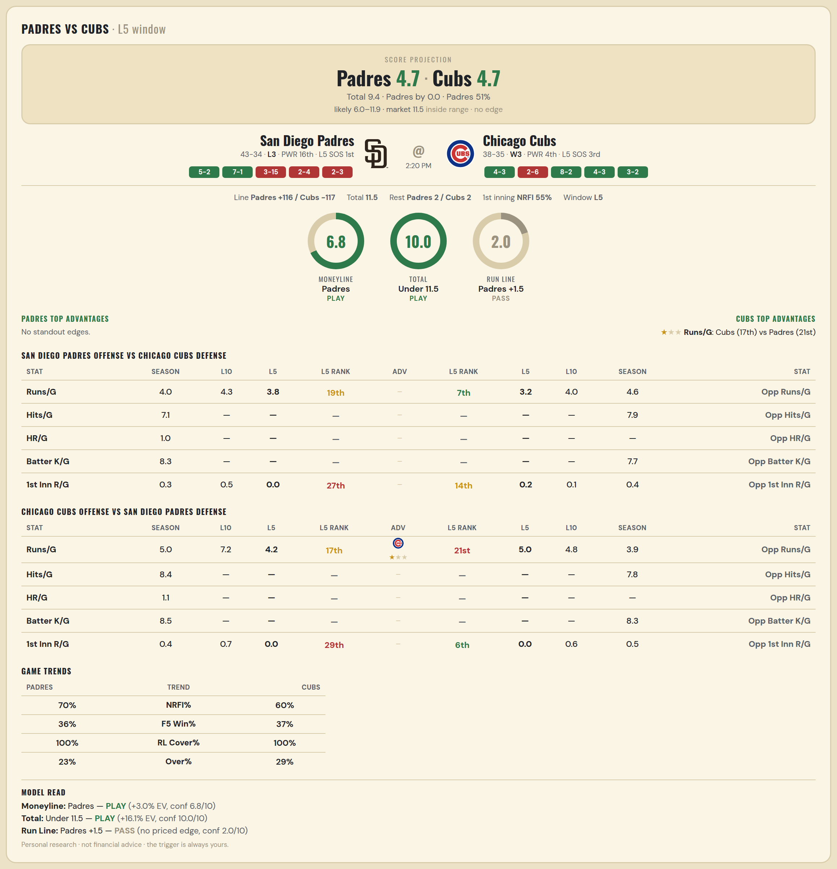

San Diego Padres offense vs Chicago Cubs defense
Stat | A Season | A L30 | A L20 | A L15 | A L10 | A L5 | A Rk | Adv | H Rk | H L5 | H L10 | H L15 | H L20 | H L30 | H Season | Opp stat
Runs/G | 3.987 | 3.733 | 4.25 | 4.333 | 4.3 | 3.8 | 19th |  | 7th | 3.2 | 4 | 4.067 | 3.85 | 4.267 | 4.644 | Opp Runs/G
Hits/G | 7.087 | 6.833 | — | — | — | — | — |  | — | — | — | — | — | 6.833 | 7.896 | Opp Hits/G
HR/G | 1.022 | 1.333 | — | — | — | — | — |  | — | — | — | — | — | — | — | Opp HR/G
Batter K/G | 8.348 | 9.333 | — | — | — | — | — |  | — | — | — | — | — | 7 | 7.708 | Opp Batter K/G
1st Inn R/G | 0.329 | 0.433 | 0.6 | 0.667 | 0.5 | 0 | 27th |  | 14th | 0.2 | 0.1 | 0.067 | 0.2 | 0.4 | 0.444 | Opp 1st Inn R/G

Chicago Cubs offense vs San Diego Padres defense
Stat | A Season | A L30 | A L20 | A L15 | A L10 | A L5 | A Rk | Adv | H Rk | H L5 | H L10 | H L15 | H L20 | H L30 | H Season | Opp stat
Runs/G | 5.027 | 5.367 | 5.7 | 6.267 | 7.2 | 4.2 | 17th | ★ | 21st | 5 | 4.8 | 4 | 4.25 | 4.3 | 3.87 | Opp Runs/G
Hits/G | 8.438 | 9.333 | — | — | — | — | — |  | — | — | — | — | — | 8.333 | 7.848 | Opp Hits/G
HR/G | 1.104 | 1 | — | — | — | — | — |  | — | — | — | — | — | — | — | Opp HR/G
Batter K/G | 8.458 | 8.833 | — | — | — | — | — |  | — | — | — | — | — | 4.833 | 8.304 | Opp Batter K/G
1st Inn R/G | 0.417 | 0.533 | 0.5 | 0.667 | 0.7 | 0 | 29th |  | 6th | 0 | 0.6 | 0.533 | 0.6 | 0.5 | 0.457 | Opp 1st Inn R/G

MLB Mets @ Jays
New York Mets @ Toronto Blue Jays
MLB · 2026-07-01 · L5 window

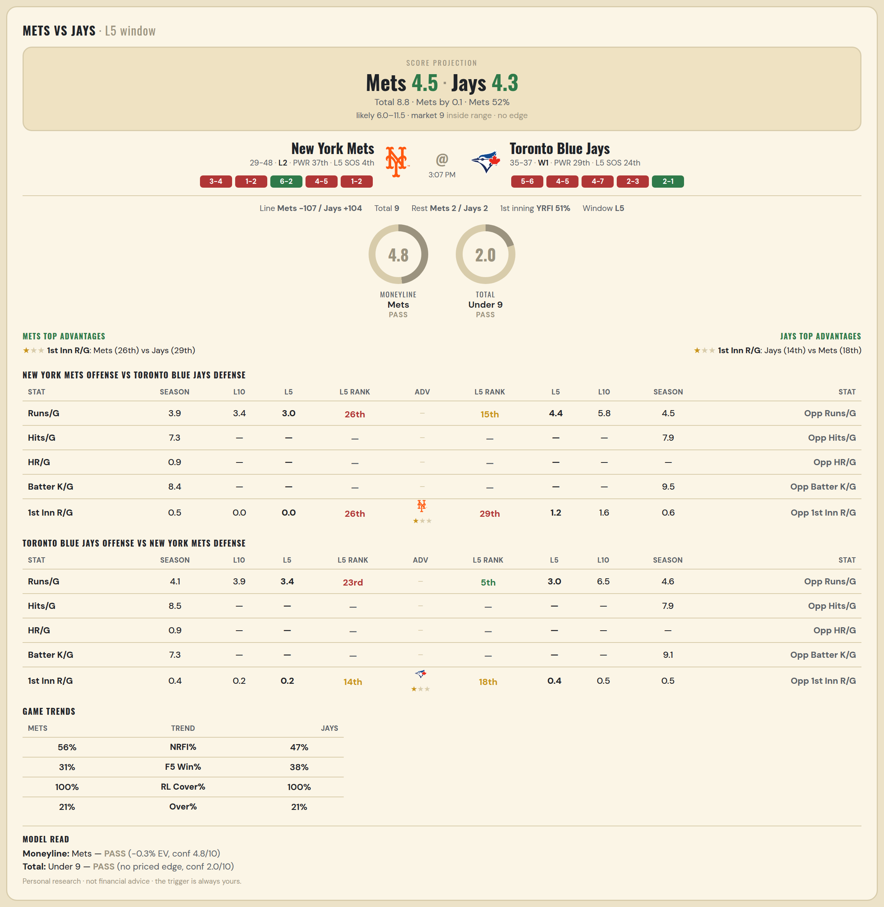

New York Mets offense vs Toronto Blue Jays defense
Stat | A Season | A L30 | A L20 | A L15 | A L10 | A L5 | A Rk | Adv | H Rk | H L5 | H L10 | H L15 | H L20 | H L30 | H Season | Opp stat
Runs/G | 3.87 | 4.333 | 3.75 | 4 | 3.4 | 3 | 26th |  | 15th | 4.4 | 5.8 | 4.867 | 4.8 | 4.933 | 4.472 | Opp Runs/G
Hits/G | 7.306 | 6.833 | — | — | — | — | — |  | — | — | — | — | — | 8.333 | 7.894 | Opp Hits/G
HR/G | 0.939 | 2.167 | — | — | — | — | — |  | — | — | — | — | — | — | — | Opp HR/G
Batter K/G | 8.408 | 8.5 | — | — | — | — | — |  | — | — | — | — | — | 6.833 | 9.489 | Opp Batter K/G
1st Inn R/G | 0.548 | 0.633 | 0.55 | 0.4 | 0 | 0 | 26th | ★ | 29th | 1.2 | 1.6 | 1.067 | 0.9 | 0.733 | 0.577 | Opp 1st Inn R/G

Toronto Blue Jays offense vs New York Mets defense
Stat | A Season | A L30 | A L20 | A L15 | A L10 | A L5 | A Rk | Adv | H Rk | H L5 | H L10 | H L15 | H L20 | H L30 | H Season | Opp stat
Runs/G | 4.056 | 4.033 | 3.95 | 3.733 | 3.9 | 3.4 | 23rd |  | 5th | 3 | 6.5 | 5.867 | 5.8 | 4.833 | 4.584 | Opp Runs/G
Hits/G | 8.468 | 8.167 | — | — | — | — | — |  | — | — | — | — | — | 7.333 | 7.918 | Opp Hits/G
HR/G | 0.915 | 1 | — | — | — | — | — |  | — | — | — | — | — | — | — | Opp HR/G
Batter K/G | 7.298 | 7.5 | — | — | — | — | — |  | — | — | — | — | — | 9 | 9.061 | Opp Batter K/G
1st Inn R/G | 0.437 | 0.267 | 0.3 | 0.2 | 0.2 | 0.2 | 14th | ★ | 18th | 0.4 | 0.5 | 0.933 | 0.85 | 0.6 | 0.521 | Opp 1st Inn R/G

MLB Pirates @ Phillies
Pittsburgh Pirates @ Philadelphia Phillies
MLB · 2026-07-01 · L5 window

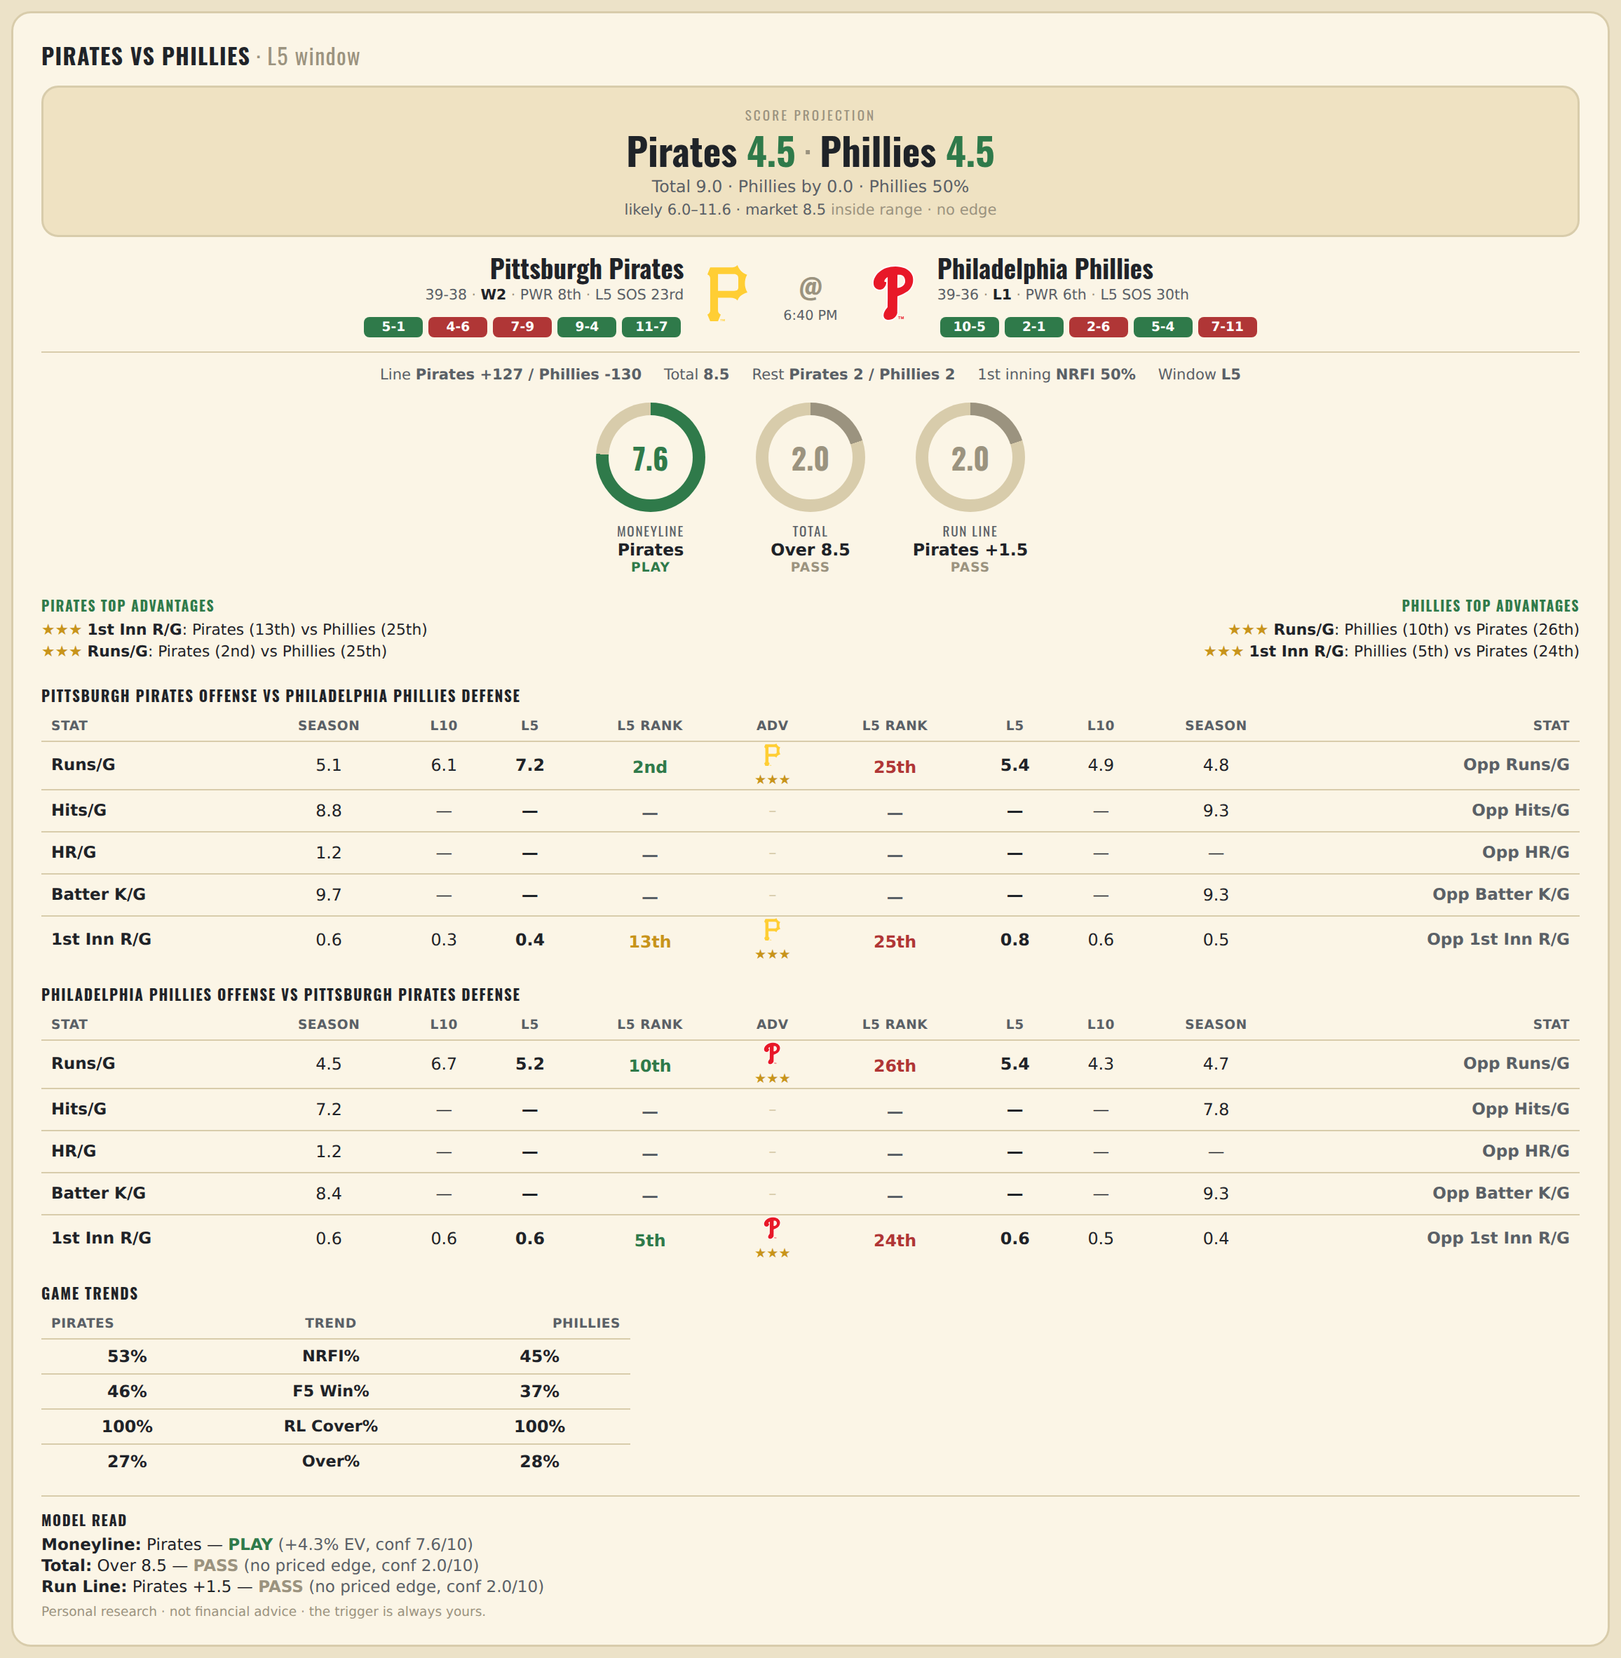

Pittsburgh Pirates offense vs Philadelphia Phillies defense
Stat | A Season | A L30 | A L20 | A L15 | A L10 | A L5 | A Rk | Adv | H Rk | H L5 | H L10 | H L15 | H L20 | H L30 | H Season | Opp stat
Runs/G | 5.104 | 5.667 | 5.45 | 5.733 | 6.1 | 7.2 | 2nd | ★★★ | 25th | 5.4 | 4.9 | 4.867 | 4.8 | 4.567 | 4.827 | Opp Runs/G
Hits/G | 8.812 | 9.5 | — | — | — | — | — |  | — | — | — | — | — | 8.4 | 9.319 | Opp Hits/G
HR/G | 1.188 | 2.167 | — | — | — | — | — |  | — | — | — | — | — | — | — | Opp HR/G
Batter K/G | 9.708 | 9.167 | — | — | — | — | — |  | — | — | — | — | — | 8.8 | 9.277 | Opp Batter K/G
1st Inn R/G | 0.569 | 0.5 | 0.5 | 0.467 | 0.3 | 0.4 | 13th | ★★★ | 25th | 0.8 | 0.6 | 0.733 | 0.6 | 0.567 | 0.542 | Opp 1st Inn R/G

Philadelphia Phillies offense vs Pittsburgh Pirates defense
Stat | A Season | A L30 | A L20 | A L15 | A L10 | A L5 | A Rk | Adv | H Rk | H L5 | H L10 | H L15 | H L20 | H L30 | H Season | Opp stat
Runs/G | 4.507 | 5.167 | 5.65 | 6 | 6.7 | 5.2 | 10th | ★★★ | 26th | 5.4 | 4.3 | 4.6 | 5.4 | 5.733 | 4.701 | Opp Runs/G
Hits/G | 7.234 | 5.8 | — | — | — | — | — |  | — | — | — | — | — | 9.333 | 7.792 | Opp Hits/G
HR/G | 1.213 | 1.2 | — | — | — | — | — |  | — | — | — | — | — | — | — | Opp HR/G
Batter K/G | 8.426 | 8.4 | — | — | — | — | — |  | — | — | — | — | — | 11.5 | 9.292 | Opp Batter K/G
1st Inn R/G | 0.597 | 0.5 | 0.7 | 0.8 | 0.6 | 0.6 | 5th | ★★★ | 24th | 0.6 | 0.5 | 0.6 | 0.45 | 0.533 | 0.417 | Opp 1st Inn R/G

MLB Cardinals @ Braves
St. Louis Cardinals @ Atlanta Braves
MLB · 2026-07-01 · L5 window

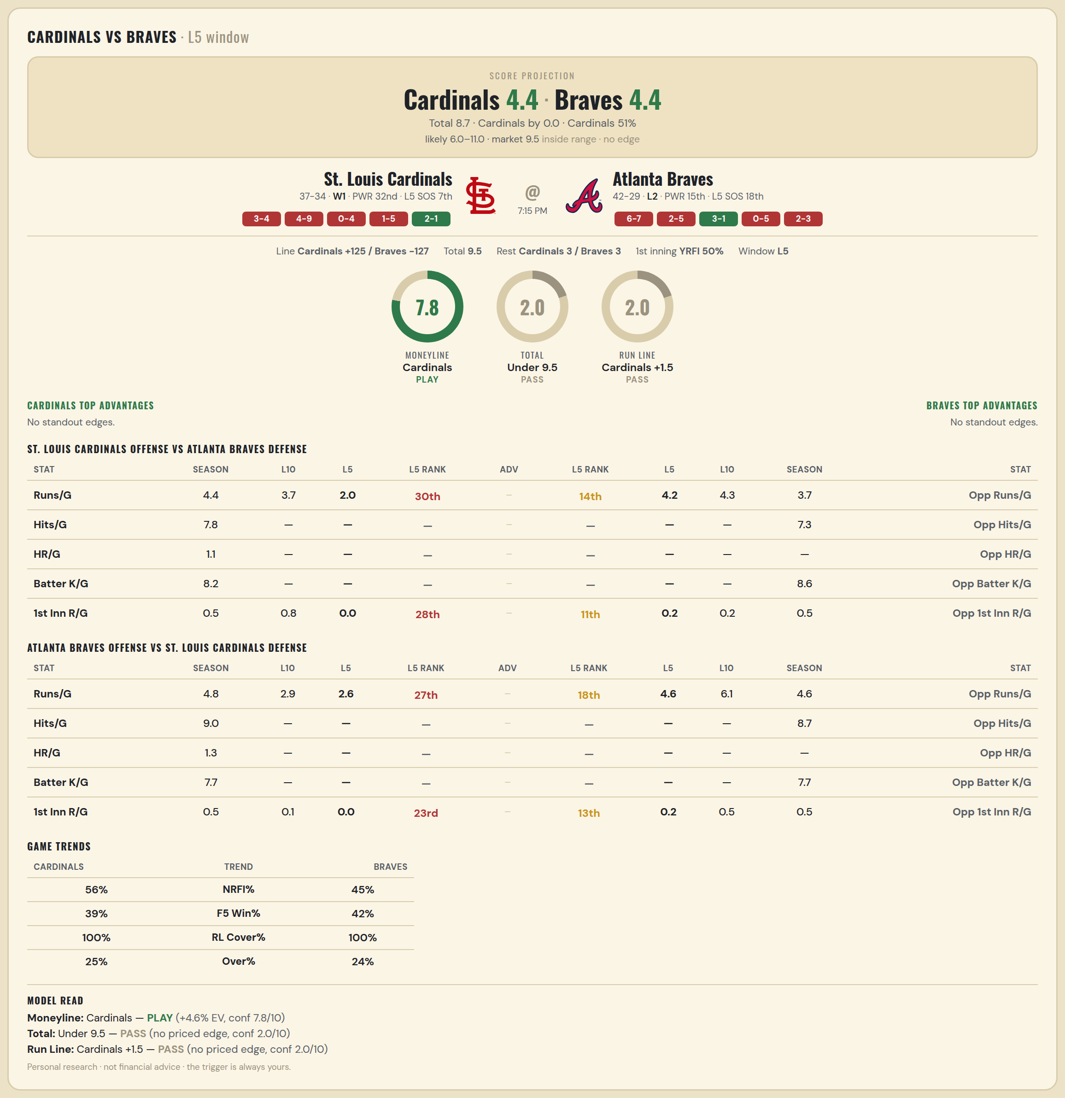

St. Louis Cardinals offense vs Atlanta Braves defense
Stat | A Season | A L30 | A L20 | A L15 | A L10 | A L5 | A Rk | Adv | H Rk | H L5 | H L10 | H L15 | H L20 | H L30 | H Season | Opp stat
Runs/G | 4.423 | 4.3 | 4.75 | 4.267 | 3.7 | 2 | 30th |  | 14th | 4.2 | 4.3 | 4.533 | 4.45 | 4.2 | 3.746 | Opp Runs/G
Hits/G | 7.826 | 7.125 | — | — | — | — | — |  | — | — | — | — | — | 8.778 | 7.312 | Opp Hits/G
HR/G | 1.109 | 0.625 | — | — | — | — | — |  | — | — | — | — | — | — | — | Opp HR/G
Batter K/G | 8.196 | 8.375 | — | — | — | — | — |  | — | — | — | — | — | 8.889 | 8.562 | Opp Batter K/G
1st Inn R/G | 0.529 | 0.733 | 0.7 | 0.733 | 0.8 | 0 | 28th |  | 11th | 0.2 | 0.2 | 0.6 | 0.5 | 0.467 | 0.536 | Opp 1st Inn R/G

Atlanta Braves offense vs St. Louis Cardinals defense
Stat | A Season | A L30 | A L20 | A L15 | A L10 | A L5 | A Rk | Adv | H Rk | H L5 | H L10 | H L15 | H L20 | H L30 | H Season | Opp stat
Runs/G | 4.817 | 3.633 | 3.15 | 2.733 | 2.9 | 2.6 | 27th |  | 18th | 4.6 | 6.1 | 5.533 | 4.9 | 4.6 | 4.577 | Opp Runs/G
Hits/G | 8.958 | 7.222 | — | — | — | — | — |  | — | — | — | — | — | 8.875 | 8.652 | Opp Hits/G
HR/G | 1.333 | 1.444 | — | — | — | — | — |  | — | — | — | — | — | — | — | Opp HR/G
Batter K/G | 7.688 | 8 | — | — | — | — | — |  | — | — | — | — | — | 9.625 | 7.739 | Opp Batter K/G
1st Inn R/G | 0.536 | 0.4 | 0.4 | 0.267 | 0.1 | 0 | 23rd |  | 13th | 0.2 | 0.5 | 0.4 | 0.45 | 0.6 | 0.544 | Opp 1st Inn R/G

MLB Rays @ Royals
Tampa Bay Rays @ Kansas City Royals
MLB · 2026-07-01 · L5 window

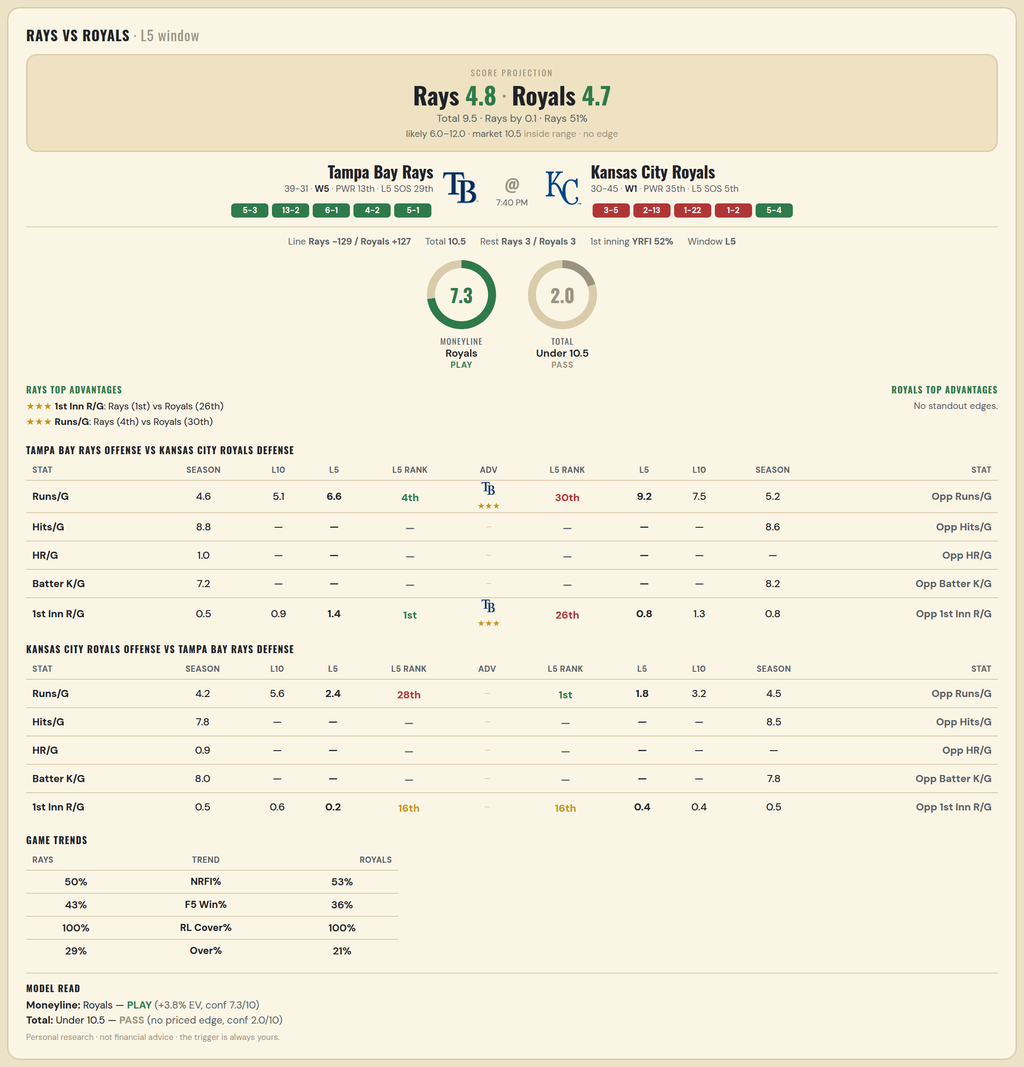

Tampa Bay Rays offense vs Kansas City Royals defense
Stat | A Season | A L30 | A L20 | A L15 | A L10 | A L5 | A Rk | Adv | H Rk | H L5 | H L10 | H L15 | H L20 | H L30 | H Season | Opp stat
Runs/G | 4.643 | 4.1 | 4.2 | 4.4 | 5.1 | 6.6 | 4th | ★★★ | 30th | 9.2 | 7.5 | 6.533 | 6.3 | 5.867 | 5.213 | Opp Runs/G
Hits/G | 8.778 | 7.714 | — | — | — | — | — |  | — | — | — | — | — | 8.667 | 8.604 | Opp Hits/G
HR/G | 0.956 | 1 | — | — | — | — | — |  | — | — | — | — | — | — | — | Opp HR/G
Batter K/G | 7.244 | 8 | — | — | — | — | — |  | — | — | — | — | — | 9.167 | 8.208 | Opp Batter K/G
1st Inn R/G | 0.544 | 0.667 | 0.6 | 0.733 | 0.9 | 1.4 | 1st | ★★★ | 26th | 0.8 | 1.3 | 0.867 | 1.15 | 1.133 | 0.833 | Opp 1st Inn R/G

Kansas City Royals offense vs Tampa Bay Rays defense
Stat | A Season | A L30 | A L20 | A L15 | A L10 | A L5 | A Rk | Adv | H Rk | H L5 | H L10 | H L15 | H L20 | H L30 | H Season | Opp stat
Runs/G | 4.213 | 4.867 | 5.25 | 5.333 | 5.6 | 2.4 | 28th |  | 1st | 1.8 | 3.2 | 3.533 | 3.5 | 4.567 | 4.5 | Opp Runs/G
Hits/G | 7.792 | 7.833 | — | — | — | — | — |  | — | — | — | — | — | 11 | 8.467 | Opp Hits/G
HR/G | 0.896 | 0.833 | — | — | — | — | — |  | — | — | — | — | — | — | — | Opp HR/G
Batter K/G | 8.021 | 8.667 | — | — | — | — | — |  | — | — | — | — | — | 7 | 7.778 | Opp Batter K/G
1st Inn R/G | 0.458 | 0.767 | 0.65 | 0.533 | 0.6 | 0.2 | 16th |  | 16th | 0.4 | 0.4 | 0.267 | 0.3 | 0.667 | 0.485 | Opp 1st Inn R/G

MLB Twins @ Astros
Minnesota Twins @ Houston Astros
MLB · 2026-07-01 · L5 window

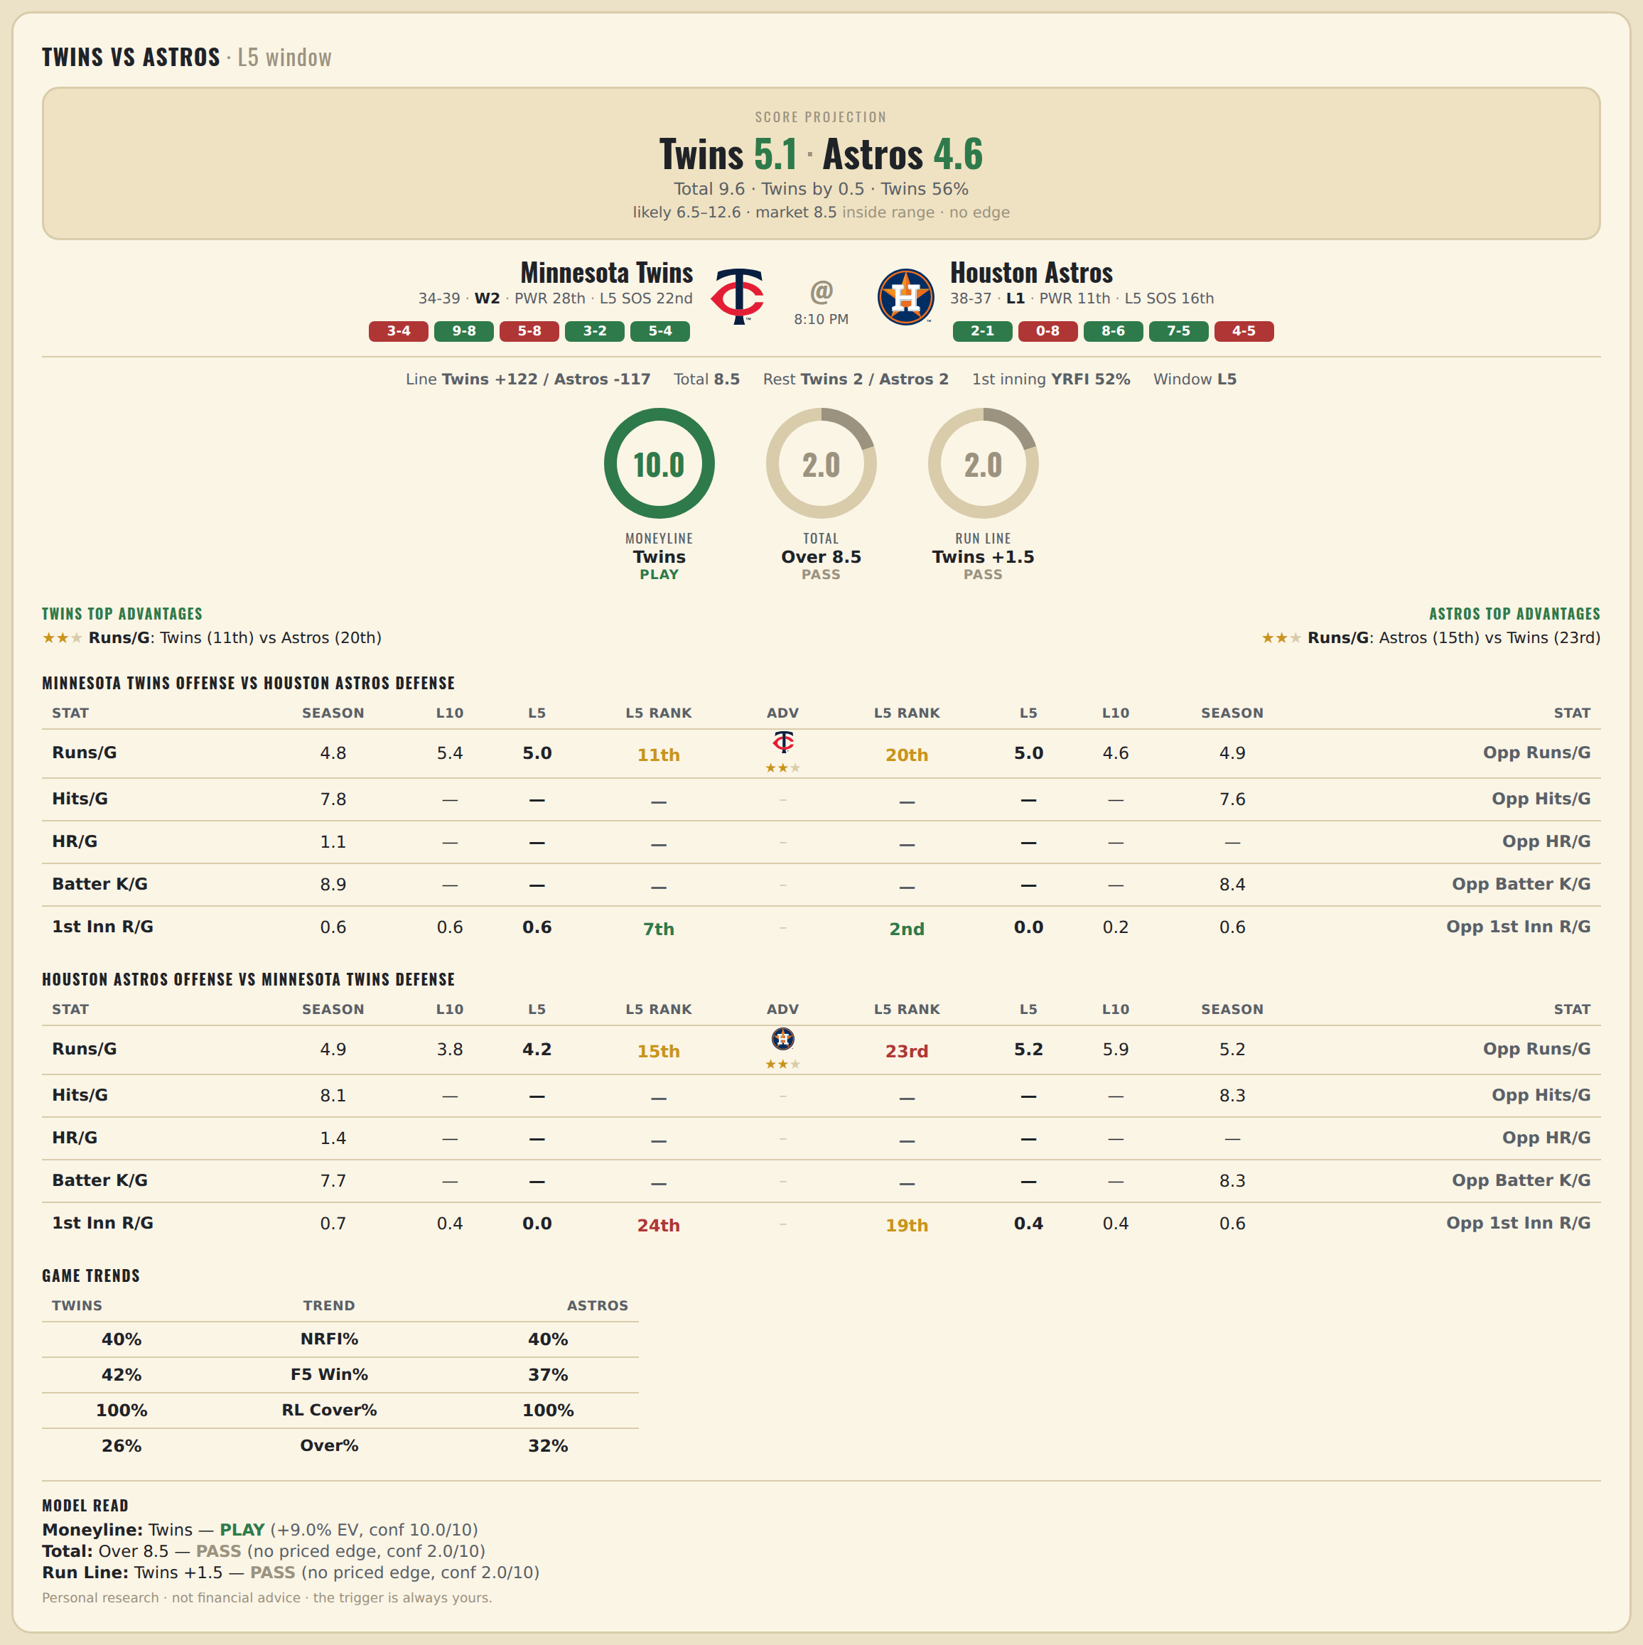

Minnesota Twins offense vs Houston Astros defense
Stat | A Season | A L30 | A L20 | A L15 | A L10 | A L5 | A Rk | Adv | H Rk | H L5 | H L10 | H L15 | H L20 | H L30 | H Season | Opp stat
Runs/G | 4.781 | 5.367 | 5.7 | 6 | 5.4 | 5 | 11th | ★★ | 20th | 5 | 4.6 | 4.4 | 4.9 | 4.667 | 4.933 | Opp Runs/G
Hits/G | 7.776 | 8.5 | — | — | — | — | — |  | — | — | — | — | — | 6.2 | 7.625 | Opp Hits/G
HR/G | 1.061 | 0.833 | — | — | — | — | — |  | — | — | — | — | — | — | — | Opp HR/G
Batter K/G | 8.939 | 9 | — | — | — | — | — |  | — | — | — | — | — | 8.8 | 8.417 | Opp Batter K/G
1st Inn R/G | 0.63 | 0.667 | 0.85 | 1 | 0.6 | 0.6 | 7th |  | 2nd | 0 | 0.2 | 0.267 | 0.6 | 0.467 | 0.603 | Opp 1st Inn R/G

Houston Astros offense vs Minnesota Twins defense
Stat | A Season | A L30 | A L20 | A L15 | A L10 | A L5 | A Rk | Adv | H Rk | H L5 | H L10 | H L15 | H L20 | H L30 | H Season | Opp stat
Runs/G | 4.867 | 4.6 | 4.2 | 3.867 | 3.8 | 4.2 | 15th | ★★ | 23rd | 5.2 | 5.9 | 5.267 | 5.9 | 6.033 | 5.151 | Opp Runs/G
Hits/G | 8.083 | 7 | — | — | — | — | — |  | — | — | — | — | — | 9.667 | 8.306 | Opp Hits/G
HR/G | 1.417 | 1.2 | — | — | — | — | — |  | — | — | — | — | — | — | — | Opp HR/G
Batter K/G | 7.729 | 8.8 | — | — | — | — | — |  | — | — | — | — | — | 10.333 | 8.265 | Opp Batter K/G
1st Inn R/G | 0.699 | 0.767 | 0.7 | 0.333 | 0.4 | 0 | 24th |  | 19th | 0.4 | 0.4 | 0.4 | 0.45 | 0.733 | 0.603 | Opp 1st Inn R/G

