MLB Sox @ Orioles
Chicago White Sox @ Baltimore Orioles
MLB · 2026-06-29 · L5 window

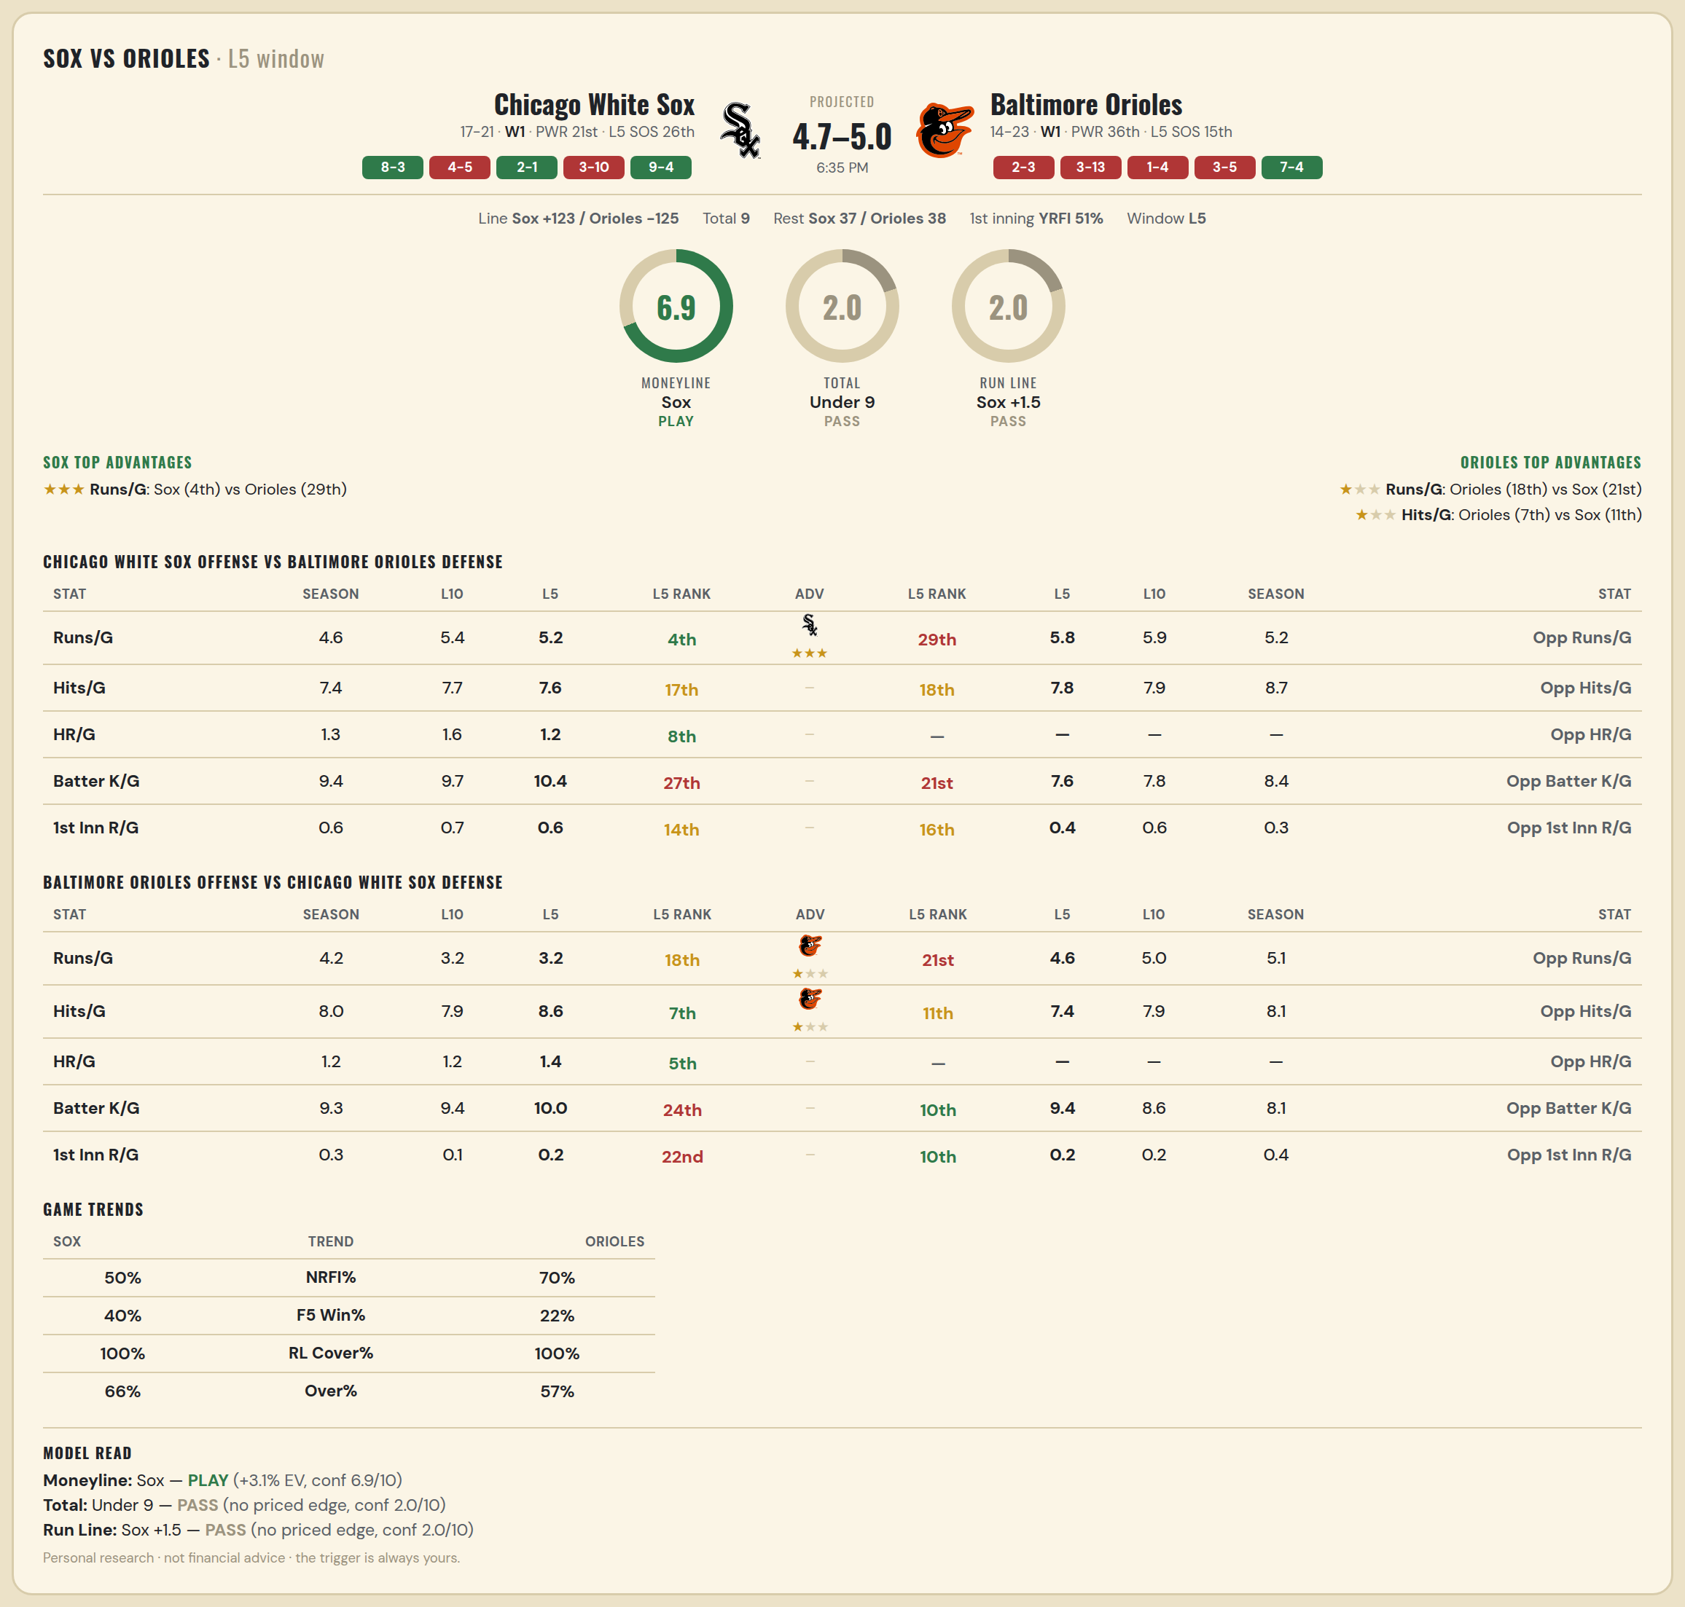

Chicago White Sox offense vs Baltimore Orioles defense
Stat | A Season | A L30 | A L20 | A L15 | A L10 | A L5 | A Rk | Adv | H Rk | H L5 | H L10 | H L15 | H L20 | H L30 | H Season | Opp stat
Runs/G | 4.605 | 4.667 | 5.6 | 5.6 | 5.4 | 5.2 | 4th | ★★★ | 29th | 5.8 | 5.9 | 6.4 | 6.2 | 5.4 | 5.243 | Opp Runs/G
Hits/G | 7.444 | 7.586 | 8.684 | 8.5 | 7.667 | 7.6 | 17th |  | 18th | 7.8 | 7.889 | 9.429 | 8.947 | 8.759 | 8.667 | Opp Hits/G
HR/G | 1.306 | 1.345 | 1.737 | 1.643 | 1.556 | 1.2 | 8th |  | — | — | — | — | — | — | — | Opp HR/G
Batter K/G | 9.389 | 8.724 | 9.053 | 9.286 | 9.667 | 10.4 | 27th |  | 21st | 7.6 | 7.778 | 7.714 | 8.053 | 8.138 | 8.444 | Opp Batter K/G
1st Inn R/G | 0.611 | 0.552 | 0.737 | 0.857 | 0.667 | 0.6 | 14th |  | 16th | 0.4 | 0.556 | 0.429 | 0.421 | 0.379 | 0.333 | Opp 1st Inn R/G

Baltimore Orioles offense vs Chicago White Sox defense
Stat | A Season | A L30 | A L20 | A L15 | A L10 | A L5 | A Rk | Adv | H Rk | H L5 | H L10 | H L15 | H L20 | H L30 | H Season | Opp stat
Runs/G | 4.162 | 4.133 | 4.1 | 4.2 | 3.2 | 3.2 | 18th | ★ | 21st | 4.6 | 5 | 5.133 | 5.15 | 4.467 | 5.105 | Opp Runs/G
Hits/G | 8 | 7.897 | 7.895 | 8.714 | 7.889 | 8.6 | 7th | ★ | 11th | 7.4 | 7.889 | 8.214 | 8 | 7.586 | 8.111 | Opp Hits/G
HR/G | 1.194 | 1.276 | 1.421 | 1.571 | 1.222 | 1.4 | 5th |  | — | — | — | — | — | — | — | Opp HR/G
Batter K/G | 9.306 | 9.241 | 9.526 | 8.929 | 9.444 | 10 | 24th |  | 10th | 9.4 | 8.556 | 8.643 | 8.316 | 8 | 8.056 | Opp Batter K/G
1st Inn R/G | 0.278 | 0.31 | 0.368 | 0.5 | 0.111 | 0.2 | 22nd |  | 10th | 0.2 | 0.222 | 0.214 | 0.158 | 0.241 | 0.444 | Opp 1st Inn R/G

MLB Pirates @ Phillies
Pittsburgh Pirates @ Philadelphia Phillies
MLB · 2026-06-29 · L5 window

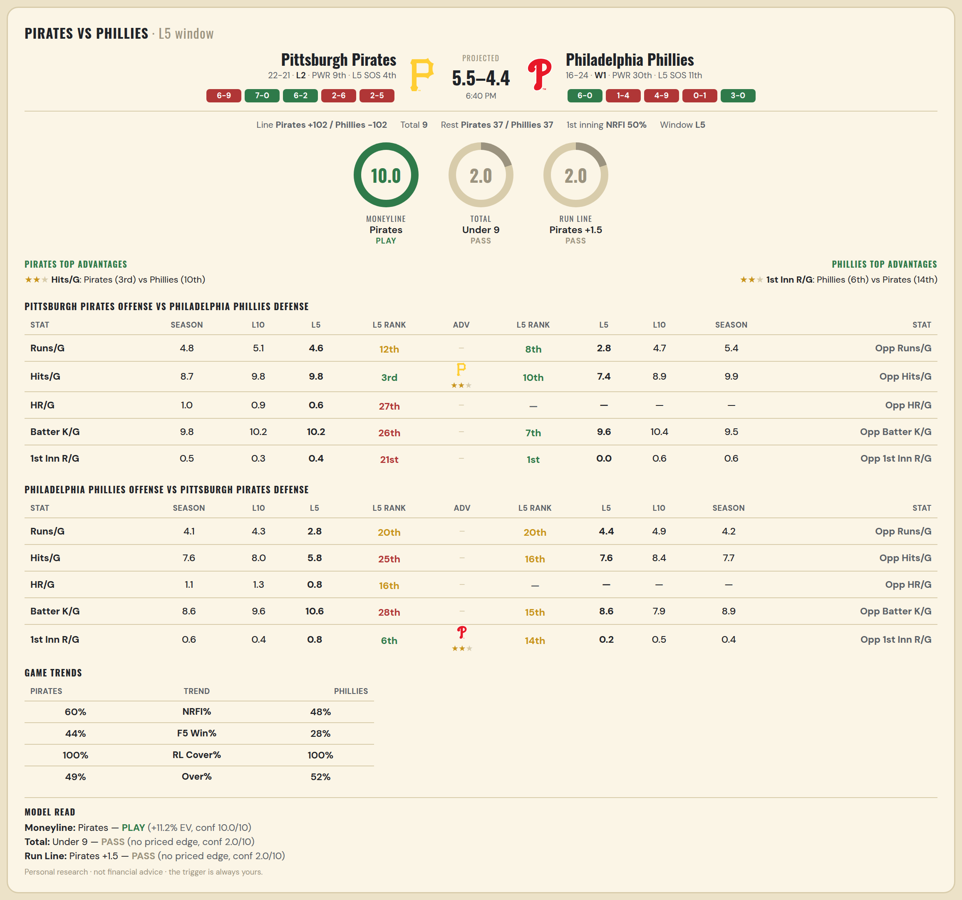

Pittsburgh Pirates offense vs Philadelphia Phillies defense
Stat | A Season | A L30 | A L20 | A L15 | A L10 | A L5 | A Rk | Adv | H Rk | H L5 | H L10 | H L15 | H L20 | H L30 | H Season | Opp stat
Runs/G | 4.767 | 5.033 | 4.6 | 4.867 | 5.1 | 4.6 | 12th |  | 8th | 2.8 | 4.7 | 5.067 | 5.1 | 5.633 | 5.375 | Opp Runs/G
Hits/G | 8.737 | 8.962 | 8.625 | 8.786 | 9.8 | 9.8 | 3rd | ★★ | 10th | 7.4 | 8.889 | 9.769 | 9.889 | 10.222 | 9.892 | Opp Hits/G
HR/G | 1 | 1 | 0.75 | 0.786 | 0.9 | 0.6 | 27th |  | — | — | — | — | — | — | — | Opp HR/G
Batter K/G | 9.816 | 10.462 | 10.688 | 10.929 | 10.2 | 10.2 | 26th |  | 7th | 9.6 | 10.444 | 9.154 | 9.056 | 9.074 | 9.486 | Opp Batter K/G
1st Inn R/G | 0.526 | 0.462 | 0.312 | 0.214 | 0.3 | 0.4 | 21st |  | 1st | 0 | 0.556 | 0.615 | 0.5 | 0.519 | 0.595 | Opp 1st Inn R/G

Philadelphia Phillies offense vs Pittsburgh Pirates defense
Stat | A Season | A L30 | A L20 | A L15 | A L10 | A L5 | A Rk | Adv | H Rk | H L5 | H L10 | H L15 | H L20 | H L30 | H Season | Opp stat
Runs/G | 4.1 | 4.067 | 3.95 | 4.6 | 4.3 | 2.8 | 20th |  | 20th | 4.4 | 4.9 | 4.267 | 4.4 | 4.267 | 4.209 | Opp Runs/G
Hits/G | 7.568 | 7.37 | 7.5 | 7.923 | 8 | 5.8 | 25th |  | 16th | 7.6 | 8.4 | 7.643 | 7.625 | 7.808 | 7.658 | Opp Hits/G
HR/G | 1.135 | 1.148 | 1.222 | 1.385 | 1.333 | 0.8 | 16th |  | — | — | — | — | — | — | — | Opp HR/G
Batter K/G | 8.568 | 8.704 | 8.611 | 9.077 | 9.556 | 10.6 | 28th |  | 15th | 8.6 | 7.9 | 8.071 | 8.312 | 8.462 | 8.947 | Opp Batter K/G
1st Inn R/G | 0.649 | 0.481 | 0.389 | 0.385 | 0.444 | 0.8 | 6th | ★★ | 14th | 0.2 | 0.5 | 0.357 | 0.312 | 0.346 | 0.368 | Opp 1st Inn R/G

MLB Tigers @ Yankees
Detroit Tigers @ New York Yankees
MLB · 2026-06-29 · L5 window

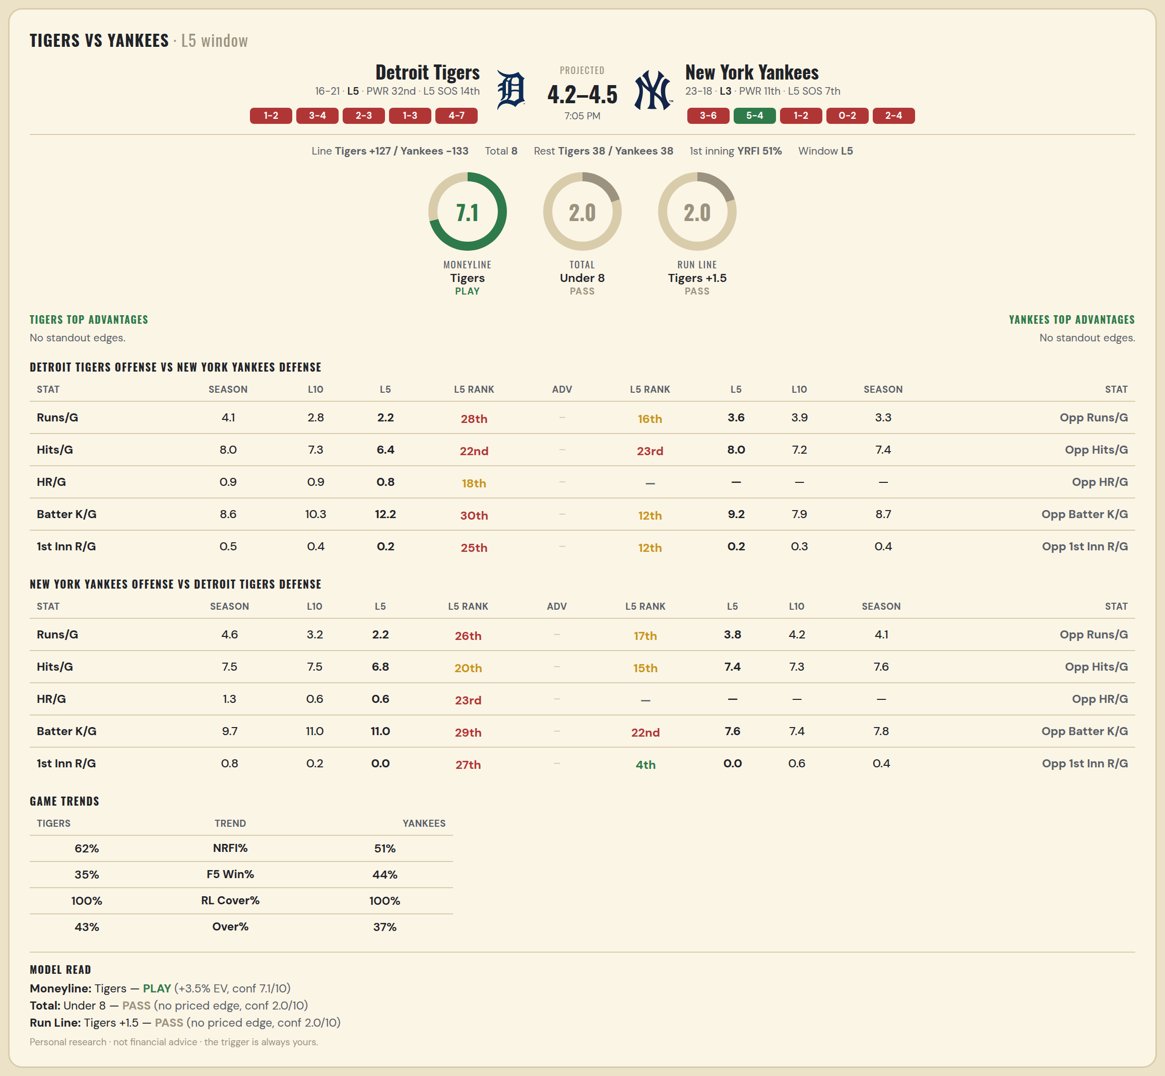

Detroit Tigers offense vs New York Yankees defense
Stat | A Season | A L30 | A L20 | A L15 | A L10 | A L5 | A Rk | Adv | H Rk | H L5 | H L10 | H L15 | H L20 | H L30 | H Season | Opp stat
Runs/G | 4.054 | 4.067 | 3.9 | 3.733 | 2.8 | 2.2 | 28th |  | 16th | 3.6 | 3.9 | 3.267 | 3.5 | 3.9 | 3.268 | Opp Runs/G
Hits/G | 7.973 | 8.067 | 8.2 | 7.933 | 7.3 | 6.4 | 22nd |  | 23rd | 8 | 7.2 | 6.867 | 6.8 | 7.552 | 7.444 | Opp Hits/G
HR/G | 0.946 | 1.1 | 1.15 | 1.2 | 0.9 | 0.8 | 18th |  | — | — | — | — | — | — | — | Opp HR/G
Batter K/G | 8.622 | 8.467 | 8.85 | 9.267 | 10.3 | 12.2 | 30th |  | 12th | 9.2 | 7.9 | 7.8 | 8.1 | 8.379 | 8.667 | Opp Batter K/G
1st Inn R/G | 0.541 | 0.533 | 0.4 | 0.4 | 0.4 | 0.2 | 25th |  | 12th | 0.2 | 0.3 | 0.267 | 0.3 | 0.448 | 0.444 | Opp 1st Inn R/G

New York Yankees offense vs Detroit Tigers defense
Stat | A Season | A L30 | A L20 | A L15 | A L10 | A L5 | A Rk | Adv | H Rk | H L5 | H L10 | H L15 | H L20 | H L30 | H Season | Opp stat
Runs/G | 4.561 | 4.433 | 4.85 | 4.267 | 3.2 | 2.2 | 26th |  | 17th | 3.8 | 4.2 | 5.133 | 4.55 | 4.267 | 4.108 | Opp Runs/G
Hits/G | 7.528 | 7.69 | 8.15 | 8.4 | 7.5 | 6.8 | 20th |  | 15th | 7.4 | 7.3 | 8.533 | 8.1 | 7.767 | 7.649 | Opp Hits/G
HR/G | 1.333 | 1.379 | 1.45 | 1.067 | 0.6 | 0.6 | 23rd |  | — | — | — | — | — | — | — | Opp HR/G
Batter K/G | 9.667 | 9.69 | 9.7 | 10.467 | 11 | 11 | 29th |  | 22nd | 7.6 | 7.4 | 7.6 | 8.05 | 7.933 | 7.838 | Opp Batter K/G
1st Inn R/G | 0.75 | 0.759 | 0.65 | 0.533 | 0.2 | 0 | 27th |  | 4th | 0 | 0.6 | 0.4 | 0.35 | 0.433 | 0.432 | Opp 1st Inn R/G

MLB Mets @ Jays
New York Mets @ Toronto Blue Jays
MLB · 2026-06-29 · L5 window

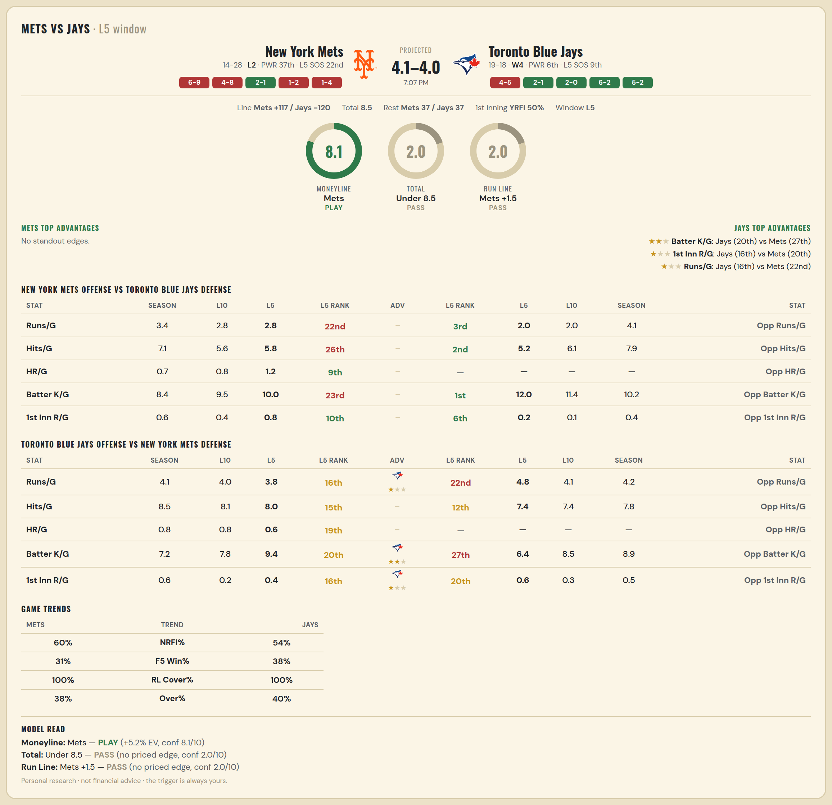

New York Mets offense vs Toronto Blue Jays defense
Stat | A Season | A L30 | A L20 | A L15 | A L10 | A L5 | A Rk | Adv | H Rk | H L5 | H L10 | H L15 | H L20 | H L30 | H Season | Opp stat
Runs/G | 3.357 | 2.667 | 2.85 | 3 | 2.8 | 2.8 | 22nd |  | 3rd | 2 | 2 | 2.8 | 3.1 | 4 | 4.135 | Opp Runs/G
Hits/G | 7.053 | 6.586 | 6.55 | 6.333 | 5.6 | 5.8 | 26th |  | 2nd | 5.2 | 6.111 | 7 | 7.316 | 7.828 | 7.889 | Opp Hits/G
HR/G | 0.737 | 0.69 | 0.7 | 0.733 | 0.8 | 1.2 | 9th |  | — | — | — | — | — | — | — | Opp HR/G
Batter K/G | 8.395 | 8.448 | 8.85 | 8.867 | 9.5 | 10 | 23rd |  | 1st | 12 | 11.444 | 10.143 | 9.579 | 9.414 | 10.222 | Opp Batter K/G
1st Inn R/G | 0.553 | 0.414 | 0.4 | 0.533 | 0.4 | 0.8 | 10th |  | 6th | 0.2 | 0.111 | 0.429 | 0.421 | 0.517 | 0.444 | Opp 1st Inn R/G

Toronto Blue Jays offense vs New York Mets defense
Stat | A Season | A L30 | A L20 | A L15 | A L10 | A L5 | A Rk | Adv | H Rk | H L5 | H L10 | H L15 | H L20 | H L30 | H Season | Opp stat
Runs/G | 4.054 | 3.967 | 4.15 | 4.133 | 4 | 3.8 | 16th | ★ | 22nd | 4.8 | 4.1 | 4.067 | 4.6 | 4.5 | 4.214 | Opp Runs/G
Hits/G | 8.5 | 8.414 | 8.684 | 8.357 | 8.111 | 8 | 15th |  | 12th | 7.4 | 7.4 | 7.6 | 7.9 | 7.862 | 7.842 | Opp Hits/G
HR/G | 0.833 | 0.724 | 0.737 | 0.786 | 0.778 | 0.6 | 19th |  | — | — | — | — | — | — | — | Opp HR/G
Batter K/G | 7.167 | 6.966 | 7.421 | 7.571 | 7.778 | 9.4 | 20th | ★★ | 27th | 6.4 | 8.5 | 8.933 | 8.7 | 8.69 | 8.921 | Opp Batter K/G
1st Inn R/G | 0.583 | 0.69 | 0.789 | 0.429 | 0.222 | 0.4 | 16th | ★ | 20th | 0.6 | 0.3 | 0.267 | 0.4 | 0.379 | 0.474 | Opp 1st Inn R/G

MLB Nationals @ Sox
Washington Nationals @ Boston Red Sox
MLB · 2026-06-29 · L5 window

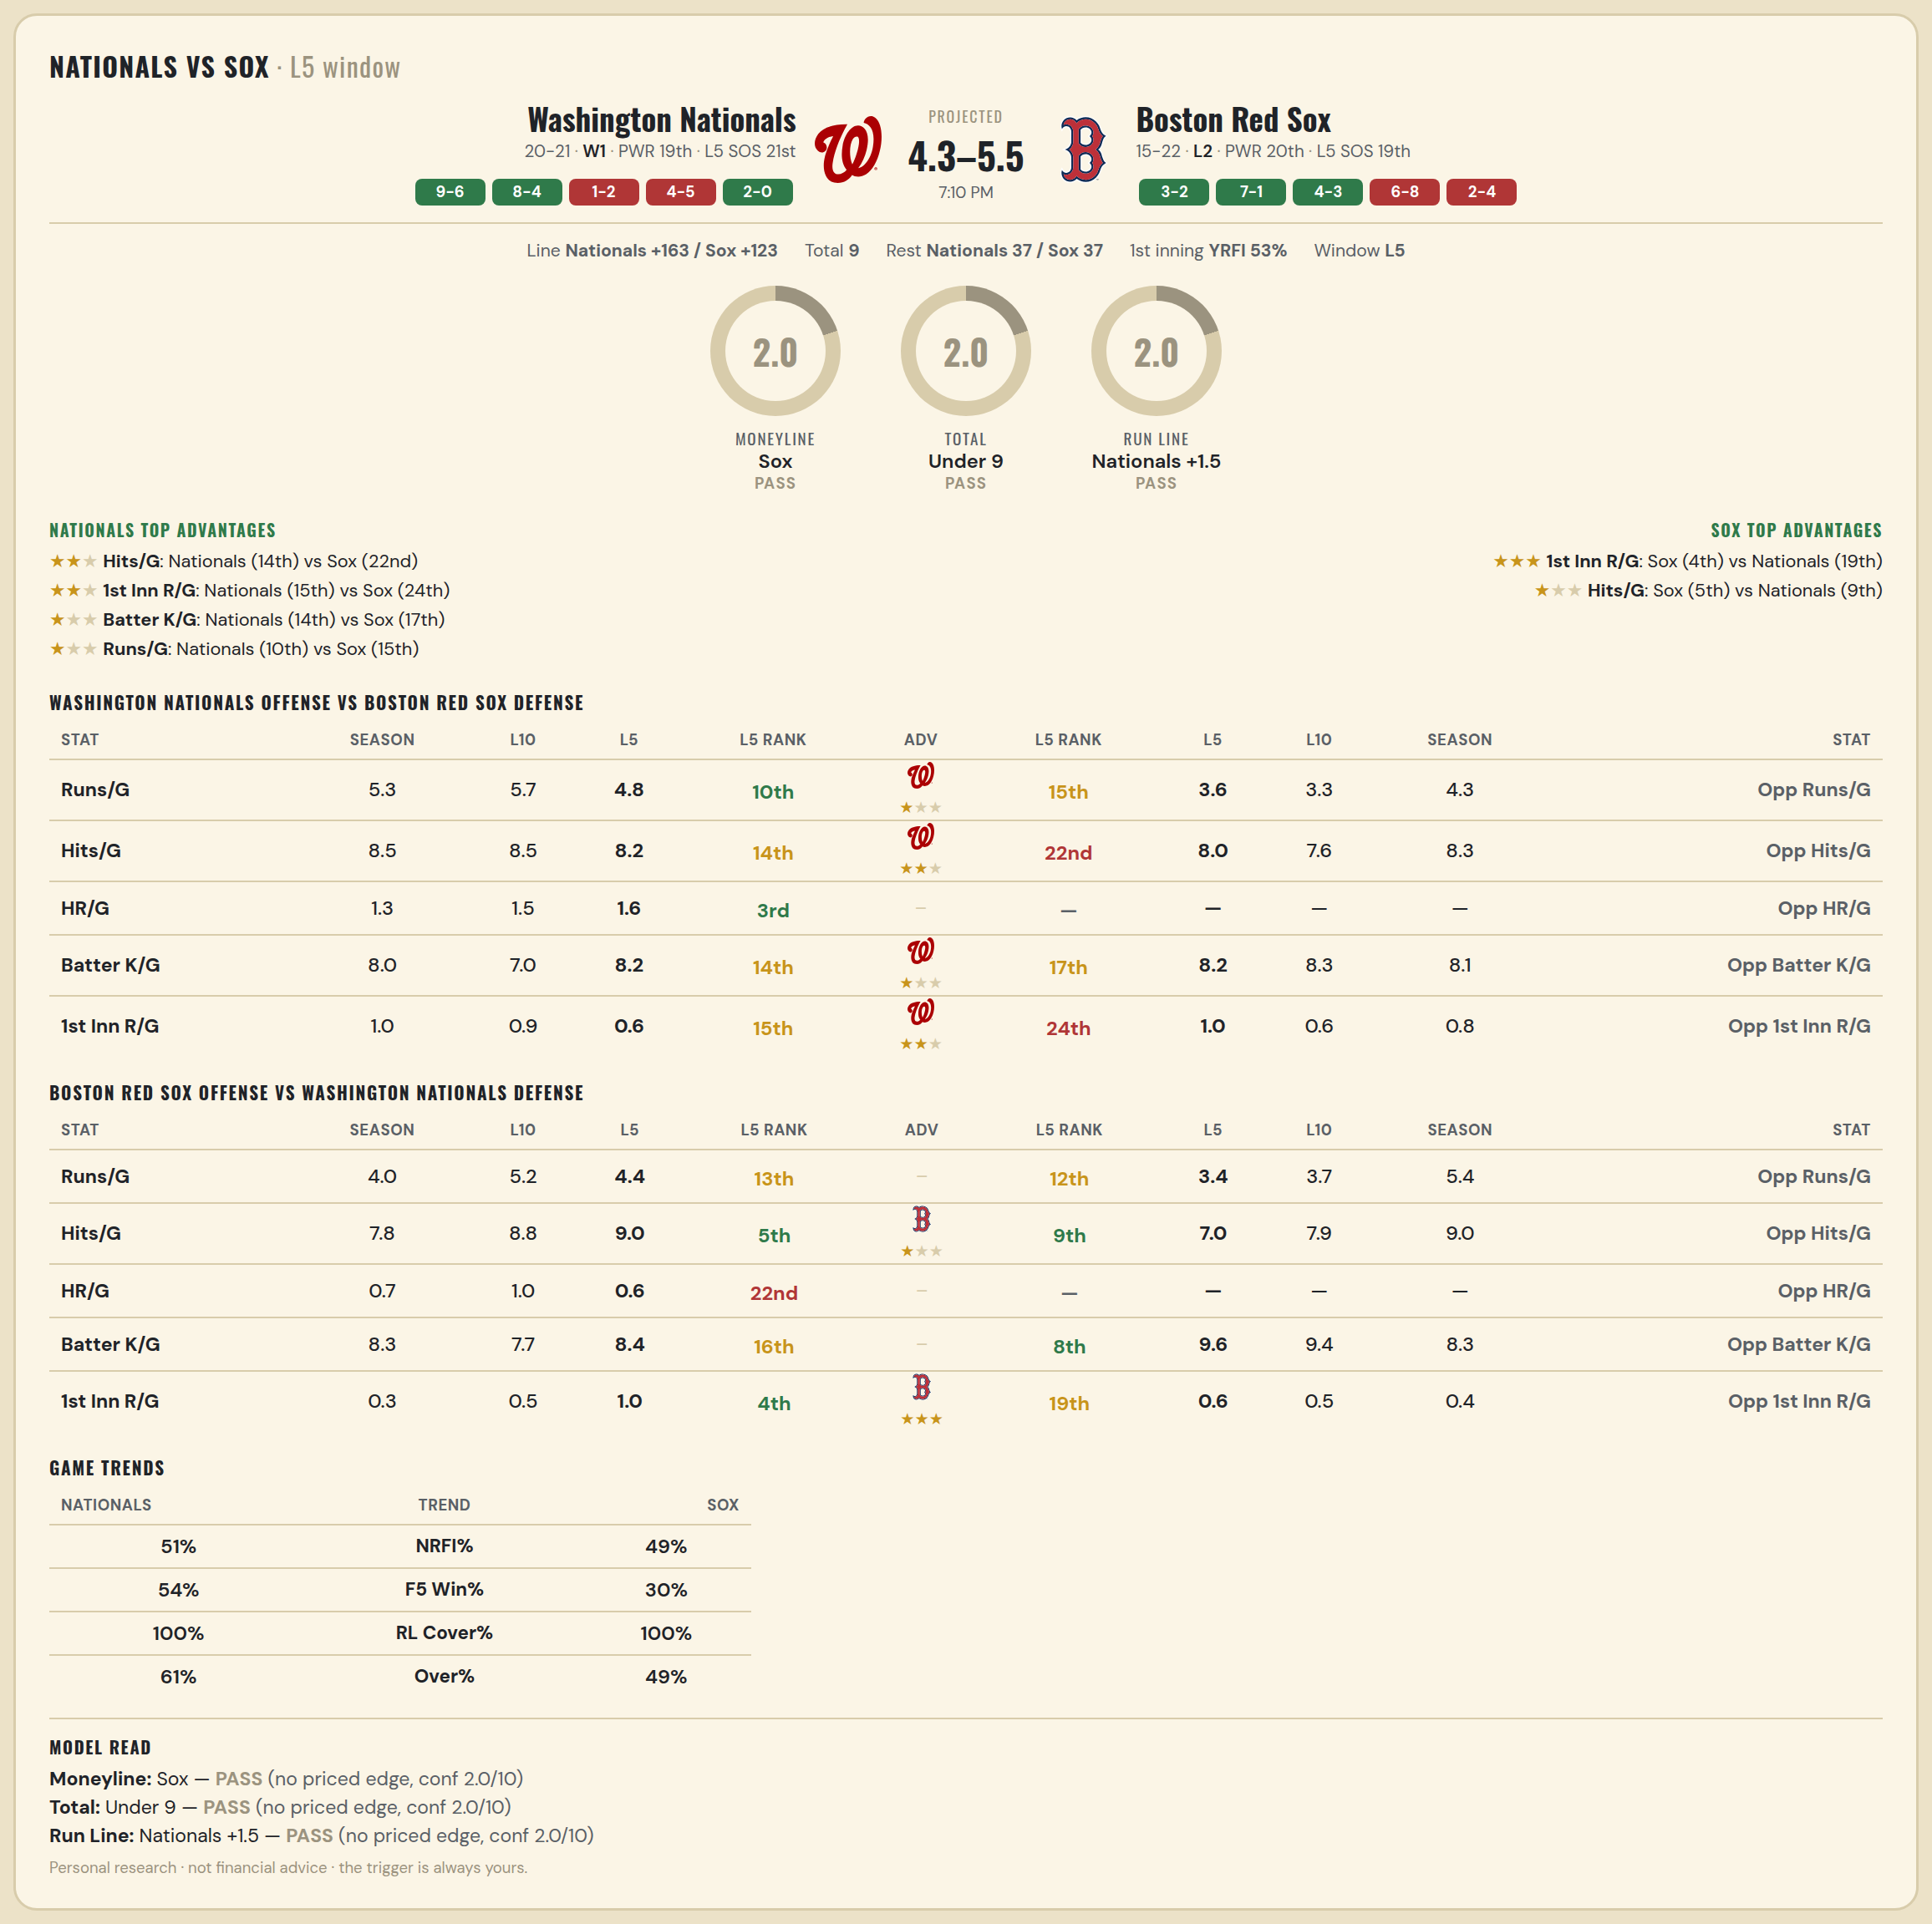

Washington Nationals offense vs Boston Red Sox defense
Stat | A Season | A L30 | A L20 | A L15 | A L10 | A L5 | A Rk | Adv | H Rk | H L5 | H L10 | H L15 | H L20 | H L30 | H Season | Opp stat
Runs/G | 5.317 | 4.933 | 5 | 4.8 | 5.7 | 4.8 | 10th | ★ | 15th | 3.6 | 3.3 | 4.067 | 4.1 | 4.2 | 4.324 | Opp Runs/G
Hits/G | 8.462 | 7.893 | 7.611 | 7.571 | 8.5 | 8.2 | 14th | ★★ | 22nd | 8 | 7.6 | 8.8 | 8.6 | 8.345 | 8.306 | Opp Hits/G
HR/G | 1.256 | 1.179 | 1.444 | 1.357 | 1.5 | 1.6 | 3rd |  | — | — | — | — | — | — | — | Opp HR/G
Batter K/G | 8.026 | 7.714 | 8.056 | 7.571 | 7 | 8.2 | 14th | ★ | 17th | 8.2 | 8.3 | 8.667 | 8.3 | 8.034 | 8.139 | Opp Batter K/G
1st Inn R/G | 1 | 0.929 | 1.056 | 0.714 | 0.9 | 0.6 | 15th | ★★ | 24th | 1 | 0.6 | 0.867 | 0.85 | 0.724 | 0.75 | Opp 1st Inn R/G

Boston Red Sox offense vs Washington Nationals defense
Stat | A Season | A L30 | A L20 | A L15 | A L10 | A L5 | A Rk | Adv | H Rk | H L5 | H L10 | H L15 | H L20 | H L30 | H Season | Opp stat
Runs/G | 4.027 | 4.233 | 3.95 | 4.4 | 5.2 | 4.4 | 13th |  | 12th | 3.4 | 3.7 | 3.933 | 4.45 | 5.033 | 5.439 | Opp Runs/G
Hits/G | 7.833 | 7.966 | 7.85 | 8.2 | 8.8 | 9 | 5th | ★ | 9th | 7 | 7.9 | 8 | 8 | 8.643 | 9 | Opp Hits/G
HR/G | 0.694 | 0.586 | 0.7 | 0.8 | 1 | 0.6 | 22nd |  | — | — | — | — | — | — | — | Opp HR/G
Batter K/G | 8.306 | 7.724 | 7.9 | 7.2 | 7.7 | 8.4 | 16th |  | 8th | 9.6 | 9.4 | 9.929 | 8.944 | 8.643 | 8.333 | Opp Batter K/G
1st Inn R/G | 0.278 | 0.31 | 0.3 | 0.333 | 0.5 | 1 | 4th | ★★★ | 19th | 0.6 | 0.5 | 0.357 | 0.333 | 0.429 | 0.436 | Opp 1st Inn R/G

MLB Rangers @ Guardians
Texas Rangers @ Cleveland Guardians
MLB · 2026-06-29 · L5 window

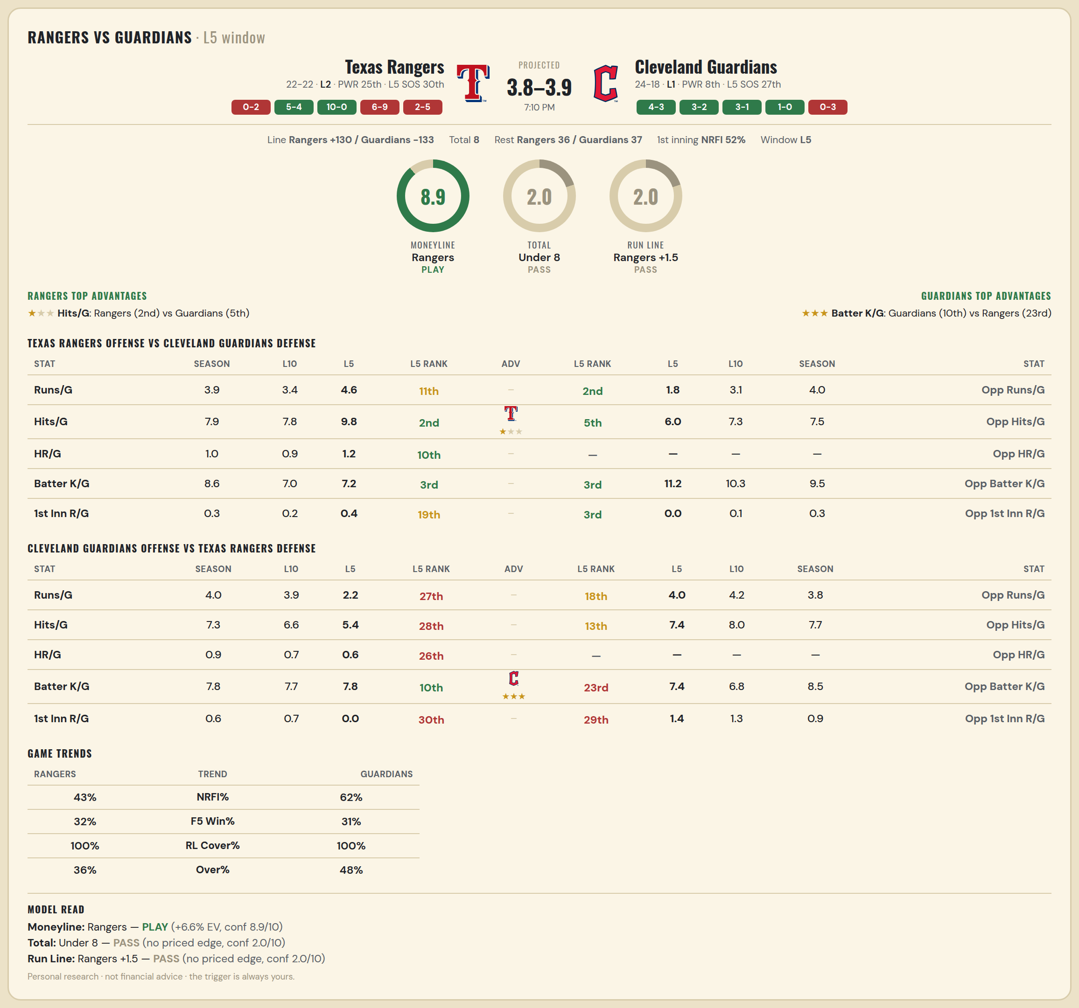

Texas Rangers offense vs Cleveland Guardians defense
Stat | A Season | A L30 | A L20 | A L15 | A L10 | A L5 | A Rk | Adv | H Rk | H L5 | H L10 | H L15 | H L20 | H L30 | H Season | Opp stat
Runs/G | 3.909 | 4.1 | 3.6 | 3.467 | 3.4 | 4.6 | 11th |  | 2nd | 1.8 | 3.1 | 3.533 | 3.8 | 4.2 | 4 | Opp Runs/G
Hits/G | 7.919 | 7.96 | 7.5 | 7.692 | 7.8 | 9.8 | 2nd | ★ | 5th | 6 | 7.3 | 7.533 | 7.3 | 7.833 | 7.538 | Opp Hits/G
HR/G | 1 | 1.04 | 0.812 | 0.923 | 0.9 | 1.2 | 10th |  | — | — | — | — | — | — | — | Opp HR/G
Batter K/G | 8.595 | 8.44 | 7.5 | 6.846 | 7 | 7.2 | 3rd |  | 3rd | 11.2 | 10.3 | 9.133 | 9.45 | 9.233 | 9.487 | Opp Batter K/G
1st Inn R/G | 0.297 | 0.32 | 0.125 | 0.154 | 0.2 | 0.4 | 19th |  | 3rd | 0 | 0.1 | 0.467 | 0.45 | 0.367 | 0.308 | Opp 1st Inn R/G

Cleveland Guardians offense vs Texas Rangers defense
Stat | A Season | A L30 | A L20 | A L15 | A L10 | A L5 | A Rk | Adv | H Rk | H L5 | H L10 | H L15 | H L20 | H L30 | H Season | Opp stat
Runs/G | 4 | 4.367 | 4.1 | 4 | 3.9 | 2.2 | 27th |  | 18th | 4 | 4.2 | 4.2 | 4.3 | 4.133 | 3.773 | Opp Runs/G
Hits/G | 7.308 | 7.733 | 7.15 | 7.267 | 6.6 | 5.4 | 28th |  | 13th | 7.4 | 8 | 7.769 | 7.75 | 8 | 7.703 | Opp Hits/G
HR/G | 0.949 | 0.967 | 0.9 | 0.8 | 0.7 | 0.6 | 26th |  | — | — | — | — | — | — | — | Opp HR/G
Batter K/G | 7.821 | 7.5 | 8.1 | 7.933 | 7.7 | 7.8 | 10th | ★★★ | 23rd | 7.4 | 6.8 | 7.385 | 7.562 | 7.84 | 8.514 | Opp Batter K/G
1st Inn R/G | 0.641 | 0.767 | 0.8 | 0.867 | 0.7 | 0 | 30th |  | 29th | 1.4 | 1.3 | 1.231 | 1.188 | 1.04 | 0.892 | Opp 1st Inn R/G

MLB Reds @ Brewers
Cincinnati Reds @ Milwaukee Brewers
MLB · 2026-06-29 · L5 window

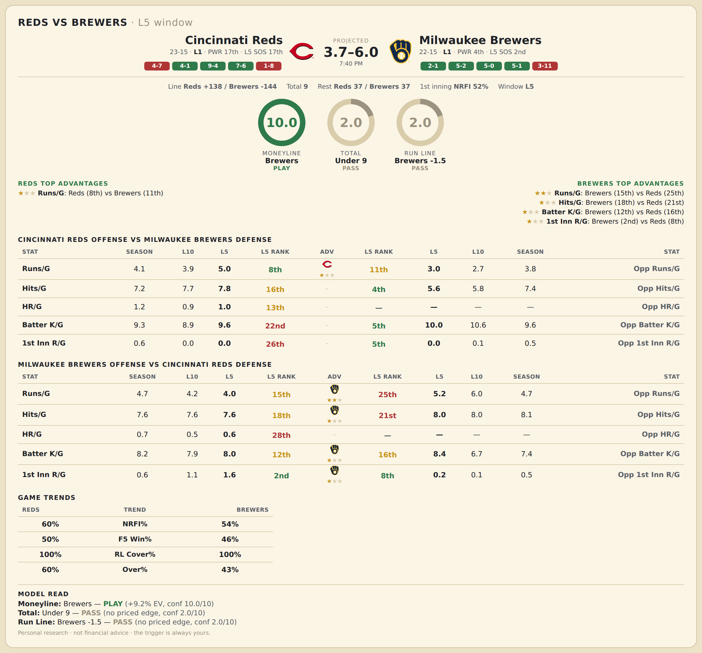

Cincinnati Reds offense vs Milwaukee Brewers defense
Stat | A Season | A L30 | A L20 | A L15 | A L10 | A L5 | A Rk | Adv | H Rk | H L5 | H L10 | H L15 | H L20 | H L30 | H Season | Opp stat
Runs/G | 4.132 | 4.433 | 4.65 | 4.867 | 3.9 | 5 | 8th | ★ | 11th | 3 | 2.7 | 3.267 | 3.3 | 4.033 | 3.784 | Opp Runs/G
Hits/G | 7.216 | 7.345 | 7.632 | 8 | 7.667 | 7.8 | 16th |  | 4th | 5.6 | 5.75 | 6.308 | 6.722 | 7.536 | 7.371 | Opp Hits/G
HR/G | 1.216 | 1.241 | 1.263 | 1.643 | 0.889 | 1 | 13th |  | — | — | — | — | — | — | — | Opp HR/G
Batter K/G | 9.27 | 9.103 | 9.421 | 9.286 | 8.889 | 9.6 | 22nd |  | 5th | 10 | 10.625 | 10.538 | 10 | 8.929 | 9.571 | Opp Batter K/G
1st Inn R/G | 0.595 | 0.621 | 0.421 | 0.429 | 0 | 0 | 26th |  | 5th | 0 | 0.125 | 0.231 | 0.333 | 0.357 | 0.486 | Opp 1st Inn R/G

Milwaukee Brewers offense vs Cincinnati Reds defense
Stat | A Season | A L30 | A L20 | A L15 | A L10 | A L5 | A Rk | Adv | H Rk | H L5 | H L10 | H L15 | H L20 | H L30 | H Season | Opp stat
Runs/G | 4.703 | 4.133 | 4.25 | 3.733 | 4.2 | 4 | 15th | ★★ | 25th | 5.2 | 6 | 6 | 5.15 | 4.933 | 4.658 | Opp Runs/G
Hits/G | 7.629 | 7.143 | 7.389 | 7 | 7.625 | 7.6 | 18th | ★ | 21st | 8 | 8 | 8.714 | 8.263 | 8.207 | 8.054 | Opp Hits/G
HR/G | 0.657 | 0.5 | 0.278 | 0.308 | 0.5 | 0.6 | 28th |  | — | — | — | — | — | — | — | Opp HR/G
Batter K/G | 8.229 | 8.179 | 7.944 | 8.077 | 7.875 | 8 | 12th | ★ | 16th | 8.4 | 6.667 | 7.143 | 7.105 | 6.966 | 7.432 | Opp Batter K/G
1st Inn R/G | 0.629 | 0.536 | 0.5 | 0.692 | 1.125 | 1.6 | 2nd | ★ | 8th | 0.2 | 0.111 | 0.286 | 0.421 | 0.483 | 0.459 | Opp 1st Inn R/G

MLB Padres @ Cubs
San Diego Padres @ Chicago Cubs
MLB · 2026-06-29 · L5 window

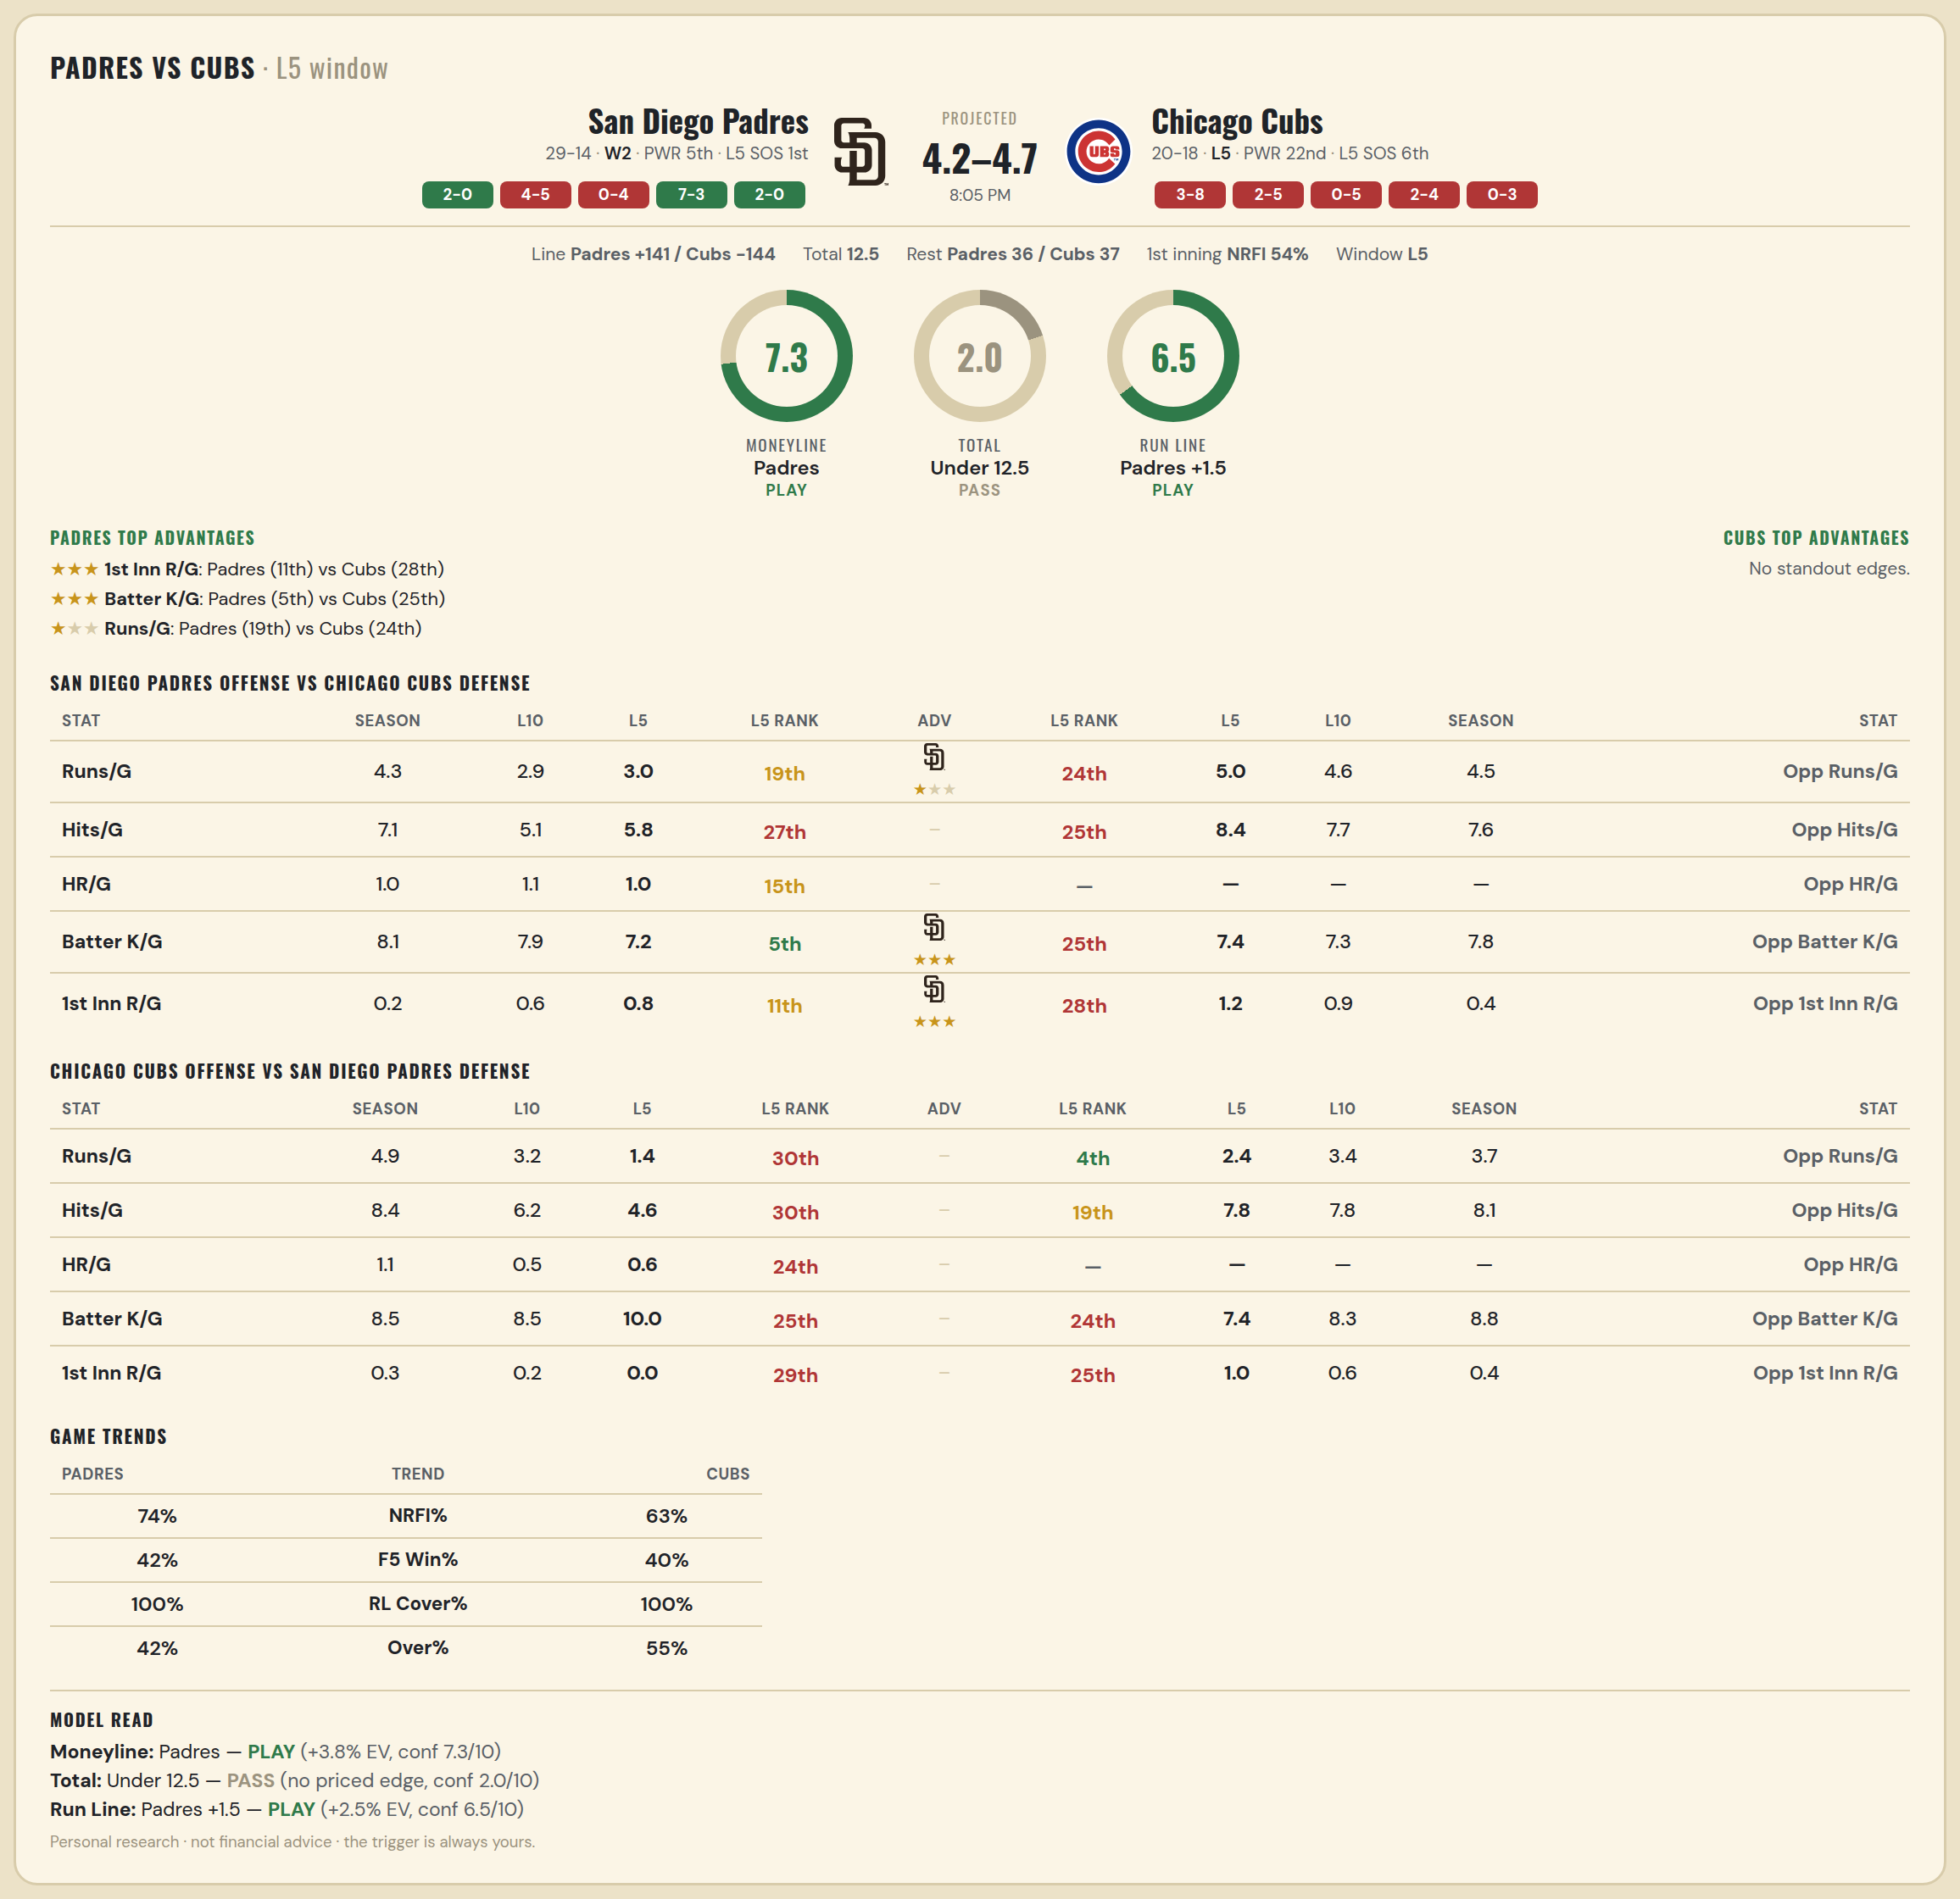

San Diego Padres offense vs Chicago Cubs defense
Stat | A Season | A L30 | A L20 | A L15 | A L10 | A L5 | A Rk | Adv | H Rk | H L5 | H L10 | H L15 | H L20 | H L30 | H Season | Opp stat
Runs/G | 4.279 | 4.433 | 3.55 | 3.733 | 2.9 | 3 | 19th | ★ | 24th | 5 | 4.6 | 5 | 4.25 | 4.767 | 4.5 | Opp Runs/G
Hits/G | 7.139 | 7.167 | 6.444 | 6.357 | 5.111 | 5.8 | 27th |  | 25th | 8.4 | 7.7 | 8 | 7.9 | 7.966 | 7.595 | Opp Hits/G
HR/G | 0.972 | 1.167 | 1 | 1.286 | 1.111 | 1 | 15th |  | — | — | — | — | — | — | — | Opp HR/G
Batter K/G | 8.139 | 8.042 | 9 | 8.714 | 7.889 | 7.2 | 5th | ★★★ | 25th | 7.4 | 7.3 | 7.2 | 7.35 | 7.552 | 7.838 | Opp Batter K/G
1st Inn R/G | 0.222 | 0.292 | 0.333 | 0.429 | 0.556 | 0.8 | 11th | ★★★ | 28th | 1.2 | 0.9 | 0.6 | 0.5 | 0.414 | 0.405 | Opp 1st Inn R/G

Chicago Cubs offense vs San Diego Padres defense
Stat | A Season | A L30 | A L20 | A L15 | A L10 | A L5 | A Rk | Adv | H Rk | H L5 | H L10 | H L15 | H L20 | H L30 | H Season | Opp stat
Runs/G | 4.947 | 5.2 | 4.9 | 4.267 | 3.2 | 1.4 | 30th |  | 4th | 2.4 | 3.4 | 4.4 | 3.95 | 3.667 | 3.674 | Opp Runs/G
Hits/G | 8.432 | 8.966 | 8.7 | 8.333 | 6.2 | 4.6 | 30th |  | 19th | 7.8 | 7.778 | 8.857 | 8.444 | 8.125 | 8.111 | Opp Hits/G
HR/G | 1.135 | 1.241 | 1.25 | 1.133 | 0.5 | 0.6 | 24th |  | — | — | — | — | — | — | — | Opp HR/G
Batter K/G | 8.541 | 8.517 | 8.2 | 8.6 | 8.5 | 10 | 25th |  | 24th | 7.4 | 8.333 | 7.5 | 8.167 | 8.708 | 8.806 | Opp Batter K/G
1st Inn R/G | 0.297 | 0.276 | 0.35 | 0.2 | 0.2 | 0 | 29th |  | 25th | 1 | 0.556 | 0.429 | 0.333 | 0.333 | 0.417 | Opp 1st Inn R/G

MLB Twins @ Astros
Minnesota Twins @ Houston Astros
MLB · 2026-06-29 · L5 window

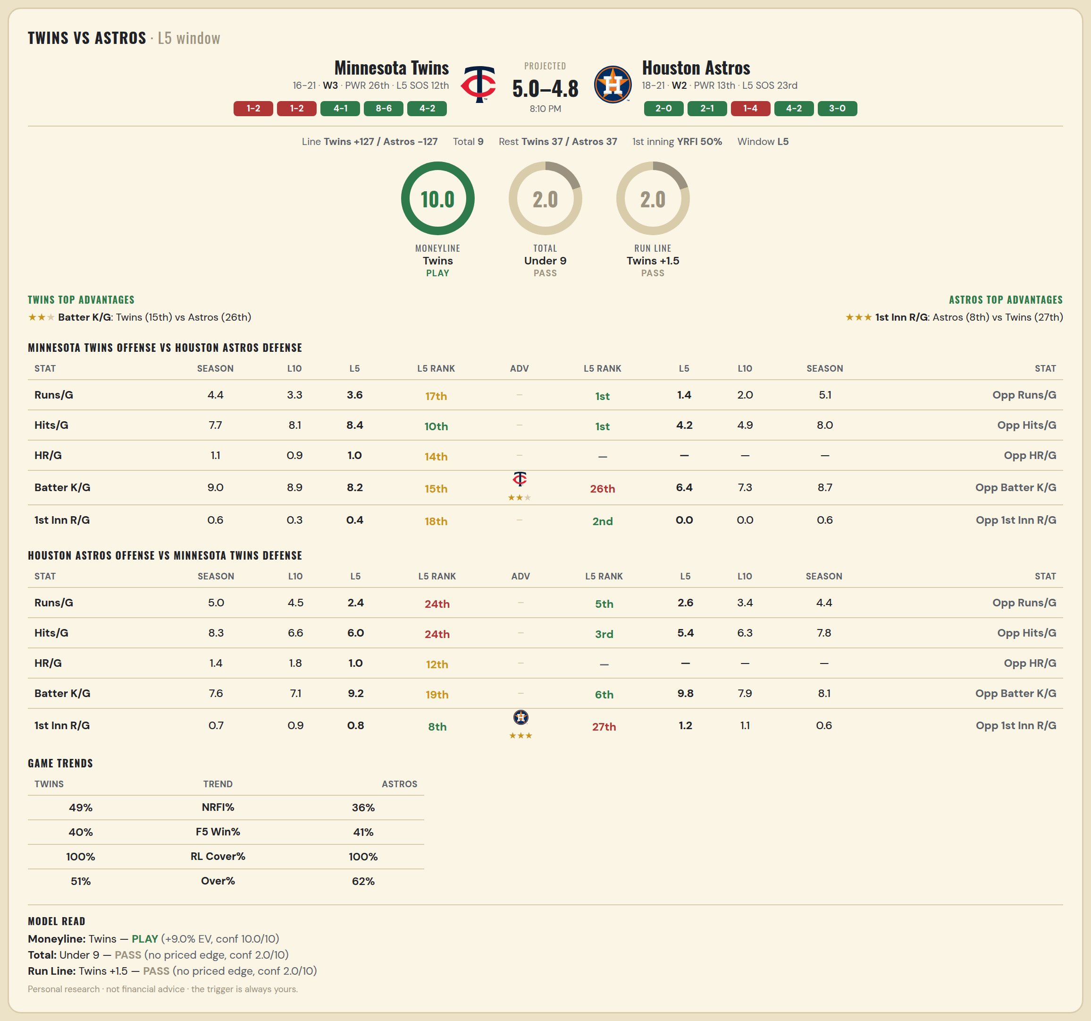

Minnesota Twins offense vs Houston Astros defense
Stat | A Season | A L30 | A L20 | A L15 | A L10 | A L5 | A Rk | Adv | H Rk | H L5 | H L10 | H L15 | H L20 | H L30 | H Season | Opp stat
Runs/G | 4.405 | 4.233 | 3.55 | 3.4 | 3.3 | 3.6 | 17th |  | 1st | 1.4 | 2 | 3.333 | 3.85 | 5.167 | 5.077 | Opp Runs/G
Hits/G | 7.73 | 7.9 | 7.95 | 8 | 8.1 | 8.4 | 10th |  | 1st | 4.2 | 4.889 | 6.643 | 7.053 | 8.25 | 8.027 | Opp Hits/G
HR/G | 1.108 | 1.1 | 1 | 1 | 0.9 | 1 | 14th |  | — | — | — | — | — | — | — | Opp HR/G
Batter K/G | 8.973 | 8.667 | 8.75 | 9.267 | 8.9 | 8.2 | 15th | ★★ | 26th | 6.4 | 7.333 | 7.214 | 8.105 | 7.857 | 8.73 | Opp Batter K/G
1st Inn R/G | 0.595 | 0.733 | 0.45 | 0.267 | 0.3 | 0.4 | 18th |  | 2nd | 0 | 0 | 0.357 | 0.421 | 0.679 | 0.568 | Opp 1st Inn R/G

Houston Astros offense vs Minnesota Twins defense
Stat | A Season | A L30 | A L20 | A L15 | A L10 | A L5 | A Rk | Adv | H Rk | H L5 | H L10 | H L15 | H L20 | H L30 | H Season | Opp stat
Runs/G | 5.026 | 4.533 | 4.35 | 4.533 | 4.5 | 2.4 | 24th |  | 5th | 2.6 | 3.4 | 4.133 | 4.25 | 4.333 | 4.378 | Opp Runs/G
Hits/G | 8.27 | 7.821 | 7.158 | 7.571 | 6.556 | 6 | 24th |  | 3rd | 5.4 | 6.3 | 6.667 | 7.05 | 7.667 | 7.811 | Opp Hits/G
HR/G | 1.378 | 1.429 | 1.632 | 1.714 | 1.778 | 1 | 12th |  | — | — | — | — | — | — | — | Opp HR/G
Batter K/G | 7.595 | 7.429 | 7.474 | 7.071 | 7.111 | 9.2 | 19th |  | 6th | 9.8 | 7.9 | 7.667 | 8.15 | 8.033 | 8.054 | Opp Batter K/G
1st Inn R/G | 0.73 | 0.714 | 0.947 | 0.929 | 0.889 | 0.8 | 8th | ★★★ | 27th | 1.2 | 1.1 | 1.067 | 0.8 | 0.633 | 0.568 | Opp 1st Inn R/G

MLB Marlins @ Rockies
Miami Marlins @ Colorado Rockies
MLB · 2026-06-29 · L5 window

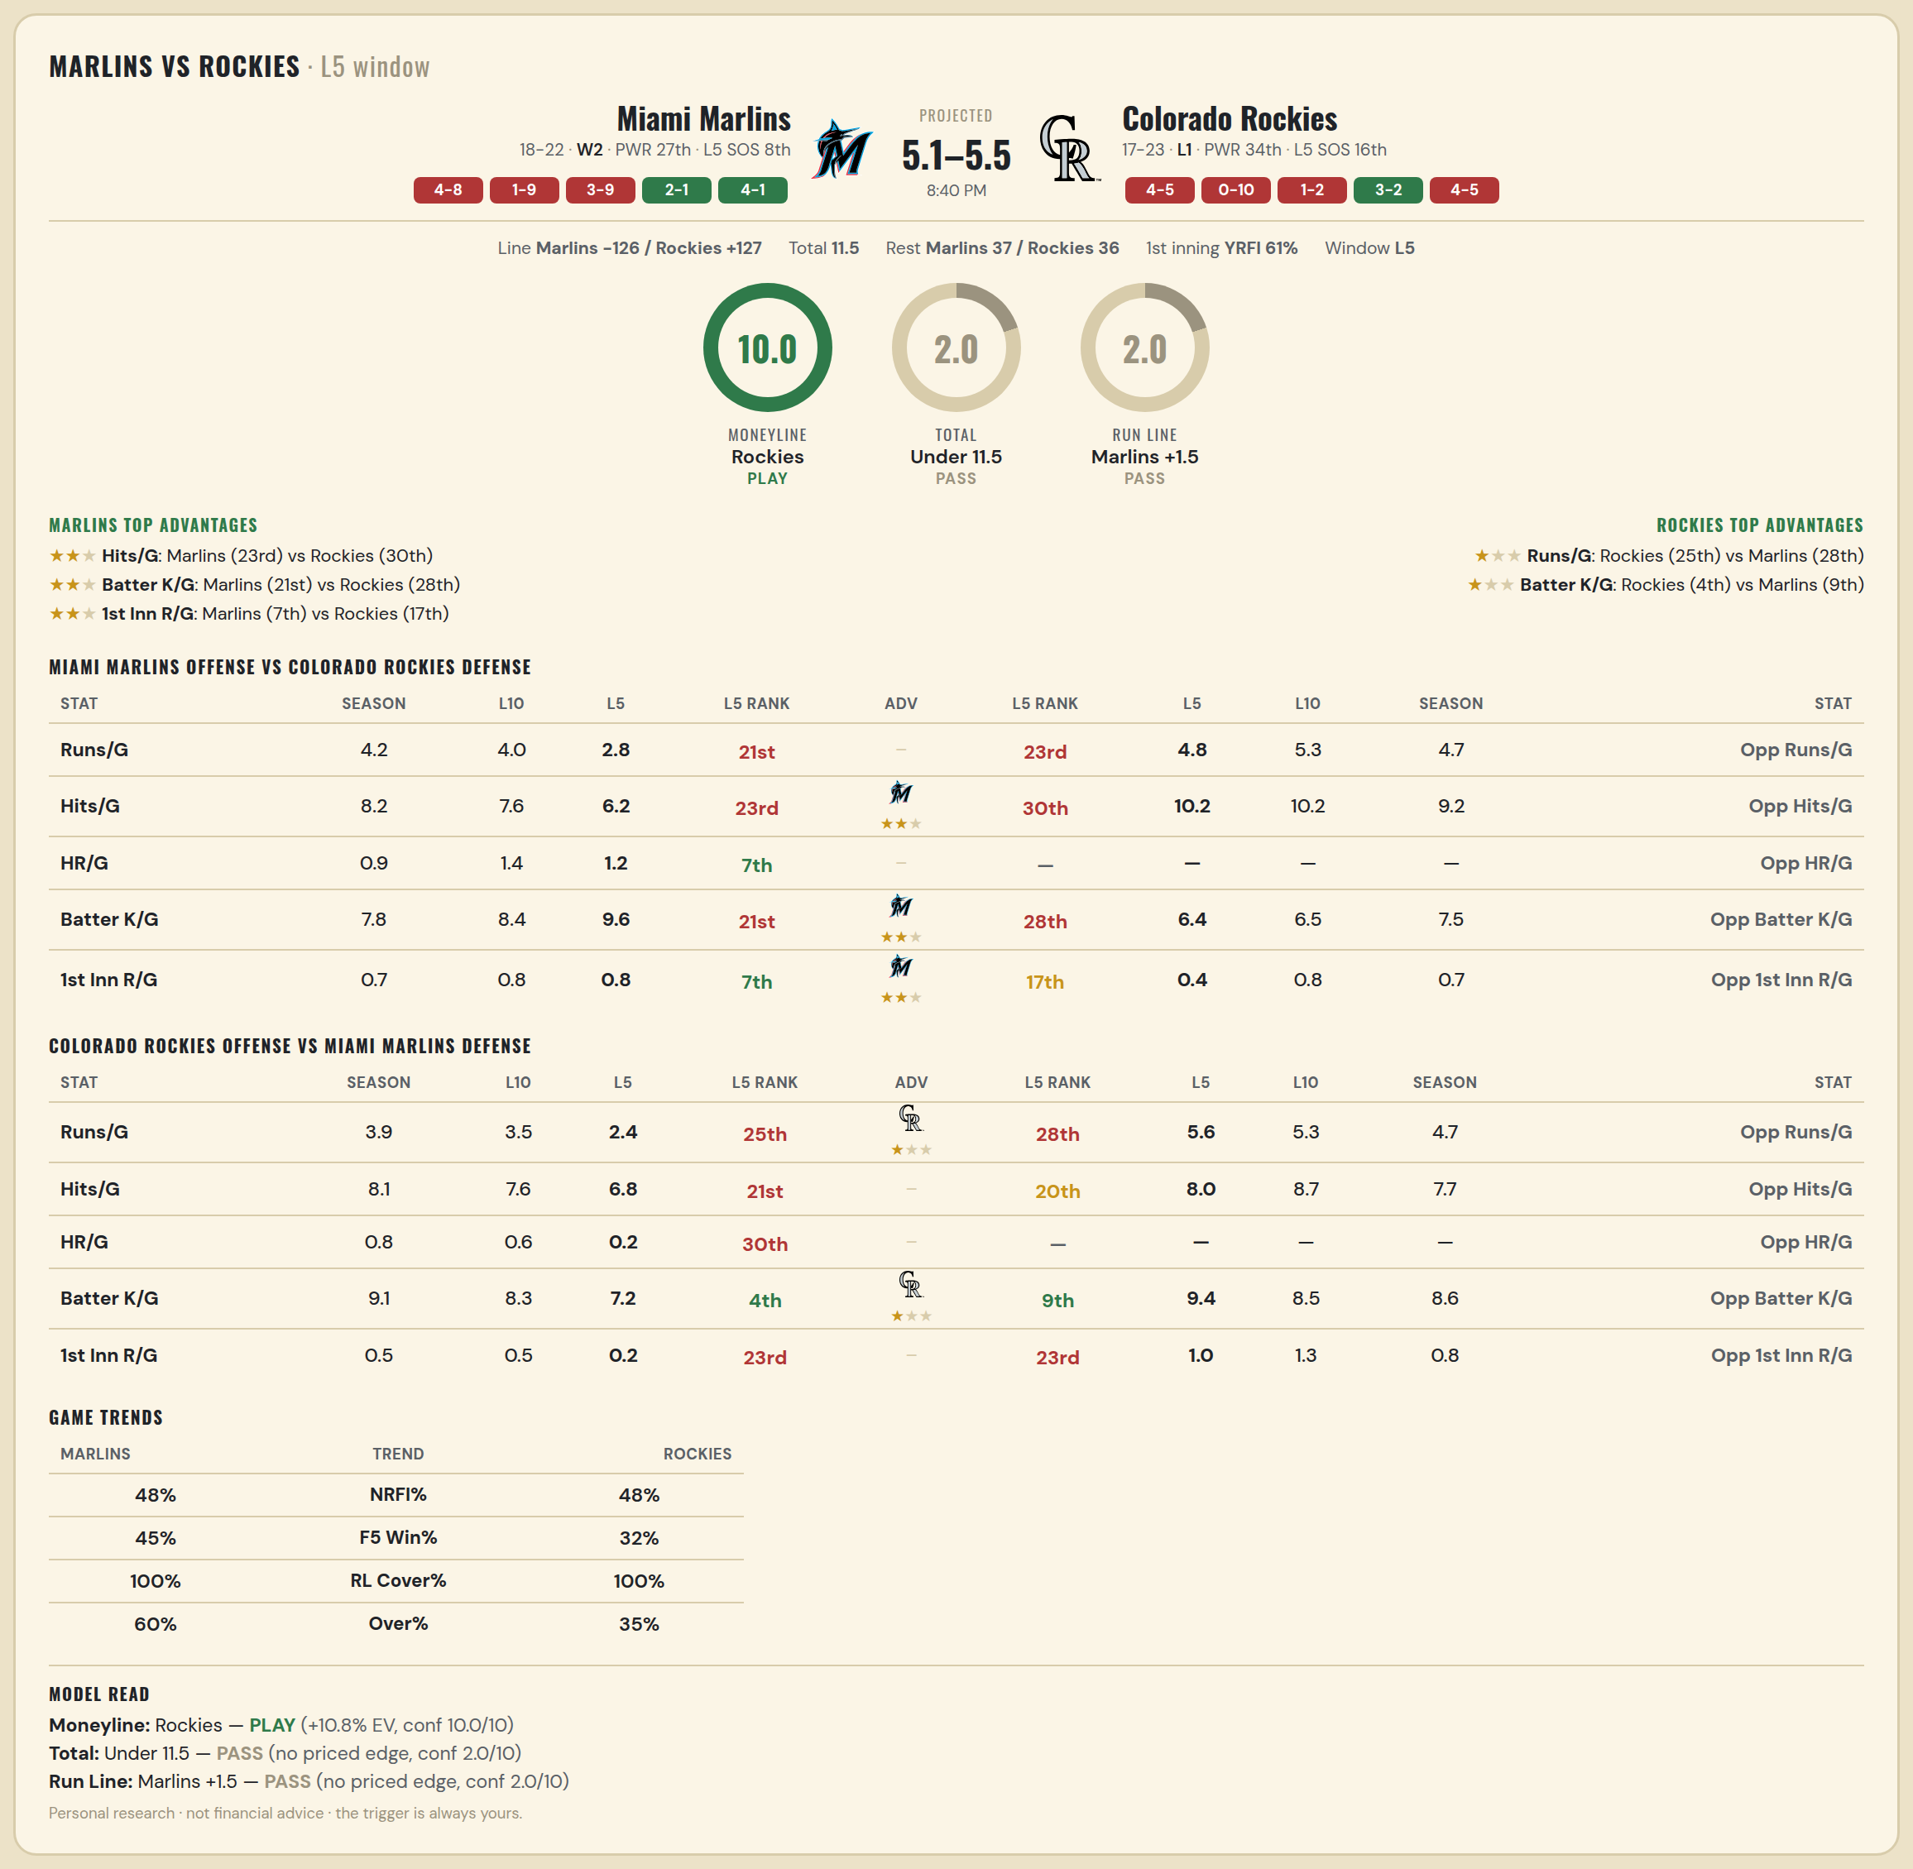

Miami Marlins offense vs Colorado Rockies defense
Stat | A Season | A L30 | A L20 | A L15 | A L10 | A L5 | A Rk | Adv | H Rk | H L5 | H L10 | H L15 | H L20 | H L30 | H Season | Opp stat
Runs/G | 4.25 | 3.9 | 3.9 | 3.867 | 4 | 2.8 | 21st |  | 23rd | 4.8 | 5.3 | 4.667 | 4.95 | 4.933 | 4.725 | Opp Runs/G
Hits/G | 8.237 | 7.966 | 7.895 | 8 | 7.6 | 6.2 | 23rd | ★★ | 30th | 10.2 | 10.2 | 9.533 | 10 | 9.207 | 9.231 | Opp Hits/G
HR/G | 0.895 | 0.897 | 1.053 | 1.214 | 1.4 | 1.2 | 7th |  | — | — | — | — | — | — | — | Opp HR/G
Batter K/G | 7.842 | 7.828 | 7.737 | 7.714 | 8.4 | 9.6 | 21st | ★★ | 28th | 6.4 | 6.5 | 7.067 | 7.55 | 7.31 | 7.462 | Opp Batter K/G
1st Inn R/G | 0.737 | 0.655 | 0.789 | 0.786 | 0.8 | 0.8 | 7th | ★★ | 17th | 0.4 | 0.8 | 0.6 | 0.6 | 0.586 | 0.718 | Opp 1st Inn R/G

Colorado Rockies offense vs Miami Marlins defense
Stat | A Season | A L30 | A L20 | A L15 | A L10 | A L5 | A Rk | Adv | H Rk | H L5 | H L10 | H L15 | H L20 | H L30 | H Season | Opp stat
Runs/G | 3.9 | 3.9 | 3.9 | 4.067 | 3.5 | 2.4 | 25th | ★ | 28th | 5.6 | 5.3 | 4.733 | 4.7 | 4.633 | 4.725 | Opp Runs/G
Hits/G | 8.128 | 8.207 | 8.2 | 8.4 | 7.6 | 6.8 | 21st |  | 20th | 8 | 8.7 | 8.643 | 8.158 | 8.207 | 7.711 | Opp Hits/G
HR/G | 0.846 | 0.828 | 0.65 | 0.667 | 0.6 | 0.2 | 30th |  | — | — | — | — | — | — | — | Opp HR/G
Batter K/G | 9.103 | 8.517 | 8.05 | 8.4 | 8.3 | 7.2 | 4th | ★ | 9th | 9.4 | 8.5 | 8.071 | 8.579 | 8.207 | 8.632 | Opp Batter K/G
1st Inn R/G | 0.462 | 0.414 | 0.4 | 0.4 | 0.5 | 0.2 | 23rd |  | 23rd | 1 | 1.3 | 0.929 | 0.737 | 0.724 | 0.763 | Opp 1st Inn R/G

