MLB Brewers @ Pirates
Milwaukee Brewers @ Pittsburgh Pirates
MLB · 2026-07-11 · L5 window

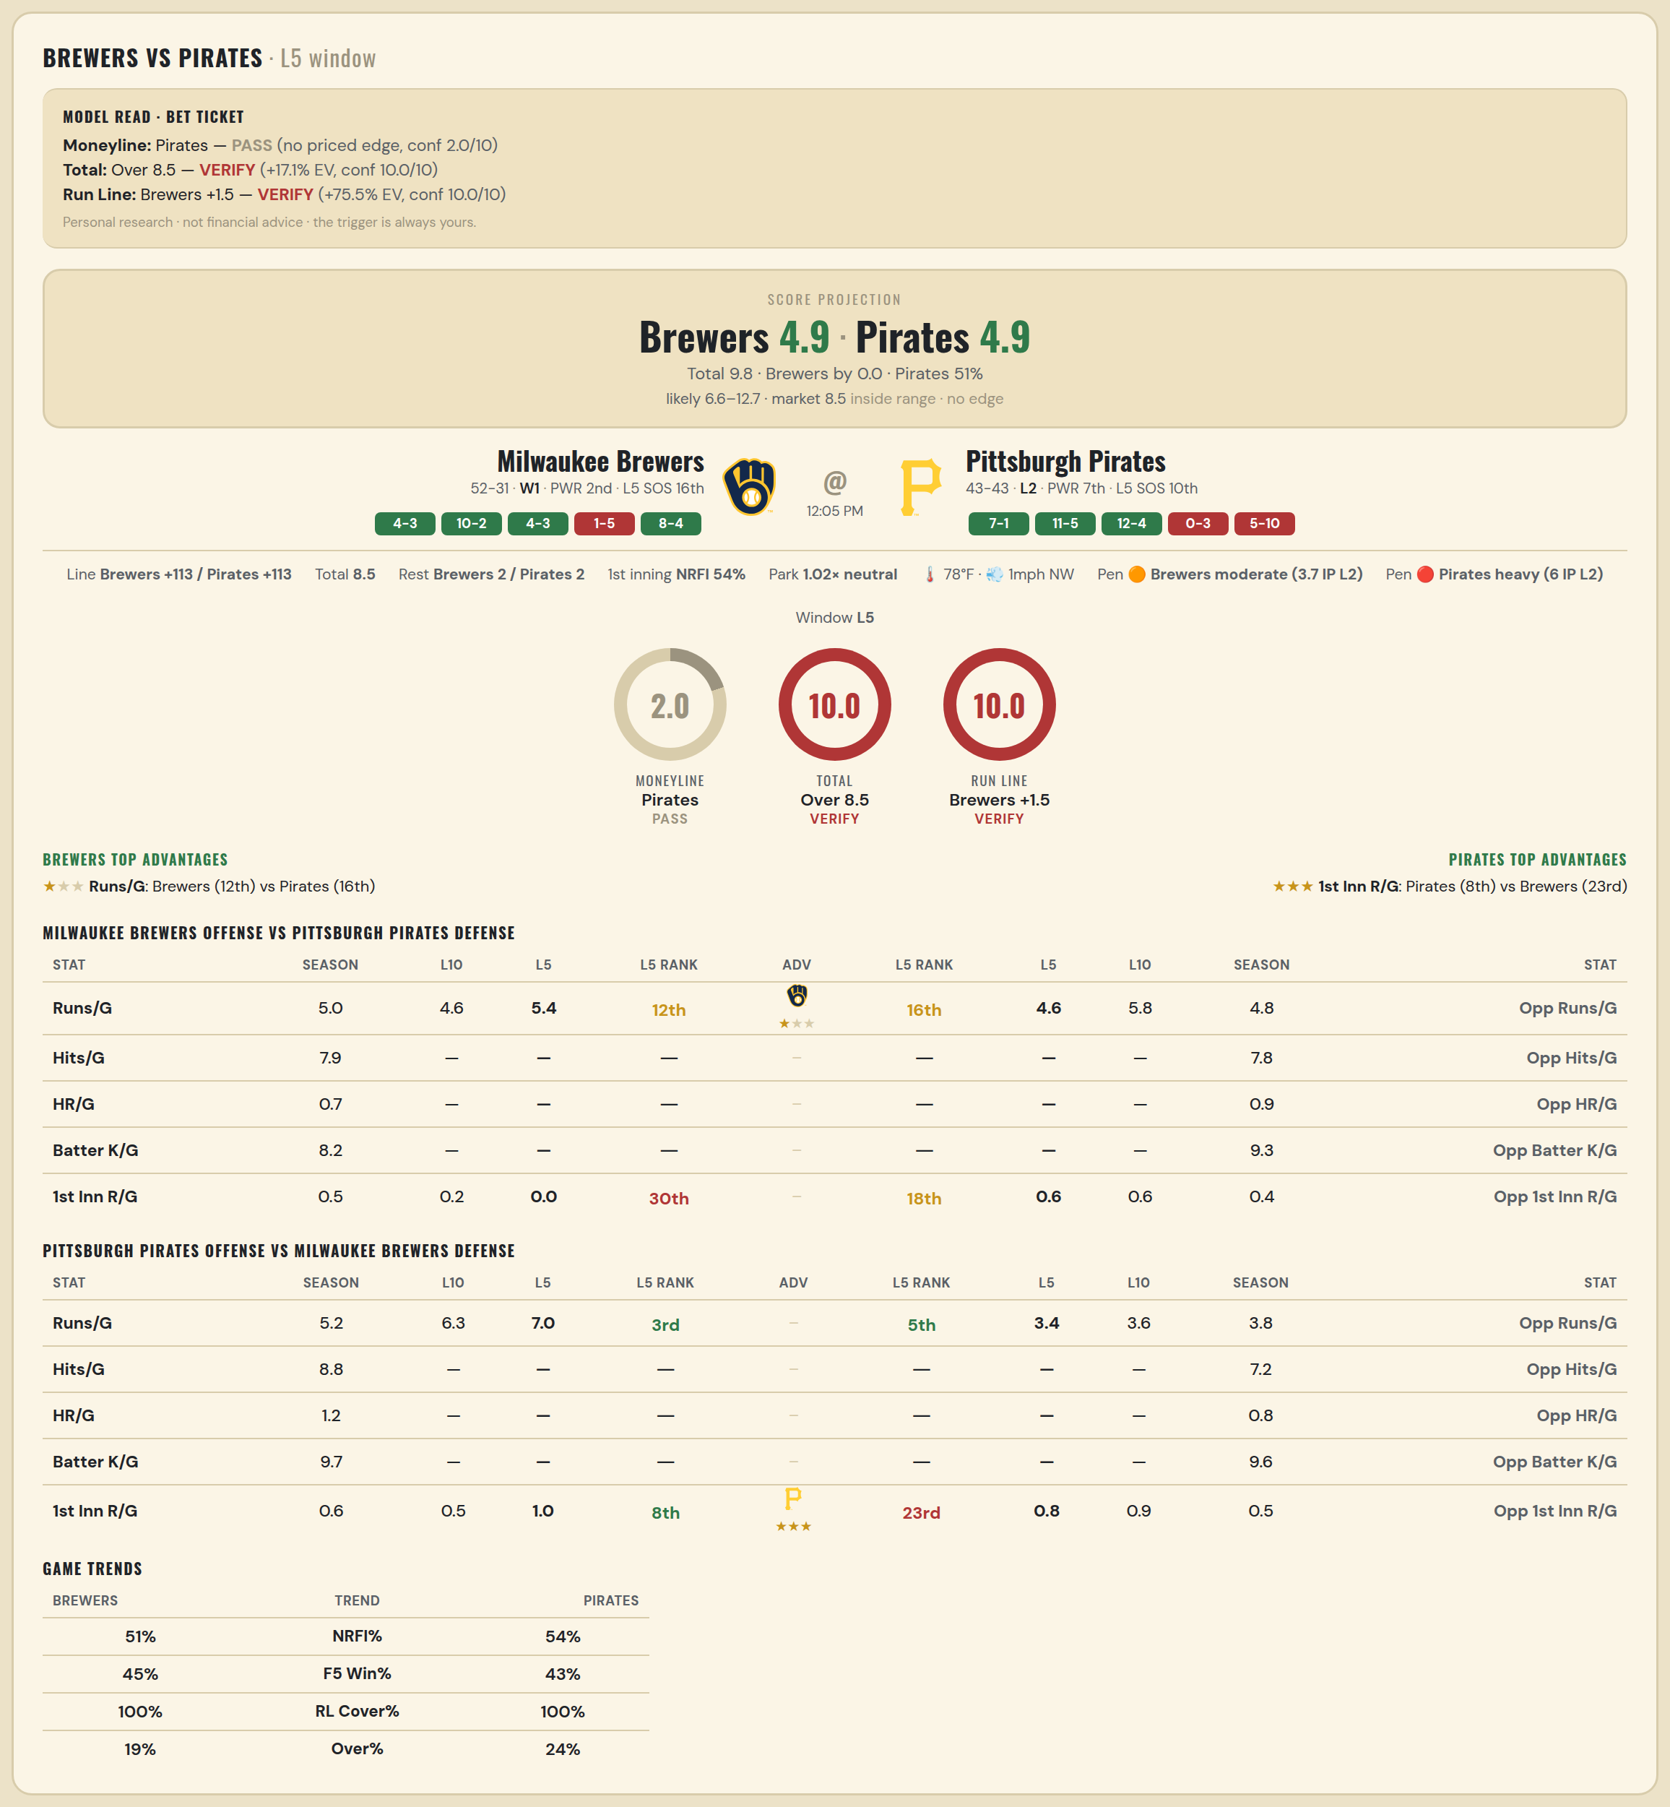

Milwaukee Brewers offense vs Pittsburgh Pirates defense
Stat | A Season | A L30 | A L20 | A L15 | A L10 | A L5 | A Rk | Adv | H Rk | H L5 | H L10 | H L15 | H L20 | H L30 | H Season | Opp stat
Runs/G | 5.036 | 4.9 | 4.55 | 4.6 | 4.6 | 5.4 | 12th | ★ | 16th | 4.6 | 5.8 | 5.267 | 4.9 | 5.5 | 4.802 | Opp Runs/G
Hits/G | 7.935 | — | — | — | — | — | — |  | — | — | — | — | — | — | 7.792 | Opp Hits/G
HR/G | 0.739 | — | — | — | — | — | — |  | — | — | — | — | — | — | 0.896 | Opp HR/G
Batter K/G | 8.152 | — | — | — | — | — | — |  | — | — | — | — | — | — | 9.292 | Opp Batter K/G
1st Inn R/G | 0.531 | 0.4 | 0.15 | 0.2 | 0.2 | 0 | 30th |  | 18th | 0.6 | 0.6 | 0.533 | 0.45 | 0.5 | 0.42 | Opp 1st Inn R/G

Pittsburgh Pirates offense vs Milwaukee Brewers defense
Stat | A Season | A L30 | A L20 | A L15 | A L10 | A L5 | A Rk | Adv | H Rk | H L5 | H L10 | H L15 | H L20 | H L30 | H Season | Opp stat
Runs/G | 5.174 | 5.467 | 6.25 | 6.6 | 6.3 | 7 | 3rd |  | 5th | 3.4 | 3.6 | 3.667 | 3.45 | 3.833 | 3.771 | Opp Runs/G
Hits/G | 8.812 | — | — | — | — | — | — |  | — | — | — | — | — | — | 7.174 | Opp Hits/G
HR/G | 1.188 | — | — | — | — | — | — |  | — | — | — | — | — | — | 0.761 | Opp HR/G
Batter K/G | 9.708 | — | — | — | — | — | — |  | — | — | — | — | — | — | 9.63 | Opp Batter K/G
1st Inn R/G | 0.568 | 0.5 | 0.55 | 0.467 | 0.5 | 1 | 8th | ★★★ | 23rd | 0.8 | 0.9 | 0.733 | 0.6 | 0.467 | 0.469 | Opp 1st Inn R/G

MLB Brewers @ Pirates 2
Milwaukee Brewers @ Pittsburgh Pirates
MLB · 2026-07-11 · L5 window



Milwaukee Brewers offense vs Pittsburgh Pirates defense
Stat | A Season | A L30 | A L20 | A L15 | A L10 | A L5 | A Rk | Adv | H Rk | H L5 | H L10 | H L15 | H L20 | H L30 | H Season | Opp stat
Runs/G | 5.036 | 4.9 | 4.55 | 4.6 | 4.6 | 5.4 | 12th | ★ | 16th | 4.6 | 5.8 | 5.267 | 4.9 | 5.5 | 4.802 | Opp Runs/G
Hits/G | 7.935 | — | — | — | — | — | — |  | — | — | — | — | — | — | 7.792 | Opp Hits/G
HR/G | 0.739 | — | — | — | — | — | — |  | — | — | — | — | — | — | 0.896 | Opp HR/G
Batter K/G | 8.152 | — | — | — | — | — | — |  | — | — | — | — | — | — | 9.292 | Opp Batter K/G
1st Inn R/G | 0.531 | 0.4 | 0.15 | 0.2 | 0.2 | 0 | 30th |  | 18th | 0.6 | 0.6 | 0.533 | 0.45 | 0.5 | 0.42 | Opp 1st Inn R/G

Pittsburgh Pirates offense vs Milwaukee Brewers defense
Stat | A Season | A L30 | A L20 | A L15 | A L10 | A L5 | A Rk | Adv | H Rk | H L5 | H L10 | H L15 | H L20 | H L30 | H Season | Opp stat
Runs/G | 5.174 | 5.467 | 6.25 | 6.6 | 6.3 | 7 | 3rd |  | 5th | 3.4 | 3.6 | 3.667 | 3.45 | 3.833 | 3.771 | Opp Runs/G
Hits/G | 8.812 | — | — | — | — | — | — |  | — | — | — | — | — | — | 7.174 | Opp Hits/G
HR/G | 1.188 | — | — | — | — | — | — |  | — | — | — | — | — | — | 0.761 | Opp HR/G
Batter K/G | 9.708 | — | — | — | — | — | — |  | — | — | — | — | — | — | 9.63 | Opp Batter K/G
1st Inn R/G | 0.568 | 0.5 | 0.55 | 0.467 | 0.5 | 1 | 8th | ★★★ | 23rd | 0.8 | 0.9 | 0.733 | 0.6 | 0.467 | 0.469 | Opp 1st Inn R/G

MLB Angels @ Twins
Los Angeles Angels @ Minnesota Twins
MLB · 2026-07-11 · L5 window

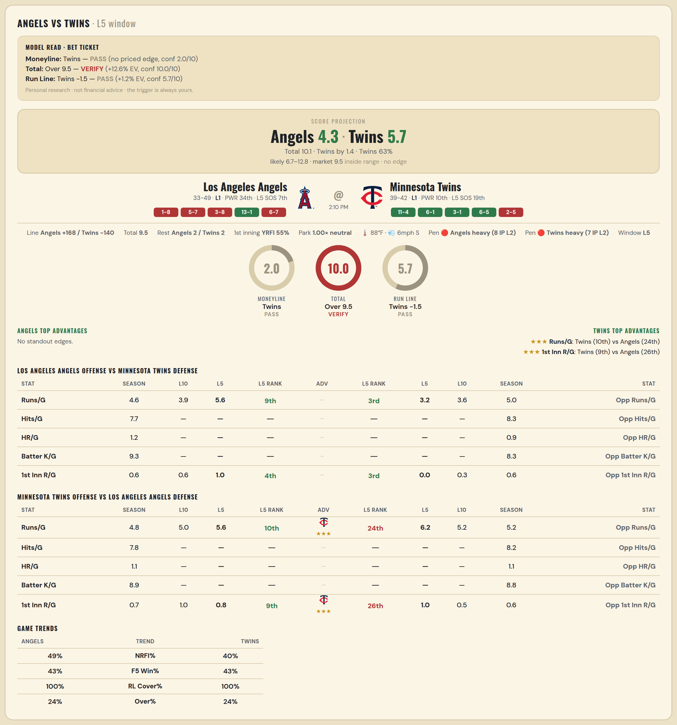

Los Angeles Angels offense vs Minnesota Twins defense
Stat | A Season | A L30 | A L20 | A L15 | A L10 | A L5 | A Rk | Adv | H Rk | H L5 | H L10 | H L15 | H L20 | H L30 | H Season | Opp stat
Runs/G | 4.622 | 4.833 | 4.4 | 4 | 3.9 | 5.6 | 9th |  | 3rd | 3.2 | 3.6 | 4.667 | 4.7 | 5.133 | 5.012 | Opp Runs/G
Hits/G | 7.714 | — | — | — | — | — | — |  | — | — | — | — | — | — | 8.306 | Opp Hits/G
HR/G | 1.184 | — | — | — | — | — | — |  | — | — | — | — | — | — | 0.918 | Opp HR/G
Batter K/G | 9.286 | — | — | — | — | — | — |  | — | — | — | — | — | — | 8.265 | Opp Batter K/G
1st Inn R/G | 0.605 | 0.6 | 0.55 | 0.667 | 0.6 | 1 | 4th |  | 3rd | 0 | 0.3 | 0.4 | 0.3 | 0.467 | 0.568 | Opp 1st Inn R/G

Minnesota Twins offense vs Los Angeles Angels defense
Stat | A Season | A L30 | A L20 | A L15 | A L10 | A L5 | A Rk | Adv | H Rk | H L5 | H L10 | H L15 | H L20 | H L30 | H Season | Opp stat
Runs/G | 4.827 | 5.433 | 5.85 | 4.733 | 5 | 5.6 | 10th | ★★★ | 24th | 6.2 | 5.2 | 5.067 | 5.4 | 4.833 | 5.159 | Opp Runs/G
Hits/G | 7.776 | — | — | — | — | — | — |  | — | — | — | — | — | — | 8.245 | Opp Hits/G
HR/G | 1.061 | — | — | — | — | — | — |  | — | — | — | — | — | — | 1.061 | Opp HR/G
Batter K/G | 8.939 | — | — | — | — | — | — |  | — | — | — | — | — | — | 8.816 | Opp Batter K/G
1st Inn R/G | 0.691 | 0.9 | 1.1 | 0.933 | 1 | 0.8 | 9th | ★★★ | 26th | 1 | 0.5 | 0.4 | 0.75 | 0.833 | 0.58 | Opp 1st Inn R/G

MLB Athletics @ Sox
Athletics @ Chicago White Sox
MLB · 2026-07-11 · L5 window

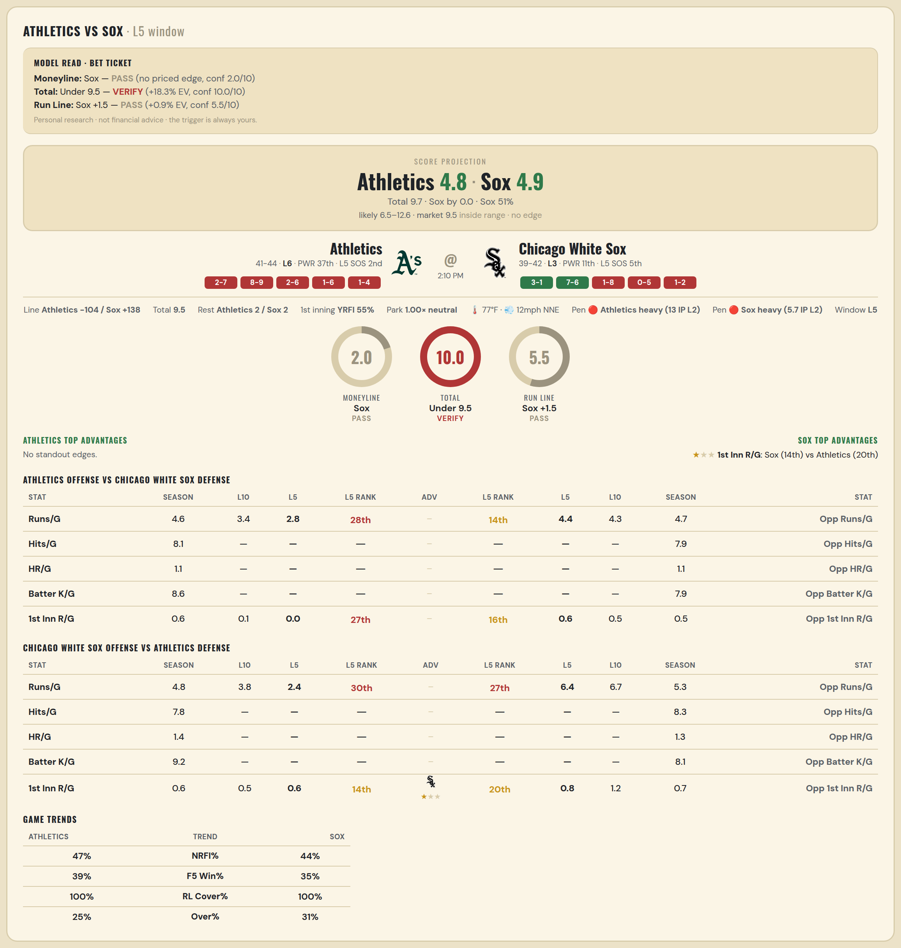

Athletics offense vs Chicago White Sox defense
Stat | A Season | A L30 | A L20 | A L15 | A L10 | A L5 | A Rk | Adv | H Rk | H L5 | H L10 | H L15 | H L20 | H L30 | H Season | Opp stat
Runs/G | 4.6 | 5.133 | 4.2 | 3.733 | 3.4 | 2.8 | 28th |  | 14th | 4.4 | 4.3 | 3.667 | 3.7 | 4.5 | 4.704 | Opp Runs/G
Hits/G | 8.146 | — | — | — | — | — | — |  | — | — | — | — | — | — | 7.854 | Opp Hits/G
HR/G | 1.062 | — | — | — | — | — | — |  | — | — | — | — | — | — | 1.062 | Opp HR/G
Batter K/G | 8.625 | — | — | — | — | — | — |  | — | — | — | — | — | — | 7.938 | Opp Batter K/G
1st Inn R/G | 0.593 | 0.733 | 0.5 | 0.067 | 0.1 | 0 | 27th |  | 16th | 0.6 | 0.5 | 0.4 | 0.4 | 0.567 | 0.544 | Opp 1st Inn R/G

Chicago White Sox offense vs Athletics defense
Stat | A Season | A L30 | A L20 | A L15 | A L10 | A L5 | A Rk | Adv | H Rk | H L5 | H L10 | H L15 | H L20 | H L30 | H Season | Opp stat
Runs/G | 4.753 | 4.567 | 4.5 | 4.733 | 3.8 | 2.4 | 30th |  | 27th | 6.4 | 6.7 | 5.733 | 6.25 | 6.7 | 5.282 | Opp Runs/G
Hits/G | 7.792 | — | — | — | — | — | — |  | — | — | — | — | — | — | 8.312 | Opp Hits/G
HR/G | 1.354 | — | — | — | — | — | — |  | — | — | — | — | — | — | 1.271 | Opp HR/G
Batter K/G | 9.208 | — | — | — | — | — | — |  | — | — | — | — | — | — | 8.146 | Opp Batter K/G
1st Inn R/G | 0.582 | 0.5 | 0.45 | 0.467 | 0.5 | 0.6 | 14th | ★ | 20th | 0.8 | 1.2 | 0.8 | 0.75 | 0.733 | 0.728 | Opp 1st Inn R/G

MLB Rockies @ Giants
Colorado Rockies @ San Francisco Giants
MLB · 2026-07-11 · L5 window

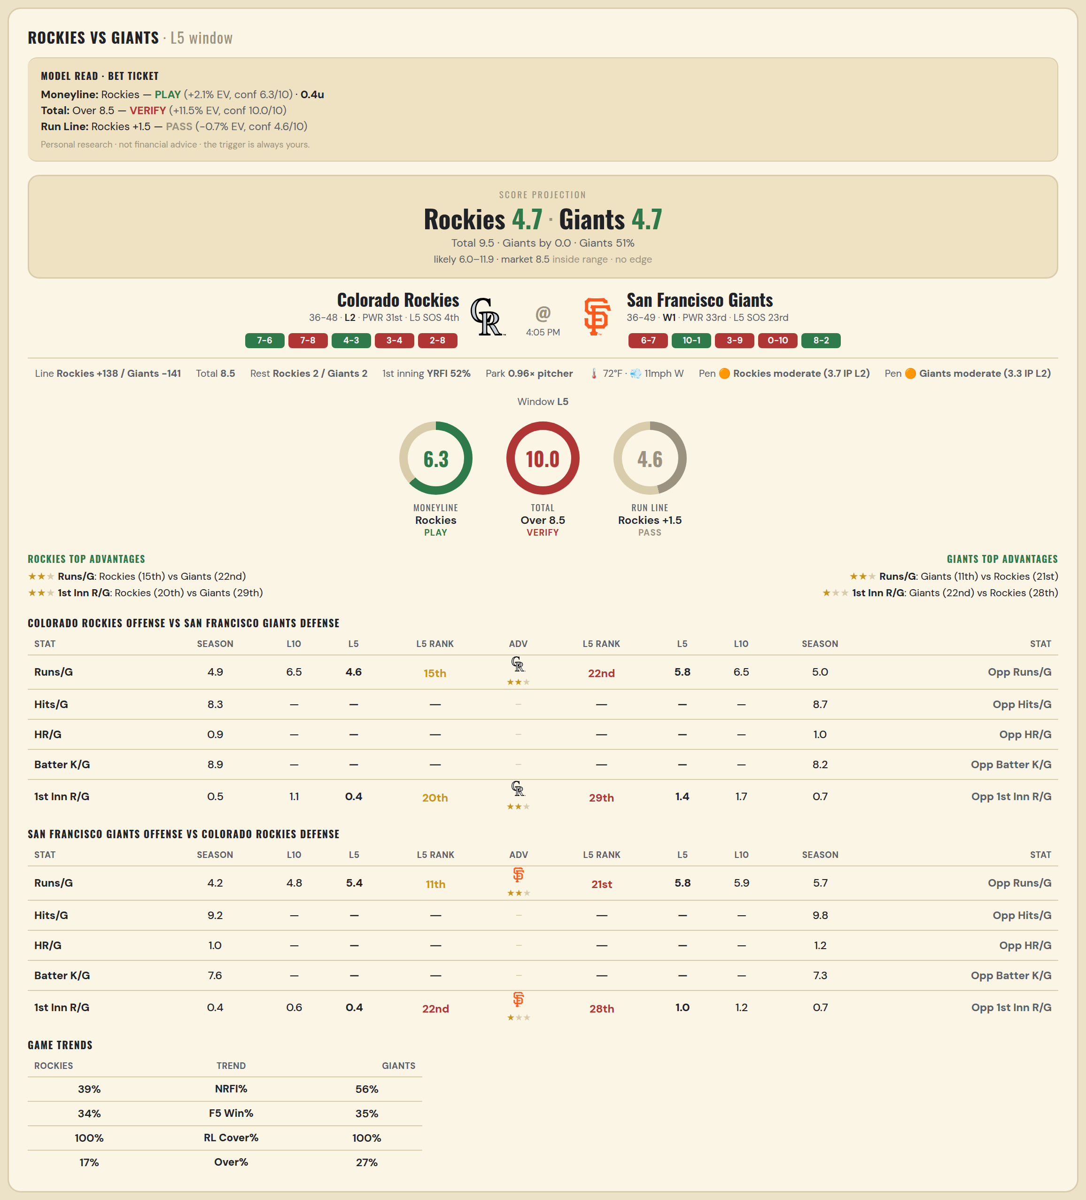

Colorado Rockies offense vs San Francisco Giants defense
Stat | A Season | A L30 | A L20 | A L15 | A L10 | A L5 | A Rk | Adv | H Rk | H L5 | H L10 | H L15 | H L20 | H L30 | H Season | Opp stat
Runs/G | 4.881 | 5.967 | 5.75 | 6.533 | 6.5 | 4.6 | 15th | ★★ | 22nd | 5.8 | 6.5 | 5.333 | 4.9 | 4.633 | 5.012 | Opp Runs/G
Hits/G | 8.32 | — | — | — | — | — | — |  | — | — | — | — | — | — | 8.652 | Opp Hits/G
HR/G | 0.92 | — | — | — | — | — | — |  | — | — | — | — | — | — | 0.978 | Opp HR/G
Batter K/G | 8.92 | — | — | — | — | — | — |  | — | — | — | — | — | — | 8.174 | Opp Batter K/G
1st Inn R/G | 0.53 | 0.667 | 0.7 | 0.867 | 1.1 | 0.4 | 20th | ★★ | 29th | 1.4 | 1.7 | 1.133 | 0.95 | 0.8 | 0.654 | Opp 1st Inn R/G

San Francisco Giants offense vs Colorado Rockies defense
Stat | A Season | A L30 | A L20 | A L15 | A L10 | A L5 | A Rk | Adv | H Rk | H L5 | H L10 | H L15 | H L20 | H L30 | H Season | Opp stat
Runs/G | 4.212 | 4.5 | 4.1 | 4.333 | 4.8 | 5.4 | 11th | ★★ | 21st | 5.8 | 5.9 | 6.133 | 5.55 | 5.8 | 5.655 | Opp Runs/G
Hits/G | 9.239 | — | — | — | — | — | — |  | — | — | — | — | — | — | 9.78 | Opp Hits/G
HR/G | 0.978 | — | — | — | — | — | — |  | — | — | — | — | — | — | 1.24 | Opp HR/G
Batter K/G | 7.587 | — | — | — | — | — | — |  | — | — | — | — | — | — | 7.28 | Opp Batter K/G
1st Inn R/G | 0.397 | 0.4 | 0.4 | 0.467 | 0.6 | 0.4 | 22nd | ★ | 28th | 1 | 1.2 | 1.067 | 0.9 | 0.867 | 0.747 | Opp 1st Inn R/G

MLB Yankees @ Nationals
New York Yankees @ Washington Nationals
MLB · 2026-07-11 · L5 window

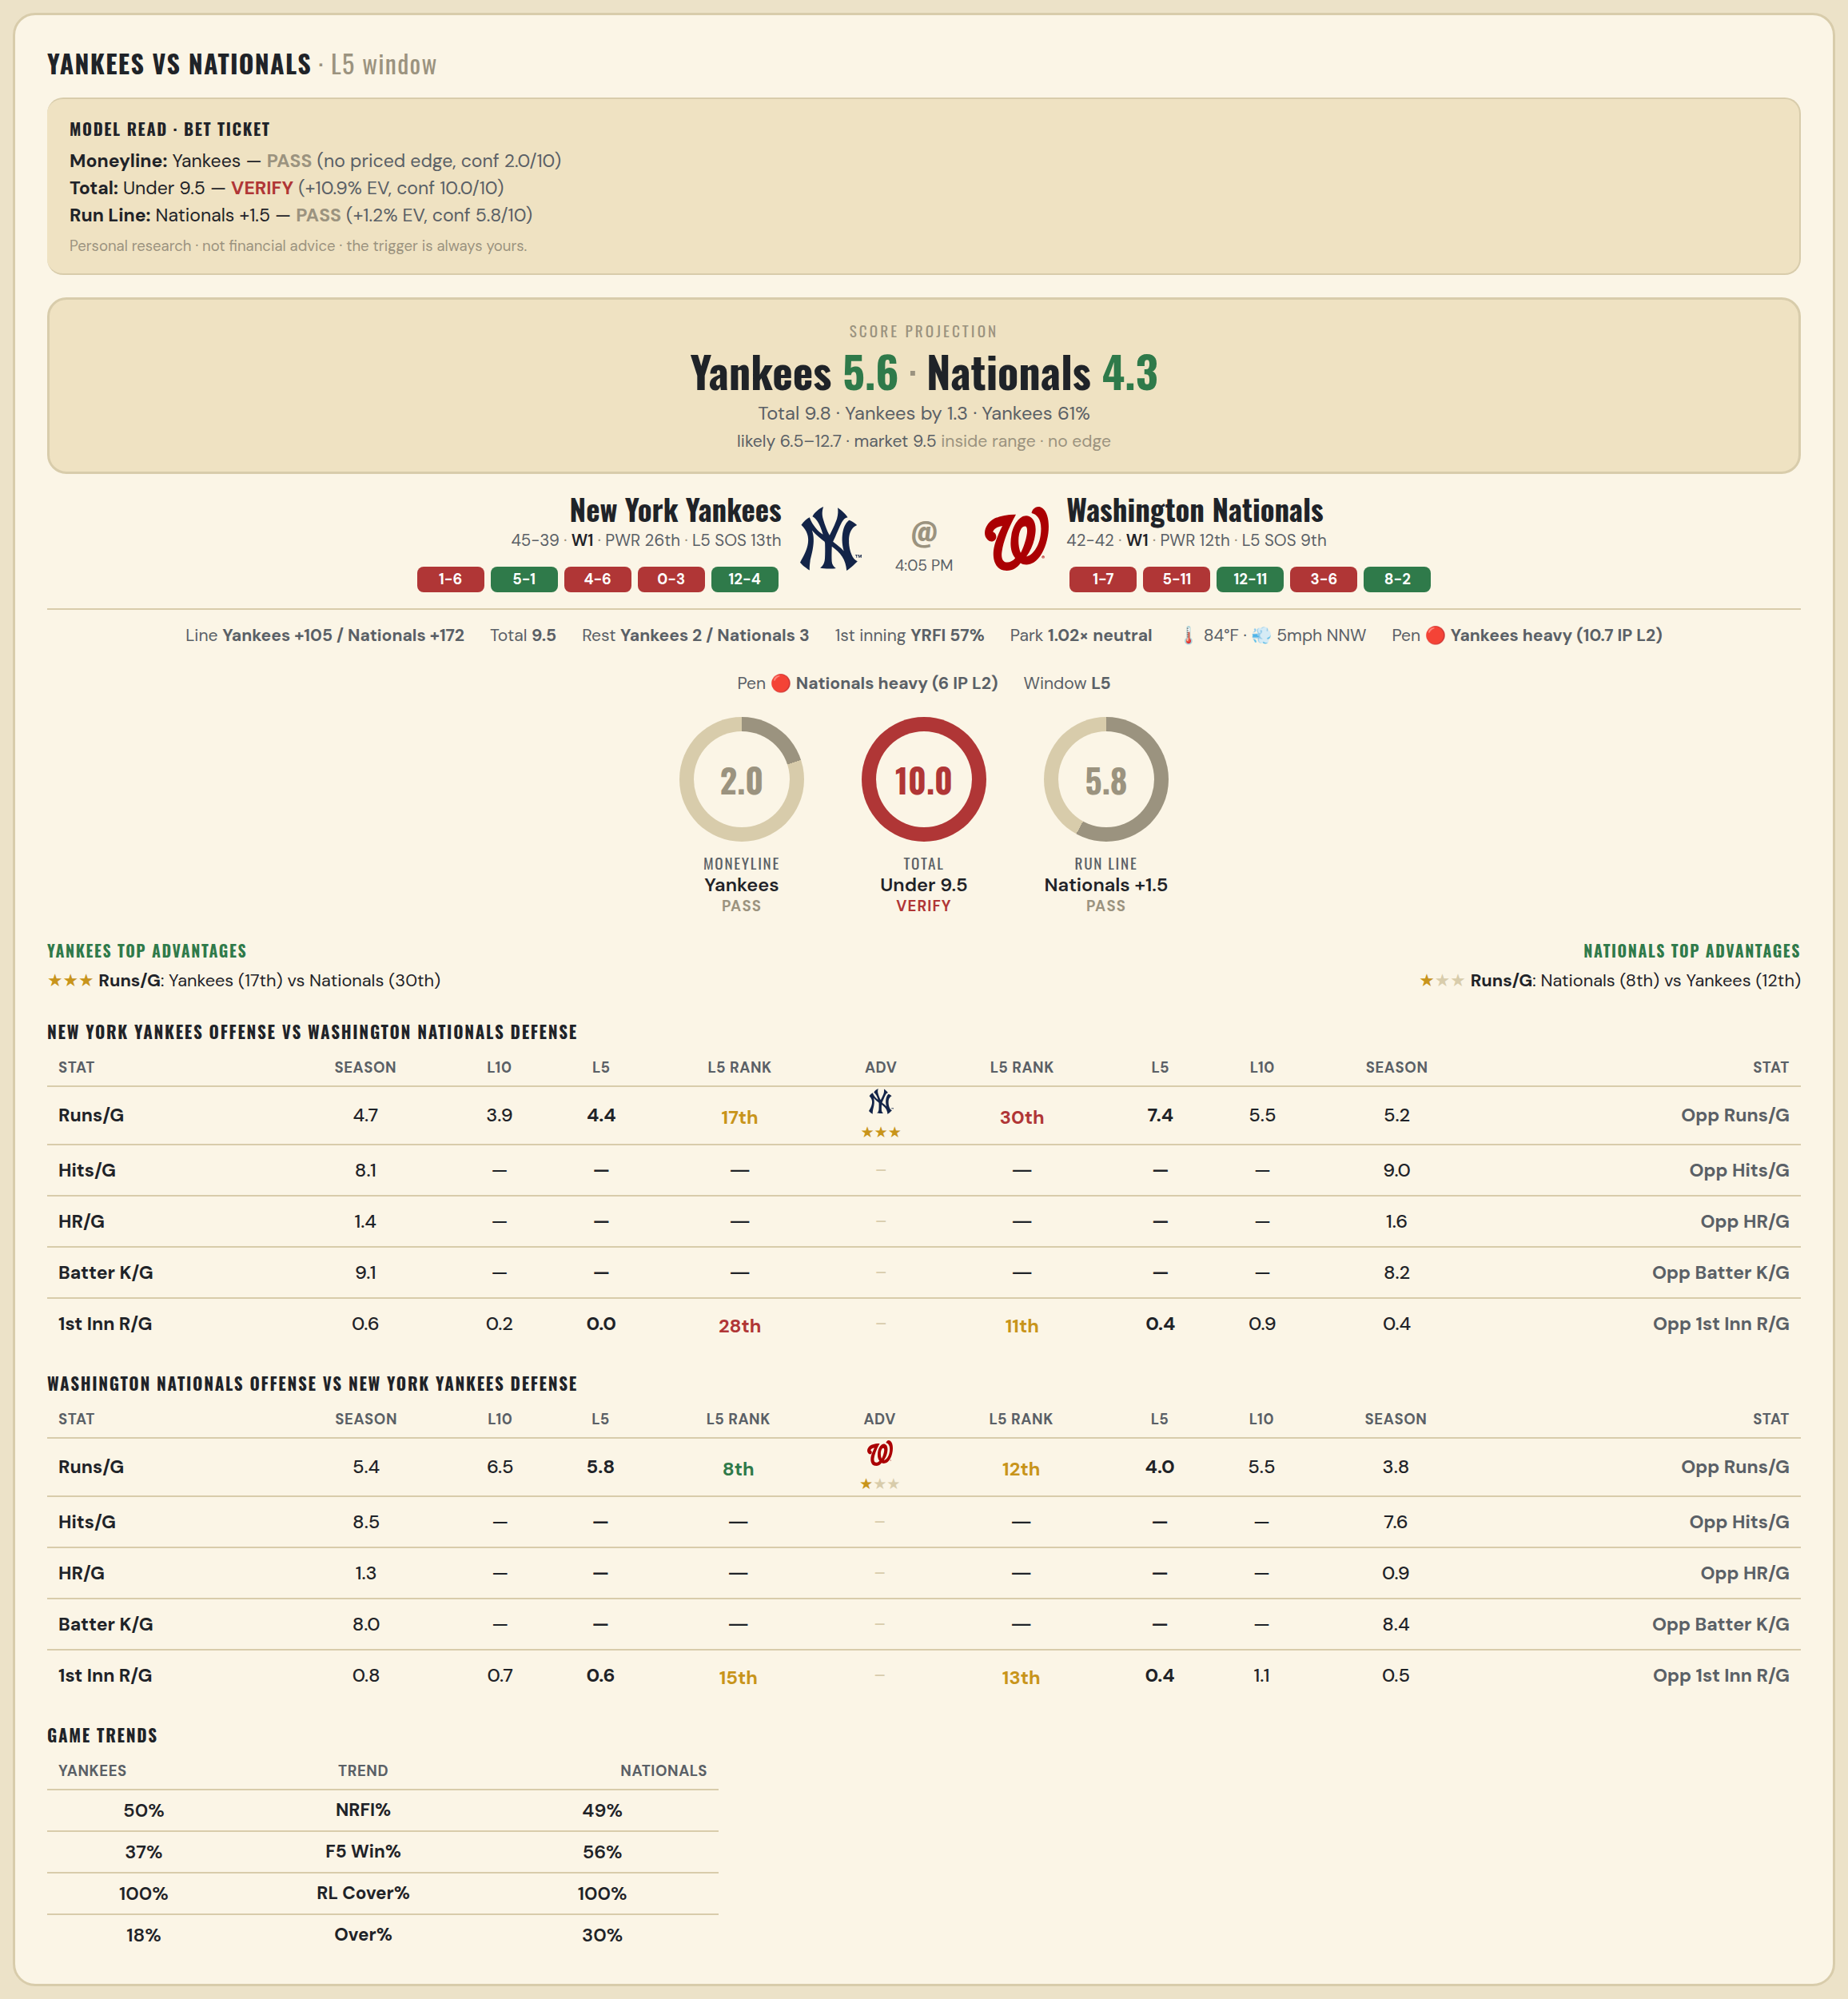

New York Yankees offense vs Washington Nationals defense
Stat | A Season | A L30 | A L20 | A L15 | A L10 | A L5 | A Rk | Adv | H Rk | H L5 | H L10 | H L15 | H L20 | H L30 | H Season | Opp stat
Runs/G | 4.714 | 4.333 | 3.35 | 3.467 | 3.9 | 4.4 | 17th | ★★★ | 30th | 7.4 | 5.5 | 6 | 5.45 | 5.1 | 5.238 | Opp Runs/G
Hits/G | 8.109 | — | — | — | — | — | — |  | — | — | — | — | — | — | 9.04 | Opp Hits/G
HR/G | 1.413 | — | — | — | — | — | — |  | — | — | — | — | — | — | 1.56 | Opp HR/G
Batter K/G | 9.13 | — | — | — | — | — | — |  | — | — | — | — | — | — | 8.2 | Opp Batter K/G
1st Inn R/G | 0.582 | 0.3 | 0.25 | 0.267 | 0.2 | 0 | 28th |  | 11th | 0.4 | 0.9 | 0.6 | 0.55 | 0.433 | 0.402 | Opp 1st Inn R/G

Washington Nationals offense vs New York Yankees defense
Stat | A Season | A L30 | A L20 | A L15 | A L10 | A L5 | A Rk | Adv | H Rk | H L5 | H L10 | H L15 | H L20 | H L30 | H Season | Opp stat
Runs/G | 5.357 | 5.433 | 5.15 | 5.867 | 6.5 | 5.8 | 8th | ★ | 12th | 4 | 5.5 | 5.2 | 5 | 4.533 | 3.845 | Opp Runs/G
Hits/G | 8.52 | — | — | — | — | — | — |  | — | — | — | — | — | — | 7.609 | Opp Hits/G
HR/G | 1.26 | — | — | — | — | — | — |  | — | — | — | — | — | — | 0.913 | Opp HR/G
Batter K/G | 7.98 | — | — | — | — | — | — |  | — | — | — | — | — | — | 8.435 | Opp Batter K/G
1st Inn R/G | 0.817 | 0.7 | 0.65 | 0.8 | 0.7 | 0.6 | 15th |  | 13th | 0.4 | 1.1 | 0.867 | 0.65 | 0.6 | 0.506 | Opp 1st Inn R/G

MLB Sox @ Mets
Boston Red Sox @ New York Mets
MLB · 2026-07-11 · L5 window

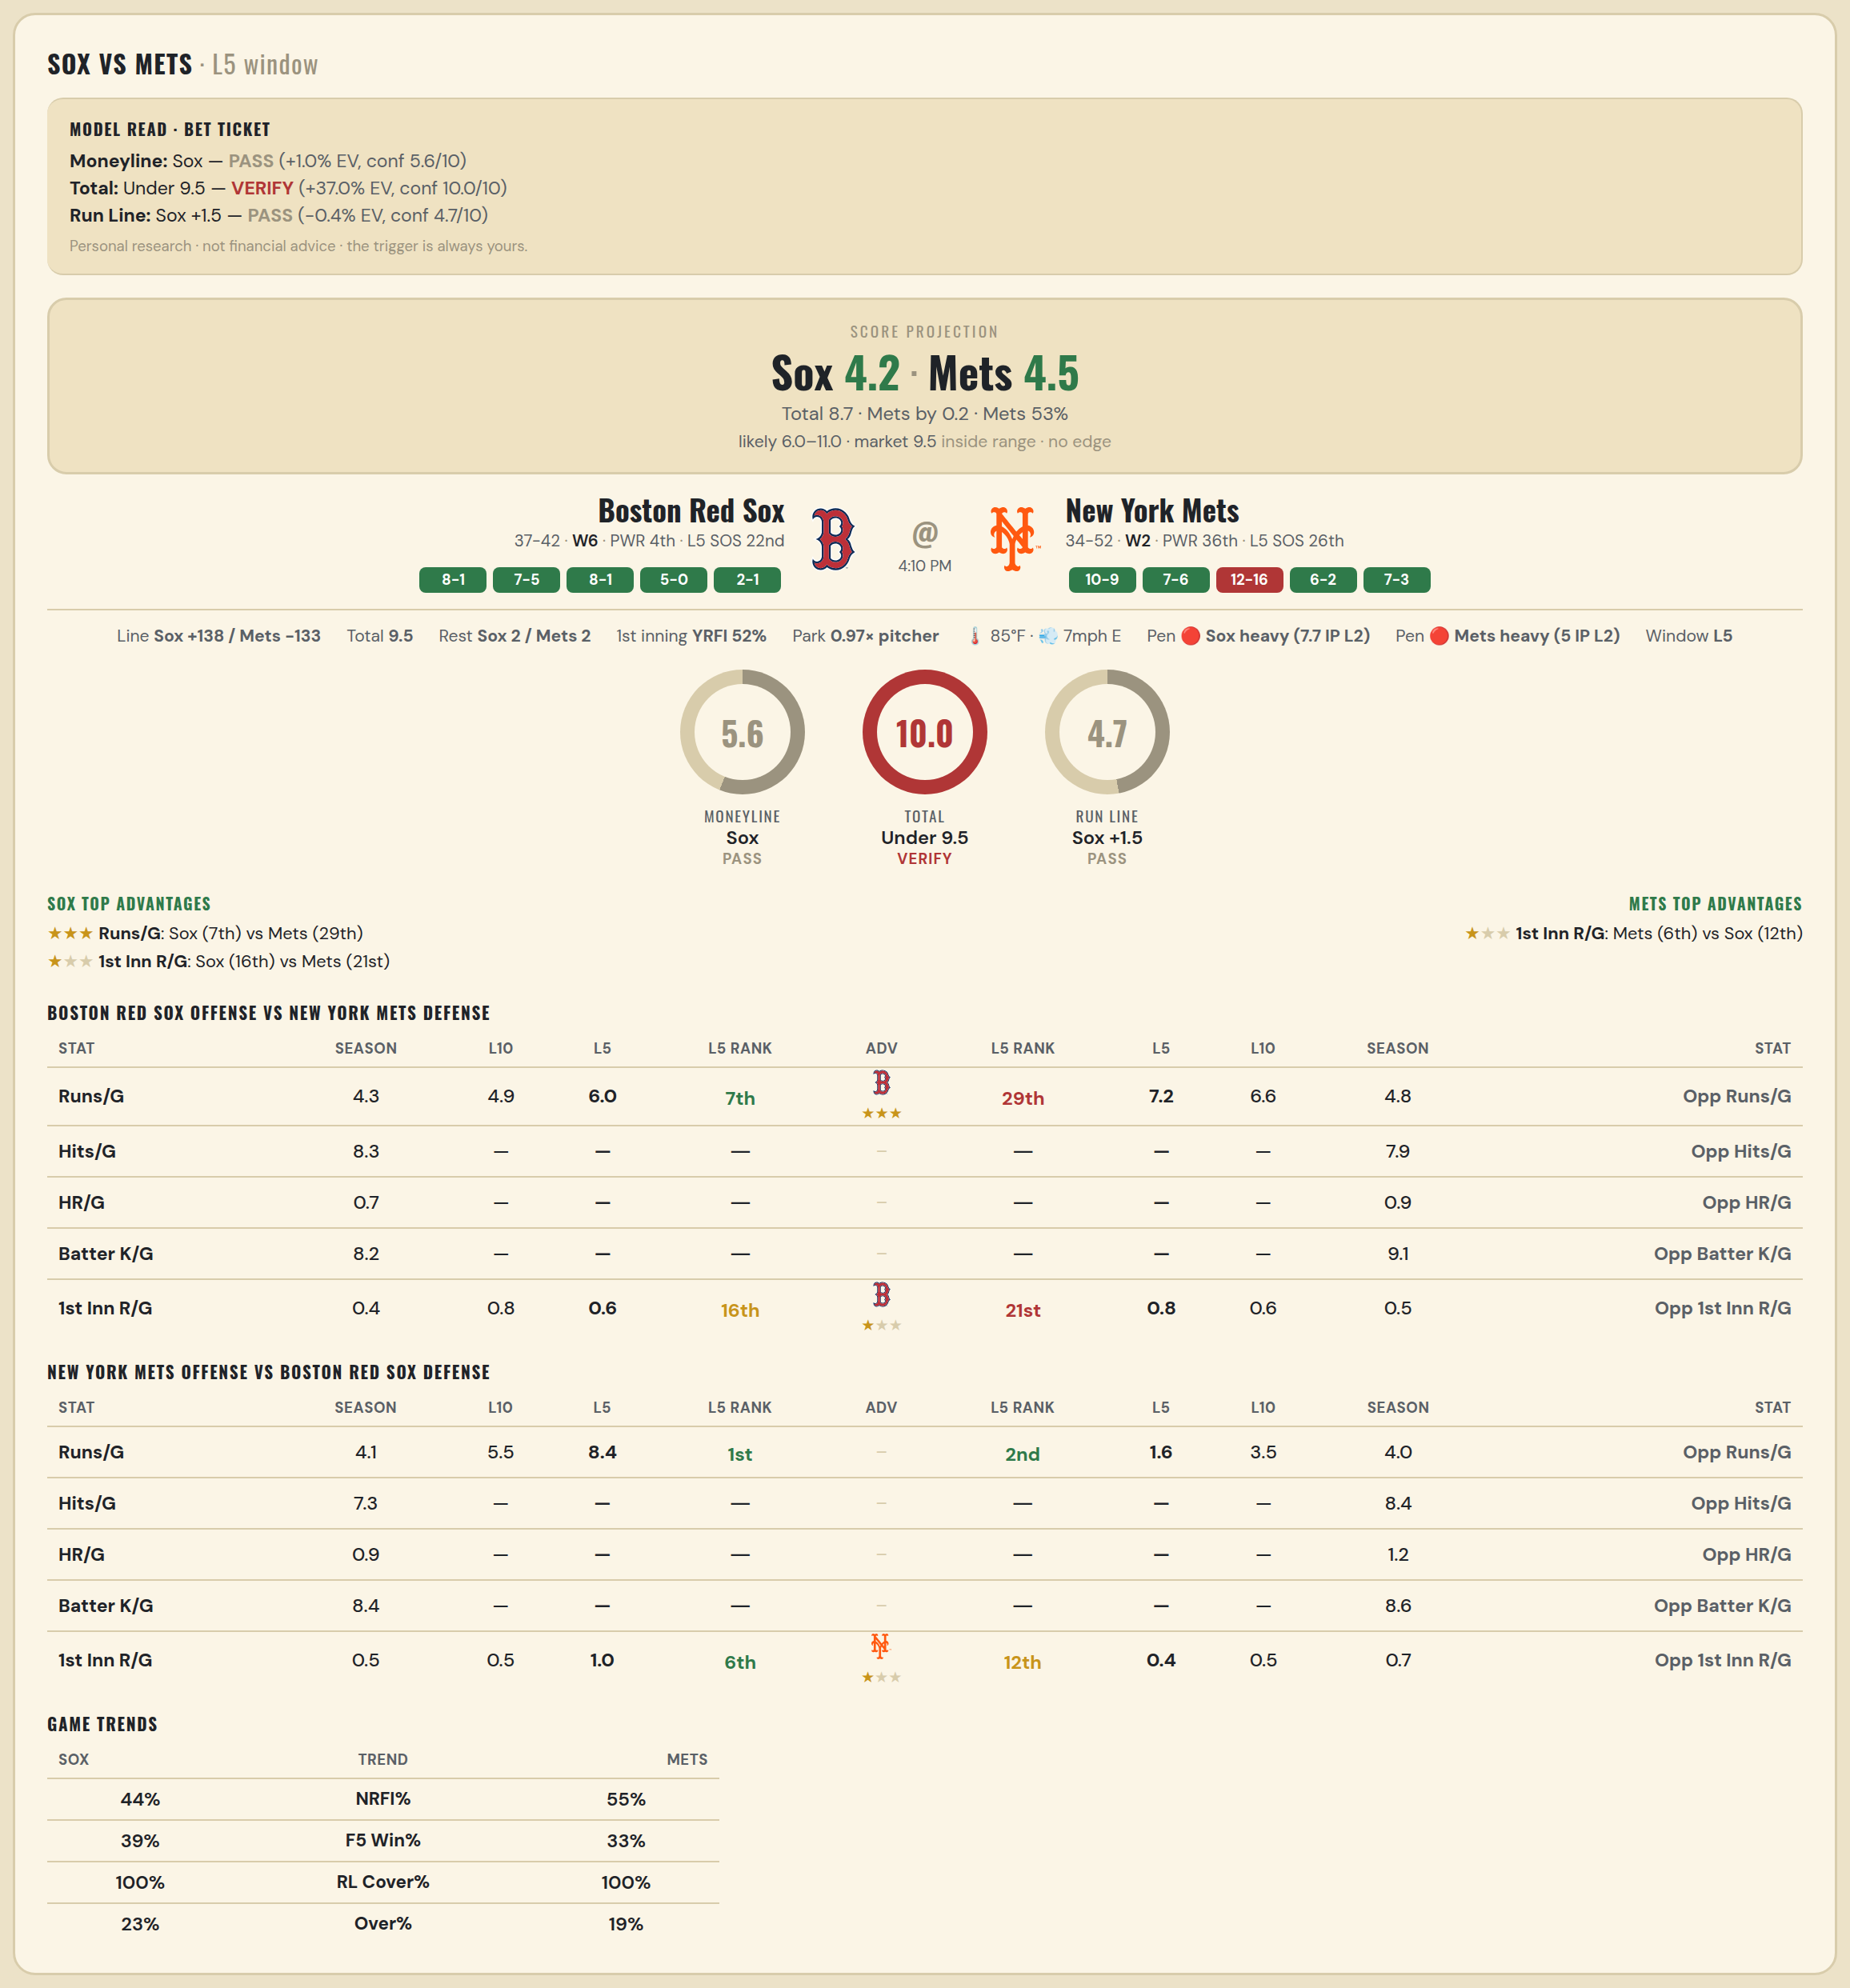

Boston Red Sox offense vs New York Mets defense
Stat | A Season | A L30 | A L20 | A L15 | A L10 | A L5 | A Rk | Adv | H Rk | H L5 | H L10 | H L15 | H L20 | H L30 | H Season | Opp stat
Runs/G | 4.253 | 4.3 | 4.65 | 5.067 | 4.9 | 6 | 7th | ★★★ | 29th | 7.2 | 6.6 | 5.933 | 6.65 | 6.1 | 4.849 | Opp Runs/G
Hits/G | 8.304 | — | — | — | — | — | — |  | — | — | — | — | — | — | 7.918 | Opp Hits/G
HR/G | 0.739 | — | — | — | — | — | — |  | — | — | — | — | — | — | 0.918 | Opp HR/G
Batter K/G | 8.239 | — | — | — | — | — | — |  | — | — | — | — | — | — | 9.061 | Opp Batter K/G
1st Inn R/G | 0.372 | 0.467 | 0.6 | 0.8 | 0.8 | 0.6 | 16th | ★ | 21st | 0.8 | 0.6 | 0.467 | 0.55 | 0.733 | 0.524 | Opp 1st Inn R/G

New York Mets offense vs Boston Red Sox defense
Stat | A Season | A L30 | A L20 | A L15 | A L10 | A L5 | A Rk | Adv | H Rk | H L5 | H L10 | H L15 | H L20 | H L30 | H Season | Opp stat
Runs/G | 4.093 | 4.533 | 4.7 | 4.8 | 5.5 | 8.4 | 1st |  | 2nd | 1.6 | 3.5 | 3.333 | 3.15 | 3.5 | 4.038 | Opp Runs/G
Hits/G | 7.306 | — | — | — | — | — | — |  | — | — | — | — | — | — | 8.391 | Opp Hits/G
HR/G | 0.939 | — | — | — | — | — | — |  | — | — | — | — | — | — | 1.217 | Opp HR/G
Batter K/G | 8.408 | — | — | — | — | — | — |  | — | — | — | — | — | — | 8.587 | Opp Batter K/G
1st Inn R/G | 0.549 | 0.567 | 0.35 | 0.333 | 0.5 | 1 | 6th | ★ | 12th | 0.4 | 0.5 | 0.4 | 0.4 | 0.4 | 0.692 | Opp 1st Inn R/G

MLB Mariners @ Rays
Seattle Mariners @ Tampa Bay Rays
MLB · 2026-07-11 · L5 window

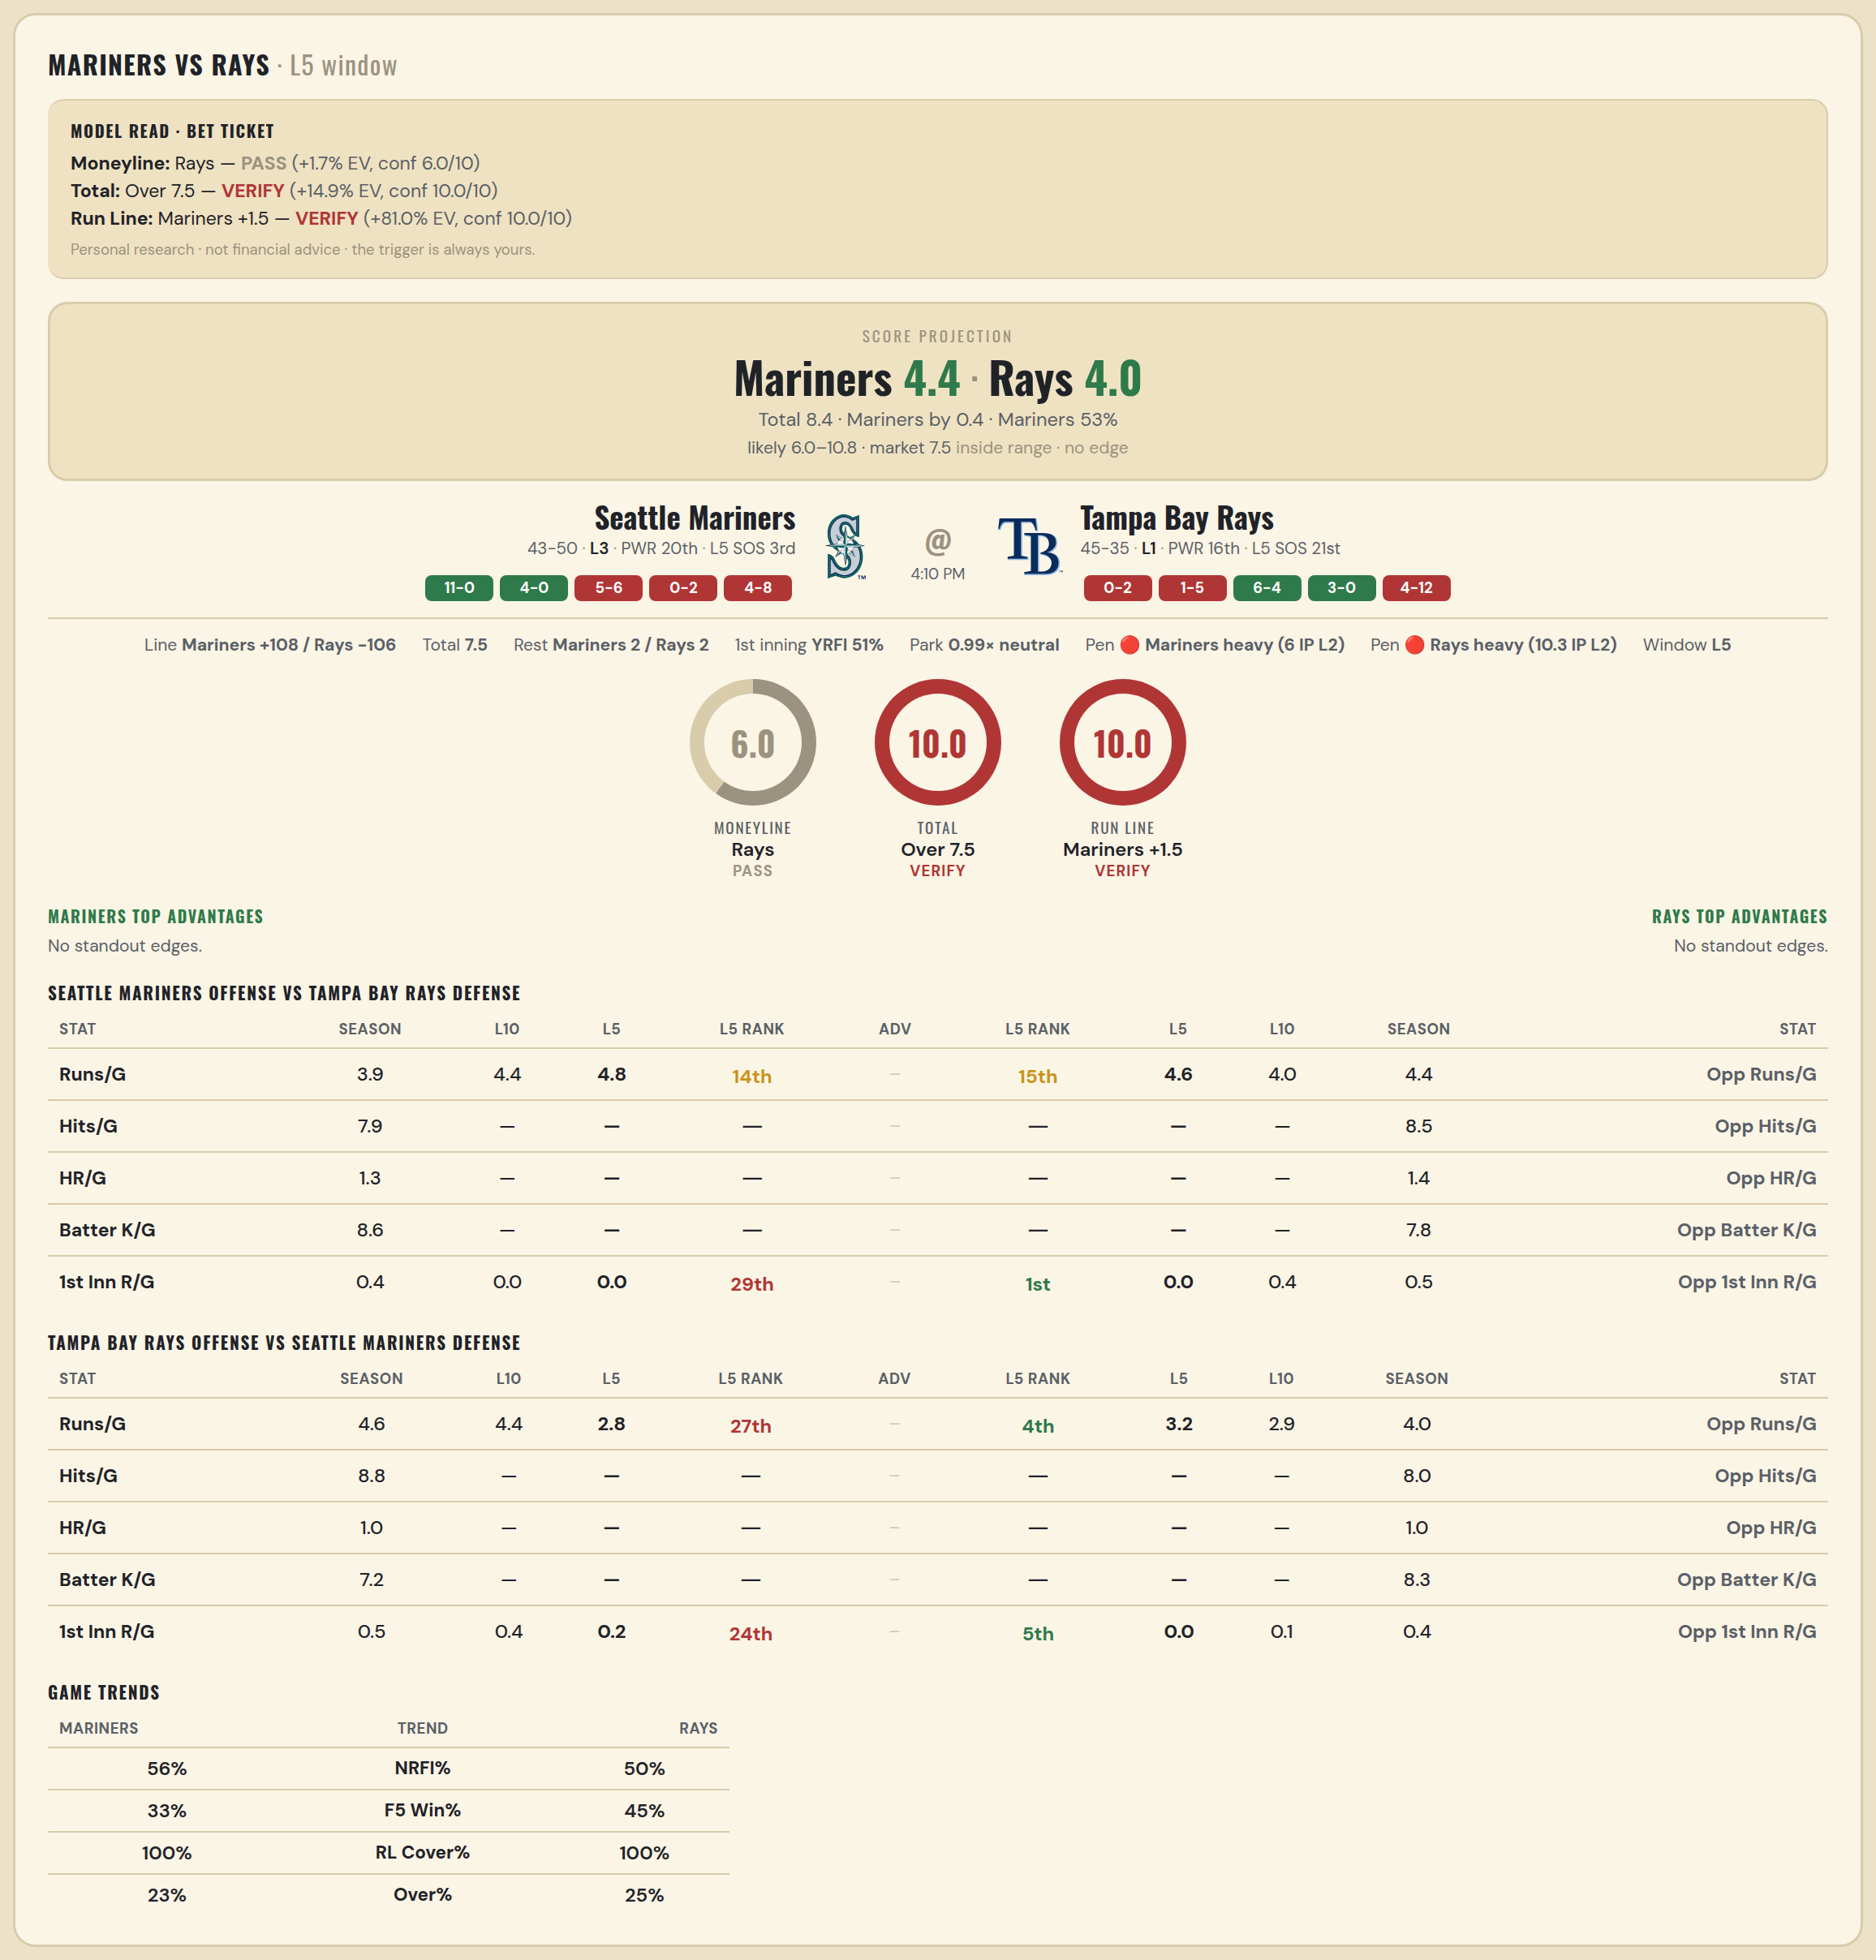

Seattle Mariners offense vs Tampa Bay Rays defense
Stat | A Season | A L30 | A L20 | A L15 | A L10 | A L5 | A Rk | Adv | H Rk | H L5 | H L10 | H L15 | H L20 | H L30 | H Season | Opp stat
Runs/G | 3.903 | 3.7 | 3.35 | 3.667 | 4.4 | 4.8 | 14th |  | 15th | 4.6 | 4 | 3.267 | 3.6 | 3.667 | 4.438 | Opp Runs/G
Hits/G | 7.854 | — | — | — | — | — | — |  | — | — | — | — | — | — | 8.467 | Opp Hits/G
HR/G | 1.312 | — | — | — | — | — | — |  | — | — | — | — | — | — | 1.444 | Opp HR/G
Batter K/G | 8.646 | — | — | — | — | — | — |  | — | — | — | — | — | — | 7.778 | Opp Batter K/G
1st Inn R/G | 0.438 | 0.233 | 0.25 | 0.067 | 0 | 0 | 29th |  | 1st | 0 | 0.4 | 0.4 | 0.4 | 0.333 | 0.474 | Opp 1st Inn R/G

Tampa Bay Rays offense vs Seattle Mariners defense
Stat | A Season | A L30 | A L20 | A L15 | A L10 | A L5 | A Rk | Adv | H Rk | H L5 | H L10 | H L15 | H L20 | H L30 | H Season | Opp stat
Runs/G | 4.612 | 4.267 | 4.75 | 5.133 | 4.4 | 2.8 | 27th |  | 4th | 3.2 | 2.9 | 3.467 | 3.45 | 3.9 | 3.989 | Opp Runs/G
Hits/G | 8.778 | — | — | — | — | — | — |  | — | — | — | — | — | — | 7.979 | Opp Hits/G
HR/G | 0.956 | — | — | — | — | — | — |  | — | — | — | — | — | — | 0.958 | Opp HR/G
Batter K/G | 7.244 | — | — | — | — | — | — |  | — | — | — | — | — | — | 8.333 | Opp Batter K/G
1st Inn R/G | 0.526 | 0.533 | 0.65 | 0.733 | 0.4 | 0.2 | 24th |  | 5th | 0 | 0.1 | 0.2 | 0.15 | 0.3 | 0.388 | Opp 1st Inn R/G

MLB Guardians @ Marlins
Cleveland Guardians @ Miami Marlins
MLB · 2026-07-11 · L5 window

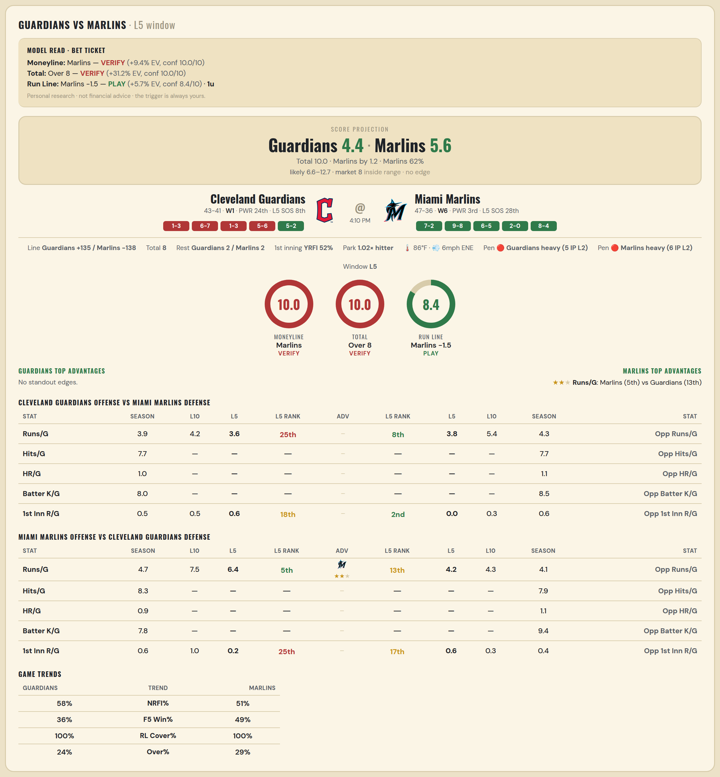

Cleveland Guardians offense vs Miami Marlins defense
Stat | A Season | A L30 | A L20 | A L15 | A L10 | A L5 | A Rk | Adv | H Rk | H L5 | H L10 | H L15 | H L20 | H L30 | H Season | Opp stat
Runs/G | 3.929 | 3.633 | 3.95 | 3.867 | 4.2 | 3.6 | 25th |  | 8th | 3.8 | 5.4 | 4.2 | 3.9 | 3.7 | 4.289 | Opp Runs/G
Hits/G | 7.735 | — | — | — | — | — | — |  | — | — | — | — | — | — | 7.694 | Opp Hits/G
HR/G | 0.959 | — | — | — | — | — | — |  | — | — | — | — | — | — | 1.082 | Opp HR/G
Batter K/G | 8 | — | — | — | — | — | — |  | — | — | — | — | — | — | 8.531 | Opp Batter K/G
1st Inn R/G | 0.506 | 0.3 | 0.35 | 0.4 | 0.5 | 0.6 | 18th |  | 2nd | 0 | 0.3 | 0.2 | 0.25 | 0.333 | 0.593 | Opp 1st Inn R/G

Miami Marlins offense vs Cleveland Guardians defense
Stat | A Season | A L30 | A L20 | A L15 | A L10 | A L5 | A Rk | Adv | H Rk | H L5 | H L10 | H L15 | H L20 | H L30 | H Season | Opp stat
Runs/G | 4.723 | 5.533 | 6.1 | 6.333 | 7.5 | 6.4 | 5th | ★★ | 13th | 4.2 | 4.3 | 3.933 | 3.95 | 4.133 | 4.131 | Opp Runs/G
Hits/G | 8.286 | — | — | — | — | — | — |  | — | — | — | — | — | — | 7.939 | Opp Hits/G
HR/G | 0.918 | — | — | — | — | — | — |  | — | — | — | — | — | — | 1.143 | Opp HR/G
Batter K/G | 7.816 | — | — | — | — | — | — |  | — | — | — | — | — | — | 9.388 | Opp Batter K/G
1st Inn R/G | 0.593 | 0.567 | 0.75 | 0.733 | 1 | 0.2 | 25th |  | 17th | 0.6 | 0.3 | 0.2 | 0.25 | 0.433 | 0.37 | Opp 1st Inn R/G

MLB Phillies @ Tigers
Philadelphia Phillies @ Detroit Tigers
MLB · 2026-07-11 · L5 window

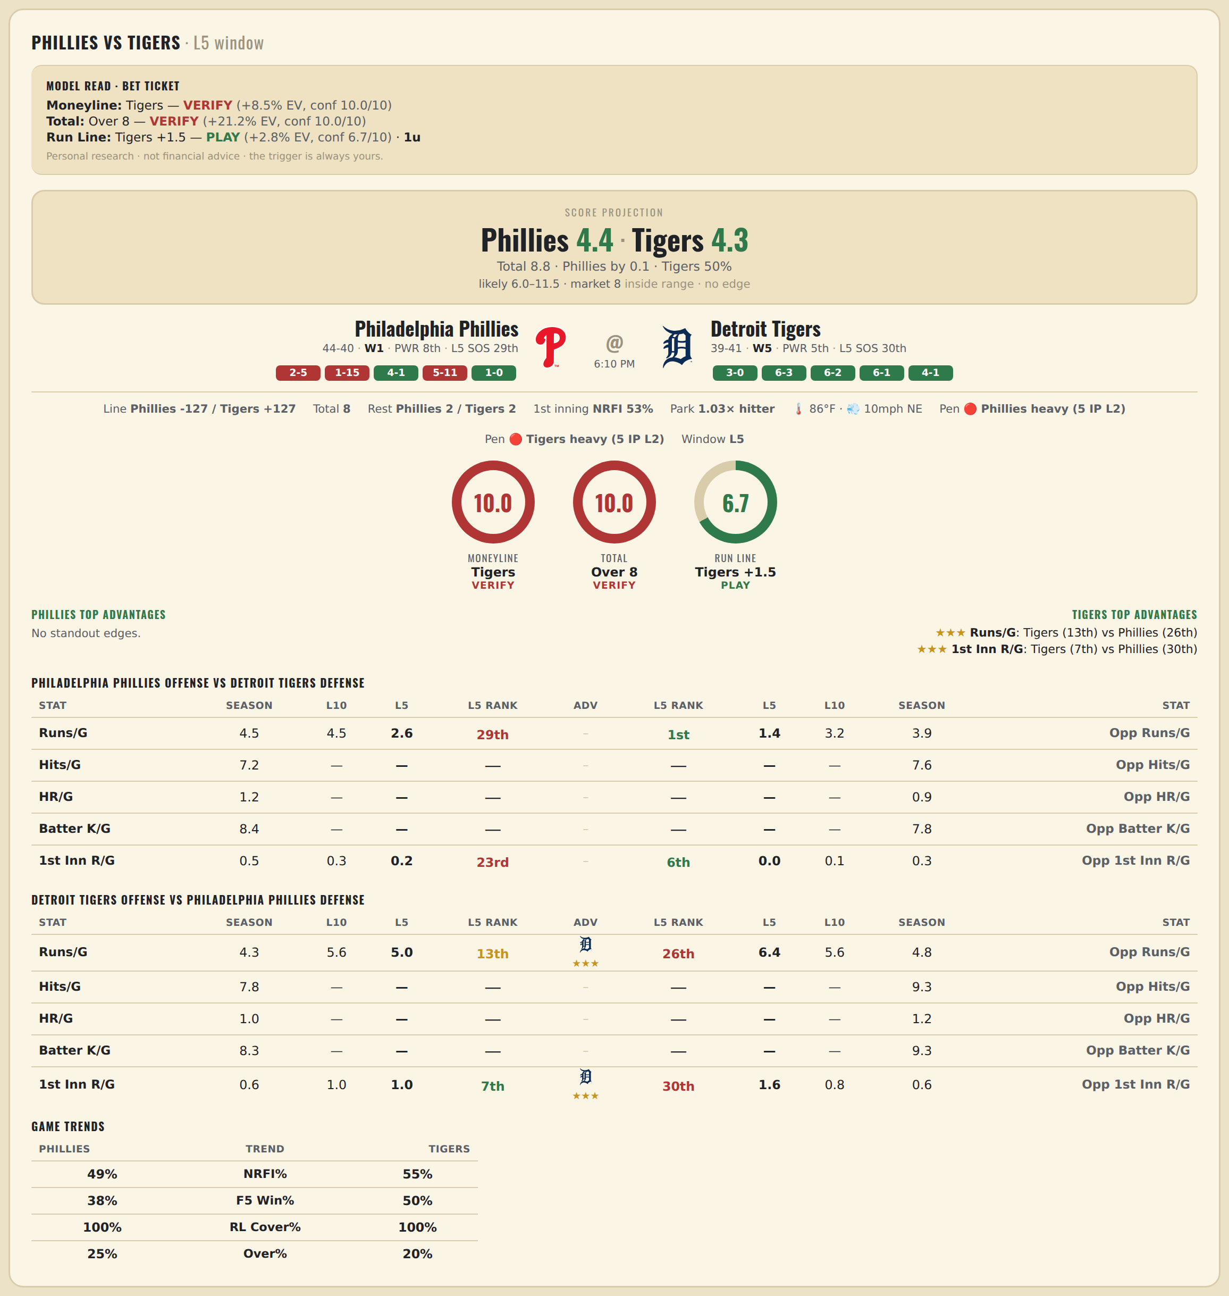

Philadelphia Phillies offense vs Detroit Tigers defense
Stat | A Season | A L30 | A L20 | A L15 | A L10 | A L5 | A Rk | Adv | H Rk | H L5 | H L10 | H L15 | H L20 | H L30 | H Season | Opp stat
Runs/G | 4.476 | 5.333 | 5.45 | 4.6 | 4.5 | 2.6 | 29th |  | 1st | 1.4 | 3.2 | 3.333 | 3.25 | 3.3 | 3.875 | Opp Runs/G
Hits/G | 7.234 | — | — | — | — | — | — |  | — | — | — | — | — | — | 7.592 | Opp Hits/G
HR/G | 1.213 | — | — | — | — | — | — |  | — | — | — | — | — | — | 0.898 | Opp HR/G
Batter K/G | 8.426 | — | — | — | — | — | — |  | — | — | — | — | — | — | 7.776 | Opp Batter K/G
1st Inn R/G | 0.543 | 0.533 | 0.4 | 0.267 | 0.3 | 0.2 | 23rd |  | 6th | 0 | 0.1 | 0.133 | 0.2 | 0.2 | 0.338 | Opp 1st Inn R/G

Detroit Tigers offense vs Philadelphia Phillies defense
Stat | A Season | A L30 | A L20 | A L15 | A L10 | A L5 | A Rk | Adv | H Rk | H L5 | H L10 | H L15 | H L20 | H L30 | H Season | Opp stat
Runs/G | 4.35 | 4.9 | 4.8 | 5.067 | 5.6 | 5 | 13th | ★★★ | 26th | 6.4 | 5.6 | 5.067 | 5 | 4.867 | 4.845 | Opp Runs/G
Hits/G | 7.755 | — | — | — | — | — | — |  | — | — | — | — | — | — | 9.319 | Opp Hits/G
HR/G | 1.02 | — | — | — | — | — | — |  | — | — | — | — | — | — | 1.17 | Opp HR/G
Batter K/G | 8.306 | — | — | — | — | — | — |  | — | — | — | — | — | — | 9.277 | Opp Batter K/G
1st Inn R/G | 0.575 | 0.533 | 0.6 | 0.667 | 1 | 1 | 7th | ★★★ | 30th | 1.6 | 0.8 | 0.867 | 0.8 | 0.667 | 0.58 | Opp 1st Inn R/G

