MLB Rays @ Sox
Tampa Bay Rays @ Boston Red Sox
MLB · 2026-07-17 · L5 window

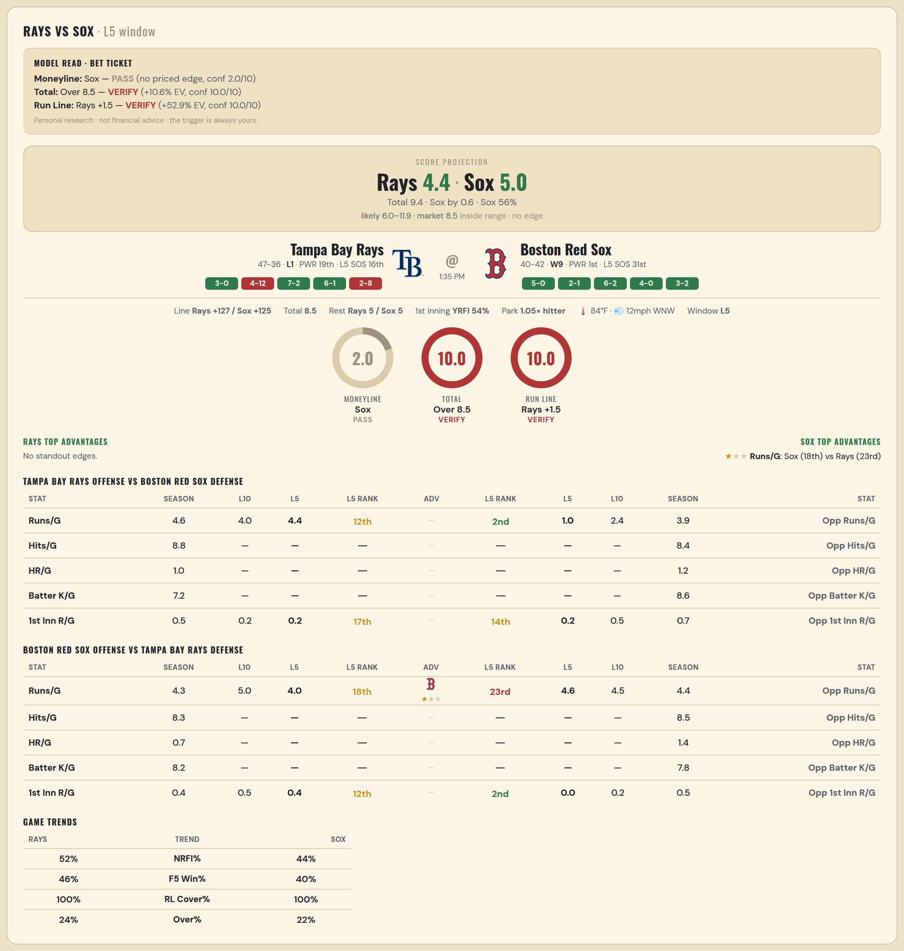

Tampa Bay Rays offense vs Boston Red Sox defense
Stat | A Season | A L30 | A L20 | A L15 | A L10 | A L5 | A Rk | Adv | H Rk | H L5 | H L10 | H L15 | H L20 | H L30 | H Season | Opp stat
Runs/G | 4.627 | 4.5 | 4.9 | 4.533 | 4 | 4.4 | 12th |  | 2nd | 1 | 2.4 | 2.733 | 3 | 3.233 | 3.939 | Opp Runs/G
Hits/G | 8.778 | — | — | — | — | — | — |  | — | — | — | — | — | — | 8.391 | Opp Hits/G
HR/G | 0.956 | — | — | — | — | — | — |  | — | — | — | — | — | — | 1.217 | Opp HR/G
Batter K/G | 7.244 | — | — | — | — | — | — |  | — | — | — | — | — | — | 8.587 | Opp Batter K/G
1st Inn R/G | 0.506 | 0.5 | 0.6 | 0.4 | 0.2 | 0.2 | 17th |  | 14th | 0.2 | 0.5 | 0.4 | 0.35 | 0.367 | 0.679 | Opp 1st Inn R/G

Boston Red Sox offense vs Tampa Bay Rays defense
Stat | A Season | A L30 | A L20 | A L15 | A L10 | A L5 | A Rk | Adv | H Rk | H L5 | H L10 | H L15 | H L20 | H L30 | H Season | Opp stat
Runs/G | 4.256 | 4.5 | 4.6 | 4.8 | 5 | 4 | 18th | ★ | 23rd | 4.6 | 4.5 | 3.6 | 3.7 | 3.767 | 4.41 | Opp Runs/G
Hits/G | 8.304 | — | — | — | — | — | — |  | — | — | — | — | — | — | 8.467 | Opp Hits/G
HR/G | 0.739 | — | — | — | — | — | — |  | — | — | — | — | — | — | 1.444 | Opp HR/G
Batter K/G | 8.239 | — | — | — | — | — | — |  | — | — | — | — | — | — | 7.778 | Opp Batter K/G
1st Inn R/G | 0.383 | 0.533 | 0.7 | 0.8 | 0.5 | 0.4 | 12th |  | 2nd | 0 | 0.2 | 0.333 | 0.4 | 0.333 | 0.457 | Opp 1st Inn R/G

MLB Rays @ Sox 2
Tampa Bay Rays @ Boston Red Sox
MLB · 2026-07-17 · L5 window

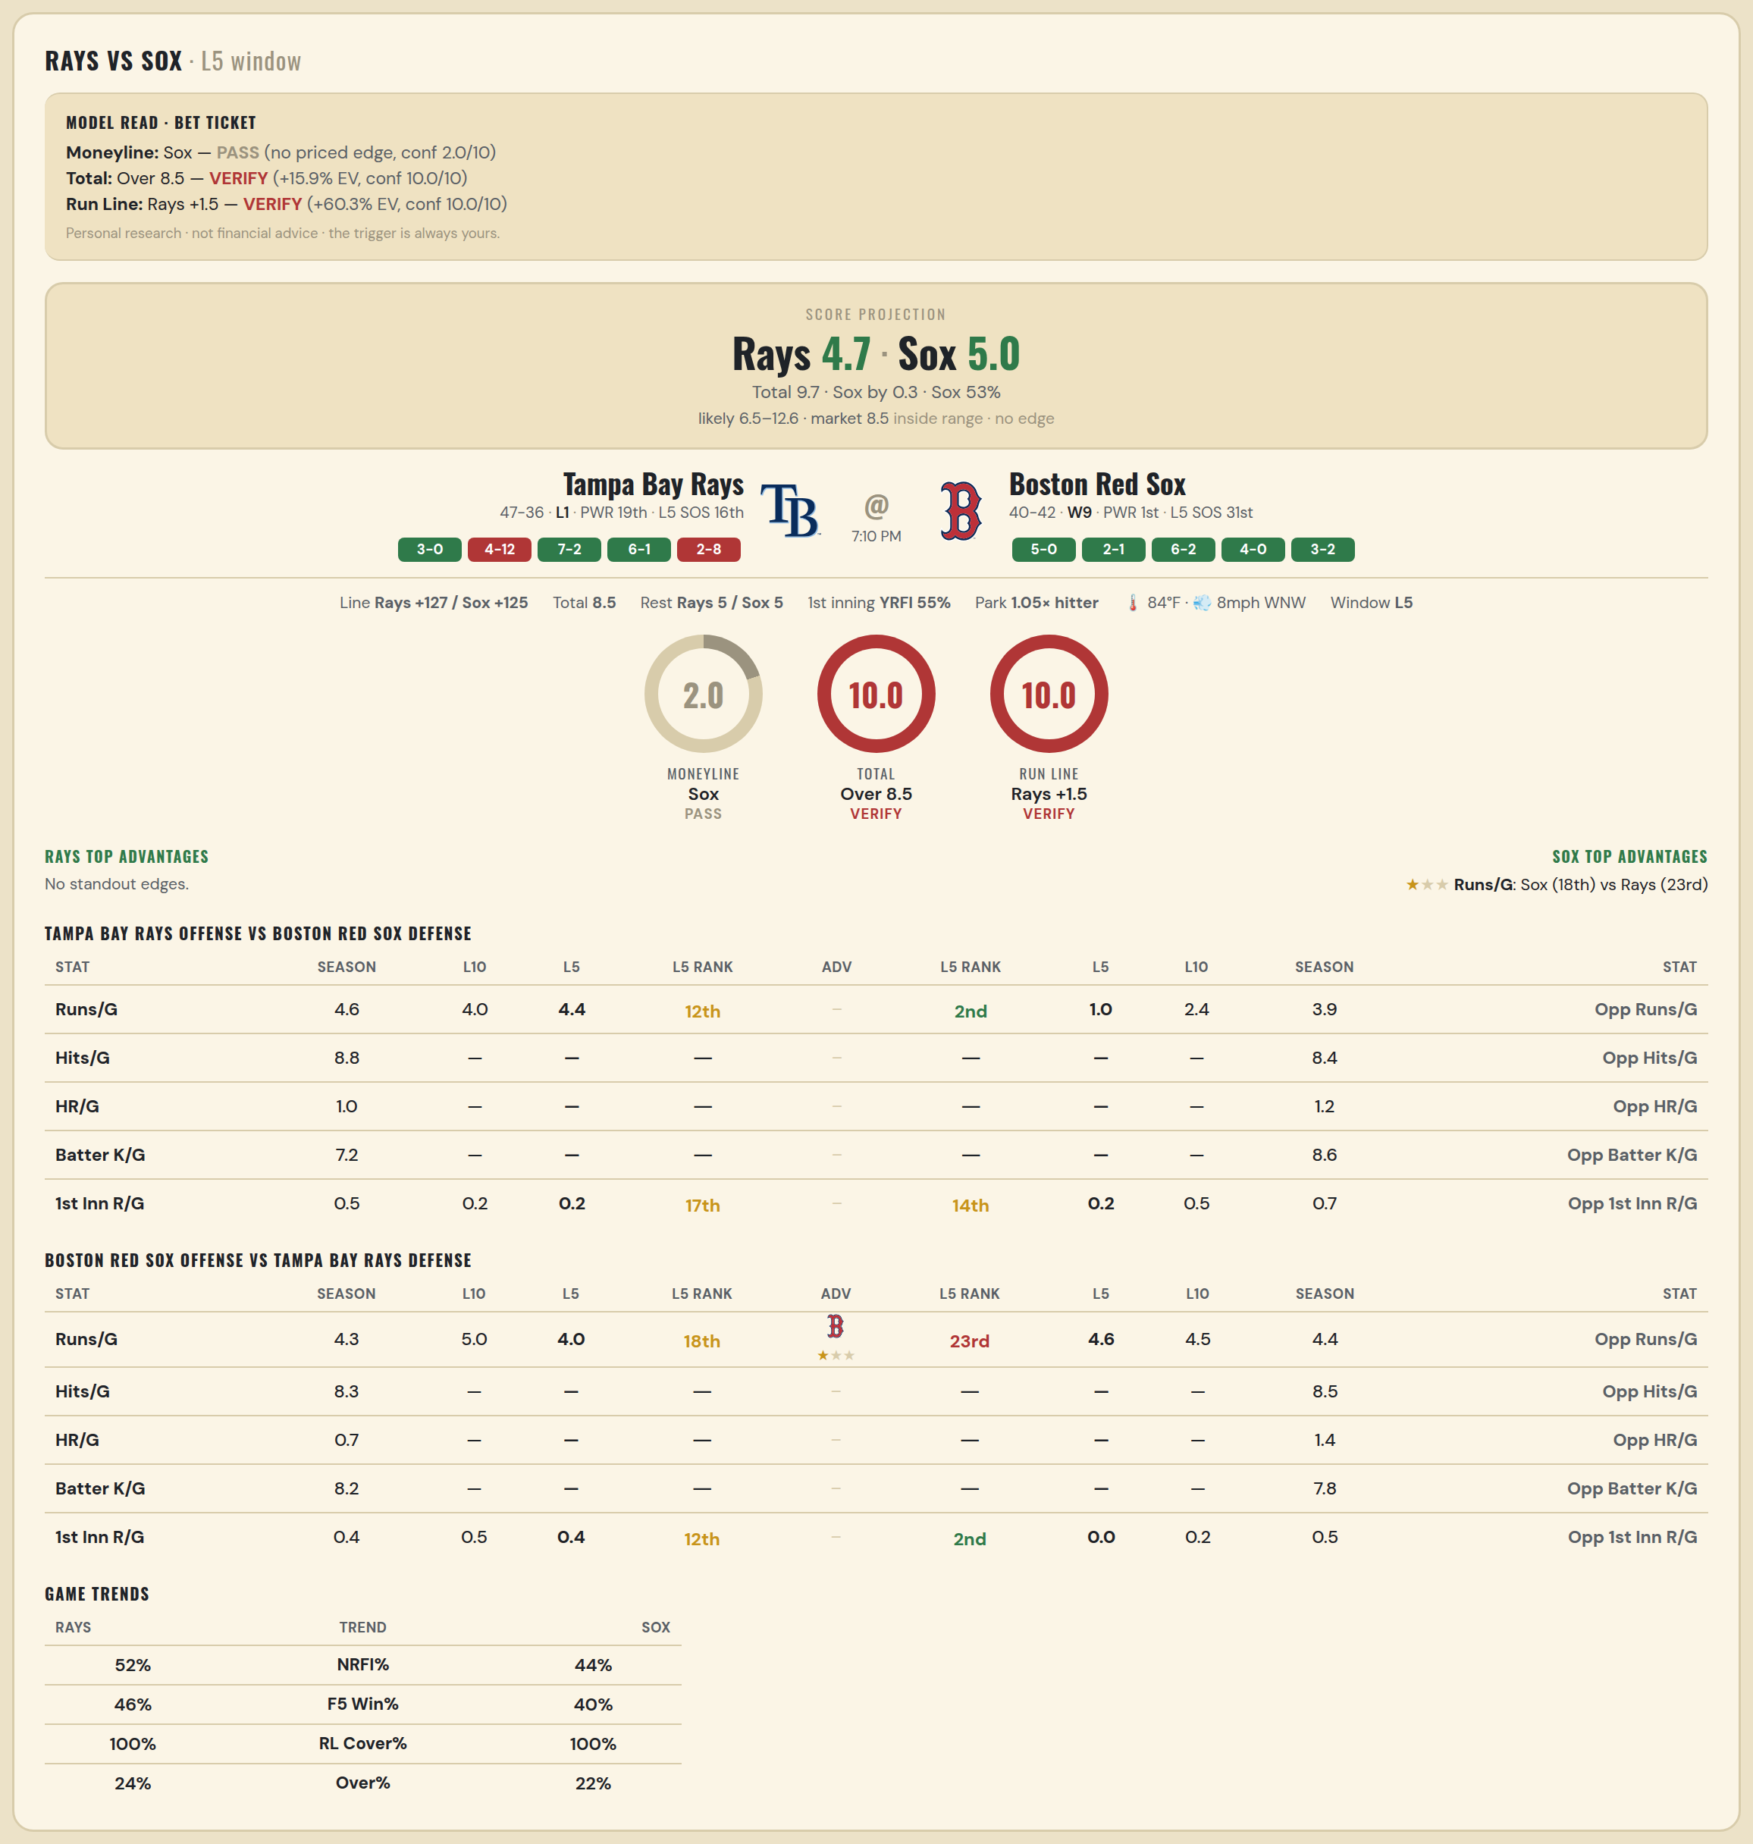

Tampa Bay Rays offense vs Boston Red Sox defense
Stat | A Season | A L30 | A L20 | A L15 | A L10 | A L5 | A Rk | Adv | H Rk | H L5 | H L10 | H L15 | H L20 | H L30 | H Season | Opp stat
Runs/G | 4.627 | 4.5 | 4.9 | 4.533 | 4 | 4.4 | 12th |  | 2nd | 1 | 2.4 | 2.733 | 3 | 3.233 | 3.939 | Opp Runs/G
Hits/G | 8.778 | — | — | — | — | — | — |  | — | — | — | — | — | — | 8.391 | Opp Hits/G
HR/G | 0.956 | — | — | — | — | — | — |  | — | — | — | — | — | — | 1.217 | Opp HR/G
Batter K/G | 7.244 | — | — | — | — | — | — |  | — | — | — | — | — | — | 8.587 | Opp Batter K/G
1st Inn R/G | 0.506 | 0.5 | 0.6 | 0.4 | 0.2 | 0.2 | 17th |  | 14th | 0.2 | 0.5 | 0.4 | 0.35 | 0.367 | 0.679 | Opp 1st Inn R/G

Boston Red Sox offense vs Tampa Bay Rays defense
Stat | A Season | A L30 | A L20 | A L15 | A L10 | A L5 | A Rk | Adv | H Rk | H L5 | H L10 | H L15 | H L20 | H L30 | H Season | Opp stat
Runs/G | 4.256 | 4.5 | 4.6 | 4.8 | 5 | 4 | 18th | ★ | 23rd | 4.6 | 4.5 | 3.6 | 3.7 | 3.767 | 4.41 | Opp Runs/G
Hits/G | 8.304 | — | — | — | — | — | — |  | — | — | — | — | — | — | 8.467 | Opp Hits/G
HR/G | 0.739 | — | — | — | — | — | — |  | — | — | — | — | — | — | 1.444 | Opp HR/G
Batter K/G | 8.239 | — | — | — | — | — | — |  | — | — | — | — | — | — | 7.778 | Opp Batter K/G
1st Inn R/G | 0.383 | 0.533 | 0.7 | 0.8 | 0.5 | 0.4 | 12th |  | 2nd | 0 | 0.2 | 0.333 | 0.4 | 0.333 | 0.457 | Opp 1st Inn R/G

MLB Dodgers @ Yankees
Los Angeles Dodgers @ New York Yankees
MLB · 2026-07-17 · L5 window

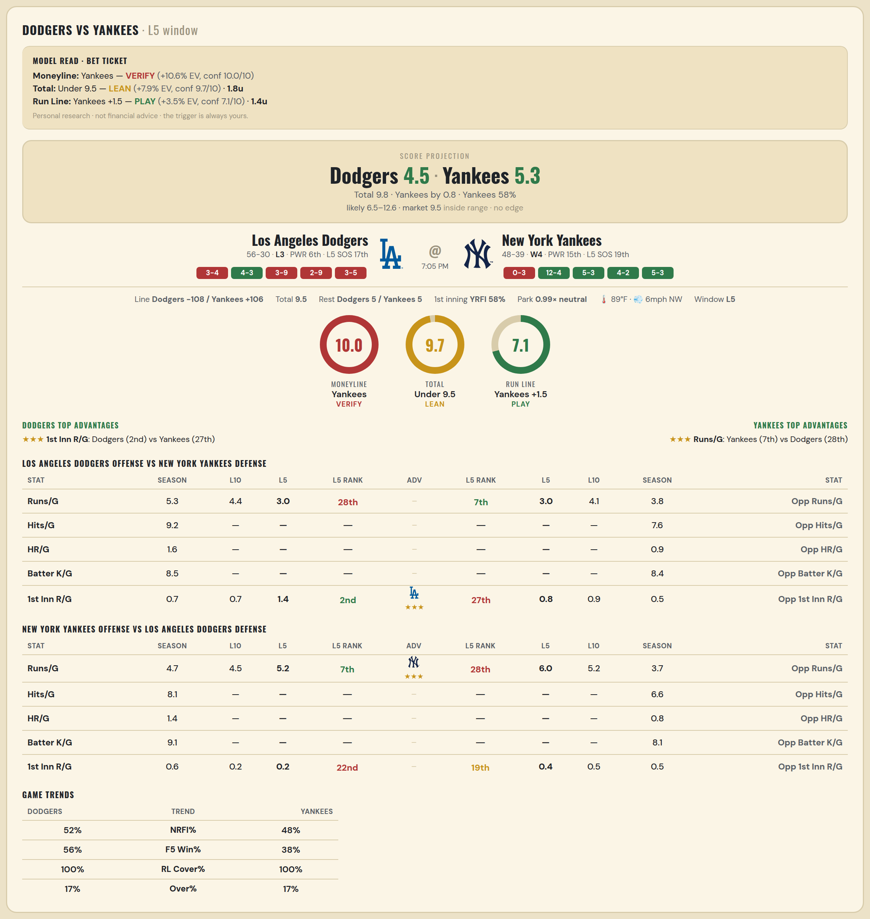

Los Angeles Dodgers offense vs New York Yankees defense
Stat | A Season | A L30 | A L20 | A L15 | A L10 | A L5 | A Rk | Adv | H Rk | H L5 | H L10 | H L15 | H L20 | H L30 | H Season | Opp stat
Runs/G | 5.349 | 4.967 | 5.1 | 5.467 | 4.4 | 3 | 28th |  | 7th | 3 | 4.1 | 4.8 | 4.7 | 4.533 | 3.805 | Opp Runs/G
Hits/G | 9.191 | — | — | — | — | — | — |  | — | — | — | — | — | — | 7.609 | Opp Hits/G
HR/G | 1.553 | — | — | — | — | — | — |  | — | — | — | — | — | — | 0.913 | Opp HR/G
Batter K/G | 8.511 | — | — | — | — | — | — |  | — | — | — | — | — | — | 8.435 | Opp Batter K/G
1st Inn R/G | 0.663 | 0.6 | 0.6 | 0.6 | 0.7 | 1.4 | 2nd | ★★★ | 27th | 0.8 | 0.9 | 1 | 0.8 | 0.7 | 0.524 | Opp 1st Inn R/G

New York Yankees offense vs Los Angeles Dodgers defense
Stat | A Season | A L30 | A L20 | A L15 | A L10 | A L5 | A Rk | Adv | H Rk | H L5 | H L10 | H L15 | H L20 | H L30 | H Season | Opp stat
Runs/G | 4.713 | 4.267 | 3.65 | 3.867 | 4.5 | 5.2 | 7th | ★★★ | 28th | 6 | 5.2 | 4.733 | 4.85 | 4.733 | 3.686 | Opp Runs/G
Hits/G | 8.109 | — | — | — | — | — | — |  | — | — | — | — | — | — | 6.596 | Opp Hits/G
HR/G | 1.413 | — | — | — | — | — | — |  | — | — | — | — | — | — | 0.83 | Opp HR/G
Batter K/G | 9.13 | — | — | — | — | — | — |  | — | — | — | — | — | — | 8.106 | Opp Batter K/G
1st Inn R/G | 0.573 | 0.267 | 0.25 | 0.2 | 0.2 | 0.2 | 22nd |  | 19th | 0.4 | 0.5 | 0.4 | 0.45 | 0.4 | 0.458 | Opp 1st Inn R/G

MLB Pirates @ Guardians
Pittsburgh Pirates @ Cleveland Guardians
MLB · 2026-07-17 · L5 window

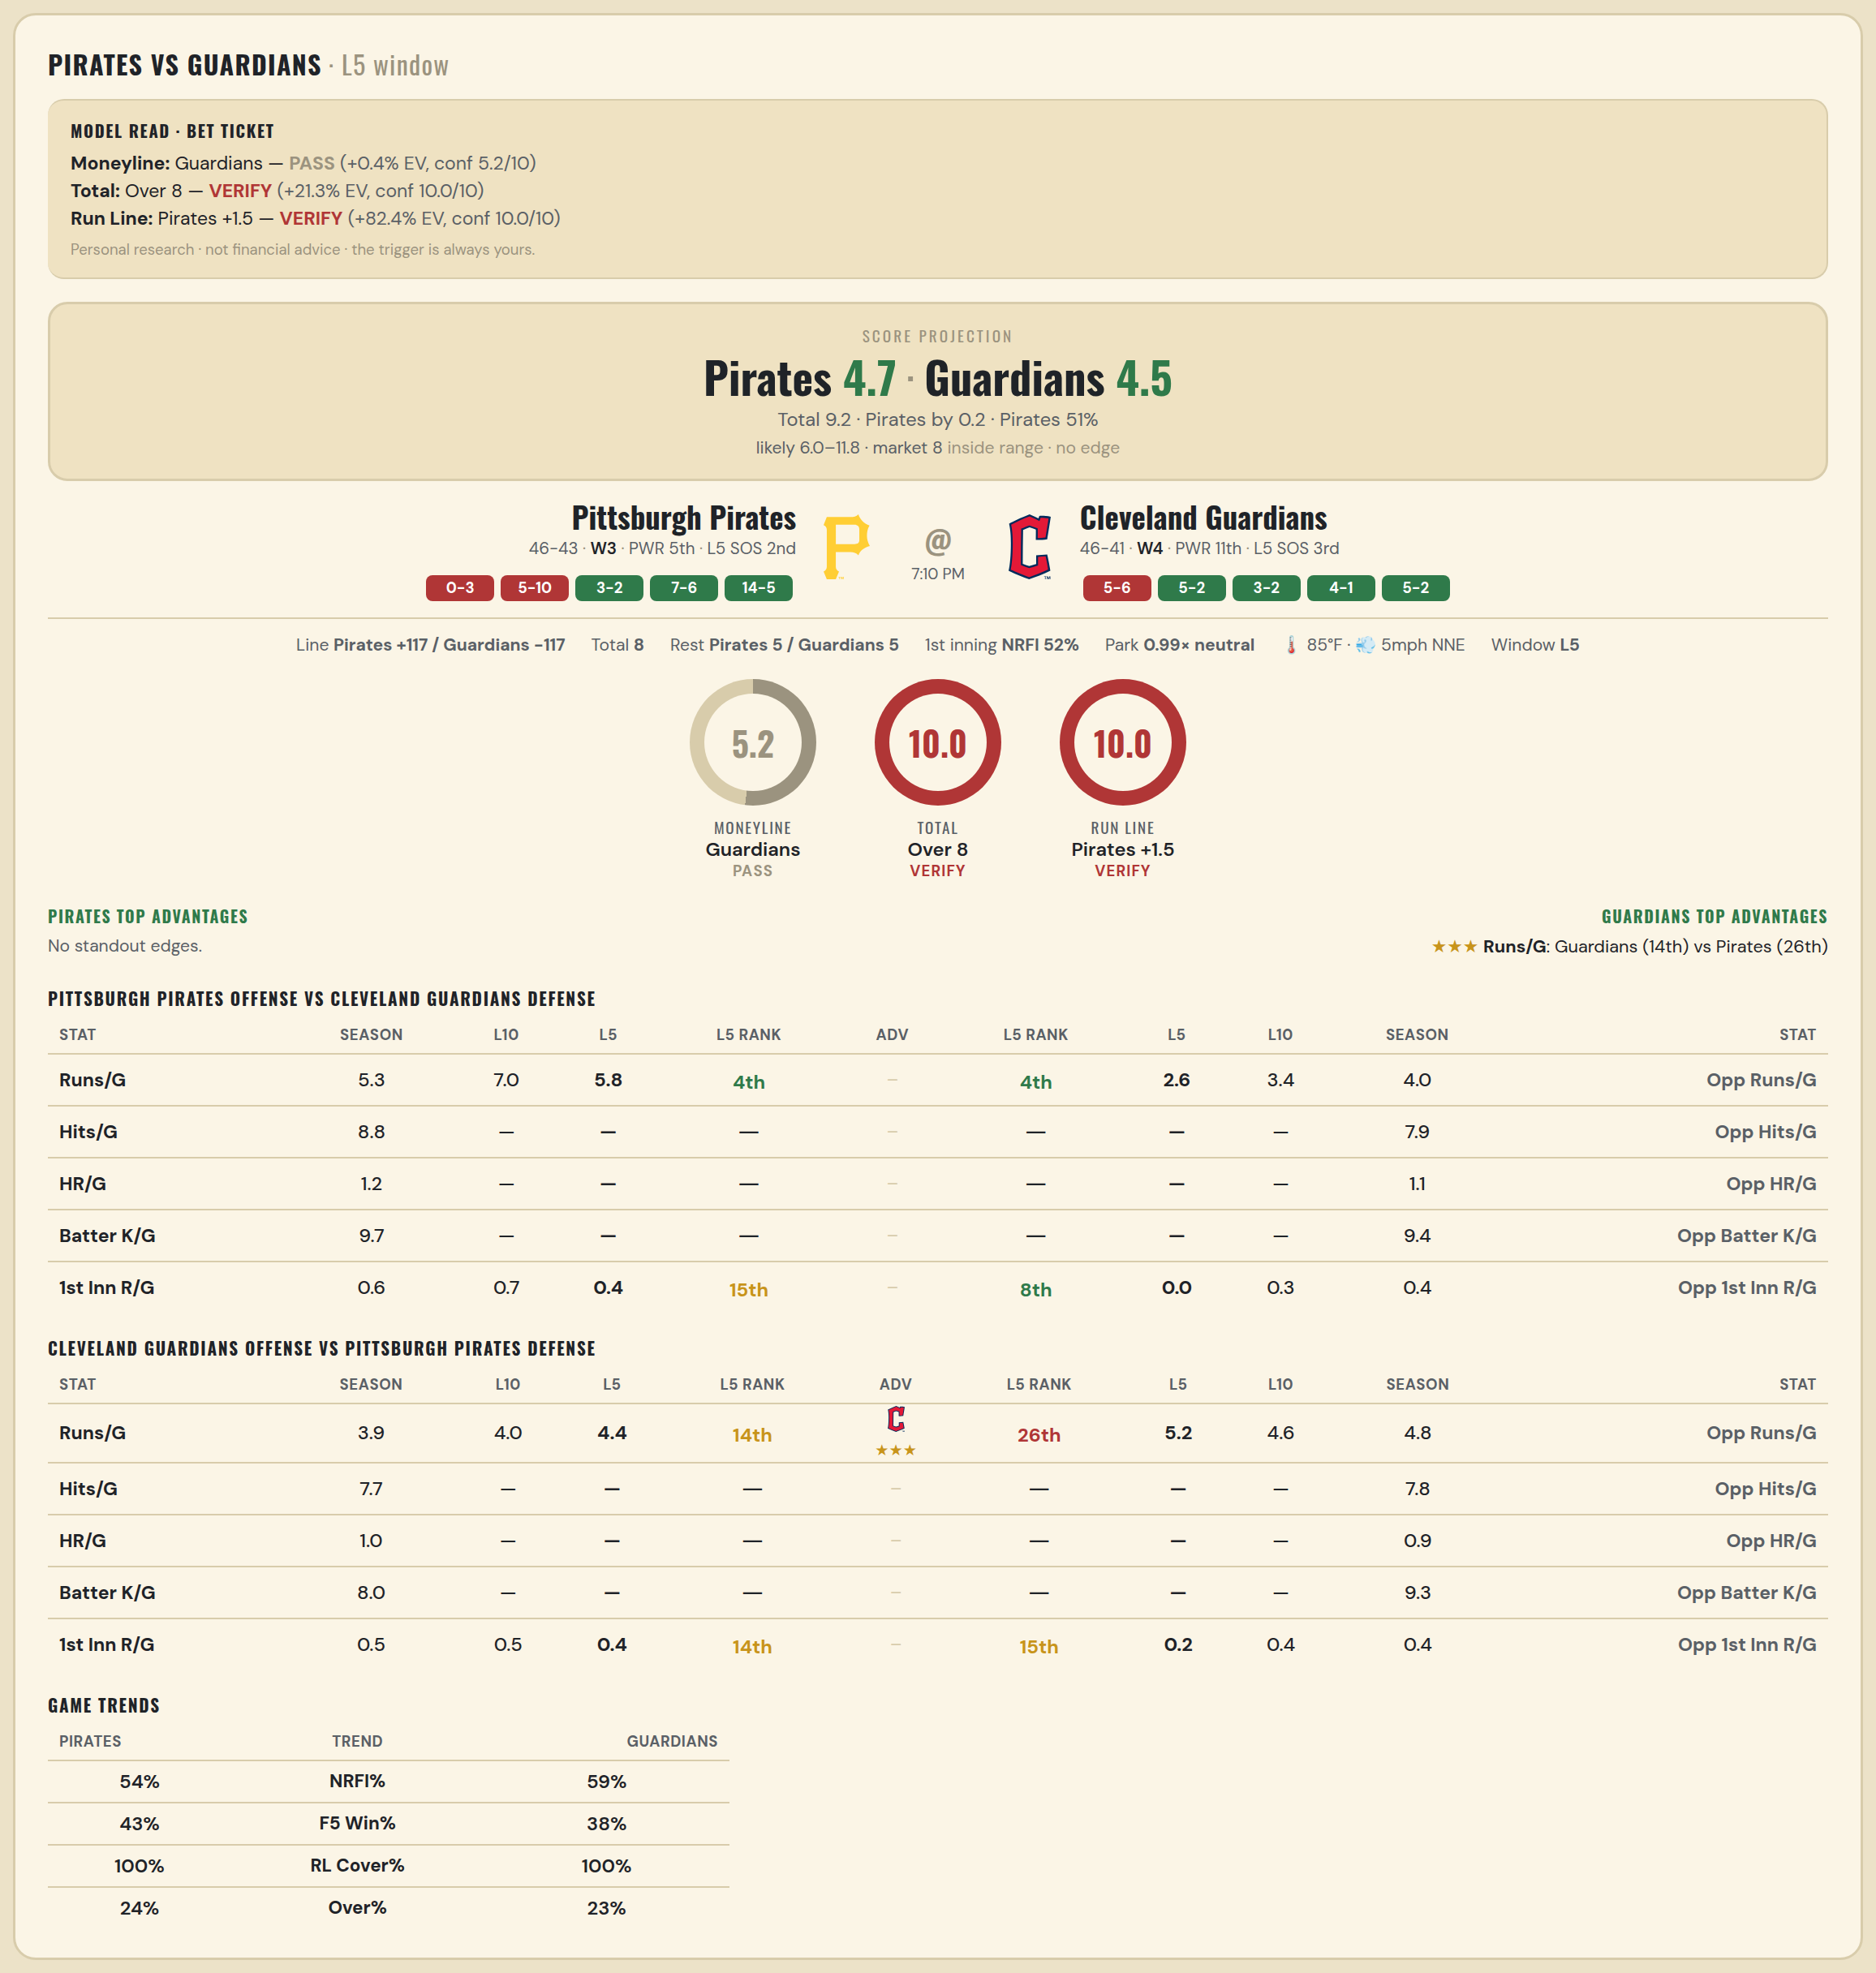

Pittsburgh Pirates offense vs Cleveland Guardians defense
Stat | A Season | A L30 | A L20 | A L15 | A L10 | A L5 | A Rk | Adv | H Rk | H L5 | H L10 | H L15 | H L20 | H L30 | H Season | Opp stat
Runs/G | 5.27 | 6 | 6.65 | 6.867 | 7 | 5.8 | 4th |  | 4th | 2.6 | 3.4 | 3.733 | 3.6 | 3.867 | 4.046 | Opp Runs/G
Hits/G | 8.812 | — | — | — | — | — | — |  | — | — | — | — | — | — | 7.939 | Opp Hits/G
HR/G | 1.188 | — | — | — | — | — | — |  | — | — | — | — | — | — | 1.143 | Opp HR/G
Batter K/G | 9.708 | — | — | — | — | — | — |  | — | — | — | — | — | — | 9.388 | Opp Batter K/G
1st Inn R/G | 0.571 | 0.467 | 0.45 | 0.467 | 0.7 | 0.4 | 15th |  | 8th | 0 | 0.3 | 0.2 | 0.2 | 0.367 | 0.357 | Opp 1st Inn R/G

Cleveland Guardians offense vs Pittsburgh Pirates defense
Stat | A Season | A L30 | A L20 | A L15 | A L10 | A L5 | A Rk | Adv | H Rk | H L5 | H L10 | H L15 | H L20 | H L30 | H Season | Opp stat
Runs/G | 3.931 | 3.767 | 3.8 | 4.267 | 4 | 4.4 | 14th | ★★★ | 26th | 5.2 | 4.6 | 5.6 | 5.05 | 5.233 | 4.787 | Opp Runs/G
Hits/G | 7.735 | — | — | — | — | — | — |  | — | — | — | — | — | — | 7.792 | Opp Hits/G
HR/G | 0.959 | — | — | — | — | — | — |  | — | — | — | — | — | — | 0.896 | Opp HR/G
Batter K/G | 8 | — | — | — | — | — | — |  | — | — | — | — | — | — | 9.292 | Opp Batter K/G
1st Inn R/G | 0.512 | 0.333 | 0.4 | 0.467 | 0.5 | 0.4 | 14th |  | 15th | 0.2 | 0.4 | 0.467 | 0.4 | 0.433 | 0.405 | Opp 1st Inn R/G

MLB Rangers @ Braves
Texas Rangers @ Atlanta Braves
MLB · 2026-07-17 · L5 window

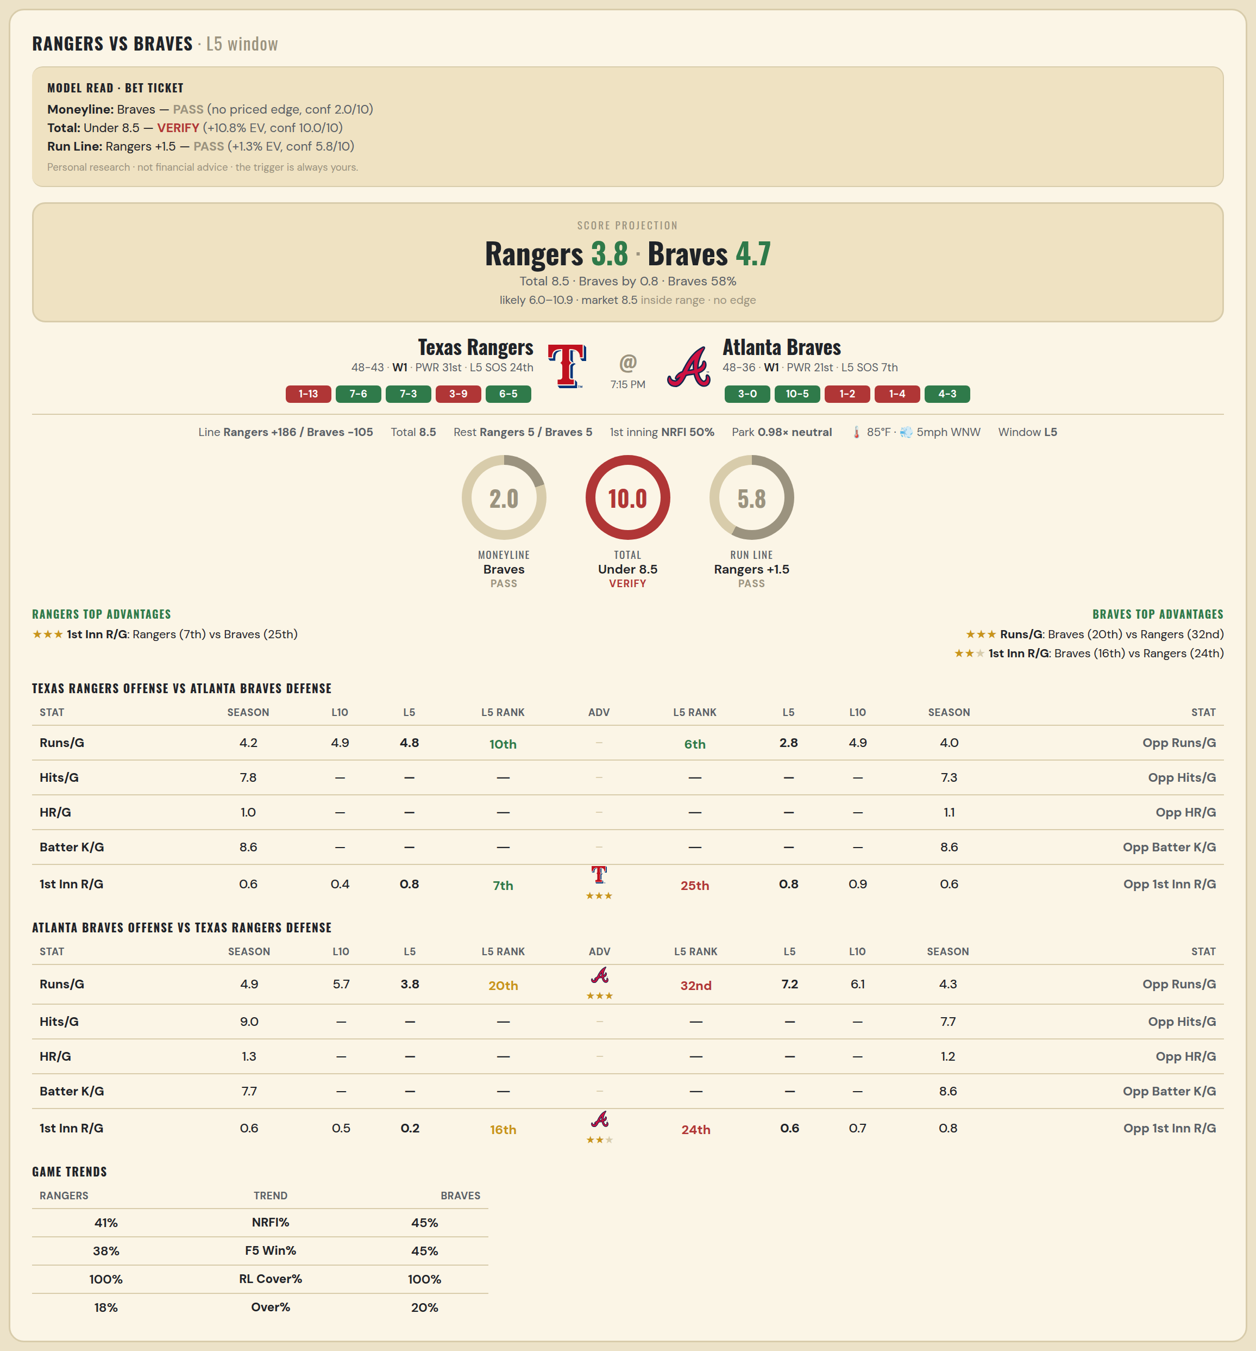

Texas Rangers offense vs Atlanta Braves defense
Stat | A Season | A L30 | A L20 | A L15 | A L10 | A L5 | A Rk | Adv | H Rk | H L5 | H L10 | H L15 | H L20 | H L30 | H Season | Opp stat
Runs/G | 4.231 | 4.467 | 4.7 | 4.933 | 4.9 | 4.8 | 10th |  | 6th | 2.8 | 4.9 | 4.933 | 4.85 | 4.733 | 3.952 | Opp Runs/G
Hits/G | 7.816 | — | — | — | — | — | — |  | — | — | — | — | — | — | 7.312 | Opp Hits/G
HR/G | 1.041 | — | — | — | — | — | — |  | — | — | — | — | — | — | 1.062 | Opp HR/G
Batter K/G | 8.592 | — | — | — | — | — | — |  | — | — | — | — | — | — | 8.562 | Opp Batter K/G
1st Inn R/G | 0.595 | 0.633 | 0.5 | 0.6 | 0.4 | 0.8 | 7th | ★★★ | 25th | 0.8 | 0.9 | 0.867 | 0.7 | 0.767 | 0.61 | Opp 1st Inn R/G

Atlanta Braves offense vs Texas Rangers defense
Stat | A Season | A L30 | A L20 | A L15 | A L10 | A L5 | A Rk | Adv | H Rk | H L5 | H L10 | H L15 | H L20 | H L30 | H Season | Opp stat
Runs/G | 4.905 | 3.967 | 4.35 | 4.8 | 5.7 | 3.8 | 20th | ★★★ | 32nd | 7.2 | 6.1 | 5.067 | 4.85 | 5.367 | 4.33 | Opp Runs/G
Hits/G | 8.958 | — | — | — | — | — | — |  | — | — | — | — | — | — | 7.673 | Opp Hits/G
HR/G | 1.333 | — | — | — | — | — | — |  | — | — | — | — | — | — | 1.163 | Opp HR/G
Batter K/G | 7.688 | — | — | — | — | — | — |  | — | — | — | — | — | — | 8.571 | Opp Batter K/G
1st Inn R/G | 0.585 | 0.567 | 0.6 | 0.733 | 0.5 | 0.2 | 16th | ★★ | 24th | 0.6 | 0.7 | 0.6 | 0.45 | 0.833 | 0.786 | Opp 1st Inn R/G

MLB Sox @ Jays
Chicago White Sox @ Toronto Blue Jays
MLB · 2026-07-17 · L5 window

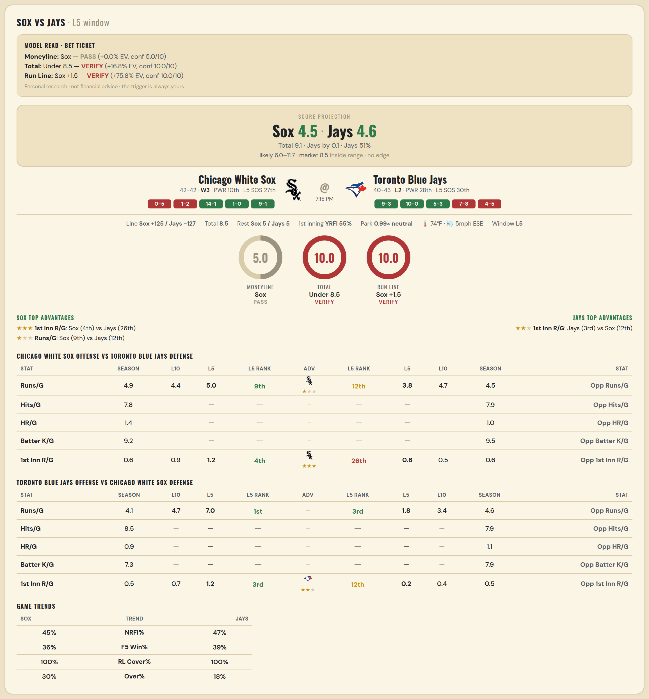

Chicago White Sox offense vs Toronto Blue Jays defense
Stat | A Season | A L30 | A L20 | A L15 | A L10 | A L5 | A Rk | Adv | H Rk | H L5 | H L10 | H L15 | H L20 | H L30 | H Season | Opp stat
Runs/G | 4.869 | 4.8 | 5.25 | 4.533 | 4.4 | 5 | 9th | ★ | 12th | 3.8 | 4.7 | 4.4 | 4.6 | 4.733 | 4.482 | Opp Runs/G
Hits/G | 7.792 | — | — | — | — | — | — |  | — | — | — | — | — | — | 7.894 | Opp Hits/G
HR/G | 1.354 | — | — | — | — | — | — |  | — | — | — | — | — | — | 0.979 | Opp HR/G
Batter K/G | 9.208 | — | — | — | — | — | — |  | — | — | — | — | — | — | 9.489 | Opp Batter K/G
1st Inn R/G | 0.634 | 0.567 | 0.65 | 0.867 | 0.9 | 1.2 | 4th | ★★★ | 26th | 0.8 | 0.5 | 0.667 | 0.7 | 0.767 | 0.561 | Opp 1st Inn R/G

Toronto Blue Jays offense vs Chicago White Sox defense
Stat | A Season | A L30 | A L20 | A L15 | A L10 | A L5 | A Rk | Adv | H Rk | H L5 | H L10 | H L15 | H L20 | H L30 | H Season | Opp stat
Runs/G | 4.084 | 4 | 4.2 | 3.933 | 4.7 | 7 | 1st |  | 3rd | 1.8 | 3.4 | 3.4 | 3.35 | 3.9 | 4.56 | Opp Runs/G
Hits/G | 8.468 | — | — | — | — | — | — |  | — | — | — | — | — | — | 7.854 | Opp Hits/G
HR/G | 0.915 | — | — | — | — | — | — |  | — | — | — | — | — | — | 1.062 | Opp HR/G
Batter K/G | 7.298 | — | — | — | — | — | — |  | — | — | — | — | — | — | 7.938 | Opp Batter K/G
1st Inn R/G | 0.463 | 0.433 | 0.45 | 0.533 | 0.7 | 1.2 | 3rd | ★★ | 12th | 0.2 | 0.4 | 0.467 | 0.35 | 0.567 | 0.537 | Opp 1st Inn R/G

MLB Marlins @ Brewers
Miami Marlins @ Milwaukee Brewers
MLB · 2026-07-17 · L5 window

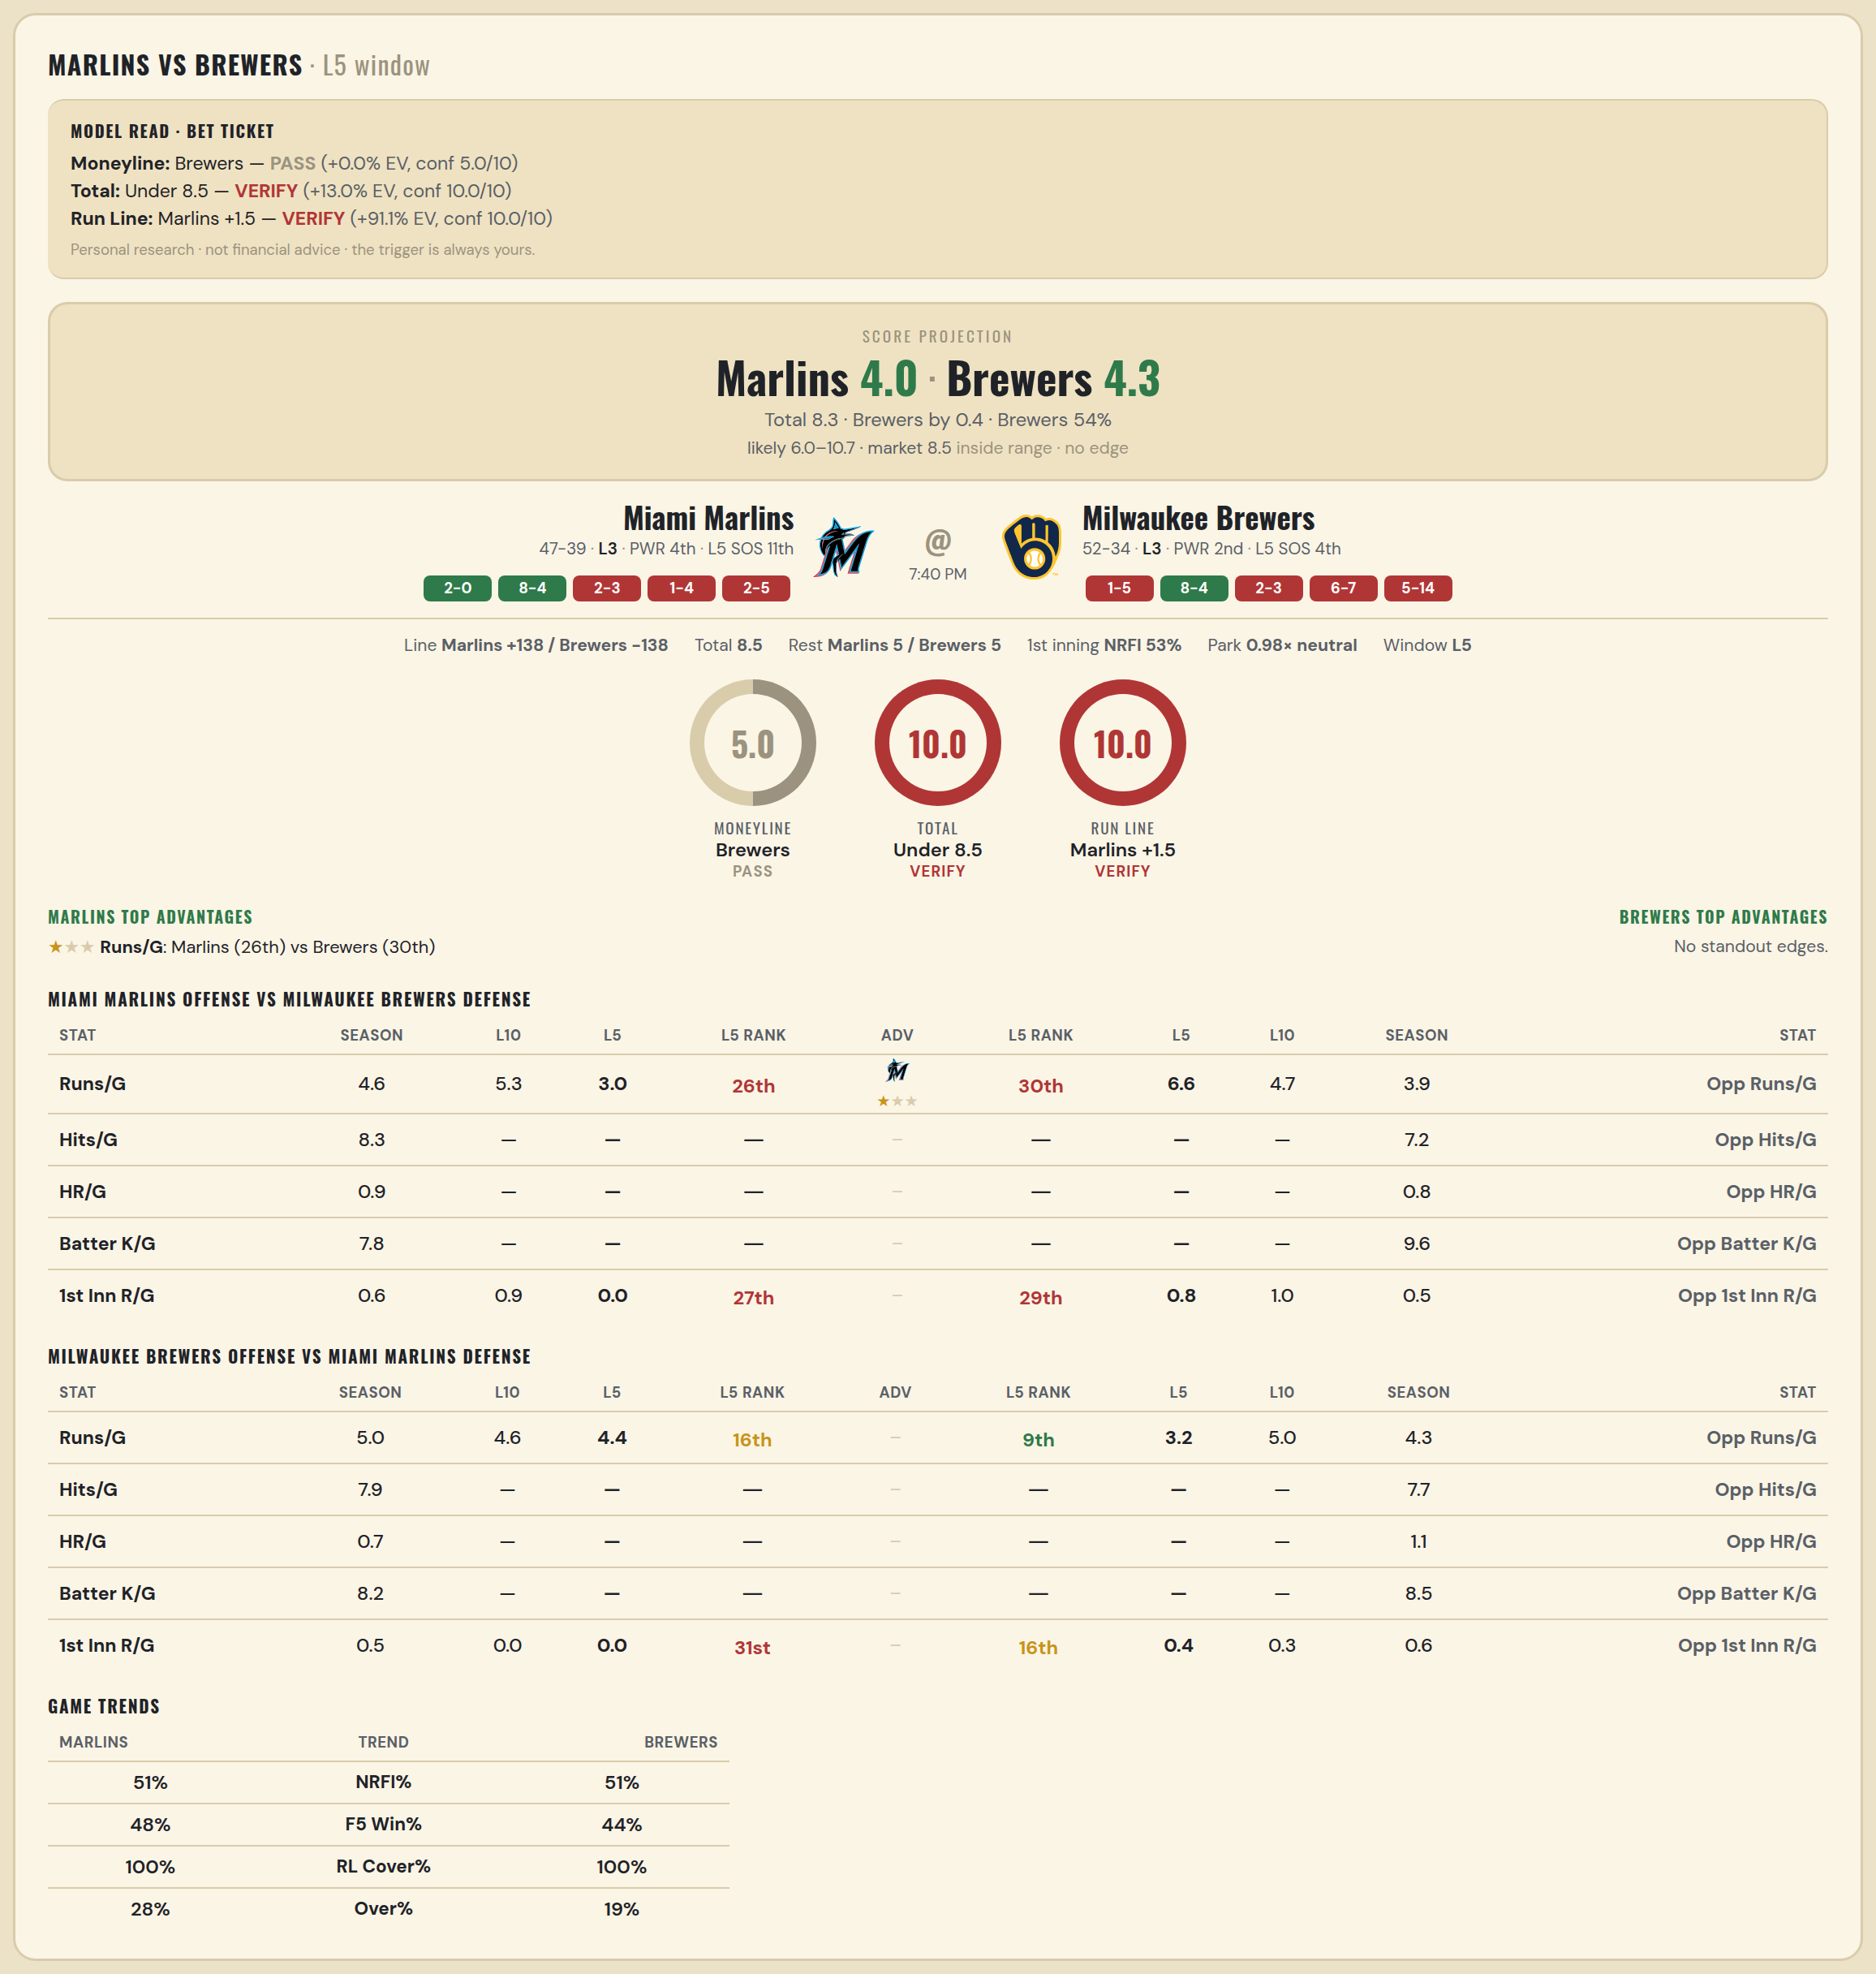

Miami Marlins offense vs Milwaukee Brewers defense
Stat | A Season | A L30 | A L20 | A L15 | A L10 | A L5 | A Rk | Adv | H Rk | H L5 | H L10 | H L15 | H L20 | H L30 | H Season | Opp stat
Runs/G | 4.616 | 5.1 | 5.25 | 5.733 | 5.3 | 3 | 26th | ★ | 30th | 6.6 | 4.7 | 4.333 | 4.2 | 3.8 | 3.919 | Opp Runs/G
Hits/G | 8.286 | — | — | — | — | — | — |  | — | — | — | — | — | — | 7.174 | Opp Hits/G
HR/G | 0.918 | — | — | — | — | — | — |  | — | — | — | — | — | — | 0.761 | Opp HR/G
Batter K/G | 7.816 | — | — | — | — | — | — |  | — | — | — | — | — | — | 9.63 | Opp Batter K/G
1st Inn R/G | 0.571 | 0.533 | 0.55 | 0.733 | 0.9 | 0 | 27th |  | 29th | 0.8 | 1 | 0.867 | 0.65 | 0.467 | 0.476 | Opp 1st Inn R/G

Milwaukee Brewers offense vs Miami Marlins defense
Stat | A Season | A L30 | A L20 | A L15 | A L10 | A L5 | A Rk | Adv | H Rk | H L5 | H L10 | H L15 | H L20 | H L30 | H Season | Opp stat
Runs/G | 5.012 | 4.567 | 4.5 | 4.733 | 4.6 | 4.4 | 16th |  | 9th | 3.2 | 5 | 4.6 | 4 | 3.767 | 4.279 | Opp Runs/G
Hits/G | 7.935 | — | — | — | — | — | — |  | — | — | — | — | — | — | 7.694 | Opp Hits/G
HR/G | 0.739 | — | — | — | — | — | — |  | — | — | — | — | — | — | 1.082 | Opp HR/G
Batter K/G | 8.152 | — | — | — | — | — | — |  | — | — | — | — | — | — | 8.531 | Opp Batter K/G
1st Inn R/G | 0.512 | 0.267 | 0.15 | 0.133 | 0 | 0 | 31st |  | 16th | 0.4 | 0.3 | 0.333 | 0.25 | 0.367 | 0.595 | Opp 1st Inn R/G

MLB Twins @ Cubs
Minnesota Twins @ Chicago Cubs
MLB · 2026-07-17 · L5 window

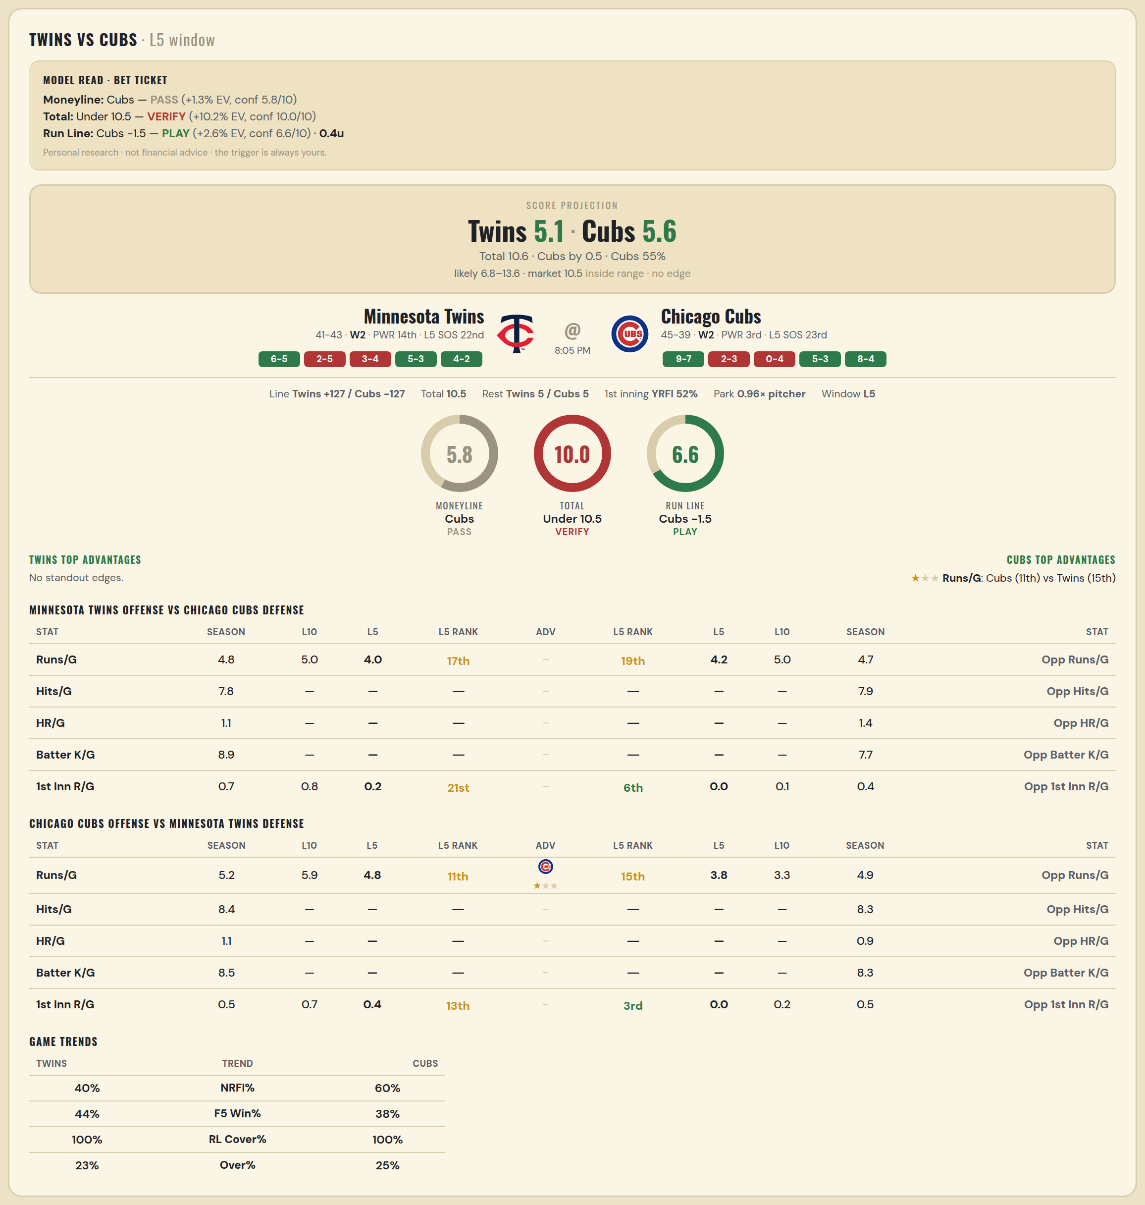

Minnesota Twins offense vs Chicago Cubs defense
Stat | A Season | A L30 | A L20 | A L15 | A L10 | A L5 | A Rk | Adv | H Rk | H L5 | H L10 | H L15 | H L20 | H L30 | H Season | Opp stat
Runs/G | 4.798 | 5.433 | 5.15 | 5.067 | 5 | 4 | 17th |  | 19th | 4.2 | 5 | 4.667 | 4.75 | 4.4 | 4.714 | Opp Runs/G
Hits/G | 7.776 | — | — | — | — | — | — |  | — | — | — | — | — | — | 7.896 | Opp Hits/G
HR/G | 1.061 | — | — | — | — | — | — |  | — | — | — | — | — | — | 1.354 | Opp HR/G
Batter K/G | 8.939 | — | — | — | — | — | — |  | — | — | — | — | — | — | 7.708 | Opp Batter K/G
1st Inn R/G | 0.679 | 0.933 | 0.85 | 0.933 | 0.8 | 0.2 | 21st |  | 6th | 0 | 0.1 | 0.2 | 0.15 | 0.167 | 0.41 | Opp 1st Inn R/G

Chicago Cubs offense vs Minnesota Twins defense
Stat | A Season | A L30 | A L20 | A L15 | A L10 | A L5 | A Rk | Adv | H Rk | H L5 | H L10 | H L15 | H L20 | H L30 | H Season | Opp stat
Runs/G | 5.179 | 6.033 | 6.2 | 5.667 | 5.9 | 4.8 | 11th | ★ | 15th | 3.8 | 3.3 | 4.067 | 4.45 | 5.033 | 4.94 | Opp Runs/G
Hits/G | 8.438 | — | — | — | — | — | — |  | — | — | — | — | — | — | 8.306 | Opp Hits/G
HR/G | 1.104 | — | — | — | — | — | — |  | — | — | — | — | — | — | 0.918 | Opp HR/G
Batter K/G | 8.458 | — | — | — | — | — | — |  | — | — | — | — | — | — | 8.265 | Opp Batter K/G
1st Inn R/G | 0.458 | 0.6 | 0.4 | 0.533 | 0.7 | 0.4 | 13th |  | 3rd | 0 | 0.2 | 0.267 | 0.3 | 0.367 | 0.548 | Opp 1st Inn R/G

MLB Orioles @ Astros
Baltimore Orioles @ Houston Astros
MLB · 2026-07-17 · L5 window

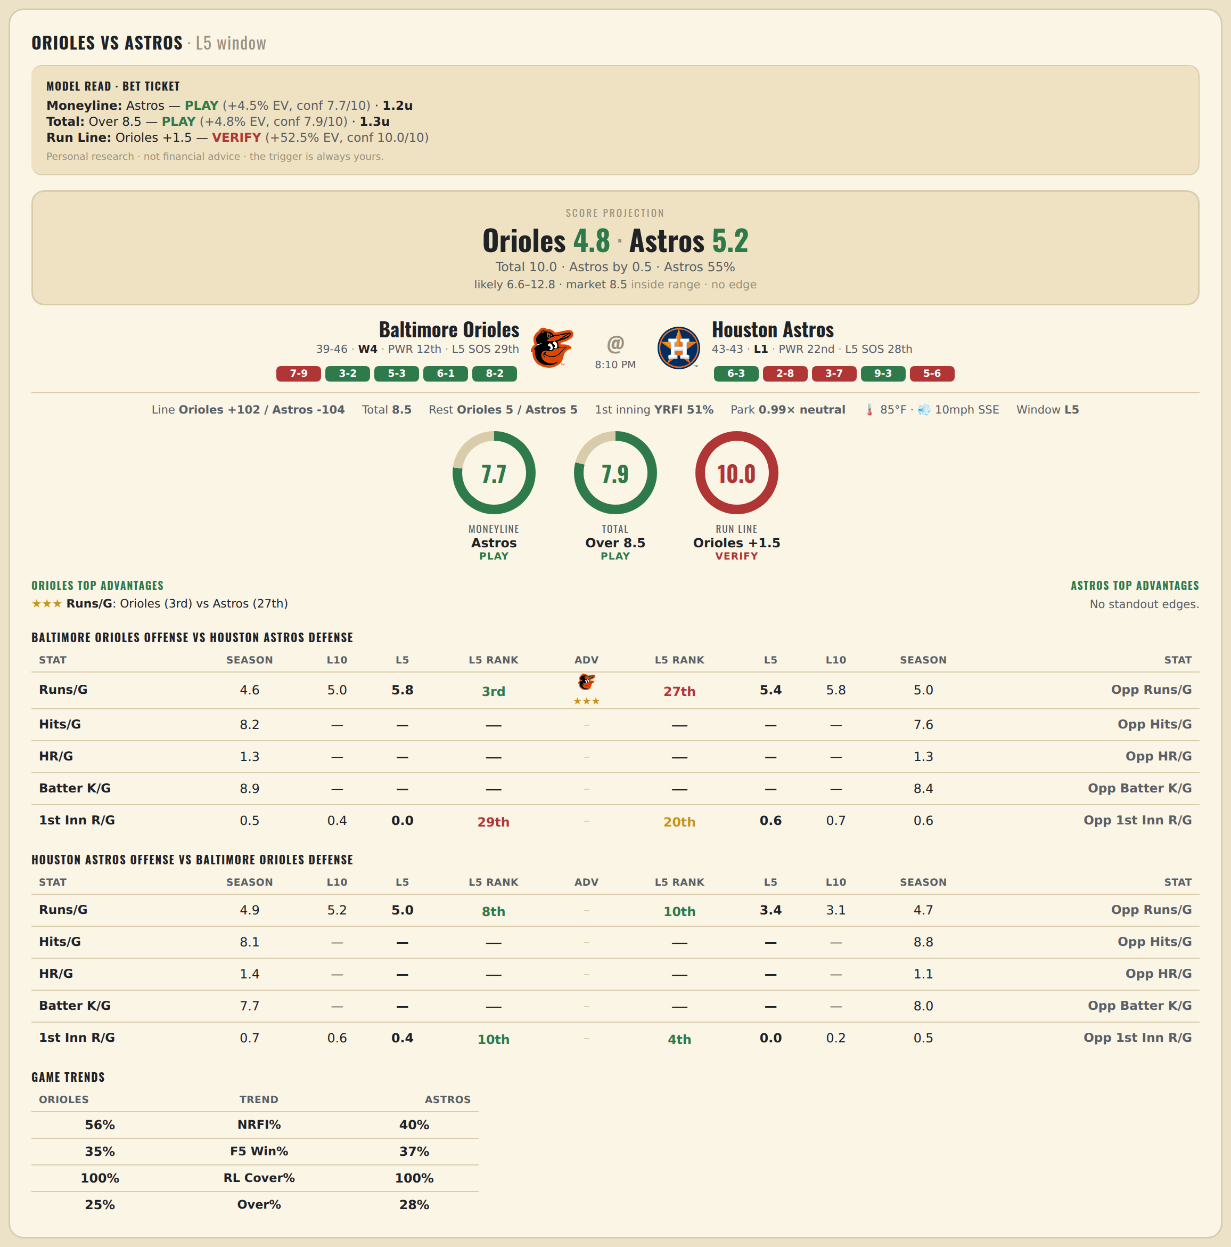

Baltimore Orioles offense vs Houston Astros defense
Stat | A Season | A L30 | A L20 | A L15 | A L10 | A L5 | A Rk | Adv | H Rk | H L5 | H L10 | H L15 | H L20 | H L30 | H Season | Opp stat
Runs/G | 4.612 | 4.5 | 4.65 | 4.333 | 5 | 5.8 | 3rd | ★★★ | 27th | 5.4 | 5.8 | 5.733 | 5 | 5.2 | 5.023 | Opp Runs/G
Hits/G | 8.208 | — | — | — | — | — | — |  | — | — | — | — | — | — | 7.625 | Opp Hits/G
HR/G | 1.271 | — | — | — | — | — | — |  | — | — | — | — | — | — | 1.292 | Opp HR/G
Batter K/G | 8.917 | — | — | — | — | — | — |  | — | — | — | — | — | — | 8.417 | Opp Batter K/G
1st Inn R/G | 0.488 | 0.6 | 0.55 | 0.533 | 0.4 | 0 | 29th |  | 20th | 0.6 | 0.7 | 0.667 | 0.55 | 0.733 | 0.643 | Opp 1st Inn R/G

Houston Astros offense vs Baltimore Orioles defense
Stat | A Season | A L30 | A L20 | A L15 | A L10 | A L5 | A Rk | Adv | H Rk | H L5 | H L10 | H L15 | H L20 | H L30 | H Season | Opp stat
Runs/G | 4.919 | 4.567 | 4.75 | 5.133 | 5.2 | 5 | 8th |  | 10th | 3.4 | 3.1 | 3.933 | 3.75 | 4 | 4.718 | Opp Runs/G
Hits/G | 8.083 | — | — | — | — | — | — |  | — | — | — | — | — | — | 8.833 | Opp Hits/G
HR/G | 1.417 | — | — | — | — | — | — |  | — | — | — | — | — | — | 1.062 | Opp HR/G
Batter K/G | 7.729 | — | — | — | — | — | — |  | — | — | — | — | — | — | 8 | Opp Batter K/G
1st Inn R/G | 0.679 | 0.667 | 0.5 | 0.4 | 0.6 | 0.4 | 10th |  | 4th | 0 | 0.2 | 0.2 | 0.4 | 0.633 | 0.452 | Opp 1st Inn R/G

MLB Padres @ Royals
San Diego Padres @ Kansas City Royals
MLB · 2026-07-17 · L5 window

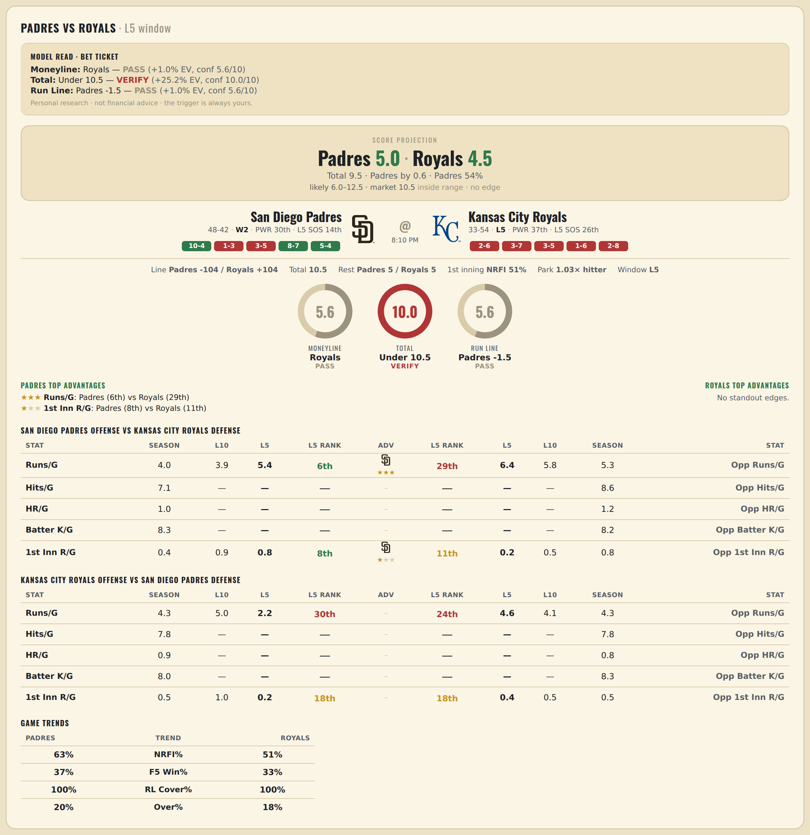

San Diego Padres offense vs Kansas City Royals defense
Stat | A Season | A L30 | A L20 | A L15 | A L10 | A L5 | A Rk | Adv | H Rk | H L5 | H L10 | H L15 | H L20 | H L30 | H Season | Opp stat
Runs/G | 4.033 | 4.3 | 4.15 | 4 | 3.9 | 5.4 | 6th | ★★★ | 29th | 6.4 | 5.8 | 6.667 | 6.8 | 6.333 | 5.322 | Opp Runs/G
Hits/G | 7.087 | — | — | — | — | — | — |  | — | — | — | — | — | — | 8.604 | Opp Hits/G
HR/G | 1.022 | — | — | — | — | — | — |  | — | — | — | — | — | — | 1.25 | Opp HR/G
Batter K/G | 8.348 | — | — | — | — | — | — |  | — | — | — | — | — | — | 8.208 | Opp Batter K/G
1st Inn R/G | 0.422 | 0.8 | 0.6 | 0.8 | 0.9 | 0.8 | 8th | ★ | 11th | 0.2 | 0.5 | 0.6 | 0.85 | 1 | 0.798 | Opp 1st Inn R/G

Kansas City Royals offense vs San Diego Padres defense
Stat | A Season | A L30 | A L20 | A L15 | A L10 | A L5 | A Rk | Adv | H Rk | H L5 | H L10 | H L15 | H L20 | H L30 | H Season | Opp stat
Runs/G | 4.253 | 4.933 | 4.5 | 4.067 | 5 | 2.2 | 30th |  | 24th | 4.6 | 4.1 | 6.133 | 5.8 | 5.2 | 4.256 | Opp Runs/G
Hits/G | 7.792 | — | — | — | — | — | — |  | — | — | — | — | — | — | 7.848 | Opp Hits/G
HR/G | 0.896 | — | — | — | — | — | — |  | — | — | — | — | — | — | 0.848 | Opp HR/G
Batter K/G | 8.021 | — | — | — | — | — | — |  | — | — | — | — | — | — | 8.304 | Opp Batter K/G
1st Inn R/G | 0.524 | 0.8 | 0.8 | 0.8 | 1 | 0.2 | 18th |  | 18th | 0.4 | 0.5 | 0.6 | 0.45 | 0.667 | 0.494 | Opp 1st Inn R/G

