MLB Brewers @ Pirates
Milwaukee Brewers @ Pittsburgh Pirates
MLB · 2026-07-12 · L5 window

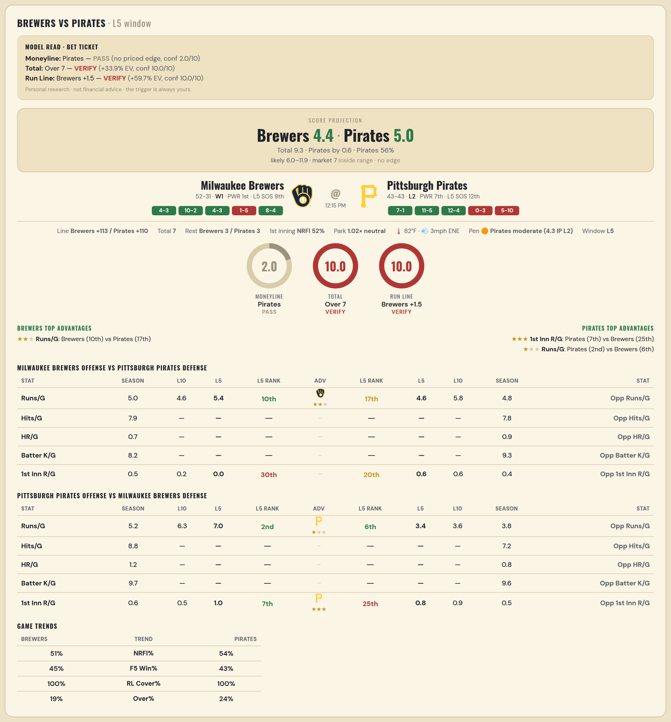

Milwaukee Brewers offense vs Pittsburgh Pirates defense
Stat | A Season | A L30 | A L20 | A L15 | A L10 | A L5 | A Rk | Adv | H Rk | H L5 | H L10 | H L15 | H L20 | H L30 | H Season | Opp stat
Runs/G | 5.036 | 4.9 | 4.55 | 4.6 | 4.6 | 5.4 | 10th | ★★ | 17th | 4.6 | 5.8 | 5.267 | 4.9 | 5.5 | 4.802 | Opp Runs/G
Hits/G | 7.935 | — | — | — | — | — | — |  | — | — | — | — | — | — | 7.792 | Opp Hits/G
HR/G | 0.739 | — | — | — | — | — | — |  | — | — | — | — | — | — | 0.896 | Opp HR/G
Batter K/G | 8.152 | — | — | — | — | — | — |  | — | — | — | — | — | — | 9.292 | Opp Batter K/G
1st Inn R/G | 0.531 | 0.4 | 0.15 | 0.2 | 0.2 | 0 | 30th |  | 20th | 0.6 | 0.6 | 0.533 | 0.45 | 0.5 | 0.42 | Opp 1st Inn R/G

Pittsburgh Pirates offense vs Milwaukee Brewers defense
Stat | A Season | A L30 | A L20 | A L15 | A L10 | A L5 | A Rk | Adv | H Rk | H L5 | H L10 | H L15 | H L20 | H L30 | H Season | Opp stat
Runs/G | 5.174 | 5.467 | 6.25 | 6.6 | 6.3 | 7 | 2nd | ★ | 6th | 3.4 | 3.6 | 3.667 | 3.45 | 3.833 | 3.771 | Opp Runs/G
Hits/G | 8.812 | — | — | — | — | — | — |  | — | — | — | — | — | — | 7.174 | Opp Hits/G
HR/G | 1.188 | — | — | — | — | — | — |  | — | — | — | — | — | — | 0.761 | Opp HR/G
Batter K/G | 9.708 | — | — | — | — | — | — |  | — | — | — | — | — | — | 9.63 | Opp Batter K/G
1st Inn R/G | 0.568 | 0.5 | 0.55 | 0.467 | 0.5 | 1 | 7th | ★★★ | 25th | 0.8 | 0.9 | 0.733 | 0.6 | 0.467 | 0.469 | Opp 1st Inn R/G

MLB Royals @ Orioles
Kansas City Royals @ Baltimore Orioles
MLB · 2026-07-12 · L5 window

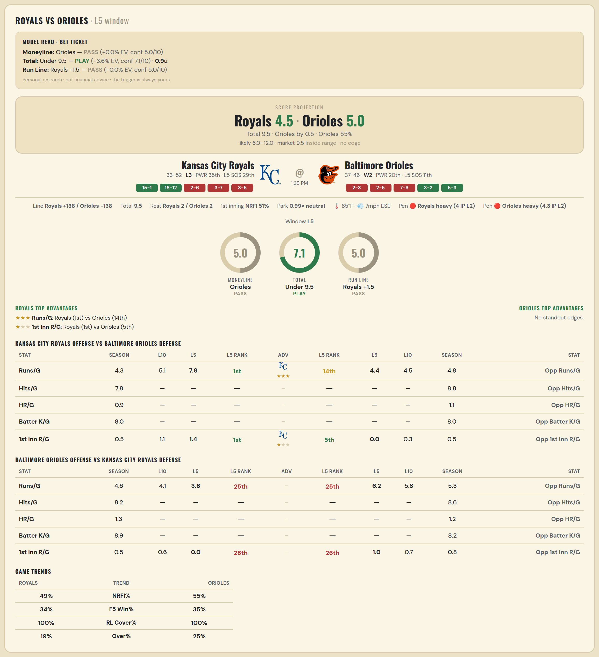

Kansas City Royals offense vs Baltimore Orioles defense
Stat | A Season | A L30 | A L20 | A L15 | A L10 | A L5 | A Rk | Adv | H Rk | H L5 | H L10 | H L15 | H L20 | H L30 | H Season | Opp stat
Runs/G | 4.318 | 5.2 | 5.35 | 4.2 | 5.1 | 7.8 | 1st | ★★★ | 14th | 4.4 | 4.5 | 4.533 | 4.05 | 4.3 | 4.795 | Opp Runs/G
Hits/G | 7.792 | — | — | — | — | — | — |  | — | — | — | — | — | — | 8.833 | Opp Hits/G
HR/G | 0.896 | — | — | — | — | — | — |  | — | — | — | — | — | — | 1.062 | Opp HR/G
Batter K/G | 8.021 | — | — | — | — | — | — |  | — | — | — | — | — | — | 8 | Opp Batter K/G
1st Inn R/G | 0.537 | 0.8 | 0.85 | 0.8 | 1.1 | 1.4 | 1st | ★ | 5th | 0 | 0.3 | 0.467 | 0.65 | 0.633 | 0.463 | Opp 1st Inn R/G

Baltimore Orioles offense vs Kansas City Royals defense
Stat | A Season | A L30 | A L20 | A L15 | A L10 | A L5 | A Rk | Adv | H Rk | H L5 | H L10 | H L15 | H L20 | H L30 | H Season | Opp stat
Runs/G | 4.554 | 4.267 | 4.2 | 3.867 | 4.1 | 3.8 | 25th |  | 25th | 6.2 | 5.8 | 6.933 | 6.65 | 6.133 | 5.282 | Opp Runs/G
Hits/G | 8.208 | — | — | — | — | — | — |  | — | — | — | — | — | — | 8.604 | Opp Hits/G
HR/G | 1.271 | — | — | — | — | — | — |  | — | — | — | — | — | — | 1.25 | Opp HR/G
Batter K/G | 8.917 | — | — | — | — | — | — |  | — | — | — | — | — | — | 8.208 | Opp Batter K/G
1st Inn R/G | 0.5 | 0.6 | 0.55 | 0.533 | 0.6 | 0 | 28th |  | 26th | 1 | 0.7 | 0.733 | 1 | 1 | 0.817 | Opp 1st Inn R/G

MLB Yankees @ Nationals
New York Yankees @ Washington Nationals
MLB · 2026-07-12 · L5 window

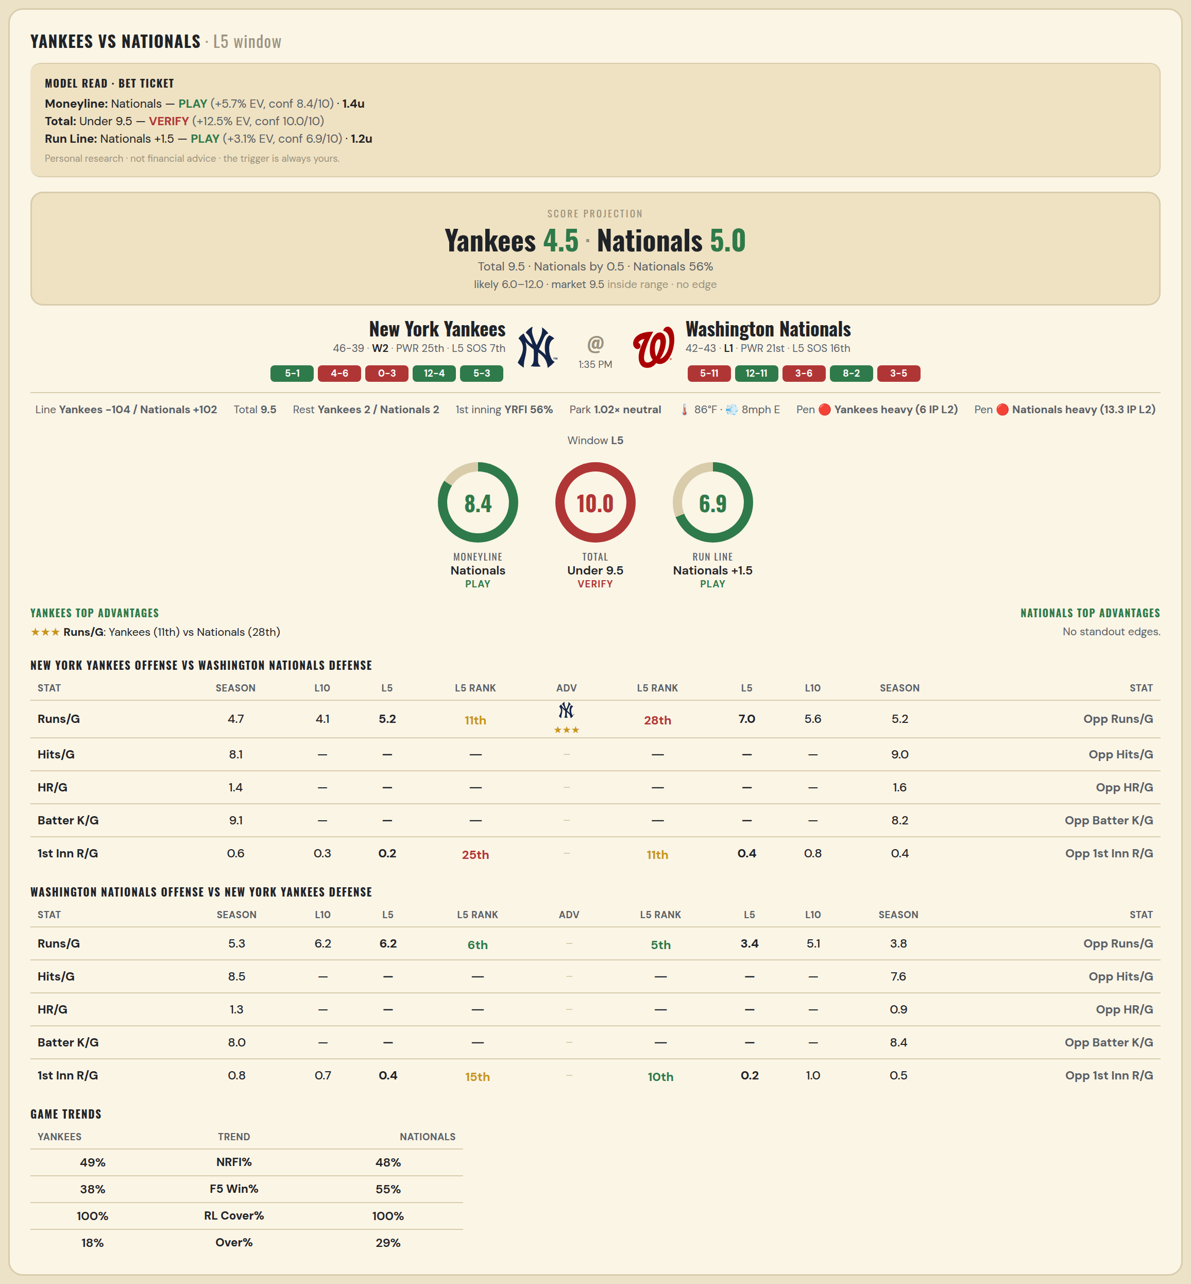

New York Yankees offense vs Washington Nationals defense
Stat | A Season | A L30 | A L20 | A L15 | A L10 | A L5 | A Rk | Adv | H Rk | H L5 | H L10 | H L15 | H L20 | H L30 | H Season | Opp stat
Runs/G | 4.718 | 4.3 | 3.35 | 3.533 | 4.1 | 5.2 | 11th | ★★★ | 28th | 7 | 5.6 | 5.4 | 5.4 | 5.233 | 5.235 | Opp Runs/G
Hits/G | 8.109 | — | — | — | — | — | — |  | — | — | — | — | — | — | 9.04 | Opp Hits/G
HR/G | 1.413 | — | — | — | — | — | — |  | — | — | — | — | — | — | 1.56 | Opp HR/G
Batter K/G | 9.13 | — | — | — | — | — | — |  | — | — | — | — | — | — | 8.2 | Opp Batter K/G
1st Inn R/G | 0.588 | 0.333 | 0.3 | 0.267 | 0.3 | 0.2 | 25th |  | 11th | 0.4 | 0.8 | 0.667 | 0.55 | 0.467 | 0.41 | Opp 1st Inn R/G

Washington Nationals offense vs New York Yankees defense
Stat | A Season | A L30 | A L20 | A L15 | A L10 | A L5 | A Rk | Adv | H Rk | H L5 | H L10 | H L15 | H L20 | H L30 | H Season | Opp stat
Runs/G | 5.329 | 5.333 | 5.2 | 5.467 | 6.2 | 6.2 | 6th |  | 5th | 3.4 | 5.1 | 5.267 | 5.15 | 4.6 | 3.835 | Opp Runs/G
Hits/G | 8.52 | — | — | — | — | — | — |  | — | — | — | — | — | — | 7.609 | Opp Hits/G
HR/G | 1.26 | — | — | — | — | — | — |  | — | — | — | — | — | — | 0.913 | Opp HR/G
Batter K/G | 7.98 | — | — | — | — | — | — |  | — | — | — | — | — | — | 8.435 | Opp Batter K/G
1st Inn R/G | 0.807 | 0.633 | 0.65 | 0.8 | 0.7 | 0.4 | 15th |  | 10th | 0.2 | 1 | 0.867 | 0.65 | 0.6 | 0.5 | Opp 1st Inn R/G

MLB Cubs @ Reds
Chicago Cubs @ Cincinnati Reds
MLB · 2026-07-12 · L5 window

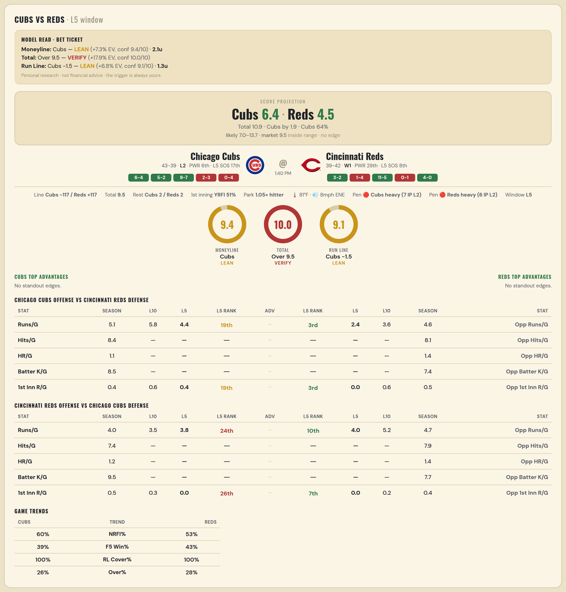

Chicago Cubs offense vs Cincinnati Reds defense
Stat | A Season | A L30 | A L20 | A L15 | A L10 | A L5 | A Rk | Adv | H Rk | H L5 | H L10 | H L15 | H L20 | H L30 | H Season | Opp stat
Runs/G | 5.146 | 5.733 | 6.75 | 5.733 | 5.8 | 4.4 | 19th |  | 3rd | 2.4 | 3.6 | 4.467 | 3.95 | 4.033 | 4.58 | Opp Runs/G
Hits/G | 8.438 | — | — | — | — | — | — |  | — | — | — | — | — | — | 8.106 | Opp Hits/G
HR/G | 1.104 | — | — | — | — | — | — |  | — | — | — | — | — | — | 1.383 | Opp HR/G
Batter K/G | 8.458 | — | — | — | — | — | — |  | — | — | — | — | — | — | 7.404 | Opp Batter K/G
1st Inn R/G | 0.444 | 0.533 | 0.65 | 0.4 | 0.6 | 0.4 | 19th |  | 3rd | 0 | 0.6 | 0.467 | 0.4 | 0.333 | 0.525 | Opp 1st Inn R/G

Cincinnati Reds offense vs Chicago Cubs defense
Stat | A Season | A L30 | A L20 | A L15 | A L10 | A L5 | A Rk | Adv | H Rk | H L5 | H L10 | H L15 | H L20 | H L30 | H Season | Opp stat
Runs/G | 3.988 | 3.867 | 3.85 | 4.133 | 3.5 | 3.8 | 24th |  | 10th | 4 | 5.2 | 4.6 | 4.8 | 4.3 | 4.744 | Opp Runs/G
Hits/G | 7.404 | — | — | — | — | — | — |  | — | — | — | — | — | — | 7.896 | Opp Hits/G
HR/G | 1.213 | — | — | — | — | — | — |  | — | — | — | — | — | — | 1.354 | Opp HR/G
Batter K/G | 9.532 | — | — | — | — | — | — |  | — | — | — | — | — | — | 7.708 | Opp Batter K/G
1st Inn R/G | 0.525 | 0.433 | 0.25 | 0.333 | 0.3 | 0 | 26th |  | 7th | 0 | 0.2 | 0.2 | 0.15 | 0.2 | 0.42 | Opp 1st Inn R/G

MLB Sox @ Mets
Boston Red Sox @ New York Mets
MLB · 2026-07-12 · L5 window

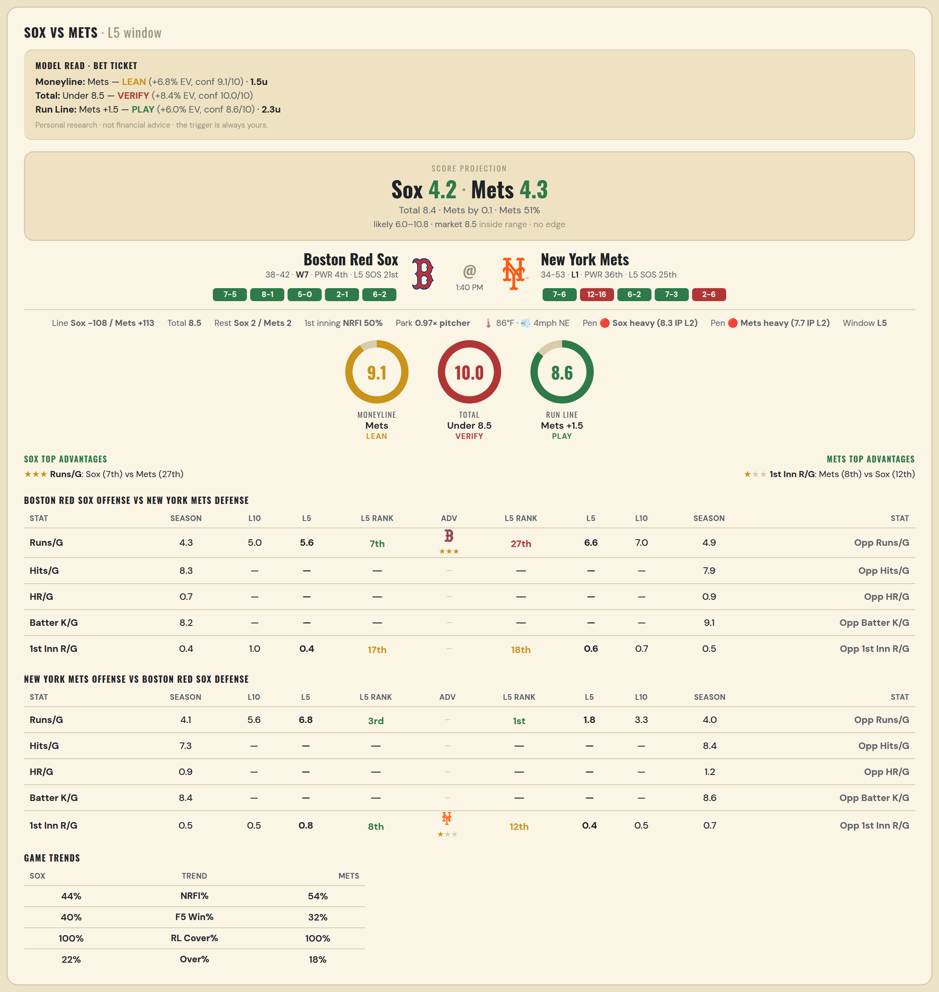

Boston Red Sox offense vs New York Mets defense
Stat | A Season | A L30 | A L20 | A L15 | A L10 | A L5 | A Rk | Adv | H Rk | H L5 | H L10 | H L15 | H L20 | H L30 | H Season | Opp stat
Runs/G | 4.275 | 4.333 | 4.8 | 5.133 | 5 | 5.6 | 7th | ★★★ | 27th | 6.6 | 7 | 5.667 | 6.75 | 6.2 | 4.862 | Opp Runs/G
Hits/G | 8.304 | — | — | — | — | — | — |  | — | — | — | — | — | — | 7.918 | Opp Hits/G
HR/G | 0.739 | — | — | — | — | — | — |  | — | — | — | — | — | — | 0.918 | Opp HR/G
Batter K/G | 8.239 | — | — | — | — | — | — |  | — | — | — | — | — | — | 9.061 | Opp Batter K/G
1st Inn R/G | 0.392 | 0.533 | 0.7 | 0.867 | 1 | 0.4 | 17th |  | 18th | 0.6 | 0.7 | 0.6 | 0.6 | 0.8 | 0.542 | Opp 1st Inn R/G

New York Mets offense vs Boston Red Sox defense
Stat | A Season | A L30 | A L20 | A L15 | A L10 | A L5 | A Rk | Adv | H Rk | H L5 | H L10 | H L15 | H L20 | H L30 | H Season | Opp stat
Runs/G | 4.069 | 4.367 | 4.5 | 4.733 | 5.6 | 6.8 | 3rd |  | 1st | 1.8 | 3.3 | 3.333 | 3.05 | 3.467 | 4.013 | Opp Runs/G
Hits/G | 7.306 | — | — | — | — | — | — |  | — | — | — | — | — | — | 8.391 | Opp Hits/G
HR/G | 0.939 | — | — | — | — | — | — |  | — | — | — | — | — | — | 1.217 | Opp HR/G
Batter K/G | 8.408 | — | — | — | — | — | — |  | — | — | — | — | — | — | 8.587 | Opp Batter K/G
1st Inn R/G | 0.542 | 0.533 | 0.25 | 0.333 | 0.5 | 0.8 | 8th | ★ | 12th | 0.4 | 0.5 | 0.4 | 0.35 | 0.367 | 0.684 | Opp 1st Inn R/G

MLB Mariners @ Rays
Seattle Mariners @ Tampa Bay Rays
MLB · 2026-07-12 · L5 window

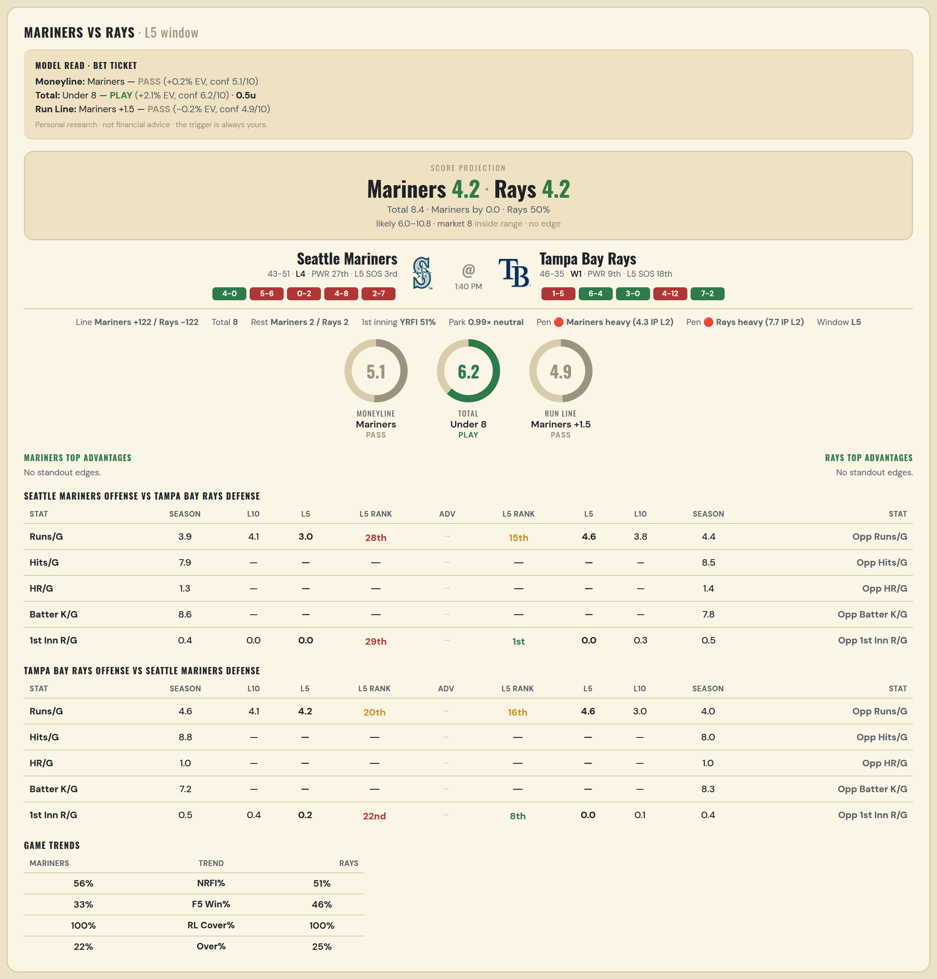

Seattle Mariners offense vs Tampa Bay Rays defense
Stat | A Season | A L30 | A L20 | A L15 | A L10 | A L5 | A Rk | Adv | H Rk | H L5 | H L10 | H L15 | H L20 | H L30 | H Season | Opp stat
Runs/G | 3.883 | 3.633 | 3.3 | 3.6 | 4.1 | 3 | 28th |  | 15th | 4.6 | 3.8 | 3.2 | 3.6 | 3.6 | 4.407 | Opp Runs/G
Hits/G | 7.854 | — | — | — | — | — | — |  | — | — | — | — | — | — | 8.467 | Opp Hits/G
HR/G | 1.312 | — | — | — | — | — | — |  | — | — | — | — | — | — | 1.444 | Opp HR/G
Batter K/G | 8.646 | — | — | — | — | — | — |  | — | — | — | — | — | — | 7.778 | Opp Batter K/G
1st Inn R/G | 0.432 | 0.233 | 0.25 | 0.067 | 0 | 0 | 29th |  | 1st | 0 | 0.3 | 0.4 | 0.4 | 0.333 | 0.468 | Opp 1st Inn R/G

Tampa Bay Rays offense vs Seattle Mariners defense
Stat | A Season | A L30 | A L20 | A L15 | A L10 | A L5 | A Rk | Adv | H Rk | H L5 | H L10 | H L15 | H L20 | H L30 | H Season | Opp stat
Runs/G | 4.642 | 4.467 | 4.85 | 5.267 | 4.1 | 4.2 | 20th |  | 16th | 4.6 | 3 | 3.8 | 3.55 | 4.133 | 4.021 | Opp Runs/G
Hits/G | 8.778 | — | — | — | — | — | — |  | — | — | — | — | — | — | 7.979 | Opp Hits/G
HR/G | 0.956 | — | — | — | — | — | — |  | — | — | — | — | — | — | 0.958 | Opp HR/G
Batter K/G | 7.244 | — | — | — | — | — | — |  | — | — | — | — | — | — | 8.333 | Opp Batter K/G
1st Inn R/G | 0.519 | 0.533 | 0.65 | 0.733 | 0.4 | 0.2 | 22nd |  | 8th | 0 | 0.1 | 0.2 | 0.15 | 0.3 | 0.383 | Opp 1st Inn R/G

MLB Phillies @ Tigers
Philadelphia Phillies @ Detroit Tigers
MLB · 2026-07-12 · L5 window

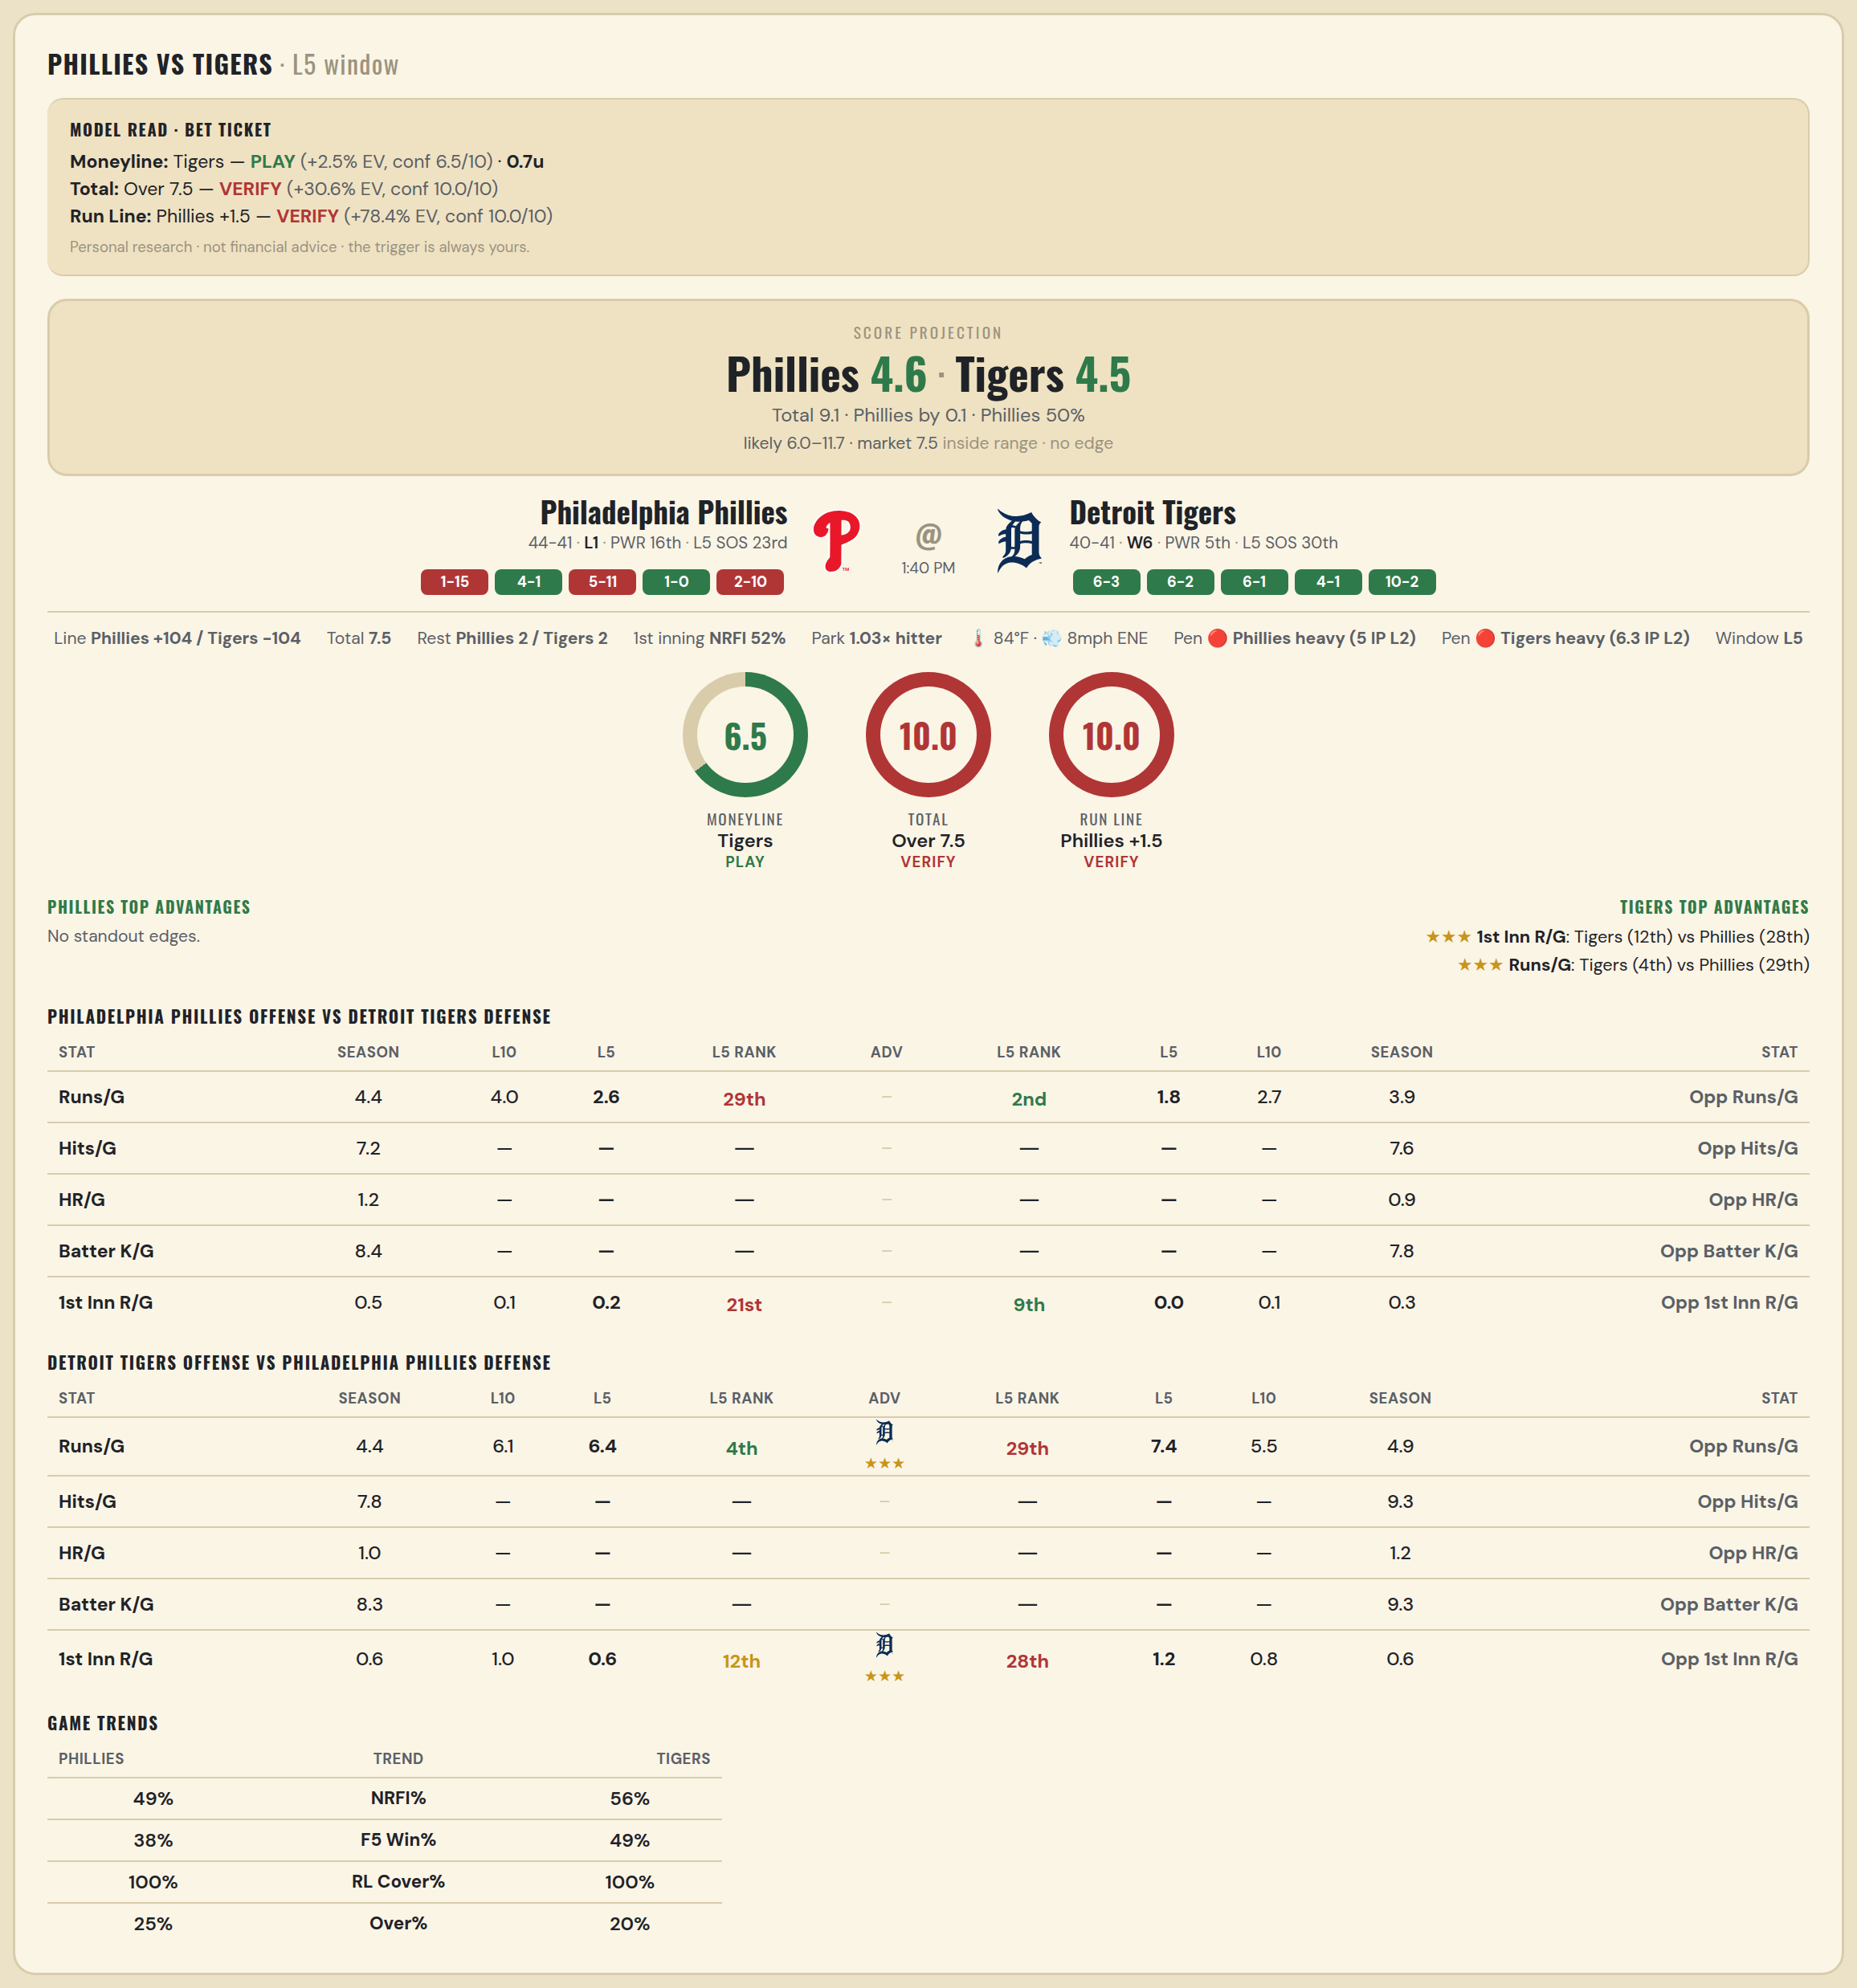

Philadelphia Phillies offense vs Detroit Tigers defense
Stat | A Season | A L30 | A L20 | A L15 | A L10 | A L5 | A Rk | Adv | H Rk | H L5 | H L10 | H L15 | H L20 | H L30 | H Season | Opp stat
Runs/G | 4.447 | 5.1 | 5.35 | 4.4 | 4 | 2.6 | 29th |  | 2nd | 1.8 | 2.7 | 3.2 | 3.15 | 3.267 | 3.852 | Opp Runs/G
Hits/G | 7.234 | — | — | — | — | — | — |  | — | — | — | — | — | — | 7.592 | Opp Hits/G
HR/G | 1.213 | — | — | — | — | — | — |  | — | — | — | — | — | — | 0.898 | Opp HR/G
Batter K/G | 8.426 | — | — | — | — | — | — |  | — | — | — | — | — | — | 7.776 | Opp Batter K/G
1st Inn R/G | 0.537 | 0.5 | 0.35 | 0.267 | 0.1 | 0.2 | 21st |  | 9th | 0 | 0.1 | 0.133 | 0.2 | 0.167 | 0.333 | Opp 1st Inn R/G

Detroit Tigers offense vs Philadelphia Phillies defense
Stat | A Season | A L30 | A L20 | A L15 | A L10 | A L5 | A Rk | Adv | H Rk | H L5 | H L10 | H L15 | H L20 | H L30 | H Season | Opp stat
Runs/G | 4.42 | 5 | 5.2 | 5.533 | 6.1 | 6.4 | 4th | ★★★ | 29th | 7.4 | 5.5 | 5.467 | 5.2 | 5.033 | 4.906 | Opp Runs/G
Hits/G | 7.755 | — | — | — | — | — | — |  | — | — | — | — | — | — | 9.319 | Opp Hits/G
HR/G | 1.02 | — | — | — | — | — | — |  | — | — | — | — | — | — | 1.17 | Opp HR/G
Batter K/G | 8.306 | — | — | — | — | — | — |  | — | — | — | — | — | — | 9.277 | Opp Batter K/G
1st Inn R/G | 0.568 | 0.533 | 0.6 | 0.667 | 1 | 0.6 | 12th | ★★★ | 28th | 1.2 | 0.8 | 0.8 | 0.7 | 0.667 | 0.573 | Opp 1st Inn R/G

MLB Guardians @ Marlins
Cleveland Guardians @ Miami Marlins
MLB · 2026-07-12 · L5 window

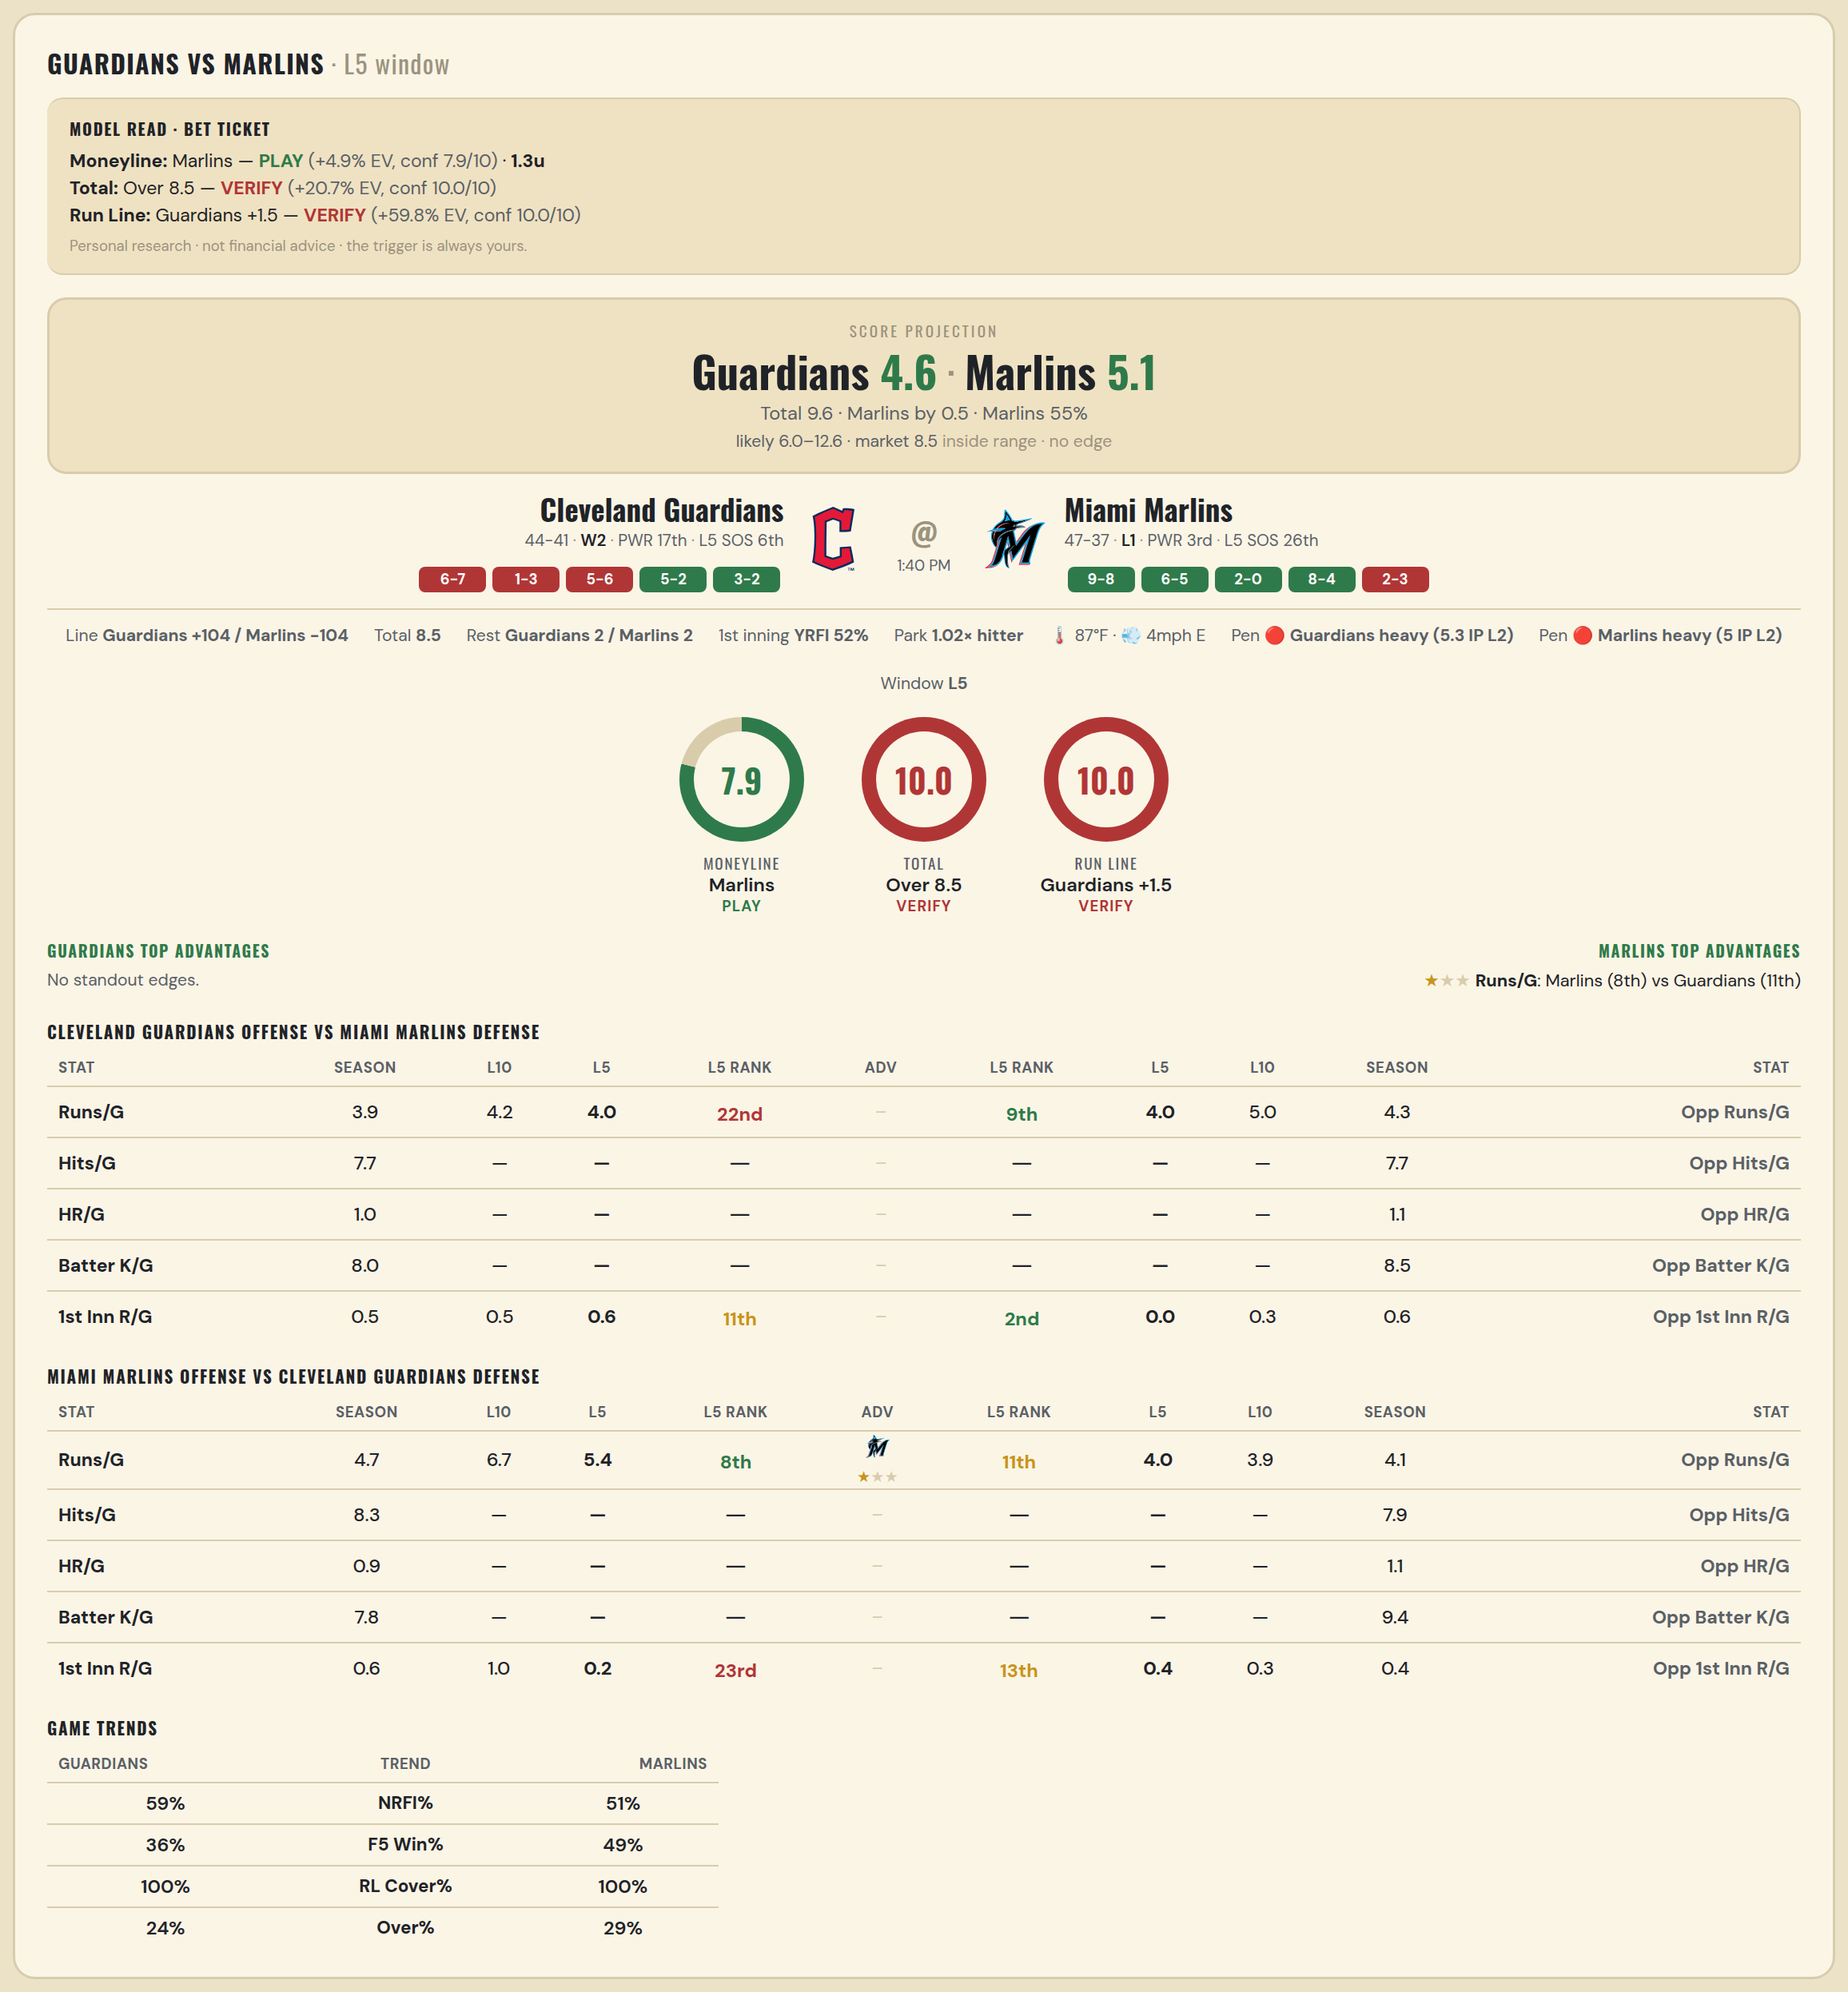

Cleveland Guardians offense vs Miami Marlins defense
Stat | A Season | A L30 | A L20 | A L15 | A L10 | A L5 | A Rk | Adv | H Rk | H L5 | H L10 | H L15 | H L20 | H L30 | H Season | Opp stat
Runs/G | 3.918 | 3.667 | 3.9 | 4 | 4.2 | 4 | 22nd |  | 9th | 4 | 5 | 4.133 | 3.85 | 3.7 | 4.274 | Opp Runs/G
Hits/G | 7.735 | — | — | — | — | — | — |  | — | — | — | — | — | — | 7.694 | Opp Hits/G
HR/G | 0.959 | — | — | — | — | — | — |  | — | — | — | — | — | — | 1.082 | Opp HR/G
Batter K/G | 8 | — | — | — | — | — | — |  | — | — | — | — | — | — | 8.531 | Opp Batter K/G
1st Inn R/G | 0.5 | 0.267 | 0.35 | 0.4 | 0.5 | 0.6 | 11th |  | 2nd | 0 | 0.3 | 0.2 | 0.15 | 0.333 | 0.585 | Opp 1st Inn R/G

Miami Marlins offense vs Cleveland Guardians defense
Stat | A Season | A L30 | A L20 | A L15 | A L10 | A L5 | A Rk | Adv | H Rk | H L5 | H L10 | H L15 | H L20 | H L30 | H Season | Opp stat
Runs/G | 4.69 | 5.467 | 5.6 | 6.067 | 6.7 | 5.4 | 8th | ★ | 11th | 4 | 3.9 | 3.933 | 3.95 | 4.1 | 4.106 | Opp Runs/G
Hits/G | 8.286 | — | — | — | — | — | — |  | — | — | — | — | — | — | 7.939 | Opp Hits/G
HR/G | 0.918 | — | — | — | — | — | — |  | — | — | — | — | — | — | 1.143 | Opp HR/G
Batter K/G | 7.816 | — | — | — | — | — | — |  | — | — | — | — | — | — | 9.388 | Opp Batter K/G
1st Inn R/G | 0.585 | 0.567 | 0.65 | 0.733 | 1 | 0.2 | 23rd |  | 13th | 0.4 | 0.3 | 0.2 | 0.25 | 0.433 | 0.366 | Opp 1st Inn R/G

MLB Angels @ Twins
Los Angeles Angels @ Minnesota Twins
MLB · 2026-07-12 · L5 window

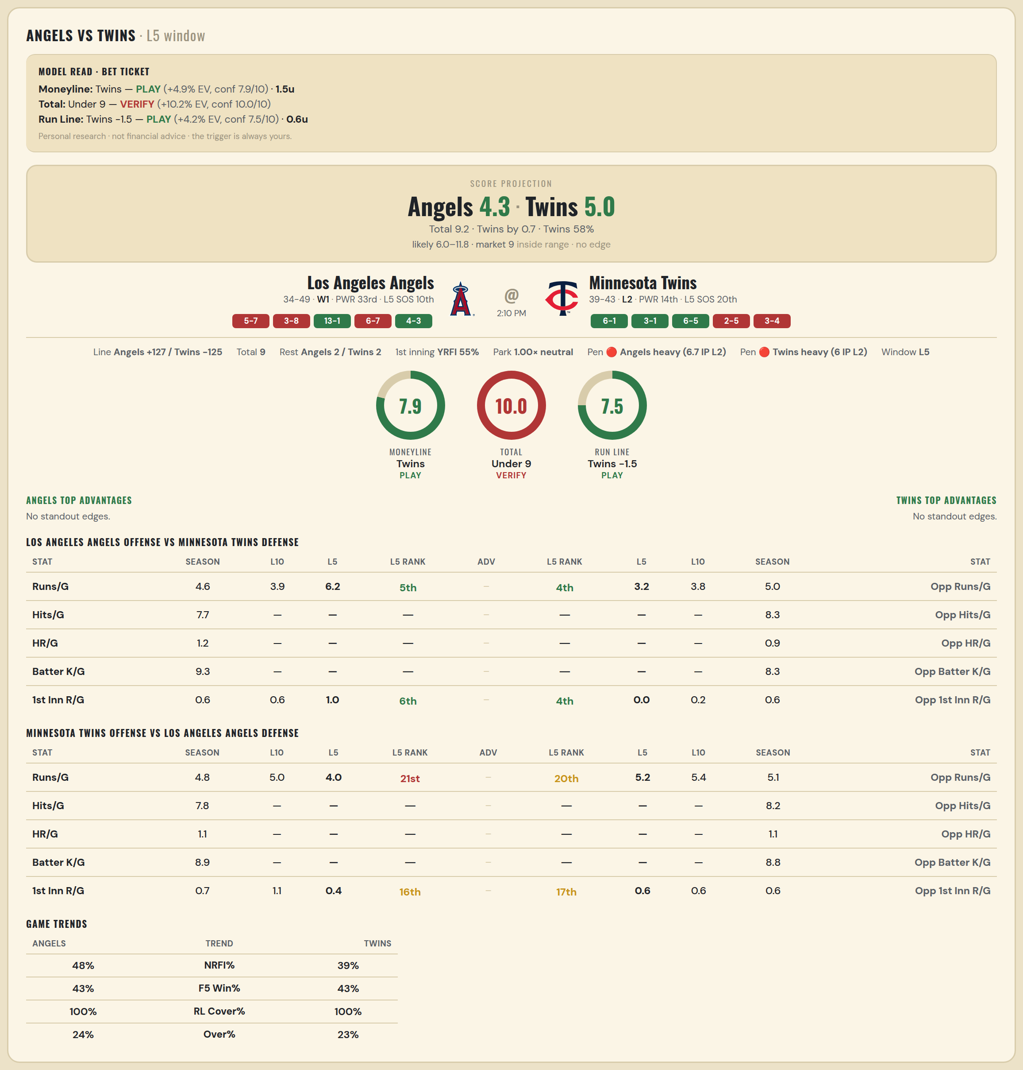

Los Angeles Angels offense vs Minnesota Twins defense
Stat | A Season | A L30 | A L20 | A L15 | A L10 | A L5 | A Rk | Adv | H Rk | H L5 | H L10 | H L15 | H L20 | H L30 | H Season | Opp stat
Runs/G | 4.614 | 4.9 | 4.55 | 4.2 | 3.9 | 6.2 | 5th |  | 4th | 3.2 | 3.8 | 4.8 | 4.8 | 5.167 | 5 | Opp Runs/G
Hits/G | 7.714 | — | — | — | — | — | — |  | — | — | — | — | — | — | 8.306 | Opp Hits/G
HR/G | 1.184 | — | — | — | — | — | — |  | — | — | — | — | — | — | 0.918 | Opp HR/G
Batter K/G | 9.286 | — | — | — | — | — | — |  | — | — | — | — | — | — | 8.265 | Opp Batter K/G
1st Inn R/G | 0.598 | 0.567 | 0.5 | 0.667 | 0.6 | 1 | 6th |  | 4th | 0 | 0.2 | 0.333 | 0.3 | 0.4 | 0.561 | Opp 1st Inn R/G

Minnesota Twins offense vs Los Angeles Angels defense
Stat | A Season | A L30 | A L20 | A L15 | A L10 | A L5 | A Rk | Adv | H Rk | H L5 | H L10 | H L15 | H L20 | H L30 | H Season | Opp stat
Runs/G | 4.805 | 5.367 | 5.4 | 4.867 | 5 | 4 | 21st |  | 20th | 5.2 | 5.4 | 4.867 | 5.15 | 4.633 | 5.133 | Opp Runs/G
Hits/G | 7.776 | — | — | — | — | — | — |  | — | — | — | — | — | — | 8.245 | Opp Hits/G
HR/G | 1.061 | — | — | — | — | — | — |  | — | — | — | — | — | — | 1.061 | Opp HR/G
Batter K/G | 8.939 | — | — | — | — | — | — |  | — | — | — | — | — | — | 8.816 | Opp Batter K/G
1st Inn R/G | 0.695 | 0.933 | 1.05 | 0.933 | 1.1 | 0.4 | 16th |  | 17th | 0.6 | 0.6 | 0.4 | 0.8 | 0.567 | 0.585 | Opp 1st Inn R/G

MLB Athletics @ Sox
Athletics @ Chicago White Sox
MLB · 2026-07-12 · L5 window

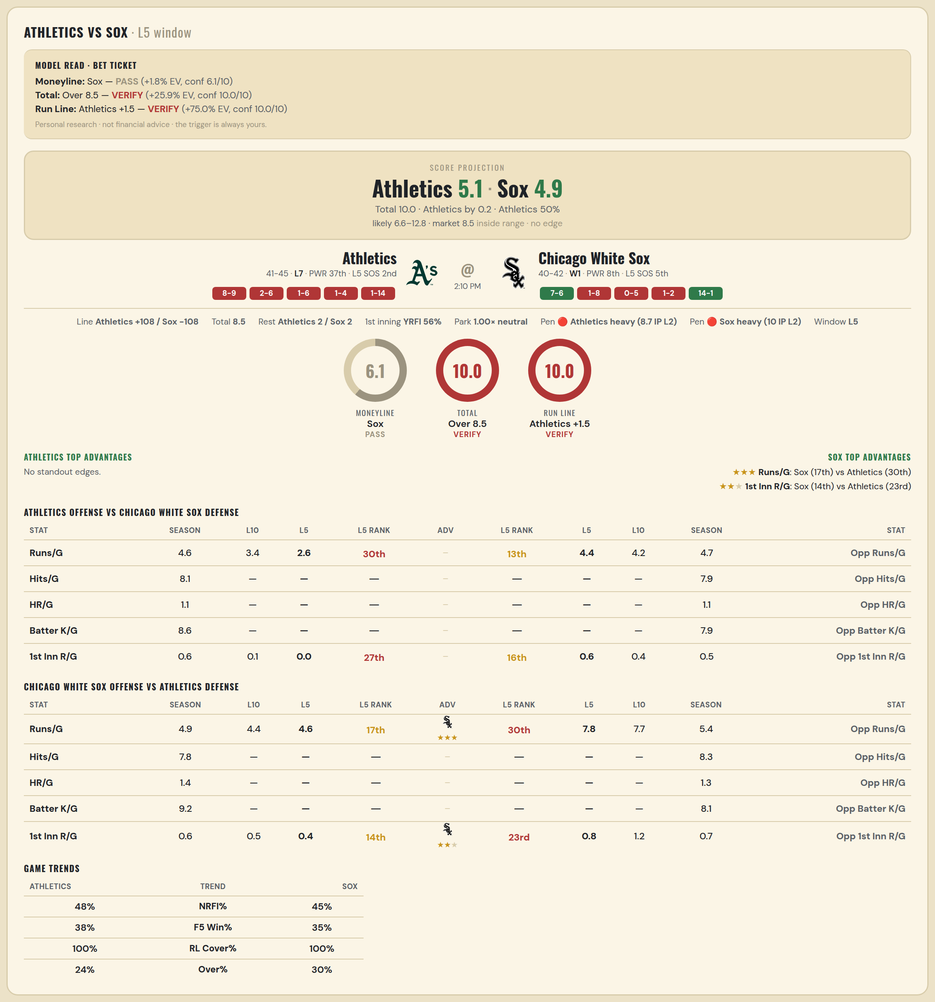

Athletics offense vs Chicago White Sox defense
Stat | A Season | A L30 | A L20 | A L15 | A L10 | A L5 | A Rk | Adv | H Rk | H L5 | H L10 | H L15 | H L20 | H L30 | H Season | Opp stat
Runs/G | 4.558 | 5.1 | 4.05 | 3.733 | 3.4 | 2.6 | 30th |  | 13th | 4.4 | 4.2 | 3.667 | 3.7 | 4.267 | 4.659 | Opp Runs/G
Hits/G | 8.146 | — | — | — | — | — | — |  | — | — | — | — | — | — | 7.854 | Opp Hits/G
HR/G | 1.062 | — | — | — | — | — | — |  | — | — | — | — | — | — | 1.062 | Opp HR/G
Batter K/G | 8.625 | — | — | — | — | — | — |  | — | — | — | — | — | — | 7.938 | Opp Batter K/G
1st Inn R/G | 0.585 | 0.733 | 0.5 | 0.067 | 0.1 | 0 | 27th |  | 16th | 0.6 | 0.4 | 0.4 | 0.4 | 0.567 | 0.537 | Opp 1st Inn R/G

Chicago White Sox offense vs Athletics defense
Stat | A Season | A L30 | A L20 | A L15 | A L10 | A L5 | A Rk | Adv | H Rk | H L5 | H L10 | H L15 | H L20 | H L30 | H Season | Opp stat
Runs/G | 4.866 | 4.833 | 4.95 | 5.533 | 4.4 | 4.6 | 17th | ★★★ | 30th | 7.8 | 7.7 | 6.467 | 6.35 | 6.733 | 5.384 | Opp Runs/G
Hits/G | 7.792 | — | — | — | — | — | — |  | — | — | — | — | — | — | 8.312 | Opp Hits/G
HR/G | 1.354 | — | — | — | — | — | — |  | — | — | — | — | — | — | 1.271 | Opp HR/G
Batter K/G | 9.208 | — | — | — | — | — | — |  | — | — | — | — | — | — | 8.146 | Opp Batter K/G
1st Inn R/G | 0.575 | 0.5 | 0.45 | 0.467 | 0.5 | 0.4 | 14th | ★★ | 23rd | 0.8 | 1.2 | 0.8 | 0.6 | 0.7 | 0.72 | Opp 1st Inn R/G

