K-Maps
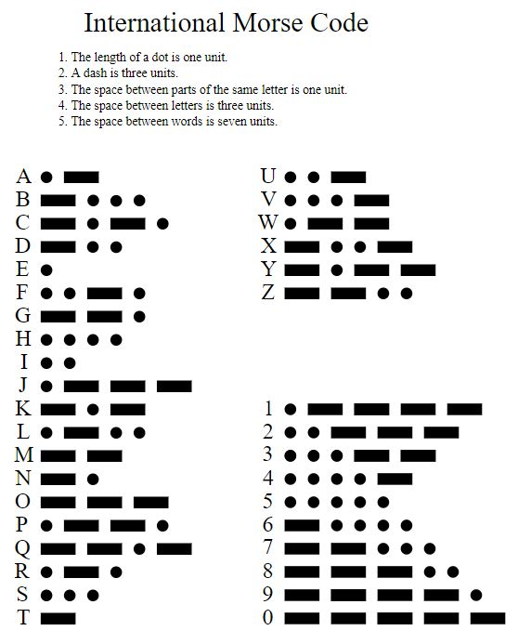
 | Project 3 Part A
 | Karnaugh Maps
Place sum of products formula below each K-Map |  |  |  |  |  |  |  |  |  | Left |  |  |  |  |  |  |  |  |  |  |  | Center Right
 |  |  |  |  |  |  |  |  | CD |  |  |  |  |  |  |  |  |  |  |  | CD
 |  |  |  |  |  |  |  | AB |  | 00 | 01 | 11 | 10 |  | Copy These! |  |  |  |  | AB |  | 00 | 01 | 11 | 10
 |  |  |  |  |  |  |  |  | 00 | 1 |  |  |  |  |  |  |  |  |  |  | 00 | 1 | 1 | 1 | 1
Value | AB | CD | L | CL | Ctr | CR | R |  | 01 |  |  | 1 | 1 |  |  |  |  |  |  |  | 01
0 | 00 | 00 | 1 | 1 | 1 | 1 | 1 |  | 11 | x | x | x | x |  |  | Center |  |  |  |  | 11 | x | x | x | x
1 | 00 | 01 | 0 | 1 | 1 | 1 | 1 |  | 10 | 1 | 1 | x | x |  | CD |  |  |  |  |  | 10 |  | 1 | x | x
2 | 00 | 10 | 0 | 0 | 1 | 1 | 1 | Formula: |  | A+BC+B'C'D' |  |  |  | AB |  | 00 | 01 | 11 | 10 | Formula: |  | A'B'+AD
3 | 00 | 11 | 0 | 0 | 0 | 1 | 1 |  |  |  |  |  |  |  | 00 | 1 | 1 |  | 1
4 | 01 | 00 | 0 | 0 | 0 | 0 | 1 |  |  | Center Left |  |  |  |  | 01 |  |  |  |  |  |  | Right
5 | 01 | 01 | 0 | 0 | 0 | 0 | 0 |  | CD |  |  |  |  |  | 11 | x | x | x | x |  | CD
6 | 01 | 10 | 1 | 0 | 0 | 0 | 0 | AB |  | 00 | 01 | 11 | 10 |  | 10 | 1 | 1 | x | x | AB |  | 00 | 01 | 11 | 10
7 | 01 | 11 | 1 | 1 | 0 | 0 | 0 |  | 00 | 1 | 1 |  |  | Formula: |  | B'C'+B'D' |  |  |  |  | 00 | 1 | 1 | 1 | 1
8 | 10 | 00 | 1 | 1 | 1 | 0 | 0 |  | 01 |  |  | 1 |  |  |  |  |  |  |  |  | 01 | 1
9 | 10 | 01 | 1 | 1 | 1 | 1 | 0 |  | 11 | x | x | x | x |  |  |  |  |  |  |  | 11 | x | x | x | x
 |  |  |  |  |  |  |  |  | 10 | 1 | 1 | x | x |  |  |  |  |  |  |  | 10 |  |  | x | x
 |  |  |  |  |  |  |  | Formula: |  | B'C'+BCD |  |  |  |  |  |  |  |  |  | Formula: |  | A'B'+A'C'D'

