Test SpotDetection
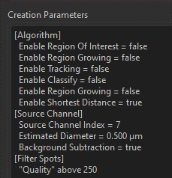
Image | % VGAT | % VGAT--adjusted | % SYT2 | % SYT2 adjusted | 0.4
#5_L2_1 | 33% | 35% | 19% | 25% | 0.25 distance for colocalization
#5_L2_2 | 35% | 35% | 25% | 25%
#5_L2_3 | 36% |  | 27%
#5_L2_4 | 32% |  | 21%
#5_L4_1 | 24% | 35% | 47% | 50% |  | For generating colocalization channel
#5_L4_2 | 28% |  | 44% |  |  | use DAPI surface to mask the FITC (VGAT) and Cy5 (Syt2) channel
#5_L4_3 | 29% |  | 43% |  |  | use Coloc function to generate colocalization channel- set threshold 50 for both channel (signal above 50 can be accounted as real signal
#5_L4_4 | 25% |  | 45% |  |  | Build Coloc channel --> click channel statistcs and export data, save as file name
#6_L2_1 | 29% | 35% | 22% | 25% |  | use colocalization result channel for punctate detection
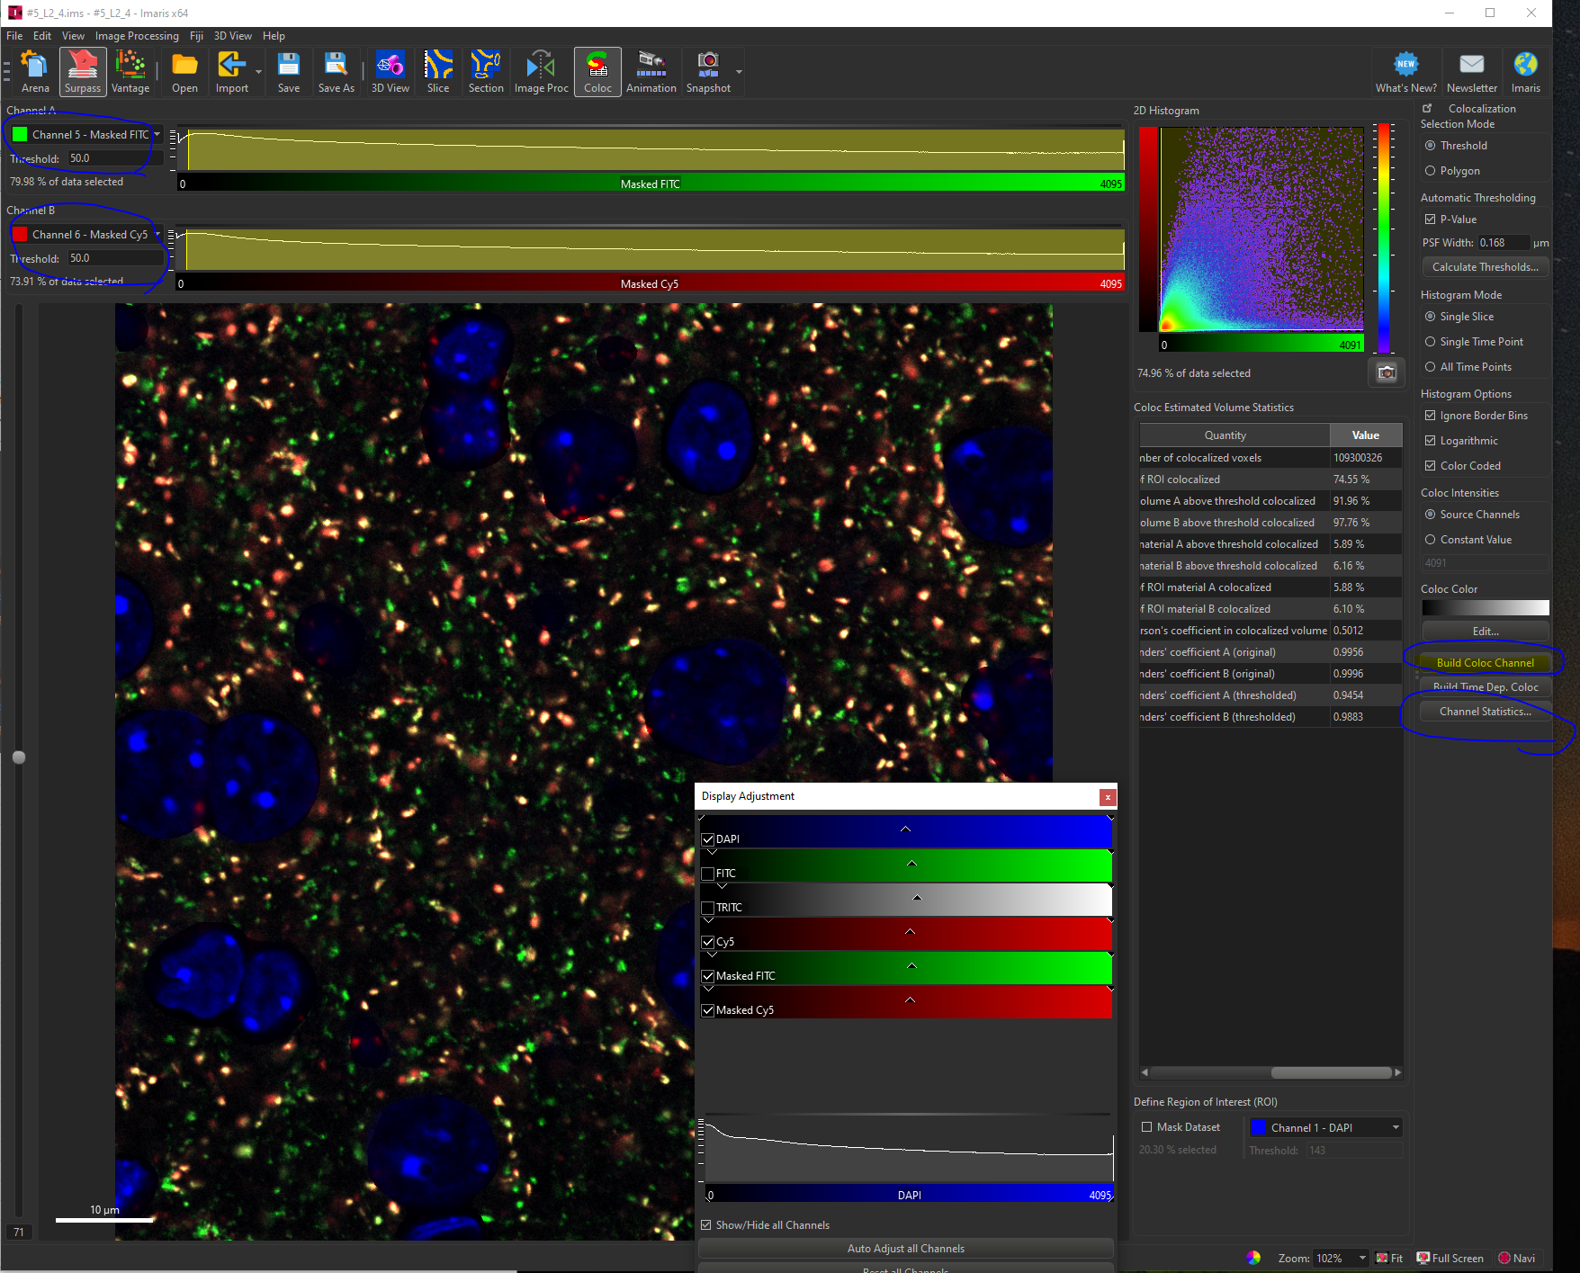
#6_L2_2 | 36% |  | 19%
#6_L2_3 | 35% |  | 24%
#6_L2_4 | 35% |  | 21%
#6_L4_1 | 25% |  | 45%
#6_L4_2 | 24% |  | 38%
#6_L4_3 | 30% |  | 46%
#6_L4_4 | 33% |  | 52%
#7_L2_1 | 37% |  | 24% | 25%
#7_L2_2 | 39% |  | 29%
#7_L2_3 | 38% |  | 20%
#7_L2_4 | 39% | 35% | 29% | 25%
#7_L4_1 | 39% |  | 49%
#7_L4_2 | 37% |  | 57%
#7_L4_3 | 38% |  | 56%
#7_L4_4 | 41% |  | 53%
#8_L2_1 | 34% |  | 18%
#8_L2_2 | 33% |  | 23%
#8_L2_3 | 22% |  | 19%
#8_L2_4 | 34% |  | 20%
#8_L4_1 | 33% |  | 52%
#8_L4_2 | 28% |  | 45%
#8_L4_3 | 33% |  | 57%
#8_L4_4 | 31% |  | 52%
#9_L2_1 | 18% |  | 26%
#9_L2_2 | 29% |  | 40%
#9_L2_3 | 41% |  | 28%
#9_L2_4 | 39% |  | 34%
#9_L4_1 | 25% |  | 50%
#9_L4_2 | 27% |  | 54%
#9_L4_3 | 31% |  | 57%
#9_L4_4 | 34% |  | 57%
#10_L2_1 | 34% |  | 27%
#10_L2_2 | 32% |  | 32%
#10_L2_3 | 30% |  | 25%
#10_L2_4 | 26% |  | 24%
#10_L4_1 | 34% |  | 52%
#10_L4_2 | 29% |  | 46%
#10_L4_3 | 26% |  | 49%
#10_L4_4 | 30% |  | 54%
#11_L2_1 | 35% |  | 29%
#11_L2_2 | 36% |  | 33%
#11_L2_3 | 33% |  | 29%
#11_L2_4 | 33% |  | 26%
#11_L4_1 | 30% |  | 52%
#11_L4_2 | 29% |  | 52%
#11_L4_3 | 31% |  | 49%
#11_L4_4 | 31% |  | 52%
#12_L2_1 | 31% |  | 28%
#12_L2_2 | 25% |  | 24%
#12_L2_3 | 29% |  | 23%
#12_L2_4 | 31% |  | 25%
#12_L4_1 | 28% | 35% | 55% | 50%
#12_L4_2 | 24% |  | 52%
#12_L4_3 | 26% |  | 49%
#12_L4_4 | 27% |  | 43%
#13_L2_1 | 34% |  | 32%
#13_L2_2 | 28% |  | 29%
#13_L2_3 | 31% |  | 27%
#13_L2_4 | 33% |  | 25%
#13_L4_1 | 30% |  | 61%
#13_L4_2 | 28% |  | 53%
#13_L4_3 | 30% |  | 53%
#13_L4_4 | 29% |  | 56%
#14_L2_1 | 27% |  | 36%
#14_L2_2 | 25% |  | 38%
#14_L2_3 | 26% |  | 28%
#14_L2_4 | 27% |  | 33%
#14_L4_1 | 23% |  | 57%
#14_L4_2 | 22% |  | 56%
#14_L4_3 | 28% |  | 49%
#14_L4_4 | 23% | 35% | 55% | 50%

