Foglio1
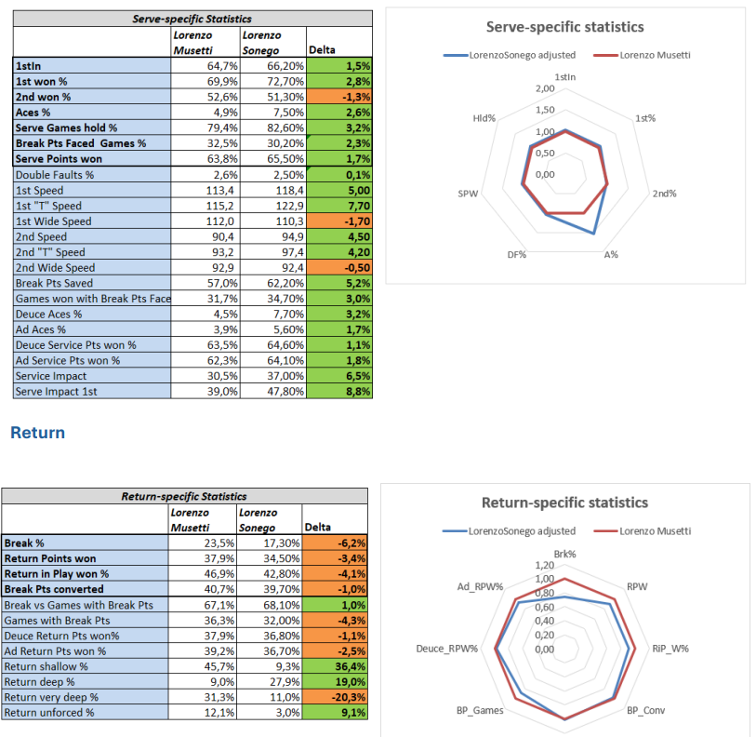
variable | Parity | Description | Topic | Efficiency | Table | Chart | reference_table | filter_date | JS | Categories
1stIn | 1 | 1stIn | Serve |  | 1 | Y | group_004 | Year |  | Serve
1st% | 1 | 1st won % | Serve |  | 2 | Y | group_004 | Year |  | Tactics
2nd% | 1 | 2nd won % | Serve |  | 3 | Y | group_004 | Year |  | Return
A% | 1 | Aces % | Serve |  | 4 | Y | group_004 | Year |  | Attitude
DF% | -1 | Double Faults % | Serve |  | 8 | Y | group_004 | Year |  | Rally
SPW | 1 | Serve Points won | Serve | Y | 7 | Y | group_004 | Year |  | Efficiency
Hld% | 1 | Serve Games hold % | Serve | Y | 5 | Y | group_004 | Year
1st_Avg | 1 | 1st Speed | Serve |  | 9 |  | group_009 | Match
1st_T_Avg | 1 | 1st "T" Speed | Serve |  | 10 |  | group_009 | Match
1st_Wide_Avg | 1 | 1st Wide Speed | Serve |  | 11 |  | group_009 | Match
2nd_Avg | 1 | 2nd Speed | Serve |  | 12 |  | group_009 | Match
2nd_T_Avg | 1 | 2nd "T" Speed | Serve |  | 13 |  | group_009 | Match
2nd_Wide_Avg | 1 | 2nd Wide Speed | Serve |  | 14 |  | group_009 | Match
BP_Saved | 1 | Break Pts Saved | Serve |  | 15 |  | group_010 | Match
BPF_Games | -1 | Break Pts Faced Games % | Serve | Y | 6 |  | group_011 | Match
Hold/BPFG | 1 | Games won with Break Pts Faced | Serve |  | 16 |  | group_011 | Match
Deuce_A% | 1 | Deuce Aces % | Serve |  | 17 |  | group_012 | Match
Ad_A% | 1 | Ad Aces % | Serve |  | 18 |  | group_012 | Match
Deuce_SPW% | 1 | Deuce Service Pts won % | Serve |  | 19 |  | group_012 | Match
Ad_SPW% | 1 | Ad Service Pts won % | Serve |  | 20 |  | group_012 | Match
SnV_W% | 1 | Serve & Volley won% | Serve | Y | 21 |  | group_016 | Match
SvImpact | 1 | Service Impact | Serve |  | 22 |  | group_013 | Match
SvImpact.1 | 1 | Serve Impact 1st | Serve |  | 23 |  | group_013 | Match
Brk% | 1 | Break % | Return |  | 1 | Y | group_004 | Year
RPW | 1 | Return Points won | Return | Y | 2 | Y | group_004 | Year
RiP_W% | 1 | Return in Play won % | Return |  | 3 | Y | group_014 | Match
BP_Conv | 1 | Break Pts converted | Return |  | 4 | Y | group_010 | Match
BP_Conv/BPG | 1 | Break vs Games with Break Pts | Return | Y | 5 | Y | group_011 | Match
BP_Games | 1 | Games with Break Pts | Return | Y | 6 | Y | group_011 | Match
BreakBack% | 1 | Break Back% | Attitude |  | 8 | Y | group_011 | Match
Deuce_RPW% | 1 | Deuce Return Pts won% | Return |  | 7 | Y | group_012 | Match
Ad_RPW% | 1 | Ad Return Pts won % | Return |  | 8 | Y | group_012 | Match
FH_Wnr/Pt | 1 | Forehand Wnr Pts | Rally |  | 4 | Y | group_008 | Match
BH_Wnr/Pt | 1 | Backhand Wnr Pts | Rally |  | 5 | Y | group_008 | Match
Wnr/Pt | 1 | Winners | Rally | Y | 1 | Y | group_008 | Match
UFE/Pt | -1 | Unforced Errors | Rally | Y | 2 | Y | group_008 | Match
IO_Wnr% | 1 | Inside Out Winners | Rally |  | 6 | Y | group_016 | Match
DTL_Wnr% | 1 | Down the Line Winners | Rally |  | 7 | Y | group_016 | Match
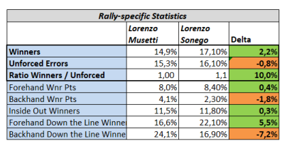
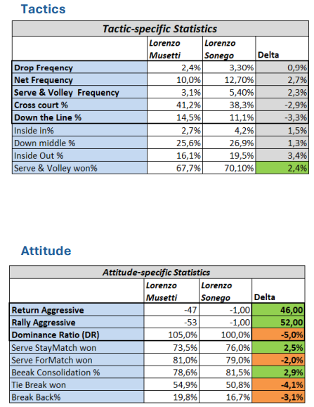
DTL_Wnr%.1 | 1 | Down the Line Winners 1st | Rally |  | 8 | Y | group_016 | Match
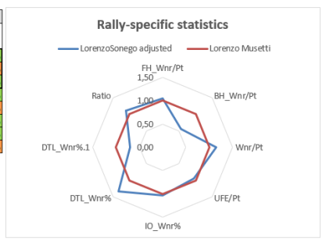
Ratio | 1 | Ratio Winners / Unforced | Rally | Y | 3 | Y | group_008 | Match
Drop:_Freq | 0 | Drop Freqency | Tactics |  | 1 | Y | group_016 | Match
Net_Freq | 0 | Net Frequency | Tactics |  | 2 | Y | group_016 | Match
SnV_Freq | 0 | Serve & Volley Frequency | Tactics |  | 3 | Y | group_016 | Match
ReturnAgg | 1 | Return Aggressive | Attitude |  | 1 | Y | group_016 | Match
RallyAgg | 1 | Rally Aggressive | Attitude |  | 2 | Y | group_016 | Match
SvStayMatch | 1 | Serve StayMatch won | Attitude |  | 4 | Y | group_011 | Match
SvForMatch | 1 | Serve ForMatch won | Attitude |  | 5 | Y | group_011 | Match
Consol% | 1 | Break Consolidation % | Attitude |  | 6 | Y | group_011 | Match
TB% | 1 | Tie Break won | Attitude |  | 7 | Y | group_004 | Year
DR | 1 | Dominance Ratio | Attitude |  | 3 | Y | group_004 | Year
shallow | -1 | Return shallow % | Return |  | 9 |  | mcp_m_stats_returndepth |  | Y
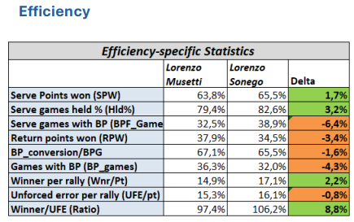
deep | 1 | Return deep % | Return |  | 10 |  | mcp_m_stats_returndepth |  | Y
very_deep | 1 | Return very deep % | Return |  | 11 |  | mcp_m_stats_returndepth |  | Y
unforced | -1 | Return unforced % | Return |  | 12 |  | mcp_m_stats_returndepth |  | Y
crosscourt | 0 | Cross court % | Tactics |  | 4 | Y | mcp_m_stats_shotdirection |  | Y
down_middle | 0 | Down middle % | Tactics |  | 7 | Y | mcp_m_stats_shotdirection |  | Y
down_the_line | 0 | Down the Line % | Tactics |  | 5 | Y | mcp_m_stats_shotdirection |  | Y
inside_out | 0 | Inside Out % | Tactics |  | 8 | Y | mcp_m_stats_shotdirection |  | Y
inside_in | 0 | Inside In% | Tactics |  | 6 | Y | mcp_m_stats_shotdirection |  | Y

