Foglio1
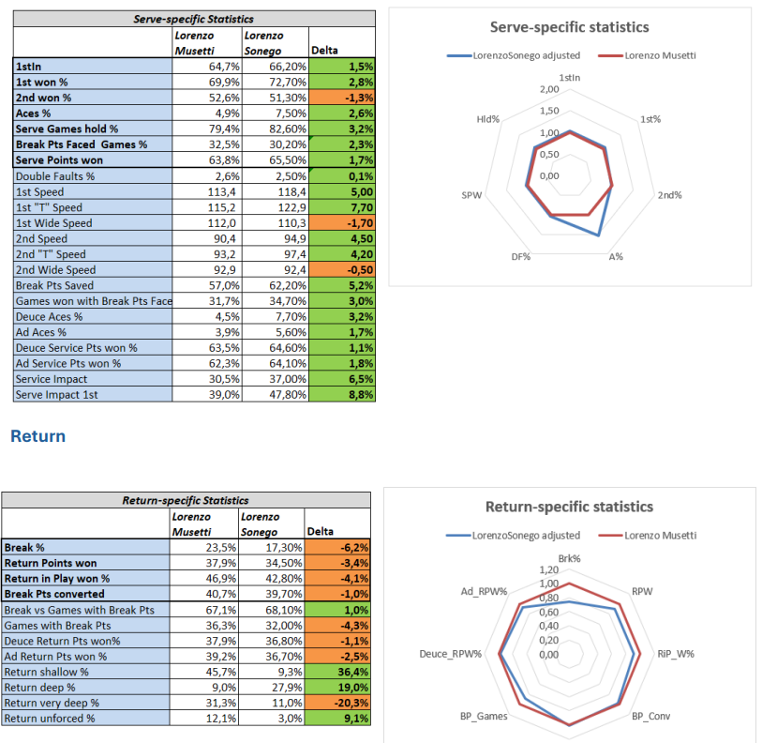
variable | Parity | Description | Topic | Efficiency | Table | Chart | reference_table | filter_date | JS | Ratio | Categories
1stIn | 1 | 1stIn | Serve | 0 | 1 | 1 | group_004 | Year | 0 | 1 | Serve
1st% | 1 | 1st won % | Serve | 0 | 2 | 1 | group_004 | Year | 0 | 1 | Tactics
2nd% | 1 | 2nd won % | Serve | 0 | 3 | 1 | group_004 | Year | 0 | 1 | Return
A% | 1 | Aces % | Serve | 0 | 4 | 1 | group_004 | Year | 0 | 1 | Attitude
DF% | -1 | Double Faults % | Serve | 0 | 8 | 1 | group_004 | Year | 0 | 1 | Rally
SPW | 1 | Serve Points won | Serve | 1 | 7 | 1 | group_004 | Year | 0 | 1 | Efficiency
Hld% | 1 | Serve Games hold % | Serve | 1 | 5 | 1 | group_004 | Year | 0 | 1
1st_Avg | 1 | 1st Speed | Serve | 0 | 9 | 0 | group_009 | Match | 0 | 0
1st_T_Avg | 1 | 1st T Speed | Serve | 0 | 10 | 0 | group_009 | Match | 0 | 0
1st_Wide_Avg | 1 | 1st Wide Speed | Serve | 0 | 11 | 0 | group_009 | Match | 0 | 0
2nd_Avg | 1 | 2nd Speed | Serve | 0 | 12 | 0 | group_009 | Match | 0 | 0
2nd_T_Avg | 1 | 2nd T Speed | Serve | 0 | 13 | 0 | group_009 | Match | 0 | 0
2nd_Wide_Avg | 1 | 2nd Wide Speed | Serve | 0 | 14 | 0 | group_009 | Match | 0 | 0
BP_Saved | 1 | Break Pts Saved | Serve | 0 | 15 | 0 | group_010 | Match | 0 | 1
BPF_Games | -1 | Break Pts Faced Games % | Serve | 1 | 6 | 0 | group_011 | Match | 0 | 1
Hold/BPFG | 1 | Games won with Break Pts Faced | Serve | 0 | 16 | 0 | group_011 | Match | 0 | 1
Deuce_A% | 1 | Deuce Aces % | Serve | 0 | 17 | 0 | group_012 | Match | 0 | 1
Ad_A% | 1 | Ad Aces % | Serve | 0 | 18 | 0 | group_012 | Match | 0 | 1
Deuce_SPW% | 1 | Deuce Service Pts won % | Serve | 0 | 19 | 0 | group_012 | Match | 0 | 1
Ad_SPW% | 1 | Ad Service Pts won % | Serve | 0 | 20 | 0 | group_012 | Match | 0 | 1
SnV_W% | 1 | Serve & Volley won% | Serve | 1 | 21 | 0 | group_016 | Match | 0 | 1
SvImpact | 1 | Service Impact | Serve | 0 | 22 | 0 | group_013 | Match | 0 | 1
SvImpact.1 | 1 | Serve Impact 1st | Serve | 0 | 23 | 0 | group_013 | Match | 0 | 1
Brk% | 1 | Break % | Return | 0 | 1 | 1 | group_004 | Year | 0 | 1
RPW | 1 | Return Points won | Return | 1 | 2 | 1 | group_004 | Year | 0 | 1
RiP_W% | 1 | Return in Play won % | Return | 0 | 3 | 1 | group_014 | Match | 0 | 1
BP_Conv | 1 | Break Pts converted | Return | 0 | 4 | 1 | group_010 | Match | 0 | 1
BP_Conv/BPG | 1 | Break vs Games with Break Pts | Return | 1 | 5 | 1 | group_011 | Match | 0 | 1
BP_Games | 1 | Games with Break Pts | Return | 1 | 6 | 1 | group_011 | Match | 0 | 1
BreakBack% | 1 | Break Back% | Attitude | 0 | 8 | 1 | group_011 | Match | 0 | 1
Deuce_RPW% | 1 | Deuce Return Pts won% | Return | 0 | 7 | 1 | group_012 | Match | 0 | 1
Ad_RPW% | 1 | Ad Return Pts won % | Return | 0 | 8 | 1 | group_012 | Match | 0 | 1
FH_Wnr/Pt | 1 | Forehand Wnr Pts | Rally | 0 | 4 | 1 | group_008 | Match | 0 | 1
BH_Wnr/Pt | 1 | Backhand Wnr Pts | Rally | 0 | 5 | 1 | group_008 | Match | 0 | 1
Wnr/Pt | 1 | Winners | Rally | 1 | 1 | 1 | group_008 | Match | 0 | 1
UFE/Pt | -1 | Unforced Errors | Rally | 1 | 2 | 1 | group_008 | Match | 0 | 1
IO_Wnr% | 1 | Inside Out Winners | Rally | 0 | 6 | 1 | group_016 | Match | 0 | 1
DTL_Wnr% | 1 | Down the Line Winners | Rally | 0 | 7 | 1 | group_016 | Match | 0 | 1
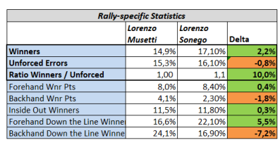
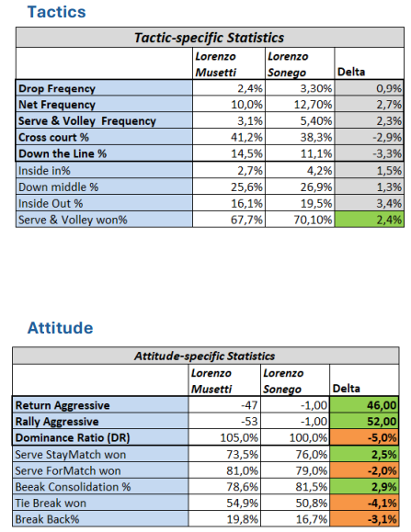
DTL_Wnr%.1 | 1 | Down the Line Winners 1st | Rally | 0 | 8 | 1 | group_016 | Match | 0 | 1
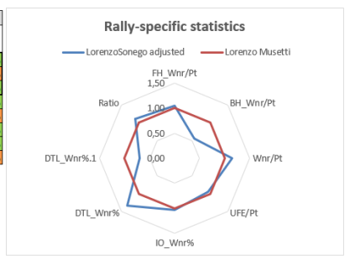
Ratio | 1 | Ratio Winners / Unforced | Rally | 1 | 3 | 1 | group_008 | Match | 0 | 0
Drop:_Freq | 0 | Drop Frequency | Tactics | 0 | 1 | 1 | group_016 | Match | 0 | 1
Net_Freq | 0 | Net Frequency | Tactics | 0 | 2 | 1 | group_016 | Match | 0 | 1
SnV_Freq | 0 | Serve & Volley Frequency | Tactics | 0 | 3 | 1 | group_016 | Match | 0 | 1
ReturnAgg | 1 | Return Aggressive | Attitude | 0 | 1 | 1 | group_016 | Match | 0 | 0
RallyAgg | 1 | Rally Aggressive | Attitude | 0 | 2 | 1 | group_016 | Match | 0 | 0
SvStayMatch | 1 | Serve StayMatch won | Attitude | 0 | 4 | 1 | group_011 | Match | 0 | 1
SvForMatch | 1 | Serve ForMatch won | Attitude | 0 | 5 | 1 | group_011 | Match | 0 | 1
Consol% | 1 | Break Consolidation % | Attitude | 0 | 6 | 1 | group_011 | Match | 0 | 1
TB% | 1 | Tie Break won | Attitude | 0 | 7 | 1 | group_004 | Year | 0 | 1
DR | 1 | Dominance Ratio | Attitude | 0 | 3 | 1 | group_004 | Year | 0 | 0
shallow | -1 | Return shallow % | Return | 0 | 9 | 0 | mcp_m_stats_returndepth |  | 1 | 1
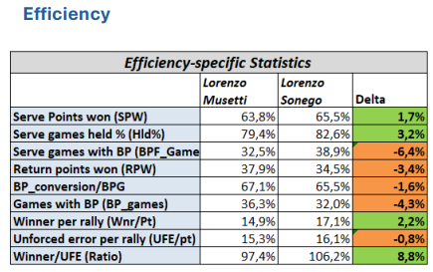
deep | 1 | Return deep % | Return | 0 | 10 | 0 | mcp_m_stats_returndepth |  | 1 | 1
very_deep | 1 | Return very deep % | Return | 0 | 11 | 0 | mcp_m_stats_returndepth |  | 1 | 1
unforced | -1 | Return unforced % | Return | 0 | 12 | 0 | mcp_m_stats_returndepth |  | 1 | 1
crosscourt | 0 | Cross court % | Tactics | 0 | 4 | 1 | mcp_m_stats_shotdirection |  | 1 | 1
down_middle | 0 | Down middle % | Tactics | 0 | 7 | 1 | mcp_m_stats_shotdirection |  | 1 | 1
down_the_line | 0 | Down the Line % | Tactics | 0 | 5 | 1 | mcp_m_stats_shotdirection |  | 1 | 1
inside_out | 0 | Inside Out % | Tactics | 0 | 8 | 1 | mcp_m_stats_shotdirection |  | 1 | 1
inside_in | 0 | Inside In% | Tactics | 0 | 6 | 1 | mcp_m_stats_shotdirection |  | 1 | 1

