Default Prob. & Credit Spread
Credit Default Probability and Spread Estimation
S&P Default Probability Benchmarking

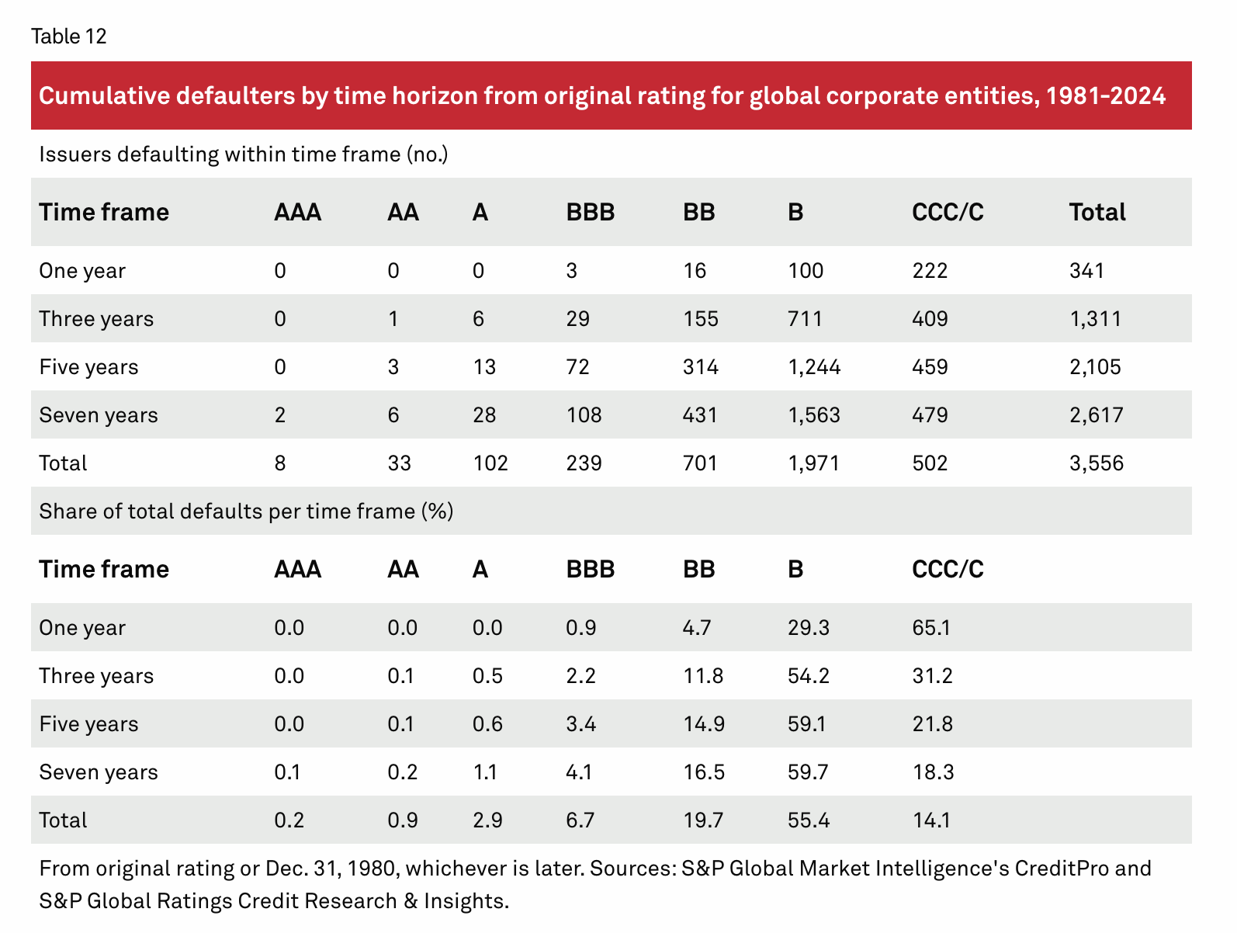
Horizon | Probability of Default
1-Year PD | 0.05%
2-Year PD | 0.11%

Assigned internal rating: A

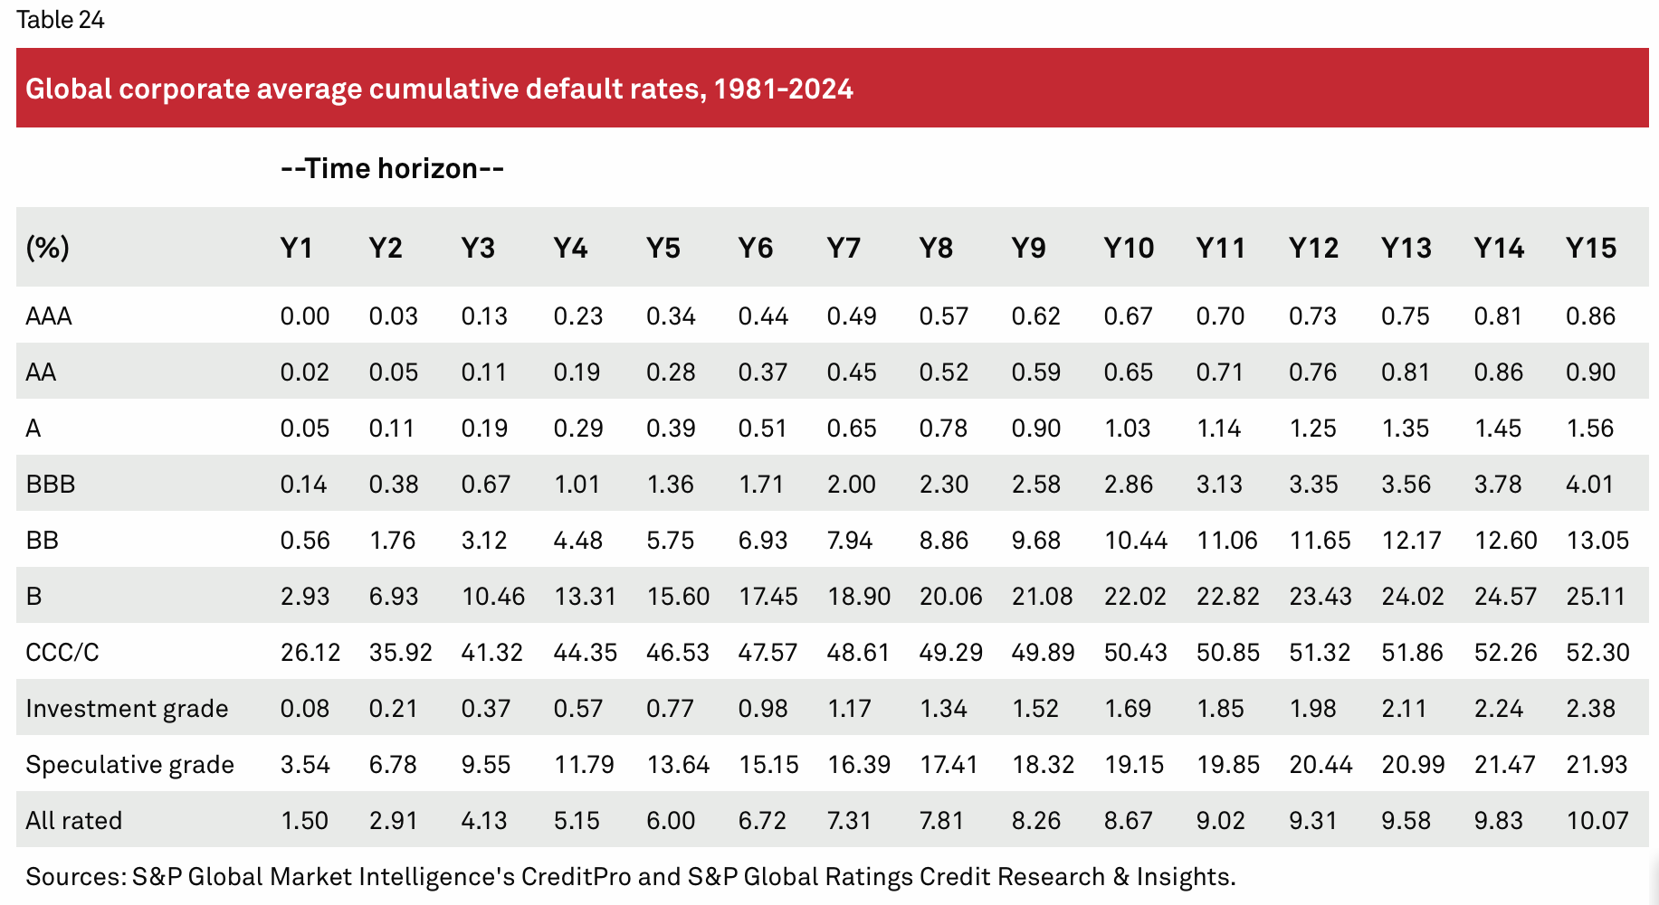

The approved borrower was internally classified as A-rated. Based on S&P historical transition statistics, the estimated cumulative probability of default equals 0.05% over one year and 0.11% over two years, confirming a low-risk credit profile consistent with investment-grade borrowers.

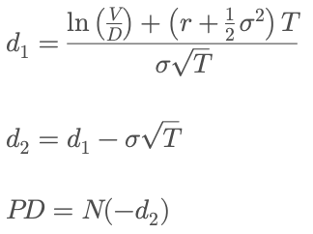
Merton Structural Credit Risk Model |  | Merton Structural Credit Risk Model The Merton (1974) model is a structural credit risk framework used to estimate the probability that a company will default on its debt obligations. The model is based on option pricing theory and interprets a firm’s equity as a call option on the value of its assets. Within this framework, default occurs when the market value of the firm’s assets is lower than the promised debt repayment at maturity. Consequently, the probability of default depends on the company’s leverage, asset volatility, capital structure and time remaining until debt maturity. The model is widely used in credit risk management, corporate lending and quantitative finance because it provides a forward-looking, market-implied estimate of default risk rather than relying exclusively on historical accounting information or rating agency statistics. | The Merton framework is defined by the following equations:
Market-implied default probability estimation based on firm leverage and asset volatility
Input / Metric | Value |  |  | Variable | Description
Firm | ABC |  |  | V | Market value of the firm's assets
Equity Market Cap | 2,747 |  |  | D | Face value of debt
Face Value of Debt | 3,700 |  |  | r | Risk-free interest rate
Asset Value | 6,522 |  |  | σ | Asset volatility
Asset Volatility | 0.22 |  |  | T | Time to maturity
Risk-Free Rate | 0.04 |  |  | N(-d_2) | Risk-neutral probability of default
Time to Maturity | 2
d1 | 2.235
d2 | 1.923
Risk-Neutral PD | 2.72%
Loan Decision | Approved

The model was applied to ABC Corporation after the company was internally classified as investment-grade through the discriminant credit scoring framework developed in Credit Scoring Analysis. Using the firm's estimated asset value, debt level and asset volatility, the model generated a relatively low risk-neutral probability of default over the two-year loan horizon. The results are consistent with the company's stronger balance sheet indicators, lower leverage profile and higher discriminant Z-score compared to XYZ. The analysis therefore supports the decision to approve the loan to ABC, confirming that the firm presents a substantially lower level of structural credit risk under stressed market conditions.

Comparable Bond Analysis and Market-Based Loan Pricing

Since ABC does not have publicly traded bonds outstanding, the loan spread was estimated using a comparable corporate bond issued by a company operating in the same sector and with similar credit characteristics.

Comparable Company Selection

Starbucks Corporation was selected as the benchmark issuer based on the following considerations:

operates in the consumer/service sector, similarly to ABC;
maintains significant exposure to consumer demand and retail activity;
holds an investment-grade credit profile consistent with ABC’s internal rating assessment;
has actively traded bonds with reliable secondary market pricing data.

The selected instrument was the Starbucks Corporation 3.80% bond maturing on August 15, 2025 (ISIN: US855244AQ29).

Market Data (FactSet – May 20, 2025)

Metric | Value
Coupon Rate | 3.80%
Bond Price | 99.792
Yield to Maturity (YTM) | 4.634%
Spread to Treasury | 66,2 bps
Credit Rating | BBB+
Maturity Date | August 15, 2025

Loan Pricing Framework

A 2-year U.S. Treasury yield of 4.00% was used as the risk-free benchmark.
Given the similarity between ABC’s risk profile and the selected comparable bond, the observed market spread was used to estimate the appropriate pricing for the proposed USD 100 million bullet loan.

Loan Rate = 4.00% + 0.662% = 4.662%

Implied Loan Repayment

Assuming annual compounding over a 2-year maturity:

100 × (1 + 0.04662)^2
= USD 109.54 million

Metric | Value
Loan Principal | USD 100.00M
Implied Repayment at Maturity | USD 109.54M
Total Interest Cost | USD 9.54M

Conclusion

Using a market-based comparable bond approach, the estimated fair lending rate for ABC is 4.662%, corresponding to a credit spread of 66.2 basis points above the U.S. Treasury curve.
The analysis suggests that ABC can be financed at investment-grade conditions, with a relatively limited spread reflecting its stronger balance sheet profile and lower estimated default risk compared to distressed firms.

Comparative Analysis of Credit Risk Methodologies

Three different methodologies were applied to assess ABC’s credit risk profile and determine an appropriate interest rate for the proposed 2-year USD 100 million loan facility:

historical default statistics from S&P Global Ratings;
the Merton (1973) structural credit risk model;
a market-based approach using corporate bond spreads from a comparable issuer.

Rating-Based Approach (S&P Global Data)

Using S&P Global cumulative default statistics, the estimated probability of default (PD) for an internally A-rated borrower was:

1-Year PD: 0.05%
2-Year PD: 0.11%

This methodology is transparent and grounded in long-term historical default experience across rating categories. It provides a stable benchmark for credit assessment, although it remains backward-looking and does not fully capture firm-specific market dynamics or changes in capital structure.

Merton Structural Credit Risk Model

The Merton (1973) framework models corporate equity as a call option on firm assets and defines default as the event where the firm’s asset value falls below debt obligations at maturity.
Using ABC’s estimated asset value, debt level, asset volatility, risk-free rate, and a 2-year maturity horizon, the following metrics were obtained:

d1 = 2.235
d2 = 1.923
Risk-Neutral Probability of Default = 2.72%

The structural approach is theoretically robust and forward-looking because it incorporates leverage dynamics and market-implied risk measures. However, the model remains highly sensitive to volatility assumptions and estimated asset values, which can materially affect the resulting probability of default.

Market-Based Comparable Bond Approach

Since ABC does not have publicly traded bonds outstanding, Starbucks Corporation was selected as a comparable issuer operating in the same consumer/service sector and maintaining an investment-grade credit profile.
Using secondary market bond data, the following market-implied metrics were observed:

Yield to Maturity (YTM): 4.634%
Credit Spread: 66.2 basis points above the 2-year U.S. Treasury yield

This approach reflects real-time investor expectations and observable market pricing of credit risk. While highly practical and market-oriented, the methodology depends on the quality of the comparable issuer selection and prevailing market conditions.

Final Assessment

Each methodology provides a different perspective on ABC’s credit quality:

the rating-based approach offers long-term historical consistency;
the Merton model provides a structural and forward-looking estimate of default risk;
the market-based approach reflects current investor sentiment and observable pricing conditions.

Given the consistency between ABC’s internal rating profile and the observed market spread of the comparable issuer, the market-based framework was considered the most appropriate methodology for pricing the proposed loan facility.
The recommended lending rate for the 2-year USD 100 million bullet loan is therefore estimated at approximately 4.66%.

