Sheet1
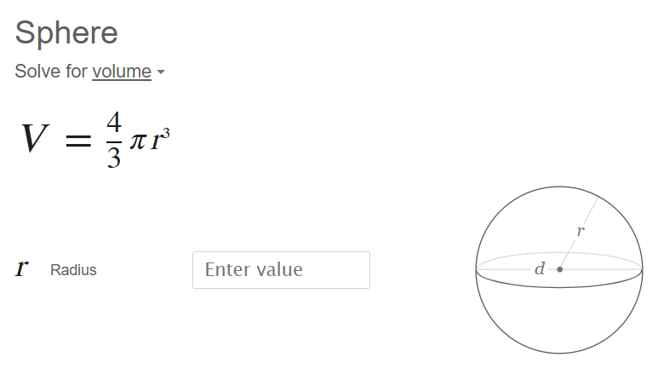
Total Mass Allowed | 25 | kg

Base Cylinder | Value | Units
quantity | 1 |  | Ixx | 0.57397959184
r | 25 | cm | Iyy | 0.57397959184
h | 30 | cm | Izz | 0.77564809708
V | 58904.862255 | cm^3
m | 24.820739106 | kg

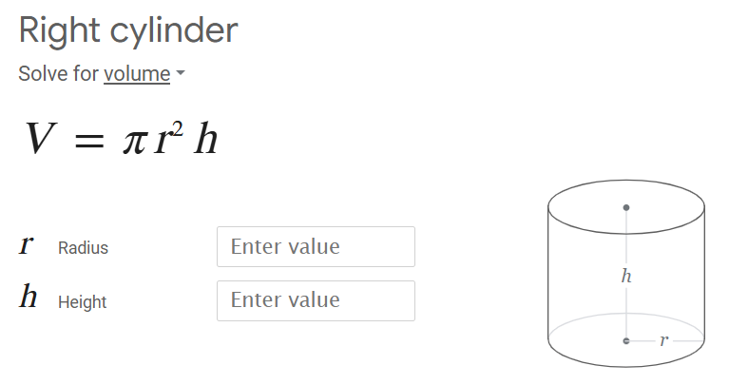
Wheel | Value | Units
quantity | 2 |  | Ixx | 9.583563155E-06
r | 2.5 | cm | Iyy | 9.583563155E-06
h | 4 | cm | Izz | 1.0341974628E-05
V | 78.53981634 | cm^3
m | 0.033094318809 | kg

Caster | Value | Units
quantity | 2 |  | Ixx | 6.8946497518E-06
r | 2.5 | cm | Iyy | 6.8946497518E-06
V | 65.44984695 | cm^3 | Izz | 6.8946497518E-06
m | 0.027578599007 | kg

Laser | Value | Units
quantity | 1 |  | Ixx | 3.2697876448E-05
r | 2.5 | cm | Iyy | 3.2697876448E-05
h | 7 | cm | Izz | 0.00014189189189
V | 137.44467859 | cm^3
m | 0.057915057915 | kg

Total Volume (Sum) | 59330.28626 | cm^3

