KPIs
 | Total generation (MWh) | name | Energy (MWh) | Power (MW) | Duration (h) | Battery charge (MWh) | Battery discharge (MWh) | Throughput (MWh) | Equivalent cycles | Real efficiency | Utilization factor | Hours SOC 0–5% | Hours SOC 95–100%
PV | 6164.47 | BatteryStore_3_0 | 1200 | 200 | 6 | 16251.3 | 12351 | 28602.3 | 11.9 | 0.76 | 0.1838 | 58 | 39
Wind | 57214.18 | BatteryStore_1_1 | 1000 | 500 | 2 | 46038.6 | 46038.6 | 92077.3 | 46 | 1 | 0.274 | 100 | 76
Dispatch | 134338.44
Grid import | 28006.69
Battery discharge | 58389.63
Total | 284113.4

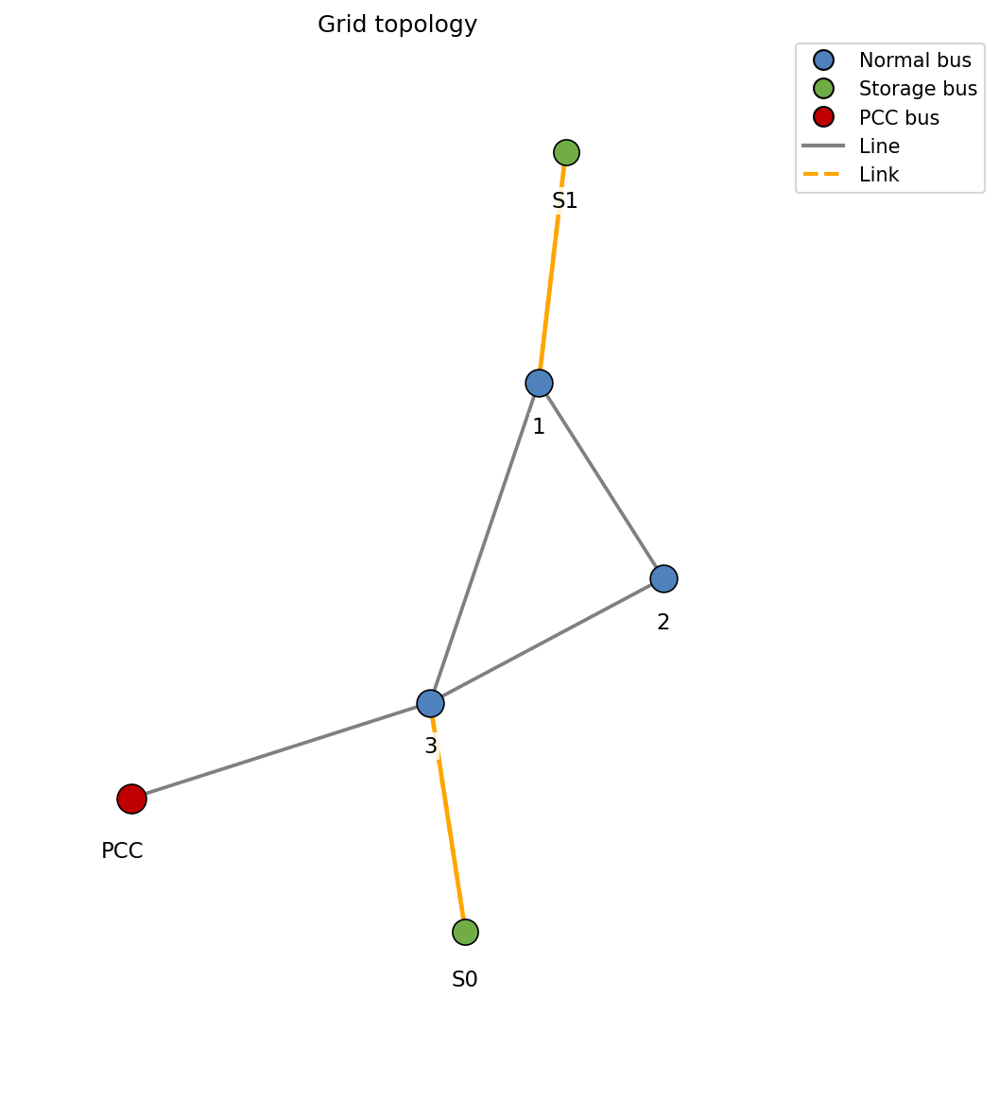
 | Total consumption (MWh)
Served load | 219653.25
Unserved load | 238617.01
Grid export | 2170.21
Battery charge | 62289.94
Total | 284113.4

 | Open interactive Sankey

 | Total battery loses (MWh)
 | 3900.31
 | 6.26 %

 | Renewable data
Renewable share | 13.83 %
Total available renewable (MWh) | 63378.65
Total used renewable (MWh) | 63378.65
Curtailment (MWh) | 0
Curtailment (%) | 0

dispatch
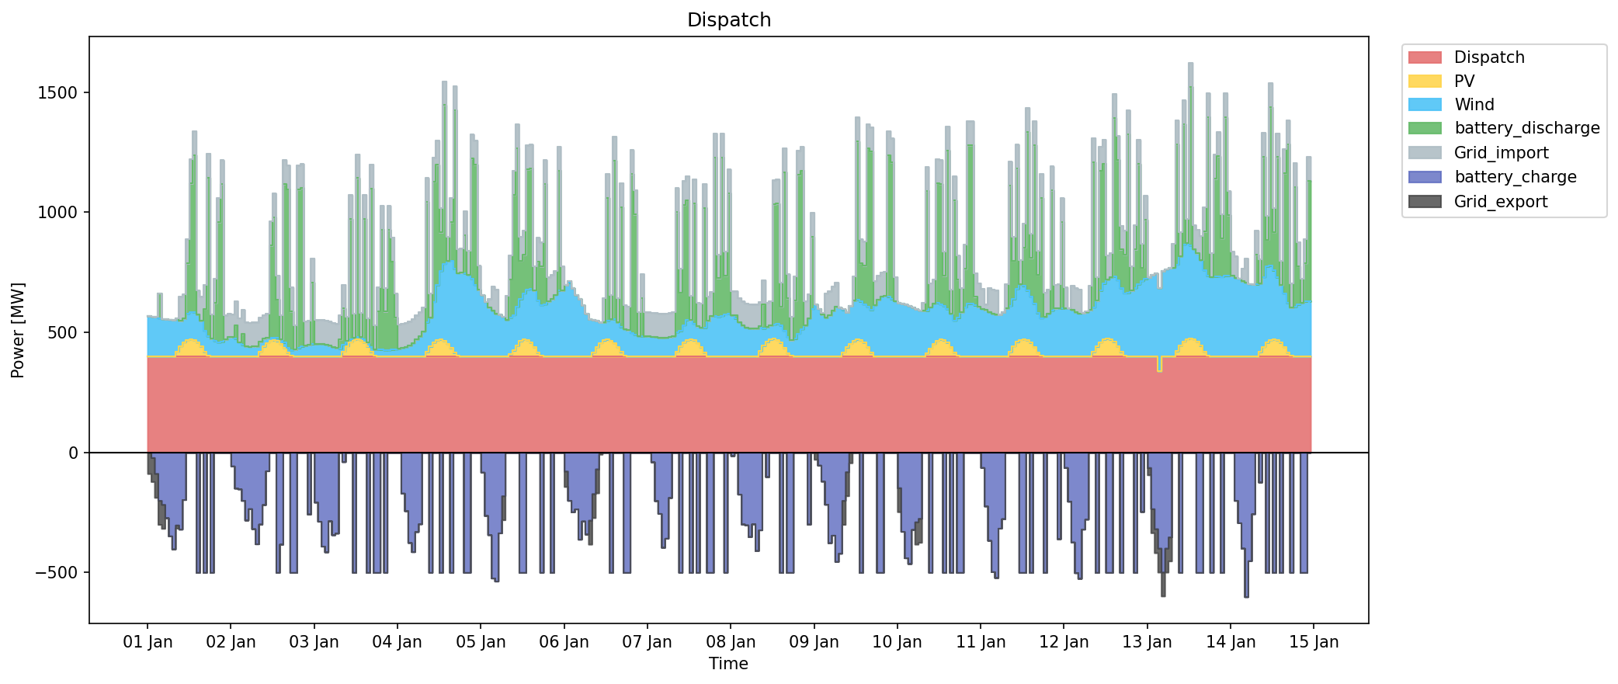
snapshot | PV | Wind | battery_discharge | Dispatch | Grid_import | battery_charge | Grid_export | shedding
2022-01-01 | 0 | 166.73 | 0 | 400 | 0 | 0 | -88.32 | 0
2022-01-01 | 0 | 165.81 | 0 | 400 | 0 | -21.49 | -100 | 0
2022-01-01 | 0 | 163.62 | 0 | 400 | 0 | -87.6 | -100 | 0
2022-01-01 | 0 | 159.45 | 103.88 | 400 | 0 | -200 | -100 | 0
2022-01-01 | 0 | 156.25 | 0 | 400 | 0 | -216.66 | -100 | 0
2022-01-01 | 0 | 154.45 | 0 | 400 | 0 | -272.39 | 0 | 0
2022-01-01 | 0 | 153.63 | 0 | 400 | 0 | -347.95 | 0 | 0
2022-01-01 | 0.65 | 150.22 | 0 | 400 | 0 | -402.35 | 0 | 0
2022-01-01 | 20.67 | 136.64 | 0 | 400 | 0 | -302.4 | -13.04 | 0
2022-01-01 | 42.9 | 104.57 | 0 | 400 | 100 | -319.73 | 0 | 0
2022-01-01 | 59.41 | 98.23 | 0 | 400 | 100 | -196.48 | 0 | 0
2022-01-01 | 69.03 | 109.47 | 208.21 | 400 | 100 | 0 | 0 | 0
2022-01-01 | 72.15 | 113.7 | 533.89 | 400 | 100 | 0 | 0 | 0
2022-01-01 | 68.64 | 115.9 | 653.79 | 400 | 100 | 0 | 0 | 367.71
2022-01-01 | 58.63 | 115.95 | 0 | 400 | 100 | -500 | 0 | 1222.02
2022-01-01 | 41.86 | 106.41 | 0 | 400 | 100 | 0 | 0 | 602.13
2022-01-01 | 18.72 | 89.31 | 90.37 | 400 | 100 | -500 | 0 | 1165.83
2022-01-01 | 3.25 | 81.09 | 660 | 400 | 100 | 0 | 0 | 11.99
2022-01-01 | 0 | 73.41 | 0 | 400 | 100 | -500 | 0 | 1180.65
2022-01-01 | 0 | 64.78 | 158.37 | 400 | 100 | 0 | 0 | 681.96
2022-01-01 | 0 | 58.49 | 500 | 400 | 100 | 0 | 0 | 406.49
2022-01-01 | 0 | 61.05 | 655.38 | 400 | 100 | 0 | 0 | 178.6
2022-01-01 | 0 | 70.75 | 0 | 400 | 100 | 0 | 0 | 494.7
2022-01-01 | 0 | 79.33 | 0 | 400 | 100 | 0 | 0 | 165.35
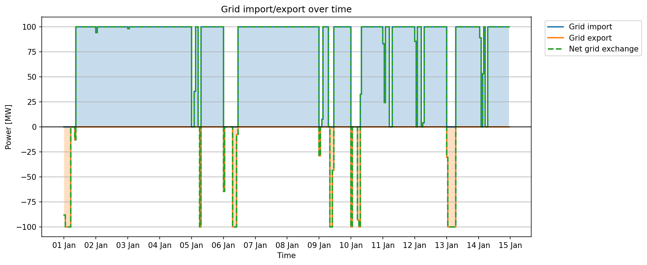
2022-01-02 | 0 | 81.41 | 0 | 400 | 94.21 | -56.8 | 0 | 0
2022-01-02 | 0 | 73.94 | 56.8 | 400 | 100 | -148.89 | 0 | 0
2022-01-02 | 0 | 59.87 | 0 | 400 | 100 | -152.09 | 0 | 0
2022-01-02 | 0 | 47.92 | 46.09 | 400 | 100 | -200 | 0 | 0
2022-01-02 | 0 | 41.62 | 0 | 400 | 100 | -281.79 | 0 | 0
2022-01-02 | 0 | 40.45 | 0 | 400 | 100 | -234.58 | 0 | 0
2022-01-02 | 0 | 41.11 | 0 | 400 | 100 | -318.06 | 0 | 0
2022-01-02 | 0.78 | 41.06 | 0 | 400 | 100 | -380.77 | 0 | 0
2022-01-02 | 20.54 | 40.48 | 0 | 400 | 100 | -298.72 | 0 | 0
2022-01-02 | 41.47 | 31.55 | 0 | 400 | 100 | -217.6 | 0 | 0
2022-01-02 | 56.68 | 20.17 | 0 | 400 | 100 | -76.75 | 0 | 0
2022-01-02 | 66.04 | 13.23 | 382.33 | 400 | 100 | 0 | 0 | 0
2022-01-02 | 67.99 | 11.2 | 500 | 400 | 100 | 0 | 0 | 243.56
2022-01-02 | 63.31 | 13.71 | 160 | 400 | 100 | -500 | 0 | 1613.11
2022-01-02 | 52.65 | 18.37 | 0 | 400 | 100 | -382.33 | 0 | 1325.85
2022-01-02 | 36.14 | 20.63 | 660 | 400 | 100 | 0 | 0 | 139.24
2022-01-02 | 15.86 | 20.47 | 660 | 400 | 100 | 0 | 0 | 283.13
2022-01-02 | 3.38 | 23.14 | 160 | 400 | 100 | -500 | 0 | 1175.92
2022-01-02 | 0 | 28.19 | 0 | 400 | 100 | -500 | 0 | 1331.79
2022-01-02 | 0 | 34.54 | 660 | 400 | 100 | 0 | 0 | 329.24
2022-01-02 | 0 | 41 | 660 | 400 | 100 | 0 | 0 | 387.71
2022-01-02 | 0 | 45.53 | 0 | 400 | 100 | 0 | 0 | 967.31
2022-01-02 | 0 | 47.86 | 0 | 400 | 100 | -256.76 | 0 | 864.34
2022-01-02 | 0 | 50.81 | 256.76 | 400 | 100 | 0 | 0 | 0
2022-01-03 | 0 | 52.27 | 0 | 400 | 98.27 | -207.15 | 0 | 0
2022-01-03 | 0 | 52.9 | 0 | 400 | 100 | -286.9 | 0 | 0
2022-01-03 | 0 | 52.42 | 0 | 400 | 100 | -390.41 | 0 | 0
2022-01-03 | 0 | 49.7 | 0 | 400 | 100 | -414.3 | 0 | 0
2022-01-03 | 0 | 44.7 | 0 | 400 | 100 | -285.21 | 0 | 0
2022-01-03 | 0 | 39.59 | 0 | 400 | 100 | -343.01 | 0 | 0
2022-01-03 | 0 | 35.27 | 0 | 400 | 100 | -336.18 | 0 | 0
2022-01-03 | 0.78 | 31.38 | 38.62 | 400 | 100 | 0 | 0 | 0
2022-01-03 | 21.06 | 27.83 | 150.05 | 400 | 100 | -38.62 | 0 | 984.52
2022-01-03 | 43.42 | 20.12 | 0 | 400 | 100 | 0 | 0 | 1825.92
2022-01-03 | 59.8 | 11.17 | 500 | 400 | 100 | 0 | 0 | 1456.14
2022-01-03 | 69.29 | 8.67 | 0 | 400 | 100 | -500 | 0 | 2309.17
2022-01-03 | 72.15 | 9.95 | 660 | 400 | 100 | 0 | 0 | 1590.18
2022-01-03 | 68.64 | 12.43 | 0 | 400 | 100 | 0 | 0 | 1840.46
2022-01-03 | 58.5 | 14.17 | 500 | 400 | 100 | 0 | 0 | 872.69
2022-01-03 | 41.6 | 15.93 | 0 | 400 | 100 | -500 | 0 | 2234.06
2022-01-03 | 18.46 | 20.95 | 660 | 400 | 100 | 0 | 0 | 657.63
2022-01-03 | 3.25 | 26.22 | 0 | 400 | 100 | -500 | 0 | 1883.97
2022-01-03 | 0 | 28.83 | 160 | 400 | 100 | -500 | 0 | 1858.05
2022-01-03 | 0 | 28.07 | 500 | 400 | 100 | 0 | 0 | 991.6
2022-01-03 | 0 | 26.01 | 160 | 400 | 100 | -500 | 0 | 2035.38
2022-01-03 | 0 | 26.45 | 500 | 400 | 100 | 0 | 0 | 738.86
2022-01-03 | 0 | 28.04 | 368.05 | 400 | 100 | 0 | 0 | 485.73
2022-01-03 | 0 | 29.69 | 131.95 | 400 | 100 | 0 | 0 | 0
2022-01-04 | 0 | 32.99 | 0 | 400 | 100 | 0 | 0 | 43.29
2022-01-04 | 0 | 36.66 | 0 | 400 | 100 | -169.83 | 0 | 0
2022-01-04 | 0 | 39.84 | 0 | 400 | 100 | -243.02 | 0 | 0
2022-01-04 | 0 | 44.88 | 0 | 400 | 100 | -375.41 | 0 | 0
2022-01-04 | 0 | 56.4 | 0 | 400 | 100 | -413.39 | 0 | 0
2022-01-04 | 0 | 70.42 | 0 | 400 | 100 | -329.96 | 0 | 0
2022-01-04 | 0 | 84.33 | 0 | 400 | 100 | -297.42 | 0 | 0
2022-01-04 | 0.65 | 103.9 | 0 | 400 | 100 | 0 | 0 | 217.25
2022-01-04 | 18.59 | 123.48 | 500 | 400 | 100 | 0 | 0 | 384.32
2022-01-04 | 40.56 | 121.23 | 0 | 400 | 100 | -500 | 0 | 2045.46
2022-01-04 | 58.11 | 169.77 | 500 | 400 | 100 | 0 | 0 | 964.5
2022-01-04 | 68.25 | 229.18 | 500 | 400 | 100 | 0 | 0 | 1056.26
2022-01-04 | 70.59 | 285.61 | 160 | 400 | 100 | -500 | 0 | 1718.82
2022-01-04 | 65.13 | 320.97 | 660 | 400 | 100 | 0 | 0 | 1303.63
2022-01-04 | 52.91 | 344.76 | 0 | 400 | 100 | 0 | 0 | 1463.12
2022-01-04 | 35.36 | 364 | 160 | 400 | 100 | -500 | 0 | 1693.48
2022-01-04 | 14.82 | 350.76 | 660 | 400 | 100 | 0 | 0 | 553.73
2022-01-04 | 3.38 | 344.13 | 0 | 400 | 100 | 0 | 0 | 1251.14
2022-01-04 | 0 | 347.88 | 0 | 400 | 100 | 0 | 0 | 1383.84
2022-01-04 | 0 | 345.94 | 160 | 400 | 100 | -500 | 0 | 1515.64
2022-01-04 | 0 | 340.43 | 0 | 400 | 100 | -500 | 0 | 1756.16
2022-01-04 | 0 | 323.77 | 500 | 400 | 100 | 0 | 0 | 537.13
2022-01-04 | 0 | 298.32 | 500 | 400 | 100 | 0 | 0 | 237.71
2022-01-04 | 0 | 276.75 | 0 | 400 | 100 | 0 | 0 | 210.34
2022-01-05 | 0 | 256.01 | 0 | 400 | 0 | -82.47 | -0.14 | 0
2022-01-05 | 0 | 227.88 | 0 | 400 | 0 | -262.87 | 0 | 0
2022-01-05 | 0 | 202.55 | 0 | 400 | 35.6 | -342.81 | 0 | 0
2022-01-05 | 0 | 191.74 | 0 | 400 | 100 | -523.11 | 0 | 0
2022-01-05 | 0 | 178.23 | 0 | 400 | 100 | -535.92 | 0 | 0
2022-01-05 | 0 | 174.54 | 0 | 400 | 0 | -335.28 | 0 | 0
2022-01-05 | 0 | 166.17 | 0 | 400 | 0 | -180.69 | -100 | 0
2022-01-05 | 0.26 | 152.65 | 0 | 400 | 100 | 0 | 0 | 164.8
2022-01-05 | 9.62 | 151.95 | 160 | 400 | 100 | 0 | 0 | 697.22
2022-01-05 | 24.83 | 147.9 | 500 | 400 | 100 | 0 | 0 | 1023.53
2022-01-05 | 45.37 | 161.91 | 660 | 400 | 100 | 0 | 0 | 814.19
2022-01-05 | 64.09 | 174.55 | 160 | 400 | 100 | -500 | 0 | 1943.34
2022-01-05 | 71.37 | 191.63 | 160 | 400 | 100 | -500 | 0 | 1800.89
2022-01-05 | 68.64 | 209.73 | 500 | 400 | 100 | 0 | 0 | 1557.17
2022-01-05 | 57.98 | 224.12 | 500 | 400 | 100 | 0 | 0 | 1066.93
2022-01-05 | 39.39 | 234.52 | 0 | 400 | 100 | 0 | 0 | 1467.71
2022-01-05 | 15.73 | 217.54 | 160 | 400 | 100 | 0 | 0 | 1175.68
2022-01-05 | 2.73 | 211.39 | 160 | 400 | 100 | -500 | 0 | 1714.09
2022-01-05 | 0 | 217.26 | 500 | 400 | 100 | 0 | 0 | 1003.34
2022-01-05 | 0 | 228.62 | 0 | 400 | 100 | 0 | 0 | 1282.89
2022-01-05 | 0 | 238.18 | 0 | 400 | 100 | -500 | 0 | 1847.97
2022-01-05 | 0 | 256.94 | 0 | 400 | 100 | 0 | 0 | 1094.69
2022-01-05 | 0 | 273.99 | 500 | 400 | 100 | 0 | 0 | 254.38
2022-01-05 | 0 | 274.16 | 0 | 400 | 100 | 0 | 0 | 208.02
2022-01-06 | 0 | 296.49 | 0 | 400 | 0 | -77.72 | -64.69 | 0
2022-01-06 | 0 | 306.25 | 8.33 | 400 | 0 | -200 | 0 | 0
2022-01-06 | 0 | 283.08 | 0 | 400 | 0 | -247.6 | 0 | 0
2022-01-06 | 0 | 256.21 | 0 | 400 | 0 | -235.42 | 0 | 0
2022-01-06 | 0 | 239.11 | 0 | 400 | 0 | -361.62 | 0 | 0
2022-01-06 | 0 | 212.56 | 0 | 400 | 0 | -285.9 | 0 | 0
2022-01-06 | 0 | 178.37 | 0 | 400 | 0 | -340.16 | 0 | 0
2022-01-06 | 0.52 | 153.88 | 0 | 400 | 0 | -282.39 | -100 | 0
2022-01-06 | 16.77 | 135.22 | 0 | 400 | 0 | -171.87 | -100 | 0
2022-01-06 | 39.39 | 108.99 | 0 | 400 | 0 | -68.81 | -100 | 0
2022-01-06 | 56.42 | 85.52 | 0 | 400 | 0 | 0 | -7.86 | 0
2022-01-06 | 66.43 | 76.46 | 0 | 400 | 100 | 0 | 0 | 384.04
2022-01-06 | 69.81 | 79.01 | 511.48 | 400 | 100 | 0 | 0 | 252.32
2022-01-06 | 66.17 | 89.49 | 0 | 400 | 100 | -500 | 0 | 1820.18
2022-01-06 | 56.16 | 98.98 | 660 | 400 | 100 | 0 | 0 | 302.31
2022-01-06 | 39.78 | 102.69 | 0 | 400 | 100 | 0 | 0 | 805.67
2022-01-06 | 17.94 | 103.81 | 500 | 400 | 100 | 0 | 0 | 458.23
2022-01-06 | 2.34 | 111.93 | 0 | 400 | 100 | -500 | 0 | 1340.73
2022-01-06 | 0 | 108.54 | 0 | 400 | 100 | -500 | 0 | 1343.83
2022-01-06 | 0 | 98.6 | 660 | 400 | 100 | 0 | 0 | 368.71
2022-01-06 | 0 | 90.39 | 500 | 400 | 100 | 0 | 0 | 606.26
2022-01-06 | 0 | 85.19 | 0 | 400 | 100 | 0 | 0 | 1030.44
2022-01-06 | 0 | 83.87 | 160 | 400 | 100 | 0 | 0 | 490.06
2022-01-06 | 0 | 84.78 | 0 | 400 | 100 | 0 | 0 | 277.66
2022-01-07 | 0 | 83.71 | 0 | 400 | 100 | 0 | 0 | 203.78
2022-01-07 | 0 | 82.55 | 0 | 400 | 100 | -39.54 | 0 | 0
2022-01-07 | 0 | 81.24 | 0 | 400 | 100 | -201.06 | 0 | 0
2022-01-07 | 0 | 78.02 | 0 | 400 | 100 | -254.44 | 0 | 0
2022-01-07 | 0 | 77.89 | 0 | 400 | 100 | -395.29 | 0 | 0
2022-01-07 | 0 | 78.69 | 0 | 400 | 100 | -357.72 | 0 | 0
2022-01-07 | 0 | 79.74 | 0 | 400 | 100 | -188.12 | 0 | 0
2022-01-07 | 1.04 | 83.3 | 0 | 400 | 100 | 0 | 0 | 228.22
2022-01-07 | 20.41 | 80.44 | 500 | 400 | 100 | 0 | 0 | 437.37
2022-01-07 | 42.25 | 63.81 | 160 | 400 | 100 | -500 | 0 | 1611.7
2022-01-07 | 58.5 | 72.08 | 500 | 400 | 100 | 0 | 0 | 1166.08
2022-01-07 | 67.99 | 83.14 | 500 | 400 | 100 | 0 | 0 | 1219.19
2022-01-07 | 70.59 | 80.21 | 0 | 400 | 100 | -500 | 0 | 2099.44
2022-01-07 | 67.34 | 69.47 | 500 | 400 | 100 | 0 | 0 | 1301.07
2022-01-07 | 56.42 | 68.24 | 0 | 400 | 100 | -500 | 0 | 2122.32
2022-01-07 | 38.87 | 81.46 | 0 | 400 | 100 | 0 | 0 | 1757.26
2022-01-07 | 15.99 | 102.93 | 500 | 400 | 100 | 0 | 0 | 1236.44
2022-01-07 | 1.43 | 146.68 | 0 | 400 | 100 | -500 | 0 | 2171.75
2022-01-07 | 0 | 167.97 | 0 | 400 | 100 | -500 | 0 | 2328.05
2022-01-07 | 0 | 168.58 | 660 | 400 | 100 | 0 | 0 | 1094.56
2022-01-07 | 0 | 165.13 | 160 | 400 | 100 | 0 | 0 | 1442.31
2022-01-07 | 0 | 169.26 | 660 | 400 | 100 | 0 | 0 | 802.8
2022-01-07 | 0 | 176.14 | 160 | 400 | 100 | -500 | 0 | 1263.28
2022-01-07 | 0 | 178.63 | 500 | 400 | 100 | 0 | 0 | 31.9
2022-01-08 | 0 | 171.53 | 0 | 400 | 100 | -13.61 | 0 | 46.66
2022-01-08 | 0 | 157.87 | 13.61 | 400 | 100 | 0 | 0 | 0
2022-01-08 | 0 | 143.18 | 0 | 400 | 100 | -174.06 | 0 | 0
2022-01-08 | 0 | 128.85 | 0 | 400 | 100 | -298.53 | 0 | 0
2022-01-08 | 0 | 120.27 | 0 | 400 | 100 | -302.16 | 0 | 0
2022-01-08 | 0 | 117.15 | 0 | 400 | 100 | -350.59 | 0 | 0
2022-01-08 | 0 | 116.2 | 0 | 400 | 100 | -297.73 | 0 | 0
2022-01-08 | 1.04 | 115.14 | 0 | 400 | 100 | -408.85 | 0 | 0
2022-01-08 | 22.62 | 104.83 | 0 | 400 | 100 | -322.62 | 0 | 0
2022-01-08 | 44.07 | 72.18 | 101.09 | 400 | 100 | 0 | 0 | 0
2022-01-08 | 60.58 | 62.35 | 0 | 400 | 100 | -101.09 | 0 | 576.45
2022-01-08 | 70.46 | 58.59 | 0 | 400 | 100 | 0 | 0 | 1067.67
2022-01-08 | 73.32 | 59.72 | 500 | 400 | 100 | 0 | 0 | 641.37
2022-01-08 | 69.16 | 66.67 | 500 | 400 | 100 | 0 | 0 | 1242.67
2022-01-08 | 56.81 | 72.71 | 77.45 | 400 | 100 | -500 | 0 | 2055.6
2022-01-08 | 36.14 | 71.55 | 660 | 400 | 100 | 0 | 0 | 813.63
2022-01-08 | 13.65 | 68.47 | 160 | 400 | 100 | -500 | 0 | 1528.01
2022-01-08 | 2.34 | 64.23 | 0 | 400 | 100 | -500 | 0 | 1547.36
2022-01-08 | 0 | 72.9 | 160 | 400 | 100 | 0 | 0 | 1041.22
2022-01-08 | 0 | 95.27 | 660 | 400 | 100 | 0 | 0 | 358.72
2022-01-08 | 0 | 113.6 | 660 | 400 | 100 | 0 | 0 | 509.2
2022-01-08 | 0 | 129.4 | 0 | 400 | 100 | 0 | 0 | 929.52
2022-01-08 | 0 | 159.28 | 0 | 400 | 100 | -298.83 | 0 | 1047.91
2022-01-08 | 0 | 198.53 | 298.83 | 400 | 100 | 0 | 0 | 0
2022-01-09 | 0 | 216.4 | 0 | 400 | 0 | 0 | -29.16 | 0
2022-01-09 | 0 | 198.82 | 0 | 400 | 0 | -53.43 | 0 | 0
2022-01-09 | 0 | 173.86 | 0 | 400 | 7.46 | -119.77 | 0 | 0
2022-01-09 | 0 | 162.25 | 0 | 400 | 100 | -216.27 | 0 | 0
2022-01-09 | 0 | 170.46 | 0 | 400 | 100 | -376.37 | 0 | 0
2022-01-09 | 0 | 191.18 | 0 | 400 | 100 | -344.96 | 0 | 0
2022-01-09 | 0 | 206.89 | 0 | 400 | 100 | -454.42 | 0 | 0
2022-01-09 | 1.17 | 201.23 | 0 | 400 | 0 | -420.09 | 0 | 0
2022-01-09 | 17.55 | 176.54 | 2.8 | 400 | 0 | -200 | -100 | 0
2022-01-09 | 37.44 | 145.52 | 0 | 400 | 0 | -80.66 | -100 | 0
2022-01-09 | 53.43 | 156.1 | 0 | 400 | 0 | 0 | -43.48 | 0
2022-01-09 | 63.83 | 169.03 | 0 | 400 | 100 | 0 | 0 | 355.55
2022-01-09 | 69.68 | 165.54 | 660 | 400 | 100 | 0 | 0 | 101.98
2022-01-09 | 67.99 | 160.47 | 160 | 400 | 100 | -500 | 0 | 1705.66
2022-01-09 | 57.72 | 159.79 | 160 | 400 | 100 | 0 | 0 | 836.77
2022-01-09 | 39.52 | 167.97 | 660 | 400 | 100 | 0 | 0 | 167.35
2022-01-09 | 15.99 | 177.64 | 660 | 400 | 100 | 0 | 0 | 320.94
2022-01-09 | 1.56 | 212.66 | 0 | 400 | 100 | 0 | 0 | 827.89
2022-01-09 | 0 | 235.47 | 0 | 400 | 100 | -500 | 0 | 1303.85
2022-01-09 | 0 | 250.63 | 0 | 400 | 100 | -500 | 0 | 1474.1
2022-01-09 | 0 | 251.69 | 0 | 400 | 100 | 0 | 0 | 1046.54
2022-01-09 | 0 | 247.6 | 590.84 | 400 | 100 | 0 | 0 | 373.92
2022-01-09 | 0 | 238.65 | 569.16 | 400 | 100 | 0 | 0 | 0
2022-01-09 | 0 | 230.88 | 0 | 400 | 100 | 0 | 0 | 183.2
2022-01-10 | 0 | 222.01 | 0 | 400 | 0 | -147.12 | -100 | 0
2022-01-10 | 0 | 219.39 | 0 | 400 | 0 | -328.99 | 0 | 0
2022-01-10 | 0 | 215.86 | 0 | 400 | 0 | -438.98 | 0 | 0
2022-01-10 | 0 | 210.75 | 0 | 400 | 0 | -462.93 | 0 | 0
2022-01-10 | 0 | 204.54 | 0 | 400 | 0 | -321.26 | 0 | 0
2022-01-10 | 0 | 196.92 | 0 | 400 | 0 | -289.16 | -93.15 | 0
2022-01-10 | 0 | 192.08 | 0 | 400 | 0 | -274.73 | -100 | 0
2022-01-10 | 0.52 | 189.89 | 0 | 400 | 32.74 | 0 | 0 | 0
2022-01-10 | 13.26 | 176.19 | 500 | 400 | 100 | 0 | 0 | 606.26
2022-01-10 | 34.06 | 171.32 | 0 | 400 | 100 | -500 | 0 | 2403.26
2022-01-10 | 52.91 | 168.04 | 0 | 400 | 100 | 0 | 0 | 2037.96
2022-01-10 | 65.78 | 156.26 | 500 | 400 | 100 | 0 | 0 | 1384.05
2022-01-10 | 70.46 | 147.17 | 500 | 400 | 100 | 0 | 0 | 1874.45
2022-01-10 | 67.34 | 142.97 | 124.88 | 400 | 100 | -500 | 0 | 2308.45
2022-01-10 | 57.07 | 140.31 | 660 | 400 | 100 | 0 | 0 | 766.42
2022-01-10 | 39.78 | 138.66 | 0 | 400 | 100 | -500 | 0 | 2323.34
2022-01-10 | 16.51 | 132.9 | 500 | 400 | 100 | 0 | 0 | 877.97
2022-01-10 | 2.21 | 157.99 | 160 | 400 | 100 | -500 | 0 | 1768.75
2022-01-10 | 0 | 183.46 | 0 | 400 | 100 | -500 | 0 | 2051.18
2022-01-10 | 0 | 205.1 | 160 | 400 | 100 | 0 | 0 | 1339.83
2022-01-10 | 0 | 218.7 | 660 | 400 | 100 | 0 | 0 | 1046.45
2022-01-10 | 0 | 219.36 | 660 | 400 | 100 | 0 | 0 | 547.88
2022-01-10 | 0 | 212.35 | 35.12 | 400 | 100 | 0 | 0 | 761.1
2022-01-10 | 0 | 205.47 | 0 | 400 | 100 | 0 | 0 | 16.86
2022-01-11 | 0 | 198.65 | 0 | 400 | 82.92 | -63.16 | 0 | 0
2022-01-11 | 0 | 192.66 | 0 | 400 | 24.23 | -223.24 | 0 | 0
2022-01-11 | 0 | 185.08 | 0 | 400 | 100 | -366.55 | 0 | 0
2022-01-11 | 0 | 178.68 | 0 | 400 | 100 | -496.81 | 0 | 0
2022-01-11 | 0 | 174.79 | 0 | 400 | 100 | -521.32 | 0 | 0
2022-01-11 | 0 | 173.9 | 0 | 400 | 0 | -315.87 | 0 | 0
2022-01-11 | 0 | 184.09 | 0 | 400 | 0 | -276.21 | 0 | 0
2022-01-11 | 0.91 | 199.02 | 0 | 400 | 100 | 0 | 0 | 181.95
2022-01-11 | 19.11 | 192.01 | 500 | 400 | 100 | 0 | 0 | 426.87
2022-01-11 | 43.16 | 195.38 | 160 | 400 | 100 | 0 | 0 | 1470.07
2022-01-11 | 59.93 | 221.65 | 500 | 400 | 100 | 0 | 0 | 1071.09
2022-01-11 | 69.42 | 231.74 | 0 | 400 | 100 | -500 | 0 | 2224.62
2022-01-11 | 72.02 | 221.18 | 160 | 400 | 100 | -500 | 0 | 1945.22
2022-01-11 | 67.86 | 206.58 | 660 | 400 | 100 | 0 | 0 | 1623.63
2022-01-11 | 57.07 | 192.81 | 160 | 400 | 100 | -500 | 0 | 2123.5
2022-01-11 | 39.91 | 179.76 | 660 | 400 | 100 | 0 | 0 | 1037.87
2022-01-11 | 17.68 | 162.79 | 160 | 400 | 100 | 0 | 0 | 1390.85
2022-01-11 | 3.25 | 156.38 | 500 | 400 | 100 | 0 | 0 | 1092.45
2022-01-11 | 0 | 165.95 | 0 | 400 | 100 | -500 | 0 | 2228.93
2022-01-11 | 0 | 178.89 | 0 | 400 | 100 | 0 | 0 | 1490.47
2022-01-11 | 0 | 190.63 | 500 | 400 | 100 | 0 | 0 | 1059.23
2022-01-11 | 0 | 198.94 | 0 | 400 | 100 | 0 | 0 | 1298.01
2022-01-11 | 0 | 201.64 | 0 | 400 | 100 | -359.61 | 0 | 1306.28
2022-01-11 | 0 | 199.65 | 359.61 | 400 | 100 | 0 | 0 | 0
2022-01-12 | 0 | 201.51 | 0 | 400 | 85.36 | -63.16 | 0 | 0
2022-01-12 | 0 | 200.48 | 0 | 400 | 0 | -203.45 | 0 | 0
2022-01-12 | 0 | 194.6 | 0 | 400 | 100 | -373.34 | 0 | 0
2022-01-12 | 0 | 184.35 | 0 | 400 | 100 | -500.92 | 0 | 0
2022-01-12 | 0 | 179.45 | 0 | 400 | 100 | -524.66 | 0 | 0
2022-01-12 | 0 | 179.85 | 0 | 400 | 0 | -319.6 | 0 | 0
2022-01-12 | 0 | 184.79 | 0 | 400 | 3.76 | -278.02 | 0 | 0
2022-01-12 | 0.78 | 192.15 | 0 | 400 | 100 | 0 | 0 | 196.53
2022-01-12 | 18.72 | 185.67 | 604.85 | 400 | 100 | 0 | 0 | 342.8
2022-01-12 | 40.82 | 190.47 | 0 | 400 | 100 | -500 | 0 | 2157.65
2022-01-12 | 59.15 | 214.79 | 500 | 400 | 100 | 0 | 0 | 1098.92
2022-01-12 | 70.46 | 232.53 | 500 | 400 | 100 | 0 | 0 | 1244.46
2022-01-12 | 73.71 | 246.63 | 0 | 400 | 100 | -500 | 0 | 2098.66
2022-01-12 | 70.33 | 259.9 | 0 | 400 | 100 | -500 | 0 | 2754.09
2022-01-12 | 60.32 | 272.14 | 660 | 400 | 100 | 0 | 0 | 1062.66
2022-01-12 | 42.64 | 275.48 | 500 | 400 | 100 | 0 | 0 | 1120.17
2022-01-12 | 18.59 | 266.25 | 160 | 400 | 100 | -500 | 0 | 1805.64
2022-01-12 | 3.25 | 260.1 | 160 | 400 | 100 | 0 | 0 | 1348.07
2022-01-12 | 0 | 264.96 | 660 | 400 | 100 | 0 | 0 | 990.47
2022-01-12 | 0 | 273.57 | 0 | 400 | 100 | 0 | 0 | 1414.42
2022-01-12 | 0 | 284.86 | 160 | 400 | 100 | -500 | 0 | 1824.32
2022-01-12 | 0 | 300.5 | 500 | 400 | 100 | 0 | 0 | 713.59
2022-01-12 | 0 | 314.59 | 55.15 | 400 | 100 | -246.31 | 0 | 1039.04
2022-01-12 | 0 | 322.04 | 246.31 | 400 | 100 | 0 | 0 | 0
2022-01-13 | 0 | 328.59 | 0 | 400 | 0 | -63.16 | -30.38 | 0
2022-01-13 | 0 | 338.8 | 0 | 400 | 0 | -234.56 | -100 | 0
2022-01-13 | 0 | 344.99 | 0 | 400 | 0 | -317.89 | -100 | 0
2022-01-13 | 0 | 347.01 | 0 | 338.44 | 0 | -398.69 | -100 | 0
2022-01-13 | 0 | 355.69 | 0 | 400 | 0 | -498.09 | -100 | 0
2022-01-13 | 0 | 363.71 | 0 | 400 | 0 | -398.73 | -100 | 0
2022-01-13 | 0 | 368.22 | 0 | 400 | 0 | -352.05 | -100 | 0
2022-01-13 | 1.04 | 369.05 | 0 | 400 | 100 | 0 | 0 | 35.53
2022-01-13 | 22.1 | 360.81 | 500 | 400 | 100 | 0 | 0 | 299.16
2022-01-13 | 45.5 | 371.7 | 0 | 400 | 100 | -500 | 0 | 2015.16
2022-01-13 | 62.4 | 403.96 | 500 | 400 | 100 | 0 | 0 | 949.62
2022-01-13 | 72.54 | 400.76 | 0 | 400 | 100 | 0 | 0 | 1620.44
2022-01-13 | 75.66 | 386.81 | 660 | 400 | 100 | 0 | 0 | 840.5
2022-01-13 | 72.28 | 375.06 | 0 | 400 | 100 | 0 | 0 | 2193.03
2022-01-13 | 61.88 | 366.59 | 0 | 400 | 100 | -500 | 0 | 2173.09
2022-01-13 | 44.2 | 357.79 | 0 | 400 | 100 | -500 | 0 | 2080.61
2022-01-13 | 20.02 | 339.45 | 160 | 400 | 100 | 0 | 0 | 1271.91
2022-01-13 | 3.38 | 332.6 | 660 | 400 | 100 | 0 | 0 | 816.71
2022-01-13 | 0 | 331.41 | 0 | 400 | 100 | -500 | 0 | 2127.91
2022-01-13 | 0 | 331.84 | 407.6 | 400 | 100 | 0 | 0 | 988.31
2022-01-13 | 0 | 333.02 | 500 | 400 | 100 | 0 | 0 | 977.39
2022-01-13 | 0 | 331.46 | 160 | 400 | 100 | -500 | 0 | 1559.23
2022-01-13 | 0 | 334.94 | 660 | 400 | 100 | 0 | 0 | 197.75
2022-01-13 | 0 | 335.37 | 252.4 | 400 | 100 | 0 | 0 | 0
2022-01-14 | 0 | 335.29 | 0 | 400 | 100 | 0 | 0 | 59.05
2022-01-14 | 0 | 327.71 | 0 | 400 | 88.98 | -200 | 0 | 0
2022-01-14 | 0 | 324.94 | 0 | 400 | 0 | -293.18 | 0 | 0
2022-01-14 | 0 | 313.22 | 0 | 400 | 53.15 | -398.89 | 0 | 0
2022-01-14 | 0 | 308.43 | 0 | 400 | 100 | -601.06 | 0 | 0
2022-01-14 | 0 | 302.29 | 0 | 400 | 0 | -451.34 | 0 | 0
2022-01-14 | 0 | 300.3 | 0 | 400 | 0 | -255.54 | 0 | 0
2022-01-14 | 0.65 | 298.59 | 123.57 | 400 | 100 | 0 | 0 | 0
2022-01-14 | 18.72 | 286.12 | 0 | 400 | 100 | -123.57 | 0 | 1065.64
2022-01-14 | 39.91 | 290.74 | 500 | 400 | 100 | 0 | 0 | 801.88
2022-01-14 | 57.59 | 316.6 | 112 | 400 | 100 | -500 | 0 | 2122.07
2022-01-14 | 68.38 | 309.18 | 660 | 400 | 100 | 0 | 0 | 1154.36
2022-01-14 | 71.5 | 286.04 | 160 | 400 | 100 | -500 | 0 | 2037.99
2022-01-14 | 67.73 | 261.7 | 500 | 400 | 100 | 0 | 0 | 1439.2
2022-01-14 | 57.2 | 239.33 | 0 | 400 | 100 | -500 | 0 | 2255.3
2022-01-14 | 39.91 | 222.94 | 500 | 400 | 100 | 0 | 0 | 1437.32
2022-01-14 | 16.25 | 206.89 | 660 | 400 | 100 | 0 | 0 | 1291.79
2022-01-14 | 1.95 | 201.05 | 0 | 400 | 100 | -500 | 0 | 2431.61
2022-01-14 | 0 | 206.29 | 500 | 400 | 100 | 0 | 0 | 1628.37
2022-01-14 | 0 | 215.74 | 160 | 400 | 100 | 0 | 0 | 1876.17
2022-01-14 | 0 | 223.73 | 0 | 400 | 100 | -500 | 0 | 2351.33
2022-01-14 | 0 | 228.15 | 160 | 400 | 100 | -500 | 0 | 2033.17
2022-01-14 | 0 | 231.23 | 500 | 400 | 100 | 0 | 0 | 585.18
2022-01-14 | 0 | 228.6 | 500 | 400 | 100 | 0 | 0 | 146.17

renewables
time | Wind2_0_available | Wind2_0_used | Wind2_0_curtailment | PV1_1_available | PV1_1_used | PV1_1_curtailment | Wind3_2_available | Wind3_2_used | Wind3_2_curtailment | Total_available | Total_used | Total_curtailment
2022-01-01 | 40.9 | 40.9 | 0 | 0 | 0 | 0 | 125.84 | 125.84 | 0 | 166.73 | 166.73 | 0
2022-01-01 | 40.67 | 40.67 | 0 | 0 | 0 | 0 | 125.14 | 125.14 | 0 | 165.81 | 165.81 | 0
2022-01-01 | 40.13 | 40.13 | 0 | 0 | 0 | 0 | 123.49 | 123.49 | 0 | 163.62 | 163.62 | 0
2022-01-01 | 39.11 | 39.11 | 0 | 0 | 0 | 0 | 120.34 | 120.34 | 0 | 159.45 | 159.45 | 0
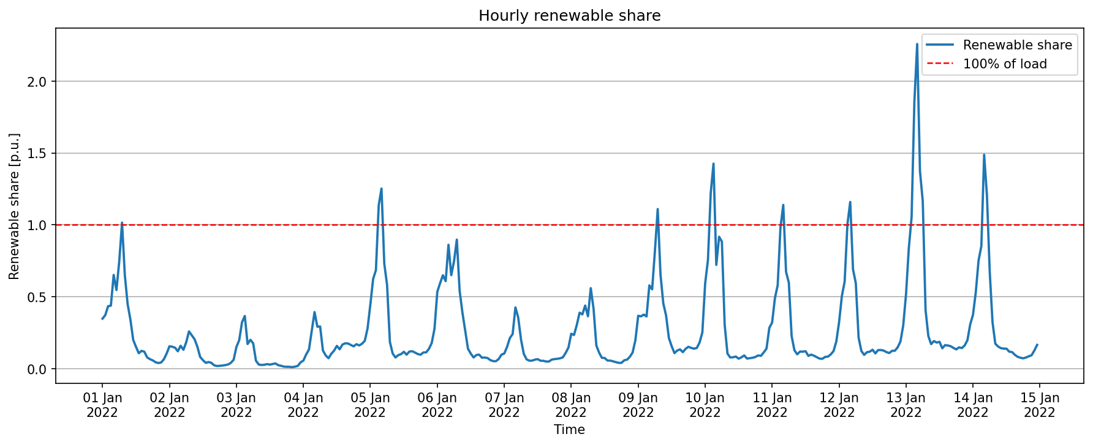
2022-01-01 | 38.33 | 38.33 | 0 | 0 | 0 | 0 | 117.93 | 117.93 | 0 | 156.25 | 156.25 | 0
2022-01-01 | 37.88 | 37.88 | 0 | 0 | 0 | 0 | 116.56 | 116.56 | 0 | 154.45 | 154.45 | 0
2022-01-01 | 37.68 | 37.68 | 0 | 0 | 0 | 0 | 115.94 | 115.94 | 0 | 153.63 | 153.63 | 0
2022-01-01 | 36.85 | 36.85 | 0 | 0.65 | 0.65 | 0 | 113.37 | 113.37 | 0 | 150.87 | 150.87 | 0
2022-01-01 | 33.52 | 33.52 | 0 | 20.67 | 20.67 | 0 | 103.12 | 103.12 | 0 | 157.31 | 157.31 | 0
2022-01-01 | 25.65 | 25.65 | 0 | 42.9 | 42.9 | 0 | 78.92 | 78.92 | 0 | 147.47 | 147.47 | 0
2022-01-01 | 24.09 | 24.09 | 0 | 59.41 | 59.41 | 0 | 74.13 | 74.13 | 0 | 157.64 | 157.64 | 0
2022-01-01 | 26.85 | 26.85 | 0 | 69.03 | 69.03 | 0 | 82.62 | 82.62 | 0 | 178.5 | 178.5 | 0
2022-01-01 | 27.89 | 27.89 | 0 | 72.15 | 72.15 | 0 | 85.81 | 85.81 | 0 | 185.85 | 185.85 | 0
2022-01-01 | 28.43 | 28.43 | 0 | 68.64 | 68.64 | 0 | 87.48 | 87.48 | 0 | 184.54 | 184.54 | 0
2022-01-01 | 28.44 | 28.44 | 0 | 58.63 | 58.63 | 0 | 87.51 | 87.51 | 0 | 174.58 | 174.58 | 0
2022-01-01 | 26.1 | 26.1 | 0 | 41.86 | 41.86 | 0 | 80.31 | 80.31 | 0 | 148.27 | 148.27 | 0
2022-01-01 | 21.91 | 21.91 | 0 | 18.72 | 18.72 | 0 | 67.41 | 67.41 | 0 | 108.03 | 108.03 | 0
2022-01-01 | 19.89 | 19.89 | 0 | 3.25 | 3.25 | 0 | 61.2 | 61.2 | 0 | 84.34 | 84.34 | 0
2022-01-01 | 18.01 | 18.01 | 0 | 0 | 0 | 0 | 55.4 | 55.4 | 0 | 73.41 | 73.41 | 0
2022-01-01 | 15.89 | 15.89 | 0 | 0 | 0 | 0 | 48.89 | 48.89 | 0 | 64.78 | 64.78 | 0
2022-01-01 | 14.35 | 14.35 | 0 | 0 | 0 | 0 | 44.14 | 44.14 | 0 | 58.49 | 58.49 | 0
2022-01-01 | 14.97 | 14.97 | 0 | 0 | 0 | 0 | 46.08 | 46.08 | 0 | 61.05 | 61.05 | 0
2022-01-01 | 17.35 | 17.35 | 0 | 0 | 0 | 0 | 53.39 | 53.39 | 0 | 70.75 | 70.75 | 0
2022-01-01 | 19.46 | 19.46 | 0 | 0 | 0 | 0 | 59.87 | 59.87 | 0 | 79.33 | 79.33 | 0
2022-01-02 | 19.97 | 19.97 | 0 | 0 | 0 | 0 | 61.44 | 61.44 | 0 | 81.41 | 81.41 | 0
2022-01-02 | 18.14 | 18.14 | 0 | 0 | 0 | 0 | 55.8 | 55.8 | 0 | 73.94 | 73.94 | 0
2022-01-02 | 14.68 | 14.68 | 0 | 0 | 0 | 0 | 45.18 | 45.18 | 0 | 59.87 | 59.87 | 0
2022-01-02 | 11.75 | 11.75 | 0 | 0 | 0 | 0 | 36.17 | 36.17 | 0 | 47.92 | 47.92 | 0
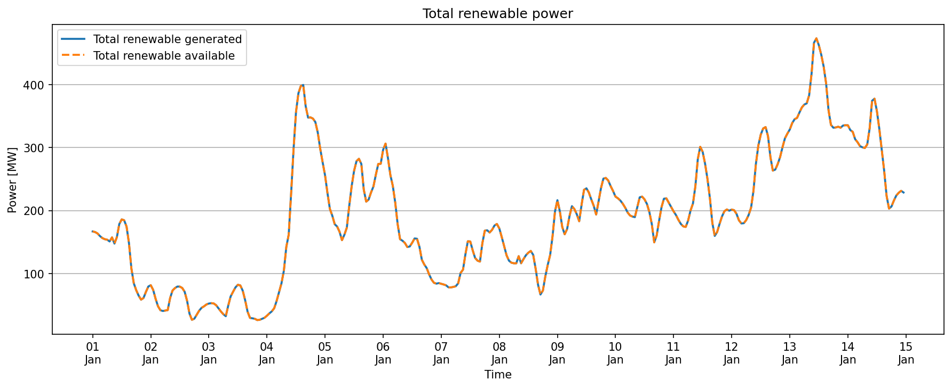
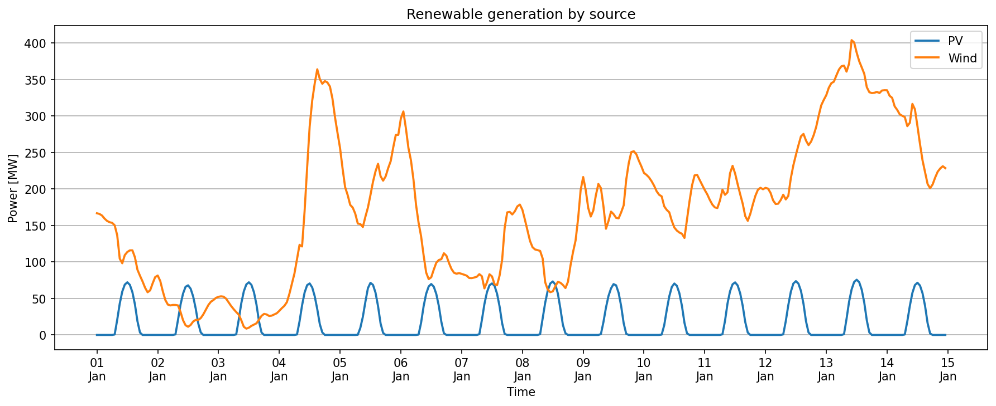
2022-01-02 | 10.21 | 10.21 | 0 | 0 | 0 | 0 | 31.41 | 31.41 | 0 | 41.62 | 41.62 | 0
2022-01-02 | 9.92 | 9.92 | 0 | 0 | 0 | 0 | 30.53 | 30.53 | 0 | 40.45 | 40.45 | 0
2022-01-02 | 10.08 | 10.08 | 0 | 0 | 0 | 0 | 31.03 | 31.03 | 0 | 41.11 | 41.11 | 0
2022-01-02 | 10.07 | 10.07 | 0 | 0.78 | 0.78 | 0 | 30.99 | 30.99 | 0 | 41.84 | 41.84 | 0
2022-01-02 | 9.93 | 9.93 | 0 | 20.54 | 20.54 | 0 | 30.55 | 30.55 | 0 | 61.02 | 61.02 | 0
2022-01-02 | 7.74 | 7.74 | 0 | 41.47 | 41.47 | 0 | 23.81 | 23.81 | 0 | 73.02 | 73.02 | 0
2022-01-02 | 4.95 | 4.95 | 0 | 56.68 | 56.68 | 0 | 15.22 | 15.22 | 0 | 76.85 | 76.85 | 0
2022-01-02 | 3.24 | 3.24 | 0 | 66.04 | 66.04 | 0 | 9.98 | 9.98 | 0 | 79.27 | 79.27 | 0
2022-01-02 | 2.75 | 2.75 | 0 | 67.99 | 67.99 | 0 | 8.45 | 8.45 | 0 | 79.19 | 79.19 | 0
2022-01-02 | 3.36 | 3.36 | 0 | 63.31 | 63.31 | 0 | 10.34 | 10.34 | 0 | 77.02 | 77.02 | 0
2022-01-02 | 4.51 | 4.51 | 0 | 52.65 | 52.65 | 0 | 13.87 | 13.87 | 0 | 71.02 | 71.02 | 0
2022-01-02 | 5.06 | 5.06 | 0 | 36.14 | 36.14 | 0 | 15.57 | 15.57 | 0 | 56.77 | 56.77 | 0
2022-01-02 | 5.02 | 5.02 | 0 | 15.86 | 15.86 | 0 | 15.45 | 15.45 | 0 | 36.33 | 36.33 | 0
2022-01-02 | 5.68 | 5.68 | 0 | 3.38 | 3.38 | 0 | 17.46 | 17.46 | 0 | 26.52 | 26.52 | 0
2022-01-02 | 6.91 | 6.91 | 0 | 0 | 0 | 0 | 21.27 | 21.27 | 0 | 28.19 | 28.19 | 0
2022-01-02 | 8.47 | 8.47 | 0 | 0 | 0 | 0 | 26.07 | 26.07 | 0 | 34.54 | 34.54 | 0
2022-01-02 | 10.06 | 10.06 | 0 | 0 | 0 | 0 | 30.94 | 30.94 | 0 | 41 | 41 | 0
2022-01-02 | 11.17 | 11.17 | 0 | 0 | 0 | 0 | 34.36 | 34.36 | 0 | 45.53 | 45.53 | 0
2022-01-02 | 11.74 | 11.74 | 0 | 0 | 0 | 0 | 36.12 | 36.12 | 0 | 47.86 | 47.86 | 0
2022-01-02 | 12.46 | 12.46 | 0 | 0 | 0 | 0 | 38.35 | 38.35 | 0 | 50.81 | 50.81 | 0
2022-01-03 | 12.82 | 12.82 | 0 | 0 | 0 | 0 | 39.45 | 39.45 | 0 | 52.27 | 52.27 | 0
2022-01-03 | 12.97 | 12.97 | 0 | 0 | 0 | 0 | 39.92 | 39.92 | 0 | 52.9 | 52.9 | 0
2022-01-03 | 12.86 | 12.86 | 0 | 0 | 0 | 0 | 39.57 | 39.57 | 0 | 52.42 | 52.42 | 0
2022-01-03 | 12.19 | 12.19 | 0 | 0 | 0 | 0 | 37.51 | 37.51 | 0 | 49.7 | 49.7 | 0
2022-01-03 | 10.96 | 10.96 | 0 | 0 | 0 | 0 | 33.73 | 33.73 | 0 | 44.7 | 44.7 | 0
2022-01-03 | 9.71 | 9.71 | 0 | 0 | 0 | 0 | 29.88 | 29.88 | 0 | 39.59 | 39.59 | 0
2022-01-03 | 8.65 | 8.65 | 0 | 0 | 0 | 0 | 26.62 | 26.62 | 0 | 35.27 | 35.27 | 0
2022-01-03 | 7.7 | 7.7 | 0 | 0.78 | 0.78 | 0 | 23.69 | 23.69 | 0 | 32.16 | 32.16 | 0
2022-01-03 | 6.83 | 6.83 | 0 | 21.06 | 21.06 | 0 | 21 | 21 | 0 | 48.89 | 48.89 | 0
2022-01-03 | 4.93 | 4.93 | 0 | 43.42 | 43.42 | 0 | 15.18 | 15.18 | 0 | 63.54 | 63.54 | 0
2022-01-03 | 2.74 | 2.74 | 0 | 59.8 | 59.8 | 0 | 8.43 | 8.43 | 0 | 70.97 | 70.97 | 0
2022-01-03 | 2.13 | 2.13 | 0 | 69.29 | 69.29 | 0 | 6.54 | 6.54 | 0 | 77.96 | 77.96 | 0
2022-01-03 | 2.44 | 2.44 | 0 | 72.15 | 72.15 | 0 | 7.51 | 7.51 | 0 | 82.1 | 82.1 | 0
2022-01-03 | 3.05 | 3.05 | 0 | 68.64 | 68.64 | 0 | 9.38 | 9.38 | 0 | 81.07 | 81.07 | 0
2022-01-03 | 3.47 | 3.47 | 0 | 58.5 | 58.5 | 0 | 10.69 | 10.69 | 0 | 72.67 | 72.67 | 0
2022-01-03 | 3.91 | 3.91 | 0 | 41.6 | 41.6 | 0 | 12.02 | 12.02 | 0 | 57.53 | 57.53 | 0
2022-01-03 | 5.14 | 5.14 | 0 | 18.46 | 18.46 | 0 | 15.81 | 15.81 | 0 | 39.41 | 39.41 | 0
2022-01-03 | 6.43 | 6.43 | 0 | 3.25 | 3.25 | 0 | 19.79 | 19.79 | 0 | 29.47 | 29.47 | 0
2022-01-03 | 7.07 | 7.07 | 0 | 0 | 0 | 0 | 21.76 | 21.76 | 0 | 28.83 | 28.83 | 0
2022-01-03 | 6.89 | 6.89 | 0 | 0 | 0 | 0 | 21.19 | 21.19 | 0 | 28.07 | 28.07 | 0
2022-01-03 | 6.38 | 6.38 | 0 | 0 | 0 | 0 | 19.63 | 19.63 | 0 | 26.01 | 26.01 | 0
2022-01-03 | 6.49 | 6.49 | 0 | 0 | 0 | 0 | 19.96 | 19.96 | 0 | 26.45 | 26.45 | 0
2022-01-03 | 6.88 | 6.88 | 0 | 0 | 0 | 0 | 21.16 | 21.16 | 0 | 28.04 | 28.04 | 0
2022-01-03 | 7.28 | 7.28 | 0 | 0 | 0 | 0 | 22.41 | 22.41 | 0 | 29.69 | 29.69 | 0
2022-01-04 | 8.09 | 8.09 | 0 | 0 | 0 | 0 | 24.9 | 24.9 | 0 | 32.99 | 32.99 | 0
2022-01-04 | 8.99 | 8.99 | 0 | 0 | 0 | 0 | 27.67 | 27.67 | 0 | 36.66 | 36.66 | 0
2022-01-04 | 9.77 | 9.77 | 0 | 0 | 0 | 0 | 30.07 | 30.07 | 0 | 39.84 | 39.84 | 0
2022-01-04 | 11.01 | 11.01 | 0 | 0 | 0 | 0 | 33.87 | 33.87 | 0 | 44.88 | 44.88 | 0
2022-01-04 | 13.83 | 13.83 | 0 | 0 | 0 | 0 | 42.57 | 42.57 | 0 | 56.4 | 56.4 | 0
2022-01-04 | 17.27 | 17.27 | 0 | 0 | 0 | 0 | 53.15 | 53.15 | 0 | 70.42 | 70.42 | 0
2022-01-04 | 20.69 | 20.69 | 0 | 0 | 0 | 0 | 63.65 | 63.65 | 0 | 84.33 | 84.33 | 0
2022-01-04 | 25.48 | 25.48 | 0 | 0.65 | 0.65 | 0 | 78.41 | 78.41 | 0 | 104.55 | 104.55 | 0
2022-01-04 | 30.29 | 30.29 | 0 | 18.59 | 18.59 | 0 | 93.19 | 93.19 | 0 | 142.07 | 142.07 | 0
2022-01-04 | 29.74 | 29.74 | 0 | 40.56 | 40.56 | 0 | 91.49 | 91.49 | 0 | 161.79 | 161.79 | 0
2022-01-04 | 41.64 | 41.64 | 0 | 58.11 | 58.11 | 0 | 128.13 | 128.13 | 0 | 227.88 | 227.88 | 0
2022-01-04 | 56.21 | 56.21 | 0 | 68.25 | 68.25 | 0 | 172.97 | 172.97 | 0 | 297.43 | 297.43 | 0
2022-01-04 | 70.06 | 70.06 | 0 | 70.59 | 70.59 | 0 | 215.56 | 215.56 | 0 | 356.2 | 356.2 | 0
2022-01-04 | 78.73 | 78.73 | 0 | 65.13 | 65.13 | 0 | 242.24 | 242.24 | 0 | 386.1 | 386.1 | 0
2022-01-04 | 84.56 | 84.56 | 0 | 52.91 | 52.91 | 0 | 260.19 | 260.19 | 0 | 397.67 | 397.67 | 0
2022-01-04 | 89.28 | 89.28 | 0 | 35.36 | 35.36 | 0 | 274.72 | 274.72 | 0 | 399.36 | 399.36 | 0
2022-01-04 | 86.03 | 86.03 | 0 | 14.82 | 14.82 | 0 | 264.72 | 264.72 | 0 | 365.58 | 365.58 | 0
2022-01-04 | 84.41 | 84.41 | 0 | 3.38 | 3.38 | 0 | 259.72 | 259.72 | 0 | 347.51 | 347.51 | 0
2022-01-04 | 85.33 | 85.33 | 0 | 0 | 0 | 0 | 262.55 | 262.55 | 0 | 347.88 | 347.88 | 0
2022-01-04 | 84.85 | 84.85 | 0 | 0 | 0 | 0 | 261.08 | 261.08 | 0 | 345.94 | 345.94 | 0
2022-01-04 | 83.5 | 83.5 | 0 | 0 | 0 | 0 | 256.93 | 256.93 | 0 | 340.43 | 340.43 | 0
2022-01-04 | 79.42 | 79.42 | 0 | 0 | 0 | 0 | 244.36 | 244.36 | 0 | 323.77 | 323.77 | 0
2022-01-04 | 73.17 | 73.17 | 0 | 0 | 0 | 0 | 225.14 | 225.14 | 0 | 298.32 | 298.32 | 0
2022-01-04 | 67.88 | 67.88 | 0 | 0 | 0 | 0 | 208.87 | 208.87 | 0 | 276.75 | 276.75 | 0
2022-01-05 | 62.8 | 62.8 | 0 | 0 | 0 | 0 | 193.22 | 193.22 | 0 | 256.01 | 256.01 | 0
2022-01-05 | 55.89 | 55.89 | 0 | 0 | 0 | 0 | 171.98 | 171.98 | 0 | 227.88 | 227.88 | 0
2022-01-05 | 49.68 | 49.68 | 0 | 0 | 0 | 0 | 152.87 | 152.87 | 0 | 202.55 | 202.55 | 0
2022-01-05 | 47.03 | 47.03 | 0 | 0 | 0 | 0 | 144.71 | 144.71 | 0 | 191.74 | 191.74 | 0
2022-01-05 | 43.72 | 43.72 | 0 | 0 | 0 | 0 | 134.51 | 134.51 | 0 | 178.23 | 178.23 | 0
2022-01-05 | 42.81 | 42.81 | 0 | 0 | 0 | 0 | 131.73 | 131.73 | 0 | 174.54 | 174.54 | 0
2022-01-05 | 40.76 | 40.76 | 0 | 0 | 0 | 0 | 125.41 | 125.41 | 0 | 166.17 | 166.17 | 0
2022-01-05 | 37.44 | 37.44 | 0 | 0.26 | 0.26 | 0 | 115.21 | 115.21 | 0 | 152.91 | 152.91 | 0
2022-01-05 | 37.27 | 37.27 | 0 | 9.62 | 9.62 | 0 | 114.68 | 114.68 | 0 | 161.57 | 161.57 | 0
2022-01-05 | 36.28 | 36.28 | 0 | 24.83 | 24.83 | 0 | 111.62 | 111.62 | 0 | 172.73 | 172.73 | 0
2022-01-05 | 39.71 | 39.71 | 0 | 45.37 | 45.37 | 0 | 122.19 | 122.19 | 0 | 207.28 | 207.28 | 0
2022-01-05 | 42.81 | 42.81 | 0 | 64.09 | 64.09 | 0 | 131.74 | 131.74 | 0 | 238.64 | 238.64 | 0
2022-01-05 | 47 | 47 | 0 | 71.37 | 71.37 | 0 | 144.63 | 144.63 | 0 | 263 | 263 | 0
2022-01-05 | 51.44 | 51.44 | 0 | 68.64 | 68.64 | 0 | 158.29 | 158.29 | 0 | 278.37 | 278.37 | 0
2022-01-05 | 54.97 | 54.97 | 0 | 57.98 | 57.98 | 0 | 169.15 | 169.15 | 0 | 282.1 | 282.1 | 0
2022-01-05 | 57.52 | 57.52 | 0 | 39.39 | 39.39 | 0 | 177 | 177 | 0 | 273.91 | 273.91 | 0
2022-01-05 | 53.36 | 53.36 | 0 | 15.73 | 15.73 | 0 | 164.18 | 164.18 | 0 | 233.27 | 233.27 | 0
2022-01-05 | 51.85 | 51.85 | 0 | 2.73 | 2.73 | 0 | 159.54 | 159.54 | 0 | 214.12 | 214.12 | 0
2022-01-05 | 53.29 | 53.29 | 0 | 0 | 0 | 0 | 163.97 | 163.97 | 0 | 217.26 | 217.26 | 0
2022-01-05 | 56.08 | 56.08 | 0 | 0 | 0 | 0 | 172.54 | 172.54 | 0 | 228.62 | 228.62 | 0
2022-01-05 | 58.42 | 58.42 | 0 | 0 | 0 | 0 | 179.76 | 179.76 | 0 | 238.18 | 238.18 | 0
2022-01-05 | 63.02 | 63.02 | 0 | 0 | 0 | 0 | 193.92 | 193.92 | 0 | 256.94 | 256.94 | 0
2022-01-05 | 67.21 | 67.21 | 0 | 0 | 0 | 0 | 206.79 | 206.79 | 0 | 273.99 | 273.99 | 0
2022-01-05 | 67.25 | 67.25 | 0 | 0 | 0 | 0 | 206.91 | 206.91 | 0 | 274.16 | 274.16 | 0
2022-01-06 | 72.72 | 72.72 | 0 | 0 | 0 | 0 | 223.77 | 223.77 | 0 | 296.49 | 296.49 | 0
2022-01-06 | 75.12 | 75.12 | 0 | 0 | 0 | 0 | 231.13 | 231.13 | 0 | 306.25 | 306.25 | 0
2022-01-06 | 69.44 | 69.44 | 0 | 0 | 0 | 0 | 213.65 | 213.65 | 0 | 283.08 | 283.08 | 0
2022-01-06 | 62.84 | 62.84 | 0 | 0 | 0 | 0 | 193.36 | 193.36 | 0 | 256.21 | 256.21 | 0
2022-01-06 | 58.65 | 58.65 | 0 | 0 | 0 | 0 | 180.46 | 180.46 | 0 | 239.11 | 239.11 | 0
2022-01-06 | 52.14 | 52.14 | 0 | 0 | 0 | 0 | 160.42 | 160.42 | 0 | 212.56 | 212.56 | 0
2022-01-06 | 43.75 | 43.75 | 0 | 0 | 0 | 0 | 134.62 | 134.62 | 0 | 178.37 | 178.37 | 0
2022-01-06 | 37.74 | 37.74 | 0 | 0.52 | 0.52 | 0 | 116.14 | 116.14 | 0 | 154.4 | 154.4 | 0
2022-01-06 | 33.17 | 33.17 | 0 | 16.77 | 16.77 | 0 | 102.05 | 102.05 | 0 | 151.99 | 151.99 | 0
2022-01-06 | 26.73 | 26.73 | 0 | 39.39 | 39.39 | 0 | 82.26 | 82.26 | 0 | 148.38 | 148.38 | 0
2022-01-06 | 20.98 | 20.98 | 0 | 56.42 | 56.42 | 0 | 64.54 | 64.54 | 0 | 141.94 | 141.94 | 0
2022-01-06 | 18.76 | 18.76 | 0 | 66.43 | 66.43 | 0 | 57.71 | 57.71 | 0 | 142.89 | 142.89 | 0
2022-01-06 | 19.38 | 19.38 | 0 | 69.81 | 69.81 | 0 | 59.63 | 59.63 | 0 | 148.82 | 148.82 | 0
2022-01-06 | 21.95 | 21.95 | 0 | 66.17 | 66.17 | 0 | 67.54 | 67.54 | 0 | 155.66 | 155.66 | 0
2022-01-06 | 24.28 | 24.28 | 0 | 56.16 | 56.16 | 0 | 74.7 | 74.7 | 0 | 155.14 | 155.14 | 0
2022-01-06 | 25.19 | 25.19 | 0 | 39.78 | 39.78 | 0 | 77.5 | 77.5 | 0 | 142.47 | 142.47 | 0
2022-01-06 | 25.46 | 25.46 | 0 | 17.94 | 17.94 | 0 | 78.35 | 78.35 | 0 | 121.75 | 121.75 | 0
2022-01-06 | 27.46 | 27.46 | 0 | 2.34 | 2.34 | 0 | 84.48 | 84.48 | 0 | 114.27 | 114.27 | 0
2022-01-06 | 26.62 | 26.62 | 0 | 0 | 0 | 0 | 81.92 | 81.92 | 0 | 108.54 | 108.54 | 0
2022-01-06 | 24.18 | 24.18 | 0 | 0 | 0 | 0 | 74.41 | 74.41 | 0 | 98.6 | 98.6 | 0
2022-01-06 | 22.17 | 22.17 | 0 | 0 | 0 | 0 | 68.22 | 68.22 | 0 | 90.39 | 90.39 | 0
2022-01-06 | 20.9 | 20.9 | 0 | 0 | 0 | 0 | 64.3 | 64.3 | 0 | 85.19 | 85.19 | 0
2022-01-06 | 20.57 | 20.57 | 0 | 0 | 0 | 0 | 63.3 | 63.3 | 0 | 83.87 | 83.87 | 0
2022-01-06 | 20.8 | 20.8 | 0 | 0 | 0 | 0 | 63.99 | 63.99 | 0 | 84.78 | 84.78 | 0
2022-01-07 | 20.53 | 20.53 | 0 | 0 | 0 | 0 | 63.18 | 63.18 | 0 | 83.71 | 83.71 | 0
2022-01-07 | 20.25 | 20.25 | 0 | 0 | 0 | 0 | 62.3 | 62.3 | 0 | 82.55 | 82.55 | 0
2022-01-07 | 19.93 | 19.93 | 0 | 0 | 0 | 0 | 61.31 | 61.31 | 0 | 81.24 | 81.24 | 0
2022-01-07 | 19.14 | 19.14 | 0 | 0 | 0 | 0 | 58.88 | 58.88 | 0 | 78.02 | 78.02 | 0
2022-01-07 | 19.11 | 19.11 | 0 | 0 | 0 | 0 | 58.79 | 58.79 | 0 | 77.89 | 77.89 | 0
2022-01-07 | 19.3 | 19.3 | 0 | 0 | 0 | 0 | 59.39 | 59.39 | 0 | 78.69 | 78.69 | 0
2022-01-07 | 19.56 | 19.56 | 0 | 0 | 0 | 0 | 60.18 | 60.18 | 0 | 79.74 | 79.74 | 0
2022-01-07 | 20.43 | 20.43 | 0 | 1.04 | 1.04 | 0 | 62.87 | 62.87 | 0 | 84.34 | 84.34 | 0
2022-01-07 | 19.73 | 19.73 | 0 | 20.41 | 20.41 | 0 | 60.71 | 60.71 | 0 | 100.85 | 100.85 | 0
2022-01-07 | 15.65 | 15.65 | 0 | 42.25 | 42.25 | 0 | 48.16 | 48.16 | 0 | 106.06 | 106.06 | 0
2022-01-07 | 17.68 | 17.68 | 0 | 58.5 | 58.5 | 0 | 54.4 | 54.4 | 0 | 130.58 | 130.58 | 0
2022-01-07 | 20.39 | 20.39 | 0 | 67.99 | 67.99 | 0 | 62.75 | 62.75 | 0 | 151.13 | 151.13 | 0
2022-01-07 | 19.67 | 19.67 | 0 | 70.59 | 70.59 | 0 | 60.53 | 60.53 | 0 | 150.8 | 150.8 | 0
2022-01-07 | 17.04 | 17.04 | 0 | 67.34 | 67.34 | 0 | 52.43 | 52.43 | 0 | 136.81 | 136.81 | 0
2022-01-07 | 16.74 | 16.74 | 0 | 56.42 | 56.42 | 0 | 51.5 | 51.5 | 0 | 124.66 | 124.66 | 0
2022-01-07 | 19.98 | 19.98 | 0 | 38.87 | 38.87 | 0 | 61.48 | 61.48 | 0 | 120.33 | 120.33 | 0
2022-01-07 | 25.25 | 25.25 | 0 | 15.99 | 15.99 | 0 | 77.69 | 77.69 | 0 | 118.92 | 118.92 | 0
2022-01-07 | 35.98 | 35.98 | 0 | 1.43 | 1.43 | 0 | 110.7 | 110.7 | 0 | 148.11 | 148.11 | 0
2022-01-07 | 41.2 | 41.2 | 0 | 0 | 0 | 0 | 126.77 | 126.77 | 0 | 167.97 | 167.97 | 0
2022-01-07 | 41.35 | 41.35 | 0 | 0 | 0 | 0 | 127.23 | 127.23 | 0 | 168.58 | 168.58 | 0
2022-01-07 | 40.5 | 40.5 | 0 | 0 | 0 | 0 | 124.63 | 124.63 | 0 | 165.13 | 165.13 | 0
2022-01-07 | 41.52 | 41.52 | 0 | 0 | 0 | 0 | 127.74 | 127.74 | 0 | 169.26 | 169.26 | 0
2022-01-07 | 43.2 | 43.2 | 0 | 0 | 0 | 0 | 132.93 | 132.93 | 0 | 176.14 | 176.14 | 0
2022-01-07 | 43.82 | 43.82 | 0 | 0 | 0 | 0 | 134.82 | 134.82 | 0 | 178.63 | 178.63 | 0
2022-01-08 | 42.07 | 42.07 | 0 | 0 | 0 | 0 | 129.46 | 129.46 | 0 | 171.53 | 171.53 | 0
2022-01-08 | 38.72 | 38.72 | 0 | 0 | 0 | 0 | 119.15 | 119.15 | 0 | 157.87 | 157.87 | 0
2022-01-08 | 35.12 | 35.12 | 0 | 0 | 0 | 0 | 108.06 | 108.06 | 0 | 143.18 | 143.18 | 0
2022-01-08 | 31.6 | 31.6 | 0 | 0 | 0 | 0 | 97.24 | 97.24 | 0 | 128.85 | 128.85 | 0
2022-01-08 | 29.5 | 29.5 | 0 | 0 | 0 | 0 | 90.77 | 90.77 | 0 | 120.27 | 120.27 | 0
2022-01-08 | 28.73 | 28.73 | 0 | 0 | 0 | 0 | 88.41 | 88.41 | 0 | 117.15 | 117.15 | 0
2022-01-08 | 28.5 | 28.5 | 0 | 0 | 0 | 0 | 87.7 | 87.7 | 0 | 116.2 | 116.2 | 0
2022-01-08 | 28.24 | 28.24 | 0 | 1.04 | 1.04 | 0 | 86.9 | 86.9 | 0 | 116.18 | 116.18 | 0
2022-01-08 | 25.71 | 25.71 | 0 | 22.62 | 22.62 | 0 | 79.12 | 79.12 | 0 | 127.45 | 127.45 | 0
2022-01-08 | 17.71 | 17.71 | 0 | 44.07 | 44.07 | 0 | 54.48 | 54.48 | 0 | 116.25 | 116.25 | 0
2022-01-08 | 15.29 | 15.29 | 0 | 60.58 | 60.58 | 0 | 47.05 | 47.05 | 0 | 122.93 | 122.93 | 0
2022-01-08 | 14.37 | 14.37 | 0 | 70.46 | 70.46 | 0 | 44.22 | 44.22 | 0 | 129.05 | 129.05 | 0
2022-01-08 | 14.65 | 14.65 | 0 | 73.32 | 73.32 | 0 | 45.08 | 45.08 | 0 | 133.04 | 133.04 | 0
2022-01-08 | 16.35 | 16.35 | 0 | 69.16 | 69.16 | 0 | 50.32 | 50.32 | 0 | 135.83 | 135.83 | 0
2022-01-08 | 17.83 | 17.83 | 0 | 56.81 | 56.81 | 0 | 54.87 | 54.87 | 0 | 129.52 | 129.52 | 0
2022-01-08 | 17.55 | 17.55 | 0 | 36.14 | 36.14 | 0 | 54 | 54 | 0 | 107.69 | 107.69 | 0
2022-01-08 | 16.79 | 16.79 | 0 | 13.65 | 13.65 | 0 | 51.67 | 51.67 | 0 | 82.12 | 82.12 | 0
2022-01-08 | 15.76 | 15.76 | 0 | 2.34 | 2.34 | 0 | 48.48 | 48.48 | 0 | 66.57 | 66.57 | 0
2022-01-08 | 17.88 | 17.88 | 0 | 0 | 0 | 0 | 55.02 | 55.02 | 0 | 72.9 | 72.9 | 0
2022-01-08 | 23.37 | 23.37 | 0 | 0 | 0 | 0 | 71.9 | 71.9 | 0 | 95.27 | 95.27 | 0
2022-01-08 | 27.86 | 27.86 | 0 | 0 | 0 | 0 | 85.73 | 85.73 | 0 | 113.6 | 113.6 | 0
2022-01-08 | 31.74 | 31.74 | 0 | 0 | 0 | 0 | 97.66 | 97.66 | 0 | 129.4 | 129.4 | 0
2022-01-08 | 39.07 | 39.07 | 0 | 0 | 0 | 0 | 120.21 | 120.21 | 0 | 159.28 | 159.28 | 0
2022-01-08 | 48.7 | 48.7 | 0 | 0 | 0 | 0 | 149.83 | 149.83 | 0 | 198.53 | 198.53 | 0
2022-01-09 | 53.08 | 53.08 | 0 | 0 | 0 | 0 | 163.32 | 163.32 | 0 | 216.4 | 216.4 | 0
2022-01-09 | 48.77 | 48.77 | 0 | 0 | 0 | 0 | 150.05 | 150.05 | 0 | 198.82 | 198.82 | 0
2022-01-09 | 42.64 | 42.64 | 0 | 0 | 0 | 0 | 131.21 | 131.21 | 0 | 173.86 | 173.86 | 0
2022-01-09 | 39.8 | 39.8 | 0 | 0 | 0 | 0 | 122.45 | 122.45 | 0 | 162.25 | 162.25 | 0
2022-01-09 | 41.81 | 41.81 | 0 | 0 | 0 | 0 | 128.65 | 128.65 | 0 | 170.46 | 170.46 | 0
2022-01-09 | 46.89 | 46.89 | 0 | 0 | 0 | 0 | 144.28 | 144.28 | 0 | 191.18 | 191.18 | 0
2022-01-09 | 50.75 | 50.75 | 0 | 0 | 0 | 0 | 156.14 | 156.14 | 0 | 206.89 | 206.89 | 0
2022-01-09 | 49.36 | 49.36 | 0 | 1.17 | 1.17 | 0 | 151.87 | 151.87 | 0 | 202.4 | 202.4 | 0
2022-01-09 | 43.3 | 43.3 | 0 | 17.55 | 17.55 | 0 | 133.24 | 133.24 | 0 | 194.09 | 194.09 | 0
2022-01-09 | 35.69 | 35.69 | 0 | 37.44 | 37.44 | 0 | 109.82 | 109.82 | 0 | 182.96 | 182.96 | 0
2022-01-09 | 38.29 | 38.29 | 0 | 53.43 | 53.43 | 0 | 117.81 | 117.81 | 0 | 209.53 | 209.53 | 0
2022-01-09 | 41.46 | 41.46 | 0 | 63.83 | 63.83 | 0 | 127.57 | 127.57 | 0 | 232.86 | 232.86 | 0
2022-01-09 | 40.6 | 40.6 | 0 | 69.68 | 69.68 | 0 | 124.93 | 124.93 | 0 | 235.22 | 235.22 | 0
2022-01-09 | 39.36 | 39.36 | 0 | 67.99 | 67.99 | 0 | 121.11 | 121.11 | 0 | 228.46 | 228.46 | 0
2022-01-09 | 39.19 | 39.19 | 0 | 57.72 | 57.72 | 0 | 120.6 | 120.6 | 0 | 217.51 | 217.51 | 0
2022-01-09 | 41.2 | 41.2 | 0 | 39.52 | 39.52 | 0 | 126.77 | 126.77 | 0 | 207.49 | 207.49 | 0
2022-01-09 | 43.57 | 43.57 | 0 | 15.99 | 15.99 | 0 | 134.07 | 134.07 | 0 | 193.63 | 193.63 | 0
2022-01-09 | 52.16 | 52.16 | 0 | 1.56 | 1.56 | 0 | 160.5 | 160.5 | 0 | 214.22 | 214.22 | 0
2022-01-09 | 57.76 | 57.76 | 0 | 0 | 0 | 0 | 177.72 | 177.72 | 0 | 235.47 | 235.47 | 0
2022-01-09 | 61.47 | 61.47 | 0 | 0 | 0 | 0 | 189.15 | 189.15 | 0 | 250.63 | 250.63 | 0
2022-01-09 | 61.73 | 61.73 | 0 | 0 | 0 | 0 | 189.95 | 189.95 | 0 | 251.69 | 251.69 | 0
2022-01-09 | 60.73 | 60.73 | 0 | 0 | 0 | 0 | 186.87 | 186.87 | 0 | 247.6 | 247.6 | 0
2022-01-09 | 58.54 | 58.54 | 0 | 0 | 0 | 0 | 180.11 | 180.11 | 0 | 238.65 | 238.65 | 0
2022-01-09 | 56.63 | 56.63 | 0 | 0 | 0 | 0 | 174.25 | 174.25 | 0 | 230.88 | 230.88 | 0
2022-01-10 | 54.46 | 54.46 | 0 | 0 | 0 | 0 | 167.56 | 167.56 | 0 | 222.01 | 222.01 | 0
2022-01-10 | 53.81 | 53.81 | 0 | 0 | 0 | 0 | 165.58 | 165.58 | 0 | 219.39 | 219.39 | 0
2022-01-10 | 52.95 | 52.95 | 0 | 0 | 0 | 0 | 162.91 | 162.91 | 0 | 215.86 | 215.86 | 0
2022-01-10 | 51.69 | 51.69 | 0 | 0 | 0 | 0 | 159.06 | 159.06 | 0 | 210.75 | 210.75 | 0
2022-01-10 | 50.17 | 50.17 | 0 | 0 | 0 | 0 | 154.37 | 154.37 | 0 | 204.54 | 204.54 | 0
2022-01-10 | 48.3 | 48.3 | 0 | 0 | 0 | 0 | 148.62 | 148.62 | 0 | 196.92 | 196.92 | 0
2022-01-10 | 47.11 | 47.11 | 0 | 0 | 0 | 0 | 144.96 | 144.96 | 0 | 192.08 | 192.08 | 0
2022-01-10 | 46.58 | 46.58 | 0 | 0.52 | 0.52 | 0 | 143.31 | 143.31 | 0 | 190.41 | 190.41 | 0
2022-01-10 | 43.22 | 43.22 | 0 | 13.26 | 13.26 | 0 | 132.98 | 132.98 | 0 | 189.45 | 189.45 | 0
2022-01-10 | 42.02 | 42.02 | 0 | 34.06 | 34.06 | 0 | 129.29 | 129.29 | 0 | 205.38 | 205.38 | 0
2022-01-10 | 41.22 | 41.22 | 0 | 52.91 | 52.91 | 0 | 126.82 | 126.82 | 0 | 220.95 | 220.95 | 0
2022-01-10 | 38.33 | 38.33 | 0 | 65.78 | 65.78 | 0 | 117.93 | 117.93 | 0 | 222.04 | 222.04 | 0
2022-01-10 | 36.1 | 36.1 | 0 | 70.46 | 70.46 | 0 | 111.07 | 111.07 | 0 | 217.63 | 217.63 | 0
2022-01-10 | 35.07 | 35.07 | 0 | 67.34 | 67.34 | 0 | 107.91 | 107.91 | 0 | 210.31 | 210.31 | 0
2022-01-10 | 34.41 | 34.41 | 0 | 57.07 | 57.07 | 0 | 105.89 | 105.89 | 0 | 197.38 | 197.38 | 0
2022-01-10 | 34.01 | 34.01 | 0 | 39.78 | 39.78 | 0 | 104.65 | 104.65 | 0 | 178.44 | 178.44 | 0
2022-01-10 | 32.6 | 32.6 | 0 | 16.51 | 16.51 | 0 | 100.3 | 100.3 | 0 | 149.41 | 149.41 | 0
2022-01-10 | 38.75 | 38.75 | 0 | 2.21 | 2.21 | 0 | 119.24 | 119.24 | 0 | 160.2 | 160.2 | 0
2022-01-10 | 45 | 45 | 0 | 0 | 0 | 0 | 138.46 | 138.46 | 0 | 183.46 | 183.46 | 0
2022-01-10 | 50.31 | 50.31 | 0 | 0 | 0 | 0 | 154.79 | 154.79 | 0 | 205.1 | 205.1 | 0
2022-01-10 | 53.64 | 53.64 | 0 | 0 | 0 | 0 | 165.05 | 165.05 | 0 | 218.7 | 218.7 | 0
2022-01-10 | 53.81 | 53.81 | 0 | 0 | 0 | 0 | 165.56 | 165.56 | 0 | 219.36 | 219.36 | 0
2022-01-10 | 52.09 | 52.09 | 0 | 0 | 0 | 0 | 160.27 | 160.27 | 0 | 212.35 | 212.35 | 0
2022-01-10 | 50.4 | 50.4 | 0 | 0 | 0 | 0 | 155.07 | 155.07 | 0 | 205.47 | 205.47 | 0
2022-01-11 | 48.72 | 48.72 | 0 | 0 | 0 | 0 | 149.92 | 149.92 | 0 | 198.65 | 198.65 | 0
2022-01-11 | 47.26 | 47.26 | 0 | 0 | 0 | 0 | 145.4 | 145.4 | 0 | 192.66 | 192.66 | 0
2022-01-11 | 45.4 | 45.4 | 0 | 0 | 0 | 0 | 139.68 | 139.68 | 0 | 185.08 | 185.08 | 0
2022-01-11 | 43.83 | 43.83 | 0 | 0 | 0 | 0 | 134.85 | 134.85 | 0 | 178.68 | 178.68 | 0
2022-01-11 | 42.87 | 42.87 | 0 | 0 | 0 | 0 | 131.92 | 131.92 | 0 | 174.79 | 174.79 | 0
2022-01-11 | 42.66 | 42.66 | 0 | 0 | 0 | 0 | 131.25 | 131.25 | 0 | 173.9 | 173.9 | 0
2022-01-11 | 45.15 | 45.15 | 0 | 0 | 0 | 0 | 138.94 | 138.94 | 0 | 184.09 | 184.09 | 0
2022-01-11 | 48.82 | 48.82 | 0 | 0.91 | 0.91 | 0 | 150.21 | 150.21 | 0 | 199.93 | 199.93 | 0
2022-01-11 | 47.1 | 47.1 | 0 | 19.11 | 19.11 | 0 | 144.91 | 144.91 | 0 | 211.12 | 211.12 | 0
2022-01-11 | 47.92 | 47.92 | 0 | 43.16 | 43.16 | 0 | 147.46 | 147.46 | 0 | 238.54 | 238.54 | 0
2022-01-11 | 54.37 | 54.37 | 0 | 59.93 | 59.93 | 0 | 167.28 | 167.28 | 0 | 281.58 | 281.58 | 0
2022-01-11 | 56.84 | 56.84 | 0 | 69.42 | 69.42 | 0 | 174.9 | 174.9 | 0 | 301.16 | 301.16 | 0
2022-01-11 | 54.25 | 54.25 | 0 | 72.02 | 72.02 | 0 | 166.93 | 166.93 | 0 | 293.2 | 293.2 | 0
2022-01-11 | 50.67 | 50.67 | 0 | 67.86 | 67.86 | 0 | 155.91 | 155.91 | 0 | 274.44 | 274.44 | 0
2022-01-11 | 47.29 | 47.29 | 0 | 57.07 | 57.07 | 0 | 145.51 | 145.51 | 0 | 249.88 | 249.88 | 0
2022-01-11 | 44.09 | 44.09 | 0 | 39.91 | 39.91 | 0 | 135.67 | 135.67 | 0 | 219.67 | 219.67 | 0
2022-01-11 | 39.93 | 39.93 | 0 | 17.68 | 17.68 | 0 | 122.86 | 122.86 | 0 | 180.47 | 180.47 | 0
2022-01-11 | 38.36 | 38.36 | 0 | 3.25 | 3.25 | 0 | 118.03 | 118.03 | 0 | 159.63 | 159.63 | 0
2022-01-11 | 40.7 | 40.7 | 0 | 0 | 0 | 0 | 125.24 | 125.24 | 0 | 165.95 | 165.95 | 0
2022-01-11 | 43.88 | 43.88 | 0 | 0 | 0 | 0 | 135.01 | 135.01 | 0 | 178.89 | 178.89 | 0
2022-01-11 | 46.76 | 46.76 | 0 | 0 | 0 | 0 | 143.87 | 143.87 | 0 | 190.63 | 190.63 | 0
2022-01-11 | 48.8 | 48.8 | 0 | 0 | 0 | 0 | 150.14 | 150.14 | 0 | 198.94 | 198.94 | 0
2022-01-11 | 49.46 | 49.46 | 0 | 0 | 0 | 0 | 152.18 | 152.18 | 0 | 201.64 | 201.64 | 0
2022-01-11 | 48.97 | 48.97 | 0 | 0 | 0 | 0 | 150.68 | 150.68 | 0 | 199.65 | 199.65 | 0
2022-01-12 | 49.43 | 49.43 | 0 | 0 | 0 | 0 | 152.09 | 152.09 | 0 | 201.51 | 201.51 | 0
2022-01-12 | 49.17 | 49.17 | 0 | 0 | 0 | 0 | 151.31 | 151.31 | 0 | 200.48 | 200.48 | 0
2022-01-12 | 47.73 | 47.73 | 0 | 0 | 0 | 0 | 146.87 | 146.87 | 0 | 194.6 | 194.6 | 0
2022-01-12 | 45.22 | 45.22 | 0 | 0 | 0 | 0 | 139.13 | 139.13 | 0 | 184.35 | 184.35 | 0
2022-01-12 | 44.02 | 44.02 | 0 | 0 | 0 | 0 | 135.43 | 135.43 | 0 | 179.45 | 179.45 | 0
2022-01-12 | 44.12 | 44.12 | 0 | 0 | 0 | 0 | 135.74 | 135.74 | 0 | 179.85 | 179.85 | 0
2022-01-12 | 45.33 | 45.33 | 0 | 0 | 0 | 0 | 139.46 | 139.46 | 0 | 184.79 | 184.79 | 0
2022-01-12 | 47.13 | 47.13 | 0 | 0.78 | 0.78 | 0 | 145.02 | 145.02 | 0 | 192.93 | 192.93 | 0
2022-01-12 | 45.54 | 45.54 | 0 | 18.72 | 18.72 | 0 | 140.13 | 140.13 | 0 | 204.39 | 204.39 | 0
2022-01-12 | 46.72 | 46.72 | 0 | 40.82 | 40.82 | 0 | 143.75 | 143.75 | 0 | 231.29 | 231.29 | 0
2022-01-12 | 52.68 | 52.68 | 0 | 59.15 | 59.15 | 0 | 162.11 | 162.11 | 0 | 273.94 | 273.94 | 0
2022-01-12 | 57.04 | 57.04 | 0 | 70.46 | 70.46 | 0 | 175.5 | 175.5 | 0 | 302.99 | 302.99 | 0
2022-01-12 | 60.49 | 60.49 | 0 | 73.71 | 73.71 | 0 | 186.14 | 186.14 | 0 | 320.34 | 320.34 | 0
2022-01-12 | 63.75 | 63.75 | 0 | 70.33 | 70.33 | 0 | 196.15 | 196.15 | 0 | 330.23 | 330.23 | 0
2022-01-12 | 66.75 | 66.75 | 0 | 60.32 | 60.32 | 0 | 205.39 | 205.39 | 0 | 332.46 | 332.46 | 0
2022-01-12 | 67.57 | 67.57 | 0 | 42.64 | 42.64 | 0 | 207.91 | 207.91 | 0 | 318.12 | 318.12 | 0
2022-01-12 | 65.31 | 65.31 | 0 | 18.59 | 18.59 | 0 | 200.94 | 200.94 | 0 | 284.84 | 284.84 | 0
2022-01-12 | 63.8 | 63.8 | 0 | 3.25 | 3.25 | 0 | 196.3 | 196.3 | 0 | 263.35 | 263.35 | 0
2022-01-12 | 64.99 | 64.99 | 0 | 0 | 0 | 0 | 199.97 | 199.97 | 0 | 264.96 | 264.96 | 0
2022-01-12 | 67.1 | 67.1 | 0 | 0 | 0 | 0 | 206.46 | 206.46 | 0 | 273.57 | 273.57 | 0
2022-01-12 | 69.87 | 69.87 | 0 | 0 | 0 | 0 | 214.99 | 214.99 | 0 | 284.86 | 284.86 | 0
2022-01-12 | 73.71 | 73.71 | 0 | 0 | 0 | 0 | 226.79 | 226.79 | 0 | 300.5 | 300.5 | 0
2022-01-12 | 77.16 | 77.16 | 0 | 0 | 0 | 0 | 237.43 | 237.43 | 0 | 314.59 | 314.59 | 0
2022-01-12 | 78.99 | 78.99 | 0 | 0 | 0 | 0 | 243.05 | 243.05 | 0 | 322.04 | 322.04 | 0
2022-01-13 | 80.6 | 80.6 | 0 | 0 | 0 | 0 | 247.99 | 247.99 | 0 | 328.59 | 328.59 | 0
2022-01-13 | 83.1 | 83.1 | 0 | 0 | 0 | 0 | 255.7 | 255.7 | 0 | 338.8 | 338.8 | 0
2022-01-13 | 84.62 | 84.62 | 0 | 0 | 0 | 0 | 260.37 | 260.37 | 0 | 344.99 | 344.99 | 0
2022-01-13 | 85.11 | 85.11 | 0 | 0 | 0 | 0 | 261.89 | 261.89 | 0 | 347.01 | 347.01 | 0
2022-01-13 | 87.25 | 87.25 | 0 | 0 | 0 | 0 | 268.45 | 268.45 | 0 | 355.69 | 355.69 | 0
2022-01-13 | 89.21 | 89.21 | 0 | 0 | 0 | 0 | 274.5 | 274.5 | 0 | 363.71 | 363.71 | 0
2022-01-13 | 90.32 | 90.32 | 0 | 0 | 0 | 0 | 277.9 | 277.9 | 0 | 368.22 | 368.22 | 0
2022-01-13 | 90.52 | 90.52 | 0 | 1.04 | 1.04 | 0 | 278.53 | 278.53 | 0 | 370.09 | 370.09 | 0
2022-01-13 | 88.5 | 88.5 | 0 | 22.1 | 22.1 | 0 | 272.31 | 272.31 | 0 | 382.91 | 382.91 | 0
2022-01-13 | 91.17 | 91.17 | 0 | 45.5 | 45.5 | 0 | 280.53 | 280.53 | 0 | 417.2 | 417.2 | 0
2022-01-13 | 99.08 | 99.08 | 0 | 62.4 | 62.4 | 0 | 304.87 | 304.87 | 0 | 466.36 | 466.36 | 0
2022-01-13 | 98.3 | 98.3 | 0 | 72.54 | 72.54 | 0 | 302.46 | 302.46 | 0 | 473.3 | 473.3 | 0
2022-01-13 | 94.88 | 94.88 | 0 | 75.66 | 75.66 | 0 | 291.93 | 291.93 | 0 | 462.47 | 462.47 | 0
2022-01-13 | 92 | 92 | 0 | 72.28 | 72.28 | 0 | 283.06 | 283.06 | 0 | 447.34 | 447.34 | 0
2022-01-13 | 89.92 | 89.92 | 0 | 61.88 | 61.88 | 0 | 276.67 | 276.67 | 0 | 428.47 | 428.47 | 0
2022-01-13 | 87.76 | 87.76 | 0 | 44.2 | 44.2 | 0 | 270.03 | 270.03 | 0 | 401.99 | 401.99 | 0
2022-01-13 | 83.26 | 83.26 | 0 | 20.02 | 20.02 | 0 | 256.19 | 256.19 | 0 | 359.47 | 359.47 | 0
2022-01-13 | 81.58 | 81.58 | 0 | 3.38 | 3.38 | 0 | 251.02 | 251.02 | 0 | 335.98 | 335.98 | 0
2022-01-13 | 81.29 | 81.29 | 0 | 0 | 0 | 0 | 250.12 | 250.12 | 0 | 331.41 | 331.41 | 0
2022-01-13 | 81.39 | 81.39 | 0 | 0 | 0 | 0 | 250.44 | 250.44 | 0 | 331.84 | 331.84 | 0
2022-01-13 | 81.69 | 81.69 | 0 | 0 | 0 | 0 | 251.34 | 251.34 | 0 | 333.02 | 333.02 | 0
2022-01-13 | 81.3 | 81.3 | 0 | 0 | 0 | 0 | 250.16 | 250.16 | 0 | 331.46 | 331.46 | 0
2022-01-13 | 82.15 | 82.15 | 0 | 0 | 0 | 0 | 252.78 | 252.78 | 0 | 334.94 | 334.94 | 0
2022-01-13 | 82.26 | 82.26 | 0 | 0 | 0 | 0 | 253.11 | 253.11 | 0 | 335.37 | 335.37 | 0
2022-01-14 | 82.24 | 82.24 | 0 | 0 | 0 | 0 | 253.05 | 253.05 | 0 | 335.29 | 335.29 | 0
2022-01-14 | 80.38 | 80.38 | 0 | 0 | 0 | 0 | 247.33 | 247.33 | 0 | 327.71 | 327.71 | 0
2022-01-14 | 79.7 | 79.7 | 0 | 0 | 0 | 0 | 245.24 | 245.24 | 0 | 324.94 | 324.94 | 0
2022-01-14 | 76.83 | 76.83 | 0 | 0 | 0 | 0 | 236.4 | 236.4 | 0 | 313.22 | 313.22 | 0
2022-01-14 | 75.65 | 75.65 | 0 | 0 | 0 | 0 | 232.78 | 232.78 | 0 | 308.43 | 308.43 | 0
2022-01-14 | 74.15 | 74.15 | 0 | 0 | 0 | 0 | 228.15 | 228.15 | 0 | 302.29 | 302.29 | 0
2022-01-14 | 73.66 | 73.66 | 0 | 0 | 0 | 0 | 226.64 | 226.64 | 0 | 300.3 | 300.3 | 0
2022-01-14 | 73.24 | 73.24 | 0 | 0.65 | 0.65 | 0 | 225.35 | 225.35 | 0 | 299.24 | 299.24 | 0
2022-01-14 | 70.18 | 70.18 | 0 | 18.72 | 18.72 | 0 | 215.94 | 215.94 | 0 | 304.84 | 304.84 | 0
2022-01-14 | 71.31 | 71.31 | 0 | 39.91 | 39.91 | 0 | 219.43 | 219.43 | 0 | 330.65 | 330.65 | 0
2022-01-14 | 77.66 | 77.66 | 0 | 57.59 | 57.59 | 0 | 238.94 | 238.94 | 0 | 374.19 | 374.19 | 0
2022-01-14 | 75.84 | 75.84 | 0 | 68.38 | 68.38 | 0 | 233.34 | 233.34 | 0 | 377.56 | 377.56 | 0
2022-01-14 | 70.16 | 70.16 | 0 | 71.5 | 71.5 | 0 | 215.88 | 215.88 | 0 | 357.54 | 357.54 | 0
2022-01-14 | 64.19 | 64.19 | 0 | 67.73 | 67.73 | 0 | 197.51 | 197.51 | 0 | 329.43 | 329.43 | 0
2022-01-14 | 58.7 | 58.7 | 0 | 57.2 | 57.2 | 0 | 180.63 | 180.63 | 0 | 296.53 | 296.53 | 0
2022-01-14 | 54.68 | 54.68 | 0 | 39.91 | 39.91 | 0 | 168.26 | 168.26 | 0 | 262.85 | 262.85 | 0
2022-01-14 | 50.75 | 50.75 | 0 | 16.25 | 16.25 | 0 | 156.14 | 156.14 | 0 | 223.14 | 223.14 | 0
2022-01-14 | 49.31 | 49.31 | 0 | 1.95 | 1.95 | 0 | 151.73 | 151.73 | 0 | 203 | 203 | 0
2022-01-14 | 50.6 | 50.6 | 0 | 0 | 0 | 0 | 155.69 | 155.69 | 0 | 206.29 | 206.29 | 0
2022-01-14 | 52.92 | 52.92 | 0 | 0 | 0 | 0 | 162.82 | 162.82 | 0 | 215.74 | 215.74 | 0
2022-01-14 | 54.88 | 54.88 | 0 | 0 | 0 | 0 | 168.86 | 168.86 | 0 | 223.73 | 223.73 | 0
2022-01-14 | 55.96 | 55.96 | 0 | 0 | 0 | 0 | 172.19 | 172.19 | 0 | 228.15 | 228.15 | 0
2022-01-14 | 56.72 | 56.72 | 0 | 0 | 0 | 0 | 174.52 | 174.52 | 0 | 231.23 | 231.23 | 0
2022-01-14 | 56.07 | 56.07 | 0 | 0 | 0 | 0 | 172.53 | 172.53 | 0 | 228.6 | 228.6 | 0

battery soc
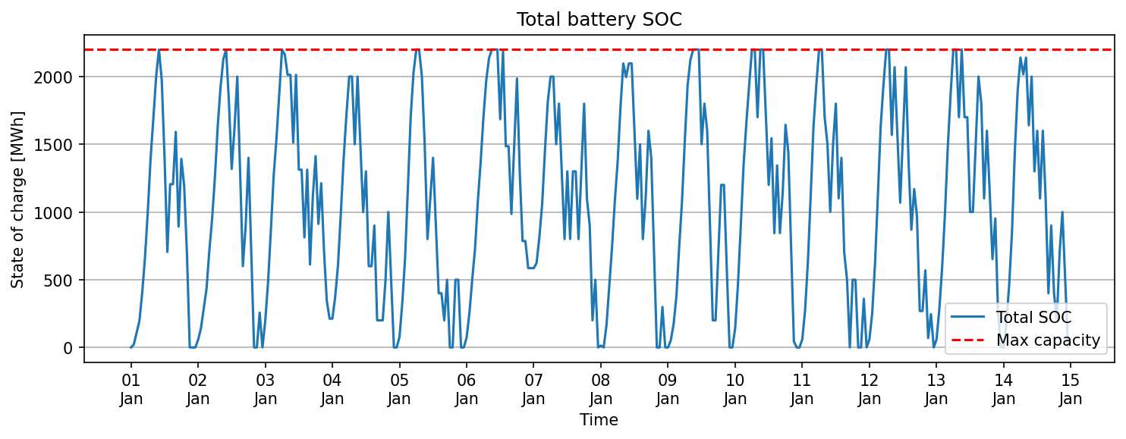
snapshot | BatteryStore_3_0 | BatteryStore_1_1
2022-01-01 | 0 | 0
2022-01-01 | 0 | 21.49
2022-01-01 | 4.95 | 103.88
2022-01-01 | 194.95 | 0
2022-01-01 | 384.95 | 16.66
2022-01-01 | 574.95 | 89.05
2022-01-01 | 764.95 | 236.99
2022-01-01 | 954.95 | 439.34
2022-01-01 | 1010 | 683.79
2022-01-01 | 1200 | 803.52
2022-01-01 | 1200 | 1000
2022-01-01 | 1097.38 | 873.89
2022-01-01 | 897.38 | 500
2022-01-01 | 705.15 | 0
2022-01-01 | 705.15 | 500
2022-01-01 | 705.15 | 500
2022-01-01 | 592.18 | 1000
2022-01-01 | 392.18 | 500
2022-01-01 | 392.18 | 1000
2022-01-01 | 194.22 | 1000
2022-01-01 | 194.22 | 500
2022-01-01 | 0 | 0
2022-01-01 | 0 | 0
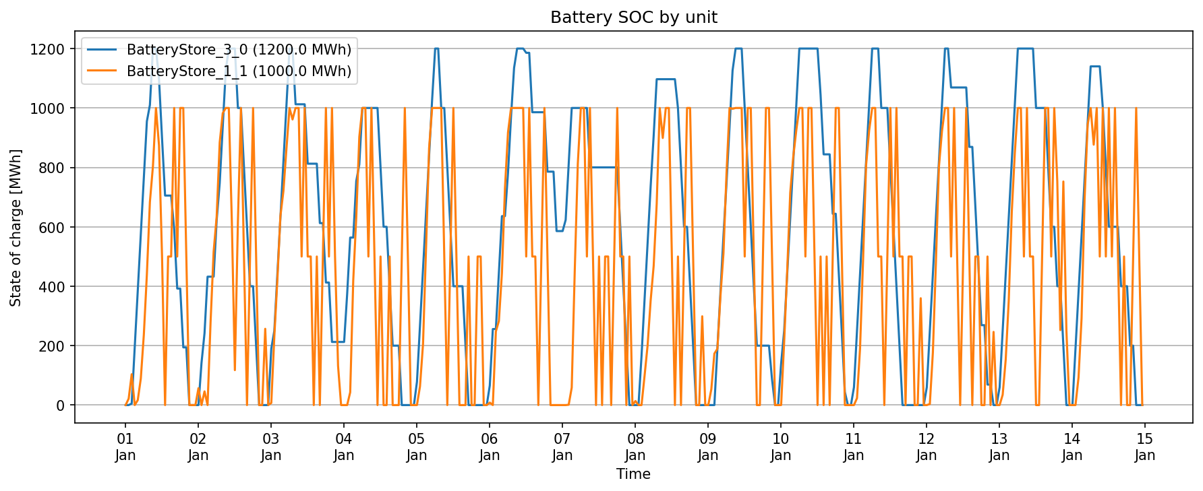
2022-01-01 | 0 | 0
2022-01-02 | 0 | 56.8
2022-01-02 | 141.45 | 0
2022-01-02 | 242.15 | 46.09
2022-01-02 | 432.15 | 0
2022-01-02 | 432.15 | 281.79
2022-01-02 | 432.15 | 516.36
2022-01-02 | 622.15 | 634.43
2022-01-02 | 747.09 | 883.68
2022-01-02 | 937.09 | 982.4
2022-01-02 | 1127.09 | 1000
2022-01-02 | 1200 | 1000
2022-01-02 | 1200 | 617.67
2022-01-02 | 1200 | 117.67
2022-01-02 | 1000 | 617.67
2022-01-02 | 1000 | 1000
2022-01-02 | 800 | 500
2022-01-02 | 600 | 0
2022-01-02 | 400 | 500
2022-01-02 | 400 | 1000
2022-01-02 | 200 | 500
2022-01-02 | 0 | 0
2022-01-02 | 0 | 0
2022-01-02 | 0 | 256.76
2022-01-02 | 0 | 0
2022-01-03 | 190 | 7.15
2022-01-03 | 250 | 230.89
2022-01-03 | 440 | 421.3
2022-01-03 | 630 | 635.6
2022-01-03 | 820 | 720.81
2022-01-03 | 1010 | 863.82
2022-01-03 | 1200 | 1000
2022-01-03 | 1200 | 961.38
2022-01-03 | 1012.43 | 1000
2022-01-03 | 1012.43 | 1000
2022-01-03 | 1012.43 | 500
2022-01-03 | 1012.43 | 1000
2022-01-03 | 812.43 | 500
2022-01-03 | 812.43 | 500
2022-01-03 | 812.43 | 0
2022-01-03 | 812.43 | 500
2022-01-03 | 612.43 | 0
2022-01-03 | 612.43 | 500
2022-01-03 | 412.43 | 1000
2022-01-03 | 412.43 | 500
2022-01-03 | 212.43 | 1000
2022-01-03 | 212.43 | 500
2022-01-03 | 212.43 | 131.95
2022-01-03 | 212.43 | 0
2022-01-04 | 212.43 | 0
2022-01-04 | 373.77 | 0
2022-01-04 | 563.77 | 43.02
2022-01-04 | 563.77 | 418.42
2022-01-04 | 753.77 | 631.81
2022-01-04 | 810 | 902.58
2022-01-04 | 1000 | 1000
2022-01-04 | 1000 | 1000
2022-01-04 | 1000 | 500
2022-01-04 | 1000 | 1000
2022-01-04 | 1000 | 500
2022-01-04 | 1000 | 0
2022-01-04 | 800 | 500
2022-01-04 | 600 | 0
2022-01-04 | 600 | 0
2022-01-04 | 400 | 500
2022-01-04 | 200 | 0
2022-01-04 | 200 | 0
2022-01-04 | 200 | 0
2022-01-04 | 0 | 500
2022-01-04 | 0 | 1000
2022-01-04 | 0 | 500
2022-01-04 | 0 | 0
2022-01-04 | 0 | 0
2022-01-05 | 78.34 | 0
2022-01-05 | 268.34 | 62.87
2022-01-05 | 458.34 | 205.68
2022-01-05 | 648.34 | 528.79
2022-01-05 | 838.34 | 864.72
2022-01-05 | 1028.34 | 1000
2022-01-05 | 1200 | 1000
2022-01-05 | 1200 | 1000
2022-01-05 | 1000 | 1000
2022-01-05 | 1000 | 500
2022-01-05 | 800 | 0
2022-01-05 | 600 | 500
2022-01-05 | 400 | 1000
2022-01-05 | 400 | 500
2022-01-05 | 400 | 0
2022-01-05 | 400 | 0
2022-01-05 | 200 | 0
2022-01-05 | 0 | 500
2022-01-05 | 0 | 0
2022-01-05 | 0 | 0
2022-01-05 | 0 | 500
2022-01-05 | 0 | 500
2022-01-05 | 0 | 0
2022-01-05 | 0 | 0
2022-01-06 | 65.92 | 8.33
2022-01-06 | 255.92 | 0
2022-01-06 | 255.92 | 247.6
2022-01-06 | 445.92 | 283.02
2022-01-06 | 635.92 | 444.64
2022-01-06 | 635.92 | 730.54
2022-01-06 | 781.35 | 917.61
2022-01-06 | 971.35 | 1000
2022-01-06 | 1134.63 | 1000
2022-01-06 | 1200 | 1000
2022-01-06 | 1200 | 1000
2022-01-06 | 1200 | 1000
2022-01-06 | 1185.65 | 500
2022-01-06 | 1185.65 | 1000
2022-01-06 | 985.65 | 500
2022-01-06 | 985.65 | 500
2022-01-06 | 985.65 | 0
2022-01-06 | 985.65 | 500
2022-01-06 | 985.65 | 1000
2022-01-06 | 785.65 | 500
2022-01-06 | 785.65 | 0
2022-01-06 | 785.65 | 0
2022-01-06 | 585.65 | 0
2022-01-06 | 585.65 | 0
2022-01-07 | 585.65 | 0
2022-01-07 | 623.21 | 0
2022-01-07 | 813.21 | 1.06
2022-01-07 | 1000 | 58.87
2022-01-07 | 1000 | 454.16
2022-01-07 | 1000 | 811.88
2022-01-07 | 1000 | 1000
2022-01-07 | 1000 | 1000
2022-01-07 | 1000 | 500
2022-01-07 | 800 | 1000
2022-01-07 | 800 | 500
2022-01-07 | 800 | 0
2022-01-07 | 800 | 500
2022-01-07 | 800 | 0
2022-01-07 | 800 | 500
2022-01-07 | 800 | 500
2022-01-07 | 800 | 0
2022-01-07 | 800 | 500
2022-01-07 | 800 | 1000
2022-01-07 | 600 | 500
2022-01-07 | 400 | 500
2022-01-07 | 200 | 0
2022-01-07 | 0 | 500
2022-01-07 | 0 | 0
2022-01-08 | 0 | 13.61
2022-01-08 | 0 | 0
2022-01-08 | 165.35 | 0
2022-01-08 | 355.35 | 98.53
2022-01-08 | 545.35 | 200.69
2022-01-08 | 735.35 | 351.28
2022-01-08 | 906.81 | 468.53
2022-01-08 | 1096.81 | 677.38
2022-01-08 | 1096.81 | 1000
2022-01-08 | 1096.81 | 898.91
2022-01-08 | 1096.81 | 1000
2022-01-08 | 1096.81 | 1000
2022-01-08 | 1096.81 | 500
2022-01-08 | 1096.81 | 0
2022-01-08 | 1000 | 500
2022-01-08 | 800 | 0
2022-01-08 | 600 | 500
2022-01-08 | 600 | 1000
2022-01-08 | 400 | 1000
2022-01-08 | 200 | 500
2022-01-08 | 0 | 0
2022-01-08 | 0 | 0
2022-01-08 | 0 | 298.83
2022-01-08 | 0 | 0
2022-01-09 | 0 | 0
2022-01-09 | 0 | 53.43
2022-01-09 | 0 | 173.19
2022-01-09 | 190 | 189.47
2022-01-09 | 380 | 365.83
2022-01-09 | 570 | 510.79
2022-01-09 | 746.03 | 779.91
2022-01-09 | 936.03 | 1000
2022-01-09 | 1126.03 | 997.2
2022-01-09 | 1200 | 1000
2022-01-09 | 1200 | 1000
2022-01-09 | 1200 | 1000
2022-01-09 | 1000 | 500
2022-01-09 | 800 | 1000
2022-01-09 | 600 | 1000
2022-01-09 | 400 | 500
2022-01-09 | 200 | 0
2022-01-09 | 200 | 0
2022-01-09 | 200 | 500
2022-01-09 | 200 | 1000
2022-01-09 | 200 | 1000
2022-01-09 | 86.45 | 500
2022-01-09 | 0 | 0
2022-01-09 | 0 | 0
2022-01-10 | 139.76 | 0
2022-01-10 | 250 | 212.96
2022-01-10 | 440 | 451.93
2022-01-10 | 630 | 714.86
2022-01-10 | 820 | 836.12
2022-01-10 | 1010 | 925.27
2022-01-10 | 1200 | 1000
2022-01-10 | 1200 | 1000
2022-01-10 | 1200 | 500
2022-01-10 | 1200 | 1000
2022-01-10 | 1200 | 1000
2022-01-10 | 1200 | 500
2022-01-10 | 1200 | 0
2022-01-10 | 1043.9 | 500
2022-01-10 | 843.9 | 0
2022-01-10 | 843.9 | 500
2022-01-10 | 843.9 | 0
2022-01-10 | 643.9 | 500
2022-01-10 | 643.9 | 1000
2022-01-10 | 443.9 | 1000
2022-01-10 | 243.9 | 500
2022-01-10 | 43.9 | 0
2022-01-10 | 0 | 0
2022-01-10 | 0 | 0
2022-01-11 | 60 | 0
2022-01-11 | 250 | 23.24
2022-01-11 | 440 | 189.79
2022-01-11 | 630 | 486.61
2022-01-11 | 820 | 807.93
2022-01-11 | 1010 | 923.79
2022-01-11 | 1200 | 1000
2022-01-11 | 1200 | 1000
2022-01-11 | 1200 | 500
2022-01-11 | 1000 | 500
2022-01-11 | 1000 | 0
2022-01-11 | 1000 | 500
2022-01-11 | 800 | 1000
2022-01-11 | 600 | 500
2022-01-11 | 400 | 1000
2022-01-11 | 200 | 500
2022-01-11 | 0 | 500
2022-01-11 | 0 | 0
2022-01-11 | 0 | 500
2022-01-11 | 0 | 500
2022-01-11 | 0 | 0
2022-01-11 | 0 | 0
2022-01-11 | 0 | 359.61
2022-01-11 | 0 | 0
2022-01-12 | 60 | 0
2022-01-12 | 250 | 3.45
2022-01-12 | 440 | 176.79
2022-01-12 | 630 | 477.71
2022-01-12 | 820 | 802.37
2022-01-12 | 1010 | 921.98
2022-01-12 | 1200 | 1000
2022-01-12 | 1200 | 1000
2022-01-12 | 1068.93 | 500
2022-01-12 | 1068.93 | 1000
2022-01-12 | 1068.93 | 500
2022-01-12 | 1068.93 | 0
2022-01-12 | 1068.93 | 500
2022-01-12 | 1068.93 | 1000
2022-01-12 | 868.93 | 500
2022-01-12 | 868.93 | 0
2022-01-12 | 668.93 | 500
2022-01-12 | 468.93 | 500
2022-01-12 | 268.93 | 0
2022-01-12 | 268.93 | 0
2022-01-12 | 68.93 | 500
2022-01-12 | 68.93 | 0
2022-01-12 | 0 | 246.31
2022-01-12 | 0 | 0
2022-01-13 | 60 | 0
2022-01-13 | 250 | 34.56
2022-01-13 | 440 | 152.45
2022-01-13 | 630 | 351.13
2022-01-13 | 820 | 649.22
2022-01-13 | 1010 | 847.95
2022-01-13 | 1200 | 1000
2022-01-13 | 1200 | 1000
2022-01-13 | 1200 | 500
2022-01-13 | 1200 | 1000
2022-01-13 | 1200 | 500
2022-01-13 | 1200 | 500
2022-01-13 | 1000 | 0
2022-01-13 | 1000 | 0
2022-01-13 | 1000 | 500
2022-01-13 | 1000 | 1000
2022-01-13 | 800 | 1000
2022-01-13 | 600 | 500
2022-01-13 | 600 | 1000
2022-01-13 | 400 | 752.4
2022-01-13 | 400 | 252.4
2022-01-13 | 200 | 752.4
2022-01-13 | 0 | 252.4
2022-01-13 | 0 | 0
2022-01-14 | 0 | 0
2022-01-14 | 190 | 0
2022-01-14 | 380 | 93.18
2022-01-14 | 570 | 292.06
2022-01-14 | 760 | 693.12
2022-01-14 | 950 | 944.46
2022-01-14 | 1140 | 1000
2022-01-14 | 1140 | 876.43
2022-01-14 | 1140 | 1000
2022-01-14 | 1140 | 500
2022-01-14 | 1000 | 1000
2022-01-14 | 800 | 500
2022-01-14 | 600 | 1000
2022-01-14 | 600 | 500
2022-01-14 | 600 | 1000
2022-01-14 | 600 | 500
2022-01-14 | 400 | 0
2022-01-14 | 400 | 500
2022-01-14 | 400 | 0
2022-01-14 | 200 | 0
2022-01-14 | 200 | 500
2022-01-14 | 0 | 1000
2022-01-14 | 0 | 500
2022-01-14 | 0 | 0

line flows
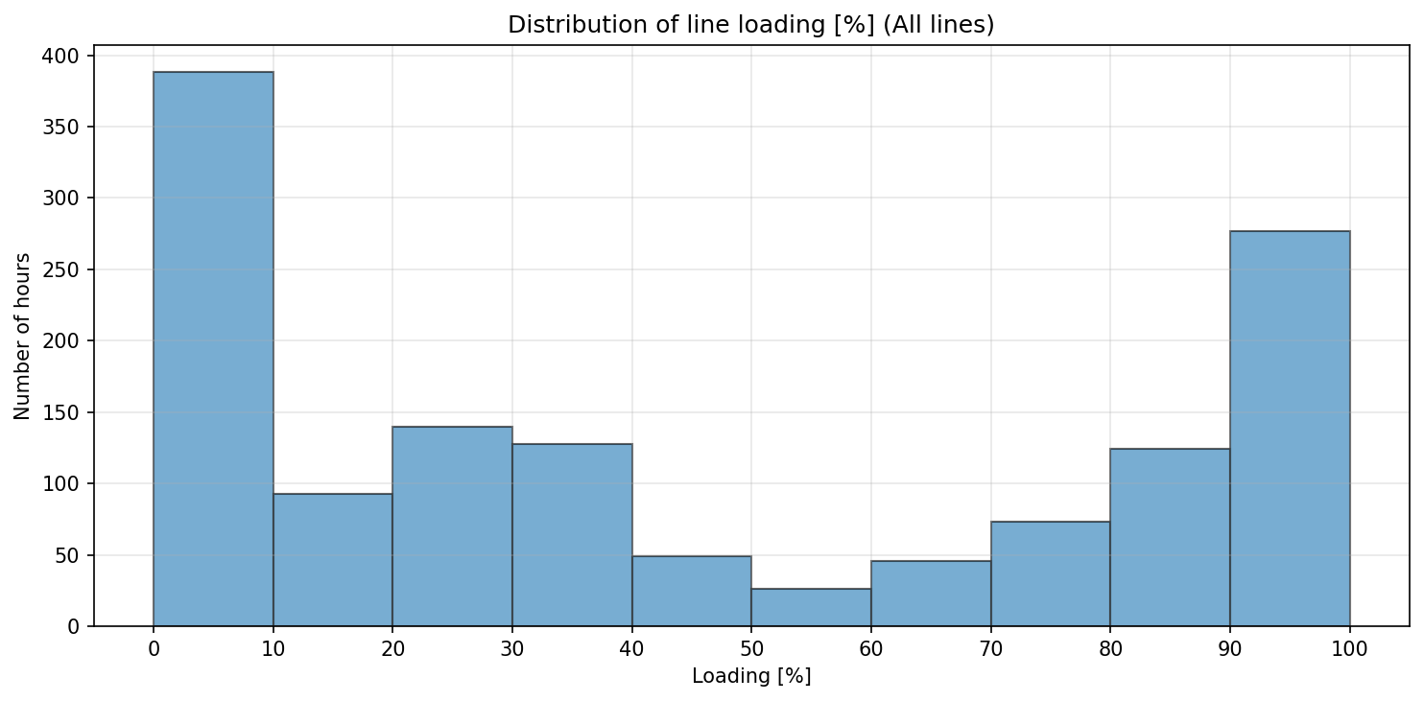
snapshot | L12 | L23 | L31 | LPCC3
2022-01-01 | 61.21 | 102.11 | -251.8 | -88.32
2022-01-01 | 57.48 | 98.16 | -240.24 | -100
2022-01-01 | 45.59 | 85.72 | -203.65 | -100
2022-01-01 | 93.16 | 132.27 | -344.66 | -100
2022-01-01 | 68.98 | 107.3 | -270.8 | -100
2022-01-01 | 53.3 | 91.18 | -223.03 | 0
2022-01-01 | 37.96 | 75.65 | -176.69 | 0
2022-01-01 | 27.47 | 64.32 | -143.83 | 0
2022-01-01 | 19.1 | 52.61 | -113.15 | -13.04
2022-01-01 | 55.21 | 80.86 | -208.37 | 100
2022-01-01 | 34.73 | 58.82 | -144.35 | 100
2022-01-01 | 97.29 | 124.14 | -336.63 | 100
2022-01-01 | 144.45 | 172.34 | -479.82 | 100
2022-01-01 | 200 | 228.43 | -647.38 | 100
2022-01-01 | -85.67 | -57.23 | 209.62 | 100
2022-01-01 | 193.29 | 219.39 | -623.36 | 100
2022-01-01 | 200 | 221.91 | -636.51 | 100
2022-01-01 | 163.42 | 183.31 | -523.4 | 100
2022-01-01 | 200 | 218.01 | -630.01 | 100
2022-01-01 | 200 | 215.89 | -626.48 | 100
2022-01-01 | 200 | 214.35 | -623.91 | 100
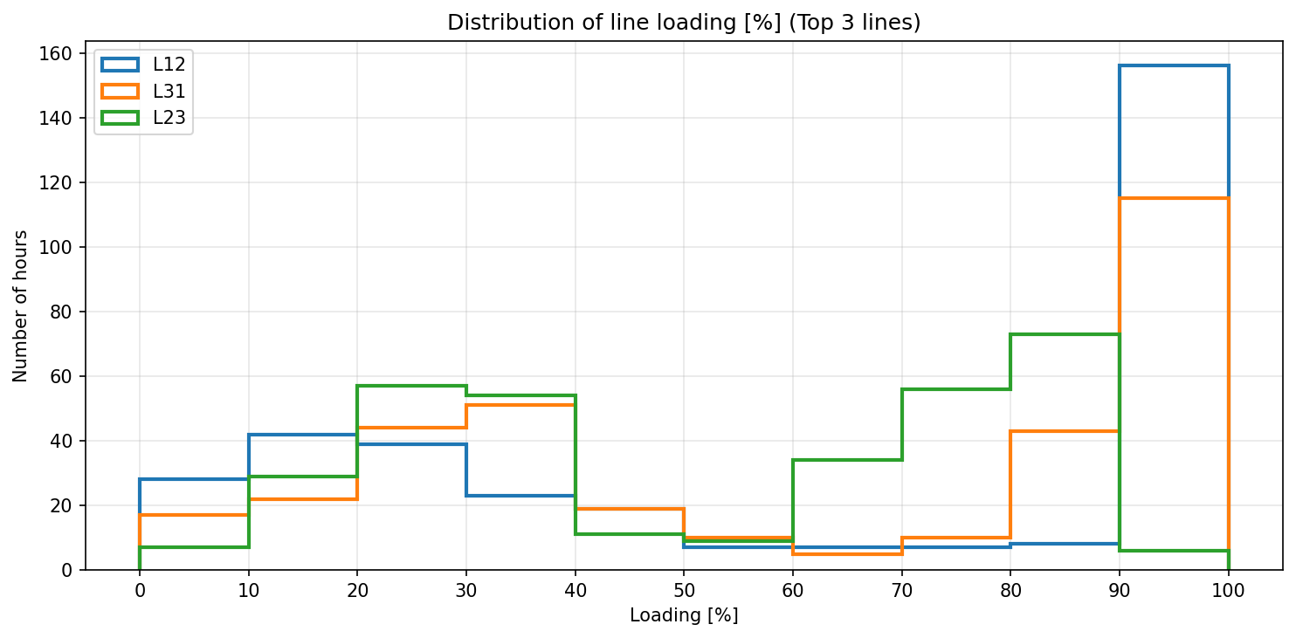
2022-01-01 | 200 | 214.97 | -624.96 | 100
2022-01-01 | 44.34 | 61.69 | -161.94 | 100
2022-01-01 | 99.38 | 118.84 | -330.57 | 100
2022-01-02 | 53.9 | 73.87 | -194.97 | 94.21
2022-01-02 | 84.74 | 102.88 | -284.45 | 100
2022-01-02 | 63.82 | 78.51 | -215.94 | 100
2022-01-02 | 88.71 | 100.47 | -285.74 | 100
2022-01-02 | 13.49 | 23.7 | -57.48 | 100
2022-01-02 | 23.32 | 33.24 | -86.49 | 100
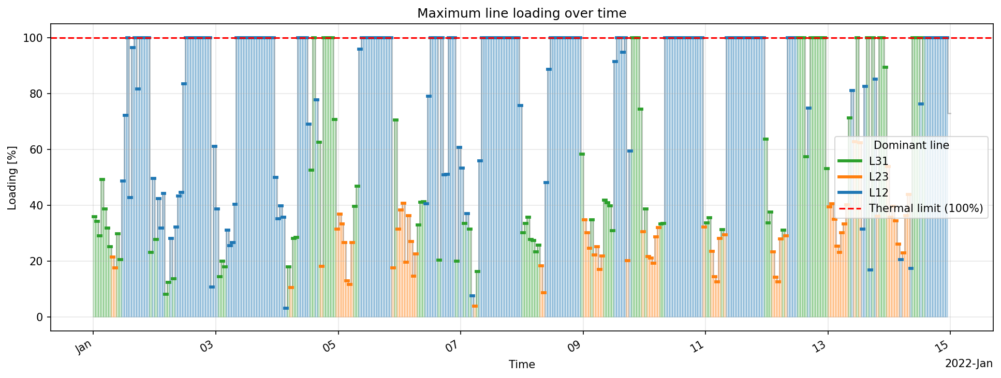
2022-01-02 | 56.14 | 66.23 | -185.24 | 100
2022-01-02 | 26.36 | 36.44 | -95.88 | 100
2022-01-02 | 64.39 | 74.32 | -209.73 | 100
2022-01-02 | 86.59 | 94.33 | -272.66 | 100
2022-01-02 | 89.38 | 94.32 | -276.38 | 100
2022-01-02 | 167.03 | 170.28 | -506.5 | 100
2022-01-02 | 200 | 202.75 | -604.58 | 100
2022-01-02 | 200 | 203.36 | -605.6 | 100
2022-01-02 | 200 | 204.51 | -607.51 | 100
2022-01-02 | 200 | 205.06 | -608.43 | 100
2022-01-02 | 200 | 205.02 | -608.37 | 100
2022-01-02 | 200 | 205.68 | -609.46 | 100
2022-01-02 | 200 | 206.91 | -611.52 | 100
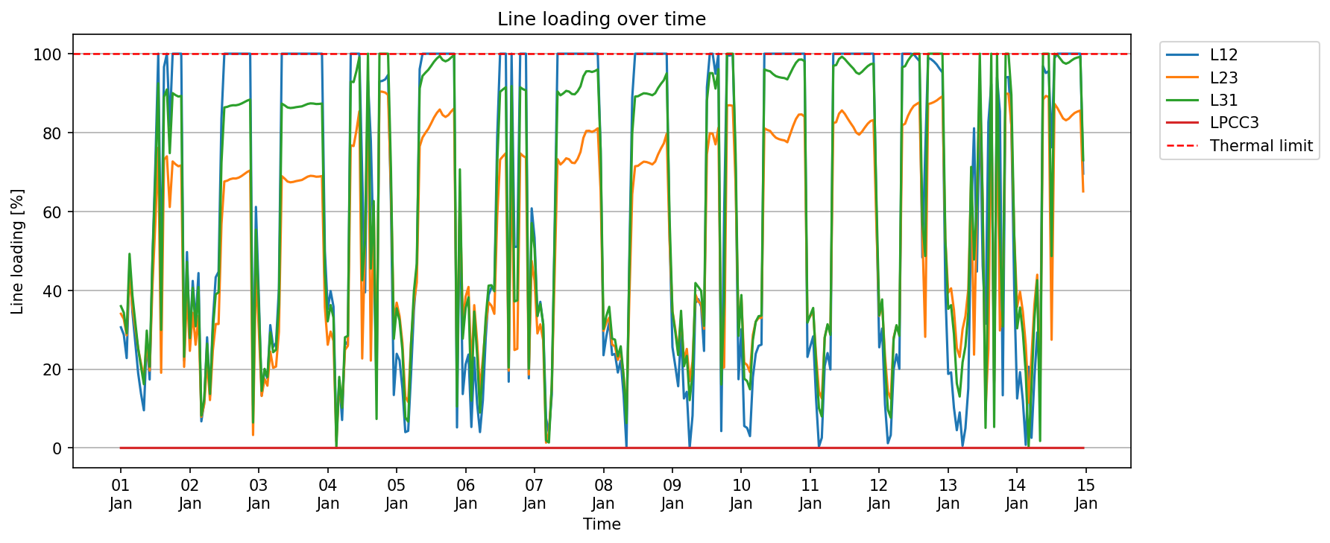
2022-01-02 | 200 | 208.47 | -614.12 | 100
2022-01-02 | 200 | 210.06 | -616.76 | 100
2022-01-02 | 200 | 211.17 | -618.61 | 100
2022-01-02 | -21.6 | -9.86 | 45.24 | 100
2022-01-02 | 122.29 | 134.75 | -387.64 | 100
2022-01-03 | 77.26 | 90.08 | -253.15 | 98.27
2022-01-03 | 26.57 | 39.54 | -101.33 | 100
2022-01-03 | 39.68 | 52.53 | -140.46 | 100
2022-01-03 | 35.19 | 47.38 | -125.89 | 100
2022-01-03 | 62.33 | 73.3 | -205.27 | 100
2022-01-03 | 51.27 | 60.98 | -169.98 | 100
2022-01-03 | 53.3 | 61.95 | -174.32 | 100
2022-01-03 | 80.7 | 88.4 | -254.93 | 100
2022-01-03 | 200 | 206.83 | -611.38 | 100
2022-01-03 | 200 | 204.93 | -608.22 | 100
2022-01-03 | 200 | 202.74 | -604.57 | 100
2022-01-03 | 200 | 202.13 | -603.54 | 100
2022-01-03 | 200 | 202.44 | -604.07 | 100
2022-01-03 | 200 | 203.05 | -605.08 | 100
2022-01-03 | 200 | 203.47 | -605.79 | 100
2022-01-03 | 200 | 203.91 | -606.51 | 100
2022-01-03 | 200 | 205.14 | -608.56 | 100
2022-01-03 | 200 | 206.43 | -610.72 | 100
2022-01-03 | 200 | 207.07 | -611.79 | 100
2022-01-03 | 200 | 206.89 | -611.48 | 100
2022-01-03 | 200 | 206.38 | -610.63 | 100
2022-01-03 | 200 | 206.49 | -610.81 | 100
2022-01-03 | 200 | 206.88 | -611.46 | 100
2022-01-03 | 99.88 | 107.16 | -311.77 | 100
2022-01-04 | 70.43 | 78.53 | -224.79 | 100
2022-01-04 | 79.58 | 88.57 | -253.72 | 100
2022-01-04 | 71.68 | 81.45 | -231.33 | 100
2022-01-04 | -6.14 | 4.87 | 0.08 | 100
2022-01-04 | 34.39 | 48.22 | -126.22 | 100
2022-01-04 | 14.18 | 31.45 | -71.33 | 100
2022-01-04 | 53.98 | 74.67 | -196.43 | 100
2022-01-04 | 52.19 | 77.67 | -199.04 | 100
2022-01-04 | 200 | 230.29 | -650.48 | 100
2022-01-04 | 200 | 229.74 | -649.56 | 100
2022-01-04 | 200 | 241.64 | -669.4 | 100
2022-01-04 | 200 | 256.21 | -693.69 | 100
2022-01-04 | -138.13 | -68.08 | 297.64 | 100
2022-01-04 | 78.95 | 157.67 | -368.05 | 100
2022-01-04 | 186.35 | 270.92 | -700 | 100
2022-01-04 | -155.76 | -66.48 | 318.48 | 100
2022-01-04 | 98.34 | 184.38 | -438.42 | 100
2022-01-04 | -29.72 | 54.69 | -51.53 | 100
2022-01-04 | 185.93 | 271.26 | -700 | 100
2022-01-04 | 186.19 | 271.05 | -700 | 100
2022-01-04 | 186.94 | 270.44 | -700 | 100
2022-01-04 | 189.21 | 268.63 | -700 | 100
2022-01-04 | 124.69 | 197.86 | -496.03 | 100
2022-01-04 | 26.85 | 94.73 | -193.68 | 100
2022-01-05 | 47.77 | 110.57 | -247.97 | -0.14
2022-01-05 | 44.4 | 100.3 | -226.36 | 0
2022-01-05 | 30.17 | 79.85 | -173.32 | 35.6
2022-01-05 | -8.04 | 38.99 | -54.27 | 100
2022-01-05 | -8.66 | 35.05 | -46.87 | 100
2022-01-05 | 37.46 | 80.28 | -183.75 | 0
2022-01-05 | 70.04 | 110.8 | -278.05 | -100
2022-01-05 | 88.5 | 125.94 | -327.89 | 100
2022-01-05 | 192.15 | 229.42 | -638.55 | 100
2022-01-05 | 200 | 236.28 | -660.46 | 100
2022-01-05 | 200 | 239.71 | -666.19 | 100
2022-01-05 | 200 | 242.81 | -671.36 | 100
2022-01-05 | 200 | 247 | -678.34 | 100
2022-01-05 | 200 | 251.44 | -685.74 | 100
2022-01-05 | 200 | 254.97 | -691.62 | 100
2022-01-05 | 200 | 257.52 | -695.87 | 100
2022-01-05 | 200 | 253.36 | -688.93 | 100
2022-01-05 | 200 | 251.85 | -686.42 | 100
2022-01-05 | 200 | 253.29 | -688.82 | 100
2022-01-05 | 200 | 256.08 | -693.46 | 100
2022-01-05 | 200 | 258.42 | -697.37 | 100
2022-01-05 | -10.43 | 52.6 | -73.76 | 100
2022-01-05 | 127.53 | 194.73 | -494.59 | 100
2022-01-05 | 27.34 | 94.58 | -194.09 | 100
2022-01-06 | 42.43 | 115.15 | -248.5 | -64.69
2022-01-06 | 47.39 | 122.51 | -267.38 | 0
2022-01-06 | -10.63 | 58.81 | -83.85 | 0
2022-01-06 | 45.83 | 108.68 | -242.24 | 0
2022-01-06 | 22.54 | 81.19 | -165.38 | 0
2022-01-06 | -8.05 | 44.09 | -62.76 | 0
2022-01-06 | 24.18 | 67.93 | -145.44 | 0
2022-01-06 | 55.99 | 93.73 | -230.87 | -100
2022-01-06 | 77.64 | 110.81 | -288.2 | -100
2022-01-06 | 81.46 | 108.19 | -288.92 | -100
2022-01-06 | 81.09 | 102.06 | -278.23 | -7.86
2022-01-06 | 158.12 | 176.88 | -505.63 | 100
2022-01-06 | 200 | 219.38 | -632.3 | 100
2022-01-06 | 200 | 221.95 | -636.58 | 100
2022-01-06 | 200 | 224.28 | -640.46 | 100
2022-01-06 | 33.63 | 58.81 | -142.86 | 100
2022-01-06 | 200 | 225.46 | -642.44 | 100
2022-01-06 | -101.99 | -74.54 | 260.21 | 100
2022-01-06 | -102.11 | -75.49 | 261.96 | 100
2022-01-06 | 200 | 224.18 | -640.31 | 100
2022-01-06 | 200 | 222.17 | -636.95 | 100
2022-01-06 | 200 | 220.9 | -634.83 | 100
2022-01-06 | 35.34 | 55.91 | -140.31 | 100
2022-01-06 | 121.55 | 142.34 | -399.3 | 100
2022-01-07 | 106.59 | 127.13 | -354.01 | 100
2022-01-07 | 66.88 | 87.13 | -234.39 | 100
2022-01-07 | 74.15 | 94.08 | -255.67 | 100
2022-01-07 | 62.86 | 82 | -220.49 | 100
2022-01-07 | -15.08 | 4.02 | 13.41 | 100
2022-01-07 | -7.52 | 11.79 | -9.62 | 100
2022-01-07 | 27.02 | 46.58 | -113.66 | 100
2022-01-07 | 111.87 | 132.3 | -369.66 | 100
2022-01-07 | 200 | 219.73 | -632.88 | 100
2022-01-07 | 200 | 215.65 | -626.09 | 100
2022-01-07 | 200 | 217.68 | -629.46 | 100
2022-01-07 | 200 | 220.39 | -633.99 | 100
2022-01-07 | 200 | 219.67 | -632.79 | 100
2022-01-07 | 200 | 217.04 | -628.4 | 100
2022-01-07 | 200 | 216.74 | -627.9 | 100
2022-01-07 | 200 | 219.98 | -633.3 | 100
2022-01-07 | 200 | 225.25 | -642.08 | 100
2022-01-07 | 200 | 235.98 | -659.96 | 100
2022-01-07 | 200 | 241.2 | -668.67 | 100
2022-01-07 | 200 | 241.35 | -668.92 | 100
2022-01-07 | 200 | 240.5 | -667.51 | 100
2022-01-07 | 200 | 241.52 | -669.19 | 100
2022-01-07 | 200 | 243.2 | -672.01 | 100
2022-01-07 | 151.72 | 195.53 | -528.18 | 100
2022-01-08 | 47.04 | 89.11 | -211.24 | 100
2022-01-08 | 56.75 | 95.47 | -234.78 | 100
2022-01-08 | 64.04 | 99.16 | -250.66 | 100
2022-01-08 | 47.18 | 78.79 | -194.23 | 100
2022-01-08 | 47.71 | 77.21 | -192.29 | 100
2022-01-08 | 38.26 | 67 | -162.68 | 100
2022-01-08 | 44.34 | 72.84 | -180.52 | 100
2022-01-08 | 26.86 | 55.1 | -127.64 | 100
2022-01-08 | 0.43 | 26.14 | -44.14 | 100
2022-01-08 | 96.31 | 114.01 | -318.43 | 100
2022-01-08 | 177.69 | 192.98 | -558.56 | 100
2022-01-08 | 200 | 214.37 | -623.95 | 100
2022-01-08 | 200 | 214.65 | -624.42 | 100
2022-01-08 | 200 | 216.35 | -627.25 | 100
2022-01-08 | 200 | 217.83 | -629.72 | 100
2022-01-08 | 200 | 217.55 | -629.25 | 100
2022-01-08 | 200 | 216.79 | -627.99 | 100
2022-01-08 | 200 | 215.76 | -626.26 | 100
2022-01-08 | 200 | 217.88 | -629.8 | 100
2022-01-08 | 200 | 223.37 | -638.95 | 100
2022-01-08 | 200 | 227.86 | -646.44 | 100
2022-01-08 | 200 | 231.74 | -652.9 | 100
2022-01-08 | 200 | 239.07 | -665.11 | 100
2022-01-08 | 109.08 | 157.78 | -408.41 | 100
2022-01-09 | 51.19 | 104.27 | -242.04 | -29.16
2022-01-09 | 41.53 | 90.3 | -205.88 | 0
2022-01-09 | 31.31 | 73.95 | -165 | 7.46
2022-01-09 | 59.08 | 98.88 | -243.56 | 100
2022-01-09 | 25.12 | 66.93 | -145.04 | 100
2022-01-09 | 28.48 | 75.38 | -163.61 | 100
2022-01-09 | 0.1 | 50.85 | -84.88 | 100
2022-01-09 | 16.42 | 65.78 | -131.52 | 0
2022-01-09 | 73.55 | 116.85 | -292.82 | -100
2022-01-09 | 75.5 | 111.19 | -285.99 | -100
2022-01-09 | 71.67 | 109.96 | -278.84 | -43.48
2022-01-09 | 49.21 | 90.67 | -216.73 | 100
2022-01-09 | 182.94 | 223.55 | -616.5 | 100
2022-01-09 | 200 | 239.36 | -665.6 | 100
2022-01-09 | 200 | 239.19 | -665.32 | 100
2022-01-09 | 189.78 | 230.99 | -638.02 | 100
2022-01-09 | 200 | 243.57 | -672.62 | 100
2022-01-09 | 8.56 | 60.72 | -112.62 | 100
2022-01-09 | -119.04 | -61.28 | 260.84 | 100
2022-01-09 | 199.18 | 260.66 | -700 | 100
2022-01-09 | 199.04 | 260.77 | -700 | 100
2022-01-09 | 199.59 | 260.33 | -700 | 100
2022-01-09 | 141.16 | 199.7 | -521.05 | 100
2022-01-09 | 34.86 | 91.49 | -198.95 | 100
2022-01-10 | 60.27 | 114.73 | -271.57 | -100
2022-01-10 | 11.14 | 64.95 | -123.11 | 0
2022-01-10 | 10.15 | 63.1 | -118.71 | 0
2022-01-10 | 6.01 | 57.7 | -104.18 | 0
2022-01-10 | 35.91 | 86.08 | -191.33 | 0
2022-01-10 | 47.83 | 96.13 | -223.99 | -93.15
2022-01-10 | 51.81 | 98.92 | -233.95 | -100
2022-01-10 | 52.4 | 98.97 | -234.82 | 32.74
2022-01-10 | 200 | 243.22 | -672.03 | 100
2022-01-10 | 200 | 242.02 | -670.03 | 100
2022-01-10 | 200 | 241.22 | -668.7 | 100
2022-01-10 | 200 | 238.33 | -663.88 | 100
2022-01-10 | 200 | 236.1 | -660.16 | 100
2022-01-10 | 200 | 235.07 | -658.45 | 100
2022-01-10 | 200 | 234.41 | -657.36 | 100
2022-01-10 | 200 | 234.01 | -656.69 | 100
2022-01-10 | 200 | 232.6 | -654.33 | 100
2022-01-10 | 200 | 238.75 | -664.59 | 100
2022-01-10 | 200 | 245 | -675 | 100
2022-01-10 | 200 | 250.31 | -683.85 | 100
2022-01-10 | 200 | 253.64 | -689.4 | 100
2022-01-10 | 200 | 253.81 | -689.68 | 100
2022-01-10 | 200 | 252.09 | -686.81 | 100
2022-01-10 | 46.17 | 96.57 | -222.5 | 100
2022-01-11 | 51.59 | 100.31 | -235.97 | 82.92
2022-01-11 | 56.61 | 103.86 | -248.58 | 24.23
2022-01-11 | 24.97 | 70.36 | -150.56 | 100
2022-01-11 | -0.73 | 43.1 | -70.85 | 100
2022-01-11 | -5.17 | 37.7 | -55.95 | 100
2022-01-11 | 41.53 | 84.19 | -195.69 | 0
2022-01-11 | 48.14 | 93.29 | -219.68 | 0
2022-01-11 | 39.8 | 88.62 | -200.77 | 100
2022-01-11 | 200 | 247.1 | -678.49 | 100
2022-01-11 | 200 | 247.92 | -679.87 | 100
2022-01-11 | 200 | 254.37 | -690.61 | 100
2022-01-11 | 200 | 256.84 | -694.74 | 100
2022-01-11 | 200 | 254.25 | -690.42 | 100
2022-01-11 | 200 | 250.67 | -684.45 | 100
2022-01-11 | 200 | 247.29 | -678.82 | 100
2022-01-11 | 200 | 244.09 | -673.49 | 100
2022-01-11 | 200 | 239.93 | -666.55 | 100
2022-01-11 | 200 | 238.36 | -663.93 | 100
2022-01-11 | 200 | 240.7 | -667.84 | 100
2022-01-11 | 200 | 243.88 | -673.13 | 100
2022-01-11 | 200 | 246.76 | -677.93 | 100
2022-01-11 | 200 | 248.8 | -681.33 | 100
2022-01-11 | 200 | 249.46 | -682.43 | 100
2022-01-11 | 121.35 | 170.32 | -445.67 | 100
2022-01-12 | 51.05 | 100.48 | -235.54 | 85.36
2022-01-12 | 60.6 | 109.78 | -263.76 | 0
2022-01-12 | 22.17 | 69.91 | -146.08 | 100
2022-01-12 | -2.41 | 42.81 | -68.13 | 100
2022-01-12 | -6.54 | 37.48 | -53.74 | 100
2022-01-12 | 39.89 | 84 | -193.19 | 0
2022-01-12 | 47.49 | 92.82 | -218.02 | 3.76
2022-01-12 | 40.13 | 87.26 | -198.93 | 100
2022-01-12 | 200 | 245.54 | -675.9 | 100
2022-01-12 | 200 | 246.72 | -677.87 | 100
2022-01-12 | 200 | 252.68 | -687.81 | 100
2022-01-12 | 200 | 257.04 | -695.06 | 100
2022-01-12 | 199.73 | 260.22 | -700 | 100
2022-01-12 | 197.92 | 261.67 | -700 | 100
2022-01-12 | 196.25 | 263 | -700 | 100
2022-01-12 | 96.67 | 164.24 | -402.64 | 100
2022-01-12 | -149.86 | -84.55 | 340.73 | 100
2022-01-12 | 197.89 | 261.69 | -700 | 100
2022-01-12 | 197.23 | 262.22 | -700 | 100
2022-01-12 | 196.06 | 263.16 | -700 | 100
2022-01-12 | 194.52 | 264.39 | -700 | 100
2022-01-12 | 192.39 | 266.09 | -700 | 100
2022-01-12 | 190.46 | 267.63 | -700 | 100
2022-01-12 | 80.1 | 159.09 | -371.96 | 100
2022-01-13 | 37.55 | 118.15 | -246.98 | -30.38
2022-01-13 | 38.36 | 121.46 | -253.58 | -100
2022-01-13 | 20.4 | 105.02 | -202.24 | -100
2022-01-13 | -9.02 | 76.1 | -114.81 | -100
2022-01-13 | -18.04 | 69.21 | -91.29 | -100
2022-01-13 | 1.1 | 90.31 | -151.99 | -100
2022-01-13 | 9.98 | 100.3 | -180.48 | -100
2022-01-13 | 30.26 | 120.78 | -241.65 | 100
2022-01-13 | 117.19 | 205.69 | -499.08 | 100
2022-01-13 | -162.17 | -71 | 334.57 | 100
2022-01-13 | 89.5 | 188.58 | -433.63 | 100
2022-01-13 | 178.72 | 277.02 | -700 | 100
2022-01-13 | 92.43 | 187.31 | -435.42 | 100
2022-01-13 | -63.01 | 28.99 | 35.69 | 100
...

loads
...
snapshot | Load_node_3_L0_COEF. PERFIL P3.0TDVE | Load_node_1_L1_COEF. PERFIL P3.0TDVE | Total_load
2022-01-01 | 1026.0483627 | 228.01074727 | 1254.05911
2022-01-01 | 1149.6298589 | 255.47330198 | 1405.1031609
2022-01-01 | 1198.6219755 | 266.360439 | 1464.9824145
2022-01-01 | 1141.3863767 | 253.64141704 | 1395.0277937
2022-01-01 | 871.73070599 | 193.71793466 | 1065.4486407
2022-01-01 | 609.28366237 | 135.39636942 | 744.68003178
2022-01-02 | 424.49172152 | 94.33149367 | 518.82321519
2022-01-02 | 394.23872045 | 87.608604543 | 481.84732499
2022-01-02 | 333.6367754 | 74.141505644 | 407.77828104
2022-01-02 | 322.37582851 | 71.639073002 | 394.01490151
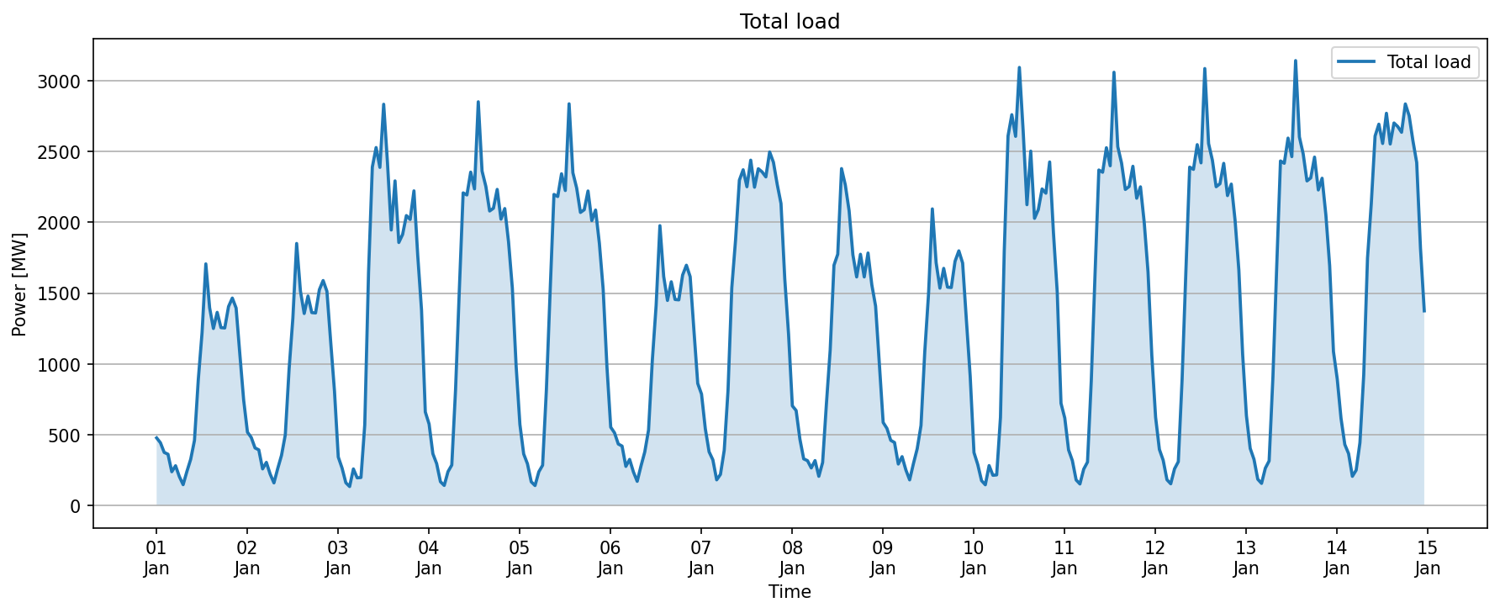
2022-01-02 | 212.58637865 | 47.241417477 | 259.82779612
2022-01-02 | 250.26355775 | 55.614123944 | 305.87768169
2022-01-02 | 182.49643076 | 40.55476239 | 223.05119315
2022-01-02 | 131.78379163 | 29.285287029 | 161.06907866
2022-01-02 | 214.61028018 | 47.691173373 | 262.30145355
2022-01-02 | 290.79912922 | 64.622028715 | 355.42115793
2022-01-02 | 409.17338302 | 90.927418448 | 500.10080146
2022-01-02 | 786.76047819 | 174.83566182 | 961.59614001
2022-01-02 | 1082.2500729 | 240.5000162 | 1322.7500891
2022-01-02 | 1513.7439136 | 336.38753636 | 1850.13145
2022-01-02 | 1239.1743604 | 275.37208009 | 1514.5464405
2022-01-02 | 1109.4624322 | 246.54720715 | 1356.0096394
2022-01-02 | 1210.4656612 | 268.99236915 | 1479.4580303
2022-01-02 | 1114.718823 | 247.71529401 | 1362.4341171
2022-01-02 | 1112.7045101 | 247.2676689 | 1359.972179
2022-01-02 | 1246.7232279 | 277.04960619 | 1523.7728341
2022-01-02 | 1299.853033 | 288.85622955 | 1588.7092625
2022-01-02 | 1237.7835328 | 275.06300728 | 1512.8465401
2022-01-02 | 945.35376651 | 210.07861478 | 1155.4323813
2022-01-02 | 660.74144275 | 146.83143172 | 807.57287447
2022-01-03 | 280.95967035 | 62.435482301 | 343.39515265
2022-01-03 | 217.63284535 | 48.362854522 | 265.99569987
2022-01-03 | 132.55857892 | 29.457461983 | 162.01604091
2022-01-03 | 110.78233358 | 24.618296351 | 135.40062993
2022-01-03 | 212.30400449 | 47.178667665 | 259.48267216
2022-01-03 | 160.8446643 | 35.743258733 | 196.58792303
2022-01-03 | 162.88978121 | 36.197729158 | 199.08751037
2022-01-03 | 467.00832356 | 103.77962746 | 570.78795102
2022-01-03 | 1345.7778283 | 299.06173962 | 1644.8395679
2022-01-03 | 1955.0086675 | 434.44637056 | 2389.4550381
2022-01-03 | 2067.6344905 | 459.47433123 | 2527.1088218
2022-01-03 | 1953.1075607 | 434.02390237 | 2387.131463
...

