3D
# Grids
1 | Level | D | Box dimensions (in Diameters) |  |  |  |  |  | Box location (in Diameters) |  |  |  |  |  | LUMA Refs |  |  |  |  |  |  | Total Cells | Total Active | % of Volume | % active sites | LUPTS | % LUPTS
 | L0 | 96 | X0 | 50 | Y0 | 50 | Z0 | 50 | XC | 20 | YC | 25 | ZC | 25 |  |  |  |  |  |  | Mesh0 | 110,592,000,000 | 110,592,000,000 | 100.000% | 100.000% | 110,592,000,000 | 100.000%

 |  |  |  |  |  |  |  |  |  |  |  |  |  |  | ObjXstart | ObjYstart | ObjZcen
 |  |  |  |  |  |  |  |  |  |  |  |  |  |  | 1871 | 2351 | 2399 |  |  |  | Total active sites | 110,592,000,000 | 110,592,000,000 | 100.000% | 100.000% | 110,592,000,000 | 100.000%

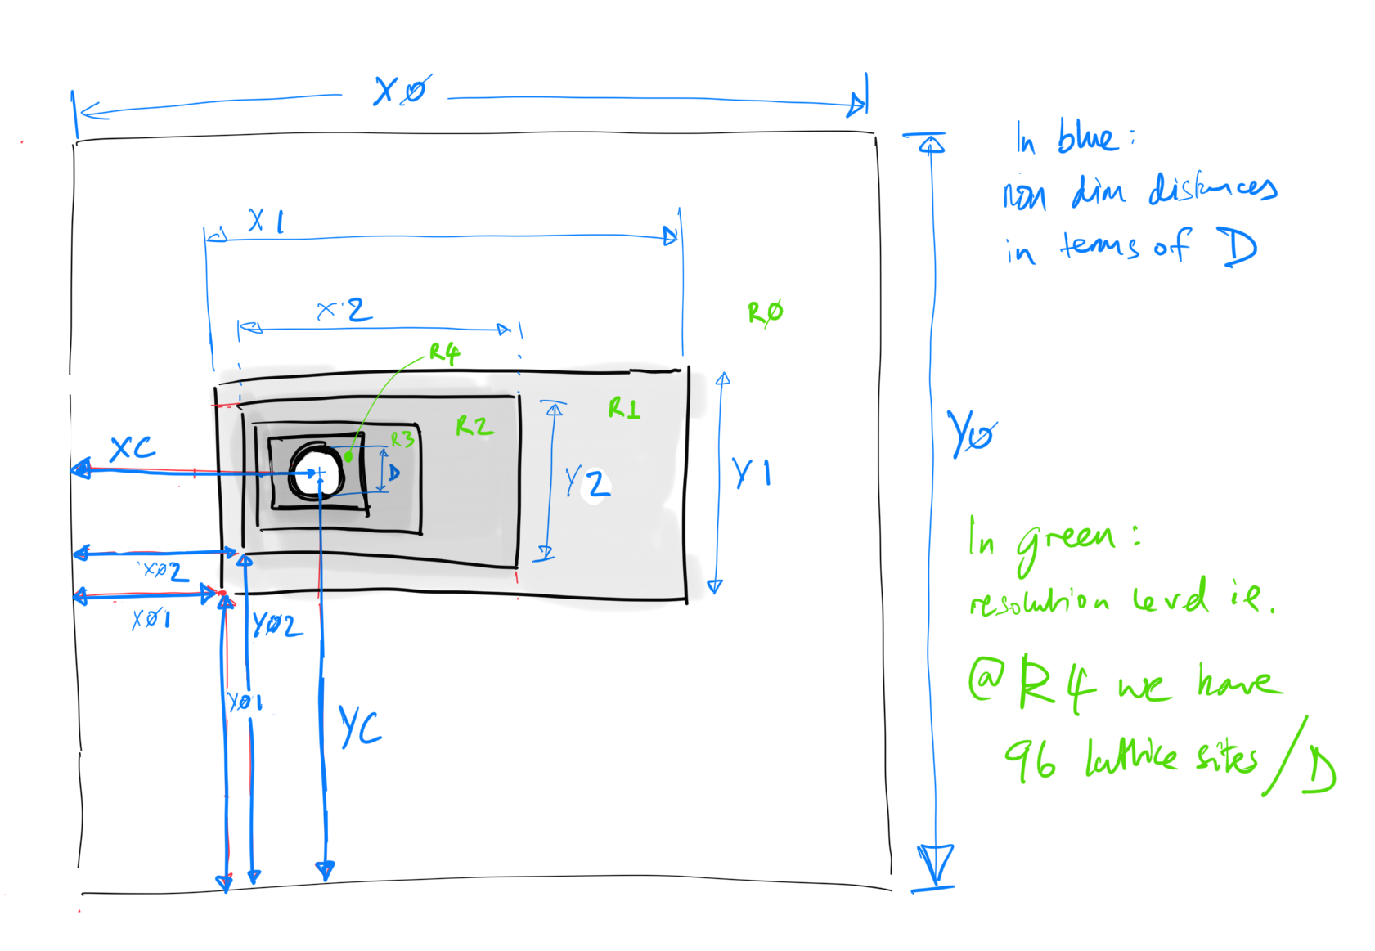
2 | Level | D | Box dimensions (in Diameters) |  |  |  |  |  | Box location (in Diameters) |  |  |  |  |  | LUMA Refs |  |  |  |  |  |  | Total Cells | Total Active | % of Volume | % active sites | LUPTS | % LUPTS
 | L0 | 48 | X0 | 50 | Y0 | 50 | Z0 | 50 | XC | 20 | YC | 25 | ZC | 25 | RefXstart | RefXend | RefYstart | RefYend | RefZstart | RefZend | Mesh0 | 13,824,000,000 | 13,823,502,336 | 99.996% | 99.971% | 13,823,502,336 | 99.942%
 | L1 | 96 | X1 | 2 | Y1 | 1.5 | Z1 | 1.5 | X01 | 19 | Y01 | 24.25 | Z01 | 24.25 | 911 | 1007 | 1163 | 1235 | 1163 | 1235 | Mesh1 | 3,981,312 | 3,981,312 | 0.004% | 0.029% | 7,962,624 | 0.058%

 |  |  |  |  |  |  |  |  |  |  |  |  |  |  | ObjXstart | ObjYstart | ObjZcen
 |  |  |  |  |  |  |  |  |  |  |  |  |  |  | 47 | 23 | 71 |  |  |  | Total active sites | 13,827,981,312 | 13,827,483,648 | 100.000% | 100.000% | 13,831,464,960 | 100.000%

3 | Level | D | Box dimensions (in Diameters) |  |  |  |  |  | Box location (in Diameters) |  |  |  |  |  | LUMA Refs |  |  |  |  |  |  | Total Cells | Total Active | % of Volume | % active sites | LUPTS | % LUPTS
 | L0 | 24 | X0 | 50 | Y0 | 50 | Z0 | 50 | XC | 20 | YC | 25 | ZC | 25 | RefXstart | RefXend | RefYstart | RefYend | RefZstart | RefZend | Mesh0 | 1,728,000,000 | 1,727,740,800 | 99.985% | 99.679% | 1,727,740,800 | 98.908%
 | L1 | 48 | X1 | 3 | Y1 | 2.5 | Z1 | 2.5 | X01 | 18.5 | Y01 | 23.75 | Z01 | 23.75 | 443 | 515 | 569 | 629 | 569 | 629 | Mesh1 | 2,073,600 | 1,575,936 | 0.011% | 0.091% | 3,151,872 | 0.180%
 | L2 | 96 | X2 | 2 | Y2 | 1.5 | Z2 | 1.5 | X02 | 19 | Y02 | 24.25 | Z02 | 24.25 | 23 | 119 | 23 | 95 | 23 | 95 | Mesh2 | 3,981,312 | 3,981,312 | 0.004% | 0.230% | 15,925,248 | 0.912%

 |  |  |  |  |  |  |  |  |  |  |  |  |  |  | ObjXstart | ObjYstart | ObjZcen
 |  |  |  |  |  |  |  |  |  |  |  |  |  |  | 47 | 23 | 71 |  |  |  | Total active sites | 1,734,054,912 | 1,733,298,048 | 100.000% | 100.000% | 1,746,817,920 | 100.000%

4 | Level | D | Box dimensions (in Diameters) |  |  |  |  |  | Box location (in Diameters) |  |  |  |  |  | LUMA Refs |  |  |  |  |  |  | Total Cells | Total Active | % of Volume | % active sites | LUPTS | % LUPTS
 | L0 | 12 | X0 | 50 | Y0 | 50 | Z0 | 50 | XC | 20 | YC | 25 | ZC | 25 | RefXstart | RefXend | RefYstart | RefYend | RefZstart | RefZend | Mesh0 | 216,000,000 | 215,915,328 | 99.961% | 97.307% | 215,915,328 | 84.704%
 | L1 | 24 | X1 | 4 | Y1 | 3.5 | Z1 | 3.5 | X01 | 18 | Y01 | 23.25 | Z01 | 23.25 | 215 | 263 | 278 | 320 | 278 | 320 | Mesh1 | 677,376 | 418,176 | 0.024% | 0.188% | 836,352 | 0.328%
 | L2 | 48 | X2 | 3 | Y2 | 2.5 | Z2 | 2.5 | X02 | 18.5 | Y02 | 23.75 | Z02 | 23.75 | 11 | 83 | 11 | 71 | 11 | 71 | Mesh2 | 2,073,600 | 1,575,936 | 0.011% | 0.710% | 6,303,744 | 2.473%
 | L3 | 96 | X3 | 2 | Y3 | 1.5 | Z3 | 1.5 | X03 | 19 | Y03 | 24.25 | Z03 | 24.25 | 23 | 119 | 23 | 95 | 23 | 95 | Mesh3 | 3,981,312 | 3,981,312 | 0.004% | 1.794% | 31,850,496 | 12.495%

 |  |  |  |  |  |  |  |  |  |  |  |  |  |  | ObjXstart | ObjYstart | ObjZcen
 |  |  |  |  |  |  |  |  |  |  |  |  |  |  | 47 | 23 | 71 |  |  |  | Total active sites | 222,732,288 | 221,890,752 | 100.000% | 100.000% | 254,905,920 | 100.000%

5 | Level | D | Box dimensions (in Diameters) |  |  |  |  |  | Box location (in Diameters) |  |  |  |  |  | LUMA Refs |  |  |  |  |  |  | Total Cells | Total Active | % of Volume | % active sites | LUPTS | % LUPTS
 | L0 | 6 | X0 | 50 | Y0 | 50 | Z0 | 50 | XC | 20 | YC | 25 | ZC | 25 | RefXstart | RefXend | RefYstart | RefYend | RefZstart | RefZend | Mesh0 | 27,000,000 | 26,978,130 | 99.919% | 81.643% | 26,978,130 | 25.659%
 | L1 | 12 | X1 | 5 | Y1 | 4.5 | Z1 | 4.5 | X01 | 17.5 | Y01 | 22.75 | Z01 | 22.75 | 104 | 134 | 136 | 163 | 136 | 163 | Mesh1 | 174,960 | 90,288 | 0.042% | 0.273% | 180,576 | 0.172%
 | L2 | 24 | X2 | 4 | Y2 | 3.5 | Z2 | 3.5 | X02 | 18 | Y02 | 23.25 | Z02 | 23.25 | 5 | 53 | 5 | 47 | 5 | 47 | Mesh2 | 677,376 | 418,176 | 0.024% | 1.266% | 1,672,704 | 1.591%
 | L3 | 48 | X3 | 3 | Y3 | 2.5 | Z3 | 2.5 | X03 | 18.5 | Y03 | 23.75 | Z03 | 23.75 | 11 | 83 | 11 | 71 | 11 | 71 | Mesh3 | 2,073,600 | 1,575,936 | 0.011% | 4.769% | 12,607,488 | 11.991%
 | L4 | 96 | X4 | 2 | Y4 | 1.5 | Z4 | 1.5 | X04 | 19 | Y04 | 24.25 | Z04 | 24.25 | 23 | 119 | 23 | 95 | 23 | 95 | Mesh4 | 3,981,312 | 3,981,312 | 0.004% | 12.049% | 63,700,992 | 60.587%

 |  |  |  |  |  |  |  |  |  |  |  |  |  |  | ObjXstart | ObjYstart | ObjZcen
 |  |  |  |  |  |  |  |  |  |  |  |  |  |  | 47 | 23 | 71 |  |  |  | Total active sites | 33,907,248 | 33,043,842 | 100.000% | 100.000% | 105,139,890 | 100.000%

6 | Level | D | Box dimensions (in Diameters) |  |  |  |  |  | Box location (in Diameters) |  |  |  |  |  | LUMA Refs |  |  |  |  |  |  | Total Cells | Total Active | % of Volume | % active sites | LUPTS | % LUPTS
 | L0 | 3 | X0 | 50 | Y0 | 50 | Z0 | 50 | XC | 20 | YC | 25 | ZC | 25 | RefXstart | RefXend | RefYstart | RefYend | RefZstart | RefZend | Mesh0 | 3,375,000 | 3,370,100 | 99.855% | 10.199% | 3,370,100 | 2.110%
 | L1 | 6 | X1 | 6 | Y1 | 5.5 | Z1 | 5.5 | X01 | 17 | Y01 | 22.25 | Z01 | 22.25 | 50 | 68 | 66 | 82 | 66 | 82 | Mesh1 | 39,204 | 17,334 | 0.064% | 0.052% | 34,668 | 0.022%
 | L2 | 12 | X2 | 5 | Y2 | 4.5 | Z2 | 4.5 | X02 | 17.5 | Y02 | 22.75 | Z02 | 22.75 | 2 | 32 | 2 | 29 | 2 | 29 | Mesh2 | 174,960 | 90,288 | 0.042% | 0.273% | 361,152 | 0.226%
 | L3 | 24 | X3 | 4 | Y3 | 3.5 | Z3 | 3.5 | X03 | 18 | Y03 | 23.25 | Z03 | 23.25 | 5 | 53 | 5 | 47 | 5 | 47 | Mesh3 | 677,376 | 418,176 | 0.024% | 1.266% | 3,345,408 | 2.094%
 | L4 | 48 | X4 | 3 | Y4 | 2.5 | Z4 | 2.5 | X04 | 18.5 | Y04 | 23.75 | Z04 | 23.75 | 11 | 59 | 11 | 47 | 11 | 47 | Mesh4 | 2,073,600 | 1,575,936 | 0.011% | 4.769% | 25,214,976 | 15.786%
 | L5 | 96 | X5 | 2 | Y5 | 1.5 | Z5 | 1.5 | X05 | 19 | Y05 | 24.25 | Z05 | 24.25 | 23 | 23 | 23 | 23 | 23 | 23 | Mesh5 | 3,981,312 | 3,981,312 | 0.004% | 12.049% | 127,401,984 | 79.762%

 |  |  |  |  |  |  |  |  |  |  |  |  |  |  | ObjXstart | ObjYstart | ObjZcen
 |  |  |  |  |  |  |  |  |  |  |  |  |  |  | 47 | 23 | 71 |  |  |  | Total active sites | 10,321,452 | 9,453,146 | 100.000% | 28.608% | 159,728,288 | 100.000%

7 | Level | D | Box dimensions (in Diameters) |  |  |  |  |  | Box location (in Diameters) |  |  |  |  |  | LUMA Refs |  |  |  |  |  |  | Total Cells | Total Active | % of Volume | % active sites | LUPTS | % LUPTS
 | L0 | 1.5 | X0 | 50 | Y0 | 50 | Z0 | 50 | XC | 20 | YC | 25 | ZC | 25 | RefXstart | RefXend | RefYstart | RefYend | RefZstart | RefZend | Mesh0 | 421,875 | 420,546.09 | 99.685% | 1.3% | 420,546 | 0.052%
 | L1 | 3 | X1 | 7 | Y1 | 7.5 | Z1 | 7.5 | X01 | 16.5 | Y01 | 21.25 | Z01 | 21.25 | 24 | 34 | 31 | 42 | 31 | 42 | Mesh1 | 10,631 | 3,787 | 0.112% | 0.0% | 7,574 | 0.001%
 | L2 | 6 | X2 | 6 | Y2 | 6.5 | Z2 | 6.5 | X02 | 17 | Y02 | 21.75 | Z02 | 21.75 | 1 | 19 | 1 | 20 | 1 | 20 | Mesh2 | 54,756 | 22,086 | 0.082% | 0.1% | 88,344 | 0.011%
 | L3 | 12 | X3 | 5 | Y3 | 5.5 | Z3 | 5.5 | X03 | 17.5 | Y03 | 22.25 | Z03 | 22.25 | 2 | 32 | 2 | 35 | 2 | 35 | Mesh3 | 261,360 | 121,392 | 0.056% | 0.4% | 971,136 | 0.121%
 | L4 | 24 | X4 | 4 | Y4 | 4.5 | Z4 | 4.5 | X04 | 18 | Y04 | 22.75 | Z04 | 22.75 | 5 | 41 | 5 | 47 | 5 | 47 | Mesh4 | 1,119,744 | 611,712 | 0.035% | 1.9% | 9,787,392 | 1.216%
 | L5 | 48 | X5 | 3 | Y5 | 3.5 | Z5 | 3.5 | X05 | 18.5 | Y05 | 23.25 | Z05 | 23.25 | 11 | 59 | 11 | 71 | 11 | 71 | Mesh5 | 4,064,256 | 2,681,856 | 0.019% | 8.1% | 85,819,392 | 10.662%
 | L6 | 96 | X6 | 2 | Y6 | 2.5 | Z6 | 2.5 | X06 | 19 | Y06 | 23.75 | Z06 | 23.75 | 23 | 23 | 23 | 23 | 23 | 23 | Mesh6 | 11,059,200 | 11,059,200 | 0.010% | 33.5% | 707,788,800 | 87.937%

 |  |  |  |  |  |  |  |  |  |  |  |  |  |  | ObjXstart | ObjYstart | ObjZcen
 |  |  |  |  |  |  |  |  |  |  |  |  |  |  | 47 | 71 | 119 |  |  |  | Total active sites | 16,991,822 | 14,920,579 | 100.000% | 45.2% | 804,883,184 | 100.000%

3D LUPTS
3D LUPTS by Grid
 | L0 | L1 | L2 | L3 | L4 | L5 | L6
 | 110,592,000,000
 | 13,823,502,336 | 7,962,624
 | 1,727,740,800 | 3,151,872 | 15925248
 | 215,915,328 | 836,352 | 6303744 | 31850496
 | 26,978,130 | 180,576 | 1672704 | 12607488 | 63700992
 | 3,370,100 | 34,668 | 361152 | 3345408 | 25214976 | 127401984
 | 420,546 | 7,574 | 88344 | 971136 | 9787392 | 85819392 | 707788800

2D LUPTS
2D LUPTS by Grid
 | L0 | L1 | L2 | L3 | L4 | L5 | L6
 | 16,000,000
 | 3,997,600 | 38,400
 | 998,500 | 19,200 | 76800 | 153600
 | 249,300 | 8,200 | 38400 | 76800
 | 62,219 | 3,100 | 16400 | 32800 | 307200
 | 15,522 | 1,088 | 6200 | 12400 | 153600 | 614400
 | 3,871 | 363 | 2175 |  | 65600 | 307200 | 1228800

