Hoja1
Computational domain size according with L

L0 | 80 |  | Times L Finest grid
L1 | 40
L2 | 20
L3 | 10
# Refinement | 3
Grids | 4 | Accumulative
Fine grid 1 X | 5 | 5 | Times L |  | Object_start_x | 20 | Lattice Units coarse grid
Fine grid 1 Y | 2.25 | 2.25 | Times L |  | Object_start_y | 10 | Lattice Units coarse grid
Fine grid 2 X | 2 | 7 | Times L |  | RefXstart 1 | 10 | Lattice Units coarse grid
Fine grid 2 Y | 2 | 4.25 | Times L |  | RefYstart 1 | 10 | Lattice Units coarse grid
Fine grid 3 X | 2 | 9 | Times L |  | RefXstart 2 | 10 | Lattice Units coarse grid
Fine grid 3 Y | 2 | 6.25 | Times L |  | RefYstart 2 | 10 | Lattice Units coarse grid
Coarse grid X | 6 | 15 | Times L |  | RefXstart 3 | 30 | Lattice Units coarse grid
Coarse grid Y | 4 | 10.25 | Times L |  | RefXstart 3 | 20 | Lattice Units coarse grid

 |  |  |  |  | L0 | L1 | L2 | L3
 |  |  |  | X_0 | 400 | 200 | 100 | 50
 |  |  |  | Y_0 | 180 | 90 | 45 | 22.5
 |  |  |  | X_1 | 560 | 280 | 140 | 70
 |  |  |  | Y_1 | 340 | 170 | 85 | 42.5
 |  |  |  | X_2 | 720 | 360 | 180 | 90
 |  |  |  | Y_2 | 500 | 250 | 125 | 62.5
 |  |  |  | Y_3 | 1200 | 600 | 300 | 150
 |  |  |  | Y_3 | 820 | 410 | 205 | 102.5

2.5L

2.5L
L

Hoja2
1 | Level | D | Box dimensions (in Diameters) |  |  |  | Box location (in Diameters) * |  |  |  |  | LUMA Refs |  |  |  |  | Total Cells | Total Active | % of Volume | % active sites | LUPTS | % LUPTS
 | R0 | 64 | X0 | 20 | Y0 | 20 | XC | 10 | YC | 10 |  |  |  |  |  | Mesh0 | 1638400 | 1638400 | 100.000% | 10000% | 1638400 | 100%

 |  |  |  |  |  |  |  |  |  |  | Object @ | 608 | 608

2 | Level | D | Box dimensions (in Diameters) |  |  |  | Box location (in Diameters) * |  |  |  |  | LUMA Refs |  |  |  |  | Total Cells | Total Active | % of Volume | % active sites | LUPTS | % LUPTS
 | R0 | 32 | X0 | 20 | Y0 | 20 | XC | 10 | YC | 10 |  | RefXstart | RefXend | RefYstart | RefYend | Mesh0 | 409600 | 405504 | 99.000% | 96% | 405504 | 93%
 | R1 | 64 | X1 | 2 | Y1 | 2 | X01 | 9 | Y01 | 9 |  | 288 | 352 | 288 | 352 | Mesh1 | 16384 | 16384 | 1.000% | 4% | 32768 | 7%

 |  |  |  |  |  |  |  |  |  |  | Object @ | 32 | 32
 |  |  |  |  |  |  |  |  |  |  |  |  |  |  |  | Total active sites |  | 421888 | 100.000% | 100.000% | 438272 | 100%

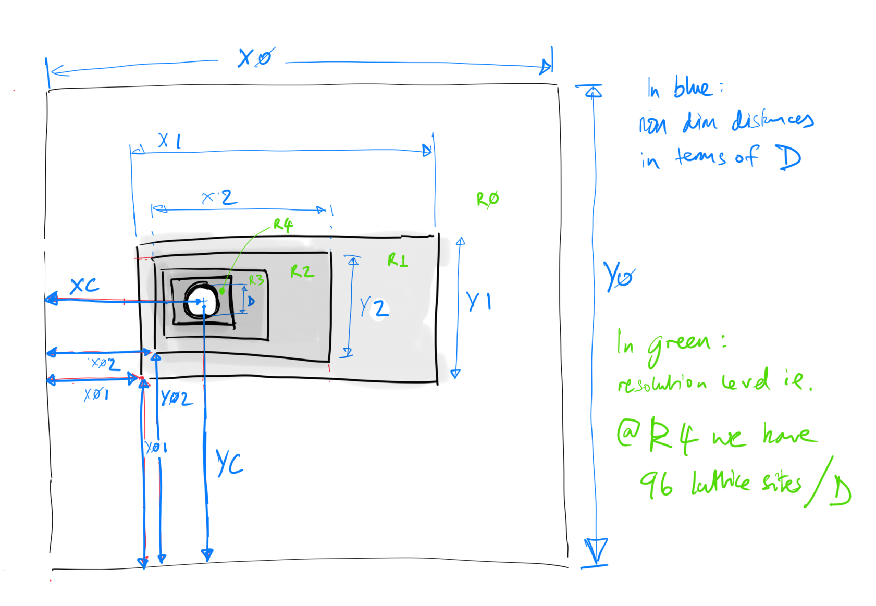
3 | Level | D | Box dimensions (in Diameters) |  |  |  | Box location (in Diameters) * |  |  |  |  | LUMA Refs |  |  |  |  | Total Cells | Total Active | % of Volume | % active sites | LUPTS | % LUPTS
 | R0 | 16 | X0 | 20 | Y0 | 20 | XC | 10 | YC | 10 |  | RefXstart | RefXend | RefYstart | RefYend | Mesh0 | 102400 | 98304 | 96.000% | 77% | 98304 | 52%
 | R1 | 32 | X1 | 4 | Y1 | 4 | X01 | 8 | Y01 | 8 |  | 128 | 192 | 128 | 192 | Mesh1 | 16384 | 12288 | 3.000% | 10% | 24576 | 13%
 | R2 | 64 | X2 | 2 | Y2 | 2 | X02 | 9 | Y02 | 9 |  | 32 | 96 | 32 | 96 | Mesh2 | 16384 | 16384 | 1.000% | 13% | 65536 | 35%

 |  |  |  |  |  |  |  |  |  |  | Object @ | 32 | 32
 |  |  |  |  |  |  |  |  |  |  |  |  |  |  |  | Total active sites |  | 126976 | 100.000% | 100.000% | 188416 | 100%

4 | Level | D | Box dimensions (in Diameters) |  |  |  | Box location (in Diameters) * |  |  |  |  | LUMA Refs |  |  |  |  | Total Cells | Total Active | % of Volume | % active sites | LUPTS | % LUPTS
 | R0 | 8 | X0 | 20 | Y0 | 20 | XC | 10 | YC | 10 |  | RefXstart | RefXend | RefYstart | RefYend | Mesh0 | 25600 | 21504 | 84.000% | 34% | 21504 | 10%
 | R1 | 16 | X1 | 8 | Y1 | 8 | X01 | 6 | Y01 | 6 |  | 48 | 112 | 48 | 112 | Mesh1 | 16384 | 12288 | 12.000% | 20% | 24576 | 11%
 | R2 | 32 | X2 | 4 | Y2 | 4 | X02 | 8 | Y02 | 8 |  | 32 | 96 | 32 | 96 | Mesh2 | 16384 | 12288 | 3.000% | 20% | 49152 | 22%
 | R3 | 64 | X3 | 2 | Y3 | 2 | X03 | 9 | Y03 | 9 |  | 32 | 96 | 32 | 96 | Mesh3 | 16384 | 16384 | 1.000% | 26% | 131072 | 58%

 |  |  |  |  |  |  |  |  |  |  | Object @ | 32 | 32
 |  |  |  |  |  |  |  |  |  |  |  |  |  |  |  | Total active sites |  | 62464 | 100.000% | 100.000% | 226304 | 100%

5 | Level | D | Box dimensions (in Diameters) |  |  |  | Box location (in Diameters) * |  |  |  |  | LUMA Refs |  |  |  |  | Total Cells | Total Active | % of Volume | % active sites | LUPTS | % LUPTS
 | R0 | 4 | X0 | 20 | Y0 | 20 | XC | 10 | YC | 10 |  | RefXstart | RefXend | RefYstart | RefYend | Mesh0 | 6400 | 5376 | 84.000% | 13% | 5376 | 1%
 | R1 | 8 | X1 | 8 | Y1 | 8 | X01 | 6 | Y01 | 6 |  | 24 | 56 | 24 | 56 | Mesh1 | 4096 | 1792 | 7.000% | 4% | 3584 | 1%
 | R2 | 16 | X2 | 6 | Y2 | 6 | X02 | 7 | Y02 | 7 |  | 8 | 56 | 8 | 56 | Mesh2 | 9216 | 5120 | 5.000% | 13% | 20480 | 5%
 | R3 | 32 | X3 | 4 | Y3 | 4 | X03 | 8 | Y03 | 8 |  | 16 | 80 | 16 | 80 | Mesh3 | 16384 | 12288 | 3.000% | 30% | 98304 | 25%
 | R4 | 64 | X4 | 2 | Y4 | 2 | X04 | 9 | Y04 | 9 |  | 32 | 96 | 32 | 96 | Mesh4 | 16384 | 16384 | 1.000% | 40% | 262144 | 67%

 |  |  |  |  |  |  |  |  |  |  | Object @ | 32 | 32
 |  |  |  |  |  |  |  |  |  |  |  |  |  |  |  | Total active sites |  | 40960 | 100.000% | 100.000% | 389888 | 100%

6 | Level | D | Box dimensions (in Diameters) |  |  |  | Box location (in Diameters) * |  |  |  |  | LUMA Refs |  |  |  |  | Total Cells | Total Active | % of Volume | % active sites | LUPTS | % LUPTS
 | R0 | 2 | X0 | 20 | Y0 | 20 | XC | 10 | YC | 10 |  | RefXstart | RefXend | RefYstart | RefYend | Mesh0 | 1600 | 1200 | 75.000% | 3% | 1200 | 0%
 | R1 | 4 | X1 | 10 | Y1 | 10 | X01 | 5 | Y01 | 5 |  | 10 | 30 | 10 | 30 | Mesh1 | 1600 | 576 | 9.000% | 2% | 1152 | 0%
 | R2 | 8 | X2 | 8 | Y2 | 8 | X02 | 6 | Y02 | 6 |  | 4 | 36 | 4 | 36 | Mesh2 | 4096 | 1792 | 7.000% | 5% | 7168 | 1%
 | R3 | 16 | X3 | 6 | Y3 | 6 | X03 | 7 | Y03 | 7 |  | 8 | 56 | 8 | 56 | Mesh3 | 9216 | 5120 | 5.000% | 14% | 40960 | 5%
 | R4 | 32 | X4 | 4 | Y4 | 4 | X04 | 8 | Y04 | 8 |  | 16 | 80 | 16 | 80 | Mesh4 | 16384 | 12288 | 3.000% | 33% | 196608 | 25%
 | R5 | 64 | X5 | 2 | Y5 | 2 | X05 | 9 | Y05 | 9 |  | 32 | 96 | 32 | 96 | Mesh5 | 16384 | 16384 | 1.000% | 44% | 524288 | 68%

 |  |  |  |  |  |  |  |  |  |  | Object @ | 32 | 32
 |  |  |  |  |  |  |  |  |  |  |  |  |  |  |  | Total active sites |  | 37360 | 100.000% | 100.000% | 771376 | 100%

*(such that 3 of 4 sides are equidistant from cylinder centre: with refinement in wake)

