Hoja1
Computational domain size according with L

L0 | 80 |  | Times L Finest grid
L1 | 40
L2 | 20
L3 | 10
# Refinement | 3
Grids | 4 | Accumulative
Fine grid 1 X | 5 | 5 | Times L |  | Object_start_x | 20 | Lattice Units coarse grid
Fine grid 1 Y | 2.25 | 2.25 | Times L |  | Object_start_y | 10 | Lattice Units coarse grid
Fine grid 2 X | 2 | 7 | Times L |  | RefXstart 1 | 10 | Lattice Units coarse grid
Fine grid 2 Y | 2 | 4.25 | Times L |  | RefYstart 1 | 10 | Lattice Units coarse grid
Fine grid 3 X | 2 | 9 | Times L |  | RefXstart 2 | 10 | Lattice Units coarse grid
Fine grid 3 Y | 2 | 6.25 | Times L |  | RefYstart 2 | 10 | Lattice Units coarse grid
Coarse grid X | 6 | 15 | Times L |  | RefXstart 3 | 30 | Lattice Units coarse grid
Coarse grid Y | 4 | 10.25 | Times L |  | RefXstart 3 | 20 | Lattice Units coarse grid

 |  |  |  |  | L0 | L1 | L2 | L3
 |  |  |  | X_0 | 400 | 200 | 100 | 50
 |  |  |  | Y_0 | 180 | 90 | 45 | 22.5
 |  |  |  | X_1 | 560 | 280 | 140 | 70
 |  |  |  | Y_1 | 340 | 170 | 85 | 42.5
 |  |  |  | X_2 | 720 | 360 | 180 | 90
 |  |  |  | Y_2 | 500 | 250 | 125 | 62.5
 |  |  |  | Y_3 | 1200 | 600 | 300 | 150
 |  |  |  | Y_3 | 820 | 410 | 205 | 102.5

2.5L

2.5L
L

Hoja2
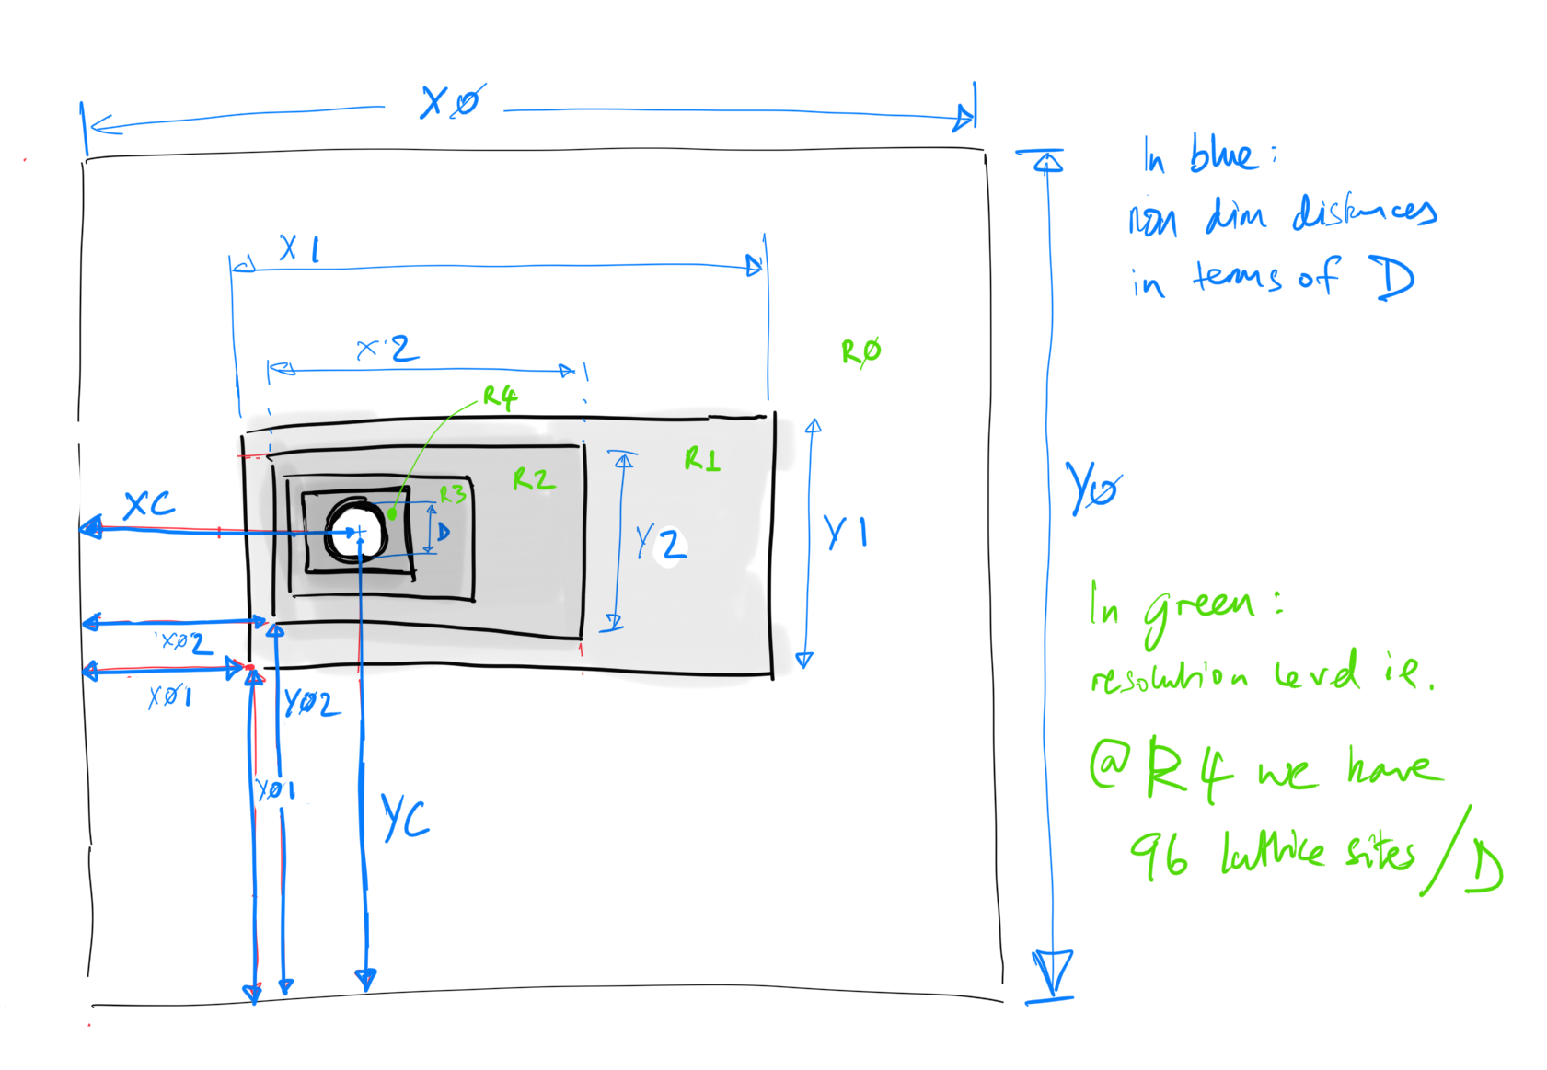
 |  |  |  |  |  |  | *(such that 3 of 4 sides are equidistant from cylinder centre: with refinement in wake)

#Levels

4 | Level | D | Box dimensions (in Diameters) |  |  |  |  | Box location (in Diameters) * |  |  |  |  | LUMA Refs |  |  |  |  | Total Cells | Total Active | % of Volume | % active sites | LUPTS | % LUPTS
 | R0 | 10 | X0 | 50 | Y0 | 50 |  | XC | 20 | YC | 25 |  | RefXstart | RefXend | RefYstart | RefYend | Mesh0 | 250000 | 247600 | 99.040% | 88% | 247600 | 56%
 | R1 | 20 | X1 | 8 | Y1 | 3 |  | X01 | 19 | Y01 | 24 |  | 190 | 270 | 240 | 270 | Mesh1 | 9600 | 6400 | 0.640% | 2% | 12800 | 3%
 | R2 | 40 | X2 | 4 | Y2 | 2 |  | X02 | 19.5 | Y02 | 24.5 |  | 10 | 90 | 10 | 50 | Mesh2 | 12800 | 8000 | 0.200% | 3% | 32000 | 7%
 | R3 | 80 | X3 | 2 | Y3 | 1.5 |  | X03 | 19.75 | Y03 | 24.75 |  | 10 | 90 | 10 | 70 | Mesh3 | 19200 | 19200 | 0.120% | 7% | 153600 | 34%

 |  |  |  |  |  |  |  |  |  |  |  | Object @ | 40 | 20
 |  |  |  |  |  |  |  |  |  |  |  |  |  |  |  |  | Total active sites |  | 281200 | 100.000% | 100.000% | 446000 | 100%

5 | Level | D | Box dimensions (in Diameters) |  |  |  |  | Box location (in Diameters) * |  |  |  |  | LUMA Refs |  |  |  |  | Total Cells | Total Active | % of Volume | % active sites | LUPTS | % LUPTS
 | R0 | 5 | X0 | 50 | Y0 | 50 |  | XC | 20 | YC | 25 |  | RefXstart | RefXend | RefYstart | RefYend | Mesh0 | 62500 | 60900 | 97.440% | 62% | 60900 | 13%
 | R1 | 10 | X1 | 16 | Y1 | 4 |  | X01 | 18.5 | Y01 | 23.5 |  | 93 | 173 | 118 | 138 | Mesh1 | 6400 | 4000 | 1.600% | 4% | 8000 | 2%
 | R2 | 20 | X2 | 8 | Y2 | 3 |  | X02 | 19 | Y02 | 24 |  | 5 | 85 | 5 | 35 | Mesh2 | 9600 | 6400 | 0.640% | 6% | 25600 | 5%
 | R3 | 40 | X3 | 4 | Y3 | 2 |  | X03 | 19.5 | Y03 | 24.5 |  | 10 | 90 | 10 | 50 | Mesh3 | 12800 | 8000 | 0.200% | 8% | 64000 | 14%
 | R4 | 80 | X4 | 2 | Y4 | 1.5 |  | X04 | 19.75 | Y04 | 24.75 |  | 10 | 90 | 10 | 70 | Mesh4 | 19200 | 19200 | 0.120% | 19% | 307200 | 66%

 |  |  |  |  |  |  |  |  |  |  |  | Object @ | 40 | 20
 |  |  |  |  |  |  |  |  |  |  |  |  |  |  |  |  | Total active sites |  | 98500 | 100.000% | 100.000% | 465700 | 100%

6 | Level | D | Box dimensions (in Diameters) |  |  |  |  | Box location (in Diameters) * |  |  |  |  | LUMA Refs |  |  |  |  | Total Cells | Total Active | % of Volume | % active sites | LUPTS | % LUPTS
 | R0 | 2.5 | X0 | 50 | Y0 | 50 |  | XC | 20 | YC | 25 |  | RefXstart | RefXend | RefYstart | RefYend | Mesh0 | 15625 | 14625 | 93.600% | 27% | 14625 | 2%
 | R1 | 5 | X1 | 32 | Y1 | 5 |  | X01 | 18 | Y01 | 23 |  | 45 | 125 | 58 | 70 | Mesh1 | 4000 | 2400 | 3.840% | 4% | 4800 | 1%
 | R2 | 10 | X2 | 16 | Y2 | 4 |  | X02 | 18.5 | Y02 | 23.5 |  | 3 | 83 | 3 | 23 | Mesh2 | 6400 | 4000 | 1.600% | 7% | 16000 | 2%
 | R3 | 20 | X3 | 8 | Y3 | 3 |  | X03 | 19 | Y03 | 24 |  | 5 | 85 | 5 | 35 | Mesh3 | 9600 | 6400 | 0.640% | 12% | 51200 | 6%
 | R4 | 40 | X4 | 4 | Y4 | 2 |  | X04 | 19.5 | Y04 | 24.5 |  | 10 | 90 | 10 | 50 | Mesh4 | 12800 | 8000 | 0.200% | 15% | 128000 | 15%
 | R5 | 80 | X5 | 2 | Y5 | 1.5 |  | X05 | 19.75 | Y05 | 24.75 |  | 10 | 90 | 10 | 70 | Mesh5 | 19200 | 19200 | 0.120% | 35% | 614400 | 74%

 |  |  |  |  |  |  |  |  |  |  |  | Object @ | 40 | 20
 |  |  |  |  |  |  |  |  |  |  |  |  |  |  |  |  | Total active sites |  | 54625 | 100.000% | 100.000% | 829025 | 100%

