Building1
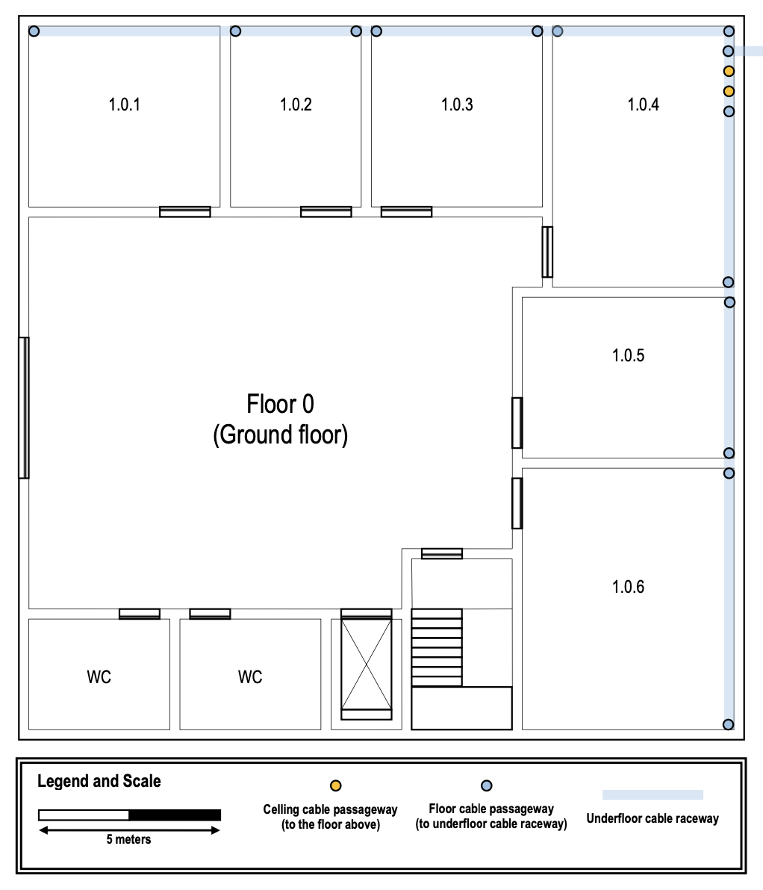
Ground Floor |  |  |  |  | Ground Floor |  |  |  |  |  |  |  | Floor 1
area: 20x20 |  |  |  |  | Copper Cables |  |  |  |  | Optic Fiber |  |  | Copper Cables |  |  |  |  | Optic Fiber
 |  |  |  |  | Room | outlet | Underfloor | Above ground | Sum | Ceiling | Above Ground |  | Room | outlet | Ceiling | Above ground | Sum | Ceiling | Above Ground
Medidas | x metros | y metros | area | outlets | 1.0.1 | 1 | 22.1 | 3.5 | 25.6 | 0 | 6 |  | 1.1.1 | 1 | 20.65 | 4.1 | 24.75 | 0 | 1.7
Room 1.0.1 | 5.3 | 5 | 26.5 | 6 |  | 2 | 22.1 | 1.6 | 23.7 |  | 6 | Total |  | 2 | 20.65 | 6 | 26.65 |  | 1.7 | Total
Room 1.0.2 | 3.7 | 5 | 18.5 | 4 |  | 3 | 22.1 | 1.75 | 23.85 |  |  |  |  | 3 | 20.65 | 7.8 | 28.45
Room 1.0.3 | 4.7 | 5 | 23.5 | 6 |  | 4 | 22.1 | 3.4 | 25.5 | Total da sala: |  |  |  | 4 | 17.15 | 4.1 | 21.25 | Total da sala:
Room 1.0.4 | 5 | 7.2 | 36 | 8 |  | 5 | 22.1 | 6.9 | 29 | 189.05 |  |  |  | 5 | 17.15 | 6 | 23.15 | 149.2
Room 1.0.5 | 6 | 4.4 | 26.4 | 6 |  | 6 | 22.1 | 8.8 | 30.9 |  |  |  |  | 6 | 17.15 | 7.8 | 24.95
Room 1.0.6 | 6 | 7.2 | 43.2 | 10 |  | AP | 22.1 | 8.4 | 30.5 |  |  |  | 1.1.2 | 1 | 16.75 | 4.1 | 20.85
TOTAL |  |  | 174.1 | 40 | 1.0.2 | 1 | 16.3 | 3.5 | 19.8 |  |  |  |  | 2 | 16.75 | 6 | 22.75
 |  |  |  |  |  | 2 | 16.3 | 1.6 | 17.9 | Total da sala: |  |  |  | 3 | 16.75 | 7.8 | 24.55 | Total da sala:
 |  |  |  |  |  | 3 | 12.8 | 3.5 | 16.3 | 68.4 |  |  |  | 4 | 13.25 | 4.1 | 17.35 | 149.85
 |  |  |  |  |  | 4 | 12.8 | 1.6 | 14.4 |  |  |  |  | 5 | 13.25 | 6 | 19.25
 |  |  |  |  | 1.0.3 | 1 | 12.3 | 3.5 | 15.8 |  |  |  |  | 6 | 13.25 | 7.8 | 21.05
 |  |  |  |  |  | 2 | 12.3 | 1.6 | 13.9 |  |  |  |  | AP | 24.05 | 0 | 24.05
 |  |  |  |  |  | 3 | 8 | 3.2 | 11.2 |  |  |  | 1.1.3 | 1 | 12.95 | 4.1 | 17.05
 |  |  |  |  |  | 4 | 8 | 1.7 | 9.7 |  |  |  |  | 2 | 12.95 | 6 | 18.95
 |  |  |  |  |  | 5 | 8 | 3.5 | 11.5 | Total da sala: |  |  |  | 3 | 12.95 | 7.8 | 20.75 | Total da sala:
 |  |  |  |  |  | 6 | 8 | 1.6 | 9.6 | 71.7 |  |  |  | 4 | 9.45 | 4.1 | 13.55 | 103
 |  |  |  |  | 1.0.4 | 1 | 7.6 | 3.5 | 11.1 |  |  |  |  | 5 | 9.45 | 6 | 15.45
 |  |  |  |  |  | 2 | 7.6 | 1.6 | 9.2 |  |  |  |  | 6 | 9.45 | 7.8 | 17.25
 |  |  |  |  |  | 3 | 2.6 | 3.6 | 6.2 |  |  |  | 1.1.4 | 1 | 0 | 14.25 | 14.25
 |  |  |  |  |  | 4 | 2.6 | 1.7 | 4.3 |  |  |  |  | 2 | 0 | 12.55 | 12.55
 |  |  |  |  |  | 5 | 0 | 1 | 1 |  |  |  |  | 3 | 0 | 10.75 | 10.75
 |  |  |  |  |  | 6 | 0 | 2.7 | 2.7 | Total da sala: |  |  |  | 4 | 0 | 7.25 | 7.25
 |  |  |  |  |  | 7 | 4.5 | 2 | 6.5 | 64.2 |  |  |  | 5 | 0 | 5.25 | 5.25
 |  |  |  |  |  | 8 | 4.5 | 3.6 | 8.1 |  |  |  |  | 6 | 0 | 2.95 | 2.95 | Total da sala:
 |  |  |  |  |  | AP | 7.6 | 7.5 | 15.1 |  |  |  |  | 7 | 0 | 2 | 2 | 95.6
 |  |  |  |  | 1.0.5 | 1 | 4.9 | 4.1 | 9 |  |  |  |  | 8 | 0 | 2.7 | 2.7
 |  |  |  |  |  | 2 | 4.9 | 2 | 6.9 |  |  |  |  | 9 | 0 | 4.2 | 4.2
 |  |  |  |  |  | 3 | 4.9 | 1.4 | 6.3 | Total da sala: |  |  |  | 10 | 0 | 6.9 | 6.9
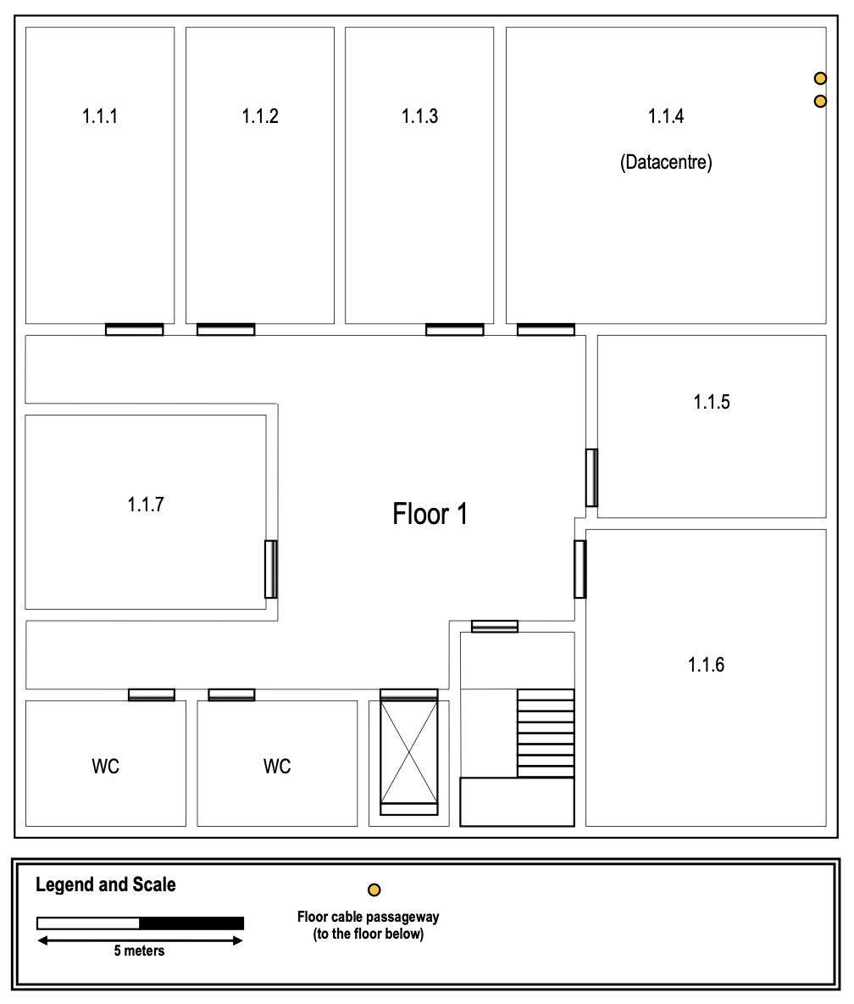
 |  |  |  |  |  | 4 | 4.9 | 2.8 | 7.7 | 54.6 |  |  |  | 11 | 0 | 8.6 | 8.6
Floor 1 |  |  |  |  |  | 5 | 4.9 | 6.4 | 11.3 |  |  |  |  | 12 | 0 | 10.4 | 10.4
area: 20x20 |  |  |  |  |  | 6 | 4.9 | 8.5 | 13.4 |  |  |  |  | AP | 7.8 | 0 | 7.8
 |  |  |  |  | 1.0.6 | 1 | 9.5 | 2 | 11.5 |  |  |  | 1.1.5 | 1 | 5.6 | 6.7 | 12.3
 | x metros | y metros | area | outlets |  | 2 | 9.5 | 4.1 | 13.6 |  |  |  |  | 2 | 5.6 | 4.5 | 10.1 | Total da sala:
Room 1.1.1 | 3.6 | 7.2 | 25.9 | 6 |  | 3 | 9.5 | 1.25 | 10.75 |  |  |  |  | 3 | 5.6 | 3.85 | 9.45 | 74.35
Room 1.1.2 | 3.6 | 7.2 | 25.9 | 6 |  | 4 | 9.5 | 2.9 | 12.4 |  |  |  |  | 4 | 5.6 | 5.7 | 11.3
Room 1.1.3 | 3.6 | 7.2 | 25.9 | 6 |  | 5 | 9.5 | 5.5 | 15 | Total da sala: |  |  |  | 5 | 10 | 6.7 | 16.7
Room 1.1.4 | 7.8 | 7.2 | 56.2 | 12 |  | 6 | 16.5 | 2 | 18.5 | 209.45 |  |  |  | 6 | 10 | 4.5 | 14.5
Room 1.1.5 | 5.6 | 4.4 | 24.6 | 6 |  | 7 | 16.5 | 4.1 | 20.6 |  |  |  | 1.1.6 | 1 | 10.3 | 6.7 | 17
Room 1.1.6 | 5.9 | 7.2 | 42.5 | 10 |  | 8 | 16.5 | 7.4 | 23.9 |  |  |  |  | 2 | 10.3 | 4.5 | 14.8
Room 1.1.7 | 5.9 | 4.7 | 27.7 | 6 |  | 9 | 16.5 | 8.9 | 25.4 |  |  |  |  | 3 | 10.3 | 3.7 | 14
TOTAL |  |  | 228.77 | 52 |  | 10 | 16.5 | 10.4 | 26.9 |  |  |  |  | 4 | 10.3 | 5.3 | 15.6 | Total da sala:
 |  |  |  |  |  | AP | 16.5 | 14.4 | 30.9 |  |  |  |  | 5 | 10.3 | 6.8 | 17.1 | 219.2
 |  |  |  |  | AP |  | 22.1 | 22.4 | 44.5 |  |  |  |  | 6 | 10.3 | 8.3 | 18.6
 |  |  |  |  |  |  |  |  |  |  |  |  |  | 7 | 10.3 | 13.9 | 24.2
 |  |  |  |  |  |  |  | TOTAL | 701.9 |  |  |  |  | 8 | 10.3 | 11.7 | 22
 |  |  |  |  |  |  |  |  |  |  |  |  |  | 9 | 10.3 | 17.5 | 27.8
 |  |  |  |  |  |  |  |  |  |  |  |  |  | 10 | 10.3 | 19.5 | 29.8
 |  |  |  |  |  |  |  |  |  |  |  |  |  | AP | 18.3 | 0 | 18.3
Inventário | Ground Floor | Floor 1 | TOTAL EDIFÍCIO 1 |  | Backbone | Caminho 1 | Caminho 2 | Total |  |  |  |  | 1.1.7 | 1 | 29.95 | 7.1 | 37.05
outlets | 40 | 52 | 92 |  | 2 | 41.1 | 638.9 | 680 |  |  |  |  |  | 2 | 29.95 | 4.5 | 34.45
MCC | 0 | 1 | 1 |  | 3 | 290 | 390 | 680 |  |  |  |  |  | 3 | 29.95 | 3.85 | 33.8 | Total da sala:
HCC | 1 | 1 | 2 |  | 4 | 246.3 | 433.3 | 679.6 |  |  |  |  |  | 4 | 29.95 | 5.7 | 35.65 | 260
ICC | 0 | 1 | 1 |  |  |  | TOTAL | 2039.6 |  |  |  |  |  | 5 | 29.95 | 9.1 | 39.05
Access Points | 4 | 4 | 8 |  |  |  |  |  |  |  |  |  |  | 6 | 29.95 | 11.4 | 41.35
copper cable | 701.9 | 1051.2 | 1753.1 |  |  |  |  |  |  |  |  |  |  | AP | 38.65 | 0 | 38.65
fiber cable | 6 | 1.7 | 7.7
 |  |  |  |  |  |  |  |  |  |  |  |  |  |  |  | TOTAL | 1051.2

Building2
Piso 0

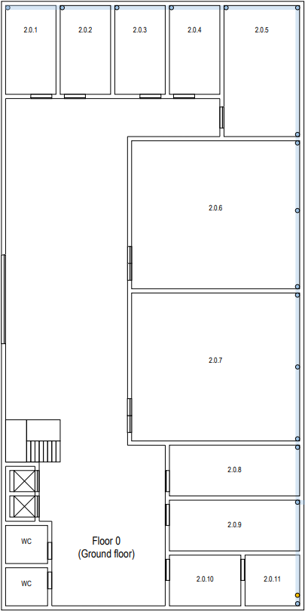
 |  |  |  |  |  |  |  |  |  |  | 2.0.11--> | will be used to house a cross connect

 |  |  |  |  | Area Total | 900 |  |  |  |  | No outlets will be needed in the 2.0.11 ,in the restrooms, wc and other common areas

 |  |  |  |  | Sala | Area por Sala | largura | comprimento
 |  |  |  |  |  |  |  |  |  | Cabos pelos menos do tipo CAT7
 |  |  |  |  | 2.0.1 | 19,14 | 3,3 | 5,8
 |  |  |  |  | 2.0.2 | 19,14 | 3,3 | 5,8
 |  |  |  |  | 2.0.3 | 19,14 | 3,3 | 5,8 |  | Altura do teto ---> | 4
 |  |  |  |  | 2.0.4 | 19,14 | 3,3 | 5,8
 |  |  |  |  | 2.0.5 | 43.00 | 5 | 8,6
 |  |  |  |  | 2.0.6 | 106,7 | 11 | 9,7
 |  |  |  |  | 2.0.7 | 106,7 | 11 | 9,7
 |  |  |  |  | 2.0.8 | 28,38 | 8,6 | 3,3
 |  |  |  |  | 2.0.9 | 28,38 | 8,6 | 3,3
 |  |  |  |  | 2.0.10 | 15,84 | 4,8 | 3,3
 |  |  |  |  | 2.0.11 | 12,54 | 3,8 | 3,3

 |  |  |  |  | metros de fio de rede |  | 27 | 27+83 | 114
 | Room | Outlets per room |  |  |  |  | 83
 | 2.0.1 | 4
 | 2.0.2 | 4
 | 2.0.3 | 4
 | 2.0.4 | 4 |  |  | Fio de cobre |  | 1447
 | 2.0.5 | 5
 | 2.0.6 | 5
 | 2.0.7 | 5
 | 2.0.8 | 6
 | 2.0.9 | 6
 | 2.0.10 | 3
 | 2.0.11 | 1

 | Soma---> | 47 | Sem contar com a sala 2.0.11
 |  |  |  |  |  |  |  | Soma---> | 1447 | Sem contar com a sala 2.0.11

 | 48

Piso 1
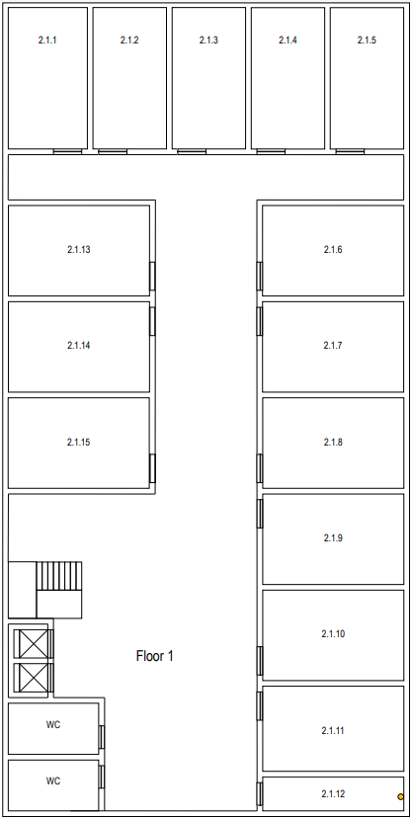

 |  |  |  |  | Sala | Area Por Sala : | largura | comprimento
 |  |  |  |  | 2.1.1 | 28.4 | 4 | 7,1
 |  |  |  |  | 2.1.2 | 28.4 | 4 | 7,1 |  | Altura do teto ---> | 3
 |  |  |  |  | 2.1.3 | 28.4 | 4 | 7,1
 |  |  |  |  | 2.1.4 | 28.4 | 4 | 7,1 |  | Paineis colocados a 2.5 metros do solo
 |  |  |  |  | 2.1.5 | 28.4 | 4 | 7,1
 |  |  |  |  | 2.1.6 | 32.66 | 7,1 | 4,6 |  | Por cima dos paineis vão estar colocadas as calhas que vão levar os cabos até onde será preciso
 |  |  |  |  | 2.1.7 | 32.66 | 7,1 | 4,6
 |  |  |  |  | 2.1.8 | 32,66 | 7,1 | 4,6
 |  |  |  |  | 2.1.9 | 32,66 | 7,1 | 4,6
 |  |  |  |  | 2.1.10 | 32,66 | 7,1 | 4,6
 |  |  |  |  | 2.1.11 | 32,66 | 7,1 | 4,6
 |  |  |  |  | 2.1.12 | 12,78 | 7,1 | 1,8
 |  |  |  |  | 2.1.13 | 32,66 | 7,1 | 4,6
 |  |  |  |  | 2.1.14 | 32,66 | 7,1 | 4,6
 |  |  |  |  | 2.1.15 | 32,66 | 7,1 | 4,6

 | Outlets per room | Arredondamento |  |  | metros de fio de rede : |  | 107.4 | 107,4+45 | 152.4 | 458.4
 | 2.1.1 | 6 |  |  |  | hTeto*num tomadas |  | 306
 | 2.1.2 | 6 |  |  |  |  |  |  |  |  | 2.1.12--> | will be used to house a cross connect
 | 2.1.3 | 6
 | 2.1.4 | 6 |  |  |  |  |  |  |  |  | No outlets will be needed in the 2.1.12 ,in the restrooms, wc and other common areas
 | 2.1.5 | 6
 | 2.1.6 | 8
 | 2.1.7 | 8
 | 2.1.8 | 8
 | 2.1.9 | 8
 | 2.1.10 | 8
 | 2.1.11 | 8
 | 2.1.12 | 0 |  |  |  |  | Fio de Cobre |  | 4029
 | 2.1.13 | 8
 | 2.1.14 | 8
 | 2.1.15 | 8

 | Soma--> | 102
 |  |  |  |  |  |  | Soma--> | 4029

 | 120 |  |  |  |  |  |  |  | Excede o numero de fichas

 |  |  |  | Aqui

 |  |  |  | Total de fio de cobre |  | 5476

 |  |  |  | Total de Outlets |  | 149

 |  |  |  | Total de Aps |  | 8

 |  |  |  | Total fio fibra otica |  | 1 | Confirma

Building3
A full wireless LAN (Wi-Fi) coverage is required for this building on both floors. | It is required 2 per 10 square meter. |  |  |  |  |  |  |  |  | Floor Ground |  |  |  |  |  |  |  |  |  | Floor First
 |  | Dados Edificio |  |  |  |  |  |  |  | Copper Cables |  |  |  |  | Optic Fiber |  |  |  |  | Copper Cables |  |  |  |  | Optic Fiber
ground floor |  | Area | 30x30 | salas | x (m) | y (m) | area (m^2) | outlets |  | Room | outlet | Underground | Above ground | Sum | Underground | Above Ground | Between Floors | Sum |  | Room | Outlet | Cealing | Air | sum | Air |  |  | a
 |  |  |  | 3.0.1 | 8.6 | 7.5 | 64.5 | 2 | only 2 outlets are needed near the cables passageway | 3.0.1 | 1 | 52.20 | 2.30 | 54.50 | 56.50 | 1.00 | 6.5 | 64.00 |  | 3.1.1 | 1 | 56.30 | 2.50 | 58.80 | 2.50
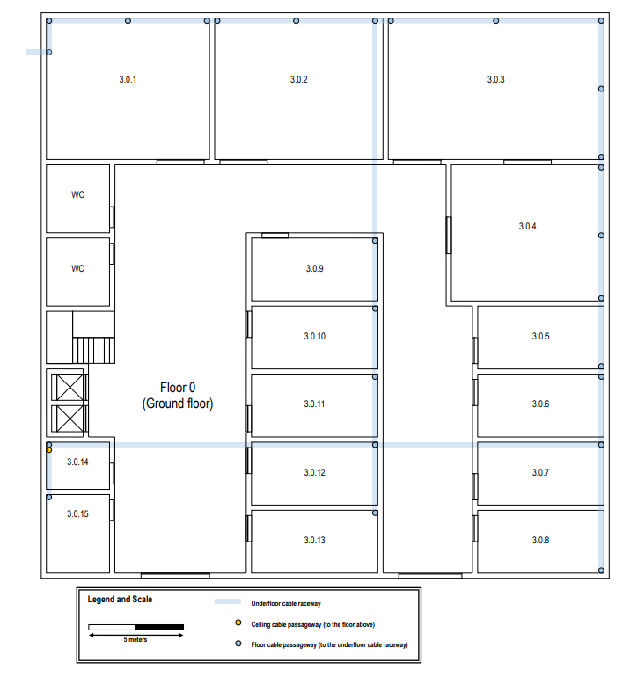
 |  |  |  | 3.0.2 | 9 | 7.5 | 67.5 | 2 | only 2 outlets are needed near the cables passageway |  | 2 | 47.90 | 2.30 | 50.20 |  |  |  |  |  |  | 2 | 55.50 | 2.50 | 58.00
 |  | The ground floor has an underfloor cable raceway connected to the external technical ditch. Access to the underfloor cable raceway is available at points marked over the plan. The ceiling height on this floor is 4 meters. |  | 3.0.3 | 11.4 | 7.5 | 85.5 | 2 | only 2 outlets are needed near the cables passageway | 3.0.2 | 1 | 43.40 | 2.25 | 45.65 |  |  |  |  |  |  | 3 | 52.77 | 2.50 | 55.27
 |  |  |  | 3.0.4 | 8.1 | 7.2 | 58.32 | 12 |  |  | 2 | 38.90 | 2.25 | 41.15 |  | Access Points |  |  |  |  | 4 | 50.20 | 2.50 | 52.70 |  | Access Points
 |  |  |  | 3.0.5 | 6.6 | 3.3 | 21.78 | 6 |  | 3.0.3 | 1 | 38.90 | 3.35 | 42.25 |  | Access Point | UnderGround | Above Ground | Sum |  | 5 | 49.20 | 2.50 | 51.70 |  | Access Point | Cealing
 |  |  |  | 3.0.6 | 6.6 | 3.3 | 21.78 | 6 |  |  | 2 | 44.60 | 3.35 | 47.95 |  | 1 | 52.20 | 7.75 | 59.95 |  | 6 | 48.20 | 2.50 | 50.70 |  | 1 | 8.00
 |  |  |  | 3.0.7 | 6.6 | 3.3 | 21.78 | 6 |  | 3.0.4 | 1 | 40.20 | 3.00 | 43.20 |  | 2 | 43.40 | 7.75 | 51.15 |  | 7 | 47.20 | 2.50 | 49.70 |  | 2 | 29.50
 |  |  |  | 3.0.8 | 6.6 | 3.3 | 21.78 | 6 |  |  | 2 | 40.20 | 2.00 | 42.20 |  | 3 | 44.60 | 7.75 | 52.35 |  | 8 | 46.20 | 2.50 | 48.70 |  | 3 | 29.50
 |  |  |  | 3.0.9 | 6.6 | 3.3 | 21.78 | 6 |  |  | 3 | 40.20 | 1.00 | 41.20 |  | 4 | 43.80 | 7.6 | 51.40 |  | 9 | 45.20 | 2.50 | 47.70 |  | 4 | 22.60
 |  | Room 3.0.14 is a storage area that may be used to house a cross-connect, no network outlets are required there, and the same applies to restrooms, halls, and corridors. Rooms 3.0.1, 3.0.2, and 3.0.3 have specific purposes and the only network outlets required are near each floor cable passageway, two outlets in each room. Elsewhere, the standard number of network outlets per area ratio is to be enforced. |  | 3.0.10 | 6.6 | 3.3 | 21.78 | 6 |  |  | 4 | 40.20 | 3.00 | 43.20 |  | 5 | 30 | 10 | 40.00 |  | 10 | 47.20 | 2.50 | 49.70
 |  |  |  | 3.0.11 | 6.6 | 3.3 | 21.78 | 6 |  |  | 5 | 36.60 | 2.00 | 38.60 |  | 6 | 17.6 | 13.3 | 30.90 | 3.1.2 | 1 | 47.20 | 2.50 | 49.70
 |  |  |  | 3.0.12 | 6.6 | 3.3 | 21.78 | 6 |  |  | 6 | 36.60 | 1.00 | 37.60 |  | 7 | 24.2 | 7.5 | 31.70 |  | 2 | 42.90 | 2.50 | 45.40
 |  |  |  | 3.0.13 | 6.6 | 3.3 | 21.78 | 6 |  |  | 7 | 36.60 | 0.00 | 36.60 |  | 8 | 24.2 | 10.8 | 35.00 |  | 3 | 41.90 | 2.50 | 44.40
 |  |  |  | 3.0.14 | 3.3 | 2.5 | 8.25 | 0 | no required outlets -> storage area |  | 8 | 36.60 | 1.00 | 37.60 |  | 9 | 2.5 | 6.5 | 9.00 |  | 4 | 40.90 | 2.50 | 43.40
 |  |  |  | 3.0.15 | 3.3 | 4.2 | 13.86 | 4 |  |  | 9 | 36.60 | 2.00 | 38.60 |  |  |  |  |  | 3.1.3 | 1 | 43.90 | 2.50 | 46.40
 |  |  |  |  |  |  | 480.09 | 76 | Total |  | 10 | 36.60 | 3.00 | 39.60 |  |  |  |  |  |  | 2 | 39.60 | 2.50 | 42.10
 |  |  |  |  |  |  |  |  |  |  | 11 | 36.60 | 4.00 | 40.60 |  |  |  |  |  |  | 3 | 38.60 | 2.50 | 41.10
 |  |  |  |  |  |  |  |  |  |  | 12 | 36.60 | 8.00 | 44.60 |  |  |  |  |  |  | 4 | 37.60 | 2.50 | 40.10
 |  |  |  |  |  |  |  | 96 |  | 3.0.5 | 1 | 33.30 | 4.00 | 37.30 |  |  | mudar cabo de cobre do ap do corredor |  |  | 3.1.4 | 1 | 40.60 | 2.50 | 43.10
 |  |  |  |  |  |  |  |  |  |  | 2 | 33.30 | 3.30 | 36.60 |  |  | adicionar cabo de cobre subterraneo para a sala 3.0.15 |  |  |  | 2 | 36.30 | 2.50 | 38.80
 |  |  |  |  |  |  |  |  |  |  | 3 | 33.30 | 1.60 | 34.90 |  |  | adicionar cabo de cobre para aps 1 2 3 |  |  |  | 3 | 35.30 | 2.50 | 37.80
 |  |  |  |  |  |  |  |  |  |  | 4 | 33.30 | 1.00 | 34.30 |  |  |  |  |  |  | 4 | 34.30 | 2.50 | 36.80
 |  |  |  |  |  |  |  | 3.0833333333 |  |  | 5 | 33.30 | 1.00 | 34.30 |  |  |  |  |  | 3.1.5 | 1 | 37.30 | 2.50 | 39.80
 |  |  |  |  |  |  |  |  |  |  | 6 | 33.30 | 3.30 | 36.60 |  |  |  |  |  |  | 2 | 33.00 | 2.50 | 35.50
 |  |  |  |  |  |  |  |  |  | 3.0.6 | 1 | 33.30 | 4.00 | 37.30 |  |  |  |  |  |  | 3 | 32.00 | 2.50 | 34.50
 |  |  |  |  |  |  |  |  |  |  | 2 | 33.30 | 3.30 | 36.60 |  |  |  |  |  |  | 4 | 31.00 | 2.50 | 33.50
 |  |  |  |  |  |  |  |  |  |  | 3 | 33.30 | 1.60 | 34.90 |  |  |  |  |  | 3.1.6 | 1 | 27.35 | 2.50 | 29.85
 |  |  |  |  |  |  |  |  |  |  | 4 | 33.30 | 1.00 | 34.30 |  |  |  |  |  |  | 2 | 31.00 | 2.50 | 33.50
 |  |  |  |  |  |  |  |  |  |  | 5 | 33.30 | 1.00 | 34.30 |  |  |  |  |  |  | 3 | 32.00 | 2.50 | 34.50
 |  |  |  |  |  |  |  |  |  |  | 6 | 33.30 | 3.30 | 36.60 |  |  |  |  |  |  | 4 | 33.00 | 2.50 | 35.50
 |  |  |  |  |  |  |  |  |  | 3.0.7 | 1 | 30.00 | 4.00 | 34.00 |  |  |  |  |  | 3.1.7 | 1 | 35.95 | 2.50 | 38.45
 |  |  |  |  |  |  |  |  |  |  | 2 | 30.00 | 3.30 | 33.30 |  |  |  |  |  |  | 2 | 34.50 | 2.50 | 37.00
 |  |  |  |  |  |  |  |  |  |  | 3 | 30.00 | 1.60 | 31.60 |  |  |  |  |  |  | 3 | 35.50 | 2.50 | 38.00
floor1 |  |  |  |  |  |  |  |  |  |  | 4 | 30.00 | 1.00 | 31.00 |  |  |  |  |  |  | 4 | 36.50 | 2.50 | 39.00
 |  |  |  | salas | x (m) | y (m) | area (m^2) | outlets |  |  | 5 | 30.00 | 1.00 | 31.00 |  |  |  |  |  | 3.1.9 | 1 | 34.60 | 2.50 | 37.10
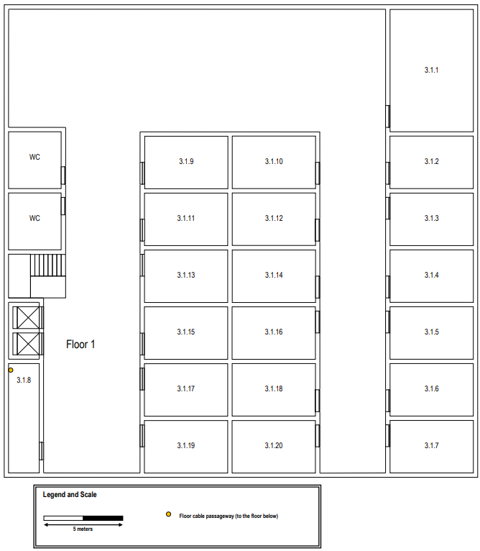
 |  | The ceiling height on this floor is 3 meters, however there’s a removable dropped ceiling, placed 2.5 meters from the ground, covering the entire floor. The space over the dropped ceiling is perfect to install cable raceways and wireless access-points, this floor has no underfloor cable raceways. |  | 3.1.1 | 5.3 | 7.8 | 41.34 | 10 |  |  | 6 | 30.00 | 3.30 | 33.30 |  |  |  |  |  |  | 2 | 30.30 | 2.50 | 32.80
 |  |  |  | 3.1.2 | 5.3 | 3.3 | 17.49 | 4 |  | 3.0.8 | 1 | 36.60 | 4.00 | 40.60 |  |  |  |  |  |  | 3 | 29.30 | 2.50 | 31.80
 |  |  |  | 3.1.3 | 5.3 | 3.3 | 17.49 | 4 |  |  | 2 | 36.60 | 3.30 | 39.90 |  |  |  |  |  |  | 4 | 28.30 | 2.50 | 30.80
 |  |  |  | 3.1.4 | 5.3 | 3.3 | 17.49 | 4 |  |  | 3 | 36.60 | 1.60 | 38.20 |  |  |  |  |  | 3.1.10 | 1 | 34.60 | 2.50 | 37.10
 |  |  |  | 3.1.5 | 5.3 | 3.3 | 17.49 | 4 |  |  | 4 | 36.60 | 1.00 | 37.60 |  |  |  |  |  |  | 2 | 30.30 | 2.50 | 32.80
 |  |  |  | 3.1.6 | 5.3 | 3.3 | 17.49 | 4 |  |  | 5 | 36.60 | 1.00 | 37.60 |  |  |  |  |  |  | 3 | 29.30 | 2.50 | 31.80
 |  |  |  | 3.1.7 | 5.3 | 3.3 | 17.49 | 4 |  |  | 6 | 36.60 | 3.30 | 39.90 |  |  |  |  |  |  | 4 | 28.30 | 2.50 | 30.80
 |  |  |  | 3.1.8 | 2 | 6.9 | 13.8 | 4 |  | 3.0.9 | 1 | 27.50 | 4.00 | 31.50 |  |  |  |  |  | 3.1.11 | 1 | 31.30 | 2.50 | 33.80
 |  |  |  | 3.1.9 | 5.3 | 3.3 | 17.49 | 4 |  |  | 2 | 27.50 | 3.30 | 30.80 |  |  |  |  |  |  | 2 | 27.00 | 2.50 | 29.50
 |  |  |  | 3.1.10 | 5.3 | 3.3 | 17.49 | 4 |  |  | 3 | 27.50 | 1.60 | 29.10 |  |  |  |  |  |  | 3 | 26.00 | 2.50 | 28.50
 |  |  |  | 3.1.11 | 5.3 | 3.3 | 17.49 | 4 |  |  | 4 | 27.50 | 1.00 | 28.50 |  |  |  |  |  |  | 4 | 25.00 | 2.50 | 27.50
 |  |  |  | 3.1.12 | 5.3 | 3.3 | 17.49 | 4 |  |  | 5 | 27.50 | 1.00 | 28.50 |  |  |  |  |  | 3.1.12 | 1 | 31.30 | 2.50 | 33.80
 |  |  |  | 3.1.13 | 5.3 | 3.3 | 17.49 | 4 |  |  | 6 | 27.50 | 3.30 | 30.80 |  |  |  |  |  |  | 2 | 27.00 | 2.50 | 29.50
 |  |  |  | 3.1.14 | 5.3 | 3.3 | 17.49 | 4 |  | 3.0.10 | 1 | 24.20 | 4.00 | 28.20 |  |  |  |  |  |  | 3 | 26.00 | 2.50 | 28.50
 |  |  |  | 3.1.15 | 5.3 | 3.3 | 17.49 | 4 |  |  | 2 | 24.20 | 3.30 | 27.50 |  |  |  |  |  |  | 4 | 25.00 | 2.50 | 27.50
 |  |  |  | 3.1.16 | 5.3 | 3.3 | 17.49 | 4 |  |  | 3 | 24.20 | 1.60 | 25.80 |  |  |  |  |  | 3.1.13 | 1 | 28.00 | 2.50 | 30.50
 |  |  |  | 3.1.17 | 5.3 | 3.3 | 17.49 | 4 |  |  | 4 | 24.20 | 1.00 | 25.20 |  |  |  |  |  |  | 2 | 23.70 | 2.50 | 26.20
 |  |  |  | 3.1.18 | 5.3 | 3.3 | 17.49 | 4 |  |  | 5 | 24.20 | 1.00 | 25.20 |  |  |  |  |  |  | 3 | 22.70 | 2.50 | 25.20
 |  |  |  | 3.1.19 | 5.3 | 3.3 | 17.49 | 4 |  |  | 6 | 24.20 | 3.30 | 27.50 |  |  |  |  |  |  | 4 | 21.70 | 2.50 | 24.20
 |  |  |  | 3.1.20 | 5.3 | 3.3 | 17.49 | 4 |  | 3.0.11 | 1 | 20.90 | 4.00 | 24.90 |  |  |  |  |  | 3.1.14 | 1 | 28.00 | 2.50 | 30.50
 |  |  |  |  |  |  | 369.96 | 86 | Total |  | 2 | 20.90 | 3.30 | 24.20 |  |  |  |  |  |  | 2 | 23.70 | 2.50 | 26.20
 |  |  |  |  |  |  |  |  |  |  | 3 | 20.90 | 1.60 | 22.50 |  |  |  |  |  |  | 3 | 22.70 | 2.50 | 25.20
 |  |  |  |  |  |  |  | 96 |  |  | 4 | 20.90 | 1.00 | 21.90 |  |  |  |  |  |  | 4 | 21.70 | 2.50 | 24.20
 |  |  |  |  |  |  |  |  |  |  | 5 | 20.90 | 1.00 | 21.90 |  |  |  |  |  | 3.1.15 | 1 | 24.70 | 2.50 | 27.20
 |  |  |  |  |  |  |  |  |  |  | 6 | 20.90 | 3.30 | 24.20 |  |  |  |  |  |  | 2 | 20.40 | 2.50 | 22.90
 |  |  |  | NTotalOutletsPrevistosEdificio |  |  |  |  |  | 3.0.12 | 1 | 17.60 | 4.00 | 21.60 |  |  |  |  |  |  | 3 | 19.40 | 2.50 | 21.90
 |  |  |  | 162 |  |  |  |  |  |  | 2 | 17.60 | 3.30 | 20.90 |  |  |  |  |  |  | 4 | 18.40 | 2.50 | 20.90
 |  |  |  |  |  |  |  |  |  |  | 3 | 17.60 | 1.60 | 19.20 |  |  |  |  |  | 3.1.16 | 1 | 24.70 | 2.50 | 27.20
 |  |  |  |  |  |  |  |  |  |  | 4 | 17.60 | 1.00 | 18.60 |  |  |  |  |  |  | 2 | 20.40 | 2.50 | 22.90
 |  |  |  | Cable Length (meters) |  |  |  |  |  |  | 5 | 17.60 | 1.00 | 18.60 |  |  |  |  |  |  | 3 | 19.40 | 2.50 | 21.90
 |  |  |  | Floor Ground |  | Floor First |  |  |  |  | 6 | 17.60 | 3.30 | 20.90 |  |  |  |  |  |  | 4 | 18.40 | 2.50 | 20.90
 |  |  |  | Copper | Fiber | Cooper | Fiber |  |  | 3.0.13 | 1 | 20.90 | 4.00 | 24.90 |  |  |  |  |  | 3.1.17 | 1 | 21.40 | 2.50 | 23.90
 |  |  |  | 2737.35 | 64.00 | 2747.57 | 2.5 |  |  |  | 2 | 20.90 | 3.30 | 24.20 |  |  |  |  |  |  | 2 | 20.40 | 2.50 | 22.90
 |  |  |  |  |  |  |  |  |  |  | 3 | 20.90 | 1.60 | 22.50 |  |  |  |  |  |  | 3 | 19.40 | 2.50 | 21.90
 |  |  |  |  |  |  |  |  |  |  | 4 | 20.90 | 1.00 | 21.90 |  |  |  |  |  |  | 4 | 18.40 | 2.50 | 20.90
 |  |  |  | TOTAL (meters) |  |  |  |  |  |  | 5 | 20.90 | 1.00 | 21.90 |  |  |  |  |  | 3.1.18 | 1 | 21.40 | 2.50 | 23.90
 |  |  |  | Copper | Fiber |  |  |  |  |  | 6 | 20.90 | 3.30 | 24.20 |  |  |  |  |  |  | 2 | 20.40 | 2.50 | 22.90
 |  |  |  | 5484.92 | 66.50 |  |  |  |  | 3.0.14 | - | 0.00 | 0.00 | 0.00 |  |  |  |  |  |  | 3 | 19.40 | 2.50 | 21.90
 |  |  |  |  |  |  |  |  |  | 3.0.15 | 1 | 2.50 | 0.00 | 2.50 |  |  |  |  |  |  | 4 | 18.40 | 2.50 | 20.90
 |  |  |  |  |  |  |  |  |  |  | 2 | 2.50 | 1.00 | 3.50 |  |  |  |  |  | 3.1.19 | 1 | 24.70 | 2.50 | 27.20
 |  |  |  | Total Acess Points |  |  |  |  |  |  | 3 | 2.50 | 2.00 | 4.50 |  |  |  |  |  |  | 2 | 23.70 | 2.50 | 26.20
 |  |  |  | 13 |  |  |  |  |  |  | 4 | 2.50 | 4.00 | 6.50 |  |  |  |  |  |  | 3 | 22.70 | 2.50 | 25.20
 |  |  |  |  |  |  |  |  |  |  |  |  |  |  |  |  |  |  |  |  | 4 | 21.70 | 2.50 | 24.20
 |  |  |  | Total Patch Pannels |  |  |  |  |  |  |  |  |  |  |  |  |  |  |  | 3.1.20 | 1 | 24.70 | 2.50 | 27.20
 |  |  |  | 8 |  |  |  |  |  |  |  |  |  |  |  |  |  |  |  |  | 2 | 23.70 | 2.50 | 26.20
 |  |  |  |  |  |  |  |  |  |  |  |  |  |  |  |  |  |  |  |  | 3 | 22.70 | 2.50 | 25.20
 |  |  |  |  |  |  |  |  |  |  |  |  |  |  |  |  |  |  |  |  | 4 | 21.70 | 2.50 | 24.20

Building4
FLOOR 0

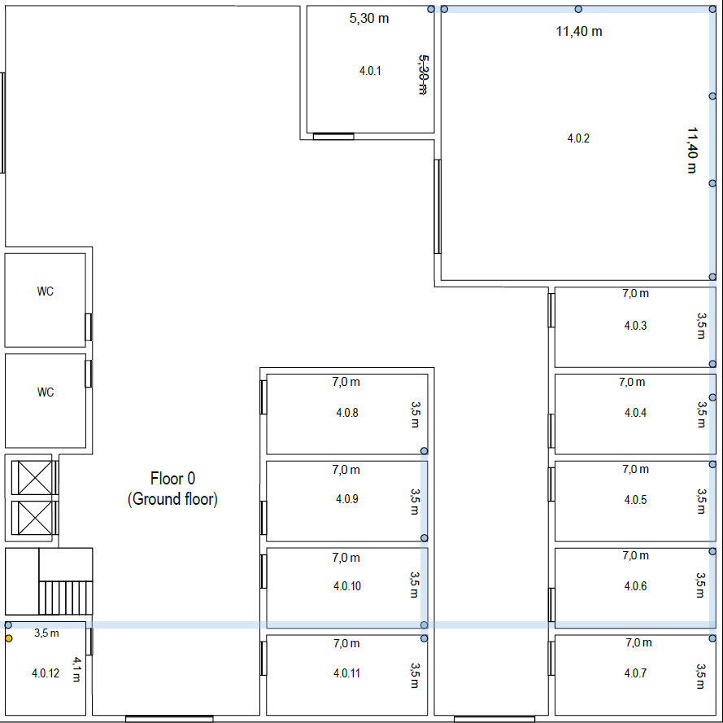
 |  |  |  |  |  |  |  |  |  |  |  | Room | Outlet | Length Ground(m) | Lenght Above Ground(m) | TOTAL(m) | TOTAL GROUND FLOOR COPPER CABLE | Room | Outlet | Length Ground(m) | Length Ceiling(m) | Height(m) | TOTAL(m) | TOTAL COPPER CABLE FIRST FLOOR(m)
 |  |  |  |  |  |  |  |  |  |  |  | 4.0.1 | 1 | 96.11 | 1 | 97.11 | 4262.47 | 4.1.1 | 1 | 31.02 | 101.6 | 2 | 134.62 | 7027.52
 |  | Area = | 900 | metros |  |  |  |  |  |  | 130 |  | 2 | 98.9 | 1 | 99.9 |  |  | 2 | 27.62 | 101.6 | 2 | 131.22
 |  |  |  |  |  |  |  |  |  |  |  |  | 3 | 102.96 | 1 | 103.96 | FIBER CABLE |  | 3 | 24.76 | 101.6 | 2 | 128.36 | FIBER CABLE
 |  |  |  |  |  | The ground floor has an underfloor cable raceway connected to the external technical ditch. Access to the underfloor cable raceway is available at points marked over the plan. The ceiling height on this floor is 4 meters |  |  |  |  |  |  | 4 | 105.52 | 1 | 106.52 | 3.5 |  | 4 | 22.13 | 101.6 | 2 | 125.73 | 1.5
 |  |  |  |  |  |  |  |  |  |  |  |  | 5 | 95.5 | 1 | 96.5 |  |  | 5 | 19.24 | 101.6 | 2 | 122.84
 |  |  |  |  |  |  |  |  |  |  |  |  | 6 | 98.07 | 1 | 99.07 |  |  | 6 | 16.45 | 101.6 | 2 | 120.05
 |  |  |  |  |  |  |  |  |  |  |  |  | Access Point 1 | 116.65 | 4 | 120.65 |  |  | 7 | 13.77 | 101.6 | 2 | 117.37
 |  |  |  |  |  |  |  |  |  |  |  | 4.02 | 1 | 63.24 | 1 | 64.24 |  |  | 8 | 11.01 | 101.6 | 2 | 114.61
 |  |  |  |  |  |  |  |  |  |  |  |  | 2 | 64.76 | 1 | 65.76 |  |  | 9 | 7.65 | 101.6 | 2 | 111.25
 |  |  |  |  |  | Room 4.0.12 is a storage area that may be used to house a cross-connect and network infrastructure hardware, no network outlets are required in this room, and the same applies to restrooms and common areas like the entrance hall and corridors. Rooms 4.0.2 has a specific purpose and the only network outlets necessary are two near each floor cable passageway. Elsewhere, the standard number of network outlets per area ratio is to be enforced |  |  |  |  |  |  | 3 | 66.28 | 1 | 67.28 |  |  | 10 | 4.75 | 101.6 | 2 | 108.35
 |  |  |  |  |  |  |  |  |  |  |  |  | 4 | 68.25 | 1 | 69.25 |  |  | 11 | 2.06 | 101.6 | 2 | 105.66
 |  |  |  |  |  |  |  |  |  |  |  |  | 5 | 69.76 | 1 | 70.76 |  |  | 12 | 1.9 | 101.6 | 2 | 105.5
 |  |  |  |  |  |  |  |  |  |  |  |  | 6 | 71.29 | 1 | 72.29 |  |  | 13 | 4.45 | 101.6 | 2 | 108.05
 |  |  |  |  |  |  |  |  |  |  |  |  | 7 | 74.03 | 1 | 75.03 |  |  | 14 | 6.92 | 101.6 | 2 | 110.52
 |  |  |  |  |  |  |  |  |  |  |  |  | 8 | 76.16 | 1 | 77.16 |  |  | AP5 | - | 116.28 | - | 116.28
 |  |  |  |  |  |  |  |  |  |  |  |  | 9 | 80.55 | 1 | 81.55 |  | 4.1.2 | 1 | 12.34 | 94.12 | 2 | 108.46
 |  |  |  |  |  |  |  |  |  |  |  |  | 10 | 83.76 | 1 | 84.76 |  |  | 2 | 9.7 | 94.12 | 2 | 105.82
 |  |  |  |  |  |  |  |  |  |  |  |  | 11 | 87.37 | 1 | 88.37 |  |  | 3 | 6.29 | 94.12 | 2 | 102.41
 |  |  |  |  |  | Na sala 4.0.2 é preciso ter 2 network outlets ao lado de cada floor cable passageway (tem 6 passageways portanto 12 network outlets naquela sala) no resto do piso manter o standard de 2 a cada 10 m^2 |  |  |  |  |  |  | 12 | 90.85 | 1 | 91.85 |  |  | 4 | 2.07 | 94.12 | 2 | 98.19
 |  |  |  |  |  |  |  |  |  |  |  |  | Access Point 2 | 79.94 | 4 | 83.94 |  |  | 5 | 4.05 | 94.12 | 2 | 100.17
 |  |  |  |  |  |  |  |  |  |  |  | 4.03 | 1 | 62.77 | 1 | 63.77 |  |  | 6 | 1.5 | 94.12 | 2 | 97.62
 |  |  |  |  |  |  |  |  |  |  |  |  | 2 | 59.53 | 1 | 60.53 |  | 4.1.3 | 1 | 12.34 | 84.57 | 2 | 98.91
 |  |  |  |  |  |  |  |  |  |  |  |  | 3 | 57.81 | 1 | 58.81 |  |  | 2 | 9.7 | 84.57 | 2 | 96.27
 |  |  |  |  |  |  |  |  |  |  |  |  | 4 | 59.75 | 1 | 60.75 |  |  | 3 | 6.29 | 84.57 | 2 | 92.86
 |  |  |  |  |  |  |  |  |  |  |  |  | 5 | 64.23 | 1 | 65.23 |  |  | 4 | 2.07 | 84.57 | 2 | 88.64
 |  |  |  |  |  |  |  |  |  |  |  |  | 6 | 67.44 | 1 | 68.44 |  |  | 5 | 4.05 | 84.57 | 2 | 90.62
 |  |  |  |  |  |  |  |  |  |  |  | 4.0.4 | 1 | 57.82 | 1 | 58.82 |  |  | 6 | 1.5 | 84.57 | 2 | 88.07
 |  |  |  |  |  |  |  |  |  |  |  |  | 2 | 54.6 | 1 | 55.6 |  | 4.1.4 | 1 | 15.66 | 65.09 | 2 | 82.75
 |  |  |  |  | Salas: | x metros | y metros | area m^2 | outlets |  |  |  | 3 | 52.38 | 1 | 53.38 |  |  | 2 | 12.9 | 65.09 | 2 | 79.99
 |  |  |  |  | 4.0.1 | 5.30 | 5.30 | 28.09 | 6 |  |  |  | 4 | 53.9 | 1 | 54.9 |  |  | 3 | 10.03 | 65.09 | 2 | 77.12
 |  |  |  |  | 4.0.2 | 11.40 | 11.40 | 129.96 | 12 |  |  |  | 5 | 59.14 | 1 | 60.14 |  |  | 4 | 7.85 | 65.09 | 2 | 74.94
 |  |  |  |  | 4.0.3 | 7.00 | 3.50 | 24.50 | 6 |  |  |  | 6 | 62.36 | 1 | 63.36 |  |  | 5 | 4.65 | 65.09 | 2 | 71.74
 |  |  |  |  | 4.0.4 | 7.00 | 3.50 | 24.50 | 6 |  |  |  | Access Point 3 | 60.53 | 4 | 64.53 |  |  | 6 | 3.04 | 65.09 | 2 | 70.13
 |  |  |  |  | 4.0.5 | 7.00 | 3.50 | 24.50 | 6 |  |  | 4.0.5 | 1 | 52.24 | 1 | 53.24 |  |  | 7 | 1.28 | 65.09 | 2 | 68.37
 |  |  |  |  | 4.0.6 | 7.00 | 3.50 | 24.50 | 6 |  |  |  | 2 | 49.03 | 1 | 50.03 |  |  | 8 | 8.81 | 65.09 | 2 | 75.9
 |  |  |  |  | 4.0.7 | 7.00 | 3.50 | 24.50 | 6 |  |  |  | 3 | 47.33 | 1 | 48.33 |  |  | 9 | 1.79 | 65.09 | 2 | 68.88
 |  |  |  |  | 4.0.8 | 7.00 | 3.50 | 24.50 | 6 |  |  |  | 4 | 49 | 1 | 50 |  |  | 10 | 5.23 | 65.09 | 2 | 72.32
 |  |  |  |  | 4.0.9 | 7.00 | 3.50 | 24.50 | 6 |  |  |  | 5 | 53.8 | 1 | 54.8 |  | 4.1.5 | 1 | 11.8 | 59.58 | 2 | 73.38
 |  |  |  |  | 4.0.10 | 7.00 | 3.50 | 24.50 | 6 |  |  |  | 6 | 57.01 | 1 | 58.01 |  |  | 2 | 7.54 | 59.58 | 2 | 69.12
 |  |  |  |  | 4.0.11 | 7.00 | 3.50 | 24.50 | 6 |  |  | 4.0.6 | 1 | 47.61 | 1 | 48.61 |  |  | 3 | 4.03 | 59.58 | 2 | 65.61
 |  |  |  |  |  |  |  |  | 72 | Total |  |  | 2 | 44.4 | 1 | 45.4 |  |  | 4 | 1.68 | 59.58 | 2 | 63.26
FLOOR 1 |  |  |  |  |  |  |  |  |  |  |  |  | 3 | 42.96 | 1 | 43.96 |  |  | 5 | 2.49 | 59.58 | 2 | 64.07
 |  |  |  |  |  |  |  |  |  |  |  |  | 4 | 44.44 | 1 | 45.44 |  |  | 6 | 6.76 | 59.58 | 2 | 68.34
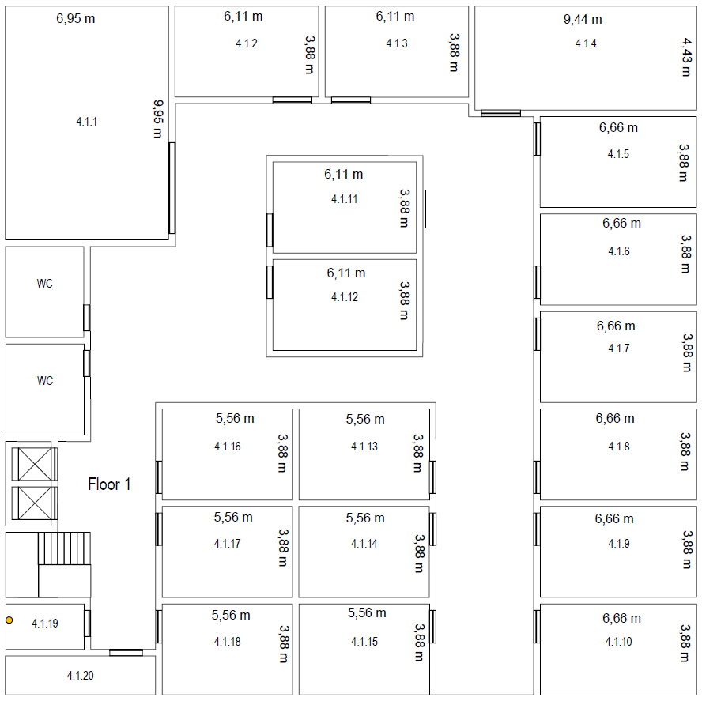
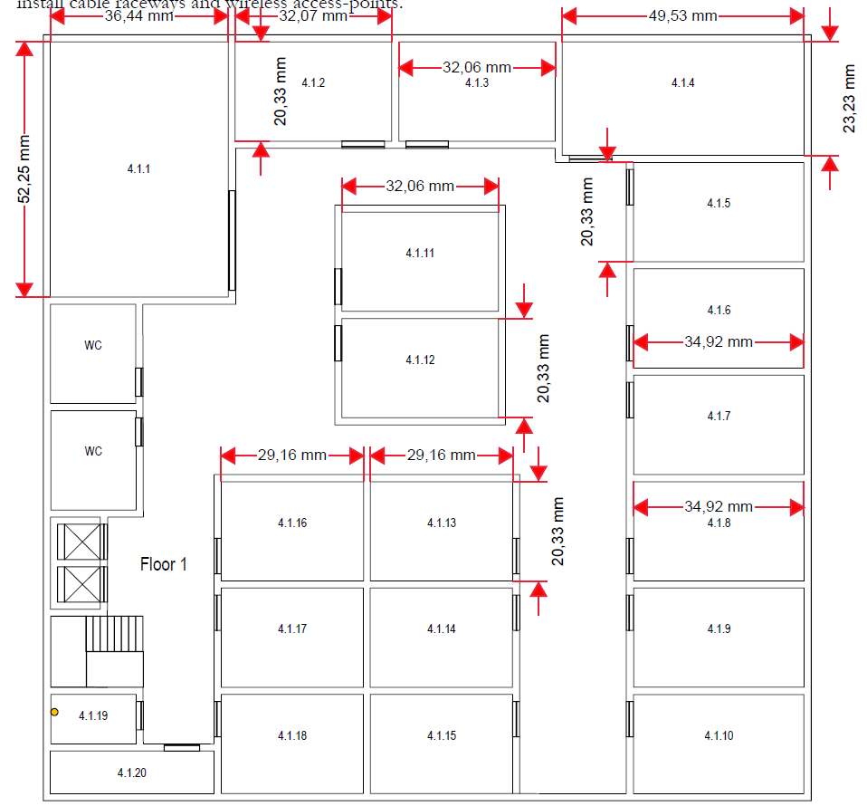
 |  |  |  |  |  |  |  |  |  |  |  |  | 5 | 49.04 | 1 | 50.04 |  | 4.1.6 | 1 | 11.8 | 53.9 | 2 | 67.7
 |  |  |  |  | The ceiling height on this floor is 3 meters, but there’s a removable dropped ceiling, placed 2.5 meters from the ground, and covering this entire floor. The empty space over the dropped ceiling is perfect to install cable raceways and wireless access-points |  |  |  |  |  |  |  | 6 | 52.25 | 1 | 53.25 |  |  | 2 | 7.54 | 53.9 | 2 | 63.44
 |  |  |  |  |  |  |  |  |  |  |  | 4.0.7 | 1 | 48 | 1 | 49 |  |  | 3 | 4.03 | 53.9 | 2 | 59.93
 |  |  |  |  |  |  |  |  |  |  |  |  | 2 | 44.78 | 1 | 45.78 |  |  | 4 | 1.68 | 53.9 | 2 | 57.58
 |  |  |  |  |  |  |  |  |  |  |  |  | 3 | 43 | 1 | 44 |  |  | 5 | 2.49 | 53.9 | 2 | 58.39
 |  |  |  |  |  |  |  |  |  |  |  |  | 4 | 44.98 | 1 | 45.98 |  |  | 6 | 6.76 | 53.9 | 2 | 62.66
 |  |  |  |  |  |  |  |  |  |  |  |  | 5 | 49.36 | 1 | 50.36 |  |  | AP6 | - | 67.61 | - | 67.61
 |  |  |  |  |  |  |  |  |  |  |  |  | 6 | 52.57 | 1 | 53.57 |  | 4.1.7 | 1 | 11.8 | 48.31 | 2 | 62.11
 |  |  |  |  | Rooms 4.1.19 and 4.1.20 are storage areas that may be used to house a cross-connect and other network infrastructure hardware, no network outlets are required there, the same goes for restrooms, and common areas like halls and corridors. Other identified rooms must be provided with the standard number of network outlets per area ratio |  |  |  |  |  |  | 4.0.8 | 1 | 41.06 | 1 | 42.06 |  |  | 2 | 7.54 | 48.31 | 2 | 57.85
 |  |  |  |  |  |  |  |  |  |  |  |  | 2 | 37.06 | 1 | 38.06 |  |  | 3 | 4.03 | 48.31 | 2 | 54.34
 |  |  |  |  |  |  |  |  |  |  |  |  | 3 | 36.08 | 1 | 37.08 |  |  | 4 | 1.68 | 48.31 | 2 | 51.99
 |  |  |  |  |  |  |  |  |  |  |  |  | 4 | 38.3 | 1 | 39.3 |  |  | 5 | 2.49 | 48.31 | 2 | 52.8
 |  |  |  |  |  |  |  |  |  |  |  |  | 5 | 41.73 | 1 | 42.73 |  |  | 6 | 6.76 | 48.31 | 2 | 57.07
 |  |  |  |  |  |  |  |  |  |  |  |  | 6 | 45.73 | 1 | 46.73 |  | 4.1.8 | 1 | 11.8 | 42.73 | 2 | 56.53
 |  |  |  |  |  |  |  |  |  |  |  | 4.0.9 | 1 | 35.97 | 1 | 36.97 |  |  | 2 | 7.54 | 42.73 | 2 | 52.27
 |  |  |  |  | Salas: | x metros | y metros | area m^2 | outlets |  |  |  | 2 | 31.96 | 1 | 32.96 |  |  | 3 | 4.03 | 42.73 | 2 | 48.76
 |  |  |  |  | 4.1.1 | 6.95 | 9.95 | 69.15 | 14 |  |  |  | 3 | 30.94 | 1 | 31.94 |  |  | 4 | 1.68 | 42.73 | 2 | 46.41
 |  |  |  |  | 4.1.2 | 6.11 | 3.88 | 23.71 | 6 |  |  |  | 4 | 33 | 1 | 34 |  |  | 5 | 2.49 | 42.73 | 2 | 47.22
 |  |  |  |  | 4.1.3 | 6.11 | 3.88 | 23.71 | 6 |  |  |  | 5 | 36.66 | 1 | 37.66 |  |  | 6 | 6.76 | 42.73 | 2 | 51.49
 |  |  |  |  | 4.1.4 | 9.44 | 4.43 | 41.82 | 10 |  |  |  | 6 | 40.67 | 1 | 41.67 |  | 4.1.9 | 1 | 11.8 | 37.12 | 2 | 50.92
 |  |  |  |  | 4.1.5 | 6.66 | 3.88 | 25.84 | 6 |  |  |  | Access Point 4 | 48.92 | 4 | 52.92 |  |  | 2 | 7.54 | 37.12 | 2 | 46.66
 |  |  |  |  | 4.1.6 | 6.66 | 3.88 | 25.84 | 6 |  |  | 4.0.10 | 1 | 18.21 | 1 | 19.21 |  |  | 3 | 4.03 | 37.12 | 2 | 43.15
 |  |  |  |  | 4.1.7 | 6.66 | 3.88 | 25.84 | 6 |  |  |  | 2 | 22.22 | 1 | 23.22 |  |  | 4 | 1.68 | 37.12 | 2 | 40.8
 |  |  |  |  | 4.1.8 | 6.66 | 3.88 | 25.84 | 6 |  |  |  | 3 | 25.99 | 1 | 26.99 |  |  | 5 | 2.49 | 37.12 | 2 | 41.61
 |  |  |  |  | 4.1.9 | 6.66 | 3.88 | 25.84 | 6 |  |  |  | 4 | 27.93 | 1 | 28.93 |  |  | 6 | 6.76 | 37.12 | 2 | 45.88
 |  |  |  |  | 4.1.10 | 6.66 | 3.88 | 25.84 | 6 |  |  |  | 5 | 31.59 | 1 | 32.59 |  | 4.1.10 | 1 | 11.8 | 36.74 | 2 | 50.54
 |  |  |  |  | 4.1.11 | 6.11 | 3.88 | 23.71 | 6 |  |  |  | 6 | 35.6 | 1 | 36.6 |  |  | 2 | 7.54 | 36.74 | 2 | 46.28
 |  |  |  |  | 4.1.12 | 6.11 | 3.88 | 23.71 | 6 |  |  | 4.0.11 | 1 | 31.34 | 1 | 32.34 |  |  | 3 | 4.03 | 36.74 | 2 | 42.77
 |  |  |  |  | 4.1.13 | 5.56 | 3.88 | 21.57 | 6 |  |  |  | 2 | 27.33 | 1 | 28.33 |  |  | 4 | 1.68 | 36.74 | 2 | 40.42
 |  |  |  |  | 4.1.14 | 5.56 | 3.88 | 21.57 | 6 |  |  |  | 3 | 26.28 | 1 | 27.28 |  |  | 5 | 2.49 | 36.74 | 2 | 41.23
 |  |  |  |  | 4.1.15 | 5.56 | 3.88 | 21.57 | 6 |  |  |  | 4 | 28.02 | 1 | 29.02 |  |  | 6 | 6.76 | 36.74 | 2 | 45.5
 |  |  |  |  | 4.1.16 | 5.56 | 3.88 | 21.57 | 6 |  |  |  | 5 | 31.93 | 1 | 32.93 |  | 4.1.11 | 1 | 10.56 | 40.61 | 2 | 53.17
 |  |  |  |  | 4.1.17 | 5.56 | 3.88 | 21.57 | 6 |  |  |  | 6 | 35.94 | 1 | 36.94 |  |  | 2 | 7.45 | 40.61 | 2 | 50.06
 |  |  |  |  | 4.1.18 | 5.56 | 3.88 | 21.57 | 6 |  |  |  |  |  |  |  |  |  | 3 | 3.97 | 40.61 | 2 | 46.58
 |  |  |  |  |  |  |  |  | 120 | Total |  |  |  |  |  |  |  |  | 4 | 1.55 | 40.61 | 2 | 44.16
 |  |  |  |  |  |  |  |  |  |  |  |  |  |  |  |  |  |  | 5 | 1.94 | 40.61 | 2 | 44.55
Nº total outlets do edifício = | 192 |  |  |  |  |  |  |  |  |  |  |  |  |  | Total copper | 11289.99 |  |  | 6 | 5.19 | 40.61 | 2 | 47.8
 |  |  |  |  |  |  |  |  |  |  |  |  |  |  | Total fiber | 5 |  | 4.1.12 | 1 | 10.56 | 34.69 | 2 | 47.25
 |  |  |  |  |  |  |  |  |  |  |  |  |  |  |  |  |  |  | 2 | 7.45 | 34.69 | 2 | 44.14
 |  |  |  |  |  |  |  |  |  |  |  |  |  |  |  |  |  |  | 3 | 3.97 | 34.69 | 2 | 40.66
 |  |  |  |  |  |  |  |  |  |  |  |  |  |  |  |  |  |  | 4 | 1.55 | 34.69 | 2 | 38.24
 |  |  |  |  |  |  |  |  |  |  |  |  |  |  |  |  |  |  | 5 | 1.94 | 34.69 | 2 | 38.63
 |  |  |  |  |  |  |  |  |  |  |  |  |  |  |  |  |  |  | 6 | 5.19 | 34.69 | 2 | 41.88
 |  |  |  |  |  |  |  |  |  |  |  |  |  |  |  |  |  | 4.1.13 | 1 | 9.98 | 19.21 | 2 | 31.19
 |  |  |  |  |  |  |  |  |  |  |  |  |  |  |  |  |  |  | 2 | 7.22 | 19.21 | 2 | 28.43
 |  |  |  |  |  |  |  |  |  |  |  |  |  |  |  |  |  |  | 3 | 3.42 | 19.21 | 2 | 24.63
 |  |  |  |  |  |  |  |  |  |  |  |  |  |  |  |  |  |  | 4 | 1.46 | 19.21 | 2 | 22.67
 |  |  |  |  |  |  |  |  |  |  |  |  |  |  |  |  |  |  | 5 | 2.01 | 19.21 | 2 | 23.22
 |  |  |  |  |  |  |  |  |  |  |  |  |  |  |  |  |  |  | 6 | 4.76 | 19.21 | 2 | 25.97
 |  |  |  |  |  |  |  |  |  |  |  |  |  |  |  |  |  | 4.1.14 | 1 | 9.98 | 13.67 | 2 | 25.65
 |  |  |  |  |  |  |  |  |  |  |  |  |  |  |  |  |  |  | 2 | 7.22 | 13.67 | 2 | 22.89
 |  |  |  |  |  |  |  |  |  |  |  |  |  |  |  |  |  |  | 3 | 3.42 | 13.67 | 2 | 19.09
 |  |  |  |  |  |  |  |  |  |  |  |  |  |  |  |  |  |  | 4 | 1.46 | 13.67 | 2 | 17.13
 |  |  |  |  |  |  |  |  |  |  |  |  |  |  |  |  |  |  | 5 | 2.01 | 13.67 | 2 | 17.68
 |  |  |  |  |  |  |  |  |  |  |  |  |  |  |  |  |  |  | 6 | 4.76 | 13.67 | 2 | 20.43
 |  |  |  |  |  |  |  |  |  |  |  |  |  |  |  |  |  | 4.1.15 | 1 | 9.98 | 13.34 | 2 | 25.32
 |  |  |  |  |  |  |  |  |  |  |  |  |  |  |  |  |  |  | 2 | 7.22 | 13.34 | 2 | 22.56
 |  |  |  |  |  |  |  |  |  |  |  |  |  |  |  |  |  |  | 3 | 3.42 | 13.34 | 2 | 18.76
 |  |  |  |  |  |  |  |  |  |  |  |  |  |  |  |  |  |  | 4 | 1.46 | 13.34 | 2 | 16.8
 |  |  |  |  |  |  |  |  |  |  |  |  |  |  |  |  |  |  | 5 | 2.01 | 13.34 | 2 | 17.35
 |  |  |  |  |  |  |  |  |  |  |  |  |  |  |  |  |  |  | 6 | 4.76 | 13.34 | 2 | 20.1
 |  |  |  |  |  |  |  |  |  |  |  |  |  |  |  |  |  | 4.1.16 | 1 | 10.47 | 19.21 | 2 | 31.68
 |  |  |  |  |  |  |  |  |  |  |  |  |  |  |  |  |  |  | 2 | 7.42 | 19.21 | 2 | 28.63
 |  |  |  |  |  |  |  |  |  |  |  |  |  |  |  |  |  |  | 3 | 3.42 | 19.21 | 2 | 24.63
 |  |  |  |  |  |  |  |  |  |  |  |  |  |  |  |  |  |  | 4 | 1.46 | 19.21 | 2 | 22.67
 |  |  |  |  |  |  |  |  |  |  |  |  |  |  |  |  |  |  | 5 | 2.24 | 19.21 | 2 | 23.45
 |  |  |  |  |  |  |  |  |  |  |  |  |  |  |  |  |  |  | 6 | 5.3 | 19.21 | 2 | 26.51
 |  |  |  |  |  |  |  |  |  |  |  |  |  |  |  |  |  | 4.1.17 | 1 | 10.47 | 13.67 | 2 | 26.14
 |  |  |  |  |  |  |  |  |  |  |  |  |  |  |  |  |  |  | 2 | 7.42 | 13.67 | 2 | 23.09
 |  |  |  |  |  |  |  |  |  |  |  |  |  |  |  |  |  |  | 3 | 3.42 | 13.67 | 2 | 19.09
 |  |  |  |  |  |  |  |  |  |  |  |  |  |  |  |  |  |  | 4 | 1.46 | 13.67 | 2 | 17.13
 |  |  |  |  |  |  |  |  |  |  |  |  |  |  |  |  |  |  | 5 | 2.24 | 13.67 | 2 | 17.91
 |  |  |  |  |  |  |  |  |  |  |  |  |  |  |  |  |  |  | 6 | 5.3 | 13.67 | 2 | 20.97
 |  |  |  |  |  |  |  |  |  |  |  |  |  |  |  |  |  | 4.1.18 | 1 | 10.47 | 13.34 | 2 | 25.81
 |  |  |  |  |  |  |  |  |  |  |  |  |  |  |  |  |  |  | 2 | 7.42 | 13.34 | 2 | 22.76
 |  |  |  |  |  |  |  |  |  |  |  |  |  |  |  |  |  |  | 3 | 3.42 | 13.34 | 2 | 18.76
 |  |  |  |  |  |  |  |  |  |  |  |  |  |  |  |  |  |  | 4 | 1.46 | 13.34 | 2 | 16.8
 |  |  |  |  |  |  |  |  |  |  |  |  |  |  |  |  |  |  | 5 | 2.24 | 13.34 | 2 | 17.58
 |  |  |  |  |  |  |  |  |  |  |  |  |  |  |  |  |  |  | 6 | 5.3 | 13.34 | 2 | 20.64

