Sheet1
0 |  |  |  |  |  | 1 |  | X | Y | Z
 |  |  |  |  |  |  | 0 | -3 | 3 | 0.5
2 | 3 |  | 4 |  | 5 | 6 | 1 | 4 | 3 | 0.5 |  |  |  | 0 |  |  |  |  |  |  |  | 1 | 12 |  |  |  |  |  | 11
 |  | 7 |  | 8 |  |  | 2 | -3 | 2 | 0.5
 |  |  |  |  |  |  | 3 | -1 | 2 | 0.5 |  |  |  | 2 |  | 3 |  | 4 |  | 5 |  | 6 | 18 | 17 |  | 1615 |  | 14 | 13
 |  |  |  |  |  |  | 4 | 1 | 2 | 0.5 |  |  |  |  | 14 |  | 7 |  | 8 |  | 17 |  |  |  | 20 |  | 19
 |  |  |  |  |  |  | 5 | 2 | 2 | 0.5 |  |  |  |  |  | 19 |  |  |  | 20
 |  | 9 |  | 10 |  |  | 6 | 4 | 2 | 0.5
 |  |  |  |  |  |  | 7 | 0 | 1 | 0.5
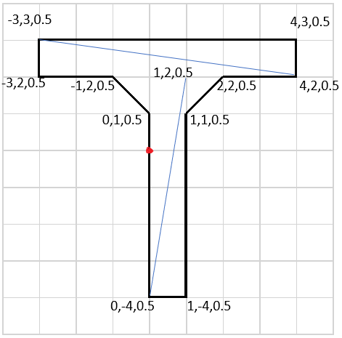
 |  |  |  |  |  |  | 8 | 1 | 1 | 0.5 |  |  |  |  |  |  | 9 |  | 10 |  |  |  |  |  | 22 |  | 21
 |  |  |  |  |  |  | 9 | 0 | -4 | 0.5
 |  |  |  |  |  |  | 10 | 1 | -4 | 0.5

 |  |  |  |  |  |  | Front |  |  |  | Back
 |  |  |  |  |  |  | 0 | 1 | 5 |  | 12 | 14 | 19
 |  |  |  |  |  |  | 0 | 5 | 2 |  | 12 | 19 | 13
 |  |  |  |  |  |  | 3 | 13 | 6
 |  |  |  |  |  |  | 3 | 18 | 6
 |  |  |  |  |  |  | 4 | 7 | 19 |  | 23 | 17 | 16
 |  |  |  |  |  |  | 4 | 19 | 16 |  | 23 | 16 | 22
 |  |  |  |  |  |  | 5
 |  |  |  |  |  |  | 5

