Sheet1
 | X | Y | Z
0 | -3 | 3 | 0.5
1 | 4 | 3 | 0.5 |  |  |  | 0 |  |  |  |  |  |  | 1 |  |  | 11 |  |  |  |  |  | 10
2 | -3 | 2 | 0.5
3 | -1 | 2 | 0.5 |  |  |  | 2 |  | 3 |  |  | 4 |  | 5 |  |  | 15 | 14 |  |  |  | 13 | 12
4 | 2 | 2 | 0.5 |  |  |  |  | 13 |  | 6 | 7 |  | 14 |  |  |  |  |  | 17 |  | 16
5 | 4 | 2 | 0.5 |  |  |  |  |  | 16 |  |  | 17
6 | 0 | 1 | 0.5
7 | 1 | 1 | 0.5
8 | 0 | -4 | 0.5 |  |  |  |  |  |  | 8 | 9 |  |  |  |  |  |  |  | 19 |  | 18
9 | 1 | -4 | 0.5
10

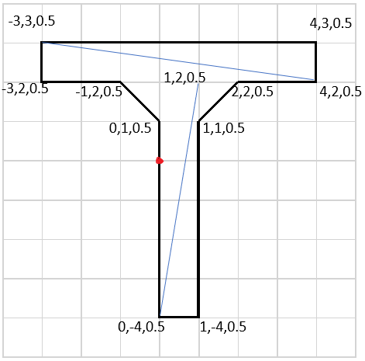
Front |  |  |  | Back |  |  |  | Bot |  |  | Left Side |  |  |  | Right Side |  |  | Top
0 | 2 | 5 |  | 11 | 15 | 12 |  | 8 | 18 | 19 | 0 | 10 | 12 |  | 5 | 15 | 11 | 0 | 1 | 11
0 | 5 | 2 |  | 11 | 12 | 10 |  | 8 | 19 | 9 | 0 | 12 | 2 |  | 5 | 11 | 1 | 0 | 11 | 10
3 | 6 | 7 |  | 14 | 17 | 16 |  | 2 | 12 | 13 | 6 | 16 | 18 |  | 9 | 19 | 17
3 | 7 | 4 |  | 14 | 16 | 13 |  | 2 | 13 | 3 | 6 | 18 | 8 |  | 9 | 17 | 7
8 | 9 | 7 |  | 19 | 18 | 16 |  | 4 | 14 | 15 | 3 | 13 | 16 |  | 7 | 17 | 14
8 | 7 | 6 |  | 19 | 16 | 17 |  | 4 | 15 | 5 | 3 | 16 | 6 |  | 7 | 14 | 4

