Sheet1
0 |  |  |  |  |  | 1 |  | X | Y | Z
 |  |  |  |  |  |  | 0 | -3 | 3 | 0.5
2 | 3 |  | 4 |  | 5 | 6 | 1 | 4 | 3 | 0.5 |  |  |  |  |  |  | 0 |  |  |  |  |  |  | 1 | 11 |  |  |  |  | 10
 |  | 7 |  | 8 |  |  | 2 | -3 | 2 | 0.5
 |  |  |  |  |  |  | 3 | -1 | 2 | 0.5 |  |  |  |  |  |  | 2 |  | 3 |  |  | 4 |  | 5 | 15 | 14 |  |  | 13 | 12
 |  |  |  |  |  |  | 4 | 2 | 2 | 0.5 |  |  |  |  |  |  |  | 13 |  | 6 | 7 |  | 14 |  |  |  | 17 | 16
 |  |  |  |  |  |  | 5 | 4 | 2 | 0.5 |  |  |  |  |  |  |  |  | 16 |  |  | 17
 |  | 9 |  | 10 |  |  | 6 | 0 | 1 | 0.5
 |  |  |  |  |  |  | 7 | 1 | 1 | 0.5
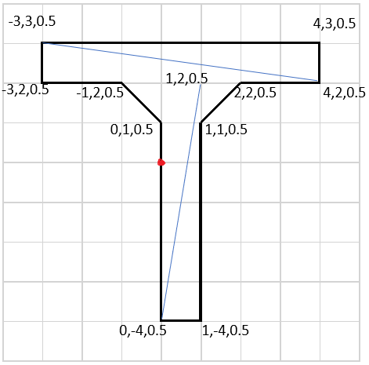
 |  |  |  |  |  |  | 8 | 0 | -4 | 0.5 |  |  |  |  |  |  |  |  |  | 8 | 9 |  |  |  |  |  | 19 | 18
 |  |  |  |  |  |  | 9 | 1 | -4 | 0.5
 |  |  |  |  |  |  | 10

 |  |  |  |  |  |  | Front |  |  |  | Back |  |  | Top
 |  |  |  |  |  |  | 0 | 1 | 5 |  | 11 | 10 | 12 | 0 | 1 | 11
 |  |  |  |  |  |  | 0 | 5 | 2 |  | 11 | 12 | 13 | 0 | 11 | 10
 |  |  |  |  |  |  | 3 | 6 | 7 |  | 14 | 13 | 16
 |  |  |  |  |  |  | 3 | 7 | 4 |  | 14 | 16 | 17
 |  |  |  |  |  |  | 8 | 9 | 7 |  | 19 | 17 | 16
 |  |  |  |  |  |  | 8 | 7 | 6 |  | 19 | 16 | 18

