Combined
# | Trivial Name-Cummings |  |  | GlyToucan-Name | GlyToucan ID | GlyToucan GlycoCT | Glyco CT | Image |  | end | Ref 1 PubMed | Ref 2 Pub med
1 | LN, N-acetyllactosamine | Type 2 LN |  | Lactosamine motif | G00055MO | RES 1b:b-dglc-HEX-1:5 2s:n-acetyl 3b:b-dgal-HEX-1:5 LIN 1:1d(2+1)2n 2:1o(4+1)3d | RES 1b:x-dglc-HEX-1:5 2s:n-acetyl 3b:b-dgal-HEX-1:5 LIN 1:1d(2+1)2n 2:1o(4+1)3d |  |  | -R | 1567687 | 6653876
2 | LN2, I antigen | Type 2 LN2 |  |  |  |  | RES 1b:x-dglc-HEX-1:5 2s:n-acetyl 3b:b-dgal-HEX-1:5 4b:b-dglc-HEX-1:5 5s:n-acetyl 6b:b-dgal-HEX-1:5 LIN 1:1d(2+1)2n 2:1o(4+1)3d 3:3o(3+1)4d 4:4d(2+1)5n 5:4o(4+1)6d |  |  | -R
3 | I antigen |  |  |  |  |  | RES 1b:x-dglc-HEX-1:5 2s:n-acetyl 3b:b-dgal-HEX-1:5 4b:x-dglc-HEX-1:5 5s:n-acetyl 6b:b-dgal-HEX-1:5 7b:b-dglc-HEX-1:5 8s:n-acetyl 9b:b-dgal-HEX-1:5 LIN 1:1d(2+1)2n 2:1o(4+1)3d 3:3x(-1+-1)4x 4:4d(2+1)5n 5:4o(4+1)6d 6:3o(3+1)7d 7:7d(2+1)8n 8:7o(4+1)9d | 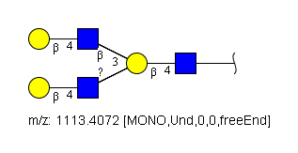 |  | -R
4 | I antigen |  |  |  |  |  | RES 1b:x-dglc-HEX-1:5 2s:n-acetyl 3b:b-dgal-HEX-1:5 4b:b-dglc-HEX-1:5 5s:n-acetyl 6b:b-dgal-HEX-1:5 7b:b-dglc-HEX-1:5 8s:n-acetyl 9b:b-dgal-HEX-1:5 LIN 1:1d(2+1)2n 2:1o(4+1)3d 3:3o(3+1)4d 4:4d(2+1)5n 5:4o(4+1)6d 6:6o(3+1)7d 7:7d(2+1)8n 8:7o(4+1)9d |  |  | -R
5 | LN | Type 1 |  |  |  |  | RES 1b:x-dglc-HEX-1:5 2s:n-acetyl 3b:b-dgal-HEX-1:5 LIN 1:1d(2+1)2n 2:1o(3+1)3d |  |  | -R
6 | LN2 | Type 1 |  |  |  |  | RES 1b:x-dglc-HEX-1:5 2s:n-acetyl 3b:b-dgal-HEX-1:5 4b:b-dglc-HEX-1:5 5s:n-acetyl 6b:b-dgal-HEX-1:5 LIN 1:1d(2+1)2n 2:1o(3+1)3d 3:3o(3+1)4d 4:4d(2+1)5n 5:4o(3+1)6d |  |  | -R
7 | LN3 | Type 1 |  |  |  |  | RES 1b:x-dglc-HEX-1:5 2s:n-acetyl 3b:b-dgal-HEX-1:5 4b:b-dglc-HEX-1:5 5s:n-acetyl 6b:b-dgal-HEX-1:5 7b:b-dglc-HEX-1:5 8s:n-acetyl 9b:b-dgal-HEX-1:5 LIN 1:1d(2+1)2n 2:1o(3+1)3d 3:3o(3+1)4d 4:4d(2+1)5n 5:4o(3+1)6d 6:6o(3+1)7d 7:7d(2+1)8n 8:7o(3+1)9d |  |  | -R
8 | Tn antigen |  |  |  |  |  |  |  |  | -Ser/Thr
9 | T or TF antigen |  |  |  |  |  | RES 1b:x-dgal-HEX-1:5 2s:n-acetyl 3b:b-dgal-HEX-1:5 LIN 1:1d(2+1)2n 2:1o(3+1)3d |  |  | -Ser/Thr |  | 241
10 | H antigen | type 3 |  |  |  |  | RES 1b:x-dgal-HEX-1:5 2s:n-acetyl 3b:b-dgal-HEX-1:5 4b:a-lgal-HEX-1:5|6:d LIN 1:1d(2+1)2n 2:1o(3+1)3d 3:3o(2+1)4d | 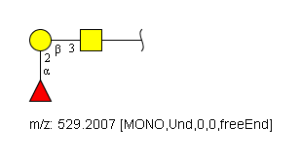 |  | -Ser/Thr
11 | A antigen | type 3 |  |  |  |  | RES 1b:x-dgal-HEX-1:5 2s:n-acetyl 3b:b-dgal-HEX-1:5 4b:a-lgal-HEX-1:5|6:d 5b:a-dgal-HEX-1:5 6s:n-acetyl LIN 1:1d(2+1)2n 2:1o(3+1)3d 3:3o(2+1)4d 4:3o(3+1)5d 5:5d(2+1)6n | 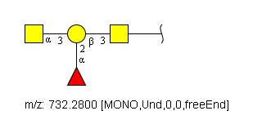 |  | -Ser/Thr
12 | Sialyl Tn antigen |  |  |  |  |  | RES 1b:x-dgal-HEX-1:5 2s:n-acetyl 3b:a-dgro-dgal-NON-2:6|1:a|2:keto|3:d 4s:n-acetyl LIN 1:1d(2+1)2n 2:1o(6+2)3d 3:3d(5+1)4n |  |  | -R
13 | Sialyl T antigen |  |  |  |  |  | RES 1b:x-dgal-HEX-1:5 2s:n-acetyl 3b:b-dgal-HEX-1:5 4b:a-dgro-dgal-NON-2:6|1:a|2:keto|3:d 5s:n-acetyl LIN 1:1d(2+1)2n 2:1o(3+1)3d 3:3o(3+2)4d 4:4d(5+1)5n |  |  | -Ser/Thr
14 | Di-sialyl T antigen |  |  |  |  |  | RES 1b:x-dgal-HEX-1:5 2s:n-acetyl 3b:b-dgal-HEX-1:5 4b:a-dgro-dgal-NON-2:6|1:a|2:keto|3:d 5s:n-acetyl 6b:a-dgro-dgal-NON-2:6|1:a|2:keto|3:d 7s:n-acetyl LIN 1:1d(2+1)2n 2:1o(3+1)3d 3:3o(3+2)4d 4:4d(5+1)5n 5:1o(6+2)6d 6:6d(5+1)7n | 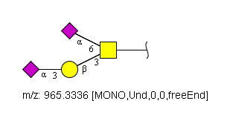 |  | -Ser/Thr
15 | a-Gal antigen |  |  | Galalpha1-3Gal epitope | G00046MO | RES 1b:x-dgal-HEX-x:x 2b:a-dgal-HEX-1:5 LIN 1:1o(3+1)2d | RES 1b:x-dgal-HEX-1:5 2b:a-dgal-HEX-1:5 LIN 1:1o(3+1)2d |  |  | -R
16 | LDN, LacdiNAc | LDN |  | LacDiNAc | G00057MO | RES 1b:b-dglc-HEX-1:5 2s:n-acetyl 3b:b-dgal-HEX-1:5 4s:n-acetyl LIN 1:1d(2+1)2n 2:1o(4+1)3d 3:3d(2+1)4n | RES 1b:x-dglc-HEX-1:5 2s:n-acetyl 3b:b-dgal-HEX-1:5 4s:n-acetyl LIN 1:1d(2+1)2n 2:1o(4+1)3d 3:3d(2+1)4n |  |  | -R
17 | Fucosylated LDN | LDNF |  |  |  |  | RES 1b:x-dglc-HEX-1:5 2s:n-acetyl 3b:a-lgal-HEX-1:5|6:d 4b:b-dgal-HEX-1:5 5s:n-acetyl LIN 1:1d(2+1)2n 2:1o(3+1)3d 3:1o(4+1)4d 4:4d(2+1)5n | 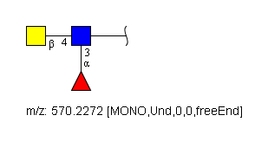 |  | -R
18 | Lewis x | Lex) | SSEA-1 | Lewis X | G00051MO | RES 1b:b-dglc-HEX-1:5 2s:n-acetyl 3b:a-lgal-HEX-1:5|6:d 4b:b-dgal-HEX-1:5 LIN 1:1d(2+1)2n 2:1o(3+1)3d 3:1o(4+1)4d | RES 1b:x-dglc-HEX-1:5 2s:n-acetyl 3b:a-lgal-HEX-1:5|6:d 4b:b-dgal-HEX-1:5 LIN 1:1d(2+1)2n 2:1o(3+1)3d 3:1o(4+1)4d | 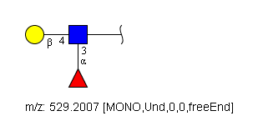 | \ | -R
19 | Lewis y | Ley) |  | Lewis Y | G00052MO | RES 1b:b-dglc-HEX-1:5 2s:n-acetyl 3b:a-lgal-HEX-1:5|6:d 4b:b-dgal-HEX-1:5 5b:a-lgal-HEX-1:5|6:d LIN 1:1d(2+1)2n 2:1o(3+1)3d 3:1o(4+1)4d 4:4o(2+1)5d | RES 1b:x-dglc-HEX-1:5 2s:n-acetyl 3b:a-lgal-HEX-1:5|6:d 4b:b-dgal-HEX-1:5 5b:a-lgal-HEX-1:5|6:d LIN 1:1d(2+1)2n 2:1o(3+1)3d 3:1o(4+1)4d 4:4o(2+1)5d | 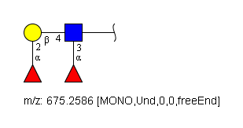 |  | -R
20 | Lewis a | Lea) |  | Lewis A | G00047MO | RES 1b:x-dglc-HEX-1:5 2s:n-acetyl 3b:b-dgal-HEX-1:5 4b:a-lgal-HEX-1:5|6:d LIN 1:1d(2+1)2n 2:1o(3+1)3d 3:1o(4+1)4d | RES 1b:x-dglc-HEX-1:5 2s:n-acetyl 3b:b-dgal-HEX-1:5 4b:a-lgal-HEX-1:5|6:d LIN 1:1d(2+1)2n 2:1o(3+1)3d 3:1o(4+1)4d | 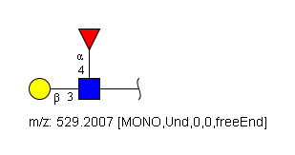 |  | -R
21 | Lewis b | Leb) |  | Lewis B | G00048MO | RES 1b:b-dglc-HEX-1:5 2s:n-acetyl 3b:b-dgal-HEX-1:5 4b:a-lgal-HEX-1:5|6:d 5b:a-lgal-HEX-1:5|6:d LIN 1:1d(2+1)2n 2:1o(3+1)3d 3:3o(2+1)4d 4:1o(4+1)5d | RES 1b:x-dglc-HEX-1:5 2s:n-acetyl 3b:b-dgal-HEX-1:5 4b:a-lgal-HEX-1:5|6:d 5b:a-lgal-HEX-1:5|6:d LIN 1:1d(2+1)2n 2:1o(3+1)3d 3:3o(2+1)4d 4:1o(4+1)5d | 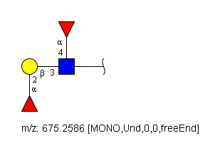 |  | -R
22 | Sialyl Lewis x | SLex) |  | Sialyl Lewis X | G00054MO | RES 1b:b-dglc-HEX-1:5 2s:n-acetyl 3b:a-lgal-HEX-1:5|6:d 4b:b-dgal-HEX-1:5 5b:a-dgro-dgal-NON-2:6|1:a|2:keto|3:d 6s:n-acetyl LIN 1:1d(2+1)2n 2:1o(3+1)3d 3:1o(4+1)4d 4:4o(3+2)5d 5:5d(5+1)6n | RES 1b:x-dglc-HEX-1:5 2s:n-acetyl 3b:a-lgal-HEX-1:5|6:d 4b:b-dgal-HEX-1:5 5b:a-dgro-dgal-NON-2:6|1:a|2:keto|3:d 6s:n-acetyl LIN 1:1d(2+1)2n 2:1o(3+1)3d 3:1o(4+1)4d 4:4o(3+2)5d 5:5d(5+1)6n | 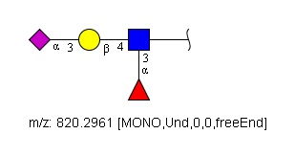 |  | -R
23 | Cyclic sialyl 6-sulfo Lewis x |  |  |  |  |  | RES 1b:x-dglc-HEX-1:5 2s:n-acetyl 3b:a-lgal-HEX-1:5|6:d 4b:b-dgal-HEX-1:5 5b:a-dgro-dgal-NON-2:6|1:a|2:keto|3:d 6s:n-acetyl 7s:sulfate LIN 1:1d(2+1)2n 2:1o(3+1)3d 3:1o(4+1)4d 4:4o(3+2)5d 5:5d(5+1)6n 6:1o(6+1)7n | 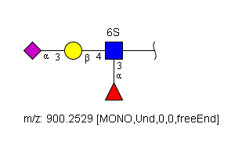 |  | -R
24 | Sialyl Lewis a | SLea) | CA19-9 antigen) |  |  |  | RES 1b:x-dglc-HEX-1:5 2s:n-acetyl 3b:b-dgal-HEX-1:5 4b:a-dgro-dgal-NON-2:6|1:a|2:keto|3:d 5s:n-acetyl 6b:a-lgal-HEX-1:5|6:d LIN 1:1d(2+1)2n 2:1o(3+1)3d 3:3o(3+2)4d 4:4d(5+1)5n 5:1o(4+1)6d | 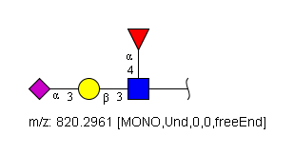 |  | -R
25 | 6'-Sulfo-sialyl Lewis x | 6'-sulfo SLex) |  |  |  |  | RES 1b:x-dglc-HEX-1:5 2s:n-acetyl 3b:a-lgal-HEX-1:5|6:d 4b:b-dgal-HEX-1:5 5b:a-dgro-dgal-NON-2:6|1:a|2:keto|3:d 6s:n-acetyl 7s:sulfate LIN 1:1d(2+1)2n 2:1o(3+1)3d 3:1o(4+1)4d 4:4o(3+2)5d 5:5d(5+1)6n 6:4o(6+1)7n | 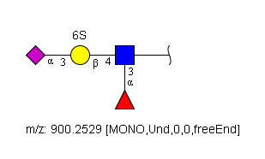 |  | -R
26 | 2,6-sialyl-Sulfo-LN | 6-sialyl-6-sulfo LN) |  |  |  |  | RES 1b:x-dglc-HEX-1:5 2s:n-acetyl 3b:b-dgal-HEX-1:5 4b:a-dgro-dgal-NON-2:6|1:a|2:keto|3:d 5s:n-acetyl 6s:sulfate LIN 1:1d(2+1)2n 2:1o(4+1)3d 3:3o(6+2)4d 4:4d(5+1)5n 5:1o(6+1)6n | 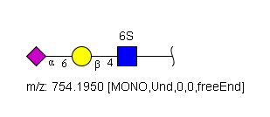 |  | -R
27 | 6-Sulfo-sialyl Lewis x | 6-sulfo SLex) |  |  |  |  | RES 1b:x-dglc-HEX-1:5 2s:n-acetyl 3b:a-lgal-HEX-1:5|6:d 4b:b-dgal-HEX-1:5 5b:a-dgro-dgal-NON-2:6|1:a|2:keto|3:d 6s:n-acetyl 7s:sulfate LIN 1:1d(2+1)2n 2:1o(3+1)3d 3:1o(4+1)4d 4:4o(3+2)5d 5:5d(5+1)6n 6:1o(6+1)7n |  |  | -R
28 | 6,6'-bisSulfo-Lewis x | 6,6'-bissulfo Lex) ) |  |  |  |  | RES 1b:x-dglc-HEX-1:5 2s:n-acetyl 3b:a-lgal-HEX-1:5|6:d 4b:b-dgal-HEX-1:5 5b:a-dgro-dgal-NON-2:6|1:a|2:keto|3:d 6s:n-acetyl 7s:sulfate 8s:sulfate LIN 1:1d(2+1)2n 2:1o(3+1)3d 3:1o(4+1)4d 4:4o(3+2)5d 5:5d(5+1)6n 6:4o(6+1)7n 7:1o(6+1)8n | 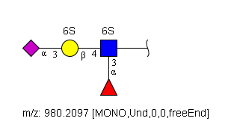 |  | -R
29 | 3'-Sulfo-Lewis x | 30-sulfo Lex) ) |  |  |  |  | RES 1b:x-dglc-HEX-1:5 2s:n-acetyl 3b:a-lgal-HEX-1:5|6:d 4b:b-dgal-HEX-1:5 5s:sulfate LIN 1:1d(2+1)2n 2:1o(3+1)3d 3:1o(4+1)4d 4:4o(3+1)5n |  |  | -R
30 | 3'-Sulfo-Lewis a | 30-Sulfo Lea) |  |  |  |  | RES 1b:x-dglc-HEX-1:5 2s:n-acetyl 3b:b-dgal-HEX-1:5 4s:sulfate 5b:a-lgal-HEX-1:5|6:d LIN 1:1d(2+1)2n 2:1o(3+1)3d 3:3o(3+1)4n 4:1o(4+1)5d | 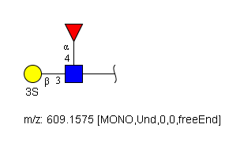 |  | -R
31 | Lex–Lex |  |  |  |  |  | RES 1b:x-dglc-HEX-1:5 2s:n-acetyl 3b:a-lgal-HEX-1:5|6:d 4b:b-dgal-HEX-1:5 5b:b-dglc-HEX-1:5 6s:n-acetyl 7b:a-lgal-HEX-1:5|6:d 8b:b-dgal-HEX-1:5 LIN 1:1d(2+1)2n 2:1o(3+1)3d 3:1o(4+1)4d 4:4o(3+1)5d 5:5d(2+1)6n 6:5o(3+1)7d 7:5o(4+1)8d | 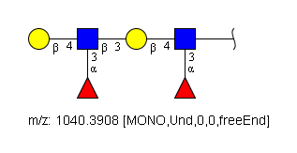 |  | -R
32 | SDLex |  |  |  |  |  | RES 1b:x-dglc-HEX-1:5 2s:n-acetyl 3b:a-lgal-HEX-1:5|6:d 4b:b-dgal-HEX-1:5 5b:b-dglc-HEX-1:5 6s:n-acetyl 7b:a-lgal-HEX-1:5|6:d 8b:b-dgal-HEX-1:5 9b:a-dgro-dgal-NON-2:6|1:a|2:keto|3:d 10s:n-acetyl LIN 1:1d(2+1)2n 2:1o(3+1)3d 3:1o(4+1)4d 4:4o(3+1)5d 5:5d(2+1)6n 6:5o(3+1)7d 7:5o(4+1)8d 8:8o(3+2)9d 9:9d(5+1)10n | 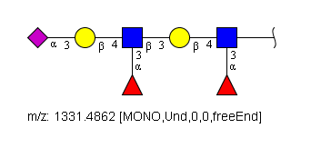 |  | -R
33 | VIM-2 |  |  | VIM | G00065MO | RES 1b:b-dglc-HEX-1:5 2s:n-acetyl 3b:b-dgal-HEX-1:5 4b:a-dgro-dgal-NON-2:6|1:a|2:keto|3:d 5s:n-acetyl LIN 1:1d(2+1)2n 2:1o(4+1)3d 3:3o(3+2)4d 4:4d(5+1)5n | RES 1b:x-dglc-HEX-1:5 2s:n-acetyl 3b:a-lgal-HEX-1:5|6:d 4b:b-dgal-HEX-1:5 5b:b-dglc-HEX-1:5 6s:n-acetyl 7b:b-dgal-HEX-1:5 8b:a-dgro-dgal-NON-2:6|1:a|2:keto|3:d 9s:n-acetyl LIN 1:1d(2+1)2n 2:1o(3+1)3d 3:1o(4+1)4d 4:4o(3+1)5d 5:5d(2+1)6n 6:5o(4+1)7d 7:7o(3+2)8d 8:8d(5+1)9n | 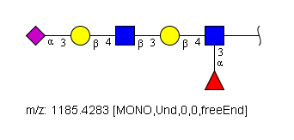 |  | -R
34 | 3-Sialyl-LN | type 2) |  |  |  |  | RES 1b:x-dglc-HEX-1:5 2s:n-acetyl 3b:b-dgal-HEX-1:5 4b:a-dgro-dgal-NON-2:6|1:a|2:keto|3:d 5s:n-acetyl LIN 1:1d(2+1)2n 2:1o(4+1)3d 3:3o(3+2)4d 4:4d(5+1)5n |  |  | -R
35 | 6-Sialyl-GalNAc or 6-Sialyl LN | type 1 or 2) |  |  |  |  | RES 1b:x-dgal-HEX-1:5 2s:n-acetyl 3b:a-dgro-dgal-NON-2:6|1:a|2:keto|3:d 4s:n-acetyl LIN 1:1d(2+1)2n 2:1o(6+2)3d 3:3d(5+1)4n |  |  | -R
36 | Blood group H | type 2) |  |  |  |  | RES 1b:x-dgal-HEX-1:5 2b:b-dglc-HEX-1:5 3s:n-acetyl 4b:b-dgal-HEX-1:5 5b:a-lgal-HEX-1:5|6:d LIN 1:1o(3+1)2d 2:2d(2+1)3n 3:2o(4+1)4d 4:4o(2+1)5d | 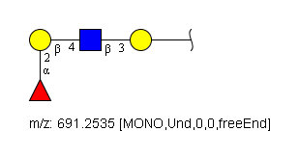 |  | -R
37 | Blood group B | type 2) |  |  |  |  | RES 1b:x-dgal-HEX-1:5 2b:b-dglc-HEX-1:5 3s:n-acetyl 4b:b-dgal-HEX-1:5 5b:a-lgal-HEX-1:5|6:d 6b:a-dgal-HEX-1:5 LIN 1:1o(3+1)2d 2:2d(2+1)3n 3:2o(4+1)4d 4:4o(2+1)5d 5:4o(3+1)6d | 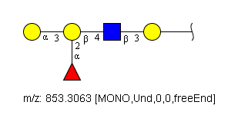 |  | -R
38 | Blood group A | type 2) |  |  |  |  | RES 1b:x-dglc-HEX-1:5 2s:n-acetyl 3b:b-dgal-HEX-1:5 4b:a-lgal-HEX-1:5|6:d 5b:a-dgal-HEX-1:5 6s:n-acetyl LIN 1:1d(2+1)2n 2:1o(4+1)3d 3:3o(2+1)4d 4:3o(3+1)5d 5:5d(2+1)6n | 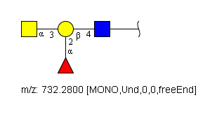 |  | -R
39 | Blood group A | type 2) | A-Ley) |  |  |  | RES 1b:x-dglc-HEX-1:5 2s:n-acetyl 3b:a-lgal-HEX-1:5|6:d 4b:b-dgal-HEX-1:5 5b:a-lgal-HEX-1:5|6:d 6b:a-dgal-HEX-1:5 7s:n-acetyl LIN 1:1d(2+1)2n 2:1o(3+1)3d 3:1o(4+1)4d 4:4o(2+1)5d 5:4o(3+1)6d 6:6d(2+1)7n | 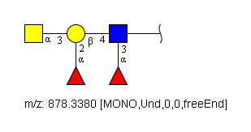 |  | -R
40 | Blood group A1 | type 3) |  |  |  |  | RES 1b:x-dglc-HEX-1:5 2s:n-acetyl 3b:b-dgal-HEX-1:5 4b:a-lgal-HEX-1:5|6:d 5b:a-dgal-HEX-1:5 6s:n-acetyl 7b:b-dgal-HEX-1:5 8b:a-lgal-HEX-1:5|6:d 9b:a-dgal-HEX-1:5 10s:n-acetyl LIN 1:1d(2+1)2n 2:1o(4+1)3d 3:3o(2+1)4d 4:3o(3+1)5d 5:5d(2+1)6n 6:5o(3+1)7d 7:7o(2+1)8d 8:7o(3+1)9d 9:9d(2+1)10n | 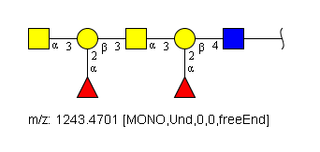 |  | -R
41 | Blood group A2 | A-associated H type 3) |  |  |  |  | RES 1b:x-dglc-HEX-1:5 2s:n-acetyl 3b:b-dgal-HEX-1:5 4b:a-lgal-HEX-1:5|6:d 5b:a-dgal-HEX-1:5 6s:n-acetyl 7b:b-dgal-HEX-1:5 8b:a-lgal-HEX-1:5|6:d LIN 1:1d(2+1)2n 2:1o(4+1)3d 3:3o(2+1)4d 4:3o(3+1)5d 5:5d(2+1)6n 6:5o(3+1)7d 7:7o(2+1)8d | 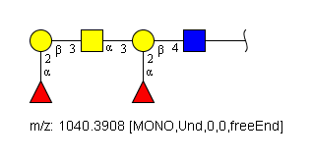 |  | -R
42 | Blood group H | type 1) |  |  |  |  | RES 1b:x-dgal-HEX-1:5 2b:b-dglc-HEX-1:5 3s:n-acetyl 4b:b-dgal-HEX-1:5 5b:a-lgal-HEX-1:5|6:d LIN 1:1o(3+1)2d 2:2d(2+1)3n 3:2o(3+1)4d 4:4o(2+1)5d |  |  | -R
43 | Blood group B | type 1) |  |  |  |  | RES 1b:x-dglc-HEX-1:5 2s:n-acetyl 3b:b-dgal-HEX-1:5 4b:a-lgal-HEX-1:5|6:d 5b:a-dgal-HEX-1:5 LIN 1:1d(2+1)2n 2:1o(3+1)3d 3:3o(2+1)4d 4:3o(3+1)5d | 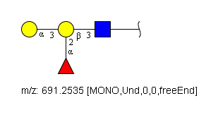 |  | -R
44 | Blood group A | type 1) |  |  |  |  | RES 1b:x-dglc-HEX-1:5 2s:n-acetyl 3b:b-dgal-HEX-1:5 4b:a-lgal-HEX-1:5|6:d 5b:a-dgal-HEX-1:5 6s:n-acetyl LIN 1:1d(2+1)2n 2:1o(3+1)3d 3:3o(2+1)4d 4:3o(3+1)5d 5:5d(2+1)6n |  |  | -R
45 | Blood group H | type 2) | Ley) |  |  |  | RES 1b:x-dglc-HEX-1:5 2s:n-acetyl 3b:a-lgal-HEX-1:5|6:d 4b:b-dgal-HEX-1:5 5b:a-lgal-HEX-1:5|6:d LIN 1:1d(2+1)2n 2:1o(3+1)3d 3:1o(4+1)4d 4:4o(2+1)5d |  |  | -R
46 | Blood group B | type 1) | B-Ley) |  |  |  | RES 1b:x-dglc-HEX-1:5 2s:n-acetyl 3b:b-dgal-HEX-1:5 4b:a-lgal-HEX-1:5|6:d 5b:a-dgal-HEX-1:5 6b:a-lgal-HEX-1:5|6:d LIN 1:1d(2+1)2n 2:1o(3+1)3d 3:3o(2+1)4d 4:3o(3+1)5d 5:1o(4+1)6d | 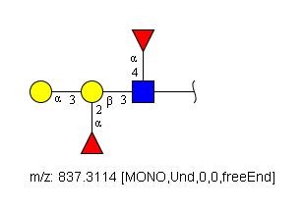 |  | -R
47 | Blood group A | type 1) | A-Leb) |  |  |  | RES 1b:x-dglc-HEX-1:5 2s:n-acetyl 3b:b-dgal-HEX-1:5 4b:a-lgal-HEX-1:5|6:d 5b:a-dgal-HEX-1:5 6s:n-acetyl 7b:a-lgal-HEX-1:5|6:d LIN 1:1d(2+1)2n 2:1o(3+1)3d 3:3o(2+1)4d 4:3o(3+1)5d 5:5d(2+1)6n 6:1o(4+1)7d |  |  | -R
48 | Lewis b | Leb) |  |  |  |  | RES 1b:x-dglc-HEX-1:5 2s:n-acetyl 3b:a-lgal-HEX-1:5|6:d 4b:b-dgal-HEX-1:5 5b:a-lgal-HEX-1:5|6:d LIN 1:1d(2+1)2n 2:1o(3+1)3d 3:1o(4+1)4d 4:4o(2+1)5d |  |  | -R
49 | 4'-sulfated LDN |  |  |  |  |  | RES 1b:x-dglc-HEX-1:5 2s:n-acetyl 3b:b-dgal-HEX-1:5 4s:n-acetyl 5s:sulfate LIN 1:1d(2+1)2n 2:1o(4+1)3d 3:3d(2+1)4n 4:3o(4+1)5n | 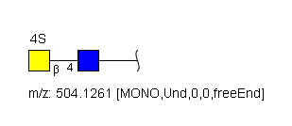 |  | -R
50 | Sialylated LDN |  |  |  |  |  | RES 1b:x-dglc-HEX-1:5 2s:n-acetyl 3b:b-dgal-HEX-1:5 4s:n-acetyl 5b:a-dgro-dgal-NON-2:6|1:a|2:keto|3:d 6s:n-acetyl LIN 1:1d(2+1)2n 2:1o(4+1)3d 3:3d(2+1)4n 4:3o(6+2)5d 5:5d(5+1)6n |  |  | -R
51 | Sda/CT antigen |  |  | SDA | G00062MO | RES 1b:b-dgal-HEX-1:5 2b:b-dglc-HEX-1:5 3s:n-acetyl 4b:b-dgal-HEX-1:5 5b:a-dgro-dgal-NON-2:6|1:a|2:keto|3:d 6s:n-acetyl 7b:b-dgal-HEX-1:5 8s:n-acetyl LIN 1:1o(3+1)2d 2:2d(2+1)3n 3:2o(4+1)4d 4:4o(3+2)5d 5:5d(5+1)6n 6:4o(4+1)7d 7:7d(2+1)8n | RES 1b:x-dglc-HEX-1:5 2s:n-acetyl 3b:b-dgal-HEX-1:5 4b:a-dgro-dgal-NON-2:6|1:a|2:keto|3:d 5s:n-acetyl 6b:b-dgal-HEX-1:5 7s:n-acetyl LIN 1:1d(2+1)2n 2:1o(4+1)3d 3:3o(3+2)4d 4:4d(5+1)5n 5:3o(4+1)6d 6:6d(2+1)7n | 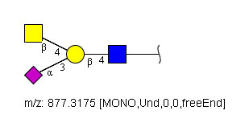 |  | -R
52 | Polysialic acid |  |  |  |  |  |  |  |  | -R
53 | SLex Core 2 O-glycan glycan |  |  |  |  |  | RES 1b:x-dgal-HEX-1:5 2s:n-acetyl 3b:b-dgal-HEX-1:5 4b:a-dgro-dgal-NON-2:6|1:a|2:keto|3:d 5s:n-acetyl 6b:b-dglc-HEX-1:5 7s:n-acetyl 8b:a-lgal-HEX-1:5|6:d 9b:b-dgal-HEX-1:5 10b:a-dgro-dgal-NON-2:6|1:a|2:keto|3:d 11s:n-acetyl LIN 1:1d(2+1)2n 2:1o(3+1)3d 3:3o(3+2)4d 4:4d(5+1)5n 5:1o(6+1)6d 6:6d(2+1)7n 7:6o(3+1)8d 8:6o(4+1)9d 9:9o(3+2)10d 10:10d(5+1)11n | 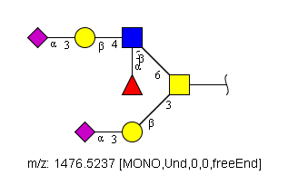 |  | -Ser/Thr
54 | Diphosphorylated Man6 |  |  |  |  |  |  |  |  | -R
55 | O-Linked mannose |  |  |  |  |  |  |  |  | -Ser/Thr
56 | 2,6-Branched O-mannose |  |  |  |  |  | RES 1b:x-dman-HEX-1:5 2b:x-dglc-HEX-1:5 3s:n-acetyl 4b:b-dgal-HEX-1:5 5b:a-dgro-dgal-NON-2:6|1:a|2:keto|3:d 6s:n-acetyl 7b:b-dglc-HEX-1:5 8s:n-acetyl 9b:b-dgal-HEX-1:5 10b:a-dgro-dgal-NON-2:6|1:a|2:keto|3:d 11s:n-acetyl LIN 1:1x(-1+-1)2x 2:2d(2+1)3n 3:2o(4+1)4d 4:4o(3+2)5d 5:5d(5+1)6n 6:1o(2+1)7d 7:7d(2+1)8n 8:7o(4+1)9d 9:9o(3+2)10d 10:10d(5+1)11n | 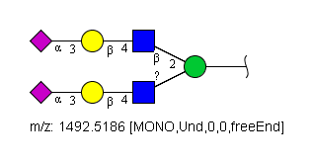 |  | -Ser/Thr
57 | O-Mannose Lex |  |  |  |  |  | RES 1b:x-dman-HEX-1:5 2b:b-dglc-HEX-1:5 3s:n-acetyl 4b:a-lgal-HEX-1:5|6:d 5b:b-dgal-HEX-1:5 LIN 1:1o(2+1)2d 2:2d(2+1)3n 3:2o(3+1)4d 4:2o(4+1)5d | 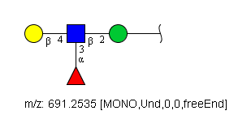 |  | -Ser/Thr
58 | HNK-1 antigen |  |  |  |  |  | RES 1b:x-dglc-HEX-1:5 2s:n-acetyl 3b:b-dgal-HEX-1:5 4b:b-dglc-HEX-1:5|6:a 5s:sulfate LIN 1:1d(2+1)2n 2:1o(4+1)3d 3:3o(3+1)4d 4:4o(3+1)5n | 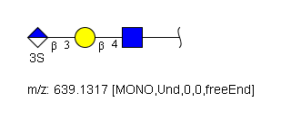 |  | -R
59 | HNK-1 on O-mannose |  |  |  |  |  | RES 1b:x-dman-HEX-1:5 2b:b-dglc-HEX-1:5 3s:n-acetyl 4b:b-dgal-HEX-1:5 5b:b-dglc-HEX-1:5|6:a 6s:sulfate LIN 1:1o(2+1)2d 2:2d(2+1)3n 3:2o(4+1)4d 4:4o(3+1)5d 5:5o(3+1)6n | 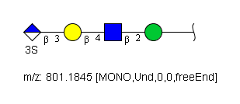 |  | -Ser/Thr
60 | Glucosylceramide |  |  |  |  |  |  |  |  | Cer
61 | Galactosylceramide |  |  |  |  |  |  |  |  | Cer
62 | Seminolipid
63 | Sulfatide |  |  |  |  |  | RES 1b:x-dgal-HEX-1:5 2s:sulfate LIN 1:1o(3+1)2n | 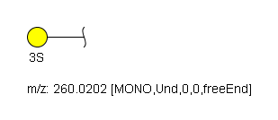 |  | Cer
64 | Lactosylceramide |  |  |  |  |  | RES 1b:x-dglc-HEX-1:5 2b:b-dgal-HEX-1:5 LIN 1:1o(4+1)2d |  |  | Cer
65 | Ceramide dihexosyl sulfate |  |  |  |  |  | RES 1b:x-dgal-HEX-1:5 2b:b-dgal-HEX-1:5 3s:sulfate LIN 1:1o(4+1)2d 2:2o(3+1)3n | 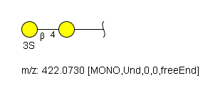 |  | Cer
66 | Monosulfated gangliotetraosylceramide |  |  |  |  |  | RES 1b:x-dglc-HEX-1:5 2b:b-dgal-HEX-1:5 3b:b-dgal-HEX-1:5 4s:n-acetyl 5b:b-dgal-HEX-1:5 6s:sulfate LIN 1:1o(4+1)2d 2:2o(4+1)3d 3:3d(2+1)4n 4:3o(3+1)5d 5:5o(3+1)6n | 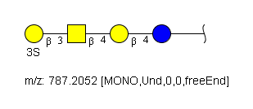 |  | Cer
67 | Lactotriaosylceramide | Lc3) |  |  |  |  | RES 1b:x-dglc-HEX-1:5 2b:b-dgal-HEX-1:5 3b:b-dglc-HEX-1:5 4s:n-acetyl LIN 1:1o(4+1)2d 2:2o(3+1)3d 3:3d(2+1)4n |  |  | Cer
68 | Pk antigen | Gb3, globotriaosylceramide) |  | Pk-Antigen | G00059MO | RES 1b:b-dglc-HEX-1:5 2b:b-dgal-HEX-1:5 3b:a-dgal-HEX-1:5 LIN 1:1o(4+1)2d 2:2o(4+1)3d | RES 1b:x-dglc-HEX-1:5 2b:b-dgal-HEX-1:5 3b:a-dgal-HEX-1:5 LIN 1:1o(4+1)2d 2:2o(4+1)3d |  |  | Cer
69 | P1 antigen |  |  | P1-Antigen | G00060MO | RES 1b:b-dglc-HEX-1:5 2b:b-dgal-HEX-1:5 3b:b-dgal-HEX-1:5 4s:n-acetyl 5b:b-dgal-HEX-1:5 6b:a-dgal-HEX-1:5 LIN 1:1o(4+1)2d 2:2o(3+1)3d 3:3d(2+1)4n 4:3o(4+1)5d 5:5o(4+1)6d | RES 1b:x-dglc-HEX-1:5 2b:b-dgal-HEX-1:5 3b:b-dglc-HEX-1:5 4s:n-acetyl 5b:b-dgal-HEX-1:5 6b:a-dgal-HEX-1:5 LIN 1:1o(4+1)2d 2:2o(3+1)3d 3:3d(2+1)4n 4:3o(4+1)5d 5:5o(4+1)6d |  |  | Cer
70 | P antigen | Gb4, Globoside |  | P-Antigen | G00061MO | RES 1b:b-dglc-HEX-1:5 2b:b-dgal-HEX-1:5 3b:a-dgal-HEX-1:5 4b:b-dgal-HEX-1:5 5s:n-acetyl LIN 1:1o(4+1)2d 2:2o(4+1)3d 3:3o(3+1)4d 4:4d(2+1)5n | RES 1b:x-dglc-HEX-1:5 2b:b-dgal-HEX-1:5 3b:a-dgal-HEX-1:5 4b:b-dgal-HEX-1:5 5s:n-acetyl LIN 1:1o(4+1)2d 2:2o(4+1)3d 3:3o(3+1)4d 4:4d(2+1)5n |  |  | Cer
71 | Isoglobotetraosylceramide |  |  |  |  |  | RES 1b:x-dglc-HEX-1:5 2b:b-dgal-HEX-1:5 3b:a-dgal-HEX-1:5 4b:b-dgal-HEX-1:5 5s:n-acetyl LIN 1:1o(4+1)2d 2:2o(3+1)3d 3:3o(3+1)4d 4:4d(2+1)5n |  |  | Cer |  | 292
72 | Mono-sulfated globopentaosylceramide |  |  |  |  |  |  |  |  | Cer
73 | Mono-sulfated globotetraosylceramide |  |  |  |  |  | RES 1b:x-dglc-HEX-1:5 2b:b-dgal-HEX-1:5 3b:a-dgal-HEX-1:5 4b:b-dgal-HEX-1:5 5s:n-acetyl 6s:sulfate LIN 1:1o(4+1)2d 2:2o(4+1)3d 3:3o(3+1)4d 4:4d(2+1)5n 5:4o(3+1)6n | 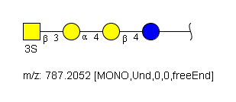 |  | Cer
74 | Sulfo-isogloboside |  |  |  |  |  | RES 1b:x-dglc-HEX-1:5 2b:b-dgal-HEX-1:5 3b:a-dgal-HEX-1:5 4b:b-dgal-HEX-1:5 5s:n-acetyl 6s:sulfate LIN 1:1o(4+1)2d 2:2o(3+1)3d 3:3o(3+1)4d 4:4d(2+1)5n 5:4o(3+1)6n |  |  | Cer
75 | LcGg4 |  |  |  |  |  | RES 1b:x-dglc-HEX-1:5 2b:b-dgal-HEX-1:5 3b:b-dglc-HEX-1:5 4s:n-acetyl 5b:b-dgal-HEX-1:5 6s:n-acetyl LIN 1:1o(4+1)2d 2:2o(3+1)3d 3:3d(2+1)4n 4:2o(4+1)5d 5:5d(2+1)6n | 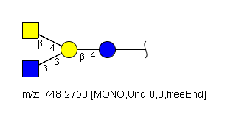 |  | Cer
76 | Gb5 |  |  |  |  |  | RES 1b:x-dglc-HEX-1:5 2b:b-dgal-HEX-1:5 3b:a-dgal-HEX-1:5 4b:b-dgal-HEX-1:5 5s:n-acetyl 6b:b-dgal-HEX-1:5 LIN 1:1o(4+1)2d 2:2o(4+1)3d 3:3o(3+1)4d 4:4d(2+1)5n 5:4o(3+1)6d |  |  | Cer
77 | Paragloboside |  |  |  |  |  | RES 1b:x-dglc-HEX-1:5 2b:b-dgal-HEX-1:5 3b:b-dglc-HEX-1:5 4s:n-acetyl 5b:b-dgal-HEX-1:5 LIN 1:1o(4+1)2d 2:2o(3+1)3d 3:3d(2+1)4n 4:3o(4+1)5d |  |  | Cer
78 | GL-6 fucosylated | globoH) |  |  |  |  | RES 1b:x-dglc-HEX-1:5 2b:b-dgal-HEX-1:5 3b:a-dgal-HEX-1:5 4b:b-dgal-HEX-1:5 5s:n-acetyl 6b:b-dgal-HEX-1:5 7b:a-lgal-HEX-1:5|6:d LIN 1:1o(4+1)2d 2:2o(4+1)3d 3:3o(3+1)4d 4:4d(2+1)5n 5:4o(3+1)6d 6:6o(2+1)7d | 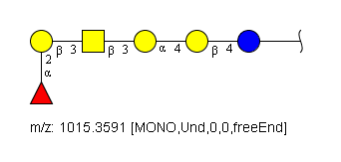 |  | Cer
79 | SSEA-3 |  |  |  |  |  | RES 1b:x-dglc-HEX-1:5 2b:b-dgal-HEX-1:5 3b:a-dgal-HEX-1:5 4b:b-dgal-HEX-1:5 5s:n-acetyl 6b:b-dgal-HEX-1:5 LIN 1:1o(4+1)2d 2:2o(4+1)3d 3:3o(3+1)4d 4:4d(2+1)5n 5:4o(3+1)6d |  |  | Cer
80 | GL-7 globoseries ganglioside | SSEA-4) |  |  |  |  | RES 1b:x-dglc-HEX-1:5 2b:b-dgal-HEX-1:5 3b:a-dgal-HEX-1:5 4b:b-dgal-HEX-1:5 5s:n-acetyl 6b:b-dgal-HEX-1:5 7b:a-dgro-dgal-NON-2:6|1:a|2:keto|3:d 8s:n-acetyl LIN 1:1o(4+1)2d 2:2o(4+1)3d 3:3o(3+1)4d 4:4d(2+1)5n 5:4o(3+1)6d 6:6o(3+2)7d 7:7d(5+1)8n |  |  | Cer
81 | Sialosyl paragloboside |  |  |  |  |  | RES 1b:x-dglc-HEX-1:5 2b:b-dgal-HEX-1:5 3b:b-dglc-HEX-1:5 4s:n-acetyl 5b:b-dgal-HEX-1:5 6b:b-dgal-HEX-1:5 7s:n-acetyl 8b:a-dgro-dgal-NON-2:6|1:a|2:keto|3:d 9s:n-acetyl LIN 1:1o(4+1)2d 2:2o(3+1)3d 3:3d(2+1)4n 4:3o(4+1)5d 5:5o(3+1)6d 6:6d(2+1)7n 7:6o(3+2)8d 8:8d(5+1)9n |  |  | Cer
82 | Disialosyl globopentaosylceramide |  |  |  |  |  | RES 1b:x-dglc-HEX-1:5 2b:b-dgal-HEX-1:5 3b:a-dgal-HEX-1:5 4b:b-dgal-HEX-1:5 5s:n-acetyl 6b:b-dgal-HEX-1:5 7b:a-dgro-dgal-NON-2:6|1:a|2:keto|3:d 8s:n-acetyl 9b:a-dgro-dgal-NON-2:6|1:a|2:keto|3:d 10s:n-acetyl LIN 1:1o(4+1)2d 2:2o(4+1)3d 3:3o(3+1)4d 4:4d(2+1)5n 5:4o(3+1)6d 6:6o(3+2)7d 7:7d(5+1)8n 8:4o(6+2)9d 9:9d(5+1)10n | 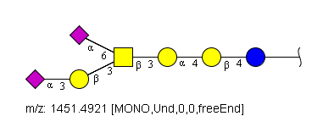 |  | Cer
83 | Cytolipin R |  |  |  |  |  | RES 1b:x-dglc-HEX-1:5 2b:b-dgal-HEX-1:5 3b:a-dgal-HEX-1:5 4b:b-dgal-HEX-1:5 5s:n-acetyl LIN 1:1o(4+1)2d 2:2o(3+1)3d 3:3o(3+1)4d 4:4d(2+1)5n |  |  | Cer
84 | Forssman glycolipid |  |  | Forssmann | G00064MO | RES 1b:b-dglc-HEX-1:5 2b:b-dgal-HEX-1:5 3b:a-dgal-HEX-1:5 4b:b-dgal-HEX-1:5 5s:n-acetyl 6b:a-dglc-HEX-1:5 7s:n-acetyl LIN 1:1o(4+1)2d 2:2o(4+1)3d 3:3o(3+1)4d 4:4d(2+1)5n 5:4o(3+1)6d 6:6d(2+1)7n | RES 1b:x-dglc-HEX-1:5 2b:b-dgal-HEX-1:5 3b:a-dgal-HEX-1:5 4b:b-dgal-HEX-1:5 5s:n-acetyl 6b:a-dgal-HEX-1:5 7s:n-acetyl LIN 1:1o(4+1)2d 2:2o(4+1)3d 3:3o(3+1)4d 4:4d(2+1)5n 5:4o(3+1)6d 6:6d(2+1)7n |  |  | Cer
85 | para-Forssman glycolipid |  |  |  |  |  | RES 1b:x-dglc-HEX-1:5 2b:b-dgal-HEX-1:5 3b:a-dgal-HEX-1:5 4b:b-dgal-HEX-1:5 5s:n-acetyl 6b:b-dgal-HEX-1:5 7s:n-acetyl LIN 1:1o(4+1)2d 2:2o(4+1)3d 3:3o(3+1)4d 4:4d(2+1)5n 5:4o(3+1)6d 6:6d(2+1)7n |  |  | Cer
86 | Blood group H | type 4) |  |  |  |  |  |  |  | Cer
87 | Blood group B | type 4) |  |  |  |  | RES 1b:x-dglc-HEX-1:5 2b:b-dgal-HEX-1:5 3b:a-dgal-HEX-1:5 4b:b-dgal-HEX-1:5 5s:n-acetyl 6b:b-dgal-HEX-1:5 7b:a-lgal-HEX-1:5|6:d 8b:a-dgal-HEX-1:5 LIN 1:1o(4+1)2d 2:2o(4+1)3d 3:3o(3+1)4d 4:4d(2+1)5n 5:4o(3+1)6d 6:6o(2+1)7d 7:6o(3+1)8d | 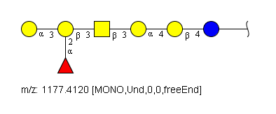 |  | Cer
88 | Blood group A | type 4) |  |  |  |  | RES 1b:x-dglc-HEX-1:5 2b:b-dgal-HEX-1:5 3b:a-dgal-HEX-1:5 4b:b-dgal-HEX-1:5 5s:n-acetyl 6b:b-dgal-HEX-1:5 7b:a-lgal-HEX-1:5|6:d 8b:a-dgal-HEX-1:5 9s:n-acetyl LIN 1:1o(4+1)2d 2:2o(4+1)3d 3:3o(3+1)4d 4:4d(2+1)5n 5:4o(3+1)6d 6:6o(2+1)7d 7:6o(3+1)8d 8:8d(2+1)9n | 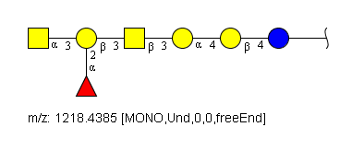 |  | Cer
89 | GM4 |  |  |  |  |  | RES 1b:x-dgal-HEX-1:5 2b:a-dgro-dgal-NON-2:6|1:a|2:keto|3:d 3s:n-acetyl LIN 1:1o(3+2)2d 2:2d(5+1)3n |  |  | Cer
90 | GM3 |  |  |  |  |  | RES 1b:x-dglc-HEX-1:5 2b:b-dgal-HEX-1:5 3b:a-dgro-dgal-NON-2:6|1:a|2:keto|3:d 4s:n-acetyl LIN 1:1o(4+1)2d 2:2o(3+2)3d 3:3d(5+1)4n |  |  | Cer
91 | GD3 |  |  |  |  |  | RES 1b:x-dglc-HEX-1:5 2b:b-dgal-HEX-1:5 3b:a-dgro-dgal-NON-2:6|1:a|2:keto|3:d 4s:n-acetyl 5b:a-dgro-dgal-NON-2:6|1:a|2:keto|3:d 6s:n-acetyl LIN 1:1o(4+1)2d 2:2o(3+2)3d 3:3d(5+1)4n 4:3o(8+2)5d 5:5d(5+1)6n |  |  | Cer |  | 313
92 | GT3 |  |  |  |  |  | RES 1b:x-dglc-HEX-1:5 2b:b-dgal-HEX-1:5 3b:a-dgro-dgal-NON-2:6|1:a|2:keto|3:d 4s:n-acetyl 5b:a-dgro-dgal-NON-2:6|1:a|2:keto|3:d 6s:n-acetyl 7b:a-dgro-dgal-NON-2:6|1:a|2:keto|3:d 8s:n-acetyl LIN 1:1o(4+1)2d 2:2o(3+2)3d 3:3d(5+1)4n 4:3o(8+2)5d 5:5d(5+1)6n 6:5o(8+2)7d 7:7d(5+1)8n |  |  | Cer
93 | 9-O-Acetyl GD3 |  |  |  |  |  | RES 1b:x-dglc-HEX-1:5 2b:b-dgal-HEX-1:5 3b:a-dgro-dgal-NON-2:6|1:a|2:keto|3:d 4s:n-acetyl 5b:a-dgro-dgal-NON-2:6|1:a|2:keto|3:d 6s:n-acetyl LIN 1:1o(4+1)2d 2:2o(3+2)3d 3:3d(5+1)4n 4:3o(8+2)5d 5:5d(5+1)6n |  |  | Cer
94 | GD2 |  |  |  |  |  | RES 1b:x-dglc-HEX-1:5 2b:b-dgal-HEX-1:5 3b:a-dgro-dgal-NON-2:6|1:a|2:keto|3:d 4s:n-acetyl 5b:a-dgro-dgal-NON-2:6|1:a|2:keto|3:d 6s:n-acetyl 7b:b-dgal-HEX-1:5 8s:n-acetyl LIN 1:1o(4+1)2d 2:2o(3+2)3d 3:3d(5+1)4n 4:3o(8+2)5d 5:5d(5+1)6n 6:2o(4+1)7d 7:7d(2+1)8n | 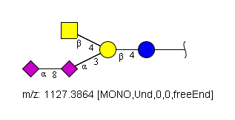 |  | Cer
95 | GM2 |  |  |  |  |  | RES 1b:x-dglc-HEX-1:5 2b:b-dgal-HEX-1:5 3b:a-dgro-dgal-NON-2:6|1:a|2:keto|3:d 4s:n-acetyl 5b:b-dgal-HEX-1:5 6s:n-acetyl LIN 1:1o(4+1)2d 2:2o(3+2)3d 3:3d(5+1)4n 4:2o(4+1)5d 5:5d(2+1)6n | 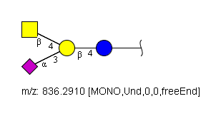 |  | Cer
96 | N-Glycolyl-GM2 |  |  |  |  |  | RES 1b:x-dglc-HEX-1:5 2b:b-dgal-HEX-1:5 3b:a-dgro-dgal-NON-2:6|1:a|2:keto|3:d 4s:n-glycolyl 5b:b-dgal-HEX-1:5 6s:n-acetyl LIN 1:1o(4+1)2d 2:2o(3+2)3d 3:3d(5+1)4n 4:2o(4+1)5d 5:5d(2+1)6n | 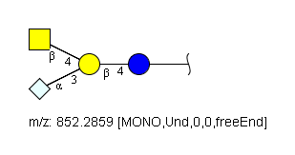 |  | Cer
97 | Sialopentaosylceramide |  |  |  |  |  | RES 1b:x-dglc-HEX-1:5 2b:b-dgal-HEX-1:5 3b:b-dglc-HEX-1:5 4s:n-acetyl 5b:b-dgal-HEX-1:5 6b:a-dgro-dgal-NON-2:6|1:a|2:keto|3:d 7s:n-acetyl 8b:b-dgal-HEX-1:5 9s:n-acetyl LIN 1:1o(4+1)2d 2:2o(3+1)3d 3:3d(2+1)4n 4:3o(4+1)5d 5:5o(3+2)6d 6:6d(5+1)7n 7:5o(4+1)8d 8:8d(2+1)9n | 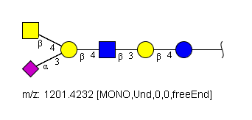 |  | Cer
98 | GM1 |  |  |  |  |  | RES 1b:x-dglc-HEX-1:5 2b:b-dgal-HEX-1:5 3b:a-dgro-dgal-NON-2:6|1:a|2:keto|3:d 4s:n-acetyl 5b:b-dgal-HEX-1:5 6s:n-acetyl 7b:b-dgal-HEX-1:5 LIN 1:1o(4+1)2d 2:2o(3+2)3d 3:3d(5+1)4n 4:2o(4+1)5d 5:5d(2+1)6n 6:5o(3+1)7d | 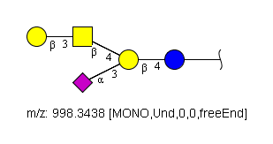 |  | Cer
99 | Asialo-GM1 |  |  |  |  |  | RES 1b:x-dglc-HEX-1:5 2b:b-dgal-HEX-1:5 3b:b-dgal-HEX-1:5 4s:n-acetyl 5b:b-dgal-HEX-1:5 LIN 1:1o(4+1)2d 2:2o(4+1)3d 3:3d(2+1)4n 4:3o(3+1)5d |  |  | Cer
100 | cisGM1 | GM1b) |  |  |  |  | RES 1b:x-dglc-HEX-1:5 2b:b-dgal-HEX-1:5 3b:b-dgal-HEX-1:5 4s:n-acetyl 5b:b-dgal-HEX-1:5 6b:a-dgro-dgal-NON-2:6|1:a|2:keto|3:d 7s:n-acetyl LIN 1:1o(4+1)2d 2:2o(4+1)3d 3:3d(2+1)4n 4:3o(3+1)5d 5:5o(3+2)6d 6:6d(5+1)7n |  |  | Cer
101 | 2-Fucosyl-GM1 |  |  |  |  |  | RES 1b:x-dglc-HEX-1:5 2b:b-dgal-HEX-1:5 3b:a-dgro-dgal-NON-2:6|1:a|2:keto|3:d 4s:n-acetyl 5b:b-dgal-HEX-1:5 6s:n-acetyl 7b:b-dgal-HEX-1:5 8b:a-lgal-HEX-1:5|6:d LIN 1:1o(4+1)2d 2:2o(3+2)3d 3:3d(5+1)4n 4:2o(4+1)5d 5:5d(2+1)6n 6:5o(3+1)7d 7:7o(2+1)8d | 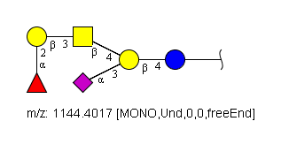 |  | Cer
102 | B-GM1 |  |  |  |  |  | RES 1b:x-dglc-HEX-1:5 2b:b-dgal-HEX-1:5 3b:a-dgro-dgal-NON-2:6|1:a|2:keto|3:d 4s:n-acetyl 5b:b-dgal-HEX-1:5 6s:n-acetyl 7b:b-dgal-HEX-1:5 8b:a-lgal-HEX-1:5|6:d 9b:a-dgal-HEX-1:5 LIN 1:1o(4+1)2d 2:2o(3+2)3d 3:3d(5+1)4n 4:2o(4+1)5d 5:5d(2+1)6n 6:5o(3+1)7d 7:7o(2+1)8d 8:7o(3+1)9d | 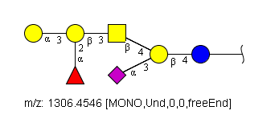 |  | Cer
103 | 2-Fucosyl-GD1b |  |  |  |  |  | RES 1b:x-dglc-HEX-1:5 2b:b-dgal-HEX-1:5 3b:a-dgro-dgal-NON-2:6|1:a|2:keto|3:d 4s:n-acetyl 5b:a-dgro-dgal-NON-2:6|1:a|2:keto|3:d 6s:n-acetyl 7b:b-dgal-HEX-1:5 8s:n-acetyl 9b:b-dgal-HEX-1:5 10b:a-lgal-HEX-1:5|6:d LIN 1:1o(4+1)2d 2:2o(3+2)3d 3:3d(5+1)4n 4:3o(8+2)5d 5:5d(5+1)6n 6:2o(4+1)7d 7:7d(2+1)8n 8:7o(3+1)9d 9:9o(2+1)10d |  |  | Cer
104 | B-GD1b |  |  |  |  |  | RES 1b:x-dglc-HEX-1:5 2b:b-dgal-HEX-1:5 3b:a-dgro-dgal-NON-2:6|1:a|2:keto|3:d 4s:n-acetyl 5b:a-dgro-dgal-NON-2:6|1:a|2:keto|3:d 6s:n-acetyl 7b:b-dgal-HEX-1:5 8s:n-acetyl 9b:b-dgal-HEX-1:5 10b:a-lgal-HEX-1:5|6:d 11b:a-dgal-HEX-1:5 LIN 1:1o(4+1)2d 2:2o(3+2)3d 3:3d(5+1)4n 4:3o(8+2)5d 5:5d(5+1)6n 6:2o(4+1)7d 7:7d(2+1)8n 8:7o(3+1)9d 9:9o(2+1)10d 10:9o(3+1)11d |  |  | Cer
105 | GD1 | GD1c) |  |  |  |  | RES 1b:x-dglc-HEX-1:5 2b:b-dgal-HEX-1:5 3b:b-dgal-HEX-1:5 4s:n-acetyl 5b:b-dgal-HEX-1:5 6b:a-dgro-dgal-NON-2:6|1:a|2:keto|3:d 7s:n-acetyl 8b:a-dgro-dgal-NON-2:6|1:a|2:keto|3:d 9s:n-acetyl LIN 1:1o(4+1)2d 2:2o(4+1)3d 3:3d(2+1)4n 4:3o(3+1)5d 5:5o(3+2)6d 6:6d(5+1)7n 7:6o(8+2)8d 8:8d(5+1)9n |  |  | Cer
106 | GD1a |  |  |  |  |  | RES 1b:x-dglc-HEX-1:5 2b:b-dgal-HEX-1:5 3b:b-dgal-HEX-1:5 4s:n-acetyl 5b:b-dgal-HEX-1:5 6b:a-dgro-dgal-NON-2:6|1:a|2:keto|3:d 7s:n-acetyl 8b:a-dgro-dgal-NON-2:6|1:a|2:keto|3:d 9s:n-acetyl LIN 1:1o(4+1)2d 2:2o(4+1)3d 3:3d(2+1)4n 4:3o(3+1)5d 5:5o(3+2)6d 6:6d(5+1)7n 7:3o(6+2)8d 8:8d(5+1)9n |  |  | Cer
107 | GD1a |  |  |  |  |  | RES 1b:x-dglc-HEX-1:5 2b:b-dgal-HEX-1:5 3b:a-dgro-dgal-NON-2:6|1:a|2:keto|3:d 4s:n-acetyl 5b:b-dgal-HEX-1:5 6s:n-acetyl 7b:b-dgal-HEX-1:5 8b:a-dgro-dgal-NON-2:6|1:a|2:keto|3:d 9s:n-acetyl LIN 1:1o(4+1)2d 2:2o(3+2)3d 3:3d(5+1)4n 4:2o(4+1)5d 5:5d(2+1)6n 6:5o(3+1)7d 7:7o(3+2)8d 8:8d(5+1)9n |  |  | Cer
108 | GD1b |  |  |  |  |  | RES 1b:x-dglc-HEX-1:5 2b:b-dgal-HEX-1:5 3b:a-dgro-dgal-NON-2:6|1:a|2:keto|3:d 4s:n-acetyl 5b:a-dgro-dgal-NON-2:6|1:a|2:keto|3:d 6s:n-acetyl 7b:b-dgal-HEX-1:5 8s:n-acetyl 9b:b-dgal-HEX-1:5 LIN 1:1o(4+1)2d 2:2o(3+2)3d 3:3d(5+1)4n 4:3o(8+2)5d 5:5d(5+1)6n 6:2o(4+1)7d 7:7d(2+1)8n 8:7o(3+1)9d |  |  | Cer
109 | GT2 |  |  |  |  |  | RES 1b:x-dglc-HEX-1:5 2b:b-dgal-HEX-1:5 3b:a-dgro-dgal-NON-2:6|1:a|2:keto|3:d 4s:n-acetyl 5b:a-dgro-dgal-NON-2:6|1:a|2:keto|3:d 6s:n-acetyl 7b:a-dgro-dgal-NON-2:6|1:a|2:keto|3:d 8s:n-acetyl 9b:b-dgal-HEX-1:5 10s:n-acetyl LIN 1:1o(4+1)2d 2:2o(3+2)3d 3:3d(5+1)4n 4:3o(8+2)5d 5:5d(5+1)6n 6:5o(8+2)7d 7:7d(5+1)8n 8:2o(4+1)9d 9:9d(2+1)10n |  |  | Cer
110 | GT1a |  |  |  |  |  | RES 1b:x-dglc-HEX-1:5 2b:b-dgal-HEX-1:5 3b:a-dgro-dgal-NON-2:6|1:a|2:keto|3:d 4s:n-acetyl 5b:b-dgal-HEX-1:5 6s:n-acetyl 7b:b-dgal-HEX-1:5 8b:a-dgro-dgal-NON-2:6|1:a|2:keto|3:d 9s:n-acetyl 10b:a-dgro-dgal-NON-2:6|1:a|2:keto|3:d 11s:n-acetyl LIN 1:1o(4+1)2d 2:2o(3+2)3d 3:3d(5+1)4n 4:2o(4+1)5d 5:5d(2+1)6n 6:5o(3+1)7d 7:7o(3+2)8d 8:8d(5+1)9n 9:8o(8+2)10d 10:10d(5+1)11n |  |  | Cer
111 | GT1aa |  |  |  |  |  | RES 1b:x-dglc-HEX-1:5 2b:b-dgal-HEX-1:5 3b:a-dgro-dgal-NON-2:6|1:a|2:keto|3:d 4s:n-acetyl 5b:b-dgal-HEX-1:5 6s:n-acetyl 7b:b-dgal-HEX-1:5 8b:a-dgro-dgal-NON-2:6|1:a|2:keto|3:d 9s:n-acetyl 10b:a-dgro-dgal-NON-2:6|1:a|2:keto|3:d 11s:n-acetyl LIN 1:1o(4+1)2d 2:2o(3+2)3d 3:3d(5+1)4n 4:2o(4+1)5d 5:5d(2+1)6n 6:5o(3+1)7d 7:7o(3+2)8d 8:8d(5+1)9n 9:5o(6+2)10d 10:10d(5+1)11n |  |  | Cer
112 | GT1b |  |  |  |  |  | RES 1b:x-dglc-HEX-1:5 2b:b-dgal-HEX-1:5 3b:a-dgro-dgal-NON-2:6|1:a|2:keto|3:d 4s:n-acetyl 5b:a-dgro-dgal-NON-2:6|1:a|2:keto|3:d 6s:n-acetyl 7b:b-dgal-HEX-1:5 8s:n-acetyl 9b:b-dgal-HEX-1:5 10b:a-dgro-dgal-NON-2:6|1:a|2:keto|3:d 11s:n-acetyl LIN 1:1o(4+1)2d 2:2o(3+2)3d 3:3d(5+1)4n 4:3o(8+2)5d 5:5d(5+1)6n 6:2o(4+1)7d 7:7d(2+1)8n 8:7o(3+1)9d 9:9o(3+2)10d 10:10d(5+1)11n |  |  | Cer
113 | GT1c |  |  |  |  |  | RES 1b:x-dglc-HEX-1:5 2b:b-dgal-HEX-1:5 3b:a-dgro-dgal-NON-2:6|1:a|2:keto|3:d 4s:n-acetyl 5b:a-dgro-dgal-NON-2:6|1:a|2:keto|3:d 6s:n-acetyl 7b:a-dgro-dgal-NON-2:6|1:a|2:keto|3:d 8s:n-acetyl 9b:b-dgal-HEX-1:5 10s:n-acetyl 11b:b-dgal-HEX-1:5 LIN 1:1o(4+1)2d 2:2o(3+2)3d 3:3d(5+1)4n 4:3o(8+2)5d 5:5d(5+1)6n 6:5o(8+2)7d 7:7d(5+1)8n 8:2o(4+1)9d 9:9d(2+1)10n 10:9o(3+1)11d |  |  | Cer
114 | GQ1aa |  |  |  |  |  | RES 1b:x-dglc-HEX-1:5 2b:b-dgal-HEX-1:5 3b:a-dgro-dgal-NON-2:6|1:a|2:keto|3:d 4s:n-acetyl 5b:b-dgal-HEX-1:5 6s:n-acetyl 7b:b-dgal-HEX-1:5 8b:a-dgro-dgal-NON-2:6|1:a|2:keto|3:d 9s:n-acetyl 10b:a-dgro-dgal-NON-2:6|1:a|2:keto|3:d 11s:n-acetyl 12b:a-dgro-dgal-NON-2:6|1:a|2:keto|3:d 13s:n-acetyl LIN 1:1o(4+1)2d 2:2o(3+2)3d 3:3d(5+1)4n 4:2o(4+1)5d 5:5d(2+1)6n 6:5o(3+1)7d 7:7o(3+2)8d 8:8d(5+1)9n 9:8o(8+2)10d 10:10d(5+1)11n 11:5o(6+2)12d 12:12d(5+1)13n |  |  | Cer
115 | GQ1b |  |  |  |  |  | RES 1b:x-dglc-HEX-1:5 2b:b-dgal-HEX-1:5 3b:a-dgro-dgal-NON-2:6|1:a|2:keto|3:d 4s:n-acetyl 5b:a-dgro-dgal-NON-2:6|1:a|2:keto|3:d 6s:n-acetyl 7b:b-dgal-HEX-1:5 8s:n-acetyl 9b:b-dgal-HEX-1:5 10b:a-dgro-dgal-NON-2:6|1:a|2:keto|3:d 11s:n-acetyl 12b:a-dgro-dgal-NON-2:6|1:a|2:keto|3:d 13s:n-acetyl LIN 1:1o(4+1)2d 2:2o(3+2)3d 3:3d(5+1)4n 4:3o(8+2)5d 5:5d(5+1)6n 6:2o(4+1)7d 7:7d(2+1)8n 8:7o(3+1)9d 9:9o(3+2)10d 10:10d(5+1)11n 11:10o(8+2)12d 12:12d(5+1)13n |  |  | Cer
116 | GQ1ba |  |  |  |  |  | RES 1b:x-dglc-HEX-1:5 2b:b-dgal-HEX-1:5 3b:a-dgro-dgal-NON-2:6|1:a|2:keto|3:d 4s:n-acetyl 5b:a-dgro-dgal-NON-2:6|1:a|2:keto|3:d 6s:n-acetyl 7b:b-dgal-HEX-1:5 8s:n-acetyl 9b:b-dgal-HEX-1:5 10b:a-dgro-dgal-NON-2:6|1:a|2:keto|3:d 11s:n-acetyl 12b:a-dgro-dgal-NON-2:6|1:a|2:keto|3:d 13s:n-acetyl LIN 1:1o(4+1)2d 2:2o(3+2)3d 3:3d(5+1)4n 4:3o(8+2)5d 5:5d(5+1)6n 6:2o(4+1)7d 7:7d(2+1)8n 8:7o(3+1)9d 9:9o(3+2)10d 10:10d(5+1)11n 11:7o(6+2)12d 12:12d(5+1)13n |  |  | Cer
117 | GQ1c |  |  |  |  |  | RES 1b:x-dglc-HEX-1:5 2b:b-dgal-HEX-1:5 3b:a-dgro-dgal-NON-2:6|1:a|2:keto|3:d 4s:n-acetyl 5b:a-dgro-dgal-NON-2:6|1:a|2:keto|3:d 6s:n-acetyl 7b:a-dgro-dgal-NON-2:6|1:a|2:keto|3:d 8s:n-acetyl 9b:b-dgal-HEX-1:5 10s:n-acetyl 11b:b-dgal-HEX-1:5 12b:a-dgro-dgal-NON-2:6|1:a|2:keto|3:d 13s:n-acetyl LIN 1:1o(4+1)2d 2:2o(3+2)3d 3:3d(5+1)4n 4:3o(8+2)5d 5:5d(5+1)6n 6:5o(8+2)7d 7:7d(5+1)8n 8:2o(4+1)9d 9:9d(2+1)10n 10:9o(3+1)11d 11:11o(3+2)12d 12:12d(5+1)13n |  |  | Cer
118 | GP1c |  |  |  |  |  | RES 1b:x-dglc-HEX-1:5 2b:b-dgal-HEX-1:5 3b:a-dgro-dgal-NON-2:6|1:a|2:keto|3:d 4s:n-acetyl 5b:a-dgro-dgal-NON-2:6|1:a|2:keto|3:d 6s:n-acetyl 7b:a-dgro-dgal-NON-2:6|1:a|2:keto|3:d 8s:n-acetyl 9b:b-dgal-HEX-1:5 10s:n-acetyl 11b:b-dgal-HEX-1:5 12b:a-dgro-dgal-NON-2:6|1:a|2:keto|3:d 13s:n-acetyl 14b:a-dgro-dgal-NON-2:6|1:a|2:keto|3:d 15s:n-acetyl LIN 1:1o(4+1)2d 2:2o(3+2)3d 3:3d(5+1)4n 4:3o(8+2)5d 5:5d(5+1)6n 6:5o(8+2)7d 7:7d(5+1)8n 8:2o(4+1)9d 9:9d(2+1)10n 10:9o(3+1)11d 11:11o(3+2)12d 12:12d(5+1)13n 13:12o(8+2)14d 14:14d(5+1)15n |  |  | Cer
119 | GP1ca |  |  |  |  |  | RES 1b:x-dglc-HEX-1:5 2b:b-dgal-HEX-1:5 3b:a-dgro-dgal-NON-2:6|1:a|2:keto|3:d 4s:n-acetyl 5b:a-dgro-dgal-NON-2:6|1:a|2:keto|3:d 6s:n-acetyl 7b:a-dgro-dgal-NON-2:6|1:a|2:keto|3:d 8s:n-acetyl 9b:b-dgal-HEX-1:5 10s:n-acetyl 11b:b-dgal-HEX-1:5 12b:a-dgro-dgal-NON-2:6|1:a|2:keto|3:d 13s:n-acetyl 14b:a-dgro-dgal-NON-2:6|1:a|2:keto|3:d 15s:n-acetyl LIN 1:1o(4+1)2d 2:2o(3+2)3d 3:3d(5+1)4n 4:3o(8+2)5d 5:5d(5+1)6n 6:5o(8+2)7d 7:7d(5+1)8n 8:2o(4+1)9d 9:9d(2+1)10n 10:9o(3+1)11d 11:11o(3+2)12d 12:12d(5+1)13n 13:9o(6+2)14d 14:14d(5+1)15n |  |  | Cer
120 | GH1ca |  |  |  |  |  | RES 1b:x-dglc-HEX-1:5 2b:b-dgal-HEX-1:5 3b:a-dgro-dgal-NON-2:6|1:a|2:keto|3:d 4s:n-acetyl 5b:a-dgro-dgal-NON-2:6|1:a|2:keto|3:d 6s:n-acetyl 7b:a-dgro-dgal-NON-2:6|1:a|2:keto|3:d 8s:n-acetyl 9b:b-dgal-HEX-1:5 10s:n-acetyl 11b:b-dgal-HEX-1:5 12b:a-dgro-dgal-NON-2:6|1:a|2:keto|3:d 13s:n-acetyl 14b:a-dgro-dgal-NON-2:6|1:a|2:keto|3:d 15s:n-acetyl 16b:a-dgro-dgal-NON-2:6|1:a|2:keto|3:d 17s:n-acetyl LIN 1:1o(4+1)2d 2:2o(3+2)3d 3:3d(5+1)4n 4:3o(8+2)5d 5:5d(5+1)6n 6:5o(8+2)7d 7:7d(5+1)8n 8:2o(4+1)9d 9:9d(2+1)10n 10:9o(3+1)11d 11:11o(3+2)12d 12:12d(5+1)13n 13:12o(8+2)14d 14:14d(5+1)15n 15:9o(6+2)16d 16:16d(5+1)17n |  |  | Cer
121 | Mono-fucosyl LN5 |  |  |  |  |  | RES 1b:x-dglc-HEX-1:5 2b:b-dgal-HEX-1:5 3b:b-dglc-HEX-1:5 4s:n-acetyl 5b:b-dgal-HEX-1:5 6b:b-dglc-HEX-1:5 7s:n-acetyl 8b:b-dgal-HEX-1:5 9b:b-dglc-HEX-1:5 10s:n-acetyl 11b:a-lgal-HEX-1:5|6:d 12b:b-dgal-HEX-1:5 13b:b-dglc-HEX-1:5 14s:n-acetyl 15b:b-dgal-HEX-1:5 LIN 1:1o(4+1)2d 2:2o(3+1)3d 3:3d(2+1)4n 4:3o(4+1)5d 5:5o(3+1)6d 6:6d(2+1)7n 7:6o(4+1)8d 8:8o(3+1)9d 9:9d(2+1)10n 10:9o(3+1)11d 11:9o(4+1)12d 12:12o(3+1)13d 13:13d(2+1)14n 14:13o(4+1)15d |  |  | Cer
122 | Mono-fucosyl LN3 |  |  |  |  |  | RES 1b:x-dglc-HEX-1:5 2b:b-dgal-HEX-1:5 3b:b-dglc-HEX-1:5 4s:n-acetyl 5b:a-lgal-HEX-1:5|6:d 6b:b-dgal-HEX-1:5 7b:b-dglc-HEX-1:5 8s:n-acetyl 9b:b-dgal-HEX-1:5 LIN 1:1o(4+1)2d 2:2o(3+1)3d 3:3d(2+1)4n 4:3o(3+1)5d 5:3o(4+1)6d 6:6o(3+1)7d 7:7d(2+1)8n 8:7o(4+1)9d |  |  | Cer
123 | Disialyl-branched Type 2 |  |  |  |  |  | RES 1b:x-dglc-HEX-1:5 2s:n-acetyl 3b:b-dgal-HEX-1:5 4b:b-dglc-HEX-1:5 5s:n-acetyl 6b:b-dgal-HEX-1:5 7b:a-dgro-dgal-NON-2:6|1:a|2:keto|3:d 8s:n-acetyl 9b:x-dglc-HEX-1:5 10s:n-acetyl 11b:b-dgal-HEX-1:5 12b:a-dgro-dgal-NON-2:6|1:a|2:keto|3:d 13s:n-acetyl LIN 1:1d(2+1)2n 2:1o(4+1)3d 3:3o(3+1)4d 4:4d(2+1)5n 5:4o(4+1)6d 6:6o(3+2)7d 7:7d(5+1)8n 8:3x(-1+-1)9x 9:9d(2+1)10n 10:9o(4+1)11d 11:11o(3+2)12d 12:12d(5+1)13n |  |  | -R
124 | Extended tetrafucosyl-Leb338 |  |  |  |  |  | RES 1b:x-dglc-HEX-1:5 2b:b-dgal-HEX-1:5 3b:b-dglc-HEX-1:5 4s:n-acetyl 5b:b-dgal-HEX-1:5 6b:a-lgal-HEX-1:5|6:d 7b:b-dglc-HEX-1:5 8s:n-acetyl 9b:b-dgal-HEX-1:5 10b:a-lgal-HEX-1:5|6:d 11b:a-lgal-HEX-1:5|6:d 12b:a-lgal-HEX-1:5|6:d LIN 1:1o(4+1)2d 2:2o(3+1)3d 3:3d(2+1)4n 4:3o(3+1)5d 5:5o(2+1)6d 6:5o(3+1)7d 7:7d(2+1)8n 8:7o(3+1)9d 9:9o(2+1)10d 10:7o(4+1)11d 11:3o(4+1)12d |  |  | Cer
125 | Extended trifucosyl-Leb |  |  |  |  |  | RES 1b:x-dglc-HEX-1:5 2b:b-dgal-HEX-1:5 3b:b-dglc-HEX-1:5 4s:n-acetyl 5b:a-lgal-HEX-1:5|6:d 6b:b-dgal-HEX-1:5 7b:b-dglc-HEX-1:5 8s:n-acetyl 9b:b-dgal-HEX-1:5 10b:a-lgal-HEX-1:5|6:d 11b:a-lgal-HEX-1:5|6:d LIN 1:1o(4+1)2d 2:2o(3+1)3d 3:3d(2+1)4n 4:3o(4+1)5d 5:3o(4+1)6d 6:6o(3+1)7d 7:7d(2+1)8n 8:7o(3+1)9d 9:9o(2+1)10d 10:7o(4+1)11d |  |  | Cer
126 | Dimeric Lea |  |  |  |  |  | RES 1b:x-dglc-HEX-1:5 2b:b-dgal-HEX-1:5 3b:b-dglc-HEX-1:5 4s:n-acetyl 5b:b-dgal-HEX-1:5 6b:b-dglc-HEX-1:5 7s:n-acetyl 8b:b-dgal-HEX-1:5 9b:a-lgal-HEX-1:5|6:d 10b:a-lgal-HEX-1:5|6:d LIN 1:1o(4+1)2d 2:2o(3+1)3d 3:3d(2+1)4n 4:3o(3+1)5d 5:5o(3+1)6d 6:6d(2+1)7n 7:6o(3+1)8d 8:6o(4+1)9d 9:3o(4+1)10d |  |  | Cer
127 | Sialyl Lea glycolipid |  |  |  |  |  | RES 1b:x-dglc-HEX-1:5 2b:b-dgal-HEX-1:5 3b:b-dglc-HEX-1:5 4s:n-acetyl 5b:b-dgal-HEX-1:5 6b:a-dgro-dgal-NON-2:6|1:a|2:keto|3:d 7s:n-acetyl 8b:a-lgal-HEX-1:5|6:d LIN 1:1o(4+1)2d 2:2o(3+1)3d 3:3d(2+1)4n 4:3o(3+1)5d 5:5o(3+2)6d 6:6d(5+1)7n 7:3o(4+1)8d |  |  | Cer
128 | Monosialylganglioside LSTb |  |  |  |  |  | RES 1b:x-dglc-HEX-1:5 2b:b-dgal-HEX-1:5 3b:b-dglc-HEX-1:5 4s:n-acetyl 5b:b-dgal-HEX-1:5 6b:a-dgro-dgal-NON-2:6|1:a|2:keto|3:d 7s:n-acetyl LIN 1:1o(4+1)2d 2:2o(3+1)3d 3:3d(2+1)4n 4:3o(4+1)5d 5:5o(6+2)6d 6:6d(5+1)7n |  |  | Cer
129 | HNK-expressing SGLPG |  |  |  |  |  | RES 1b:x-dglc-HEX-1:5 2b:b-dgal-HEX-1:5 3b:b-dglc-HEX-1:5 4s:n-acetyl 5b:b-dgal-HEX-1:5 6b:b-dglc-HEX-1:5 7s:n-acetyl 8b:b-dgal-HEX-1:5 9b:b-dglc-HEX-1:5|6:a 10s:sulfate LIN 1:1o(4+1)2d 2:2o(3+1)3d 3:3d(2+1)4n 4:3o(4+1)5d 5:5o(3+1)6d 6:6d(2+1)7n 7:6o(4+1)8d 8:8o(3+1)9d 9:9o(3+1)10n |  |  | Cer

