imx219(TI60 OOB)
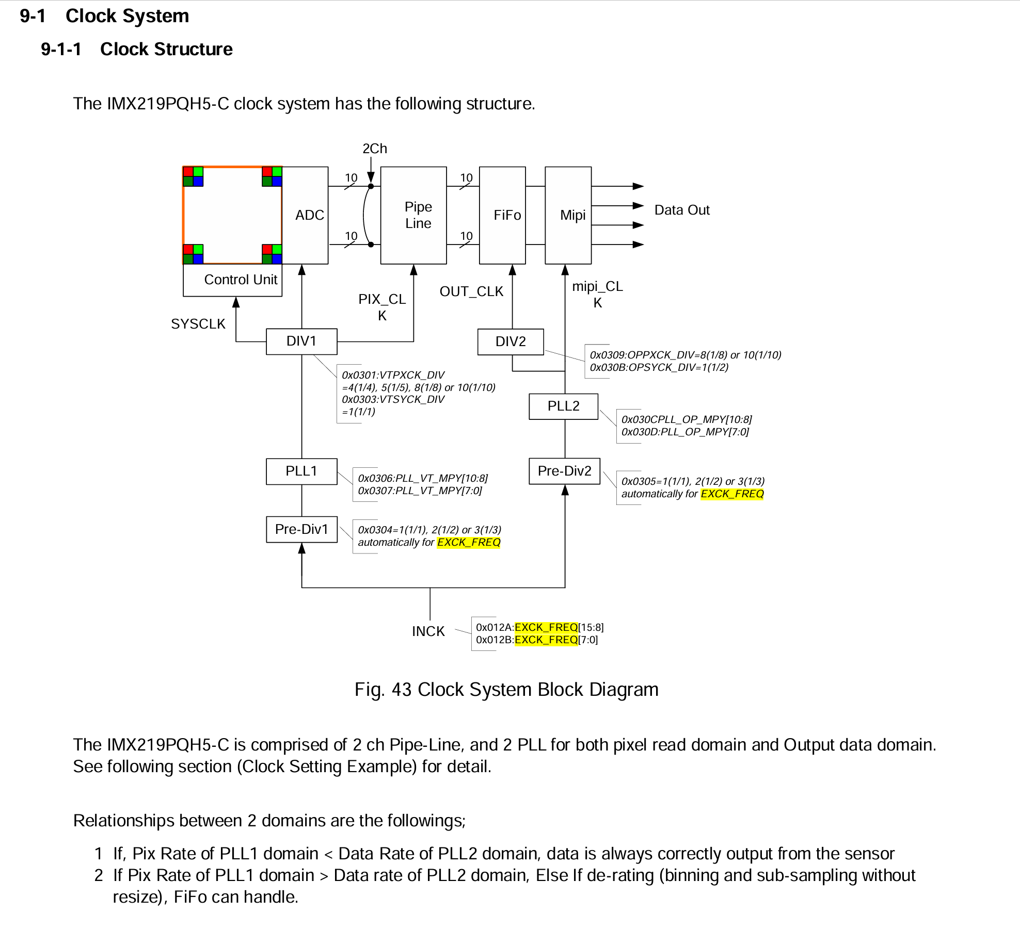
Reg Name
CSI_LANE_MODE | 0x0114 | 0x01
DPHY_CTRL | 0x0128 | 0x00
EXCK_FREQ_1 | 0x012A | 0x18 | INCK frequency [MHz] | 6144 | 24
EXCK_FREQ_0 | 0x012B | 0x00
FRM_LENGTH_A_1 | 0x160 | 0x04 | frame_length_lines ( BINNING_MODE = 0,1,2 Unit: 1Lines ) | 1113 |  | inck | 24 | Mhz
FRM_LENGTH_A_0 | 0x161 | 0x59 |  |  |  | mipi_clk | 912 | Mhz
LINE_LENGTH_A_1 | 0x162 | 0x0D | line_length_pck (Pixels) | 3448 |  | PIX_CLK | 153.6 | Mhz
LINE_LENGTH_A_0 | 0x163 | 0x78 |  |  |  | SYSCLK | 768 | Mhz
X_ODD_INC_A | 0x170 | 0x01
Y_ODD_INC_A | 0x171 | 0x01
CSI_DATA_FORMAT_A_1 | 0x18C | 0x0A |  |  |  | Time_per_line | 11.223958333 | us
CSI_DATA_FORMAT_A_0 | 0x18D | 0x0A |  |  |  | Frame_length | 1936
VTPXCK_DIV | 0x301 | 0x05 | Div1 -PIX_CLK | 5
VTSYCK_DIV | 0x303 | 0x01 | Div1 -SYSCLK | 1 |  | Frame_Rate | 46.020210542 | FPS
PREPLLCK_VT_DIV | 0x304 | 0x03 | Pre-Div1 | 3
PREPLLCK_OP_DIV | 0x305 | 0x03 | Pre-Div2 | 3 |  |  | 0.021729583333 | 0.00000001 | 2172958.3333
PLL_VT_MPY_1 | 0x306 | 0x00 | PLL1 | 96 |  |  | 21729.583333 | us
PLL_VT_MPY_0 | 0x307 | 0x60 |  |  |  | α = fine_integration_time / 2 | 250
OPPXCK_DIV | 0x309 | 0x0A | Div2 -PIX_CLK | 10 |  | storage time (TSH) | 8621.6276042 | us
OPSYCK_DIV | 0x30B | 0x01 | Div2-SYSCLK | 1
PLL_OP_MPY_1 | 0x30C | 0x00 | PLL2 | 114
PLL_OP_MPY_0 | 0x30D | 0x72
OPPXCK_DIV | 0x309 | 0x0A
OPSYCK_DIV | 0x30B | 0x01

PLL_OP_MPY_1 | 0x30C | 0x00
PLL_OP_MPY_0 | 0x30D | 0x72
BINNING_MODE_H_A | 0x174 | 0
BINNING_MODE_H_A | 0x175 | 0
FRM_LENGTH_A_1 | 0x160 | 0x07 | frame_length_lines ( BINNING_MODE = 0,1,2 Unit: 1Lines ) | 1936
FRM_LENGTH_A_0 | 0x161 | 0x90
LINE_LENGTH_A_1 | 0x162 | 0x0D
LINE_LENGTH_A_0 | 0x163 | 0x78
COARSE_INTEGRATION_TIME_A_1 | 0x15A | 0x03 |  | 768
COARSE_INTEGRATION_TIME_A_0 | 0x15B | 0x00
COARSE_INTEGRATION_TIME_B_1 | 0x25A | 0x03
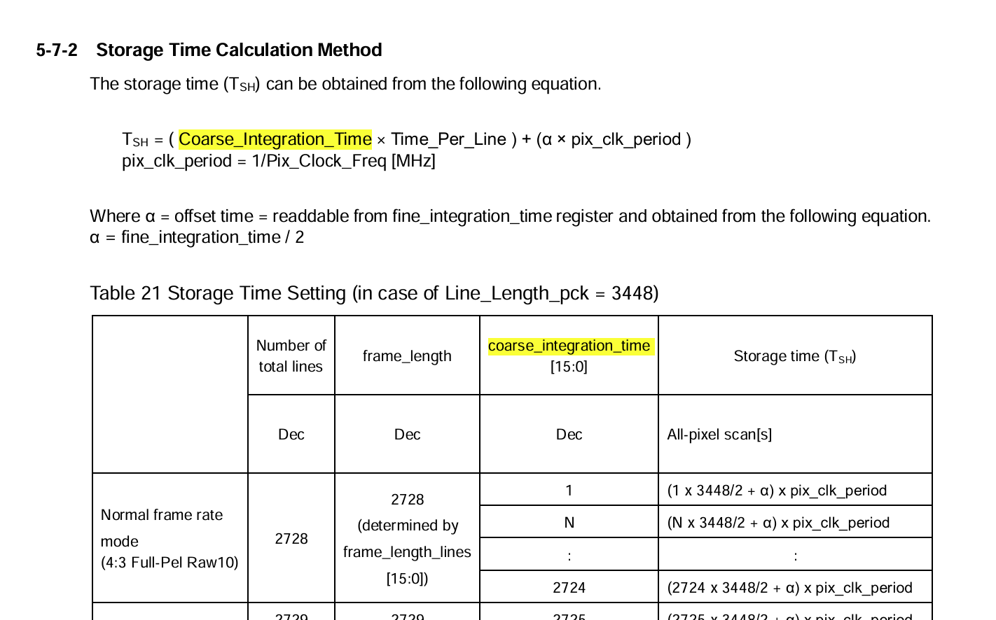
COARSE_INTEGRATION_TIME_B_0 | 0x25B | 0x00 |  | 768
IMG_ORIENTATION_A | 0x0172 | 0x03

