Model
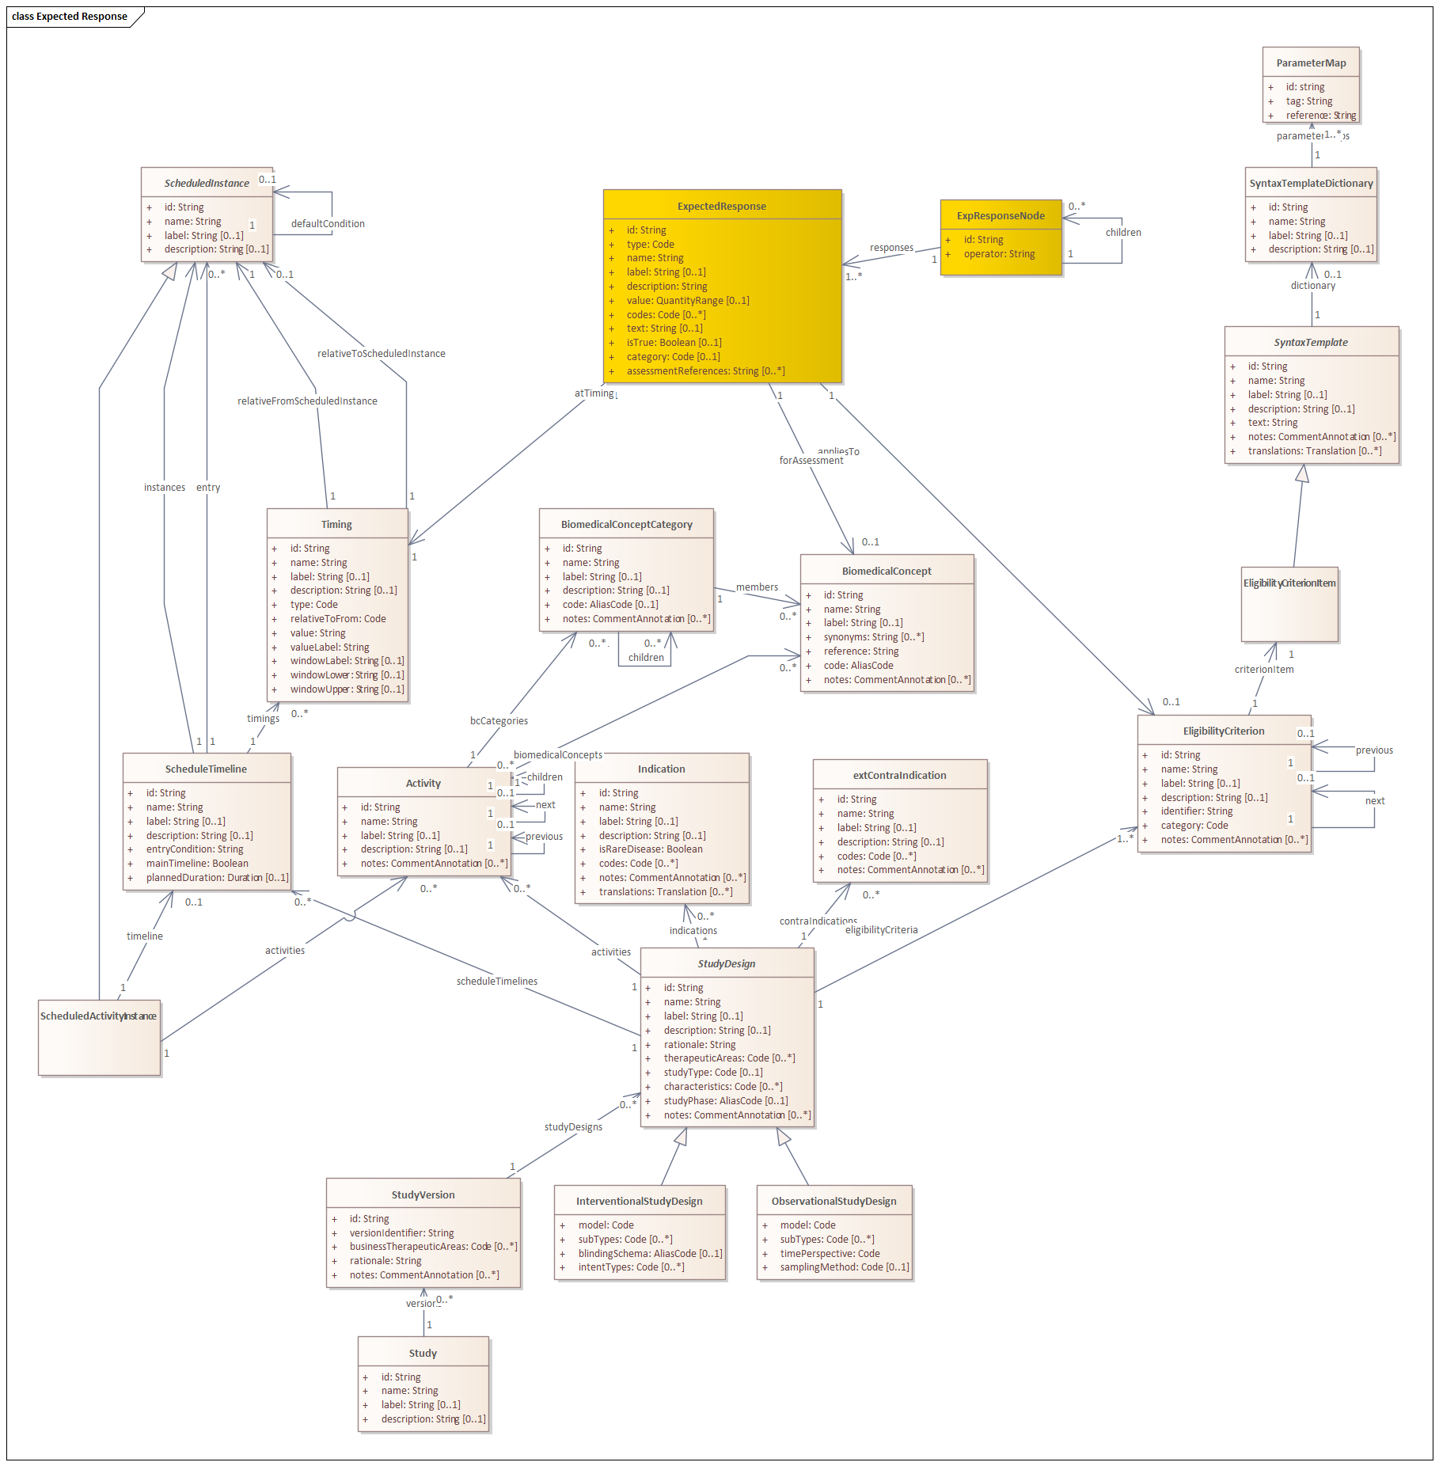
Notes
General | This proposed model extension is aligned to the IHI READi platform implementation and the FHIR Group resource
appliesTo relationship | It was considered to move this relationship to ExpResponseNode instead of ExpectedResponse. There are two reasons for not doing so:
 |  | The FHIR level of indicating include/exclude is at the characteristic level
 |  | This makes it more flexible if you would like to create/inform grouping of responses coming from different criteria.
 | The relationship should directly point to the eligibilityCriterion class as this includes the indication whether the corresponding response is an inclusion or exclusion criterion
expectedResponse.category | Category included per response - This can overrule the eligibilityCriterion.category -> because for the response it can be also opposite to the eligbility criterion category (e.g. Inclusion Criteria = 'disease A' and 'not condition B'); therefore it is now added as an option - if not filled the eligibilituCriterion.category would apply. But it can also be made required if needed.
expectedResponse.codes | The codes attribute is plural but is intended to add multiple codes for the sam singular expected response (like to add both SNOMED, ICD-10) which is a similar apporach as in the Indication class.
expectedResponse.assessmentReference | This can point to any item stored in USDM. Can be an activity linked to a Biomedical Concept or a Data element concept for example. The reference structure should be similar to how it is structured in the parameterMap class.
 | Can also be condition, age criteria, gender, footnotes …
 | other options:
 |  | more general -> references (can be confusing with FHIR references)
 |  | appliesTo relationships -> either BC, activity or BC property (more specific to the actual assessment and relationship with SoA)
expectedResponse.type | FhirType codelist, also used within READi as shortlisted in the group resourceType
node-operators | operator values can be AND or OR -> this might also be a refered to by a dedicated operator codelist.
 | More complex values might be needed in the future like: AND NOT -> that would flip the inclusion/exclusion of the expected response.

