Annotation Tracker
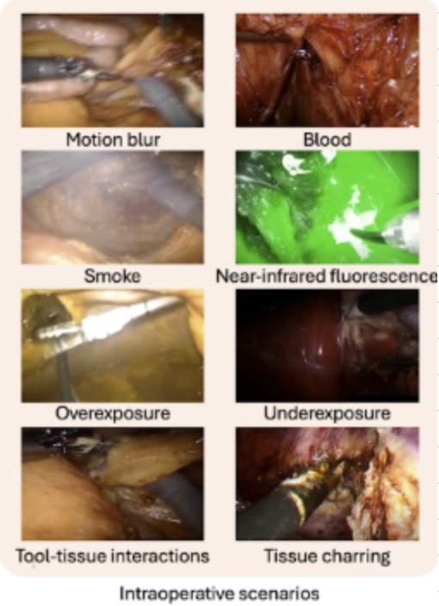
Column 1 | Video ID | File Name | Timestamp | Surgery Type | Video Resolution | Robotic | Annotator | Status | Challenges | No Tools | Notes
6 | -JYf3rHoWSw | assignedFrames/K24093140/-JYf3rHoWSw/frame_00006.jpg | 0:01:16 | hysterectomy | 1280x720 | FALSE | K24093140 | Completed | Underexposure | TRUE
17 | -up6i1Xo6y0 | assignedFrames/K24093140/-up6i1Xo6y0/frame_00017.jpg | 0:06:11 | cholecystectomy | 1280x720 | FALSE | K24093140 | Completed |  | TRUE
42 | 1lGF9nzUGOc | assignedFrames/K24093140/1lGF9nzUGOc/frame_00042.jpg | 0:02:06 | splenectomy | 1280x720 | FALSE | K24093140 | Completed |  | TRUE
47 | 26dFgaHz6WU | assignedFrames/K24093140/26dFgaHz6WU/frame_00047.jpg | 0:01:20 | adrenalectomy | 1280x720 | FALSE | K24093140 | Completed |  | TRUE
71 | 3A3F6hC-imY | assignedFrames/K24093140/3A3F6hC-imY/frame_00071.jpg | 0:02:49 | splenectomy | 1280x720 | FALSE | K24093140 | Completed |  | TRUE
104 | 4vfv5kE_sRo | assignedFrames/K24093140/4vfv5kE_sRo/frame_00104.jpg | 0:08:10 | appendectomy | 1280x720 | FALSE | K24093140 | Completed |  | TRUE
106 | 5B840yBRork | assignedFrames/K24093140/5B840yBRork/frame_00106.jpg | 0:01:58 | cholecystectomy | 1280x720 | TRUE | K24093140 | Completed |  | TRUE
109 | 5QxjR4hGaG0 | assignedFrames/K24093140/5QxjR4hGaG0/frame_00109.jpg | 0:06:27 | small_bowel_resection | 1280x720 | FALSE | K24093140 | Completed |  | TRUE
115 | 5wEQzqt18j0 | assignedFrames/K24093140/5wEQzqt18j0/frame_00115.jpg | 0:11:23 | adhesiolysis | 1280x720 | FALSE | K24093140 | Completed |  | TRUE
155 | 8-NRdM3OMig | assignedFrames/K24093140/8-NRdM3OMig/frame_00155.jpg | 0:07:27 | splenectomy | 1280x720 | TRUE | K24093140 | Completed |  | TRUE
174 | 8oDFM8ixGLU | assignedFrames/K24093140/8oDFM8ixGLU/frame_00174.jpg | 0:10:33 | nissen_fundoplication | 1280x720 | FALSE | K24093140 | Completed |  | TRUE
179 | 9H6Fdk7D648 | assignedFrames/K24093140/9H6Fdk7D648/frame_00179.jpg | 0:03:57 | appendectomy | 1280x720 | FALSE | K24093140 | Completed |  | TRUE
188 | A3_7wTOlqAc | assignedFrames/K24093140/A3_7wTOlqAc/frame_00188.jpg | 0:00:03 | gastrectomy | 1280x720 | FALSE | K24093140 | Completed |  | TRUE
199 | APVqkfmq8wY | assignedFrames/K24093140/APVqkfmq8wY/frame_00199.jpg | 0:01:50 | low_anterior_resection | 1280x720 | FALSE | K24093140 | Completed |  | TRUE
206 | AryrwT7hnic | assignedFrames/K24093140/AryrwT7hnic/frame_00206.jpg | 0:27:26 | colectomy | 1280x720 | FALSE | K24093140 | Completed |  | TRUE
225 | BwFMO5PlYZ4 | assignedFrames/K24093140/BwFMO5PlYZ4/frame_00225.jpg | 0:01:09 | pancreaticoduodenectomy | 1280x720 | FALSE | K24093140 | Completed |  | TRUE
236 | CSGUM2G0JTA | assignedFrames/K24093140/CSGUM2G0JTA/frame_00236.jpg | 0:03:53 | ulcer_repair | 1280x720 | FALSE | K24093140 | Completed |  | TRUE
241 | Cbf7E1WnX5I | assignedFrames/K24093140/Cbf7E1WnX5I/frame_00241.jpg | 0:14:36 | thymectomy | 1280x720 | FALSE | K24093140 | Completed |  | TRUE
247 | DCBiWivoSIs | assignedFrames/K24093140/DCBiWivoSIs/frame_00247.jpg | 0:03:10 | colectomy | 1280x720 | FALSE | K24093140 | Completed |  | TRUE
268 | Ecf1oZQHaDk | assignedFrames/K24093140/Ecf1oZQHaDk/frame_00268.jpg | 0:01:49 | adrenalectomy | 1280x720 | FALSE | K24093140 | Completed |  | TRUE
275 | ElIVc1u4_2A | assignedFrames/K24093140/ElIVc1u4_2A/frame_00275.jpg | 0:05:08 | nissen_fundoplication | 1280x720 | FALSE | K24093140 | Completed |  | TRUE
287 | FaDNYFz9_Vs | assignedFrames/K24093140/FaDNYFz9_Vs/frame_00287.jpg | 0:00:05 | hysterectomy | 960x720 | FALSE | K24093140 | Completed | Overexposure | TRUE
288 | FaDNYFz9_Vs | assignedFrames/K24093140/FaDNYFz9_Vs/frame_00288.jpg | 0:00:15 | hysterectomy | 960x720 | FALSE | K24093140 | Completed | Overexposure | TRUE
326 | IAqfB78umAM | assignedFrames/K24093140/IAqfB78umAM/frame_00326.jpg | 0:02:01 | hernia_repair | 1280x720 | FALSE | K24093140 | Completed |  | TRUE
357 | KVpyt8ALRxg | assignedFrames/K24093140/KVpyt8ALRxg/frame_00357.jpg | 0:00:26 | ulcer_repair | 1280x720 | FALSE | K24093140 | Completed |  | TRUE
409 | Om6c9M9Di5w | assignedFrames/K24093140/Om6c9M9Di5w/frame_00409.jpg | 0:03:58 | appendectomy | 1280x720 | FALSE | K24093140 | Completed |  | TRUE
422 | PeGLJtspsyI | assignedFrames/K24093140/PeGLJtspsyI/frame_00422.jpg | 0:07:05 | gastrectomy | 1280x720 | FALSE | K24093140 | Completed |  | TRUE
444 | QhK13Tkey8I | assignedFrames/K24093140/QhK13Tkey8I/frame_00444.jpg | 0:00:21 | thymectomy | 1280x720 | FALSE | K24093140 | Completed |  | TRUE
453 | Qxq4gSngk_c | assignedFrames/K24093140/Qxq4gSngk_c/frame_00453.jpg | 0:01:48 | hartmanns | 1280x720 | FALSE | K24093140 | Completed |  | TRUE
469 | RjXqHDUznEY | assignedFrames/K24093140/RjXqHDUznEY/frame_00469.jpg | 0:00:10 | hepatectomy | 1280x720 | FALSE | K24093140 | Completed |  | TRUE
...
Column 1 | Video ID | File Name | Timestamp | Surgery Type | Video Resolution | Robotic | Annotator | Status | Challenges | No Tools | Notes
4970 | xmzYWFBy3hc | assignedFrames/K25125342/xmzYWFBy3hc/frame_04970.jpg | 0:01:11 | small_bowel_resection | 1280x720 | TRUE | K25125342 | Completed |  | TRUE

