Symbols & Notations
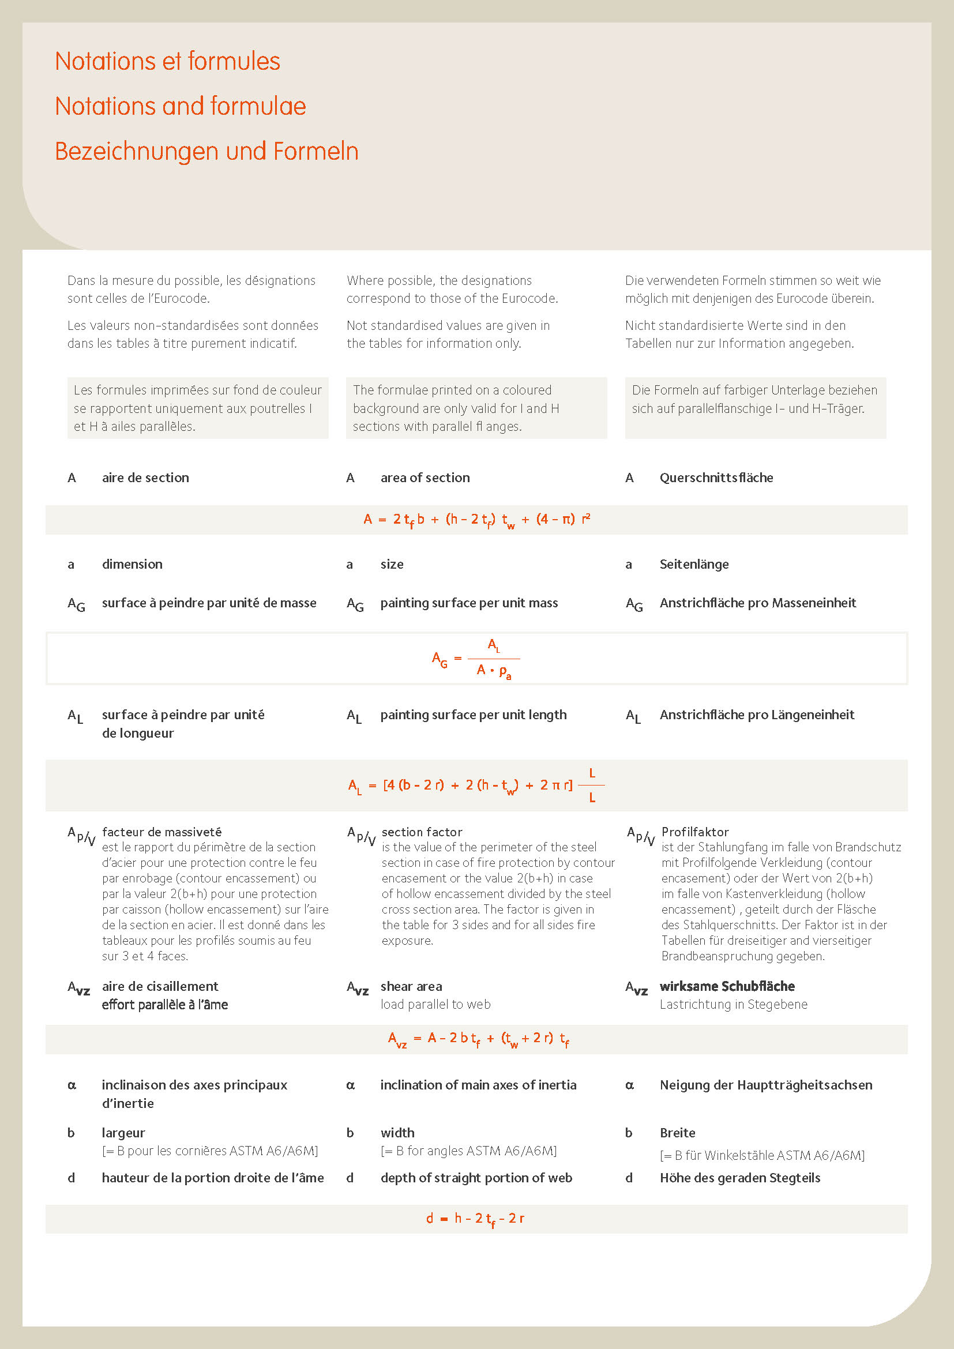
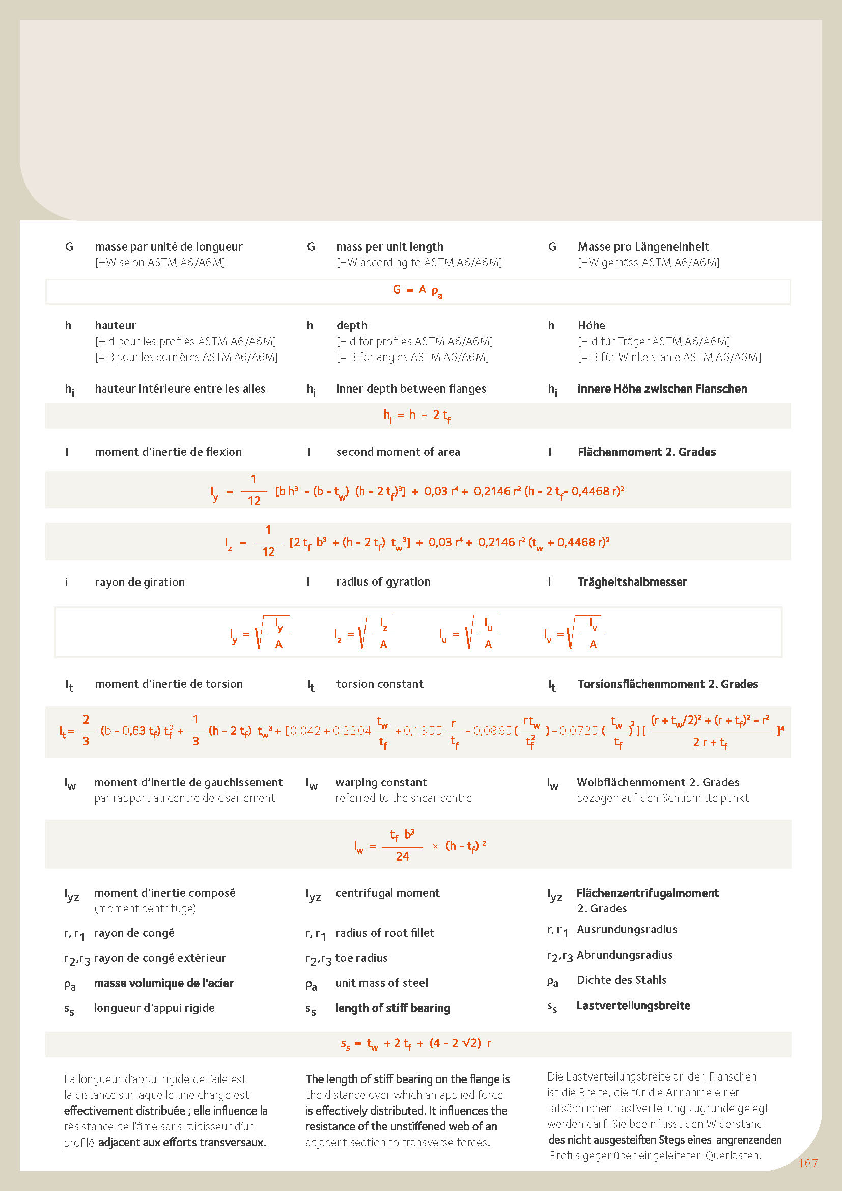
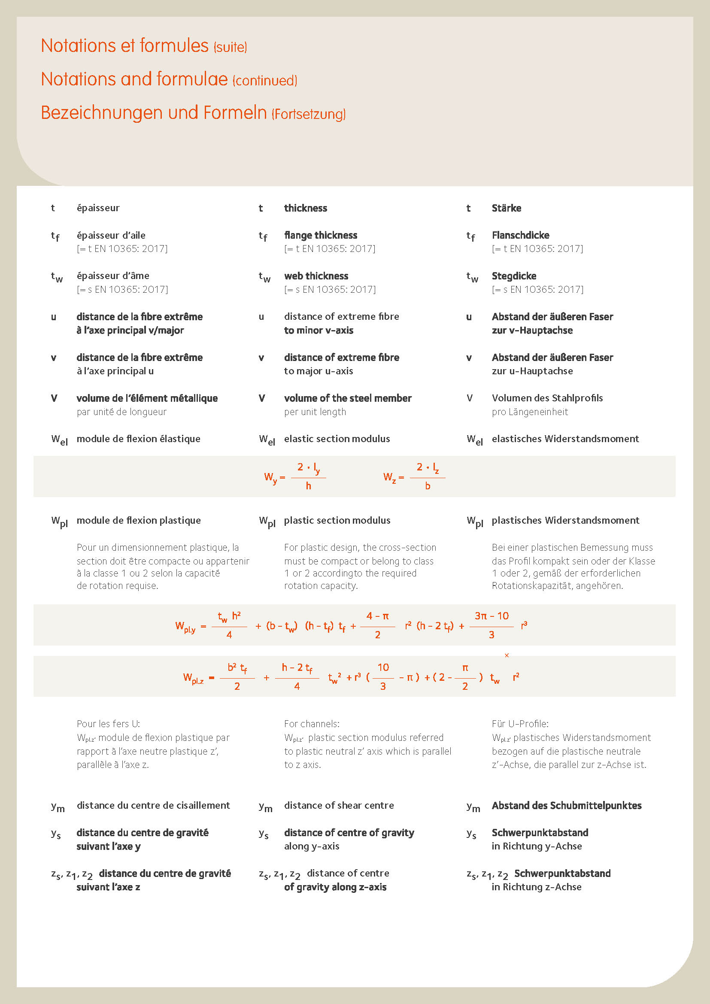
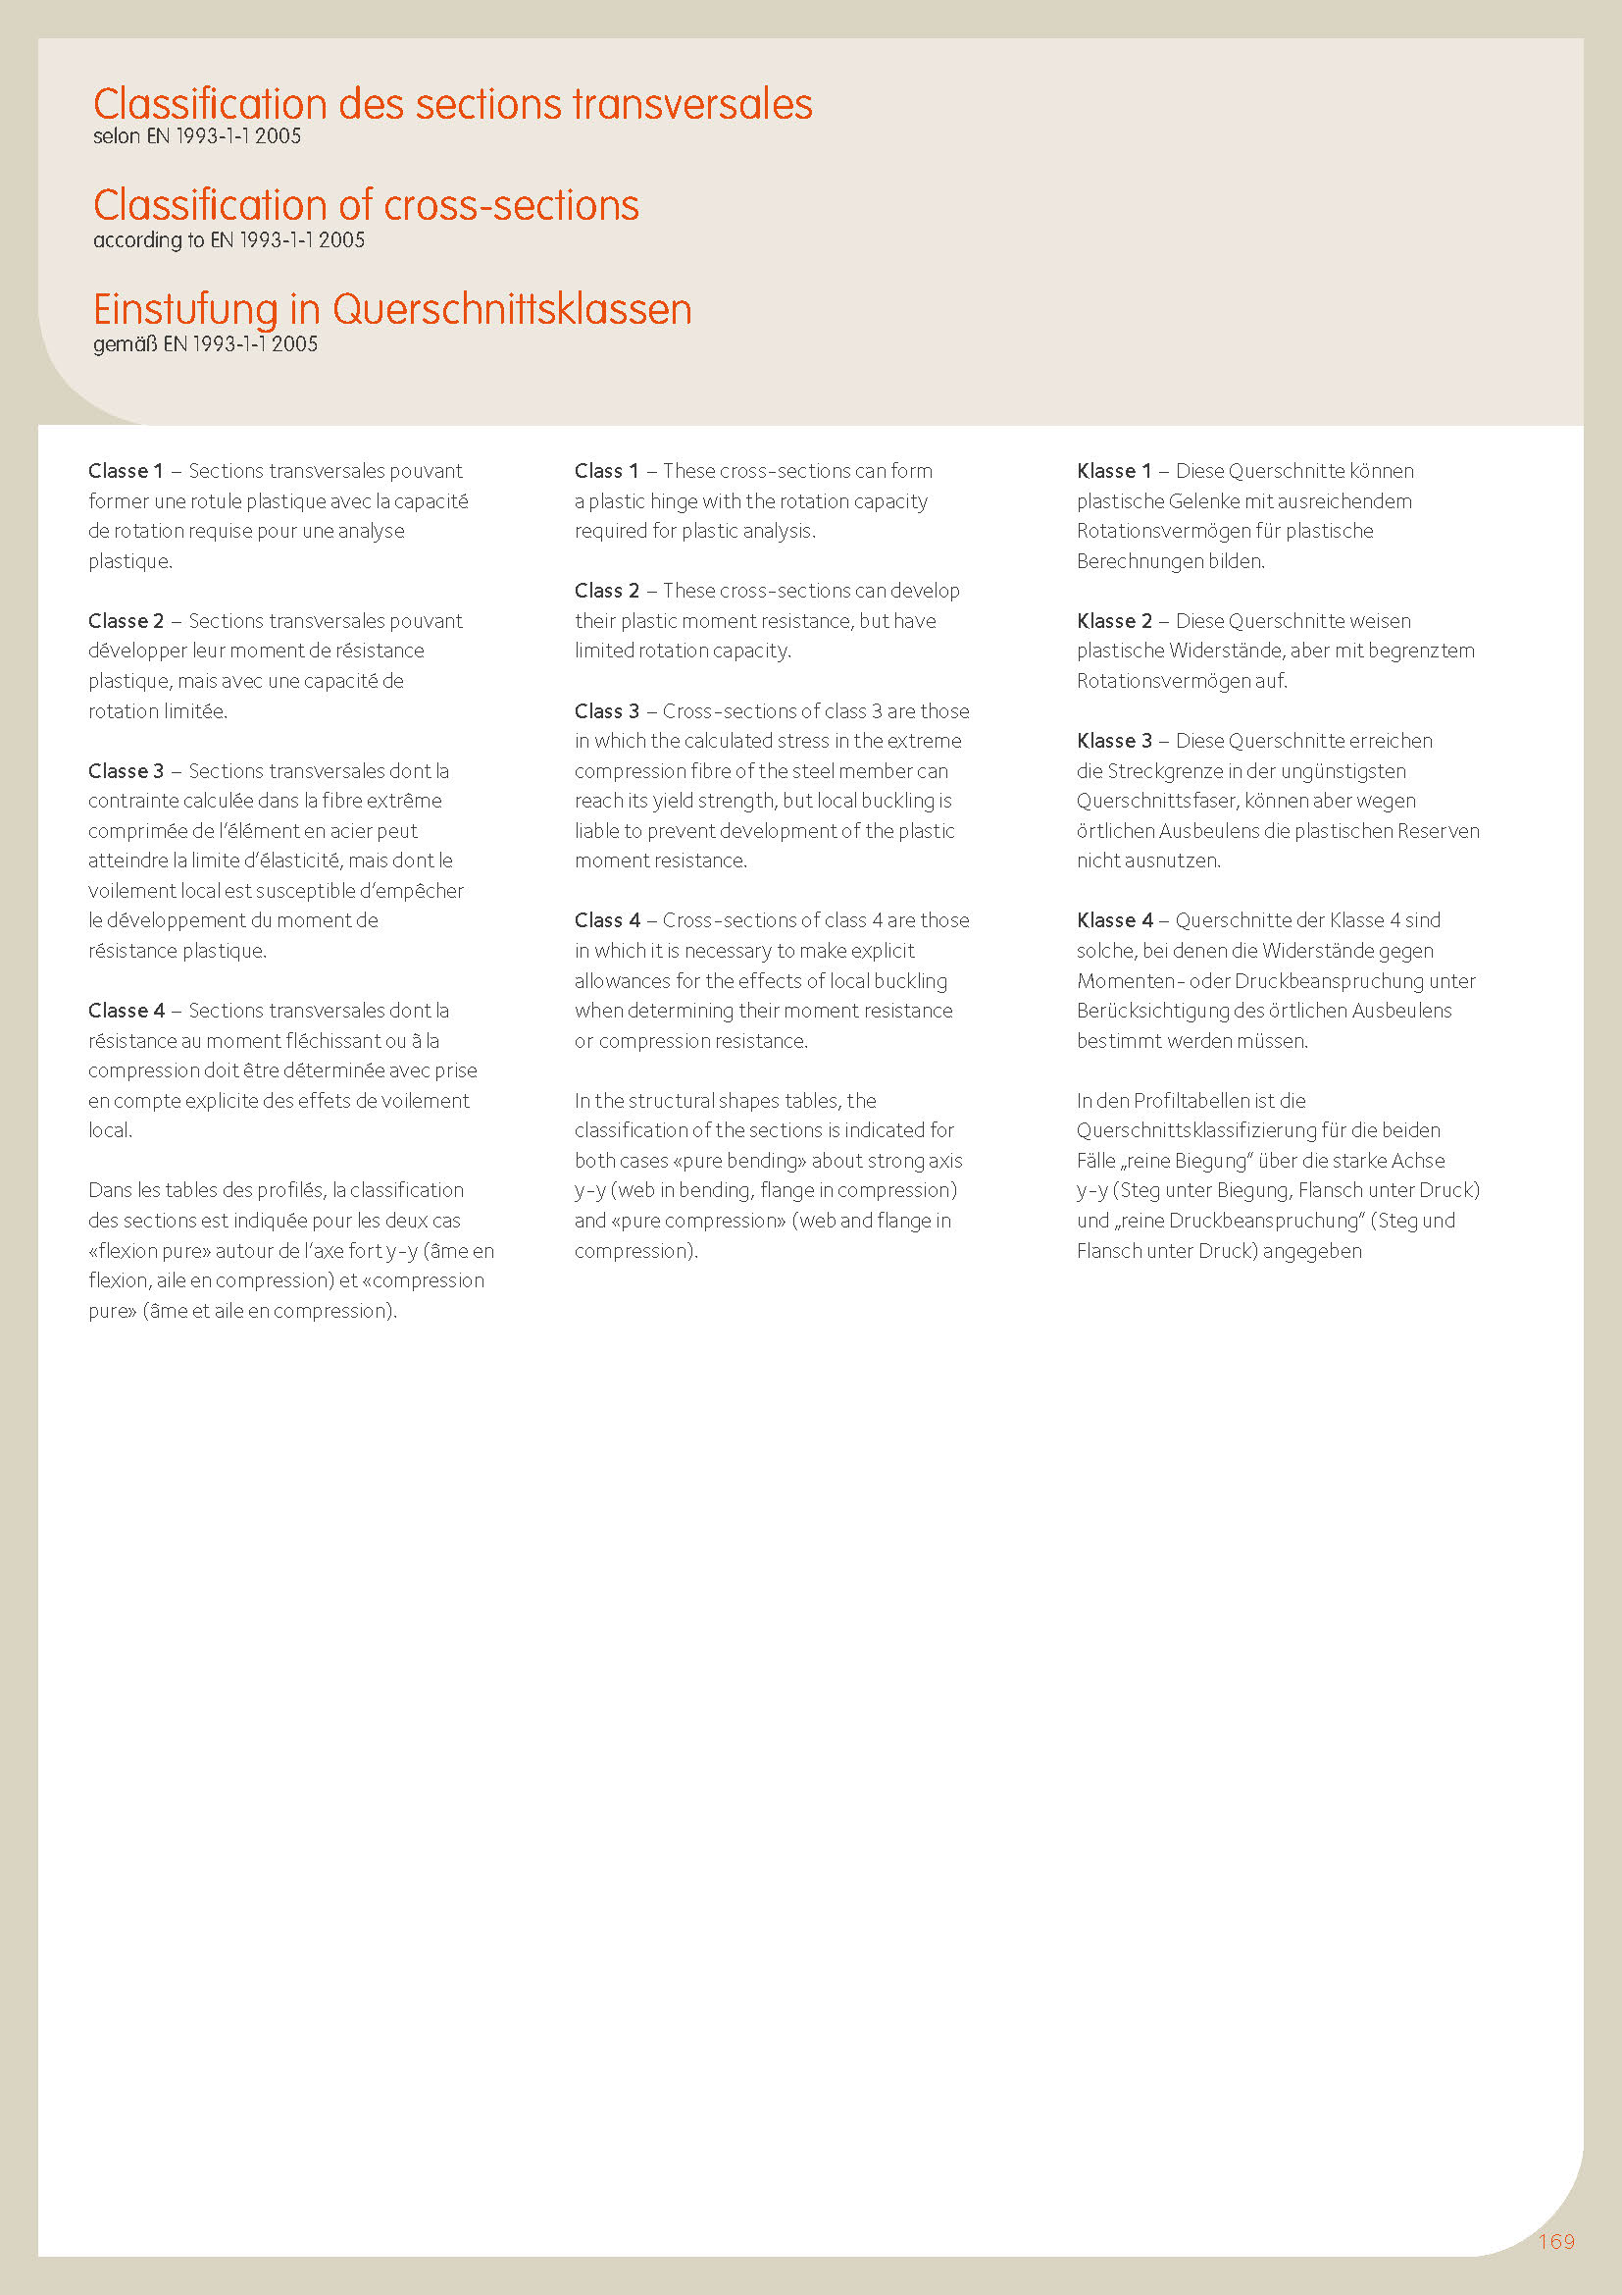
Steel Grades
HI | available in HISTAR fine grain structural steel grades according to ETA-10/0156
Delivery conditions:
T | Minimum tonnage and delivery conditions upon agreement
40 | section with minimum order: 40t per section and grade or upon agreement.

