Language Hyperlink
Test Case ID |  | TC_010 | Test Case Description | Switching Google Language to Arabic
Created By |  | Ihab Atef | Reviewed By

Tester's Name |  | Ihab Atef | Date Tested | 26-Nov-2021 |  | Test Case (Pass/Fail/Not Executed/Blocked) |  | Fail

S # | Prerequisites: |  |  | S # | Test Data
1 | Access to Chrome Browser |  |  | 1 | Search Engine URL : https://www.google.com
2 | Google site is up and working |  |  | 2
3 |  |  |  | 3
4 |  |  |  | 4

Test Scenario | Google Search UI Functionality

Step # | Step Details |  | Expected Results | Actual Results |  |  | Pass / Fail / Not executed / Suspended |  | Attachments | Testing Device | Comments

1 | Navigate to Search Engine URL |  | Site should open. | As Expected |  |  | Pass
2 | Click on "العربية" hyperlink |  | 1.Google UI Language is set to Arabic 2.Search features should be the same | A new feature (on-screen keyboard) appears inside the search Textbox "ادوات الادخال" |  |  | Fail |  | 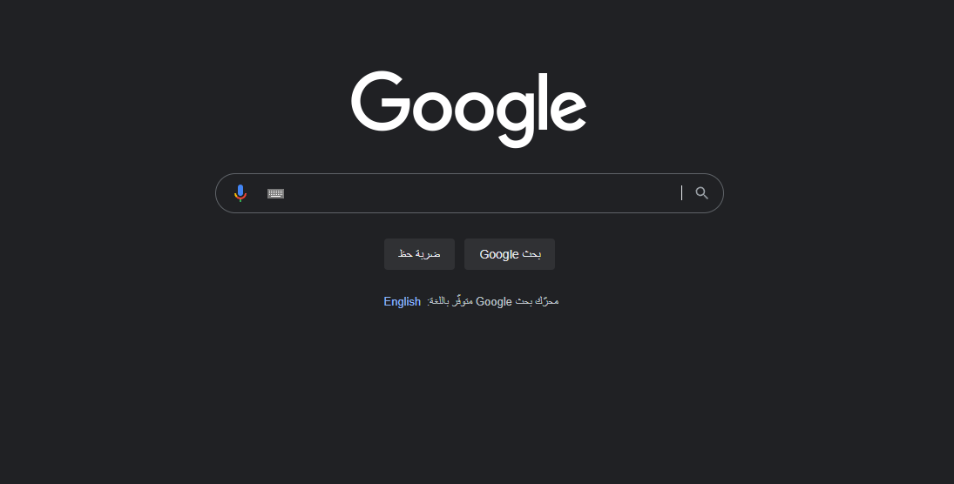 | Laptop | 1.Search input features should not depend on the selected language. 2.Issue only found upon selecting only the arabic language hyperlink (Tested other hyperlinks) 2.Upon Testing same testcase on an android device, the issue was not found.

