DeployCAS
This text helps you compile the cas from the source code and deploy to the Tomcat server

Prerequisite
 | Java 1.7 or later
 | Maven 3.2.1 or later

1 | How to download and compile the source code
 | Download the source code. Ex the version 4.1.8 is from:
 |  | https://github.com/apereo/cas/tree/v4.1.8

 | Extract the compressed file.
 | From the folder of the source code. Execute command:
 |  | mvn package -Dmaven.test.skip=true

 | The error outputs as below:
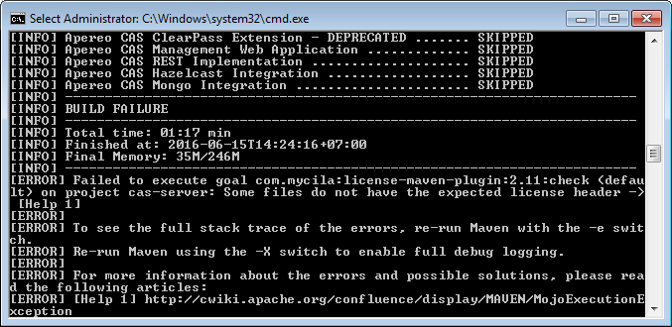

2 | Modify file "./pom.xml"

 | <plugin> |  | <plugin>
 | <groupId>com.mycila</groupId> |  | <groupId>com.mycila</groupId>
 | <artifactId>license-maven-plugin</artifactId> |  | <artifactId>license-maven-plugin</artifactId>
 | <configuration> |  | <configuration>
 | <header>${cs.dir}/src/licensing/header.txt</header> |  | <header>${licenseHeader}</header>
 | <skipExistingHeaders>true</skipExistingHeaders> |  | <skipExistingHeaders>true</skipExistingHeaders>
 | <strictCheck>true</strictCheck> |  | <strictCheck>true</strictCheck>
 | <headerDefinitions> |  | <headerDefinitions>
 | <headerDefinition>${cs.dir}/src/licensing/header-definitions.xml</headerDefinition> |  | <headerDefinition>${cs.dir}/src/licensing/header-definitions.xml</headerDefinition>

 | Now can you recompile with below command again:

 |  | mvn package -Dmaven.test.skip=true

 | After compiled successfully, you can deploy the cas web application at "\cas-server-webapp\target\cas.war" into your tomcat to try it.

3 | Setting to support authentication by LDAP and Active Directory also
 | Modify "cas-server-webapp\pom.xml"

 | <dependency> |  | <dependency>
 | <groupId>org.springframework</groupId> |  | <groupId>org.springframework</groupId>
 | <artifactId>spring-expression</artifactId> |  | <artifactId>spring-expression</artifactId>
 | <scope>runtime</scope> |  | <scope>runtime</scope>
 | </dependency> |  | </dependency>

 |  |  | <!-- Thach.Add libraries for CAS Authencation.START -->
 |  |  | <dependency>
 |  |  | <groupId>org.jasig.cas</groupId>
 |  |  | <artifactId>cas-server-support-ldap</artifactId>
 |  |  | <version>${project.version}</version>
 |  |  | </dependency>
 |  |  | <!-- Solve issue: https://groups.google.com/forum/#!topic/jasig-cas-user/2eKh4ZvjhuY
 |  |  | http://jasig.github.io/cas/4.1.x/protocol/SAML-Protocol.html
 |  |  | -->
 |  |  | <dependency>
 |  |  | <groupId>org.jasig.cas</groupId>
 |  |  | <artifactId>cas-server-support-saml</artifactId>
 |  |  | <version>${project.version}</version>
 |  |  | </dependency>

 |  |  | <dependency>
 |  |  | <groupId>org.springframework.ldap</groupId>
 |  |  | <artifactId>spring-ldap-core</artifactId>
 |  |  | <version>2.0.2.RELEASE</version>
 |  |  | </dependency>

 |  |  | <dependency>
 |  |  | <groupId>org.springframework.ldap</groupId>
 |  |  | <artifactId>spring-ldap</artifactId>
 |  |  | <version>1.2.1</version>
 |  |  | </dependency>

 |  |  | <dependency>
 |  |  | <groupId>org.ldaptive</groupId>
 |  |  | <artifactId>ldaptive</artifactId>
 |  |  | <version>1.0.5</version>
 |  |  | </dependency>
 |  |  | <!-- Thach.Add libraries for CAS Authencation.END -->

 | Now you can redeploy the cas.war into your Tomcat.
4 | Configure to allow the cas support LDAP or Active Directory
 | Modify "$TOMCAT_HOME/webapps/cas/WEB-INF/deployerConfigContext.xml":
 |  | Refer sheet "deployerConfigContext.xml" (focus on red and blue sections)
 | Modify "$TOMCAT_HOME/webapps/cas/WEB-INF/cas.properties":
 |  | Refer sheet "cas.properties" (focus on red and blue sections)

